OFFER
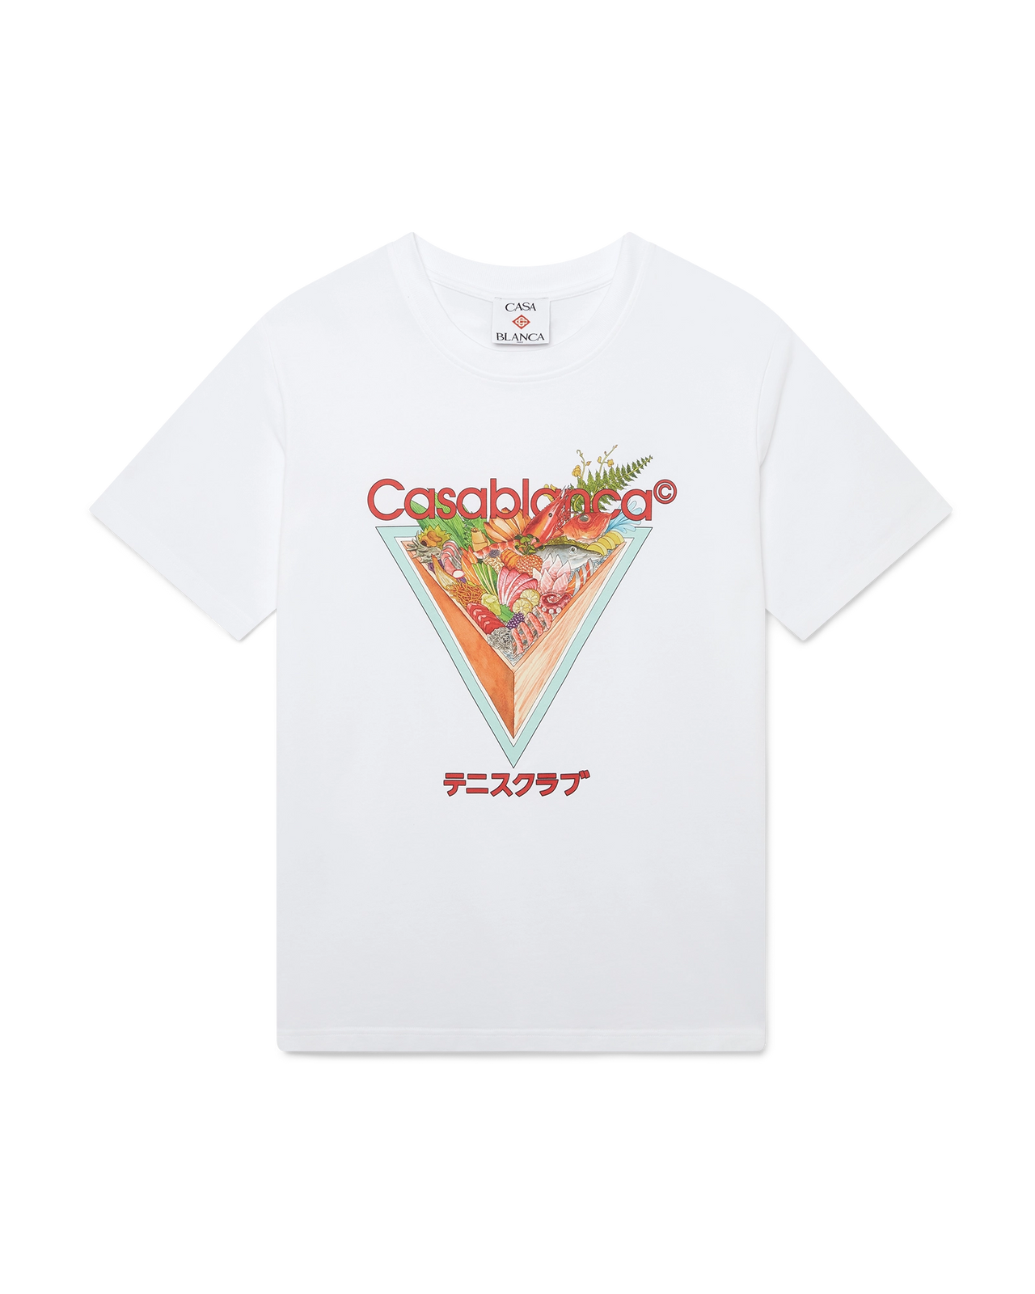
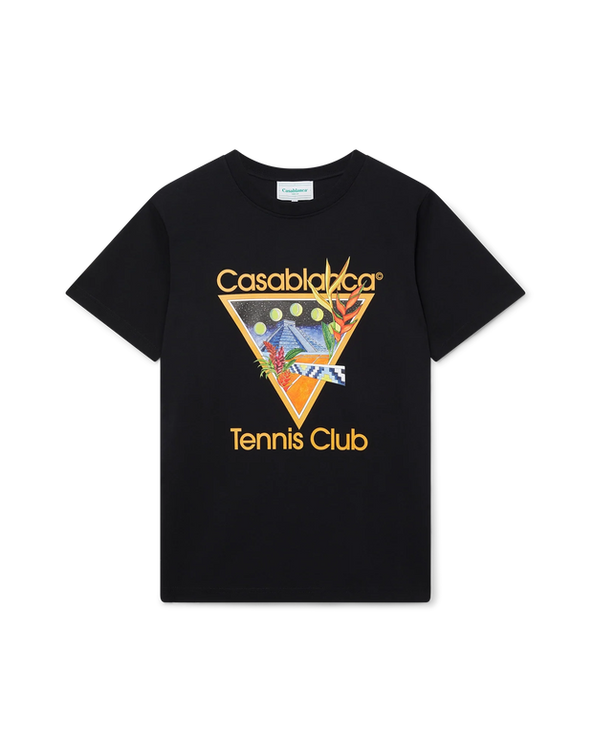
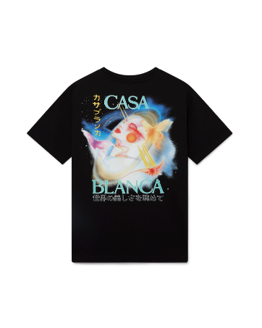
FOTO | DESCRIZIONE | COMPOSIZIONE | MADE IN | COL | S | M | L | XL | XXL | QTY | RRP € | RRP TOT € | 72% OFF RRP COST € | COST TOT € | COST £ | COST TOT £
 | TENNIS CLUB ICON SHORT SLEEVE T-SHIRT | 100% ORGANIC COTTON | PORTUGAL | WHITE | 0 | 0 | 16 | 3 | 2 | 21 | € 230.00 | € 4,830.00 | € 64.40 | € 1,352.40 | £56.74 | £1,191.54
 | Maglietta a maniche corte con icona del Tennis Club | 100% ORGANIC COTTON | PORTUGAL | BLACK | 0 | 0 | 5 | 5 | 1 | 11 | € 230.00 | € 2,530.00 | € 64.40 | € 708.40 | £56.74 | £624.14
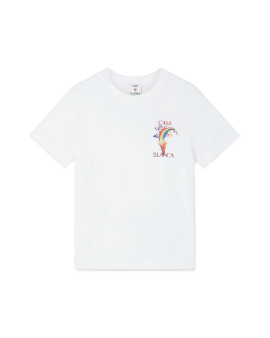
 | Maglietta a maniche corte Galactic Connection | 100% ORGANIC COTTON | PORTUGAL | black | 5 | 2 | 13 | 10 | 1 | 31 | € 230.00 | € 7,130.00 | € 64.40 | € 1,996.40 | £56.74 | £1,758.94
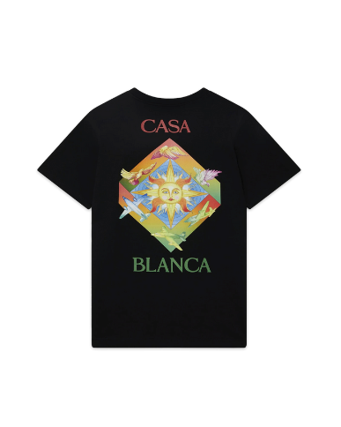
 | Maglietta a maniche corte Nature's Teacher | 100% ORGANIC COTTON | PORTUGAL | BLACK | 0 | 0 | 2 | 1 | 2 | 5 | € 250.00 | € 1,250.00 | € 70.00 | € 350.00 | £61.67 | £308.37
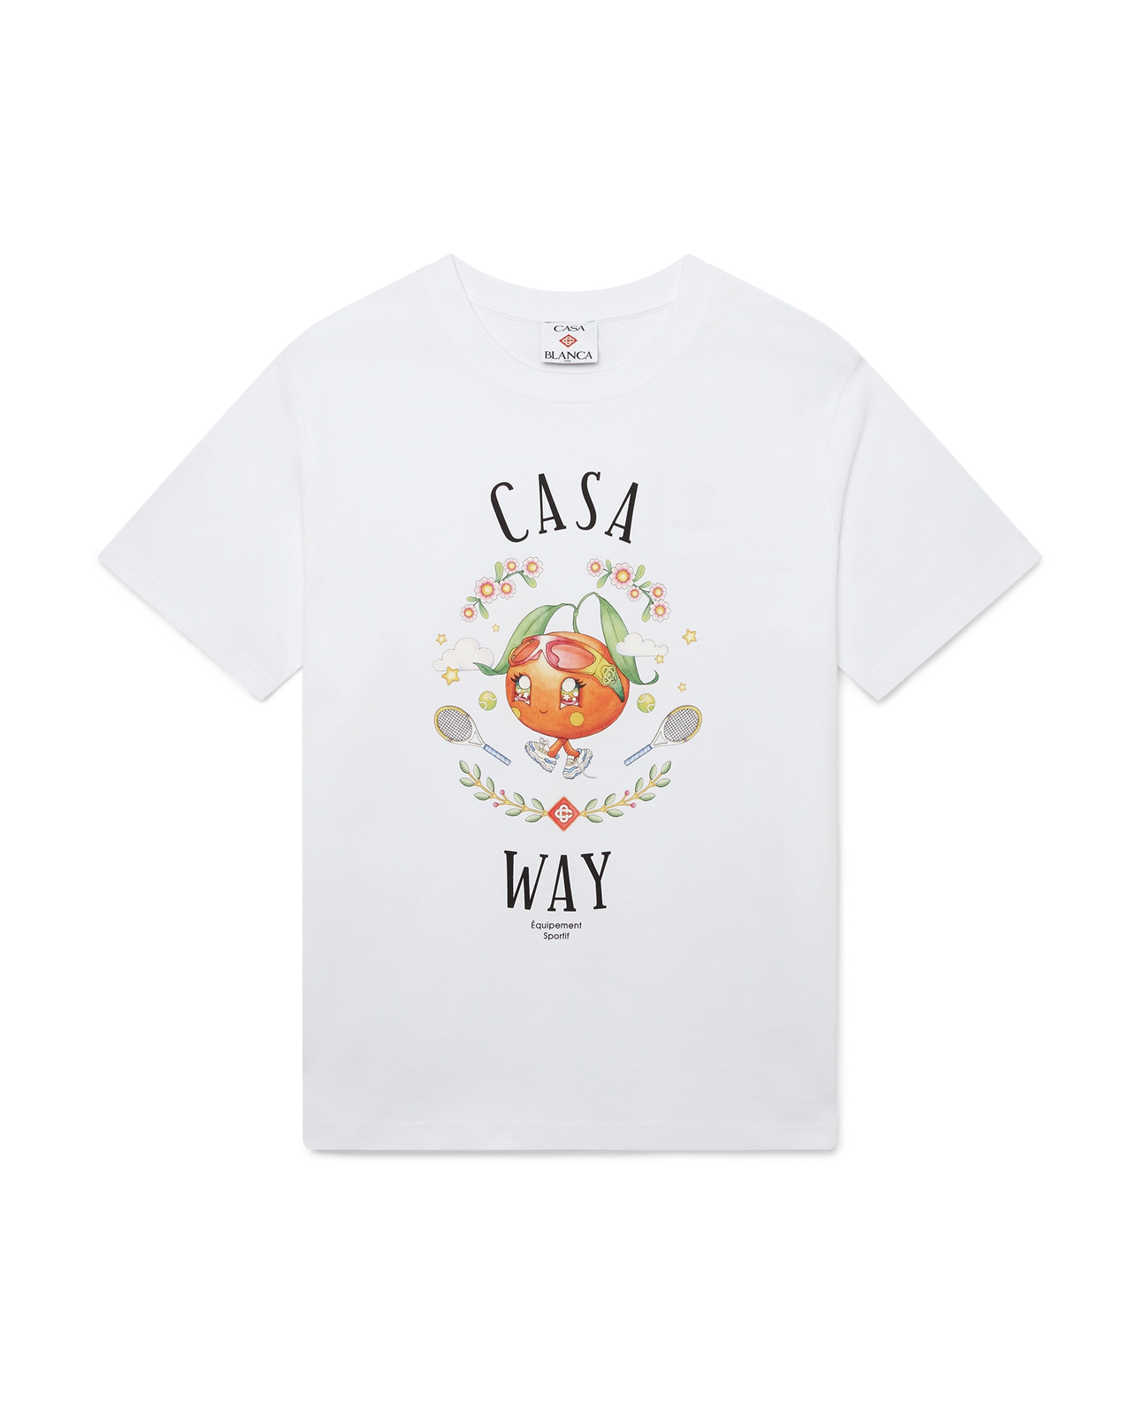
 | Maglietta a maniche corte Les Elements | 100% ORGANIC COTTON | PORTUGAL | black | 0 | 0 | 1 | 1 | 2 | 4 | € 250.00 | € 1,000.00 | € 70.00 | € 280.00 | £61.67 | £246.70
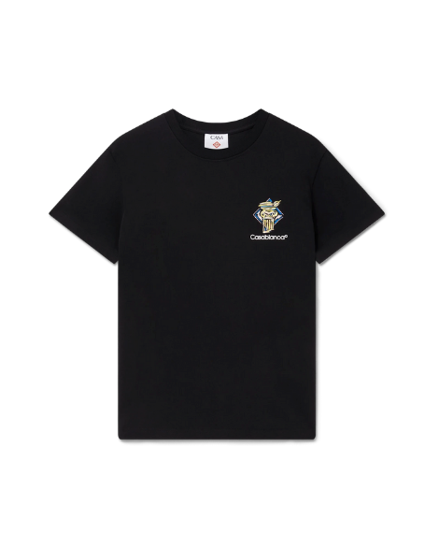
 | CASA WAY ORANGE MASCOT SHORT SLEEVE T-SHIRT | 100% ORGANIC COTTON | PORTUGAL | WHITE | 3 | 2 | 14 | 9 | 0 | 28 | € 230.00 | € 6,440.00 | € 64.40 | € 1,803.20 | £56.74 | £1,588.72
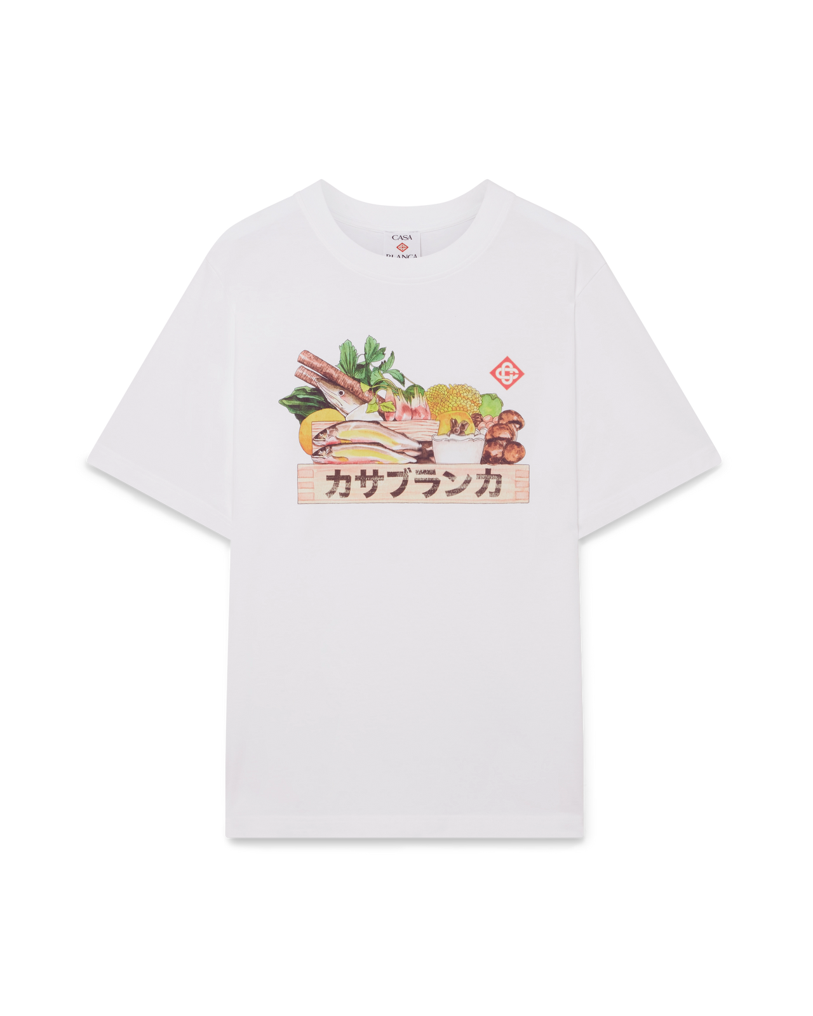
 | Maglietta a maniche corte con colonna di diamanti | 100% ORGANIC COTTON | PORTUGAL | black | 0 | 0 | 2 | 2 | 3 | 7 | € 230.00 | € 1,610.00 | € 64.40 | € 450.80 | £56.74 | £397.18
 | INGREDIENTS SHORT SLEEVE T-SHIRT | 100% ORGANIC COTTON | PORTUGAL | WHITE | 0 | 0 | 2 | 1 | 1 | 4 | € 230.00 | € 920.00 | € 64.40 | € 257.60 | £56.74 | £226.96
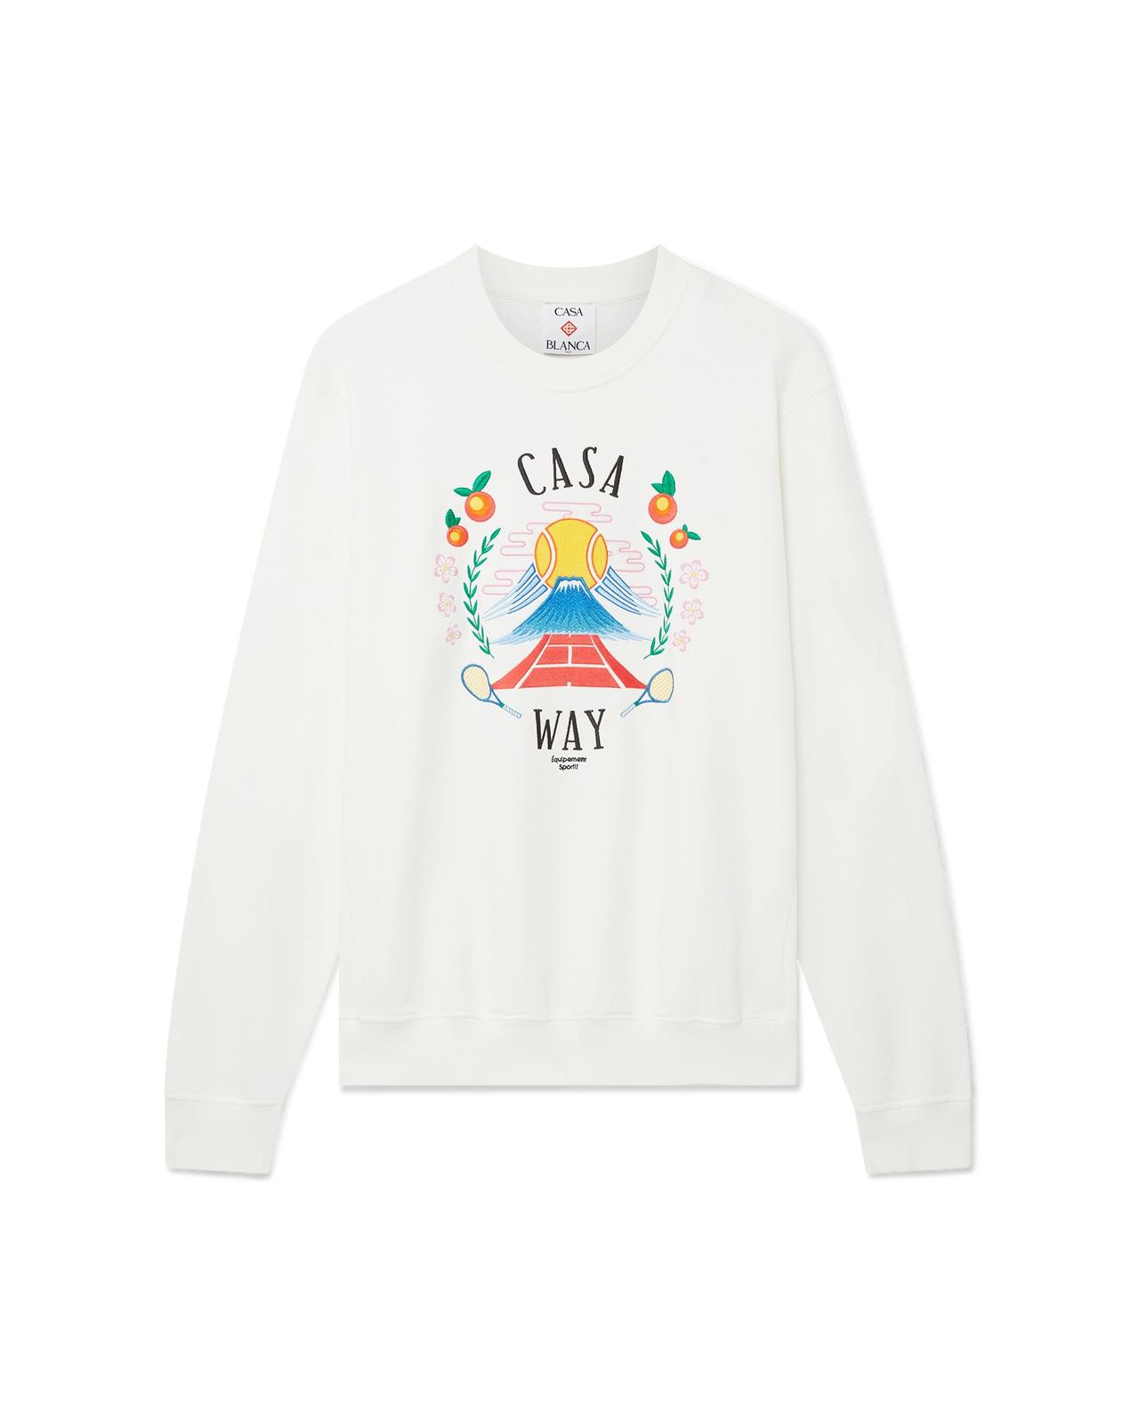
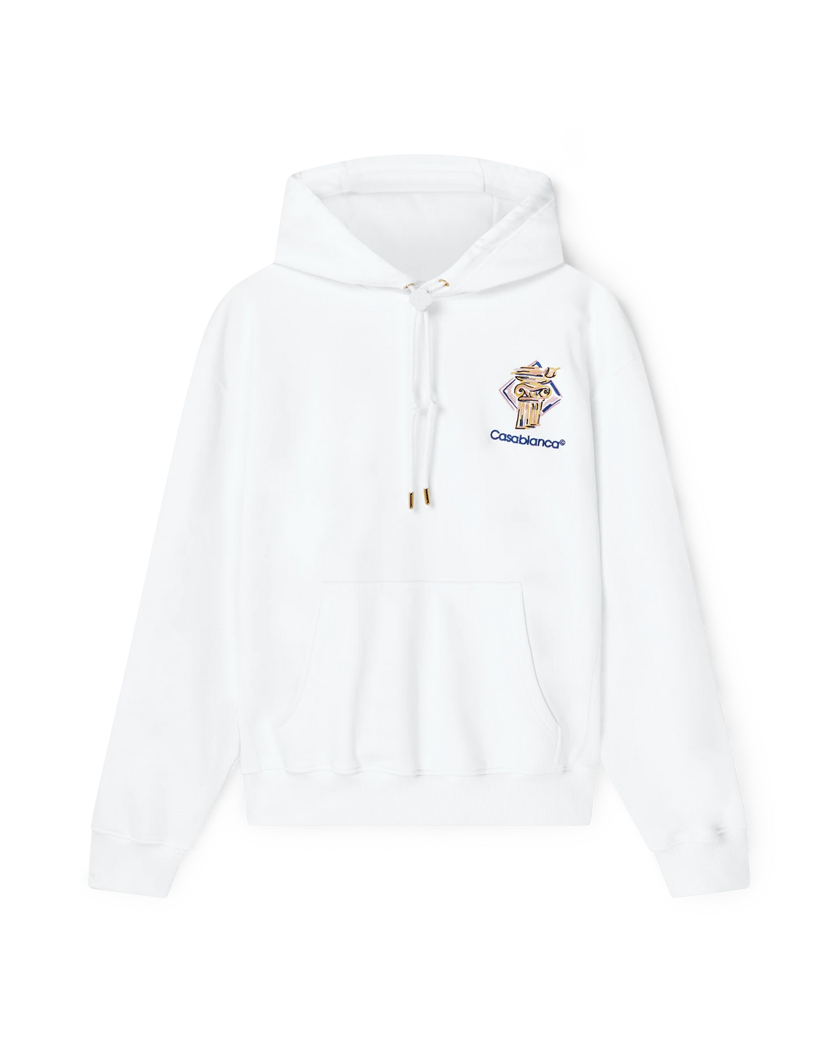 | DIAMOND COLUMN HOODED SWEATSHIRT | Main: 100% organic cotton | PORTUGAL | WHITE | 3 | 7 | 10 | 8 | 8 | 36 | € 480.00 | € 17,280.00 | € 134.40 | € 4,838.40 | £118.41 | £4,262.91
 | CASA WAY MOUNTAIN SWEATSHIRT | Main: 100% organic cotton | PORTUGAL | WHITE | 5 | 10 | 11 | 8 | 5 | 39 | € 470.00 | € 18,330.00 | € 131.60 | € 5,132.40 | £115.95 | £4,521.94
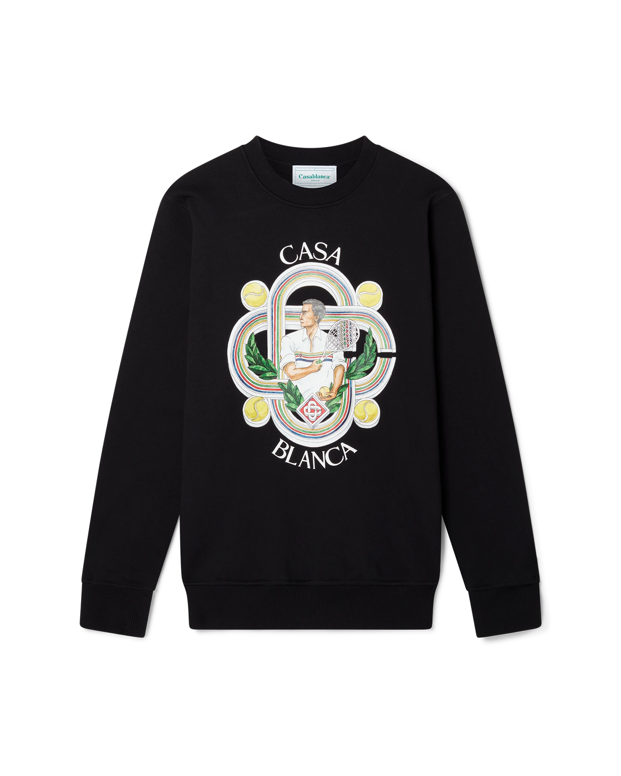 | LE JOUEUR SWEATSHIRT | Main: 100% organic cotton | PORTUGAL | BLACK | 4 | 9 | 10 | 9 | 6 | 38 | € 450.00 | € 17,100.00 | € 126.00 | € 4,788.00 | £111.01 | £4,218.50
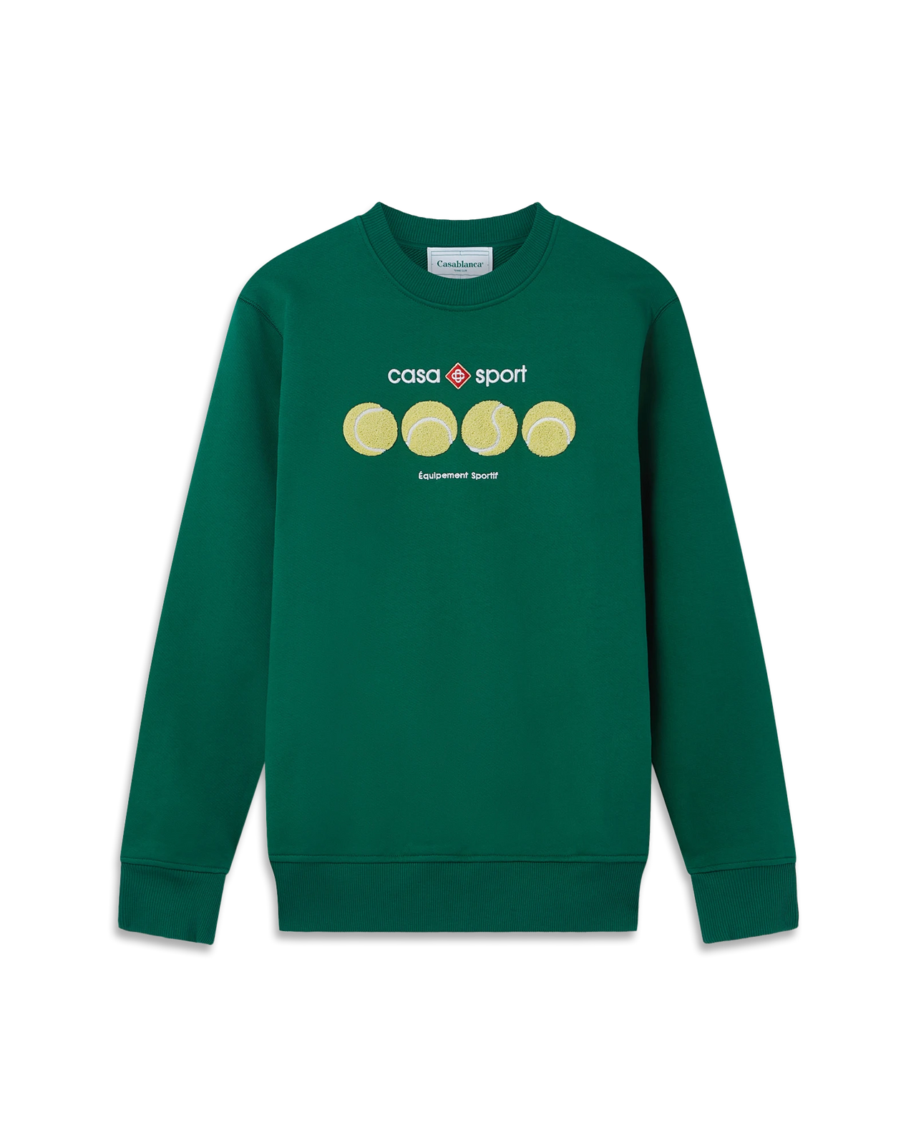
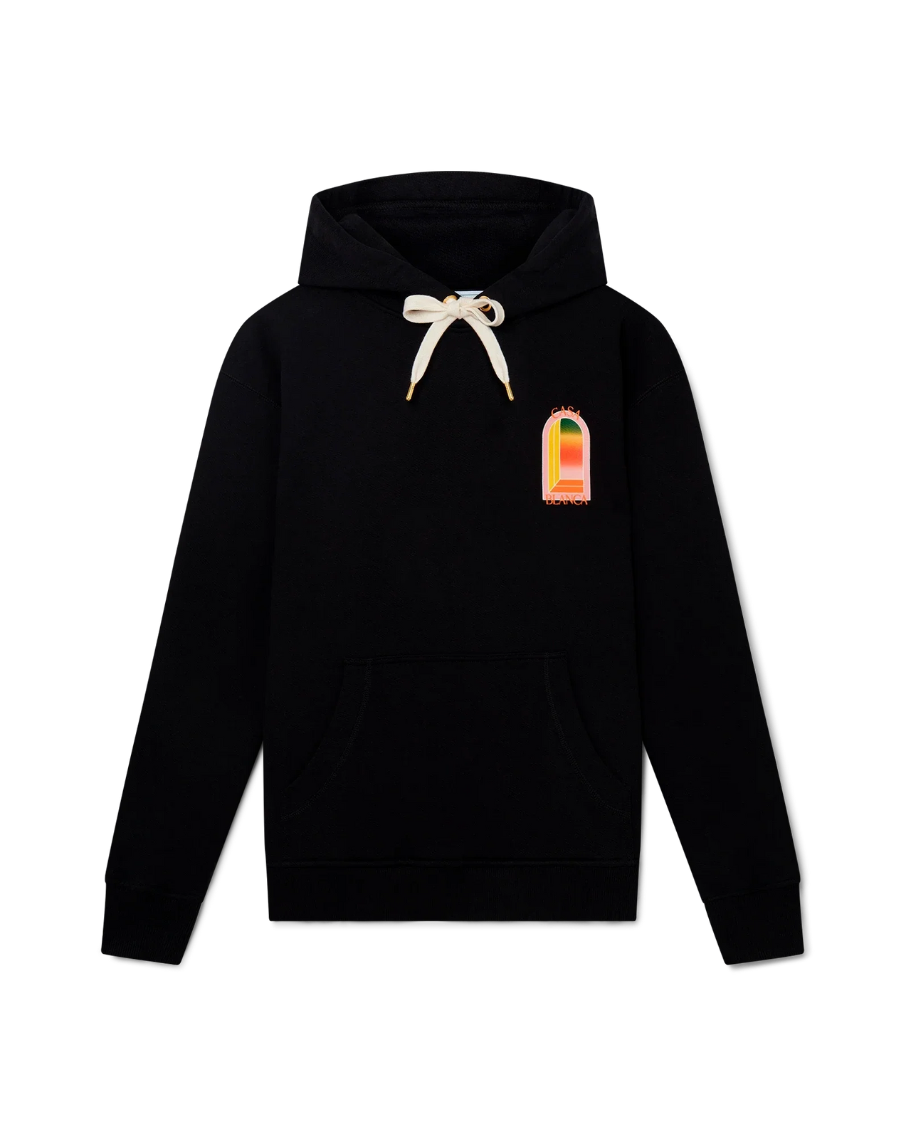 | GRADIENT L'ARCHE HOODED SWEATSHIRT | Main: 100% organic cotton | PORTUGAL | BLACK | 4 | 9 | 10 | 12 | 5 | 40 | € 510.00 | € 20,400.00 | € 142.80 | € 5,712.00 | £125.81 | £5,032.60
 | CASA SPORT TENNIS BALLS SWEATSHIRT | Main: 100% organic cotton | PORTUGAL | GREEN | 4 | 8 | 12 | 9 | 5 | 38 | € 470.00 | € 17,860.00 | € 131.60 | € 5,000.80 | £115.95 | £4,405.99
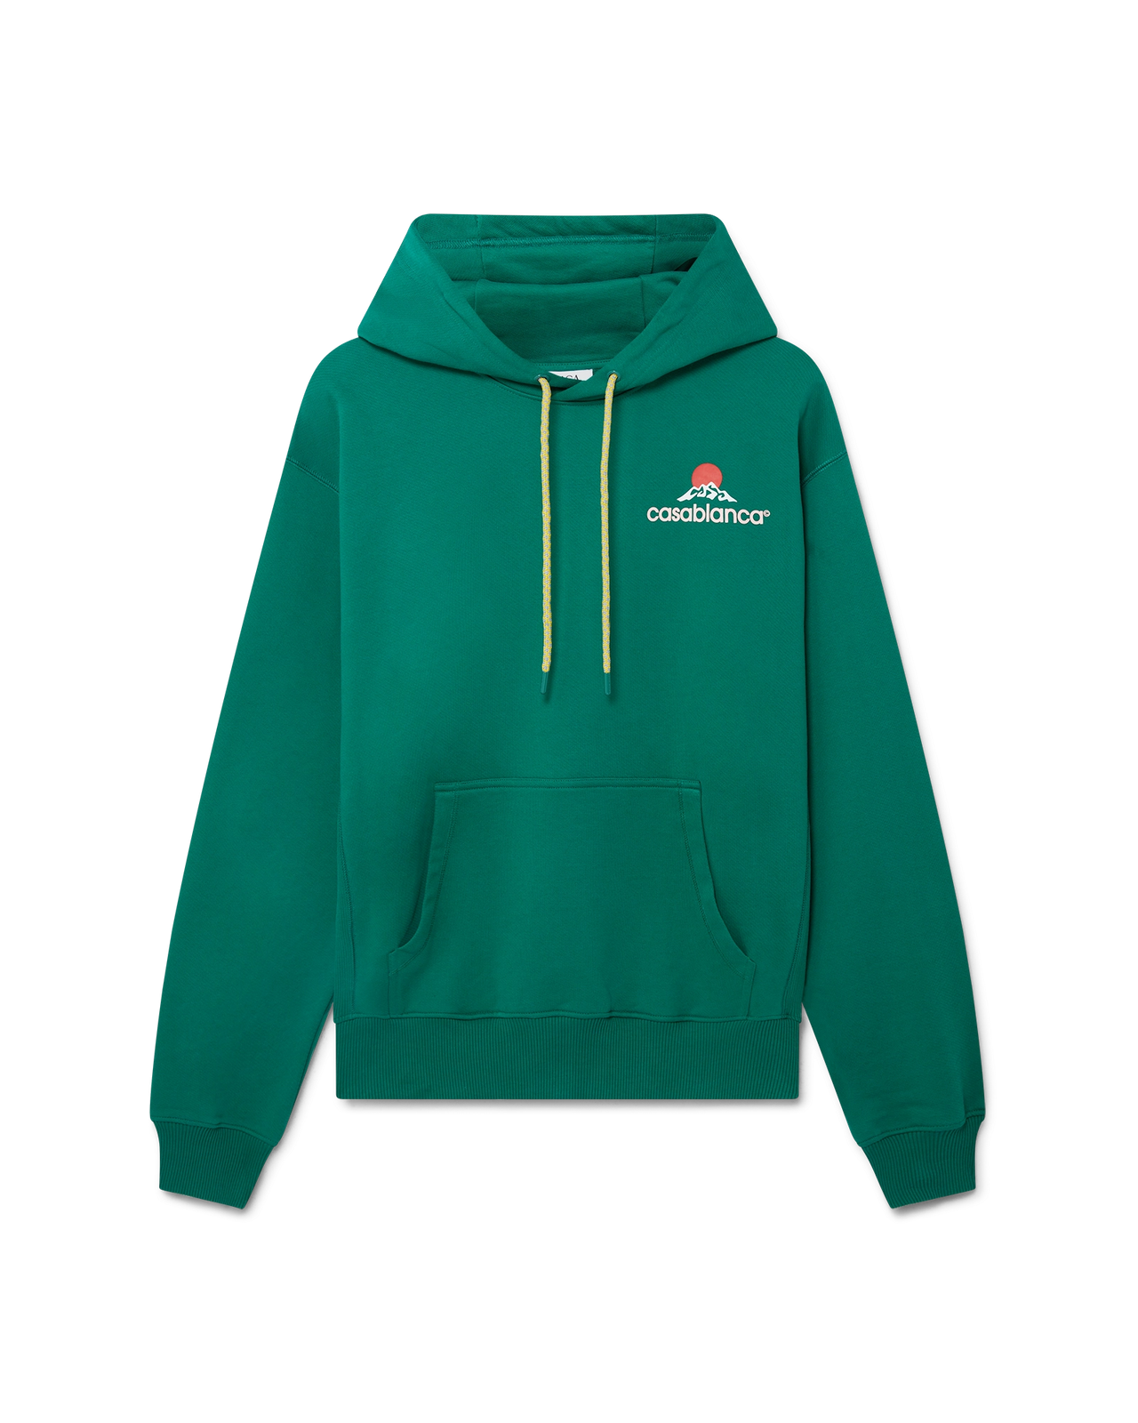 | MONTAGNE HOODED SWEATSHIRT | Main: 100% organic cotton | PORTUGAL | GREEN | 5 | 10 | 9 | 9 | 5 | 38 | € 470.00 | € 17,860.00 | € 131.60 | € 5,000.80 | £115.95 | £4,405.99
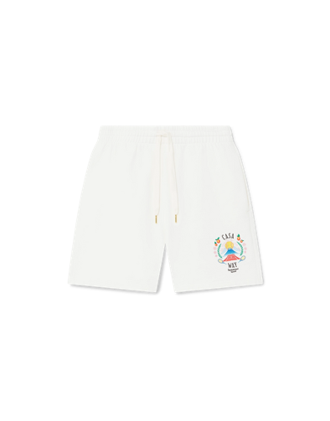
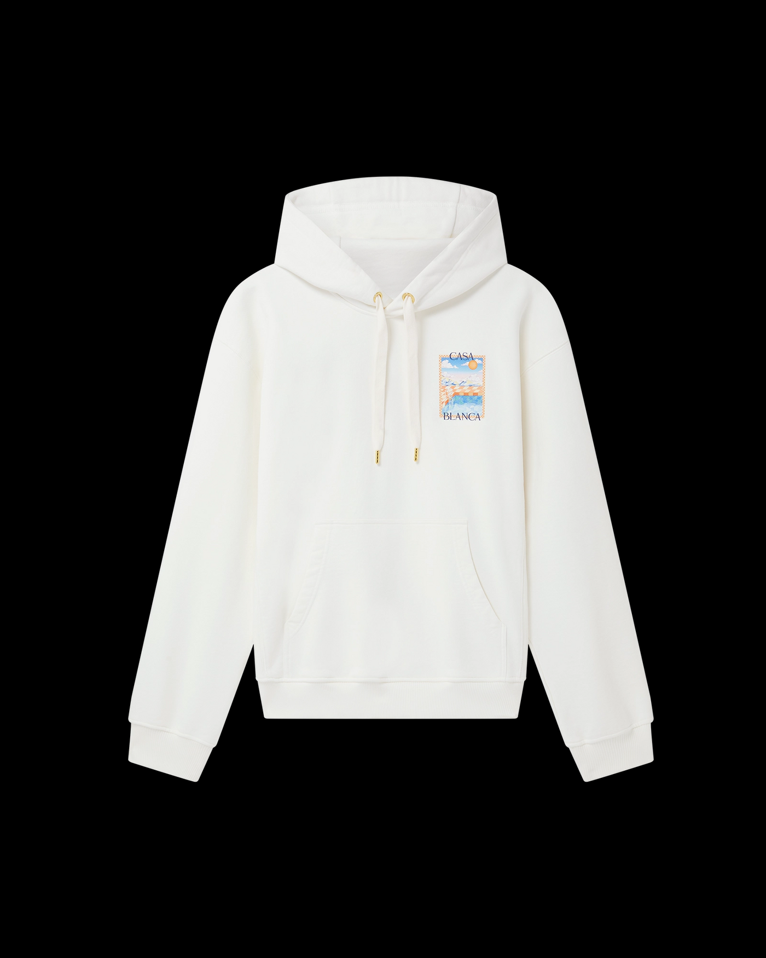 | SURREAL POOL HOODED SWEATSHIRT | Main: 100% organic cotton | PORTUGAL | WHITE | 6 | 10 | 10 | 11 | 5 | 42 | € 480.00 | € 20,160.00 | € 134.40 | € 5,644.80 | £118.41 | £4,973.39
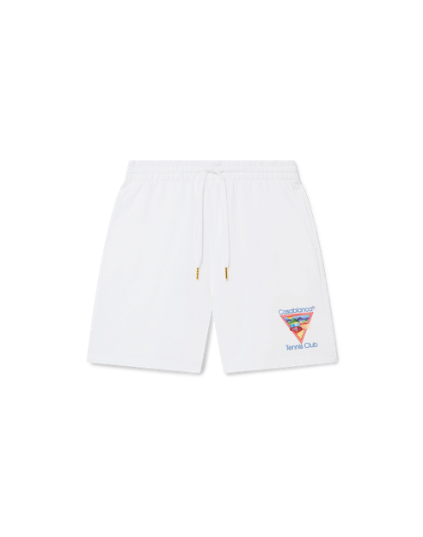
 | CASA WAY MOUNTAIN SWEATSHORTS | Main: 100% organic cotton | PORTUGAL | OFF WHITE | 4 | 7 | 15 | 9 | 4 | 39 | € 300.00 | € 11,700.00 | € 84.00 | € 3,276.00 | £74.01 | £2,886.34
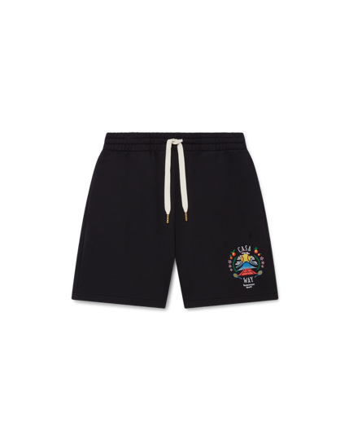
 | TENNIS CLUB ICON SWEATSHORTS | Main: 100% organic cotton | PORTUGAL | WHITE | 6 | 10 | 13 | 10 | 5 | 44 | € 300.00 | € 13,200.00 | € 84.00 | € 3,696.00 | £74.01 | £3,256.39
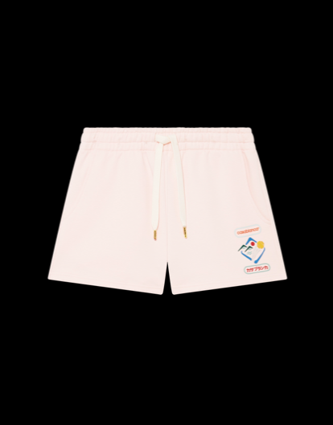
 | CASA WAY MOUNTAIN SWEATSHORTS | Main: 100% organic cotton | PORTUGAL | WHITE | 5 | 13 | 11 | 11 | 5 | 45 | € 300.00 | € 13,500.00 | € 84.00 | € 3,780.00 | £74.01 | £3,330.40
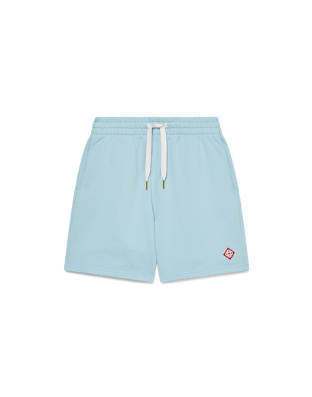
 | CASABLANCA MONTAGNE SPORTIF SWEATSHORTS | Main: 100% organic cotton | PORTUGAL | PINK | 6 | 8 | 12 | 8 | 4 | 38 | € 300.00 | € 11,400.00 | € 84.00 | € 3,192.00 | £74.01 | £2,812.33
 | DIAMOND LOGO SWEATSHORTS | Main: 100% organic cotton | PORTUGAL | BLUE | 4 | 8 | 12 | 8 | 4 | 36 | € 300.00 | € 10,800.00 | € 84.00 | € 3,024.00 | £74.01 | £2,664.32
 |  |  |  |  |  |  |  |  |  | 584 |  | € 215,300.00 |  | € 60,284.00 |  | £53,113.66

