OFFER
REF |  |  |  |  |  |  |  |  | OS | OS
NAME* |  |  |  |  |  |  |  |  | STD | 3XS | XXS | XS | S | M | L | XL | XXL | 3XL | 4XL
COMPANY NAME |  |  |  |  |  |  |  |  | W RTW | 34 | 36 | 38 | 40 | 42 | 44 | 46 | 48 | 50 | 52 | 54
DATE* |  |  |  |  |  |  |  |  | M RTW | 42 | 44 | 46 | 48 | 50 | 52 | 54 | 56 | 58 | 60 | 62 | 64
SALES REP* |  |  |  |  |  |  |  |  | W SHOES | 34 | 34,5 | 35 | 35,5 | 36 | 36,5 | 37 | 37,5 | 38 | 38,5 | 39 | 39,5 | 40 | 40,5 | 41 | 41,5 | 42 | 42,5 | 43
EMAIL* |  |  |  |  |  |  |  |  | M SHOES | 38 | 38,5 | 39 | 39,5 | 40 | 40,5 | 41 | 41,5 | 42 | 42,5 | 43 | 43,5 | 44 | 44,5 | 45 | 45,5 | 46 | 46,5 | 47 | 47,5 | 48 | 49 | 50
PHONE #* |  |  |  |  |  |  |  |  | M DRESS SHIRT | 37 | 38 | 39 | 40 | 41 | 42 | 43 | 44 | 45
PAYMENT CURRENCY (€/£)* |  |  |  |  |  |  |  |  | MID STD | XS/S | S/M | M/L | L/XL | XL/XXL
BILLING ADDRESS* |  |  |  |  |  |  |  |  | K SHOES | 21 | 22 | 23 | 24 | 25 | 25,5 | 26 | 26,5 | 27 | 27,5 | 28 | 28,5 | 29 | 29,5 | 30 | 31 | 31,5 | 32 | 33 | 33,5 | 34 | 34,5 | 35 | 35,5 | 36 | 36,5 | 37 | 37,5 | 38 | 38,5 | 39 | 39,5 | 40
ORDER NUMBER |  |  |  |  |  |  |  |  | BELT | 65 | 70 | 75 | 80 | 85 | 90 | 95 | 100 | 105 | 110 | 115 | 120
PRE/IN HAND |  |  |  |  |  |  |  |  | BABY (MONTHS) | 1 | 3 | 6 | 9 | 12 | 18 | 24 | 36
DELIVERY TYPE |  |  |  |  |  |  |  |  | KID/JR (YEARS) | 2A | 3A | 4A | 5A | 6A | 7A | 8A | 9A | 10A | 11A | 12A | 13A | 14A | 15A | 16A | 17A | 18A
 |  |  |  |  |  |  |  |  | BABY/KID | 0-3M | 3-6M | 6-12M | 12-18M | 18-24M | 2-3A | 4-5A | 6-7A
 |  |  |  |  |  |  |  |  | U RTW | 34 | 36 | 38 | 40 | 42 | 44 | 46 | 48 | 50 | 52 | 54 | 56 | 58 | 60
 |  |  |  |  |  |  |  |  | RTW | 4 | 5 | 5M | 6 | 6M | 7 | 7M | 8 | 8M | 9 | 9M | 10 | 10M | 11 | 11M | 12 | 12M | 13 | 13M | 14 | 14M | 15 | 15M | 16 | 16M
 |  |  |  |  |  |  |  |  | SHOES | 1 | 2 | 3 | 3M | 4 | 4M | 5 | 5M | 6 | 6M | 7 | 7M | 8 | 8M | 9 | 9M | 10 | 10M | 11 | 11M | 12 | 12M | 13 | 13M | 14 | 14M | 15 | 15M | 16 | 16M | 17 | 17M | 18
 |  |  |  |  |  |  |  |  | GLOVES | 6 | 6,5 | 7 | 7,5 | 8 | 8,5 | 9 | 9,5 | 10
 |  |  |  |  |  |  |  |  | JEANS | 23 | 24 | 25 | 26 | 27 | 28 | 29 | 30 | 31 | 32 | 33 | 34 | 35 | 36 | 37 | 38 | 39 | 40
 |  |  |  |  |  |  |  |  | HATS | 54 | 55 | 56 | 57 | 58 | 59 | 60 | 61 | 62
 |  |  |  |  |  |  |  |  | W N SHOES | 35 N | 36 N | 37 N | 38 N | 39 N | 40 N | 41 N
 |  |  |  |  |  |  |  |  | COST. JEWEL | 51 | 52 | 53 | 54 | 55 | 56 | 57
 |  |  |  |  |  |  |  |  | KIDS C | C4 | C5 | C6 | C6/7 | C7 | C8 | C8/9 | C9 | C10 | C10/11 | C11 | C12 | C12/13 | C13 | J1 | J2 | J3 | J4 | J5 | J6
 |  |  |  |  |  |  |  |  | Z-CH | 2XB | 3XB | 4XB | 2XT | 3XT | LT | XLT
IMAGE | BRAND | GENDER | MICRO_CATEGORY | PRODUCT CODE | PRODUCT NAME | MATERIAL CODE | MATERIAL DESC | COLOR DESC | SCALATG | TG1 | TG2 | TG3 | TG4 | TG5 | TG6 | TG7 | TG8 | TG9 | TG10 | TG11 | TG12 | TG13 | TG14 | TG15 | TG16 | TG17 | TG18 | TG19 | TG20 | TG21 | TG22 | TG23 | TG24 | TG25 | TG26 | TG27 | TG28 | TG29 | TG30 | TG31 | TG32 | TG33 | MADE IN | COMPOSITION | HS CODE | QTY | WHLS PRICE | WHLS TOT | RRP € | RRP TOT € | COST € | COST TOT € | COST £ | COST TOT £
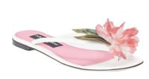 | Dolce & Gabbana | Women | FLIP FLOP | CQ0522 | INFRADITO | AG517 | VERNICE+RI | BIANCO/GAR | W SHOES |  |  |  |  |  |  |  |  |  |  | 1 |  |  |  |  |  |  |  |  |  |  |  |  |  |  |  |  |  |  |  |  |  |  |  |  |  | 1 | € 328.00 | € 328.00 | € 820.00 | € 820.00 | € 170.56 | € 170.56 | £152.29 | £152.29
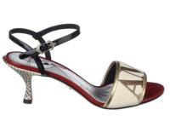 | Dolce & Gabbana | Women | SANDALS | CR0572 | SANDALO | AH939 | RIC.FILO+VER | MULTICOLOR | W SHOES |  |  |  |  |  |  | 1 |  |  |  |  |  |  |  |  |  |  |  |  |  |  |  |  |  |  |  |  |  |  |  |  |  |  |  |  |  | 1 | € 282.00 | € 282.00 | € 705.00 | € 705.00 | € 146.64 | € 146.64 | £130.93 | £130.93
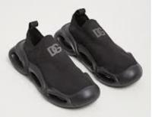 | Dolce & Gabbana | Men | SNEAKERS | CS2117 | SNEAKER BASSA CALZA+ | AE398 |  | NERO/GRIGI | M SHOES |  |  | 1 |  | 2 | 4 | 4 | 3 | 4 | 3 | 2 | 3 | 3 | 2 |  | 3 |  |  |  |  |  |  |  |  |  |  |  |  |  |  |  |  |  |  |  |  | 34 | € 354.00 | € 12,036.00 | € 885.00 | € 30,090.00 | € 184.08 | € 6,258.72 | £164.36 | £5,588.14
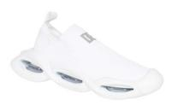 | Dolce & Gabbana | Men | SNEAKERS | CS2117 | SNEAKER BASSA CALZA+ | AE398 |  | BIANCO/ARG | M SHOES |  |  |  |  |  | 2 | 2 | 2 | 2 | 2 | 2 | 2 | 2 |  | 2 |  |  |  |  |  |  |  |  |  |  |  |  |  |  |  |  |  |  |  |  |  | 18 | € 354.00 | € 6,372.00 | € 885.00 | € 15,930.00 | € 184.08 | € 3,313.44 | £164.36 | £2,958.43
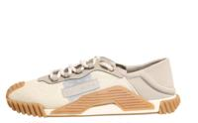 | Dolce & Gabbana | Men | SNEAKERS | CS1769 | SNEAKER BASSA | AJ968 | LYC+LY | BEIGE/BEIG | M SHOES |  |  | 1 |  |  |  |  |  |  |  |  |  |  |  |  |  |  |  |  |  |  |  |  |  |  |  |  |  |  |  |  |  |  |  | 05%EA 38%PA 19%PL 09%PU 29%Vitello | 64041990 | 1 | € 238.00 | € 238.00 | € 595.00 | € 595.00 | € 123.76 | € 123.76 | £110.50 | £110.50
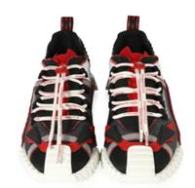 | Dolce & Gabbana | Men | SNEAKERS | CS1770 | SNEAKER BASSA | AJ974 | RUB+RU | TORTORA/NE | M SHOES |  |  | 4 |  |  |  |  |  |  |  |  |  |  |  |  |  |  |  |  |  |  |  |  |  |  |  |  |  |  |  |  |  |  |  | 03%AC 05%CO 15%EA 50%PA 05%VI 07%Pvc 15%Vitello | 64041990 | 4 | € 260.00 | € 1,040.00 | € 650.00 | € 2,600.00 | € 135.20 | € 540.80 | £120.71 | £482.86
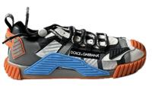 | Dolce & Gabbana | Men | SNEAKERS | CS1770 | SNEAKER BASSA | AO224 | PIUMOT | MULTICOLOR | M SHOES |  |  | 4 |  |  |  |  |  |  |  |  |  |  |  |  |  |  |  |  |  |  |  |  |  |  |  |  |  |  |  |  |  |  |  | 05%CO 15%EA 40%PA 03%PU 05%VI 07%Pvc 25%Vitello | 64041990 | 4 | € 306.00 | € 1,224.00 | € 765.00 | € 3,060.00 | € 159.12 | € 636.48 | £142.07 | £568.29
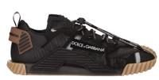 | Dolce & Gabbana | Men | SNEAKERS | CS1770 | SNEAKER BASSA RUB+RU | AJ969 |  | NERO/NERO | M SHOES |  |  |  |  |  |  | 1 |  | 1 |  |  | 1 |  |  |  |  | 1 |  |  |  |  |  |  |  |  |  |  |  |  |  |  |  |  |  |  |  | 4 | € 260.00 | € 1,040.00 | € 650.00 | € 2,600.00 | € 135.20 | € 540.80 | £120.71 | £482.86
Not For Color | Dolce & Gabbana | Men | SNEAKERS | CS1810 | SNEAKER BASSA CROS+G | AO840 |  | RPARSI FDO. | M SHOES |  |  |  |  |  |  |  | 1 |  |  |  |  |  |  | 1 |  |  |  |  |  |  |  |  |  |  |  |  |  |  |  |  |  |  |  |  |  | 2 | € 390.00 | € 780.00 | € 975.00 | € 1,950.00 | € 202.80 | € 405.60 | £181.07 | £362.14
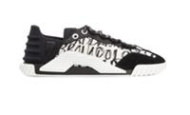 | Dolce & Gabbana | Men | SNEAKERS | CS1810 | SNEAKER BASSA CROSTA | AO844 |  | LOGO1 NERO | M SHOES |  |  | 1 | 1 |  |  |  |  |  |  |  |  |  |  |  |  |  |  |  |  |  |  |  |  |  |  |  |  |  |  |  |  |  |  |  |  | 2 | € 284.00 | € 568.00 | € 710.00 | € 1,420.00 | € 147.68 | € 295.36 | £131.86 | £263.71
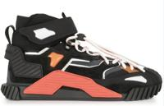 | Dolce & Gabbana | Men | SNEAKERS | CS1818 | SNEAKERALTA LY+LY+CR | AW332 |  | MULTICOLOR | M SHOES |  |  |  |  |  |  | 1 |  |  |  |  |  |  |  |  | 1 |  |  |  |  |  |  |  |  |  |  |  |  |  |  |  |  |  |  |  |  | 2 | € 326.00 | € 652.00 | € 815.00 | € 1,630.00 | € 169.52 | € 339.04 | £151.36 | £302.71
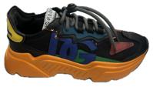 | Dolce & Gabbana | Men | SNEAKERS | CS1941 | SNEAKER BASSA V.NAP+ | B9P12 |  | MULTICOLOR | M SHOES |  |  |  |  | 3 |  | 1 |  | 1 |  |  |  | 1 |  |  |  |  |  |  |  |  |  |  |  |  |  |  |  |  |  |  |  |  |  |  |  | 6 | € 376.00 | € 2,256.00 | € 940.00 | € 5,640.00 | € 195.52 | € 1,173.12 | £174.57 | £1,047.43
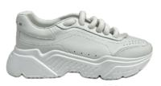 Only For Style | Dolce & Gabbana | Men | SNEAKERS | CS1791 | SNEAKER BASSA VIT.NA | A1065 |  | ROSA | M SHOES |  |  |  |  | 1 |  | 2 | 1 | 1 |  | 1 |  | 2 |  | 1 | 1 |  |  |  |  |  |  |  |  |  |  |  |  |  |  |  |  |  |  |  |  | 10 | € 240.00 | € 2,400.00 | € 600.00 | € 6,000.00 | € 124.80 | € 1,248.00 | £111.43 | £1,114.29
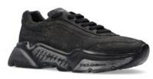 | Dolce & Gabbana | Men | SHOES | CS1791 | SNEAKER BASSA | AW918 | CRACKL | NERO | M SHOES |  |  | 6 |  |  |  |  |  |  |  |  |  |  |  |  |  |  |  |  |  |  |  |  |  |  |  |  |  |  |  |  |  |  | Italy | 100%Vitello | 64039996 | 6 | € 282.00 | € 1,692.00 | € 705.00 | € 4,230.00 | € 146.64 | € 879.84 | £130.93 | £785.57
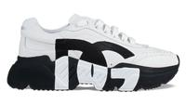 | Dolce & Gabbana | Men | SNEAKERS | CS1791 | SNEAKER BASSA | AQ343 | VIT.NA | NERO/BIANC | M SHOES |  |  | 1 |  |  |  |  |  |  |  |  |  |  |  |  |  |  |  |  |  |  |  |  |  |  |  |  |  |  |  |  |  |  |  | 100%Vitello | 64039996 | 1 | € 260.00 | € 260.00 | € 650.00 | € 650.00 | € 135.20 | € 135.20 | £120.71 | £120.71
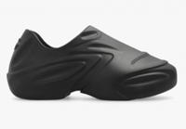 | Dolce & Gabbana | Men | SNEAKERS | CS2113 | SNEAKER ALTA | AE097 | GOMMA | NERO | M SHOES |  |  |  |  | 1 |  | 3 |  | 5 |  | 5 |  | 4 |  | 2 |  |  |  |  |  |  |  |  |  |  |  |  |  |  |  |  |  |  |  | 100%TB | 64059010 | 20 | € 196.00 | € 3,920.00 | € 490.00 | € 9,800.00 | € 101.92 | € 2,038.40 | £91.00 | £1,820.00
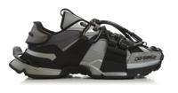 | Dolce & Gabbana | Men | SNEAKERS | CS1963 | SNEAKER BASSA GOMM.S | AQ393 |  | NERO/ARGEN | M SHOES |  |  | 4 | 3 | 3 | 2 |  |  |  |  |  |  |  |  |  |  |  |  |  |  |  |  |  |  |  |  |  |  |  |  |  |  |  |  |  |  | 12 | € 422.00 | € 5,064.00 | € 1,055.00 | € 12,660.00 | € 219.44 | € 2,633.28 | £195.93 | £2,351.14
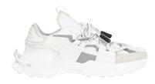 | Dolce & Gabbana | Men | SNEAKERS | CS1963 | SNEAKER BASSA GOM.ST | AQ408 |  | BIANCO/ARG | M SHOES |  |  |  |  | 1 |  | 2 |  |  |  |  |  |  |  | 3 | 1 |  |  |  |  |  |  |  |  |  |  |  |  |  |  |  |  |  |  |  |  | 7 | € 422.00 | € 2,954.00 | € 1,055.00 | € 7,385.00 | € 219.44 | € 1,536.08 | £195.93 | £1,371.50
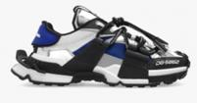 | Dolce & Gabbana | Men | SNEAKERS | CS1963 | SNEAKER BASSA CRO+GO | AQ944 |  | MULTICOLOR | M SHOES |  |  |  |  |  |  | 1 |  |  |  |  |  |  |  |  |  |  |  |  |  |  |  |  |  |  |  |  |  |  |  |  |  |  |  |  |  | 1 | € 422.00 | € 422.00 | € 1,055.00 | € 1,055.00 | € 219.44 | € 219.44 | £195.93 | £195.93
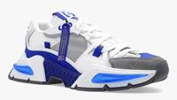 | Dolce & Gabbana | Men | SNEAKERS | CS1984 | SNEAKER BASSA NAP2CO | AY337 |  | BIANCO/BLU | M SHOES |  |  |  |  |  |  | 3 |  |  |  |  |  |  |  |  |  |  |  |  |  |  |  |  |  |  |  |  |  |  |  |  |  |  |  |  |  | 3 | € 328.00 | € 984.00 | € 820.00 | € 2,460.00 | € 170.56 | € 511.68 | £152.29 | £456.86
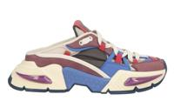 | Dolce & Gabbana | Men | SNEAKERS | CS2152 | SNEAKER BASSA | AG683 | NABUK+ | MULTICOLOR | M SHOES |  |  | 5 |  |  |  |  |  |  |  |  |  |  |  |  |  |  |  |  |  |  |  |  |  |  |  |  |  |  |  |  |  |  |  | 60%PA 10%VI 10%Agnello 20%Vitello | 64041990 | 5 | € 328.00 | € 1,640.00 | € 820.00 | € 4,100.00 | € 170.56 | € 852.80 | £152.29 | £761.43
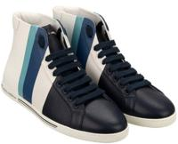 | Dolce & Gabbana | Men | SNEAKERS | CS1801 | SNEAKER ALTA CERVO+C | A8M19 |  | BLU/GHIACC | M SHOES |  |  |  |  | 2 | 2 | 2 | 2 | 2 | 2 | 2 | 2 | 2 |  | 2 | 2 |  |  |  |  |  |  |  |  |  |  |  |  |  |  |  |  |  |  |  |  | 22 | € 304.00 | € 6,688.00 | € 760.00 | € 16,720.00 | € 158.08 | € 3,477.76 | £141.14 | £3,105.14
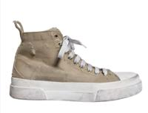 | Dolce & Gabbana | Men | SNEAKERS | CS1889 | SNEAKER ALTA | BO867 | GOMMATO | BIANCO/TOR | M SHOES |  |  | 1 |  |  |  |  |  |  |  |  |  |  |  |  |  |  |  |  |  |  |  |  |  |  |  |  |  |  |  |  |  |  |  | 90%CO 10%Vitello | 64041990 | 1 | € 306.00 | € 306.00 | € 765.00 | € 765.00 | € 159.12 | € 159.12 | £142.07 | £142.07
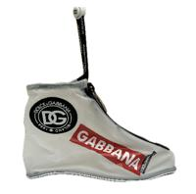 | Dolce & Gabbana | Men | SNEAKERS | CS1969 | SNEAKER ALTA SACCHET | AQ469 | SACCHET | MULTICOLOR | M SHOES |  |  |  |  | 1 |  | 3 |  | 3 |  |  |  |  |  | 1 |  |  |  |  |  |  |  |  |  |  |  |  |  |  |  |  |  |  |  | 90%PU 10%Vitello | 64041990 | 8 | € 186.00 | € 1,488.00 | € 465.00 | € 3,720.00 | € 96.72 | € 773.76 | £86.36 | £690.86
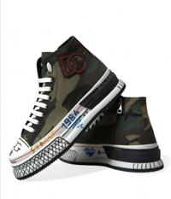 | Dolce & Gabbana | Men | SNEAKERS | CS1974 | SNEAKER ALTA RIST.MI | AQ721 |  | CAMOUFLAGE | M SHOES |  |  | 4 |  | 2 |  | 2 |  |  |  |  |  |  |  |  |  |  |  |  |  |  |  |  |  |  |  |  |  |  |  |  |  |  |  |  |  | 8 | € 422.00 | € 3,376.00 | € 1,055.00 | € 8,440.00 | € 219.44 | € 1,755.52 | £195.93 | £1,567.43
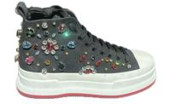 | Dolce & Gabbana | Men | SNEAKERS | CS1974 | SNEAKER ALTA DENIM+R | AY394 |  | NERO/ROSSO | M SHOES |  |  |  |  | 1 |  | 1 |  | 1 |  | 1 |  |  |  |  |  |  |  |  |  |  |  |  |  |  |  |  |  |  |  |  |  |  |  |  |  | 4 | € 650.00 | € 2,600.00 | € 1,625.00 | € 6,500.00 | € 338.00 | € 1,352.00 | £301.79 | £1,207.14
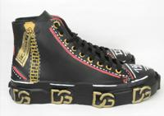 | Dolce & Gabbana | Men | SNEAKERS | CS1985 | SNEAKER ALTA CANVAS+ | AQ734 |  | SCRITTE FD | M SHOES |  |  | 7 |  | 9 |  | 6 |  | 8 |  | 1 |  |  | 1 |  | 1 |  |  |  |  |  |  |  |  |  |  |  |  |  |  |  |  |  |  |  |  | 33 | € 574.00 | € 18,942.00 | € 1,435.00 | € 47,355.00 | € 298.48 | € 9,849.84 | £266.50 | £8,794.50
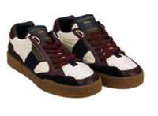 | Dolce & Gabbana | Men | SNEAKERS | CS1694 | SNK BASSA NY+NAP+N.N | AW172 | NY+NAP+N | BLU NAVY/B | M SHOES |  |  | 13 |  | 1 |  |  |  |  |  |  |  |  |  |  |  |  |  |  |  |  |  |  |  |  |  |  |  |  |  |  |  |  |  | 11%CO 13%PA 17%VI 59%Vitello | 64039996 | 14 | € 216.00 | € 3,024.00 | € 540.00 | € 7,560.00 | € 112.32 | € 1,572.48 | £100.29 | £1,404.00
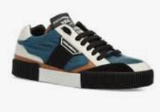 | Dolce & Gabbana | Men | SNEAKERS | CS1694 | SNEAKER BASSA | AA329 | V.NAP3 | MULTICOLOR | M SHOES |  |  |  |  | 19 |  |  |  |  |  |  |  |  |  |  |  |  |  |  |  |  |  |  |  |  |  |  |  |  |  |  |  |  |  | 14%CO 17%PA 02%PC 11%PL 21%VI 35%Vitello | 64039996 | 19 | € 216.00 | € 4,104.00 | € 540.00 | € 10,260.00 | € 112.32 | € 2,134.08 | £100.29 | £1,905.43
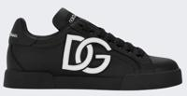 | Dolce & Gabbana | Men | SNEAKERS | CS1982 | SNEAKER BASSA GOM+GO | AQ515 |  | NERO/BIANC | M SHOES |  |  |  | 2 |  |  |  |  |  |  |  |  |  |  |  |  |  |  |  |  |  |  |  |  |  |  |  |  |  |  |  |  |  |  |  |  | 2 | € 470.00 | € 940.00 | € 1,175.00 | € 2,350.00 | € 244.40 | € 488.80 | £218.21 | £436.43
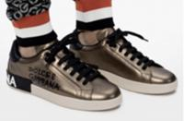 | Dolce & Gabbana | Men | SNEAKERS | CS1772 | SNEAKER BASSA | AW151 | SILK+V | DOLCE&GABB | M SHOES |  |  | 1 |  |  |  |  |  |  |  |  |  |  |  |  |  |  |  |  |  |  |  |  |  |  |  |  |  |  |  |  |  |  |  | 100%Vitello | 64039996 | 1 | € 238.00 | € 238.00 | € 595.00 | € 595.00 | € 123.76 | € 123.76 | £110.50 | £110.50
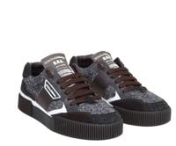 | Dolce & Gabbana | Men | SNEAKERS | CS1821 | SNEAKER BASSA | AW154 | SPIN+L | BIANCO/NER | M SHOES |  |  | 1 |  |  |  |  |  |  |  |  |  |  |  |  |  |  |  |  |  |  |  |  |  |  |  |  |  |  |  |  |  |  |  | 12%CO 27%PL 18%VI 11%WO 32%Vitello | 64041990 | 1 | € 238.00 | € 238.00 | € 595.00 | € 595.00 | € 123.76 | € 123.76 | £110.50 | £110.50
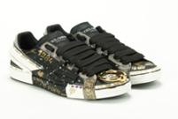 | Dolce & Gabbana | Men | SNEAKERS | CS2005 | SNEAKER BASSA | AY142 | VIT.NA | NERO | M SHOES |  |  | 4 |  |  |  |  |  |  |  |  |  |  |  |  |  |  |  |  |  |  |  |  |  |  |  |  |  |  |  |  |  |  |  | 100%Vitello | 64039996 | 4 | € 590.00 | € 2,360.00 | € 1,475.00 | € 5,900.00 | € 306.80 | € 1,227.20 | £273.93 | £1,095.71
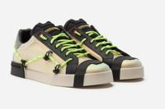 | Dolce & Gabbana | Men | SNEAKERS | CS1782 | SNEAKER BASSA | AJ985 | LAM.+R | MULTICOLOR | M SHOES |  |  | 1 |  |  |  |  |  |  |  |  |  |  |  |  |  |  |  |  |  |  |  |  |  |  |  |  |  |  |  |  |  |  |  | 01%EA 08%PA 70%PL 01%Pvc 20%Vitello | 64041990 | 1 | € 260.00 | € 260.00 | € 650.00 | € 650.00 | € 135.20 | € 135.20 | £120.71 | £120.71
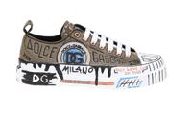 | Dolce & Gabbana | Men | SNEAKERS | CS1888 | SNEAKER BASSA | AO788 | VIT.GO | SCRITTE F. | M SHOES |  |  | 1 |  |  |  |  |  |  |  |  |  |  |  |  |  |  |  |  |  |  |  |  |  |  |  |  |  |  |  |  |  |  |  | 90%CO 10%Vitello | 64041990 | 1 | € 346.00 | € 346.00 | € 865.00 | € 865.00 | € 179.92 | € 179.92 | £160.64 | £160.64
 |  |  |  |  |  |  |  |  |  |  |  |  |  |  |  |  |  |  |  |  |  |  |  |  |  |  |  |  |  |  |  |  |  |  |  |  |  |  |  |  |  |  |  |  |  | 263 |  | € 91,062.00 |  | € 227,655.00 |  | € 47,352.24 |  | £42,278.79

