OFFER
BRAND | IMAGE |  | MODEL | REFERENCE | Code | QTY | RRP | COST | RRP TOT | COST TOT
BURBERRY | 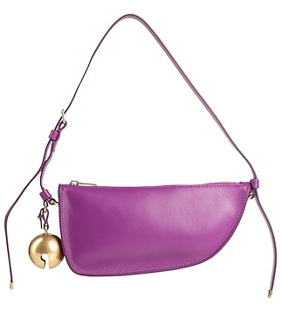 | 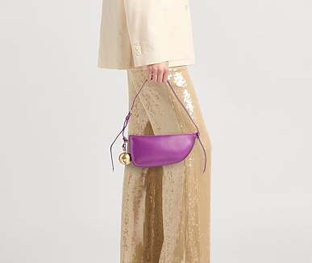 | Burberry Shoulder Bag Shield | 8075573 | 5045704125227 | 14 | £1,450.00 | £290.00 | £20,300.00 | £4,060.00
BURBERRY | 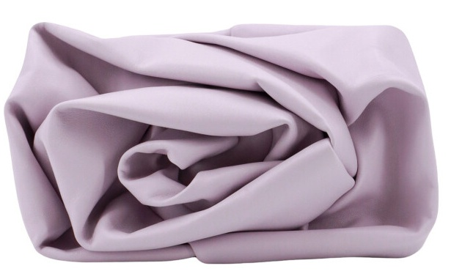 | 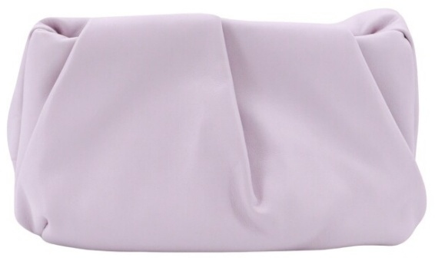 | Burberry slouch-body leather clutch bag | 8078860 | 5045704730599 | 28 | £1,890.00 | £378.00 | £52,920.00 | £10,584.00
BURBERRY | 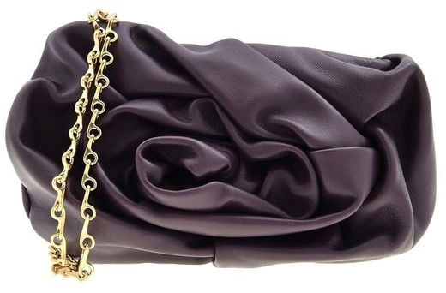 | 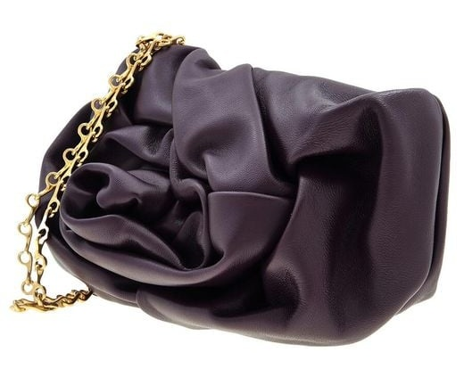 | Rose Chain Clutch Bag | 8076376 | 5045704459308 | 33 | £1,890.00 | £378.00 | £62,370.00 | £12,474.00
BURBERRY |  | 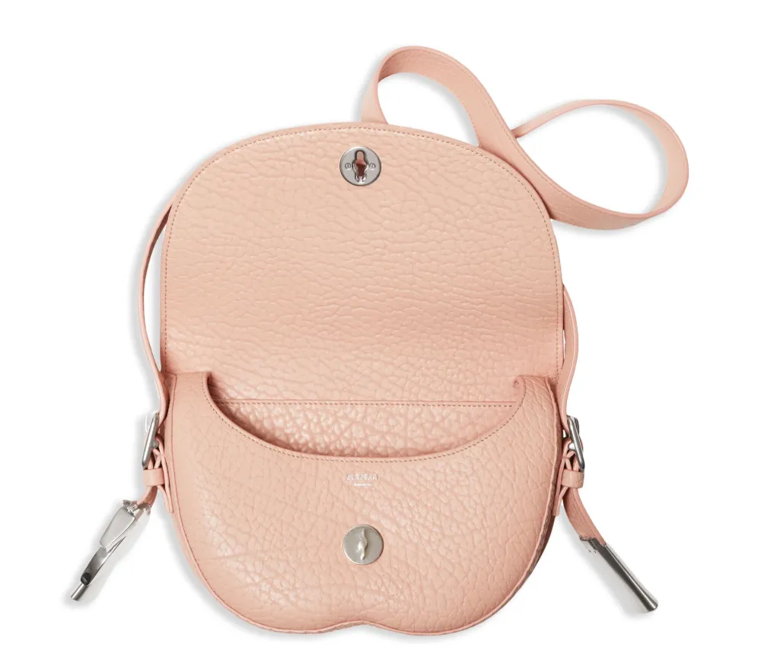 | Burberry Chess leather satchel | 8083512 | 5045705296544 | 16 | £2,190.00 | £438.00 | £35,040.00 | £7,008.00
BURBERRY | 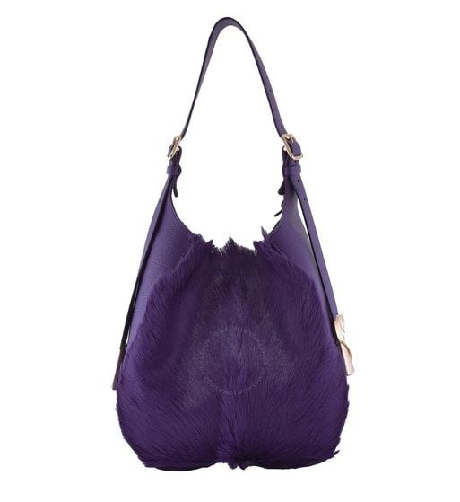 |  | Burberry Chess Medium Shoulder Bag | 8077568 | 5045704465873 | 1 | £1,290.00 | £258.00 | £1,290.00 | £258.00
 |  |  |  |  |  | 92 |  |  | £171,920 | £34,384

