OFFER
REF
NAME*
COMPANY NAME
DATE*
SALES REP*
EMAIL*
PHONE #*
PAYMENT CURRENCY (€/£)*
BILLING ADDRESS*
ORDER NUMBER
PRE/IN HAND
DELIVERY TYPE

BRAND | IMAGE | MODEL | COLOUR | GENDER | C.O.O | QTY | RRP € | RRP TOT € | COST € | COST TOT € | COST £ | COST TOT £
DOLCE AND GABBANA | 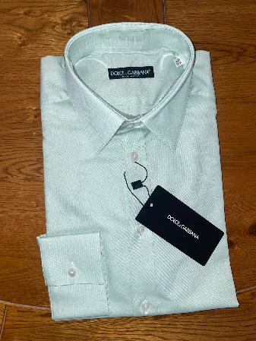 | SHIRT | GREEN | MALE | ITALY | 63 | € 550.00 | € 34,650.00 | € 49.50 | € 3,118.50 | £44.20 | £2,784.38
DOLCE AND GABBANA | 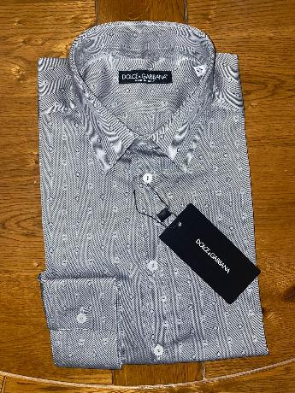 | SHIRT | GREY | MALE | ITALY | 54 | € 550.00 | € 29,700.00 | € 49.50 | € 2,673.00 | £44.20 | £2,386.61
DOLCE AND GABBANA | 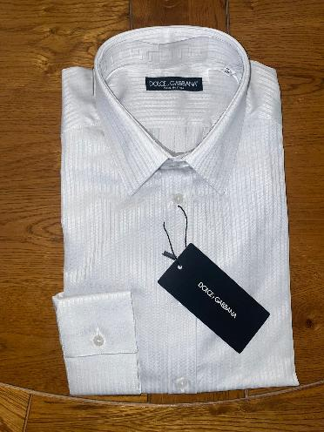 | SHIRT | WHITE | MALE | ITALY | 25 | € 550.00 | € 13,750.00 | € 49.50 | € 1,237.50 | £44.20 | £1,104.91
DOLCE AND GABBANA | 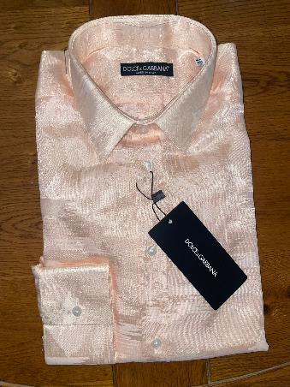 | SHIRT | PINK | MALE | ITALY | 62 | € 550.00 | € 34,100.00 | € 49.50 | € 3,069.00 | £44.20 | £2,740.18
DOLCE AND GABBANA | 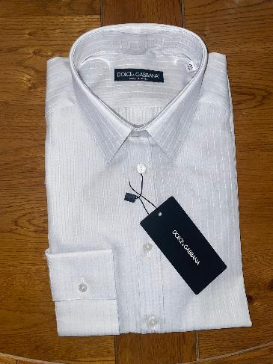 | SHIRT | WHITE | MALE | ITALY | 46 | € 550.00 | € 25,300.00 | € 49.50 | € 2,277.00 | £44.20 | £2,033.04
DOLCE AND GABBANA | 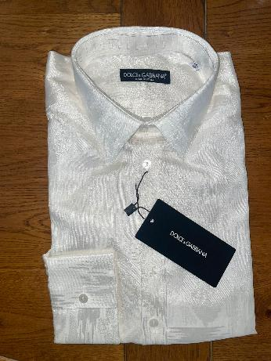 | SHIRT | WHITE | MALE | ITALY | 35 | € 550.00 | € 19,250.00 | € 49.50 | € 1,732.50 | £44.20 | £1,546.88
DOLCE AND GABBANA | 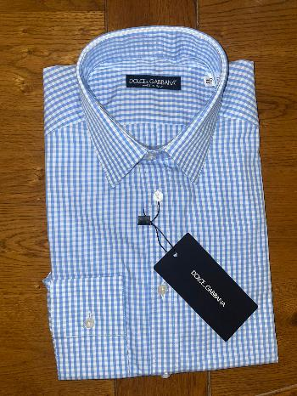 | SHIRT | BLUE | MALE | ITALY | 40 | € 550.00 | € 22,000.00 | € 49.50 | € 1,980.00 | £44.20 | £1,767.86
DOLCE AND GABBANA | 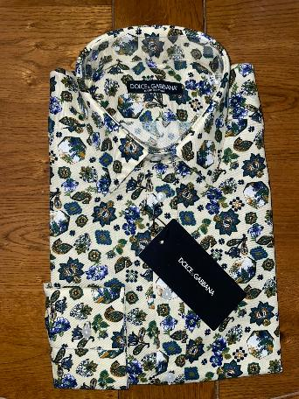 | SHIRT | MULTI | MALE | ITALY | 58 | € 550.00 | € 31,900.00 | € 49.50 | € 2,871.00 | £44.20 | £2,563.39
DOLCE AND GABBANA | 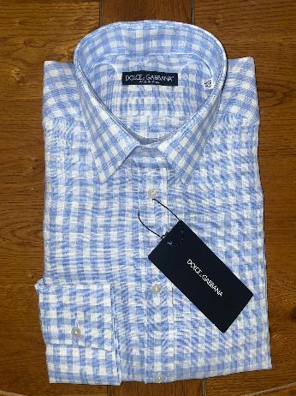 | SHIRT | BLUE | MALE | ITALY | 49 | € 550.00 | € 26,950.00 | € 49.50 | € 2,425.50 | £44.20 | £2,165.63
DOLCE AND GABBANA | 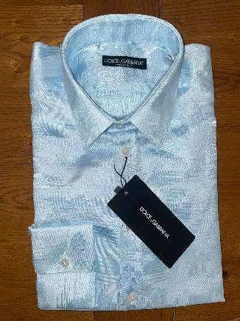 | SHIRT | BLUE | MALE | ITALY | 42 | € 550.00 | € 23,100.00 | € 49.50 | € 2,079.00 | £44.20 | £1,856.25
DOLCE AND GABBANA | 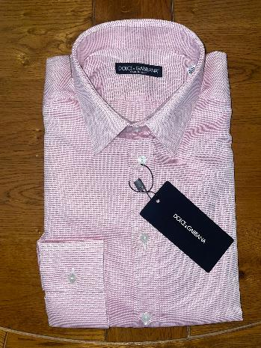 | SHIRT | PINK | MALE | ITALY | 38 | € 550.00 | € 20,900.00 | € 49.50 | € 1,881.00 | £44.20 | £1,679.46
DOLCE AND GABBANA | 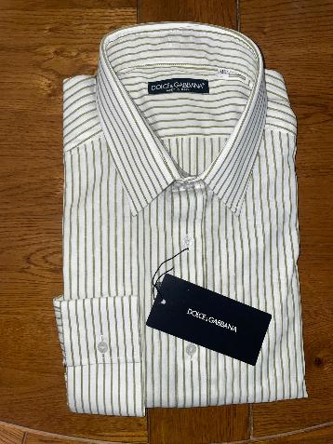 | SHIRT | WHITE-BROWN | MALE | ITALY | 35 | € 550.00 | € 19,250.00 | € 49.50 | € 1,732.50 | £44.20 | £1,546.88
 |  |  |  |  |  | 547 |  | € 300,850.00 |  | € 27,076.50 |  | £24,175.45

