FERRAGAMO
REF
NAME*
COMPANY NAME
DATE*
SALES REP*
EMAIL*
PHONE #*
PAYMENT CURRENCY (€/£)*
BILLING ADDRESS*
ORDER NUMBER
PRE/IN HAND
DELIVERY TYPE

Prod Category Desc | Model Code | Model Name | Merch. Attribute | Material Group Desc | Color Group Desc | Sku Desc | Picture | Width Code | Size Code | Qty | Whs | Total Whs | RRP € | RRP TOT € | COST € | COST TOT € | COST £ | COST TOT £
Ladies' Shoes | 01H585 | ZEA | Ballet | LAMB | RED | NAPPA ROYAL FLAME RED |  | 1C | 75 | 1 | € 267.86 | € 267.86 | € 642.86 | € 642.86 | € 174.11 | € 174.11 | £155.45 | £155.45
Ladies' Shoes | 01H585 | ZEA | Ballet | LAMB | RED | NAPPA ROYAL FLAME RED | 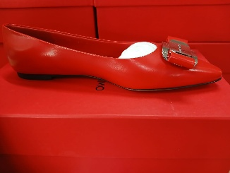 | 1C | 95 | 1 | € 267.86 | € 267.86 | € 642.86 | € 642.86 | € 174.11 | € 174.11 | £155.45 | £155.45
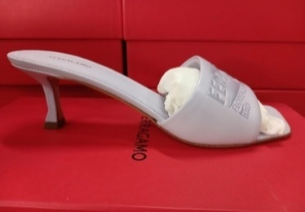
Ladies' Shoes | 01I684 | ZENOBIA 55 | Slide | LAMB | LILAC | NAPPA SOFFIO FIX NEW LAV |  | 1C | 55 | 1 | € 242.86 | € 242.86 | € 582.86 | € 582.86 | € 157.86 | € 157.86 | £140.94 | £140.94
Ladies' Shoes | 01I684 | ZENOBIA 55 | Slide | LAMB | LILAC | NAPPA SOFFIO FIX NEW LAV |  | 1C | 85 | 1 | € 242.86 | € 242.86 | € 582.86 | € 582.86 | € 157.86 | € 157.86 | £140.94 | £140.94
Ladies' Shoes | 01I684 | ZENOBIA 55 | Slide | LAMB | LILAC | NAPPA SOFFIO FIX NEW LAV |  | 1C | 95 | 1 | € 242.86 | € 242.86 | € 582.86 | € 582.86 | € 157.86 | € 157.86 | £140.94 | £140.94
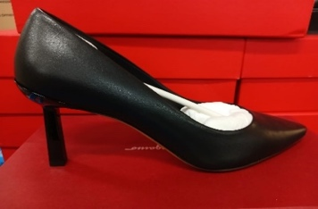
Ladies' Shoes | 01E233 | JUSTINA 70 | Plain Pump | LAMB | BLACK | NAPPA VIVA NERO |  | 1C | 95 | 3 | € 193.45 | € 580.36 | € 464.29 | € 1,392.86 | € 125.74 | € 377.23 | £112.27 | £336.82
Ladies' Shoes | 01E233 | JUSTINA 70 | Plain Pump | LAMB | BLACK | NAPPA VIVA NERO |  | 1C | 10 | 2 | € 193.45 | € 386.90 | € 464.29 | € 928.57 | € 125.74 | € 251.49 | £112.27 | £224.54
Ladies' Shoes | 01E233 | JUSTINA 70 | Plain Pump | LAMB | BLACK | NAPPA VIVA NERO |  | 1C | 105 | 1 | € 193.45 | € 193.45 | € 464.29 | € 464.29 | € 125.74 | € 125.74 | £112.27 | £112.27
Ladies' Shoes | 01F594 | ANZ 55 1 | Ornament Pump | PATENTCALF | BLACK | VERNICE MORBIDA PAS BLACK |  | 1C | 50 | 1 | € 236.31 | € 236.31 | € 567.14 | € 567.14 | € 153.60 | € 153.60 | £137.14 | £137.14
Ladies' Shoes | 01F594 | ANZ 55 1 | Ornament Pump | PATENTCALF | BLACK | VERNICE MORBIDA PAS BLACK |  | 1C | 90 | 1 | € 236.31 | € 236.31 | € 567.14 | € 567.14 | € 153.60 | € 153.60 | £137.14 | £137.14
Ladies' Shoes | 01F866 | IRINA | Mocassin | CALF | BLACK | MVIT.VOYAGE NERO- | 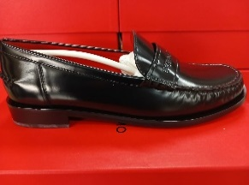 #REF! | 1C | 85 | 1 | € 206.55 | € 206.55 | € 495.71 | € 495.71 | € 134.26 | € 134.26 | £119.87 | £119.87
Ladies' Shoes | 01F866 | IRINA | Mocassin | CALF | BLACK | MVIT.VOYAGE NERO- |  | 1C | 90 | 1 | € 206.55 | € 206.55 | € 495.71 | € 495.71 | € 134.26 | € 134.26 | £119.87 | £119.87
Ladies' Shoes | 01G045 | ANZ 85 | Ornament Pump | PATENTCALF | BONE | VERNICE MORBIDA PAS AMARETTI | 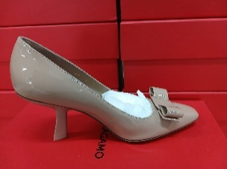 | 1C | 50 | 1 | € 236.31 | € 236.31 | € 567.14 | € 567.14 | € 153.60 | € 153.60 | £137.14 | £137.14
Ladies' Shoes | 01G998 | LULA | Thong | CALF | ORANGE | VIT.ELISIR SELEZ. S ORANGE | 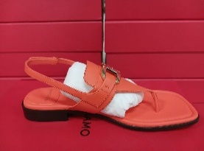 | 1C | 85 | 1 | € 267.86 | € 267.86 | € 642.86 | € 642.86 | € 174.11 | € 174.11 | £155.45 | £155.45
Ladies' Shoes | 01H388 | ANNIE | Ballet | PATENTCALF | WHITE | VERNICE MORBIDA PAS MASCARPONE |  | 1C | 55 | 1 | € 248.21 | € 248.21 | € 595.71 | € 595.71 | € 161.34 | € 161.34 | £144.05 | £144.05
Ladies' Shoes | 01H388 | ANNIE | Ballet | PATENTCALF | WHITE | VERNICE MORBIDA PAS MASCARPONE |  | 1C | 65 | 1 | € 248.21 | € 248.21 | € 595.71 | € 595.71 | € 161.34 | € 161.34 | £144.05 | £144.05
Ladies' Shoes | 01H388 | ANNIE | Ballet | PATENTCALF | WHITE | VERNICE MORBIDA PAS MASCARPONE | 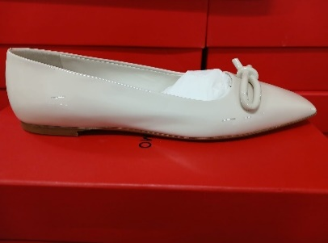 | 1C | 70 | 1 | € 248.21 | € 248.21 | € 595.71 | € 595.71 | € 161.34 | € 161.34 | £144.05 | £144.05
Ladies' Shoes | 01H388 | ANNIE | Ballet | PATENTCALF | WHITE | VERNICE MORBIDA PAS MASCARPONE |  | 1C | 95 | 1 | € 248.21 | € 248.21 | € 595.71 | € 595.71 | € 161.34 | € 161.34 | £144.05 | £144.05
Ladies' Shoes | 01H464 | DANA 70 T | Detailed Pump | FABRIC | BLACK | TES.RASO1004TADF SE NERO | 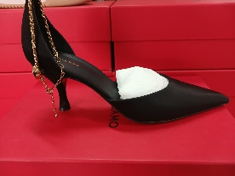 | 1C | 100 | 1 | € 303.57 | € 303.57 | € 728.57 | € 728.57 | € 197.32 | € 197.32 | £176.18 | £176.18
Ladies' Shoes | 01H645 | BRILDA 85 | Ornament Pump | CALF | LIGHT GREY | VITELLO REFLEX ARGENTO |  | 1C | 85 | 1 | € 319.64 | € 319.64 | € 767.14 | € 767.14 | € 207.77 | € 207.77 | £185.51 | £185.51
Ladies' Shoes | 01H645 | BRILDA 85 | Ornament Pump | CALF | LIGHT GREY | VITELLO REFLEX ARGENTO |  | 1C | 90 | 1 | € 319.64 | € 319.64 | € 767.14 | € 767.14 | € 207.77 | € 207.77 | £185.51 | £185.51
Ladies' Shoes | 01H834 | VARA KNIT | Ornament Pump | LAMB | LIGHT BLUE | RICAMO AZUR | 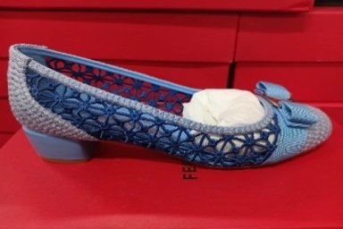 #REF! | 1C | 55 | 1 | € 283.93 | € 283.93 | € 681.43 | € 681.43 | € 184.55 | € 184.55 | £164.78 | £164.78
Ladies' Shoes | 01H834 | VARA KNIT | Ornament Pump | LAMB | LIGHT BLUE | RICAMO AZUR |  | 1C | 75 | 1 | € 283.93 | € 283.93 | € 681.43 | € 681.43 | € 184.55 | € 184.55 | £164.78 | £164.78
Ladies' Shoes | 01B788 | CARLA 70 | Ornament Pump | PATENTCALF | BONE | VERNICE MORBIDA PAS BONE | 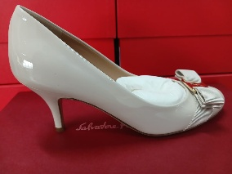 #REF! | 1B | 50 | 2 | € 248.21 | € 496.43 | € 595.71 | € 1,191.43 | € 161.34 | € 322.68 | £144.05 | £288.11
Ladies' Shoes | 01F024 | ALTAIRE X5 | Sandal | CALF | RED | MVIT.SPAZZOLATO ORL FLAME RED | 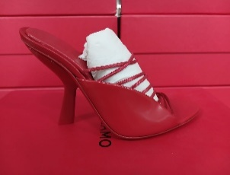 | 1C | 55 | 1 | € 303.57 | € 303.57 | € 728.57 | € 728.57 | € 197.32 | € 197.32 | £176.18 | £176.18
Ladies' Shoes | 01F266 | AGLALIA T | Sandal | FABRIC | BLACK | TES.RASO1004TADF SE NERO | 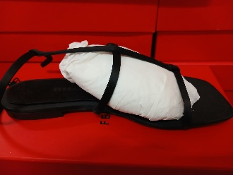 #REF! | 1C | 105 | 1 | € 232.14 | € 232.14 | € 557.14 | € 557.14 | € 150.89 | € 150.89 | £134.73 | £134.73
Ladies' Shoes | 01F266 | AGLALIA T | Sandal | FABRIC | RED | TESS.RASO FLAME RED 360 | 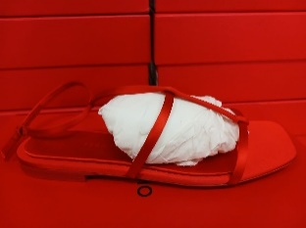 | 1C | 70 | 1 | € 232.14 | € 232.14 | € 557.14 | € 557.14 | € 150.89 | € 150.89 | £134.73 | £134.73
Ladies' Shoes | 01F266 | AGLALIA T | Sandal | FABRIC | RED | TESS.RASO FLAME RED 360 |  | 1C | 100 | 1 | € 232.14 | € 232.14 | € 557.14 | € 557.14 | € 150.89 | € 150.89 | £134.73 | £134.73
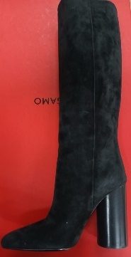
Ladies' Shoes | 01G047 | PAMPERO | Boot | SUEDE CALF | BLACK | CACHEMIRE NERO |  | 1C | 65 | 1 | € 502.98 | € 502.98 | € 1,207.14 | € 1,207.14 | € 326.94 | € 326.94 | £291.91 | £291.91
Ladies' Shoes | 01G047 | PAMPERO | Boot | SUEDE CALF | BLACK | CACHEMIRE NERO |  | 1C | 75 | 1 | € 502.98 | € 502.98 | € 1,207.14 | € 1,207.14 | € 326.94 | € 326.94 | £291.91 | £291.91
Ladies' Shoes | 01G047 | PAMPERO | Boot | SUEDE CALF | BLACK | CACHEMIRE NERO |  | 1C | 80 | 1 | € 502.98 | € 502.98 | € 1,207.14 | € 1,207.14 | € 326.94 | € 326.94 | £291.91 | £291.91
Ladies' Shoes | 01R252 | VIVA | Ballet | LAMB | BEIGE | NEW NAPPA VIVA CARAWAY SE | 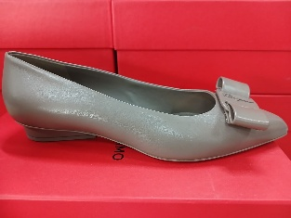 #REF! | 1C | 95 | 1 | € 331.25 | € 331.25 | € 795.00 | € 795.00 | € 215.31 | € 215.31 | £192.24 | £192.24
Men's Shoes | 021285 | NIMA KNIT 1 | Sneaker | FABRIC | BLACK | NERO |  | M | 60 | 3 | € 331.25 | € 993.75 | € 795.00 | € 2,385.00 | € 215.31 | € 645.94 | £192.24 | £576.73
Men's Shoes | 021285 | NIMA KNIT 1 | Sneaker | FABRIC | BLACK | NERO |  | M | 95 | 1 | € 331.25 | € 331.25 | € 795.00 | € 795.00 | € 215.31 | € 215.31 | £192.24 | £192.24
Men's Shoes | 021285 | NIMA KNIT 1 | Sneaker | FABRIC | BLACK | NERO |  | M | 105 | 3 | € 331.25 | € 993.75 | € 795.00 | € 2,385.00 | € 215.31 | € 645.94 | £192.24 | £576.73
Men's Shoes | 021285 | NIMA KNIT 1 | Sneaker | FABRIC | BLACK | NERO |  | M | 110 | 5 | € 331.25 | € 1,656.25 | € 795.00 | € 3,975.00 | € 215.31 | € 1,076.57 | £192.24 | £961.22
Men's Shoes | 021285 | NIMA KNIT 1 | Sneaker | FABRIC | BLACK | NERO | 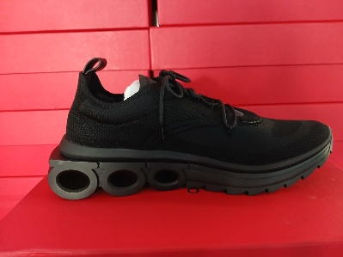 | M | 115 | 7 | € 331.25 | € 2,318.75 | € 795.00 | € 5,565.00 | € 215.31 | € 1,507.20 | £192.24 | £1,345.71
Men's Shoes | 021285 | NIMA KNIT 1 | Sneaker | FABRIC | BLACK | NERO |  | M | 120 | 7 | € 331.25 | € 2,318.75 | € 795.00 | € 5,565.00 | € 215.31 | € 1,507.20 | £192.24 | £1,345.71
Men's Shoes | 021285 | NIMA KNIT 1 | Sneaker | FABRIC | BONE | STONE |  | M | 55 | 1 | € 331.25 | € 331.25 | € 795.00 | € 795.00 | € 215.31 | € 215.31 | £192.24 | £192.24
Men's Shoes | 021285 | NIMA KNIT 1 | Sneaker | FABRIC | BONE | STONE |  | M | 60 | 1 | € 331.25 | € 331.25 | € 795.00 | € 795.00 | € 215.31 | € 215.31 | £192.24 | £192.24
Men's Shoes | 021285 | NIMA KNIT 1 | Sneaker | FABRIC | BONE | STONE |  | M | 70 | 1 | € 331.25 | € 331.25 | € 795.00 | € 795.00 | € 215.31 | € 215.31 | £192.24 | £192.24
Men's Shoes | 021285 | NIMA KNIT 1 | Sneaker | FABRIC | BONE | STONE |  | M | 75 | 1 | € 331.25 | € 331.25 | € 795.00 | € 795.00 | € 215.31 | € 215.31 | £192.24 | £192.24
Men's Shoes | 021285 | NIMA KNIT 1 | Sneaker | FABRIC | BONE | STONE |  | M | 80 | 2 | € 331.25 | € 662.50 | € 795.00 | € 1,590.00 | € 215.31 | € 430.63 | £192.24 | £384.49
Men's Shoes | 021285 | NIMA KNIT 1 | Sneaker | FABRIC | BONE | STONE |  | M | 85 | 3 | € 331.25 | € 993.75 | € 795.00 | € 2,385.00 | € 215.31 | € 645.94 | £192.24 | £576.73
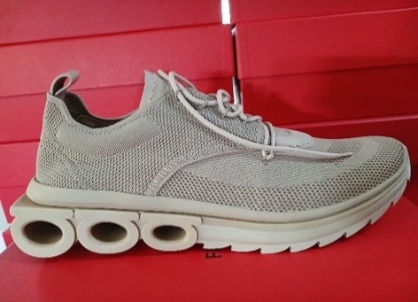
Men's Shoes | 021285 | NIMA KNIT 1 | Sneaker | FABRIC | BONE | STONE |  | M | 90 | 3 | € 331.25 | € 993.75 | € 795.00 | € 2,385.00 | € 215.31 | € 645.94 | £192.24 | £576.73
Men's Shoes | 021285 | NIMA KNIT 1 | Sneaker | FABRIC | BONE | STONE |  | M | 95 | 2 | € 331.25 | € 662.50 | € 795.00 | € 1,590.00 | € 215.31 | € 430.63 | £192.24 | £384.49
Men's Shoes | 021285 | NIMA KNIT 1 | Sneaker | FABRIC | BONE | STONE |  | M | 100 | 1 | € 331.25 | € 331.25 | € 795.00 | € 795.00 | € 215.31 | € 215.31 | £192.24 | £192.24
Men's Shoes | 021285 | NIMA KNIT 1 | Sneaker | FABRIC | BONE | STONE |  | M | 105 | 5 | € 331.25 | € 1,656.25 | € 795.00 | € 3,975.00 | € 215.31 | € 1,076.57 | £192.24 | £961.22
Men's Shoes | 021285 | NIMA KNIT 1 | Sneaker | FABRIC | BONE | STONE |  | M | 110 | 2 | € 331.25 | € 662.50 | € 795.00 | € 1,590.00 | € 215.31 | € 430.63 | £192.24 | £384.49
Men's Shoes | 021285 | NIMA KNIT 1 | Sneaker | FABRIC | BONE | STONE |  | M | 115 | 4 | € 331.25 | € 1,325.00 | € 795.00 | € 3,180.00 | € 215.31 | € 861.25 | £192.24 | £768.98
Men's Shoes | 021285 | NIMA KNIT 1 | Sneaker | FABRIC | BONE | STONE |  | M | 120 | 2 | € 331.25 | € 662.50 | € 795.00 | € 1,590.00 | € 215.31 | € 430.63 | £192.24 | £384.49
Men's Shoes | 021285 | NIMA KNIT 1 | Sneaker | FABRIC | BONE | STONE |  | M | 130 | 1 | € 331.25 | € 331.25 | € 795.00 | € 795.00 | € 215.31 | € 215.31 | £192.24 | £192.24
Men's Shoes | 021285 | NIMA KNIT 1 | Sneaker | FABRIC | WHITE | BIANCO OTTICO |  | M | 50 | 1 | € 331.25 | € 331.25 | € 795.00 | € 795.00 | € 215.31 | € 215.31 | £192.24 | £192.24
Men's Shoes | 021285 | NIMA KNIT 1 | Sneaker | FABRIC | WHITE | BIANCO OTTICO |  | M | 55 | 1 | € 331.25 | € 331.25 | € 795.00 | € 795.00 | € 215.31 | € 215.31 | £192.24 | £192.24
Men's Shoes | 021285 | NIMA KNIT 1 | Sneaker | FABRIC | WHITE | BIANCO OTTICO |  | M | 60 | 3 | € 331.25 | € 993.75 | € 795.00 | € 2,385.00 | € 215.31 | € 645.94 | £192.24 | £576.73
Men's Shoes | 021285 | NIMA KNIT 1 | Sneaker | FABRIC | WHITE | BIANCO OTTICO |  | M | 65 | 1 | € 331.25 | € 331.25 | € 795.00 | € 795.00 | € 215.31 | € 215.31 | £192.24 | £192.24
Men's Shoes | 021285 | NIMA KNIT 1 | Sneaker | FABRIC | WHITE | BIANCO OTTICO |  | M | 70 | 4 | € 331.25 | € 1,325.00 | € 795.00 | € 3,180.00 | € 215.31 | € 861.25 | £192.24 | £768.98
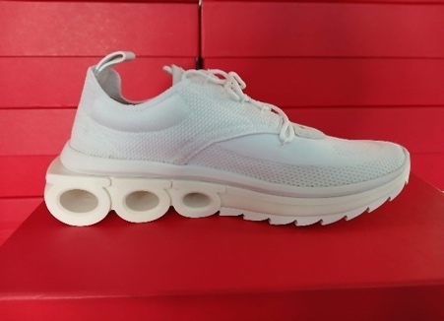
Men's Shoes | 021285 | NIMA KNIT 1 | Sneaker | FABRIC | WHITE | BIANCO OTTICO |  | M | 75 | 3 | € 331.25 | € 993.75 | € 795.00 | € 2,385.00 | € 215.31 | € 645.94 | £192.24 | £576.73
Men's Shoes | 021285 | NIMA KNIT 1 | Sneaker | FABRIC | WHITE | BIANCO OTTICO |  | M | 80 | 3 | € 331.25 | € 993.75 | € 795.00 | € 2,385.00 | € 215.31 | € 645.94 | £192.24 | £576.73
Men's Shoes | 021285 | NIMA KNIT 1 | Sneaker | FABRIC | WHITE | BIANCO OTTICO |  | M | 85 | 3 | € 331.25 | € 993.75 | € 795.00 | € 2,385.00 | € 215.31 | € 645.94 | £192.24 | £576.73
Men's Shoes | 021285 | NIMA KNIT 1 | Sneaker | FABRIC | WHITE | BIANCO OTTICO |  | M | 90 | 4 | € 331.25 | € 1,325.00 | € 795.00 | € 3,180.00 | € 215.31 | € 861.25 | £192.24 | £768.98
Men's Shoes | 021285 | NIMA KNIT 1 | Sneaker | FABRIC | WHITE | BIANCO OTTICO |  | M | 95 | 8 | € 331.25 | € 2,650.00 | € 795.00 | € 6,360.00 | € 215.31 | € 1,722.51 | £192.24 | £1,537.96
Men's Shoes | 021285 | NIMA KNIT 1 | Sneaker | FABRIC | WHITE | BIANCO OTTICO |  | M | 100 | 14 | € 331.25 | € 4,637.50 | € 795.00 | € 11,130.00 | € 215.31 | € 3,014.39 | £192.24 | £2,691.42
Men's Shoes | 021285 | NIMA KNIT 1 | Sneaker | FABRIC | WHITE | BIANCO OTTICO |  | M | 105 | 18 | € 331.25 | € 5,962.50 | € 795.00 | € 14,310.00 | € 215.31 | € 3,875.65 | £192.24 | £3,460.40
Men's Shoes | 021285 | NIMA KNIT 1 | Sneaker | FABRIC | WHITE | BIANCO OTTICO |  | M | 110 | 17 | € 331.25 | € 5,631.25 | € 795.00 | € 13,515.00 | € 215.31 | € 3,660.33 | £192.24 | £3,268.15
Men's Shoes | 021285 | NIMA KNIT 1 | Sneaker | FABRIC | WHITE | BIANCO OTTICO |  | M | 115 | 9 | € 331.25 | € 2,981.25 | € 795.00 | € 7,155.00 | € 215.31 | € 1,937.82 | £192.24 | £1,730.20
Men's Shoes | 021285 | NIMA KNIT 1 | Sneaker | FABRIC | WHITE | BIANCO OTTICO |  | M | 120 | 10 | € 331.25 | € 3,312.50 | € 795.00 | € 7,950.00 | € 215.31 | € 2,153.14 | £192.24 | £1,922.44
Men's Shoes | 021285 | NIMA KNIT 1 | Sneaker | FABRIC | WHITE | BIANCO OTTICO |  | M | 130 | 2 | € 331.25 | € 662.50 | € 795.00 | € 1,590.00 | € 215.31 | € 430.63 | £192.24 | £384.49
Men's Shoes | 021572 | ACHILLE 1 | Sneaker | CALF | DARK BROWN | GREEN/MASCARPONE |  | M | 65 | 1 | € 247.92 | € 247.92 | € 595.00 | € 595.00 | € 161.15 | € 161.15 | £143.88 | £143.88
Men's Shoes | 021572 | ACHILLE 1 | Sneaker | CALF | DARK BROWN | GREEN/MASCARPONE |  | M | 105 | 3 | € 247.92 | € 743.75 | € 595.00 | € 1,785.00 | € 161.15 | € 483.44 | £143.88 | £431.64
Men's Shoes | 021572 | ACHILLE 1 | Sneaker | CALF | DARK BROWN | GREEN/MASCARPONE | 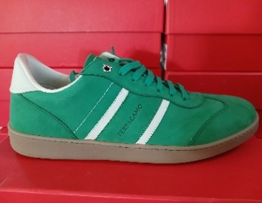 | M | 110 | 2 | € 247.92 | € 495.83 | € 595.00 | € 1,190.00 | € 161.15 | € 322.29 | £143.88 | £287.76
Men's Shoes | 021572 | ACHILLE 1 | Sneaker | CALF | DARK BROWN | GREEN/MASCARPONE |  | M | 115 | 3 | € 247.92 | € 743.75 | € 595.00 | € 1,785.00 | € 161.15 | € 483.44 | £143.88 | £431.64
Men's Shoes | 021572 | ACHILLE 1 | Sneaker | CALF | DARK BROWN | GREEN/MASCARPONE |  | M | 120 | 3 | € 247.92 | € 743.75 | € 595.00 | € 1,785.00 | € 161.15 | € 483.44 | £143.88 | £431.64
Men's Shoes | 021572 | ACHILLE 1 | Sneaker | CALF | WHITE | 1/2 BOV GUANTO ANTI SKY BLUE |  | M | 60 | 1 | € 212.50 | € 212.50 | € 510.00 | € 510.00 | € 138.13 | € 138.13 | £123.33 | £123.33
Men's Shoes | 021572 | ACHILLE 1 | Sneaker | CALF | WHITE | 1/2 BOV GUANTO ANTI SKY BLUE |  | M | 75 | 2 | € 212.50 | € 425.00 | € 510.00 | € 1,020.00 | € 138.13 | € 276.25 | £123.33 | £246.65
Men's Shoes | 021572 | ACHILLE 1 | Sneaker | CALF | WHITE | 1/2 BOV GUANTO ANTI SKY BLUE |  | M | 80 | 1 | € 212.50 | € 212.50 | € 510.00 | € 510.00 | € 138.13 | € 138.13 | £123.33 | £123.33
Men's Shoes | 021572 | ACHILLE 1 | Sneaker | CALF | WHITE | 1/2 BOV GUANTO ANTI SKY BLUE | 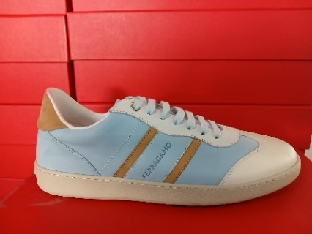 | M | 95 | 1 | € 212.50 | € 212.50 | € 510.00 | € 510.00 | € 138.13 | € 138.13 | £123.33 | £123.33
Men's Shoes | 021572 | ACHILLE 1 | Sneaker | CALF | WHITE | 1/2 BOV GUANTO ANTI SKY BLUE |  | M | 100 | 1 | € 212.50 | € 212.50 | € 510.00 | € 510.00 | € 138.13 | € 138.13 | £123.33 | £123.33
Men's Shoes | 021572 | ACHILLE 1 | Sneaker | CALF | WHITE | 1/2 BOV GUANTO ANTI SKY BLUE |  | M | 105 | 1 | € 212.50 | € 212.50 | € 510.00 | € 510.00 | € 138.13 | € 138.13 | £123.33 | £123.33
Men's Shoes | 022376 | DENNIS | Sneaker | BUC SUEDE CALF | BLACK | NERO/BRIGHT GREEN |  | M | 70 | 1 | € 267.86 | € 267.86 | € 642.86 | € 642.86 | € 174.11 | € 174.11 | £155.45 | £155.45
Men's Shoes | 022376 | DENNIS | Sneaker | BUC SUEDE CALF | BLACK | NERO/BRIGHT GREEN |  | M | 75 | 5 | € 267.86 | € 1,339.29 | € 642.86 | € 3,214.29 | € 174.11 | € 870.54 | £155.45 | £777.27
Men's Shoes | 022376 | DENNIS | Sneaker | BUC SUEDE CALF | BLACK | NERO/BRIGHT GREEN |  | M | 80 | 2 | € 267.86 | € 535.71 | € 642.86 | € 1,285.71 | € 174.11 | € 348.22 | £155.45 | £310.91
Men's Shoes | 022376 | DENNIS | Sneaker | BUC SUEDE CALF | BLACK | NERO/BRIGHT GREEN |  | M | 85 | 1 | € 267.86 | € 267.86 | € 642.86 | € 642.86 | € 174.11 | € 174.11 | £155.45 | £155.45
Men's Shoes | 022376 | DENNIS | Sneaker | BUC SUEDE CALF | BLACK | NERO/BRIGHT GREEN | 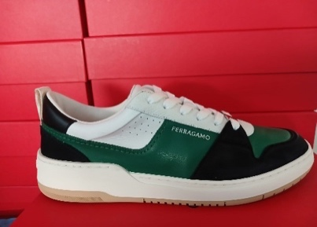 | M | 90 | 1 | € 267.86 | € 267.86 | € 642.86 | € 642.86 | € 174.11 | € 174.11 | £155.45 | £155.45
Men's Shoes | 022376 | DENNIS | Sneaker | BUC SUEDE CALF | BLACK | NERO/BRIGHT GREEN |  | M | 95 | 3 | € 267.86 | € 803.57 | € 642.86 | € 1,928.57 | € 174.11 | € 522.32 | £155.45 | £466.36
Men's Shoes | 022376 | DENNIS | Sneaker | BUC SUEDE CALF | BLACK | NERO/BRIGHT GREEN |  | M | 100 | 1 | € 267.86 | € 267.86 | € 642.86 | € 642.86 | € 174.11 | € 174.11 | £155.45 | £155.45
Men's Shoes | 022376 | DENNIS | Sneaker | BUC SUEDE CALF | BLACK | NERO/BRIGHT GREEN |  | M | 105 | 9 | € 267.86 | € 2,410.71 | € 642.86 | € 5,785.71 | € 174.11 | € 1,566.97 | £155.45 | £1,399.08
Men's Shoes | 022376 | DENNIS | Sneaker | BUC SUEDE CALF | BLACK | NERO/BRIGHT GREEN |  | M | 110 | 3 | € 267.86 | € 803.57 | € 642.86 | € 1,928.57 | € 174.11 | € 522.32 | £155.45 | £466.36
Men's Shoes | 022376 | DENNIS | Sneaker | BUC SUEDE CALF | BLACK | NERO/BRIGHT GREEN |  | M | 115 | 1 | € 267.86 | € 267.86 | € 642.86 | € 642.86 | € 174.11 | € 174.11 | £155.45 | £155.45
Men's Shoes | 022376 | DENNIS | Sneaker | BUC SUEDE CALF | BLACK | NERO/BRIGHT GREEN |  | M | 120 | 1 | € 267.86 | € 267.86 | € 642.86 | € 642.86 | € 174.11 | € 174.11 | £155.45 | £155.45
Men's Shoes | 023588 | CASSINA GANC | Sneaker | CALF | DARK GREY | MVIT BORIS SP. 1,3- STROMBOLI |  | M | 70 | 1 | € 289.58 | € 289.58 | € 695.00 | € 695.00 | € 188.23 | € 188.23 | £168.06 | £168.06
Men's Shoes | 023588 | CASSINA GANC | Sneaker | CALF | DARK GREY | MVIT BORIS SP. 1,3- STROMBOLI |  | M | 80 | 3 | € 289.58 | € 868.75 | € 695.00 | € 2,085.00 | € 188.23 | € 564.69 | £168.06 | £504.19
Men's Shoes | 023588 | CASSINA GANC | Sneaker | CALF | DARK GREY | MVIT BORIS SP. 1,3- STROMBOLI |  | M | 90 | 1 | € 289.58 | € 289.58 | € 695.00 | € 695.00 | € 188.23 | € 188.23 | £168.06 | £168.06
Men's Shoes | 023588 | CASSINA GANC | Sneaker | CALF | DARK GREY | MVIT BORIS SP. 1,3- STROMBOLI | 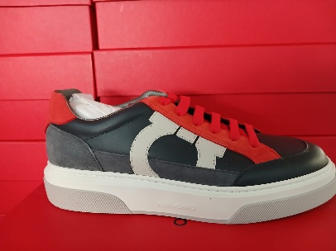 | M | 95 | 1 | € 289.58 | € 289.58 | € 695.00 | € 695.00 | € 188.23 | € 188.23 | £168.06 | £168.06
Men's Shoes | 023588 | CASSINA GANC | Sneaker | CALF | DARK GREY | MVIT BORIS SP. 1,3- STROMBOLI |  | M | 100 | 2 | € 289.58 | € 579.17 | € 695.00 | € 1,390.00 | € 188.23 | € 376.46 | £168.06 | £336.13
Men's Shoes | 023588 | CASSINA GANC | Sneaker | CALF | DARK GREY | MVIT BORIS SP. 1,3- STROMBOLI |  | M | 105 | 1 | € 289.58 | € 289.58 | € 695.00 | € 695.00 | € 188.23 | € 188.23 | £168.06 | £168.06
Men's Shoes | 023588 | CASSINA GANC | Sneaker | CALF | DARK GREY | MVIT BORIS SP. 1,3- STROMBOLI |  | M | 110 | 3 | € 289.58 | € 868.75 | € 695.00 | € 2,085.00 | € 188.23 | € 564.69 | £168.06 | £504.19
Men's Shoes | 023588 | CASSINA GANC | Sneaker | CALF | DARK GREY | MVIT BORIS SP. 1,3- STROMBOLI |  | M | 115 | 2 | € 289.58 | € 579.17 | € 695.00 | € 1,390.00 | € 188.23 | € 376.46 | £168.06 | £336.13
Men's Shoes | 023588 | CASSINA GANC | Sneaker | CALF | WHITE | MASCARPONE/COGNAC/MIDNIGHT |  | M | 65 | 2 | € 248.21 | € 496.43 | € 595.71 | € 1,191.43 | € 161.34 | € 322.68 | £144.05 | £288.11
Men's Shoes | 023588 | CASSINA GANC | Sneaker | CALF | WHITE | MASCARPONE/COGNAC/MIDNIGHT |  | M | 70 | 3 | € 248.21 | € 744.64 | € 595.71 | € 1,787.14 | € 161.34 | € 484.02 | £144.05 | £432.16
Men's Shoes | 023588 | CASSINA GANC | Sneaker | CALF | WHITE | MASCARPONE/COGNAC/MIDNIGHT |  | M | 75 | 1 | € 248.21 | € 248.21 | € 595.71 | € 595.71 | € 161.34 | € 161.34 | £144.05 | £144.05
Men's Shoes | 023588 | CASSINA GANC | Sneaker | CALF | WHITE | MASCARPONE/COGNAC/MIDNIGHT |  | M | 85 | 1 | € 248.21 | € 248.21 | € 595.71 | € 595.71 | € 161.34 | € 161.34 | £144.05 | £144.05
Men's Shoes | 023588 | CASSINA GANC | Sneaker | CALF | WHITE | MASCARPONE/COGNAC/MIDNIGHT | 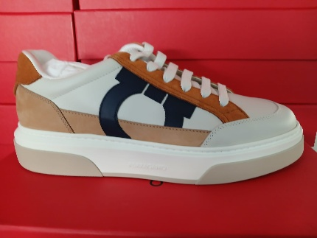 | M | 95 | 1 | € 248.21 | € 248.21 | € 595.71 | € 595.71 | € 161.34 | € 161.34 | £144.05 | £144.05
Men's Shoes | 023588 | CASSINA GANC | Sneaker | CALF | WHITE | MASCARPONE/COGNAC/MIDNIGHT |  | M | 100 | 2 | € 248.21 | € 496.43 | € 595.71 | € 1,191.43 | € 161.34 | € 322.68 | £144.05 | £288.11
Men's Shoes | 023588 | CASSINA GANC | Sneaker | CALF | WHITE | MASCARPONE/COGNAC/MIDNIGHT |  | M | 105 | 2 | € 248.21 | € 496.43 | € 595.71 | € 1,191.43 | € 161.34 | € 322.68 | £144.05 | £288.11
Men's Shoes | 023588 | CASSINA GANC | Sneaker | CALF | WHITE | MASCARPONE/COGNAC/MIDNIGHT |  | M | 110 | 2 | € 248.21 | € 496.43 | € 595.71 | € 1,191.43 | € 161.34 | € 322.68 | £144.05 | £288.11
Men's Shoes | 023588 | CASSINA GANC | Sneaker | CALF | WHITE | MASCARPONE/COGNAC/MIDNIGHT |  | M | 120 | 1 | € 248.21 | € 248.21 | € 595.71 | € 595.71 | € 161.34 | € 161.34 | £144.05 | £144.05
Men's Shoes | 023591 | DENNIS 1 | Sneaker | CALF | WHITE | BIANCO OTTICO/MASCARPONE |  | M | 60 | 1 | € 267.86 | € 267.86 | € 642.86 | € 642.86 | € 174.11 | € 174.11 | £155.45 | £155.45
Men's Shoes | 023591 | DENNIS 1 | Sneaker | CALF | WHITE | BIANCO OTTICO/MASCARPONE | 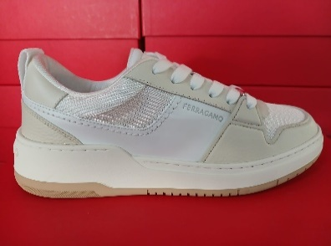 | M | 75 | 1 | € 267.86 | € 267.86 | € 642.86 | € 642.86 | € 174.11 | € 174.11 | £155.45 | £155.45
Men's Shoes | 023597 | COSMA LOW 1 | Sneaker | CALF | BLACK | MVIT ADRIA MATT SP NERO |  | M | 70 | 1 | € 267.86 | € 267.86 | € 642.86 | € 642.86 | € 174.11 | € 174.11 | £155.45 | £155.45
Men's Shoes | 023597 | COSMA LOW 1 | Sneaker | CALF | BLACK | MVIT ADRIA MATT SP NERO | 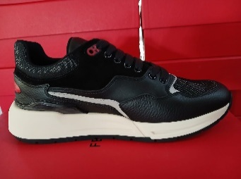 | M | 85 | 1 | € 267.86 | € 267.86 | € 642.86 | € 642.86 | € 174.11 | € 174.11 | £155.45 | £155.45
Men's Shoes | 023597 | COSMA LOW 1 | Sneaker | CALF | WHITE | MVIT ADRIA MATT SP BRIGHT GRE |  | M | 70 | 3 | € 312.50 | € 937.50 | € 750.00 | € 2,250.00 | € 203.13 | € 609.38 | £181.36 | £544.09
Men's Shoes | 023597 | COSMA LOW 1 | Sneaker | CALF | WHITE | MVIT ADRIA MATT SP BRIGHT GRE | 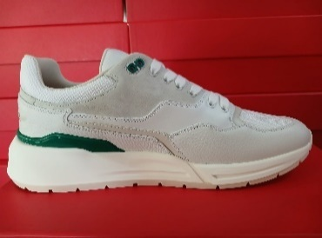 | M | 110 | 2 | € 312.50 | € 625.00 | € 750.00 | € 1,500.00 | € 203.13 | € 406.25 | £181.36 | £362.73
Men's Shoes | 023597 | COSMA LOW 1 | Sneaker | CALF | WHITE | MVIT ADRIA MATT SP BRIGHT GRE |  | M | 115 | 1 | € 446.43 | € 446.43 | € 1,071.43 | € 1,071.43 | € 290.18 | € 290.18 | £259.09 | £259.09
Men's Shoes | 023597 | COSMA LOW 1 | Sneaker | CALF | WHITE | MVIT ADRIA MATT SP BRIGHT GRE |  | M | 130 | 3 | € 446.43 | € 1,339.29 | € 1,071.43 | € 3,214.29 | € 290.18 | € 870.54 | £259.09 | £777.27
Men's Shoes | 022143 | NIMA METAL | Sneaker | FABRIC | LIGHT GREY | CALZ NIMA METAL UOM SILVER |  | M | 65 | 3 | € 196.43 | € 589.29 | € 471.43 | € 1,414.29 | € 127.68 | € 383.04 | £114.00 | £342.00
Men's Shoes | 022143 | NIMA METAL | Sneaker | FABRIC | LIGHT GREY | CALZ NIMA METAL UOM SILVER |  | M | 70 | 3 | € 196.43 | € 589.29 | € 471.43 | € 1,414.29 | € 127.68 | € 383.04 | £114.00 | £342.00
Men's Shoes | 022143 | NIMA METAL | Sneaker | FABRIC | LIGHT GREY | CALZ NIMA METAL UOM SILVER | 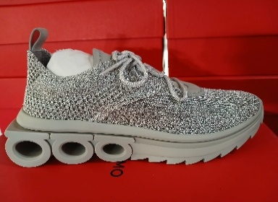 | M | 75 | 2 | € 196.43 | € 392.86 | € 471.43 | € 942.86 | € 127.68 | € 255.36 | £114.00 | £228.00
Men's Shoes | 022143 | NIMA METAL | Sneaker | FABRIC | LIGHT GREY | CALZ NIMA METAL UOM SILVER |  | M | 110 | 2 | € 196.43 | € 392.86 | € 471.43 | € 942.86 | € 127.68 | € 255.36 | £114.00 | £228.00
Men's Shoes | 022143 | NIMA METAL | Sneaker | FABRIC | LIGHT GREY | CALZ NIMA METAL UOM SILVER |  | M | 115 | 1 | € 196.43 | € 196.43 | € 471.43 | € 471.43 | € 127.68 | € 127.68 | £114.00 | £114.00
Men's Shoes | 023585 | DIONISO | Sneaker | BUC SUEDE CALF | WHITE | CROSTA/NYLON CINZIA BRIGHT GRE |  | M | 80 | 1 | € 232.14 | € 232.14 | € 557.14 | € 557.14 | € 150.89 | € 150.89 | £134.73 | £134.73
Men's Shoes | 023585 | DIONISO | Sneaker | BUC SUEDE CALF | WHITE | CROSTA/NYLON CINZIA BRIGHT GRE |  | M | 85 | 1 | € 232.14 | € 232.14 | € 557.14 | € 557.14 | € 150.89 | € 150.89 | £134.73 | £134.73
Men's Shoes | 023585 | DIONISO | Sneaker | BUC SUEDE CALF | WHITE | CROSTA/NYLON CINZIA BRIGHT GRE | 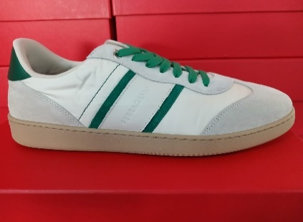 | M | 90 | 1 | € 232.14 | € 232.14 | € 557.14 | € 557.14 | € 150.89 | € 150.89 | £134.73 | £134.73
Men's Shoes | 023585 | DIONISO | Sneaker | BUC SUEDE CALF | WHITE | CROSTA/NYLON CINZIA BRIGHT GRE |  | M | 95 | 1 | € 232.14 | € 232.14 | € 557.14 | € 557.14 | € 150.89 | € 150.89 | £134.73 | £134.73
Men's Shoes | 023585 | DIONISO | Sneaker | BUC SUEDE CALF | WHITE | CROSTA/NYLON CINZIA BRIGHT GRE |  | M | 120 | 1 | € 232.14 | € 232.14 | € 557.14 | € 557.14 | € 150.89 | € 150.89 | £134.73 | £134.73
Men's Shoes | 023591 | DENNIS 1 | Sneaker | CALF | BLUETTE | LAPIS/BIANCO OTT | 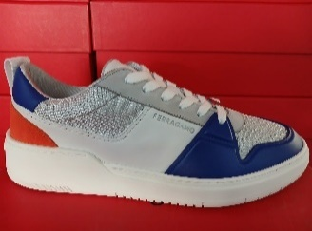 | M | 100 | 4 | € 267.86 | € 1,071.43 | € 642.86 | € 2,571.43 | € 174.11 | € 696.43 | £155.45 | £621.81
Men's Shoes | 023596 | CASSINA GAN1 | Sneaker | BUC SUEDE CALF | DARK YELLOW | YELLOW/NERO |  | M | 70 | 4 | € 289.58 | € 1,158.33 | € 695.00 | € 2,780.00 | € 188.23 | € 752.92 | £168.06 | £672.25
Men's Shoes | 023596 | CASSINA GAN1 | Sneaker | BUC SUEDE CALF | DARK YELLOW | YELLOW/NERO |  | M | 75 | 2 | € 289.58 | € 579.17 | € 695.00 | € 1,390.00 | € 188.23 | € 376.46 | £168.06 | £336.13
Men's Shoes | 023596 | CASSINA GAN1 | Sneaker | BUC SUEDE CALF | DARK YELLOW | YELLOW/NERO |  | M | 80 | 3 | € 289.58 | € 868.75 | € 695.00 | € 2,085.00 | € 188.23 | € 564.69 | £168.06 | £504.19
Men's Shoes | 023596 | CASSINA GAN1 | Sneaker | BUC SUEDE CALF | DARK YELLOW | YELLOW/NERO | 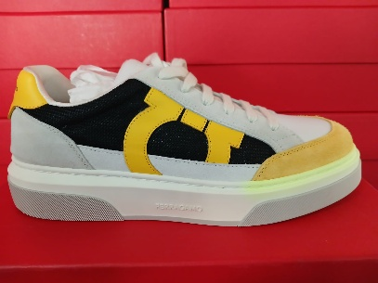 | M | 100 | 1 | € 289.58 | € 289.58 | € 695.00 | € 695.00 | € 188.23 | € 188.23 | £168.06 | £168.06
Men's Shoes | 023596 | CASSINA GAN1 | Sneaker | BUC SUEDE CALF | DARK YELLOW | YELLOW/NERO |  | M | 105 | 1 | € 289.58 | € 289.58 | € 695.00 | € 695.00 | € 188.23 | € 188.23 | £168.06 | £168.06
Men's Shoes | 023596 | CASSINA GAN1 | Sneaker | BUC SUEDE CALF | DARK YELLOW | YELLOW/NERO |  | M | 110 | 1 | € 289.58 | € 289.58 | € 695.00 | € 695.00 | € 188.23 | € 188.23 | £168.06 | £168.06
Men's Shoes | 023596 | CASSINA GAN1 | Sneaker | BUC SUEDE CALF | DARK YELLOW | YELLOW/NERO |  | M | 120 | 1 | € 289.58 | € 289.58 | € 695.00 | € 695.00 | € 188.23 | € 188.23 | £168.06 | £168.06
Men's Shoes | 026533 | DETROIT 1 | Sneaker | CALF | BLACK | NERO/BORDEAUX |  | M | 50 | 2 | € 270.83 | € 541.67 | € 650.00 | € 1,300.00 | € 176.04 | € 352.09 | £157.18 | £314.36
Men's Shoes | 026533 | DETROIT 1 | Sneaker | CALF | BLACK | NERO/BORDEAUX |  | M | 55 | 1 | € 270.83 | € 270.83 | € 650.00 | € 650.00 | € 176.04 | € 176.04 | £157.18 | £157.18
Men's Shoes | 026533 | DETROIT 1 | Sneaker | CALF | BLACK | NERO/BORDEAUX |  | M | 60 | 4 | € 270.83 | € 1,083.33 | € 650.00 | € 2,600.00 | € 176.04 | € 704.17 | £157.18 | £628.72
Men's Shoes | 026533 | DETROIT 1 | Sneaker | CALF | BLACK | NERO/BORDEAUX |  | M | 65 | 4 | € 270.83 | € 1,083.33 | € 650.00 | € 2,600.00 | € 176.04 | € 704.17 | £157.18 | £628.72
Men's Shoes | 026533 | DETROIT 1 | Sneaker | CALF | BLACK | NERO/BORDEAUX |  | M | 70 | 2 | € 270.83 | € 541.67 | € 650.00 | € 1,300.00 | € 176.04 | € 352.09 | £157.18 | £314.36
Men's Shoes | 026533 | DETROIT 1 | Sneaker | CALF | BLACK | NERO/BORDEAUX | 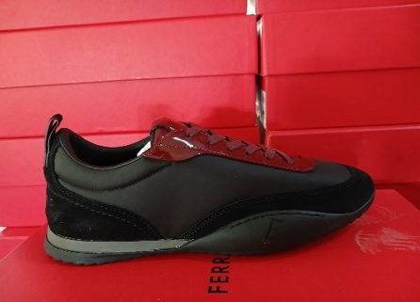 | M | 75 | 6 | € 270.83 | € 1,625.00 | € 650.00 | € 3,900.00 | € 176.04 | € 1,056.26 | £157.18 | £943.09
Men's Shoes | 026533 | DETROIT 1 | Sneaker | CALF | BLACK | NERO/BORDEAUX |  | M | 80 | 2 | € 270.83 | € 541.67 | € 650.00 | € 1,300.00 | € 176.04 | € 352.09 | £157.18 | £314.36
Men's Shoes | 026533 | DETROIT 1 | Sneaker | CALF | BLACK | NERO/BORDEAUX |  | M | 85 | 3 | € 270.83 | € 812.50 | € 650.00 | € 1,950.00 | € 176.04 | € 528.13 | £157.18 | £471.54
Men's Shoes | 026533 | DETROIT 1 | Sneaker | CALF | BLACK | NERO/BORDEAUX |  | M | 95 | 2 | € 270.83 | € 541.67 | € 650.00 | € 1,300.00 | € 176.04 | € 352.09 | £157.18 | £314.36
Men's Shoes | 026533 | DETROIT 1 | Sneaker | CALF | BLACK | NERO/BORDEAUX |  | M | 100 | 1 | € 270.83 | € 270.83 | € 650.00 | € 650.00 | € 176.04 | € 176.04 | £157.18 | £157.18
Men's Shoes | 026533 | DETROIT 1 | Sneaker | CALF | BLACK | NERO/BORDEAUX |  | M | 105 | 1 | € 270.83 | € 270.83 | € 650.00 | € 650.00 | € 176.04 | € 176.04 | £157.18 | £157.18
Men's Shoes | 026533 | DETROIT 1 | Sneaker | CALF | BLACK | NERO/BORDEAUX |  | M | 110 | 1 | € 270.83 | € 270.83 | € 650.00 | € 650.00 | € 176.04 | € 176.04 | £157.18 | £157.18
Men's Shoes | 026533 | DETROIT 1 | Sneaker | CALF | BLACK | NERO/BORDEAUX |  | M | 115 | 3 | € 270.83 | € 812.50 | € 650.00 | € 1,950.00 | € 176.04 | € 528.13 | £157.18 | £471.54
Men's Shoes | 026533 | DETROIT 1 | Sneaker | CALF | BLACK | NERO/BORDEAUX |  | M | 120 | 5 | € 270.83 | € 1,354.17 | € 650.00 | € 3,250.00 | € 176.04 | € 880.21 | £157.18 | £785.90
Men's Shoes | 026533 | DETROIT 1 | Sneaker | CALF | BLACK | NERO/BORDEAUX |  | M | 130 | 2 | € 270.83 | € 541.67 | € 650.00 | € 1,300.00 | € 176.04 | € 352.09 | £157.18 | £314.36
Men's Shoes | 026533 | DETROIT 1 | Sneaker | CALF | BLACK | NERO/FOREST GREEN |  | M | 55 | 2 | € 232.14 | € 464.29 | € 557.14 | € 1,114.29 | € 150.89 | € 301.79 | £134.73 | £269.45
Men's Shoes | 026533 | DETROIT 1 | Sneaker | CALF | BLACK | NERO/FOREST GREEN |  | M | 60 | 3 | € 232.14 | € 696.43 | € 557.14 | € 1,671.43 | € 150.89 | € 452.68 | £134.73 | £404.18
Men's Shoes | 026533 | DETROIT 1 | Sneaker | CALF | BLACK | NERO/FOREST GREEN |  | M | 65 | 2 | € 232.14 | € 464.29 | € 557.14 | € 1,114.29 | € 150.89 | € 301.79 | £134.73 | £269.45
Men's Shoes | 026533 | DETROIT 1 | Sneaker | CALF | BLACK | NERO/FOREST GREEN |  | M | 70 | 1 | € 232.14 | € 232.14 | € 557.14 | € 557.14 | € 150.89 | € 150.89 | £134.73 | £134.73
Men's Shoes | 026533 | DETROIT 1 | Sneaker | CALF | BLACK | NERO/FOREST GREEN | 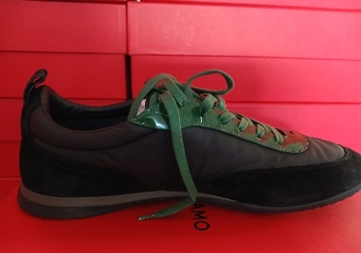 | M | 85 | 2 | € 232.14 | € 464.29 | € 557.14 | € 1,114.29 | € 150.89 | € 301.79 | £134.73 | £269.45
Men's Shoes | 026533 | DETROIT 1 | Sneaker | CALF | BLACK | NERO/FOREST GREEN |  | M | 105 | 1 | € 232.14 | € 232.14 | € 557.14 | € 557.14 | € 150.89 | € 150.89 | £134.73 | £134.73
Men's Shoes | 026533 | DETROIT 1 | Sneaker | CALF | BLACK | NERO/FOREST GREEN |  | M | 110 | 4 | € 232.14 | € 928.57 | € 557.14 | € 2,228.57 | € 150.89 | € 603.57 | £134.73 | £538.91
Men's Shoes | 026533 | DETROIT 1 | Sneaker | CALF | BLACK | NERO/FOREST GREEN |  | M | 120 | 2 | € 232.14 | € 464.29 | € 557.14 | € 1,114.29 | € 150.89 | € 301.79 | £134.73 | £269.45
Men's Shoes | 020912 | IULIO | Sneaker | CALF | BLACK | DOLMIAS ECO FCF NYL ANTRACITE |  | M | 100 | 1 | € 232.14 | € 232.14 | € 557.14 | € 557.14 | € 150.89 | € 150.89 | £134.73 | £134.73
Men's Shoes | 020912 | IULIO | Sneaker | CALF | BLACK | DOLMIAS ECO FCF NYL ANTRACITE |  | M | 105 | 1 | € 232.14 | € 232.14 | € 557.14 | € 557.14 | € 150.89 | € 150.89 | £134.73 | £134.73
Men's Shoes | 020912 | IULIO | Sneaker | CALF | BLACK | DOLMIAS ECO FCF NYL ANTRACITE | 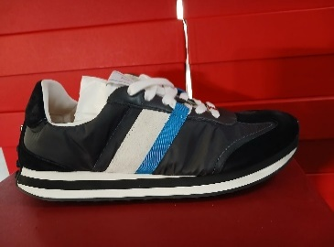 | M | 110 | 1 | € 232.14 | € 232.14 | € 557.14 | € 557.14 | € 150.89 | € 150.89 | £134.73 | £134.73
Men's Shoes | 020912 | IULIO | Sneaker | CALF | BLACK | DOLMIAS ECO FCF NYL ANTRACITE |  | M | 115 | 1 | € 232.14 | € 232.14 | € 557.14 | € 557.14 | € 150.89 | € 150.89 | £134.73 | £134.73
Men's Shoes | 020912 | IULIO | Sneaker | CALF | BLACK | DOLMIAS ECO FCF NYL ANTRACITE |  | M | 120 | 1 | € 232.14 | € 232.14 | € 557.14 | € 557.14 | € 150.89 | € 150.89 | £134.73 | £134.73
Men's Shoes | 020912 | IULIO | Sneaker | CALF | BLUE | TES. DOLMIAS ECO ST BLUEMARINE |  | M | 60 | 1 | € 251.19 | € 251.19 | € 602.86 | € 602.86 | € 163.27 | € 163.27 | £145.78 | £145.78
Men's Shoes | 020912 | IULIO | Sneaker | CALF | BLUE | TES. DOLMIAS ECO ST BLUEMARINE | 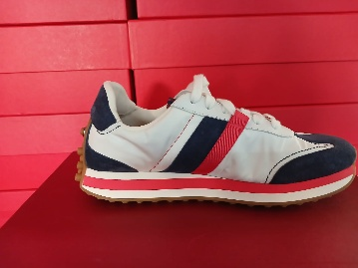 | M | 70 | 1 | € 251.19 | € 251.19 | € 602.86 | € 602.86 | € 163.27 | € 163.27 | £145.78 | £145.78
Men's Shoes | 020912 | IULIO | Sneaker | CALF | BLUE | TES. DOLMIAS ECO ST BLUEMARINE |  | M | 75 | 1 | € 251.19 | € 251.19 | € 602.86 | € 602.86 | € 163.27 | € 163.27 | £145.78 | £145.78
Men's Shoes | 020912 | IULIO | Sneaker | CALF | BLUE | TES. DOLMIAS ECO ST BLUEMARINE |  | M | 80 | 1 | € 251.19 | € 251.19 | € 602.86 | € 602.86 | € 163.27 | € 163.27 | £145.78 | £145.78
Men's Shoes | 021178 | GARDA LOW | Sneaker | KID | WHITE | SUEDE FRESH CF PRON BIANCO OTT |  | M | 65 | 1 | € 270.83 | € 270.83 | € 650.00 | € 650.00 | € 176.04 | € 176.04 | £157.18 | £157.18
Men's Shoes | 021178 | GARDA LOW | Sneaker | KID | WHITE | SUEDE FRESH CF PRON BIANCO OTT |  | M | 75 | 2 | € 270.83 | € 541.67 | € 650.00 | € 1,300.00 | € 176.04 | € 352.09 | £157.18 | £314.36
Men's Shoes | 021178 | GARDA LOW | Sneaker | KID | WHITE | SUEDE FRESH CF PRON BIANCO OTT | 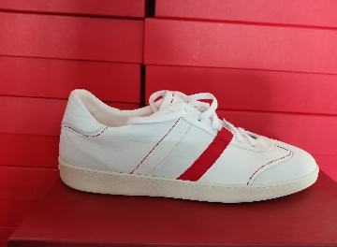 | M | 85 | 1 | € 270.83 | € 270.83 | € 650.00 | € 650.00 | € 176.04 | € 176.04 | £157.18 | £157.18
Men's Shoes | 021178 | GARDA LOW | Sneaker | KID | WHITE | SUEDE FRESH CF PRON BIANCO OTT |  | M | 105 | 4 | € 270.83 | € 1,083.33 | € 650.00 | € 2,600.00 | € 176.04 | € 704.17 | £157.18 | £628.72
Men's Shoes | 021178 | GARDA LOW | Sneaker | KID | WHITE | SUEDE FRESH CF PRON BIANCO OTT |  | M | 115 | 4 | € 270.83 | € 1,083.33 | € 650.00 | € 2,600.00 | € 176.04 | € 704.17 | £157.18 | £628.72
Men's Shoes | 021178 | GARDA LOW | Sneaker | KID | WHITE | SUEDE FRESH CF PRON BIANCO OTT |  | M | 120 | 2 | € 270.83 | € 541.67 | € 650.00 | € 1,300.00 | € 176.04 | € 352.09 | £157.18 | £314.36
Men's Shoes | 021276 | CASSINA MIX | Sneaker | BUC SUEDE CALF | WHITE | MVIT GUANTO/SHADE BIANCO OTT | 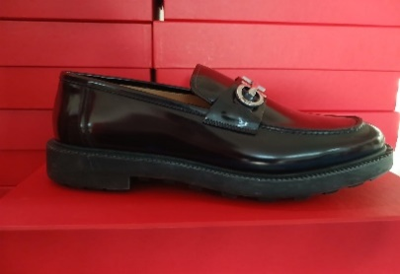 | M | 105 | 1 | € 206.55 | € 206.55 | € 495.71 | € 495.71 | € 134.26 | € 134.26 | £119.87 | £119.87
Ladies' Shoes Sport | 030568 | DENNIS | Sneaker | CALF | BONE | ROSE/PALE YELLOW |  | M | 55 | 2 | € 267.86 | € 535.71 | € 642.86 | € 1,285.71 | € 174.11 | € 348.22 | £155.45 | £310.91
Ladies' Shoes Sport | 030568 | DENNIS | Sneaker | CALF | BONE | ROSE/PALE YELLOW |  | M | 60 | 1 | € 267.86 | € 267.86 | € 642.86 | € 642.86 | € 174.11 | € 174.11 | £155.45 | £155.45
Ladies' Shoes Sport | 030568 | DENNIS | Sneaker | CALF | BONE | ROSE/PALE YELLOW |  | M | 65 | 1 | € 267.86 | € 267.86 | € 642.86 | € 642.86 | € 174.11 | € 174.11 | £155.45 | £155.45
Ladies' Shoes Sport | 030568 | DENNIS | Sneaker | CALF | BONE | ROSE/PALE YELLOW |  | M | 70 | 1 | € 267.86 | € 267.86 | € 642.86 | € 642.86 | € 174.11 | € 174.11 | £155.45 | £155.45
Ladies' Shoes Sport | 030568 | DENNIS | Sneaker | CALF | BONE | ROSE/PALE YELLOW |  | M | 75 | 1 | € 267.86 | € 267.86 | € 642.86 | € 642.86 | € 174.11 | € 174.11 | £155.45 | £155.45
Ladies' Shoes Sport | 030568 | DENNIS | Sneaker | CALF | BONE | ROSE/PALE YELLOW | 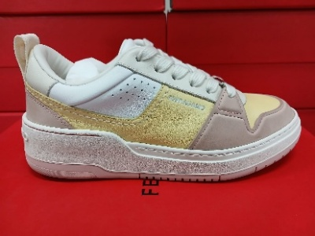 | M | 80 | 1 | € 267.86 | € 267.86 | € 642.86 | € 642.86 | € 174.11 | € 174.11 | £155.45 | £155.45
Ladies' Shoes Sport | 030568 | DENNIS | Sneaker | CALF | BONE | ROSE/PALE YELLOW |  | M | 85 | 1 | € 267.86 | € 267.86 | € 642.86 | € 642.86 | € 174.11 | € 174.11 | £155.45 | £155.45
Ladies' Shoes Sport | 030568 | DENNIS | Sneaker | CALF | BONE | ROSE/PALE YELLOW |  | M | 90 | 2 | € 267.86 | € 535.71 | € 642.86 | € 1,285.71 | € 174.11 | € 348.22 | £155.45 | £310.91
Ladies' Shoes Sport | 030568 | DENNIS | Sneaker | CALF | BONE | ROSE/PALE YELLOW |  | M | 95 | 1 | € 267.86 | € 267.86 | € 642.86 | € 642.86 | € 174.11 | € 174.11 | £155.45 | £155.45
Ladies' Shoes Sport | 030568 | DENNIS | Sneaker | CALF | BONE | ROSE/PALE YELLOW |  | M | 100 | 2 | € 267.86 | € 535.71 | € 642.86 | € 1,285.71 | € 174.11 | € 348.22 | £155.45 | £310.91
 |  |  |  |  |  |  |  |  |  | 407 |  | € 117,801.79 |  | € 282,724.29 |  | € 76,571.60 |  | £68,367.50

