Lot 1
 | DESCRIPTION | MODEL | Reference B1 | EAN | QTY | RRP £ | TOTAL RRP £ | COST £ | COST TOT £ | RRP € | TOT RRP € | COST € | COST TOT €
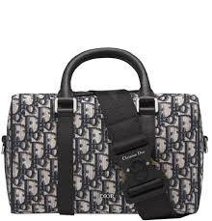 | Christian Dior | Dior Lingot 26 Dior Oblique Jacquard Beige Black | 1ADPO267YKY | 3617060152135 | 2 | £2,150.00 | £4,300.00 | £709.50 | £1,419.00 | € 2,400.00 | € 4,800.00 | € 792.00 | € 1,584.00
 | Christian Dior | Dior Travel Vanity Case Blue Toile De Jouy Embroidery | S5480VTDT | 3616254106190 | 1 | £1,900.00 | £1,900.00 | £627.00 | £627.00 | € 2,000.00 | € 2,000.00 | € 660.00 | € 660.00
 | Christian Dior | Sac Saddle Toile jacquard Dior Oblique Grey | 1ADP0093DOS | 3616259026103 | 3 | £2,600.00 | £7,800.00 | £858.00 | £2,574.00 | € 2,984.80 | € 8,954.40 | € 984.98 | € 2,954.95
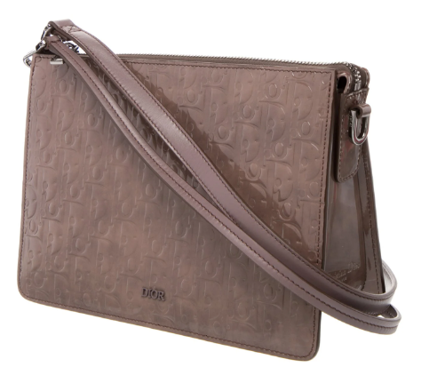 | Christian Dior | Zipped Pouch Grey Violet Dior Gravity Leather | 1ESP0269DOV | 3617061425484 | 2 | £2,400.00 | £4,800.00 | £792.00 | £1,584.00 | € 2,700.00 | € 5,400.00 | € 891.00 | € 1,782.00
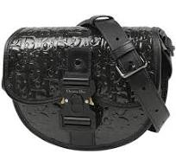 | Christian Dior | Dior Gallop Oblique Gravity Print Leather Messenger Bag | 1ADPO033DOV | 3617061438177 | 5 | £2,500.00 | £12,500.00 | £825.00 | £4,125.00 | € 2,800.00 | € 14,000.00 | € 924.00 | € 4,620.00
 | Christian Dior | Dior x Denim Tears Mini Gallop Bag With Strap 'Black' | 1ADPO033MAE | 3617060505917 | 1 | £2,500.00 | £2,500.00 | £825.00 | £825.00 | € 2,800.00 | € 2,800.00 | € 924.00 | € 924.00
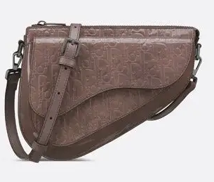 | Christian Dior | Dior Bag Leather Shoulder Bag | 1ADPO287DOV | 3617061325828 | 3 | £3,000.00 | £9,000.00 | £990.00 | £2,970.00 | € 3,400.00 | € 10,200.00 | € 1,122.00 | € 3,366.00
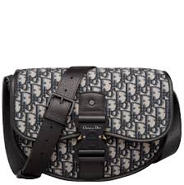 | Christian Dior | Dior Gallop Bag With Strap Beige Black | 1ADPO255YKY | 3616259817367 | 1 | £2,350.00 | £2,350.00 | £775.50 | £775.50 | € 2,700.00 | € 2,700.00 | € 891.00 | € 891.00
 | Christian Dior | Oblique Gravity Print Leather Shoulder Bag Crossbody Bag Men's Black | 1ESP0269DOV | 3617061325484 | 1 | £2,400.00 | £2,400.00 | £792.00 | £792.00 | € 2,700.00 | € 2,700.00 | € 891.00 | € 891.00
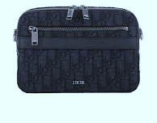 | Christian Dior | SAFARI POUCH OBLIQUE JACOU | 1ADPO276DD0 | 3617060504873 | 8 | £2,250.00 | £18,000.00 | £742.50 | £5,940.00 | € 2,500.00 | € 20,000.00 | € 825.00 | € 6,600.00
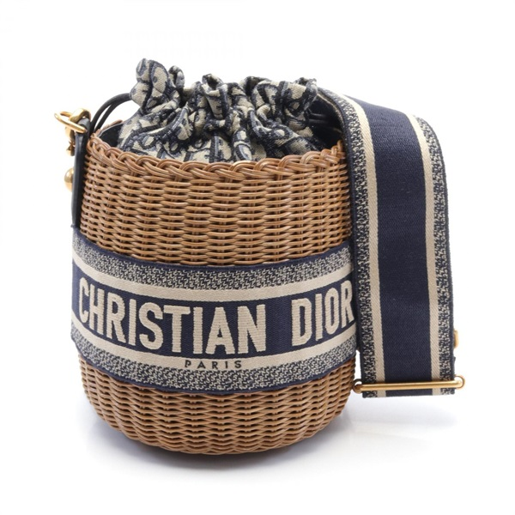 | Christian Dior | Oblique Wicker Shoulder crossbody Bag canvas Rattan | M7600CMVO | 3616253876476 | 10 | £3,700.00 | £37,000.00 | £1,221.00 | £12,210.00 | € 3,900.00 | € 39,000.00 | € 1,287.00 | € 12,870.00
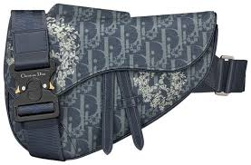 | Christian Dior | Dior x Denim Tears Saddle Bag 'Blue' | 1ADP0093DDO | 3616254504811 | 2 | £2,500.00 | £5,000.00 | £825.00 | £1,650.00 | € 2,800.00 | € 5,600.00 | € 924.00 | € 1,848.00
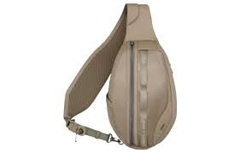 | Christian Dior | Dior Scarab Smooth Cow Leather With Nylon Crossbody Bag Shoulder Bag Regular Men's Brown | 1ESBO040NYS | 3616254506588 | 1 | £2,600.00 | £2,600.00 | £858.00 | £858.00 | € 2,800.00 | € 2,800.00 | € 924.00 | € 924.00
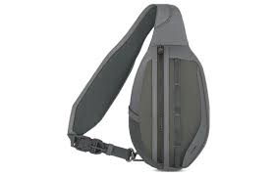 | Christian Dior | Dior Scarab Smooth Cow Leather Shoulder Bag Men's Dark Gray | 1ESBO040NYS | 3616254506587 | 1 | £2,600.00 | £2,600.00 | £858.00 | £858.00 | € 2,800.00 | € 2,800.00 | € 924.00 | € 924.00
 | Christian Dior | Large Dior Toujours Bag | M28200ZBQ | 3617064155538 | 1 | £3,400.00 | £3,400.00 | £1,122.00 | £1,122.00 | € 3,900.00 | € 3,900.00 | € 1,287.00 | € 1,287.00
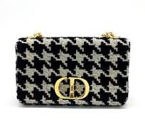 | Christian Dior | DIOR CARO M CANVAS | M9242UTHZ | 3616256610671 | 13 | £3,000.00 | £39,000.00 | £990.00 | £12,870.00 | € 3,400.00 | € 44,200.00 | € 1,122.00 | € 14,586.00
 | Christian Dior | DIOR ESSENTIAL S BLACK | M87200ZVJ | 3616258596911 | 5 | £3,450.00 | £17,250.00 | £1,138.50 | £5,692.50 | € 3,850.00 | € 19,250.00 | € 1,270.50 | € 6,352.50
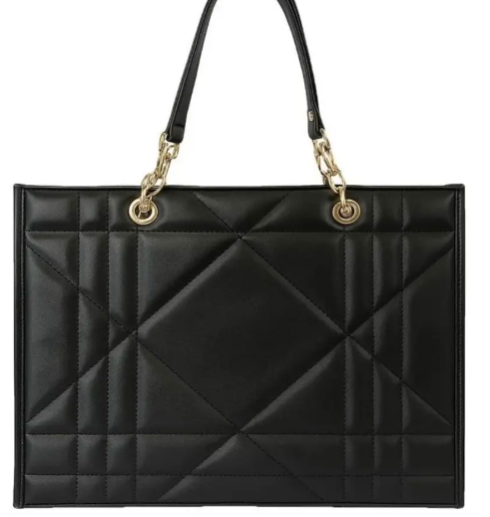 | Christian Dior | DIOR ESSENTIAL L BLACK | M87220ZVJ | 3616258598250 | 1 | £3,800.00 | £3,800.00 | £1,254.00 | £1,254.00 | € 4,300.00 | € 4,300.00 | € 1,419.00 | € 1,419.00
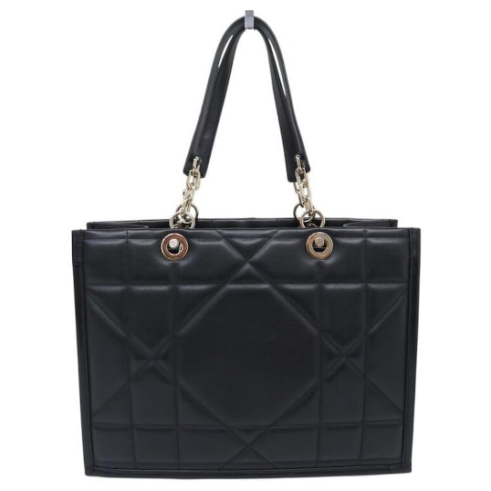 | Christian Dior | DIOR ESSENTIAL M BLACK | M87210ZVJ | 3616258598298 | 31 | £3,600.00 | £111,600.00 | £1,188.00 | £36,828.00 | € 4,100.00 | € 127,100.00 | € 1,353.00 | € 41,943.00
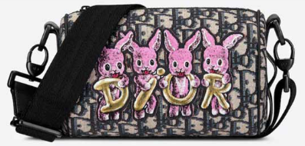 | Christian Dior | DIOR LARGE BAG-ROLLER MULTICOLORE | M9916SNHO | 3614499812928 | 1 | £1,550.00 | £1,550.00 | £511.50 | £511.50 | € 1,700.00 | € 1,700.00 | € 561.00 | € 561.00
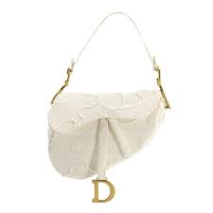 | Christian Dior | Christian Dior Saddle Shoulder Bag Canvas White | M0446CWAH | 3616283021204 | 1 | £3,150.00 | £3,150.00 | £1,039.50 | £1,039.50 | € 3,600.00 | € 3,600.00 | € 1,188.00 | € 1,188.00
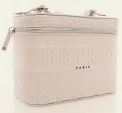 | Christian Dior | VANITY-DIORTRAVEL VANI | XKD0VREY | 3616283554905 | 1 | £1,550.00 | £1,550.00 | £511.50 | £511.50 | € 1,700.00 | € 1,700.00 | € 561.00 | € 561.00
 | Christian Dior | OTHER MINAUDIERE S DIOR | M3720UBGO | 3617066263167 | 1 | £3,350.00 | £3,350.00 | £1,105.50 | £1,105.50 | € 3,800.00 | € 3,800.00 | € 1,254.00 | € 1,254.00
 | Christian Dior | Dior Dream Bag Cannage Cotton Bead Embroidery Dusty Ivory | M2341OIBE | 3617060456813 | 2 | £3,100.00 | £6,200.00 | £1,023.00 | £2,046.00 | € 3,500.00 | € 7,000.00 | € 1,155.00 | € 2,310.00
 | Christian Dior | Dior Dream Bag Cannage Cotton Bead Embroidery Black | M2341OIBE | 3617060456813 | 6 | £3,100.00 | £18,600.00 | £1,023.00 | £6,138.00 | € 3,500.00 | € 21,000.00 | € 1,155.00 | € 6,930.00
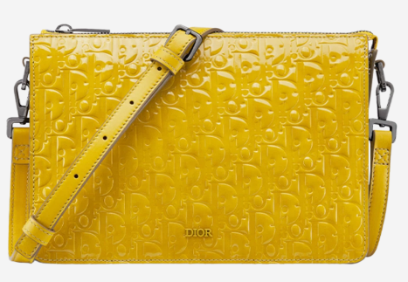 | Christian Dior | Zipped Pouch Yellow Dior Gravity Leather | 1ESP0269DOV | 3617061425484 | 1 | £2,400.00 | £2,400.00 | £792.00 | £792.00 | € 2,700.00 | € 2,700.00 | € 891.00 | € 891.00
 |  |  |  |  | 105 |  | £322,200.00 |  | £107,118.00 |  | € 364,004.40 |  | € 120,121.45

