OFFER
COMPANY NAME
NAME*
COMPANY NAME
DATE*
SALES REP*
EMAIL*
PHONE #*
PAYMENT CURRENCY (€/£)*
BILLING ADDRESS*
ORDER NUMBER
PRE/IN HAND
DELIVERY TYPE

Picture | Code | Name | Material | Col. | MADE IN | XS | S | M | L | XL | TOT | RRP € | RRP TOT € | COST € | COST TOT € | COST £ | COST TOT £
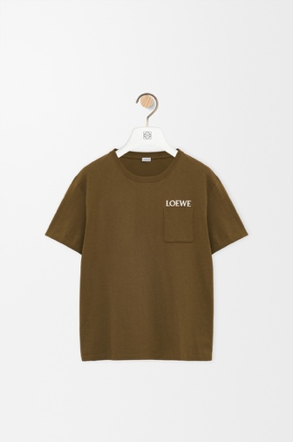 | H526Y22XDE | Relaxed fit T-shirt in cotton | Cotton | Khaki Green | Portugal | 0 | 40 | 40 | 35 | 35 | 150 | € 480.00 | € 72,000.00 | € 71.49 | € 10,723.62 | £61.63 | £9,244.50
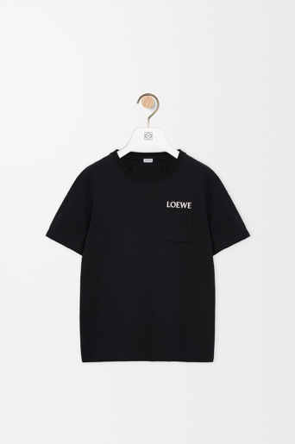 | H526Y22XDE | Relaxed fit T-shirt in cotton | Cotton | Black | Portugal | 0 | 40 | 40 | 35 | 35 | 150 | € 480.00 | € 72,000.00 | € 71.49 | € 10,723.62 | £61.63 | £9,244.50
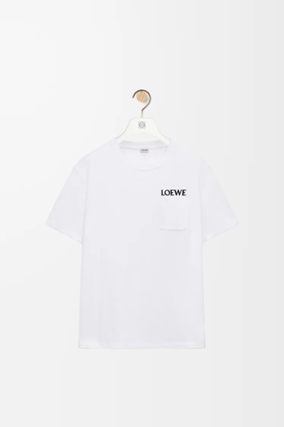 | H526Y22XDE | Relaxed fit T-shirt in cotton | Cotton | White | Portugal | 0 | 40 | 40 | 35 | 35 | 150 | € 480.00 | € 72,000.00 | € 71.49 | € 10,723.62 | £61.63 | £9,244.50
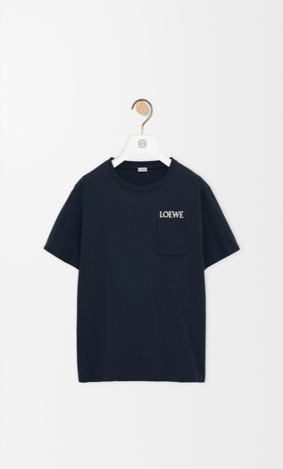 | H526Y22XDE | Relaxed fit T-shirt in cotton | Cotton | Navy | Portugal | 0 | 40 | 40 | 35 | 35 | 150 | € 480.00 | € 72,000.00 | € 71.49 | € 10,723.62 | £61.63 | £9,244.50
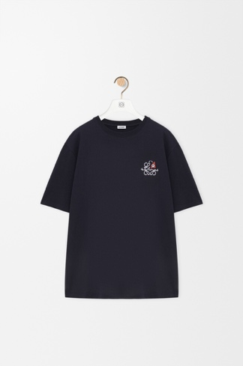 | H526Y22XD3 | Loose Fit Tshirt in Cotton | Cotton | Navy | Portugal | 40 | 40 | 35 | 35 | 0 | 150 | € 480.00 | € 72,000.00 | € 71.49 | € 10,723.62 | £61.63 | £9,244.50
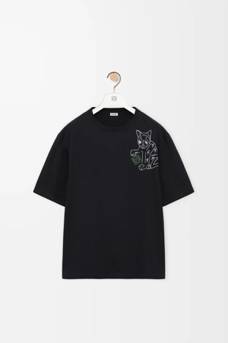 | H526Y22XCZ | Loose Fit Tshirt in Cotton | Cotton | Black | Portugal | 40 | 40 | 35 | 35 | 0 | 150 | € 520.00 | € 78,000.00 | € 71.49 | € 10,723.62 | £61.63 | £9,244.50
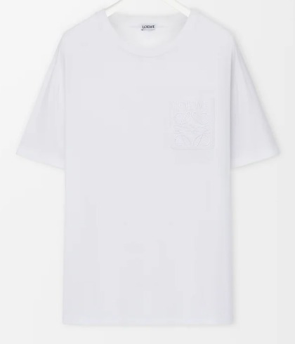 | H526Y22XBC | Relaxed fit T-shirt in cotton | Cotton | White | Portugal | 0 | 40 | 40 | 35 | 35 | 150 | € 480.00 | € 72,000.00 | € 71.49 | € 10,723.62 | £61.63 | £9,244.50
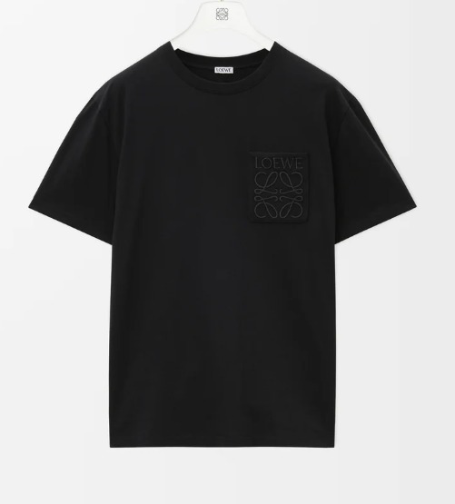 | H526Y22XBC | Relaxed fit T-shirt in cotton | Cotton | Black | Portugal | 0 | 40 | 40 | 35 | 35 | 150 | € 480.00 | € 72,000.00 | € 71.49 | € 10,723.62 | £61.63 | £9,244.50
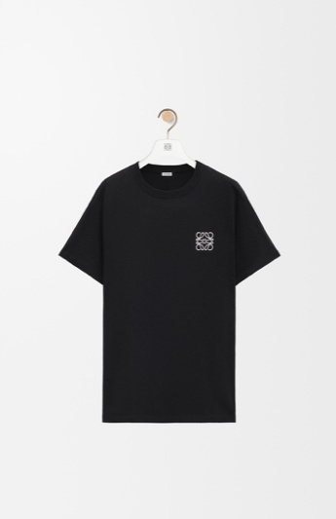 | H526Y22X75 | Regular fit T-shirt in cotton | Cotton | White | Portugal | 0 | 40 | 40 | 35 | 35 | 150 | € 420.00 | € 63,000.00 | € 71.49 | € 10,723.61 | £61.63 | £9,244.49
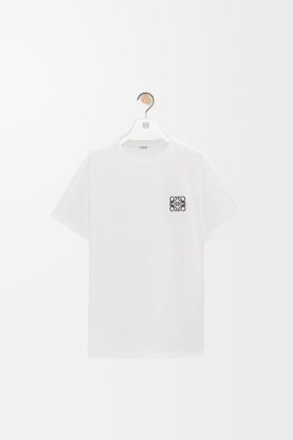 | H526Y22X75 | Regular fit T-shirt in cotton | Cotton | Black | Portugal | 0 | 40 | 40 | 35 | 35 | 150 | € 420.00 | € 63,000.00 | € 71.49 | € 10,723.61 | £61.63 | £9,244.49
 |  |  |  |  |  |  |  |  |  |  | 1500 |  | € 708,000.00 |  | € 107,236.16 |  | £92,444.97

