OFFER
REF
NAME*
COMPANY NAME
DATE*
SALES REP*
EMAIL*
PHONE #*
PAYMENT CURRENCY (€/£)*
BILLING ADDRESS*
ORDER NUMBER
PRE/IN HAND
DELIVERY TYPE

 | Linea | Linea | MADE IN | Tipo | Modello | Disegno | Articolo | Variante | Descrizione | famiglia | Composizione | QTY | WHS | WHS TOT € | COST € | COST TOT € | COST £ | COST TOT £
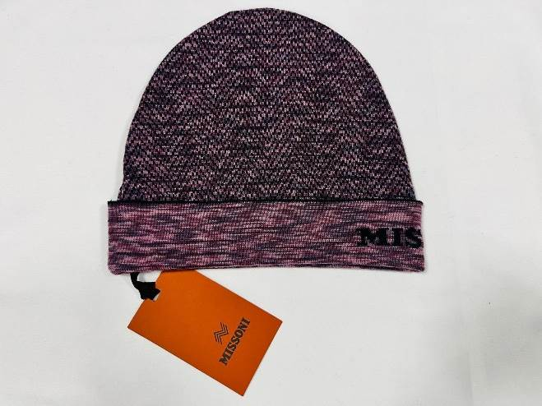 | MUSX | Missoni Unisex | IT | KNITTED | CP | USX-NS-VAN | CP00WOUA488 | 0001 | BEANIE UA488 | cappelli | 100%WOOL | 12 | € 120.00 | € 1,440.00 | € 18.00 | € 216.00 | £15.93 | £191.15
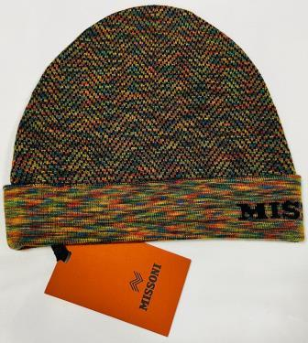 | MUSX | Missoni Unisex | IT | KNITTED | CP | USX-NS-VAN | CP00WOUA488 | 0002 | BEANIE UA488 | cappelli | 100%WOOL | 65 | € 120.00 | € 7,800.00 | € 18.00 | € 1,170.00 | £15.93 | £1,035.40
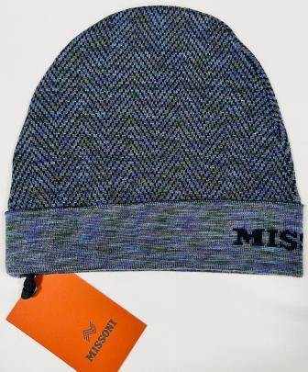 | MUSX | Missoni Unisex | IT | KNITTED | CP | USX-NS-VAN | CP00WOUA488 | 0003 | BEANIE UA488 | cappelli | 100%WOOL | 4 | € 120.00 | € 480.00 | € 18.00 | € 72.00 | £15.93 | £63.72
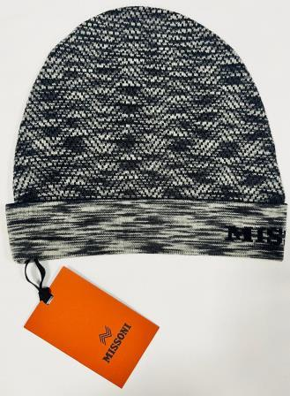 | MUSX | Missoni Unisex | IT | KNITTED | CP | USX-NS-VAN | CP00WOUA488 | 0004 | BEANIE UA488 | cappelli | 100%WOOL | 5 | € 120.00 | € 600.00 | € 18.00 | € 90.00 | £15.93 | £79.65
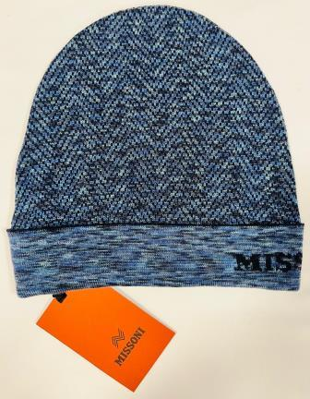 | MUSX | Missoni Unisex | IT | KNITTED | CP | USX-NS-VAN | CP00WOUA488 | 0005 | BEANIE UA488 | cappelli | 100%WOOL | 35 | € 120.00 | € 4,200.00 | € 18.00 | € 630.00 | £15.93 | £557.52
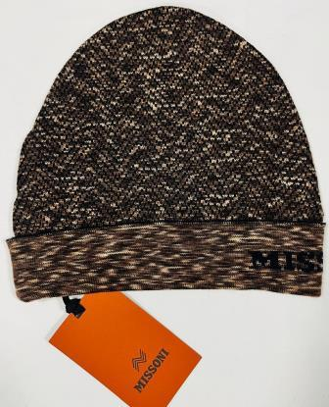 | MUSX | Missoni Unisex | IT | KNITTED | CP | USX-NS-VAN | CP00WOUA488 | 0006 | BEANIE UA488 | cappelli | 100%WOOL | 8 | € 120.00 | € 960.00 | € 18.00 | € 144.00 | £15.93 | £127.43
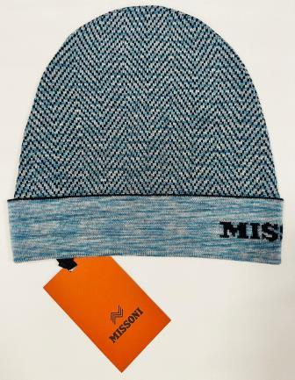 | MUSX | Missoni Unisex | IT | KNITTED | CP | USX-NS-VAN | CP00WOUA488 | 0007 | BEANIE UA488 | cappelli | 100%WOOL | 46 | € 120.00 | € 5,520.00 | € 18.00 | € 828.00 | £15.93 | £732.74
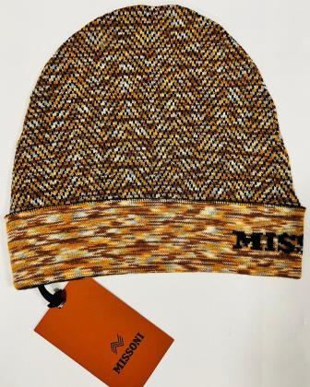 | MUSX | Missoni Unisex | IT | KNITTED | CP | USX-NS-VAN | CP00WOUA488 | 0008 | BEANIE UA488 | cappelli | 100%WOOL | 27 | € 120.00 | € 3,240.00 | € 18.00 | € 486.00 | £15.93 | £430.09
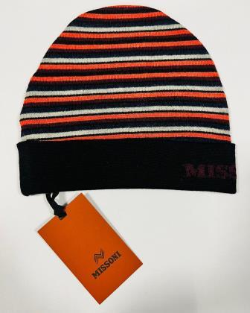 | MUSX | Missoni Unisex | IT | KNITTED | CP | USX-NS-VAN | CP00WOUA489 | 0001 | BEANIE UA489 | cappelli | 100%WOOL | 91 | € 120.00 | € 10,920.00 | € 18.00 | € 1,638.00 | £15.93 | £1,449.56
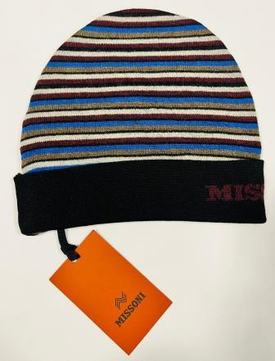 | MUSX | Missoni Unisex | IT | KNITTED | CP | USX-NS-VAN | CP00WOUA489 | 0001 BLU | BEANIE UA489 | cappelli | 100%WOOL | 39 | € 120.00 | € 4,680.00 | € 18.00 | € 702.00 | £15.93 | £621.24
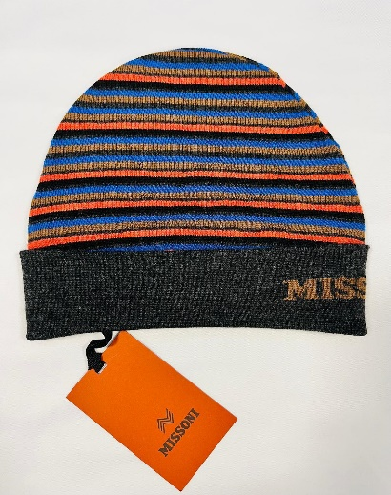 | MUSX | Missoni Unisex | IT | KNITTED | CP | USX-NS-VAN | CP00WOUA489 | 0002 | BEANIE UA489 | cappelli | 100%WOOL | 96 | € 120.00 | € 11,520.00 | € 18.00 | € 1,728.00 | £15.93 | £1,529.20
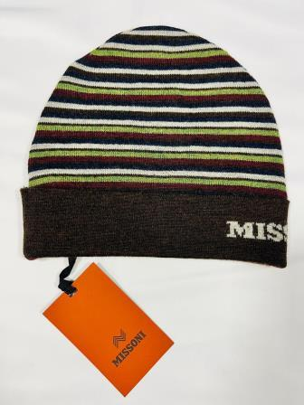 | MUSX | Missoni Unisex | IT | KNITTED | CP | USX-NS-VAN | CP00WOUA489 | 0003 | BEANIE UA489 | cappelli | 100%WOOL | 116 | € 120.00 | € 13,920.00 | € 18.00 | € 2,088.00 | £15.93 | £1,847.79
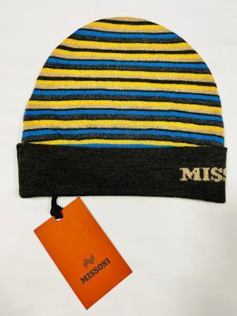 | MUSX | Missoni Unisex | IT | KNITTED | CP | USX-NS-VAN | CP00WOUA489 | 0004 | BEANIE UA489 | cappelli | 100%WOOL | 248 | € 120.00 | € 29,760.00 | € 18.00 | € 4,464.00 | £15.93 | £3,950.44
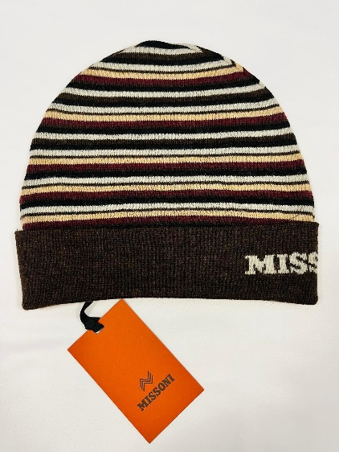 | MUSX | Missoni Unisex | IT | KNITTED | CP | USX-NS-VAN | CP00WOUA489 | 0005 | BEANIE UA489 | cappelli | 100%WOOL | 67 | € 120.00 | € 8,040.00 | € 18.00 | € 1,206.00 | £15.93 | £1,067.26
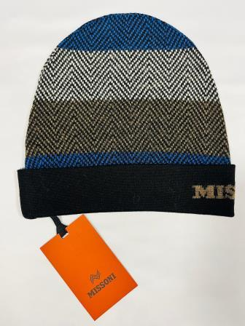 | MUSX | Missoni Unisex | IT | KNITTED | CP | USX-NS-VAN | CP00WOUA490 | 0001 | BEANIE UA491 | cappelli | 100%WOOL | 137 | € 120.00 | € 16,440.00 | € 18.00 | € 2,466.00 | £15.93 | £2,182.30
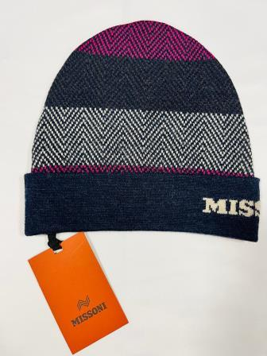 | MUSX | Missoni Unisex | IT | KNITTED | CP | USX-NS-VAN | CP00WOUA490 | 0002 | BEANIE UA491 | cappelli | 100%WOOL | 199 | € 120.00 | € 23,880.00 | € 18.00 | € 3,582.00 | £15.93 | £3,169.91
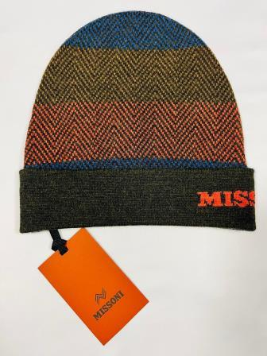 | MUSX | Missoni Unisex | IT | KNITTED | CP | USX-NS-VAN | CP00WOUA490 | 0003 | BEANIE UA491 | cappelli | 100%WOOL | 310 | € 120.00 | € 37,200.00 | € 18.00 | € 5,580.00 | £15.93 | £4,938.05
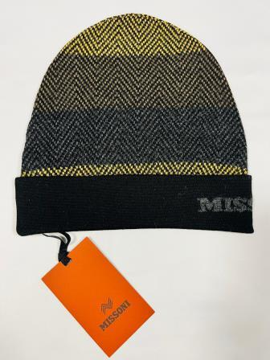 | MUSX | Missoni Unisex | IT | KNITTED | CP | USX-NS-VAN | CP00WOUA490 | 0004 | BEANIE UA491 | cappelli | 100%WOOL | 146 | € 120.00 | € 17,520.00 | € 18.00 | € 2,628.00 | £15.93 | £2,325.66
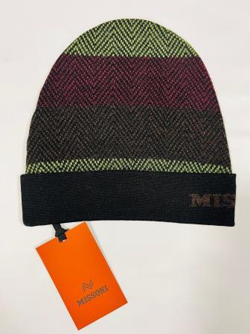 | MUSX | Missoni Unisex | IT | KNITTED | CP | USX-NS-VAN | CP00WOUA490 | 0005 | BEANIE UA491 | cappelli | 100%WOOL | 318 | € 120.00 | € 38,160.00 | € 18.00 | € 5,724.00 | £15.93 | £5,065.49
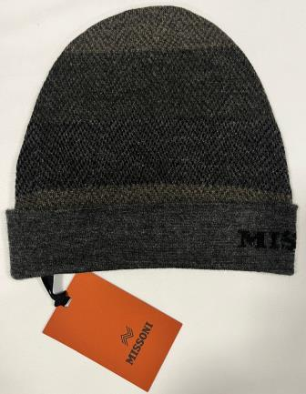 | MUSX | Missoni Unisex | IT | KNITTED | CP | USX-NS-VAN | CP00WOUA490 | 0006 | BEANIE UA490 | cappelli | 100%WOOL | 221 | € 120.00 | € 26,520.00 | € 18.00 | € 3,978.00 | £15.93 | £3,520.35
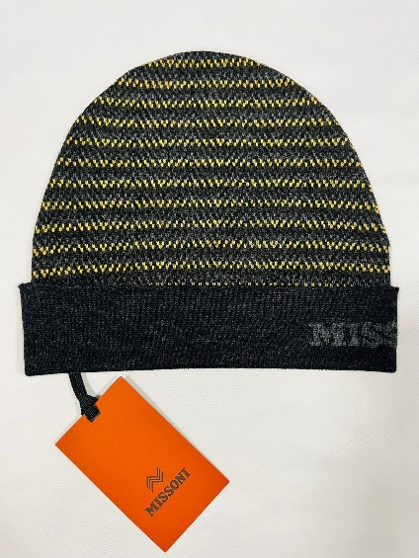 | MUSX | Missoni Unisex | IT | KNITTED | CP | USX-NS-VAN | CP00WOUA491 | 0001 | BEANIE UA491 | cappelli | 100%WOOL | 158 | € 120.00 | € 18,960.00 | € 18.00 | € 2,844.00 | £15.93 | £2,516.81
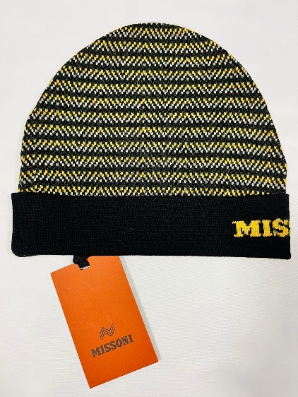 | MUSX | Missoni Unisex | IT | KNITTED | CP | USX-NS-VAN | CP00WOUA491 | 0002 | BEANIE UA491 | cappelli | 100%WOOL | 214 | € 120.00 | € 25,680.00 | € 18.00 | € 3,852.00 | £15.93 | £3,408.85
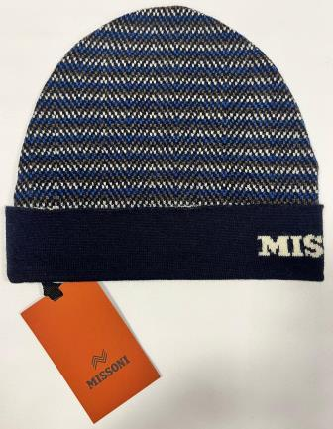 | MUSX | Missoni Unisex | IT | KNITTED | CP | USX-NS-VAN | CP00WOUA491 | 0003 | BEANIE UA491 | cappelli | 100%WOOL | 189 | € 120.00 | € 22,680.00 | € 18.00 | € 3,402.00 | £15.93 | £3,010.62
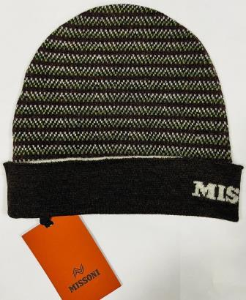 | MUSX | Missoni Unisex | IT | KNITTED | CP | USX-NS-VAN | CP00WOUA491 | 0004 | BEANIE UA491 | cappelli | 100%WOOL | 221 | € 120.00 | € 26,520.00 | € 18.00 | € 3,978.00 | £15.93 | £3,520.35
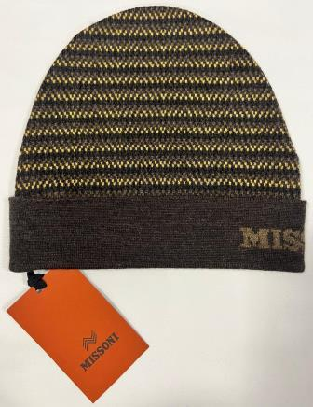 | MUSX | Missoni Unisex | IT | KNITTED | CP | USX-NS-VAN | CP00WOUA491 | 0005 | BEANIE UA491 | cappelli | 100%WOOL | 193 | € 120.00 | € 23,160.00 | € 18.00 | € 3,474.00 | £15.93 | £3,074.34
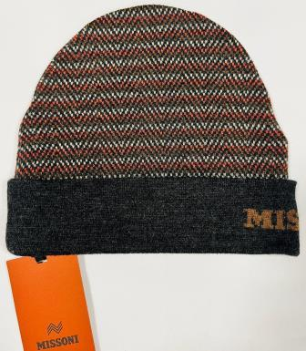 | MUSX | Missoni Unisex | IT | KNITTED | CP | USX-NS-VAN | CP00WOUA491 | 0006 | BEANIE UA491 | cappelli | 100%WOOL | 217 | € 120.00 | € 26,040.00 | € 18.00 | € 3,906.00 | £15.93 | £3,456.64
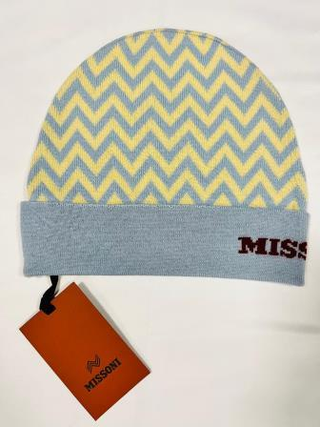 | MUSX | Missoni Unisex | IT | KNITTED | CP | USX-NS-VAN | CP00WODA702 | 0001 | BEANIE DA702 | cappelli | 100%WOOL | 100 | € 120.00 | € 12,000.00 | € 18.00 | € 1,800.00 | £15.93 | £1,592.92
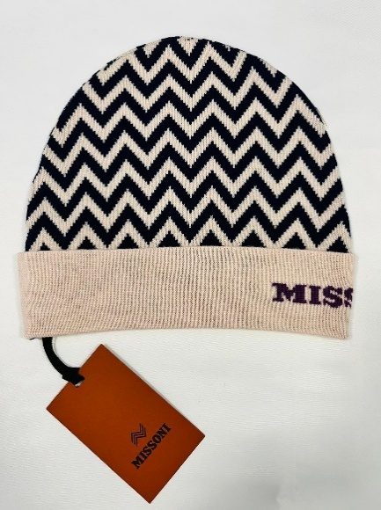 | MUSX | Missoni Unisex | IT | KNITTED | CP | USX-NS-VAN | CP00WODA702 | 0002 | BEANIE DA702 | cappelli | 100%WOOL | 36 | € 120.00 | € 4,320.00 | € 18.00 | € 648.00 | £15.93 | £573.45
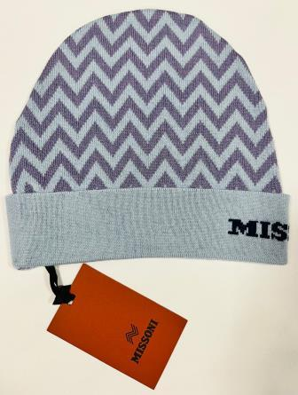 | MUSX | Missoni Unisex | IT | KNITTED | CP | USX-NS-VAN | CP00WODA702 | 0002 CELESTE | BEANIE DA702 | cappelli | 100%WOOL | 26 | € 120.00 | € 3,120.00 | € 18.00 | € 468.00 | £15.93 | £414.16
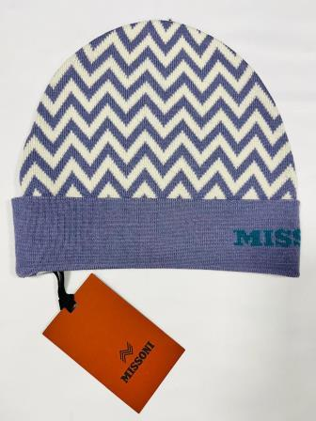 | MUSX | Missoni Unisex | IT | KNITTED | CP | USX-NS-VAN | CP00WODA702 | 0003 | BEANIE DA702 | cappelli | 100%WOOL | 82 | € 120.00 | € 9,840.00 | € 18.00 | € 1,476.00 | £15.93 | £1,306.19
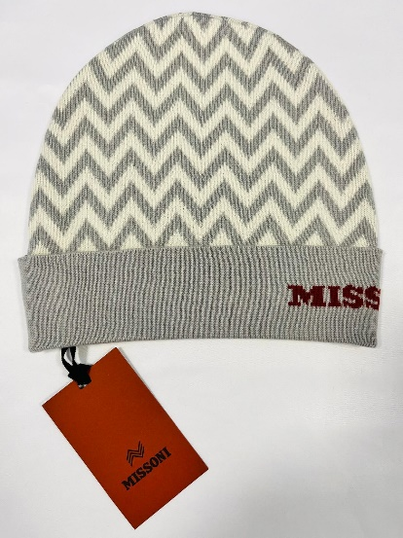 | MUSX | Missoni Unisex | IT | KNITTED | CP | USX-NS-VAN | CP00WODA702 | 0004 | BEANIE DA702 | cappelli | 100%WOOL | 30 | € 120.00 | € 3,600.00 | € 18.00 | € 540.00 | £15.93 | £477.88
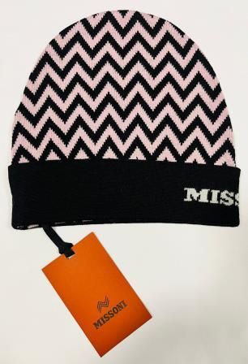 | MUSX | Missoni Unisex | IT | KNITTED | CP | USX-NS-VAN | CP00WODA702 | 0004 BLK ROSA | BEANIE DA702 | cappelli | 100%WOOL | 31 | € 120.00 | € 3,720.00 | € 18.00 | € 558.00 | £15.93 | £493.81
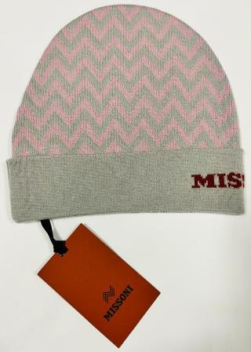 | MUSX | Missoni Unisex | IT | KNITTED | CP | USX-NS-VAN | CP00WODA702 | 0004 ROSA | BEANIE DA702 | cappelli | 100%WOOL | 71 | € 120.00 | € 8,520.00 | € 18.00 | € 1,278.00 | £15.93 | £1,130.97
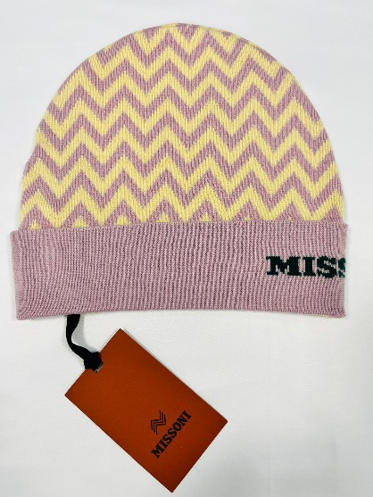 | MUSX | Missoni Unisex | IT | KNITTED | CP | USX-NS-VAN | CP00WODA702 | 0005 | BEANIE DA702 | cappelli | 100%WOOL | 54 | € 120.00 | € 6,480.00 | € 18.00 | € 972.00 | £15.93 | £860.18
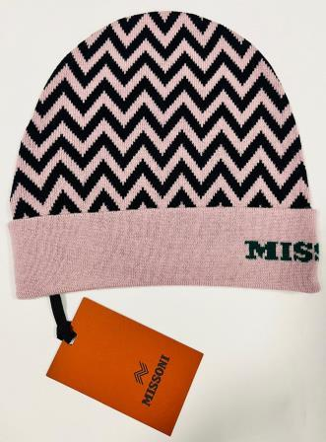 | MUSX | Missoni Unisex | IT | KNITTED | CP | USX-NS-VAN | CP00WODA702 | 0005 ROSA | BEANIE DA702 | cappelli | 100%WOOL | 55 | € 120.00 | € 6,600.00 | € 18.00 | € 990.00 | £15.93 | £876.11
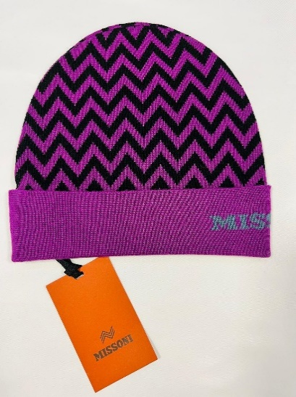 | MUSX | Missoni Unisex | IT | KNITTED | CP | USX-NS-VAN | CP00WODA702 | 0006 | BEANIE DA702 | cappelli | 100%WOOL | 53 | € 120.00 | € 6,360.00 | € 18.00 | € 954.00 | £15.93 | £844.25
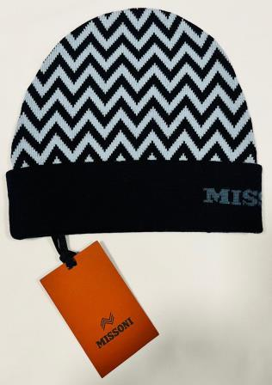 | MUSX | Missoni Unisex | IT | KNITTED | CP | USX-NS-VAN | CP00WODA702 | 0006 BLU | BEANIE DA702 | cappelli | 100%WOOL | 38 | € 120.00 | € 4,560.00 | € 18.00 | € 684.00 | £15.93 | £605.31
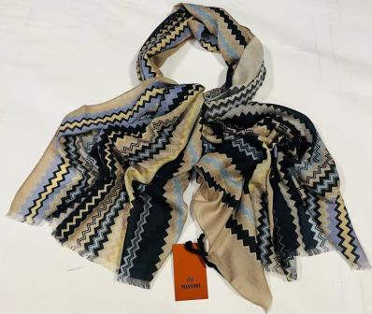 | MUSX | Missoni Unisex | IT | KNITTED | SC | USX-NS-VAN | SA73LSD9949 | 0007 | SCIARPA 70x200 | sciarpe | 83%CASHMERE 17%SE | 60 | € 140.00 | € 8,400.00 | € 22.40 | € 1,344.00 | £19.82 | £1,189.38
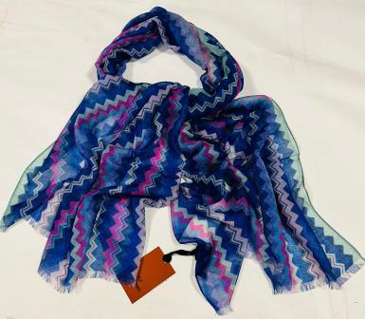 | MUSX | Missoni Unisex | IT | KNITTED | SC | USX-NS-VAN | SA73W3D9950 | 0002 | SCIARPA 70x200 | sciarpe | 47%WO 37%CASHMERE 16%SE | 36 | € 140.00 | € 5,040.00 | € 22.40 | € 806.40 | £19.82 | £713.63
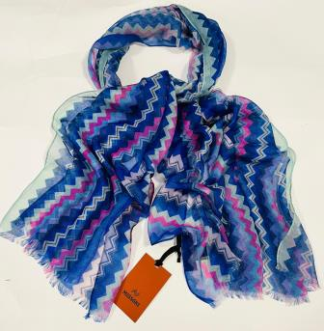 | MUSX | Missoni Unisex | IT | KNITTED | SC | USX-NS-VAN | SA73KMD9950 | 0004 | SCIARPA 70x200 | sciarpe | 83%CASHMERE 17%SE | 43 | € 140.00 | € 6,020.00 | € 22.40 | € 963.20 | £19.82 | £852.39
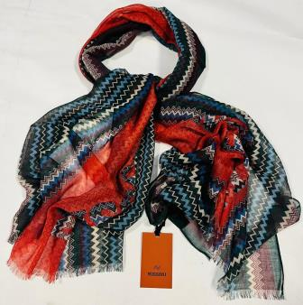 | MUSX | Missoni Unisex | IT | KNITTED | SC | USX-NS-VAN | SA73LCD9951 | 0004 | SCIARPA 70x200 | sciarpe | 82%WO 18%CASHMERE | 24 | € 140.00 | € 3,360.00 | € 22.40 | € 537.60 | £19.82 | £475.75
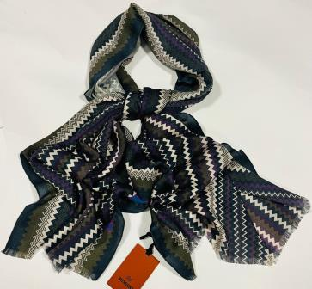 | MUSX | Missoni Unisex | IT | KNITTED | SC | USX-NS-VAN | SA73LCD9952 | 0005 | SCIARPA 70x200 | sciarpe | 70%WO 30%CASHMERE | 34 | € 140.00 | € 4,760.00 | € 22.40 | € 761.60 | £19.82 | £673.98
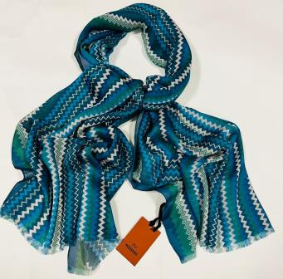 | MUSX | Missoni Unisex | IT | KNITTED | SC | USX-NS-VAN | SA73MMD9952 | 0003 | SCIARPA 70x200 | sciarpe | 55%MD 45%CASHMERE | 28 | € 140.00 | € 3,920.00 | € 22.40 | € 627.20 | £19.82 | £555.04
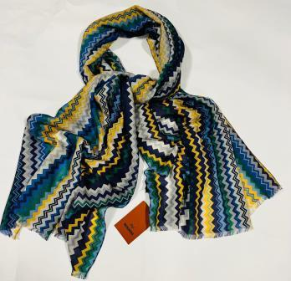 | MUSX | Missoni Unisex | IT | KNITTED | SC | USX-NS-VAN | SA73KMD9953 | 0006 | SCIARPA 70x200 | sciarpe | 55%CASHMERE 45%WO | 114 | € 140.00 | € 15,960.00 | € 22.40 | € 2,553.60 | £19.82 | £2,259.82
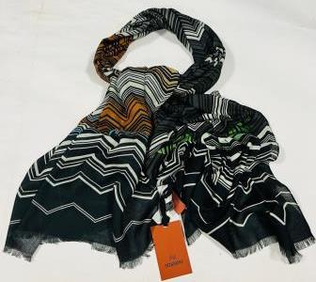 | MUSX | Missoni Unisex | IT | KNITTED | SC | USX-NS-VAN | SA73MMDA009 | 0005 | SCIARPA 70x200 | sciarpe | 85%MD 15%CASHMERE | 75 | € 140.00 | € 10,500.00 | € 22.40 | € 1,680.00 | £19.82 | £1,486.73
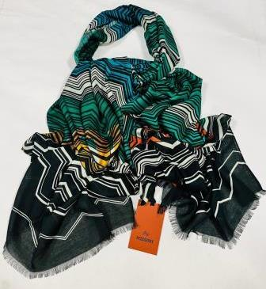 | MUSX | Missoni Unisex | IT | KNITTED | SC | USX-NS-VAN | SA73MMDA009 | 0006 | SCIARPA 70x200 | sciarpe | 85%MD 15%CASHMERE | 97 | € 140.00 | € 13,580.00 | € 22.40 | € 2,172.80 | £19.82 | £1,922.83
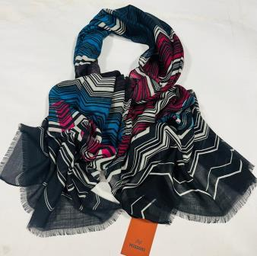 | MUSX | Missoni Unisex | IT | KNITTED | SC | USX-NS-VAN | SA73KLDA009 | 0004 | SCIARPA 70x200 | sciarpe | 53%CASHMERE 47%WO | 97 | € 140.00 | € 13,580.00 | € 22.40 | € 2,172.80 | £19.82 | £1,922.83
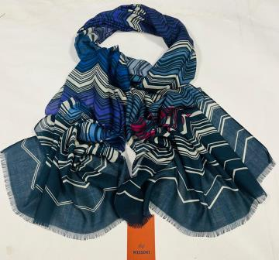 | MUSX | Missoni Unisex | IT | KNITTED | SC | USX-NS-VAN | SA73KMDA009 | 0002 | SCIARPA 70x200 | sciarpe | 98%CASHMERE 2%WO | 13 | € 140.00 | € 1,820.00 | € 22.40 | € 291.20 | £19.82 | £257.70
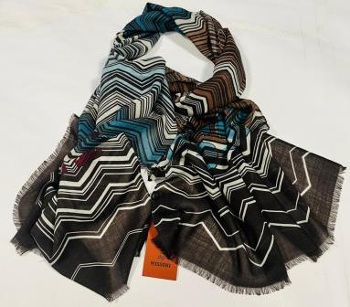 | MUSX | Missoni Unisex | IT | KNITTED | SC | USX-NS-VAN | SA73KMDA009 | 0003 | SCIARPA 70x200 | sciarpe | 98%CASHMERE 2%WO | 15 | € 140.00 | € 2,100.00 | € 22.40 | € 336.00 | £19.82 | £297.35
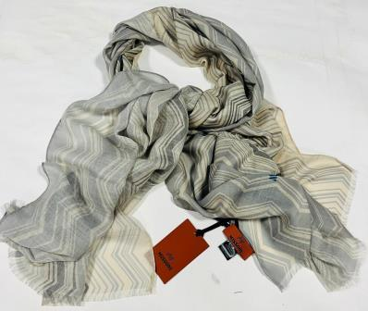 | MUSX | Missoni Unisex | IT | KNITTED | SC | USX-NS-VAN | SA73KLDA010 | 0002 | SCIARPA 70x200 | sciarpe | 53%CASHMERE 47%WO | 74 | € 140.00 | € 10,360.00 | € 22.40 | € 1,657.60 | £19.82 | £1,466.90
 | MUSX | Missoni Unisex | IT | KNITTED | SC | USX-NS-VAN | SA73WMDA008 | 0003 | SCIARPA 70x200 | sciarpe | 52%WO 41%MD 7%CASHMERE | 17 | € 140.00 | € 2,380.00 | € 22.40 | € 380.80 | £19.82 | £336.99
 | MUSX | Missoni Unisex | IT | KNITTED | SC | USX-NS-VAN | SA73LCDA008 | 0004 | SCIARPA 70x200 | sciarpe | 76%WO 24%CASHMERE | 46 | € 140.00 | € 6,440.00 | € 22.40 | € 1,030.40 | £19.82 | £911.86
 | MUSX | Missoni Unisex | IT | KNITTED | SC | USX-NS-VAN | SA73KMDA008 | 0001 | SCIARPA 70x200 | sciarpe | 53%CASHMERE 47%WO | 96 | € 140.00 | € 13,440.00 | € 22.40 | € 2,150.40 | £19.82 | £1,903.01
 | MUSX | Missoni Unisex | IT | KNITTED | SC | USX-NS-VAN | SA73MLD9952 | 0002 | SCIARPA 70x200 | sciarpe | 90%WO 10%SE | 45 | € 140.00 | € 6,300.00 | € 22.40 | € 1,008.00 | £19.82 | £892.04
 | MUSX | Missoni Unisex | IT | KNITTED | SC | USX-NS-VAN | SA73MLD9953 | 0002 | SCIARPA 70x200 | sciarpe | 90%WO 10%SE | 33 | € 140.00 | € 4,620.00 | € 22.40 | € 739.20 | £19.82 | £654.16
 | MUSX | Missoni Unisex | IT | KNITTED | SC | USX-NS-VAN | SA73WMD9949 | 0002 | SCIARPA 70x200 | sciarpe | 50%SE 50%WO | 123 | € 140.00 | € 17,220.00 | € 22.40 | € 2,755.20 | £19.82 | £2,438.23
 | MUSX | Missoni Unisex | IT | KNITTED | SC | USX-NS-VAN | SA73WMD9953 | 0003 | SCIARPA 70x200 | sciarpe | 50%SE 50%WO | 242 | € 140.00 | € 33,880.00 | € 22.40 | € 5,420.80 | £19.82 | £4,797.17
 | MUSX | Missoni Unisex | IT | KNITTED | SC | USX-NS-VAN | SA73WOD9950 | 0003 | SCIARPA 70x200 | sciarpe | 100%WO | 52 | € 140.00 | € 7,280.00 | € 22.40 | € 1,164.80 | £19.82 | £1,030.80
 | MUSX | Missoni Unisex | IT | KNITTED | SC | USX-NS-VAN | SA73WOD9952 | 0008 | SCIARPA 70x200 | sciarpe | 100%WO | 11 | € 140.00 | € 1,540.00 | € 22.40 | € 246.40 | £19.82 | £218.05
 | MUSX | Missoni Unisex | IT | KNITTED | SC | USX-NS-VAN | SA73WMD9949 | 0001 | SCIARPA 70x200 | sciarpe | 100%WO | 56 | € 140.00 | € 7,840.00 | € 22.40 | € 1,254.40 | £19.82 | £1,110.09
 | MUSX | Missoni Unisex | IT | KNITTED | SC | USX-NS-VAN | SA73WMD9949 | 0003 | SCIARPA 70x200 | sciarpe | 100%WO | 72 | € 140.00 | € 10,080.00 | € 22.40 | € 1,612.80 | £19.82 | £1,427.26
 | MUSX | Missoni Unisex | IT | KNITTED | SC | USX-NS-VAN | SA73WOD9951 | 0005 | SCIARPA 70x200 | sciarpe | 100%WO | 146 | € 140.00 | € 20,440.00 | € 22.40 | € 3,270.40 | £19.82 | £2,894.16
 | MUSX | Missoni Unisex | IT | KNITTED | SC | USX-NS-VAN | SA73WOD9960 | 0003 | SCIARPA 70x200 | sciarpe | 100%WO | 70 | € 140.00 | € 9,800.00 | € 22.40 | € 1,568.00 | £19.82 | £1,387.61
 | MUSX | Missoni Unisex | IT | KNITTED | SC | USX-NS-VAN | SA73WOD9960 | 0004 | SCIARPA 70x200 | sciarpe | 100%WO | 68 | € 140.00 | € 9,520.00 | € 22.40 | € 1,523.20 | £19.82 | £1,347.96
 | MUSX | Missoni Unisex | IT | KNITTED | SC | USX-NS-VAN | SA73WOD 9952 | 0001 | SCIARPA 70x200 | sciarpe | 100%WO | 53 | € 140.00 | € 7,420.00 | € 22.40 | € 1,187.20 | £19.82 | £1,050.62
 | MUSX | Missoni Unisex | IT | KNITTED | SC | USX-NS-VAN | SA73SMD 9952 | 007 | SCIARPA 70x200 | sciarpe | 60%SE 40%MOHAIR | 17 | € 140.00 | € 2,380.00 | € 22.40 | € 380.80 | £19.82 | £336.99
 | MUSX | Missoni Unisex | IT | KNITTED | SC | USX-NS-VAN | KMD9961 | 007 | SCIARPA 80x200 | sciarpe |  | 48 | € 140.00 | € 6,720.00 | € 22.40 | € 1,075.20 | £19.82 | £951.50
 | MUSX | Missoni Unisex | IT | KNITTED | SC | USX-NS-VAN | SA73KMD9956 | 003 | SCIARPA 70x200 | sciarpe |  | 95 | € 140.00 | € 13,300.00 | € 22.40 | € 2,128.00 | £19.82 | £1,883.19
 | MUSX | Missoni Unisex | IT | WOVEN | SC | USX-NS-VAN | SA75MDDA768 | 0001 | SCIARPA 68x200 | sciarpe | 100%MD | 98 | € 140.00 | € 13,720.00 | € 22.40 | € 2,195.20 | £19.82 | £1,942.65
 | MUSX | Missoni Unisex | IT | WOVEN | SC | USX-NS-VAN | SA7SVIDA758 | 0001 | SCIARPA 68x200 | sciarpe | 100%VI | 98 | € 140.00 | € 13,720.00 | € 22.40 | € 2,195.20 | £19.82 | £1,942.65
 | MUSX | Missoni Unisex | IT | WOVEN | SC | USX-NS-VAN | SA7SVIDA758 | 0002 | SCIARPA 68x200 | sciarpe | 100%VI | 135 | € 140.00 | € 18,900.00 | € 22.40 | € 3,024.00 | £19.82 | £2,676.11
 | MUSX | Missoni Unisex | IT | WOVEN | SC | USX-NS-VAN | SA7SVIDA765 | 0001 | SCIARPA 68x200 | sciarpe | 100%VI | 97 | € 140.00 | € 13,580.00 | € 22.40 | € 2,172.80 | £19.82 | £1,922.83
 | MUSX | Missoni Unisex | IT | WOVEN | SC | USX-NS-VAN | SA7SVIDA767 | 0001 | SCIARPA 68x200 | sciarpe | 100%VI | 118 | € 140.00 | € 16,520.00 | € 22.40 | € 2,643.20 | £19.82 | £2,339.12
 | MUSX | Missoni Unisex | IT | WOVEN | SC | USX-NS-VAN | SA7SMMDA756 | 0001 | SCIARPA 68x200 | sciarpe | 85%MD 15%SE | 283 | € 140.00 | € 39,620.00 | € 22.40 | € 6,339.20 | £19.82 | £5,609.91
 | MUSX | Missoni Unisex | IT | WOVEN | SC | USX-NS-VAN | SA7SMMDA762 | 0001 | SCIARPA 68x200 | sciarpe | 85%MD 15%SE | 78 | € 140.00 | € 10,920.00 | € 22.40 | € 1,747.20 | £19.82 | £1,546.19
 | MUSX | Missoni Unisex | IT | WOVEN | SC | USX-NS-VAN | SA7SVIDA759 | 0001 | SCIARPA 68x200 | sciarpe | 100%VI | 266 | € 140.00 | € 37,240.00 | € 22.40 | € 5,958.40 | £19.82 | £5,272.92
 | MUSX | Missoni Unisex | IT | WOVEN | SC | USX-NS-VAN | SA7SMMDA769 | 0001 | SCIARPA 68x200 | sciarpe | 85%MD 15%SE | 284 | € 140.00 | € 39,760.00 | € 22.40 | € 6,361.60 | £19.82 | £5,629.73
 | MUSX | Missoni Unisex | IT | WOVEN | SC | USX-NS-VAN | SA7SVIDA766 | 0002 | SCIARPA 68x200 | sciarpe | 100%VI | 290 | € 140.00 | € 40,600.00 | € 22.40 | € 6,496.00 | £19.82 | £5,748.67
 | MUSX | Missoni Unisex | IT | WOVEN | SC | USX-NS-VAN | SA75SVIDA759 | 0002 | SCIARPA 68x200 | sciarpe | 100%VI | 290 | € 140.00 | € 40,600.00 | € 22.40 | € 6,496.00 | £19.82 | £5,748.67
 | MUSX | Missoni Unisex | IT | WOVEN | SC | USX-NS-VAN | SA7SMMDA756 | 0002 | SCIARPA 68x200 | sciarpe | 85%MD 15%SE | 299 | € 140.00 | € 41,860.00 | € 22.40 | € 6,697.60 | £19.82 | £5,927.08
 | MUSX | Missoni Unisex | IT | WOVEN | SC | USX-NS-VAN | SA7SMMDA757 | 0001 | SCIARPA 68x200 | sciarpe | 85%MD 15%SE | 320 | € 140.00 | € 44,800.00 | € 22.40 | € 7,168.00 | £19.82 | £6,343.36
 | MUSX | Missoni Unisex | IT | WOVEN | SC | USX-NS-VAN | SA7SMMDA757 | 0002 | SCIARPA 68x200 | sciarpe | 85%MD 15%SE | 320 | € 140.00 | € 44,800.00 | € 22.40 | € 7,168.00 | £19.82 | £6,343.36
 | MUSX | Missoni Unisex | IT | WOVEN | SC | USX-NS-VAN | SA7SMMDA769 | 0002 | SCIARPA 68x200 | sciarpe | 85%MD 15%SE | 318 | € 140.00 | € 44,520.00 | € 22.40 | € 7,123.20 | £19.82 | £6,303.72
 | MUSX | Missoni Unisex | IT | WOVEN | SC | USX-NS-VAN | SA7SVIDA764 | 0001 | SCIARPA 68x200 | sciarpe | 100%VI | 131 | € 140.00 | € 18,340.00 | € 22.40 | € 2,934.40 | £19.82 | £2,596.81
 | MUSX | Missoni Unisex | IT | WOVEN | SC | USX-NS-VAN | SA7SVIDA764 | 0002 | SCIARPA 68x200 | sciarpe | 100%VI | 187 | € 140.00 | € 26,180.00 | € 22.40 | € 4,188.80 | £19.82 | £3,706.90
 | MUSX | Missoni Unisex | IT | WOVEN | SC | USX-NS-VAN | SA7SVIDA765 | 0002 | SCIARPA 68x200 | sciarpe | 100%VI | 120 | € 140.00 | € 16,800.00 | € 22.40 | € 2,688.00 | £19.82 | £2,378.76
 | MUSX | Missoni Unisex | IT | WOVEN | SC | USX-NS-VAN | SA7SVIDA766 | 0001 | SCIARPA 68x200 | sciarpe | 100%VI | 268 | € 140.00 | € 37,520.00 | € 22.40 | € 6,003.20 | £19.82 | £5,312.57
 |  |  |  |  |  |  |  |  |  |  |  | 9958 |  | € 1,314,960.00 |  | € 205,644.00 |  | £181,985.84

