OFFER
REF
NAME*
COMPANY NAME
DATE*
SALES REP*
EMAIL*
PHONE #*
PAYMENT CURRENCY (€/£)*
BILLING ADDRESS*
ORDER NUMBER
PRE/IN HAND
DELIVERY TYPE

Front Image | Back Image | Item Code | Description | Brand | Barcode | Sub group | QTY | Age group | Composition | Length | Width | Height | Weight | HS code | Country of origin | RRP € | RRP € Total | COST € | COST TOT € | COST £ | COST TOT £
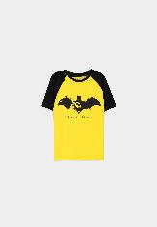 | 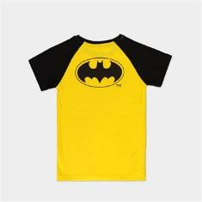 | TS574762BAT-110/116 | Warner - Batman - Caped Crusader Boys T-shirt - 110/116 | Batman | 8718526341393 | Premium Short Sleeved T-Shirt | 73 | Kids | 100% Cotton | 33.0 | 26.0 | 1.0 | 150.0 | 6109100000 | India | € 29.99 | € 2,189.27 | € 9.31 | € 679.77 | £8.20 | £598.91
 |  | TS574762BAT-122/128 | Warner - Batman - Caped Crusader Boys T-shirt - 122/128 | Batman | 8718526341409 | Premium Short Sleeved T-Shirt | 88 | Kids | 100% Cotton | 33.0 | 26.0 | 1.0 | 150.0 | 6109100000 | India | € 29.99 | € 2,639.12 | € 9.31 | € 819.45 | £8.20 | £721.98
 |  | TS574762BAT-146/152 | Warner - Batman - Caped Crusader Boys T-shirt - 146/152 | Batman | 8718526341447 | Premium Short Sleeved T-Shirt | 6 | Kids | 100% Cotton | 33.0 | 26.0 | 1.0 | 150.0 | 6109100000 | India | € 29.99 | € 179.94 | € 9.31 | € 55.87 | £8.20 | £49.23
 |  | TS574762BAT-158/164 | Warner - Batman - Caped Crusader Boys T-shirt - 158/164 | Batman | 8718526341423 | Premium Short Sleeved T-Shirt | 17 | Kids | 100% Cotton | 33.0 | 26.0 | 1.0 | 150.0 | 6109100000 | India | € 29.99 | € 509.83 | € 9.31 | € 158.30 | £8.20 | £139.47
 |  | TS574762BAT-98/104 | Warner - Batman - Caped Crusader Boys T-shirt - 98/104 | Batman | 8718526341379 | Premium Short Sleeved T-Shirt | 42 | Kids | 100% Cotton | 33.0 | 26.0 | 1.0 | 150.0 | 6109100000 | India | € 29.99 | € 1,259.58 | € 9.31 | € 391.10 | £8.20 | £344.58
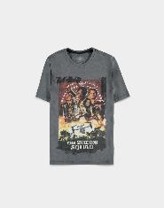 | 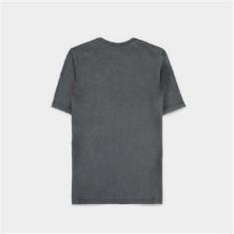 | TS327852SSQ-2XL | Warner - Suicide Squad 2 - Men's Acid Wash T-shirt - 2XL | Suicide Squad (2021) | 8718526349801 | Premium Short Sleeved T-Shirt | 131 | Adults | 100% Cotton | 33.0 | 26.0 | 1.0 | 150.0 | 6109100000 | India | € 39.99 | € 5,238.69 | € 12.42 | € 1,626.61 | £10.94 | £1,433.14
 |  | TS327852SSQ-L | Warner - Suicide Squad 2 - Men's Acid Wash T-shirt - L | Suicide Squad (2021) | 8718526349788 | Premium Short Sleeved T-Shirt | 204 | Adults | 100% Cotton | 33.0 | 26.0 | 1.0 | 150.0 | 6109100000 | India | € 39.99 | € 8,157.96 | € 12.42 | € 2,533.05 | £10.94 | £2,231.76
 |  | TS327852SSQ-M | Warner - Suicide Squad 2 - Men's Acid Wash T-shirt - M | Suicide Squad (2021) | 8718526349740 | Premium Short Sleeved T-Shirt | 201 | Adults | 100% Cotton | 33.0 | 26.0 | 1.0 | 150.0 | 6109100000 | India | € 39.99 | € 8,037.99 | € 12.42 | € 2,495.80 | £10.94 | £2,198.94
 |  | TS327852SSQ-S | Warner - Suicide Squad 2 - Men's Acid Wash T-shirt - S | Suicide Squad (2021) | 8718526349733 | Premium Short Sleeved T-Shirt | 115 | Adults | 100% Cotton | 33.0 | 26.0 | 1.0 | 150.0 | 6109100000 | India | € 39.99 | € 4,598.85 | € 12.42 | € 1,427.94 | £10.94 | £1,258.10
 |  | TS327852SSQ-XL | Warner - Suicide Squad 2 - Men's Acid Wash T-shirt - XL | Suicide Squad (2021) | 8718526349795 | Premium Short Sleeved T-Shirt | 146 | Adults | 100% Cotton | 33.0 | 26.0 | 1.0 | 150.0 | 6109100000 | India | € 39.99 | € 5,838.54 | € 12.42 | € 1,812.87 | £10.94 | £1,597.24
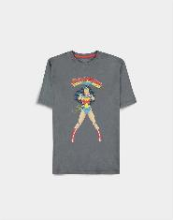 | 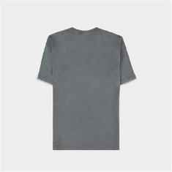 | TS764578DCO-2XL | Warner - Wonder Woman - Women's Short Sleeved T-shirt - 2XL | Wonder Woman | 8718526347791 | Premium Short Sleeved T-Shirt | 88 | Adults | 100% Cotton | 33.0 | 26.0 | 1.0 | 150.0 | 6109100000 | India | € 34.99 | € 3,079.12 | € 10.86 | € 956.07 | £9.57 | £842.35
 |  | TS764578DCO-L | Warner - Wonder Woman - Women's Short Sleeved T-shirt - L | Wonder Woman | 8718526347739 | Premium Short Sleeved T-Shirt | 179 | Adults | 100% Cotton | 33.0 | 26.0 | 1.0 | 150.0 | 6109100000 | India | € 34.99 | € 6,263.21 | € 10.86 | € 1,944.73 | £9.57 | £1,713.42
 |  | TS764578DCO-M | Warner - Wonder Woman - Women's Short Sleeved T-shirt - M | Wonder Woman | 8718526347715 | Premium Short Sleeved T-Shirt | 96 | Adults | 100% Cotton | 33.0 | 26.0 | 1.0 | 150.0 | 6109100000 | India | € 34.99 | € 3,359.04 | € 10.86 | € 1,042.98 | £9.57 | £918.93
 |  | TS764578DCO-S | Warner - Wonder Woman - Women's Short Sleeved T-shirt - S | Wonder Woman | 8718526347692 | Premium Short Sleeved T-Shirt | 3 | Adults | 100% Cotton | 33.0 | 26.0 | 1.0 | 150.0 | 6109100000 | India | € 34.99 | € 104.97 | € 10.86 | € 32.59 | £9.57 | £28.72
 |  | TS764578DCO-XL | Warner - Wonder Woman - Women's Short Sleeved T-shirt - XL | Wonder Woman | 8718526347777 | Premium Short Sleeved T-Shirt | 118 | Adults | 100% Cotton | 33.0 | 26.0 | 1.0 | 150.0 | 6109100000 | India | € 34.99 | € 4,128.82 | € 10.86 | € 1,282.00 | £9.57 | £1,129.51
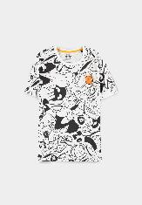 |  | TS070200SPC-2XL | Warner - Space Jam - Men's Short Sleeved T-shirt - 2XL | Space Jam: A New Legacy | 8718526353990 | Premium Short Sleeved T-Shirt | 79 | Adults | 100% Cotton | 33.0 | 26.0 | 1.0 | 150.0 | 6109100000 | India | € 34.99 | € 2,764.21 | € 10.86 | € 858.29 | £9.57 | £756.20
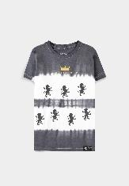 | 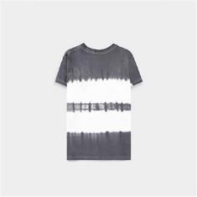 | TS028862HPT-122/128 | Harry Potter - Gryffindor Girls Tie Dye Short Sleeved T-shirt - 122/128 | Harry Potter: Wizards Unite | 8718526358148 | Premium Short Sleeved T-Shirt | 167 | Kids | 100% Cotton | 33.0 | 26.0 | 1.0 | 150.0 | 6109100000 | Bangladesh | € 34.99 | € 5,843.33 | € 10.86 | € 1,814.35 | £9.57 | £1,598.55
 |  | TS028862HPT-134/140 | Harry Potter - Gryffindor Girls Tie Dye Short Sleeved T-shirt - 134/140 | Harry Potter: Wizards Unite | 8718526358179 | Premium Short Sleeved T-Shirt | 271 | Kids | 100% Cotton | 33.0 | 26.0 | 1.0 | 150.0 | 6109100000 | Bangladesh | € 34.99 | € 9,482.29 | € 10.86 | € 2,944.25 | £9.57 | £2,594.05
 |  | TS028862HPT-146/152 | Harry Potter - Gryffindor Girls Tie Dye Short Sleeved T-shirt - 146/152 | Harry Potter: Wizards Unite | 8718526358223 | Premium Short Sleeved T-Shirt | 283 | Kids | 100% Cotton | 33.0 | 26.0 | 1.0 | 150.0 | 6109100000 | Bangladesh | € 34.99 | € 9,902.17 | € 10.86 | € 3,074.62 | £9.57 | £2,708.92
 |  | TS028862HPT-158/164 | Harry Potter - Gryffindor Girls Tie Dye Short Sleeved T-shirt - 158/164 | Harry Potter: Wizards Unite | 8718526358247 | Premium Short Sleeved T-Shirt | 183 | Kids | 100% Cotton | 33.0 | 26.0 | 1.0 | 150.0 | 6109100000 | Bangladesh | € 34.99 | € 6,403.17 | € 10.86 | € 1,988.18 | £9.57 | £1,751.70
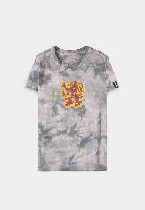 | 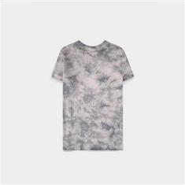 | TS086041HPT-122/128 | Harry Potter - Gryffindor Girls AOP Short Sleeved T-shirt - 122/128 | Harry Potter: Wizards Unite | 8718526358186 | Premium Short Sleeved T-Shirt | 113 | Kids | 100% Cotton | 33.0 | 26.0 | 1.0 | 150.0 | 6109100000 | Bangladesh | € 34.99 | € 3,953.87 | € 10.86 | € 1,227.68 | £9.57 | £1,081.65
 |  | TS086041HPT-134/140 | Harry Potter - Gryffindor Girls AOP Short Sleeved T-shirt - 134/140 | Harry Potter: Wizards Unite | 8718526358230 | Premium Short Sleeved T-Shirt | 216 | Kids | 100% Cotton | 33.0 | 26.0 | 1.0 | 150.0 | 6109100000 | Bangladesh | € 34.99 | € 7,557.84 | € 10.86 | € 2,346.71 | £9.57 | £2,067.59
 |  | TS086041HPT-146/152 | Harry Potter - Gryffindor Girls AOP Short Sleeved T-shirt - 146/152 | Harry Potter: Wizards Unite | 8718526358261 | Premium Short Sleeved T-Shirt | 226 | Kids | 100% Cotton | 33.0 | 26.0 | 1.0 | 150.0 | 6109100000 | Bangladesh | € 34.99 | € 7,907.74 | € 10.86 | € 2,455.35 | £9.57 | £2,163.31
 |  | TS086041HPT-158/164 | Harry Potter - Gryffindor Girls AOP Short Sleeved T-shirt - 158/164 | Harry Potter: Wizards Unite | 8718526358285 | Premium Short Sleeved T-Shirt | 124 | Kids | 100% Cotton | 33.0 | 26.0 | 1.0 | 150.0 | 6109100000 | Bangladesh | € 34.99 | € 4,338.76 | € 10.86 | € 1,347.18 | £9.57 | £1,186.95
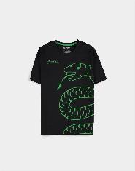 | 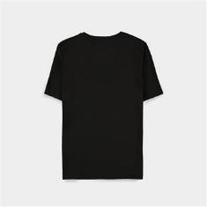 | TS355586HPT-2XL | Warner - Harry Potter Women's Short Sleeved T-shirt - 2XL | Harry Potter: Wizards Unite | 8718526346664 | Premium Short Sleeved T-Shirt | 28 | Adults | 100% Cotton | 33.0 | 26.0 | 1.0 | 150.0 | 6109100000 | Bangladesh | € 29.99 | € 839.72 | € 9.31 | € 260.73 | £8.20 | £229.72
 |  | TS355586HPT-L | Warner - Harry Potter Women's Short Sleeved T-shirt - L | Harry Potter: Wizards Unite | 8718526346602 | Premium Short Sleeved T-Shirt | 20 | Adults | 100% Cotton | 33.0 | 26.0 | 1.0 | 150.0 | 6109100000 | Bangladesh | € 29.99 | € 599.80 | € 9.31 | € 186.24 | £8.20 | £164.09
 |  | TS355586HPT-XL | Warner - Harry Potter Women's Short Sleeved T-shirt - XL | Harry Potter: Wizards Unite | 8718526346640 | Premium Short Sleeved T-Shirt | 30 | Adults | 100% Cotton | 33.0 | 26.0 | 1.0 | 150.0 | 6109100000 | Bangladesh | € 29.99 | € 899.70 | € 9.31 | € 279.36 | £8.20 | £246.13
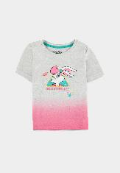 | 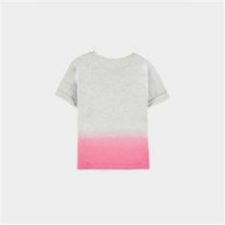 | TS015886LNT-110/116 | Looney Tunes (Kids) - Girls Short Sleeved T-shirt - 110/116 | Looney Tunes | 8718526377781 | Short Sleeved T-shirts | 83 | Adults | 98% Cotton - 2% Polyester | 34.0 | 21.5 | 2.0 | 150.0 | 6109100000 | India | € 29.99 | € 2,489.17 | € 9.31 | € 772.89 | £8.20 | £680.96
 |  | TS015886LNT-122/128 | Looney Tunes (Kids) - Girls Short Sleeved T-shirt - 122/128 | Looney Tunes | 8718526377798 | Short Sleeved T-shirts | 131 | Adults | 98% Cotton - 2% Polyester | 34.0 | 21.5 | 2.0 | 150.0 | 6109100000 | India | € 29.99 | € 3,928.69 | € 9.31 | € 1,219.86 | £8.20 | £1,074.76
 |  | TS015886LNT-134/140 | Looney Tunes (Kids) - Girls Short Sleeved T-shirt - 134/140 | Looney Tunes | 8718526377804 | Short Sleeved T-shirts | 132 | Adults | 98% Cotton - 2% Polyester | 34.0 | 21.5 | 2.0 | 150.0 | 6109100000 | India | € 29.99 | € 3,958.68 | € 9.31 | € 1,229.17 | £8.20 | £1,082.97
 |  | TS015886LNT-146/152 | Looney Tunes (Kids) - Girls Short Sleeved T-shirt - 146/152 | Looney Tunes | 8718526377811 | Short Sleeved T-shirts | 83 | Adults | 98% Cotton - 2% Polyester | 34.0 | 21.5 | 2.0 | 150.0 | 6109100000 | India | € 29.99 | € 2,489.17 | € 9.31 | € 772.89 | £8.20 | £680.96
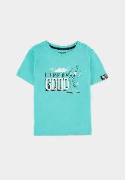 | 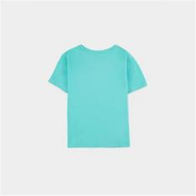 | TS117380LNT-110/116 | Looney Tunes (Kids) - Boys Short Sleeved T-shirt - 110/116 | Looney Tunes | 8718526377828 | Short Sleeved T-shirts | 91 | Kids | 100% Cotton | 34.0 | 21.5 | 2.0 | 150.0 | 6109100000 | India | € 29.99 | € 2,729.09 | € 9.31 | € 847.38 | £8.20 | £746.59
 |  | TS117380LNT-122/128 | Looney Tunes (Kids) - Boys Short Sleeved T-shirt - 122/128 | Looney Tunes | 8718526377835 | Short Sleeved T-shirts | 166 | Kids | 100% Cotton | 34.0 | 21.5 | 2.0 | 150.0 | 6109100000 | India | € 29.99 | € 4,978.34 | € 9.31 | € 1,545.77 | £8.20 | £1,361.92
 |  | TS117380LNT-134/140 | Looney Tunes (Kids) - Boys Short Sleeved T-shirt - 134/140 | Looney Tunes | 8718526377842 | Short Sleeved T-shirts | 170 | Kids | 100% Cotton | 34.0 | 21.5 | 2.0 | 150.0 | 6109100000 | India | € 29.99 | € 5,098.30 | € 9.31 | € 1,583.02 | £8.20 | £1,394.73
 |  | TS117380LNT-146/152 | Looney Tunes (Kids) - Boys Short Sleeved T-shirt - 146/152 | Looney Tunes | 8718526377859 | Short Sleeved T-shirts | 98 | Kids | 100% Cotton | 34.0 | 21.5 | 2.0 | 150.0 | 6109100000 | India | € 29.99 | € 2,939.02 | € 9.31 | € 912.57 | £8.20 | £804.02
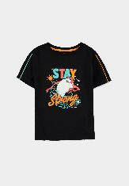 | 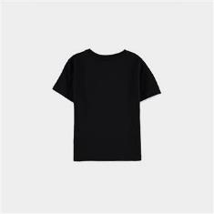 | TS153234LNT-110/116 | Looney Tunes (Kids) - Girls Short Sleeved T-shirt - 110/116 | Looney Tunes | 8718526377866 | Short Sleeved T-shirts | 145 | Adults | 100% Cotton | 34.0 | 21.5 | 2.0 | 150.0 | 6109100000 | India | € 29.99 | € 4,348.55 | € 9.31 | € 1,350.22 | £8.20 | £1,189.63
 |  | TS153234LNT-122/128 | Looney Tunes (Kids) - Girls Short Sleeved T-shirt - 122/128 | Looney Tunes | 8718526377873 | Short Sleeved T-shirts | 236 | Adults | 100% Cotton | 34.0 | 21.5 | 2.0 | 150.0 | 6109100000 | India | € 29.99 | € 7,077.64 | € 9.31 | € 2,197.61 | £8.20 | £1,936.22
 |  | TS153234LNT-134/140 | Looney Tunes (Kids) - Girls Short Sleeved T-shirt - 134/140 | Looney Tunes | 8718526377880 | Short Sleeved T-shirts | 259 | Adults | 100% Cotton | 34.0 | 21.5 | 2.0 | 150.0 | 6109100000 | India | € 29.99 | € 7,767.41 | € 9.31 | € 2,411.78 | £8.20 | £2,124.92
 |  | TS153234LNT-146/152 | Looney Tunes (Kids) - Girls Short Sleeved T-shirt - 146/152 | Looney Tunes | 8718526377897 | Short Sleeved T-shirts | 145 | Adults | 100% Cotton | 34.0 | 21.5 | 2.0 | 150.0 | 6109100000 | India | € 29.99 | € 4,348.55 | € 9.31 | € 1,350.22 | £8.20 | £1,189.63
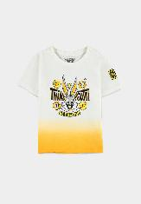 | 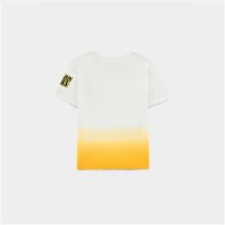 | TS188535LNT-134/140 | Looney Tunes (Kids) - Boys Short Sleeved T-shirt - 134/140 | Looney Tunes | 8718526377927 | Short Sleeved T-shirts | 164 | Kids | 100% Cotton | 34.0 | 21.5 | 2.0 | 150.0 | 6109100000 | India | € 29.99 | € 4,918.36 | € 9.31 | € 1,527.15 | £8.20 | £1,345.51
 |  | TS188535LNT-146/152 | Looney Tunes (Kids) - Boys Short Sleeved T-shirt - 146/152 | Looney Tunes | 8718526377934 | Short Sleeved T-shirts | 115 | Kids | 100% Cotton | 34.0 | 21.5 | 2.0 | 150.0 | 6109100000 | India | € 29.99 | € 3,448.85 | € 9.31 | € 1,070.87 | £8.20 | £943.50
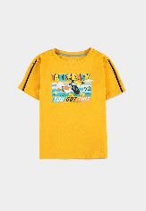 | 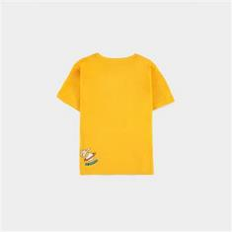 | TS411531LNT-110/116 | Looney Tunes (Kids) - Boys Short Sleeved T-shirt - 110/116 | Looney Tunes | 8718526377941 | Short Sleeved T-shirts | 147 | Kids | 100% Cotton | 34.0 | 21.5 | 2.0 | 150.0 | 6109100000 | India | € 29.99 | € 4,408.53 | € 9.31 | € 1,368.85 | £8.20 | £1,206.03
 |  | TS411531LNT-122/128 | Looney Tunes (Kids) - Boys Short Sleeved T-shirt - 122/128 | Looney Tunes | 8718526377958 | Short Sleeved T-shirts | 244 | Kids | 100% Cotton | 34.0 | 21.5 | 2.0 | 150.0 | 6109100000 | India | € 29.99 | € 7,317.56 | € 9.31 | € 2,272.10 | £8.20 | £2,001.85
 |  | TS411531LNT-134/140 | Looney Tunes (Kids) - Boys Short Sleeved T-shirt - 134/140 | Looney Tunes | 8718526377965 | Short Sleeved T-shirts | 294 | Kids | 100% Cotton | 34.0 | 21.5 | 2.0 | 150.0 | 6109100000 | India | € 29.99 | € 8,817.06 | € 9.31 | € 2,737.70 | £8.20 | £2,412.07
 |  | TS411531LNT-146/152 | Looney Tunes (Kids) - Boys Short Sleeved T-shirt - 146/152 | Looney Tunes | 8718526377972 | Short Sleeved T-shirts | 198 | Kids | 100% Cotton | 34.0 | 21.5 | 2.0 | 150.0 | 6109100000 | India | € 29.99 | € 5,938.02 | € 9.31 | € 1,843.76 | £8.20 | £1,624.45
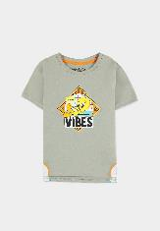 | 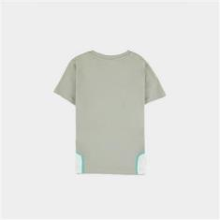 | TS537046LNT-110/116 | Looney Tunes (Kids) - Boys Short Sleeved T-shirt - 110/116 | Looney Tunes | 8718526377989 | Short Sleeved T-shirts | 141 | Kids | 100% Cotton | 34.0 | 21.5 | 2.0 | 150.0 | 6109100000 | India | € 34.99 | € 4,933.59 | € 10.86 | € 1,531.88 | £9.57 | £1,349.67
 |  | TS537046LNT-122/128 | Looney Tunes (Kids) - Boys Short Sleeved T-shirt - 122/128 | Looney Tunes | 8718526377996 | Short Sleeved T-shirts | 242 | Kids | 100% Cotton | 34.0 | 21.5 | 2.0 | 150.0 | 6109100000 | India | € 34.99 | € 8,467.58 | € 10.86 | € 2,629.18 | £9.57 | £2,316.46
 |  | TS537046LNT-134/140 | Looney Tunes (Kids) - Boys Short Sleeved T-shirt - 134/140 | Looney Tunes | 8718526378009 | Short Sleeved T-shirts | 237 | Kids | 100% Cotton | 34.0 | 21.5 | 2.0 | 150.0 | 6109100000 | India | € 34.99 | € 8,292.63 | € 10.86 | € 2,574.86 | £9.57 | £2,268.60
 |  | TS537046LNT-146/152 | Looney Tunes (Kids) - Boys Short Sleeved T-shirt - 146/152 | Looney Tunes | 8718526378016 | Short Sleeved T-shirts | 143 | Kids | 100% Cotton | 34.0 | 21.5 | 2.0 | 150.0 | 6109100000 | India | € 34.99 | € 5,003.57 | € 10.86 | € 1,553.61 | £9.57 | £1,368.82
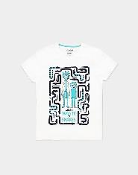 |  | TS233516RMT-M | Rick & Morty - Waste Of Snakes - Men's T-Shirt - M | Rick and Morty | 8718526337754 | Short Sleeved T-shirts | 1 | Adults | 100% Cotton | 33.0 | 26.0 | 1.0 | 150.0 | 6109100000 | India | € 29.99 | € 29.99 | € 9.31 | € 9.31 | £8.20 | £8.20
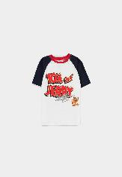 | 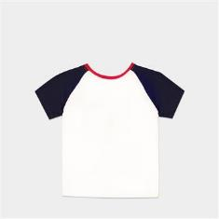 | TS332364TAJ-110/116 | Warner - Tom & Jerry - Boys T-shirt - 110/116 | Tom & Jerry (2020) | 8718526341645 | Short Sleeved T-shirts | 146 | Kids | 100% Cotton | 33.0 | 26.0 | 1.0 | 150.0 | 6109100000 | India | € 29.99 | € 4,378.54 | € 9.31 | € 1,359.54 | £8.20 | £1,197.83
 |  | TS332364TAJ-122/128 | Warner - Tom & Jerry - Boys T-shirt - 122/128 | Tom & Jerry (2020) | 8718526341669 | Short Sleeved T-shirts | 88 | Kids | 100% Cotton | 33.0 | 26.0 | 1.0 | 150.0 | 6109100000 | India | € 29.99 | € 2,639.12 | € 9.31 | € 819.45 | £8.20 | £721.98
 |  | TS332364TAJ-134/140 | Warner - Tom & Jerry - Boys T-shirt - 134/140 | Tom & Jerry (2020) | 8718526341683 | Short Sleeved T-shirts | 81 | Kids | 100% Cotton | 33.0 | 26.0 | 1.0 | 150.0 | 6109100000 | India | € 29.99 | € 2,429.19 | € 9.31 | € 754.26 | £8.20 | £664.55
 |  | TS332364TAJ-146/152 | Warner - Tom & Jerry - Boys T-shirt - 146/152 | Tom & Jerry (2020) | 8718526341737 | Short Sleeved T-shirts | 69 | Kids | 100% Cotton | 33.0 | 26.0 | 1.0 | 150.0 | 6109100000 | India | € 29.99 | € 2,069.31 | € 9.31 | € 642.52 | £8.20 | £566.10
 |  | TS332364TAJ-98/104 | Warner - Tom & Jerry - Boys T-shirt - 98/104 | Tom & Jerry (2020) | 8718526341584 | Short Sleeved T-shirts | 49 | Kids | 100% Cotton | 33.0 | 26.0 | 1.0 | 150.0 | 6109100000 | India | € 29.99 | € 1,469.51 | € 9.31 | € 456.28 | £8.20 | £402.01
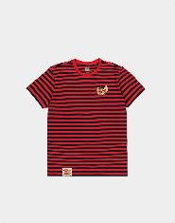 | 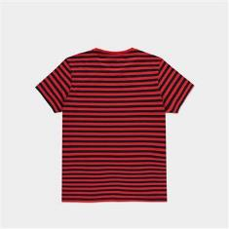 | TS381015TOM-110/116 | Warner - Tom & Jerry - Jerry Boys T-shirt - 110/116 | Tom & Jerry (2020) | 8718526341898 | Short Sleeved T-shirts | 40 | Adults | 100% Cotton | 33.0 | 26.0 | 1.0 | 150.0 | 6109100000 | India | € 29.99 | € 1,199.60 | € 9.31 | € 372.48 | £8.20 | £328.17
 |  | TS381015TOM-122/128 | Warner - Tom & Jerry - Jerry Boys T-shirt - 122/128 | Tom & Jerry (2020) | 8718526341904 | Short Sleeved T-shirts | 65 | Adults | 100% Cotton | 33.0 | 26.0 | 1.0 | 150.0 | 6109100000 | India | € 29.99 | € 1,949.35 | € 9.31 | € 605.27 | £8.20 | £533.28
 |  | TS381015TOM-134/140 | Warner - Tom & Jerry - Jerry Boys T-shirt - 134/140 | Tom & Jerry (2020) | 8718526341928 | Short Sleeved T-shirts | 66 | Adults | 100% Cotton | 33.0 | 26.0 | 1.0 | 150.0 | 6109100000 | India | € 29.99 | € 1,979.34 | € 9.31 | € 614.59 | £8.20 | £541.48
 |  | TS381015TOM-146/152 | Warner - Tom & Jerry - Jerry Boys T-shirt - 146/152 | Tom & Jerry (2020) | 8718526341959 | Short Sleeved T-shirts | 18 | Adults | 100% Cotton | 33.0 | 26.0 | 1.0 | 150.0 | 6109100000 | India | € 29.99 | € 539.82 | € 9.31 | € 167.61 | £8.20 | £147.68
 |  | TS381015TOM-98/104 | Warner - Tom & Jerry - Jerry Boys T-shirt - 98/104 | Tom & Jerry (2020) | 8718526341874 | Short Sleeved T-shirts | 19 | Adults | 100% Cotton | 33.0 | 26.0 | 1.0 | 150.0 | 6109100000 | India | € 29.99 | € 569.81 | € 9.31 | € 176.93 | £8.20 | £155.88
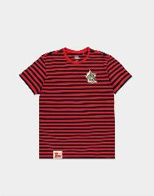 | 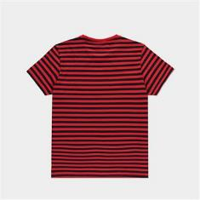 | TS674413TOM-2XL | Warner - Tom & Jerry - Tom Striped T-shirt - 2XL | Tom & Jerry (2020) | 8718526342086 | Short Sleeved T-shirts | 131 | Adults | 100% Cotton | 33.0 | 26.0 | 1.0 | 150.0 | 6109100000 | India | € 39.99 | € 5,238.69 | € 12.42 | € 1,626.61 | £10.94 | £1,433.14
 |  | TS674413TOM-L | Warner - Tom & Jerry - Tom Striped T-shirt - L | Tom & Jerry (2020) | 8718526342024 | Short Sleeved T-shirts | 237 | Adults | 100% Cotton | 33.0 | 26.0 | 1.0 | 150.0 | 6109100000 | India | € 39.99 | € 9,477.63 | € 12.42 | € 2,942.80 | £10.94 | £2,592.78
 |  | TS674413TOM-M | Warner - Tom & Jerry - Tom Striped T-shirt - M | Tom & Jerry (2020) | 8718526342017 | Short Sleeved T-shirts | 208 | Adults | 100% Cotton | 33.0 | 26.0 | 1.0 | 150.0 | 6109100000 | India | € 39.99 | € 8,317.92 | € 12.42 | € 2,582.71 | £10.94 | £2,275.52
 |  | TS674413TOM-S | Warner - Tom & Jerry - Tom Striped T-shirt - S | Tom & Jerry (2020) | 8718526341980 | Short Sleeved T-shirts | 112 | Adults | 100% Cotton | 33.0 | 26.0 | 1.0 | 150.0 | 6109100000 | India | € 39.99 | € 4,478.88 | € 12.42 | € 1,390.69 | £10.94 | £1,225.28
 |  | TS674413TOM-XL | Warner - Tom & Jerry - Tom Striped T-shirt - XL | Tom & Jerry (2020) | 8718526342062 | Short Sleeved T-shirts | 179 | Adults | 100% Cotton | 33.0 | 26.0 | 1.0 | 150.0 | 6109100000 | India | € 39.99 | € 7,158.21 | € 12.42 | € 2,222.62 | £10.94 | £1,958.26
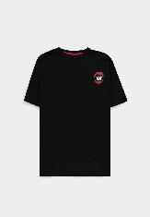 | 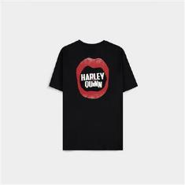 | TS016832BTM-2XL | Warner - Harley Quinn - Women's Boyfriend Fit Short Sleeved T-shirt - 2XL | Batman | 8718526344288 | Short Sleeved T-shirts | 125 | Adults | 100% Cotton | 33.0 | 26.0 | 1.0 | 150.0 | 6109100000 | India | € 34.99 | € 4,373.75 | € 10.86 | € 1,358.05 | £9.57 | £1,196.52
 |  | TS016832BTM-L | Warner - Harley Quinn - Women's Boyfriend Fit Short Sleeved T-shirt - L | Batman | 8718526344226 | Short Sleeved T-shirts | 238 | Adults | 100% Cotton | 33.0 | 26.0 | 1.0 | 150.0 | 6109100000 | India | € 34.99 | € 8,327.62 | € 10.86 | € 2,585.73 | £9.57 | £2,278.17
 |  | TS016832BTM-M | Warner - Harley Quinn - Women's Boyfriend Fit Short Sleeved T-shirt - M | Batman | 8718526344202 | Short Sleeved T-shirts | 210 | Adults | 100% Cotton | 33.0 | 26.0 | 1.0 | 150.0 | 6109100000 | India | € 34.99 | € 7,347.90 | € 10.86 | € 2,281.52 | £9.57 | £2,010.15
 |  | TS016832BTM-S | Warner - Harley Quinn - Women's Boyfriend Fit Short Sleeved T-shirt - S | Batman | 8718526344165 | Short Sleeved T-shirts | 91 | Adults | 100% Cotton | 33.0 | 26.0 | 1.0 | 150.0 | 6109100000 | India | € 34.99 | € 3,184.09 | € 10.86 | € 988.66 | £9.57 | £871.07
 |  | TS016832BTM-XL | Warner - Harley Quinn - Women's Boyfriend Fit Short Sleeved T-shirt - XL | Batman | 8718526344257 | Short Sleeved T-shirts | 176 | Adults | 100% Cotton | 33.0 | 26.0 | 1.0 | 150.0 | 6109100000 | India | € 34.99 | € 6,158.24 | € 10.86 | € 1,912.13 | £9.57 | £1,684.70
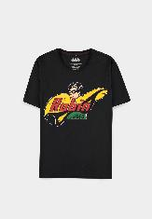 | 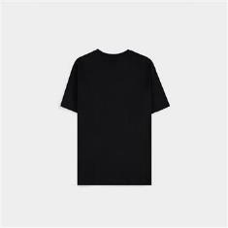 | TS178448BTM-2XL | Warner - Robin - Graphic - Men's Short Sleeved T-shirt - 2XL | Batman | 8718526355772 | Short Sleeved T-shirts | 1 | Adults | 100% Cotton | 33.0 | 26.0 | 1.0 | 150.0 | 6109100000 | Bangladesh | € 29.99 | € 29.99 | € 9.31 | € 9.31 | £8.20 | £8.20
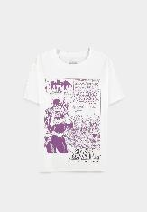 |  | TS246006BTM-2XL | Warner - Bat Girl - Women's Short Sleeved T-shirt - 2XL | Batman | 8718526355710 | Short Sleeved T-shirts | 123 | Adults | 100% Cotton | 33.0 | 26.0 | 1.0 | 150.0 | 6109100000 | Bangladesh | € 29.99 | € 3,688.77 | € 9.31 | € 1,145.36 | £8.20 | £1,009.13
 |  | TS246006BTM-L | Warner - Bat Girl - Women's Short Sleeved T-shirt - L | Batman | 8718526355680 | Short Sleeved T-shirts | 240 | Adults | 100% Cotton | 33.0 | 26.0 | 1.0 | 150.0 | 6109100000 | Bangladesh | € 29.99 | € 7,197.60 | € 9.31 | € 2,234.85 | £8.20 | £1,969.04
 |  | TS246006BTM-M | Warner - Bat Girl - Women's Short Sleeved T-shirt - M | Batman | 8718526355666 | Short Sleeved T-shirts | 233 | Adults | 100% Cotton | 33.0 | 26.0 | 1.0 | 150.0 | 6109100000 | Bangladesh | € 29.99 | € 6,987.67 | € 9.31 | € 2,169.67 | £8.20 | £1,911.60
 |  | TS246006BTM-S | Warner - Bat Girl - Women's Short Sleeved T-shirt - S | Batman | 8718526355642 | Short Sleeved T-shirts | 89 | Adults | 100% Cotton | 33.0 | 26.0 | 1.0 | 150.0 | 6109100000 | Bangladesh | € 29.99 | € 2,669.11 | € 9.31 | € 828.76 | £8.20 | £730.18
 |  | TS246006BTM-XL | Warner - Bat Girl - Women's Short Sleeved T-shirt - XL | Batman | 8718526355697 | Short Sleeved T-shirts | 157 | Adults | 100% Cotton | 33.0 | 26.0 | 1.0 | 150.0 | 6109100000 | Bangladesh | € 29.99 | € 4,708.43 | € 9.31 | € 1,461.97 | £8.20 | £1,288.08
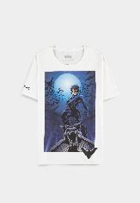 |  | TS558406BTM-L | Warner - Night Wing - Graphic - Men's Short Sleeved T-shirt - L | Batman | 8718526355598 | Short Sleeved T-shirts | 4 | Adults | 100% Cotton | 33.0 | 26.0 | 1.0 | 150.0 | 6109100000 | Bangladesh | € 29.99 | € 119.96 | € 9.31 | € 37.25 | £8.20 | £32.82
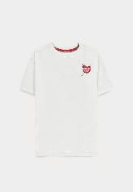 | 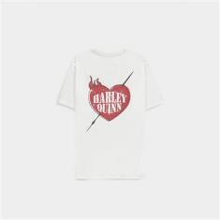 | TS664202BTM-2XL | Warner - The Joker - Women's Loose Fit Short Sleeved T-shirt - 2XL | Batman | 8718526344240 | Short Sleeved T-shirts | 123 | Adults | 100% Cotton | 33.0 | 26.0 | 1.0 | 150.0 | 6109100000 | India | € 34.99 | € 4,303.77 | € 10.86 | € 1,336.32 | £9.57 | £1,177.37
 |  | TS664202BTM-L | Warner - The Joker - Women's Loose Fit Short Sleeved T-shirt - L | Batman | 8718526344172 | Short Sleeved T-shirts | 240 | Adults | 100% Cotton | 33.0 | 26.0 | 1.0 | 150.0 | 6109100000 | India | € 34.99 | € 8,397.60 | € 10.86 | € 2,607.45 | £9.57 | £2,297.32
 |  | TS664202BTM-M | Warner - The Joker - Women's Loose Fit Short Sleeved T-shirt - M | Batman | 8718526344141 | Short Sleeved T-shirts | 186 | Adults | 100% Cotton | 33.0 | 26.0 | 1.0 | 150.0 | 6109100000 | India | € 34.99 | € 6,508.14 | € 10.86 | € 2,020.78 | £9.57 | £1,780.42
 |  | TS664202BTM-S | Warner - The Joker - Women's Loose Fit Short Sleeved T-shirt - S | Batman | 8718526344103 | Short Sleeved T-shirts | 77 | Adults | 100% Cotton | 33.0 | 26.0 | 1.0 | 150.0 | 6109100000 | India | € 34.99 | € 2,694.23 | € 10.86 | € 836.56 | £9.57 | £737.06
 |  | TS664202BTM-XL | Warner - The Joker - Women's Loose Fit Short Sleeved T-shirt - XL | Batman | 8718526344219 | Short Sleeved T-shirts | 143 | Adults | 100% Cotton | 33.0 | 26.0 | 1.0 | 150.0 | 6109100000 | India | € 34.99 | € 5,003.57 | € 10.86 | € 1,553.61 | £9.57 | £1,368.82
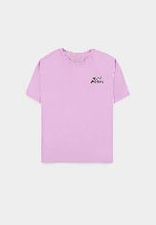 | 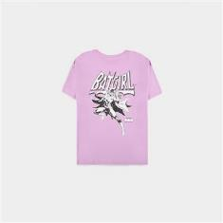 | TS726330BTM-2XL | Warner - Bat Girl - Graphic - Women's Oversized Short Sleeved T-shirt - 2XL | Batman | 8718526355673 | Short Sleeved T-shirts | 120 | Adults | 100% Cotton | 33.0 | 26.0 | 1.0 | 150.0 | 6109100000 | Bangladesh | € 34.99 | € 4,198.80 | € 10.86 | € 1,303.73 | £9.57 | £1,148.66
 |  | TS726330BTM-L | Warner - Bat Girl - Graphic - Women's Oversized Short Sleeved T-shirt - L | Batman | 8718526355635 | Short Sleeved T-shirts | 228 | Adults | 100% Cotton | 33.0 | 26.0 | 1.0 | 150.0 | 6109100000 | Bangladesh | € 34.99 | € 7,977.72 | € 10.86 | € 2,477.08 | £9.57 | £2,182.45
 |  | TS726330BTM-M | Warner - Bat Girl - Graphic - Women's Oversized Short Sleeved T-shirt - M | Batman | 8718526355628 | Short Sleeved T-shirts | 214 | Adults | 100% Cotton | 33.0 | 26.0 | 1.0 | 150.0 | 6109100000 | Bangladesh | € 34.99 | € 7,487.86 | € 10.86 | € 2,324.98 | £9.57 | £2,048.44
 |  | TS726330BTM-S | Warner - Bat Girl - Graphic - Women's Oversized Short Sleeved T-shirt - S | Batman | 8718526355581 | Short Sleeved T-shirts | 113 | Adults | 100% Cotton | 33.0 | 26.0 | 1.0 | 150.0 | 6109100000 | Bangladesh | € 34.99 | € 3,953.87 | € 10.86 | € 1,227.68 | £9.57 | £1,081.65
 |  | TS726330BTM-XL | Warner - Bat Girl - Graphic - Women's Oversized Short Sleeved T-shirt - XL | Batman | 8718526355659 | Short Sleeved T-shirts | 152 | Adults | 100% Cotton | 33.0 | 26.0 | 1.0 | 150.0 | 6109100000 | Bangladesh | € 34.99 | € 5,318.48 | € 10.86 | € 1,651.39 | £9.57 | £1,454.97
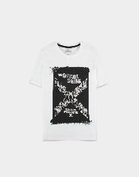 |  | TS340225SSQ-2XL | Warner - Suicide Squad 2 - Men's Short Sleeved T-shirt - 2XL | Suicide Squad (2021) | 8718526349870 | Short Sleeved T-shirts | 145 | Adults | 100% Cotton | 33.0 | 26.0 | 1.0 | 150.0 | 6109100000 | India | € 29.99 | € 4,348.55 | € 9.31 | € 1,350.22 | £8.20 | £1,189.63
 |  | TS340225SSQ-L | Warner - Suicide Squad 2 - Men's Short Sleeved T-shirt - L | Suicide Squad (2021) | 8718526349849 | Short Sleeved T-shirts | 255 | Adults | 100% Cotton | 33.0 | 26.0 | 1.0 | 150.0 | 6109100000 | India | € 29.99 | € 7,647.45 | € 9.31 | € 2,374.53 | £8.20 | £2,092.10
 |  | TS340225SSQ-M | Warner - Suicide Squad 2 - Men's Short Sleeved T-shirt - M | Suicide Squad (2021) | 8718526349818 | Short Sleeved T-shirts | 258 | Adults | 100% Cotton | 33.0 | 26.0 | 1.0 | 150.0 | 6109100000 | India | € 29.99 | € 7,737.42 | € 9.31 | € 2,402.47 | £8.20 | £2,116.71
 |  | TS340225SSQ-S | Warner - Suicide Squad 2 - Men's Short Sleeved T-shirt - S | Suicide Squad (2021) | 8718526349764 | Short Sleeved T-shirts | 139 | Adults | 100% Cotton | 33.0 | 26.0 | 1.0 | 150.0 | 6109100000 | India | € 29.99 | € 4,168.61 | € 9.31 | € 1,294.35 | £8.20 | £1,140.40
 |  | TS340225SSQ-XL | Warner - Suicide Squad 2 - Men's Short Sleeved T-shirt - XL | Suicide Squad (2021) | 8718526349863 | Short Sleeved T-shirts | 191 | Adults | 100% Cotton | 33.0 | 26.0 | 1.0 | 150.0 | 6109100000 | India | € 29.99 | € 5,728.09 | € 9.31 | € 1,778.57 | £8.20 | £1,567.02
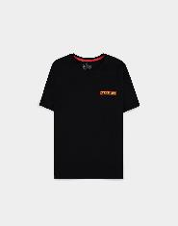 | 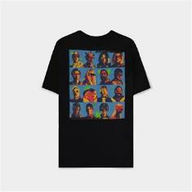 | TS768072SSQ-2XL | Warner - Suicide Squad 2 - Men's Short Sleeved T-shirt - 2XL | Suicide Squad (2021) | 8718526349962 | Short Sleeved T-shirts | 39 | Adults | 100% Cotton | 33.0 | 26.0 | 1.0 | 150.0 | 6109100000 | India | € 34.99 | € 1,364.61 | € 10.86 | € 423.71 | £9.57 | £373.31
 |  | TS768072SSQ-L | Warner - Suicide Squad 2 - Men's Short Sleeved T-shirt - L | Suicide Squad (2021) | 8718526349924 | Short Sleeved T-shirts | 134 | Adults | 100% Cotton | 33.0 | 26.0 | 1.0 | 150.0 | 6109100000 | India | € 34.99 | € 4,688.66 | € 10.86 | € 1,455.83 | £9.57 | £1,282.67
 |  | TS768072SSQ-M | Warner - Suicide Squad 2 - Men's Short Sleeved T-shirt - M | Suicide Squad (2021) | 8718526349894 | Short Sleeved T-shirts | 80 | Adults | 100% Cotton | 33.0 | 26.0 | 1.0 | 150.0 | 6109100000 | India | € 34.99 | € 2,799.20 | € 10.86 | € 869.15 | £9.57 | £765.77
 |  | TS768072SSQ-S | Warner - Suicide Squad 2 - Men's Short Sleeved T-shirt - S | Suicide Squad (2021) | 8718526349856 | Short Sleeved T-shirts | 27 | Adults | 100% Cotton | 33.0 | 26.0 | 1.0 | 150.0 | 6109100000 | India | € 34.99 | € 944.73 | € 10.86 | € 293.34 | £9.57 | £258.45
 |  | TS768072SSQ-XL | Warner - Suicide Squad 2 - Men's Short Sleeved T-shirt - XL | Suicide Squad (2021) | 8718526349948 | Short Sleeved T-shirts | 65 | Adults | 100% Cotton | 33.0 | 26.0 | 1.0 | 150.0 | 6109100000 | India | € 34.99 | € 2,274.35 | € 10.86 | € 706.19 | £9.57 | £622.19
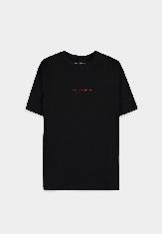 | 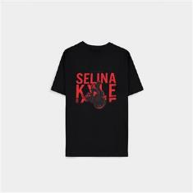 | TS028873BAT-2XL | Warner - The Batman (2022) - Women's Short Sleeved T-shirt - 2XL | The Batman (2021) | 8718526142044 | Short Sleeved T-shirts | 118 | Adults | 100% Cotton | 34.0 | 21.5 | 2.0 | 150.0 | 6109100000 | India | € 34.99 | € 4,128.82 | € 10.86 | € 1,282.00 | £9.57 | £1,129.51
 |  | TS028873BAT-L | Warner - The Batman (2022) - Women's Short Sleeved T-shirt - L | The Batman (2021) | 8718526142020 | Short Sleeved T-shirts | 231 | Adults | 100% Cotton | 34.0 | 21.5 | 2.0 | 150.0 | 6109100000 | India | € 34.99 | € 8,082.69 | € 10.86 | € 2,509.68 | £9.57 | £2,211.17
 |  | TS028873BAT-M | Warner - The Batman (2022) - Women's Short Sleeved T-shirt - M | The Batman (2021) | 8718526142013 | Short Sleeved T-shirts | 183 | Adults | 100% Cotton | 34.0 | 21.5 | 2.0 | 150.0 | 6109100000 | India | € 34.99 | € 6,403.17 | € 10.86 | € 1,988.18 | £9.57 | £1,751.70
 |  | TS028873BAT-S | Warner - The Batman (2022) - Women's Short Sleeved T-shirt - S | The Batman (2021) | 8718526142006 | Short Sleeved T-shirts | 69 | Adults | 100% Cotton | 34.0 | 21.5 | 2.0 | 150.0 | 6109100000 | India | € 34.99 | € 2,414.31 | € 10.86 | € 749.64 | £9.57 | £660.48
 |  | TS028873BAT-XL | Warner - The Batman (2022) - Women's Short Sleeved T-shirt - XL | The Batman (2021) | 8718526142037 | Short Sleeved T-shirts | 156 | Adults | 100% Cotton | 34.0 | 21.5 | 2.0 | 150.0 | 6109100000 | India | € 34.99 | € 5,458.44 | € 10.86 | € 1,694.85 | £9.57 | £1,493.26
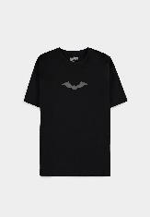 | 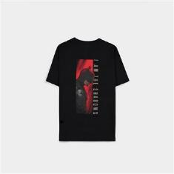 | TS754214BAT-L | Warner - The Batman (2022) - Women's Oversized T-shirt (SS) - L | The Batman (2021) | 8718526142372 | Short Sleeved T-shirts | 89 | Adults | 100% Cotton | 34.0 | 21.5 | 2.0 | 150.0 | 6109100000 | India | € 34.99 | € 3,114.11 | € 10.86 | € 966.93 | £9.57 | £851.92
 |  | TS754214BAT-M | Warner - The Batman (2022) - Women's Oversized T-shirt (SS) - M | The Batman (2021) | 8718526142365 | Short Sleeved T-shirts | 13 | Adults | 100% Cotton | 34.0 | 21.5 | 2.0 | 150.0 | 6109100000 | India | € 34.99 | € 454.87 | € 10.86 | € 141.24 | £9.57 | £124.44
 |  | TS754214BAT-S | Warner - The Batman (2022) - Women's Oversized T-shirt (SS) - S | The Batman (2021) | 8718526142358 | Short Sleeved T-shirts | 14 | Adults | 100% Cotton | 34.0 | 21.5 | 2.0 | 150.0 | 6109100000 | India | € 34.99 | € 489.86 | € 10.86 | € 152.10 | £9.57 | £134.01
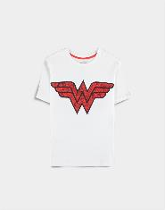 |  | TS374547DCO-2XL | Warner - Wonder Woman - T-shirt - 2XL | Wonder Woman | 8718526347722 | Short Sleeved T-shirts | 119 | Adults | 100% Cotton | 33.0 | 26.0 | 1.0 | 150.0 | 6109100000 | India | € 29.99 | € 3,568.81 | € 9.31 | € 1,108.12 | £8.20 | £976.31
 |  | TS374547DCO-L | Warner - Wonder Woman - T-shirt - L | Wonder Woman | 8718526347685 | Short Sleeved T-shirts | 194 | Adults | 100% Cotton | 33.0 | 26.0 | 1.0 | 150.0 | 6109100000 | India | € 29.99 | € 5,818.06 | € 9.31 | € 1,806.51 | £8.20 | £1,591.64
 |  | TS374547DCO-M | Warner - Wonder Woman - T-shirt - M | Wonder Woman | 8718526347678 | Short Sleeved T-shirts | 144 | Adults | 100% Cotton | 33.0 | 26.0 | 1.0 | 150.0 | 6109100000 | India | € 29.99 | € 4,318.56 | € 9.31 | € 1,340.91 | £8.20 | £1,181.42
 |  | TS374547DCO-S | Warner - Wonder Woman - T-shirt - S | Wonder Woman | 8718526347654 | Short Sleeved T-shirts | 45 | Adults | 100% Cotton | 33.0 | 26.0 | 1.0 | 150.0 | 6109100000 | India | € 29.99 | € 1,349.55 | € 9.31 | € 419.04 | £8.20 | £369.19
 |  | TS374547DCO-XL | Warner - Wonder Woman - T-shirt - XL | Wonder Woman | 8718526347708 | Short Sleeved T-shirts | 138 | Adults | 100% Cotton | 33.0 | 26.0 | 1.0 | 150.0 | 6109100000 | India | € 29.99 | € 4,138.62 | € 9.31 | € 1,285.04 | £8.20 | £1,132.20
 |  | TS648280DCO-2XL | Warner - Wonder Woman - T-shirt - 2XL | Wonder Woman | 8718526347661 | Short Sleeved T-shirts | 130 | Adults | 100% Cotton | 33.0 | 26.0 | 1.0 | 150.0 | 6109100000 | India | € 29.99 | € 3,898.70 | € 9.31 | € 1,210.55 | £8.20 | £1,066.56
 |  | TS648280DCO-L | Warner - Wonder Woman - T-shirt - L | Wonder Woman | 8718526347630 | Short Sleeved T-shirts | 229 | Adults | 100% Cotton | 33.0 | 26.0 | 1.0 | 150.0 | 6109100000 | India | € 29.99 | € 6,867.71 | € 9.31 | € 2,132.42 | £8.20 | £1,878.79
 |  | TS648280DCO-M | Warner - Wonder Woman - T-shirt - M | Wonder Woman | 8718526347616 | Short Sleeved T-shirts | 191 | Adults | 100% Cotton | 33.0 | 26.0 | 1.0 | 150.0 | 6109100000 | India | € 29.99 | € 5,728.09 | € 9.31 | € 1,778.57 | £8.20 | £1,567.02
 |  | TS648280DCO-S | Warner - Wonder Woman - T-shirt - S | Wonder Woman | 8718526347609 | Short Sleeved T-shirts | 82 | Adults | 100% Cotton | 33.0 | 26.0 | 1.0 | 150.0 | 6109100000 | India | € 29.99 | € 2,459.18 | € 9.31 | € 763.58 | £8.20 | £672.75
 |  | TS648280DCO-XL | Warner - Wonder Woman - T-shirt - XL | Wonder Woman | 8718526347647 | Short Sleeved T-shirts | 159 | Adults | 100% Cotton | 33.0 | 26.0 | 1.0 | 150.0 | 6109100000 | India | € 29.99 | € 4,768.41 | € 9.31 | € 1,480.59 | £8.20 | £1,304.49
 |  | TS873627SPC-110/116 | Warner - Space Jam - Boys Short Sleeved T-shirt - 110/116 | Space Jam: A New Legacy | 8718526354171 | Short Sleeved T-shirts | 169 | Kids | 100% Cotton | 33.0 | 26.0 | 1.0 | 150.0 | 6109100000 | India | € 29.99 | € 5,068.31 | € 9.31 | € 1,573.71 | £8.20 | £1,386.53
 |  | TS873627SPC-122/128 | Warner - Space Jam - Boys Short Sleeved T-shirt - 122/128 | Space Jam: A New Legacy | 8718526354225 | Short Sleeved T-shirts | 202 | Kids | 100% Cotton | 33.0 | 26.0 | 1.0 | 150.0 | 6109100000 | India | € 29.99 | € 6,057.98 | € 9.31 | € 1,881.00 | £8.20 | £1,657.27
 |  | TS873627SPC-134/140 | Warner - Space Jam - Boys Short Sleeved T-shirt - 134/140 | Space Jam: A New Legacy | 8718526354249 | Short Sleeved T-shirts | 211 | Kids | 100% Cotton | 33.0 | 26.0 | 1.0 | 150.0 | 6109100000 | India | € 29.99 | € 6,327.89 | € 9.31 | € 1,964.81 | £8.20 | £1,731.11
 |  | TS873627SPC-146/152 | Warner - Space Jam - Boys Short Sleeved T-shirt - 146/152 | Space Jam: A New Legacy | 8718526354270 | Short Sleeved T-shirts | 166 | Kids | 100% Cotton | 33.0 | 26.0 | 1.0 | 150.0 | 6109100000 | India | € 29.99 | € 4,978.34 | € 9.31 | € 1,545.77 | £8.20 | £1,361.92
 |  | TS873627SPC-158/164 | Warner - Space Jam - Boys Short Sleeved T-shirt - 158/164 | Space Jam: A New Legacy | 8718526354287 | Short Sleeved T-shirts | 59 | Kids | 100% Cotton | 33.0 | 26.0 | 1.0 | 150.0 | 6109100000 | India | € 29.99 | € 1,769.41 | € 9.31 | € 549.40 | £8.20 | £484.05
 |  | TS873627SPC-98/104 | Warner - Space Jam - Boys Short Sleeved T-shirt - 98/104 | Space Jam: A New Legacy | 8718526354126 | Short Sleeved T-shirts | 99 | Kids | 100% Cotton | 33.0 | 26.0 | 1.0 | 150.0 | 6109100000 | India | € 29.99 | € 2,969.01 | € 9.31 | € 921.88 | £8.20 | £812.23
 |  | TS101408FRN-2XL | Warner - Friends Women's Short Sleeved T-shirt - 2XL | Friends | 8718526346039 | Short Sleeved T-shirts | 13 | Adults | 100% Cotton | 33.0 | 26.0 | 1.0 | 150.0 | 6109100000 | India | € 29.99 | € 389.87 | € 9.31 | € 121.05 | £8.20 | £106.66
 |  | TS101408FRN-L | Warner - Friends Women's Short Sleeved T-shirt - L | Friends | 8718526345971 | Short Sleeved T-shirts | 87 | Adults | 100% Cotton | 33.0 | 26.0 | 1.0 | 150.0 | 6109100000 | India | € 29.99 | € 2,609.13 | € 9.31 | € 810.13 | £8.20 | £713.78
 |  | TS101408FRN-M | Warner - Friends Women's Short Sleeved T-shirt - M | Friends | 8718526345964 | Short Sleeved T-shirts | 73 | Adults | 100% Cotton | 33.0 | 26.0 | 1.0 | 150.0 | 6109100000 | India | € 29.99 | € 2,189.27 | € 9.31 | € 679.77 | £8.20 | £598.91
 |  | TS101408FRN-XL | Warner - Friends Women's Short Sleeved T-shirt - XL | Friends | 8718526346015 | Short Sleeved T-shirts | 52 | Adults | 100% Cotton | 33.0 | 26.0 | 1.0 | 150.0 | 6109100000 | India | € 29.99 | € 1,559.48 | € 9.31 | € 484.22 | £8.20 | £426.62
 |  | TS035838GOT-2XL | GOT - House Of The Dragon - Men's Short Sleeved T-shirt - 2XL | Game of Thrones | 8718526378658 | Short Sleeved T-shirts | 57 | Adults | 100% Cotton | 34.0 | 21.5 | 2.0 | 150.0 | 6109100000 | India | € 34.99 | € 1,994.43 | € 10.86 | € 619.27 | £9.57 | £545.61
 |  | TS035838GOT-L | GOT - House Of The Dragon - Men's Short Sleeved T-shirt - L | Game of Thrones | 8718526378634 | Short Sleeved T-shirts | 129 | Adults | 100% Cotton | 34.0 | 21.5 | 2.0 | 150.0 | 6109100000 | India | € 34.99 | € 4,513.71 | € 10.86 | € 1,401.51 | £9.57 | £1,234.81
 |  | TS035838GOT-M | GOT - House Of The Dragon - Men's Short Sleeved T-shirt - M | Game of Thrones | 8718526378627 | Short Sleeved T-shirts | 82 | Adults | 100% Cotton | 34.0 | 21.5 | 2.0 | 150.0 | 6109100000 | India | € 34.99 | € 2,869.18 | € 10.86 | € 890.88 | £9.57 | £784.92
 |  | TS035838GOT-XL | GOT - House Of The Dragon - Men's Short Sleeved T-shirt - XL | Game of Thrones | 8718526378641 | Short Sleeved T-shirts | 56 | Adults | 100% Cotton | 34.0 | 21.5 | 2.0 | 150.0 | 6109100000 | India | € 34.99 | € 1,959.44 | € 10.86 | € 608.41 | £9.57 | £536.04
 |  | TS214334GOT-2XL | GOT - House Of The Dragon - Men's Short Sleeved T-shirt - 2XL | Game of Thrones | 8718526378702 | Short Sleeved T-shirts | 50 | Adults | 100% Cotton | 34.0 | 21.5 | 2.0 | 150.0 | 6109100000 | India | € 39.99 | € 1,999.50 | € 12.42 | € 620.84 | £10.94 | £547.00
 |  | TS214334GOT-L | GOT - House Of The Dragon - Men's Short Sleeved T-shirt - L | Game of Thrones | 8718526378689 | Short Sleeved T-shirts | 168 | Adults | 100% Cotton | 34.0 | 21.5 | 2.0 | 150.0 | 6109100000 | India | € 39.99 | € 6,718.32 | € 12.42 | € 2,086.04 | £10.94 | £1,837.92
 |  | TS214334GOT-M | GOT - House Of The Dragon - Men's Short Sleeved T-shirt - M | Game of Thrones | 8718526378672 | Short Sleeved T-shirts | 146 | Adults | 100% Cotton | 34.0 | 21.5 | 2.0 | 150.0 | 6109100000 | India | € 39.99 | € 5,838.54 | € 12.42 | € 1,812.87 | £10.94 | £1,597.24
 |  | TS214334GOT-S | GOT - House Of The Dragon - Men's Short Sleeved T-shirt - S | Game of Thrones | 8718526378665 | Short Sleeved T-shirts | 51 | Adults | 100% Cotton | 34.0 | 21.5 | 2.0 | 150.0 | 6109100000 | India | € 39.99 | € 2,039.49 | € 12.42 | € 633.26 | £10.94 | £557.94
 |  | TS214334GOT-XL | GOT - House Of The Dragon - Men's Short Sleeved T-shirt - XL | Game of Thrones | 8718526378696 | Short Sleeved T-shirts | 86 | Adults | 100% Cotton | 34.0 | 21.5 | 2.0 | 150.0 | 6109100000 | India | € 39.99 | € 3,439.14 | € 12.42 | € 1,067.85 | £10.94 | £940.84
 |  | TS233151GOT-2XL | GOT - House Of The Dragon - Women's Short Sleeved T-shirt - 2XL | Game of Thrones | 8718526378757 | Short Sleeved T-shirts | 89 | Adults | 100% Cotton | 34.0 | 21.5 | 2.0 | 150.0 | 6109100000 | India | € 29.99 | € 2,669.11 | € 9.31 | € 828.76 | £8.20 | £730.18
 |  | TS233151GOT-L | GOT - House Of The Dragon - Women's Short Sleeved T-shirt - L | Game of Thrones | 8718526378733 | Short Sleeved T-shirts | 162 | Adults | 100% Cotton | 34.0 | 21.5 | 2.0 | 150.0 | 6109100000 | India | € 29.99 | € 4,858.38 | € 9.31 | € 1,508.53 | £8.20 | £1,329.10
 |  | TS233151GOT-M | GOT - House Of The Dragon - Women's Short Sleeved T-shirt - M | Game of Thrones | 8718526378726 | Short Sleeved T-shirts | 146 | Adults | 100% Cotton | 34.0 | 21.5 | 2.0 | 150.0 | 6109100000 | India | € 29.99 | € 4,378.54 | € 9.31 | € 1,359.54 | £8.20 | £1,197.83
 |  | TS233151GOT-S | GOT - House Of The Dragon - Women's Short Sleeved T-shirt - S | Game of Thrones | 8718526378719 | Short Sleeved T-shirts | 73 | Adults | 100% Cotton | 34.0 | 21.5 | 2.0 | 150.0 | 6109100000 | India | € 29.99 | € 2,189.27 | € 9.31 | € 679.77 | £8.20 | £598.91
...

