OFFER
COMPANY NAME
NAME*
COMPANY NAME
DATE*
SALES REP*
EMAIL*
PHONE #*
PAYMENT CURRENCY (€/£)*
BILLING ADDRESS*
ORDER NUMBER
PRE/IN HAND
DELIVERY TYPE

BRAND | IMAGES |  | MODEL | COLOUR CODE | COLOUR | GENDER | C.O.O | QTY | RRP € | RRP TOT € | COST € | COST TOT € | COST £ | COST TOT £
DOLCE AND GABBANA | 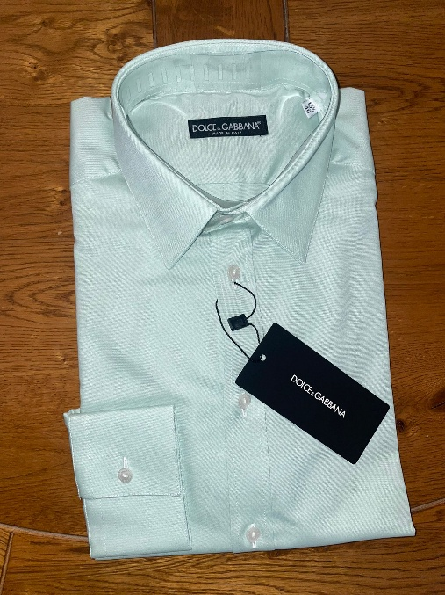 |  | SHIRT | 41 | GREEN | MALE | ITALY | 12 | € 550.00 | € 6,600.00 | € 44.00 | € 528.00 | £38.94 | £467.26
DOLCE AND GABBANA |  |  | SHIRT | 44 | LIGHT GREEN-BLUE | MALE | ITALY | 6 | € 550.00 | € 3,300.00 | € 44.00 | € 264.00 | £38.94 | £233.63
DOLCE AND GABBANA | 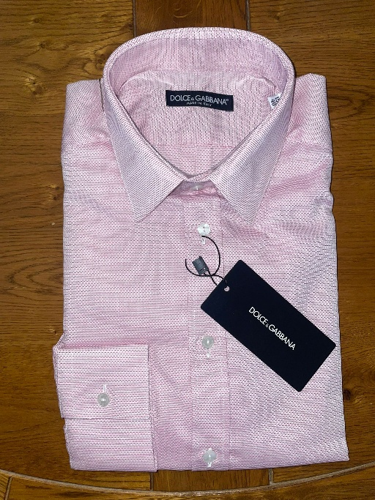 | 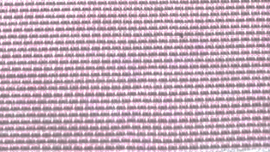 | SHIRT | 1 | PINK | MALE | ITALY | 3 | € 550.00 | € 1,650.00 | € 44.00 | € 132.00 | £38.94 | £116.81
DOLCE AND GABBANA | 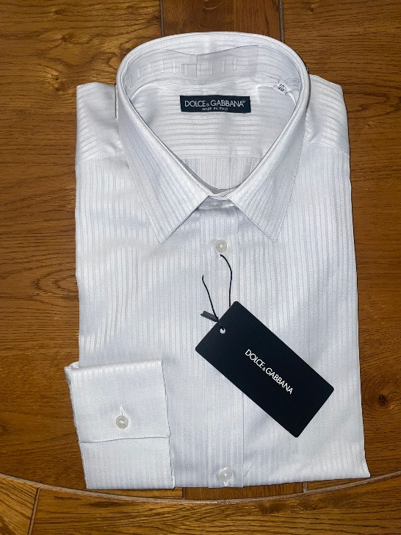 |  | SHIRT | 8 | STRIPEY WHITE/GREY | MALE | ITALY | 12 | € 550.00 | € 6,600.00 | € 44.00 | € 528.00 | £38.94 | £467.26
DOLCE AND GABBANA | 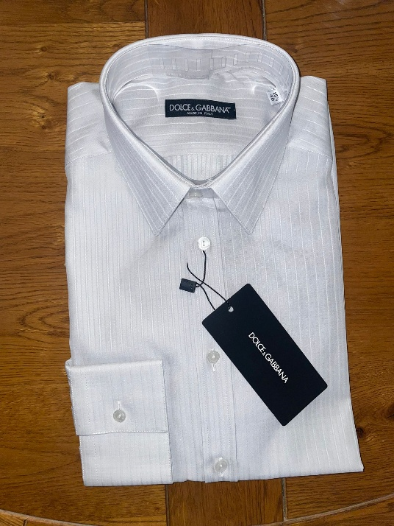 |  | SHIRT | 9 | STRIPEY WHITE/GREY | MALE | ITALY | 12 | € 550.00 | € 6,600.00 | € 44.00 | € 528.00 | £38.94 | £467.26
DOLCE AND GABBANA | 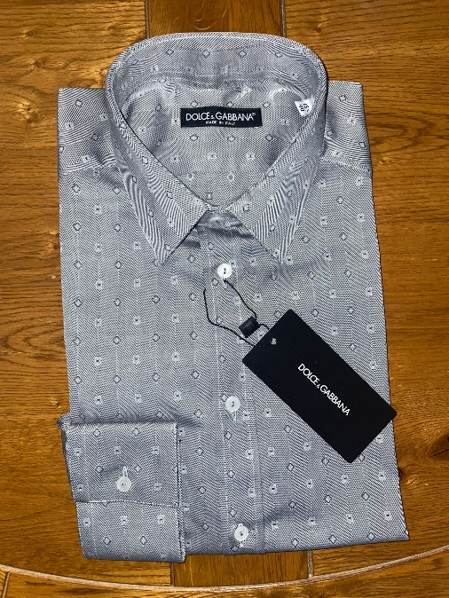 | 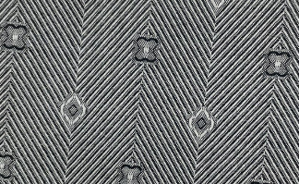 | SHIRT | 48 | GREY | MALE | ITALY | 6 | € 550.00 | € 3,300.00 | € 44.00 | € 264.00 | £38.94 | £233.63
DOLCE AND GABBANA |  | 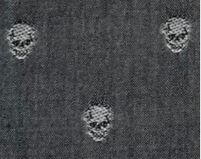 | SHIRT | 55 | GREY | MALE | ITALY | 4 | € 550.00 | € 2,200.00 | € 44.00 | € 176.00 | £38.94 | £155.75
DOLCE AND GABBANA |  |  | SHIRT | 67 | LIGHT GREY | MALE | ITALY | 30 | € 550.00 | € 16,500.00 | € 44.00 | € 1,320.00 | £38.94 | £1,168.14
DOLCE AND GABBANA |  |  | SHIRT | 68 | GREY | MALE | ITALY | 20 | € 550.00 | € 11,000.00 | € 44.00 | € 880.00 | £38.94 | £778.76
DOLCE AND GABBANA |  |  | SHIRT | 42 | LIGHT BLUE | MALE | ITALY | 6 | € 550.00 | € 3,300.00 | € 44.00 | € 264.00 | £38.94 | £233.63
DOLCE AND GABBANA |  |  | SHIRT | 43 | GREEN BLUE | MALE | ITALY | 6 | € 550.00 | € 3,300.00 | € 44.00 | € 264.00 | £38.94 | £233.63
DOLCE AND GABBANA |  |  | SHIRT | 39 | BLUE | MALE | ITALY | 20 | € 550.00 | € 11,000.00 | € 44.00 | € 880.00 | £38.94 | £778.76
DOLCE AND GABBANA |  |  | SHIRT | 40 | DARK BLUE | MALE | ITALY | 36 | € 550.00 | € 19,800.00 | € 44.00 | € 1,584.00 | £38.94 | £1,401.77
DOLCE AND GABBANA |  | 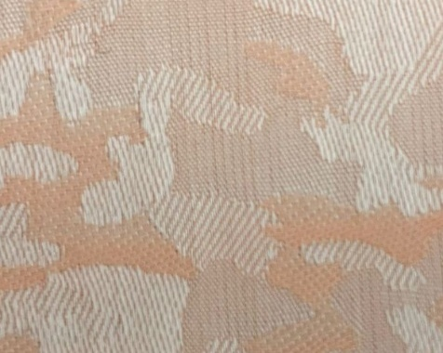 | SHIRT | 38 |  | MALE | ITALY | 3 | € 550.00 | € 1,650.00 | € 44.00 | € 132.00 | £38.94 | £116.81
DOLCE AND GABBANA |  |  | SHIRT | 47 | PINK | MALE | ITALY | 26 | € 550.00 | € 14,300.00 | € 44.00 | € 1,144.00 | £38.94 | £1,012.39
DOLCE AND GABBANA |  |  | SHIRT | 71 | BROWN | MALE | ITALY | 20 | € 550.00 | € 11,000.00 | € 44.00 | € 880.00 | £38.94 | £778.76
DOLCE AND GABBANA |  | 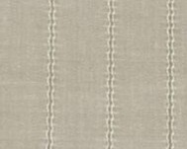 | SHIRT | 49 | LIGHT BROWN | MALE | ITALY | 18 | € 550.00 | € 9,900.00 | € 44.00 | € 792.00 | £38.94 | £700.88
DOLCE AND GABBANA |  |  | SHIRT | 72 | GREEN/MULTI | MALE | ITALY | 20 | € 550.00 | € 11,000.00 | € 44.00 | € 880.00 | £38.94 | £778.76
DOLCE AND GABBANA |  |  | SHIRT | 70 | PURPLE | MALE | ITALY | 25 | € 550.00 | € 13,750.00 | € 44.00 | € 1,100.00 | £38.94 | £973.45
DOLCE AND GABBANA |  | 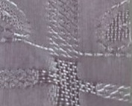 | SHIRT | 66 | PURPLE | MALE | ITALY | 30 | € 550.00 | € 16,500.00 | € 44.00 | € 1,320.00 | £38.94 | £1,168.14
DOLCE AND GABBANA |  | 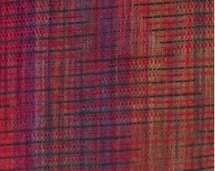 | SHIRT | 75 | MULTI | MALE | ITALY | 40 | € 550.00 | € 22,000.00 | € 44.00 | € 1,760.00 | £38.94 | £1,557.52
DOLCE AND GABBANA |  | 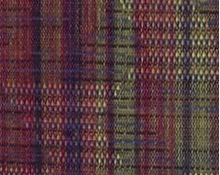 | SHIRT | 74 | MULTI | MALE | ITALY | 40 | € 550.00 | € 22,000.00 | € 44.00 | € 1,760.00 | £38.94 | £1,557.52
DOLCE AND GABBANA |  |  | SHIRT | 26 | PINK | MALE | ITALY | 5 | € 550.00 | € 2,750.00 | € 44.00 | € 220.00 | £38.94 | £194.69
DOLCE AND GABBANA |  | 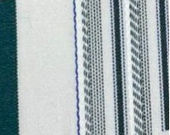 | SHIRT | 61 | MUTLI | MALE | ITALY | 3 | € 550.00 | € 1,650.00 | € 44.00 | € 132.00 | £38.94 | £116.81
DOLCE AND GABBANA |  | 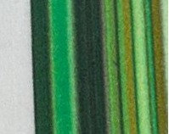 | SHIRT | 62 | MULTI | MALE | ITALY | 3 | € 550.00 | € 1,650.00 | € 44.00 | € 132.00 | £38.94 | £116.81
DOLCE AND GABBANA |  | 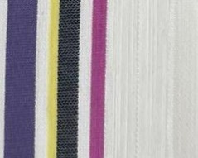 | SHIRT | 58 | MULTI | MALE | ITALY | 4 | € 550.00 | € 2,200.00 | € 44.00 | € 176.00 | £38.94 | £155.75
DOLCE AND GABBANA |  | 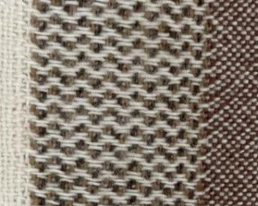 | SHIRT | 77 | BROWN | MALE | ITALY | 30 | € 550.00 | € 16,500.00 | € 44.00 | € 1,320.00 | £38.94 | £1,168.14
DOLCE AND GABBANA |  | 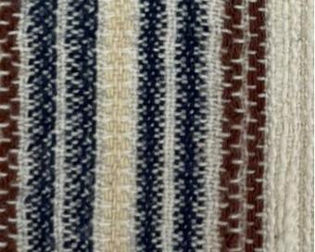 | SHIRT | 76 | MULTI | MALE | ITALY | 30 | € 550.00 | € 16,500.00 | € 44.00 | € 1,320.00 | £38.94 | £1,168.14
DOLCE AND GABBANA |  | 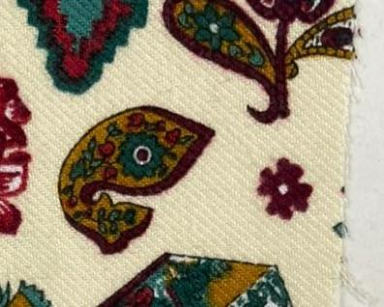 | SHIRT | 78 | MULTI | MALE | ITALY | 20 | € 550.00 | € 11,000.00 | € 44.00 | € 880.00 | £38.94 | £778.76
DOLCE AND GABBANA | 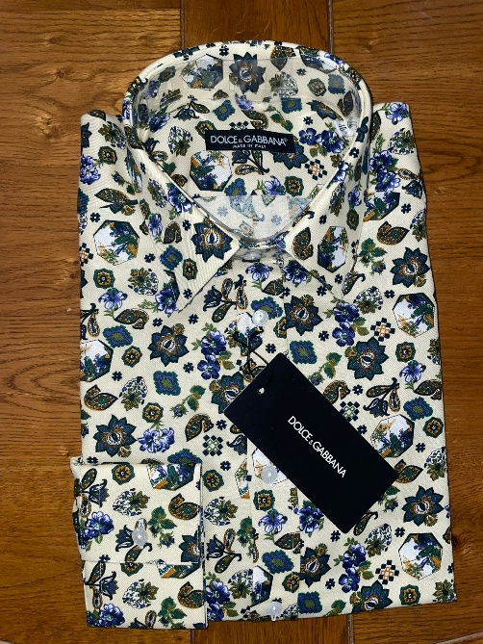 | 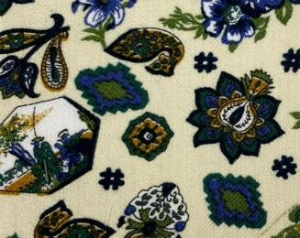 | SHIRT | 79 | MULTI | MALE | ITALY | 20 | € 550.00 | € 11,000.00 | € 44.00 | € 880.00 | £38.94 | £778.76
DOLCE AND GABBANA |  | 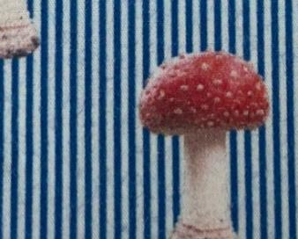 | SHIRT | 56 | BLUE | MALE | ITALY | 4 | € 550.00 | € 2,200.00 | € 44.00 | € 176.00 | £38.94 | £155.75
DOLCE AND GABBANA |  | 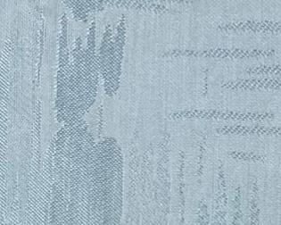 | SHIRT | 80 | BLUE | MALE | ITALY | 40 | € 550.00 | € 22,000.00 | € 44.00 | € 1,760.00 | £38.94 | £1,557.52
DOLCE AND GABBANA | 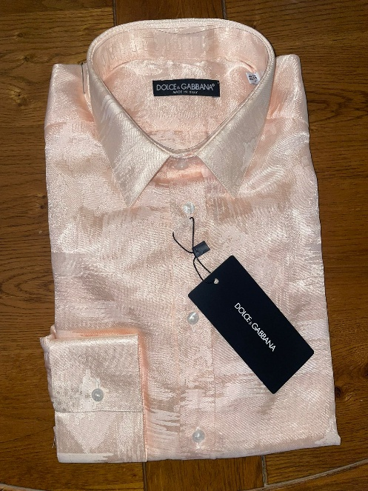 | 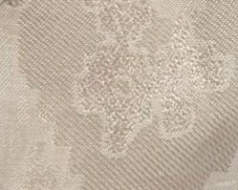 | SHIRT | 81 | PINK | MALE | ITALY | 40 | € 550.00 | € 22,000.00 | € 44.00 | € 1,760.00 | £38.94 | £1,557.52
DOLCE AND GABBANA |  |  | SHIRT | 82 | WHITE/SILVER | MALE | ITALY | 40 | € 550.00 | € 22,000.00 | € 44.00 | € 1,760.00 | £38.94 | £1,557.52
DOLCE AND GABBANA | 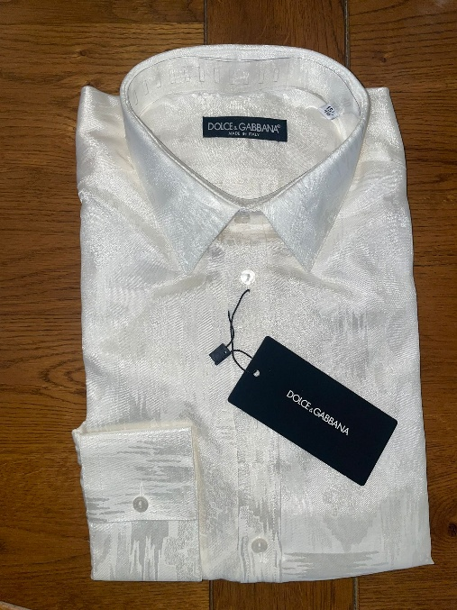 |  | SHIRT | 83 | WHITE/SILVER | MALE | ITALY | 40 | € 550.00 | € 22,000.00 | € 44.00 | € 1,760.00 | £38.94 | £1,557.52
DOLCE AND GABBANA |  |  | SHIRT | 85 | PINK | MALE | ITALY | 35 | € 550.00 | € 19,250.00 | € 44.00 | € 1,540.00 | £38.94 | £1,362.83
DOLCE AND GABBANA | 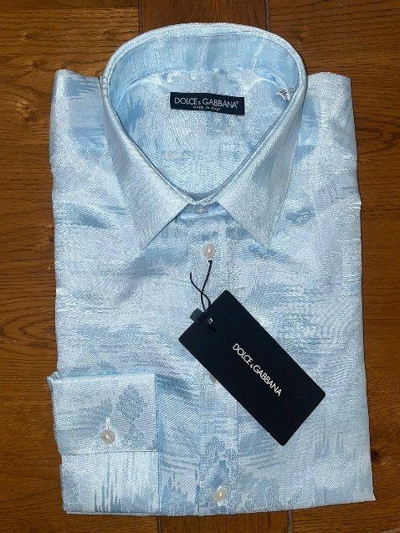 | 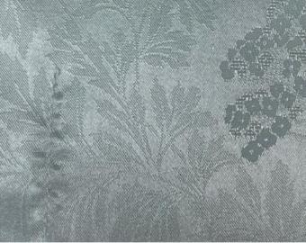 | SHIRT | 84 | BLUE | MALE | ITALY | 35 | € 550.00 | € 19,250.00 | € 44.00 | € 1,540.00 | £38.94 | £1,362.83
DOLCE AND GABBANA |  |  | SHIRT | 96 | PINK | MALE | ITALY | 12 | € 550.00 | € 6,600.00 | € 44.00 | € 528.00 | £38.94 | £467.26
DOLCE AND GABBANA |  |  | SHIRT | 95 | PINK | MALE | ITALY | 12 | € 550.00 | € 6,600.00 | € 44.00 | € 528.00 | £38.94 | £467.26
DOLCE AND GABBANA |  |  | SHIRT | 94 | 111 | MALE | ITALY | 20 | € 550.00 | € 11,000.00 | € 44.00 | € 880.00 | £38.94 | £778.76
DOLCE AND GABBANA |  |  | SHIRT | 93 | BLUE | MALE | ITALY | 20 | € 550.00 | € 11,000.00 | € 44.00 | € 880.00 | £38.94 | £778.76
DOLCE AND GABBANA |  |  | SHIRT | 97 | GREEN | MALE | ITALY | 12 | € 550.00 | € 6,600.00 | € 44.00 | € 528.00 | £38.94 | £467.26
DOLCE AND GABBANA |  |  | SHIRT | 91 | BLACK/WHITE | MALE | ITALY | 20 | € 550.00 | € 11,000.00 | € 44.00 | € 880.00 | £38.94 | £778.76
DOLCE AND GABBANA |  |  | SHIRT | 92 | BLUE | MALE | ITALY | 20 | € 550.00 | € 11,000.00 | € 44.00 | € 880.00 | £38.94 | £778.76
DOLCE AND GABBANA |  | 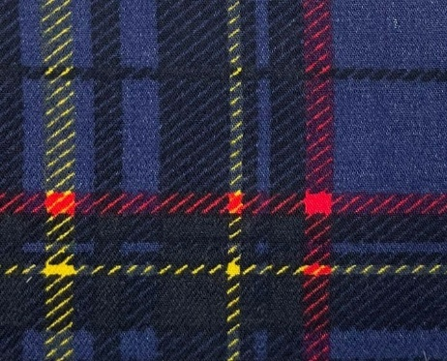 | SHIRT | 98 |  | MALE | ITALY | 15 | € 550.00 | € 8,250.00 | € 44.00 | € 660.00 | £38.94 | £584.07
DOLCE AND GABBANA |  | 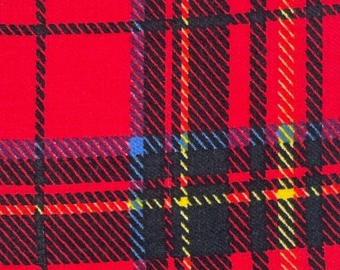 | SHIRT | 99 |  | MALE | ITALY | 15 | € 550.00 | € 8,250.00 | € 44.00 | € 660.00 | £38.94 | £584.07
DOLCE AND GABBANA |  | 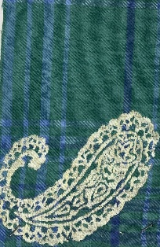 | SHIRT | 28 | GREEN/BLUE | MALE | ITALY | 12 | € 550.00 | € 6,600.00 | € 44.00 | € 528.00 | £38.94 | £467.26
DOLCE AND GABBANA |  | 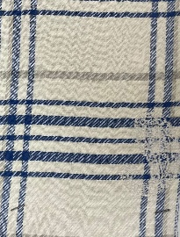 | SHIRT | 27 | WHITE/BLUE | MALE | ITALY | 4 | € 550.00 | € 2,200.00 | € 44.00 | € 176.00 | £38.94 | £155.75
DOLCE AND GABBANA |  | 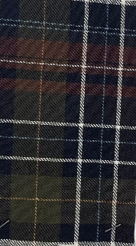 | SHIRT | 64 | MULTI | MALE | ITALY | 4 | € 550.00 | € 2,200.00 | € 44.00 | € 176.00 | £38.94 | £155.75
DOLCE AND GABBANA |  | 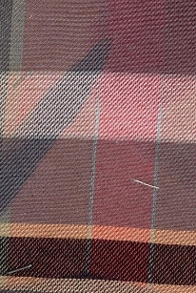 | SHIRT | 30 | MULTI | MALE | ITALY | 12 | € 550.00 | € 6,600.00 | € 44.00 | € 528.00 | £38.94 | £467.26
DOLCE AND GABBANA |  | 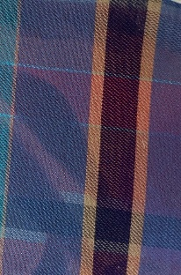 | SHIRT | 29 | MULTI | MALE | ITALY | 12 | € 550.00 | € 6,600.00 | € 44.00 | € 528.00 | £38.94 | £467.26
DOLCE AND GABBANA |  |  | SHIRT | 21 | WHITE/RED STRIPE | MALE | ITALY | 18 | € 550.00 | € 9,900.00 | € 44.00 | € 792.00 | £38.94 | £700.88
DOLCE AND GABBANA | 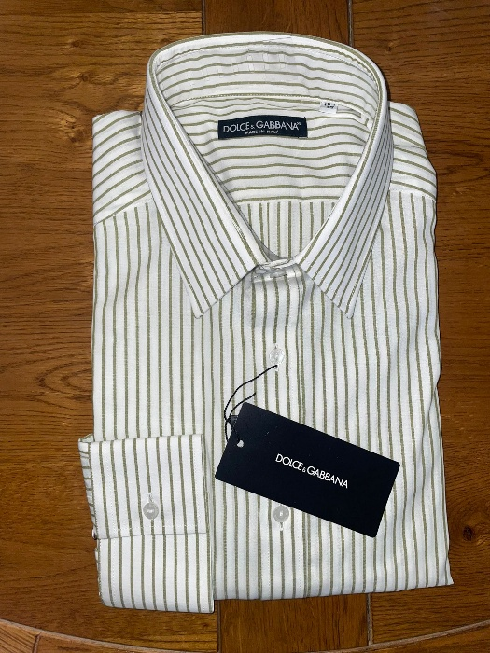 |  | SHIRT | 20 | WHITE/GREEN STRIPE | MALE | ITALY | 18 | € 550.00 | € 9,900.00 | € 44.00 | € 792.00 | £38.94 | £700.88
DOLCE AND GABBANA |  |  | SHIRT | 18 | WHITE/BLUE STRIP | MALE | ITALY | 8 | € 550.00 | € 4,400.00 | € 44.00 | € 352.00 | £38.94 | £311.50
DOLCE AND GABBANA |  |  | SHIRT | 17 | WHITE/PURPLE STRIP | MALE | ITALY | 8 | € 550.00 | € 4,400.00 | € 44.00 | € 352.00 | £38.94 | £311.50
DOLCE AND GABBANA |  | 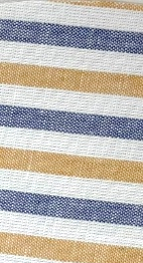 | SHIRT | 15 | WHITE YELLOW BLUE STRIPE | MALE | ITALY | 4 | € 550.00 | € 2,200.00 | € 44.00 | € 176.00 | £38.94 | £155.75
DOLCE AND GABBANA |  |  | SHIRT | 22 | PINK WHITE STRIPE | MALE | ITALY | 12 | € 550.00 | € 6,600.00 | € 44.00 | € 528.00 | £38.94 | £467.26
DOLCE AND GABBANA |  |  | SHIRT | 2/A | PINK WHITE STRIPE | MALE | ITALY | 10 | € 550.00 | € 5,500.00 | € 44.00 | € 440.00 | £38.94 | £389.38
DOLCE AND GABBANA |  |  | SHIRT | 3/A | PINK WHITE STRIPE | MALE | ITALY | 20 | € 550.00 | € 11,000.00 | € 44.00 | € 880.00 | £38.94 | £778.76
DOLCE AND GABBANA |  | 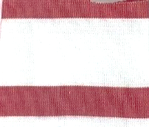 | SHIRT | 1/A | RED WHITE STRIPE | MALE | ITALY | 10 | € 550.00 | € 5,500.00 | € 44.00 | € 440.00 | £38.94 | £389.38
DOLCE AND GABBANA |  | 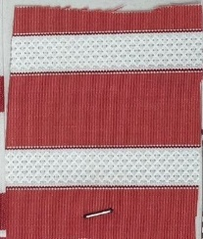 | SHIRT | 4/A | RED WHITE STRIPE | MALE | ITALY | 8 | € 550.00 | € 4,400.00 | € 44.00 | € 352.00 | £38.94 | £311.50
DOLCE AND GABBANA |  |  | SHIRT | 23 | RED WHITE STRIPE | MALE | ITALY | 5 | € 550.00 | € 2,750.00 | € 44.00 | € 220.00 | £38.94 | £194.69
DOLCE AND GABBANA |  | 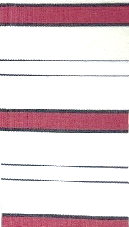 | SHIRT | 24 | RED WHITE STRIPE | MALE | ITALY | 4 | € 550.00 | € 2,200.00 | € 44.00 | € 176.00 | £38.94 | £155.75
DOLCE AND GABBANA |  | 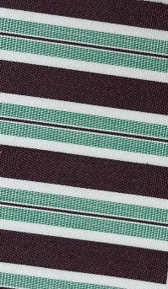 | SHIRT | 13 | BROWN GREEN STRIPE | MALE | ITALY | 20 | € 550.00 | € 11,000.00 | € 44.00 | € 880.00 | £38.94 | £778.76
DOLCE AND GABBANA |  | 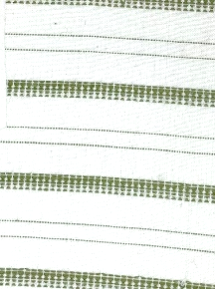 | SHIRT | 63 | GREEN WHITE STRIPE | MALE | ITALY | 3 | € 550.00 | € 1,650.00 | € 44.00 | € 132.00 | £38.94 | £116.81
DOLCE AND GABBANA |  | 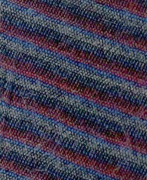 | SHIRT | 69 | MUTLI STRIPE | MALE | ITALY | 15 | € 550.00 | € 8,250.00 | € 44.00 | € 660.00 | £38.94 | £584.07
DOLCE AND GABBANA |  |  | SHIRT | 51 | ORANGE | MALE | ITALY | 4 | € 550.00 | € 2,200.00 | € 44.00 | € 176.00 | £38.94 | £155.75
DOLCE AND GABBANA |  |  | SHIRT | 54 | ORANGE | MALE | ITALY | 8 | € 550.00 | € 4,400.00 | € 44.00 | € 352.00 | £38.94 | £311.50
DOLCE AND GABBANA |  |  | SHIRT | 50 | ORANGE | MALE | ITALY | 6 | € 550.00 | € 3,300.00 | € 44.00 | € 264.00 | £38.94 | £233.63
DOLCE AND GABBANA |  | 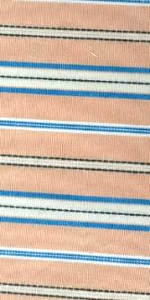 | SHIRT | 16 | ORANGE WHITE BLUE STRIPE | MALE | ITALY | 3 | € 550.00 | € 1,650.00 | € 44.00 | € 132.00 | £38.94 | £116.81
DOLCE AND GABBANA |  |  | SHIRT | 19 | ORANGE WHITE STRIPE | MALE | ITALY | 12 | € 550.00 | € 6,600.00 | € 44.00 | € 528.00 | £38.94 | £467.26
DOLCE AND GABBANA |  | 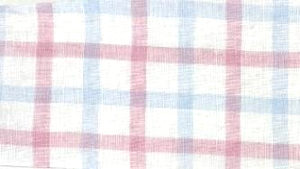 | SHIRT | 59 | WHITE BLUE RED | MALE | ITALY | 7 | € 550.00 | € 3,850.00 | € 44.00 | € 308.00 | £38.94 | £272.57
DOLCE AND GABBANA | 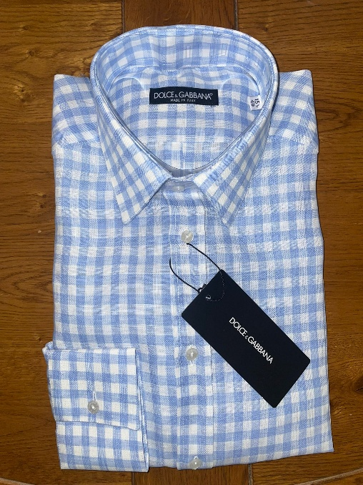 | 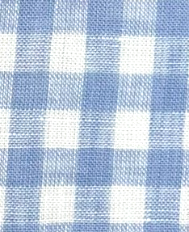 | SHIRT | 14 | BLUE WHITE | MALE | ITALY | 8 | € 550.00 | € 4,400.00 | € 44.00 | € 352.00 | £38.94 | £311.50
DOLCE AND GABBANA |  |  | SHIRT | 65 | PINK WHITE | MALE | ITALY | 6 | € 550.00 | € 3,300.00 | € 44.00 | € 264.00 | £38.94 | £233.63
DOLCE AND GABBANA |  |  | SHIRT | 32 | BROWN/ORANGE | MALE | ITALY | 15 | € 550.00 | € 8,250.00 | € 44.00 | € 660.00 | £38.94 | £584.07
DOLCE AND GABBANA |  |  | SHIRT | 31 | RED WHITE | MALE | ITALY | 15 | € 550.00 | € 8,250.00 | € 44.00 | € 660.00 | £38.94 | £584.07
DOLCE AND GABBANA |  |  | SHIRT | 34 | YELLOW WHITE | MALE | ITALY | 6 | € 550.00 | € 3,300.00 | € 44.00 | € 264.00 | £38.94 | £233.63
DOLCE AND GABBANA | 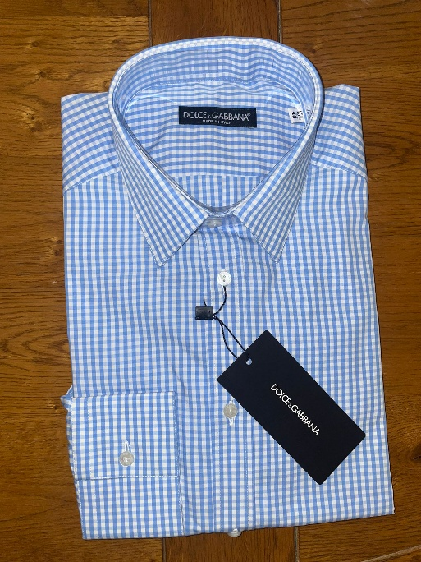 |  | SHIRT | 33 | BLUE WHITE | MALE | ITALY | 5 | € 550.00 | € 2,750.00 | € 44.00 | € 220.00 | £38.94 | £194.69
DOLCE AND GABBANA |  |  | SHIRT | 2 | PURPLE WHITE STRIPE | MALE | ITALY | 5 | € 550.00 | € 2,750.00 | € 44.00 | € 220.00 | £38.94 | £194.69
DOLCE AND GABBANA |  |  | SHIRT | 52 | PURPLE | MALE | ITALY | 2 | € 550.00 | € 1,100.00 | € 44.00 | € 88.00 | £38.94 | £77.88
DOLCE AND GABBANA |  |  | SHIRT | 16 | PINK WHITE STRIPE | MALE | ITALY | 6 | € 550.00 | € 3,300.00 | € 44.00 | € 264.00 | £38.94 | £233.63
DOLCE AND GABBANA |  |  | SHIRT | 15 | PINK WHITE | MALE | ITALY | 4 | € 550.00 | € 2,200.00 | € 44.00 | € 176.00 | £38.94 | £155.75
 |  |  |  |  |  |  |  | 1080 |  | € 664,950.00 |  | € 53,196.00 |  | £47,076.11

