OFFER
REF
NAME*
COMPANY NAME
DATE*
SALES REP*
EMAIL*
PHONE #*
PAYMENT CURRENCY (€/£)*
BILLING ADDRESS*
ORDER NUMBER
PRE/IN HAND
DELIVERY TYPE

FOTO | DESCRIZIONE | ARTICOLO | MADE IN | COMPOSIZIONE | S | M | L | XL | XXL | TOT | RRP € | RRP TOT € | COST € | COST TOT € | COST £ | COST TOT £
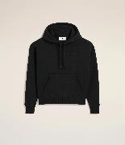 | Ami de Coeur hoodie in brushed mixed cotton fleece. | USW227.749.001 | PORTOGALLO | 69% Cotton, 31% Polyester | 6 | 8 | 12 | 8 | 6 | 40 | € 400.00 | € 16,000.00 | € 103.60 | € 4,144.00 | £91.68 | £3,667.26
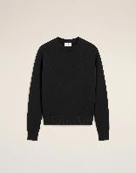 | Ami de Coeur sweatshirt in brushed mixed cotton fleece. | USW226.749.001 | PORTOGALLO | 69% Cotton, 31% Polyester | 6 | 8 | 12 | 8 | 6 | 40 | € 330.00 | € 13,200.00 | € 92.40 | € 3,696.00 | £81.77 | £3,270.80
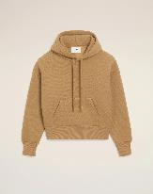 | Ami de Coeur hoodie in brushed mixed cotton fleece. | USW756.749.280 | PORTOGALLO | 69% Cotton, 31% Polyester | 6 | 8 | 12 | 8 | 6 | 40 | € 400.00 | € 16,000.00 | € 103.60 | € 4,144.00 | £91.68 | £3,667.26
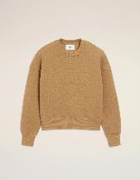 | Sweatshirt in brushed mixed cotton fleece. | USW755.749.280 | PORTOGALLO | 69% Cotton, 31% Polyester | 6 | 8 | 12 | 8 | 6 | 40 | € 330.00 | € 13,200.00 | € 92.40 | € 3,696.00 | £81.77 | £3,270.80
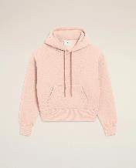 | Ami de Coeur hoodie in brushed mixed cotton fleece. | USW756.749.680 | PORTOGALLO | 69% Cotton, 31% Polyester | 4 | 6 | 10 | 6 | 4 | 30 | € 400.00 | € 12,000.00 | € 103.60 | € 3,108.00 | £91.68 | £2,750.44
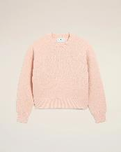 | Sweatshirt in brushed mixed cotton fleece. | USW755.749.680 | PORTOGALLO | 69% Cotton, 31% Polyester | 4 | 6 | 10 | 6 | 4 | 30 | € 330.00 | € 9,900.00 | € 92.40 | € 2,772.00 | £81.77 | £2,453.10
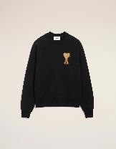 | Ami de Coeur sweatshirt in heavy loopback cotton fleece. | USW771.747.001 | PORTOGALLO | 100% cotton | 6 | 15 | 15 | 10 | 4 | 50 | € 335.00 | € 16,750.00 | € 89.60 | € 4,480.00 | £79.29 | £3,964.60
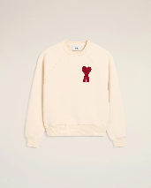 | Ami de Coeur sweatshirt in heavy loopback cotton fleece. | USW065.747.136 | PORTOGALLO | 100% cotton | 6 | 15 | 15 | 10 | 4 | 50 | € 335.00 | € 16,750.00 | € 89.60 | € 4,480.00 | £79.29 | £3,964.60
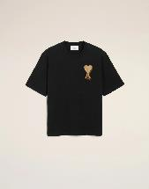 | T-shirt Ami de Coeur in heavy cotton jersey. | UTS352.726.001 | PORTOGALLO | 100% cotton | 10 | 16 | 16 | 12 | 6 | 60 | € 195.00 | € 11,700.00 | € 50.40 | € 3,024.00 | £44.60 | £2,676.11
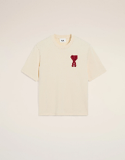 | Ami de Coeur t-shirt in organic cotton jersey. | HTS065.726.136 | PORTOGALLO | 100% cotton | 10 | 16 | 18 | 12 | 4 | 60 | € 195.00 | € 11,700.00 | € 50.40 | € 3,024.00 | £44.60 | £2,676.11
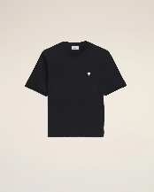 | Three-quarter sleeves teeshirt in thick cotton jersey. | UTS389.726.001 | PORTOGALLO | 100% cotton | 6 | 15 | 15 | 10 | 4 | 50 | € 205.00 | € 10,250.00 | € 50.40 | € 2,520.00 | £44.60 | £2,230.09
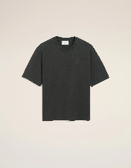 | T-shirt in a heavy cotton jersey. | UTS357.726.020 | PORTOGALLO | 100% cotton | 6 | 8 | 12 | 8 | 6 | 40 | € 170.00 | € 6,800.00 | € 47.60 | € 1,904.00 | £42.12 | £1,684.96
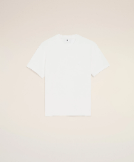 | T-shirt in heavy jersey organic cotton. | UTS027.726.100 | PORTOGALLO | 100% cotton | 6 | 8 | 12 | 8 | 6 | 40 | € 170.00 | € 6,800.00 | € 47.60 | € 1,904.00 | £42.12 | £1,684.96
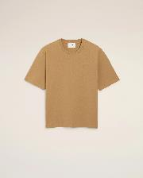 | T-shirt in heavy jersey organic cotton. | UTS357.726.280 | PORTOGALLO | 100% cotton | 6 | 8 | 12 | 8 | 6 | 40 | € 170.00 | € 6,800.00 | € 47.60 | € 1,904.00 | £42.12 | £1,684.96
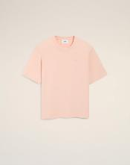 | T-shirt in heavy jersey organic cotton. | UTS357.726.680 | PORTOGALLO | 100% cotton | 4 | 6 | 10 | 6 | 4 | 30 | € 170.00 | € 5,100.00 | € 47.60 | € 1,428.00 | £42.12 | £1,263.72
 |  |  |  |  |  |  |  |  |  | 640 |  | € 172,950.00 |  | € 46,228.00 |  | £40,909.73

