LISTA
 |  |  |  |  |  |  | TG1 | XS | S | M | L | XL | XXL | 3XL
 |  |  |  |  | S |  | TG2 | 36 | 38 | 40 | 42 | 44 | 46 | 48 | 50 | 52 | 54 | 56 | 58
 |  |  |  |  |  |  | TG3 | 35 | 36 | 37 | 38 | 39 | 40 | 41 | 42 | 43 | 44 | 45 | 46
 |  |  |  |  |  |  | TG4 | 28 | 29 | 30 | 31 | 32 | 33 | 34 | 36 | 38 | 40 | 42 | 44 | 3528 |  | € 501,178.00
FOTO | ITEM | COL | TEX | STYLE | DESCRIPTION | MADE IN | TG4 | 23 | 24 | 25 | 26 | 27 | 28 | 29 | 30 | 31 | 32 | 33 | 34 | tot. | WHL | TOT WHL | COST € | COST TOT € | COST £ | COST TOT £
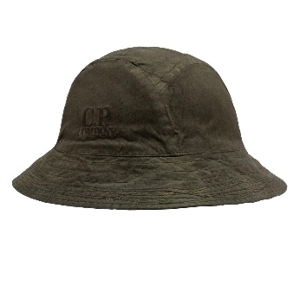 | 13CMAC140A | 669 | 6237G | CAP | BERRETTO | CN | TG1 |  |  | 14 | 5 | 3 |  |  |  |  |  |  |  | 22 | 65.00 | € 1,430.00 | 52 | 1144 | 43.33 | 953.33
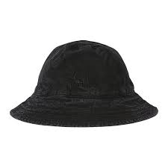 | 13CMAC140A | 999 | 6237G | CAP | BERRETTO | RO | TG1 |  |  | 13 | 4 | 2 |  |  |  |  |  |  |  | 19 | 65.00 | € 1,235.00 | 52 | 988 | 43.33 | 823.33
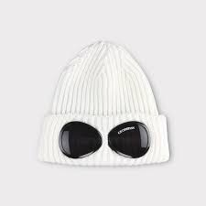 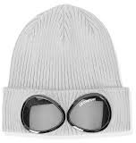 | 14CMAC016A | 103 | 727A | ACCESSORIES | BERRETTO | IT | UNI |  |  |  |  |  |  |  |  |  |  |  |  | 70 | 60.00 | € 4,200.00 | 48 | 3360 | 40.00 | 2800.00
 | 14CMAC016A | M93 | 727A | ACCESSORIES | BERRETTO | IT | UNI |  |  |  |  |  |  |  |  |  |  |  |  | 10 | 60.00 | € 600.00 | 48 | 480 | 40.00 | 400.00
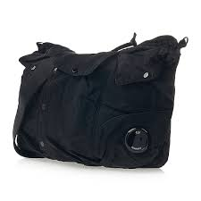 | 15CMAC086A | 888 | 5269A | ACCESSORIES | BORSA | CN | UNI |  |  |  |  |  |  |  |  |  |  |  |  | 10 | 125.00 | € 1,250.00 | 100 | 1000 | 83.33 | 833.33
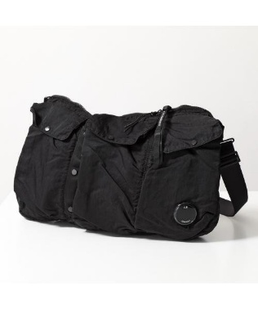 | 15CMAC086A | 999 | 5269A | ACCESSORIES | BORSA | CN | UNI |  |  |  |  |  |  |  |  |  |  |  |  | 5 | 125.00 | € 625.00 | 100 | 500 | 83.33 | 416.67
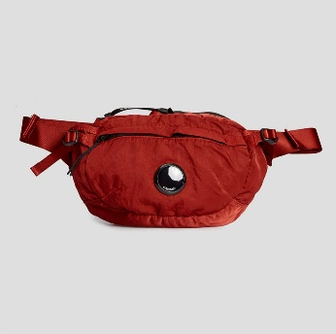 | 15CMAC112A | 560 | 5269G | BAGS | BORSA | CN | UNI |  |  |  |  |  |  |  |  |  |  |  |  | 60 | 86.00 | € 5,160.00 | 68.8 | 4128 | 57.33 | 3440.00
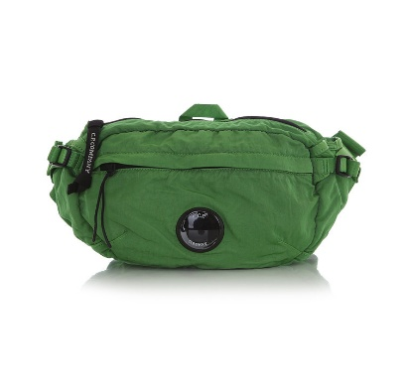 | 15CMAC112A | 617 | 5269G | BAGS | BORSA | CN | UNI |  |  |  |  |  |  |  |  |  |  |  |  | 33 | 86.00 | € 2,838.00 | 68.8 | 2270.4 | 57.33 | 1892.00
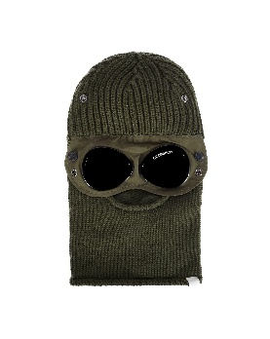 | 15CMAC301A | 683 | 5509A | ACCESSORIES | CAPPELLO | IT | UNI |  |  |  |  |  |  |  |  |  |  |  |  | 29 | 95.00 | € 2,755.00 | 76 | 2204 | 63.33 | 1836.67
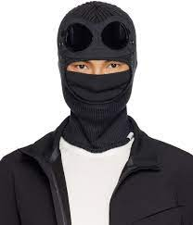 | 15CMAC301A | 888 | 5509A | ACCESSORIES | CAPPELLO | IT | UNI |  |  |  |  |  |  |  |  |  |  |  |  | 8 | 95.00 | € 760.00 | 76 | 608 | 63.33 | 506.67
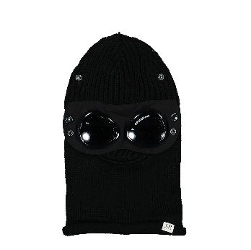 | 15CMAC301A | 999 | 5509A | ACCESSORIES | CAPPELLO | IT | UNI |  |  |  |  |  |  |  |  |  |  |  |  | 2 | 95.00 | € 190.00 | 76 | 152 | 63.33 | 126.67
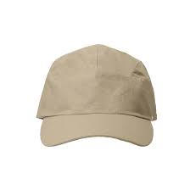 | 17CMAC082A | 327 | 110188A | ACCESSORIES | CAPPELLO | CN | UNI |  |  |  |  |  |  |  |  |  |  |  |  | 2 | 70.00 | € 140.00 | 56 | 112 | 46.67 | 93.33
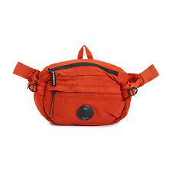 | 17CMAC112A | 438 | 5269G | ACCESSORIES | BORSA | CN | UNI |  |  |  |  |  |  |  |  |  |  |  |  | 32 | 100.00 | € 3,200.00 | 80 | 2560 | 66.67 | 2133.33
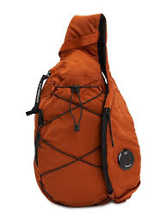 | 17CMAC114A | 438 | 5269G | ACCESSORIES | BORSA | CN | UNI |  |  |  |  |  |  |  |  |  |  |  |  | 10 | 105.00 | € 1,050.00 | 84 | 840 | 70.00 | 700.00
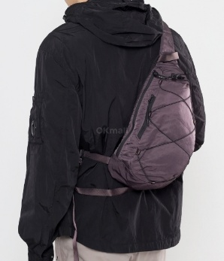 | 17CMAC114A | 771 | 5269G | ACCESSORIES | BORSA | CN | UNI |  |  |  |  |  |  |  |  |  |  |  |  | 10 | 105.00 | € 1,050.00 | 84 | 840 | 70.00 | 700.00
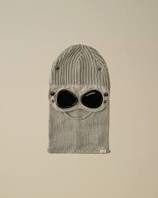 | 17CMAC301A | 359 | 5509A | ACCESSORIES | CAPPELLO | IT | UNI |  |  |  |  |  |  |  |  |  |  |  |  | 20 | 105.00 | € 2,100.00 | 84 | 1680 | 70.00 | 1400.00
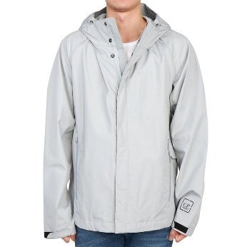 | 14CMOW018A | 805 | 6450A | COATS & JACKETS | GIUBBOTTO | CN | TG2 |  |  |  |  | 2 | 7 | 10 | 16 | 8 | 6 | 1 |  | 50 | 285.00 | € 14,250.00 | 228 | 11400 | 190.00 | 9500.00
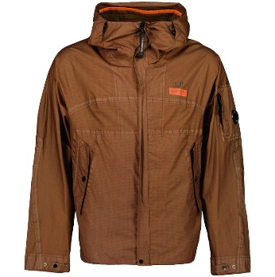 | 14CMOW105A | 439 | 6366G | COATS & JACKETS | GIUBBOTTO | CN | TG2 |  |  |  |  | 1 | 1 | 1 | 2 |  | 1 |  |  | 6 | 450.00 | € 2,700.00 | 360 | 2160 | 300.00 | 1800.00
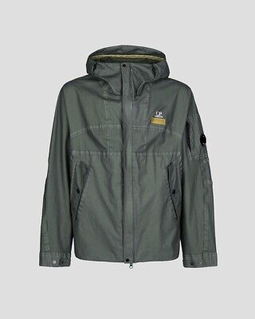 | 14CMOW105A | 648 | 6366G | COATS & JACKETS | GIUBBOTTO | CN | TG2 |  |  |  |  | 2 | 3 | 3 | 4 | 1 | 1 |  |  | 14 | 450.00 | € 6,300.00 | 360 | 5040 | 300.00 | 4200.00
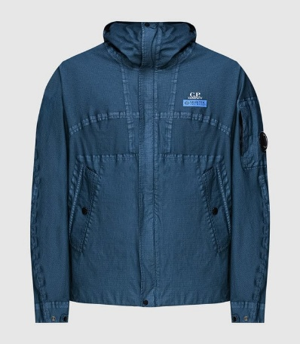 | 14CMOW105A | 825 | 6366G | COATS & JACKETS | GIUBBOTTO | CN | TG2 |  |  |  |  | 2 | 4 | 2 | 5 |  |  |  |  | 13 | 450.00 | € 5,850.00 | 360 | 4680 | 300.00 | 3900.00
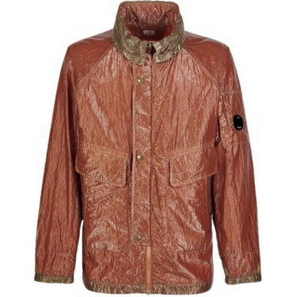 | 14CMOW177A | 330 | 6206G | COATS & JACKETS | GIUBBOTTO | AL | TG2 |  |  |  |  | 1 | 1 | 2 | 5 | 2 | 1 |  |  | 12 | 395.00 | € 4,740.00 | 316 | 3792 | 263.33 | 3160.00
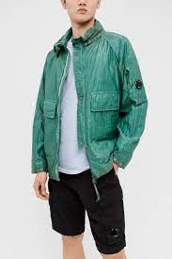 | 14CMOW177A | 648 | 6206G | COATS & JACKETS | GIUBBOTTO | AL | TG2 |  |  |  |  | 1 | 1 | 1 | 3 | 1 | 1 |  |  | 8 | 395.00 | € 3,160.00 | 316 | 2528 | 263.33 | 2106.67
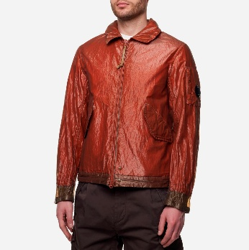 | 14CMOW178A | 330 | 6206G | COATS & JACKETS | GIUBBOTTO | AL | TG2 |  |  |  |  | 1 | 1 | 1 | 1 | 1 | 1 |  |  | 6 | 395.00 | € 2,370.00 | 316 | 1896 | 263.33 | 1580.00
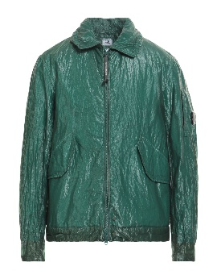 | 14CMOW178A | 648 | 6206G | COATS & JACKETS | GIUBBOTTO | AL | TG2 |  |  |  |  | 1 | 1 | 2 | 5 | 1 | 3 |  |  | 13 | 395.00 | € 5,135.00 | 316 | 4108 | 263.33 | 3423.33
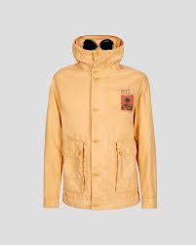 | 14CMOW334A | 425 | 6495N | COATS & JACKETS | GIUBBOTTO | IT | TG2 |  |  |  |  |  |  |  | 5 | 5 | 3 | 1 |  | 14 | 580.00 | € 8,120.00 | 464 | 6496 | 386.67 | 5413.33
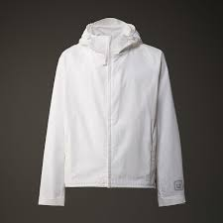 | 16CLOW009A | 101 | 6450A | COATS & JACKETS | GIUBBOTTO | CN | TG2 |  |  |  |  | 1 |  | 1 | 1 | 2 |  |  |  | 5 | 290.00 | € 1,450.00 | 232 | 1160 | 193.33 | 966.67
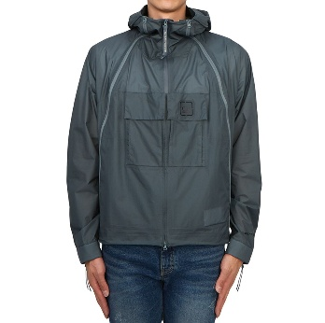 | 16CLOW037A | 975 | 0033A | COATS & JACKETS | GIUBBOTTO | CN | TG2 |  |  |  |  |  |  | 3 | 3 | 3 |  |  | 1 | 10 | 350.00 | € 3,500.00 | 280 | 2800 | 233.33 | 2333.33
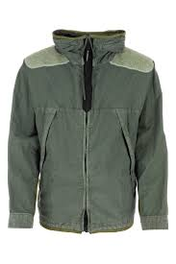 | 16CMOW220A | 627 | 6233M | COATS & JACKETS | GIUBBOTTO | RO | TG1 |  |  |  |  |  |  |  | 2 | 2 | 2 |  |  | 6 | 445.00 | € 2,670.00 | 356 | 2136 | 296.67 | 1780.00
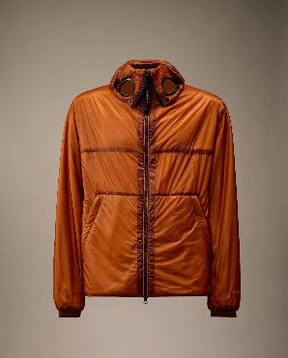 | 17CSOW022A | 438 | 6099U | COATS & JACKETS | GIUBBOTTO | CN | TG1 |  |  | 3 |  | 1 |  |  |  |  |  |  |  | 4 | 360.00 | € 1,440.00 | 288 | 1152 | 240.00 | 960.00
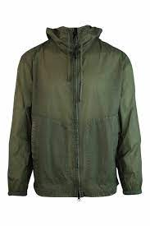 | 14CMOS285A | 648 | 6506G | COATS & JACKETS | OVERSHIRT | AL | TG1 | 1 | 1 | 1 |  |  |  |  |  |  |  |  |  | 3 | 215.00 | € 645.00 | 172 | 516 | 143.33 | 430.00
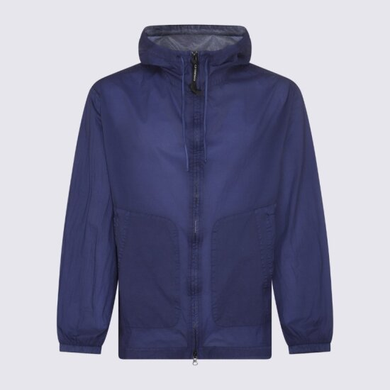 | 14CMOS285A | 750 | 6506G | COATS & JACKETS | OVERSHIRT | AL | TG1 | 6 | 6 |  | 1 |  |  |  |  |  |  |  |  | 13 | 215.00 | € 2,795.00 | 172 | 2236 | 143.33 | 1863.33
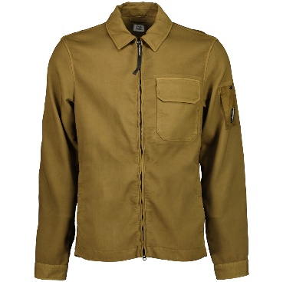 | 15CMOS256A | 653 | 6598G | COATS & JACKETS | OVERSHIRT | RO | TG1 |  | 2 | 5 | 20 | 20 | 16 | 2 |  |  |  |  |  | 65 | 290.00 | € 18,850.00 | 232 | 15080 | 193.33 | 12566.67
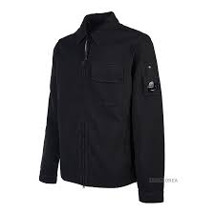 | 15CMOS256A | 999 | 6598G | COATS & JACKETS | OVERSHIRT | RO | TG1 |  |  | 8 | 23 | 26 | 22 |  |  |  |  |  |  | 79 | 290.00 | € 22,910.00 | 232 | 18328 | 193.33 | 15273.33
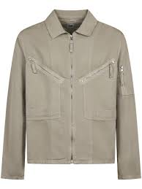 | 18CMOS103A | 327 | 6273G | COATS & JACKETS | OVERSHIRT | TN | TG1 |  |  | 1 | 2 |  |  |  |  |  |  |  |  | 3 | 230.00 | € 690.00 | 184 | 552 | 153.33 | 460.00
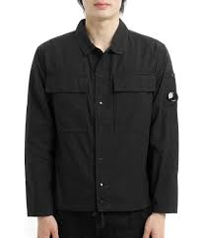 | 18CMOS237A | 999 | 5691G | COATS & JACKETS | OVERSHIRT | TN | TG1 |  | 1 | 1 | 2 | 1 |  |  |  |  |  |  |  | 5 | 150.00 | € 750.00 | 120 | 600 | 100.00 | 500.00
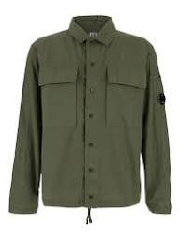 | 18CMOS251A | 674 | 110349G | COATS & JACKETS | OVERSHIRT | RO | TG1 |  | 8 | 8 | 18 | 8 | 8 |  |  |  |  |  |  | 50 | 130.00 | € 6,500.00 | 104 | 5200 | 86.67 | 4333.33
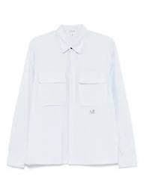 | 18CMOS251A | 814 | 110349G | COATS & JACKETS | OVERSHIRT | RO | TG1 |  | 10 | 10 | 20 | 10 | 10 |  |  |  |  |  |  | 60 | 130.00 | € 7,800.00 | 104 | 6240 | 86.67 | 5200.00
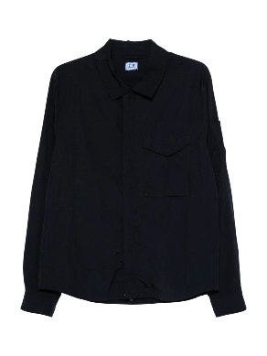 | 18CMOS251A | 888 | 110349G | COATS & JACKETS | OVERSHIRT | RO | TG1 |  |  | 1 | 2 | 3 |  |  |  |  |  |  |  | 6 | 130.00 | € 780.00 | 104 | 624 | 86.67 | 520.00
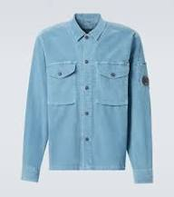 | 19CMOS072A | 815 | 6410O | COATS & JACKETS | OVERSHIRT | RO | TG1 |  | 7 | 16 | 16 | 16 | 7 | 10 |  |  |  |  |  | 72 | 175.00 | € 12,600.00 | 140 | 10080 | 116.67 | 8400.00
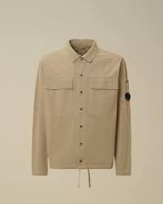 | 19CMOS283A | 331 | 110324G | COATS & JACKETS | OVERSHIRT | RO | TG1 |  | 6 | 14 | 14 | 14 | 6 | 10 |  |  |  |  |  | 64 | 195.00 | € 12,480.00 | 156 | 9984 | 130.00 | 8320.00
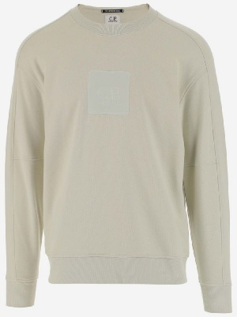 | 13CMSS043A | 118 | 5086W | TOPWEAR | FELPA | TR | TG1 | 2 | 1 |  |  |  | 3 | 2 |  |  |  |  |  | 8 | 90.00 | € 720.00 | 72 | 576 | 60.00 | 480.00
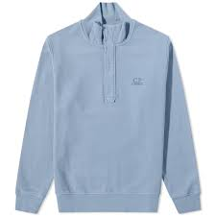 | 13CMSS311A | 843 | 6372G | TOPWEAR | FELPA | TR | TG1 | 1 | 1 |  |  |  | 2 | 1 |  |  |  |  |  | 5 | 110.00 | € 550.00 | 88 | 440 | 73.33 | 366.67
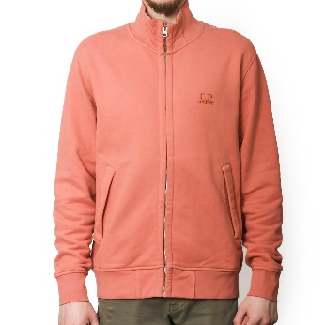 | 13CMSS312A | 476 | 6372G | TOPWEAR | FELPA | TR | TG1 | 1 |  |  | 1 |  |  |  |  |  |  |  |  | 2 | 125.00 | € 250.00 | 100 | 200 | 83.33 | 166.67
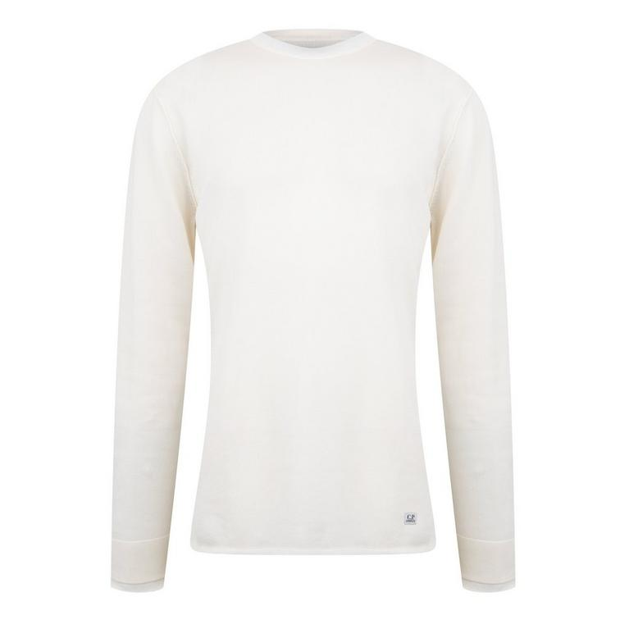 | 14CMSS085A | 103 | 5086W | TOPWEAR | FELPA | CN | TG1 | 3 |  |  |  | 2 | 2 |  |  |  |  |  |  | 7 | 100.00 | € 700.00 | 80 | 560 | 66.67 | 466.67
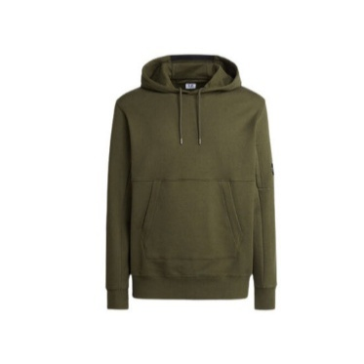 | 15CMSS023A | 683 | 5086W | TOPWEAR | FELPA | MM | TG1 | 3 | 5 | 30 | 13 |  |  |  |  |  |  |  |  | 51 | 125.00 | € 6,375.00 | 100 | 5100 | 83.33 | 4250.00
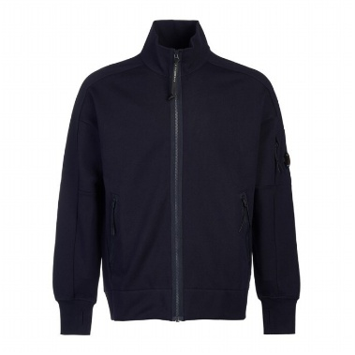 | 15CMSS061A | 888 | 5086W | TOPWEAR | FELPA | CN | TG1 | 2 | 4 | 5 |  |  |  |  |  |  |  |  |  | 11 | 135.00 | € 1,485.00 | 108 | 1188 | 90.00 | 990.00
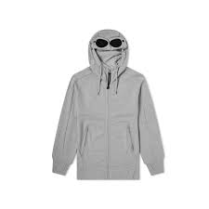 | 15CMSS082A | M93 | 5086W | TOPWEAR | FELPA | MM | TG1 |  | 3 | 26 | 17 | 8 | 5 | 9 |  |  |  |  |  | 68 | 145.00 | € 9,860.00 | 116 | 7888 | 96.67 | 6573.33
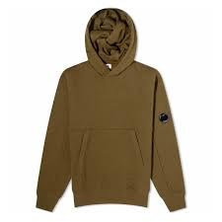 | 16CMSS023A | 683 | 5086W | TOPWEAR | FELPA | CN | TG1 |  | 2 | 2 | 5 | 1 |  | 1 |  |  |  |  |  | 11 | 130.00 | € 1,430.00 | 104 | 1144 | 86.67 | 953.33
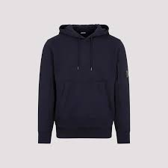 | 16CMSS023A | 888 | 5086W | TOPWEAR | FELPA | CN | TG1 | 5 | 16 | 29 | 27 | 9 | 1 | 2 |  |  |  |  |  | 89 | 130.00 | € 11,570.00 | 104 | 9256 | 86.67 | 7713.33
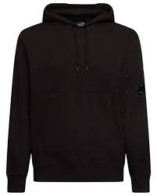 | 16CMSS023A | 999 | 5086W | TOPWEAR | FELPA | CN | TG1 | 7 | 22 | 55 | 29 | 12 | 5 | 7 |  |  |  |  |  | 137 | 130.00 | € 17,810.00 | 104 | 14248 | 86.67 | 11873.33
 | 16CMSS034A | 683 | 2246G | TOPWEAR | FELPA | IT | TG1 |  | 8 | 17 | 11 | 8 | 3 | 4 |  |  |  |  |  | 51 | 125.00 | € 6,375.00 | 100 | 5100 | 83.33 | 4250.00
 | 16CMSS034A | 999 | 2246G | TOPWEAR | FELPA | IT | TG1 | 2 | 16 | 38 | 18 | 4 |  |  |  |  |  |  |  | 78 | 125.00 | € 9,750.00 | 100 | 7800 | 83.33 | 6500.00
 | 16CMSS035A | 999 | 2246G | TOPWEAR | FELPA | IT | TG1 | 2 | 3 | 5 | 5 | 1 | 1 | 2 |  |  |  |  |  | 19 | 115.00 | € 2,185.00 | 92 | 1748 | 76.67 | 1456.67
 | 16CMSS081A | 683 | 5086W | TOPWEAR | FELPA | IT | TG1 | 1 | 3 | 6 | 6 | 6 | 8 | 3 |  |  |  |  |  | 33 | 130.00 | € 4,290.00 | 104 | 3432 | 86.67 | 2860.00
 | 16CMSS081A | 888 | 5086W | TOPWEAR | FELPA | IT | TG1 | 4 | 8 | 16 | 6 |  | 1 | 1 |  |  |  |  |  | 36 | 130.00 | € 4,680.00 | 104 | 3744 | 86.67 | 3120.00
 | 16CMSS081A | 999 | 5086W | TOPWEAR | FELPA | IT | TG1 | 2 | 2 | 9 | 4 |  | 2 | 2 |  |  |  |  |  | 21 | 130.00 | € 2,730.00 | 104 | 2184 | 86.67 | 1820.00
 | 16CMSS081A | M93 | 5086W | TOPWEAR | FELPA | IT | TG1 |  | 2 | 7 | 7 | 2 | 2 |  |  |  |  |  |  | 20 | 130.00 | € 2,600.00 | 104 | 2080 | 86.67 | 1733.33
 | 16CMSS082A | 103 | 5086W | TOPWEAR | FELPA | IT | TG1 | 1 | 5 | 12 | 13 | 13 | 14 | 8 |  |  |  |  |  | 66 | 145.00 | € 9,570.00 | 116 | 7656 | 96.67 | 6380.00
 | 16CMSS082A | 888 | 5086W | TOPWEAR | FELPA | IT | TG1 | 6 | 19 | 38 | 39 | 39 | 21 | 16 |  |  |  |  |  | 178 | 145.00 | € 25,810.00 | 116 | 20648 | 96.67 | 17206.67
 | 16CMSS082A | 999 | 5086W | TOPWEAR | FELPA | IT | TG1 | 2 | 29 | 62 | 63 | 40 | 37 | 25 |  |  |  |  |  | 258 | 145.00 | € 37,410.00 | 116 | 29928 | 96.67 | 24940.00
 | 16CMSS082A | M93 | 5086W | TOPWEAR | FELPA | IT | TG1 | 2 | 2 | 7 | 8 | 8 | 11 | 13 |  |  |  |  |  | 51 | 145.00 | € 7,395.00 | 116 | 5916 | 96.67 | 4930.00
 | 16CMSS400A | 683 | 5086W | TOPWEAR | FELPA | TR | TG1 | 3 | 3 | 6 | 5 | 2 | 1 | 1 |  |  |  |  |  | 21 | 140.00 | € 2,940.00 | 112 | 2352 | 93.33 | 1960.00
 | 14CMSH283A | 339 | 6532P | TOPWEAR | CAMICIA | TN | TG1 | 2 | 2 | 1 | 3 | 1 | 1 |  |  |  |  |  |  | 10 | 120.00 | € 1,200.00 | 96 | 960 | 80.00 | 800.00
 | 15CMSH299A | 999 | 6639W | TOPWEAR | CAMICIA | TN | TG1 | 1 | 1 |  | 1 |  | 1 |  |  |  |  |  |  | 4 | 160.00 | € 640.00 | 128 | 512 | 106.67 | 426.67
 | 16CMKN166A | 870 | 4037A | TOPWEAR | MAGLIA | MD | TG2 |  |  |  |  |  |  | 3 | 4 | 7 | 1 |  |  | 15 | 160.00 | € 2,400.00 | 128 | 1920 | 106.67 | 1600.00
 | 16CMKN205A | 577 | 6234A | TOPWEAR | MAGLIA | TN | TG2 |  |  |  |  |  |  |  | 3 |  |  |  |  | 3 | 135.00 | € 405.00 | 108 | 324 | 90.00 | 270.00
 | 16CMKN205A | 848 | 6234A | TOPWEAR | MAGLIA | TN | TG2 |  |  |  |  |  |  | 4 | 2 | 2 | 2 | 2 |  | 12 | 135.00 | € 1,620.00 | 108 | 1296 | 90.00 | 1080.00
 | 16CMKN256A | 577 | 110081G | TOPWEAR | MAGLIA | MD | TG2 |  |  |  |  |  | 2 |  | 3 |  | 3 |  |  | 8 | 130.00 | € 1,040.00 | 104 | 832 | 86.67 | 693.33
 | 16CMTS085A | 501 | 5431R | TOPWEAR | T-SHIRT | IT | TG1 |  |  |  |  | 3 | 3 |  |  |  |  |  |  | 6 | 60.00 | € 360.00 | 48 | 288 | 40.00 | 240.00
 | 16CMTS085A | 577 | 5431R | TOPWEAR | T-SHIRT | IT | TG1 |  |  | 4 | 2 | 1 | 2 |  |  |  |  |  |  | 9 | 60.00 | € 540.00 | 48 | 432 | 40.00 | 360.00
 | 13CMSB065A | 683 | 5086W | BOTTOMWEAR | BERMUDA FELPA | CN | TG1 |  | 5 | 9 | 8 | 3 | 4 |  |  |  |  |  |  | 29 | 105.00 | € 3,045.00 | 84 | 2436 | 70.00 | 2030.00
 | 14CMSB021A | M93 | 2246G | BOTTOMWEAR | BERMUDA FELPA | IT | TG1 |  | 17 | 17 | 20 |  |  |  |  |  |  |  |  | 54 | 85.00 | € 4,590.00 | 68 | 3672 | 56.67 | 3060.00
 | 14CMSB083A | 103 | 5086W | BOTTOMWEAR | BERMUDA FELPA | CN | TG1 | 3 | 4 | 4 | 4 | 5 | 3 | 1 |  |  |  |  |  | 24 | 80.00 | € 1,920.00 | 64 | 1536 | 53.33 | 1280.00
 | 14CMSB083A | 349 | 5086W | BOTTOMWEAR | BERMUDA FELPA | CN | TG1 | 1 | 1 | 1 | 3 | 1 |  |  |  |  |  |  |  | 7 | 80.00 | € 560.00 | 64 | 448 | 53.33 | 373.33
 | 14CMSB083A | 439 | 5086W | BOTTOMWEAR | BERMUDA FELPA | CN | TG1 | 1 | 1 | 2 | 2 | 1 | 1 |  |  |  |  |  |  | 8 | 80.00 | € 640.00 | 64 | 512 | 53.33 | 426.67
 | 14CMSB083A | 648 | 5086W | BOTTOMWEAR | BERMUDA FELPA | CN | TG1 | 4 | 6 | 3 | 4 | 4 | 5 |  |  |  |  |  |  | 26 | 80.00 | € 2,080.00 | 64 | 1664 | 53.33 | 1386.67
 | 14CMSB083A | 673 | 5086W | BOTTOMWEAR | BERMUDA FELPA | CN | TG1 | 8 | 6 | 15 | 8 | 8 | 6 | 1 |  |  |  |  |  | 52 | 80.00 | € 4,160.00 | 64 | 3328 | 53.33 | 2773.33
 | 14CMSB139A | 509 | 5398R | BOTTOMWEAR | BERMUDA FELPA | TR | TG1 |  | 5 | 12 | 9 | 8 |  |  |  |  |  |  |  | 34 | 95.00 | € 3,230.00 | 76 | 2584 | 63.33 | 2153.33
 | 14CMSB139A | 750 | 5398R | BOTTOMWEAR | BERMUDA FELPA | TR | TG1 |  | 11 | 28 | 20 | 13 | 7 | 1 |  |  |  |  |  | 80 | 95.00 | € 7,600.00 | 76 | 6080 | 63.33 | 5066.67
 | 14CMSB139A | 825 | 5398R | BOTTOMWEAR | BERMUDA FELPA | TR | TG1 |  |  |  | 3 | 2 | 2 |  |  |  |  |  |  | 7 | 95.00 | € 665.00 | 76 | 532 | 63.33 | 443.33
 | 14CMSB154A | 103 | 5086W | BOTTOMWEAR | BERMUDA FELPA | CN | TG1 |  | 4 | 4 | 4 | 2 | 1 |  |  |  |  |  |  | 15 | 95.00 | € 1,425.00 | 76 | 1140 | 63.33 | 950.00
 | 14CMSB154A | M93 | 5086W | BOTTOMWEAR | BERMUDA FELPA | CN | TG1 | 5 | 17 | 18 | 12 | 6 | 4 | 2 |  |  |  |  |  | 64 | 95.00 | € 6,080.00 | 76 | 4864 | 63.33 | 4053.33
 | 13CMSP246A | 249 | 6372R | BOTTOMWEAR | PANTALONI FELPA | TR | TG1 | 1 | 3 | 5 | 6 | 5 | 3 |  |  |  |  |  |  | 23 | 110.00 | € 2,530.00 | 88 | 2024 | 73.33 | 1686.67
 | 13CMSP246A | 476 | 6372R | BOTTOMWEAR | PANTALONI FELPA | TR | TG1 | 3 | 3 | 4 | 3 | 3 | 2 | 1 |  |  |  |  |  | 19 | 110.00 | € 2,090.00 | 88 | 1672 | 73.33 | 1393.33
 | 14CMSP133A | 439 | 2246G | BOTTOMWEAR | PANTALONI FELPA | IT | TG1 | 4 | 6 | 8 | 8 | 5 | 5 | 2 |  |  |  |  |  | 38 | 100.00 | € 3,800.00 | 80 | 3040 | 66.67 | 2533.33
 | 14CMSP135A | 349 | 5086W | BOTTOMWEAR | PANTALONI FELPA | IT | TG1 | 3 | 3 | 5 | 2 | 1 | 1 | 1 |  |  |  |  |  | 16 | 105.00 | € 1,680.00 | 84 | 1344 | 70.00 | 1120.00
 | 14CMSP138B | 750 | 5398R | BOTTOMWEAR | PANTALONI FELPA | IT | TG1 | 4 | 4 | 6 | 2 | 4 | 2 |  |  |  |  |  |  | 22 | 105.00 | € 2,310.00 | 84 | 1848 | 70.00 | 1540.00
 | 15CMSP017A | 617 | 5086W | BOTTOMWEAR | PANTALONI FELPA | GR | TG1 | 2 | 3 | 5 | 1 | 1 | 1 | 1 |  |  |  |  |  | 14 | 105.00 | € 1,470.00 | 84 | 1176 | 70.00 | 980.00
 | 16CMSP017A | 806 | 5086W | BOTTOMWEAR | PANTALONI FELPA | CN | TG1 |  | 2 | 2 | 2 |  | 2 | 1 |  |  |  |  |  | 9 | 105.00 | € 945.00 | 84 | 756 | 70.00 | 630.00
 | 16CMSP017A | 848 | 5086W | BOTTOMWEAR | PANTALONI FELPA | CN | TG1 | 1 | 1 | 1 | 2 | 2 | 2 | 2 |  |  |  |  |  | 11 | 105.00 | € 1,155.00 | 84 | 924 | 70.00 | 770.00
 | 16CMSP017A | M93 | 5086W | BOTTOMWEAR | PANTALONI FELPA | CN | TG1 | 3 | 10 | 15 | 15 | 4 | 3 | 3 |  |  |  |  |  | 53 | 105.00 | € 5,565.00 | 84 | 4452 | 70.00 | 3710.00
 | 16CMSP100A | 806 | 0044R | BOTTOMWEAR | PANTALONI FELPA | CN | TG1 | 2 | 2 | 3 | 3 | 3 | 3 |  |  |  |  |  |  | 16 | 120.00 | € 1,920.00 | 96 | 1536 | 80.00 | 1280.00
 | 14CMBE025A | 101 | 6450A | BOTTOMWEAR | BERMUDA | CN | TG2 |  |  |  |  |  | 1 | 2 | 1 |  | 1 |  |  | 5 | 160.00 | € 800.00 | 128 | 640 | 106.67 | 533.33
 | 14CMBE025A | 884 | 6450A | BOTTOMWEAR | BERMUDA | CN | TG2 |  |  |  |  | 1 | 1 | 3 | 1 |  |  |  |  | 6 | 160.00 | € 960.00 | 128 | 768 | 106.67 | 640.00
 | 14CMBE268A | 330 | 6439G | BOTTOMWEAR | BERMUDA | RO | TG2 |  |  |  | 1 | 1 |  |  |  |  | 1 |  |  | 3 | 120.00 | € 360.00 | 96 | 288 | 80.00 | 240.00
 | 14CMBE268A | 673 | 6439G | BOTTOMWEAR | BERMUDA | RO | TG2 |  |  |  |  | 2 | 5 | 6 | 5 | 2 | 3 |  | 1 | 24 | 120.00 | € 2,880.00 | 96 | 2304 | 80.00 | 1920.00
 | 14CMBE268A | 868 | 6439G | BOTTOMWEAR | BERMUDA | RO | TG2 |  |  |  |  | 2 | 2 |  |  | 1 | 1 |  |  | 6 | 120.00 | € 720.00 | 96 | 576 | 80.00 | 480.00
 | 14CMBE287A | 439 | 6272G | BOTTOMWEAR | BERMUDA | TN | TG2 |  |  |  |  |  |  | 2 |  |  |  |  |  | 2 | 130.00 | € 260.00 | 104 | 208 | 86.67 | 173.33
 | 14CMBE359A | 673 | 6026O | BOTTOMWEAR | BERMUDA | TN | TG2 |  |  |  |  | 1 | 1 | 1 |  |  |  |  |  | 3 | 100.00 | € 300.00 | 80 | 240 | 66.67 | 200.00
 | 16CMBE116A | 103 | 5694G | BOTTOMWEAR | BERMUDA | TN | TG2 |  |  |  |  | 2 | 15 | 8 | 3 |  |  |  |  | 28 | 120.00 | € 3,360.00 | 96 | 2688 | 80.00 | 2240.00
 | 16CMBE116A | 848 | 5694G | BOTTOMWEAR | BERMUDA | TN | TG2 |  |  |  |  |  | 1 | 9 | 1 |  |  |  |  | 11 | 120.00 | € 1,320.00 | 96 | 1056 | 80.00 | 880.00
 | 16CMBE116A | 888 | 5694G | BOTTOMWEAR | BERMUDA | TN | TG2 |  |  |  | 6 | 10 | 25 | 12 |  |  |  |  |  | 53 | 120.00 | € 6,360.00 | 96 | 5088 | 80.00 | 4240.00
 | 16CMBE116A | 999 | 5694G | BOTTOMWEAR | BERMUDA | TN | TG2 |  |  |  | 9 | 7 | 30 | 23 |  |  |  |  |  | 69 | 120.00 | € 8,280.00 | 96 | 6624 | 80.00 | 5520.00
 | 14CMPA059A | 888 | 5694G | BOTTOMWEAR | PANTALONI | TN | TG2 |  |  |  |  |  |  | 3 | 3 | 3 |  | 3 |  | 12 | 125.00 | € 1,500.00 | 100 | 1200 | 83.33 | 1000.00
...

