OFFER
COMPANY NAME
NAME*
COMPANY NAME
DATE*
SALES REP*
EMAIL*
PHONE #*
PAYMENT CURRENCY (€/£)*
BILLING ADDRESS*
ORDER NUMBER
PRE/IN HAND
DELIVERY TYPE

IMAGE | BRAND | MODEL | DESCRIPTION | COLOUR | GENDER | COMPOSITION | C.O.O | S | M | L | XL | QTY | RRP € | RRP TOT € | COST € | COST TOT € | COST £ | COST TOT £
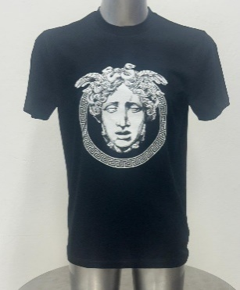 | TAILOR | Gre1B | T SHIRT | BLK WITH WHITE MEDUSA | MENS | 100% COTTON | ITALY | 15 | 30 | 45 | 15 | 105 | € 750.00 | € 78,750.00 | € 64.80 | € 6,804.00 | £57.35 | £6,021.24
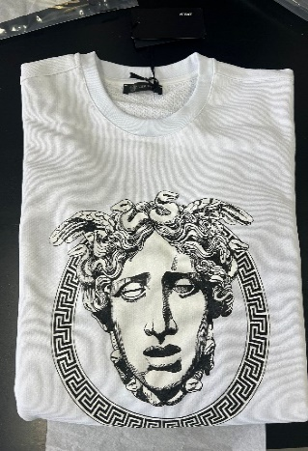 | TAILOR | Gre1W | T SHIRT | WHITE WITH BLK MEDUSA | MENS | 100% COTTON | ITALY | 15 | 30 | 45 | 15 | 105 | € 750.00 | € 78,750.00 | € 64.80 | € 6,804.00 | £57.35 | £6,021.24
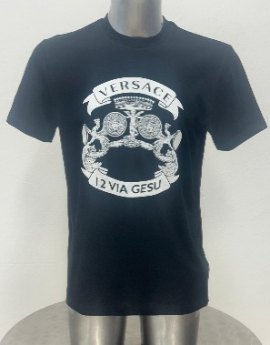 | TAILOR | VUG2 B | T SHIRT | BLK WITH WHITE MEDUSA | MENS | 100% COTTON | ITALY | 15 | 30 | 45 | 15 | 105 | € 750.00 | € 78,750.00 | € 64.80 | € 6,804.00 | £57.35 | £6,021.24
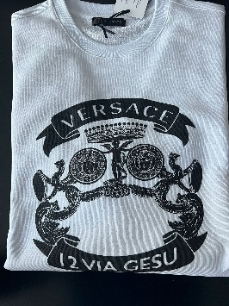 | TAILOR | VUG2 W | T SHIRT | WHITE WITH BLACK MEDUSA | MENS | 100% COTTON | ITALY | 15 | 30 | 45 | 15 | 105 | € 750.00 | € 78,750.00 | € 64.80 | € 6,804.00 | £57.35 | £6,021.24
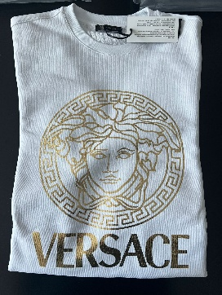 | TAILOR | LAM3 W | T SHIRT | WHITE WITH Gold MEDUSA | MENS | 100% COTTON | ITALY | 35 | 70 | 105 | 70 | 280 | € 750.00 | € 210,000.00 | € 64.80 | € 18,144.00 | £57.35 | £16,056.64
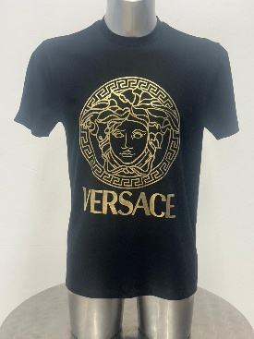 | TAILOR | LAM3 B | T SHIRT | Black WITH BLK MEDUSA | MENS | 100% COTTON | ITALY | 44 | 88 | 131 | 88 | 350 | € 750.00 | € 262,500.00 | € 64.80 | € 22,680.00 | £57.35 | £20,070.80
 |  |  |  |  |  |  |  |  |  |  |  | 1050 |  | € 787,500.00 |  | € 68,040.00 |  | £60,212.39

