CP COMPANY
REF
NAME*
COMPANY NAME
DATE*
SALES REP*
EMAIL*
PHONE #*
PAYMENT CURRENCY (€/£)*
BILLING ADDRESS*
ORDER NUMBER
PRE/IN HAND
DELIVERY TYPE

Pics 1 | Pics 2 | Style Num. | Colour Code | Color | Composition | Size | Item Description | QTY | WHS € | WHS TOT € | RRP € | RRP TOT € | COST € | COST TOT € | COST £ | COST TOT £
 |  | 15CLPA034A005991G | 888 | TOTAL ECLIPSE | 100% PA | 44 | PANTS - CARGO PANT | 1 | € 122.85 | € 122.85 | € 307.13 | € 307.13 | € 91.22 | € 91.22 | £81.45 | £81.45
 |  | 15CLPA053A005967A | 335 | SILVER SAGE | 100% PA | 48 | PANTS - CARGO PANT | 1 | € 193.05 | € 193.05 | € 482.62 | € 482.62 | € 143.35 | € 143.35 | £127.99 | £127.99
 |  | 15CLSH041A006472A | 888 | TOTAL ECLIPSE | 100% CO | S | SHIRTS - LONG SLEEVE | 1 | € 122.85 | € 122.85 | € 307.13 | € 307.13 | € 91.22 | € 91.22 | £81.45 | £81.45
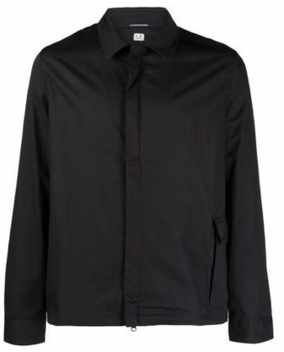 |  | 15CLSH041A006472A | 999 | BLACK | 100% CO | XS | SHIRTS - LONG SLEEVE | 1 | € 122.85 | € 122.85 | € 307.13 | € 307.13 | € 91.22 | € 91.22 | £81.45 | £81.45
 |  | 15CLSP003A006452M | 335 | SILVER SAGE | 95% CO 5% EA | XXL | SWEATPANTS - CARGO PANT | 2 | € 105.30 | € 210.60 | € 263.25 | € 526.50 | € 78.19 | € 156.38 | £69.81 | £139.62
 |  | 15CLSP003A006452M | 335 | SILVER SAGE | 95% CO 5% EA | XXXL | SWEATPANTS - CARGO PANT | 2 | € 105.30 | € 210.60 | € 263.25 | € 526.50 | € 78.19 | € 156.38 | £69.81 | £139.62
 |  | 15CLSP062A006452W | 888 | TOTAL ECLIPSE | 95% CO 5% EA | S | SWEATPANTS - JOGGING PANT | 1 | € 94.77 | € 94.77 | € 236.92 | € 236.92 | € 70.37 | € 70.37 | £62.83 | £62.83
 |  | 15CLSS366A006452W | 101 | WHITE | 95% CO 5% EA | XXL | SWEATSHIRTS - SWEAT HOODED | 1 | € 99.45 | € 99.45 | € 248.62 | € 248.62 | € 73.84 | € 73.84 | £65.93 | £65.93
 |  | 15CMAC195A006594A | 683 | IVY GREEN | 100% CO | UNI | ACCESSORIES - BAG | 1 | € 140.40 | € 140.40 | € 351.00 | € 351.00 | € 104.25 | € 104.25 | £93.08 | £93.08
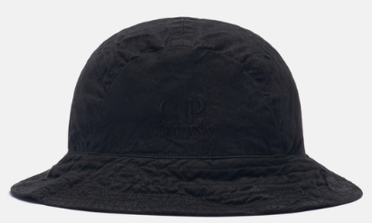 |  | 15CMAC259A006237G | 999 | BLACK | 100% CO | XL | ACCESSORIES - HAT | 2 | € 62.01 | € 124.02 | € 155.03 | € 310.05 | € 46.04 | € 92.09 | £41.11 | £82.22
 |  | 15CMAC269A005509A | 103 | GAUZE WHITE | 100% WO | UNI | ACCESSORIES - SKI MASK | 21 | € 58.50 | € 1,228.50 | € 146.25 | € 3,071.25 | € 43.44 | € 912.20 | £38.78 | £814.46
 |  | 15CMAC269A005509A | 103 | GAUZE WHITE | 100% WO | UNI | ACCESSORIES - SKI MASK | 7 | € 58.50 | € 409.50 | € 146.25 | € 1,023.75 | € 43.44 | € 304.07 | £38.78 | £271.49
 |  | 15CMAC269A005509A | 683 | IVY GREEN | 100% WO | UNI | ACCESSORIES - SKI MASK | 7 | € 58.50 | € 409.50 | € 146.25 | € 1,023.75 | € 43.44 | € 304.07 | £38.78 | £271.49
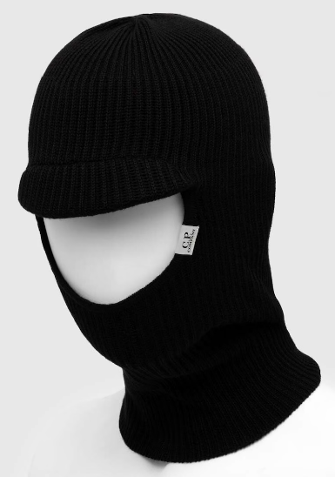 |  | 15CMAC269A005509A | 999 | BLACK | 100% WO | UNI | ACCESSORIES - SKI MASK | 17 | € 58.50 | € 994.50 | € 146.25 | € 2,486.25 | € 43.44 | € 738.45 | £38.78 | £659.33
 |  | 15CMAC279A006170A | 317 | MOJADE DESERT | 58%PL 34%WO 8%PA | UNI | ACCESSORIES - KNIT SCARF | 1 | € 59.67 | € 59.67 | € 149.17 | € 149.17 | € 44.31 | € 44.31 | £39.56 | £39.56
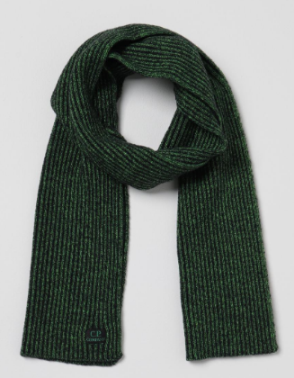 |  | 15CMAC279A006170A | 617 | CLASSIC GREEN | 58%PL 34%WO 8%PA | UNI | ACCESSORIES - KNIT SCARF | 4 | € 59.67 | € 238.68 | € 149.17 | € 596.70 | € 44.31 | € 177.23 | £39.56 | £158.24
 |  | 15CMAC284A006595A | 335 | SILVER SAGE | 55%WV 45%PL | UNI | ACCESSORIES - KNIT SCARF | 2 | € 59.67 | € 119.34 | € 149.17 | € 298.35 | € 44.31 | € 88.61 | £39.56 | £79.12
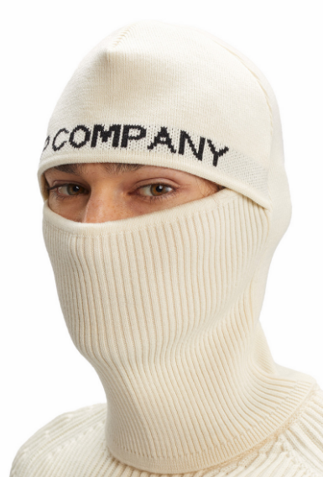 |  | 15CMAC285A006595A | 103 | GAUZE WHITE | 55%WV 45%PL | UNI | ACCESSORIES - SKI MASK | 9 | € 76.05 | € 684.45 | € 190.13 | € 1,711.13 | € 56.47 | € 508.23 | £50.42 | £453.77
 |  | 15CMAC285A006595A | 103 | GAUZE WHITE | 55%WV 45%PL | UNI | ACCESSORIES - SKI MASK | 7 | € 76.05 | € 532.35 | € 190.13 | € 1,330.88 | € 56.47 | € 395.29 | £50.42 | £352.93
 |  | 15CMAC285A006595A | 335 | SILVER SAGE | 55%WV 45%PL | UNI | ACCESSORIES - SKI MASK | 17 | € 76.05 | € 1,292.85 | € 190.13 | € 3,232.13 | € 56.47 | € 959.98 | £50.42 | £857.13
 |  | 15CMAC285A006595A | 335 | SILVER SAGE | 55%WV 45%PL | UNI | ACCESSORIES - SKI MASK | 6 | € 76.05 | € 456.30 | € 190.13 | € 1,140.75 | € 56.47 | € 338.82 | £50.42 | £302.52
 |  | 15CMAC304A005509A | 103 | GAUZE WHITE | 100% WO | UNI | ACCESSORIES - KNIT SCARF | 80 | € 42.12 | € 3,369.60 | € 105.30 | € 8,424.00 | € 31.28 | € 2,502.03 | £27.92 | £2,233.96
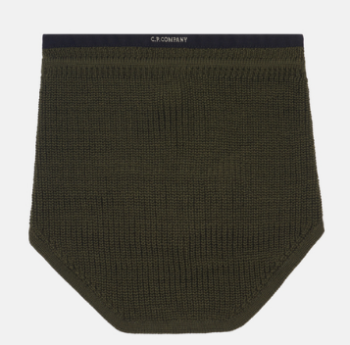 |  | 15CMAC304A005509A | 683 | IVY GREEN | 100% WO | UNI | ACCESSORIES - KNIT SCARF | 58 | € 42.12 | € 2,442.96 | € 105.30 | € 6,107.40 | € 31.28 | € 1,813.97 | £27.92 | £1,619.62
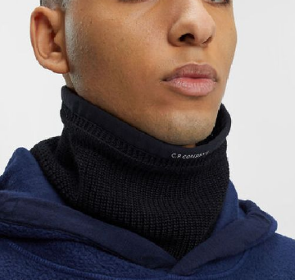 |  | 15CMAC304A005509A | 999 | BLACK | 100% WO | UNI | ACCESSORIES - KNIT SCARF | 130 | € 42.12 | € 5,475.60 | € 105.30 | € 13,689.00 | € 31.28 | € 4,065.81 | £27.92 | £3,630.18
 |  | 15CMBZ290A005991G | 968 | FORGED IRON | 100% PA | 50 | BLAZER - BLAZER | 1 | € 257.40 | € 257.40 | € 643.50 | € 643.50 | € 191.13 | € 191.13 | £170.65 | £170.65
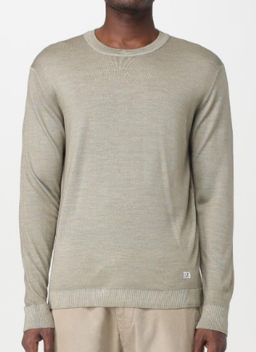 |  | 15CMKN102A003247F | 335 | SILVER SAGE | 100% WO | 44 | KNITWEAR - CREW NECK | 1 | € 105.30 | € 105.30 | € 263.25 | € 263.25 | € 78.19 | € 78.19 | £69.81 | £69.81
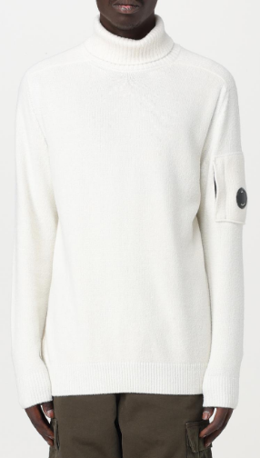 |  | 15CMKN224A006170A | 103 | GAUZE WHITE | 58%PL 34%WO 8%PA | 44 | KNITWEAR - TURTLE NECK | 1 | € 109.98 | € 109.98 | € 274.95 | € 274.95 | € 81.66 | € 81.66 | £72.91 | £72.91
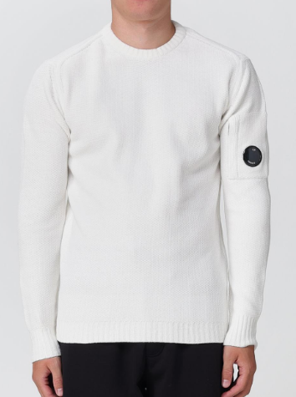 |  | 15CMKN232A005558G | 103 | GAUZE WHITE | 100% CO | 44 | KNITWEAR - CREW NECK | 1 | € 97.11 | € 97.11 | € 242.78 | € 242.78 | € 72.11 | € 72.11 | £64.38 | £64.38
 |  | 15CMKN232A005558G | 103 | GAUZE WHITE | 100% CO | 46 | KNITWEAR - CREW NECK | 1 | € 97.11 | € 97.11 | € 242.78 | € 242.78 | € 72.11 | € 72.11 | £64.38 | £64.38
 |  | 15CMKN328A006623A | 103 | GAUZE WHITE | 35%CO 21%WO 21%PA 13%PC | 50 | KNITWEAR - CARDIGAN | 1 | € 171.99 | € 171.99 | € 429.97 | € 429.97 | € 127.71 | € 127.71 | £114.02 | £114.02
 |  | 15CMKN329A006623A | 999 | BLACK | 35%CO 21%WO 21%PA 13%PC | 50 | KNITWEAR - HOODED | 1 | € 171.99 | € 171.99 | € 429.97 | € 429.97 | € 127.71 | € 127.71 | £114.02 | £114.02
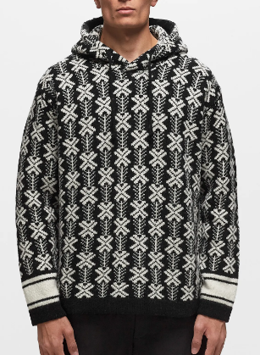 | 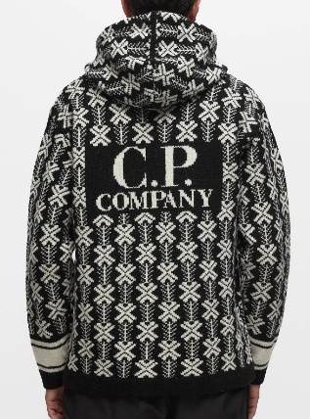 | 15CMKN345A006633J | V02 | VAR.02 | 100% WV | 56 | KNITWEAR - HOODED | 1 | € 135.72 | € 135.72 | € 339.30 | € 339.30 | € 100.78 | € 100.78 | £89.98 | £89.98
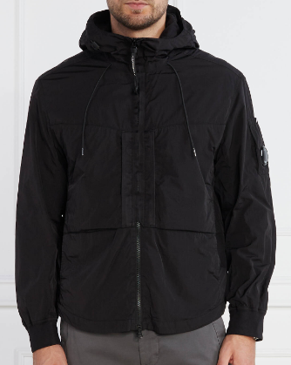 |  | 15CMOS024A005904G | 999 | BLACK | 100% PA | XS | OVERSHIRT - OVERSHIRT | 1 | € 204.75 | € 204.75 | € 511.88 | € 511.88 | € 152.03 | € 152.03 | £135.74 | £135.74
 |  | 15CMOS029A005904G | 335 | SILVER SAGE | 100% PA | L | OVERSHIRT - OVERSHIRT | 1 | € 204.75 | € 204.75 | € 511.88 | € 511.88 | € 152.03 | € 152.03 | £135.74 | £135.74
 |  | 15CMOS370A110018A | 360 | IRON | 77%WO 23%CO | XS | OVERSHIRT - OVERSHIRT | 1 | € 257.40 | € 257.40 | € 643.50 | € 643.50 | € 191.13 | € 191.13 | £170.65 | £170.65
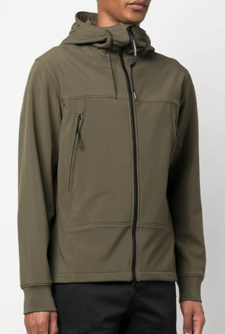 |  | 15CMOW002A006097A | 617 | CLASSIC GREEN | 94% PL 6% EA | 44 | OUTERWEAR - SHORT JACKET | 1 | € 186.03 | € 186.03 | € 465.08 | € 465.08 | € 138.13 | € 138.13 | £123.33 | £123.33
 |  | 15CMOW007A006097A | 683 | IVY GREEN | 94% PL 6% EA | 44 | OUTERWEAR - MEDIUM JACKET | 1 | € 207.09 | € 207.09 | € 517.72 | € 517.72 | € 153.77 | € 153.77 | £137.30 | £137.30
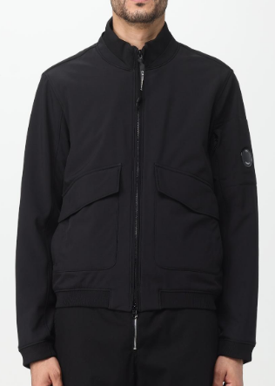 |  | 15CMOW011A006097A | 999 | BLACK | 94% PL 6% EA | 44 | OUTERWEAR - SHORT JACKET | 1 | € 197.73 | € 197.73 | € 494.33 | € 494.33 | € 146.82 | € 146.82 | £131.09 | £131.09
 |  | 15CMOW018A006097M | 683 | IVY GREEN | 94% PL 6% EA | 44 | OUTERWEAR - VEST | 1 | € 169.65 | € 169.65 | € 424.12 | € 424.12 | € 125.97 | € 125.97 | £112.47 | £112.47
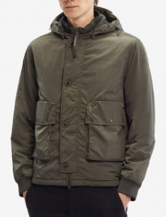 | 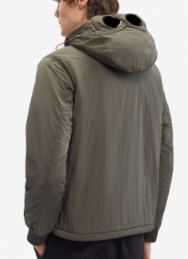 | 15CMOW020A005904G | 670 | OLIVE NIGHT | 100% PA | 44 | OUTERWEAR - MEDIUM JACKET | 1 | € 251.55 | € 251.55 | € 628.88 | € 628.88 | € 186.78 | € 186.78 | £166.77 | £166.77
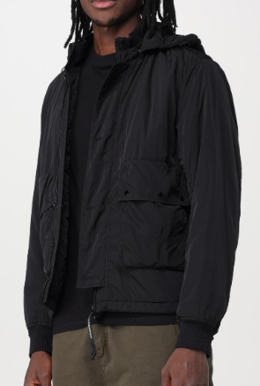 |  | 15CMOW020A005904G | 999 | BLACK | 100% PA | 44 | OUTERWEAR - MEDIUM JACKET | 1 | € 251.55 | € 251.55 | € 628.88 | € 628.88 | € 186.78 | € 186.78 | £166.77 | £166.77
 |  | 15CMOW025A004117A | 560 | KETCHUP | 100% PL | 44 | OUTERWEAR - MEDIUM JACKET | 1 | € 201.24 | € 201.24 | € 503.10 | € 503.10 | € 149.43 | € 149.43 | £133.42 | £133.42
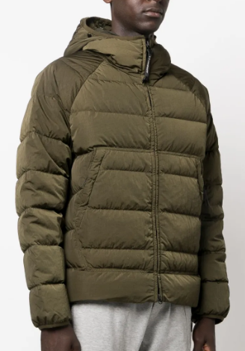 |  | 15CMOW027A006369G | 317 | MOJADE DESERT | 100% PA | 44 | OUTERWEAR - MEDIUM JACKET | 1 | € 300.69 | € 300.69 | € 751.73 | € 751.73 | € 223.27 | € 223.27 | £199.35 | £199.35
 |  | 15CMOW030A006369G | 560 | KETCHUP | 100% PA | 44 | OUTERWEAR - VEST | 1 | € 215.28 | € 215.28 | € 538.20 | € 538.20 | € 159.85 | € 159.85 | £142.73 | £142.73
 |  | 15CMOW030A006369G | 818 | RIVIERA | 100% PA | 44 | OUTERWEAR - VEST | 1 | € 215.28 | € 215.28 | € 538.20 | € 538.20 | € 159.85 | € 159.85 | £142.73 | £142.73
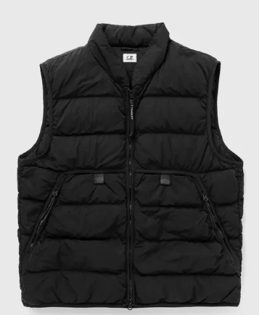 |  | 15CMOW030A006369G | 999 | BLACK | 100% PA | 44 | OUTERWEAR - VEST | 1 | € 215.28 | € 215.28 | € 538.20 | € 538.20 | € 159.85 | € 159.85 | £142.73 | £142.73
 |  | 15CMOW104A006366G | 420 | RADIANT YELLOW | 100% PA | 44 | OUTERWEAR - MEDIUM JACKET | 1 | € 468.00 | € 468.00 | € 1,170.00 | € 1,170.00 | € 347.50 | € 347.50 | £310.27 | £310.27
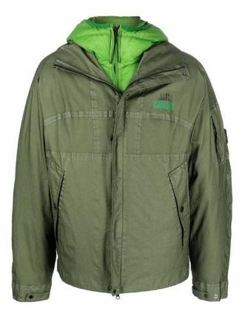 | 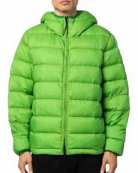 | 15CMOW104A006366G | 683 | IVY GREEN | 100% PA | 44 | OUTERWEAR - MEDIUM JACKET | 1 | € 468.00 | € 468.00 | € 1,170.00 | € 1,170.00 | € 347.50 | € 347.50 | £310.27 | £310.27
 |  | 15CMOW104A006366G | 880 | PEACOAT | 100% PA | 44 | OUTERWEAR - MEDIUM JACKET | 1 | € 468.00 | € 468.00 | € 1,170.00 | € 1,170.00 | € 347.50 | € 347.50 | £310.27 | £310.27
 |  | 15CMOW109A006124G | 888 | TOTAL ECLIPSE | 100% PA | 44 | OUTERWEAR - MEDIUM JACKET | 1 | € 228.15 | € 228.15 | € 570.38 | € 570.38 | € 169.41 | € 169.41 | £151.26 | £151.26
 |  | 15CMOW151A006237M | 653 | BUTTERNUT | 100% CO | 44 | OUTERWEAR - MEDIUM JACKET | 1 | € 374.40 | € 374.40 | € 936.00 | € 936.00 | € 278.00 | € 278.00 | £248.22 | £248.22
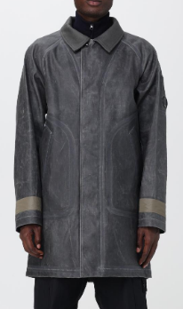 |  | 15CMOW168A006594A | 999 | BLACK | 100% CO | 44 | OUTERWEAR - LONG JACKET | 1 | € 409.50 | € 409.50 | € 1,023.75 | € 1,023.75 | € 304.07 | € 304.07 | £271.49 | £271.49
 |  | 15CMOW170A006099A | 317 | MOJADE DESERT | 100% PA | 44 | OUTERWEAR - VEST | 1 | € 196.56 | € 196.56 | € 491.40 | € 491.40 | € 145.95 | € 145.95 | £130.31 | £130.31
 |  | 15CMOW170A006099A | 653 | BUTTERNUT | 100% PA | 44 | OUTERWEAR - VEST | 1 | € 196.56 | € 196.56 | € 491.40 | € 491.40 | € 145.95 | € 145.95 | £130.31 | £130.31
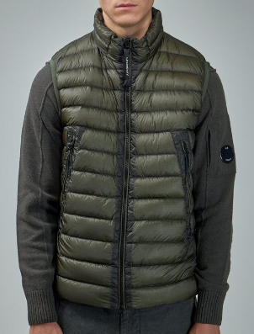 |  | 15CMOW170A006099A | 670 | OLIVE NIGHT | 100% PA | 44 | OUTERWEAR - VEST | 1 | € 196.56 | € 196.56 | € 491.40 | € 491.40 | € 145.95 | € 145.95 | £130.31 | £130.31
 |  | 15CMOW170A006099A | 999 | BLACK | 100% PA | 44 | OUTERWEAR - VEST | 1 | € 196.56 | € 196.56 | € 491.40 | € 491.40 | € 145.95 | € 145.95 | £130.31 | £130.31
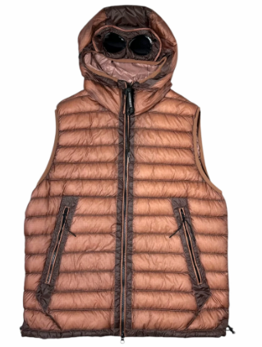 |  | 15CMOW171A006099A | 476 | CEDAR WOOD | 100% PA | 44 | OUTERWEAR - VEST | 1 | € 215.28 | € 215.28 | € 538.20 | € 538.20 | € 159.85 | € 159.85 | £142.73 | £142.73
 |  | 15CMOW171A006099A | 560 | KETCHUP | 100% PA | 44 | OUTERWEAR - VEST | 1 | € 215.28 | € 215.28 | € 538.20 | € 538.20 | € 159.85 | € 159.85 | £142.73 | £142.73
 |  | 15CMOW171A006099A | 653 | BUTTERNUT | 100% PA | 44 | OUTERWEAR - VEST | 1 | € 215.28 | € 215.28 | € 538.20 | € 538.20 | € 159.85 | € 159.85 | £142.73 | £142.73
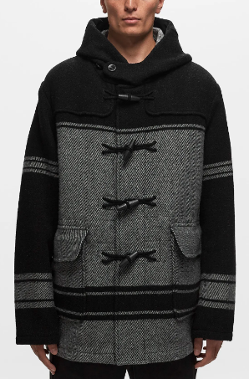 | 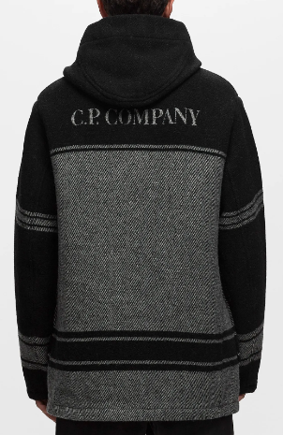 | 15CMOW189A006641W | V01 | VAR.01 | 100% WV | 44 | OUTERWEAR - LONG JACKET | 7 | € 545.22 | € 3,816.54 | € 1,363.05 | € 9,541.35 | € 404.84 | € 2,833.90 | £361.47 | £2,530.27
 |  | 15CMOW189A006641W | V01 | VAR.01 | 100% WV | 46 | OUTERWEAR - LONG JACKET | 11 | € 545.22 | € 5,997.42 | € 1,363.05 | € 14,993.55 | € 404.84 | € 4,453.27 | £361.47 | £3,976.14
 |  | 15CMOW189A006641W | V01 | VAR.01 | 100% WV | 48 | OUTERWEAR - LONG JACKET | 8 | € 545.22 | € 4,361.76 | € 1,363.05 | € 10,904.40 | € 404.84 | € 3,238.74 | £361.47 | £2,891.74
 |  | 15CMOW189A006641W | V01 | VAR.01 | 100% WV | 50 | OUTERWEAR - LONG JACKET | 13 | € 545.22 | € 7,087.86 | € 1,363.05 | € 17,719.65 | € 404.84 | € 5,262.96 | £361.47 | £4,699.07
 |  | 15CMOW189A006641W | V01 | VAR.01 | 100% WV | 52 | OUTERWEAR - LONG JACKET | 5 | € 545.22 | € 2,726.10 | € 1,363.05 | € 6,815.25 | € 404.84 | € 2,024.22 | £361.47 | £1,807.33
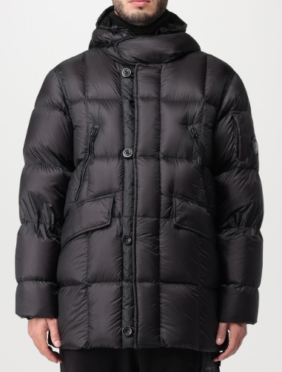 |  | 15CMOW193A006099A | 999 | BLACK | 100% PA | 44 | OUTERWEAR - LONG JACKET | 1 | € 327.60 | € 327.60 | € 819.00 | € 819.00 | € 243.25 | € 243.25 | £217.19 | £217.19
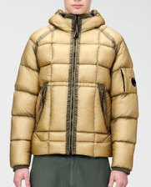 |  | 15CMOW202A006099A | 653 | BUTTERNUT | 100% PA | 44 | OUTERWEAR - SHORT JACKET | 1 | € 257.40 | € 257.40 | € 643.50 | € 643.50 | € 191.13 | € 191.13 | £170.65 | £170.65
 |  | 15CMOW203A006099A | 617 | CLASSIC GREEN | 100% PA | 44 | OUTERWEAR - VEST | 1 | € 204.75 | € 204.75 | € 511.88 | € 511.88 | € 152.03 | € 152.03 | £135.74 | £135.74
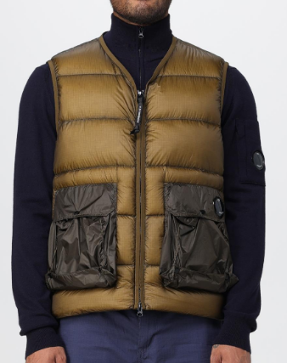 |  | 15CMOW203A006099A | 653 | BUTTERNUT | 100% PA | 44 | OUTERWEAR - VEST | 1 | € 204.75 | € 204.75 | € 511.88 | € 511.88 | € 152.03 | € 152.03 | £135.74 | £135.74
 |  | 15CMOW220A006355A | 670 | OLIVE NIGHT | 100% PL | 44 | OUTERWEAR - MEDIUM JACKET | 1 | € 320.58 | € 320.58 | € 801.45 | € 801.45 | € 238.04 | € 238.04 | £212.54 | £212.54
 |  | 15CMOW220A006355A | 880 | PEACOAT | 100% PL | 44 | OUTERWEAR - MEDIUM JACKET | 1 | € 320.58 | € 320.58 | € 801.45 | € 801.45 | € 238.04 | € 238.04 | £212.54 | £212.54
 |  | 15CMOW220A006355A | 999 | BLACK | 100% PL | 44 | OUTERWEAR - MEDIUM JACKET | 1 | € 320.58 | € 320.58 | € 801.45 | € 801.45 | € 238.04 | € 238.04 | £212.54 | £212.54
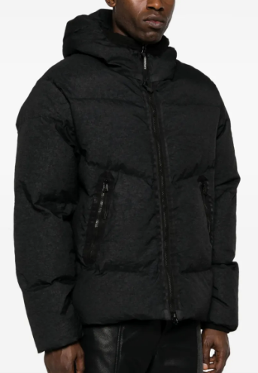 |  | 15CMOW221A006022G | 999 | BLACK | 100% PA | 44 | OUTERWEAR - SHORT JACKET | 1 | € 421.20 | € 421.20 | € 1,053.00 | € 1,053.00 | € 312.75 | € 312.75 | £279.24 | £279.24
 |  | 15CMOW251A005991G | 871 | ORION BLUE | 100% PA | 44 | OUTERWEAR - MEDIUM JACKET | 1 | € 514.80 | € 514.80 | € 1,287.00 | € 1,287.00 | € 382.26 | € 382.26 | £341.30 | £341.30
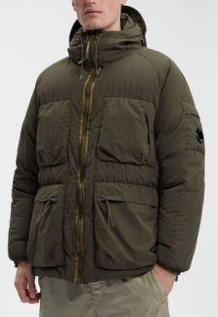 |  | 15CMOW252A005991G | 683 | IVY GREEN | 100% PA | 44 | OUTERWEAR - LONG JACKET | 1 | € 579.15 | € 579.15 | € 1,447.88 | € 1,447.88 | € 430.04 | € 430.04 | £383.96 | £383.96
 |  | 15CMOW252A005991G | 880 | PEACOAT | 100% PA | 44 | OUTERWEAR - LONG JACKET | 1 | € 579.15 | € 579.15 | € 1,447.88 | € 1,447.88 | € 430.04 | € 430.04 | £383.96 | £383.96
 |  | 15CMOW252A005991G | 999 | BLACK | 100% PA | 44 | OUTERWEAR - LONG JACKET | 1 | € 579.15 | € 579.15 | € 1,447.88 | € 1,447.88 | € 430.04 | € 430.04 | £383.96 | £383.96
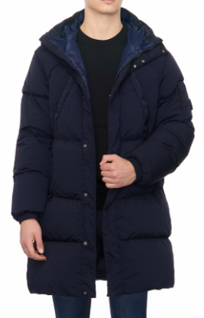 |  | 15CMOW253A005864G | 888 | TOTAL ECLIPSE | 92% PA 8% EA | 44 | OUTERWEAR - LONG JACKET | 1 | € 430.56 | € 430.56 | € 1,076.40 | € 1,076.40 | € 319.70 | € 319.70 | £285.45 | £285.45
 |  | 15CMOW254A005864G | 653 | BUTTERNUT | 92% PA 8% EA | 44 | OUTERWEAR - SHORT JACKET | 1 | € 388.44 | € 388.44 | € 971.10 | € 971.10 | € 288.43 | € 288.43 | £257.53 | £257.53
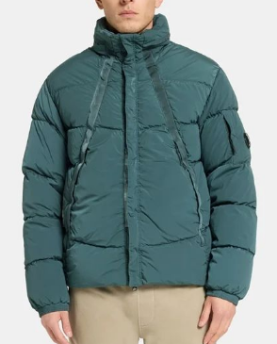 |  | 15CMOW254A005864G | 871 | ORION BLUE | 92% PA 8% EA | 44 | OUTERWEAR - SHORT JACKET | 1 | € 388.44 | € 388.44 | € 971.10 | € 971.10 | € 288.43 | € 288.43 | £257.53 | £257.53
 |  | 15CMOW258A006594A | 683 | IVY GREEN | 100% CO | 44 | OUTERWEAR - MEDIUM JACKET | 1 | € 298.35 | € 298.35 | € 745.87 | € 745.87 | € 221.53 | € 221.53 | £197.80 | £197.80
 |  | 15CMOW258A006594A | 683 | IVY GREEN | 100% CO | 46 | OUTERWEAR - MEDIUM JACKET | 1 | € 298.35 | € 298.35 | € 745.87 | € 745.87 | € 221.53 | € 221.53 | £197.80 | £197.80
 |  | 15CMOW258A006594A | 683 | IVY GREEN | 100% CO | 48 | OUTERWEAR - MEDIUM JACKET | 1 | € 298.35 | € 298.35 | € 745.87 | € 745.87 | € 221.53 | € 221.53 | £197.80 | £197.80
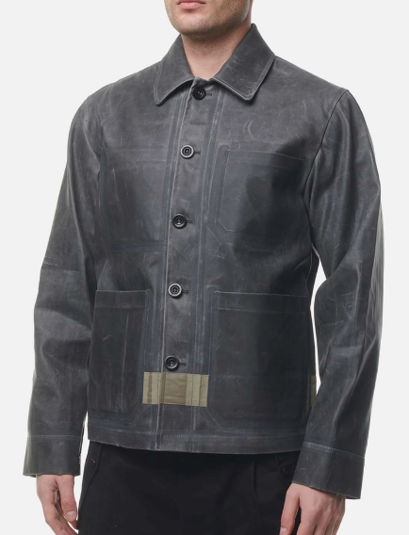 | 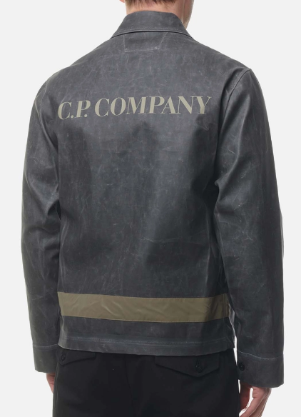 | 15CMOW258A006594A | 999 | BLACK | 100% CO | 50 | OUTERWEAR - MEDIUM JACKET | 1 | € 298.35 | € 298.35 | € 745.87 | € 745.87 | € 221.53 | € 221.53 | £197.80 | £197.80
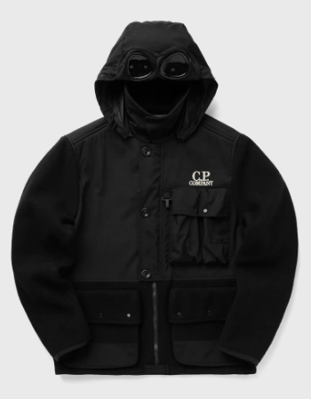 |  | 15CMOW274A006168M | 999 | BLACK | 100% WV | 44 | OUTERWEAR - MEDIUM JACKET | 1 | € 462.15 | € 462.15 | € 1,155.38 | € 1,155.38 | € 343.16 | € 343.16 | £306.39 | £306.39
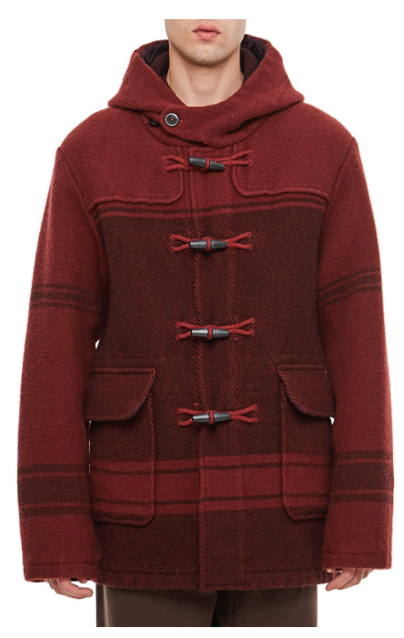 | 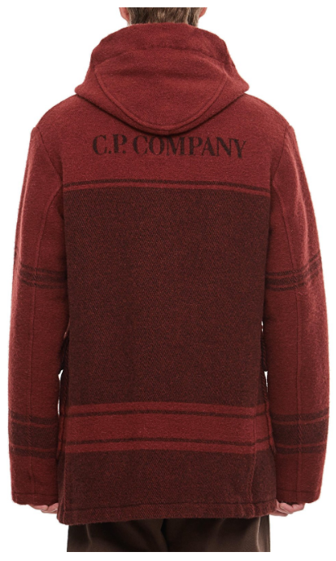 | 15CMOW349A006645G | 560 | KETCHUP | 100% WV | 44 | OUTERWEAR - LONG JACKET | 3 | € 545.22 | € 1,635.66 | € 1,363.05 | € 4,089.15 | € 404.84 | € 1,214.53 | £361.47 | £1,084.40
 |  | 15CMOW349A006645G | 560 | KETCHUP | 100% WV | 44 | OUTERWEAR - LONG JACKET | 1 | € 545.22 | € 545.22 | € 1,363.05 | € 1,363.05 | € 404.84 | € 404.84 | £361.47 | £361.47
 |  | 15CMOW349A006645G | 560 | KETCHUP | 100% WV | 46 | OUTERWEAR - LONG JACKET | 4 | € 545.22 | € 2,180.88 | € 1,363.05 | € 5,452.20 | € 404.84 | € 1,619.37 | £361.47 | £1,445.87
 |  | 15CMOW349A006645G | 560 | KETCHUP | 100% WV | 46 | OUTERWEAR - LONG JACKET | 1 | € 545.22 | € 545.22 | € 1,363.05 | € 1,363.05 | € 404.84 | € 404.84 | £361.47 | £361.47
 |  | 15CMOW349A006645G | 560 | KETCHUP | 100% WV | 48 | OUTERWEAR - LONG JACKET | 3 | € 545.22 | € 1,635.66 | € 1,363.05 | € 4,089.15 | € 404.84 | € 1,214.53 | £361.47 | £1,084.40
 |  | 15CMOW349A006645G | 560 | KETCHUP | 100% WV | 48 | OUTERWEAR - LONG JACKET | 2 | € 545.22 | € 1,090.44 | € 1,363.05 | € 2,726.10 | € 404.84 | € 809.69 | £361.47 | £722.93
 |  | 15CMOW349A006645G | 560 | KETCHUP | 100% WV | 50 | OUTERWEAR - LONG JACKET | 4 | € 545.22 | € 2,180.88 | € 1,363.05 | € 5,452.20 | € 404.84 | € 1,619.37 | £361.47 | £1,445.87
 |  | 15CMOW349A006645G | 560 | KETCHUP | 100% WV | 50 | OUTERWEAR - LONG JACKET | 2 | € 545.22 | € 1,090.44 | € 1,363.05 | € 2,726.10 | € 404.84 | € 809.69 | £361.47 | £722.93
 |  | 15CMOW349A006645G | 560 | KETCHUP | 100% WV | 52 | OUTERWEAR - LONG JACKET | 1 | € 545.22 | € 545.22 | € 1,363.05 | € 1,363.05 | € 404.84 | € 404.84 | £361.47 | £361.47
 |  | 15CMOW349A006645G | 560 | KETCHUP | 100% WV | 52 | OUTERWEAR - LONG JACKET | 1 | € 545.22 | € 545.22 | € 1,363.05 | € 1,363.05 | € 404.84 | € 404.84 | £361.47 | £361.47
 |  | 15CMOW349A006645G | 560 | KETCHUP | 100% WV | 54 | OUTERWEAR - LONG JACKET | 1 | € 545.22 | € 545.22 | € 1,363.05 | € 1,363.05 | € 404.84 | € 404.84 | £361.47 | £361.47
 |  | 15CMOW349A006645G | 560 | KETCHUP | 100% WV | 54 | OUTERWEAR - LONG JACKET | 1 | € 545.22 | € 545.22 | € 1,363.05 | € 1,363.05 | € 404.84 | € 404.84 | £361.47 | £361.47
 |  | 15CMPA058A005529G | 103 | GAUZE WHITE | 98% CO 2% EA | 42 | PANTS - CARGO PANT | 2 | € 112.32 | € 224.64 | € 280.80 | € 561.60 | € 83.40 | € 166.80 | £74.47 | £148.93
 |  | 15CMPA058A005529G | 103 | GAUZE WHITE | 98% CO 2% EA | 44 | PANTS - CARGO PANT | 1 | € 112.32 | € 112.32 | € 280.80 | € 280.80 | € 83.40 | € 83.40 | £74.47 | £74.47
 |  | 15CMPA058A005529G | 103 | GAUZE WHITE | 98% CO 2% EA | 56 | PANTS - CARGO PANT | 1 | € 112.32 | € 112.32 | € 280.80 | € 280.80 | € 83.40 | € 83.40 | £74.47 | £74.47
 |  | 15CMPA058A005529G | 103 | GAUZE WHITE | 98% CO 2% EA | 58 | PANTS - CARGO PANT | 1 | € 112.32 | € 112.32 | € 280.80 | € 280.80 | € 83.40 | € 83.40 | £74.47 | £74.47
 |  | 15CMPA115A005529G | 653 | BUTTERNUT | 98% CO 2% EA | 42 | PANTS - PANT | 3 | € 105.30 | € 315.90 | € 263.25 | € 789.75 | € 78.19 | € 234.57 | £69.81 | £209.43
 |  | 15CMPA115A005529G | 653 | BUTTERNUT | 98% CO 2% EA | 44 | PANTS - PANT | 1 | € 105.30 | € 105.30 | € 263.25 | € 263.25 | € 78.19 | € 78.19 | £69.81 | £69.81
 |  | 15CMPA115A005529G | 653 | BUTTERNUT | 98% CO 2% EA | 46 | PANTS - PANT | 1 | € 105.30 | € 105.30 | € 263.25 | € 263.25 | € 78.19 | € 78.19 | £69.81 | £69.81
 |  | 15CMPA115A005529G | 653 | BUTTERNUT | 98% CO 2% EA | 50 | PANTS - PANT | 1 | € 105.30 | € 105.30 | € 263.25 | € 263.25 | € 78.19 | € 78.19 | £69.81 | £69.81
 |  | 15CMPA115A005529G | 653 | BUTTERNUT | 98% CO 2% EA | 58 | PANTS - PANT | 2 | € 105.30 | € 210.60 | € 263.25 | € 526.50 | € 78.19 | € 156.38 | £69.81 | £139.62
 |  | 15CMPA115A005529G | 683 | IVY GREEN | 98% CO 2% EA | 52 | PANTS - PANT | 1 | € 105.30 | € 105.30 | € 263.25 | € 263.25 | € 78.19 | € 78.19 | £69.81 | £69.81
 |  | 15CMPA115A005529G | 999 | BLACK | 98% CO 2% EA | 42 | PANTS - PANT | 1 | € 105.30 | € 105.30 | € 263.25 | € 263.25 | € 78.19 | € 78.19 | £69.81 | £69.81
 |  | 15CMPA115A005529G | 999 | BLACK | 98% CO 2% EA | 44 | PANTS - PANT | 1 | € 105.30 | € 105.30 | € 263.25 | € 263.25 | € 78.19 | € 78.19 | £69.81 | £69.81
 |  | 15CMPA115A005529G | 999 | BLACK | 98% CO 2% EA | 48 | PANTS - PANT | 1 | € 105.30 | € 105.30 | € 263.25 | € 263.25 | € 78.19 | € 78.19 | £69.81 | £69.81
 |  | 15CMPA116A006134G | 999 | BLACK | 100% CO | 44 | PANTS - CARGO PANT | 1 | € 122.85 | € 122.85 | € 307.13 | € 307.13 | € 91.22 | € 91.22 | £81.45 | £81.45
 |  | 15CMPA116A006134G | 999 | BLACK | 100% CO | 44 | PANTS - CARGO PANT | 1 | € 122.85 | € 122.85 | € 307.13 | € 307.13 | € 91.22 | € 91.22 | £81.45 | £81.45
 |  | 15CMPA116A006410O | 880 | PEACOAT | 97% CO 3% EA | 46 | PANTS - CARGO PANT | 1 | € 122.85 | € 122.85 | € 307.13 | € 307.13 | € 91.22 | € 91.22 | £81.45 | £81.45
 |  | 15CMPA117A005529G | 103 | GAUZE WHITE | 98% CO 2% EA | 42 | PANTS - CARGO PANT | 3 | € 112.32 | € 336.96 | € 280.80 | € 842.40 | € 83.40 | € 250.20 | £74.47 | £223.40
 |  | 15CMPA117A005529G | 103 | GAUZE WHITE | 98% CO 2% EA | 44 | PANTS - CARGO PANT | 6 | € 112.32 | € 673.92 | € 280.80 | € 1,684.80 | € 83.40 | € 500.41 | £74.47 | £446.79
 |  | 15CMPA117A005529G | 103 | GAUZE WHITE | 98% CO 2% EA | 46 | PANTS - CARGO PANT | 3 | € 112.32 | € 336.96 | € 280.80 | € 842.40 | € 83.40 | € 250.20 | £74.47 | £223.40
 |  | 15CMPA117A005529G | 103 | GAUZE WHITE | 98% CO 2% EA | 48 | PANTS - CARGO PANT | 2 | € 112.32 | € 224.64 | € 280.80 | € 561.60 | € 83.40 | € 166.80 | £74.47 | £148.93
 |  | 15CMPA117A005529G | 103 | GAUZE WHITE | 98% CO 2% EA | 50 | PANTS - CARGO PANT | 1 | € 112.32 | € 112.32 | € 280.80 | € 280.80 | € 83.40 | € 83.40 | £74.47 | £74.47
 |  | 15CMPA117A005529G | 103 | GAUZE WHITE | 98% CO 2% EA | 52 | PANTS - CARGO PANT | 1 | € 112.32 | € 112.32 | € 280.80 | € 280.80 | € 83.40 | € 83.40 | £74.47 | £74.47
 |  | 15CMPA117A005529G | 103 | GAUZE WHITE | 98% CO 2% EA | 54 | PANTS - CARGO PANT | 1 | € 112.32 | € 112.32 | € 280.80 | € 280.80 | € 83.40 | € 83.40 | £74.47 | £74.47
 |  | 15CMPA117A005529G | 103 | GAUZE WHITE | 98% CO 2% EA | 56 | PANTS - CARGO PANT | 1 | € 112.32 | € 112.32 | € 280.80 | € 280.80 | € 83.40 | € 83.40 | £74.47 | £74.47
 |  | 15CMPA117A005529G | 103 | GAUZE WHITE | 98% CO 2% EA | 58 | PANTS - CARGO PANT | 1 | € 112.32 | € 112.32 | € 280.80 | € 280.80 | € 83.40 | € 83.40 | £74.47 | £74.47
 |  | 15CMPA118A005529G | 683 | IVY GREEN | 98% CO 2% EA | 42 | PANTS - PANT | 3 | € 102.96 | € 308.88 | € 257.40 | € 772.20 | € 76.45 | € 229.35 | £68.26 | £204.78
 |  | 15CMPA118A005529G | 683 | IVY GREEN | 98% CO 2% EA | 44 | PANTS - PANT | 12 | € 102.96 | € 1,235.52 | € 257.40 | € 3,088.80 | € 76.45 | € 917.41 | £68.26 | £819.12
 |  | 15CMPA118A005529G | 888 | TOTAL ECLIPSE | 98% CO 2% EA | 42 | PANTS - PANT | 3 | € 102.96 | € 308.88 | € 257.40 | € 772.20 | € 76.45 | € 229.35 | £68.26 | £204.78
 |  | 15CMPA118A005529G | 999 | BLACK | 98% CO 2% EA | 42 | PANTS - PANT | 4 | € 102.96 | € 411.84 | € 257.40 | € 1,029.60 | € 76.45 | € 305.80 | £68.26 | £273.04
 |  | 15CMPA118A005529G | 999 | BLACK | 98% CO 2% EA | 44 | PANTS - PANT | 4 | € 102.96 | € 411.84 | € 257.40 | € 1,029.60 | € 76.45 | € 305.80 | £68.26 | £273.04
 |  | 15CMPA118A006410O | 335 | SILVER SAGE | 97% CO 3% EA | 42 | PANTS - PANT | 1 | € 109.98 | € 109.98 | € 274.95 | € 274.95 | € 81.66 | € 81.66 | £72.91 | £72.91
 |  | 15CMPA118A006410O | 335 | SILVER SAGE | 97% CO 3% EA | 54 | PANTS - PANT | 2 | € 109.98 | € 219.96 | € 274.95 | € 549.90 | € 81.66 | € 163.33 | £72.91 | £145.83
 |  | 15CMPA118A006410O | 880 | PEACOAT | 97% CO 3% EA | 42 | PANTS - PANT | 2 | € 109.98 | € 219.96 | € 274.95 | € 549.90 | € 81.66 | € 163.33 | £72.91 | £145.83
 |  | 15CMPA118A006410O | 880 | PEACOAT | 97% CO 3% EA | 52 | PANTS - PANT | 1 | € 109.98 | € 109.98 | € 274.95 | € 274.95 | € 81.66 | € 81.66 | £72.91 | £72.91
 |  | 15CMPA118A006410O | 968 | FORGED IRON | 97% CO 3% EA | 44 | PANTS - PANT | 2 | € 109.98 | € 219.96 | € 274.95 | € 549.90 | € 81.66 | € 163.33 | £72.91 | £145.83
 |  | 15CMPA118A006410O | 968 | FORGED IRON | 97% CO 3% EA | 56 | PANTS - PANT | 3 | € 109.98 | € 329.94 | € 274.95 | € 824.85 | € 81.66 | € 244.99 | £72.91 | £218.74
 |  | 15CMPA118A006410O | 968 | FORGED IRON | 97% CO 3% EA | 58 | PANTS - PANT | 1 | € 109.98 | € 109.98 | € 274.95 | € 274.95 | € 81.66 | € 81.66 | £72.91 | £72.91
 |  | 15CMPA118A006410O | 999 | BLACK | 97% CO 3% EA | 54 | PANTS - PANT | 1 | € 109.98 | € 109.98 | € 274.95 | € 274.95 | € 81.66 | € 81.66 | £72.91 | £72.91
 |  | 15CMPA121A006134G | 103 | GAUZE WHITE | 100% CO | 42 | PANTS - CARGO PANT | 1 | € 128.70 | € 128.70 | € 321.75 | € 321.75 | € 95.56 | € 95.56 | £85.32 | £85.32
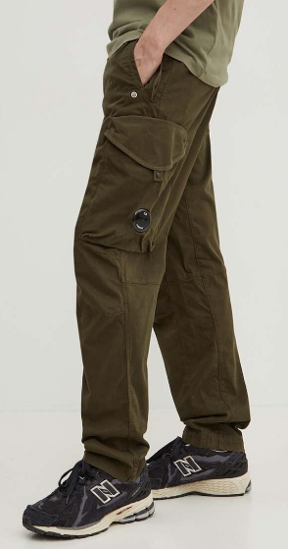 |  | 15CMPA123A005529G | 683 | IVY GREEN | 98% CO 2% EA | 44 | PANTS - CARGO PANT | 3 | € 117.00 | € 351.00 | € 292.50 | € 877.50 | € 86.88 | € 260.63 | £77.57 | £232.70
 |  | 15CMPA123A005529G | 683 | IVY GREEN | 98% CO 2% EA | 48 | PANTS - CARGO PANT | 3 | € 117.00 | € 351.00 | € 292.50 | € 877.50 | € 86.88 | € 260.63 | £77.57 | £232.70
 |  | 15CMPA123A005529G | 683 | IVY GREEN | 98% CO 2% EA | 56 | PANTS - CARGO PANT | 1 | € 117.00 | € 117.00 | € 292.50 | € 292.50 | € 86.88 | € 86.88 | £77.57 | £77.57
 |  | 15CMPA123A005529G | 999 | BLACK | 98% CO 2% EA | 44 | PANTS - CARGO PANT | 5 | € 117.00 | € 585.00 | € 292.50 | € 1,462.50 | € 86.88 | € 434.38 | £77.57 | £387.84
 |  | 15CMPA123A005529G | 999 | BLACK | 98% CO 2% EA | 46 | PANTS - CARGO PANT | 18 | € 117.00 | € 2,106.00 | € 292.50 | € 5,265.00 | € 86.88 | € 1,563.77 | £77.57 | £1,396.22
 |  | 15CMPA123A005529G | 999 | BLACK | 98% CO 2% EA | 48 | PANTS - CARGO PANT | 13 | € 117.00 | € 1,521.00 | € 292.50 | € 3,802.50 | € 86.88 | € 1,129.39 | £77.57 | £1,008.38
 |  | 15CMPA123A005529G | 999 | BLACK | 98% CO 2% EA | 50 | PANTS - CARGO PANT | 9 | € 117.00 | € 1,053.00 | € 292.50 | € 2,632.50 | € 86.88 | € 781.89 | £77.57 | £698.11
 |  | 15CMPA123A005529G | 999 | BLACK | 98% CO 2% EA | 52 | PANTS - CARGO PANT | 1 | € 117.00 | € 117.00 | € 292.50 | € 292.50 | € 86.88 | € 86.88 | £77.57 | £77.57
 |  | 15CMPA123F005529G | 888 | TOTAL ECLIPSE | 98% CO 2% EA | 50 | PANTS - CARGO PANT | 1 | € 117.00 | € 117.00 | € 292.50 | € 292.50 | € 86.88 | € 86.88 | £77.57 | £77.57
 |  | 15CMPA124A005529G | 317 | MOJADE DESERT | 98% CO 2% EA | 54 | PANTS - CARGO PANT | 1 | € 119.34 | € 119.34 | € 298.35 | € 298.35 | € 88.61 | € 88.61 | £79.12 | £79.12
 |  | 15CMPA131A006405G | 683 | IVY GREEN | 98% CO 2% EA | 48 | PANTS - PANT | 1 | € 99.45 | € 99.45 | € 248.62 | € 248.62 | € 73.84 | € 73.84 | £65.93 | £65.93
 |  | 15CMPA179A006409G | 335 | SILVER SAGE | 100% CO | 42 | PANTS - CARGO PANT | 1 | € 146.25 | € 146.25 | € 365.63 | € 365.63 | € 108.60 | € 108.60 | £96.96 | £96.96
 |  | 15CMPA179A006409G | 335 | SILVER SAGE | 100% CO | 46 | PANTS - CARGO PANT | 1 | € 146.25 | € 146.25 | € 365.63 | € 365.63 | € 108.60 | € 108.60 | £96.96 | £96.96
 |  | 15CMPA179A006409G | 335 | SILVER SAGE | 100% CO | 54 | PANTS - CARGO PANT | 3 | € 146.25 | € 438.75 | € 365.63 | € 1,096.88 | € 108.60 | € 325.79 | £96.96 | £290.88
 |  | 15CMPA179A006409G | 335 | SILVER SAGE | 100% CO | 56 | PANTS - CARGO PANT | 1 | € 146.25 | € 146.25 | € 365.63 | € 365.63 | € 108.60 | € 108.60 | £96.96 | £96.96
 |  | 15CMPA179A006409G | 999 | BLACK | 100% CO | 52 | PANTS - CARGO PANT | 1 | € 146.25 | € 146.25 | € 365.63 | € 365.63 | € 108.60 | € 108.60 | £96.96 | £96.96
 |  | 15CMPA181A006622A | 335 | SILVER SAGE | 100% CO | 44 | PANTS - PANT | 1 | € 99.45 | € 99.45 | € 248.62 | € 248.62 | € 73.84 | € 73.84 | £65.93 | £65.93
 |  | 15CMPA181A006622A | 335 | SILVER SAGE | 100% CO | 46 | PANTS - PANT | 2 | € 99.45 | € 198.90 | € 248.62 | € 497.25 | € 73.84 | € 147.69 | £65.93 | £131.87
...
DELIVERY TYPE
Pics 1 | Pics 2 | Style Num. | Colour Code | Color | Composition | Size
 |  | 15CMPA330A006409G | 683 | IVY GREEN | 100% CO | 46
 |  | 15CMPA330A006409G | 683 | IVY GREEN | 100% CO | 48
 |  | 15CMPA330A006409G | 999 | BLACK | 100% CO | 44
 |  | 15CMPA330A006409G | 999 | BLACK | 100% CO | 46
 |  | 15CMPA330A006409G | 999 | BLACK | 100% CO | 54
 |  | 15CMPA334A006622A | 999 | BLACK | 100% CO | 48
 |  | 15CMPA334A006622A | 999 | BLACK | 100% CO | 52
 |  | 15CMSB154A005086W | 999 | BLACK | 100% CO | S
 |  | 15CMSH157A002824G | 888 | TOTAL ECLIPSE | 100% CO | S
 |  | 15CMSH157A002824G | 888 | TOTAL ECLIPSE | 100% CO | XS
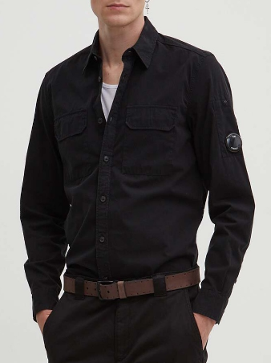 |  | 15CMSH157A002824G | 999 | BLACK | 100% CO | XS
 |  | 15CMSH158A002824G | 103 | GAUZE WHITE | 100% CO | XXL
 |  | 15CMSH158A002824G | 653 | BUTTERNUT | 100% CO | XS
 |  | 15CMSH162A002824G | 888 | TOTAL ECLIPSE | 100% CO | S
 |  | 15CMSH162A002824G | 888 | TOTAL ECLIPSE | 100% CO | XS
 |  | 15CMSH163A002824G | 335 | SILVER SAGE | 100% CO | XS
 |  | 15CMSH163A002824G | 653 | BUTTERNUT | 100% CO | XS
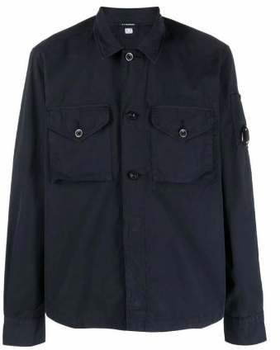 |  | 15CMSH163A002824G | 888 | TOTAL ECLIPSE | 100% CO | S
 |  | 15CMSH163A002824G | 888 | TOTAL ECLIPSE | 100% CO | XS
 |  | 15CMSH164A002824G | 103 | GAUZE WHITE | 100% CO | M
 |  | 15CMSH292A006410O | 476 | CEDAR WOOD | 97% CO 3% EA | L
 |  | 15CMSH299A006639W | 888 | TOTAL ECLIPSE | 55%PL 44%WO 1%EA | XS
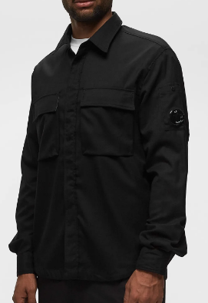 |  | 15CMSH299A006639W | 999 | BLACK | 55%PL 44%WO 1%EA | M
 |  | 15CMSH299A006639W | 999 | BLACK | 55%PL 44%WO 1%EA | S
 |  | 15CMSH299A006639W | 999 | BLACK | 55%PL 44%WO 1%EA | XL
 |  | 15CMSP017A005086W | 317 | MOJADE DESERT | 100% CO | L
 |  | 15CMSP017A005086W | 317 | MOJADE DESERT | 100% CO | L
 |  | 15CMSP017A005086W | 317 | MOJADE DESERT | 100% CO | M
 |  | 15CMSP017A005086W | 317 | MOJADE DESERT | 100% CO | S
 |  | 15CMSP017A005086W | 317 | MOJADE DESERT | 100% CO | XL
 |  | 15CMSP017A005086W | 317 | MOJADE DESERT | 100% CO | XS
 |  | 15CMSP017A005086W | 317 | MOJADE DESERT | 100% CO | XXL
 |  | 15CMSP017A005086W | 317 | MOJADE DESERT | 100% CO | XXL
...
DELIVERY TYPE
Pics 1 | Pics 2 | Style Num. | Colour Code | Color | Composition | Size | Item Description
 |  | 15CMSP135A005086W | 560 | KETCHUP | 100% CO | M | SWEATPANTS - JOGGING PANT
 |  | 15CMSP135A005086W | 560 | KETCHUP | 100% CO | M | SWEATPANTS - JOGGING PANT
 |  | 15CMSP135A005086W | 560 | KETCHUP | 100% CO | S | SWEATPANTS - JOGGING PANT
 |  | 15CMSP135A005086W | 560 | KETCHUP | 100% CO | S | SWEATPANTS - JOGGING PANT
 |  | 15CMSP135A005086W | 560 | KETCHUP | 100% CO | XS | SWEATPANTS - JOGGING PANT
 |  | 15CMSP135A005086W | 560 | KETCHUP | 100% CO | XS | SWEATPANTS - JOGGING PANT
 |  | 15CMSP135A005086W | 560 | KETCHUP | 100% CO | XXL | SWEATPANTS - JOGGING PANT
 |  | 15CMSP135A005086W | 560 | KETCHUP | 100% CO | XXL | SWEATPANTS - JOGGING PANT
 |  | 15CMSP135A005086W | 560 | KETCHUP | 100% CO | XXXL | SWEATPANTS - JOGGING PANT
 |  | 15CMSP135A005086W | 683 | IVY GREEN | 100% CO | S | SWEATPANTS - JOGGING PANT
 | 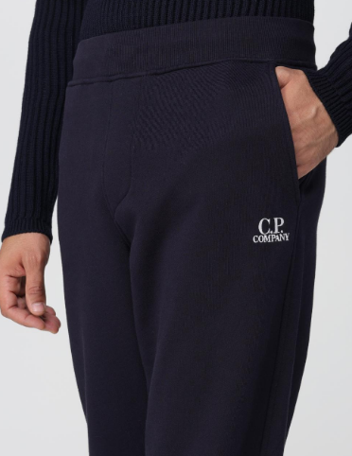 | 15CMSP135A005086W | 999 | BLACK | 100% CO | S | SWEATPANTS - JOGGING PANT
 |  | 15CMSP135A005086W | 999 | BLACK | 100% CO | XL | SWEATPANTS - JOGGING PANT
 |  | 15CMSP135A005086W | 999 | BLACK | 100% CO | XS | SWEATPANTS - JOGGING PANT
 |  | 15CMSP138A005086W | 103 | GAUZE WHITE | 100% CO | XL | SWEATPANTS - JOGGING PANT
 |  | 15CMSP138A005086W | 103 | GAUZE WHITE | 100% CO | XXL | SWEATPANTS - JOGGING PANT
 |  | 15CMSP138A005086W | 653 | BUTTERNUT | 100% CO | XS | SWEATPANTS - JOGGING PANT
 |  | 15CMSP246A006372G | 103 | GAUZE WHITE | 100% CO | L | SWEATPANTS - CARGO PANT
 |  | 15CMSP246A006372G | 103 | GAUZE WHITE | 100% CO | S | SWEATPANTS - CARGO PANT
 |  | 15CMSP246A006372G | 103 | GAUZE WHITE | 100% CO | XS | SWEATPANTS - CARGO PANT
 |  | 15CMSP246A006372R | 476 | CEDAR WOOD | 100% CO | L | SWEATPANTS - CARGO PANT
 |  | 15CMSP246A006372R | 476 | CEDAR WOOD | 100% CO | XS | SWEATPANTS - CARGO PANT
...
DELIVERY TYPE
Pics 1 | Pics 2 | Style Num. | Colour Code | Color | Composition | Size
 |  | 15CMSP273A006614G | 560 | KETCHUP | 100% CO | XL
 |  | 15CMSP273A006614G | 560 | KETCHUP | 100% CO | XL
 |  | 15CMSP273A006614G | 560 | KETCHUP | 100% CO | XS
 |  | 15CMSP273A006614G | 560 | KETCHUP | 100% CO | XS
 |  | 15CMSP273A006614G | 560 | KETCHUP | 100% CO | XXL
 |  | 15CMSP273A006614G | 560 | KETCHUP | 100% CO | XXL
 |  | 15CMSP273A006614G | 560 | KETCHUP | 100% CO | XXXL
 |  | 15CMSP273A006614G | 871 | ORION BLUE | 100% CO | S
 |  | 15CMSP273A006614G | 871 | ORION BLUE | 100% CO | XS
 |  | 15CMSP273A006614G | 880 | PEACOAT | 100% CO | XXL
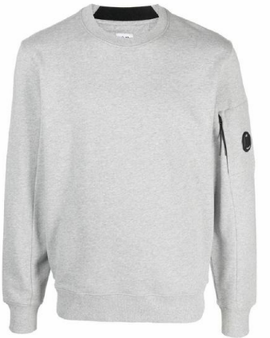 |  | 15CMSS022A005086W | M93 | GREY MELANGE | 100% CO | XS
 |  | 15CMSS261A006614G | 871 | ORION BLUE | 100% CO | XS
 |  | 15CMSS361A110028A | 999 | BLACK | 100% CO | XL
 |  | 15CMSS361A110028A | 999 | BLACK | 100% CO | XXL
 |  | 15CMSS362A110028A | 999 | BLACK | 100% CO | L
 |  | 15CMSS362A110028A | 999 | BLACK | 100% CO | XL
 |  | 15CMSS362A110028A | 999 | BLACK | 100% CO | XS
 |  | 15CMSS362A110028A | 999 | BLACK | 100% CO | XXL
 |  | 15CMSS362A110028A | 999 | BLACK | 100% CO | XXXL
 |  | 15CMTS142A006374G | 547 | POINCIANA | 100% CO | XL
 |  | 15CMTS142A006374G | 547 | POINCIANA | 100% CO | XXL
...
DELIVERY TYPE
Pics 1 | Pics 2 | Style Num. | Colour Code | Color | Composition | Size
 |  | 15CMTS363A110026A | M97 | ANTHRACITE MELANGE | 100% CO | L
 |  | 15CMTS363A110026A | M97 | ANTHRACITE MELANGE | 100% CO | M
 |  | 15CMTS363A110026A | M97 | ANTHRACITE MELANGE | 100% CO | S
 |  | 15CMTS363A110026A | M97 | ANTHRACITE MELANGE | 100% CO | XL
 |  | 15CMTS363A110026A | M97 | ANTHRACITE MELANGE | 100% CO | XS
 |  | 15CMTS363A110026A | M97 | ANTHRACITE MELANGE | 100% CO | XXL
 |  | 15CSAC015A005509A | 103 | GAUZE WHITE | 100% WO | UNI
 |  | 15CSAC015A005509A | 449 | PUREED PUMPKIN | 100% WO | UNI
 |  | 15CSAC016A005509A | 449 | PUREED PUMPKIN | 100% WO | UNI
 |  | 15CSKN021A110088J | 999 | BLACK | 100% WO | XL
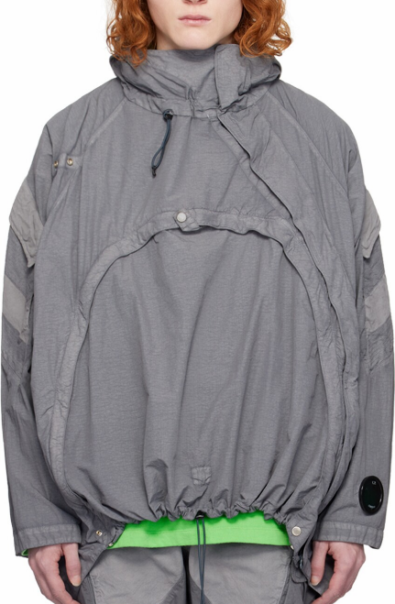 |  | 15CSOW004A005991G | 919 | STEEL GREY | 100% PA | L
 |  | 15CSOW004A005991G | 919 | STEEL GREY | 100% PA | L
 |  | 15CSOW004A005991G | 919 | STEEL GREY | 100% PA | M
 |  | 15CSOW004A005991G | 919 | STEEL GREY | 100% PA | M
 |  | 15CSOW004A005991G | 919 | STEEL GREY | 100% PA | S
 |  | 15CSOW004A005991G | 919 | STEEL GREY | 100% PA | XL
 |  | 15CSOW004A005991G | 919 | STEEL GREY | 100% PA | XS
 |  | 15CSOW004A005991G | 919 | STEEL GREY | 100% PA | XXL
 |  | 15CSOW004A005991G | 919 | STEEL GREY | 100% PA | XXL
 |  | 15CSOW008A110031A | 616 | ONLINE LIME | 100% PA | S
 |  | 15CSOW008A110031A | 616 | ONLINE LIME | 100% PA | XXL
...
DELIVERY TYPE
Pics 1 | Pics 2 | Style Num. | Colour Code | Color | Composition | Size
 |  | 15CSPA005A006354G | 919 | STEEL GREY | 100% CO | XL
 |  | 15CSPA005A006354G | 919 | STEEL GREY | 100% CO | XS
 |  | 15CSPA005A006354G | 919 | STEEL GREY | 100% CO | XXL
 |  | 15CSPA005A006354G | 919 | STEEL GREY | 100% CO | XXL
 |  | 15CSPA011A110031A | 670 | OLIVE NIGHT | 100% PA | L
 |  | 15CSPA011A110031A | 670 | OLIVE NIGHT | 100% PA | M
 |  | 15CSPA011A110031A | 670 | OLIVE NIGHT | 100% PA | S
 |  | 15CSPA011A110031A | 670 | OLIVE NIGHT | 100% PA | XL
 |  | 15CSPA011A110031A | 913 | DRIZZLE GREY | 100% PA | M
 |  | 15CSPA011A110031A | 913 | DRIZZLE GREY | 100% PA | XL
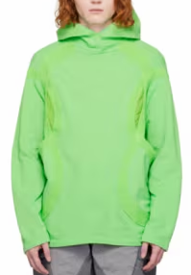 |  | 15CSSS006A110039G | 615 | GREEN FLASH | 100% CO | L
 |  | 15CSSS006A110039G | 615 | GREEN FLASH | 100% CO | L
 |  | 15CSSS006A110039G | 615 | GREEN FLASH | 100% CO | M
 |  | 15CSSS006A110039G | 615 | GREEN FLASH | 100% CO | M
 |  | 15CSSS006A110039G | 615 | GREEN FLASH | 100% CO | S
 |  | 15CSSS006A110039G | 615 | GREEN FLASH | 100% CO | S
 |  | 15CSSS006A110039G | 615 | GREEN FLASH | 100% CO | XL
 |  | 15CSSS006A110039G | 615 | GREEN FLASH | 100% CO | XL
 |  | 15CSSS006A110039G | 615 | GREEN FLASH | 100% CO | XS
 |  | 15CSSS006A110039G | 615 | GREEN FLASH | 100% CO | XXL
 |  | 15CSSS006A110039G | 615 | GREEN FLASH | 100% CO | XXL
...

