Offer
REF
NAME*
COMPANY NAME
DATE*
SALES REP*
EMAIL*
PHONE #*
PAYMENT CURRENCY (€/£)*
BILLING ADDRESS*
ORDER NUMBER
PRE/IN HAND
DELIVERY TYPE

IMAGE | GENDER | BRAND | CATEGORY | DESCRIPTION | COMPOSITION | MADE | TYPE | ITEM | SKU | COLOR | SIZE | QTY | QTY REF | BARCODE 1 | BARCODE 2 | HTS CODE | RRP € | RRP TOT € | COST € | COST TOT € | COST £ | COST TOT £
 | WOMEN | BYBLOS | PANTS | PANTALONI DONNA | 98%CO 2%EA | CHINA | SD10 | SD10BBS00003 | A1BCB04861537 | 915 DENIM GRIGIO | 31 | 1 | 2 | A1BCB048615379150107 | 2000032598436 | 6204.62.39 | € 204.00 | € 204.00 | € 27.63 | € 27.63 | £24.67 | £24.67
 | WOMEN | BYBLOS | PANTS | PANTALONI DONNA | 98%CO 2%EA | CHINA | SD10 | SD10BBS00003 | A1BCB04861537 | 915 DENIM GRIGIO | 32 | 1 |  | A1BCB048615379150108 | 2000032598443 | 6204.62.39 | € 204.00 | € 204.00 | € 27.63 | € 27.63 | £24.67 | £24.67
 | WOMEN | BYBLOS | PANTS | FUSEAUX ATHOR | 68%VI 27%PA 5%EA | Made in Italy | SD10 | SD10BBS00017 | D5BGD169 09016 | 314/BAROLO | S | 1 | 1 | 2200000797582 | 2000034061501 | 6204.63.18 | € 127.00 | € 127.00 | € 17.23 | € 17.23 | £15.38 | £15.38
 | WOMEN | BYBLOS | PANTS | FUSEAUX ALISON | 50%WO 50%PC | Made in Italy | SD10 | SD10BBS00018 | D5BCB1A1 11411 | 899/NERO | 46 | 1 | 1 | D5BCB1A1114118994810 | 2000034061631 | 6204.61.90 | € 115.00 | € 115.00 | € 15.60 | € 15.60 | £13.93 | £13.93
 | WOMEN | BYBLOS | PANTS | PANT. ABBY | 99%CO 1%EA | Made in Italy | SD10 | SD10BBS00019 | A1BGB143 13388 | 127/VERDE BANDIERA | 44 | 1 | 2 | 2200000420558 | 2000034061945 | 6204.62.39 | € 276.00 | € 276.00 | € 37.38 | € 37.38 | £33.37 | £33.37
 | WOMEN | BYBLOS | PANTS | PANT. ABBY | 99%CO 1%EA | Made in Italy | SD10 | SD10BBS00019 | A1BGB143 13388 | 127/VERDE BANDIERA | 50 | 1 |  | 2200000420589 | 2000034061976 | 6204.62.39 | € 276.00 | € 276.00 | € 37.38 | € 37.38 | £33.37 | £33.37
 | WOMEN | BYBLOS | PANTS | PANT. ABBY | 99%CO 1%EA | Made in Italy | SD10 | SD10BBS00019 | A1BGB143 13388 | 899/NERO | 36 | 1 | 1 | 2200000420596 | 2000034061747 | 6204.62.39 | € 276.00 | € 276.00 | € 37.38 | € 37.38 | £33.37 | £33.37
 | WOMEN | BYBLOS | PANTS | PANT. ABBY | 97%PL 3%EA | Made in Italy | SD10 | SD10BBS00020 | A1BGD114 13388 | 127/VERDE BANDIERA | 46 | 4 | 6 | 2200000986429 | 2000034062119 | 6204.62.39 | € 276.00 | € 1,104.00 | € 37.38 | € 149.50 | £33.37 | £133.48
 | WOMEN | BYBLOS | PANTS | PANT. ABBY | 97%PL 3%EA | Made in Italy | SD10 | SD10BBS00020 | A1BGD114 13388 | 127/VERDE BANDIERA | 48 | 2 |  | 2200000986436 | 2000034062126 | 6204.62.39 | € 276.00 | € 552.00 | € 37.38 | € 74.75 | £33.37 | £66.74
 | WOMEN | BYBLOS | PANTS | PANT. ACCOUNT | 68%VI 27%PA 5%EA | Made in Romanie | SD10 | SD10BBS00021 | A1BEB147 09016 | 899/NERO | 40 | 3 | 3 | A1BEB147090168993904 | 2000034062249 | 6204.69.18 | € 240.00 | € 720.00 | € 32.50 | € 97.50 | £29.02 | £87.05
 | WOMEN | BYBLOS | PANTS | PANT. ACCOUNT | 40%PL 28%VI 20%EA 12%WO | Made in Italy | SD10 | SD10BBS00022 | A1BEB147 13267 | 741/MATTONE BIS | 40 | 1 | 1 | A1BEB147132677413904 | 2000034062720 | 6204.63.18 | € 288.00 | € 288.00 | € 39.00 | € 39.00 | £34.82 | £34.82
 | WOMEN | BYBLOS | PANTS | PANT. ACORIN | 62%PL 34%VI 4%EA | Made in Romanie | SD10 | SD10BBS00023 | A1BCB138 12952 | 006/PANNA | 46 | 1 | 1 | A1BCB138129520064810 | 2000034063079 | 6204.63.90 | € 199.00 | € 199.00 | € 26.98 | € 26.98 | £24.08 | £24.08
 | WOMEN | BYBLOS | PANTS | PANT. ACORIN PRINT | 82%VI 15%WO 3%EA | Made in Italy | SD10 | SD10BBS00024 | A1BCB142 16445 | 717/CARTONE | 40 | 6 | 6 | A1BCB142164457171804 | 2000034063208 | 6204.69.18 | € 307.00 | € 1,842.00 | € 41.60 | € 249.60 | £37.14 | £222.86
 | WOMEN | BYBLOS | PANTS | PANT. ADEL | 100%PL | Made in Italy | SD10 | SD10BBS00025 | A1BEA106 07351 | 899/NERO | 38 | 1 | 1 | A1BEA106073518993902 | 2000034063352 | 6204.63.18 | € 307.00 | € 307.00 | € 41.60 | € 41.60 | £37.14 | £37.14
 | WOMEN | BYBLOS | PANTS | PANT. ADELE | 65%PL 30%VI 5%EA | Made in Italy | SD10 | SD10BBS00027 | A1BGD110 07352 | 747/LAND | 42 | 7 | 7 | 2200000794499 | 2000034063697 | 6204.63.90 | € 204.00 | € 1,428.00 | € 27.63 | € 193.38 | £24.67 | £172.66
 | WOMEN | BYBLOS | PANTS | PANT. ADINA | 52%PL 25%VI 20%AC 3%EA | Made in Romanie | SD10 | SD10BBS00028 | A1BEB149 13262 | 899/NERO | 38 | 1 | 1 | A1BEB149132628993902 | 2000034063833 | 6204.63.18 | € 307.00 | € 307.00 | € 41.60 | € 41.60 | £37.14 | £37.14
 | WOMEN | BYBLOS | PANTS | PANT. ADRIEN | 100%PL | Made in Italy | SD10 | SD10BBS00029 | A1BEA107 07351 | 899/NERO | 40 | 1 | 1 | A1BEA107073518993904 | 2000034064007 | 6204.63.18 | € 286.00 | € 286.00 | € 38.68 | € 38.68 | £34.53 | £34.53
 | WOMEN | BYBLOS | PANTS | PANT. AINT | 68%VI 27%PA 5%EA | Made in Italy | SD10 | SD10BBS00032 | A1BGD116 09016 | 899/NERO | 42 | 6 | 6 | 2200000800787 | 2000034064496 | 6204.69.18 | € 216.00 | € 1,296.00 | € 29.25 | € 175.50 | £26.12 | £156.70
 | WOMEN | BYBLOS | PANTS | PANT. ALENA | 62%PL 34%VI 4%EA | Made in Italy | SD10 | SD10BBS00035 | A1BCC101 12952 | 006/PANNA | 38 | 1 | 2 | A1BCC101129520064802 | 2000034065189 | 6204.63.90 | € 187.00 | € 187.00 | € 25.35 | € 25.35 | £22.63 | £22.63
 | WOMEN | BYBLOS | PANTS | PANT. ALENA | 62%PL 34%VI 4%EA | Made in Italy | SD10 | SD10BBS00035 | A1BCC101 12952 | 006/PANNA | 40 | 1 |  | A1BCC101129520064804 | 2000034065196 | 6204.63.90 | € 187.00 | € 187.00 | € 25.35 | € 25.35 | £22.63 | £22.63
 | WOMEN | BYBLOS | PANTS | PANT. ALENA | 62%PL 34%VI 4%EA | Made in Italy | SD10 | SD10BBS00035 | A1BCC101 12952 | 704/GLASSA | 40 | 1 | 1 | A1BCC101129527044804 | 2000034065516 | 6204.63.90 | € 187.00 | € 187.00 | € 25.35 | € 25.35 | £22.63 | £22.63
 | WOMEN | BYBLOS | PANTS | PANT. ALESTA D | 51%CO 45%PA 4%EA | Made in Italy | SD10 | SD10BBS00036 | A1BCB127 27021 | 828/GRIGIO NUVOLA | 50 | 1 | 1 | A1BCB127270218284813 | 2000034066049 | 6204.62.39 | € 240.00 | € 240.00 | € 32.50 | € 32.50 | £29.02 | £29.02
 | WOMEN | BYBLOS | PANTS | PANT. ALEX | 98%CO 2%EA | Made in Romanie | SD10 | SD10BBS00038 | A1BCB131 11413 | 239/BLU AVIO | 38 | 1 | 4 | A1BCB131114132394802 | 2000034066308 | 6204.62.39 | € 286.00 | € 286.00 | € 38.68 | € 38.68 | £34.53 | £34.53
...
DELIVERY TYPE
IMAGE | GENDER | BRAND | CATEGORY | DESCRIPTION | COMPOSITION | MADE
 | WOMEN | BYBLOS | SWEATERS | MAGLIERIA | 100%WO | CHINA
 | WOMEN | BYBLOS | SWEATERS | MAGLIERIA | 70%VI 30%PA | CHINA
 | WOMEN | BYBLOS | SWEATERS | MAGLIERIA | 45%CO 30%PA 15%SE 10%WS | CHINA
 | WOMEN | BYBLOS | SWEATERS | MAGLIERIA | 70%VI 30%PA | CHINA
 | WOMEN | BYBLOS | SWEATERS | MAGLIERIA | 100%WO | CHINA
 | WOMEN | BYBLOS | SWEATERS | MAGLIERIA | 100%WO | CHINA
 | WOMEN | BYBLOS | SWEATERS | MAGLIERIA | 50%WO 50%CO | CHINA
 | WOMEN | BYBLOS | SWEATERS | MAGLIERIA | 50%WO 50%CO | CHINA
 | WOMEN | BYBLOS | SHIRTS | CAMICIA | 100%SE | ITALY
 | WOMEN | BYBLOS | SCARVES | FOULARD ELIDE | 100%SE | Made in Italy
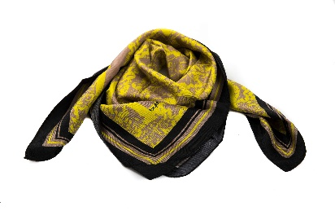 | WOMEN | BYBLOS | SCARVES | Foulard Con Motivi. Tessuto Twill. Dimensioni: 86 X 86 Cm. | 100%WO | ITALY
 | WOMEN | BYBLOS | SCARVES | FOULARD ESTER | 100%SE | Made in Italy
 | WOMEN | BYBLOS | SCARVES | FOULARD ETAIN | 80%VI 20%WO | Made in Italy
 | WOMEN | BYBLOS | SCARVES | FOULARD ETYN | 100%SE | Made in Italy
 | WOMEN | BYBLOS | SCARVES | FOULARD ETYN | 100%SE | Made in Italy
 | WOMEN | BYBLOS | GLOVES | GUANTI MANDY NEW | 100%OVINE LH | Made in Italy
 | WOMEN | BYBLOS | GLOVES | GUANTI MODEL | 50%WO 50%PC | Made in Italy
 | WOMEN | BYBLOS | HATS | Cappello Da Donna Con Cinturino | 100%WO | ITALY
 | WOMEN | BYBLOS | HATS | Cappello Da Donna Con Cinturino | 100%WO | ITALY
 | WOMEN | BYBLOS | HATS | CAPPELLO M-GALLES | 100%CO | Made in Italy
 | WOMEN | BYBLOS | HATS | Cappello In Tessuto | 61%WV 25%PA 9%CO 3%SE 2%EA | ITALY
...
DELIVERY TYPE
IMAGE | GENDER | BRAND | CATEGORY | DESCRIPTION | COMPOSITION | MADE
 | WOMEN | BYBLOS | SKIRTS | GONNA | 55%PA 45%VW | ITALY
 | WOMEN | BYBLOS | SKIRTS | Gonna Corta A Tulip | 50%VI 42%WO 6%PA 2%EA | ITALY
 | WOMEN | BYBLOS | SKIRTS | Gonna Corta A Tulip | 50%VI 42%WO 6%PA 2%EA | ITALY
 | WOMEN | BYBLOS | SKIRTS | Gonna Corta A Tulip | 50%VI 42%WO 6%PA 2%EA | ITALY
 | WOMEN | BYBLOS | SKIRTS | Gonna Corta A Tulip | 50%VI 42%WO 6%PA 2%EA | ITALY
 | WOMEN | BYBLOS | SKIRTS | Gonna Corta A Tulip | 100%VI | ITALY
 | WOMEN | BYBLOS | SKIRTS | Gonna Corta A Tulip | 100%VI | ITALY
 | WOMEN | BYBLOS | SKIRTS | Gonna Corta A Tulip | 100%VI | ITALY
 | WOMEN | BYBLOS | SKIRTS | Gonna Corta A Tulip | 74%VI 26%CO | ITALY
 | WOMEN | BYBLOS | SKIRTS | GONNA | 45%PL 27%VI 20%PA 8%EA | ITALY
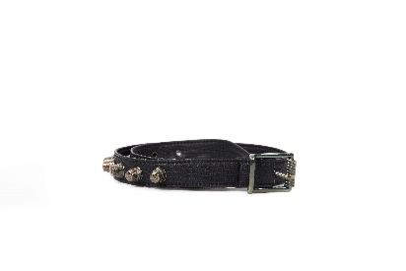 | WOMEN | BYBLOS | BELTS | CINTURA CINTURA AMBRETTE | 63%PL 37%PU | Made in Italy
 | WOMEN | BYBLOS | BELTS | CINTURA CINTURA AMBRETTE | 63%PL 37%PU | Made in Italy
 | WOMEN | BYBLOS | BELTS | CINTURA ECOS | 100%LH | Made in Italy
 | WOMEN | BYBLOS | BELTS | CINTURA EDWIGE | 100%LH | Made in Italy
 | WOMEN | BYBLOS | BELTS | CINTURA EDWIGE | 100%LH | Made in Italy
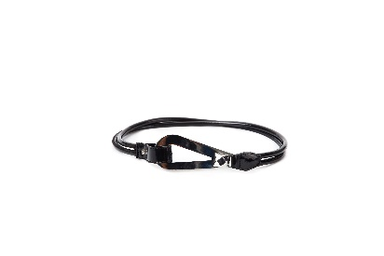 | WOMEN | BYBLOS | BELTS | CINTURA EMBARK | 52%PU 26%CO 22%PL | Made in Italy
 | WOMEN | BYBLOS | BELTS | CINTURA EPLAQ | 100%LH | Made in Italy
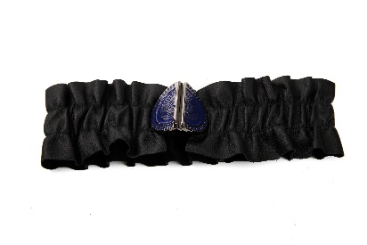 | WOMEN | BYBLOS | BELTS | Cintura In Vera Pelle. Elasticizzata Con Fibbia Personalizzata | 100%LH | ITALY
 | WOMEN | BYBLOS | BELTS | Cintura In Vera Pelle. Elasticizzata Con Fibbia Personalizzata | 100%LH | ITALY
 | WOMEN | BYBLOS | BELTS | CINTURA EVAN | 100%LH | Made in Italy
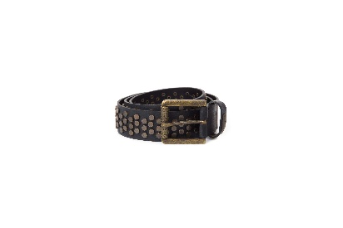 | WOMEN | BYBLOS | BELTS | Cintura In Vera Pelle | 100%LH | ITALY
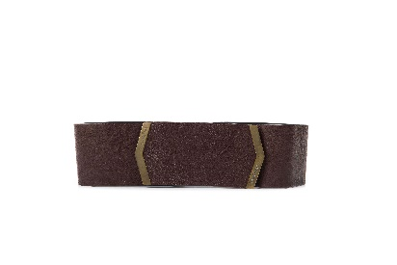 | WOMEN | BYBLOS | BELTS | CINTURA MAGGIORE | 100%CAPRA | Made in Italy
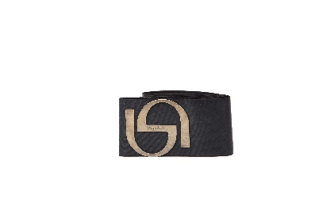 | WOMEN | BYBLOS | BELTS | Cintura In Vera Pelle | 74%PL 26%EL | ITALY
 | WOMEN | BYBLOS | BELTS | Cintura In Vera Pelle | 74%PL 26%EL | ITALY
 | WOMEN | BYBLOS | BELTS | Cintura In Vera Pelle | 74%PL 26%EL | ITALY
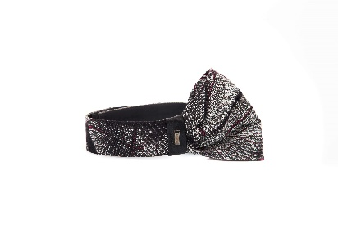 | WOMEN | BYBLOS | BELTS | CINTURA MICRON | 100%CO | Made in Italy
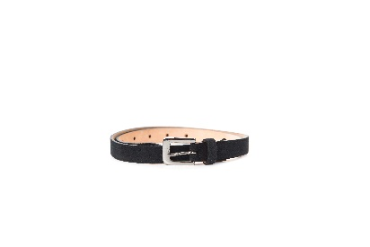 | WOMEN | BYBLOS | BELTS | CINTURA ELLY | 100%LH | Made in Italy
 | WOMEN | BYBLOS | BELTS | CINTURA EMMA | 100%LH | Made in Italy
 | WOMEN | BYBLOS | BELTS | CINTURA EMMA | 100%LH | Made in Italy
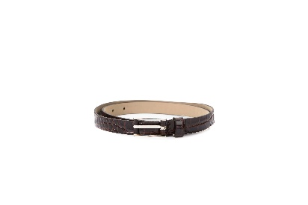 | WOMEN | BYBLOS | BELTS | CINTURA EMMA | 100%LH | Made in Italy
 | WOMEN | BYBLOS | BELTS | CINTURA EMMA | 100%LH | Made in Italy
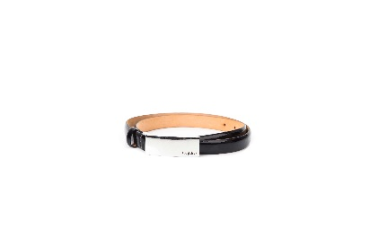 | WOMEN | BYBLOS | BELTS | CINTURA ERMI | 100%LH | Made in Italy
 | WOMEN | BYBLOS | BELTS | CINTURA ERMI | 100%LH | Made in Italy
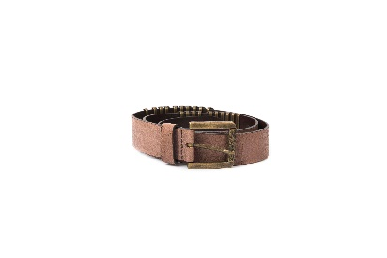 | WOMEN | BYBLOS | BELTS | CINTURA MACISTE | 100%CAPRA | Made in Italy
 | WOMEN | BYBLOS | BELTS | CINTURA MACISTE | 100%CAPRA | Made in Italy
 | WOMEN | BYBLOS | BELTS | CINTURA MACISTE | 100%CAPRA | Made in Italy
 | WOMEN | BYBLOS | BELTS | CINTURA MACISTE | 100%CAPRA | Made in Italy
 | WOMEN | BYBLOS | BELTS | CINTURA MACISTE | 100%CAPRA | Made in Italy
 | WOMEN | BYBLOS | BELTS | CINTURA MACISTE | 100%CAPRA | Made in Italy
 | WOMEN | BYBLOS | BELTS | CINTURA MACISTE | 100%CAPRA | Made in Italy
 | WOMEN | BYBLOS | BELTS | CINTURA MANIA | 100%LH | Made in Italy
 | WOMEN | BYBLOS | BELTS | CINTURA MANIA | 100%LH | Made in Italy
 | WOMEN | BYBLOS | BELTS | CINTURA MANIA | 100%LH | Made in Italy
 | WOMEN | BYBLOS | BELTS | CINTURA MANIA | 100%LH | Made in Italy
 | WOMEN | BYBLOS | BELTS | CINTURA MAYA | 100%LH | Made in Italy
 | WOMEN | BYBLOS | BELTS | CINTURA MAYA | 100%LH | Made in Italy
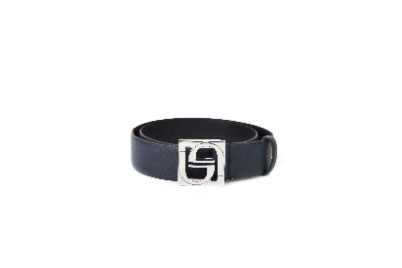 | WOMEN | BYBLOS | BELTS | Cintura In Vera Pelle | 100%LH | ITALY
 | WOMEN | BYBLOS | BELTS | Cintura In Vera Pelle Con Logo. Larghezza 3 Cm | 100%LH | ITALY
 | WOMEN | BYBLOS | BELTS | CINTURA EMU | 100%LH | Made in Italy
 | WOMEN | BYBLOS | BELTS | Cintura In Vera Pelle | 31%WO 31%PC 24%PL 14%PA | ITALY
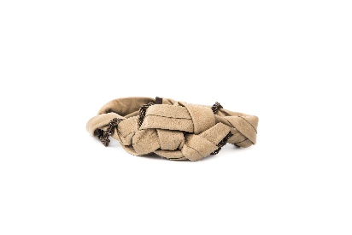 | WOMEN | BYBLOS | BELTS | CINTURA MOKINA | 100%LH | Made in Italy
 | WOMEN | BYBLOS | T-SHIRTS | T-SHIRT PAGANO | 90%VI 10%EA | Made in Italy
 | WOMEN | BYBLOS | T-SHIRTS | T-SHIRT PAGGIO | 48%AC 46%PL 6%EA | Made in Italy
 | WOMEN | BYBLOS | T-SHIRTS | T-SHIRT PAKITO | 100%VI | Made in Italy
 | WOMEN | BYBLOS | T-SHIRTS | T-SHIRT PANDA | 100%PL - 95%VI 5%EA | Made in Italy
 | WOMEN | BYBLOS | T-SHIRTS | T-SHIRT PARY PIRATA T | 90%CO 10%EA | Made in Italy
 | WOMEN | BYBLOS | T-SHIRTS | T-SHIRT PATER | 95%VI 5%EA | Made in Italy
 | WOMEN | BYBLOS | T-SHIRTS | T-SHIRT PAULINE | 70%VI 30%MD | Made in Italy
 | WOMEN | BYBLOS | T-SHIRTS | T-SHIRT PAVAZ | 76%VI 24%PA | Made in Italy
 | WOMEN | BYBLOS | T-SHIRTS | T-SHIRT PERNY PRINT | 94%VI 6%LY | Made in Italy
 | WOMEN | BYBLOS | T-SHIRTS | T-SHIRT PETIR | 100%PA | Made in Indonesia
...
DELIVERY TYPE
IMAGE | GENDER | BRAND | CATEGORY | DESCRIPTION | COMPOSITION | MADE
 | WOMEN | BYBLOS | JEANS | PANTALONE | 66%Co 22%Pl 11%Vi 1%Ea | ITALY
 | WOMEN | BYBLOS | JEANS | PANTALONE | 66%Co 22%Pl 11%Vi 1%Ea | ITALY
 | WOMEN | BYBLOS | JEANS | PANTALONE | 66%Co 22%Pl 11%Vi 1%Ea | ITALY
 | WOMEN | BYBLOS | JEANS | PANTALONE | 66%Co 22%Pl 11%Vi 1%Ea | ITALY
 | WOMEN | BYBLOS | JEANS | PANTALONE | 98%CO 2%EA | ITALY
 | WOMEN | BYBLOS | JEANS | PANTALONE | 98%CO 2%EA | ITALY
 | WOMEN | BYBLOS | JEANS | PANTALONE | 66%Co 22%Pl 11%Vi 1%Ea | ITALY
 | WOMEN | BYBLOS | JEANS | PANTALONE | 98%CO 2%EA | ITALY
 | WOMEN | BYBLOS | JEANS | PANTALONE | 98%CO 2%EA | ITALY
 | WOMEN | BYBLOS | JEANS | PANTALONE | 66%Co 22%Pl 11%Vi 1%Ea | ITALY
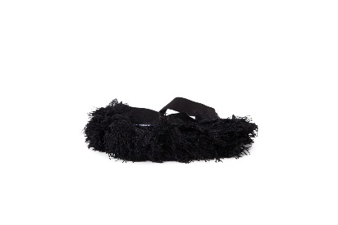 | WOMEN | BYBLOS | OTHERS | ACCESSORIO MEO | 100%CO - 100%VI | Made in Indonesia
 | WOMEN | BYBLOS | OTHERS | ACCESSORIO MEO | 100%CO - 100%VI | Made in Indonesia
 | WOMEN | BYBLOS | OTHERS | ACCESSORIO MERLIN | 100%CO - 100%VI | Made in Indonesia
 | WOMEN | BYBLOS | OTHERS | ACCESSORIO MERLIN | 100%CO - 100%VI | Made in Indonesia
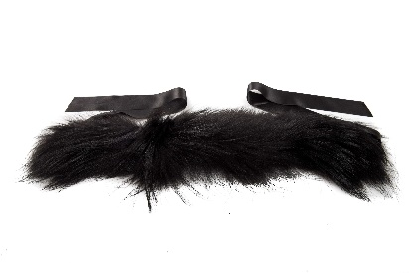 | WOMEN | BYBLOS | OTHERS | Scaldacollo In Pelliccia | 100%FINNRACOON | ITALY
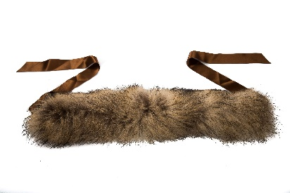 | WOMEN | BYBLOS | OTHERS | Scaldacollo In Pelliccia | 100%FINNRACOON | ITALY
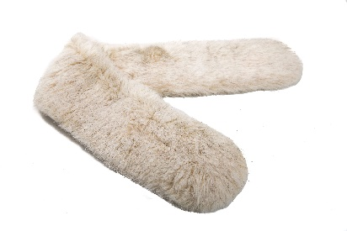 | WOMEN | BYBLOS | OTHERS | ACCESSORIO ELLENTY | 75%MA 25%CO | Made in Italy
 | WOMEN | BYBLOS | OTHERS | ACCESSORIO ELUX | 100%LH | Made in Italy
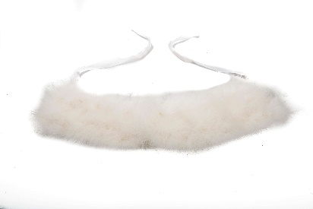 | WOMEN | BYBLOS | OTHERS | ACCESSORIO ERYS | 100%TACCHINO | Made in Italy
 | WOMEN | BYBLOS | OTHERS | ACCESSORIO MALIBU' | 100%WO | Made in Italy
 | WOMEN | BYBLOS | OTHERS | ACCESSORIO MINIBLOSSOM | 49%VI 37%SE 14%EA | Made in Italy
 | WOMEN | BYBLOS | BAGS | SHOPPING SLOW | 100%PL | Made in China
 | WOMEN | BYBLOS | BAGS | SHOPPING SLOW | 100%PL | Made in China
 | WOMEN | BYBLOS | BAGS | Borsa Shopping in tessuto e pelle sintetica. Dustbag con logo inclusa. Dimensioni: 46 cm x 16 cm x 27 cm. | 100%PL | CHINA
 | WOMEN | BYBLOS | BAGS | Borsa Shopping in tessuto e pelle sintetica. Dustbag con logo inclusa. Dimensioni: 46 cm x 16 cm x 27 cm. | 100%PL | CHINA
 | WOMEN | BYBLOS | BAGS | Borsa Shopping in tessuto e pelle sintetica. Dustbag con logo inclusa. Dimensioni: 46 cm x 16 cm x 27 cm. | 100%PL | CHINA
 | WOMEN | BYBLOS | BAGS | Borsa Shopping in tessuto e pelle sintetica. Dustbag con logo inclusa. Dimensioni: 46 cm x 16 cm x 27 cm. | 100%PL | CHINA
 | WOMEN | BYBLOS | SHORTS | PANT. CORTO IRIS | 100%CO | Made in Italy
 | WOMEN | BYBLOS | SHORTS | PANT.CORTI | 93%PL 7%EA | ITALY
...

