OFFER
REF
NAME*
COMPANY NAME
DATE*
SALES REP*
EMAIL*
PHONE #*
PAYMENT CURRENCY (€/£)*
BILLING ADDRESS*
ORDER NUMBER
PRE/IN HAND
DELIVERY TYPE

IMAGE | Collection | Style Num. | Item Description | Colour Code | Color | Composition | Commodity Code | Preferential Status | Country Description | QTY | UNI | 42 | 44 | 46 | 48 | 50 | 52 | 54 | 56 | XS | S | M | L | XL | XXL | XXXL | WHS | WHS TOT | COST € | COST TOT € | COST £ | COST TOT £
 | MAN | 12CMBW005A000004G | BEACHWEAR - BOXER | 239 | NUGGET GOLD | 100% PA | 6211110000 | EU | BULGARIA | 1 |  |  |  |  |  | 1 |  |  |  |  |  |  |  |  |  |  | € 64.00 | € 64.00 | € 43.20 | € 43.20 | £38.57 | £38.57
 | MAN | 12CMBW005A000004G | BEACHWEAR - BOXER | 455 | FIERY RED | 100% PA | 6211110000 | EU | BULGARIA | 1 |  |  |  |  | 1 |  |  |  |  |  |  |  |  |  |  |  | € 64.00 | € 64.00 | € 43.20 | € 43.20 | £38.57 | £38.57
 | MAN | 12CMBW005A000004G | BEACHWEAR - BOXER | 888 | TOTAL ECLIPSE | 100% PA | 6211110000 | EU | BULGARIA | 3 |  | 1 | 1 | 1 |  |  |  |  |  |  |  |  |  |  |  |  | € 64.00 | € 192.00 | € 43.20 | € 129.60 | £38.57 | £115.71
 | MAN | 12CMBW005A000004G | BEACHWEAR - BOXER | 978 | DARK SHADOW | 100% PA | 6211110000 | EU | BULGARIA | 4 |  | 1 |  | 1 | 1 | 1 |  |  |  |  |  |  |  |  |  |  | € 64.00 | € 256.00 | € 43.20 | € 172.80 | £38.57 | £154.29
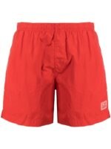 | MAN | 12CMBW005A005991G | BEACHWEAR - BOXER | 239 | NUGGET GOLD | 100% PA | 6211110000 | NO PREF | BULGARIA | 1 |  |  |  | 1 |  |  |  |  |  |  |  |  |  |  |  |  | € 66.00 | € 66.00 | € 44.55 | € 44.55 | £39.78 | £39.78
 | MAN | 12CMBW276A000004G | BEACHWEAR - BOXER | 455 | FIERY RED | 100% PA | 6211110000 | EU | BULGARIA | 1 |  | 1 |  |  |  |  |  |  |  |  |  |  |  |  |  |  | € 79.00 | € 79.00 | € 53.33 | € 53.33 | £47.61 | £47.61
 | MAN | 12CMBW276A000004G | BEACHWEAR - BOXER | 888 | TOTAL ECLIPSE | 100% PA | 6211110000 | EU | BULGARIA | 1 |  | 1 |  |  |  |  |  |  |  |  |  |  |  |  |  |  | € 79.00 | € 79.00 | € 53.33 | € 53.33 | £47.61 | £47.61
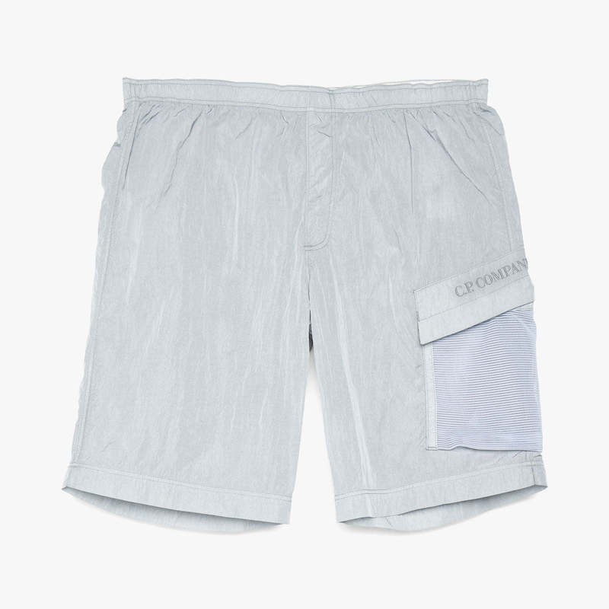 | MAN | 12CMBW280A000004G | BEACHWEAR - BOXER | 455 | FIERY RED | 100% PA | 6211110000 | EU | BULGARIA | 1 |  |  |  |  |  |  | 1 |  |  |  |  |  |  |  |  |  | € 83.00 | € 83.00 | € 56.03 | € 56.03 | £50.02 | £50.02
 | MAN | 12CMOW175A005761W | OUTERWEAR - LONG JACKET | 322 | SENECA ROCK | 100% PL | 6201401090 | NO PREF | BULGARIA | 1 |  |  |  |  |  | 1 |  |  |  |  |  |  |  |  |  |  | € 262.00 | € 262.00 | € 176.85 | € 176.85 | £157.90 | £157.90
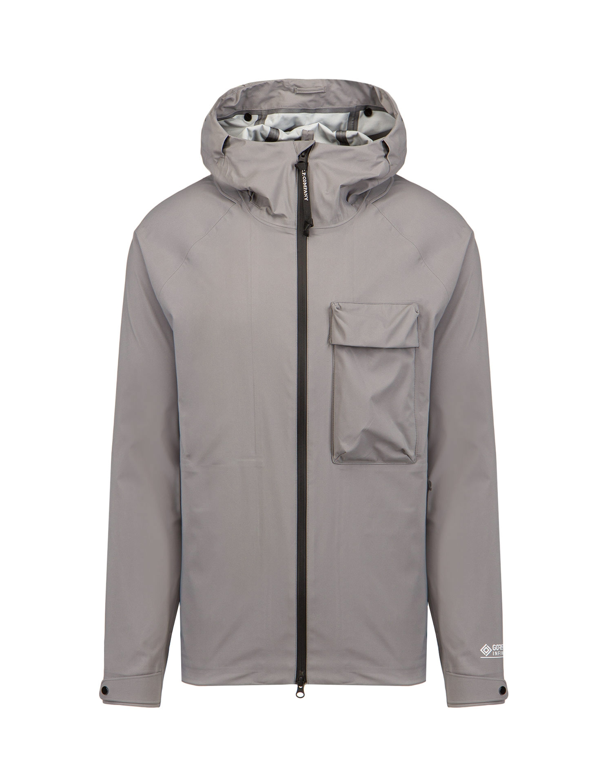 | MAN | 12CMOW186A005967A | OUTERWEAR - MEDIUM JACKET | 239 | NUGGET GOLD | 100% PA | 6201401090 | NO PREF | CHINA | 1 |  |  |  |  |  |  |  | 1 |  |  |  |  |  |  |  |  | € 345.00 | € 345.00 | € 232.88 | € 232.88 | £207.92 | £207.92
 | MAN | 12CMOW204A005904G | OUTERWEAR - SHORT JACKET | 937 | GRIFFIN GREY | 100% PA | 6201401090 | NO PREF | CHINA | 1 |  |  |  |  |  | 1 |  |  |  |  |  |  |  |  |  |  | € 190.00 | € 190.00 | € 128.25 | € 128.25 | £114.51 | £114.51
 | MAN | 12CMOW208A006284G | OUTERWEAR - SHORT JACKET | 322 | SENECA ROCK | 100% LI | 6201401090 | EU | Romania | 1 |  |  |  | 1 |  |  |  |  |  |  |  |  |  |  |  |  | € 322.00 | € 322.00 | € 217.35 | € 217.35 | £194.06 | £194.06
 | MAN | 12CMOW208A006284G | OUTERWEAR - SHORT JACKET | 892 | BLUE QUARTZ | 100% LI | 6201401090 | EU | Romania | 1 |  |  |  |  |  | 1 |  |  |  |  |  |  |  |  |  |  | € 322.00 | € 322.00 | € 217.35 | € 217.35 | £194.06 | £194.06
 | MAN | 12CMOW209A006233G | OUTERWEAR - MEDIUM JACKET | 354 | FRIAR BROWN | 71% CO 29% PA | 6201401090 | EU | BULGARIA | 1 |  |  |  |  |  | 1 |  |  |  |  |  |  |  |  |  |  | € 322.00 | € 322.00 | € 217.35 | € 217.35 | £194.06 | £194.06
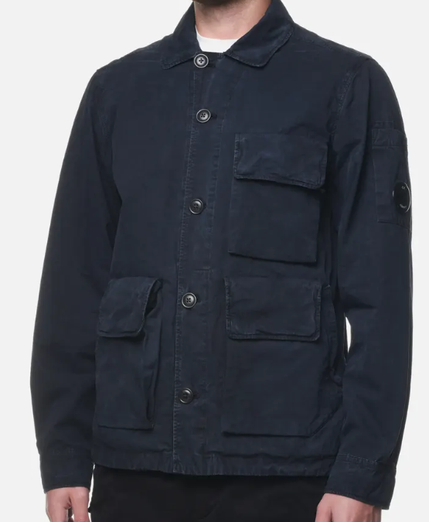 | MAN | 12CMOW212A006134G | OUTERWEAR - MEDIUM JACKET | 660 | BURNT OLIVE | 100% CO | 6201401090 | NO PREF | Romania | 1 |  |  |  |  |  | 1 |  |  |  |  |  |  |  |  |  |  | € 248.00 | € 248.00 | € 167.40 | € 167.40 | £149.46 | £149.46
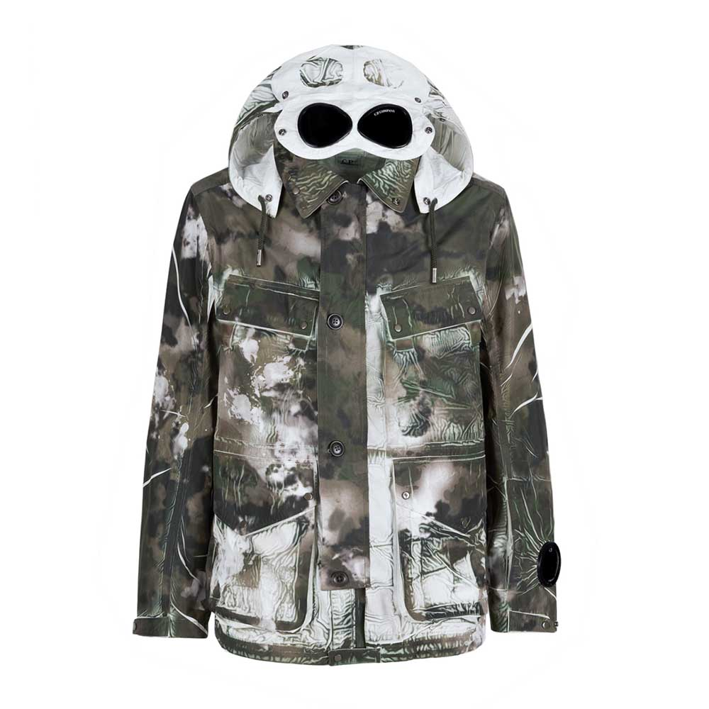 | MAN | 12CMOW260A005990P | OUTERWEAR - MEDIUM JACKET | 660 | BURNT OLIVE | 100% PL | 6201401090 | NO PREF | Romania | 1 |  |  |  |  |  |  | 1 |  |  |  |  |  |  |  |  |  | € 456.00 | € 456.00 | € 307.80 | € 307.80 | £274.82 | £274.82
 | MAN | 12CMOW260A005990P | OUTERWEAR - MEDIUM JACKET | 978 | DARK SHADOW | 100% PL | 6201401090 | NO PREF | Romania | 1 |  |  |  |  |  |  | 1 |  |  |  |  |  |  |  |  |  | € 456.00 | € 456.00 | € 307.80 | € 307.80 | £274.82 | £274.82
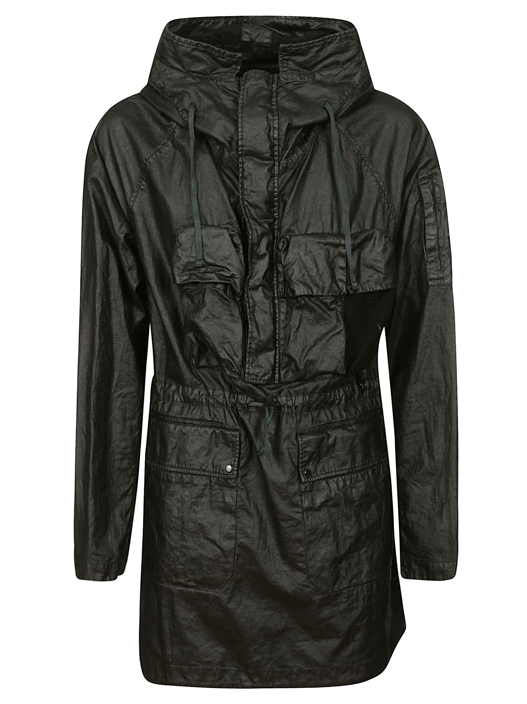 | MAN | 12CMOW303A006284G | OUTERWEAR - LONG JACKET | 292 | DIJON | 100% LI | 6201409090 | EU | Romania | 3 |  |  |  |  |  |  |  |  |  | 1 |  |  | 1 | 1 |  |  | € 442.00 | € 1,326.00 | € 298.35 | € 895.05 | £266.38 | £799.15
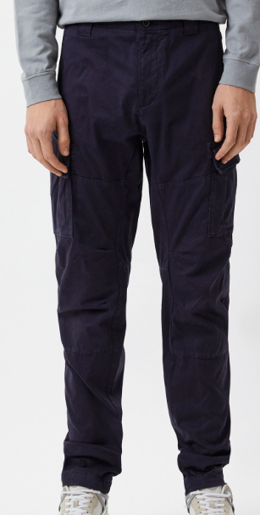 | MAN | 12CMPA057A005694G | PANTS - CARGO PANT | 999 | BLACK | 98% CO 2% EA | 6203421100 | NO PREF | Tunisia | 1 |  |  |  | 1 |  |  |  |  |  |  |  |  |  |  |  |  | € 116.00 | € 116.00 | € 78.30 | € 78.30 | £69.91 | £69.91
 | MAN | 12CMPA059A005694G | PANTS - CARGO PANT | 698 | GREEN MOSS | 98% CO 2% EA | 6203421100 | NO PREF | Tunisia | 2 |  |  |  |  | 1 |  | 1 |  |  |  |  |  |  |  |  |  | € 121.00 | € 242.00 | € 81.68 | € 163.35 | £72.92 | £145.85
 | MAN | 12CMPA059A005694G | PANTS - CARGO PANT | 999 | BLACK | 98% CO 2% EA | 6203421100 | NO PREF | Tunisia | 1 |  |  |  | 1 |  |  |  |  |  |  |  |  |  |  |  |  | € 121.00 | € 121.00 | € 81.68 | € 81.68 | £72.92 | £72.92
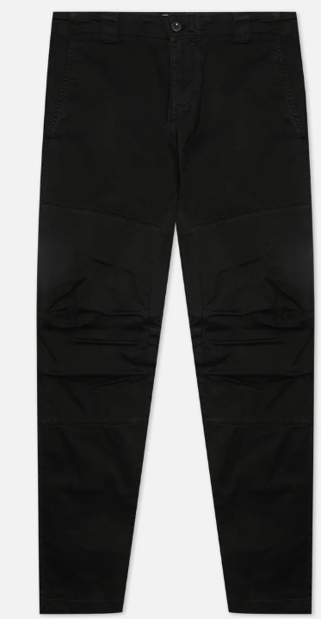 | MAN | 12CMPA060A005694G | PANTS - PANT | 888 | TOTAL ECLIPSE | 98% CO 2% EA | 6203421100 | NO PREF | Tunisia | 1 |  |  |  |  |  |  | 1 |  |  |  |  |  |  |  |  |  | € 107.00 | € 107.00 | € 72.23 | € 72.23 | £64.49 | £64.49
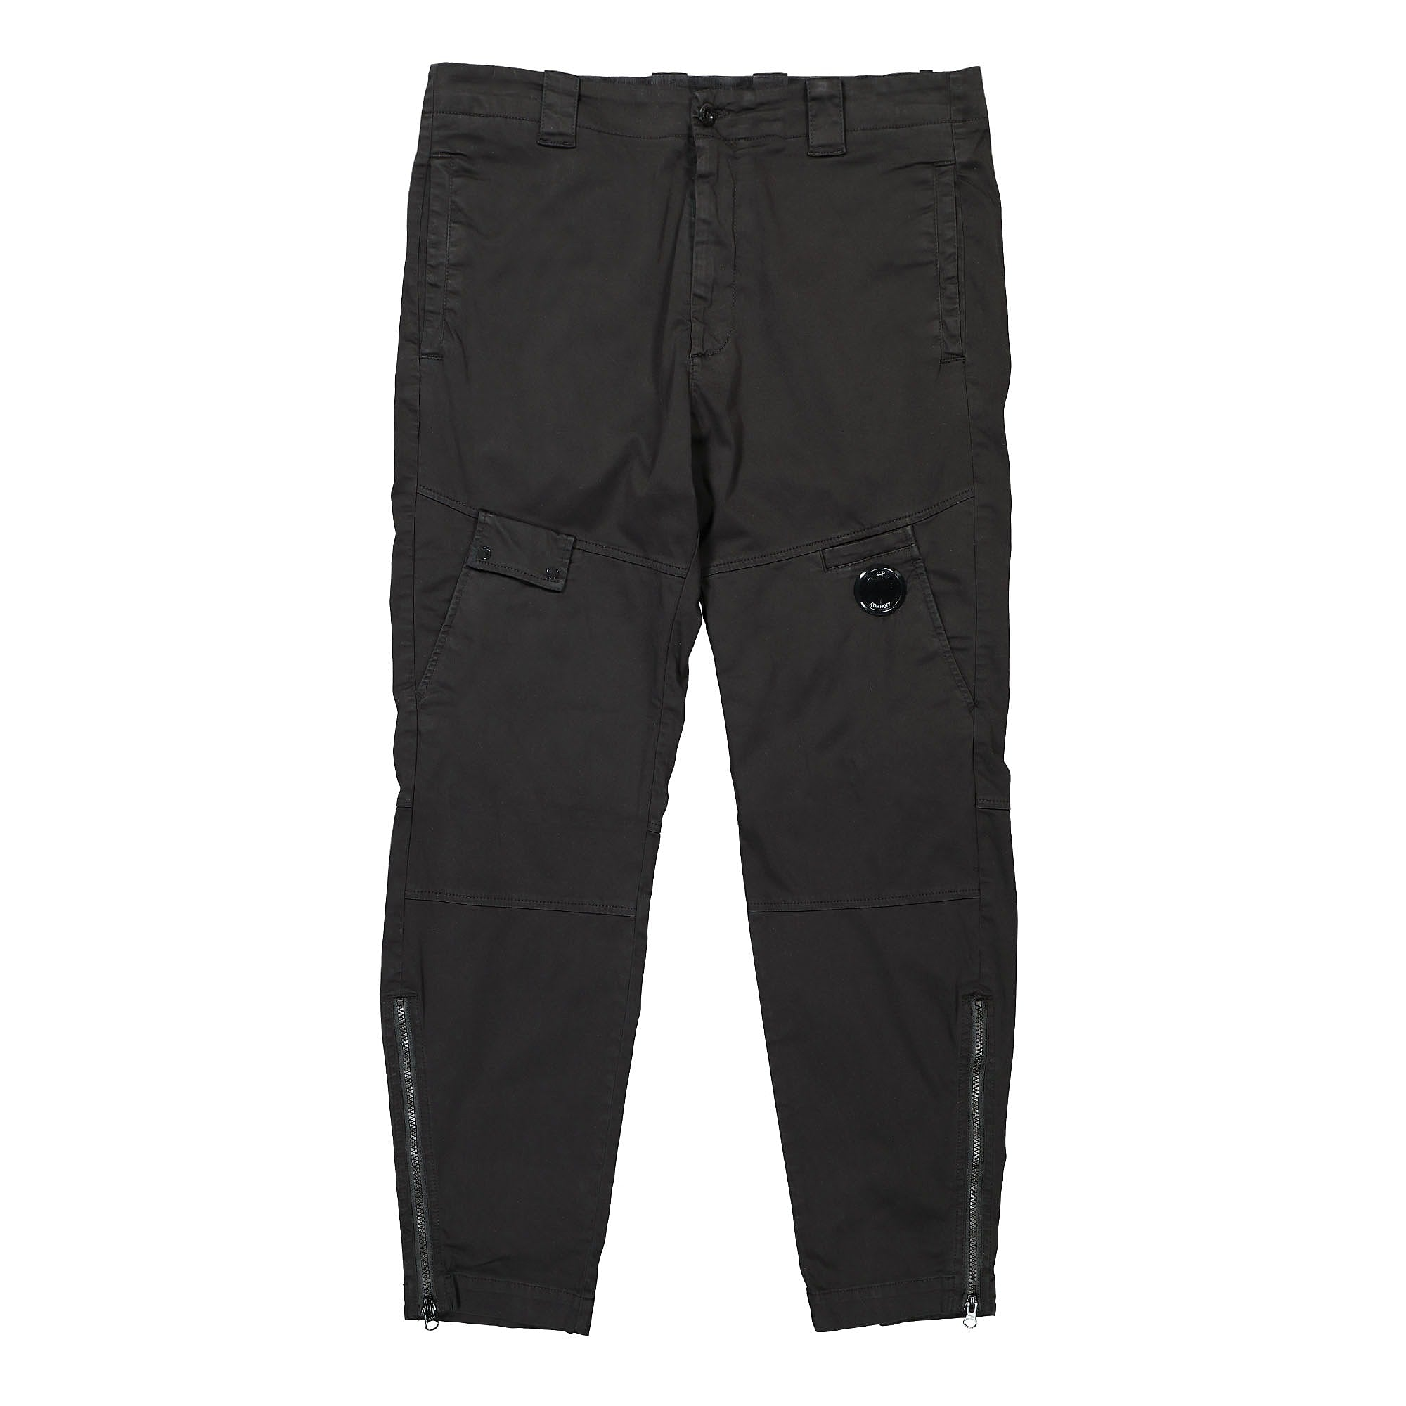 | MAN | 12CMPA061A005694G | PANTS - PANT | 103 | GAUZE WHITE | 98% CO 2% EA | 6203421100 | EU | Romania | 1 |  |  |  |  | 1 |  |  |  |  |  |  |  |  |  |  |  | € 124.00 | € 124.00 | € 83.70 | € 83.70 | £74.73 | £74.73
 |  |  |  |  |  |  |  |  |  |  |  |  |  |  |  |  |  |  |  |  |  |  |  |  |  |  | € - | € - | € - | € - | £- | £-
 | MAN | 12CMPA132A005991G | PANTS - CARGO PANT | 103 | GAUZE WHITE | 100% PA | 6203431100 | NO PREF | Romania | 1 |  |  |  |  |  |  | 1 |  |  |  |  |  |  |  |  |  | € 124.00 | € 124.00 | € 83.70 | € 83.70 | £74.73 | £74.73
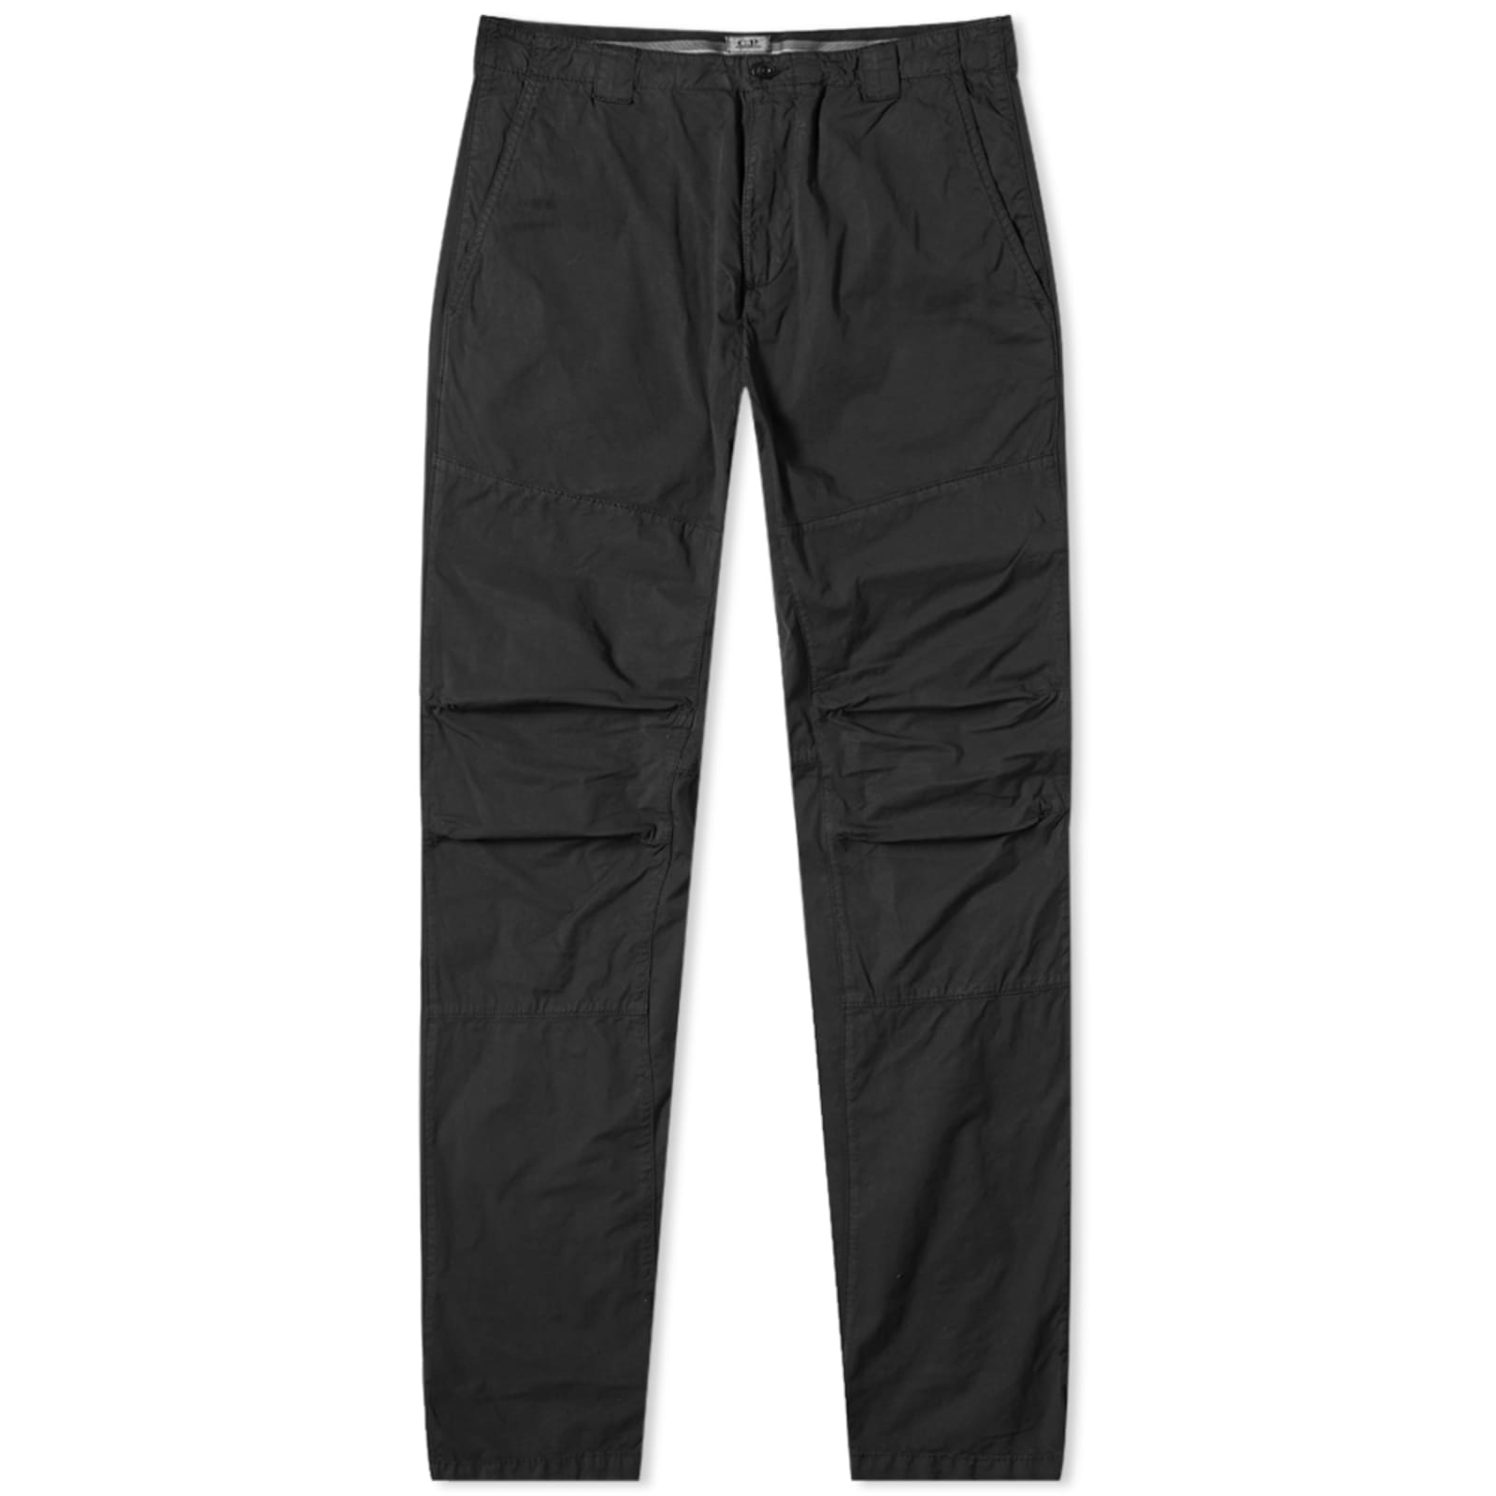 | MAN | 12CMPA157A006026O | PANTS - CARGO PANT | 683 | IVY GREEN | 97% CO 3% EA | 6203421100 | NO PREF | Italy | 1 |  |  |  |  | 1 |  |  |  |  |  |  |  |  |  |  |  | € 129.00 | € 129.00 | € 87.08 | € 87.08 | £77.75 | £77.75
 | MAN | 12CMPA157A006026O | PANTS - CARGO PANT | 888 | TOTAL ECLIPSE | 97% CO 3% EA | 6203421100 | EU | Romania | 1 |  |  |  |  |  | 1 |  |  |  |  |  |  |  |  |  |  | € 129.00 | € 129.00 | € 87.08 | € 87.08 | £77.75 | £77.75
 |  |  |  |  |  |  |  |  |  |  |  |  |  |  |  |  |  |  |  |  |  |  |  |  |  |  | € - | € - | € - | € - | £- | £-
 | MAN | 12CMPA159A005991G | PANTS - CARGO PANT | 937 | GRIFFIN GREY | 100% PA | 6203431100 | NO PREF | Romania | 1 |  |  |  |  |  |  | 1 |  |  |  |  |  |  |  |  |  | € 110.00 | € 110.00 | € 74.25 | € 74.25 | £66.29 | £66.29
 | MAN | 12CMPA248A005746G | PANTS - CARGO PANT | 937 | GRIFFIN GREY | 60%CO 31%PA 9%EA | 6203421100 | EU | Tunisia | 1 |  |  |  |  |  |  |  |  | 1 |  |  |  |  |  |  |  | € 132.00 | € 132.00 | € 89.10 | € 89.10 | £79.55 | £79.55
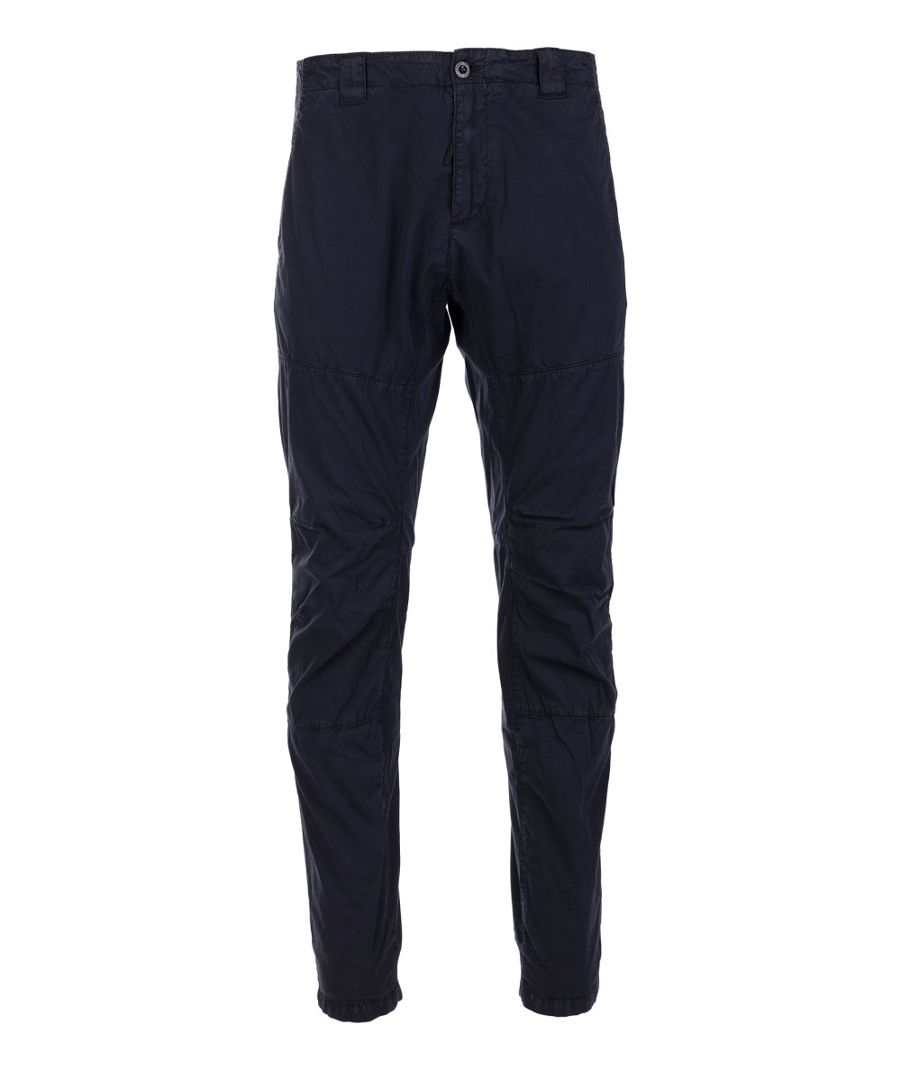 | MAN | 12CMPA300A006026O | PANTS - PANT | 683 | IVY GREEN | 97% CO 3% EA | 6203421100 | NO PREF | Tunisia | 1 |  |  |  |  | 1 |  |  |  |  |  |  |  |  |  |  |  | € 115.00 | € 115.00 | € 77.63 | € 77.63 | £69.31 | £69.31
 | MAN | 12CMPA300A006026O | PANTS - PANT | 888 | TOTAL ECLIPSE | 97% CO 3% EA | 6203421100 | NO PREF | Tunisia | 1 |  |  |  |  | 1 |  |  |  |  |  |  |  |  |  |  |  | € 115.00 | € 115.00 | € 77.63 | € 77.63 | £69.31 | £69.31
 | MAN | 12CMPA301A005991G | PANTS - PANT | 660 | BURNT OLIVE | 100% PA | 6203431100 | NO PREF | Italy | 1 |  |  |  |  |  |  |  |  |  |  |  |  | 1 |  |  |  | € 148.00 | € 148.00 | € 99.90 | € 99.90 | £89.20 | £89.20
 | MAN | 12CMSB072A005086W | SWEATBERMUDA - CARGO | 103 | GAUZE WHITE | 100% CO | 6103420000 | NO PREF | CHINA | 1 |  |  |  |  |  |  |  |  |  |  |  | 1 |  |  |  |  | € 97.00 | € 97.00 | € 65.48 | € 65.48 | £58.46 | £58.46
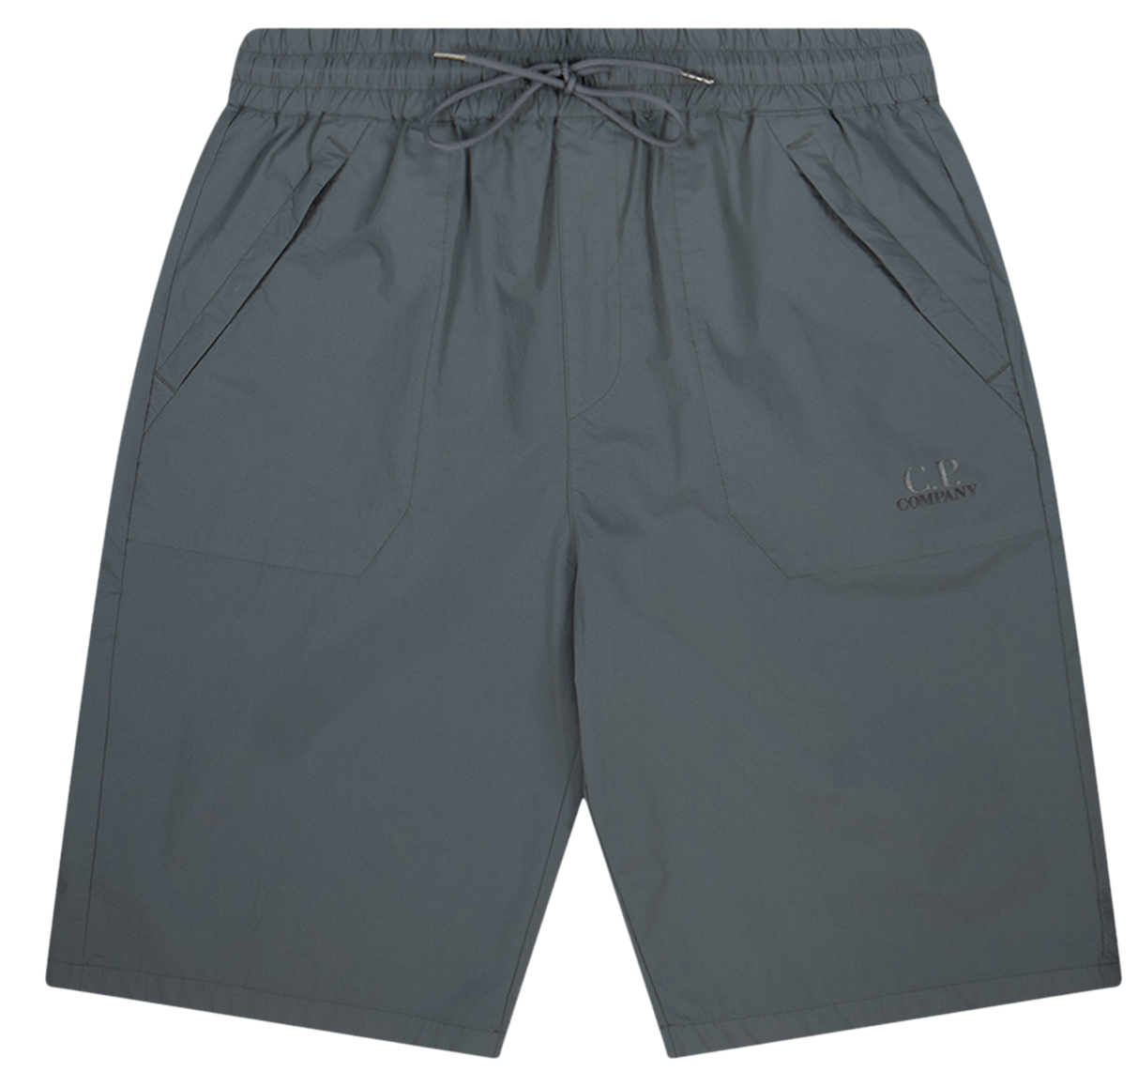 | MAN | 12CMSB206A005669G | SWEATBERMUDA - CARGO | 103 | GAUZE WHITE | 82% PA 18% EA | 6103430000 | NO PREF | CHINA | 3 |  |  |  |  |  |  |  |  |  |  |  |  | 1 | 1 | 1 |  | € 94.00 | € 282.00 | € 63.45 | € 190.35 | £56.65 | £169.96
 | MAN | 12CMSB206A005669G | SWEATBERMUDA - CARGO | 937 | GRIFFIN GREY | 82% PA 18% EA | 6103430000 | NO PREF | CHINA | 1 |  |  |  |  |  |  |  |  |  | 1 |  |  |  |  |  |  | € 94.00 | € 94.00 | € 63.45 | € 63.45 | £56.65 | £56.65
 | MAN | 12CMSB265A005398S | SWEATBERMUDA - JOGGING BERMUDA | 405 | BLEACHED APRICOT | 100% CO | 6103420000 | EU | Italy | 1 |  |  |  |  |  |  |  |  |  | 1 |  |  |  |  |  |  | € 81.00 | € 81.00 | € 54.68 | € 54.68 | £48.82 | £48.82
 | MAN | 12CMSB265A005398S | SWEATBERMUDA - JOGGING BERMUDA | 820 | BABY BLUE | 100% CO | 6103420000 | EU | Italy | 1 |  |  |  |  |  |  |  |  |  | 1 |  |  |  |  |  |  | € 81.00 | € 81.00 | € 54.68 | € 54.68 | £48.82 | £48.82
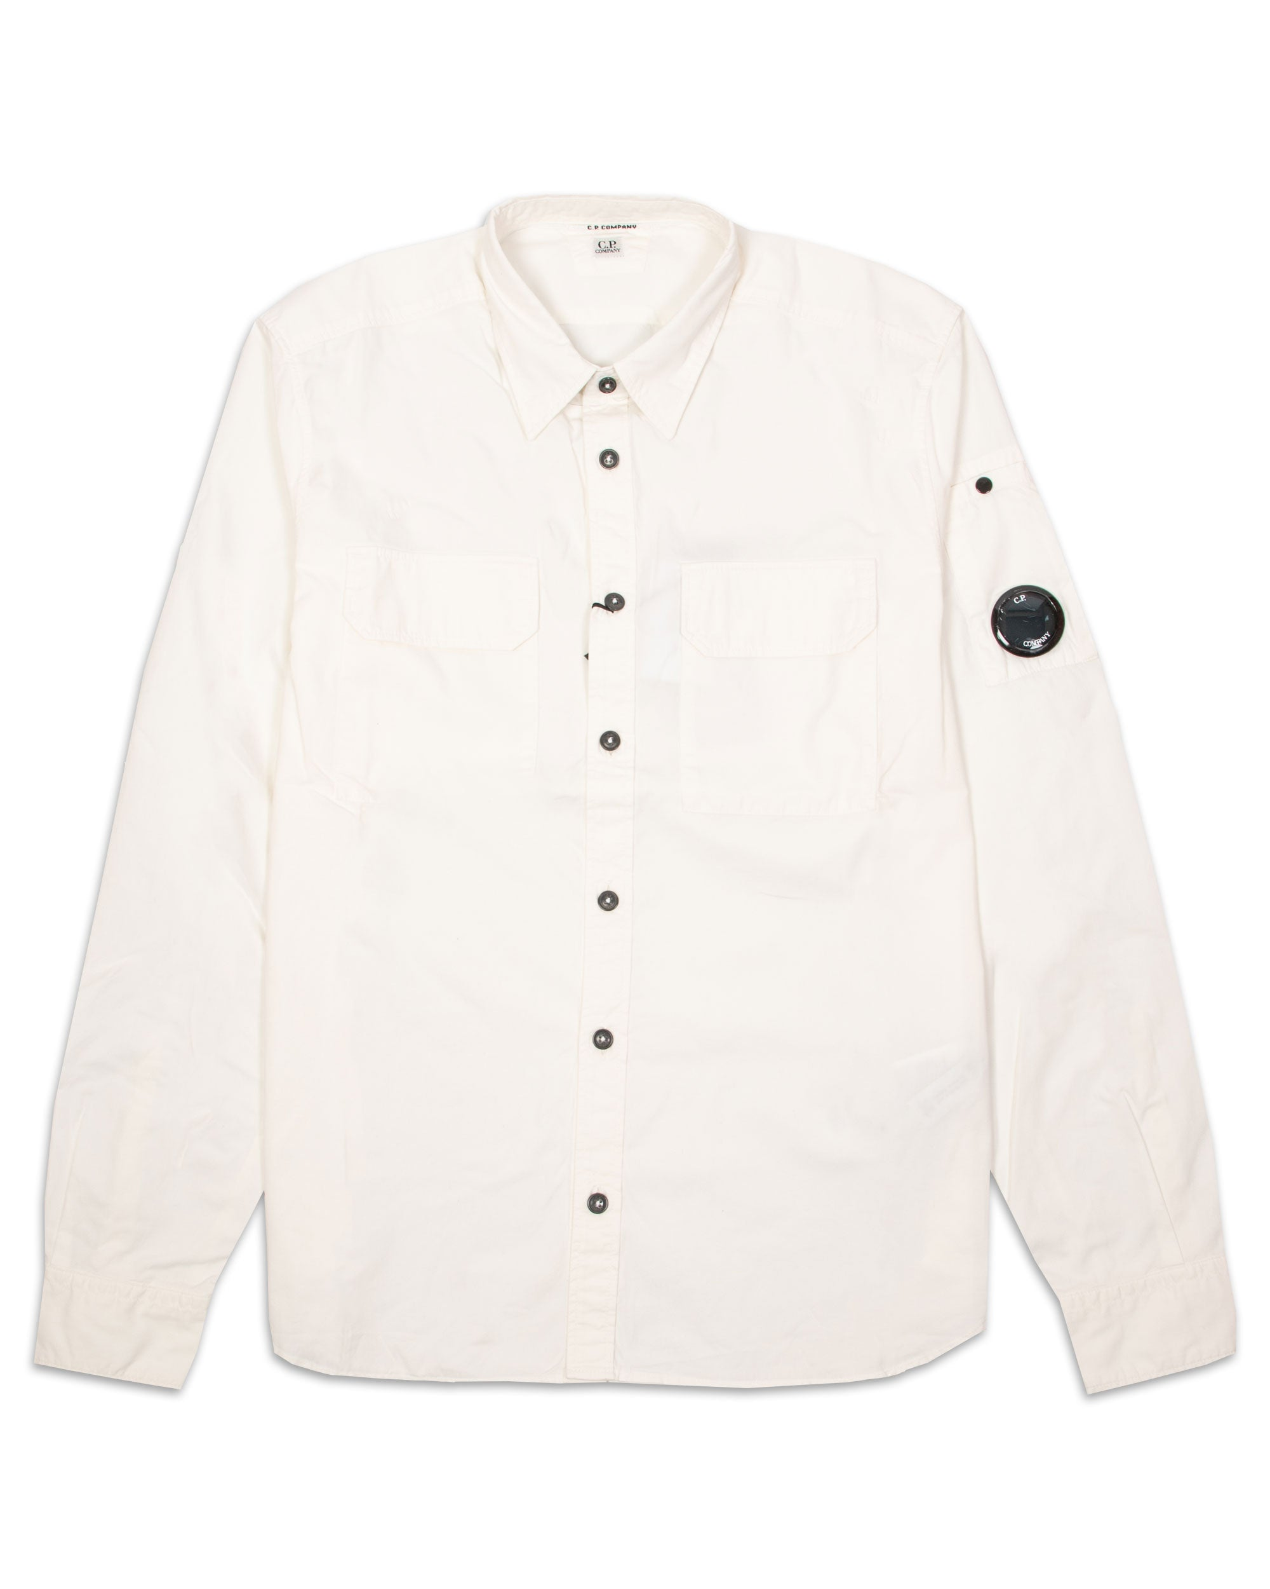 | MAN | 12CMSH088A002824G | SHIRTS - LONG SLEEVE | 683 | IVY GREEN | 100% CO | 6205200090 | NO PREF | Tunisia | 2 |  |  |  |  |  |  |  |  |  |  | 1 |  |  | 1 |  |  | € 105.00 | € 210.00 | € 70.88 | € 141.75 | £63.28 | £126.56
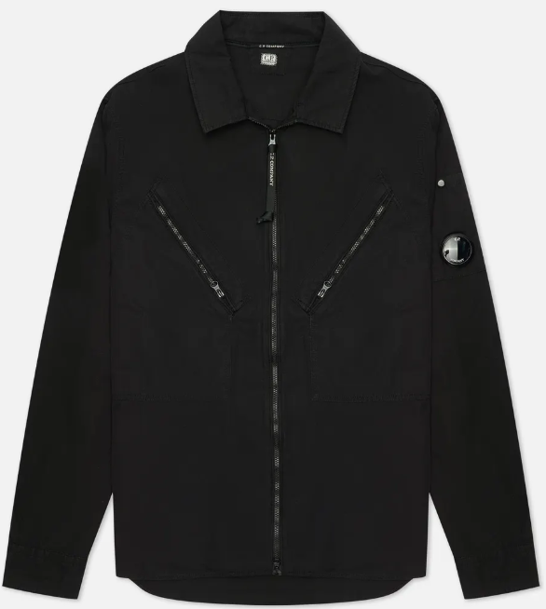 | MAN | 12CMSH236A006272G | SHIRTS - LONG SLEEVE | 999 | BLACK | 100% CO | 6205200090 | NO PREF | Tunisia | 1 |  |  |  |  |  |  |  |  |  |  | 1 |  |  |  |  |  | € 141.00 | € 141.00 | € 95.18 | € 95.18 | £84.98 | £84.98
 | MAN | 12CMSP017A005086W | SWEATPANTS - CARGO PANT | 239 | NUGGET GOLD | 100% CO | 6103420000 | NO PREF | Myanmar | 1 |  |  |  |  |  |  |  |  |  |  |  | 1 |  |  |  |  | € 82.00 | € 82.00 | € 55.35 | € 55.35 | £49.42 | £49.42
 | MAN | 12CMSP017A005086W | SWEATPANTS - CARGO PANT | 999 | BLACK | 100% CO | 6103420000 | NO PREF | Myanmar | 1 |  |  |  |  |  |  |  |  |  |  |  |  |  |  |  | 1 | € 82.00 | € 82.00 | € 55.35 | € 55.35 | £49.42 | £49.42
 | MAN | 12CMSP071A005086W | SWEATPANTS - CARGO PANT | 322 | SENECA ROCK | 100% CO | 6103420000 | NO PREF | CHINA | 1 |  |  |  |  |  |  |  |  |  |  | 1 |  |  |  |  |  | € 110.00 | € 110.00 | € 74.25 | € 74.25 | £66.29 | £66.29
 | MAN | 12CMSP071A005086W | SWEATPANTS - CARGO PANT | 455 | FIERY RED | 100% CO | 6103420000 | NO PREF | CHINA | 1 |  |  |  |  |  |  |  |  |  |  | 1 |  |  |  |  |  | € 110.00 | € 110.00 | € 74.25 | € 74.25 | £66.29 | £66.29
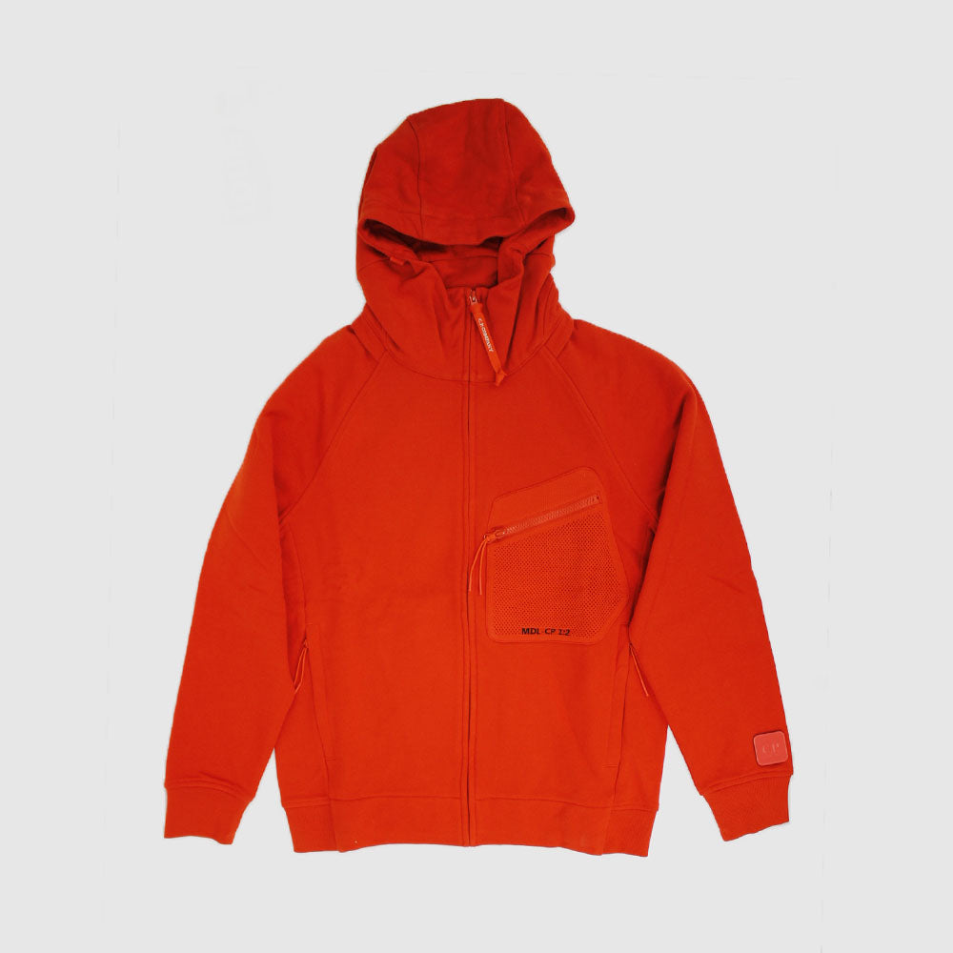
 | MAN | 12CMSS078A005086W | SWEATSHIRTS - HOODED OPEN | 103 | GAUZE WHITE | 100% CO | 6110209100 | NO PREF | CHINA | 1 |  |  |  |  |  |  |  |  |  |  |  | 1 |  |  |  |  | € 148.00 | € 148.00 | € 99.90 | € 99.90 | £89.20 | £89.20
 | MAN | 12CMSS078A005086W | SWEATSHIRTS - HOODED OPEN | 455 | FIERY RED | 100% CO | 6110209100 | NO PREF | CHINA | 2 |  |  |  |  |  |  |  |  |  |  |  |  |  | 1 | 1 |  | € 148.00 | € 296.00 | € 99.90 | € 199.80 | £89.20 | £178.39
 | MAN | 12CMSS078A005086W | SWEATSHIRTS - HOODED OPEN | 978 | DARK SHADOW | 100% CO | 6110209100 | NO PREF | CHINA | 1 |  |  |  |  |  |  |  |  |  |  |  |  |  | 1 |  |  | € 148.00 | € 148.00 | € 99.90 | € 99.90 | £89.20 | £89.20
 | MAN | 12CMSS078A005086W | SWEATSHIRTS - HOODED OPEN | 999 | BLACK | 100% CO | 6110209100 | NO PREF | CHINA | 1 |  |  |  |  |  |  |  |  |  |  |  | 1 |  |  |  |  | € 148.00 | € 148.00 | € 99.90 | € 99.90 | £89.20 | £89.20
 | MAN | 12CMSS083A005086W | SWEATSHIRTS - HOODED OPEN | 888 | TOTAL ECLIPSE | 100% CO | 6110209100 | NO PREF | CHINA | 2 |  |  |  |  |  |  |  |  |  |  |  |  |  | 1 | 1 |  | € 128.00 | € 256.00 | € 86.40 | € 172.80 | £77.14 | £154.29
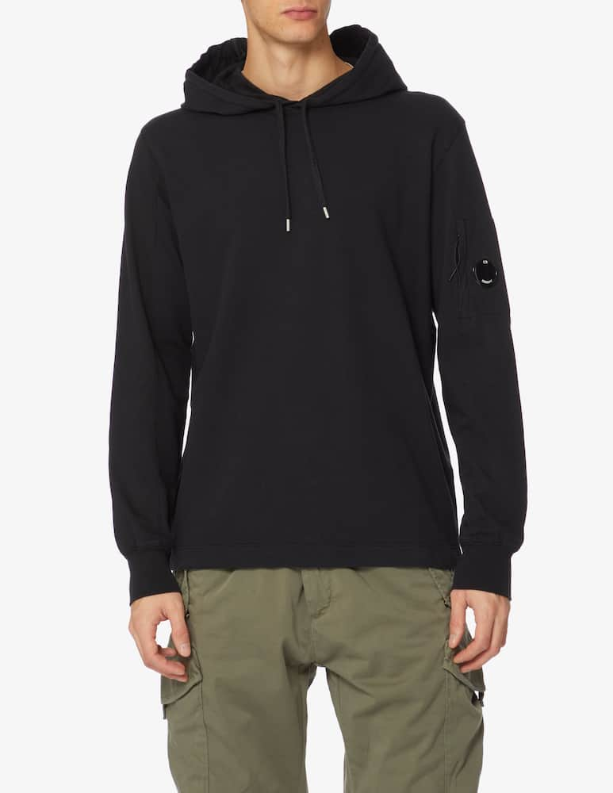 | MAN | 14CMSS033A002246G | SWEATSHIRTS | 999 | BLACK | 100%CO | 6110209100 |  | Italy | 1 |  |  |  |  |  |  |  |  |  |  |  | 1 |  |  |  |  | € 105.00 | € 105.00 | € 70.88 | € 70.88 | £63.28 | £63.28
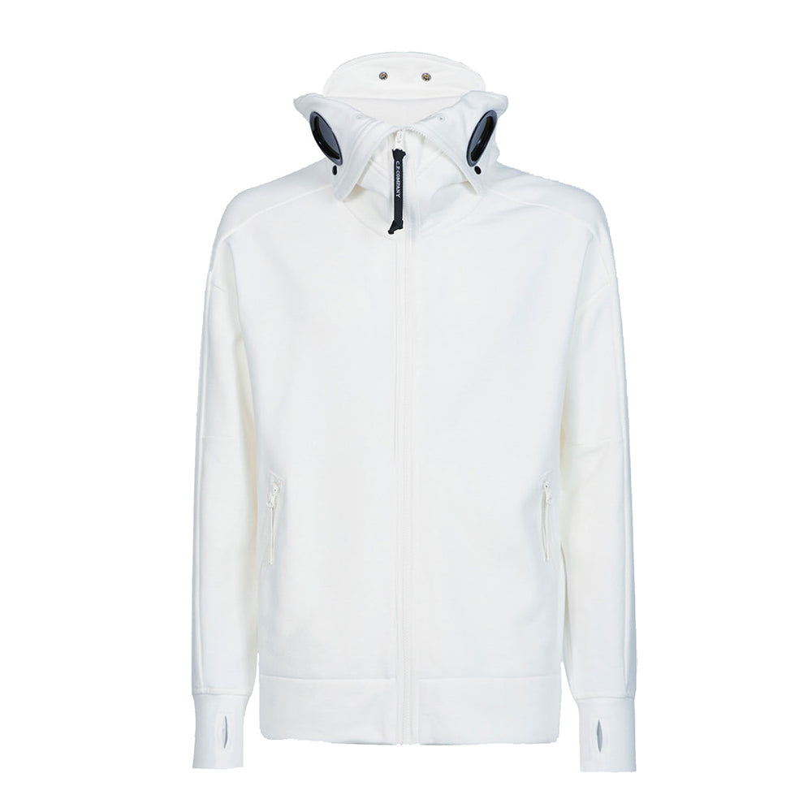 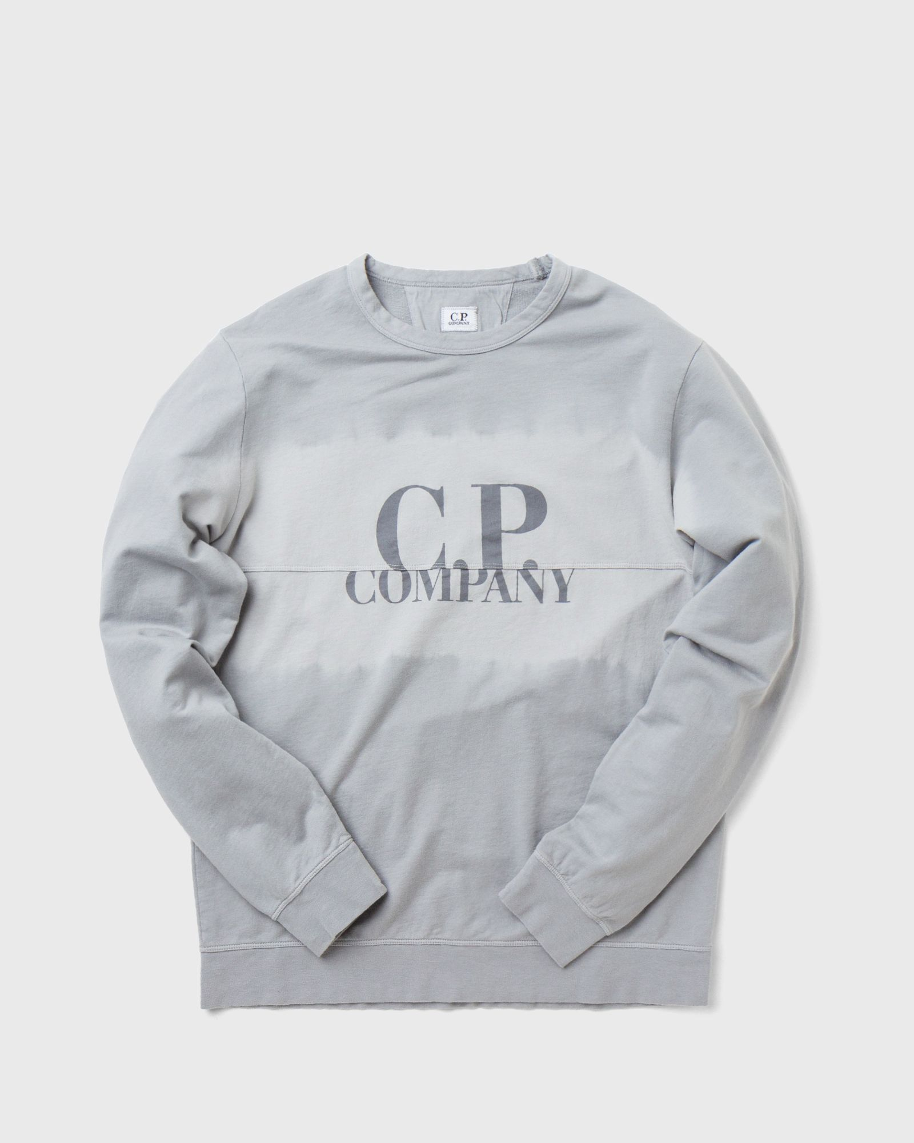 | MAN | 12CMSS235A006248S | SWEATSHIRTS - CREW NECK | 660 | BURNT OLIVE | 100% CO | 6110209100 | EU | Italy | 1 |  |  |  |  |  |  |  |  |  |  | 1 |  |  |  |  |  | € 98.00 | € 98.00 | € 66.15 | € 66.15 | £59.06 | £59.06
 | MAN | 12CMSS262A005398S | SWEATSHIRTS - CREW NECK | 820 | BABY BLUE | 100% CO | 6110209100 | EU | Italy | 1 |  |  |  |  |  |  |  |  |  |  |  |  | 1 |  |  |  | € 94.00 | € 94.00 | € 63.45 | € 63.45 | £56.65 | £56.65
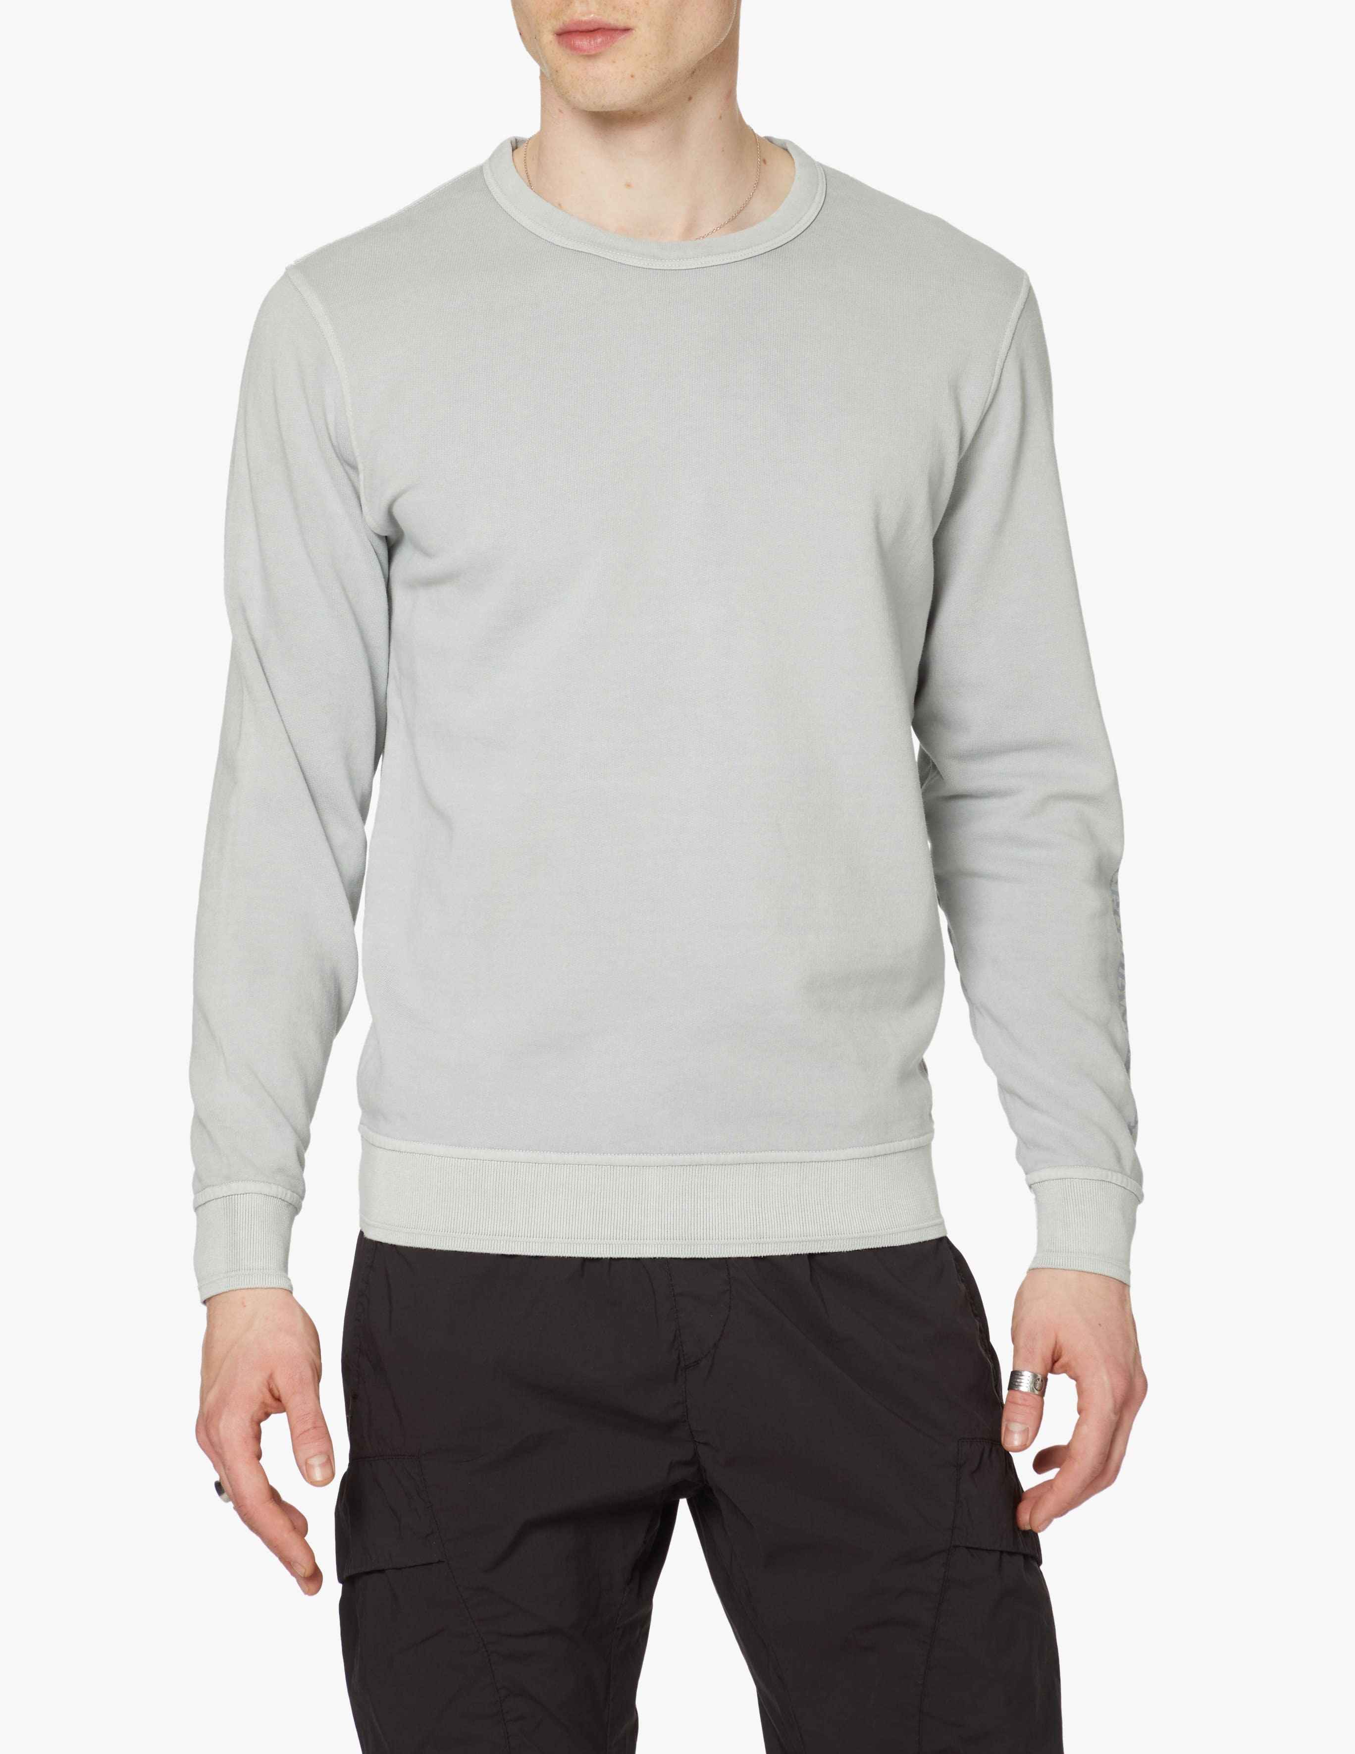 | MAN | 12CMSS263A005398S | SWEATSHIRTS - CREW NECK | 204 | PASTEL YELLOW | 100% CO | 6110209100 | EU | Italy | 2 |  |  |  |  |  |  |  |  |  |  |  |  | 2 |  |  |  | € 94.00 | € 188.00 | € 63.45 | € 126.90 | £56.65 | £113.30
 | MAN | 12CMSS263A005398S | SWEATSHIRTS - CREW NECK | 647 | CAPULET OLIVE | 100% CO | 6110209100 | EU | Italy | 1 |  |  |  |  |  |  |  |  |  |  |  |  | 1 |  |  |  | € 94.00 | € 94.00 | € 63.45 | € 63.45 | £56.65 | £56.65
 | MAN | 12CMSS263A005398S | SWEATSHIRTS - CREW NECK | 820 | BABY BLUE | 100% CO | 6110209100 | EU | Italy | 2 |  |  |  |  |  |  |  |  |  |  | 1 |  |  | 1 |  |  | € 94.00 | € 188.00 | € 63.45 | € 126.90 | £56.65 | £113.30
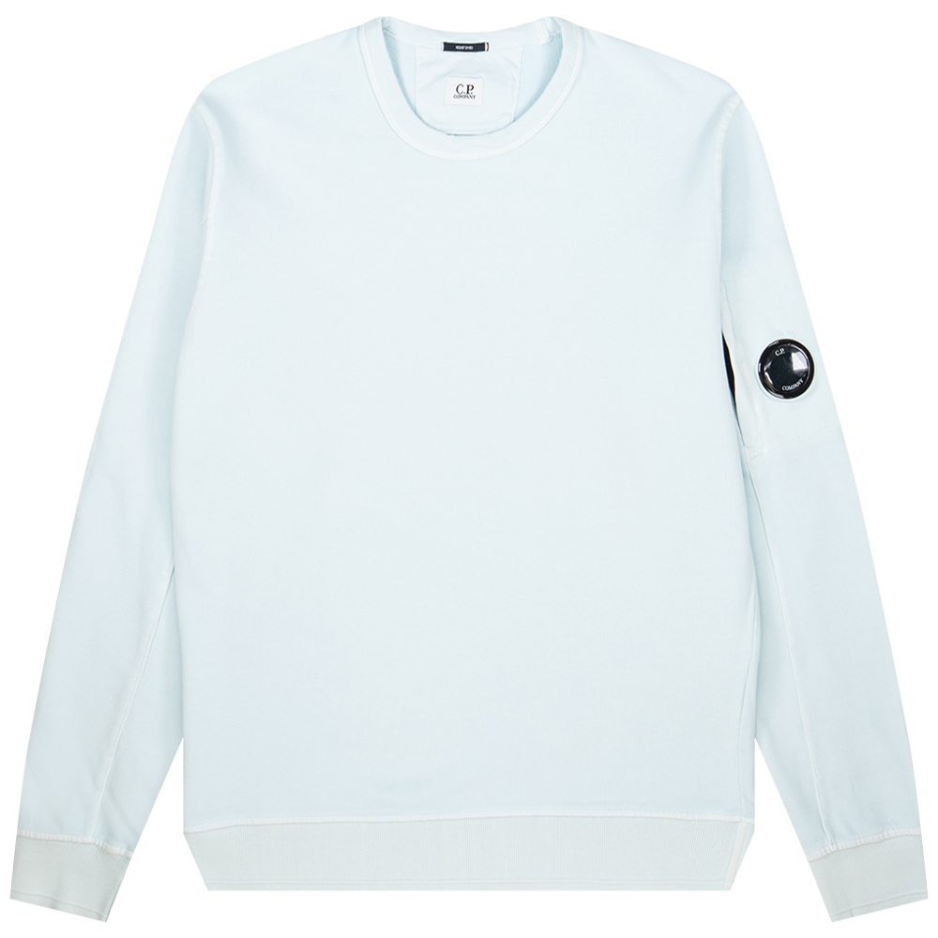 | MAN | 12CMSS319A005398S | SWEATSHIRTS - CREW NECK | 204 | PASTEL YELLOW | 100% CO | 6110209100 | EU | Italy | 3 |  |  |  |  |  |  |  |  |  | 1 |  |  | 2 |  |  |  | € 102.00 | € 306.00 | € 68.85 | € 206.55 | £61.47 | £184.42
 | MAN | 12CMSS319A005398S | SWEATSHIRTS - CREW NECK | 405 | BLEACHED APRICOT | 100% CO | 6110209100 | EU | Italy | 8 |  |  |  |  |  |  |  |  |  |  | 3 | 4 | 1 |  |  |  | € 102.00 | € 816.00 | € 68.85 | € 550.80 | £61.47 | £491.79
 | MAN | 12CMSS319A005398S | SWEATSHIRTS - CREW NECK | 820 | BABY BLUE | 100% CO | 6110209100 | EU | Italy | 1 |  |  |  |  |  |  |  |  |  |  |  |  |  | 1 |  |  | € 102.00 | € 102.00 | € 68.85 | € 68.85 | £61.47 | £61.47
 | MAN | 12CMTS042A005100W | T-SHIRTS - SHORT SLEEVE | 999 | BLACK | 100% CO | 6109100010 | NO PREF | CHINA | 1 |  |  |  |  |  |  |  |  |  |  |  |  | 1 |  |  |  | € 42.00 | € 42.00 | € 28.35 | € 28.35 | £25.31 | £25.31
 | MAN | 12CMTS050A005100W | T-SHIRTS - SHORT SLEEVE | 455 | FIERY RED | 100% CO | 6109100010 | NO PREF | CHINA | 3 |  |  |  |  |  |  |  |  |  |  | 1 | 1 | 1 |  |  |  | € 42.00 | € 126.00 | € 28.35 | € 85.05 | £25.31 | £75.94
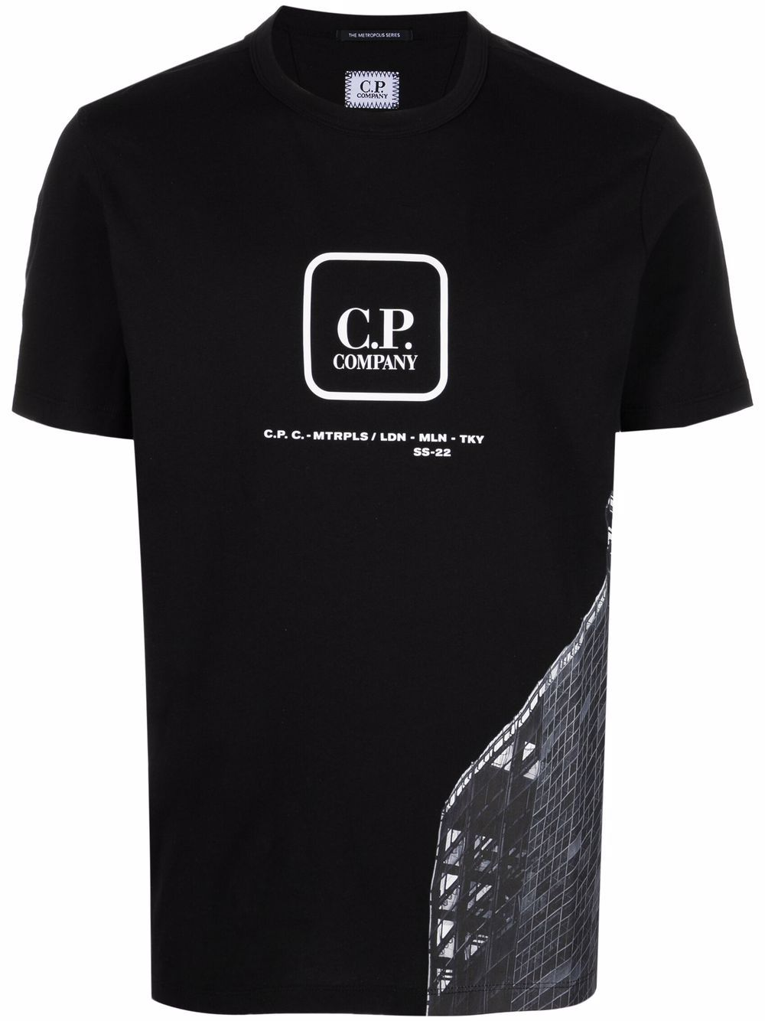 | MAN | 12CMTS194A005100W | T-SHIRTS - SHORT SLEEVE | 999 | BLACK | 100% CO | 6109100010 | NO PREF | CHINA | 1 |  |  |  |  |  |  |  |  |  |  |  |  | 1 |  |  |  | € 54.00 | € 54.00 | € 36.45 | € 36.45 | £32.54 | £32.54
 | MAN | 12CMTS195A005100W | T-SHIRTS - SHORT SLEEVE | 999 | BLACK | 100% CO | 6109100010 | NO PREF | CHINA | 3 |  |  |  |  |  |  |  |  |  |  |  | 1 | 2 |  |  |  | € 54.00 | € 162.00 | € 36.45 | € 109.35 | £32.54 | £97.63
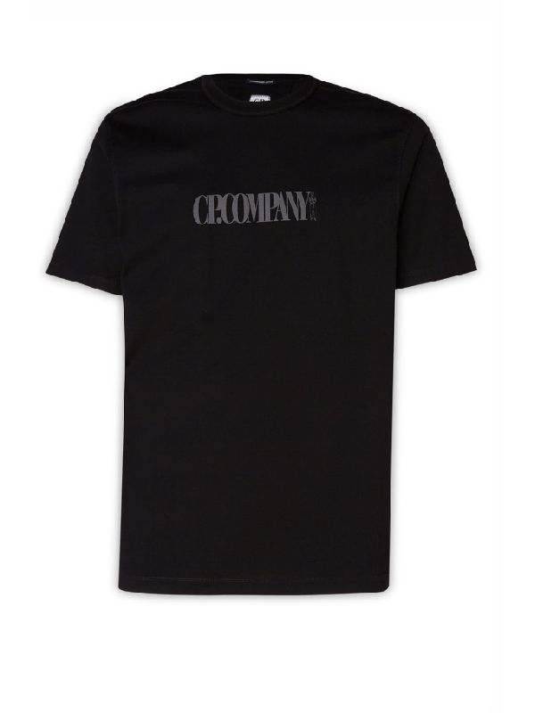 | MAN | 12CMTS197A006203W | T-SHIRTS - SHORT SLEEVE | 888 | TOTAL ECLIPSE | 100% CO | 6109100010 | EU | Italy | 2 |  |  |  |  |  |  |  |  |  |  | 2 |  |  |  |  |  | € 56.00 | € 112.00 | € 37.80 | € 75.60 | £33.75 | £67.50
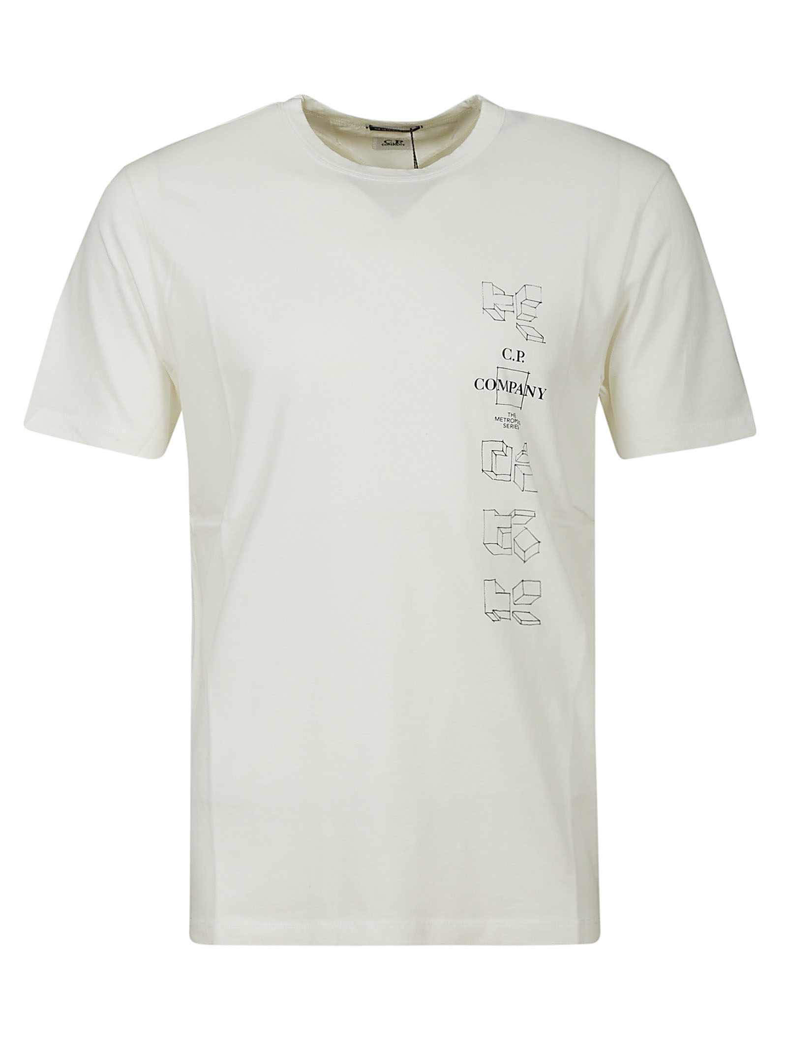 | MAN | 12CMTS215A005100W | T-SHIRTS - SHORT SLEEVE | 103 | GAUZE WHITE | 100% CO | 6109100010 | NO PREF | CHINA | 1 |  |  |  |  |  |  |  |  |  |  |  |  | 1 |  |  |  | € 45.00 | € 45.00 | € 30.38 | € 30.38 | £27.12 | £27.12
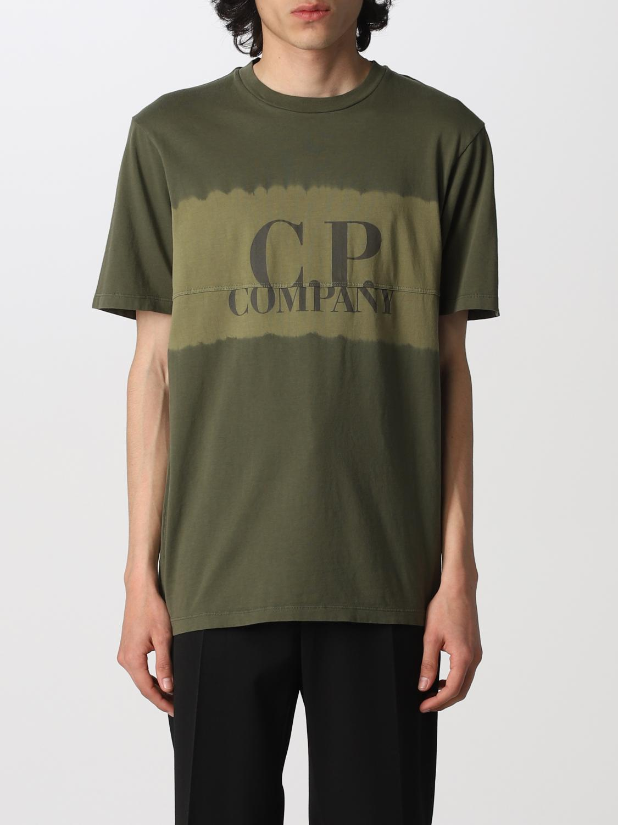 | MAN | 12CMTS234A005431S | T-SHIRTS - SHORT SLEEVE | 660 | BURNT OLIVE | 100% CO | 6109100010 | EU | Italy | 1 |  |  |  |  |  |  |  |  |  |  |  | 1 |  |  |  |  | € 74.00 | € 74.00 | € 49.95 | € 49.95 | £44.60 | £44.60
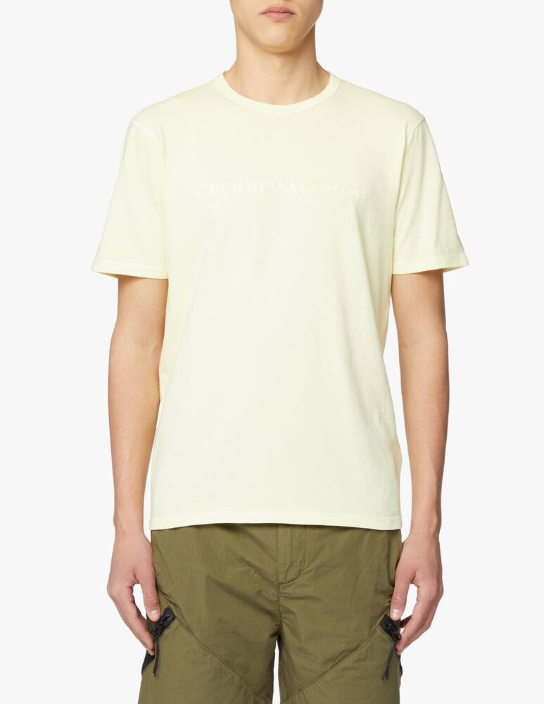 | MAN | 12CMTS266A005697S | T-SHIRTS - SHORT SLEEVE | 204 | PASTEL YELLOW | 100% CO | 6109100010 | EU | Italy | 1 |  |  |  |  |  |  |  |  |  |  |  |  |  | 1 |  |  | € 50.00 | € 50.00 | € 33.75 | € 33.75 | £30.13 | £30.13
 | MAN | 12CMTS266A005697S | T-SHIRTS - SHORT SLEEVE | 405 | BLEACHED APRICOT | 100% CO | 6109100010 | EU | Italy | 1 |  |  |  |  |  |  |  |  |  |  |  |  |  | 1 |  |  | € 50.00 | € 50.00 | € 33.75 | € 33.75 | £30.13 | £30.13
 | MAN | 12CMTS304A005431G | T-SHIRTS - SHORT SLEEVE | 508 | WOOD ROSE | 100% CO | 6109100010 | EU | Italy | 2 |  |  |  |  |  |  |  |  |  |  |  |  | 2 |  |  |  | € 61.00 | € 122.00 | € 41.18 | € 82.35 | £36.76 | £73.53
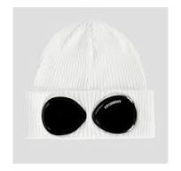 | MAN | 14CMAC016A000727A | ACCESSORIES - KNIT CAP | 103 | GAUZE WHITE | 100% CO | 6505001000 | EU | Italy | 104 |  |  |  |  |  |  |  |  |  |  |  |  |  |  |  |  | € 59.00 | € 6,136.00 | € 39.83 | € 4,141.80 | £35.56 | £3,698.04
 | MAN | 14CMAC016A000727A | ACCESSORIES - KNIT CAP | M93 | GREY MELANGE | 100% CO | 6505001000 | EU | Italy | 13 |  |  |  |  |  |  |  |  |  |  |  |  |  |  |  |  | € 59.00 | € 767.00 | € 39.83 | € 517.73 | £35.56 | £462.25
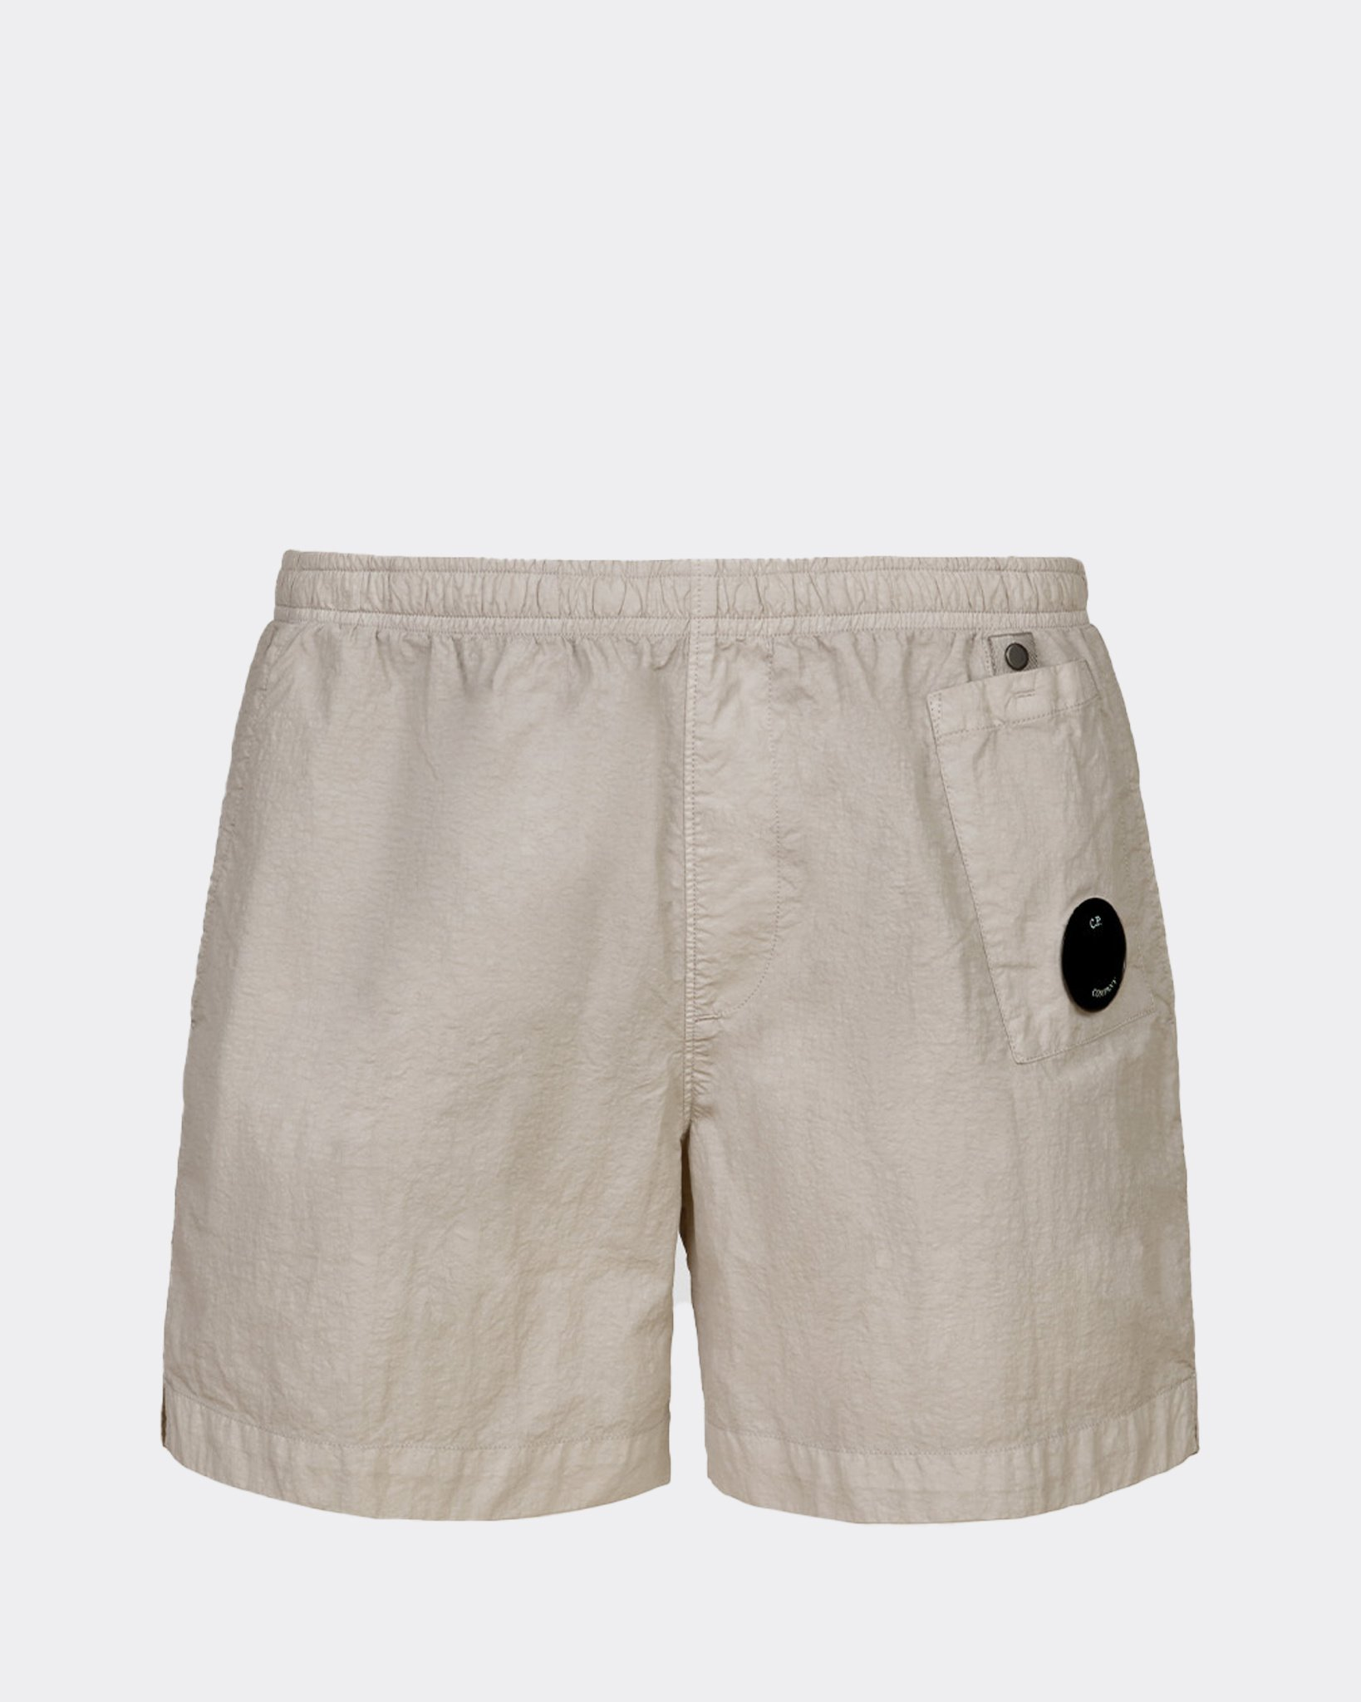 | MAN | 14CMBW006A005991G | BEACHWEAR - BOXER | 339 | LEAD GREY | 100% PA | 6211110000 | NO PREF | BULGARIA | 1 |  |  |  | 1 |  |  |  |  |  |  |  |  |  |  |  |  | € 81.00 | € 81.00 | € 54.68 | € 54.68 | £48.82 | £48.82
 | MAN | 14CMOS019A006450A | OVERSHIRT - OVERSHIRT | 888 | TOTAL ECLIPSE | 100% CO | 6203329000 | NO PREF | CHINA | 1 |  |  |  |  |  |  |  |  |  |  |  |  | 1 |  |  |  | € 247.00 | € 247.00 | € 166.73 | € 166.73 | £148.86 | £148.86
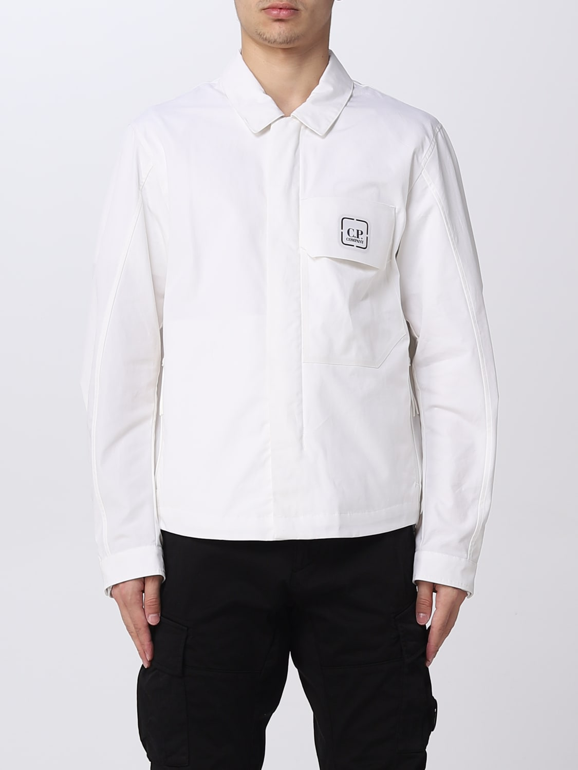 | MAN | 14CMOS020A006450A | OVERSHIRT - OVERSHIRT | 101 | WHITE | 100% CO | 6203329000 | NO PREF | CHINA | 1 |  |  |  |  |  |  |  |  |  |  |  |  | 1 |  |  |  | € 247.00 | € 247.00 | € 166.73 | € 166.73 | £148.86 | £148.86
 | MAN | 14CMOS045A005904G | OVERSHIRT - OVERSHIRT | 999 | BLACK | 100% PA | 6203339000 | NO PREF | CHINA | 1 |  |  |  |  |  |  |  |  |  |  |  |  |  | 1 |  |  | € 215.00 | € 215.00 | € 145.13 | € 145.13 | £129.58 | £129.58
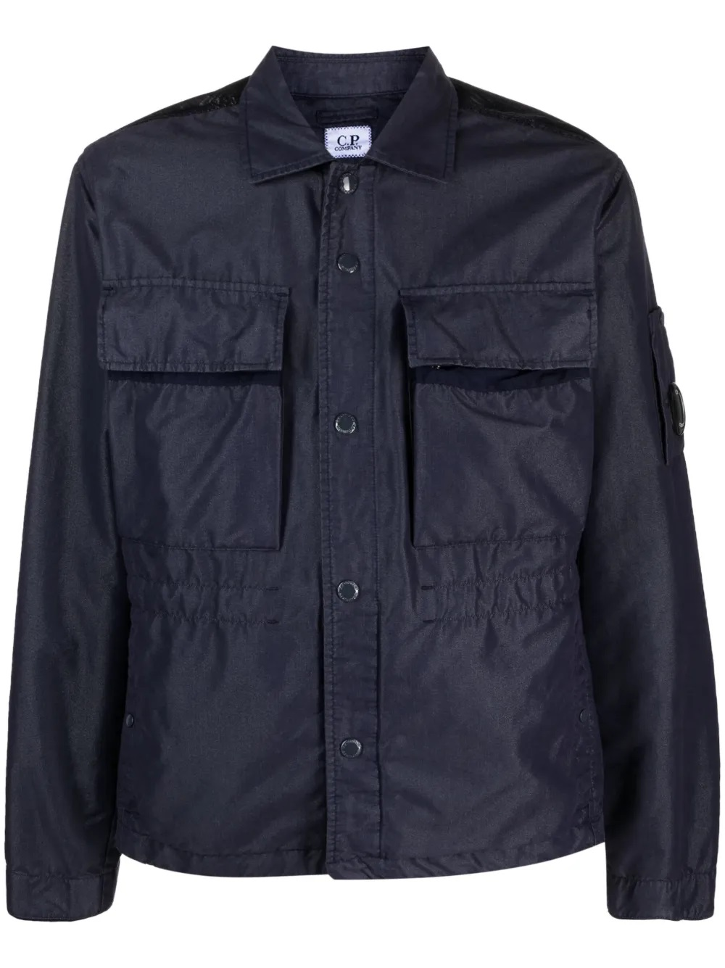 | MAN | 14CMOS249A006537M | OVERSHIRT - OVERSHIRT | 868 | MEDIEVAL BLUE | 62%CO 38%PL | 6203329000 | EU | Romania | 6 |  |  |  |  |  |  |  |  |  |  |  |  | 6 |  |  |  | € 346.00 | € 2,076.00 | € 233.55 | € 1,401.30 | £208.53 | £1,251.16
 | MAN | 14CMOS286A005533G | OVERSHIRT - OVERSHIRT | 439 | HARVEST PUMPKIN | 75% CO 25% PA | 6203329000 | EU | Romania | 1 |  |  |  |  |  |  |  |  |  |  |  |  | 1 |  |  |  | € 262.00 | € 262.00 | € 176.85 | € 176.85 | £157.90 | £157.90
 | MAN | 14CMOS286A005533G | OVERSHIRT - OVERSHIRT | 825 | TILE BLUE | 75% CO 25% PA | 6203329000 | EU | Romania | 1 |  |  |  |  |  |  |  |  |  |  |  |  |  | 1 |  |  | € 262.00 | € 262.00 | € 176.85 | € 176.85 | £157.90 | £157.90
 | MAN | 14CMOW004A005864G | OUTERWEAR - SHORT JACKET | 673 | FROSTY SPRUCE | 92% PA 8% EA | 6201401090 | EU | BULGARIA | 3 |  |  |  |  |  | 3 |  |  |  |  |  |  |  |  |  |  | € 242.00 | € 726.00 | € 163.35 | € 490.05 | £145.85 | £437.54
 | MAN | 14CMOW004A005864G | OUTERWEAR - SHORT JACKET | 825 | TILE BLUE | 92% PA 8% EA | 6201401090 | EU | BULGARIA | 1 |  |  |  |  |  | 1 |  |  |  |  |  |  |  |  |  |  | € 242.00 | € 242.00 | € 163.35 | € 163.35 | £145.85 | £145.85
 | MAN | 14CMOW004A005864G | OUTERWEAR - SHORT JACKET | 888 | TOTAL ECLIPSE | 92% PA 8% EA | 6201401090 | EU | BULGARIA | 1 |  |  |  |  |  | 1 |  |  |  |  |  |  |  |  |  |  | € 242.00 | € 242.00 | € 163.35 | € 163.35 | £145.85 | £145.85
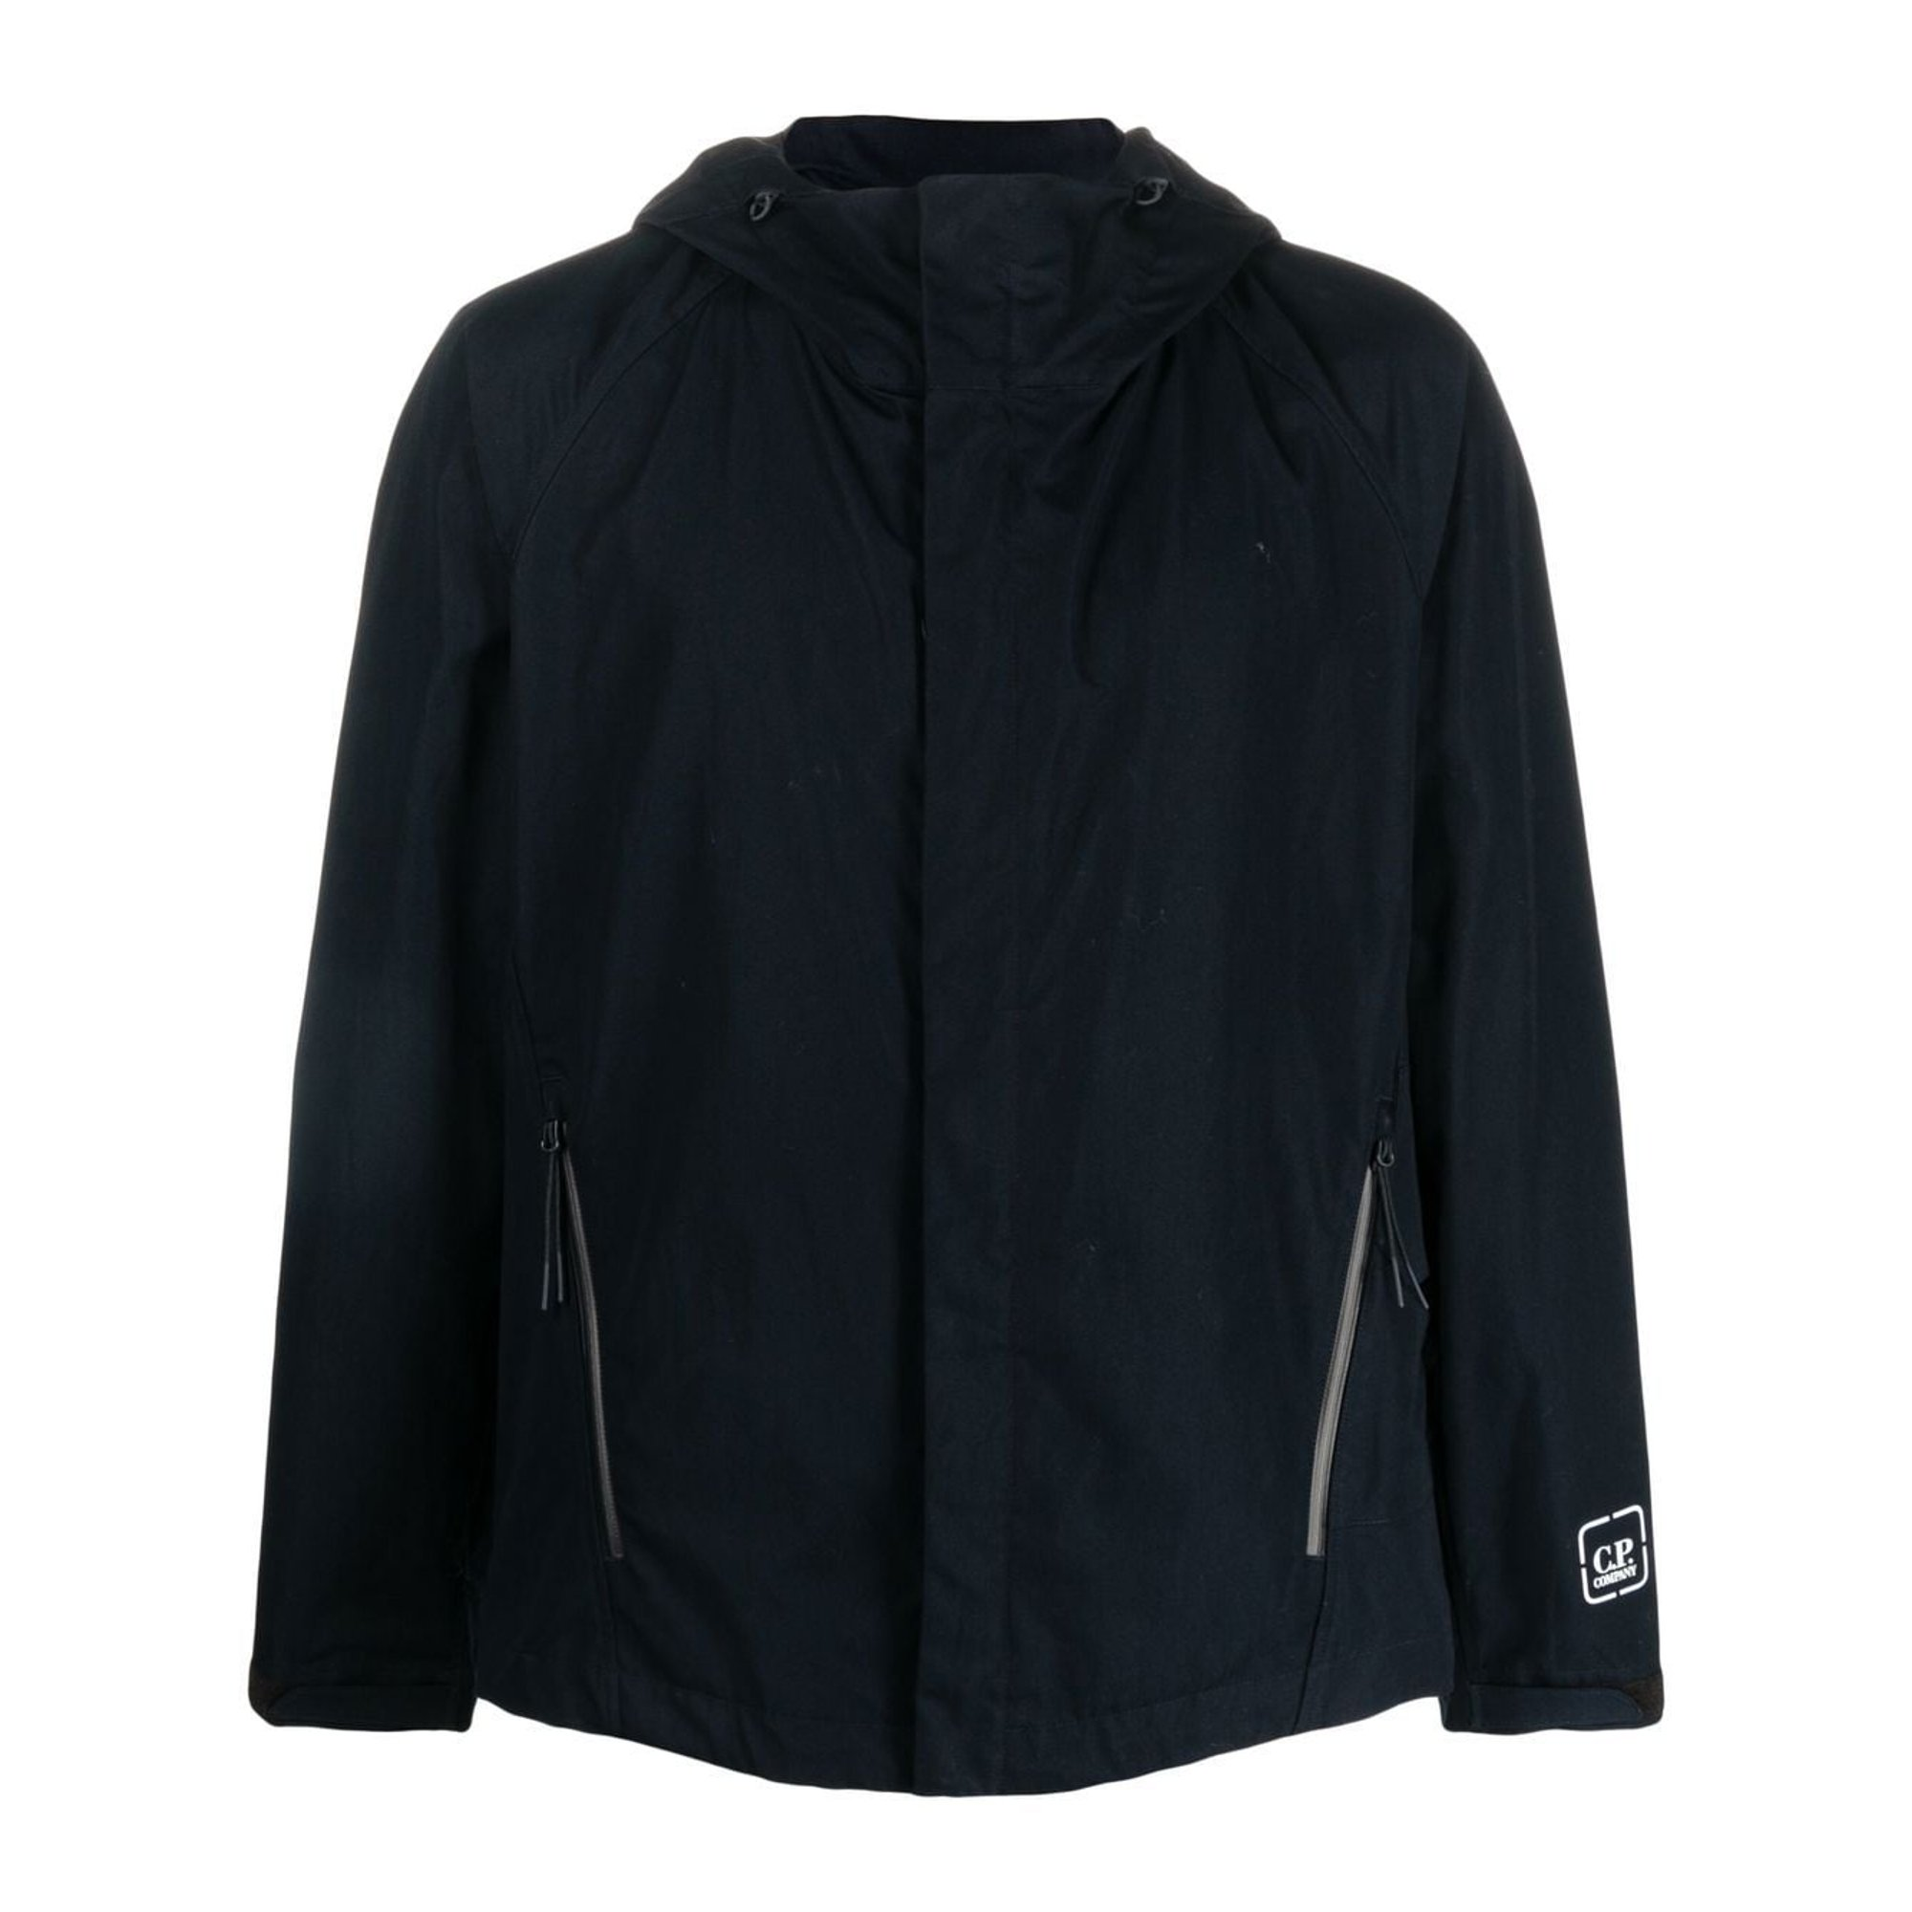 | MAN | 14CMOW018A006450A | OUTERWEAR - MEDIUM JACKET | 805 | HARBOR MIST | 100% CO | 6201301019 | NO PREF | CHINA | 4 |  |  |  |  |  | 4 |  |  |  |  |  |  |  |  |  |  | € 281.00 | € 1,124.00 | € 189.68 | € 758.70 | £169.35 | £677.41
 | MAN | 14CMOW037A005968A | OUTERWEAR - MEDIUM JACKET | 825 | TILE BLUE | 92% PL 8% EA | 6201401090 | NO PREF | CHINA | 1 |  |  |  |  |  | 1 |  |  |  |  |  |  |  |  |  |  | € 196.00 | € 196.00 | € 132.30 | € 132.30 | £118.13 | £118.13
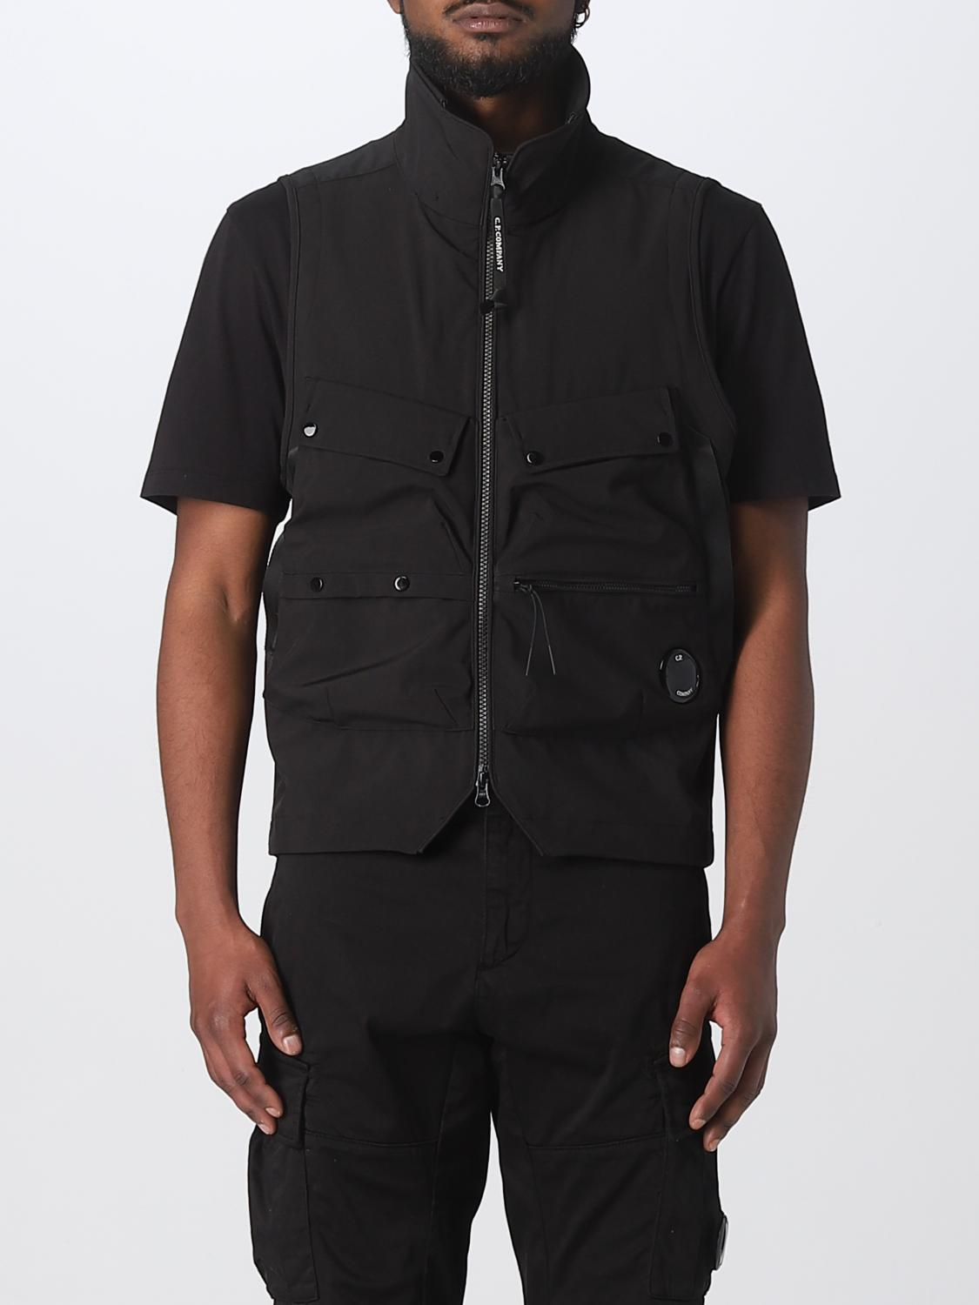 | MAN | 14CMOW038A005968A | OUTERWEAR - VEST | 439 | HARVEST PUMPKIN | 92% PL 8% EA | 6201401090 | NO PREF | CHINA | 1 |  |  |  |  |  | 1 |  |  |  |  |  |  |  |  |  |  | € 175.00 | € 175.00 | € 118.13 | € 118.13 | £105.47 | £105.47
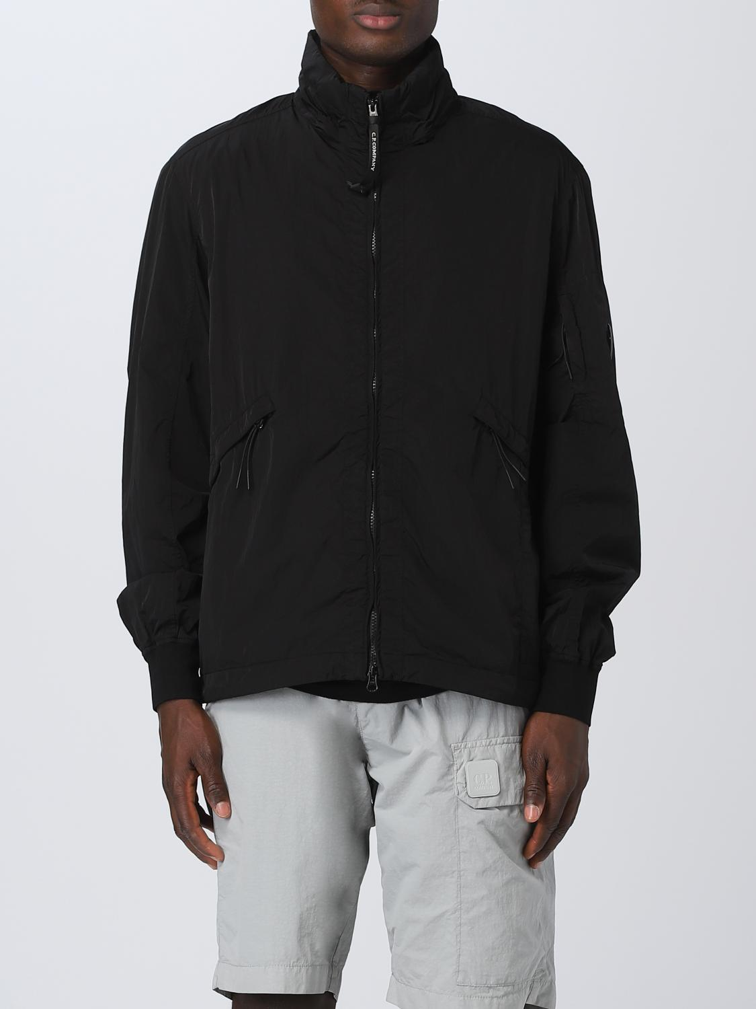 | MAN | 14CMOW040A005904G | OUTERWEAR - MEDIUM JACKET | 330 | COBBLESTONE | 100% PA | 6201401090 | NO PREF | CHINA | 1 |  |  |  |  |  |  | 1 |  |  |  |  |  |  |  |  |  | € 234.00 | € 234.00 | € 157.95 | € 157.95 | £141.03 | £141.03
 | MAN | 14CMOW071A005967A | OUTERWEAR - LONG JACKET | 888 | TOTAL ECLIPSE | 100% PA | 6201401090 | NO PREF | CHINA | 6 |  |  |  |  |  | 6 |  |  |  |  |  |  |  |  |  |  | € 395.00 | € 2,370.00 | € 266.63 | € 1,599.75 | £238.06 | £1,428.35
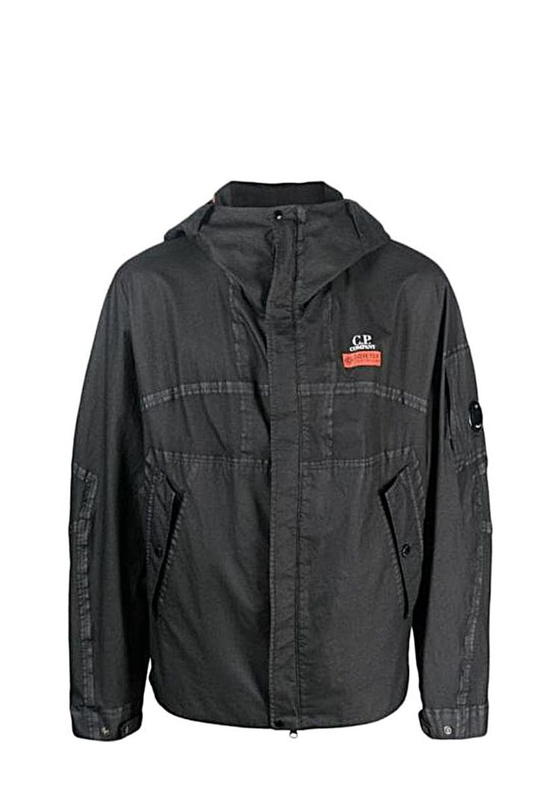 | MAN | 14CMOW105A006366G | OUTERWEAR - MEDIUM JACKET | 648 | BRONZE GREEN | 100% PA | 6201401090 | NO PREF | CHINA | 1 |  |  |  |  |  | 1 |  |  |  |  |  |  |  |  |  |  | € 456.00 | € 456.00 | € 307.80 | € 307.80 | £274.82 | £274.82
 | MAN | 14CMOW105A006366G | OUTERWEAR - MEDIUM JACKET | 999 | BLACK | 100% PA | 6201401090 | NO PREF | CHINA | 1 |  |  |  |  |  |  | 1 |  |  |  |  |  |  |  |  |  | € 456.00 | € 456.00 | € 307.80 | € 307.80 | £274.82 | £274.82
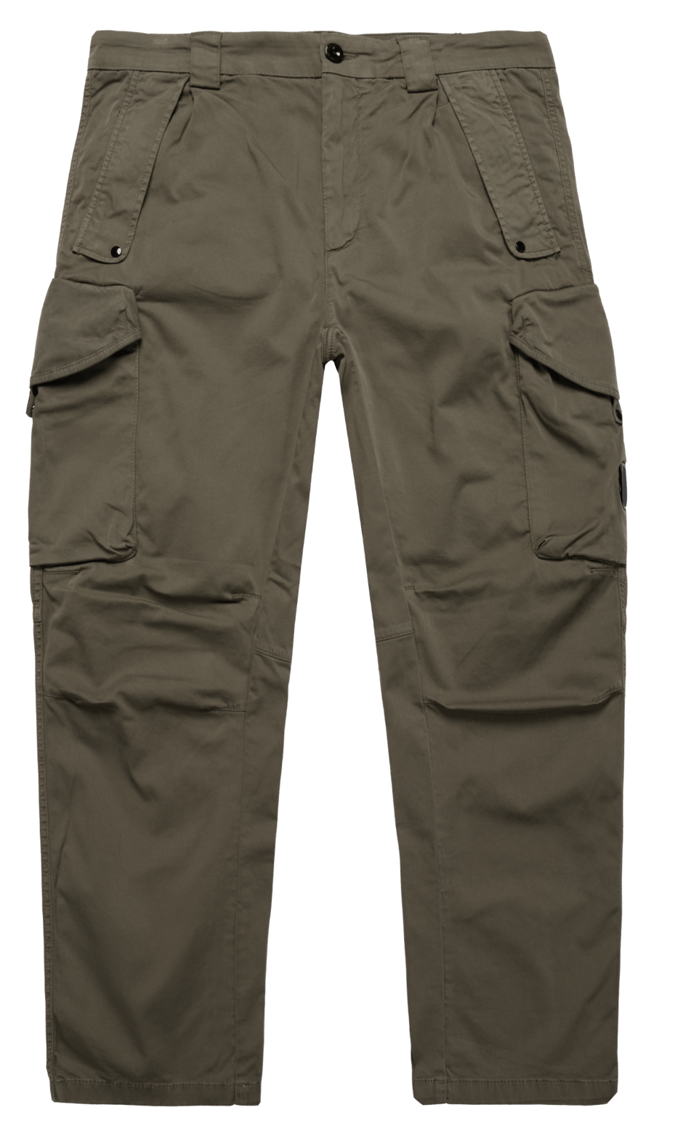 | MAN | 14CMPA059A005694G | PANTS - CARGO PANT | 888 | TOTAL ECLIPSE | 98% CO 2% EA | 6203421100 | NO PREF | Tunisia | 115 |  |  |  | 45 | 70 |  |  |  |  |  |  |  |  |  |  |  | € 124.00 | € 14,260.00 | € 83.70 | € 9,625.50 | £74.73 | £8,594.20
 | MAN | 14CMPA059A005694G | PANTS - CARGO PANT | 999 | BLACK | 98% CO 2% EA | 6203421100 | NO PREF | Tunisia | 148 |  |  |  | 65 | 83 |  |  |  |  |  |  |  |  |  |  |  | € 124.00 | € 18,352.00 | € 83.70 | € 12,387.60 | £74.73 | £11,060.36
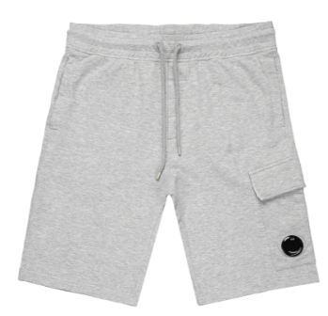 | MAN | 14CMSB021A002246G | SWEATBERMUDA - CARGO | 999 | BLACK | 100% CO | 6103420000 | EU | Italy | 48 |  |  |  |  |  |  |  |  |  |  | 48 |  |  |  |  |  | € 84.00 | € 4,032.00 | € 56.70 | € 2,721.60 | £50.63 | £2,430.00
 | MAN | 14CMSB021A002246G | SWEATBERMUDA - CARGO | M93 | GREY MELANGE | 100% CO | 6103420000 | EU | Italy | 90 |  |  |  |  |  |  |  |  |  |  | 31 | 59 |  |  |  |  | € 84.00 | € 7,560.00 | € 56.70 | € 5,103.00 | £50.63 | £4,556.25
 | MAN | 14CMSB139B005398R | SWEATBERMUDA - JOGGING BERMUDA | 339 | LEAD GREY | 100% CO | 6103420000 | NO PREF | Türkiye | 1 |  |  |  |  |  |  |  |  |  |  |  |  |  |  | 1 |  | € 84.00 | € 84.00 | € 56.70 | € 56.70 | £50.63 | £50.63
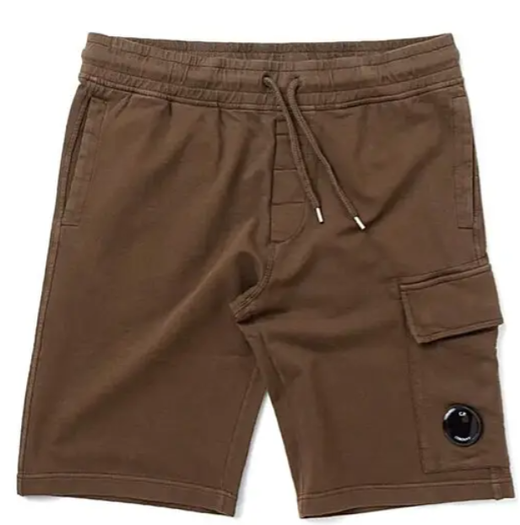 | MAN | 14CMSB154A005086W | SWEATBERMUDA - JOGGING BERMUDA | 888 | TOTAL ECLIPSE | 100% CO | 6103420000 | NO PREF | CHINA | 1 |  |  |  |  |  |  |  |  |  |  |  |  | 1 |  |  |  | € 89.00 | € 89.00 | € 60.08 | € 60.08 | £53.64 | £53.64
 | MAN | 14CMSP017A005086W | SWEATPANTS - CARGO PANT | M93 | GREY MELANGE | 100% CO | 6103420000 | NO PREF | Myanmar | 21 |  |  |  |  |  |  |  |  |  | 8 | 11 |  |  | 1 | 1 |  | € 94.00 | € 1,974.00 | € 63.45 | € 1,332.45 | £56.65 | £1,189.69
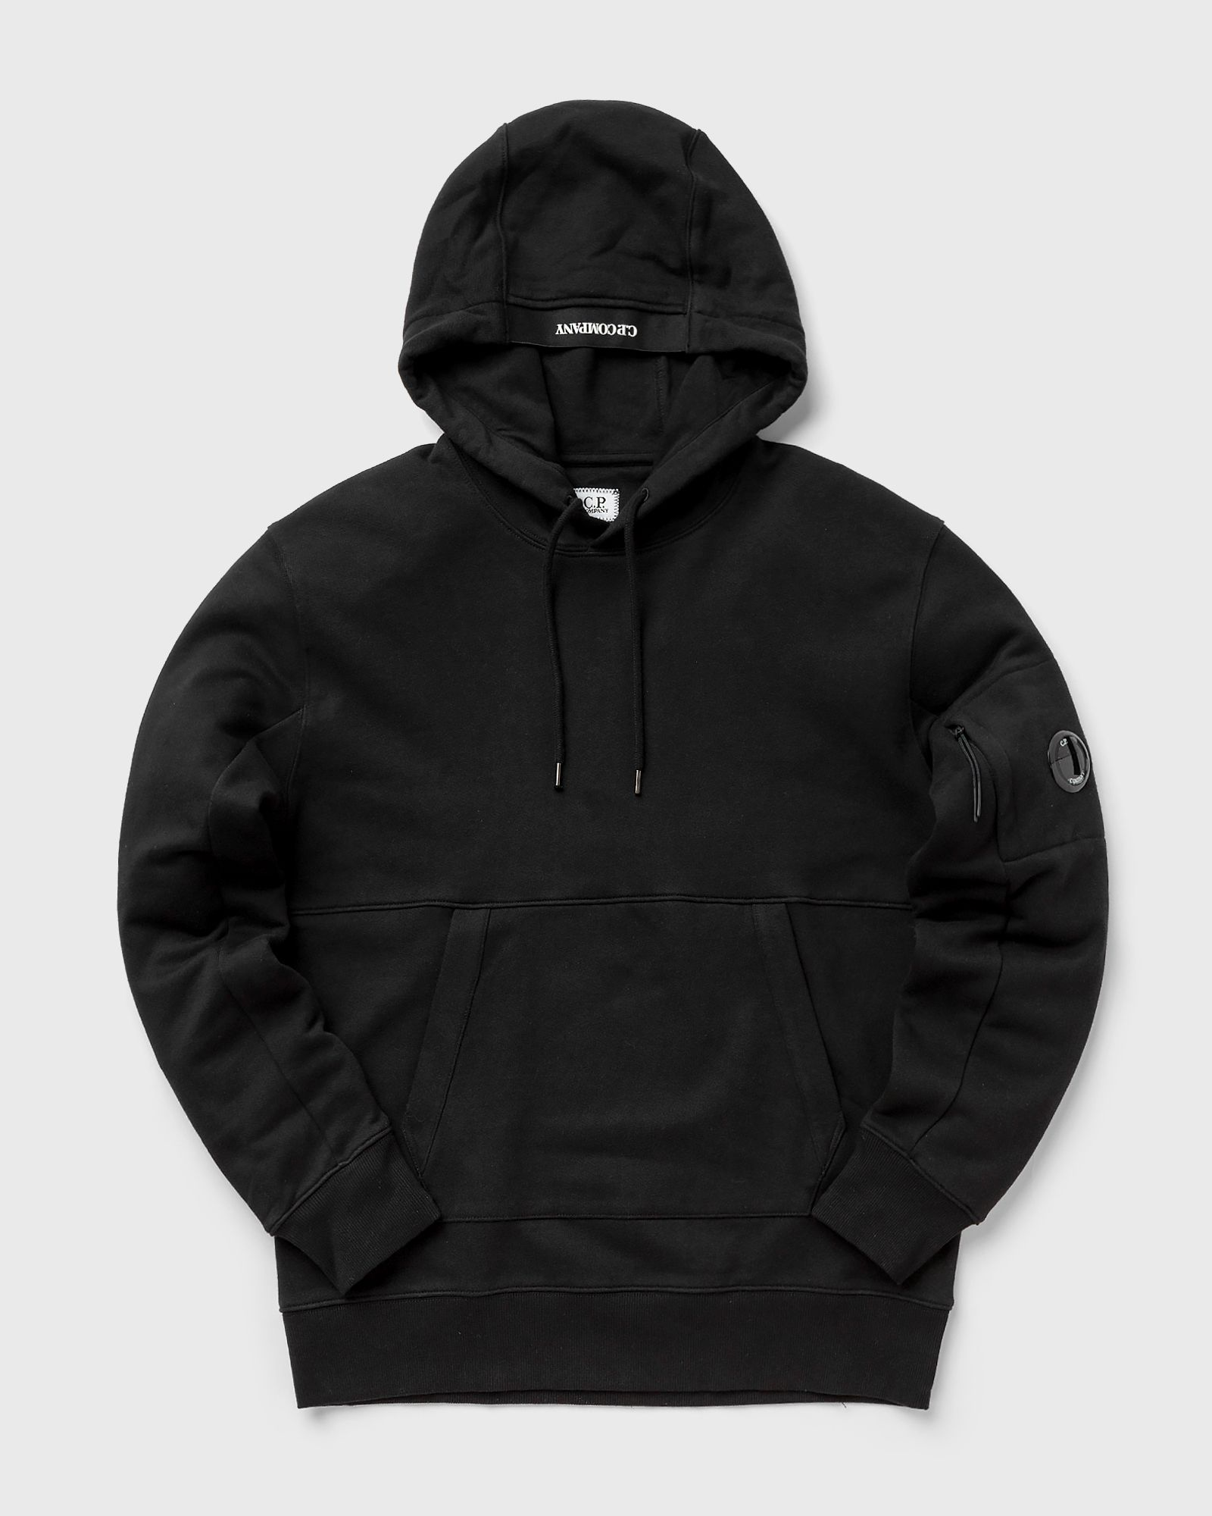 |  |  |  |  |  |  |  |  |  |  |  |  |  |  |  |  |  |  |  |  |  |  |  |  |  |  | € - | € - | € - | € - | £- | £-
 |  |  |  |  |  |  |  |  |  |  |  |  |  |  |  |  |  |  |  |  |  |  |  |  |  |  | € - | € - | € - | € - | £- | £-
 | MAN | 14CMSS023A005086W | SWEATSHIRTS - SWEAT HOODED | 683 | IVY GREEN | 100% CO | 6110209100 | EU | Greece | 58 |  |  |  |  |  |  |  |  |  | 1 | 18 | 30 | 4 | 1 | 4 |  | € 115.00 | € 6,670.00 | € 77.63 | € 4,502.25 | £69.31 | £4,019.87
 |  |  |  |  |  |  |  |  |  | 0 |  |  |  |  |  |  |  |  |  |  |  |  |  |  |  |  | € - | € - | € - | € - | £- | £-
 | MAN | 14CMSS023A005086W | SWEATSHIRTS - SWEAT HOODED | 888 | TOTAL ECLIPSE | 100% CO | 6110209100 | EU | Greece | 117 |  |  |  |  |  |  |  |  |  | 9 | 22 | 71 | 12 |  | 3 |  | € 115.00 | € 13,455.00 | € 77.63 | € 9,082.13 | £69.31 | £8,109.04
 |  |  |  |  |  |  |  |  |  |  |  |  |  |  |  |  |  |  |  |  |  |  |  |  |  |  | € - | € - | € - | € - | £- | £-
 | MAN | 14CMSS023A005086W | SWEATSHIRTS - SWEAT HOODED | 999 | BLACK | 100% CO | 6110209100 | EU | Greece | 495 |  |  |  |  |  |  |  |  |  | 31 | 189 | 275 |  |  |  |  | € 115.00 | € 56,925.00 | € 77.63 | € 38,424.38 | £69.31 | £34,307.48
 |  |  |  |  |  |  |  |  |  | 0 |  |  |  |  |  |  |  |  |  |  |  |  |  |  |  |  | € - | € - | € - | € - | £- | £-
 | MAN | 14CMSS023A005086W | SWEATSHIRTS - SWEAT HOODED | M93 | GREY MELANGE | 100% CO | 6110209100 | EU | Greece | 81 |  |  |  |  |  |  |  |  |  | 8 | 16 | 25 | 16 | 15 | 1 |  | € 115.00 | € 9,315.00 | € 77.63 | € 6,287.63 | £69.31 | £5,613.95
 |  |  |  |  |  |  |  |  |  |  |  |  |  |  |  |  |  |  |  |  |  |  |  |  |  |  | € - | € - | € - | € - | £- | £-
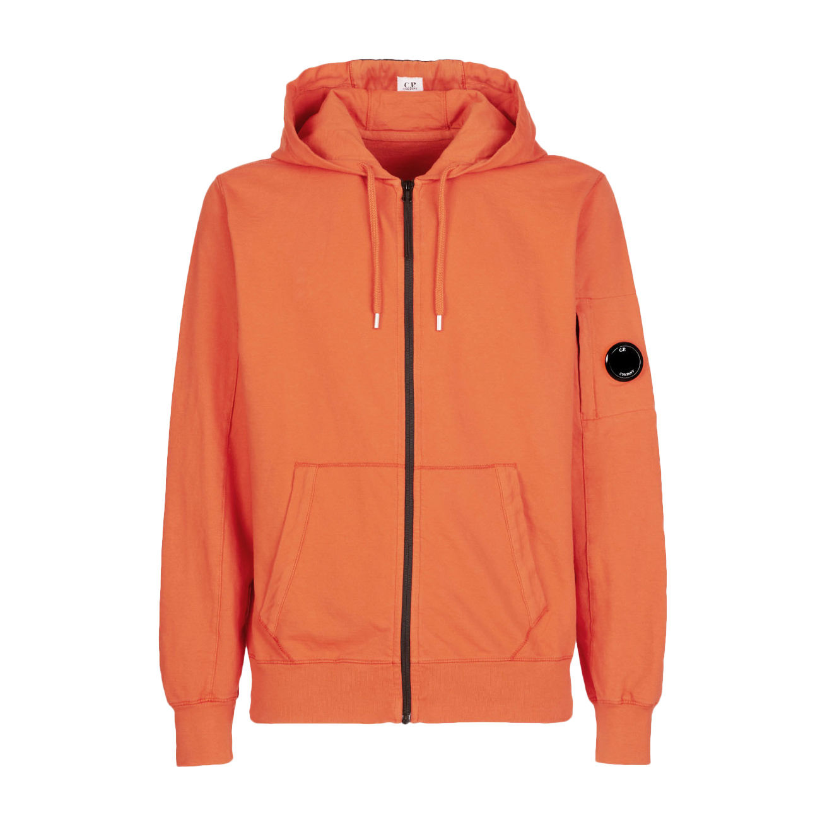 | MAN | 14CMSS034A002246G | SWEATSHIRTS - HOODED OPEN | 103 | GAUZE WHITE | 100% CO | 6110209100 | EU | Italy | 15 |  |  |  |  |  |  |  |  |  | 6 | 8 |  | 1 |  |  |  | € 116.00 | € 1,740.00 | € 78.30 | € 1,174.50 | £69.91 | £1,048.66
 | MAN | 14CMSS049A006452W | SWEATSHIRTS - CREW NECK | 888 | TOTAL ECLIPSE | 95%CO 5%EA | 6110209100 | NO PREF | CHINA | 1 |  |  |  |  |  |  |  |  |  |  |  |  | 1 |  |  |  | € 107.00 | € 107.00 | € 72.23 | € 72.23 | £64.49 | £64.49
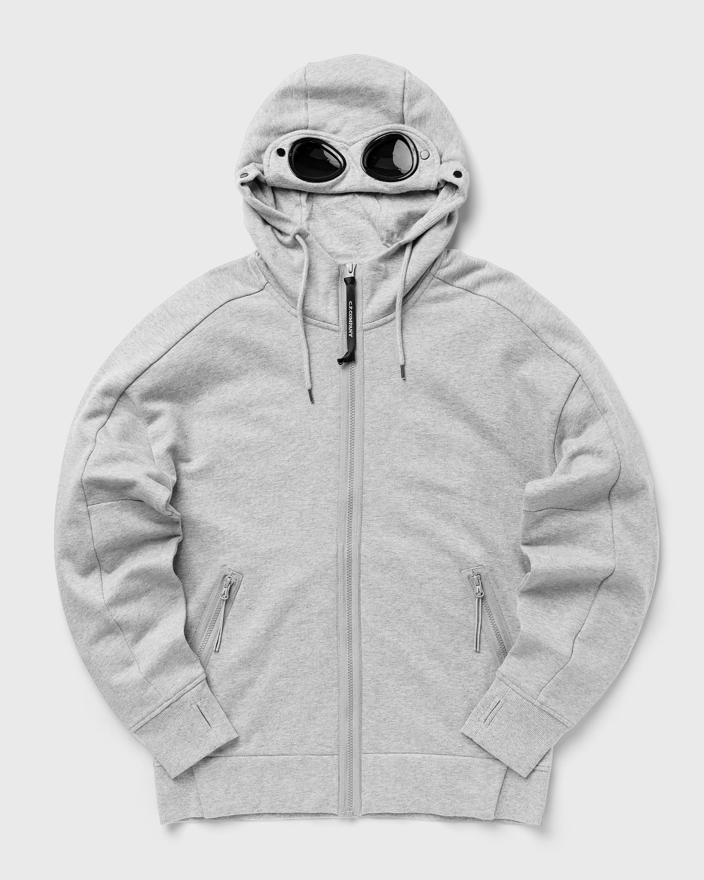 | MAN | 14CMSS082A005086W | SWEATSHIRTS - HOODED OPEN | 999 | BLACK | 100% CO | 6110209100 | NO PREF | Myanmar | 3 |  |  |  |  |  |  |  |  |  | 3 |  |  |  |  |  |  | € 130.00 | € 390.00 | € 87.75 | € 263.25 | £78.35 | £235.04
 | MAN | 14CMSS082A005086W | SWEATSHIRTS - HOODED OPEN | 683 | IVY GREEN | 100% CO | 6110209100 | NO PREF | Myanmar | 3 |  |  |  |  |  |  |  |  |  |  | 1 | 2 |  |  |  |  | € 130.00 | € 390.00 | € 87.75 | € 263.25 | £78.35 | £235.04
 | MAN | 14CMSS082A005086W | SWEATSHIRTS - HOODED OPEN | M93 | GREY MELANGE | 100% CO | 6110209100 | NO PREF | Myanmar | 14 |  |  |  |  |  |  |  |  |  | 4 | 2 | 3 | 2 |  |  | 3 | € 130.00 | € 1,820.00 | € 87.75 | € 1,228.50 | £78.35 | £1,096.88
 |  |  |  |  |  |  |  |  |  | 1456 |  |  |  |  |  |  |  |  |  |  |  |  |  |  |  |  |  | € 165,715.00 |  | € 111,857.63 |  | £99,872.88

