OFFER
REF
NAME*
COMPANY NAME
DATE*
SALES REP*
EMAIL*
PHONE #*
PAYMENT CURRENCY (€/£)*
BILLING ADDRESS*
ORDER NUMBER
PRE/IN HAND
DELIVERY TYPE

Picture | Code | Name | Material | Col. | MADE IN | XS | S | M | L | XL | TOT | RRP | RRP TOT € | COST € | COST TOT € | COST £ | COST TOT £
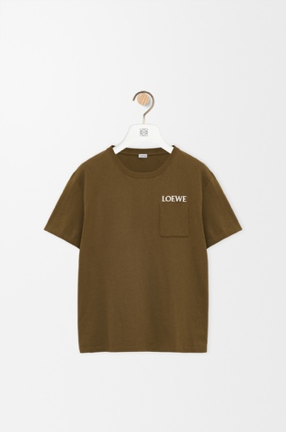 | H526Y22XDE | Relaxed fit T-shirt in cotton | Cotton | Khaki Green | Portugal |  | 59 | 55 | 54 | 56 | 224 | € 480.00 | € 107,520.00 | € 72.23 | € 16,179.52 | £62.00 | £13,888.00
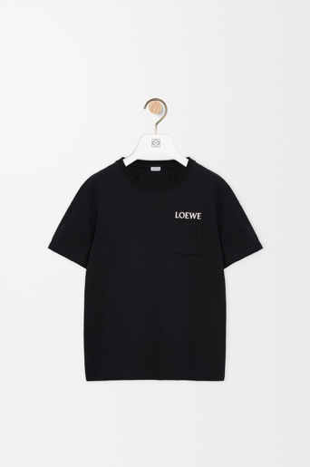 | H526Y22XDE | Relaxed fit T-shirt in cotton | Cotton | Black | Portugal |  | 8 | 1 |  |  | 9 | € 480.00 | € 4,320.00 | € 72.23 | € 650.07 | £62.00 | £558.00
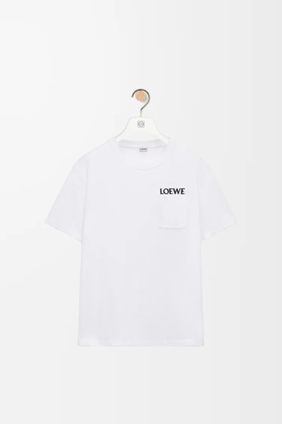 | H526Y22XDE | Relaxed fit T-shirt in cotton | Cotton | White | Portugal |  | 58 | 41 | 41 | 49 | 189 | € 480.00 | € 90,720.00 | € 72.23 | € 13,651.47 | £62.00 | £11,718.00
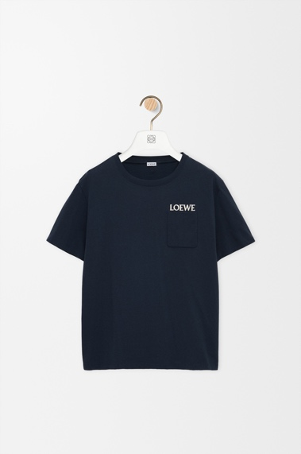 | H526Y22XDE | Relaxed fit T-shirt in cotton | Cotton | Navy | Portugal |  | 53 | 46 | 52 | 60 | 211 | € 480.00 | € 101,280.00 | € 72.23 | € 15,240.53 | £62.00 | £13,082.00
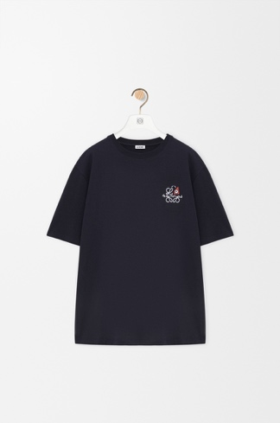 | H526Y22XD3 | Loose Fit Tshirt in Cotton | Cotton | Navy | Portugal | 34 | 29 | 26 | 26 |  | 115 | € 480.00 | € 55,200.00 | € 72.23 | € 8,306.45 | £62.00 | £7,130.00
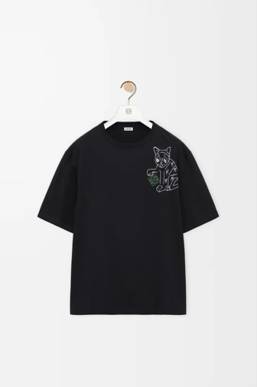 | H526Y22XCZ | Loose Fit Tshirt in Cotton | Cotton | Black | Portugal | 34 | 29 | 26 | 26 |  | 115 | € 520.00 | € 59,800.00 | € 72.23 | € 8,306.45 | £62.00 | £7,130.00
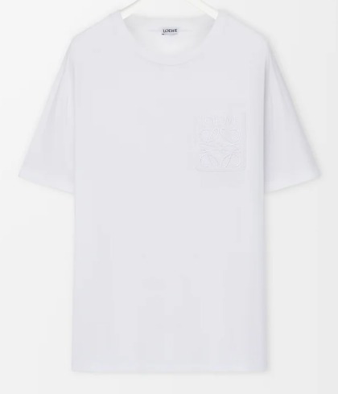 | H526Y22XBC | Relaxed fit T-shirt in cotton | Cotton | White | Portugal |  |  | 6 | 6 | 21 | 33 | € 480.00 | € 15,840.00 | € 72.23 | € 2,383.59 | £62.00 | £2,046.00
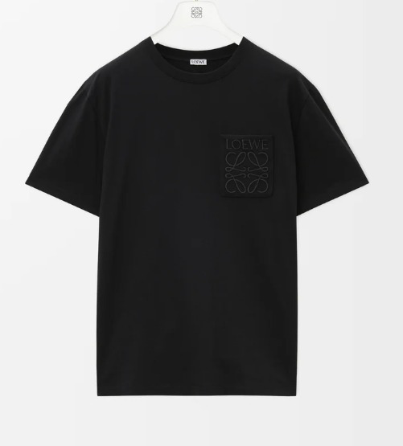 | H526Y22XBC | Relaxed fit T-shirt in cotton | Cotton | Black | Portugal |  |  | 6 | 6 | 21 | 33 | € 480.00 | € 15,840.00 | € 72.23 | € 2,383.59 | £62.00 | £2,046.00
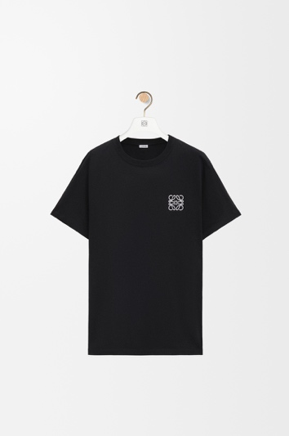 | H526Y22X75 | Regular fit T-shirt in cotton | Cotton | Black | Portugal |  |  | 5 | 7 | 19 | 31 | € 420.00 | € 13,020.00 | € 72.23 | € 2,239.13 | £62.00 | £1,922.00
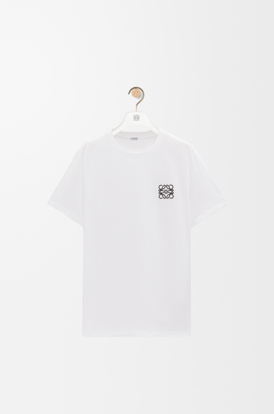 | H526Y22X75 | Regular fit T-shirt in cotton | Cotton | White | Portugal |  | 49 | 32 | 34 | 40 | 155 | € 420.00 | € 65,100.00 | € 72.23 | € 11,195.65 | £62.00 | £9,610.00
 |  |  |  |  |  |  |  |  |  |  | 1115 |  | € 528,640.00 |  | € 80,536.45 |  | £69,130.00

