OFFER
REF
NAME*
COMPANY NAME
DATE*
SALES REP*
EMAIL*
PHONE #*
PAYMENT CURRENCY (€/£)*
BILLING ADDRESS*
ORDER NUMBER
PRE/IN HAND
DELIVERY TYPE

Foto | MAT. MODEL | TESSUTO | COLORE LAVAGGIO | 24 | 25 | 26 | 27 | 28 | 29 | 30 | 31 | 32 | 33 | 34 | 35 | 36 | 38 | 40 | 42 | 44 | QTY | RRP € | RRP TOT € | COST € | COST TOT € | COST £ | COST TOT £
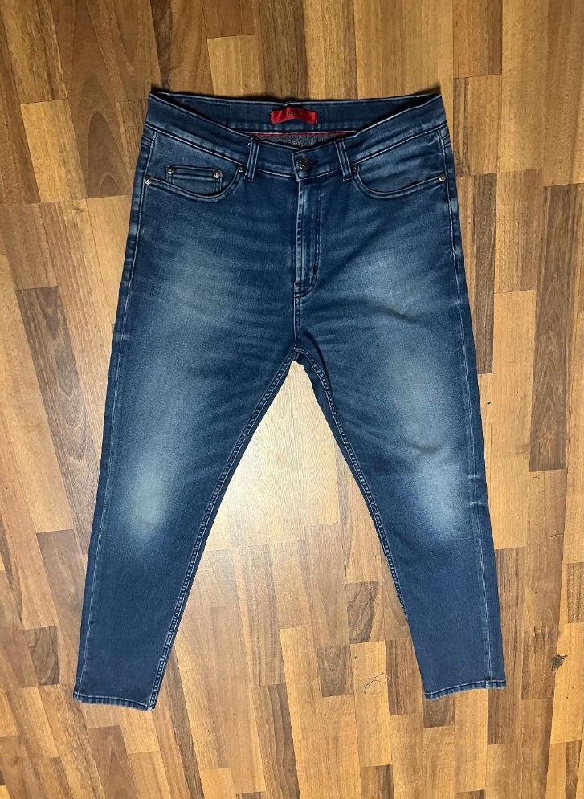 | 332 DAD JEANS | DENIM | STONE-WASH |  |  |  |  |  |  |  | 100 | 200 | 300 | 300 |  | 300 | 200 | 100 |  |  | 1500 | € 205.00 | € 307,500.00 | € 22.10 | € 33,150.00 | £19.56 | £29,336.28
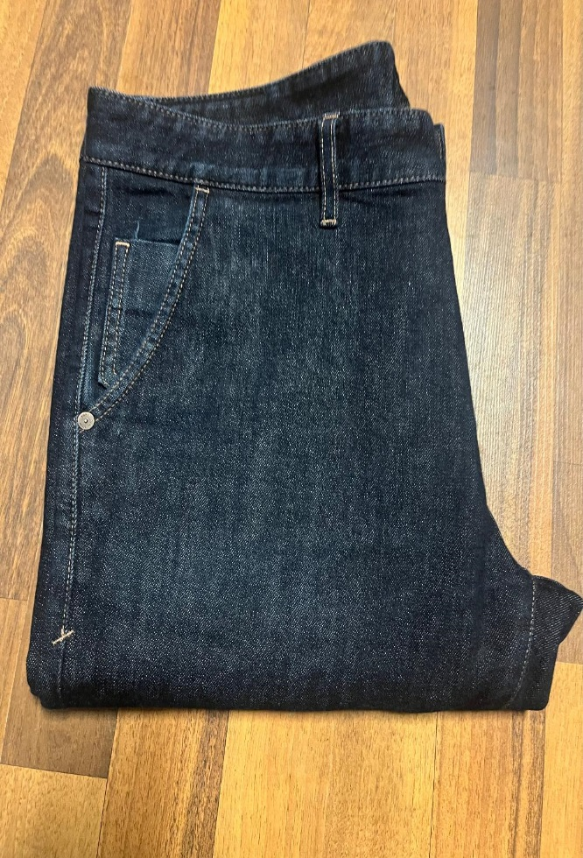 | LOWELL JEANS | DENIM | NORMAL WASH |  |  |  |  |  |  |  | 100 | 200 | 300 | 300 |  | 300 | 200 | 100 |  |  | 1500 | € 195.00 | € 292,500.00 | € 22.10 | € 33,150.00 | £19.56 | £29,336.28
 | 332 DAD JEANS | DENIM | STONE BLEACH |  |  |  |  |  |  |  | 50 | 150 | 200 | 200 |  | 200 | 150 | 50 |  |  | 1000 | € 205.00 | € 205,000.00 | € 22.10 | € 22,100.00 | £19.56 | £19,557.52
 | LOWELL JEANS | DENIM | STONE-WASH |  |  |  |  |  |  |  | 50 | 150 | 200 | 200 |  | 200 | 150 | 50 |  |  | 1000 | € 195.00 | € 195,000.00 | € 22.10 | € 22,100.00 | £19.56 | £19,557.52
 |  |  |  |  |  |  |  |  |  |  |  |  |  |  |  |  |  |  |  |  | 5000 |  | € 1,000,000.00 |  | € 110,500.00 |  | £97,787.61

