OFFER
REF
NAME*
COMPANY NAME
DATE*
SALES REP*
EMAIL*
PHONE #*
PAYMENT CURRENCY (€/£)*
BILLING ADDRESS*
ORDER NUMBER
PRE/IN HAND
DELIVERY TYPE

 | BRAND | ART | DESCR | QTY | WHS € | WHS TOT € | 36% OFF WHS COST € | COST TOT € | COST £ | COST TOT £
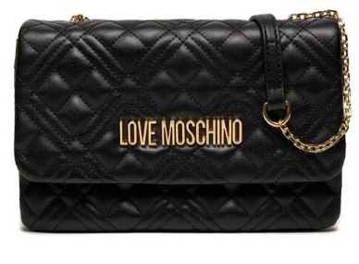 SP | LOVE MOSCHINO | JC4097PP0ILA0000 | QUILTED NERO | 682 | € 73.00 | € 49,786.00 | € 46.72 | € 31,863.04 | £41.35 | £28,197.38
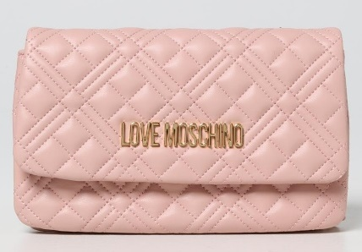 SP | LOVE MOSCHINO | JC4097PP1ILA0601 | QUILTED ROSA | 440 | € 73.00 | € 32,120.00 | € 46.72 | € 20,556.80 | £41.35 | £18,191.86
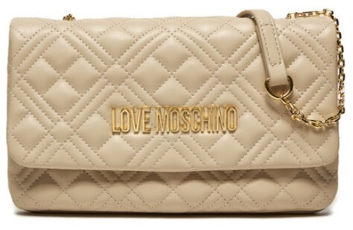 SP | LOVE MOSCHINO | JC4097PP0ILA0110 | QUILTED AVORIO | 362 | € 73.00 | € 26,426.00 | € 46.72 | € 16,912.64 | £41.35 | £14,966.94
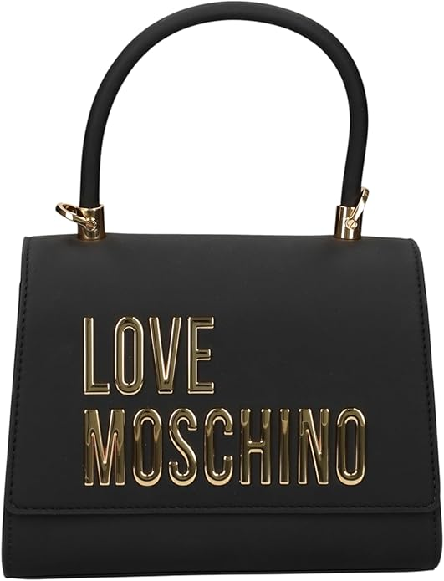 | LOVE MOSCHINO | JC4024PP1NKD0703 | BOLD LOVE AVIO | 6 | € 100.00 | € 600.00 | € 64.00 | € 384.00 | £56.64 | £339.82
 | LOVE MOSCHINO | JC4093PP1NLI0000 | BORSA GRAIN PU NERO | 6 | € 70.00 | € 420.00 | € 44.80 | € 268.80 | £39.65 | £237.88
 | LOVE MOSCHINO | JC4039PP1NLC0552 | EMBOSSED VINO | 2 | € 95.00 | € 190.00 | € 60.80 | € 121.60 | £53.81 | £107.61
 | LOVE MOSCHINO | JC4041PP1NLC0000 | EMBOSSED Q NERO | 16 | € 105.00 | € 1,680.00 | € 67.20 | € 1,075.20 | £59.47 | £951.50
 | LOVE MOSCHINO | JC4041PP1NLC0500 | EMBOSSED Q ROSSO | 58 | € 105.00 | € 6,090.00 | € 67.20 | € 3,897.60 | £59.47 | £3,449.20
 | LOVE MOSCHINO | JC4081PP1NLC0000 | EMBOSSED NERO | 107 | € 105.00 | € 11,235.00 | € 67.20 | € 7,190.40 | £59.47 | £6,363.19
 | LOVE MOSCHINO | JC4083PP1NLC0500 | EMBOSSED ROSSO | 36 | € 89.00 | € 3,204.00 | € 56.96 | € 2,050.56 | £50.41 | £1,814.65
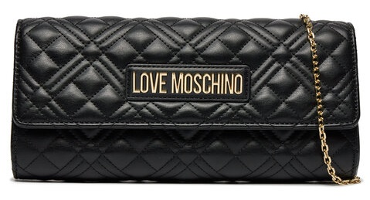 SP | LOVE MOSCHINO | JC4294PP0ILA0000 | QUILTED NERO | 402 | € 75.00 | € 30,150.00 | € 48.00 | € 19,296.00 | £42.48 | £17,076.11
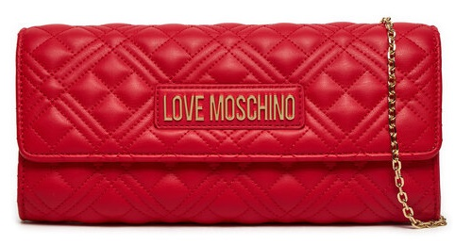 SP | LOVE MOSCHINO | JC4294PP0ILA0500 | QUILTED ROSSO | 284 | € 75.00 | € 21,300.00 | € 48.00 | € 13,632.00 | £42.48 | £12,063.72
SP | LOVE MOSCHINO | JC4294PP1ILA0601 | QUILTED CIPRIA | 384 | € 75.00 | € 28,800.00 | € 48.00 | € 18,432.00 | £42.48 | £16,311.50
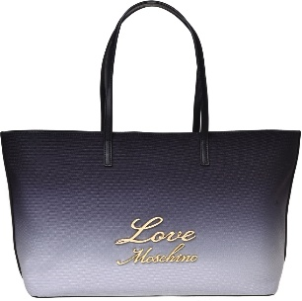 | LOVE MOSCHINO | JC4130PP1MLK100A | BORSA CANVAS ST. NERO/AVORIO+PU | 6 | € 92.00 | € 552.00 | € 58.88 | € 353.28 | £52.11 | £312.64
 | LOVE MOSCHINO | JC4130PP1MLK171A | BORSA CANVAS ST.CIELO SC/CIELO+ PU | 7 | € 92.00 | € 644.00 | € 58.88 | € 412.16 | £52.11 | £364.74
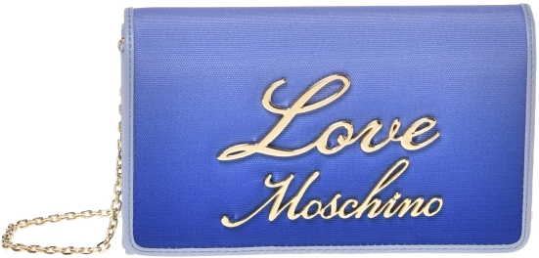 | LOVE MOSCHINO | JC4134PP1MLK100A | BORSA CANVAS ST. NERO/AVORIO+PU | 16 | € 70.00 | € 1,120.00 | € 44.80 | € 716.80 | £39.65 | £634.34
 | LOVE MOSCHINO | JC4134PP1MLK171A | BORSA CANVAS ST.CIELO SC/CIELO+ PU | 2 | € 70.00 | € 140.00 | € 44.80 | € 89.60 | £39.65 | £79.29
 | LOVE MOSCHINO | JC4140PP1MLO000A | BORSA PU NERO+G.METAL | 38 | € 87.00 | € 3,306.00 | € 55.68 | € 2,115.84 | £49.27 | £1,872.42
 | LOVE MOSCHINO | JC4140PP1MLO0968 | BORSA PU METALLIC GOLD | 30 | € 87.00 | € 2,610.00 | € 55.68 | € 1,670.40 | £49.27 | £1,478.23
 | LOVE MOSCHINO | JC4140PP1MLO0969 | BORSA PU METALLIC SILVER | 39 | € 87.00 | € 3,393.00 | € 55.68 | € 2,171.52 | £49.27 | £1,921.70
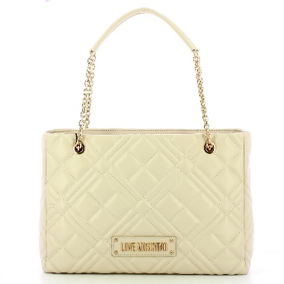 | LOVE MOSCHINO | JC4145PP1MLA0000 | BORSA QUILTED PU NERO GALV.ORO | 3 | € 100.00 | € 300.00 | € 64.00 | € 192.00 | £56.64 | £169.91
 | LOVE MOSCHINO | JC4145PP0MLA000B | BORSA QUILTED PU NERO GALV.NIKEL | 5 | € 100.00 | € 500.00 | € 64.00 | € 320.00 | £56.64 | £283.19
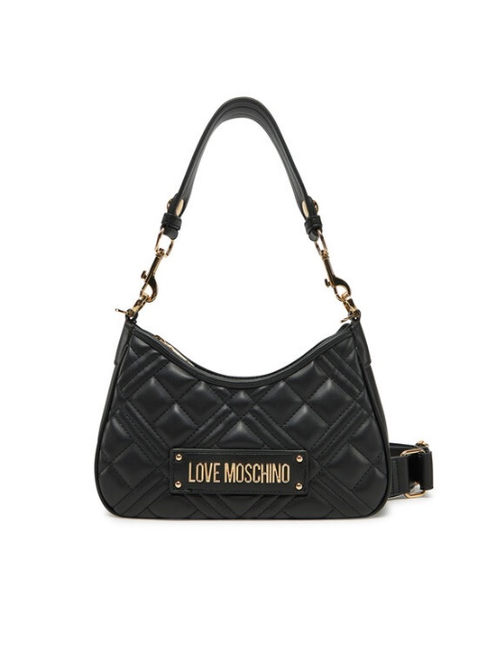 | LOVE MOSCHINO | JC4152PP1MLA000B | BORSA QUILTED PU NERO GALV.NIKEL | 3 | € 96.00 | € 288.00 | € 61.44 | € 184.32 | £54.37 | £163.12
 | LOVE MOSCHINO | JC4152PP1MLA196B | BORSA QUILTED METALLIC PU ARGENTO | 3 | € 96.00 | € 288.00 | € 61.44 | € 184.32 | £54.37 | £163.12
 | LOVE MOSCHINO | JC4153PP0MLA0100 | BORSA QUILTED PU BIANCO | 4 | € 100.00 | € 400.00 | € 64.00 | € 256.00 | £56.64 | £226.55
 | LOVE MOSCHINO | JC4153PP1MLA000B | BORSA QUILTED PU NERO GALV.NIKEL | 3 | € 100.00 | € 300.00 | € 64.00 | € 192.00 | £56.64 | £169.91
 | LOVE MOSCHINO | JC4153PP1MLA0110 | BORSA QUILTED PU AVORIO | 40 | € 100.00 | € 4,000.00 | € 64.00 | € 2,560.00 | £56.64 | £2,265.49
 | LOVE MOSCHINO | JC4188PP0NLC0000 | EMBOSSED NERO | 56 | € 90.00 | € 5,040.00 | € 57.60 | € 3,225.60 | £50.97 | £2,854.51
 | LOVE MOSCHINO | JC4188PP0NLC0313 | EMBOSSED CHOCOLATE | 23 | € 90.00 | € 2,070.00 | € 57.60 | € 1,324.80 | £50.97 | £1,172.39
 | LOVE MOSCHINO | JC4103PP1NKD0552 | BORSA PU GRS VINO | 17 | € 70.00 | € 1,190.00 | € 44.80 | € 761.60 | £39.65 | £673.98
 | LOVE MOSCHINO | JC4103PP1NKD0703 | BORSA PU GRS AVIO | 86 | € 70.00 | € 6,020.00 | € 44.80 | € 3,852.80 | £39.65 | £3,409.56
 | LOVE MOSCHINO | JC4103PP1NKD0301 | BORSA PU GRS MORO | 4 | € 70.00 | € 280.00 | € 44.80 | € 179.20 | £39.65 | £158.58
 | LOVE MOSCHINO | JC4103PP1NKD0110 | BORSA PU GRS AVORIO | 48 | € 70.00 | € 3,360.00 | € 44.80 | € 2,150.40 | £39.65 | £1,903.01
 | LOVE MOSCHINO | JC4103PP1NKD0450 | BORSA PU GRS ARANCIO | 33 | € 70.00 | € 2,310.00 | € 44.80 | € 1,478.40 | £39.65 | £1,308.32
 | LOVE MOSCHINO | JC4103PP1NKD000B | BORSA PU GRS NERO GALV.NIKEL | 31 | € 70.00 | € 2,170.00 | € 44.80 | € 1,388.80 | £39.65 | £1,229.03
 | LOVE MOSCHINO | JC4107PP1NLT1000 | BORSA PU NERO | 4 | € 87.00 | € 348.00 | € 55.68 | € 222.72 | £49.27 | £197.10
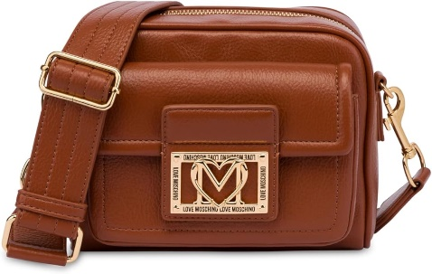 | LOVE MOSCHINO | JC4092PP1NLI0000 | BORSA GRAIN PU NERO | 4 | € 89.00 | € 356.00 | € 56.96 | € 227.84 | £50.41 | £201.63
 | LOVE MOSCHINO | JC4092PP1NLI0312 | BORSA GRAIN PU CASTAGNA | 5 | € 89.00 | € 445.00 | € 56.96 | € 284.80 | £50.41 | £252.04
 | LOVE MOSCHINO | JC4079PP0NLA0104 | BORSA QUILTED PU BEIGE | 1 | € 63.00 | € 63.00 | € 40.32 | € 40.32 | £35.68 | £35.68
 | LOVE MOSCHINO | JC4121PP0NKD000A | BORSA PU GRS NERO+HAMMERED LOGO | 134 | € 73.00 | € 9,782.00 | € 46.72 | € 6,260.48 | £41.35 | £5,540.25
 | LOVE MOSCHINO | JC4121PP0NKD085A | BORSA PU GRS VERDE+HAMMERED LOGO | 83 | € 73.00 | € 6,059.00 | € 46.72 | € 3,877.76 | £41.35 | £3,431.65
 | LOVE MOSCHINO | JC4121PP0NKD031A | BORSA PU GRS CIOCCOLATO+HAMMERED LO | 53 | € 73.00 | € 3,869.00 | € 46.72 | € 2,476.16 | £41.35 | £2,191.29
 | LOVE MOSCHINO | JC4043PP0NLC0850 | BORSA PU EMBOSSED VERDE | 15 | € 80.00 | € 1,200.00 | € 51.20 | € 768.00 | £45.31 | £679.65
 | LOVE MOSCHINO | JC4043PP0NLC0000 | BORSA PU EMBOSSED NERO | 3 | € 80.00 | € 240.00 | € 51.20 | € 153.60 | £45.31 | £135.93
 | LOVE MOSCHINO | JC4043PP0NLC0110 | BORSA PU EMBOSSED AVORIO | 33 | € 80.00 | € 2,640.00 | € 51.20 | € 1,689.60 | £45.31 | £1,495.22
 | LOVE MOSCHINO | JC4043PP1MLC0110 | BORSA PU EMBOSSED AVORIO | 1 | € 80.00 | € 80.00 | € 51.20 | € 51.20 | £45.31 | £45.31
 | LOVE MOSCHINO | JC4043PP1MLC0601 | BORSA PU EMBOSSED CIPRIA | 8 | € 80.00 | € 640.00 | € 51.20 | € 409.60 | £45.31 | £362.48
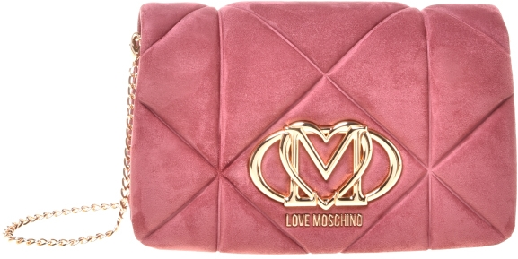 | LOVE MOSCHINO | JC4043PP0NKE0611 | BORSA EMBOSSED VELOUR PL ROSA ANTIC | 3 | € 80.00 | € 240.00 | € 51.20 | € 153.60 | £45.31 | £135.93
 | LOVE MOSCHINO | JC4043PP1NLC0552 | BORSA PU EMBOSSED VINO | 19 | € 80.00 | € 1,520.00 | € 51.20 | € 972.80 | £45.31 | £860.88
 | LOVE MOSCHINO | JC4043PP1NLC0450 | BORSA PU EMBOSSED ARANCIO | 37 | € 80.00 | € 2,960.00 | € 51.20 | € 1,894.40 | £45.31 | £1,676.46
 | LOVE MOSCHINO | JC4043PP1NLC0500 | BORSA PU EMBOSSED ROSSO | 67 | € 80.00 | € 5,360.00 | € 51.20 | € 3,430.40 | £45.31 | £3,035.75
 | LOVE MOSCHINO | JC4043PP0NLC0313 | BORSA PU EMBOSSED CIOCCOLATO | 19 | € 80.00 | € 1,520.00 | € 51.20 | € 972.80 | £45.31 | £860.88
 | LOVE MOSCHINO | JC4250PP0MKQ100A | BORSA SATIN NERO+STRASS NERO/CRISTA | 7 | € 75.00 | € 525.00 | € 48.00 | € 336.00 | £42.48 | £297.35
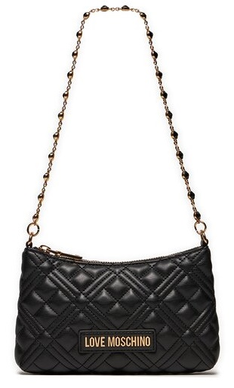 SP | LOVE MOSCHINO | JC4342PP0ILA0000 | QUILTED NERO | 468 | € 70.00 | € 32,760.00 | € 44.80 | € 20,966.40 | £39.65 | £18,554.34
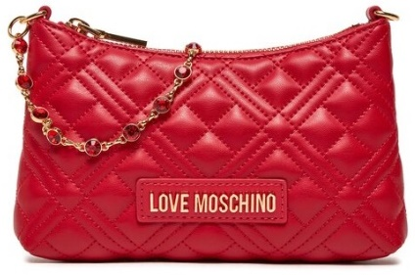 SP | LOVE MOSCHINO | JC4342PP0ILA0500 | QUILTED ROSSO | 360 | € 70.00 | € 25,200.00 | € 44.80 | € 16,128.00 | £39.65 | £14,272.57
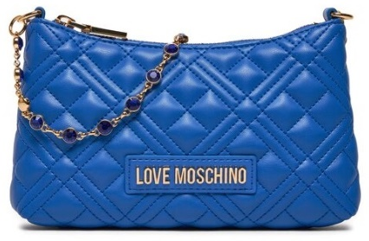 SP | LOVE MOSCHINO | JC4342PP0ILA0715 | QUILTED BLU | 398 | € 70.00 | € 27,860.00 | € 44.80 | € 17,830.40 | £39.65 | £15,779.12
 | LOVE MOSCHINO | JC4379PP0NKS100A | BORSA SOFT PL+PU NERO | 4 | € 65.00 | € 260.00 | € 41.60 | € 166.40 | £36.81 | £147.26
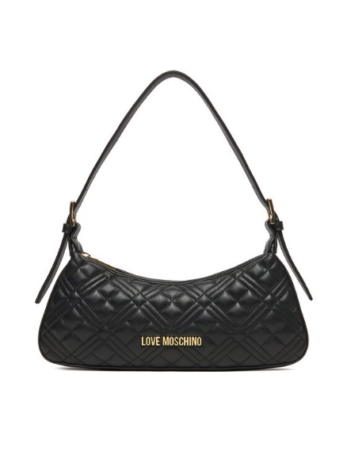 | LOVE MOSCHINO | JC4142PP0NLA0104 | BORSA QUILTED PU BEIGE | 115 | € 68.00 | € 7,820.00 | € 43.52 | € 5,004.80 | £38.51 | £4,429.03
 | LOVE MOSCHINO | JC4142PP0NLA0500 | BORSA QUILTED PU ROSSO | 99 | € 68.00 | € 6,732.00 | € 43.52 | € 4,308.48 | £38.51 | £3,812.81
 | LOVE MOSCHINO | JC4142PP0NLA0000 | BORSA QUILTED PU NERO+GAL.ORO | 216 | € 68.00 | € 14,688.00 | € 43.52 | € 9,400.32 | £38.51 | £8,318.87
 | LOVE MOSCHINO | JC4142PP0NLA000B | BORSA QUILTED PU NERO+GAL.NIKEL | 96 | € 68.00 | € 6,528.00 | € 43.52 | € 4,177.92 | £38.51 | £3,697.27
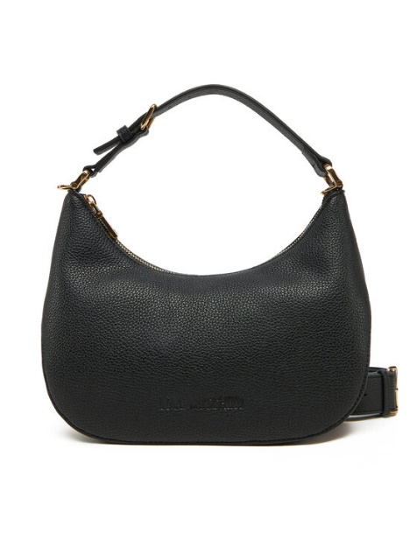 | LOVE MOSCHINO | JC4018PP1MLT0000 | BORSA PU GRS NERO+ ORO | 6 | € 90.00 | € 540.00 | € 57.60 | € 345.60 | £50.97 | £305.84
 | LOVE MOSCHINO | JC4025PP1MKD0110 | BORSA PU GRS AVORIO | 7 | € 95.00 | € 665.00 | € 60.80 | € 425.60 | £53.81 | £376.64
 | LOVE MOSCHINO | JC4051PP1MLF0464 | BORSA PU CORALLO | 49 | € 87.00 | € 4,263.00 | € 55.68 | € 2,728.32 | £49.27 | £2,414.44
 | LOVE MOSCHINO | JC4249PP0MLA0615 | BORSA QUILTED PU BLOSSOM | 2 | € 60.00 | € 120.00 | € 38.40 | € 76.80 | £33.98 | £67.96
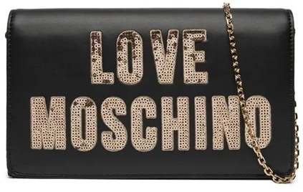 SP | LOVE MOSCHINO | JC4293PP0IKK100A | BORSA NERO | 1300 | € 65.00 | € 84,500.00 | € 41.60 | € 54,080.00 | £36.81 | £47,858.41
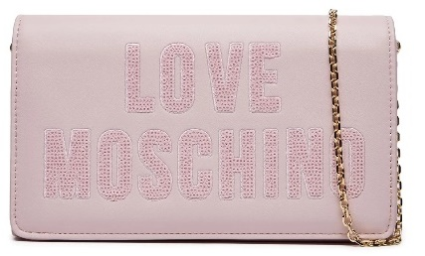 SP | LOVE MOSCHINO | JC4293PP0IKK160A | BORSA CIPRIA | 208 | € 65.00 | € 13,520.00 | € 41.60 | € 8,652.80 | £36.81 | £7,657.35
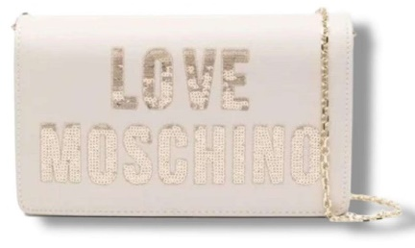 SP | LOVE MOSCHINO | JC4293PP0IKK111A | BORSA AVORIO | 468 | € 65.00 | € 30,420.00 | € 41.60 | € 19,468.80 | £36.81 | £17,229.03
 | LOVE MOSCHINO | JC5312PP1MLN100A | NYLON + PU GRS NERO | 10 | € 58.00 | € 580.00 | € 37.12 | € 371.20 | £32.85 | £328.50
 | LOVE MOSCHINO | JC4103PP1MKD0000 | BORSA PU GRS NERO GALV.ORO | 20 | € 70.00 | € 1,400.00 | € 44.80 | € 896.00 | £39.65 | £792.92
 | LOVE MOSCHINO | JC4103PP1MKD0712 | BORSA PU GRS CIELO | 1 | € 70.00 | € 70.00 | € 44.80 | € 44.80 | £39.65 | £39.65
 | LOVE MOSCHINO | JC4103PP1MKD196B | BORSA PU GRS METALLIC SILVER | 18 | € 70.00 | € 1,260.00 | € 44.80 | € 806.40 | £39.65 | £713.63
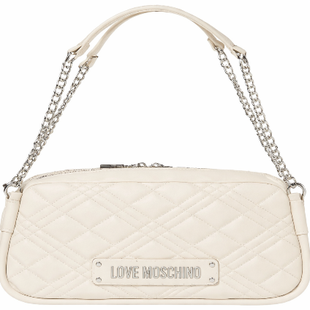 | LOVE MOSCHINO | JC4207PP0MLA0110 | BORSA QUILTED PU avorio | 1 | € 95.00 | € 95.00 | € 60.80 | € 60.80 | £53.81 | £53.81
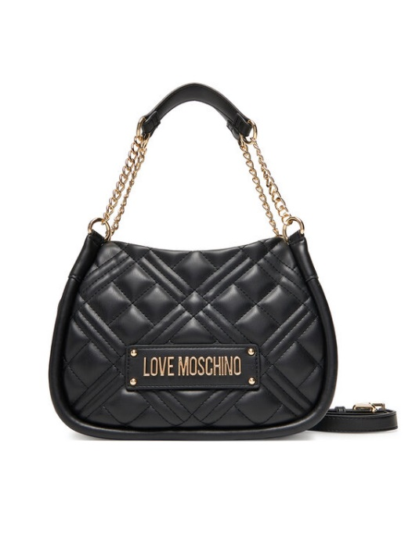 | LOVE MOSCHINO | JC4208PP0MLA0100 | BORSA QUILTED PU BIANCO | 14 | € 96.00 | € 1,344.00 | € 61.44 | € 860.16 | £54.37 | £761.20
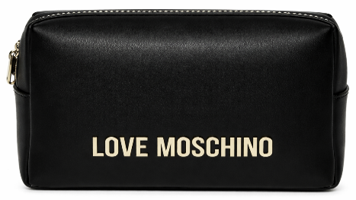
SP | LOVE MOSCHINO | JC5309PP1IKD0000 | COL. 000 NERO | 510 | € 66.00 | € 33,660.00 | € 42.24 | € 21,542.40 | £37.38 | £19,064.07
SP | LOVE MOSCHINO | JC5309PP1IKD0500 | COL. 500 ROSSO | 354 | € 66.00 | € 23,364.00 | € 42.24 | € 14,952.96 | £37.38 | £13,232.71
SP | LOVE MOSCHINO | JC5309PP1IKD0110 | COL. 110 AVORIO | 254 | € 66.00 | € 16,764.00 | € 42.24 | € 10,728.96 | £37.38 | £9,494.65
 | LOVE MOSCHINO | JC4210PP0MLA000B | BORSA QUILTED PU NERO GALV.NIKEL | 3 | € 89.00 | € 267.00 | € 56.96 | € 170.88 | £50.41 | £151.22
 | LOVE MOSCHINO | JC4210PP0MLA0100 | BORSA QUILTED PU BIANCO | 23 | € 89.00 | € 2,047.00 | € 56.96 | € 1,310.08 | £50.41 | £1,159.36
 | LOVE MOSCHINO | JC4210PP0MLA0615 | BORSA QUILTED PU BLOSSOM | 14 | € 89.00 | € 1,246.00 | € 56.96 | € 797.44 | £50.41 | £705.70
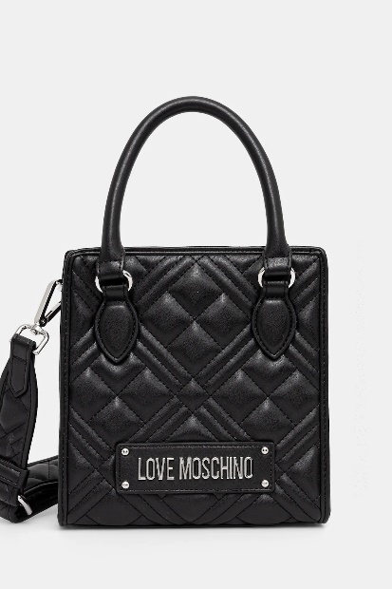 | LOVE MOSCHINO | JC4211PP0MLA0100 | BORSA QUILTED PU BIANCO | 2 | € 87.00 | € 174.00 | € 55.68 | € 111.36 | £49.27 | £98.55
 | LOVE MOSCHINO | JC4211PP0MLA0110 | BORSA QUILTED PU AVORIO | 4 | € 87.00 | € 348.00 | € 55.68 | € 222.72 | £49.27 | £197.10
 | LOVE MOSCHINO | JC4225PP0MKC0000 | BORSA PU NERO | 2 | € 110.00 | € 220.00 | € 70.40 | € 140.80 | £62.30 | £124.60
 | LOVE MOSCHINO | JC4225PP0MKC0110 | BORSA PU AVORIO | 30 | € 110.00 | € 3,300.00 | € 70.40 | € 2,112.00 | £62.30 | £1,869.03
 | LOVE MOSCHINO | JC4227PP0MKC0110 | BORSA PU AVORIO | 9 | € 89.00 | € 801.00 | € 56.96 | € 512.64 | £50.41 | £453.66
 | LOVE MOSCHINO | JC4227PP0MKC0201 | BORSA PU CAMMELLO | 5 | € 89.00 | € 445.00 | € 56.96 | € 284.80 | £50.41 | £252.04
 | LOVE MOSCHINO | JC4228PP0MKC0110 | BORSA PU AVORIO | 31 | € 87.00 | € 2,697.00 | € 55.68 | € 1,726.08 | £49.27 | £1,527.50
 | LOVE MOSCHINO | JC4253PP0MKT0000 | BORSA PU NERO | 2 | € 58.00 | € 116.00 | € 37.12 | € 74.24 | £32.85 | £65.70
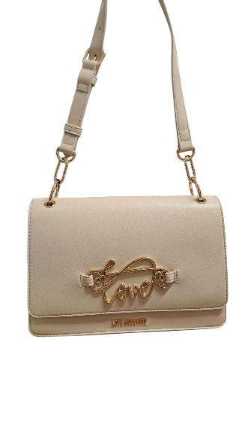 | LOVE MOSCHINO | JC4264PP0MKG0104 | BORSA PU SOUL | 9 | € 100.00 | € 900.00 | € 64.00 | € 576.00 | £56.64 | £509.73
 | LOVE MOSCHINO | JC4264PP0MKG0500 | BORSA PU ROSSO | 6 | € 100.00 | € 600.00 | € 64.00 | € 384.00 | £56.64 | £339.82
 | LOVE MOSCHINO | JC4308PP0NKD000A | BOLD LOVE HAMMERED NERO | 105 | € 108.00 | € 11,340.00 | € 69.12 | € 7,257.60 | £61.17 | £6,422.65
 | LOVE MOSCHINO | JC5314PP0MKD0100 | BUSTINA PU GRS BIANCO | 2 | € 53.00 | € 106.00 | € 33.92 | € 67.84 | £30.02 | £60.04
 | LOVE MOSCHINO | JC4010PP1NLG0000 | BORSA PU NERO | 111 | € 87.00 | € 9,657.00 | € 55.68 | € 6,180.48 | £49.27 | £5,469.45
 | LOVE MOSCHINO | JC4010PP1NLG0104 | BORSA PU BEIGE | 36 | € 87.00 | € 3,132.00 | € 55.68 | € 2,004.48 | £49.27 | £1,773.88
 | LOVE MOSCHINO | JC4010PP1NLG0500 | BORSA PU ROSSO | 63 | € 87.00 | € 5,481.00 | € 55.68 | € 3,507.84 | £49.27 | £3,104.28
 | LOVE MOSCHINO | JC4010PP1NLG0301 | BORSA PU TMORO | 31 | € 87.00 | € 2,697.00 | € 55.68 | € 1,726.08 | £49.27 | £1,527.50
 | LOVE MOSCHINO | JC4012PP1NLH0601 | BORSA QUILTED PU CIPRIA | 4 | € 87.00 | € 348.00 | € 55.68 | € 222.72 | £49.27 | £197.10
 | LOVE MOSCHINO | JC4058PP1NLO0450 | BORSA PU LISCIO ARANCIO | 8 | € 75.00 | € 600.00 | € 48.00 | € 384.00 | £42.48 | £339.82
 | LOVE MOSCHINO | JC4127PP0NKB100A | BORSA PU+VELOUR PL NERO | 56 | € 75.00 | € 4,200.00 | € 48.00 | € 2,688.00 | £42.48 | £2,378.76
 | LOVE MOSCHINO | JC4127PP0NKB110A | BORSA PU+VELOUR PL SABBIA | 42 | € 75.00 | € 3,150.00 | € 48.00 | € 2,016.00 | £42.48 | £1,784.07
 | LOVE MOSCHINO | JC4127PP0NKB185A | BORSA PU+VELOUR PL VERDE | 2 | € 75.00 | € 150.00 | € 48.00 | € 96.00 | £42.48 | £84.96
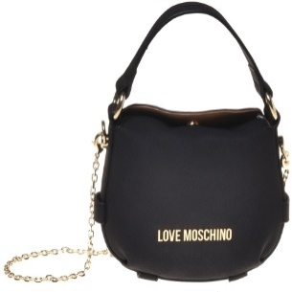 | LOVE MOSCHINO | JC4168PP1NLB0104 | BORSA PU BEIGE | 2 | € 77.00 | € 154.00 | € 49.28 | € 98.56 | £43.61 | £87.22
 | LOVE MOSCHINO | JC4316PP0NKE0000 | EMBOSSED SUEDE NERO | 158 | € 90.00 | € 14,220.00 | € 57.60 | € 9,100.80 | £50.97 | £8,053.81
 | LOVE MOSCHINO | JC4368PP0NKG0500 | BORSA PU ROSSO | 15 | € 70.00 | € 1,050.00 | € 44.80 | € 672.00 | £39.65 | £594.69
 | LOVE MOSCHINO | JC4368PP0NKG0000 | BORSA PU NERO | 87 | € 70.00 | € 6,090.00 | € 44.80 | € 3,897.60 | £39.65 | £3,449.20
 | LOVE MOSCHINO | JC4389PP0NKL100A | KNIT NERO + NERO | 98 | € 84.00 | € 8,232.00 | € 53.76 | € 5,268.48 | £47.58 | £4,662.37
 | LOVE MOSCHINO | JC4389PP0NKL110A | KNIT AVORIO + NERO | 47 | € 84.00 | € 3,948.00 | € 53.76 | € 2,526.72 | £47.58 | £2,236.04
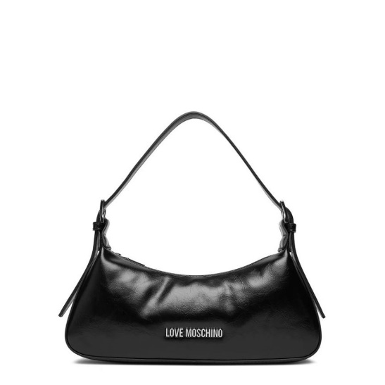 | LOVE MOSCHINO | JC4390PP0NKP000A | BORSA PU NERO GALV.NICHEL | 303 | € 63.00 | € 19,089.00 | € 40.32 | € 12,216.96 | £35.68 | £10,811.47
 | LOVE MOSCHINO | JC4390PP0NKP020A | BORSA PU CUOIO GALV.NICHEL | 78 | € 63.00 | € 4,914.00 | € 40.32 | € 3,144.96 | £35.68 | £2,783.15
 | LOVE MOSCHINO | JC4390PP0NKP085A | BORSA PU VERDE GALV.NICHEL | 135 | € 63.00 | € 8,505.00 | € 40.32 | € 5,443.20 | £35.68 | £4,816.99
 | LOVE MOSCHINO | JC4390PP0NKP061A | BORSA PU ROSA ANTICO GALV.NICHEL | 12 | € 63.00 | € 756.00 | € 40.32 | € 483.84 | £35.68 | £428.18
 | LOVE MOSCHINO | JC5640PP0NKE0000 | BORSETTA EMBOSSED VELOUR PL NERO | 22 | € 70.00 | € 1,540.00 | € 44.80 | € 985.60 | £39.65 | £872.21
 | LOVE MOSCHINO | JC5640PP0NKE0105 | BORSETTA EMBOSSED VELOUR PL SABB | 15 | € 70.00 | € 1,050.00 | € 44.80 | € 672.00 | £39.65 | £594.69
 | LOVE MOSCHINO | JC5640PP0NKE0611 | BORSETTA EMBOSSED VELOUR PL ROSA | 9 | € 70.00 | € 630.00 | € 44.80 | € 403.20 | £39.65 | £356.81
 | LOVE MOSCHINO | JC5640PP0NKE0650 | BORSETTA EMBOSSED VELOUR PL VIOL | 9 | € 70.00 | € 630.00 | € 44.80 | € 403.20 | £39.65 | £356.81
 | LOVE MOSCHINO | JC5640PP1NLC0000 | BORSETTAPU EMBOSSED NERO | 86 | € 70.00 | € 6,020.00 | € 44.80 | € 3,852.80 | £39.65 | £3,409.56
 | LOVE MOSCHINO | JC5640PP1NLC0312 | BORSETTAPU EMBOSSED CASTAGNA | 13 | € 70.00 | € 910.00 | € 44.80 | € 582.40 | £39.65 | £515.40
 | LOVE MOSCHINO | JC5640PP1NLC0500 | BORSETTAPU EMBOSSED ROSSO | 10 | € 70.00 | € 700.00 | € 44.80 | € 448.00 | £39.65 | £396.46
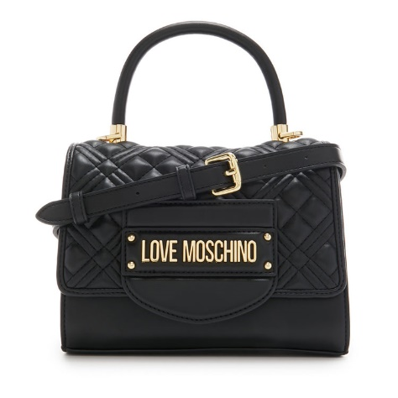 SP | LOVE MOSCHINO | JC4055PP1ILA0000 | BORSA QUILTED PU NERO GALV ORO | 228 | € 96.00 | € 21,888.00 | € 61.44 | € 14,008.32 | £54.37 | £12,396.74
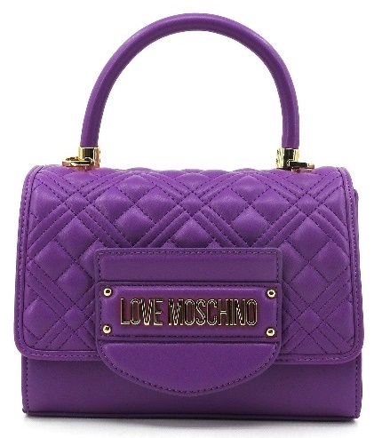 SP | LOVE MOSCHINO | JC4055PP1ILA0650 | BORSA QUILTED PU NERO GALV PURPLE | 336 | € 96.00 | € 32,256.00 | € 61.44 | € 20,643.84 | £54.37 | £18,268.88
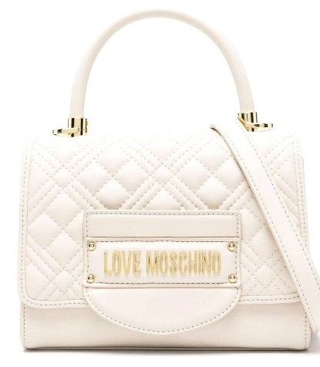 SP | LOVE MOSCHINO | JC4055PP1ILA0110 | BORSA QUILTED PU NERO GALV IVORY | 260 | € 96.00 | € 24,960.00 | € 61.44 | € 15,974.40 | £54.37 | £14,136.64
 | LOVE MOSCHINO | JC5681PP1NLA0110 | BORSETTA QUILTED PU AVORIO | 7 | € 63.00 | € 441.00 | € 40.32 | € 282.24 | £35.68 | £249.77
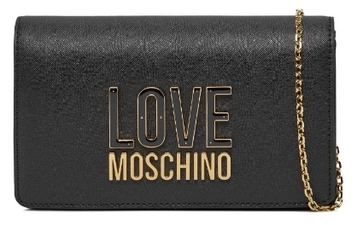 SP | LOVE MOSCHINO | JC4213PP1ILQ100A | COL. 00A NERO | 212 | € 65.00 | € 13,780.00 | € 41.60 | € 8,819.20 | £36.81 | £7,804.60
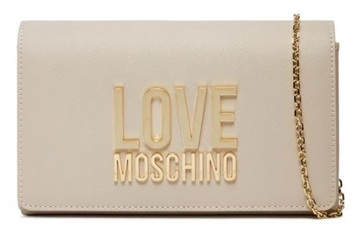 SP | LOVE MOSCHINO | JC4213PP1ILQ111A | COL. 11A AVORIO | 96 | € 65.00 | € 6,240.00 | € 41.60 | € 3,993.60 | £36.81 | £3,534.16
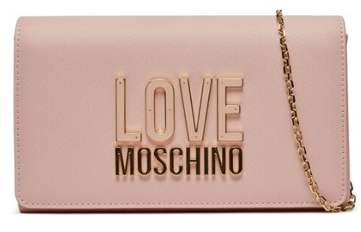 SP | LOVE MOSCHINO | JC4213PP1ILQ160A | COL. 60A CIPRIA | 142 | € 65.00 | € 9,230.00 | € 41.60 | € 5,907.20 | £36.81 | £5,227.61
 |  |  |  | 11736 |  | € 865,797.00 |  | € 554,110.08 |  | £490,362.90

