OFFER
REF
NAME*
COMPANY NAME
DATE*
SALES REP*
EMAIL*
PHONE #*
PAYMENT CURRENCY (€/£)*
BILLING ADDRESS*
ORDER NUMBER
PRE/IN HAND
DELIVERY TYPE

Images | Description | Size | Article No. | SKU Code | EAN | Colour | TOTAL QTY | Pallet | RRP | RRP TOT € | COST € | COST TOT € | COST £ | COST TOT £
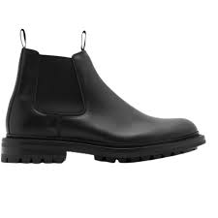 | ANKLE BOOT ON RUBBER SOLE | 6 | 8075783 | 1005 | 5045704128198 | BLACK | 3 | 22 | € 990.00 | € 2,970.00 | € 138.60 | € 415.80 | £122.65 | £367.96
 | ANKLE BOOT ON RUBBER SOLE | 5 | 8075783 | 1005 | 5045704128198 | BLACK | 1 | 22 | € 990.00 | € 990.00 | € 138.60 | € 138.60 | £122.65 | £122.65
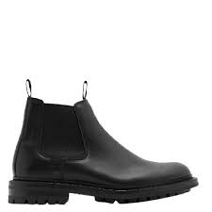 | ANKLE BOOT ON RUBBER SOLE | 2 | 8075771 | 1005 | 5045704126903 | BLACK | 5 | 28x4 | 25x1 | € 1,099.00 | € 5,495.00 | € 153.86 | € 769.30 | £136.16 | £680.80
 | ANKLE BOOT ON RUBBER SOLE | 6 | 8075771 | 1005 | 5045704126903 | BLACK | 4 | 30x4 | 31x3 | € 1,099.00 | € 4,396.00 | € 153.86 | € 615.44 | £136.16 | £544.64
 | ANKLE BOOT ON RUBBER SOLE | 4 | 8075771 | 1005 | 5045704126903 | BLACK | 8 | 30x4 | 31x6 | € 1,099.00 | € 8,792.00 | € 153.86 | € 1,230.88 | £136.16 | £1,089.27
 | ANKLE BOOT ON RUBBER SOLE | 5 | 8075771 | 1005 | 5045704126903 | BLACK | 2 | 30x5 | 31x2 | € 1,099.00 | € 2,198.00 | € 153.86 | € 307.72 | £136.16 | £272.32
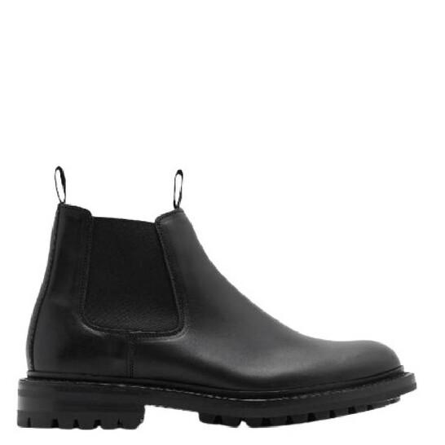 | ANKLE BOOT ON RUBBER SOLE | 3 | 8075771 | 1005 | 5045704126903 | BLACK | 3 | 25x1 | 30x2 | € 1,099.00 | € 3,297.00 | € 153.86 | € 461.58 | £136.16 | £408.48
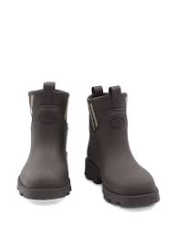 | ANKLE BOOT ON RUBBER SOLE | 7 | 8075782 | NA | NA | WARM CARAMEL | 1 | 28 | € 1,099.00 | € 1,099.00 | € 153.86 | € 153.86 | £136.16 | £136.16
 | ANKLE BOOT ON RUBBER SOLE | 11 | 8075782 | NA | NA | WARM CARAMEL | 1 | 30 | € 1,099.00 | € 1,099.00 | € 153.86 | € 153.86 | £136.16 | £136.16
 | ANKLE BOOT ON RUBBER SOLE | 6 | 8075782 | 1005 | 5045704127955 | WARM CARAMEL | 2 | 30 | € 1,099.00 | € 2,198.00 | € 153.86 | € 307.72 | £136.16 | £272.32
 | ANKLE BOOT ON RUBBER SOLE | 9 | 8075782 | 1005 | 5045704127955 | WARM CARAMEL | 1 | 32 | € 1,099.00 | € 1,099.00 | € 153.86 | € 153.86 | £136.16 | £136.16
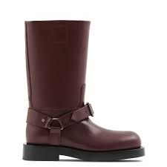 | BOOT | 36 | 8077375 |  | 5045704347674 | WHT/HUNTER | 1 | 23 | € 1,550.00 | € 1,550.00 | € 217.00 | € 217.00 | £192.04 | £192.04
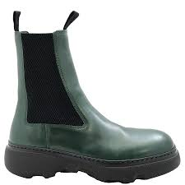 | BOOT | 39 | 8074918 |  | 5045704163359 | VINE | 1 | 23 | € 1,250.00 | € 1,250.00 | € 175.00 | € 175.00 | £154.87 | £154.87
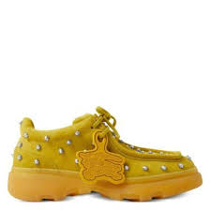 | Creeper Studded Suede Boots | 45 | 8074723 |  | 5045704159666 | MANILLA | 1 | 23 | € 990.00 | € 990.00 | € 138.60 | € 138.60 | £122.65 | £122.65
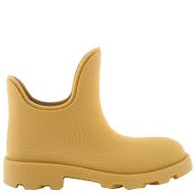 | BOOT | 44 | 8074608 |  | 5045704186457 | MANILLA | 1 | 23 | € 750.00 | € 750.00 | € 105.00 | € 105.00 | £92.92 | £92.92
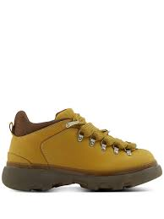 | BOOT | 45 | 8074577 |  | 5045704154715 | MANILLA | 1 | 23 | € 920.00 | € 920.00 | € 128.80 | € 128.80 | £113.98 | £113.98
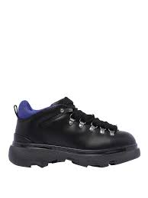 | BOOT | 45 | 8074564 |  | 5045704151561 | BLACK | 1 | 23 | € 920.00 | € 920.00 | € 128.80 | € 128.80 | £113.98 | £113.98
 | BOOT | 39.5 | 8074481 |  | 5045704228188 | BROWN | 1 | 23 | € 1,155.00 | € 1,155.00 | € 161.70 | € 161.70 | £143.10 | £143.10
 | BOOT | 36 | 8074481 |  | 5045704228188 | BROWN | 1 | 23 | € 1,155.00 | € 1,155.00 | € 161.70 | € 161.70 | £143.10 | £143.10
 | BOOT | 45 | 8074608 | 1007 |  | MANILLA | 1 | 29 | € 750.00 | € 750.00 | € 105.00 | € 105.00 | £92.92 | £92.92
 | BOOT | 39.5 | 8077389 |  |  | MANILLA | 1 | 27 | € 1,200.00 | € 1,200.00 | € 168.00 | € 168.00 | £148.67 | £148.67
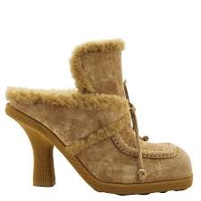 | BOOT | 40.5 | 8077389 |  |  | MANILLA | 1 | 27 | € 1,200.00 | € 1,200.00 | € 168.00 | € 168.00 | £148.67 | £148.67
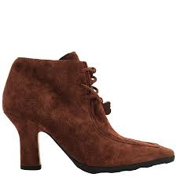 | BOOT | 38 | 8074481 | 1007 |  | BROWN | 1 | 30 | € 1,155.00 | € 1,155.00 | € 161.70 | € 161.70 | £143.10 | £143.10
 | BOOT? | 37.5 | 8076201 | 1006 | 5045704299287 | JUTE | 2 | 25x1 | 30x1 | € 790.00 | € 1,580.00 | € 110.60 | € 221.20 | £97.88 | £195.75
 | BOOT? | 35 | 8076201 | 1007 | 5045704299317 | JUTE | 2 | 29x1 | 30x1 | € 790.00 | € 1,580.00 | € 110.60 | € 221.20 | £97.88 | £195.75
 | BOOT? | 39 | 8076201 | 1008 | 5045704299348 | JUTE | 5 | 28x3 | 30x2 | € 790.00 | € 3,950.00 | € 110.60 | € 553.00 | £97.88 | £489.38
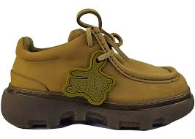 | CREEPER LACE UP | 40 | 8076525 | 1011 | 5045704343980 | MANILLA | 1 | 32 | € 990.00 | € 990.00 | € 138.60 | € 138.60 | £122.65 | £122.65
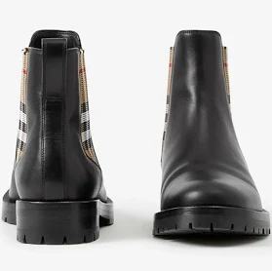 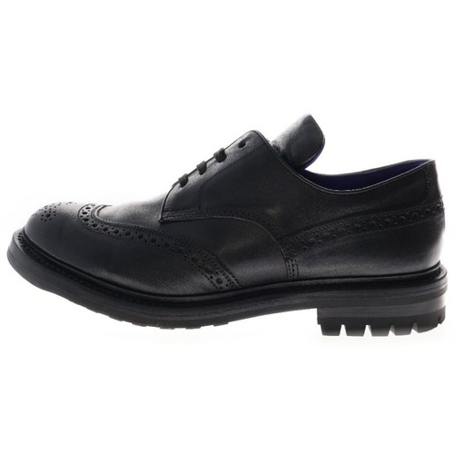 | DERBY ON RUBBER SOLE | 3 | 8075773 | 1002 | 5045704127238 |  |  |  | € 885.00 | € - | € 123.90 | € - | £109.65 | £-
 | DERBY ON RUBBER SOLE | 4 | 8075773 | 1003 |  | WARM CARAMEL |  |  | € 885.00 | € - | € 123.90 | € - | £109.65 | £-
 | DERBY ON RUBBER SOLE | 5 | 8075773 | 1004 | 5045704127290 | WARM CARAMEL |  |  | € 885.00 | € - | € 123.90 | € - | £109.65 | £-
 | DERBY ON RUBBER SOLE | 9 | 8075726 | 1008 | 5045704126033 | WARM CARAMEL |  |  | € 885.00 | € - | € 123.90 | € - | £109.65 | £-
 | DERBY ON RUBBER SOLE | 7 | 8075726 | 1006 | 5045704125975 | WARM CARAMEL |  |  | € 885.00 | € - | € 123.90 | € - | £109.65 | £-
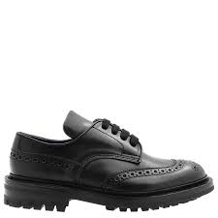 | DERBY ON RUBBER SOLE | 2 | 8075774 | 1007 | 5045704127597 | BLACK | 1 | 30 | € 890.00 | € 890.00 | € 124.60 | € 124.60 | £110.27 | £110.27
 | DERBY ON RUBBER SOLE | 3 | 8075774 | 1007 | 5045704127597 | BLACK | 6 | 25x1 | 30x5 | € 890.00 | € 5,340.00 | € 124.60 | € 747.60 | £110.27 | £661.59
 | DERBY ON RUBBER SOLE | 4 | 8075774 | 1004 | 5045704127597 | BLACK | 8 | 28x3 | 30x5 | € 890.00 | € 7,120.00 | € 124.60 | € 996.80 | £110.27 | £882.12
 | DERBY ON RUBBER SOLE | 5 | 8075774 | 1007 | 5045704127597 | BLACK | 3 | 25Xx1 | 28x2 | € 890.00 | € 2,670.00 | € 124.60 | € 373.80 | £110.27 | £330.80
 | DERBY ON RUBBER SOLE | 3 | 8075775 | 1010 | 5045704127627 | AUBERGINE | 2 | 28x1 | 30x1 | € 890.00 | € 1,780.00 | € 124.60 | € 249.20 | £110.27 | £220.53
 | DERBY ON RUBBER SOLE | 5 | 8075775 | 1010 | 5045704127627 | AUBERGINE | 5 | 30 | € 890.00 | € 4,450.00 | € 124.60 | € 623.00 | £110.27 | £551.33
 | DERBY ON RUBBER SOLE | 4 | 8075775 | 1010 | 5045704127627 | AUBERGINE | 1 | 30 | € 890.00 | € 890.00 | € 124.60 | € 124.60 | £110.27 | £110.27
 | DERBY ON RUBBER SOLE | 2 | 8075775 | 1001 | 5045704127627 | AUBERGINE | 3 | 25x1 | 30x2 | € 890.00 | € 2,670.00 | € 124.60 | € 373.80 | £110.27 | £330.80
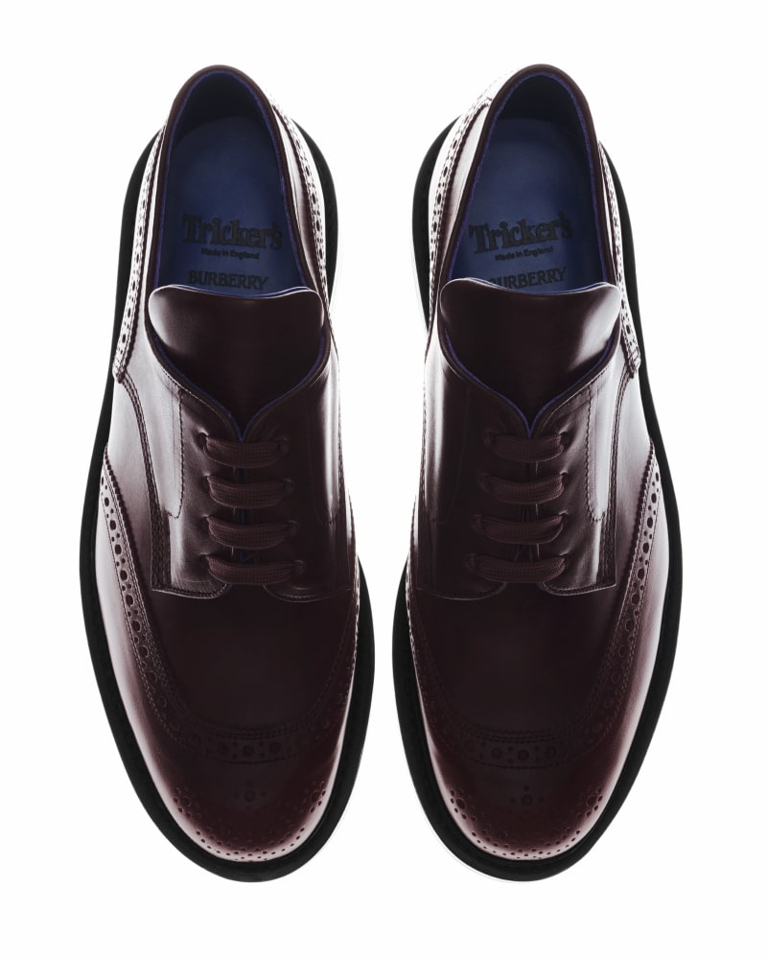 | DERBY ON RUBBER SOLE | 7 | 8075769 | 1006 | 5045704126453 | VINE |  |  | € 1,009.00 | € - | € 141.26 | € - | £125.01 | £-
 | DERBY ON RUBBER SOLE | 9 | 8075769 | 1007 | 5045704126484 | VINE | 1 | 30 | € 1,009.00 | € 1,009.00 | € 141.26 | € 141.26 | £125.01 | £125.01
 | DERBY ON RUBBER SOLE | 3 | 8075775 | 1002 |  | AUBERGINE | 1 | 30 | € 890.00 | € 890.00 | € 124.60 | € 124.60 | £110.27 | £110.27
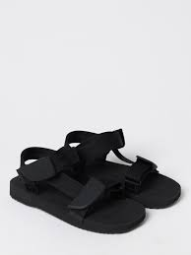 | FABRIC SANDAL ON RUBBER SOLE | 43 | 8088566 | 1005 |  | BLACK | 1 | 30 | € 530.00 | € 530.00 | € 74.20 | € 74.20 | £65.66 | £65.66
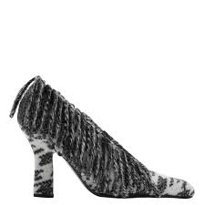 | FABRIC SHOE WITH LETHER SOLE | 35 | 8082133 |  | 5045705169527 | BLACK | 1 | 22 | € 690.00 | € 690.00 | € 96.60 | € 96.60 | £85.49 | £85.49
 | FABRIC SHOE WITH LETHER SOLE | 36.5 | 8082133 |  | 5045705169527 | BLACK | 1 | 22 | € 690.00 | € 690.00 | € 96.60 | € 96.60 | £85.49 | £85.49
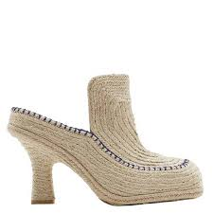 | HEELED ESPADRILLE | 38 | 80866280 |  | 5045706010682 | NATRAL | 1 | 23 | € 970.00 | € 970.00 | € 135.80 | € 135.80 | £120.18 | £120.18
 | HEELED ESPADRILLE | 40 | 8086628 | 1006 | 5045706010743 | NATURAL | 1 | 30 | € 970.00 | € 970.00 | € 135.80 | € 135.80 | £120.18 | £120.18
 | HIKING BOOT ON RUBBER SOLE | 37 | 8077699 |  | 5045704473045 | AUBERGINE | 1 | 23 | € 895.00 | € 895.00 | € 125.30 | € 125.30 | £110.88 | £110.88
 | KITON 105 PUMP | 39.5 | 8017176 |  | 5045558805238 | TAWNY | 1 | 22 |  | € - | € - | € - | £- | £-
 | LASER CUT PEEP TOE ANKLE BOOTIE | 36.5 | 4014785 | 1004 | 5045493774842 | BLACK | 1 | 17 |  | € - | € - | € - | £- | £-
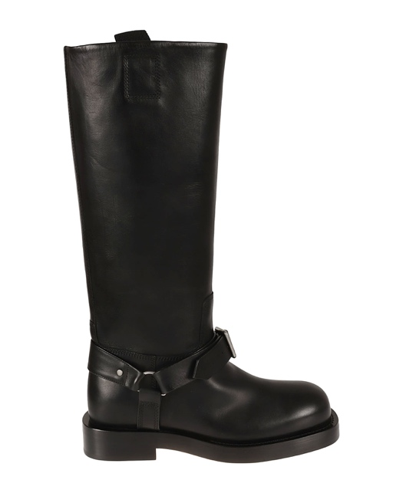 | LEATHER BOOT | 41 | 8074596 | 1003 | 5045704184682 | BLACK | 2 | 21 | € 790.00 | € 1,580.00 | € 110.60 | € 221.20 | £97.88 | £195.75
 | LEATHER BOOT | 45 | 8074596 | 1007 |  | BLACK | 2 | 24 | € 790.00 | € 1,580.00 | € 110.60 | € 221.20 | £97.88 | £195.75
 | LEATHER BOOT | 42 | 8074596 | 1004 | 5045704184712 | BLACK |  |  | € 790.00 | € - | € 110.60 | € - | £97.88 | £-
 | LEATHER BOOT | 44 | 8074596 | 1005 | 5045704184743 | BLACK | 3 | 24 | € 790.00 | € 2,370.00 | € 110.60 | € 331.80 | £97.88 | £293.63
 | LEATHER BOOT | 41 | 8074596 | 1003 | 5045704184682 | BLACK | 1 | 17 | € 790.00 | € 790.00 | € 110.60 | € 110.60 | £97.88 | £97.88
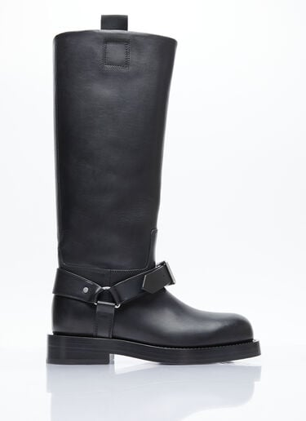 | LEATHER BOOT | 42 | 8074596 | 1004 | 5045704184712 | BLACK | 1 | 17 | € 790.00 | € 790.00 | € 110.60 | € 110.60 | £97.88 | £97.88
 | LEATHER BOOT | 37 | 8063180 | 1005 |  | DARK RUST |  |  | € 1,495.00 | € - | € 209.30 | € - | £185.22 | £-
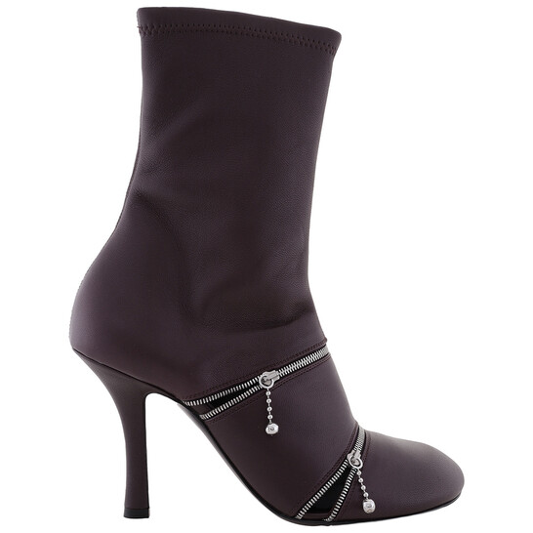 | LEATHER BOOT | 37 | 8080247 | 1007 | 5045705132927 | POISON | 1 | 28 | € 1,266.00 | € 1,266.00 | € 177.24 | € 177.24 | £156.85 | £156.85
 | LEATHER BOOT | 42 | 8074366 | 1007 | 5045704139682 | BLACK |  |  | € 1,954.00 | € - | € 273.56 | € - | £242.09 | £-
 | LEATHER BOOT | 43 | 8074366 | 1009 | 5045704139743 | BLACK |  |  | € 1,954.00 | € - | € 273.56 | € - | £242.09 | £-
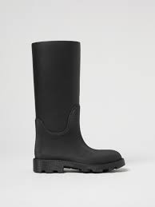 | LEATHER BOOT | 41 | 8074596 | 1003 | 5045704184682 | BLACK | 1 | 29 | € 790.00 | € 790.00 | € 110.60 | € 110.60 | £97.88 | £97.88
 | LEATHER BOOT | 45 | 8074596 | 1007 |  | BLACK | 6 | 27 | € 790.00 | € 4,740.00 | € 110.60 | € 663.60 | £97.88 | £587.26
 | LEATHER BOOT | 44 | 8074596 | 1004 | 5045704184712 | BLACK | 7 | 27 | € 790.00 | € 5,530.00 | € 110.60 | € 774.20 | £97.88 | £685.13
 | LEATHER BOOT | 43 | 8074596 | 1005 | 5045704184743 | BLACK | 1 | 29 | € 790.00 | € 790.00 | € 110.60 | € 110.60 | £97.88 | £97.88
 | LEATHER BOOT | 37 | 8063180 | 1005 |  | DARK RUST |  |  | € 1,495.00 | € - | € 209.30 | € - | £185.22 | £-
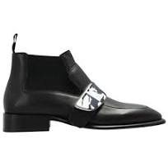 | LEATHER BOOT ON LEATHER SOLE | 43 | 8087314 | 1009 | 5045706092138 | BLACK | 4 | 21 | € 1,110.00 | € 4,440.00 | € 155.40 | € 621.60 | £137.52 | £550.09
 | LEATHER BOOT ON LEATHER SOLE | 45 | 8087314 | 1011 | 5045706092190 | BLACK | 2 | 23 | € 1,110.00 | € 2,220.00 | € 155.40 | € 310.80 | £137.52 | £275.04
 | LEATHER BOOT ON LEATHER SOLE | 42 | 8087314 | 1007 | 5045706092015 | BLACK | 3 | 16 | € 1,110.00 | € 3,330.00 | € 155.40 | € 466.20 | £137.52 | £412.57
 | LEATHER BOOT ON LEATHER SOLE | 43 | 8087314 | 1009 | 5045706092138 | BLACK | 1 | 16 | € 1,110.00 | € 1,110.00 | € 155.40 | € 155.40 | £137.52 | £137.52
 | LEATHER BOOT ON LEATHER SOLE | 39 |  | 1003 | 5045705194215 | BLACK | 1 | 23 | € 1,110.00 | € 1,110.00 | € 155.40 | € 155.40 | £137.52 | £137.52
 | LEATHER BOOT ON LEATHER SOLE | 42 |  | 1003 | 5045705194215 | BLACK | 1 | 23 | € 1,110.00 | € 1,110.00 | € 155.40 | € 155.40 | £137.52 | £137.52
 | LEATHER BOOT ON LEATHER SOLE | 40 | 8070717 |  | 5045701875620 | BROWN | 1 | 23 |  | € - | € - | € - | £- | £-
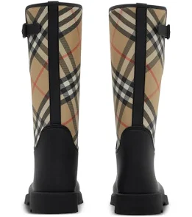 | LEATHER BOOT ON LEATHER SOLE | 40 | 8087314 | 1003 | 5045706091957 | BLACK | 3 | 2X30 1X32 | € 1,110.00 | € 3,330.00 | € 155.40 | € 466.20 | £137.52 | £412.57
 | LEATHER BOOT ON LEATHER SOLE | 41 | 8087314 | 1005 | 5045706092015 | BLACK | 1 | 32 | € 1,110.00 | € 1,110.00 | € 155.40 | € 155.40 | £137.52 | £137.52
 | LEATHER BOOT ON LEATHER SOLE | 45 | 8087314 | 1013 | 5045706091957 | BLACK | 4 | 2X30 2X32 | € 1,100.00 | € 4,400.00 | € 154.00 | € 616.00 | £136.28 | £545.13
 | LEATHER BOOT ON LEATHER SOLE | 40 | 8087314 | 1003 | 5045706091957 | BLACK | 4 | 28x1 | 30x3 | € 1,110.00 | € 4,440.00 | € 155.40 | € 621.60 | £137.52 | £550.09
 | LEATHER BOOT ON LEATHER SOLE | 41 | 8087314 | 1005 | 5045706092015 | BLACK | 6 | 30 | € 1,110.00 | € 6,660.00 | € 155.40 | € 932.40 | £137.52 | £825.13
 | LEATHER BOOT ON LEATHER SOLE | 42.5 | 8087314 | 1007 | 5045706092015 | BLACK | 1 | 30 | € 1,110.00 | € 1,110.00 | € 155.40 | € 155.40 | £137.52 | £137.52
 | LEATHER BOOT ON LEATHER SOLE | 43 | 8087314 | 1009 | 5045706092138 | BLACK |  |  | € 1,110.00 | € - | € 155.40 | € - | £137.52 | £-
 | LEATHER BOOT ON LEATHER SOLE | 45 | 8087314 | 1010 | 5045706092169 | BLACK | 1 | 30 | € 1,110.00 | € 1,110.00 | € 155.40 | € 155.40 | £137.52 | £137.52
 | LEATHER BOOT ON LEATHER SOLE | 44 | 8087314 | 1011 | 5045706092190 | BLACK | 1 | 28 | € 1,110.00 | € 1,110.00 | € 155.40 | € 155.40 | £137.52 | £137.52
 | LEATHER BOOT ON LEATHER SOLE | 40 | 8080123 | 1003 | 5045705194215 | BLACK |  |  | € 1,110.00 | € - | € 155.40 | € - | £137.52 | £-
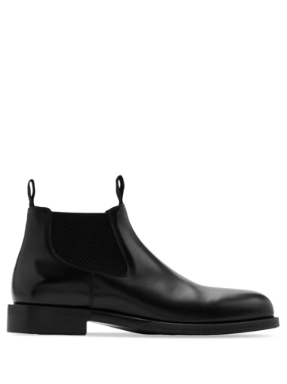 | LEATHER BOOT ON RUBBER SOLE | 39.5 | 8080326 | 1010 | 5045705135355 | CUSTARD | 1 | 22 | € 1,100.00 | € 1,100.00 | € 154.00 | € 154.00 | £136.28 | £136.28
 | LEATHER BOOT ON RUBBER SOLE | 40.5 | 8080326 |  |  | CUSTARD | 1 | 23 | € 1,100.00 | € 1,100.00 | € 154.00 | € 154.00 | £136.28 | £136.28
 | LEATHER BOOT ON RUBBER SOLE | 37.5 | 8080326 |  |  | CUSTARD | 1 | 23 | € 1,100.00 | € 1,100.00 | € 154.00 | € 154.00 | £136.28 | £136.28
 | LEATHER BOOT ON RUBBER SOLE | 38.5 | 8080326 |  |  | CUSTARD | 3 | 22 | € 1,100.00 | € 3,300.00 | € 154.00 | € 462.00 | £136.28 | £408.85
 | LEATHER BOOT ON RUBBER SOLE | 37 | 8080326 |  |  | CUSTARD | 2 | 23 | € 1,100.00 | € 2,200.00 | € 154.00 | € 308.00 | £136.28 | £272.57
 | LEATHER BOOT ON RUBBER SOLE | 37 | 8080326 |  |  | CUSTARD | 1 | 16 | € 1,100.00 | € 1,100.00 | € 154.00 | € 154.00 | £136.28 | £136.28
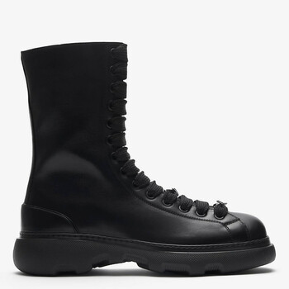 | LEATHER BOOT ON RUBBER SOLE | 39 | 8080011 | 1001 | 5045705180119 | BLACK | 1 | 21 | € 855.00 | € 855.00 | € 119.70 | € 119.70 | £105.93 | £105.93
 | LEATHER BOOT ON RUBBER SOLE | 45 | 8080011 | 1013 | 5045705180119 | BLACK | 1 | 21 | € 855.00 | € 855.00 | € 119.70 | € 119.70 | £105.93 | £105.93
 | LEATHER BOOT ON RUBBER SOLE | 44 | 8080011 |  |  | BLACK | 1 | 16 | € 855.00 | € 855.00 | € 119.70 | € 119.70 | £105.93 | £105.93
 | LEATHER BOOT ON RUBBER SOLE | 41.5 | 8080011 | 1006 | 5045705179908 | BLACK |  |  | € 855.00 | € - | € 119.70 | € - | £105.93 | £-
 | LEATHER BOOT ON RUBBER SOLE | 42 | 8080011 | 1007 |  | BLACK |  |  | € 855.00 | € - | € 119.70 | € - | £105.93 | £-
 | LEATHER BOOT ON RUBBER SOLE | 40 | 8080326 | 1011 | 5045705135386 | CUSTARD | 2 | 1X31 1X32 | € 1,100.00 | € 2,200.00 | € 154.00 | € 308.00 | £136.28 | £272.57
 | LEATHER BOOT ON RUBBER SOLE | 39.5 | 8080326 | 1010 | 5045705135355 | CUSTARD | 1 | 31 | € 1,100.00 | € 1,100.00 | € 154.00 | € 154.00 | £136.28 | £136.28
#VALUE! | LEATHER BOOT ON RUBBER SOLE | 37.5 | 8080326 |  |  | CUSTARD | 3 | 31 | € 1,100.00 | € 3,300.00 | € 154.00 | € 462.00 | £136.28 | £408.85
#VALUE! | LEATHER BOOT ON RUBBER SOLE | 39 | 8080326 |  | 5045705135324 | CUSTARD | 1 | 32 | € 1,100.00 | € 1,100.00 | € 154.00 | € 154.00 | £136.28 | £136.28
#VALUE! | LEATHER BOOT ON RUBBER SOLE | 36 | 8080326 |  |  | CUSTARD | 1 | 31 | € 1,100.00 | € 1,100.00 | € 154.00 | € 154.00 | £136.28 | £136.28
#VALUE! | LEATHER BOOT ON RUBBER SOLE | 38.5 | 8080326 |  |  | CUSTARD | 1 | 31 | € 1,100.00 | € 1,100.00 | € 154.00 | € 154.00 | £136.28 | £136.28
 | LEATHER BOOT ON RUBBER SOLE | 35 | 8080326 | 1001 | 5045705135089 | CUSTARD | 1 | 32 | € 1,100.00 | € 1,100.00 | € 154.00 | € 154.00 | £136.28 | £136.28
 | LEATHER BOOT ON RUBBER SOLE | 38 | 8080326 | 1010 | 5045705135355 | CUSTARD | 2 | 25x1 | 29 x1 | € 1,100.00 | € 2,200.00 | € 154.00 | € 308.00 | £136.28 | £272.57
#VALUE! | LEATHER BOOT ON RUBBER SOLE | 39.5 | 8080326 |  |  | CUSTARD | 1 | 30 | € 1,100.00 | € 1,100.00 | € 154.00 | € 154.00 | £136.28 | £136.28
#VALUE! | LEATHER BOOT ON RUBBER SOLE | 36 | 8080326 |  |  | CUSTARD | 1 | 30 | € 1,100.00 | € 1,100.00 | € 154.00 | € 154.00 | £136.28 | £136.28
#VALUE! | LEATHER BOOT ON RUBBER SOLE | 37.5 | 8080326 |  |  | CUSTARD | 1 | 29 | € 1,100.00 | € 1,100.00 | € 154.00 | € 154.00 | £136.28 | £136.28
#VALUE! | LEATHER BOOT ON RUBBER SOLE | 44.5 | 8080326 |  |  | CUSTARD | 1 | 29 | € 1,100.00 | € 1,100.00 | € 154.00 | € 154.00 | £136.28 | £136.28
#VALUE! | LEATHER BOOT ON RUBBER SOLE | 38.5 | 8080326 |  |  | CUSTARD | 2 | 29x1 | 30 x1 | € 1,100.00 | € 2,200.00 | € 154.00 | € 308.00 | £136.28 | £272.57
 | LEATHER BOOT WITH CHAINS | 36.5 | 8077377 |  |  | VINE | 2 | 30 | € 2,450.00 | € 4,900.00 | € 343.00 | € 686.00 | £303.54 | £607.08
 | LEATHER BOOT WITH CHAINS | 38 | 8077377 |  |  | VINE | 1 | 30 | € 2,450.00 | € 2,450.00 | € 343.00 | € 343.00 | £303.54 | £303.54
 | LEATHER BOOT WITH CHAINS | 36 | 8077377 |  |  | VINE | 1 | 30 | € 2,450.00 | € 2,450.00 | € 343.00 | € 343.00 | £303.54 | £303.54
 | LEATHER BOOT WITH CHAINS | 38.5 | 8077377 |  |  | VINE | 2 | 30 | € 2,450.00 | € 4,900.00 | € 343.00 | € 686.00 | £303.54 | £607.08
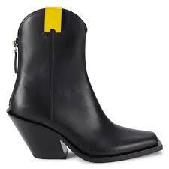 | LEATHER BOOT WITH LEATHER SOLE | 40.5 | 8061817 |  | 5045700367645 | BLACK | 1 | 23 | € 999.00 | € 999.00 | € 139.86 | € 139.86 | £123.77 | £123.77
 | LEATHER CHELSEA BOOT ON RUBBER SOLE | 41 | 8080141 | 1005 | 5045705195625 | CUSTARD | 5 | 31 | € 1,100.00 | € 5,500.00 | € 154.00 | € 770.00 | £136.28 | £681.42
 | LEATHER CHELSEA BOOT ON RUBBER SOLE | 42 | 8080141 | 1007 | 5045705195687 | CUSTARD | 10 | 31 | € 1,100.00 | € 11,000.00 | € 154.00 | € 1,540.00 | £136.28 | £1,362.83
 | LEATHER CHELSEA BOOT ON RUBBER SOLE | 43 | 8080141 | 1009 | 5045705195748 | CUSTARD | 4 | 31 | € 1,100.00 | € 4,400.00 | € 154.00 | € 616.00 | £136.28 | £545.13
 | LEATHER CHELSEA BOOT ON RUBBER SOLE | 44 | 8080141 | 1011 | 5045705195809 | CUSTARD | 5 | 42 | € 1,100.00 | € 5,500.00 | € 154.00 | € 770.00 | £136.28 | £681.42
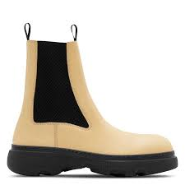 | LEATHER CHELSEA BOOT ON RUBBER SOLE | 45 | 8080141 | 1013 | 5045705195861 | CUSTARD | 6 | 32 | € 1,100.00 | € 6,600.00 | € 154.00 | € 924.00 | £136.28 | £817.70
 | LEATHER PUMP ON RUBBER SOLE | 39 | 8084647 | 1009 | 5045705429683 | MANILLA | 1 | 17 |  | € - | € - | € - | £- | £-
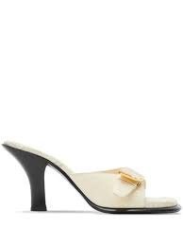 | LEATHER SANDAL ON LEATHER HEEL | 36 | 8084824 | 1003 |  | WOOL | 3 | 27 | € 890.00 | € 2,670.00 | € 124.60 | € 373.80 | £110.27 | £330.80
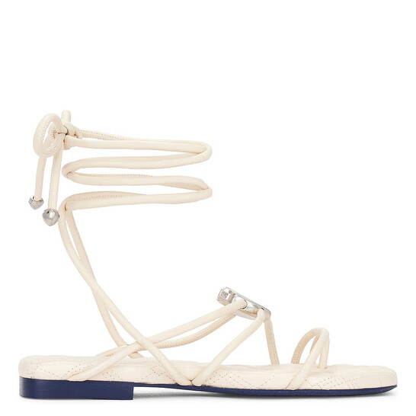 | LEATHER SANDAL ON LEATHER SOLE | 35 | 8088920 | 1007 | 5045706120428 | SOAP | 1 | 23 | € 845.00 | € 845.00 | € 118.30 | € 118.30 | £104.69 | £104.69
 | LEATHER SANDAL ON LEATHER SOLE | 36 | 8088920 | 1007 | 5045706120428 | SOAP | 1 | 25 | € 845.00 | € 845.00 | € 118.30 | € 118.30 | £104.69 | £104.69
 | LEATHER SANDAL ON RUBBER SOLE | 45 | 8081569 | 1007 | 5045705232108 | BUTTER | 1 | 22 | € 660.00 | € 660.00 | € 92.40 | € 92.40 | £81.77 | £81.77
 | LEATHER SANDAL ON RUBBER SOLE | 45 | 8081569 | 1007 | 5045705232108 | BUTTER | 1 | 18 | € 660.00 | € 660.00 | € 92.40 | € 92.40 | £81.77 | £81.77
 | LEATHER SANDAL ON RUBBER SOLE | 41 | 8081569 | 1005 | 5045705232047 | BUTTER | 6 | 25 | € 660.00 | € 3,960.00 | € 92.40 | € 554.40 | £81.77 | £490.62
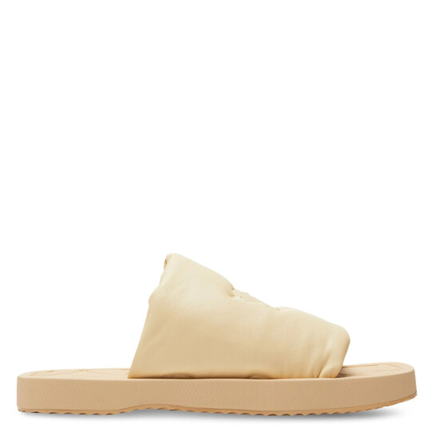 | LEATHER SANDAL ON RUBBER SOLE | 46 | 8081569 | 1007 | 5045705232108 | BUTTER | 2 | 25 | € 660.00 | € 1,320.00 | € 92.40 | € 184.80 | £81.77 | £163.54
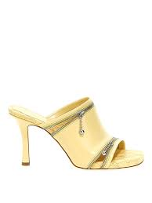 | LEATHER SANDAL WITH LEATHER SOLE | 35 | 8080253 | 1001 |  | DAFFODIL | 1 | 28 | € 890.00 | € 890.00 | € 124.60 | € 124.60 | £110.27 | £110.27
 | LEATHER SANDAL? | 41W | 8072729 | 1013 |  | BLACK |  |  | € 735.00 | € - | € 102.90 | € - | £91.06 | £-
 | LEATHER SHOE ON LEATHER SOLE | 40 | 8085640 | 1010 | 5045705932831 | SOAP | 3 | 21 | € 895.00 | € 2,685.00 | € 125.30 | € 375.90 | £110.88 | £332.65
 | LEATHER SHOE ON LEATHER SOLE | 36.5 | 8085640 | 1013 | 5045705932923 | SOAP | 1 | 19 | € 895.00 | € 895.00 | € 125.30 | € 125.30 | £110.88 | £110.88
 | LEATHER SHOE ON LEATHER SOLE | 36 | 8085548 | 1003 | 5045705932237 | SERPENT | 1 | 19 | € 1,210.00 | € 1,210.00 | € 169.40 | € 169.40 | £149.91 | £149.91
 | LEATHER SHOE ON LEATHER SOLE | 36 | 8085544 | 1003 | 5045705931452 | BLACK | 1 | 22 | € 1,135.00 | € 1,135.00 | € 158.90 | € 158.90 | £140.62 | £140.62
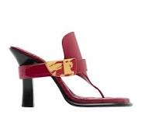 | LEATHER SHOE ON LEATHER SOLE | 36 | 8085542 | 1003 | 5045705930677 | SCARLETT | 4 | 19 | € 1,135.00 | € 4,540.00 | € 158.90 | € 635.60 | £140.62 | £562.48
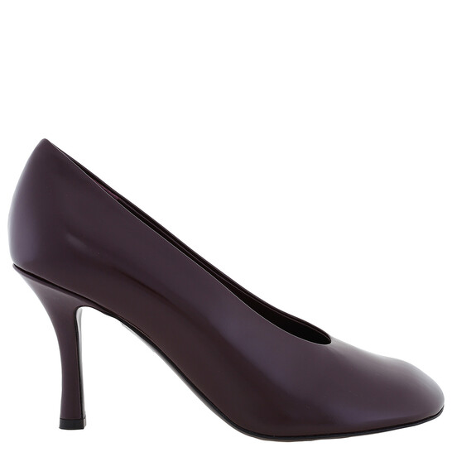 | LEATHER SHOE ON LEATHER SOLE | 38 | 8079908 | 1001 | 5045705148850 | POISON | 1 | 19 | € 870.00 | € 870.00 | € 121.80 | € 121.80 | £107.79 | £107.79
 | LEATHER SHOE ON LEATHER SOLE | 36 | 8079908 | 1003 | 5045705148911 | POISON | 1 | 19 | € 870.00 | € 870.00 | € 121.80 | € 121.80 | £107.79 | £107.79
 | LEATHER SHOE ON LEATHER SOLE | 40 | 8085640 | 1003 | 5045705932626 | SOAP | 3 | 16 | € 895.00 | € 2,685.00 | € 125.30 | € 375.90 | £110.88 | £332.65
 | LEATHER SHOE ON LEATHER SOLE | 36 | 8085640 | 1003 | 5045705932718 | SOAP | 1 | 18 | € 895.00 | € 895.00 | € 125.30 | € 125.30 | £110.88 | £110.88
 | LEATHER SHOE ON LEATHER SOLE | 35 | 8085632 |  | 5045706066061 | LAKE | 1 | 23 |  | € - | € - | € - | £- | £-
 | LEATHER SHOE ON LEATHER SOLE | 37 | 8085544 | 1005 | 5045705931513 | BLACK | 3 | 16 | € 1,135.00 | € 3,405.00 | € 158.90 | € 476.70 | £140.62 | £421.86
 | LEATHER SHOE ON LEATHER SOLE | 35 | 8080222 |  | 5045705155872 | SERPENT | 1 | 23 |  | € - | € - | € - | £- | £-
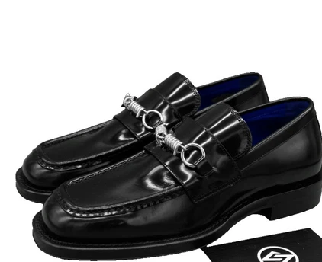 | LEATHER SHOE ON LEATHER SOLE | 44 | 8080103 | 1011 | 5045705190859 | BLACK |  |  | € 785.00 | € - | € 109.90 | € - | £97.26 | £-
 | LEATHER SHOE ON LEATHER SOLE | 37 |  |  |  | NAVY |  |  | € 785.00 | € - | € 109.90 | € - | £97.26 | £-
 | LEATHER SHOE ON LEATHER SOLE | 36 | 8080222 | 1007 |  | SERPENT | 2 | 30 |  | € - | € - | € - | £- | £-
 | LEATHER SHOE ON LEATHER SOLE | 35 | 8086210 | 1005 | 5045706069307 | SOAP | 1 | 30 | € 825.00 | € 825.00 | € 115.50 | € 115.50 | £102.21 | £102.21
 | LEATHER SHOE ON LEATHER SOLE | 39 | 8086210 | 1006 | 5045706069338 | SOAP | 1 | 30 | € 825.00 | € 825.00 | € 115.50 | € 115.50 | £102.21 | £102.21
 | LEATHER SHOE ON LEATHER SOLE | 37 | 8085640 | 1005 | 5045705932688 | SOAP | 4 | 30 | € 895.00 | € 3,580.00 | € 125.30 | € 501.20 | £110.88 | £443.54
 | LEATHER SHOE ON LEATHER SOLE | 38 | 8085640 | 1007 | 5045705932749 | SOAP | 4 | 30 | € 895.00 | € 3,580.00 | € 125.30 | € 501.20 | £110.88 | £443.54
 | LEATHER SHOE ON LEATHER SOLE | 38.5 | 8085640 | 1008 | 5045705932770 | SOAP | 1 | 30 | € 895.00 | € 895.00 | € 125.30 | € 125.30 | £110.88 | £110.88
 | LEATHER SHOE ON LEATHER SOLE | 37 | 8085542 | 1003 | 5045705930738 | SCARLETT | 2 | 30 | € 1,135.00 | € 2,270.00 | € 158.90 | € 317.80 | £140.62 | £281.24
 | LEATHER SHOE ON LEATHER SOLE | 38 | 8085542 | 1003 | 5045705930790 | SCARLETT | 1 | 30 | € 1,135.00 | € 1,135.00 | € 158.90 | € 158.90 | £140.62 | £140.62
 | LEATHER SHOE ON LEATHER SOLE | 36 | 8079908 | 1003 | 5045705148911 | POISON | 1 | 30 | € 870.00 | € 870.00 | € 121.80 | € 121.80 | £107.79 | £107.79
 | LEATHER SHOE ON LEATHER SOLE | 37.5 | 8085640 | 1006 | 5045705932718 | SOAP | 1 | 30 | € 895.00 | € 895.00 | € 125.30 | € 125.30 | £110.88 | £110.88
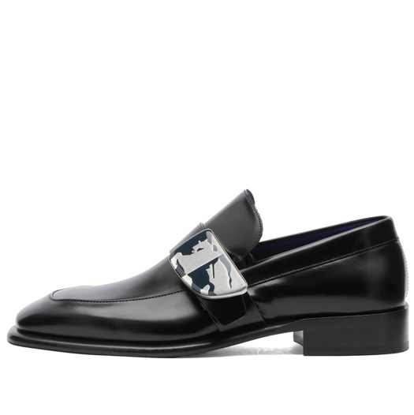 | LEATHER SHOE ON LEATHER SOLE | 44 | 8088630 | 1011 |  | BLACK | 3 | 25x2 | 29 x1 | € 1,095.00 | € 3,285.00 | € 153.30 | € 459.90 | £135.66 | £406.99
 | LEATHER SHOE ON LEATHER SOLE | 45 | 8088630 | 1013 | 5045706106446 | BLACK | 2 | 25 | € 1,095.00 | € 2,190.00 | € 153.30 | € 306.60 | £135.66 | £271.33
 | LEATHER SHOE ON LEATHER SOLE | 36 | 8085640 | 1001 | 5045705932565 | SOAP | 5 | 26x1 | 27x4 | € 895.00 | € 4,475.00 | € 125.30 | € 626.50 | £110.88 | £554.42
 | LEATHER SHOE ON LEATHER SOLE | 37 | 8085640 | 1005 | 5045705932688 | SOAP | 1 | 26 x8 | 27 x2 | 28X1 | € 895.00 | € 895.00 | € 125.30 | € 125.30 | £110.88 | £110.88
 | LEATHER SHOE ON LEATHER SOLE | 38 | 8085640 | 1007 | 5045705932749 | SOAP | 16 | 26 x11 | 27 x3 | 28X2 | € 895.00 | € 14,320.00 | € 125.30 | € 2,004.80 | £110.88 | £1,774.16
 | LEATHER SHOE ON LEATHER SOLE | 36 | 8085548 | 1003 | 5045705932237 | SERPENT | 1 | 29 | € 1,210.00 | € 1,210.00 | € 169.40 | € 169.40 | £149.91 | £149.91
 | LEATHER SHOE ON LEATHER SOLE | 36 | 8085544 | 1003 | 5045705931452 | BLACK | 7 | 26x3 |28x4 | € 1,135.00 | € 7,945.00 | € 158.90 | € 1,112.30 | £140.62 | £984.34
 | LEATHER SHOE ON LEATHER SOLE | 38 | 8085544 | 1007 | 5045705931575 | BLACK | 3 | 25x3 | 28x3 | 30x2 | € 1,135.00 | € 3,405.00 | € 158.90 | € 476.70 | £140.62 | £421.86
 | LEATHER SHOE ON LEATHER SOLE | 35 | 8085544 | 1008 | 5045705931605 | BLACK | 2 | 28 | € 1,135.00 | € 2,270.00 | € 158.90 | € 317.80 | £140.62 | £281.24
 | LEATHER SHOE ON LEATHER SOLE | 37 | 8085542 | 1003 | 5045705930677 | SCARLETT | 2 | 28 | € 1,135.00 | € 2,270.00 | € 158.90 | € 317.80 | £140.62 | £281.24
 | LEATHER SHOE ON LEATHER SOLE | 38 | 8079908 | 1005 | 5045705148973 | POISON | 2 | 25X4 | 28X3 | € 870.00 | € 1,740.00 | € 121.80 | € 243.60 | £107.79 | £215.58
 | LEATHER SHOE ON LEATHER SOLE | 35 | 8085640 | 1003 | 5045705932626 | SOAP | 1 | 27 | € 895.00 | € 895.00 | € 125.30 | € 125.30 | £110.88 | £110.88
 | LEATHER SHOE ON LEATHER SOLE | 40 | 8085640 | 1006 | 5045705932718 | SOAP | 1 | 28 | € 895.00 | € 895.00 | € 125.30 | € 125.30 | £110.88 | £110.88
 | LEATHER SHOE ON LEATHER SOLE | 39 | 8085544 | 1008 | 5045705931605 | BLACK | 2 | 28x6 | 30x1 | € 1,135.00 | € 2,270.00 | € 158.90 | € 317.80 | £140.62 | £281.24
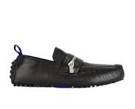 | LEATHER SHOE ON RUBBER SOLE | 40.5 | 8088131 | 1005 | 5045706031564 | BLACK | 1 | 16 | € 795.00 | € 795.00 | € 111.30 | € 111.30 | £98.50 | £98.50
 | LEATHER SHOE ON RUBBER SOLE | 40 | 8086232 | 1013 | 5045705984915 | SOAP | 1 | 23 | € 860.00 | € 860.00 | € 120.40 | € 120.40 | £106.55 | £106.55
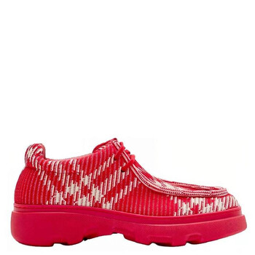 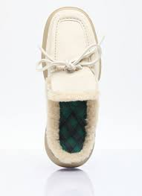 | LEATHER SHOE ON RUBBER SOLE | 41 |  | 1013 | 5045705305369 | CLAY | 1 | 19 | € 900.00 | € 900.00 | € 126.00 | € 126.00 | £111.50 | £111.50
 | LEATHER SHOE ON RUBBER SOLE | 46 | 8081547 | 1005 | 5045705234621 | ZEST | 1 | 16 | € 990.00 | € 990.00 | € 138.60 | € 138.60 | £122.65 | £122.65
 | LEATHER SHOE ON RUBBER SOLE | 44 | 8081547 | 1007 | 5045705234683 | ZEST | 4 | 16 | € 990.00 | € 3,960.00 | € 138.60 | € 554.40 | £122.65 | £490.62
 | LEATHER SHOE ON RUBBER SOLE | 44.5 | 8081547 | 1009 | 5045705234744 | ZEST | 2 | 16 | € 990.00 | € 1,980.00 | € 138.60 | € 277.20 | £122.65 | £245.31
 | LEATHER SHOE ON RUBBER SOLE | 40 | 8080011 | 1010 | 5045705180027 | BLACK | 1 | 23 | € 855.00 | € 855.00 | € 119.70 | € 119.70 | £105.93 | £105.93
 | LEATHER SHOE ON RUBBER SOLE | 42 | 80886577 | 1007 | 5045706005824 | ASH | 4 | 19 |  | € - | € - | € - | £- | £-
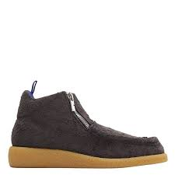 | LEATHER SHOE ON RUBBER SOLE | 44 | 8086577 |  | 5045706005947 | ASH | 1 | 22 | € 920.00 | € 920.00 | € 128.80 | € 128.80 | £113.98 | £113.98
 | LEATHER SHOE ON RUBBER SOLE | 45 | 8086577 |  | 5045706005947 | ASH | 3 | 22 | € 920.00 | € 2,760.00 | € 128.80 | € 386.40 | £113.98 | £341.95
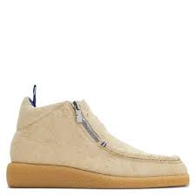 | LEATHER SHOE ON RUBBER SOLE | 46 | 8086575 |  | 5045706005619 | WOOL | 1 | 22 | € 920.00 | € 920.00 | € 128.80 | € 128.80 | £113.98 | £113.98
 | LEATHER SHOE ON RUBBER SOLE | 45 | 8086575 |  | 5045706005619 | WOOL | 1 | 22 | € 920.00 | € 920.00 | € 128.80 | € 128.80 | £113.98 | £113.98
 | LEATHER SHOE ON RUBBER SOLE | 45 | 8080053 |  | 5045705228712 | WOOD | 3 | 22 | € 750.00 | € 2,250.00 | € 105.00 | € 315.00 | £92.92 | £278.76
 | LEATHER SHOE ON RUBBER SOLE | 42 | 8080053 |  | 5045705228712 | WOOD | 1 | 23 | € 750.00 | € 750.00 | € 105.00 | € 105.00 | £92.92 | £92.92
 | LEATHER SHOE ON RUBBER SOLE | 46 | 8080053 |  | 5045705228712 | WOOD | 1 | 23 | € 750.00 | € 750.00 | € 105.00 | € 105.00 | £92.92 | £92.92
 | LEATHER SHOE ON RUBBER SOLE | 43 | 8080053 |  | 5045705228712 | WOOD | 2 | 23 | € 750.00 | € 1,500.00 | € 105.00 | € 210.00 | £92.92 | £185.84
 | LEATHER SHOE ON RUBBER SOLE | 40 | 8080053 |  | 5045705228712 | WOOD | 1 | 23 | € 750.00 | € 750.00 | € 105.00 | € 105.00 | £92.92 | £92.92
 | LEATHER SHOE ON RUBBER SOLE | 44 | 8080053 |  | 5045705228712 | WOOD | 2 | 23 | € 750.00 | € 1,500.00 | € 105.00 | € 210.00 | £92.92 | £185.84
 | LEATHER SHOE ON RUBBER SOLE | 44 | 8080053 |  | 5045705228712 | WOOD | 1 | 22 | € 750.00 | € 750.00 | € 105.00 | € 105.00 | £92.92 | £92.92
 | LEATHER SHOE ON RUBBER SOLE | 42 | 8080053 | 1007 | 5045705228538 | WOOD | 1 | 17 | € 750.00 | € 750.00 | € 105.00 | € 105.00 | £92.92 | £92.92
 | LEATHER SHOE ON RUBBER SOLE | 41 | 8080053 | 1005 | 5045705228477 | WOOD | 4 | 17 | € 750.00 | € 3,000.00 | € 105.00 | € 420.00 | £92.92 | £371.68
 | LEATHER SHOE ON RUBBER SOLE | 43 | 8080053 | 1009 | 5045705228590 | WOOD | 1 | 17 | € 750.00 | € 750.00 | € 105.00 | € 105.00 | £92.92 | £92.92
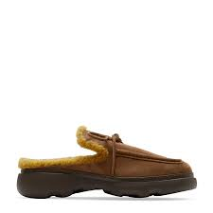 | LEATHER SHOE ON RUBBER SOLE | 44 | 8080053 | 1011 | 5045705228651 | WOOD | 2 | 17 | € 750.00 | € 1,500.00 | € 105.00 | € 210.00 | £92.92 | £185.84
 | LEATHER SHOE ON RUBBER SOLE | 39.5 | 8074536 | 1002 | 5045704147632 | MANILLA |  |  | € 920.00 | € - | € 128.80 | € - | £113.98 | £-
 | LEATHER SHOE ON RUBBER SOLE | 39 | 8086577 | 1009 |  | ASH | 1 | 30 | € 920.00 | € 920.00 | € 128.80 | € 128.80 | £113.98 | £113.98
 | LEATHER SHOE ON RUBBER SOLE | 40 | 8086577 | 1009 |  | ASH | 3 | 26 | € 920.00 | € 2,760.00 | € 128.80 | € 386.40 | £113.98 | £341.95
 | LEATHER SHOE ON RUBBER SOLE | 41 | 8086577 | 1009 |  | ASH | 3 | 26 | € 920.00 | € 2,760.00 | € 128.80 | € 386.40 | £113.98 | £341.95
 | LEATHER SHOE ON RUBBER SOLE | 41.5 | 8086577 | 1009 |  | ASH | 1 | 30 | € 920.00 | € 920.00 | € 128.80 | € 128.80 | £113.98 | £113.98
 | LEATHER SHOE ON RUBBER SOLE | 42 | 8086577 | 1009 |  | ASH | 3 | 26x1 | 30x2 | € 920.00 | € 2,760.00 | € 128.80 | € 386.40 | £113.98 | £341.95
 | LEATHER SHOE ON RUBBER SOLE | 43 | 8086577 | 1009 |  | ASH | 5 | 26 | € 920.00 | € 4,600.00 | € 128.80 | € 644.00 | £113.98 | £569.91
 | LEATHER SHOE ON RUBBER SOLE | 43.5 | 8086577 | 1009 |  | ASH | 1 | 26 | € 920.00 | € 920.00 | € 128.80 | € 128.80 | £113.98 | £113.98
 | LEATHER SHOE ON RUBBER SOLE | 44 | 8086577 | 1009 |  | ASH | 2 | 26 | € 920.00 | € 1,840.00 | € 128.80 | € 257.60 | £113.98 | £227.96
 | LEATHER SHOE ON RUBBER SOLE | 35 | 8077388 | 1003 |  | VINE | 1 | 28 | € 1,290.00 | € 1,290.00 | € 180.60 | € 180.60 | £159.82 | £159.82
 | LEATHER SHOE ON RUBBER SOLE | 36 | 8077388 | 1003 |  | VINE | 1 | 28 | € 1,290.00 | € 1,290.00 | € 180.60 | € 180.60 | £159.82 | £159.82
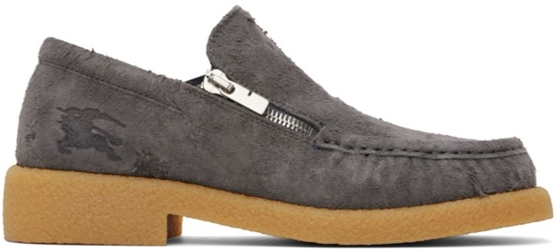 | LEATHER SHOE ON RUBBER SOLE | 45 | 8088973 | 1003 | 5045706127083 | ASH | 2 | 27 | € 990.00 | € 1,980.00 | € 138.60 | € 277.20 | £122.65 | £245.31
#VALUE! | LEATHER SHOE ON RUBBER SOLE | 44 | 8088973 |  |  | ASH | 1 | 27 |  | € - | € - | € - | £- | £-
 | LEATHER SHOE ON RUBBER SOLE | 41 | 8088973 | 1005 | 5045706127144 | ASH | 1 | 25 | € 990.00 | € 990.00 | € 138.60 | € 138.60 | £122.65 | £122.65
 | LEATHER SHOE ON RUBBER SOLE | 45 | 8088973 | 1013 | 5045706127380 | ASH | 1 | 25 | € 990.00 | € 990.00 | € 138.60 | € 138.60 | £122.65 | £122.65
 | LEATHER SHOE ON RUBBER SOLE | 40 | 8088132 | 1003 | 5045706031953 | LAUREL | 3 | 25x1 | 27x1 | 28X1 | € 795.00 | € 2,385.00 | € 111.30 | € 333.90 | £98.50 | £295.49
 | LEATHER SHOE ON RUBBER SOLE | 41 | 8088132 | 1005 | 5045706032011 | LAUREL | 2 | 28 | € 795.00 | € 1,590.00 | € 111.30 | € 222.60 | £98.50 | £196.99
 | LEATHER SHOE ON RUBBER SOLE | 42 | 8088132 | 1007 | 5045706032073 | LAUREL | 3 | 27X1 | 28X2 | 30x1 | € 795.00 | € 2,385.00 | € 111.30 | € 333.90 | £98.50 | £295.49
 | LEATHER SHOE ON RUBBER SOLE | 43 | 8088132 | 1009 | 5045706032134 | LAUREL | 5 | 25x2 | 27x2 | 28X2 | € 795.00 | € 3,975.00 | € 111.30 | € 556.50 | £98.50 | £492.48
 | LEATHER SHOE ON RUBBER SOLE | 45 | 8088132 | 1013 | 5045706032257 | LAUREL | 3 | 25x1 | 27x1 |28X2 | € 795.00 | € 2,385.00 | € 111.30 | € 333.90 | £98.50 | £295.49
 | LEATHER SHOE ON RUBBER SOLE | 40 | 8088131 | 1001 | 5045706031441 | BLACK | 1 | 28 | € 795.00 | € 795.00 | € 111.30 | € 111.30 | £98.50 | £98.50
 | LEATHER SHOE ON RUBBER SOLE | 40.5 | 8088131 | 1003 | 5045706031502 | BLACK | 1 | 25 | € 795.00 | € 795.00 | € 111.30 | € 111.30 | £98.50 | £98.50
 | LEATHER SHOE ON RUBBER SOLE | 41 | 8088131 | 1005 | 5045706031564 | BLACK | 3 | 25X1 | 28X2 | € 795.00 | € 2,385.00 | € 111.30 | € 333.90 | £98.50 | £295.49
 | LEATHER SHOE ON RUBBER SOLE | 42 | 8088131 | 1007 | 5045706031625 | BLACK | 6 | 25x2 | 28x4 | € 795.00 | € 4,770.00 | € 111.30 | € 667.80 | £98.50 | £590.97
 | LEATHER SHOE ON RUBBER SOLE | 41.5 | 8088131 | 1013 | 5045706031809 | BLACK | 1 | 28 | € 795.00 | € 795.00 | € 111.30 | € 111.30 | £98.50 | £98.50
 | LEATHER SHOE ON RUBBER SOLE | 42.5 | 8088131 | 1013 | 5045706031809 | BLACK | 3 | 25X2 | 28 X1 | € 795.00 | € 2,385.00 | € 111.30 | € 333.90 | £98.50 | £295.49
 | LEATHER SHOE ON RUBBER SOLE | 41.5 | 8086575 | 1003 | 5045706005251 | WOOL | 1 | 30 | € 1,050.00 | € 1,050.00 | € 147.00 | € 147.00 | £130.09 | £130.09
 | LEATHER SHOE ON RUBBER SOLE | 45 | 8081547 | 1009 | 5045705234744 | ZEST | 1 | 30 | € 990.00 | € 990.00 | € 138.60 | € 138.60 | £122.65 | £122.65
 | LEATHER SHOE WITH LEATHER SOLE | 38.5 | 8077201 | 1009 | 5045704327812 | BLACK | 1 | 25 | € 2,490.00 | € 2,490.00 | € 348.60 | € 348.60 | £308.50 | £308.50
 | LEATHER SHOE WITH LEATHER SOLE | 36 | 8077201 | 1009 | 5045704327812 | BLACK | 2 | 28x1 | 30x1 | € 2,490.00 | € 4,980.00 | € 348.60 | € 697.20 | £308.50 | £616.99
 | LEATHER SHOE WITH LEATHER SOLE | 39 | 8077201 | 1009 | 5045704327812 | BLACK | 1 | 25 | € 2,490.00 | € 2,490.00 | € 348.60 | € 348.60 | £308.50 | £308.50
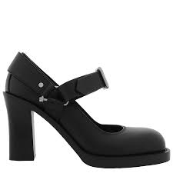 | LEATHER SHOE WITH LEATHER SOLE | 39 | 8079922 | 1009 | 5045705149871 | BLACK | 1 | 30 | € 1,100.00 | € 1,100.00 | € 154.00 | € 154.00 | £136.28 | £136.28
 | LEATHER SHOE WITH LEATHER SOLE | 38..5 | 8077201 |  | 5045704327782 | BLACK | 1 | 31 | € 2,490.00 | € 2,490.00 | € 348.60 | € 348.60 | £308.50 | £308.50
 | LEATHER SHOE WITH LEATHER SOLE | 36..5 | 8077201 |  | 5045704 | BLACK | 1 | 31 | € 2,490.00 | € 2,490.00 | € 348.60 | € 348.60 | £308.50 | £308.50
 | LEATHER SHOE WITH LEATHER SOLE | 40 | 8077201 | 1011 | 5045704327874 | BLACK | 1 | 32 | € 2,490.00 | € 2,490.00 | € 348.60 | € 348.60 | £308.50 | £308.50
 | LEATHER SHOE WITH LEATHER SOLE | 39..5 | 8077201 | 1010 | 5045704327843 | BLACK | 1 | 32 | € 2,490.00 | € 2,490.00 | € 348.60 | € 348.60 | £308.50 | £308.50
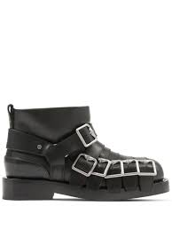 | LEATHER SHOE WITH LEATHER SOLE | 38 | 8077201 | 1007 | 5045704327751 | BLACK | 1 | 32 | € 2,490.00 | € 2,490.00 | € 348.60 | € 348.60 | £308.50 | £308.50
 | LEATHER SHOE WITH RUBBER SOLE | 40 | 8074716 | 1011 | 5045704290857 | FOAM/BUTTER | 1 | 30 | € 2,550.00 | € 2,550.00 | € 357.00 | € 357.00 | £315.93 | £315.93
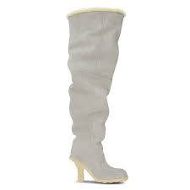 | LEATHER SHOE WITH RUBBER SOLE | 35 | 8074716 | 1001 | 50457040290550 | FOAM/BUTTER | 1 | 31 | € 2,550.00 | € 2,550.00 | € 357.00 | € 357.00 | £315.93 | £315.93
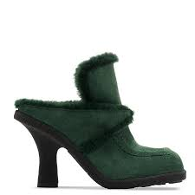 | LEATHER SHOE WITH RUBBER SOLE | 35 | 8077388 | 1011 | 5045704335046 | VINE/VINE | 1 | 31 | € 1,290.00 | € 1,290.00 | € 180.60 | € 180.60 | £159.82 | £159.82
 | LOW TOP SNEAKER | 42 | 8056920 |  | 5045629044337 | BLACK | 2 | 23 | € 590.00 | € 1,180.00 | € 82.60 | € 165.20 | £73.10 | £146.19
 | LOW TOP SNEAKER | 36 | 8043212 | 1003 | 5045625954852 | WHITE/BEIGE | 1 | 16 | € 530.00 | € 530.00 | € 74.20 | € 74.20 | £65.66 | £65.66
 | LOW TOP SNEAKER | 42 | 8039112 |  | 5045624789738 | BLACK | 1 | 23 | € 590.00 | € 590.00 | € 82.60 | € 82.60 | £73.10 | £73.10
 | LOW TOP SNEAKER | 41 | 8039112 |  | 5045624789677 | BLACK | 1 | 23 | € 590.00 | € 590.00 | € 82.60 | € 82.60 | £73.10 | £73.10
 | LOW TOP SNEAKER | 41.5 | 8039112 | 1006 | 5045624789707 | BLACK-BEIGE | 1 | 17 | € 590.00 | € 590.00 | € 82.60 | € 82.60 | £73.10 | £73.10
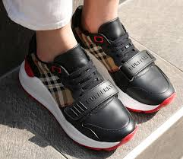 | LOW TOP SNEAKER | 37 | 8038184 | 1005 | 5045624703277 | BLACK-BEIGE | 1 | 16 | € 590.00 | € 590.00 | € 82.60 | € 82.60 | £73.10 | £73.10
 | LOW TOP SNEAKER | 37 | 8037246 |  | 5045624457736 | WHITE | 1 | 22 | € 790.00 | € 790.00 | € 110.60 | € 110.60 | £97.88 | £97.88
 | LOW TOP SNEAKER | 38.5 | 8037246 | 1008 | 5045624457828 | WHITE | 1 | 17 | € 790.00 | € 790.00 | € 110.60 | € 110.60 | £97.88 | £97.88
 | LOW TOP SNEAKER | 37 | 8037246 | 1005 | 5045624457736 | WHITE | 1 | 18 | € 790.00 | € 790.00 | € 110.60 | € 110.60 | £97.88 | £97.88
 | LOW TOP SNEAKER | 38 | 8037246 | 1007 | 5045624457798 | WHITE | 2 | 17 | € 790.00 | € 1,580.00 | € 110.60 | € 221.20 | £97.88 | £195.75
 | LOW TOP SNEAKER | 39 | 8037246 | 1009 | 5045624457859 | WHITE | 1 | 18 | € 790.00 | € 790.00 | € 110.60 | € 110.60 | £97.88 | £97.88
 | LOW TOP SNEAKER | 36 | 8036166 | 1003 | 5045623618367 | BLACK | 1 | 18 | € 950.00 | € 950.00 | € 133.00 | € 133.00 | £117.70 | £117.70
 | LOW TOP SNEAKER | 40 | 8036166 | 1011 | 5045623618367 | BLACK | 1 | 18 | € 950.00 | € 950.00 | € 133.00 | € 133.00 | £117.70 | £117.70
 | LOW TOP SNEAKER | 37 | 8036166 | 1005 | 5045623618367 | BLACK | 1 | 18 | € 950.00 | € 950.00 | € 133.00 | € 133.00 | £117.70 | £117.70
 | LOW TOP SNEAKER | 41 | 8035440 | 1005 | 5045623380318 | BLACK/BEIGE | 1 | 18 | € 990.00 | € 990.00 | € 138.60 | € 138.60 | £122.65 | £122.65
 | LOW TOP SNEAKER | 42 | 8035440 | 1007 | 5045623380318 | BLACK/BEIGE | 1 | 18 | € 990.00 | € 990.00 | € 138.60 | € 138.60 | £122.65 | £122.65
 | LOW TOP SNEAKER | 36 | 8024330 | 103 | 5045620968151 | TAN | 1 | 18 | € 490.00 | € 490.00 | € 68.60 | € 68.60 | £60.71 | £60.71
 | LOW TOP SNEAKER | 37 | 8024330 | 1005 | 5045620968151 | TAN | 1 | 18 | € 490.00 | € 490.00 | € 68.60 | € 68.60 | £60.71 | £60.71
 | LOW TOP SNEAKER | 37.5 | 8036166 | 1006 |  | BLACK | 1 | 30 | € 950.00 | € 950.00 | € 133.00 | € 133.00 | £117.70 | £117.70
 | LOW TOP SNEAKER | 35 | 8035168 | 1001 |  | BLACK | 1 | 28 | € 430.00 | € 430.00 | € 60.20 | € 60.20 | £53.27 | £53.27
 | LOW TOP SNEAKER | 44 | 8056920 | 1011 |  | BLACK | 1 | 28 | € 620.00 | € 620.00 | € 86.80 | € 86.80 | £76.81 | £76.81
 | LOW TOP SNEAKER | 36 | 8043212 | 1003 |  | WHITE | 1 | 28 | € 530.00 | € 530.00 | € 74.20 | € 74.20 | £65.66 | £65.66
 | LOW TOP SNEAKER | 37 | 8037250 | 1005 |  | WHITE | 1 | 28 | € 480.00 | € 480.00 | € 67.20 | € 67.20 | £59.47 | £59.47
 | LOW TOP SNEAKER | 38 | 8032371 | 1007 |  | GREY | 1 | 30 | € 630.00 | € 630.00 | € 88.20 | € 88.20 | £78.05 | £78.05
 | LOW TOP TRAINER ON RUBBER SOLE | 35 | 8053991 | 1001 |  | SOFT FAWN | 1 | 30 | € 750.00 | € 750.00 | € 105.00 | € 105.00 | £92.92 | £92.92
 | LUREX MESH SHOE ON LEATHER SOLE | 35 | 8088820 | 1001 | 5045706100147 | GOLD | 1 | 30 | € 815.00 | € 815.00 | € 114.10 | € 114.10 | £100.97 | £100.97
 | LUREX MESH SHOE ON LEATHER SOLE | 38 | 8088821 | 1009 | 5045706100772 | SILVER | 1 | 28 | € 815.00 | € 815.00 | € 114.10 | € 114.10 | £100.97 | £100.97
 | LUREX MESH SHOE ON LEATHER SOLE | 37 | 8088820 | 1003 | 5045706100208 | GOLD | 2 | 25X1 | 28X1 | € 815.00 | € 1,630.00 | € 114.10 | € 228.20 | £100.97 | £201.95
 | LUREX MESH SHOE ON LEATHER SOLE | 35 | 8088820 | 1007 | 5045706100321 | GOLD | 1 | 27 | € 815.00 | € 815.00 | € 114.10 | € 114.10 | £100.97 | £100.97
 | LUREX MESH SHOE ON LEATHER SOLE | 40 | 8088820 | 1009 | 5045706100383 | GOLD | 2 | 27 | € 815.00 | € 1,630.00 | € 114.10 | € 228.20 | £100.97 | £201.95
 | MARIE JAN FLAT SHOE | 38 | 8035539 |  | 5045623538443 | BLACK | 1 | 22 | € 399.00 | € 399.00 | € 55.86 | € 55.86 | £49.43 | £49.43
 | MARIE JAN FLAT SHOE | 36 | 8035539 |  | 5045623538443 | BLACK | 1 | 22 | € 399.00 | € 399.00 | € 55.86 | € 55.86 | £49.43 | £49.43
 | MARIE JANE FLAT SHOE | 39 | 8035539 | 1009 | 5045625698091 | BLACK-BEIGE | 1 | 18 | € 399.00 | € 399.00 | € 55.86 | € 55.86 | £49.43 | £49.43
 | MARIE JANE FLAT SHOE | 40 | 8035539 | 1011 | 5045625698091 | BLACK-BEIGE | 1 | 18 | € 399.00 | € 399.00 | € 55.86 | € 55.86 | £49.43 | £49.43
 | MARIE JANE FLAT SHOE | 38 | 8035539 | 1007 | 5045625698091 | BLACK-BEIGE | 1 | 17 | € 399.00 | € 399.00 | € 55.86 | € 55.86 | £49.43 | £49.43
 | PILLOW BOOT | 41 | 8077442 |  | 5045704336609 | HUNTER | 1 | 22 | € 950.00 | € 950.00 | € 133.00 | € 133.00 | £117.70 | £117.70
 | PUMP HEEL 100 LEATHER SOLE | 36 | 8050381 | 1003 | 5045627558607 | GREY IP PATTERN | 1 | 18 |  | € - | € - | € - | £- | £-
 | PUMP HEEL 100 LEATHER SOLE | 40 | 8050381 | 1011 |  | GREY | 1 | 28 |  | € - | € - | € - | £- | £-
 | ROPER BOOT | 38 | 8077377 | 1007 | 5045704333004 | VINE | 2 | 31 | € 2,450.00 | € 4,900.00 | € 343.00 | € 686.00 | £303.54 | £607.08
 | RUBBER BOOT | 35 | 8077393 | 1001 | 5045704335824 | MANILLA | 3 | 21 | € 735.00 | € 2,205.00 | € 102.90 | € 308.70 | £91.06 | £273.19
 | RUBBER BOOT | 35 | 8077393 | 1001 | 5045704335824 | MANILLA | 1 | 24 | € 735.00 | € 735.00 | € 102.90 | € 102.90 | £91.06 | £91.06
 | RUBBER BOOT | 36 | 8077393 | 1002 | 5045704335855 | MANILLA | 6 | 21 | € 735.00 | € 4,410.00 | € 102.90 | € 617.40 | £91.06 | £546.37
 | RUBBER BOOT | 36 | 8077393 | 1002 | 5045704335855 | MANILLA | 2 | 24 | € 735.00 | € 1,470.00 | € 102.90 | € 205.80 | £91.06 | £182.12
 | RUBBER BOOT | 37 | 8077393 | 1003 | 5045704335886 | MANILLA | 19 | 20 | € 735.00 | € 13,965.00 | € 102.90 | € 1,955.10 | £91.06 | £1,730.18
 | RUBBER BOOT | 38 | 8077393 | 1004 | 5045704335916 | MANILLA | 6 | 20 | € 735.00 | € 4,410.00 | € 102.90 | € 617.40 | £91.06 | £546.37
 | RUBBER BOOT | 38 | 8077393 | 1004 | 5045704335916 | MANILLA | 3 | 24 | € 735.00 | € 2,205.00 | € 102.90 | € 308.70 | £91.06 | £273.19
 | RUBBER BOOT | 39 | 8077393 | 1005 | 5045704335947 | MANILLA | 7 | 20 | € 735.00 | € 5,145.00 | € 102.90 | € 720.30 | £91.06 | £637.43
 | RUBBER BOOT | 40 | 8077393 | 1005 | 5045704335947 | MANILLA | 10 | 20 | € 735.00 | € 7,350.00 | € 102.90 | € 1,029.00 | £91.06 | £910.62
 | RUBBER BOOT | 41 | 8077393 | 1005 | 5045704335947 | MANILLA | 11 | 24 | € 735.00 | € 8,085.00 | € 102.90 | € 1,131.90 | £91.06 | £1,001.68
 | RUBBER BOOT | 41 | 8077393 | 1005 | 5045704335947 | MANILLA | 4 | 21 | € 735.00 | € 2,940.00 | € 102.90 | € 411.60 | £91.06 | £364.25
 | RUBBER BOOT | 35 | 8077393 | 1001 | 5045704335824 | MANILLA | 3 | 29 | € 735.00 | € 2,205.00 | € 102.90 | € 308.70 | £91.06 | £273.19
 | RUBBER BOOT | 36 | 8077393 | 1002 | 5045704335855 | MANILLA | 2 | 29 | € 735.00 | € 1,470.00 | € 102.90 | € 205.80 | £91.06 | £182.12
 | RUBBER BOOT | 37 | 8077393 | 1003 | 5045704335886 | MANILLA | 5 | 27x1 | 29 x4 | € 735.00 | € 3,675.00 | € 102.90 | € 514.50 | £91.06 | £455.31
 | RUBBER BOOT | 38 | 8077393 | 1004 | 5045704335916 | MANILLA | 12 | 27X1 | 29X11 | € 735.00 | € 8,820.00 | € 102.90 | € 1,234.80 | £91.06 | £1,092.74
 | RUBBER BOOT | 39 | 8077393 | 1005 | 5045704335947 | MANILLA | 3 | 27x1 | 29 X2 | € 735.00 | € 2,205.00 | € 102.90 | € 308.70 | £91.06 | £273.19
 | RUBBER BOOT ON RUBBER SOLE | 41 | 8083380 | 1007 | 5045705292256 | BLACK IP CHK | 1 | 17 | € 790.00 | € 790.00 | € 110.60 | € 110.60 | £97.88 | £97.88
 | RUBBER CLOG | 41 | 8085695 | 1003 |  | KNIGHT | 1 | 28 | € 490.00 | € 490.00 | € 68.60 | € 68.60 | £60.71 | £60.71
 | RUBBER MULE ON RUBBER SOLE | 40 | 8086447 | 1003 | 5045706000935 | MANILLA | 3 | 21 | € 715.00 | € 2,145.00 | € 100.10 | € 300.30 | £88.58 | £265.75
 | RUBBER MULE ON RUBBER SOLE | 39 | 8086447 | 1004 | 5045706000966 | MANILLA | 5 | 21 | € 715.00 | € 3,575.00 | € 100.10 | € 500.50 | £88.58 | £442.92
...

