OFFER
REF
NAME*
COMPANY NAME
DATE*
SALES REP*
EMAIL*
PHONE #*
PAYMENT CURRENCY (€/£)*
BILLING ADDRESS*
ORDER NUMBER
PRE/IN HAND
DELIVERY TYPE

 |  | IMAGE | BRAND | DESCRIPTION | PRODUCT CODE | MATERIAL | MADE | COLOUR | XXS | XS | S | M | L | XL | XXL | QTY | RRP € | RRP TOT € | COST € | COST TOT € | COST £ | COST TOT £
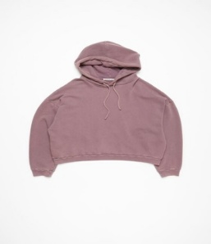 |  | 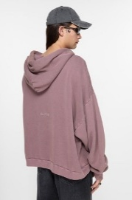 | ACNE STUDIOS | HOODED SWEATER LOGO PATCH | FN-UX-SWEA000019 | 100% Cotton |  | Plum purple | 50 | 13 | 60 | 29 | 9 | 25 | 39 | 225 | € 450.00 | € 101,250.00 | € 63.00 | € 14,175.00 | £55.75 | £12,544.25
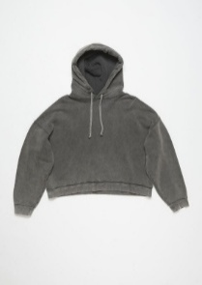 |  | 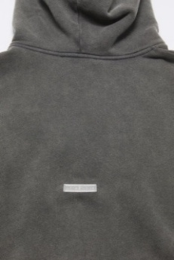 | ACNE STUDIOS | HOODED SWEATER LOGO PATCH | FN-UX-SWEA000019 | 100% Cotton |  | faded black | 47 | 32 | 4 | 0 | 0 | 23 | 0 | 106 | € 450.00 | € 47,700.00 | € 63.00 | € 6,678.00 | £55.75 | £5,909.73
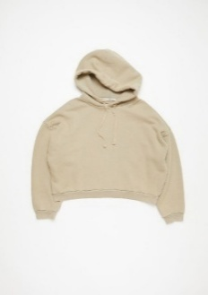 |  | 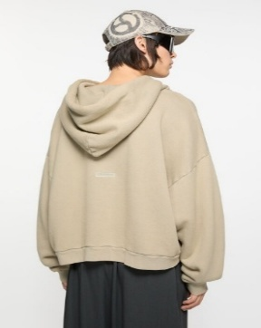 | ACNE STUDIOS | HOODED SWEATER LOGO PATCH | FN-UX-SWEA000019 | 100% Cotton |  | Concrete grey | 33 | 29 | 39 | 28 | 2 | 18 | 12 | 161 | € 450.00 | € 72,450.00 | € 63.00 | € 10,143.00 | £55.75 | £8,976.11
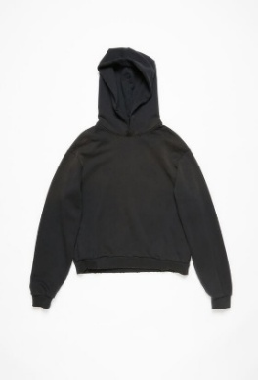 |  | 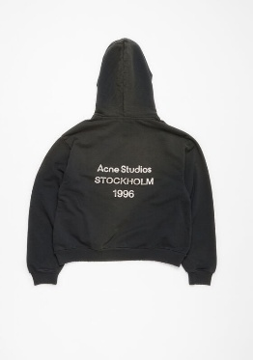 | ACNE STUDIOS | LOGO HOODED SWEATER | FN-UX-SWEA000020 | 89% Organic cotton, 11% Recycled polyester |  | Black | 46 | 19 | 0 | 0 | 0 | 16 | 0 | 81 | € 490.00 | € 39,690.00 | € 68.60 | € 5,556.60 | £60.71 | £4,917.35
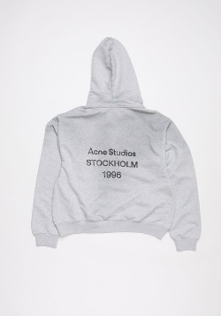 |  |  | ACNE STUDIOS | LOGO HOODED SWEATER | FN-UX-SWEA000023 | 89% Organic cotton, 11% Recycled polyester |  | Concrete grey | 58 | 40 | 25 | 3 |  | 16 | 37 | 179 | € 490.00 | € 87,710.00 | € 68.60 | € 12,279.40 | £60.71 | £10,866.73
 | 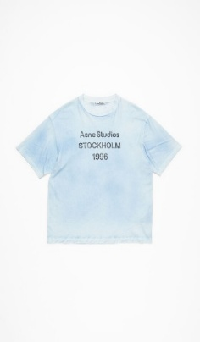 |  | ACNE STUDIOS | LOGO T-SHIRT - RELAXED FIT | FN-UX-TSHI000013 | 85% Organic cotton, 15% True hemp |  | Dusty Blue | 18 | 20 | 0 | 0 | 13 | 2 | 15 | 68 | € 290.00 | € 19,720.00 | € 40.60 | € 2,760.80 | £35.93 | £2,443.19
 | 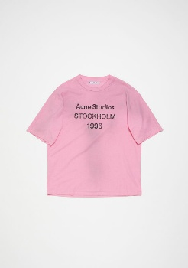 |  | ACNE STUDIOS | LOGO T-SHIRT - RELAXED FIT | FN-UX-TSHI000013 | 85% Organic cotton, 15% True hemp |  | COTTON CANDY PINK | 3 | 38 | 7 | 5 | 0 | 3 | 8 | 64 | € 290.00 | € 18,560.00 | € 40.60 | € 2,598.40 | £35.93 | £2,299.47
 |  |  | ACNE STUDIOS | LOGO T-SHIRT W EMBROIDERED LOGO - RELAXED FIT | FN-UX-TSHI000121 | 100% Cotton |  | OPTIC WHITE | 50 | 57 | 0 | 0 | 9 | 0 | 42 | 158 | € 350.00 | € 55,300.00 | € 49.00 | € 7,742.00 | £43.36 | £6,851.33
 | 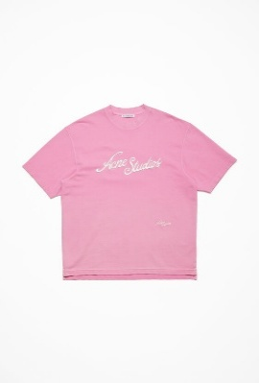 |  | ACNE STUDIOS | LOGO T-SHIRT W EMBROIDERED LOGO - RELAXED FIT | FN-UX-TSHI000121 | 100% Cotton |  | BUBBLE PINK | 58 | 42 | 11 | 20 | 45 | 21 | 45 | 242 | € 350.00 | € 84,700.00 | € 49.00 | € 11,858.00 | £43.36 | £10,493.81
 | 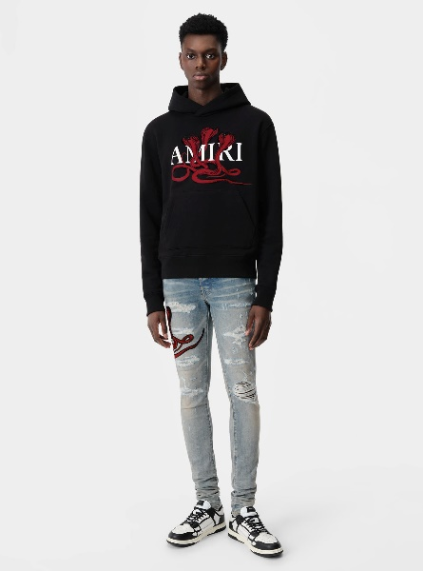 |  | AMIRI | FELPA CON CAPPUCCIO VELENO | AMJYHD1057-706 | 100% Cotone | USA | NERO/ROSSO |  |  | 4 | 17 | 13 | 21 | 21 | 76 | € 940.00 | € 71,440.00 | € 131.60 | € 10,001.60 | £116.46 | £8,850.97
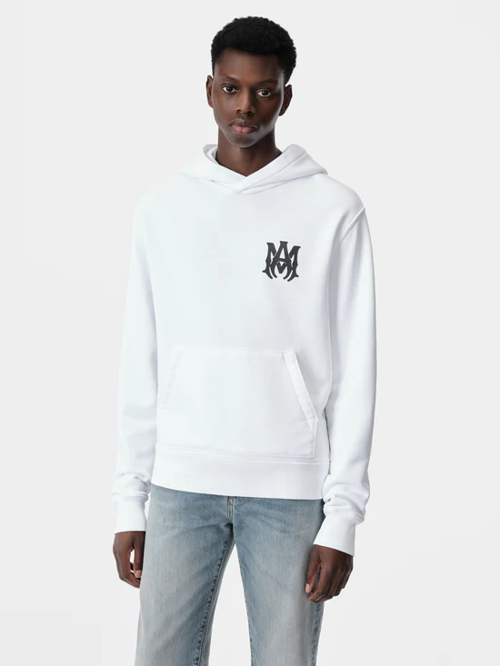 |  | 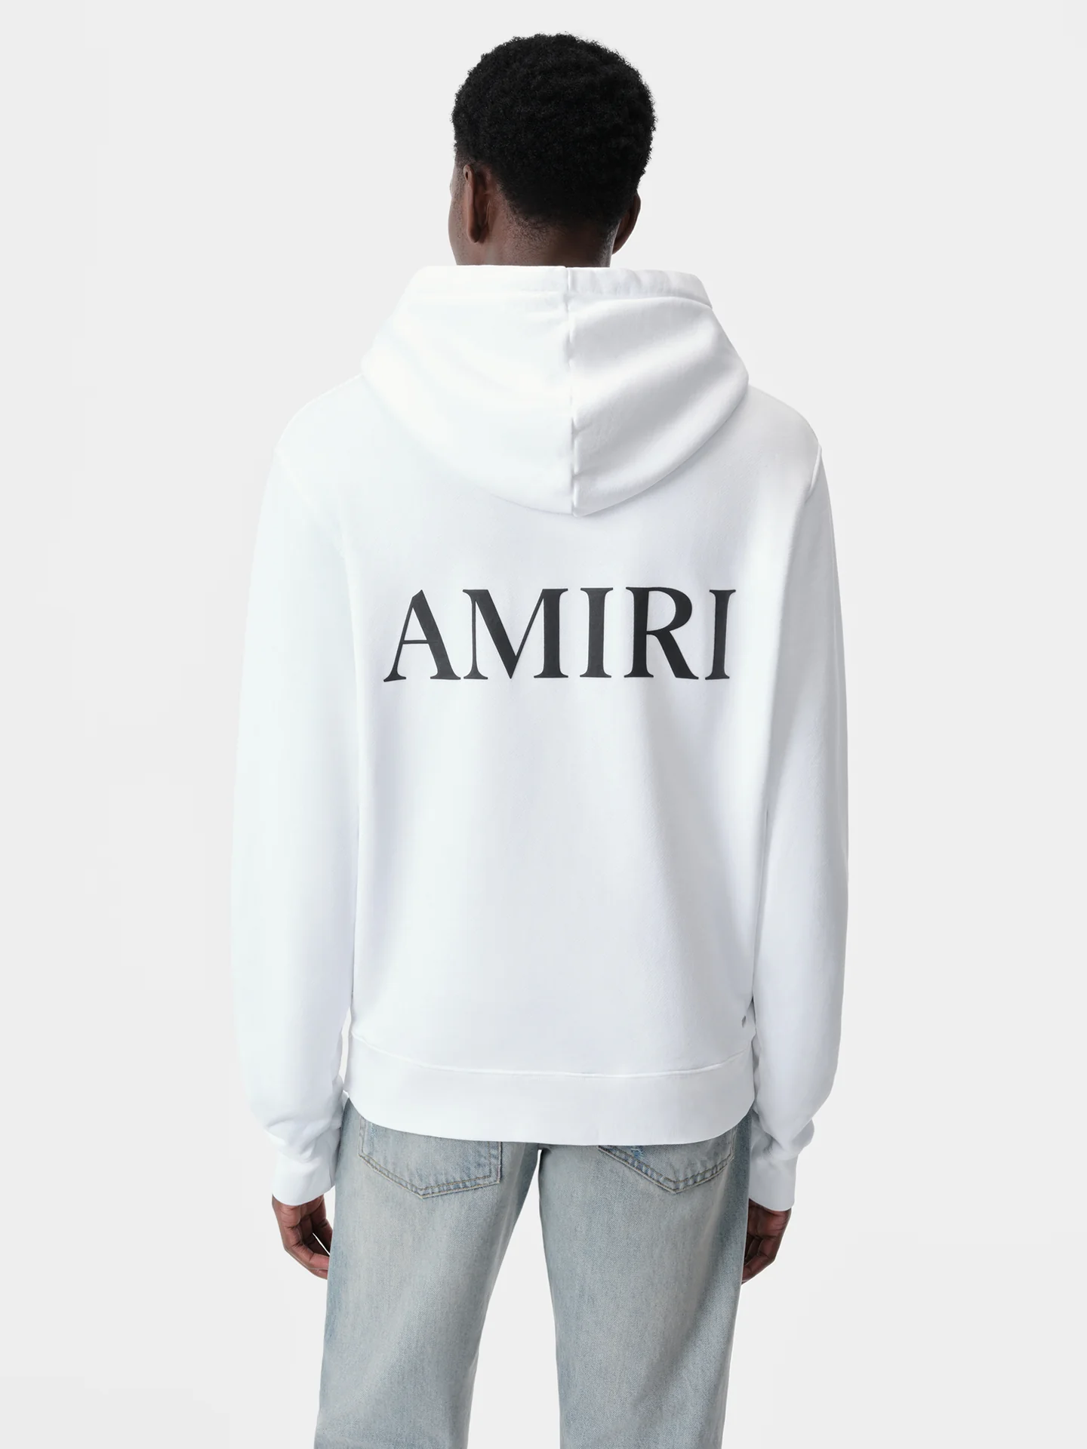 | AMIRI | MA CORE LOGO HOODIE | AMJYHD1050-100 | 100% Cotone | USA | WHITE |  |  | 1 | 15 | 25 | 10 | 17 | 68 | € 840.00 | € 57,120.00 | € 117.60 | € 7,996.80 | £104.07 | £7,076.81
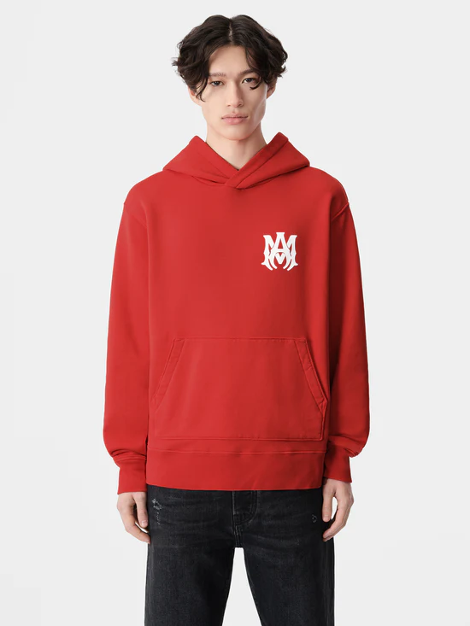 |  | 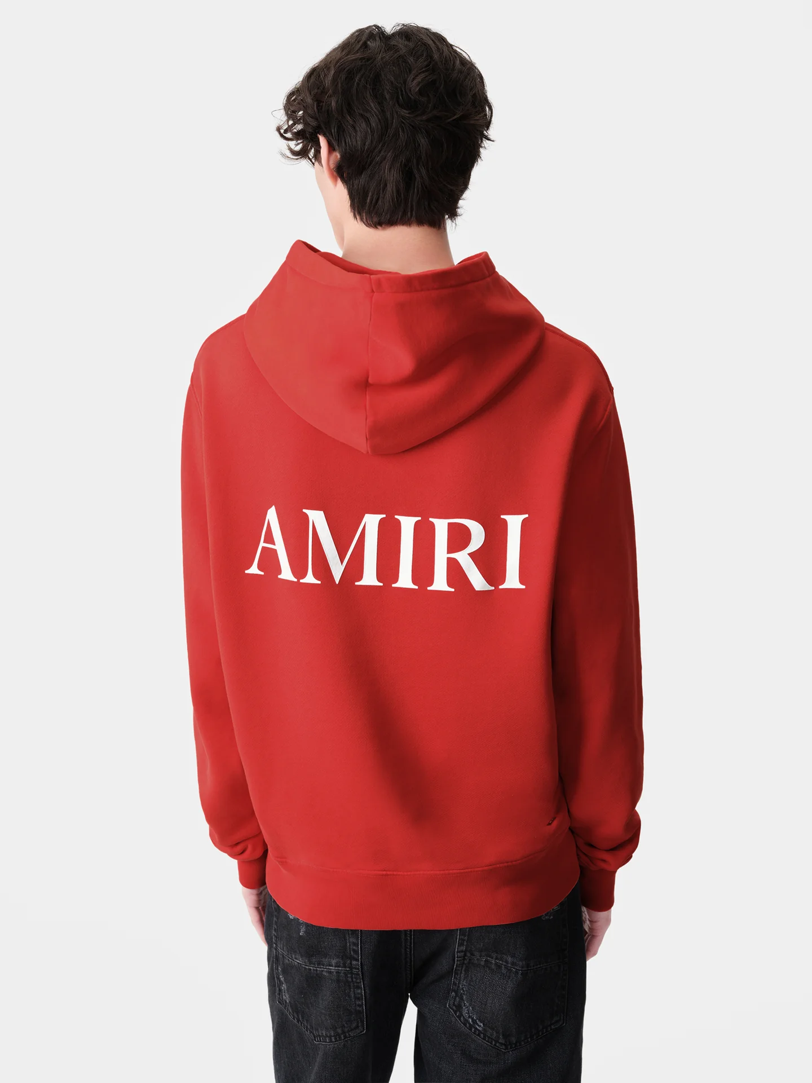 | AMIRI | MA CORE LOGO HOODIE | AMJYHD1050-610 | 100% Cotone | USA | RED |  |  | 0 | 29 | 10 | 0 | 6 | 45 | € 840.00 | € 37,800.00 | € 117.60 | € 5,292.00 | £104.07 | £4,683.19
 | 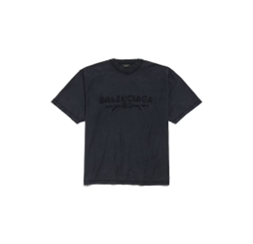 |  | BALENCIAGA | T-SHIRT INSIDE-OUT NEW YEAR SERIES 25 - MEDIUM FIT DA UOMO IN NERO DÉLAVÉ | 822441TSVA21041 | 100% COTTON | PORTUGAL | NERO |  | 16 | 10 | 20 | 41 | 40 |  | 127 | € 595.00 | € 75,565.00 | € 83.30 | € 10,579.10 | £73.72 | £9,362.04
 | 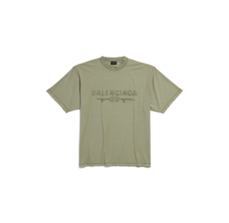 |  | BALENCIAGA | T-SHIRT INSIDE-OUT NEW YEAR SERIES 25 - MEDIUM FIT DA UOMO IN NERO DÉLAVÉ | 822441TSVA22942 | 100% COTTON | PORTUGAL | NERO DÉLAVÉ |  | 30 | 30 | 26 | 37 | 40 |  | 163 | € 595.00 | € 96,985.00 | € 83.30 | € 13,577.90 | £73.72 | £12,015.84
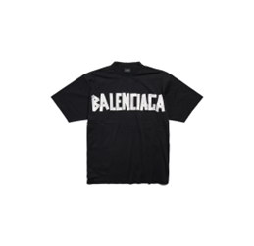 |  | 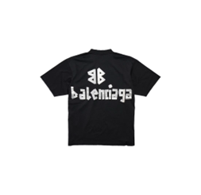 | BALENCIAGA | T-SHIRT NEW TAPE TYPE MEDIUM FIT IN NERO | 739784TQVQ81073 | 100% COTTON | PORTUGAL | NERO |  |  |  |  | 8 | 24 |  | 32 | € 750.00 | € 24,000.00 | € 105.00 | € 3,360.00 | £92.92 | £2,973.45
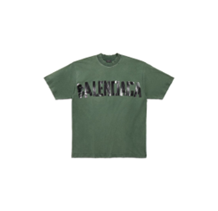 |  | 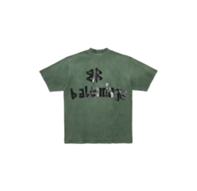 | BALENCIAGA | T-SHIRT NEW TAPE TYPE MEDIUM FIT - IN VERDE SCURO | 739784TQVQ83004 | 100% COTTON | PORTUGAL | NERO |  | 2 |  |  | 7 | 18 |  | 27 | € 750.00 | € 20,250.00 | € 105.00 | € 2,835.00 | £92.92 | £2,508.85
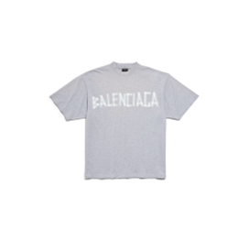 |  | 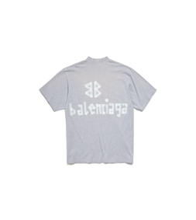 | BALENCIAGA | T-SHIRT NEW TAPE TYPE MEDIUM FIT - IN GRIGIO | 739784TRVK11300 | 100% COTTON | PORTUGAL | GRIGIO |  |  |  | 31 | 39 | 40 |  | 110 | € 750.00 | € 82,500.00 | € 105.00 | € 11,550.00 | £92.92 | £10,221.24
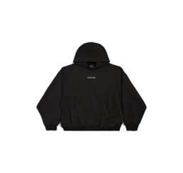 |  | 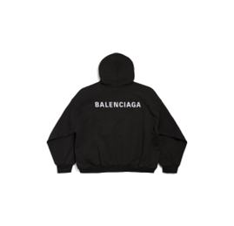 | BALENCIAGA | HOODIE NEW BALENCIAGA BACK MEDIUM FIT - IN NERO | 767877TPVK21569 | 100% COTTON | PORTUGAL | NERO |  | 12 | 12 | 32 | 45 | 25 |  | 126 | € 895.00 | € 112,770.00 | € 125.30 | € 15,787.80 | £110.88 | £13,971.50
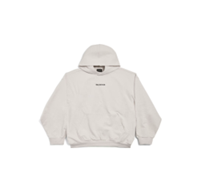 |  |  | BALENCIAGA | HOODIE NEW BALENCIAGA BACK MEDIUM FIT - IN BIANCO SPORCO | 767877TPVK23307 | 100% COTTON | PORTUGAL | BIANCO SPORCO |  | 23 | 19 | 78 | 48 | 31 |  | 199 | € 895.00 | € 178,105.00 | € 125.30 | € 24,934.70 | £110.88 | £22,066.11
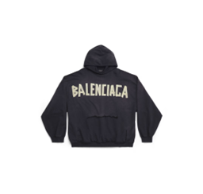 |  | 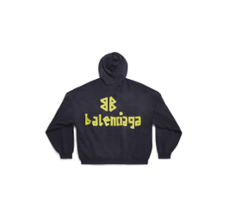 | BALENCIAGA | HOODIE RIPPED POCKET TAPE TYPE OVERSIZE - IN NERO DELAVè | 744190TOVB11055 | 100% COTTON | PORTUGAL | NERO DÉLAVÉ |  | 0 | 0 | 43 | 40 | 45 |  | 128 | € 1,100.00 | € 140,800.00 | € 154.00 | € 19,712.00 | £136.28 | £17,444.25
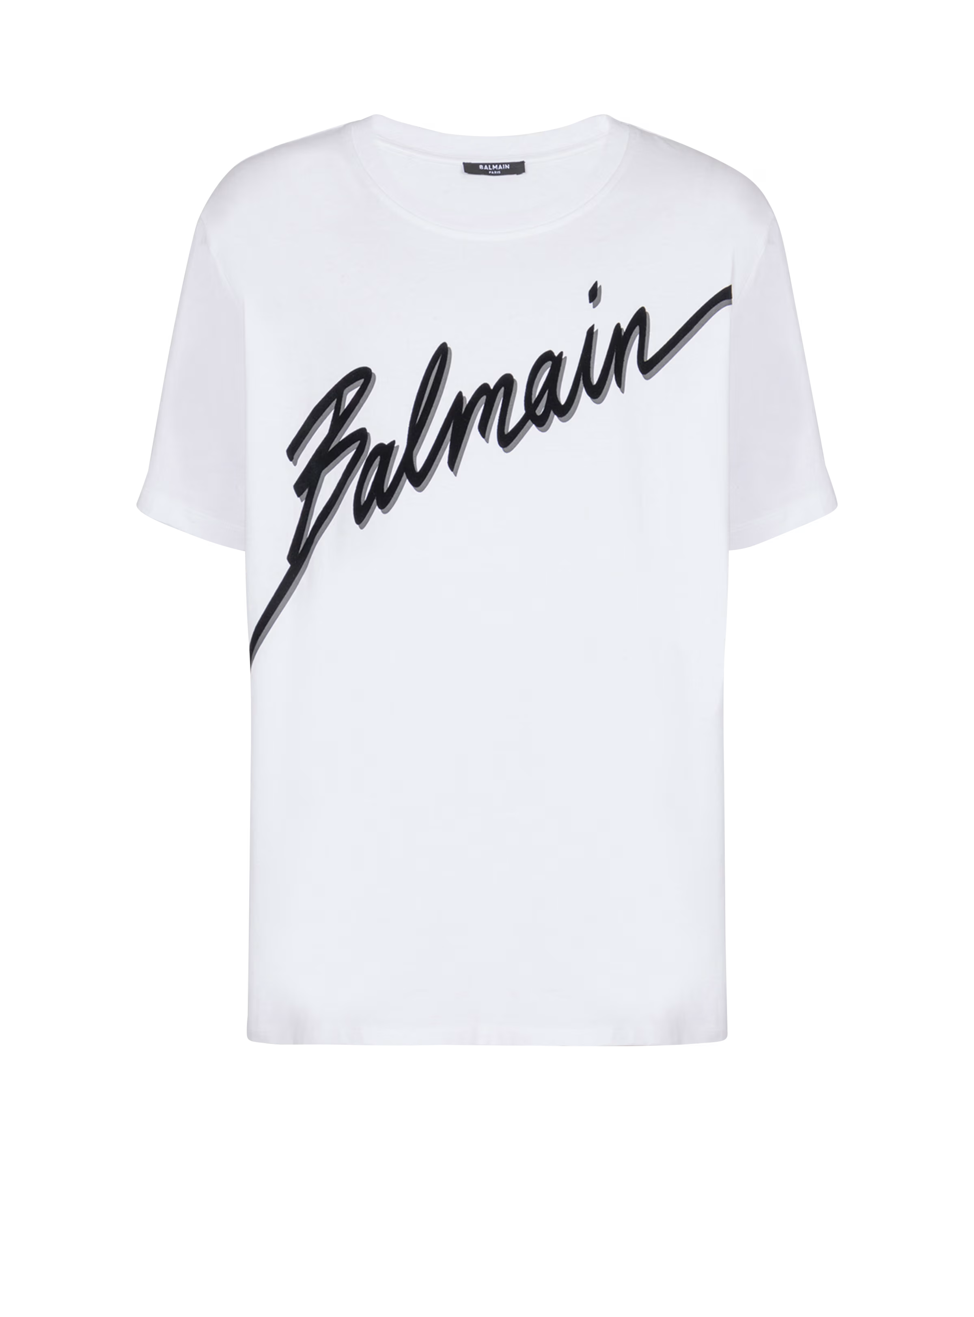 |  |  | BALMAIN | T-shirt floccata Balmain lettera | EH1EG010BC86 | 100% Cotone | PORTOGALLO | BIANCO/NERO |  |  | 30 | 72 | 66 | 78 | 33 | 279 | € 450.00 | € 125,550.00 | € 63.00 | € 17,577.00 | £55.75 | £15,554.87
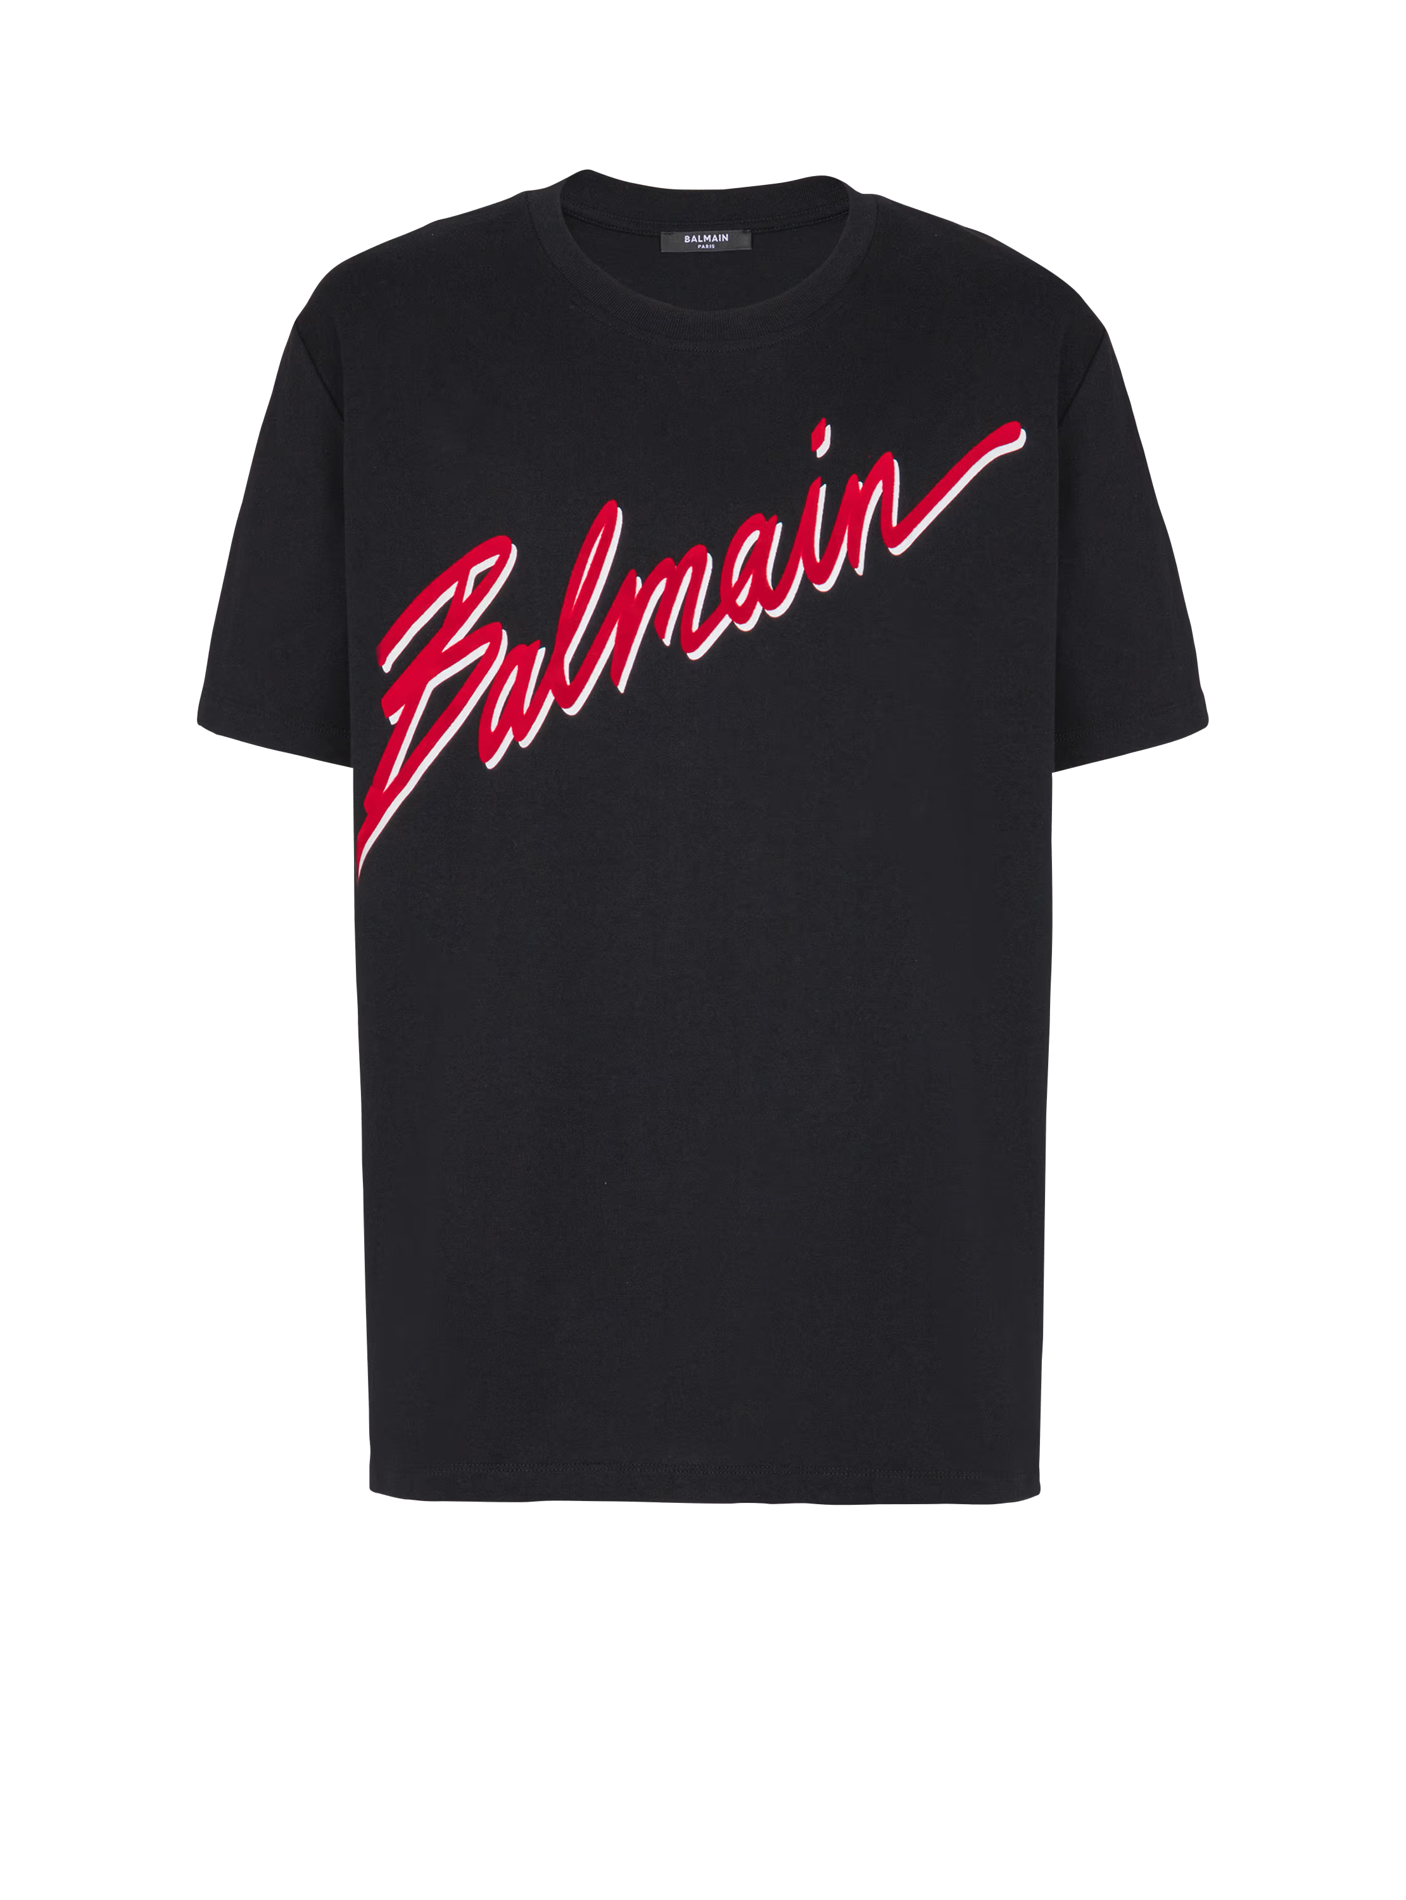 |  |  | BALMAIN | T-shirt floccata Balmain lettera | EH1EG010BC86 | 100% Cotone | PORTOGALLO | NERO/ROSSO |  |  | 34 | 69 | 66 | 79 | 7 | 255 | € 450.00 | € 114,750.00 | € 63.00 | € 16,065.00 | £55.75 | £14,216.81
 |  |  | BALMAIN | T-shirt floccata Balmain lettera | EH1EG010BC86 | 100% Cotone | PORTOGALLO | NERO/NERO |  |  | 9 | 5 | 12 | 7 | 4 | 37 | € 550.00 | € 20,350.00 | € 77.00 | € 2,849.00 | £68.14 | £2,521.24
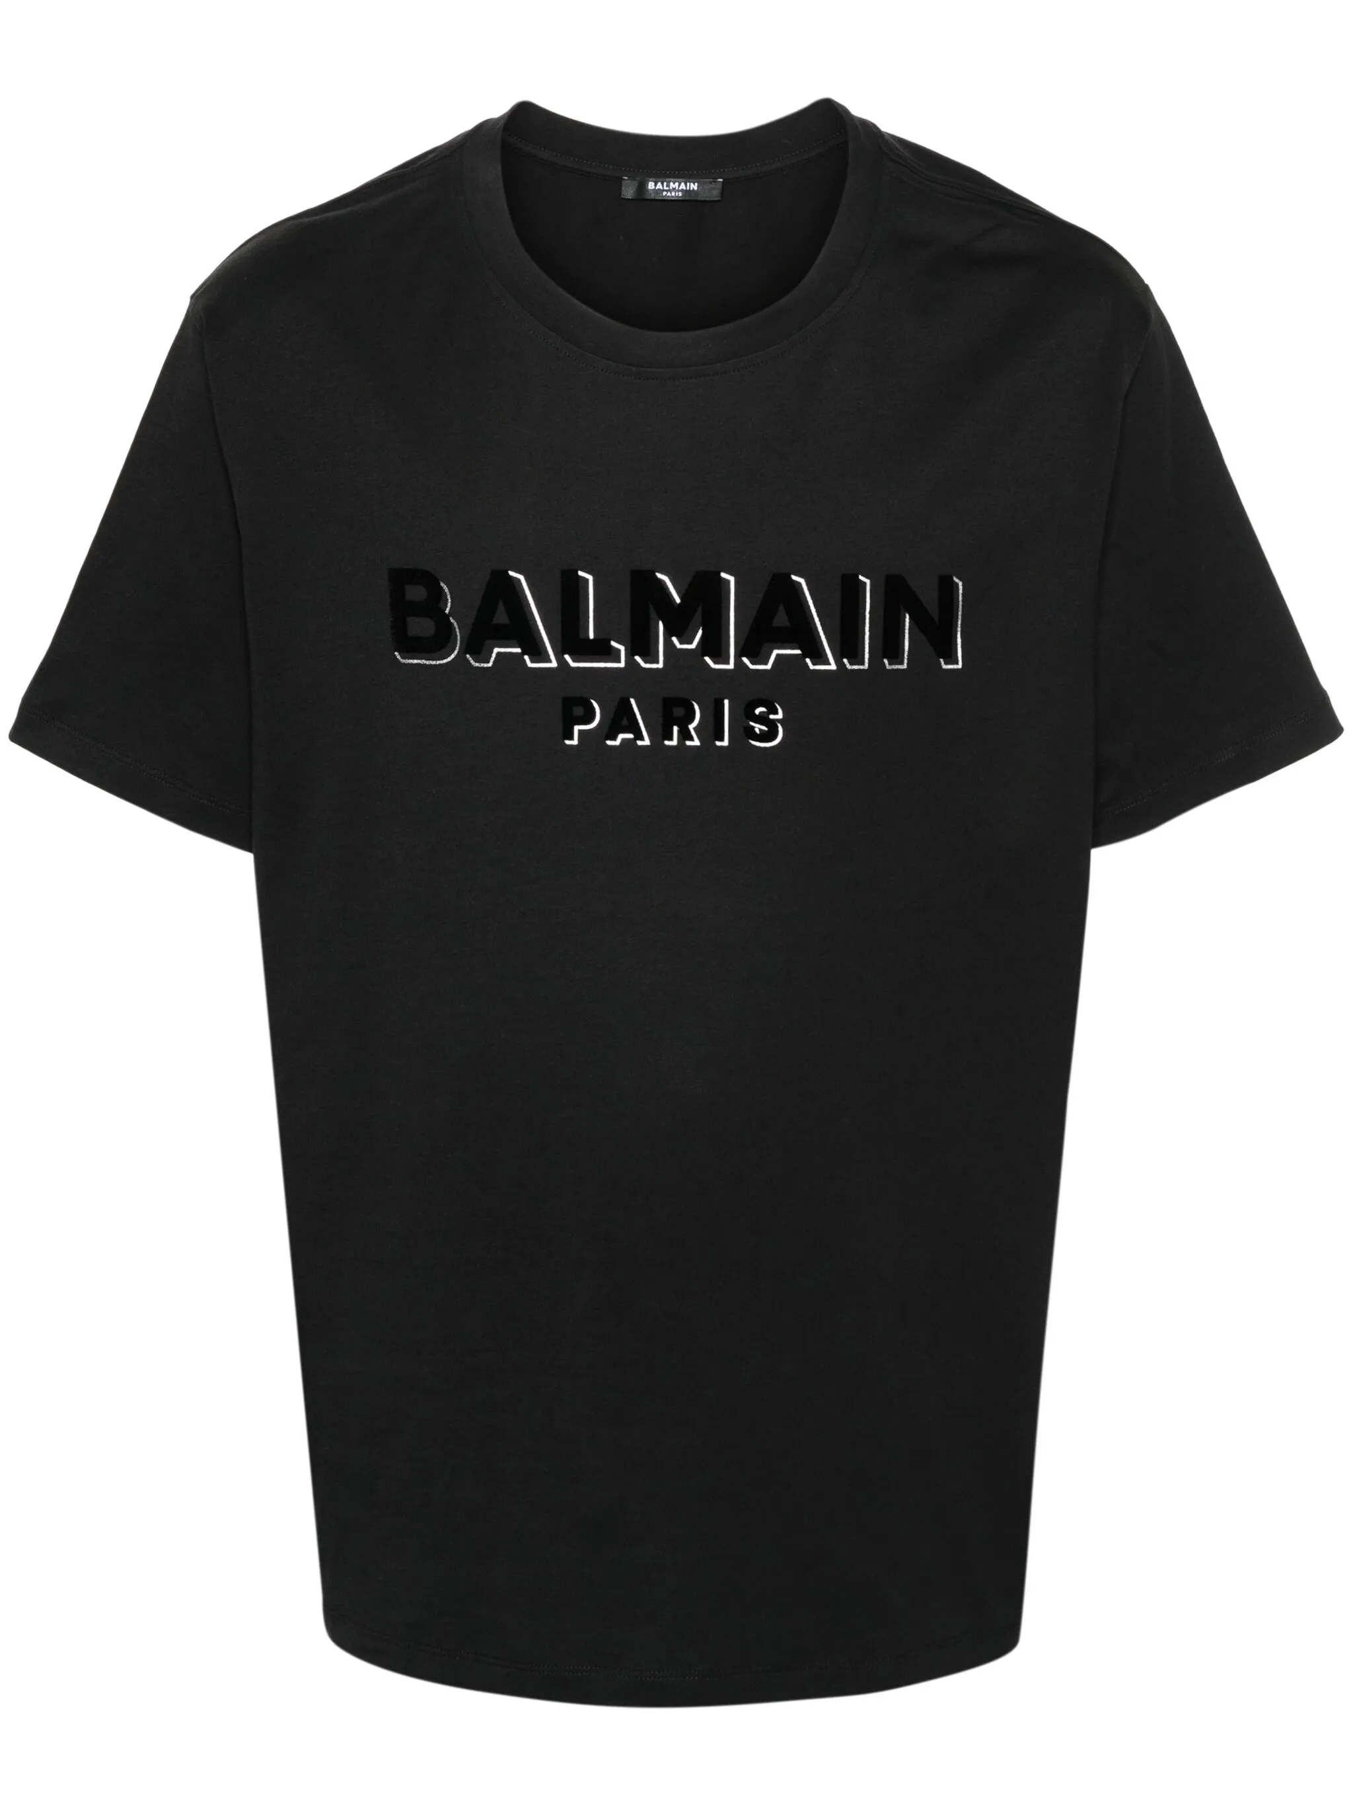 |  |  | BALMAIN | T-shirt Balmain floccato metallizzato | DH1EG010BB99 | 100% Cotone | PORTOGALLO | NERO |  |  | 6 | 8 | 8 | 16 | 1 | 39 | € 450.00 | € 17,550.00 | € 63.00 | € 2,457.00 | £55.75 | £2,174.34
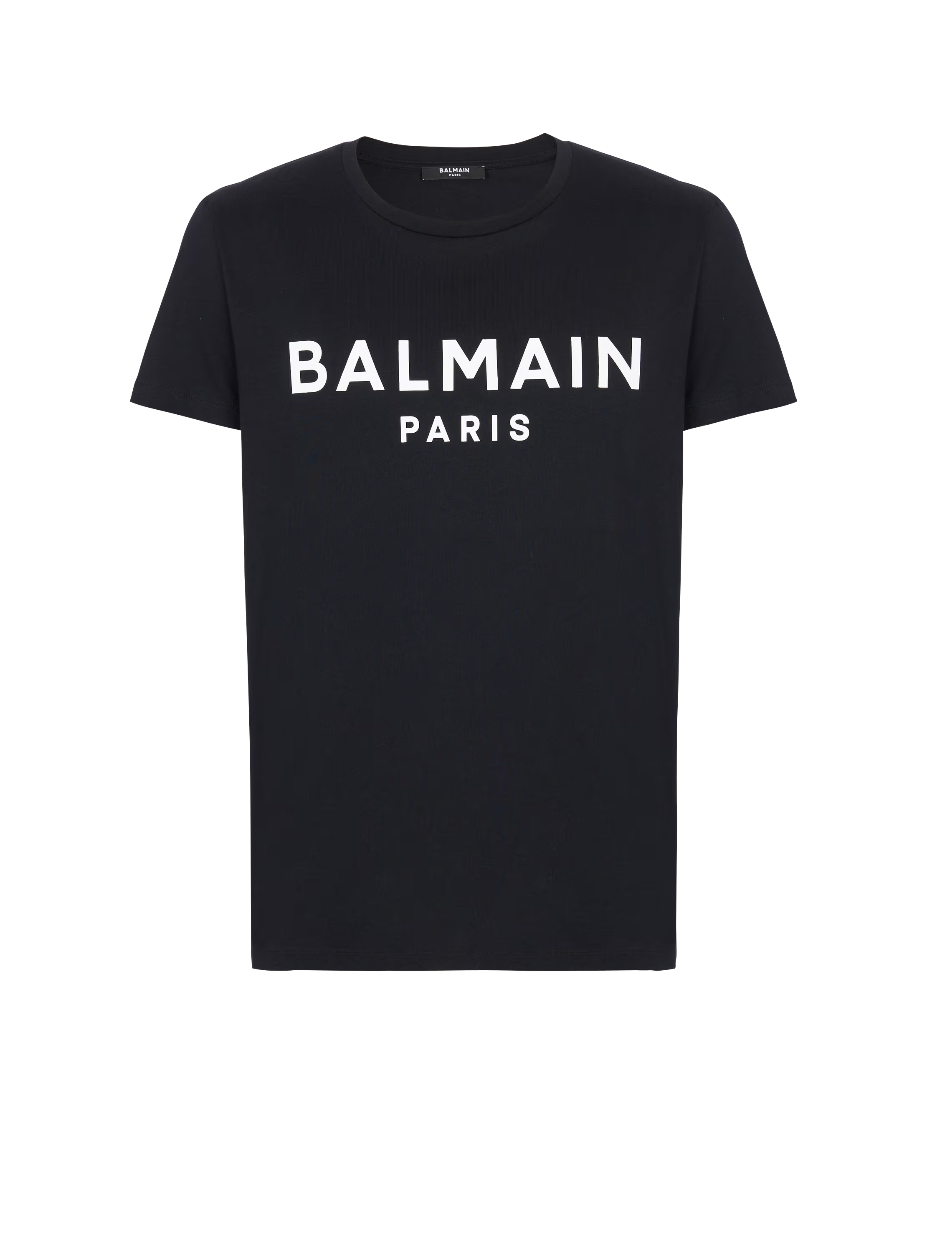 |  |  | BALMAIN | T-shirt a maniche corte con stampa Balmain Paris | DH1EG000BB73 | 101 % COTONE | PORTOGALLO | NERO |  |  | 33 | 61 | 67 | 76 | 32 | 269 | € 395.00 | € 106,255.00 | € 55.30 | € 14,875.70 | £48.94 | £13,164.34
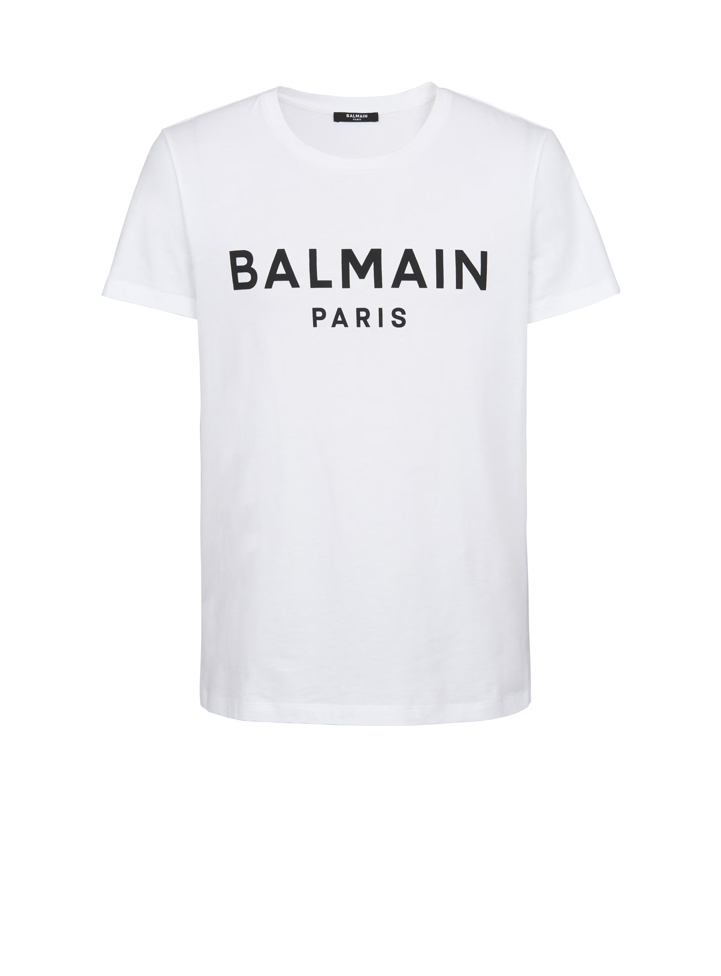 |  |  | BALMAIN | T-shirt a maniche corte con stampa Balmain Paris | DH1EG000BB73 | 100% Cotone | PORTOGALLO | BIANCO |  |  | 36 | 76 | 91 | 85 | 39 | 327 | € 395.00 | € 129,165.00 | € 55.30 | € 18,083.10 | £48.94 | £16,002.74
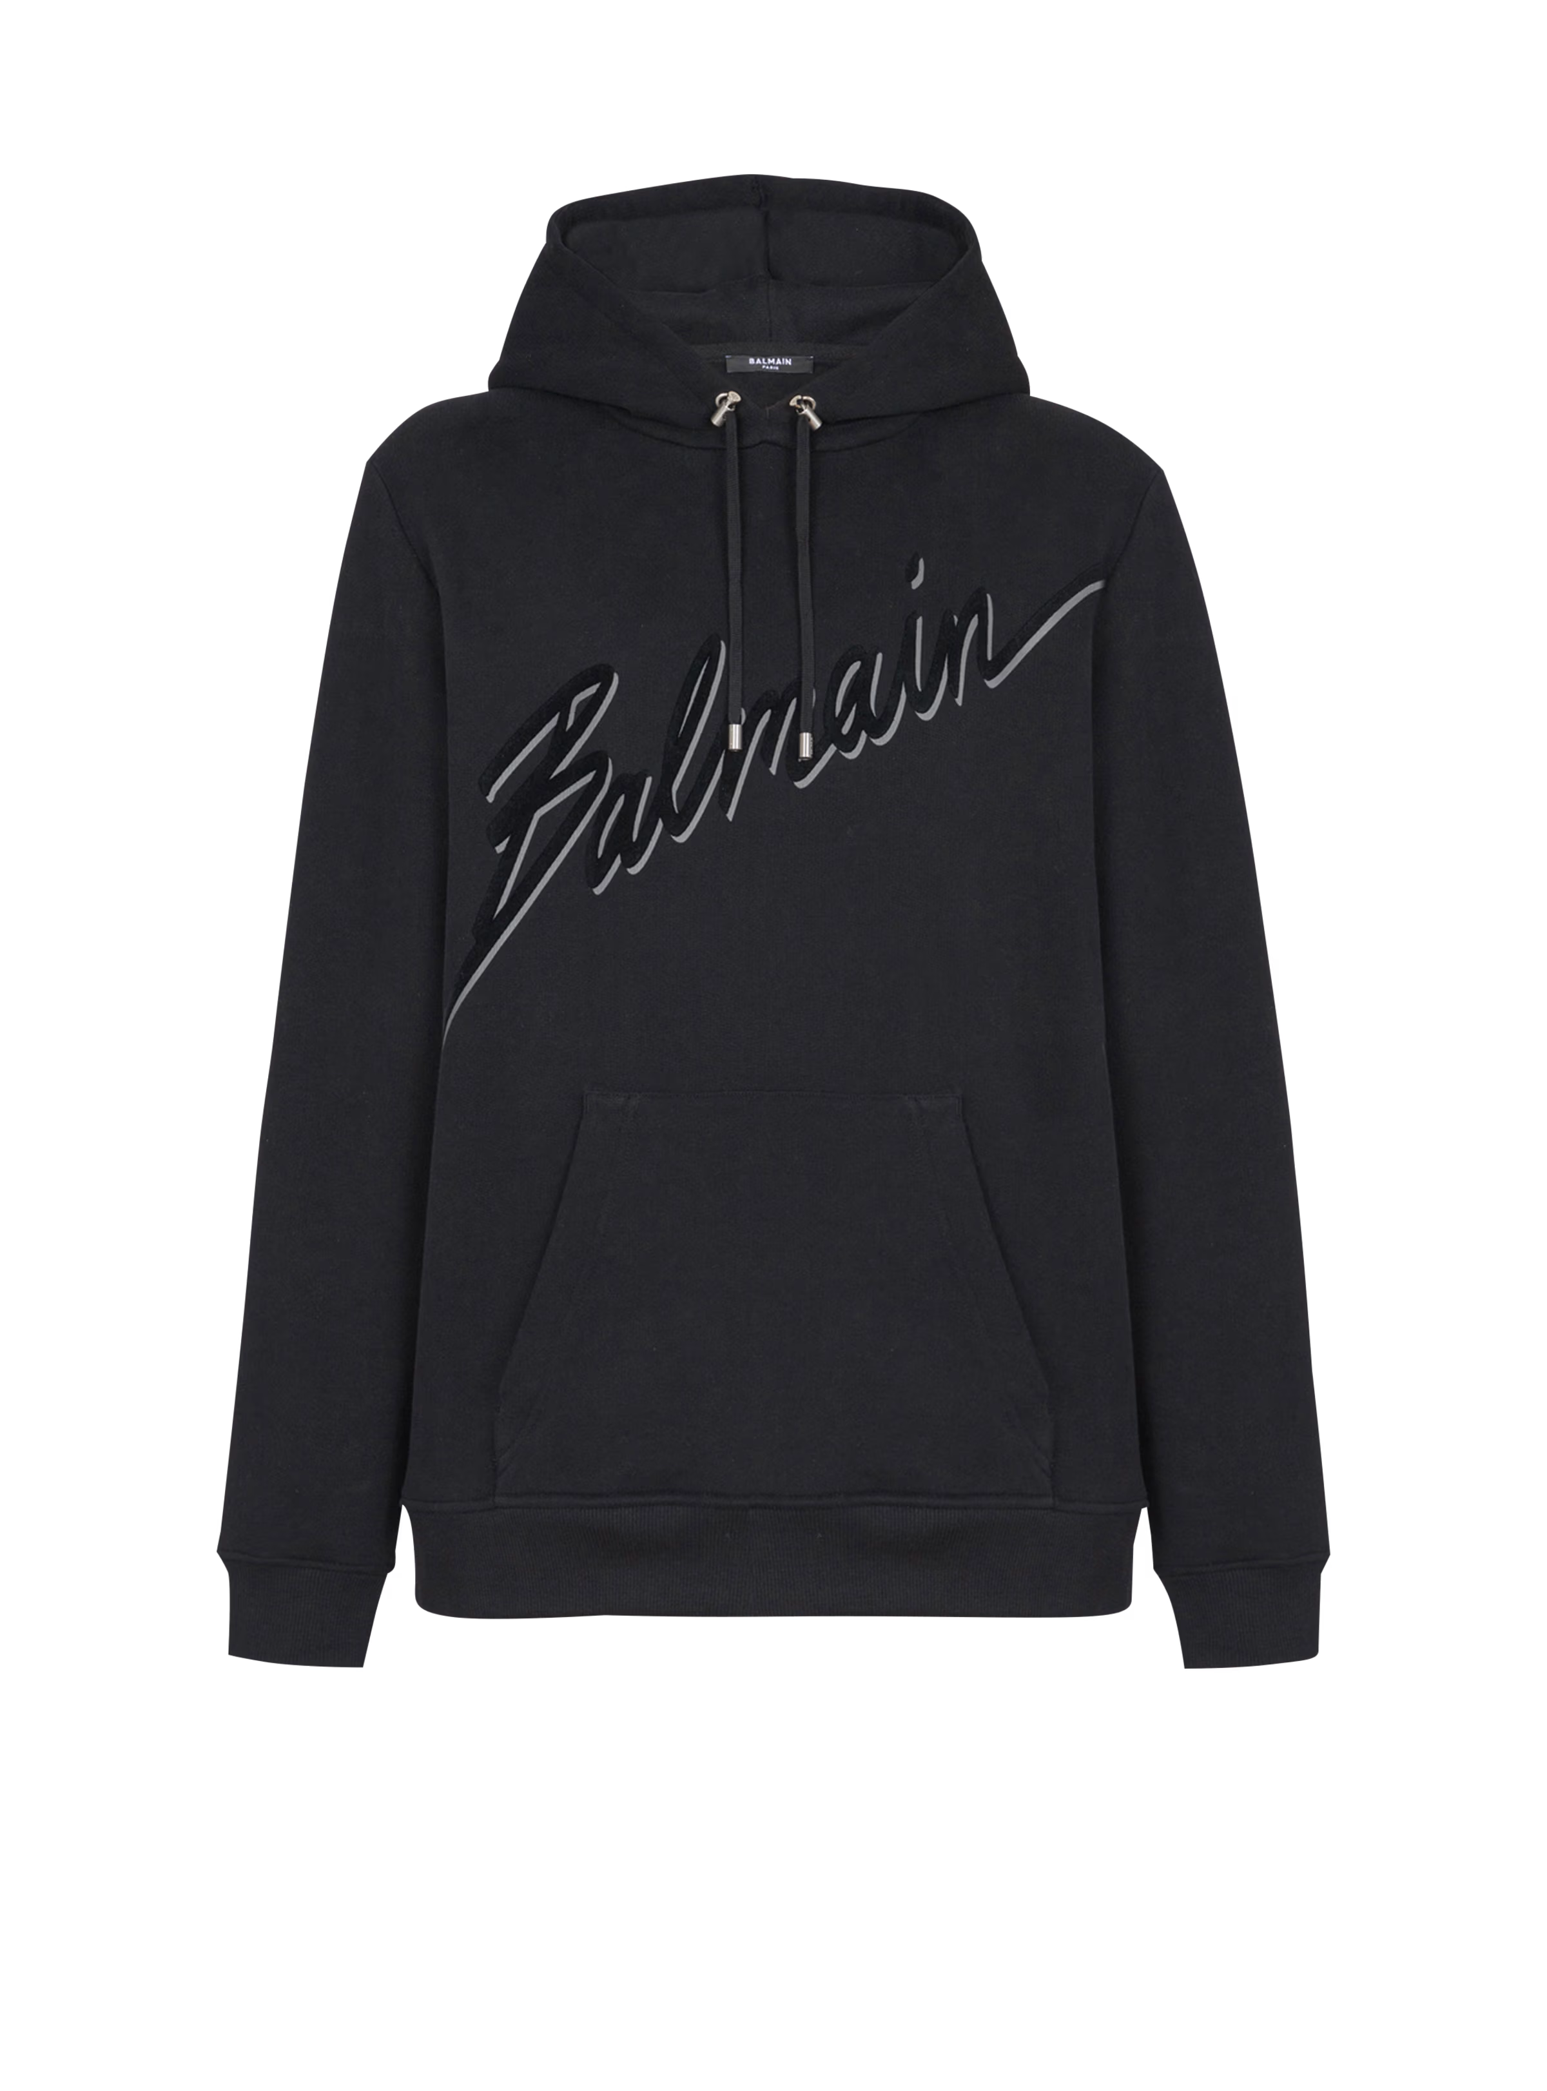 |  |  | BALMAIN | Felpa con cappuccio floccata Balmain lettera | EH1JT047BC86 | 100% Cotone | PORTOGALLO | NERO |  |  | 40 | 81 | 85 | 91 | 43 | 340 | € 850.00 | € 289,000.00 | € 119.00 | € 40,460.00 | £105.31 | £35,805.31
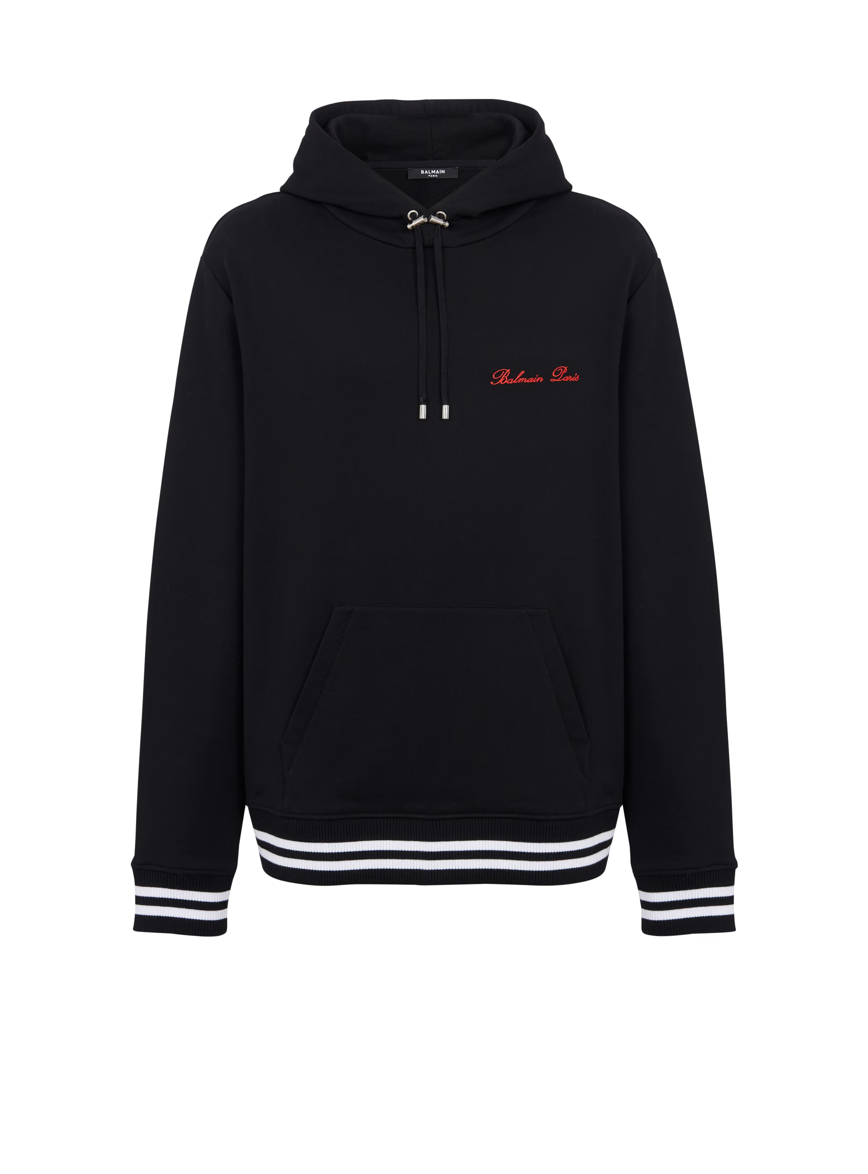 |  |  | BALMAIN | Felpa con cappuccio Balmain iconica | CH1JT047BC68 | 100% Cotone | PORTOGALLO | NERO |  |  | 45 | 110 | 104 | 107 | 46 | 412 | € 890.00 | € 366,680.00 | € 124.60 | € 51,335.20 | £110.27 | £45,429.38
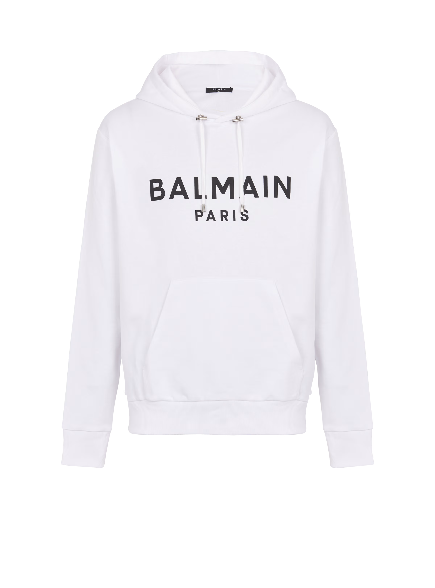 |  |  | BALMAIN | Felpa con cappuccio con stampa Balmain Paris | DH1JR002BB65 | 100% Cotone | PORTOGALLO | BIANCO |  |  | 44 | 89 | 75 | 104 | 40 | 352 | € 790.00 | € 278,080.00 | € 110.60 | € 38,931.20 | £97.88 | £34,452.39
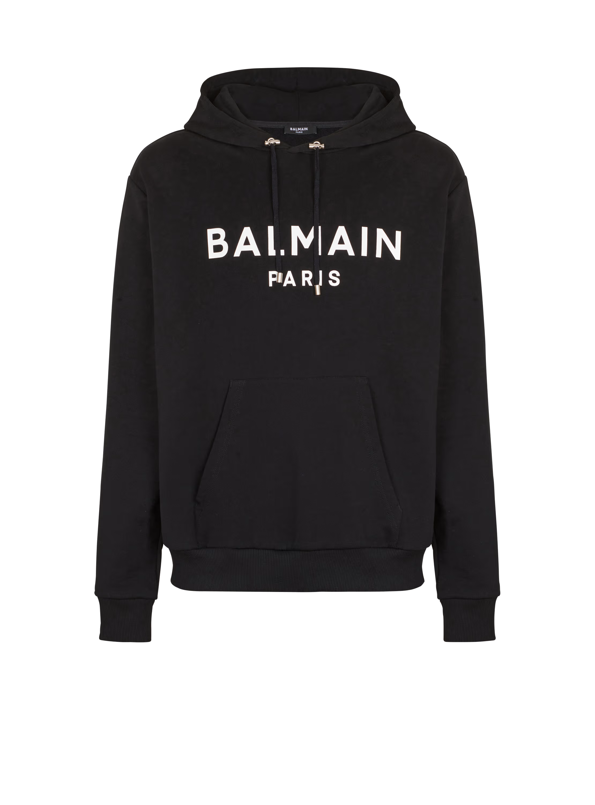 |  |  | BALMAIN | Felpa con cappuccio con stampa Balmain Paris | DH1JR002BB65 | 100% Cotone | PORTOGALLO | NERO |  |  | 28 | 70 | 62 | 74 | 26 | 260 | € 790.00 | € 205,400.00 | € 110.60 | € 28,756.00 | £97.88 | £25,447.79
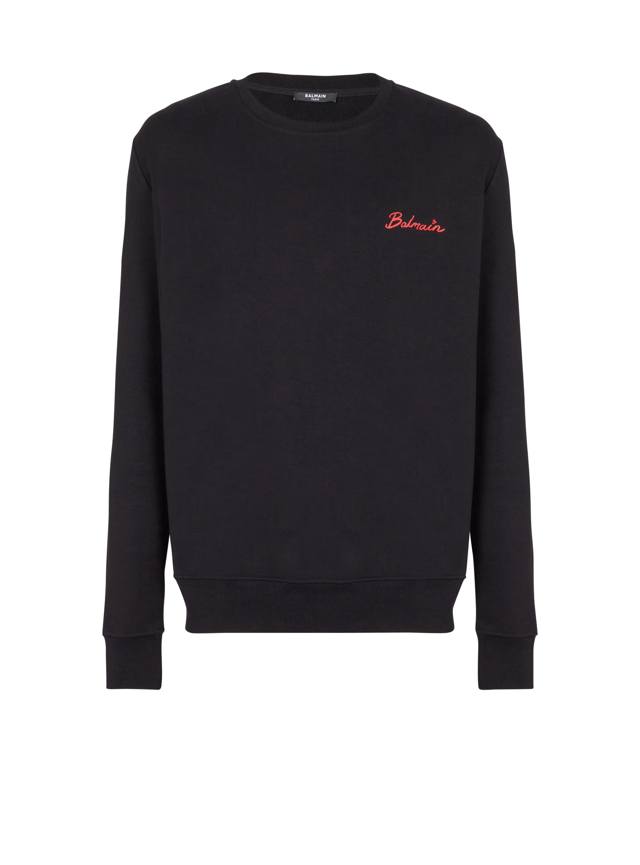 |  |  | BALMAIN | Felpa con stampa Balmain bacio | DH0JQ040GE15 | 100% Cotone | ITALIA | NERO |  |  | 36 | 105 | 92 | 94 | 30 | 357 | € 590.00 | € 210,630.00 | € 82.60 | € 29,488.20 | £73.10 | £26,095.75
 |  |  | BALMAIN | Felpa con stampa Balmain Kiss con stampa | DH0JQ040GE | 100% Cotone | PORTOGALLO | NERO |  |  | 81 | 118 | 93 | 111 | 48 | 451 | € 550.00 | € 248,050.00 | € 77.00 | € 34,727.00 | £68.14 | £30,731.86
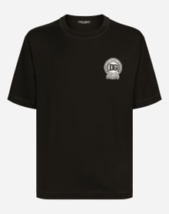 |  |  | D&G | TSHIRT | G8PN9ZG7NYEN0000 | 100% COTONE | ITALY | NER0 |  | 11 | 18 | 5 | 6 | 5 | 2 | 47 | € 450.00 | € 21,150.00 | € 63.00 | € 2,961.00 | £55.75 | £2,620.35
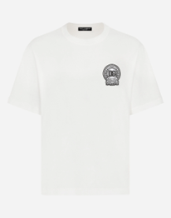 |  |  | D&G | TSHIRT | G8PN9ZG7NYEW0111 | 100% COTONE | ITALY | WHITE |  |  | 4 | 9 | 12 | 6 | 9 | 40 | € 450.00 | € 18,000.00 | € 63.00 | € 2,520.00 | £55.75 | £2,230.09
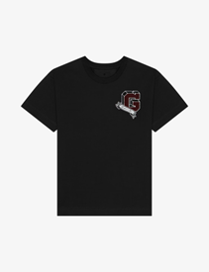 |  |  | GIVENCHY | T-shirt GIVENCHY College in cotone | BM71MG3YPD-001 | 100% COTONE | PORTOGALLO | NERO |  |  | 18 | 48 | 53 | 75 | 25 | 219 | € 550.00 | € 120,450.00 | € 77.00 | € 16,863.00 | £68.14 | £14,923.01
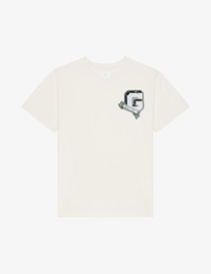 |  |  | GIVENCHY | T-shirt GIVENCHY College in cotone | BM71MG3YPD-272 | 100% COTONE | PORTOGALLO | CIPRIA |  |  | 20 | 43 | 66 | 71 | 26 | 226 | € 550.00 | € 124,300.00 | € 77.00 | € 17,402.00 | £68.14 | £15,400.00
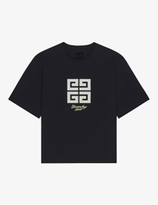 |  |  | GIVENCHY | T-shirt 4G in cotone | BM712H3YMV-001 | 100% COTONE | PORTOGALLO | BLACK |  |  | 16 | 58 | 48 | 64 | 23 | 209 | € 550.00 | € 114,950.00 | € 77.00 | € 16,093.00 | £68.14 | £14,241.59
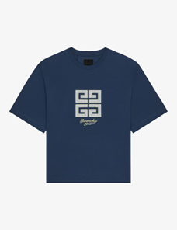 |  |  | GIVENCHY | T-shirt 4G in cotone | BM712H3YMV-420 | 100% COTONE | PORTOGALLO | blue |  |  | 25 | 24 | 20 | 32 | 36 | 137 | € 550.00 | € 75,350.00 | € 77.00 | € 10,549.00 | £68.14 | £9,335.40
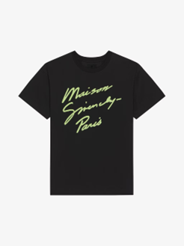 |  |  | GIVENCHY | T-shirt Maison GIVENCHY in cotone | BM71MG3YPH-013 | 100% COTONE | PORTOGALLO | BLACK |  |  | 11 | 31 | 32 | 35 | 14 | 123 | € 590.00 | € 72,570.00 | € 82.60 | € 10,159.80 | £73.10 | £8,990.97
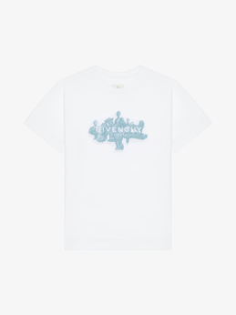 |  |  | GIVENCHY | T-shirt GIVENCHY Reverse in cotone con oggetti di Hubert | BM71MG3YPL-100 | 100% COTONE | PORTOGALLO | WHITE |  |  | 20 | 66 | 63 | 66 | 26 | 241 | € 550.00 | € 132,550.00 | € 77.00 | € 18,557.00 | £68.14 | £16,422.12
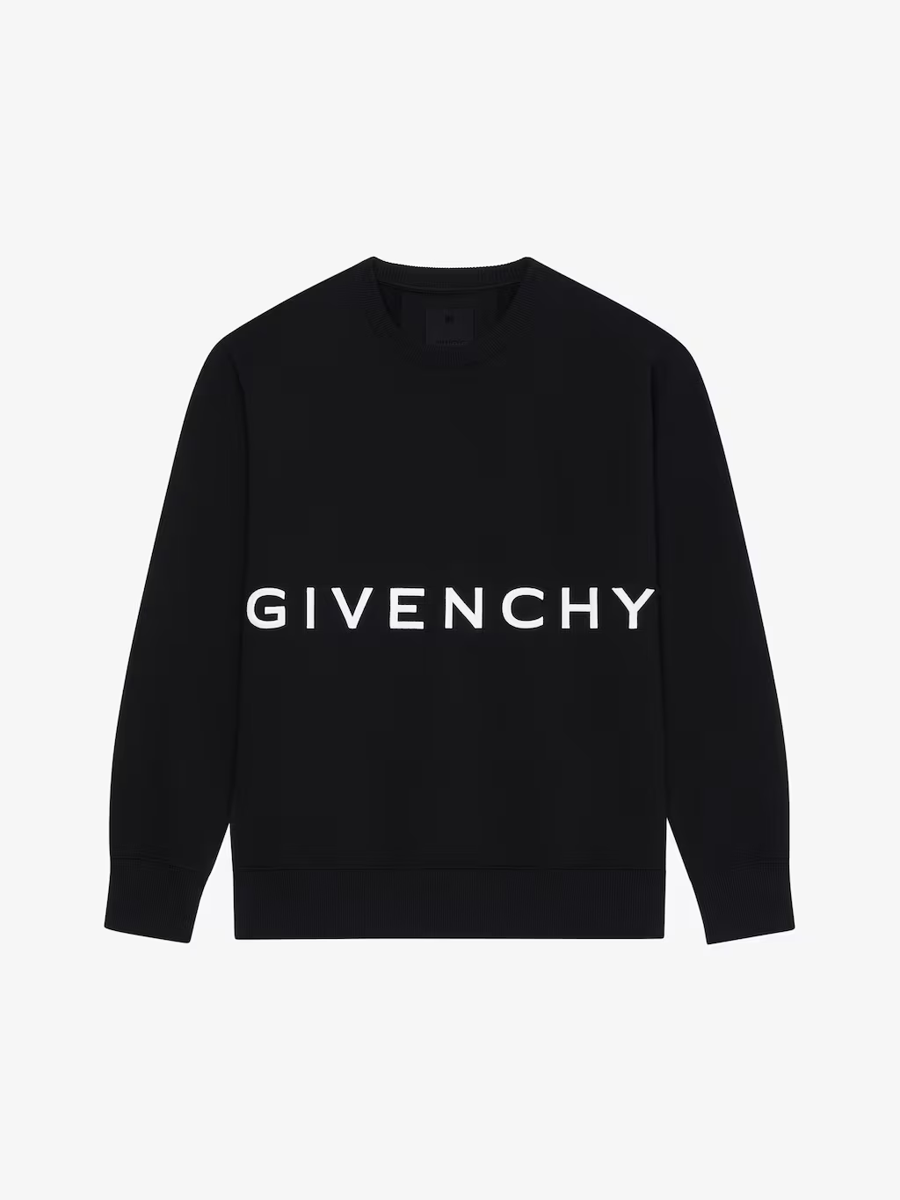 |  |  | GIVENCHY | Felpa slim GIVENCHY 4G in tessuto garzato | BMJ0HA3YMG-001 | 100% COTONE | PORTOGALLO | NERO |  |  | 17 | 51 | 46 | 25 | 16 | 155 | € 790.00 | € 122,450.00 | € 110.60 | € 17,143.00 | £97.88 | £15,170.80
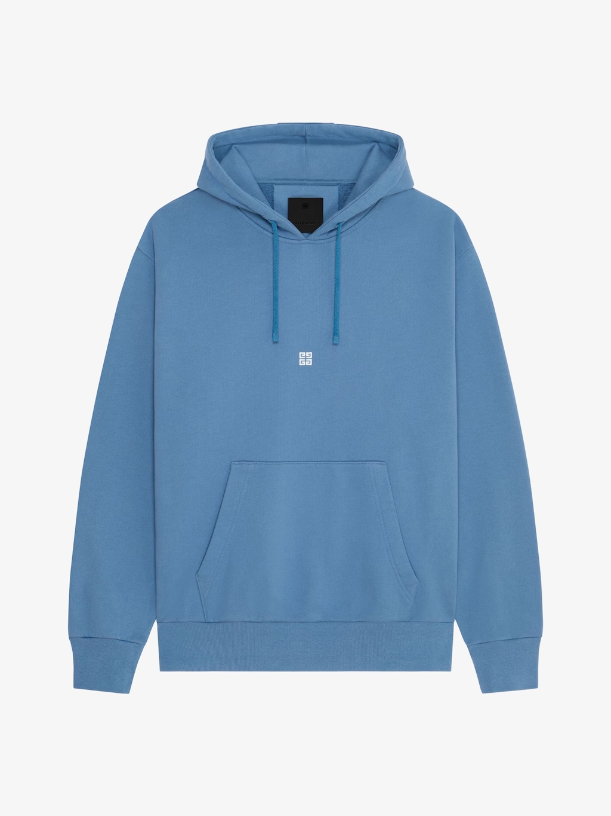 |  |  | GIVENCHY | Felpa con cappuccio ampia in tessuto garzato | BMJ0LA3Y8P-490 | 100% COTONE | PORTOGALLO | BLU/BIANCO |  |  | 23 | 63 | 61 | 71 | 24 | 242 | € 750.00 | € 181,500.00 | € 105.00 | € 25,410.00 | £92.92 | £22,486.73
 |  |  | GIVENCHY | Felpa slim GIVENCHY Reverse in tessuto garzato | BMJ0HA3Y8N-001 | 100% COTONE | PORTOGALLO | NERO |  |  | 19 | 52 | 50 | 59 | 19 | 199 | € 590.00 | € 117,410.00 | € 82.60 | € 16,437.40 | £73.10 | £14,546.37
 |  |  | KENZO | FELPA CON RICAMO 'LUCKY TIGER | FE55SW2084MF.99J | 100% COTTON | PORTUGAL | NERO |  |  | 10 | 50 | 40 | 60 | 10 | 170 | € 250.00 | € 42,500.00 | € 35.00 | € 5,950.00 | £30.97 | £5,265.49
 |  |  | KENZO | FELPA CON RICAMO 'BOKE FLOWER' DI COTONE | FE65SW2234MF.94 | 100% COTTON | PORTUGAL | GREY |  |  | 10 | 50 | 50 | 60 | 10 | 180 | € 250.00 | € 45,000.00 | € 35.00 | € 6,300.00 | £30.97 | £5,575.22
 |  |  | KENZO | FELPA CON RICAMO 'LUCKY TIGER | FE55SW2084MF.93 | 100% COTTON | PORTUGAL | WHITE |  |  | 10 | 50 | 40 | 70 | 20 | 190 | € 250.00 | € 47,500.00 | € 35.00 | € 6,650.00 | £30.97 | £5,884.96
 |  |  | KENZO | FELPA CON CAPPUCCIO RICAMATA 'BOKE FLOWER 2.0' DI COTONE | FE65SW2214MG 99J | 100% COTTON | PORTUGAL | NERO |  |  | 20 | 40 | 30 | 60 | 20 | 170 | € 290.00 | € 49,300.00 | € 40.60 | € 6,902.00 | £35.93 | £6,107.96
 |  |  | KENZO | FELPA OVERSIZE CON CAPPUCCIO E RICAMO 'BOKE FLOWER' | FE65SW2274MT.14 | 99% COTTON - 1% ELASTAN | PORTUGAL | ORANGE |  |  | 5 | 20 | 0 | 14 | 10 | 49 | € 370.00 | € 18,130.00 | € 51.80 | € 2,538.20 | £45.84 | £2,246.19
 |  |  | KENZO | Kenzo BOKE FLOWER Men's Sweatshirt | FD55SW4404MF 99J | 100% COTTON | PORTUGAL | NERO |  |  | 40 | 80 | 70 | 90 | 45 | 325 | € 290.00 | € 94,250.00 | € 40.60 | € 13,195.00 | £35.93 | £11,676.99
 |  |  | KENZO | Boke Flower 2.0 | FD62SW1124MF.02 | 100% COTTON | PORTUGAL | WHITE |  |  | 0 | 40 | 20 | 30 | 0 | 90 | € 250.00 | € 22,500.00 | € 35.00 | € 3,150.00 | £30.97 | £2,787.61
 |  |  | LOEWE | T-shirt in cotone vestibilità rilassata | H526Y22XBC |  | PORTUGAL | VERDE |  |  | 0 | 0 | 26 | 15 | 6 | 47 | € 480.00 | € 22,560.00 | € 67.20 | € 3,158.40 | £59.47 | £2,795.04
 |  |  | LOEWE | T-shirt in cotone vestibilità rilassata | H526Y22XBC |  | PORTUGAL | VIOLA |  |  | 0 | 0 | 65 | 31 | 19 | 115 | € 480.00 | € 55,200.00 | € 67.20 | € 7,728.00 | £59.47 | £6,838.94
 |  |  | LOEWE | T-shirt in cotone vestibilità regular | H526Y22X75 |  | PORTUGAL | GRIGIO |  |  | 1 | 22 | 71 | 39 | 22 | 155 | € 480.00 | € 74,400.00 | € 67.20 | € 10,416.00 | £59.47 | £9,217.70
 |  |  | LOEWE | FELPA IN COTONE VESTIBILITA' RILASSATA | H526Y24X32 |  | PORTUGAL | GRIGIO |  |  | 0 | 2 | 19 | 13 | 11 | 45 | € 680.00 | € 30,600.00 | € 95.20 | € 4,284.00 | £84.25 | £3,791.15
 |  |  | LOEWE | FELPA IN COTONE VESTIBILITA' RILASSATA | H526Y24X32 |  | PORTUGAL | NERO |  |  | 0 | 0 | 10 | 4 | 0 | 14 | € 680.00 | € 9,520.00 | € 95.20 | € 1,332.80 | £84.25 | £1,179.47
 |  |  |  |  |  |  |  |  |  |  |  |  |  |  |  | 9151 |  | € 5,148,015.00 |  | € 720,722.10 |  | £637,807.17

