OFFER
REF
NAME*
COMPANY NAME
DATE*
SALES REP*
EMAIL*
PHONE #*
PAYMENT CURRENCY (€/£)*
BILLING ADDRESS*
ORDER NUMBER
PRE/IN HAND
DELIVERY TYPE

Barcode | Num | Year | Season | Gender | Style | Item | Color | Size | QTY | Style Desc. | Collection Desc. | Manufacturing Class Desc. | Product Group Desc. | RRP € | RRP TOT € | COST € | COST TOT € | COST £ | COST TOT £
8055062832931 | 1 | 2024 | 01 | F | 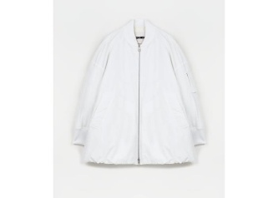 J01AF0101 | J45219 | 100 | 34 | 1 | Piumino | JS RTW WOMAN CRUISE | RTW | Winter jackets | € 2,460.00 | € 2,460.00 | € 479.70 | € 479.70 | £428.30 | £428.30
8055062832948 | 1 | 2024 | 01 | F | J01AF0101 | J45219 | 100 | 36 | 1 | Piumino | JS RTW WOMAN CRUISE | RTW | Winter jackets | € 2,460.00 | € 2,460.00 | € 479.70 | € 479.70 | £428.30 | £428.30
8056993614320 | 1 | 2023 | 02 | F | J01AH0101 | J65004 | 401 | 36 | 1 | Impermeabile | JS RTW WOMAN CRUISE | RTW | Raincoat | € 2,460.00 | € 2,460.00 | € 479.70 | € 479.70 | £428.30 | £428.30
8056993614313 | 1 | 2023 | 02 | F | J01AH0101 | J65004 | 401 | 34 | 1 | Impermeabile | JS RTW WOMAN CRUISE | RTW | Raincoat | € 2,460.00 | € 2,460.00 | € 479.70 | € 479.70 | £428.30 | £428.30
8056993614870 | 1 | 2023 | 02 | F | J01BN0103 | J65004 | 689 | 38 | 0 | Giacca | JS RTW WOMAN CRUISE | RTW | Jackets | € 2,120.00 | € - | € 413.40 | € - | £369.11 | £-
8056993614856 | 1 | 2023 | 02 | F | J01BN0103 | J65004 | 689 | 34 | 1 | Giacca | JS RTW WOMAN CRUISE | RTW | Jackets | € 2,120.00 | € 2,120.00 | € 413.40 | € 413.40 | £369.11 | £369.11
8056993614887 | 1 | 2023 | 02 | F | J01BN0103 | J65004 | 689 | 40 | 1 | Giacca | JS RTW WOMAN CRUISE | RTW | Jackets | € 2,120.00 | € 2,120.00 | € 413.40 | € 413.40 | £369.11 | £369.11
8056993614863 | 1 | 2023 | 02 | F | J01BN0103 | J65004 | 689 | 36 | 2 | Giacca | JS RTW WOMAN CRUISE | RTW | Jackets | € 2,120.00 | € 4,240.00 | € 413.40 | € 826.80 | £369.11 | £738.21
8059695279781 | 1 | 2023 | 02 | F | J01BN0109 | J70003 | 601 | 32 | 1 | Giacca | JS RTW WOMAN CRUISE | RTW | Jackets | € 1,510.00 | € 1,510.00 | € 294.45 | € 294.45 | £262.90 | £262.90
8059695279798 | 1 | 2023 | 02 | F | J01BN0109 | J70003 | 601 | 34 | 1 | Giacca | JS RTW WOMAN CRUISE | RTW | Jackets | € 1,510.00 | € 1,510.00 | € 294.45 | € 294.45 | £262.90 | £262.90
8059695039767 | 1 | 2023 | 02 | F | J01CT0119 | J45002 | 100 | 36 | 1 | Vestito | JS RTW WOMAN CRUISE | RTW | Dresses | € 1,890.00 | € 1,890.00 | € 368.55 | € 368.55 | £329.06 | £329.06
8059695039507 | 1 | 2023 | 02 | F | J01CT0122 | J76018 | 001 | 32 | 1 | Vestito | JS RTW WOMAN CRUISE | RTW | Dresses | € 850.00 | € 850.00 | € 165.75 | € 165.75 | £147.99 | £147.99
8059695039545 | 1 | 2023 | 02 | F | J01CT0122 | J76018 | 001 | 40 | 2 | Vestito | JS RTW WOMAN CRUISE | RTW | Dresses | € 850.00 | € 1,700.00 | € 165.75 | € 331.50 | £147.99 | £295.98
8059695039521 | 1 | 2023 | 02 | F | J01CT0122 | J76018 | 001 | 36 | 1 | Vestito | JS RTW WOMAN CRUISE | RTW | Dresses | € 850.00 | € 850.00 | € 165.75 | € 165.75 | £147.99 | £147.99
8059695259196 | 1 | 2023 | 02 | F | J01CT0124 | JTN209 | 001 | 40 | 2 | Vestito | JS RTW WOMAN CRUISE | RTW | Dresses | € 1,410.00 | € 2,820.00 | € 274.95 | € 549.90 | £245.49 | £490.98
8059695259202 | 1 | 2023 | 02 | F | J01CT0124 | JTN209 | 001 | 42 | 1 | Vestito | JS RTW WOMAN CRUISE | RTW | Dresses | € 1,410.00 | € 1,410.00 | € 274.95 | € 274.95 | £245.49 | £245.49
8059695259189 | 1 | 2023 | 02 | F | J01CT0124 | JTN209 | 001 | 38 | 1 | Vestito | JS RTW WOMAN CRUISE | RTW | Dresses | € 1,410.00 | € 1,410.00 | € 274.95 | € 274.95 | £245.49 | £245.49
8059695259172 | 1 | 2023 | 02 | F | J01CT0124 | JTN209 | 001 | 36 | 1 | Vestito | JS RTW WOMAN CRUISE | RTW | Dresses | € 1,410.00 | € 1,410.00 | € 274.95 | € 274.95 | £245.49 | £245.49
8059695320490 | 1 | 2023 | 02 | F | J01CT0128 | J70003 | 601 | 36 | 3 | Vestito | JS RTW WOMAN CRUISE | RTW | Dresses | € 1,410.00 | € 4,230.00 | € 274.95 | € 824.85 | £245.49 | £736.47
8059695320520 | 1 | 2023 | 02 | F | J01CT0128 | J70003 | 601 | 42 | 1 | Vestito | JS RTW WOMAN CRUISE | RTW | Dresses | € 1,410.00 | € 1,410.00 | € 274.95 | € 274.95 | £245.49 | £245.49
8059695320483 | 1 | 2023 | 02 | F | J01CT0128 | J70003 | 601 | 34 | 3 | Vestito | JS RTW WOMAN CRUISE | RTW | Dresses | € 1,410.00 | € 4,230.00 | € 274.95 | € 824.85 | £245.49 | £736.47
8059695320506 | 1 | 2023 | 02 | F | J01CT0128 | J70003 | 601 | 38 | 2 | Vestito | JS RTW WOMAN CRUISE | RTW | Dresses | € 1,410.00 | € 2,820.00 | € 274.95 | € 549.90 | £245.49 | £490.98
8059695405067 | 1 | 2023 | 02 | F | J01CT0130 | J14617 | 103 | 40 | 2 | Vestito | JS RTW WOMAN CRUISE | RTW | Dresses | € 1,410.00 | € 2,820.00 | € 274.95 | € 549.90 | £245.49 | £490.98
8059695405081 | 1 | 2023 | 02 | F | J01CT0130 | J14617 | 103 | 44 | 1 | Vestito | JS RTW WOMAN CRUISE | RTW | Dresses | € 1,410.00 | € 1,410.00 | € 274.95 | € 274.95 | £245.49 | £245.49
8059695405043 | 1 | 2023 | 02 | F | J01CT0130 | J14617 | 103 | 36 | 3 | Vestito | JS RTW WOMAN CRUISE | RTW | Dresses | € 1,410.00 | € 4,230.00 | € 274.95 | € 824.85 | £245.49 | £736.47
8059695405074 | 1 | 2023 | 02 | F | J01CT0130 | J14617 | 103 | 42 | 2 | Vestito | JS RTW WOMAN CRUISE | RTW | Dresses | € 1,410.00 | € 2,820.00 | € 274.95 | € 549.90 | £245.49 | £490.98
8059695405036 | 1 | 2023 | 02 | F | J01CT0130 | J14617 | 103 | 34 | 3 | Vestito | JS RTW WOMAN CRUISE | RTW | Dresses | € 1,410.00 | € 4,230.00 | € 274.95 | € 824.85 | £245.49 | £736.47
8059695405050 | 1 | 2023 | 02 | F | J01CT0130 | J14617 | 103 | 38 | 3 | Vestito | JS RTW WOMAN CRUISE | RTW | Dresses | € 1,410.00 | € 4,230.00 | € 274.95 | € 824.85 | £245.49 | £736.47
8059695360090 | 1 | 2023 | 02 | F | J01CT0134 | JTN234 | 109 | 42 | 1 | Vestito | JS RTW WOMAN CRUISE | RTW | Dresses | € 3,700.00 | € 3,700.00 | € 721.50 | € 721.50 | £644.20 | £644.20
8059695360069 | 1 | 2023 | 02 | F | J01CT0134 | JTN234 | 109 | 36 | 1 | Vestito | JS RTW WOMAN CRUISE | RTW | Dresses | € 3,700.00 | € 3,700.00 | € 721.50 | € 721.50 | £644.20 | £644.20
8059695360083 | 1 | 2023 | 02 | F | J01CT0134 | JTN234 | 109 | 40 | 1 | Vestito | JS RTW WOMAN CRUISE | RTW | Dresses | € 3,700.00 | € 3,700.00 | € 721.50 | € 721.50 | £644.20 | £644.20
8059695360052 | 1 | 2023 | 02 | F | J01CT0134 | JTN234 | 109 | 34 | 2 | Vestito | JS RTW WOMAN CRUISE | RTW | Dresses | € 3,700.00 | € 7,400.00 | € 721.50 | € 1,443.00 | £644.20 | £1,288.39
8059695311931 | 1 | 2023 | 02 | F | J01CT0144 | JTN207 | 082 | 36 | 2 | Vestito | JS RTW WOMAN CRUISE | RTW | Dresses | € 3,170.00 | € 6,340.00 | € 618.15 | € 1,236.30 | £551.92 | £1,103.84
8059695311924 | 1 | 2023 | 02 | F | J01CT0144 | JTN207 | 082 | 34 | 3 | Vestito | JS RTW WOMAN CRUISE | RTW | Dresses | € 3,170.00 | € 9,510.00 | € 618.15 | € 1,854.45 | £551.92 | £1,655.76
8059695311917 | 1 | 2023 | 02 | F | J01CT0144 | JTN207 | 082 | 32 | 1 | Vestito | JS RTW WOMAN CRUISE | RTW | Dresses | € 3,170.00 | € 3,170.00 | € 618.15 | € 618.15 | £551.92 | £551.92
8059695311948 | 1 | 2023 | 02 | F | J01CT0144 | JTN207 | 082 | 38 | 1 | Vestito | JS RTW WOMAN CRUISE | RTW | Dresses | € 3,170.00 | € 3,170.00 | € 618.15 | € 618.15 | £551.92 | £551.92
8059695333858 | 1 | 2023 | 02 | F | J01CT0151 | JTN215 | 082 | 34 | 2 | Vestito | JS RTW WOMAN CRUISE | RTW | Dresses | € 1,600.00 | € 3,200.00 | € 312.00 | € 624.00 | £278.57 | £557.14
8059695333865 | 1 | 2023 | 02 | F | J01CT0151 | JTN215 | 082 | 36 | 3 | Vestito | JS RTW WOMAN CRUISE | RTW | Dresses | € 1,600.00 | € 4,800.00 | € 312.00 | € 936.00 | £278.57 | £835.71
8059695333872 | 1 | 2023 | 02 | F | J01CT0151 | JTN215 | 082 | 38 | 2 | Vestito | JS RTW WOMAN CRUISE | RTW | Dresses | € 1,600.00 | € 3,200.00 | € 312.00 | € 624.00 | £278.57 | £557.14
8059695333896 | 1 | 2023 | 02 | F | J01CT0151 | JTN215 | 082 | 42 | 1 | Vestito | JS RTW WOMAN CRUISE | RTW | Dresses | € 1,600.00 | € 1,600.00 | € 312.00 | € 312.00 | £278.57 | £278.57
8056993710497 | 1 | 2023 | 02 | F | J01DL0103 | J65052 | 001 | 38 | 1 | Camicia | JS RTW WOMAN CRUISE | RTW | Shirts | € 940.00 | € 940.00 | € 183.30 | € 183.30 | £163.66 | £163.66
8059695239075 | 1 | 2023 | 02 | F | J01DL0108 | J45002 | 001 | 40 | 1 | Camicia | JS RTW WOMAN CRUISE | RTW | Shirts | € 1,090.00 | € 1,090.00 | € 212.55 | € 212.55 | £189.78 | £189.78
8059695239211 | 1 | 2023 | 02 | F | J01DL0108 | J45002 | 433 | 36 | 1 | Camicia | JS RTW WOMAN CRUISE | RTW | Shirts | € 1,090.00 | € 1,090.00 | € 212.55 | € 212.55 | £189.78 | £189.78
...
DELIVERY TYPE
Barcode | Num | Year | Season | Gender | Style | Item | Color | Size | QTY | Style Desc. | Collection Desc.
8059695239242 | 1 | 2023 | 02 | F | J01DL0108 | J45002 | 433 | 42 | 1 | Camicia | JS RTW WOMAN CRUISE
8059695239228 | 1 | 2023 | 02 | F | J01DL0108 | J45002 | 433 | 38 | 1 | Camicia | JS RTW WOMAN CRUISE
8059695306425 | 1 | 2023 | 02 | F | J01DL0117 | J65153 | 394 | 34 | 3 | Camicia | JS RTW WOMAN CRUISE
8059695306418 | 1 | 2023 | 02 | F | J01DL0117 | J65153 | 394 | 32 | 1 | Camicia | JS RTW WOMAN CRUISE
8059695306449 | 1 | 2023 | 02 | F | J01DL0117 | J65153 | 394 | 38 | 2 | Camicia | JS RTW WOMAN CRUISE
8059695306432 | 1 | 2023 | 02 | F | J01DL0117 | J65153 | 394 | 36 | 3 | Camicia | JS RTW WOMAN CRUISE
8059695311177 | 1 | 2023 | 02 | F | J01FB0101 | J65005 | 433 | 34 | 1 | Gilet | JS RTW WOMAN CRUISE
8059695311184 | 1 | 2023 | 02 | F | J01FB0101 | J65005 | 433 | 36 | 2 | Gilet | JS RTW WOMAN CRUISE
8059695311207 | 1 | 2023 | 02 | F | J01FB0101 | J65005 | 433 | 40 | 2 | Gilet | JS RTW WOMAN CRUISE
8059695311191 | 1 | 2023 | 02 | F | J01FB0101 | J65005 | 433 | 38 | 3 | Gilet | JS RTW WOMAN CRUISE
8059695520364 | 1 | 2023 | 02 | F | 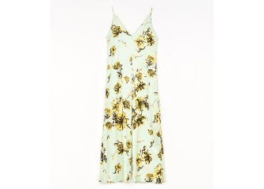 J01FP0108 | J65153 | 394 | 36 | 2 | Tuta - Salopette | JS RTW WOMAN CRUISE
8059695520388 | 1 | 2023 | 02 | F | J01FP0108 | J65153 | 394 | 40 | 1 | Tuta - Salopette | JS RTW WOMAN CRUISE
8059695520340 | 1 | 2023 | 02 | F | J01FP0108 | J65153 | 394 | 32 | 1 | Tuta - Salopette | JS RTW WOMAN CRUISE
8059695520357 | 1 | 2023 | 02 | F | J01FP0108 | J65153 | 394 | 34 | 2 | Tuta - Salopette | JS RTW WOMAN CRUISE
8059695520371 | 1 | 2023 | 02 | F | J01FP0108 | J65153 | 394 | 38 | 2 | Tuta - Salopette | JS RTW WOMAN CRUISE
8059695334251 | 1 | 2023 | 02 | F | J01GC0102 | JTN231 | 082 | S | 3 | T-Shirt | JS RTW WOMAN CRUISE
8059695334237 | 1 | 2023 | 02 | F | J01GC0102 | JTN231 | 082 | L | 3 | T-Shirt | JS RTW WOMAN CRUISE
8059695334275 | 1 | 2023 | 02 | F | J01GC0102 | JTN231 | 082 | XS | 2 | T-Shirt | JS RTW WOMAN CRUISE
8059695334268 | 1 | 2023 | 02 | F | J01GC0102 | JTN231 | 082 | XL | 1 | T-Shirt | JS RTW WOMAN CRUISE
8059695334244 | 1 | 2023 | 02 | F | J01GC0102 | JTN231 | 082 | M | 5 | T-Shirt | JS RTW WOMAN CRUISE
8059695404619 | 1 | 2023 | 02 | F | J01GP0107 | J14617 | 103 | 44 | 1 | Sweater | JS RTW WOMAN CRUISE
...
DELIVERY TYPE
Barcode | Num | Year | Season | Gender | Style | Item | Color | Size | QTY | Style Desc. | Collection Desc.
8059695246509 | 1 | 2023 | 02 | F | J02KA0142 | J40002 | 317 | 32 | 0 | Pantalone | JS RTW WOMAN PRE-COLLECTION
8059695288103 | 1 | 2023 | 02 | F | J02KA0149 | JTN214 | 019 | 36 | 1 | Pantalone | JS RTW WOMAN CRUISE
8059695288080 | 1 | 2023 | 02 | F | J02KA0149 | JTN214 | 019 | 32 | 1 | Pantalone | JS RTW WOMAN CRUISE
8059695288288 | 1 | 2023 | 02 | F | J02KA0149 | JTN214 | 226 | 40 | 2 | Pantalone | JS RTW WOMAN PRE-COLLECTION
8059695288271 | 1 | 2023 | 02 | F | J02KA0149 | JTN214 | 226 | 38 | 1 | Pantalone | JS RTW WOMAN PRE-COLLECTION
8059695288233 | 1 | 2023 | 02 | F | J02KA0149 | JTN214 | 226 | 30 | 1 | Pantalone | JS RTW WOMAN PRE-COLLECTION
8059695288264 | 1 | 2023 | 02 | F | J02KA0149 | JTN214 | 226 | 36 | 1 | Pantalone | JS RTW WOMAN PRE-COLLECTION
8059695286208 | 1 | 2023 | 02 | F | J02KA0157 | J40021 | 001 | 38 | 1 | Pantalone | JS RTW WOMAN PRE-COLLECTION
8059695286185 | 1 | 2023 | 02 | F | J02KA0157 | J40021 | 001 | 34 | 1 | Pantalone | JS RTW WOMAN PRE-COLLECTION
8059695274878 | 1 | 2023 | 02 | F | J02KA0178 | J65141 | 723 | 32 | 1 | Pantalone | JS RTW WOMAN CRUISE
8059695337467 | 1 | 2023 | 02 | F | 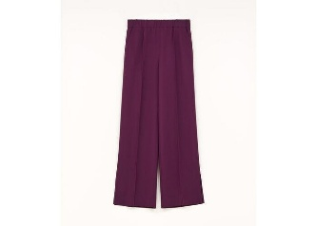 J02KA0179 | J65141 | 723 | 32 | 1 | Pantalone | JS RTW WOMAN CRUISE
8059695337504 | 1 | 2023 | 02 | F | J02KA0179 | J65141 | 723 | 40 | 2 | Pantalone | JS RTW WOMAN CRUISE
8059695337511 | 1 | 2023 | 02 | F | J02KA0179 | J65141 | 723 | 42 | 1 | Pantalone | JS RTW WOMAN CRUISE
8059695337481 | 1 | 2023 | 02 | F | J02KA0179 | J65141 | 723 | 36 | 2 | Pantalone | JS RTW WOMAN CRUISE
8059695337474 | 1 | 2023 | 02 | F | J02KA0179 | J65141 | 723 | 34 | 3 | Pantalone | JS RTW WOMAN CRUISE
8059695337498 | 1 | 2023 | 02 | F | J02KA0179 | J65141 | 723 | 38 | 1 | Pantalone | JS RTW WOMAN CRUISE
8059695222633 | 1 | 2023 | 02 | F | J02KA0184 | J07124 | 429 | 34 | 1 | Pantalone | JS RTW WOMAN PRE-COLLECTION
8059695222657 | 1 | 2023 | 02 | F | J02KA0184 | J07124 | 429 | 38 | 1 | Pantalone | JS RTW WOMAN PRE-COLLECTION
8059695400628 | 1 | 2023 | 02 | F | J02KA0187 | J18287 | 201 | 38 | 2 | Pantalone | JS RTW WOMAN PRE-COLLECTION
8059695400635 | 1 | 2023 | 02 | F | J02KA0187 | J18287 | 201 | 40 | 4 | Pantalone | JS RTW WOMAN PRE-COLLECTION
8059695400642 | 1 | 2023 | 02 | F | J02KA0187 | J18287 | 201 | 42 | 2 | Pantalone | JS RTW WOMAN PRE-COLLECTION
8059695400604 | 1 | 2023 | 02 | F | J02KA0187 | J18287 | 201 | 34 | 1 | Pantalone | JS RTW WOMAN PRE-COLLECTION
8059695400611 | 1 | 2023 | 02 | F | J02KA0187 | J18287 | 201 | 36 | 3 | Pantalone | JS RTW WOMAN PRE-COLLECTION
8059695495594 | 1 | 2023 | 02 | F | 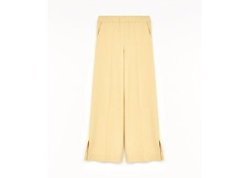 J02KA0191 | J20050 | 721 | 32 | 3 | Pantalone | JS RTW WOMAN PRE-COLLECTION
8059695495617 | 1 | 2023 | 02 | F | J02KA0191 | J20050 | 721 | 36 | 1 | Pantalone | JS RTW WOMAN PRE-COLLECTION
8059695495600 | 1 | 2023 | 02 | F | J02KA0191 | J20050 | 721 | 34 | 4 | Pantalone | JS RTW WOMAN PRE-COLLECTION
8059695495631 | 1 | 2023 | 02 | F | J02KA0191 | J20050 | 721 | 40 | 1 | Pantalone | JS RTW WOMAN PRE-COLLECTION
8059695495624 | 1 | 2023 | 02 | F | J02KA0191 | J20050 | 721 | 38 | 1 | Pantalone | JS RTW WOMAN PRE-COLLECTION
8059695551900 | 1 | 2023 | 02 | F | 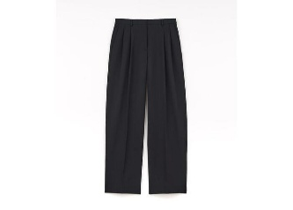 J02KA0196 | J45039 | 254 | 32 | 2 | Pantalone | JS RTW WOMAN PRE-COLLECTION
8059695551948 | 1 | 2023 | 02 | F | J02KA0196 | J45039 | 254 | 40 | 3 | Pantalone | JS RTW WOMAN PRE-COLLECTION
8059695551931 | 1 | 2023 | 02 | F | J02KA0196 | J45039 | 254 | 38 | 3 | Pantalone | JS RTW WOMAN PRE-COLLECTION
8059695551924 | 1 | 2023 | 02 | F | J02KA0196 | J45039 | 254 | 36 | 2 | Pantalone | JS RTW WOMAN PRE-COLLECTION
8059695551917 | 1 | 2023 | 02 | F | J02KA0196 | J45039 | 254 | 34 | 3 | Pantalone | JS RTW WOMAN PRE-COLLECTION
8059695330970 | 1 | 2023 | 02 | F | J02MA0014 | J14509 | 064 | 36 | 0 | SKIRT | JS RTW WOMAN PRE-COLLECTION
8059695353436 | 1 | 2023 | 02 | F | J02MA0156 | J14614 | 001 | 34 | 1 | Gonna | JS RTW WOMAN PRE-COLLECTION
8059695353450 | 1 | 2023 | 02 | F | J02MA0156 | J14614 | 001 | 38 | 1 | Gonna | JS RTW WOMAN PRE-COLLECTION
8059695353429 | 1 | 2023 | 02 | F | J02MA0156 | J14614 | 001 | 32 | 1 | Gonna | JS RTW WOMAN PRE-COLLECTION
8059695353443 | 1 | 2023 | 02 | F | J02MA0156 | J14614 | 001 | 36 | 1 | Gonna | JS RTW WOMAN PRE-COLLECTION
8059695353597 | 1 | 2023 | 02 | F | J02MA0156 | J14614 | 109 | 34 | 2 | Gonna | JS RTW WOMAN PRE-COLLECTION
...
DELIVERY TYPE
Barcode | Num | Year | Season | Gender | Style | Item | Color | Size | QTY | Style Desc. | Collection Desc.
8059695295750 | 1 | 2023 | 02 | F | J02NC0169 | J76018 | 226 | 40 | 2 | Top | JS RTW WOMAN PRE-COLLECTION
8059695295729 | 1 | 2023 | 02 | F | J02NC0169 | J76018 | 226 | 34 | 1 | Top | JS RTW WOMAN PRE-COLLECTION
8059695295743 | 1 | 2023 | 02 | F | J02NC0169 | J76018 | 226 | 38 | 3 | Top | JS RTW WOMAN PRE-COLLECTION
8059695295736 | 1 | 2023 | 02 | F | J02NC0169 | J76018 | 226 | 36 | 1 | Top | JS RTW WOMAN PRE-COLLECTION
8059695295767 | 1 | 2023 | 02 | F | J02NC0169 | J76018 | 226 | 42 | 1 | Top | JS RTW WOMAN PRE-COLLECTION
8059695350602 | 1 | 2023 | 02 | F | J02TC0002 | J13203 | 335 | UNI | 6 | HAT | JS RTW WOMAN PRE-COLLECTION
8059695309976 | 1 | 2023 | 02 | F | J02TC0105 | J35001 | 233 | L | 1 | Cappello | JS RTW WOMAN PRE-COLLECTION
8059695309983 | 1 | 2023 | 02 | F | J02TC0105 | J35001 | 233 | M | 1 | Cappello | JS RTW WOMAN PRE-COLLECTION
8059695310057 | 1 | 2023 | 02 | F | J02TC0105 | J35001 | 744 | L | 1 | Cappello | JS RTW WOMAN PRE-COLLECTION
8059695331335 | 1 | 2023 | 02 | F | J02TS0001 | J13201 | 259 | UNI | 2 | GLOVES | JS RTW WOMAN PRE-COLLECTION
8059695405371 | 1 | 2023 | 02 | F | 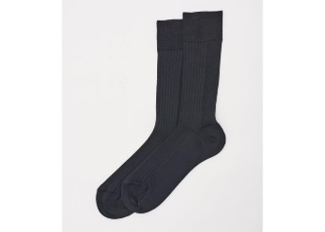 J02ZZ0116 | J18288 | 001 | S | 1 | Generic RTW | JS RTW WOMAN PRE-COLLECTION
8059695405357 | 1 | 2023 | 02 | F | J02ZZ0116 | J18288 | 001 | L | 1 | Generic RTW | JS RTW WOMAN PRE-COLLECTION
8059695405364 | 1 | 2023 | 02 | F | J02ZZ0116 | J18288 | 001 | M | 2 | Generic RTW | JS RTW WOMAN PRE-COLLECTION
8059695405449 | 1 | 2023 | 02 | F | J02ZZ0116 | J18288 | 109 | M | 1 | Generic RTW | JS RTW WOMAN PRE-COLLECTION
8059695405456 | 1 | 2023 | 02 | F | J02ZZ0116 | J18288 | 109 | S | 1 | Generic RTW | JS RTW WOMAN PRE-COLLECTION
8059695405432 | 1 | 2023 | 02 | F | J02ZZ0116 | J18288 | 109 | L | 2 | Generic RTW | JS RTW WOMAN PRE-COLLECTION
8059695405609 | 1 | 2023 | 02 | F | J02ZZ0116 | J18288 | 327 | M | 2 | Generic RTW | JS RTW WOMAN PRE-COLLECTION
8059695405616 | 1 | 2023 | 02 | F | J02ZZ0116 | J18288 | 327 | S | 0 | Generic RTW | JS RTW WOMAN PRE-COLLECTION
8059695755865 | 1 | 2023 | 02 | F | J03AA0109 | J40132 | 280 | 36 | 1 | Cappotto | JS RTW WOMAN SHOW
8059695755858 | 1 | 2023 | 02 | F | J03AA0109 | J40132 | 280 | 34 | 0 | Cappotto | JS RTW WOMAN SHOW
8059695755889 | 1 | 2023 | 02 | F | J03AA0109 | J40132 | 280 | 40 | 1 | Cappotto | JS RTW WOMAN SHOW
...
DELIVERY TYPE
Barcode | Num | Year | Season | Gender | Style | Item | Color | Size | QTY | Style Desc. | Collection Desc.
8059695869135 | 1 | 2023 | 02 | F | J03CT0278 | J65112 | 001 | 38 | 1 | Vestito | JS RTW WOMAN SHOW
8059695869104 | 1 | 2023 | 02 | F | J03CT0278 | J65112 | 001 | 32 | 1 | Vestito | JS RTW WOMAN SHOW
8059695869128 | 1 | 2023 | 02 | F | J03CT0278 | J65112 | 001 | 36 | 1 | Vestito | JS RTW WOMAN SHOW
8059695869142 | 1 | 2023 | 02 | F | J03CT0278 | J65112 | 001 | 40 | 1 | Vestito | JS RTW WOMAN SHOW
8059695876638 | 1 | 2023 | 02 | F | J03CT0280 | J65175 | 698 | 38 | 1 | Vestito | JS RTW WOMAN SHOW
8059695876669 | 1 | 2023 | 02 | F | J03CT0280 | J65175 | 698 | 44 | 1 | Vestito | JS RTW WOMAN SHOW
8059695876607 | 1 | 2023 | 02 | F | J03CT0280 | J65175 | 698 | 32 | 1 | Vestito | JS RTW WOMAN SHOW
8059695876645 | 1 | 2023 | 02 | F | J03CT0280 | J65175 | 698 | 40 | 2 | Vestito | JS RTW WOMAN SHOW
8059695876621 | 1 | 2023 | 02 | F | J03CT0280 | J65175 | 698 | 36 | 4 | Vestito | JS RTW WOMAN SHOW
8059695876614 | 1 | 2023 | 02 | F | J03CT0280 | J65175 | 698 | 34 | 3 | Vestito | JS RTW WOMAN SHOW
8059695884046 | 1 | 2023 | 02 | F | 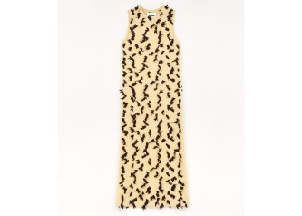 J03CT0285 | J14669 | 696 | 36 | 2 | Vestito | JS RTW WOMAN SHOW
8059695884022 | 1 | 2023 | 02 | F | J03CT0285 | J14669 | 696 | 32 | 1 | Vestito | JS RTW WOMAN SHOW
8059695888532 | 1 | 2023 | 02 | F | 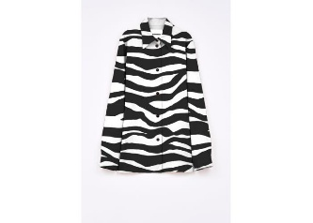 J03DL0128 | J65179 | 120 | 38 | 1 | Camicia | JS RTW WOMAN SHOW
8059695888518 | 1 | 2023 | 02 | F | J03DL0128 | J65179 | 120 | 34 | 1 | Camicia | JS RTW WOMAN SHOW
8059695888501 | 1 | 2023 | 02 | F | J03DL0128 | J65179 | 120 | 32 | 1 | Camicia | JS RTW WOMAN SHOW
8059695888549 | 1 | 2023 | 02 | F | J03DL0128 | J65179 | 120 | 40 | 1 | Camicia | JS RTW WOMAN SHOW
8059695888525 | 1 | 2023 | 02 | F | J03DL0128 | J65179 | 120 | 36 | 4 | Camicia | JS RTW WOMAN SHOW
8059695685513 | 1 | 2023 | 02 | F | J03FB0105 | JTN271 | 001 | 34 | 2 | Gilet | JS RTW WOMAN SHOW
8059695687210 | 1 | 2023 | 02 | F | J03FB0105 | JTN271 | 001 | 36 | 0 | Gilet | JS RTW WOMAN SHOW
8059695687203 | 1 | 2023 | 02 | F | J03FB0105 | JTN271 | 001 | 32 | 1 | Gilet | JS RTW WOMAN SHOW
8059695696731 | 1 | 2023 | 02 | F | J03GC0107 | J20118 | 134 | M | 1 | T-Shirt | JS RTW WOMAN SHOW
8059695696205 | 1 | 2023 | 02 | F | J03GC0108 | J20117 | 196 | XS | 0 | T-Shirt | JS RTW WOMAN SHOW
8059695696182 | 1 | 2023 | 02 | F | J03GC0108 | J20117 | 196 | S | 2 | T-Shirt | JS RTW WOMAN SHOW
...
DELIVERY TYPE
Barcode | Num | Year | Season | Gender | Style | Item | Color | Size | QTY | Style Desc. | Collection Desc.
8059695688156 | 1 | 2023 | 02 | F | J03MA0144 | J20107 | 280 | 34 | 3 | Gonna | JS RTW WOMAN SHOW
8059695688163 | 1 | 2023 | 02 | F | J03MA0144 | J20107 | 280 | 36 | 3 | Gonna | JS RTW WOMAN SHOW
8059695688149 | 1 | 2023 | 02 | F | J03MA0144 | J20107 | 280 | 32 | 1 | Gonna | JS RTW WOMAN SHOW
8059695688170 | 1 | 2023 | 02 | F | J03MA0144 | J20107 | 280 | 38 | 1 | Gonna | JS RTW WOMAN SHOW
8059695688224 | 1 | 2023 | 02 | F | J03MA0144 | J20107 | 324 | 32 | 1 | Gonna | JS RTW WOMAN SHOW
8059695688255 | 1 | 2023 | 02 | F | J03MA0144 | J20107 | 324 | 40 | 2 | Gonna | JS RTW WOMAN SHOW
8059695688231 | 1 | 2023 | 02 | F | J03MA0144 | J20107 | 324 | 36 | 3 | Gonna | JS RTW WOMAN SHOW
8059695685506 | 1 | 2023 | 02 | F | J03MA0144 | J20107 | 324 | 34 | 3 | Gonna | JS RTW WOMAN SHOW
8059695688262 | 1 | 2023 | 02 | F | J03MA0144 | J20107 | 324 | 42 | 1 | Gonna | JS RTW WOMAN SHOW
8059695688248 | 1 | 2023 | 02 | F | J03MA0144 | J20107 | 324 | 38 | 2 | Gonna | JS RTW WOMAN SHOW
8059695809056 | 1 | 2024 | 01 | F | 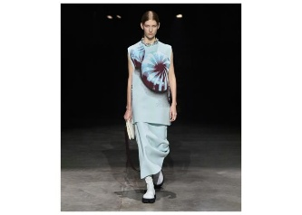 J03MA0150 | J18302 | 460 | 32 | 2 | Gonna | JS RTW WOMAN SHOW
8059695807236 | 1 | 2024 | 01 | F | J03MA0150 | J18302 | 460 | 34 | 2 | Gonna | JS RTW WOMAN SHOW
8059695809063 | 1 | 2024 | 01 | F | J03MA0150 | J18302 | 460 | 36 | 2 | Gonna | JS RTW WOMAN SHOW
8059695809070 | 1 | 2024 | 01 | F | J03MA0150 | J18302 | 460 | 38 | 0 | Gonna | JS RTW WOMAN SHOW
8059695806109 | 1 | 2023 | 02 | F | J03MA0151 | J18300 | 083 | 40 | 1 | Gonna | JS RTW WOMAN SHOW
8059695806093 | 1 | 2023 | 02 | F | J03MA0151 | J18300 | 083 | 38 | 1 | Gonna | JS RTW WOMAN SHOW
8059695801531 | 1 | 2023 | 02 | F | J03MA0151 | J18300 | 083 | 34 | 2 | Gonna | JS RTW WOMAN SHOW
8059695806086 | 1 | 2023 | 02 | F | J03MA0151 | J18300 | 083 | 36 | 1 | Gonna | JS RTW WOMAN SHOW
8059695806079 | 1 | 2023 | 02 | F | J03MA0151 | J18300 | 083 | 32 | 1 | Gonna | JS RTW WOMAN SHOW
8059695860736 | 1 | 2023 | 02 | F | J03NC0175 | J46652 | 714 | 36 | 4 | Top | JS RTW WOMAN SHOW
8059695859013 | 1 | 2023 | 02 | F | J03NC0175 | J46652 | 714 | 34 | 4 | Top | JS RTW WOMAN SHOW
...
DELIVERY TYPE
Barcode | Num | Year | Season | Gender | Style | Item | Color | Size | QTY | Style Desc. | Collection Desc.
8059695688842 | 1 | 2023 | 02 | F | J03NH0010 | J20107 | 324 | 38 | 1 | Top a maniche lunghe | JS RTW WOMAN SHOW
8059695688835 | 1 | 2023 | 02 | F | J03NH0010 | J20107 | 324 | 36 | 5 | Top a maniche lunghe | JS RTW WOMAN SHOW
8059695688859 | 1 | 2023 | 02 | F | J03NH0010 | J20107 | 324 | 40 | 0 | Top a maniche lunghe | JS RTW WOMAN SHOW
8059695688811 | 1 | 2023 | 02 | F | J03NH0010 | J20107 | 324 | 32 | 2 | Top a maniche lunghe | JS RTW WOMAN SHOW
8059695688828 | 1 | 2023 | 02 | F | J03NH0010 | J20107 | 324 | 34 | 4 | Top a maniche lunghe | JS RTW WOMAN SHOW
8059695688866 | 1 | 2023 | 02 | F | J03NH0010 | J20107 | 324 | 42 | 1 | Top a maniche lunghe | JS RTW WOMAN SHOW
8059695688873 | 1 | 2023 | 02 | F | J03NH0010 | J20107 | 324 | 44 | 1 | Top a maniche lunghe | JS RTW WOMAN SHOW
8059695691224 | 1 | 2023 | 02 | F | J03NL0109 | J20110 | 324 | 34 | 1 | Canottiera | JS RTW WOMAN SHOW
8059695693907 | 1 | 2023 | 02 | F | J03NL0109 | J20110 | 324 | 38 | 2 | Canottiera | JS RTW WOMAN SHOW
8059695693891 | 1 | 2023 | 02 | F | J03NL0109 | J20110 | 324 | 36 | 0 | Canottiera | JS RTW WOMAN SHOW
8059695797407 | 1 | 2023 | 02 | F | 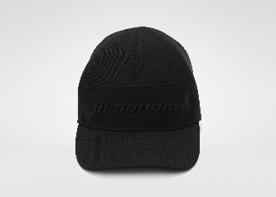 J03TC0102 | JTN312 | 001 | S | 2 | Cappello | JS RTW WOMAN SHOW
8059695797391 | 1 | 2023 | 02 | F | J03TC0102 | JTN312 | 001 | M | 4 | Cappello | JS RTW WOMAN SHOW
8059695797384 | 1 | 2023 | 02 | F | J03TC0102 | JTN312 | 001 | L | 2 | Cappello | JS RTW WOMAN SHOW
8059695797544 | 1 | 2023 | 02 | F | J03TC0102 | JTN312 | 416 | L | 1 | Cappello | JS RTW WOMAN SHOW
8059695797551 | 1 | 2023 | 02 | F | J03TC0102 | JTN312 | 416 | M | 2 | Cappello | JS RTW WOMAN SHOW
8059695796035 | 1 | 2023 | 02 | F | 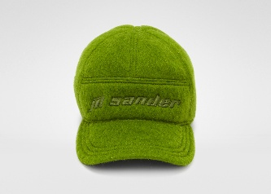 J03TC0103 | JTN308 | 655 | M | 1 | Cappello | JS RTW WOMAN SHOW
8059695796066 | 1 | 2023 | 02 | F | J03TC0103 | JTN308 | 655 | XS | 0 | Cappello | JS RTW WOMAN SHOW
8059695796042 | 1 | 2023 | 02 | F | J03TC0103 | JTN308 | 655 | S | 2 | Cappello | JS RTW WOMAN SHOW
8059695711342 | 1 | 2023 | 02 | F | J03TF0101 | J40088 | 410 | UNI | 1 | Foulard | JS RTW WOMAN SHOW
8059695199058 | 1 | 2023 | 01 | F | J03ZZ0109 | J15120 | 102 | UNI | 2 | Generic RTW | JS RTW WOMAN SHOW
8059695199003 | 1 | 2023 | 01 | F | J03ZZ0110 | J18282 | 001 | UNI | 1 | Generic RTW | JS RTW WOMAN SHOW
8059695814494 | 1 | 2023 | 02 | F | J03ZZ0130 | J19153 | 109 | UNI | 1 | Generic RTW | JS RTW WOMAN SHOW
8059695841261 | 1 | 2023 | 02 | F | 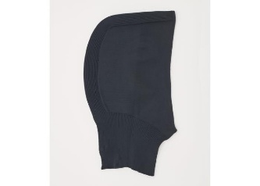 J03ZZ0131 | J19152 | 001 | UNI | 2 | Generic RTW | JS RTW WOMAN SHOW
8059695841315 | 1 | 2023 | 02 | F | J03ZZ0131 | J19152 | 109 | UNI | 1 | Generic RTW | JS RTW WOMAN SHOW
8059695375599 | 1 | 2023 | 02 | F | 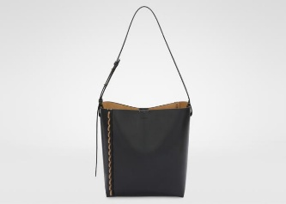 J06ZH0002 | P5899 | 276 | UNI | 1 | Borsa a spalla | JS BAGS WOMAN CRUISE
8059695468772 | 1 | 2024 | 02 | F | J07WD0020 | P5829 | 001 | UNI | 3 | Borsa mano | JS BAGS WOMAN PRE-COLLECTION
8059695471758 | 2 | 2023 | 02 | F | J07WD0020 | P5830 | 531 | UNI | 1 | Borsa mano | JS BAGS WOMAN PRE-COLLECTION
8059695468895 | 1 | 2023 | 02 | F | J07WD0021 | P5830 | 742 | UNI | 1 | Borsa mano | JS BAGS WOMAN PRE-COLLECTION
8057763550398 | 1 | 2026 | 01 | F | J07WD0023 | P4840 | 001 | UNI | 1 | Borsa mano | JS BAGS WOMAN PRE-COLLECTION
8059695468918 | 1 | 2024 | 02 | F | J07WD0023 | P5886 | 001 | UNI | 7 | Borsa mano | JS BAGS WOMAN PRE-COLLECTION
8059695801050 | 1 | 2023 | 02 | F | J07WD0023 | P6271 | 120 | UNI | 2 | Borsa mano | JS BAGS WOMAN SHOW
8057763619507 | 1 | 2023 | 01 | F | 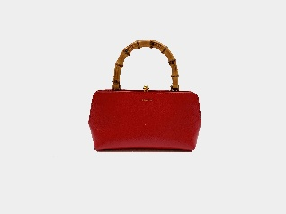 J07WD0029 | P4866 | 261 | UNI | 1 | Borsa mano | JS BAGS WOMAN PRE-COLLECTION
8056993755917 | 1 | 2023 | 02 | F | J07WD0029 | P5356 | 657 | UNI | 3 | Borsa mano | JS BAGS WOMAN PRE-COLLECTION
8059695197009 | 1 | 2023 | 02 | F | J07WD0029 | P5722 | 406 | UNI | 1 | Borsa mano | JS BAGS WOMAN SHOW
8059695468956 | 1 | 2024 | 02 | F | J07WD0029 | P5829 | 001 | UNI | 1 | Borsa mano | JS BAGS WOMAN PRE-COLLECTION
8059695469106 | 1 | 2023 | 02 | F | 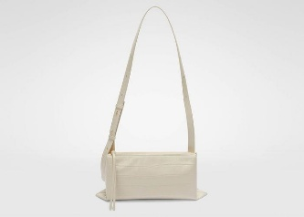 J07WD0051 | P5831 | 001 | UNI | 2 | Borsa mano | JS BAGS WOMAN PRE-COLLECTION
8059695469120 | 1 | 2023 | 02 | F | 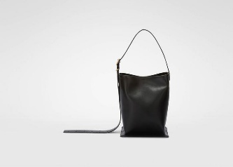 J07WD0063 | P5910 | 742 | UNI | 2 | Borsa mano | JS BAGS WOMAN PRE-COLLECTION
8059695469694 | 1 | 2023 | 02 | F | J07WF0005 | P5888 | 531 | UNI | 3 | Borsa pochette | JS BAGS WOMAN PRE-COLLECTION
8059695471857 | 1 | 2023 | 02 | F | J07WF0005 | P5912 | 001 | UNI | 4 | Borsa pochette | JS BAGS WOMAN PRE-COLLECTION
8059695409126 | 1 | 2023 | 02 | F | J07WG0001 | P4841 | 904 | UNI | 4 | Borsa tracolla | JS BAGS WOMAN PRE-COLLECTION
8056993756419 | 1 | 2023 | 02 | F | J07WG0001 | P5354 | 657 | UNI | 2 | Borsa tracolla | JS BAGS WOMAN PRE-COLLECTION
8059695471536 | 1 | 2023 | 02 | F | J07WG0001 | P5827 | 531 | UNI | 2 | Borsa tracolla | JS BAGS WOMAN PRE-COLLECTION
8059695492623 | 1 | 2023 | 02 | F | 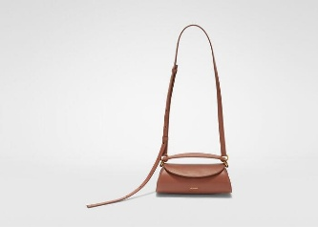 J07WG0052 | P5355 | 029 | UNI | 1 | Borsa tracolla | JS BAGS WOMAN PRE-COLLECTION
8059695470485 | 1 | 2023 | 02 | F | 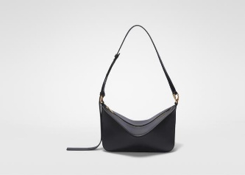 J07ZH0007 | P5882 | 531 | UNI | 1 | Borsa a spalla | JS BAGS WOMAN PRE-COLLECTION
8059695665157 | 1 | 2023 | 02 | F | J07ZH0008 | P5882 | 029 | UNI | 7 | Borsa a spalla | JS BAGS WOMAN PRE-COLLECTION
8059695470560 | 1 | 2023 | 02 | F | J07ZH0008 | P5882 | 531 | UNI | 9 | Borsa a spalla | JS BAGS WOMAN PRE-COLLECTION
8059695802682 | 1 | 2023 | 02 | F | 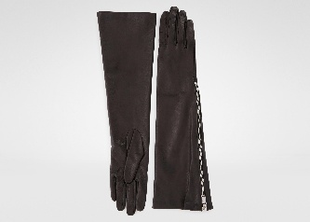 J08TS0005 | P6281 | 102 | 8 | 1 | Guanti | JS BAGS WOMAN SHOW
8059695801333 | 1 | 2023 | 02 | F | J08TS0005 | P6281 | 102 | 7½ | 2 | Guanti | JS BAGS WOMAN SHOW
8056993028783 | 1 | 2023 | 01 | F | J08WD0007 | P5075 | 421 | UNI | 1 | Borsa mano | JS BAGS WOMAN SHOW
8059695470904 | 1 | 2024 | 02 | F | J08WD0008 | P5887 | 742 | UNI | 3 | Borsa mano | JS BAGS WOMAN SHOW
8059695483799 | 1 | 2023 | 02 | F | J08WD0031 | P4845 | 906 | UNI | 2 | Borsa mano | JS BAGS WOMAN PRE-COLLECTION
8059695851611 | 2 | 2024 | 02 | F | J08WD0056 | P5635 | 106 | UNI | 1 | Borsa mano | JS BAGS WOMAN SHOW
8059695800978 | 1 | 2024 | 02 | F | J08WD0056 | P5635 | 429 | UNI | 4 | Borsa mano | JS BAGS WOMAN SHOW
8059695801005 | 1 | 2024 | 01 | F | J08WD0056 | P5635 | 639 | UNI | 2 | Borsa mano | JS BAGS WOMAN SHOW
8059695495372 | 1 | 2023 | 02 | F | J08WF0002 | P4845 | 001 | UNI | 2 | Borsa pochette | JS BAGS WOMAN PRE-COLLECTION
8059695800398 | 1 | 2023 | 02 | F | 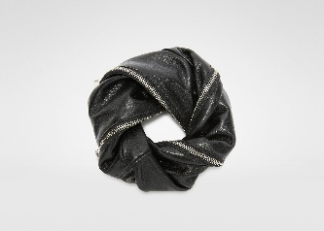 J08WF0011 | P5388 | 001 | UNI | 0 | Borsa pochette | JS BAGS WOMAN SHOW
8059695880932 | 1 | 2023 | 02 | F | 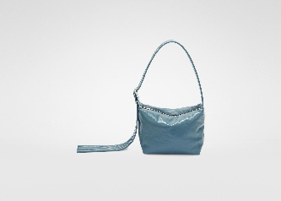 J08ZH0020 | P6294 | 429 | UNI | 2 | Borsa a spalla | JS BAGS WOMAN SHOW
8059695412430 | 1 | 2023 | 02 | F | 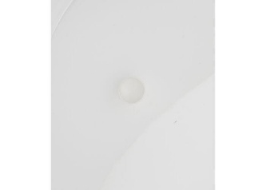 J11UQ0021 | J12003 | 712 | L | 1 | Anello | JS JEWELS WOMAN PRE-COLLECTION
8059695412492 | 1 | 2023 | 02 | F | J11UQ0022 | J12003 | 712 | L | 1 | Anello | JS JEWELS WOMAN PRE-COLLECTION
8059695412515 | 1 | 2023 | 02 | F | J11UQ0022 | J12003 | 712 | S | 2 | Anello | JS JEWELS WOMAN PRE-COLLECTION
8056993587044 | 1 | 2023 | 01 | F | 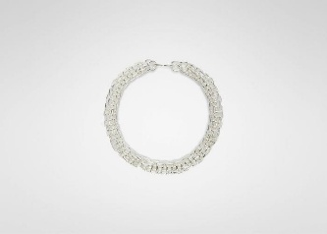 J11UU0015 | J12003 | 045 | UNI | 0 | Collana | JS JEWELS WOMAN PRE-COLLECTION
8056993587051 | 1 | 2023 | 01 | F | J11UU0015 | J12003 | 715 | UNI | 0 | Collana | JS JEWELS WOMAN PRE-COLLECTION
8056993585507 | 1 | 2023 | 01 | F | 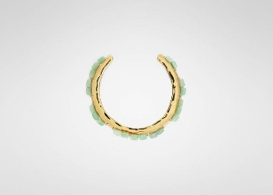 J11UU0018 | J12024 | 330 | M | 2 | Collana | JS JEWELS WOMAN PRE-COLLECTION
8056993585491 | 1 | 2023 | 01 | F | J11UU0018 | J12024 | 330 | L | 1 | Collana | JS JEWELS WOMAN PRE-COLLECTION
8056993585538 | 1 | 2023 | 01 | F | J11UU0018 | J12024 | 460 | M | 1 | Collana | JS JEWELS WOMAN PRE-COLLECTION
8056993585569 | 1 | 2023 | 01 | F | J11UU0018 | J12024 | 680 | M | 1 | Collana | JS JEWELS WOMAN PRE-COLLECTION
8056993588249 | 1 | 2023 | 01 | F | 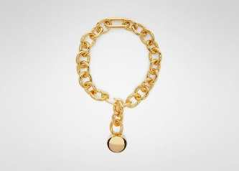 J11UU0021 | J12021 | 049 | UNI | 2 | Collana | JS JEWELS WOMAN PRE-COLLECTION
8059695413291 | 1 | 2023 | 02 | F | 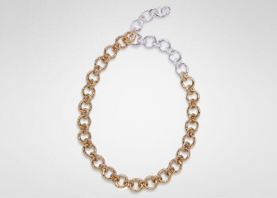 J11UU0031 | J12027 | 540 | UNI | 2 | Collana | JS JEWELS WOMAN PRE-COLLECTION
8059695413314 | 1 | 2023 | 02 | F | 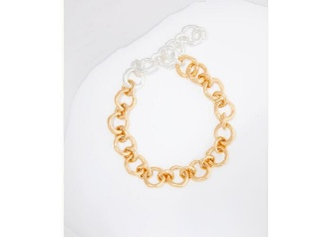 J11UU0032 | J12003 | 711 | UNI | 2 | Collana | JS JEWELS WOMAN PRE-COLLECTION
8059695413321 | 1 | 2023 | 02 | F | J11UU0032 | J12027 | 433 | UNI | 2 | Collana | JS JEWELS WOMAN PRE-COLLECTION
8056993586276 | 1 | 2023 | 01 | F | 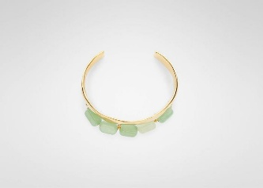 J11UY0012 | J12024 | 330 | M | 2 | Bracciale | JS JEWELS WOMAN PRE-COLLECTION
8056993586269 | 1 | 2023 | 01 | F | J11UY0012 | J12024 | 330 | L | 1 | Bracciale | JS JEWELS WOMAN PRE-COLLECTION
8056993586290 | 1 | 2023 | 01 | F | J11UY0012 | J12024 | 460 | L | 2 | Bracciale | JS JEWELS WOMAN PRE-COLLECTION
8056993586306 | 1 | 2023 | 01 | F | J11UY0012 | J12024 | 460 | M | 2 | Bracciale | JS JEWELS WOMAN PRE-COLLECTION
8056993586313 | 1 | 2023 | 01 | F | J11UY0012 | J12024 | 460 | S | 1 | Bracciale | JS JEWELS WOMAN PRE-COLLECTION
8059695413543 | 1 | 2023 | 02 | F | 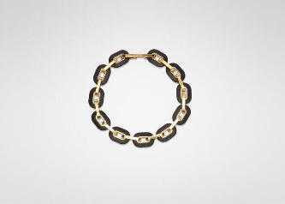 J11UY0017 | J12022 | 200 | UNI | 4 | Bracciale | JS JEWELS WOMAN PRE-COLLECTION
8059695413949 | 1 | 2023 | 02 | F | 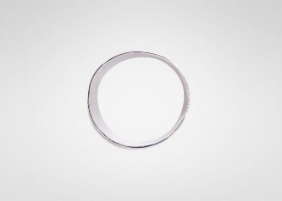 J11UY0023 | J12003 | 712 | S | 2 | Bracciale | JS JEWELS WOMAN PRE-COLLECTION
8059695414113 | 1 | 2023 | 02 | F | 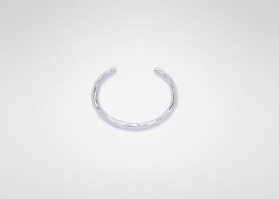 J11UY0027 | J12003 | 045 | L | 3 | Bracciale | JS JEWELS WOMAN PRE-COLLECTION
8059695414267 | 1 | 2023 | 02 | F | 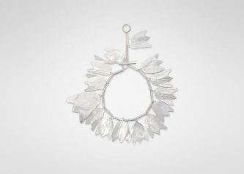 J11UY0028 | J12003 | 048 | UNI | 1 | Bracciale | JS JEWELS WOMAN PRE-COLLECTION
8056993585019 | 1 | 2023 | 01 | F | 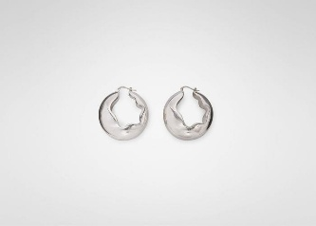 J11VG0030 | J12002 | 041 | UNI | 0 | Orecchini | JS JEWELS WOMAN PRE-COLLECTION
8056993586863 | 1 | 2023 | 01 | F | 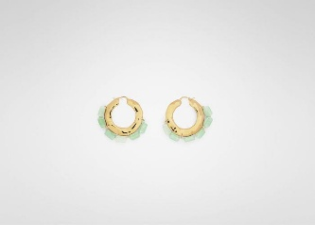 J11VG0040 | J12024 | 330 | UNI | 0 | Orecchini | JS JEWELS WOMAN PRE-COLLECTION
8056993586870 | 1 | 2023 | 01 | F | J11VG0040 | J12024 | 460 | UNI | 2 | Orecchini | JS JEWELS WOMAN PRE-COLLECTION
8056993586894 | 1 | 2023 | 01 | F | 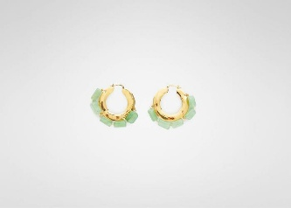 J11VG0041 | J12024 | 330 | UNI | 2 | Orecchini | JS JEWELS WOMAN PRE-COLLECTION
8056993586900 | 1 | 2023 | 01 | F | J11VG0041 | J12024 | 460 | UNI | 1 | Orecchini | JS JEWELS WOMAN PRE-COLLECTION
8056993589215 | 1 | 2023 | 02 | F | 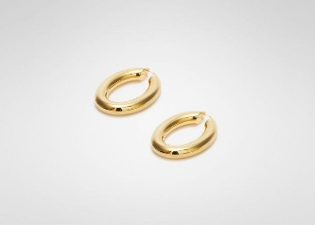 J11VG0043 | J12003 | 719 | UNI | 1 | Orecchini | JS JEWELS WOMAN PRE-COLLECTION
8056993589246 | 1 | 2023 | 02 | F | 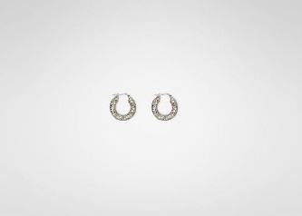 J11VG0045 | J12021 | 049 | UNI | 1 | Orecchini | JS JEWELS WOMAN PRE-COLLECTION
8056993589253 | 1 | 2023 | 02 | F | J11VG0046 | J12021 | 049 | UNI | 2 | Orecchini | JS JEWELS WOMAN PRE-COLLECTION
8059695414298 | 1 | 2023 | 02 | F | 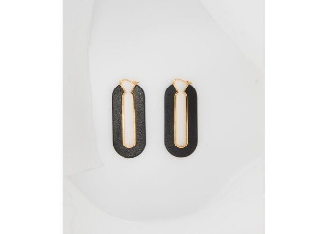 J11VG0047 | J12022 | 200 | UNI | 4 | Orecchini | JS JEWELS WOMAN PRE-COLLECTION
8059695414540 | 1 | 2023 | 02 | F | 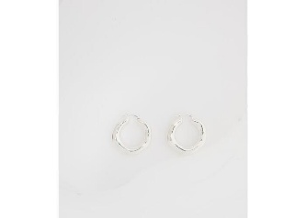 J11VG0055 | J12027 | 433 | UNI | 3 | Orecchini | JS JEWELS WOMAN PRE-COLLECTION
8059695414625 | 1 | 2023 | 02 | F | 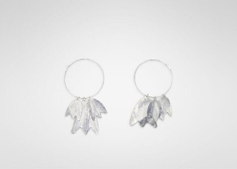 J11VG0057 | J12003 | 048 | UNI | 2 | Orecchini | JS JEWELS WOMAN PRE-COLLECTION
8059695414649 | 1 | 2023 | 02 | F | 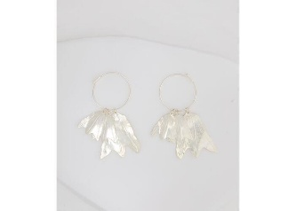 J11VG0058 | J12003 | 048 | UNI | 1 | Orecchini | JS JEWELS WOMAN PRE-COLLECTION
8059695414656 | 1 | 2023 | 02 | F | J11VG0058 | J12003 | 718 | UNI | 5 | Orecchini | JS JEWELS WOMAN PRE-COLLECTION
8056993587440 | 1 | 2023 | 01 | F | 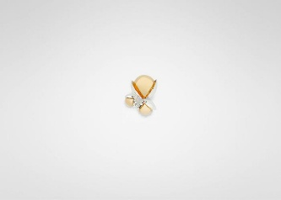 J11VK0011 | J12003 | 048 | UNI | 1 | Spilla | JS JEWELS WOMAN PRE-COLLECTION
8056993935135 | 1 | 2023 | 01 | F | J11VK0019 | J12025 | 044 | UNI | 2 | Spilla | JS JEWELS WOMAN PRE-COLLECTION
8056993935166 | 1 | 2023 | 01 | F | J11VK0022 | J12025 | 044 | UNI | 1 | Spilla | JS JEWELS WOMAN PRE-COLLECTION
8059695414854 | 1 | 2023 | 02 | F | 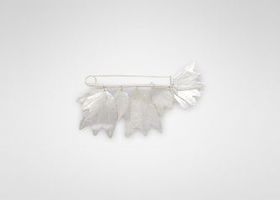 J11VK0032 | J12003 | 048 | UNI | 2 | Spilla | JS JEWELS WOMAN PRE-COLLECTION
8059695818508 | 1 | 2023 | 02 | F | 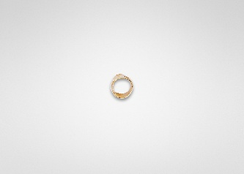 J12UQ0023 | J12003 | 040 | M | 1 | Anello | JS JEWELS WOMAN SHOW
8059695818515 | 1 | 2023 | 02 | F | J12UQ0023 | J12003 | 040 | S | 2 | Anello | JS JEWELS WOMAN SHOW
8059695186331 | 1 | 2023 | 01 | F | 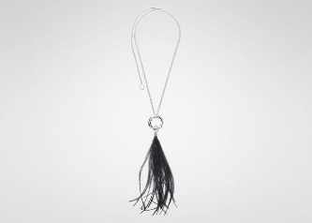 J12UU0010 | J12028 | 712 | UNI | 1 | Collana | JS JEWELS WOMAN SHOW
8059695186423 | 1 | 2023 | 01 | F | 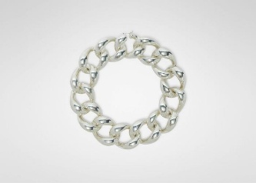 J12UU0016 | J12037 | 710 | UNI | 1 | Collana | JS JEWELS WOMAN SHOW
8059695818805 | 1 | 2023 | 02 | F | 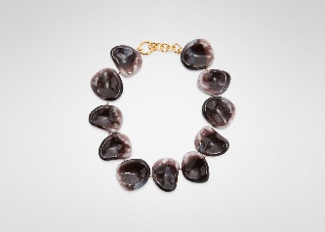 J12UU0023 | J12018 | 270 | UNI | 1 | Collana | JS JEWELS WOMAN SHOW
8059695818898 | 1 | 2023 | 02 | F | 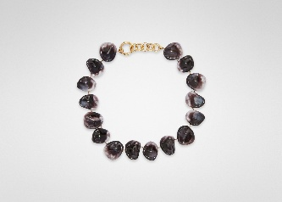 J12UU0024 | J12018 | 650 | UNI | 2 | Collana | JS JEWELS WOMAN SHOW
8059695819253 | 1 | 2023 | 02 | F | 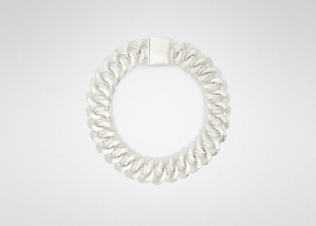 J12UU0029 | J12021 | 049 | M | 2 | Collana | JS JEWELS WOMAN SHOW
8059695186720 | 1 | 2023 | 01 | F | 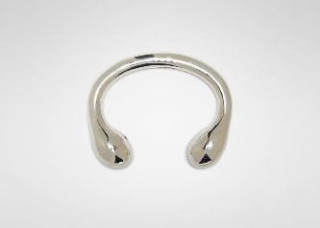 J12UY0013 | J12002 | 043 | S | 1 | Bracciale | JS JEWELS WOMAN SHOW
8059695186805 | 1 | 2023 | 01 | F | J12UY0014 | J12034 | 715 | M | 1 | Bracciale | JS JEWELS WOMAN SHOW
8059695820075 | 1 | 2023 | 02 | F | J12UY0024 | J12021 | 049 | M | 1 | Bracciale | JS JEWELS WOMAN SHOW
8059695820082 | 1 | 2023 | 02 | F | J12UY0024 | J12021 | 049 | S | 2 | Bracciale | JS JEWELS WOMAN SHOW
8056993061858 | 1 | 2022 | 02 | F | J12VG0010 | P4877 | 041 | UNI | 1 | Orecchini | JS JEWELS WOMAN SHOW
8059695187628 | 1 | 2023 | 01 | F | J12VG0043 | J12041 | 301 | UNI | 2 | Orecchini | JS JEWELS WOMAN SHOW
8059695187727 | 1 | 2023 | 01 | F | J12VG0044 | J12041 | 668 | UNI | 1 | Orecchini | JS JEWELS WOMAN SHOW
8059695820266 | 1 | 2023 | 02 | F | J12VG0051 | J12018 | 270 | UNI | 1 | Orecchini | JS JEWELS WOMAN SHOW
8059695820297 | 1 | 2023 | 02 | F | J12VG0051 | J12018 | 650 | UNI | 1 | Orecchini | JS JEWELS WOMAN SHOW
8059695820457 | 1 | 2023 | 02 | F | J12VG0056 | J12003 | 040 | UNI | 0 | Orecchini | JS JEWELS WOMAN SHOW
8059695820594 | 1 | 2023 | 02 | F | J12VG0061 | J12021 | 049 | UNI | 1 | Orecchini | JS JEWELS WOMAN SHOW
...

