OFFER
IMAGE | Collection | Style Num. | Item Description | Color | Composition | Commodity Code | Country Description | QTY | UNI | 42 | 44 | 46 | 48 | 50 | 52 | 54 | 56 | XS | S | M | L | XL | XXL | XXXL | WHS € | WHS TOT € | 30% OFF WHS COST € | COST TOT € | COST £ | COST TOT £
 | MAN | 12CMBW005A000004G | BEACHWEAR - BOXER | TOTAL ECLIPSE | 100% PA | 6211110000 | BULGARIA | 2 |  | 1 | 1 |  |  |  |  |  |  |  |  |  |  |  |  |  | € 64.00 | € 128.00 | € 44.80 | € 89.60 | £39.65 | £79.29
 | MAN | 12CMBW005A000004G | BEACHWEAR - BOXER | DARK SHADOW | 100% PA | 6211110000 | BULGARIA | 1 |  | 1 |  |  |  |  |  |  |  |  |  |  |  |  |  |  | € 64.00 | € 64.00 | € 44.80 | € 44.80 | £39.65 | £39.65
 | MAN | 12CMBW276A000004G | BEACHWEAR - BOXER | FIERY RED | 100% PA | 6211110000 | BULGARIA | 1 |  | 1 |  |  |  |  |  |  |  |  |  |  |  |  |  |  | € 79.00 | € 79.00 | € 55.30 | € 55.30 | £48.94 | £48.94
 | MAN | 12CMBW276A000004G | BEACHWEAR - BOXER | TOTAL ECLIPSE | 100% PA | 6211110000 | BULGARIA | 1 |  | 1 |  |  |  |  |  |  |  |  |  |  |  |  |  |  | € 79.00 | € 79.00 | € 55.30 | € 55.30 | £48.94 | £48.94
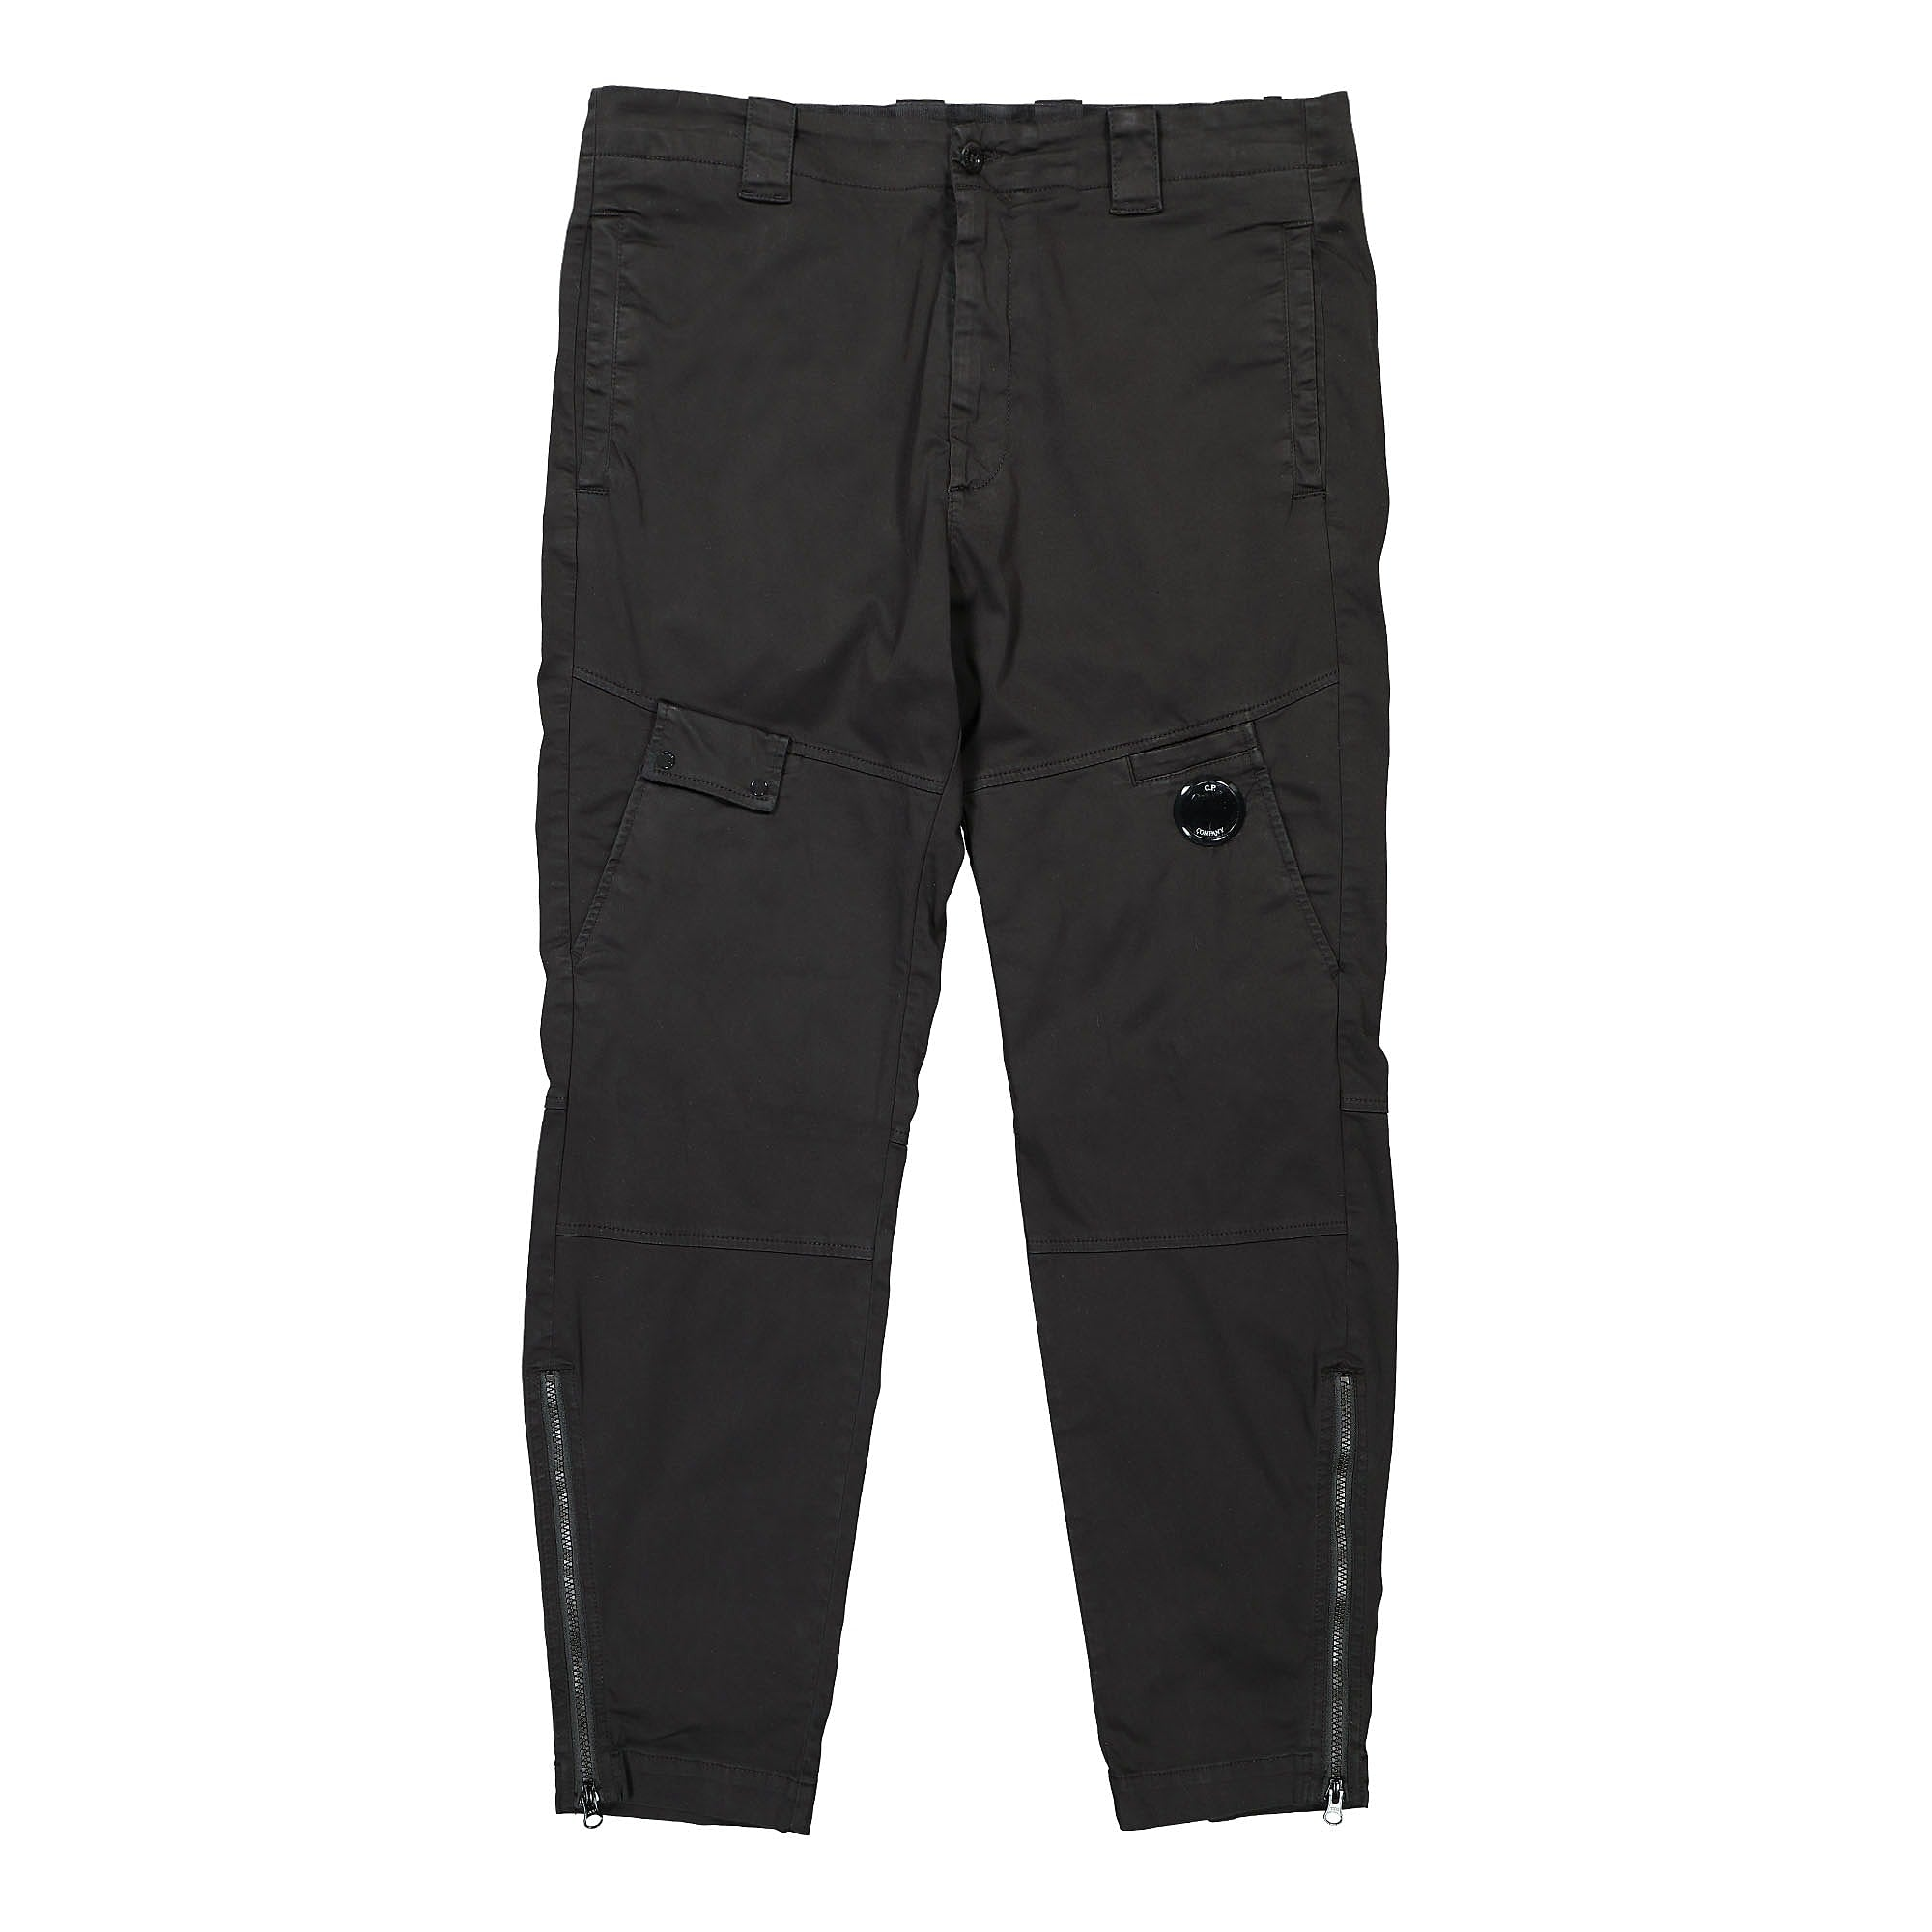 | MAN | 12CMPA061A005694G | PANTS - PANT | GAUZE WHITE | 98% CO 2% EA | 6203421100 | Romania | 1 |  |  |  |  | 1 |  |  |  |  |  |  |  |  |  |  |  | € 124.00 | € 124.00 | € 86.80 | € 86.80 | £76.81 | £76.81

 | MAN | 12CMPA132A005991G | PANTS - CARGO PANT | GAUZE WHITE | 100% PA | 6203431100 | Romania | 1 |  |  |  |  |  |  | 1 |  |  |  |  |  |  |  |  |  | € 124.00 | € 124.00 | € 86.80 | € 86.80 | £76.81 | £76.81
 | MAN | 12CMSP071A005086W | SWEATPANTS - CARGO PANT | SENECA ROCK | 100% CO | 6103420000 | CHINA | 1 |  |  |  |  |  |  |  |  |  |  | 1 |  |  |  |  |  | € 110.00 | € 110.00 | € 77.00 | € 77.00 | £68.14 | £68.14
 | MAN | 12CMSP071A005086W | SWEATPANTS - CARGO PANT | FIERY RED | 100% CO | 6103420000 | CHINA | 1 |  |  |  |  |  |  |  |  |  |  | 1 |  |  |  |  |  | € 110.00 | € 110.00 | € 77.00 | € 77.00 | £68.14 | £68.14
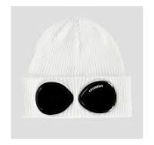 | MAN | 14CMAC016A000727A | ACCESSORIES - KNIT CAP | GAUZE WHITE | 100% CO | 6505001000 | Italy | 34 |  |  |  |  |  |  |  |  |  |  |  |  |  |  |  |  | € 59.00 | € 2,006.00 | € 41.30 | € 1,404.20 | £36.55 | £1,242.65

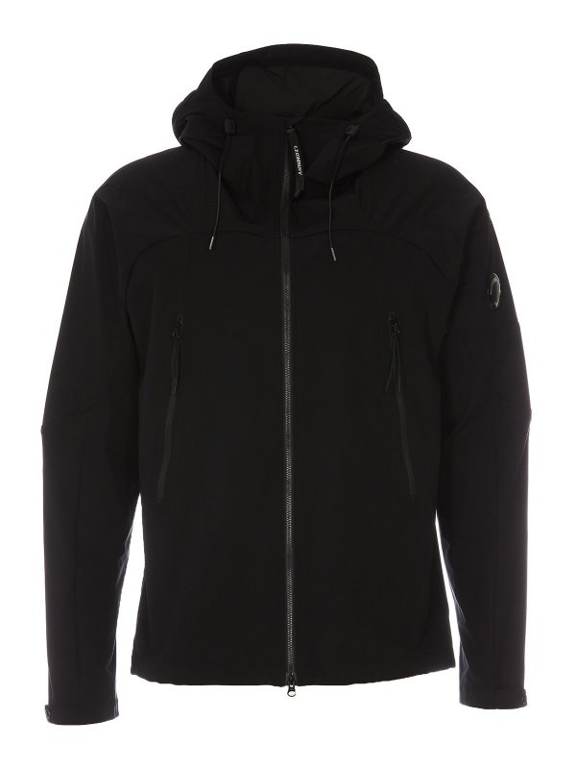 | MAN | 14CMOW003A004117A | OUTERWEAR - MEDIUM JACKET | COBBLESTONE | 100% PL | 6201401090 | Myanmar | 1 |  |  |  |  |  | 1 |  |  |  |  |  |  |  |  |  |  | € 181.00 | € 181.00 | € 126.70 | € 126.70 | £112.12 | £112.12
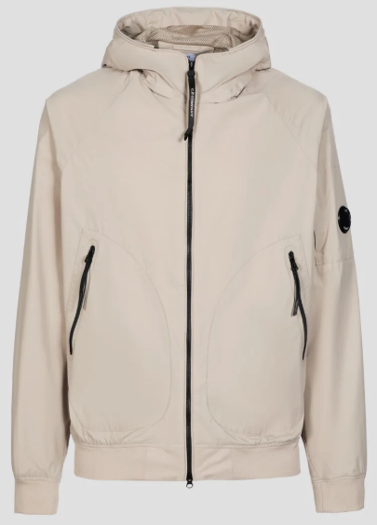 | MAN | 14CMOW095A004117A | OUTERWEAR - SHORT JACKET | BRACKEN | 100% PL | 6201401090 | CHINA | 1 |  |  |  |  |  | 1 |  |  |  |  |  |  |  |  |  |  | € 189.00 | € 189.00 | € 132.30 | € 132.30 | £117.08 | £117.08
 | MAN | 14CMOW095A004117A | OUTERWEAR - SHORT JACKET | TOTAL ECLIPSE | 100% PL | 6201401090 | Myanmar | 1 |  |  |  |  |  |  | 1 |  |  |  |  |  |  |  |  |  | € 189.00 | € 189.00 | € 132.30 | € 132.30 | £117.08 | £117.08
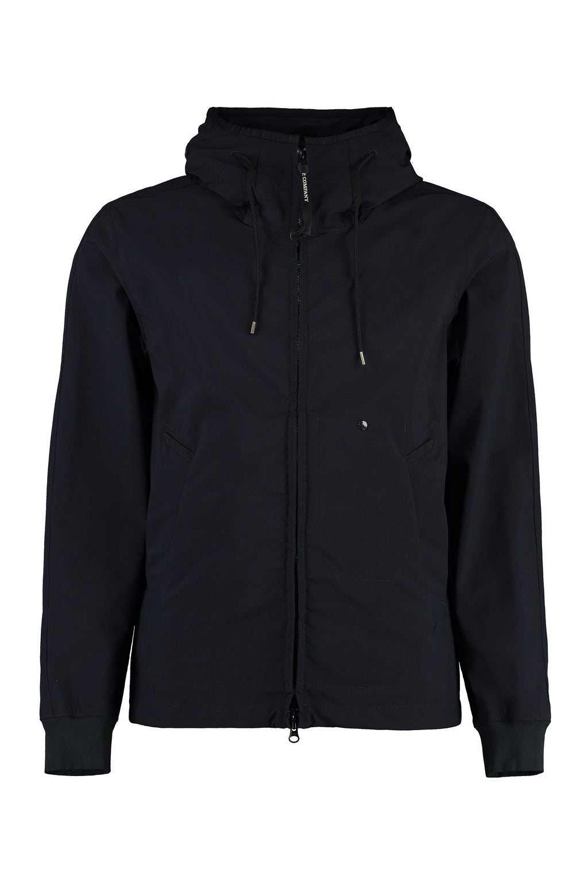 | MAN | 14CMOW149A006364G | OUTERWEAR - MEDIUM JACKET | PALE MAUVE | 94%PA 6%EA | 6201401090 | BULGARIA | 3 |  |  |  |  |  | 3 |  |  |  |  |  |  |  |  |  |  | € 247.00 | € 741.00 | € 172.90 | € 518.70 | £153.01 | £459.03
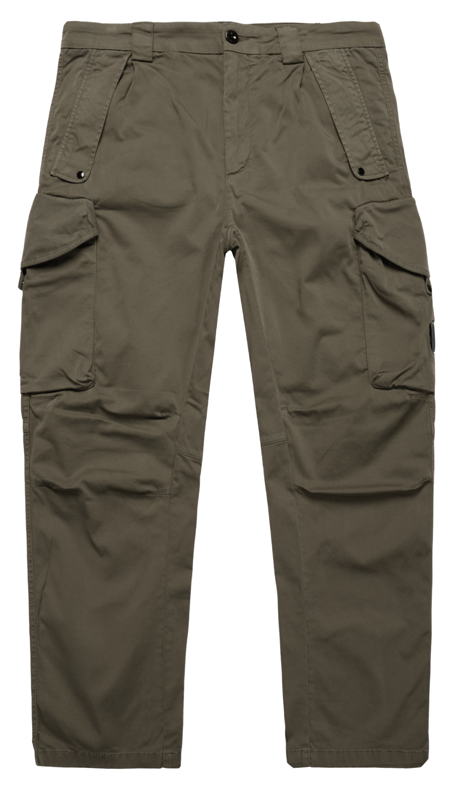 | MAN | 14CMPA059A005694G | PANTS - CARGO PANT | TOTAL ECLIPSE | 98% CO 2% EA | 6203421100 | Tunisia | 100 |  |  |  | 30 | 70 |  |  |  |  |  |  |  |  |  |  |  | € 124.00 | € 12,400.00 | € 86.80 | € 8,680.00 | £76.81 | £7,681.42
 | MAN | 14CMPA059A005694G | PANTS - CARGO PANT | BLACK | 98% CO 2% EA | 6203421100 | Tunisia | 133 |  |  |  | 50 | 83 |  |  |  |  |  |  |  |  |  |  |  | € 124.00 | € 16,492.00 | € 86.80 | € 11,544.40 | £76.81 | £10,216.28
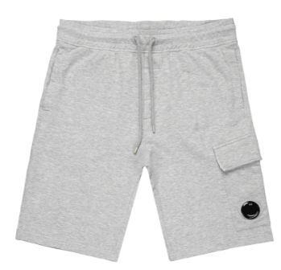 | MAN | 14CMSB021A002246G | SWEATBERMUDA - CARGO | BLACK | 100% CO | 6103420000 | Italy | 33 |  |  |  |  |  |  |  |  |  |  | 33 |  |  |  |  |  | € 84.00 | € 2,772.00 | € 58.80 | € 1,940.40 | £52.04 | £1,717.17
 | MAN | 14CMSB021A002246G | SWEATBERMUDA - CARGO | GREY MELANGE | 100% CO | 6103420000 | Italy | 65 |  |  |  |  |  |  |  |  |  |  | 21 | 44 |  |  |  |  | € 84.00 | € 5,460.00 | € 58.80 | € 3,822.00 | £52.04 | £3,382.30
 | MAN | 14CMSP017A005086W | SWEATPANTS - CARGO PANT | GREY MELANGE | 100% CO | 6103420000 | Myanmar | 17 |  |  |  |  |  |  |  |  |  | 8 | 9 |  |  |  |  |  | € 94.00 | € 1,598.00 | € 65.80 | € 1,118.60 | £58.23 | £989.91
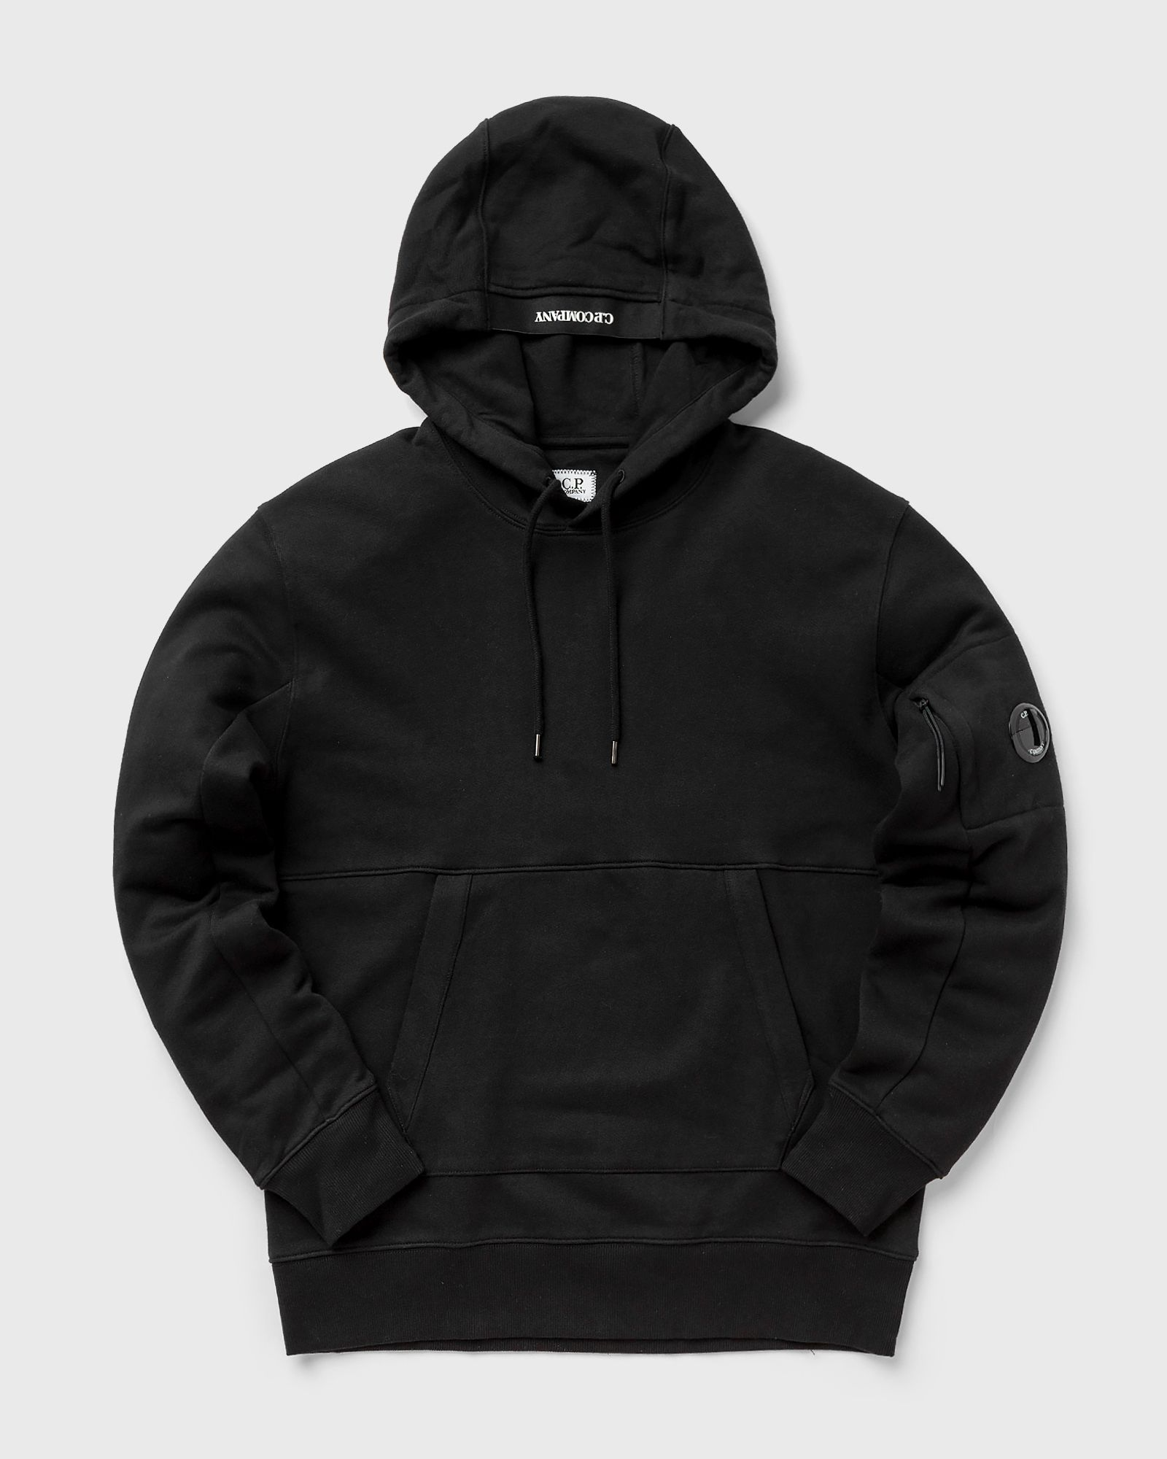

 | MAN | 14CMSS023A005086W | SWEATSHIRTS - SWEAT HOODED | IVY GREEN | 100% CO | 6110209100 | Greece | 28 |  |  |  |  |  |  |  |  |  |  | 13 | 15 |  |  |  |  | € 115.00 | € 3,220.00 | € 80.50 | € 2,254.00 | £71.24 | £1,994.69
 |  |  |  |  |  |  |  | 0
 | MAN | 14CMSS023A005086W | SWEATSHIRTS - SWEAT HOODED | TOTAL ECLIPSE | 100% CO | 6110209100 | Greece | 72 |  |  |  |  |  |  |  |  |  | 4 | 17 | 51 |  |  |  |  | € 115.00 | € 8,280.00 | € 80.50 | € 5,796.00 | £71.24 | £5,129.20

 | MAN | 14CMSS023A005086W | SWEATSHIRTS - SWEAT HOODED | BLACK | 100% CO | 6110209100 | Greece | 440 |  |  |  |  |  |  |  |  |  | 26 | 174 | 240 |  |  |  |  | € 115.00 | € 50,600.00 | € 80.50 | € 35,420.00 | £71.24 | £31,345.13
 |  |  |  |  |  |  |  | 0
 | MAN | 14CMSS023A005086W | SWEATSHIRTS - SWEAT HOODED | GREY MELANGE | 100% CO | 6110209100 | Greece | 35 |  |  |  |  |  |  |  |  |  | 6 | 8 | 10 | 6 | 5 |  |  | € 115.00 | € 4,025.00 | € 80.50 | € 2,817.50 | £71.24 | £2,493.36

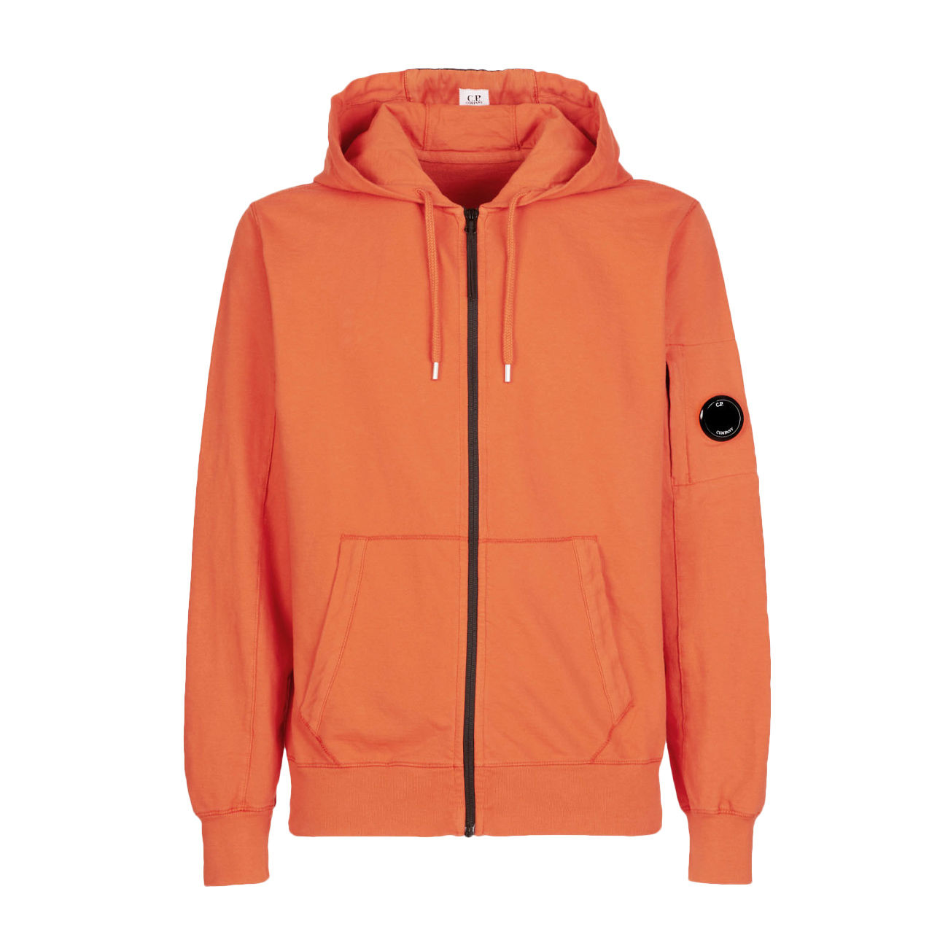 | MAN | 14CMSS034A002246G | SWEATSHIRTS - HOODED OPEN | GAUZE WHITE | 100% CO | 6110209100 | Italy | 9 |  |  |  |  |  |  |  |  |  | 6 | 3 |  |  |  |  |  | € 116.00 | € 1,044.00 | € 81.20 | € 730.80 | £71.86 | £646.73
 |  |  |  |  |  |  |  | 981 |  |  |  |  |  |  |  |  |  |  |  |  |  |  |  |  |  | € 110,015.00 |  | € 77,010.50 |  | £68,150.88

