OFFER
REF
NAME*
COMPANY NAME
DATE*
SALES REP*
EMAIL*
PHONE #*
PAYMENT CURRENCY (€/£)*
BILLING ADDRESS*
ORDER NUMBER
PRE/IN HAND |  |  |  |  |  |  |  | 09 | I | II | III | IV | V | VI
DELIVERY TYPE |  |  |  |  |  |  |  | 18 | 0M | 3M | 6M | 9M | 12M | 18M | 24M | 36M
 |  |  |  |  |  |  |  | 22 | 2Y | 3Y | 4Y | 5Y | 6Y | 7Y | 8Y | 9Y | 10Y | 11Y | 12Y | 13Y | 14Y | 15Y | 16Y
BRAND | Stagione | Descrizione PG | Gender | Modello | Parte | Descrizione Modello / Parte | Colore | Griglia T. | S1 | S2 | S3 | S4 | S5 | S6 | S7 | S8 | S9 | S10 | S11 | S12 | S13 | S14 | S15 | QTY | Whs | Whs TOT | figurino/foto | RRP € | RRP TOT € | COST € | COST TOT € | COST £ | COST TOT £
DIESEL | SS | 5 pockets | M | 00J3AJ | KXBN4 | KROOLEY-NE-J JJJ PANTALONI | K01 | 22 |  |  |  |  |  |  | 8 |  |  |  |  |  |  |  |  | 8 | € 72.00 | € 576.00 | 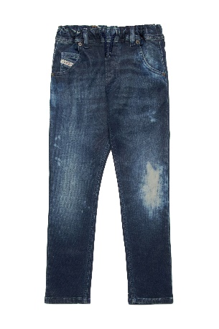 | € 180.00 | € 1,440.00 | € 46.80 | € 374.40 | £41.79 | £334.29
DIESEL | SS | 5 pockets | M | 00J3AJ | KXBPF | KROOLEY-NE-J JJJ PANTALONI | K01 | 22 |  |  |  |  |  |  | 6 |  |  |  |  |  |  |  |  | 6 | € 68.00 | € 408.00 | 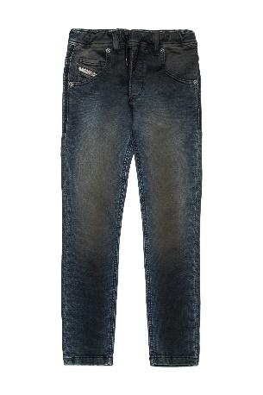 | € 170.00 | € 1,020.00 | € 44.20 | € 265.20 | £39.46 | £236.79
DIESEL | SS | Short pants | M | 00J3CI | KXBN4 | KROOLEY-NE-J SH JJJ CALZONCINI | K01 | 22 |  |  |  |  |  |  | 8 |  |  |  |  |  |  |  |  | 8 | € 64.00 | € 512.00 | 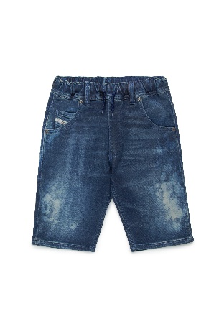 | € 160.00 | € 1,280.00 | € 41.60 | € 332.80 | £37.14 | £297.14
D2 | SS | Short pants | M | DQ2719 | D0ABN | D2P795M CALZONCINI | DQC03 | 22 |  |  |  |  |  |  | 3 |  |  |  |  |  |  |  |  | 3 | € 104.00 | € 312.00 |  | € 260.00 | € 780.00 | € 67.60 | € 202.80 | £60.36 | £181.07
D2 | SS | Short pants | M | DQ2720 | D0AC6 | D2P794M CALZONCINI | DQ717 | 22 |  |  | 1 |  | 2 |  | 3 |  | 8 |  | 6 |  | 4 |  | 6 | 30 | € 72.00 | € 2,160.00 | 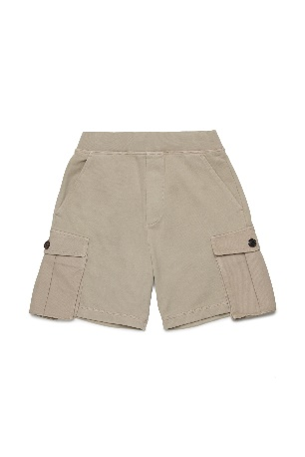 | € 180.00 | € 5,400.00 | € 46.80 | € 1,404.00 | £41.79 | £1,253.57
D2 | SS | Short pants | U | DQ2738 | D0094 | D2P830U CALZONCINI | DQ321 | 22 |  |  | 1 |  |  |  |  |  | 2 |  | 3 |  | 3 |  | 2 | 11 | € 48.00 | € 528.00 | 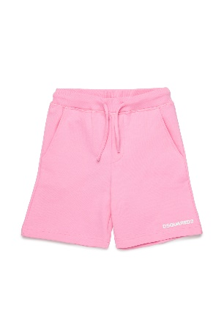 | € 120.00 | € 1,320.00 | € 31.20 | € 343.20 | £27.86 | £306.43
D2 | SS | Short pants | U | DQ2738 | D0094 | D2P830U CALZONCINI | DQ717 | 22 |  |  |  |  |  |  | 2 |  |  |  | 1 |  |  |  | 1 | 4 | € 48.00 | € 192.00 | 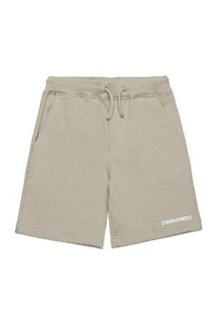 | € 120.00 | € 480.00 | € 31.20 | € 124.80 | £27.86 | £111.43
D2 | SS | Short pants | U | DQ2738 | D0094 | D2P830U CALZONCINI | DQ880 | 22 |  |  |  |  |  |  | 1 |  |  |  | 1 |  | 1 |  |  | 3 | € 48.00 | € 144.00 | 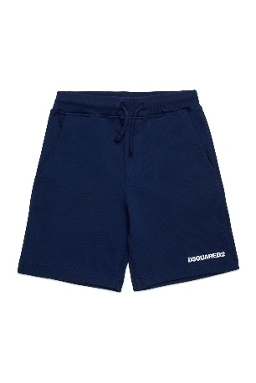 | € 120.00 | € 360.00 | € 31.20 | € 93.60 | £27.86 | £83.57
D2 | SS | Jackets | F | DQ2747 | D0ABP | D2J491F GIACCA | DQ870 | 22 |  |  |  |  |  |  | 3 |  |  |  |  |  |  |  |  | 3 | € 100.00 | € 300.00 | 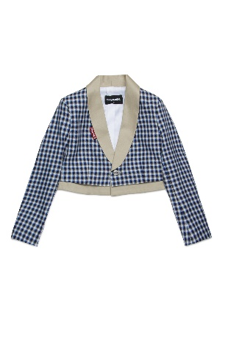 | € 250.00 | € 750.00 | € 65.00 | € 195.00 | £58.04 | £174.11
D2 | SS | Sweaters | F | DQ2758 | D0ACE | D2S879F FELPA | DQ880 | 22 |  |  |  |  |  |  | 3 |  |  |  |  |  |  |  |  | 3 | € 64.00 | € 192.00 |  | € 160.00 | € 480.00 | € 41.60 | € 124.80 | £37.14 | £111.43
D2 | SS | Dresses | F | DQ2813 | D0AC1 | D2D369F ABITO | DQ01 | 22 |  |  |  |  |  |  | 4 |  |  |  |  |  |  |  |  | 4 | € 220.00 | € 880.00 | 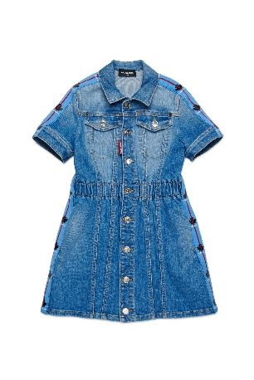 | € 550.00 | € 2,200.00 | € 143.00 | € 572.00 | £127.68 | £510.71
D2 | SS | Sweaters | U | DQ2860 | D0094 | D2S901B FELPA | DQ321 | 18 |  |  |  |  |  | 2 |  | 2 |  |  |  |  |  |  |  | 4 | € 44.00 | € 176.00 | 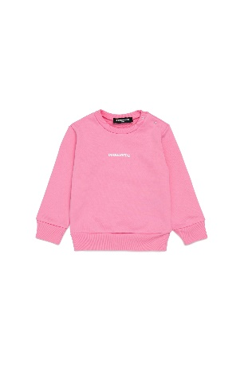 | € 110.00 | € 440.00 | € 28.60 | € 114.40 | £25.54 | £102.14
D2 | SS | Sweaters | U | DQ2860 | D0094 | D2S901B FELPA | DQ717 | 18 |  | 1 |  |  | 1 | 1 | 1 | 1 |  |  |  |  |  |  |  | 5 | € 44.00 | € 220.00 | 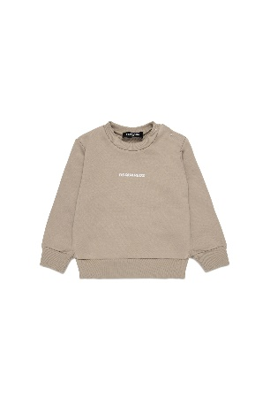 | € 110.00 | € 550.00 | € 28.60 | € 143.00 | £25.54 | £127.68
D2 | SS | Pants | U | DQ2866 | D0ACM | D2P831B PANTALONI | DQ321 | 18 |  |  |  |  | 3 |  |  |  |  |  |  |  |  |  |  | 3 | € 88.00 | € 264.00 | 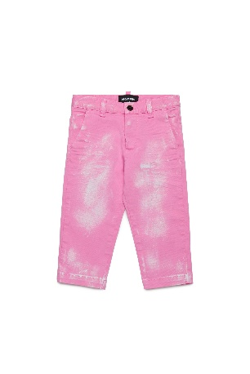 | € 220.00 | € 660.00 | € 57.20 | € 171.60 | £51.07 | £153.21
D2 | SS | Pants | U | DQ2866 | D0ACM | D2P831B PANTALONI | DQ870 | 18 |  |  |  |  | 3 |  |  |  |  |  |  |  |  |  |  | 3 | € 88.00 | € 264.00 | 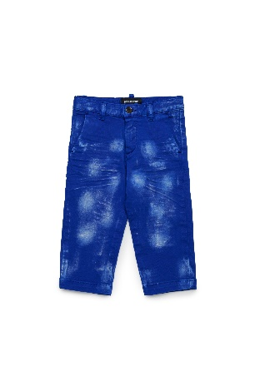 | € 220.00 | € 660.00 | € 57.20 | € 171.60 | £51.07 | £153.21
D2 | SS | Pants | U | DQ2868 | D0AC6 | D2P833B PANTALONI | DQ717 | 18 |  |  |  | 1 | 1 |  | 1 |  |  |  |  |  |  |  |  | 3 | € 52.00 | € 156.00 | 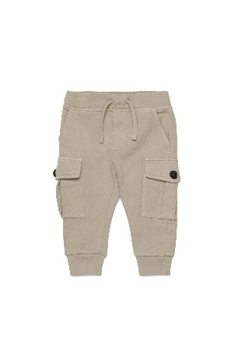 | € 130.00 | € 390.00 | € 33.80 | € 101.40 | £30.18 | £90.54
D2 | SS | T-shirts | M | DQ2898 | D0A47 | D2MT24M RELAX MAGLIETTA | DQ100 | 22 |  |  |  |  | 1 |  | 3 |  |  |  |  |  |  |  |  | 4 | € 52.00 | € 208.00 | 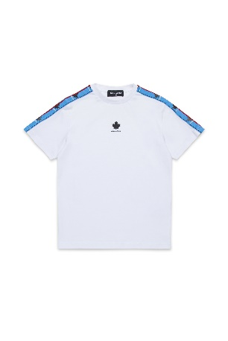 | € 130.00 | € 520.00 | € 33.80 | € 135.20 | £30.18 | £120.71
D2 | SS | UW T-Shirt | U | DQ2950 | D008J | D2UT9U-ICON UW MAGLIETTA | DQ100 | 22 |  |  |  |  | 2 |  | 1 |  | 1 |  | 3 |  | 3 |  | 4 | 14 | € 24.00 | € 336.00 | 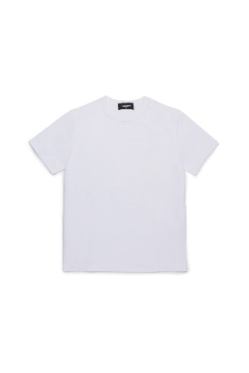 | € 60.00 | € 840.00 | € 15.60 | € 218.40 | £13.93 | £195.00
D2 | SS | Swimwear | F | DQ2958 | D000V | D2M133F-ICON COSTUME | DQ100 | 22 |  |  |  |  |  |  | 3 |  |  |  |  |  |  |  |  | 3 | € 48.00 | € 144.00 |  | € 120.00 | € 360.00 | € 31.20 | € 93.60 | £27.86 | £83.57
D2 | SS | Swimwear | F | DQ2958 | D000V | D2M133F-ICON COSTUME | DQ900 | 22 |  |  | 11 |  | 13 |  | 16 |  | 24 |  | 30 |  | 40 |  | 45 | 179 | € 48.00 | € 8,592.00 | 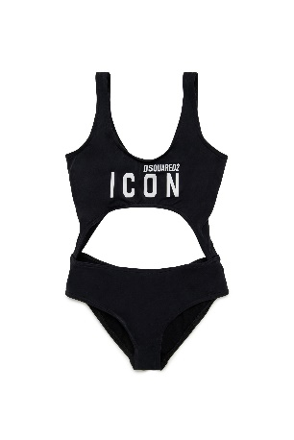 | € 120.00 | € 21,480.00 | € 31.20 | € 5,584.80 | £27.86 | £4,986.43
D2 | SS | Swimwear | M | DQ2959 | D000V | D2M134M-ICON COSTUME | DQ230 | 22 |  |  |  |  |  |  | 4 |  |  |  |  |  |  |  |  | 4 | € 36.00 | € 144.00 |  | € 90.00 | € 360.00 | € 23.40 | € 93.60 | £20.89 | £83.57
DIESEL | SS | Shirts | M | J00760 | KXBNL | CEKO CAMICIA | K02 | 22 |  |  |  |  |  |  | 5 |  |  |  |  |  |  |  |  | 5 | € 48.00 | € 240.00 | 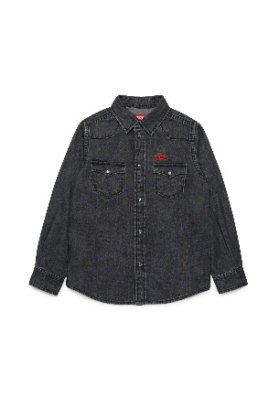 | € 120.00 | € 600.00 | € 31.20 | € 156.00 | £27.86 | £139.29
DIESEL | SS | 5 pockets | M | J00809 | KXBNM | 2020 D-VIKER-J PANTALONI | K01 | 22 |  |  |  |  |  |  | 8 |  |  |  |  |  |  |  |  | 8 | € 68.00 | € 544.00 | 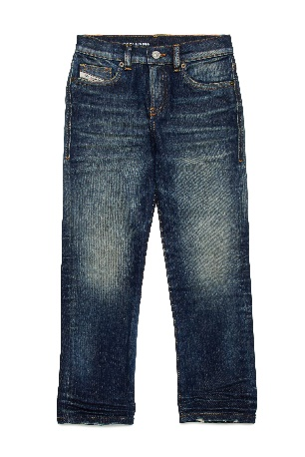 | € 170.00 | € 1,360.00 | € 44.20 | € 353.60 | £39.46 | £315.71
DIESEL | SS | 5 pockets | M | J00809 | KXBNU | 2020 D-VIKER-J PANTALONI | K02 | 22 |  |  |  |  |  |  | 8 |  |  |  |  |  |  |  |  | 8 | € 96.00 | € 768.00 | 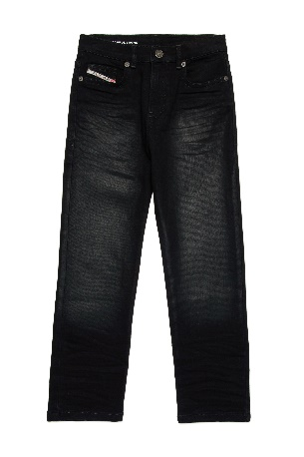 | € 240.00 | € 1,920.00 | € 62.40 | € 499.20 | £55.71 | £445.71
DIESEL | SS | 5 pockets | M | J00810 | KXBNJ | 1995-J PANTALONI | K01 | 22 |  |  |  |  |  |  | 6 |  |  |  |  |  |  |  |  | 6 | € 52.00 | € 312.00 | 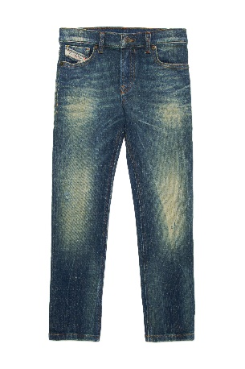 | € 130.00 | € 780.00 | € 33.80 | € 202.80 | £30.18 | £181.07
DIESEL | SS | 5 pockets | F | J00815 | KXBMA | 1969 D-EBBEY-J PANTALONI | K60B | 22 |  |  |  |  |  |  | 6 |  |  |  |  |  |  |  |  | 6 | € 124.00 | € 744.00 | 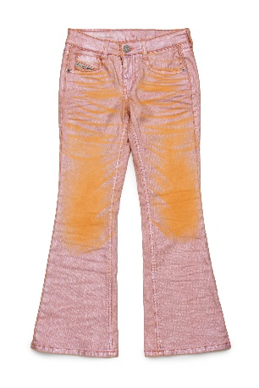 | € 310.00 | € 1,860.00 | € 80.60 | € 483.60 | £71.96 | £431.79
DIESEL | SS | 5 pockets | F | J00815 | KXBMA | 1969 D-EBBEY-J PANTALONI | K80K | 22 |  |  |  |  |  |  | 6 |  |  |  |  |  |  |  |  | 6 | € 124.00 | € 744.00 | 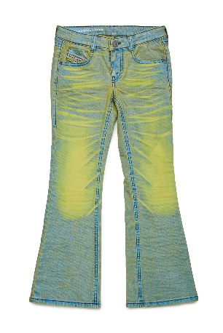 | € 310.00 | € 1,860.00 | € 80.60 | € 483.60 | £71.96 | £431.79
DIESEL | SS | Skirts | F | J00958 | KXBMW | GIANNA GONNA | K641 | 22 |  |  |  |  |  |  | 5 |  |  |  |  |  |  |  |  | 5 | € 108.00 | € 540.00 | 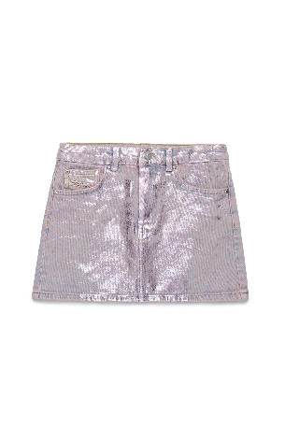 | € 270.00 | € 1,350.00 | € 70.20 | € 351.00 | £62.68 | £313.39
DIESEL | SS | 5 pockets | M | J00981 | KXBNX | D-LUCAS-J PANTALONI | K01 | 22 |  |  |  |  |  |  | 8 |  |  |  |  |  |  |  |  | 8 | € 92.00 | € 736.00 | 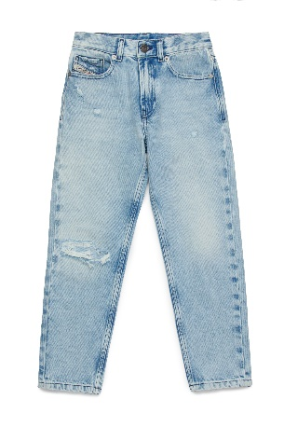 | € 230.00 | € 1,840.00 | € 59.80 | € 478.40 | £53.39 | £427.14
DIESEL | SS | Jackets | F | J01341 | KXBMA | JSLIMMY-J GIACCA | K60B | 22 |  |  |  |  |  |  | 6 |  |  |  |  |  |  |  |  | 6 | € 140.00 | € 840.00 |  | € 350.00 | € 2,100.00 | € 91.00 | € 546.00 | £81.25 | £487.50
DIESEL | SS | Jackets | F | J01341 | KXBMA | JSLIMMY-J GIACCA | K80K | 22 |  |  |  |  |  |  | 6 |  |  |  |  |  |  |  |  | 6 | € 140.00 | € 840.00 | 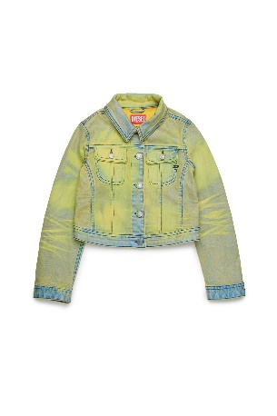 | € 350.00 | € 2,100.00 | € 91.00 | € 546.00 | £81.25 | £487.50
DIESEL | SS | Pants | M | J01443 | KXBJ1 | PBAS PANTALONI | K8AT | 22 |  |  |  |  |  |  | 6 |  |  |  |  |  |  |  |  | 6 | € 56.00 | € 336.00 | 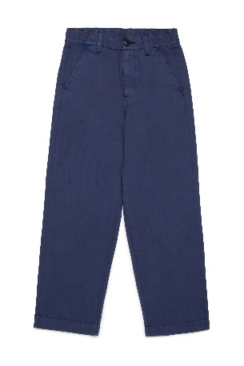 | € 140.00 | € 840.00 | € 36.40 | € 218.40 | £32.50 | £195.00
DIESEL | SS | 5 pockets | F | J01540 | KXBL3 | 2004-J JJJ PANTALONI | K02 | 22 |  |  |  |  |  |  | 6 |  |  |  |  |  |  |  |  | 6 | € 44.00 | € 264.00 | 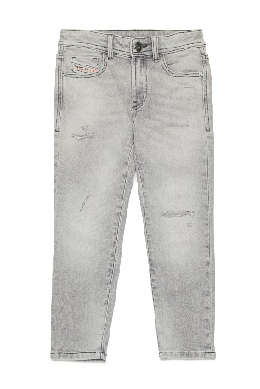 | € 110.00 | € 660.00 | € 28.60 | € 171.60 | £25.54 | £153.21
DIESEL | SS | Shirts | M | J01746 | KXBA8 | CPING CAMICIA | K100 | 22 |  |  |  |  |  |  | 6 |  |  |  |  |  |  |  |  | 6 | € 44.00 | € 264.00 | 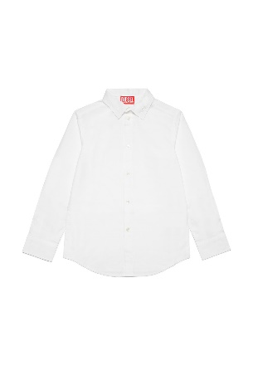 | € 110.00 | € 660.00 | € 28.60 | € 171.60 | £25.54 | £153.21
DIESEL | SS | Dresses | F | J01820 | 0AFAA | DANGIELAM ABITO | K208 | 22 |  |  |  |  |  |  | 6 |  |  |  |  |  |  |  |  | 6 | € 40.00 | € 240.00 | 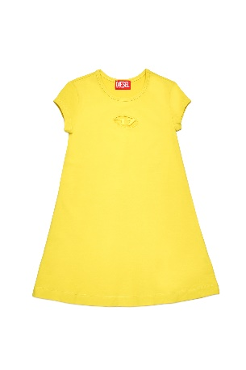 | € 100.00 | € 600.00 | € 26.00 | € 156.00 | £23.21 | £139.29
DIESEL | SS | Skirts | F | J01854 | KXBN1 | GIANNA JJJ GONNA | K01 | 22 |  |  |  |  |  |  | 3 |  |  |  |  |  |  |  |  | 3 | € 40.00 | € 120.00 | 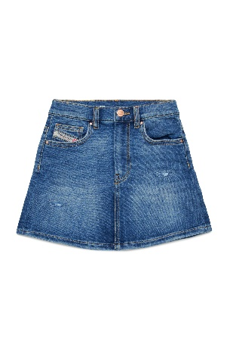 | € 100.00 | € 300.00 | € 26.00 | € 78.00 | £23.21 | £69.64
DIESEL | SS | 5 pockets | M | J01923 | KXBNT | 2001 D-MACRO-J PANTALONI | K02 | 22 |  |  |  |  |  |  | 8 |  |  |  |  |  |  |  |  | 8 | € 72.00 | € 576.00 | 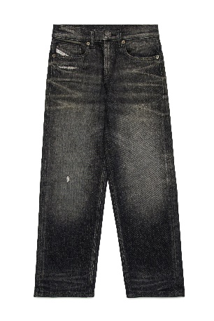 | € 180.00 | € 1,440.00 | € 46.80 | € 374.40 | £41.79 | £334.29
DIESEL | SS | Caps | U | J02126 | KXA77 | FDELS CAPPELLO | K100 | 09 |  | 4 |  |  |  |  |  |  |  |  |  |  |  |  |  | 4 | € 18.00 | € 72.00 | 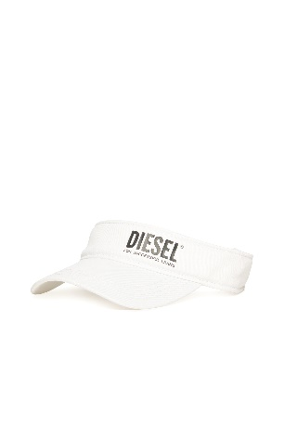 | € 45.00 | € 180.00 | € 11.70 | € 46.80 | £10.45 | £41.79
DIESEL | SS | Shirts | F | J02165 | KXBNL | CINNIX CAMICIA | K02 | 22 |  |  |  |  |  |  | 6 |  |  |  |  |  |  |  |  | 6 | € 48.00 | € 288.00 | 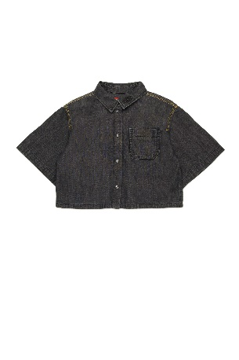 | € 120.00 | € 720.00 | € 31.20 | € 187.20 | £27.86 | £167.14
DIESEL | SS | Jackets | M | J02185 | 0KKAM | JSTART GIACCA | K823 | 22 |  |  |  |  |  |  | 6 |  |  |  |  |  |  |  |  | 6 | € 108.00 | € 648.00 | 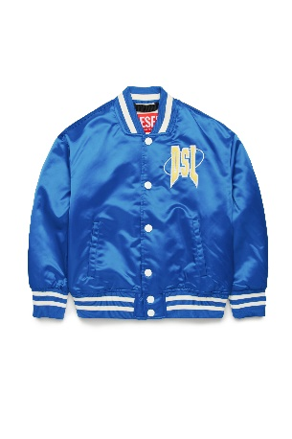 | € 270.00 | € 1,620.00 | € 70.20 | € 421.20 | £62.68 | £376.07
DIESEL | SS | Dresses | F | J02189 | 0AFAA | DKNOTTY ABITO | K100 | 22 |  |  |  |  |  |  | 6 |  |  |  |  |  |  |  |  | 6 | € 44.00 | € 264.00 | 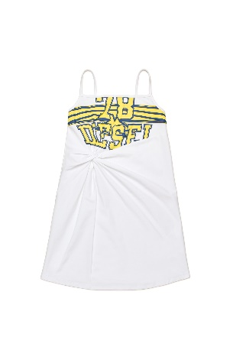 | € 110.00 | € 660.00 | € 28.60 | € 171.60 | £25.54 | £153.21
DIESEL | SS | T-shirts | F | J02191 | 0AFAA | TLISON MAGLIETTA | K100 | 22 |  |  |  |  |  |  | 6 |  |  |  |  |  |  |  |  | 6 | € 32.00 | € 192.00 | 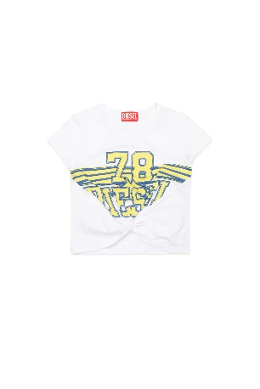 | € 80.00 | € 480.00 | € 20.80 | € 124.80 | £18.57 | £111.43
DIESEL | SS | T-shirts | F | J02191 | 0AFAA | TLISON MAGLIETTA | K208 | 22 |  |  |  |  |  |  | 6 |  |  |  |  |  |  |  |  | 6 | € 32.00 | € 192.00 | 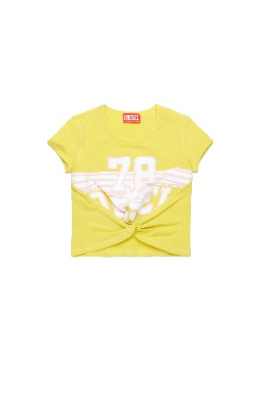 | € 80.00 | € 480.00 | € 20.80 | € 124.80 | £18.57 | £111.43
DIESEL | SS | Jackets | U | J02215 | 0KIAE | JTAPOS GIACCA | K744 | 22 |  |  |  |  |  |  | 6 |  |  |  |  |  |  |  |  | 6 | € 80.00 | € 480.00 |  | € 200.00 | € 1,200.00 | € 52.00 | € 312.00 | £46.43 | £278.57
DIESEL | SS | Jackets | U | J02215 | 0KIAE | JTAPOS GIACCA | K8AT | 22 |  |  |  |  |  |  | 6 |  |  |  |  |  |  |  |  | 6 | € 80.00 | € 480.00 |  | € 200.00 | € 1,200.00 | € 52.00 | € 312.00 | £46.43 | £278.57
DIESEL | SS | Short pants | F | J02216 | 0KIAE | POSDY CALZONCINI | K744 | 22 |  |  |  |  |  |  | 6 |  |  |  |  |  |  |  |  | 6 | € 44.00 | € 264.00 | 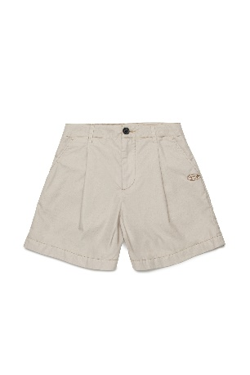 | € 110.00 | € 660.00 | € 28.60 | € 171.60 | £25.54 | £153.21
DIESEL | SS | Knitwear | M | J02225 | KYAY4 | KJANCI OVER MAGLIA | K208 | 22 |  |  |  |  |  |  | 7 |  |  |  |  |  |  |  |  | 7 | € 72.00 | € 504.00 | 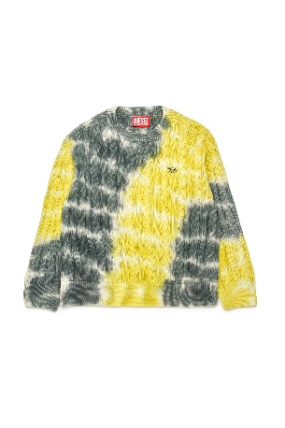 | € 180.00 | € 1,260.00 | € 46.80 | € 327.60 | £41.79 | £292.50
DIESEL | SS | Knitwear | M | J02225 | KYAY4 | KJANCI OVER MAGLIA | K823 | 22 |  |  |  |  |  |  | 6 |  |  |  |  |  |  |  |  | 6 | € 72.00 | € 432.00 | 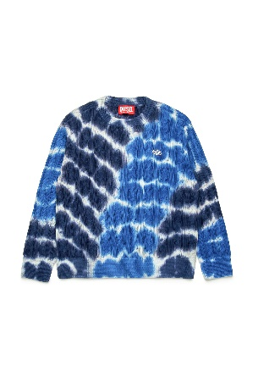 | € 180.00 | € 1,080.00 | € 46.80 | € 280.80 | £41.79 | £250.71
DIESEL | SS | Knitwear | M | J02242 | KYAXQ | KLAR CARDIGAN OVER MAGLIA | K8AT | 22 |  |  |  |  |  |  | 6 |  |  |  |  |  |  |  |  | 6 | € 68.00 | € 408.00 | 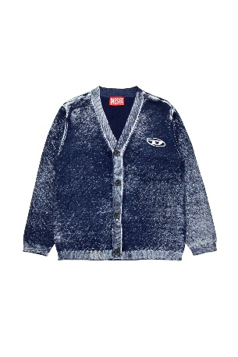 | € 170.00 | € 1,020.00 | € 44.20 | € 265.20 | £39.46 | £236.79
DIESEL | SS | T-shirts | M | J02248 | 0CHBI | SROXTHOOD MAGLIETTA | K823 | 22 |  |  |  |  |  |  | 3 |  |  |  |  |  |  |  |  | 3 | € 64.00 | € 192.00 | 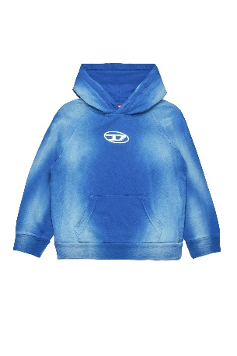 | € 160.00 | € 480.00 | € 41.60 | € 124.80 | £37.14 | £111.43
DIESEL | SS | T-shirts | M | J02249 | KYAY1 | TBOST OVER MAGLIETTA | K744 | 22 |  |  |  |  | 1 |  | 5 |  |  |  |  |  |  |  |  | 6 | € 44.00 | € 264.00 | 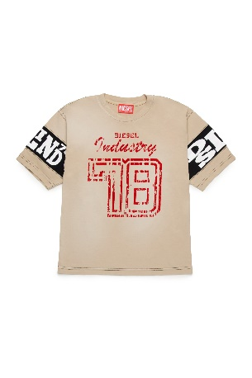 | € 110.00 | € 660.00 | € 28.60 | € 171.60 | £25.54 | £153.21
DIESEL | SS | T-shirts | M | J02253 | 0THAH | TWASHN1 OVER MAGLIETTA | K262 | 22 |  |  |  |  |  |  | 4 |  |  |  |  |  |  |  |  | 4 | € 36.00 | € 144.00 | 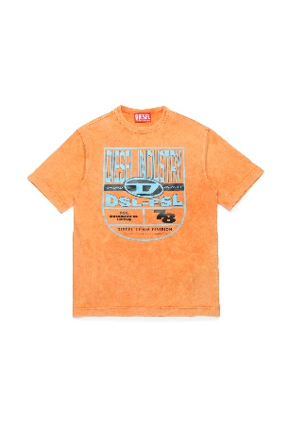 | € 90.00 | € 360.00 | € 23.40 | € 93.60 | £20.89 | £83.57
DIESEL | SS | Dresses | F | J02254 | 0KLAH | DMALORY ABITO | K310 | 22 |  |  |  |  |  |  | 6 |  |  |  |  |  |  |  |  | 6 | € 56.00 | € 336.00 | 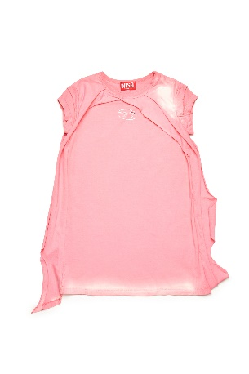 | € 140.00 | € 840.00 | € 36.40 | € 218.40 | £32.50 | £195.00
DIESEL | SS | Sweaters | F | J02255 | 0KLAH | SFMAITE FELPA | K310 | 22 |  |  |  |  |  |  | 6 |  |  |  |  |  |  |  |  | 6 | € 72.00 | € 432.00 | 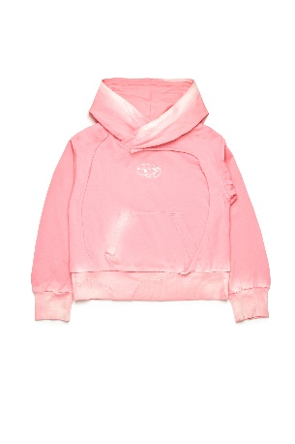 | € 180.00 | € 1,080.00 | € 46.80 | € 280.80 | £41.79 | £250.71
DIESEL | SS | T-shirts | F | J02257 | KYAY1 | TUNCUSL MAGLIETTA | K744 | 22 |  |  |  |  |  |  | 5 |  |  |  |  |  |  |  |  | 5 | € 40.00 | € 200.00 | 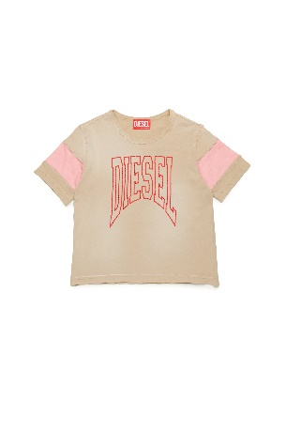 | € 100.00 | € 500.00 | € 26.00 | € 130.00 | £23.21 | £116.07
DIESEL | SS | Sweaters | U | J02261 | 0DPAQ | SFALEXAN OVER FELPA | K61 | 22 |  |  |  |  |  |  | 8 |  |  |  |  |  |  |  |  | 8 | € 100.00 | € 800.00 | 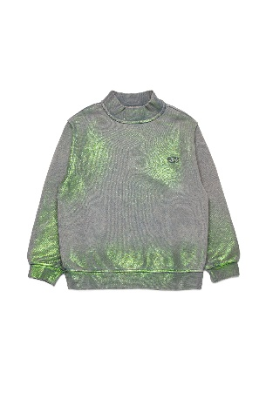 | € 250.00 | € 2,000.00 | € 65.00 | € 520.00 | £58.04 | £464.29
DIESEL | SS | Sweaters | U | J02261 | 0DPAQ | SFALEXAN OVER FELPA | K929 | 22 |  |  |  |  |  |  | 7 |  |  |  |  |  |  |  |  | 7 | € 100.00 | € 700.00 | 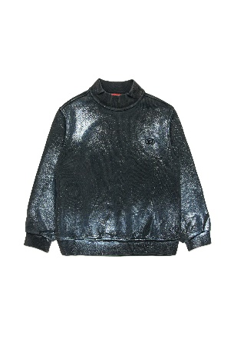 | € 250.00 | € 1,750.00 | € 65.00 | € 455.00 | £58.04 | £406.25
DIESEL | SS | T-shirts | M | J02264 | KYAY5 | TBUXTYS MAGLIETTA | K900 | 22 |  |  |  |  |  |  | 8 |  |  |  |  |  |  |  |  | 8 | € 40.00 | € 320.00 |  | € 100.00 | € 800.00 | € 26.00 | € 208.00 | £23.21 | £185.71
DIESEL | SS | T-shirts | U | J02265 | KYAY8 | TBUXT OVER MAGLIETTA | K61 | 22 |  |  |  |  |  |  | 8 |  |  |  |  |  |  |  |  | 8 | € 60.00 | € 480.00 |  | € 150.00 | € 1,200.00 | € 39.00 | € 312.00 | £34.82 | £278.57
DIESEL | SS | Dresses | F | J02267 | 0EPAG | DHOPYN2 ABITO | K17 | 22 |  |  |  |  |  |  | 7 |  |  |  |  |  |  |  |  | 7 | € 64.00 | € 448.00 |  | € 160.00 | € 1,120.00 | € 41.60 | € 291.20 | £37.14 | £260.00
DIESEL | SS | Knitwear | U | J02278 | 0GEAX | KTRIAS OVER MAGLIA | K310 | 22 |  |  |  |  |  |  | 8 |  |  |  |  |  |  |  |  | 8 | € 120.00 | € 960.00 |  | € 300.00 | € 2,400.00 | € 78.00 | € 624.00 | £69.64 | £557.14
DIESEL | SS | Knitwear | U | J02278 | 0GEAX | KTRIAS OVER MAGLIA | K823 | 22 |  |  |  |  |  |  | 8 |  |  |  |  |  |  |  |  | 8 | € 120.00 | € 960.00 |  | € 300.00 | € 2,400.00 | € 78.00 | € 624.00 | £69.64 | £557.14
DIESEL | SS | T-shirts | F | J02287 | 0AFAA | MTRIAX MAGLIETTA | K262 | 22 |  |  |  |  |  |  | 6 |  |  |  |  |  |  |  |  | 6 | € 22.00 | € 132.00 |  | € 55.00 | € 330.00 | € 14.30 | € 85.80 | £12.77 | £76.61
DIESEL | SS | Shirts | M | J02288 | KXBPQ | MCBMOWTADRIAN CAMICIA | K90 | 22 |  |  |  |  |  |  | 4 |  |  |  |  |  |  |  |  | 4 | € 52.00 | € 208.00 |  | € 130.00 | € 520.00 | € 33.80 | € 135.20 | £30.18 | £120.71
DIESEL | SS | Swimwear | M | J02289 | KXBPD | MKEN37S COSTUME | K90 | 22 |  |  |  |  |  |  | 4 |  |  |  |  |  |  |  |  | 4 | € 28.00 | € 112.00 |  | € 70.00 | € 280.00 | € 18.20 | € 72.80 | £16.25 | £65.00
DIESEL | SS | Swimwear | M | J02291 | KXBPB | MIPRES COSTUME | K457 | 22 |  |  |  |  |  |  | 4 |  |  |  |  |  |  |  |  | 4 | € 28.00 | € 112.00 |  | € 70.00 | € 280.00 | € 18.20 | € 72.80 | £16.25 | £65.00
DIESEL | SS | Swimwear | F | J02301 | KYAZI | MITRULLI COSTUME | K80AC | 22 |  |  |  |  |  |  | 3 |  |  |  |  |  |  |  |  | 3 | € 36.00 | € 108.00 |  | € 90.00 | € 270.00 | € 23.40 | € 70.20 | £20.89 | £62.68
DIESEL | SS | Swimwear | F | J02302 | KYAZJ | MIARIS COSTUME | K90 | 22 |  |  |  |  |  |  | 5 |  |  |  |  |  |  |  |  | 5 | € 40.00 | € 200.00 |  | € 100.00 | € 500.00 | € 26.00 | € 130.00 | £23.21 | £116.07
DIESEL | SS | Sw Cover-ups | F | J02303 | KYAG8 | MCUSMIN COPRI COSTUME | K256 | 22 |  |  |  |  |  |  | 5 |  |  |  |  |  |  |  |  | 5 | € 22.00 | € 110.00 |  | € 55.00 | € 275.00 | € 14.30 | € 71.50 | £12.77 | £63.84
DIESEL | SS | Sw Cover-ups | F | J02304 | 0AFAA | MCUTRIX COPRI COSTUME | K812 | 22 |  |  |  |  |  |  | 6 |  |  |  |  |  |  |  |  | 6 | € 26.00 | € 156.00 |  | € 65.00 | € 390.00 | € 16.90 | € 101.40 | £15.09 | £90.54
DIESEL | SS | Short pants | F | J02308 | KXBMA | PBOYSHORT-S CALZONCINI | K60B | 22 |  |  |  |  |  |  | 6 |  |  |  |  |  |  |  |  | 6 | € 84.00 | € 504.00 |  | € 210.00 | € 1,260.00 | € 54.60 | € 327.60 | £48.75 | £292.50
DIESEL | SS | Short pants | F | J02308 | KXBMA | PBOYSHORT-S CALZONCINI | K80K | 22 |  |  |  |  |  |  | 6 |  |  |  |  |  |  |  |  | 6 | € 84.00 | € 504.00 |  | € 210.00 | € 1,260.00 | € 54.60 | € 327.60 | £48.75 | £292.50
DIESEL | SS | 5 pockets | M | J02310 | KXBN5 | PLAB JJJ PANTALONI | K01 | 22 |  |  |  |  |  |  | 5 |  |  |  |  |  |  |  |  | 5 | € 60.00 | € 300.00 |  | € 150.00 | € 750.00 | € 39.00 | € 195.00 | £34.82 | £174.11
DIESEL | SS | 5 pockets | F | J02311 | KXBPH | D-ARGJX-CARGO-J JJJ PANTALONI | K582 | 22 |  |  |  |  |  |  | 8 |  |  |  |  |  |  |  |  | 8 | € 76.00 | € 608.00 |  | € 190.00 | € 1,520.00 | € 49.40 | € 395.20 | £44.11 | £352.86
DIESEL | SS | 5 pockets | F | J02311 | KXBPH | D-ARGJX-CARGO-J JJJ PANTALONI | K744 | 22 |  |  |  |  |  |  | 8 |  |  |  |  |  |  |  |  | 8 | € 76.00 | € 608.00 |  | € 190.00 | € 1,520.00 | € 49.40 | € 395.20 | £44.11 | £352.86
DIESEL | SS | Pants | M | J02315 | KYAQK | PLEKOX PANTALONI | K8AT | 22 |  |  |  |  |  |  | 6 |  |  |  |  |  |  |  |  | 6 | € 44.00 | € 264.00 |  | € 110.00 | € 660.00 | € 28.60 | € 171.60 | £25.54 | £153.21
DIESEL | SS | 5 pockets | F | J02318 | KXBNZ | D-KRAILEY-NE-J JJJ PANTALONI | K01 | 22 |  |  |  |  |  |  | 6 |  |  |  |  |  |  |  |  | 6 | € 56.00 | € 336.00 |  | € 140.00 | € 840.00 | € 36.40 | € 218.40 | £32.50 | £195.00
DIESEL | SS | 5 pockets | M | 00J3AJ | KXBPG | KROOLEY-NE-J JJJ PANTALONI | K100 | 22 |  |  |  |  |  |  | 5 |  |  |  | 1 |  |  |  |  | 6 | € 80.00 | € 480.00 |  | € 200.00 | € 1,200.00 | € 52.00 | € 312.00 | £46.43 | £278.57
D2 | FW | Caps | U | DQ04IB | D00I8 | D2F118U-ICON CAPPELLO | DQ100 | 09 |  | 9 | 8 |  |  |  |  |  |  |  |  |  |  |  |  | 17 | € 32.00 | € 544.00 |  | € 80.00 | € 1,360.00 | € 20.80 | € 353.60 | £18.57 | £315.71
D2 | FW | Caps | U | DQ04IB | D00I8 | D2F118U-ICON CAPPELLO | DQ230 | 09 |  | 3 |  |  |  |  |  |  |  |  |  |  |  |  |  | 3 | € 32.00 | € 96.00 |  | € 80.00 | € 240.00 | € 20.80 | € 62.40 | £18.57 | £55.71
D2 | FW | Caps | U | DQ04IB | D00I8 | D2F118U-ICON CAPPELLO | DQ353 | 09 | 5 | 15 | 20 |  |  |  |  |  |  |  |  |  |  |  |  | 40 | € 44.00 | € 1,760.00 |  | € 110.00 | € 4,400.00 | € 28.60 | € 1,144.00 | £25.54 | £1,021.43
D2 | FW | Caps | U | DQ04IB | D00I8 | D2F118U-ICON CAPPELLO | DQ900 | 09 | 77 | 160 | 328 |  |  |  |  |  |  |  |  |  |  |  |  | 565 | € 32.00 | € 18,080.00 |  | € 80.00 | € 45,200.00 | € 20.80 | € 11,752.00 | £18.57 | £10,492.86
D2 | SS | Socks | U | DQ1035 | D00WI | D2Z34U-ICON CALZINO | DQ230 | 09 |  | 4 |  |  |  |  |  |  |  |  |  |  |  |  |  | 4 | € 16.00 | € 64.00 |  | € 40.00 | € 160.00 | € 10.40 | € 41.60 | £9.29 | £37.14
D2 | SS | Socks | U | DQ1035 | D00WI | D2Z34U-ICON CALZINO | DQ772 | 09 |  | 4 |  |  |  |  |  |  |  |  |  |  |  |  |  | 4 | € 16.00 | € 64.00 |  | € 40.00 | € 160.00 | € 10.40 | € 41.60 | £9.29 | £37.14
D2 | SS | Socks | U | DQ1035 | D00WI | D2Z34U-ICON CALZINO | DQ900 | 09 |  | 3 | 1 |  |  |  |  |  |  |  |  |  |  |  |  | 4 | € 16.00 | € 64.00 |  | € 40.00 | € 160.00 | € 10.40 | € 41.60 | £9.29 | £37.14
D2 | SS | Socks | U | DQ1035 | D00WI | D2Z34U-ICON CALZINO | DQC29 | 09 | 1 | 3 | 2 |  |  |  |  |  |  |  |  |  |  |  |  | 6 | € 16.00 | € 96.00 |  | € 40.00 | € 240.00 | € 10.40 | € 62.40 | £9.29 | £55.71
D2 | SS | 5 pockets | U | DQ2252 | D0ABZ | D2P703U 642 JEAN PANTALONI | DQ01 | 22 |  |  |  |  |  |  | 3 |  |  |  |  |  |  |  |  | 3 | € 340.00 | € 1,020.00 |  | € 850.00 | € 2,550.00 | € 221.00 | € 663.00 | £197.32 | £591.96
D2 | SS | Socks | U | DQ2358 | D0A7D | D2Z63U CALZINO | DQ100 | 09 | 4 | 4 |  |  |  |  |  |  |  |  |  |  |  |  |  | 8 | € 20.00 | € 160.00 |  | € 50.00 | € 400.00 | € 13.00 | € 104.00 | £11.61 | £92.86
D2 | SS | Socks | U | DQ2358 | D0A7D | D2Z63U CALZINO | DQ322 | 09 | 1 | 2 | 1 | 4 |  |  |  |  |  |  |  |  |  |  |  | 8 | € 20.00 | € 160.00 |  | € 50.00 | € 400.00 | € 13.00 | € 104.00 | £11.61 | £92.86
D2 | SS | Socks | U | DQ2358 | D0A7D | D2Z63U CALZINO | DQ524 | 09 | 1 | 2 | 1 | 6 |  |  |  |  |  |  |  |  |  |  |  | 10 | € 20.00 | € 200.00 |  | € 50.00 | € 500.00 | € 13.00 | € 130.00 | £11.61 | £116.07
D2 | FW | Vests | U | DQ2448 | D00BN | D2J461U GILE' | DQ769 | 22 |  |  |  |  | 1 |  | 2 |  |  |  |  |  |  |  |  | 3 | € 140.00 | € 420.00 |  | € 350.00 | € 1,050.00 | € 91.00 | € 273.00 | £81.25 | £243.75
D2 | FW | Sweaters | U | DQ2461 | D0A9Q | D2S828U FELPA | DQ558 | 22 |  |  | 4 |  |  |  | 3 |  |  |  |  |  |  |  |  | 7 | € 112.00 | € 784.00 |  | € 280.00 | € 1,960.00 | € 72.80 | € 509.60 | £65.00 | £455.00
D2 | FW | Und Short | M | DQ2479 | D008J | D2UM10M BI-PACK BOXER | DQC55 | 22 |  |  |  |  | 1 |  | 5 |  |  |  |  |  |  |  | 1 | 7 | € 28.00 | € 196.00 |  | € 70.00 | € 490.00 | € 18.20 | € 127.40 | £16.25 | £113.75
D2 | SS | Jackets | U | DQ2712 | D0ACA | D2J504U GIACCA | DQ104 | 22 |  |  |  |  |  |  | 1 |  | 5 |  | 5 |  | 4 |  | 2 | 17 | € 156.00 | € 2,652.00 |  | € 390.00 | € 6,630.00 | € 101.40 | € 1,723.80 | £90.54 | £1,539.11
D2 | SS | Jackets | U | DQ2712 | D0ACA | D2J504U GIACCA | DQ539 | 22 |  |  |  |  |  |  | 3 |  |  |  |  |  |  |  |  | 3 | € 156.00 | € 468.00 |  | € 390.00 | € 1,170.00 | € 101.40 | € 304.20 | £90.54 | £271.61
D2 | SS | Jackets | U | DQ2712 | D0ACA | D2J504U GIACCA | DQ900 | 22 |  |  |  |  |  |  | 4 |  |  |  |  |  |  |  |  | 4 | € 156.00 | € 624.00 |  | € 390.00 | € 1,560.00 | € 101.40 | € 405.60 | £90.54 | £362.14
D2 | SS | Pants | M | DQ2721 | D0AC6 | D2P793M PANTALONI | DQ513 | 22 |  |  |  |  |  |  | 1 |  | 2 |  | 4 |  | 2 |  | 1 | 10 | € 84.00 | € 840.00 |  | € 210.00 | € 2,100.00 | € 54.60 | € 546.00 | £48.75 | £487.50
D2 | SS | Sweaters | U | DQ2735 | D0AC6 | D2S890U FELPA | DQ513 | 22 |  |  | 3 |  |  |  | 5 |  | 9 |  | 7 |  | 6 |  | 9 | 39 | € 92.00 | € 3,588.00 |  | € 230.00 | € 8,970.00 | € 59.80 | € 2,332.20 | £53.39 | £2,082.32
D2 | SS | Sweaters | U | DQ2735 | D0AC6 | D2S890U FELPA | DQ717 | 22 |  |  |  |  | 3 |  | 5 |  | 5 |  | 4 |  | 5 |  | 7 | 29 | € 92.00 | € 2,668.00 |  | € 230.00 | € 6,670.00 | € 59.80 | € 1,734.20 | £53.39 | £1,548.39
D2 | SS | Sweaters | U | DQ2739 | D0094 | D2S888U SLOUCH FIT FELPA | DQ321 | 22 |  |  |  |  |  |  | 1 |  | 1 |  | 1 |  | 3 |  | 2 | 8 | € 56.00 | € 448.00 |  | € 140.00 | € 1,120.00 | € 36.40 | € 291.20 | £32.50 | £260.00
D2 | SS | Sweaters | U | DQ2739 | D0094 | D2S888U SLOUCH FIT FELPA | DQ717 | 22 |  |  |  |  | 1 |  | 1 |  | 3 |  | 3 |  | 3 |  | 5 | 16 | € 56.00 | € 896.00 |  | € 140.00 | € 2,240.00 | € 36.40 | € 582.40 | £32.50 | £520.00
...

