OFFER
REF
NAME*
COMPANY NAME
DATE*
SALES REP*
EMAIL*
PHONE #*
PAYMENT CURRENCY (€/£)*
BILLING ADDRESS*
ORDER NUMBER
PRE/IN HAND
DELIVERY TYPE

IMAGE | Articolo | Descrizione | Totale | 35/36 | 37/38 | 39/40 | 35 | 35.5 | 36 | 36.5 | 37 | 37.5 | 38 | 38.5 | 39 | 39.5 | 40 | 40.5 | 41 | 41.5 | 42 | 42.5 | 43 | 43.5 | 44 | 44.5 | 45 | 45.5 | 46 | 47 | WHLS PRICE | WHLS PRICE TOT | COST € | COST TOT € | COST £ | COST TOT £
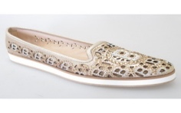 | 098522XNAPP909090BDC | SCA.D.NAPPA BIANCO | 4 |  |  |  |  |  |  |  | 1 |  | 1 | 1 |  |  | 1 |  |  |  |  |  |  |  |  |  |  |  |  |  | € 179.00 | € 716.00 | € 58.18 | € 232.70 | £51.94 | £207.77
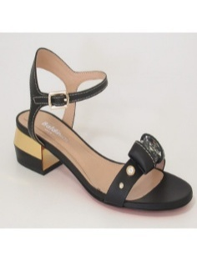 | 165202P31L2BUGO9002 | SANDALO D L.BAL BULGARO LATTE | 1 |  |  |  |  |  |  |  | 1 |  |  |  |  |  |  |  |  |  |  |  |  |  |  |  |  |  |  |  | € 180.00 | € 180.00 | € 58.50 | € 58.50 | £52.23 | £52.23
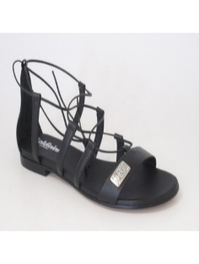 | 199044XSIEN868686RXX | SANDALO DONNA SIENA PLATINO | 2 |  |  |  |  |  | 1 |  | 1 |  |  |  |  |  |  |  |  |  |  |  |  |  |  |  |  |  |  |  | € 150.00 | € 300.00 | € 48.75 | € 97.50 | £43.53 | £87.05
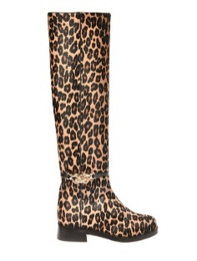 | D2B453CONG3020 | LONG BOOT FLAT WOMAN PONY CONGO MARRONE | 3 |  |  |  |  |  |  |  | 1 |  |  |  |  |  | 1 |  | 1 |  |  |  |  |  |  |  |  |  |  |  | € 351.00 | € 1,053.00 | € 114.08 | € 342.23 | £101.85 | £305.56
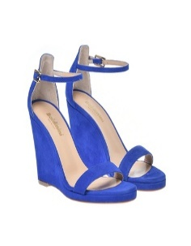 | D2E055KIDA1675 | SANDAL HIGH WOMAN CAMOSCIO LOBELIA | 1 |  |  |  |  |  |  |  | 1 |  |  |  |  |  |  |  |  |  |  |  |  |  |  |  |  |  |  |  | € 173.00 | € 173.00 | € 56.23 | € 56.23 | £50.20 | £50.20
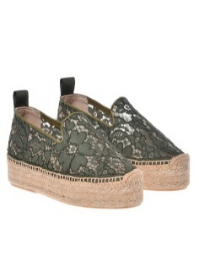 | D2E149PZNATDTD | ESPADRILLAS WOMAN PIZZO+NAPPA TAMARIND-TAMARIND | 1 |  |  |  |  |  |  |  |  |  |  |  |  |  | 1 |  |  |  |  |  |  |  |  |  |  |  |  |  | € 92.00 | € 92.00 | € 29.90 | € 29.90 | £26.70 | £26.70
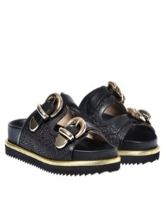 | D2E202NARFTDBI | BIRKENSTOCK WOMAN NAPPA+RAFFIA TAMARIND-BIANCO | 1 |  |  |  |  |  |  | 1 |  |  |  |  |  |  |  |  |  |  |  |  |  |  |  |  |  |  |  |  | € 195.00 | € 195.00 | € 63.38 | € 63.38 | £56.58 | £56.58
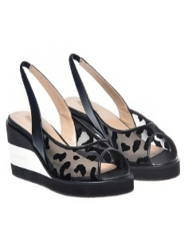 | D2E500VIJABOPN | SANDAL HIGH WOMAN VITELLO+JAGUAR BIANCO-PANNA | 2 |  |  |  |  |  |  |  |  |  |  |  |  | 1 | 1 |  |  |  |  |  |  |  |  |  |  |  |  |  | € 135.00 | € 270.00 | € 43.88 | € 87.75 | £39.17 | £78.35
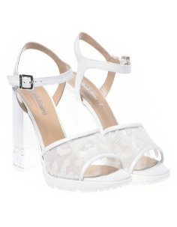 | D2E501VIJABOPN | SANDAL HIGH WOMAN VITELLO+JAGUAR BIANCO-PANNA | 2 |  |  |  |  |  |  |  |  |  | 1 |  |  |  | 1 |  |  |  |  |  |  |  |  |  |  |  |  |  | € 162.00 | € 324.00 | € 52.65 | € 105.30 | £47.01 | £94.02
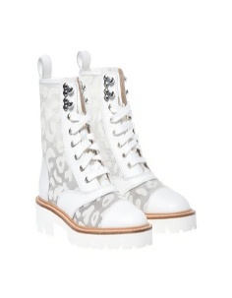 | D2E505VIJABOPN | BOOTIE FLAT WOMAN VITELLO+JAGUAR BIANCO-PANNA | 7 |  |  |  |  |  | 1 | 2 |  |  | 1 |  |  | 1 | 1 |  | 1 |  |  |  |  |  |  |  |  |  |  |  | € 211.00 | € 1,477.00 | € 68.58 | € 480.03 | £61.23 | £428.59
 | D2E505VIJANENE | BOOTIE FLAT WOMAN VITELLO+JAGUAR NERO - NERO | 1 |  |  |  |  |  |  |  |  |  |  |  |  |  | 1 |  |  |  |  |  |  |  |  |  |  |  |  |  | € 211.00 | € 211.00 | € 68.58 | € 68.58 | £61.23 | £61.23
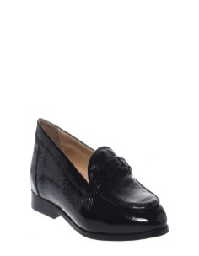 | D3A206P1CAMO7038 | LOAFER SUEDE FUCHSIA | 4 |  |  |  |  |  | 1 |  | 2 |  | 1 |  |  |  |  |  |  |  |  |  |  |  |  |  |  |  |  |  | € 159.00 | € 636.00 | € 51.68 | € 206.70 | £46.14 | £184.55
 | D3A206P1CAMO7890 | LOAFER SUEDE NUDE | 1 |  |  |  |  |  |  |  |  |  |  |  |  |  | 1 |  |  |  |  |  |  |  |  |  |  |  |  |  | € 159.00 | € 159.00 | € 51.68 | € 51.68 | £46.14 | £46.14
 | D3A206P1VITEBIBI | LOAFER CALFSKIN WHITE | 4 |  |  |  |  |  | 1 |  | 1 | 1 | 1 |  |  |  |  |  |  |  |  |  |  |  |  |  |  |  |  |  | € 159.00 | € 636.00 | € 51.68 | € 206.70 | £46.14 | £184.55
 | D3A206P1VITENENE | LOAFER CALFSKIN BLACK | 10 |  |  |  |  |  | 2 |  | 2 |  | 2 | 1 | 1 |  | 1 |  | 1 |  |  |  |  |  |  |  |  |  |  |  | € 159.00 | € 1,590.00 | € 51.68 | € 516.75 | £46.14 | £461.38
 | D3E002P6NAPI7322 | SABOT OPEN TOE WOMAN NAPPA TANGERINE | 1 |  |  |  |  |  |  |  |  |  |  |  | 1 |  |  |  |  |  |  |  |  |  |  |  |  |  |  |  | € 185.00 | € 185.00 | € 60.13 | € 60.13 | £53.68 | £53.68
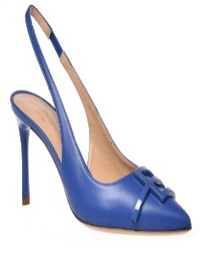 | D3E005P7KIDA7686 | PUMP HIGH WOMAN CAMOSCIO ORCHID | 1 |  |  |  |  |  |  |  |  |  | 1 |  |  |  |  |  |  |  |  |  |  |  |  |  |  |  |  |  | € 185.00 | € 185.00 | € 60.13 | € 60.13 | £53.68 | £53.68
 | D3E022P7VITE0000 | PUMP CALFSKIN BLACK | 5 |  |  |  |  |  | 1 |  | 1 |  |  |  |  |  | 1 |  | 2 |  |  |  |  |  |  |  |  |  |  |  | € 170.00 | € 850.00 | € 55.25 | € 276.25 | £49.33 | £246.65
 | D3E071P8LAMI8810 | WEDGE PUMP WOMAN NAPPA LAMINATA PLATINUM | 1 |  |  |  |  |  |  |  |  |  |  |  | 1 |  |  |  |  |  |  |  |  |  |  |  |  |  |  |  | € 190.00 | € 190.00 | € 61.75 | € 61.75 | £55.13 | £55.13
 | D3E090P1KIDA0000 | SABOT OPEN TOE WOMAN CAMOSCIO BLACK | 1 |  |  |  |  |  |  |  | 1 |  |  |  |  |  |  |  |  |  |  |  |  |  |  |  |  |  |  |  | € 159.00 | € 159.00 | € 51.68 | € 51.68 | £46.14 | £46.14
 | D3E092P5NAPL0600 | SANDAL LAMINATED NAPPA LEATHER SILVER | 1 |  |  |  |  |  |  |  |  |  |  |  |  |  | 1 |  |  |  |  |  |  |  |  |  |  |  |  |  | € 199.00 | € 199.00 | € 64.68 | € 64.68 | £57.75 | £57.75
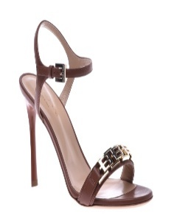 | D3E106P9KIDA7686 | SANDAL HIGH WOMAN CAMOSCIO ORCHID | 1 |  |  |  |  |  |  |  |  |  |  | 1 |  |  |  |  |  |  |  |  |  |  |  |  |  |  |  |  | € 170.00 | € 170.00 | € 55.25 | € 55.25 | £49.33 | £49.33
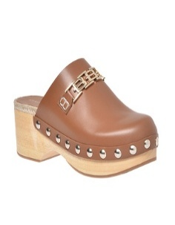 | D3E110P5GOLD0000 | ARAB WEDGE SABOT WOMAN VITELLO NERO | 1 |  |  |  |  |  | 1 |  |  |  |  |  |  |  |  |  |  |  |  |  |  |  |  |  |  |  |  |  | € 119.00 | € 119.00 | € 38.68 | € 38.68 | £34.53 | £34.53
 | D3E110P5GOLD4092 | ARAB WEDGE SABOT WOMAN VITELLO TOAST | 3 |  |  |  |  |  | 2 |  |  |  |  |  |  |  | 1 |  |  |  |  |  |  |  |  |  |  |  |  |  | € 119.00 | € 357.00 | € 38.68 | € 116.03 | £34.53 | £103.59
 | D3E110P5GOLD5036 | ARAB WEDGE SABOT WOMAN VITELLO WASABI | 1 |  |  |  |  |  |  |  |  |  |  |  | 1 |  |  |  |  |  |  |  |  |  |  |  |  |  |  |  | € 119.00 | € 119.00 | € 38.68 | € 38.68 | £34.53 | £34.53
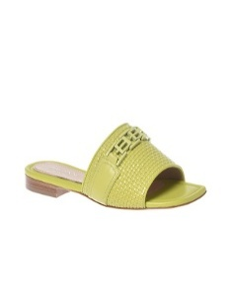 | D3E140P1BKVIBIBI | SABOT OPEN TOE WOMAN INTR.BASKET+VIT BIANCO-BIANCO | 2 |  |  |  |  |  | 1 | 1 |  |  |  |  |  |  |  |  |  |  |  |  |  |  |  |  |  |  |  |  | € 219.00 | € 438.00 | € 71.18 | € 142.35 | £63.55 | £127.10
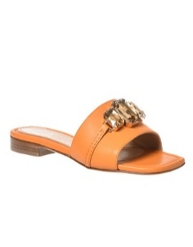 | D3E160P1NAPI9002 | SABOT OPEN TOE WOMAN NAPPA OFF WHITE | 2 |  |  |  |  |  | 2 |  |  |  |  |  |  |  |  |  |  |  |  |  |  |  |  |  |  |  |  |  | € 150.00 | € 300.00 | € 48.75 | € 97.50 | £43.53 | £87.05
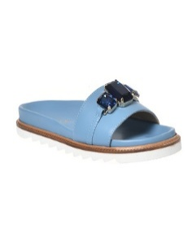 | D3E161P1NAPI7862 | BIRKENSTOCK WOMAN NAPPA PRIMROSE | 1 |  |  |  |  |  |  |  |  |  | 1 |  |  |  |  |  |  |  |  |  |  |  |  |  |  |  |  |  | € 130.00 | € 130.00 | € 42.25 | € 42.25 | £37.72 | £37.72
 | D3E165P3NAPI7890 | BALLERINA WOMAN NAPPA NUDE | 1 |  |  |  |  |  | 1 |  |  |  |  |  |  |  |  |  |  |  |  |  |  |  |  |  |  |  |  |  | € 190.00 | € 190.00 | € 61.75 | € 61.75 | £55.13 | £55.13
 | D3E165P3NAPI9002 | BALLERINA WOMAN NAPPA OFF WHITE | 1 |  |  |  |  |  | 1 |  |  |  |  |  |  |  |  |  |  |  |  |  |  |  |  |  |  |  |  |  | € 159.00 | € 159.00 | € 51.68 | € 51.68 | £46.14 | £46.14
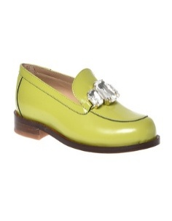 | D3E170P1SPAZ5036 | MOCASSIN WOMAN SPAZZOLATO WASABI | 2 |  |  |  | 1 |  | 1 |  |  |  |  |  |  |  |  |  |  |  |  |  |  |  |  |  |  |  |  |  | € 179.00 | € 358.00 | € 58.18 | € 116.35 | £51.94 | £103.88
 | D3E170P1SPAZ9000 | MOCASSIN WOMAN SPAZZOLATO BIANCO | 1 |  |  |  |  |  |  |  | 1 |  |  |  |  |  |  |  |  |  |  |  |  |  |  |  |  |  |  |  | € 179.00 | € 179.00 | € 58.18 | € 58.18 | £51.94 | £51.94
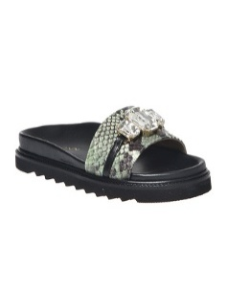 | D3E181P1PYPAVENE | BIRKENSTOCK WOMAN ST.PYTHON+NAPPA VERDE-NERO | 1 |  |  |  |  |  | 1 |  |  |  |  |  |  |  |  |  |  |  |  |  |  |  |  |  |  |  |  |  | € 150.00 | € 150.00 | € 48.75 | € 48.75 | £43.53 | £43.53
 | D3E191P5KIDA7686 | SANDAL MID WOMAN CAMOSCIO ORCHID | 3 |  |  |  |  |  |  |  |  |  |  | 1 |  |  | 2 |  |  |  |  |  |  |  |  |  |  |  |  |  | € 190.00 | € 570.00 | € 61.75 | € 185.25 | £55.13 | £165.40
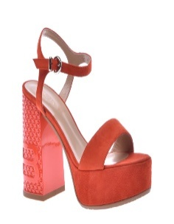 | D3E192P0CAMO7308 | SANDAL SUEDE ORANGE | 5 |  |  |  |  |  | 1 |  |  |  | 1 | 1 |  | 1 | 1 |  |  |  |  |  |  |  |  |  |  |  |  |  | € 199.00 | € 995.00 | € 64.68 | € 323.38 | £57.75 | £288.73
 | D3E192P0KIDA0000 | SANDAL CAMOSCIO BLACK | 2 |  |  |  |  |  |  |  | 1 |  |  |  |  |  | 1 |  |  |  |  |  |  |  |  |  |  |  |  |  | € 199.00 | € 398.00 | € 64.68 | € 129.35 | £57.75 | £115.49
 | D3E192P0KIDA7686 | SANDAL HIGH WOMAN CAMOSCIO ORCHID | 1 |  |  |  |  |  |  |  |  |  |  |  |  |  |  |  | 1 |  |  |  |  |  |  |  |  |  |  |  | € 199.00 | € 199.00 | € 64.68 | € 64.68 | £57.75 | £57.75
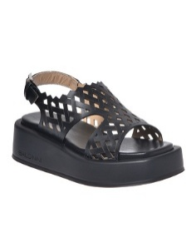 | D3E201P1GOLD0000 | SANDAL FLAT WOMAN VITELLO NERO | 3 |  |  |  |  |  | 1 |  |  |  |  |  |  | 1 |  |  | 1 |  |  |  |  |  |  |  |  |  |  |  | € 199.00 | € 597.00 | € 64.68 | € 194.02 | £57.75 | £173.24
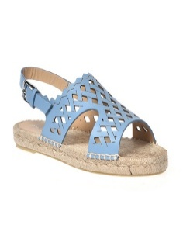 | D3E210P1GOLD0000 | ESPRADILLAS WOMAN VITELLO NERO | 3 |  |  |  |  |  | 2 |  |  |  | 1 |  |  |  |  |  |  |  |  |  |  |  |  |  |  |  |  |  | € 119.00 | € 357.00 | € 38.68 | € 116.03 | £34.53 | £103.59
 | D3E210P1GOLD1004 | ESPRADILLAS WOMAN VITELLO HAZE | 2 |  |  |  |  |  | 1 |  |  |  | 1 |  |  |  |  |  |  |  |  |  |  |  |  |  |  |  |  |  | € 119.00 | € 238.00 | € 38.68 | € 77.35 | £34.53 | £69.06
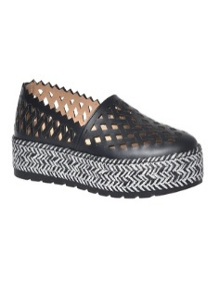 | D3E211P1GOLD7322 | ESPRADILLAS WOMAN VITELLO TANGERINE | 3 |  |  |  |  |  | 1 |  | 1 |  |  |  |  |  | 1 |  |  |  |  |  |  |  |  |  |  |  |  |  | € 170.00 | € 510.00 | € 55.25 | € 165.75 | £49.33 | £147.99
 | D3E211P1GOLD9012 | ESPRADILLAS WOMAN VITELLO BEIGE | 4 |  |  |  |  |  | 2 | 1 |  |  |  |  |  | 1 |  |  |  |  |  |  |  |  |  |  |  |  |  |  | € 170.00 | € 680.00 | € 55.25 | € 221.00 | £49.33 | £197.32
 | D3E230P1GOLD4092 | SANDAL FLAT WOMAN VITELLO TOAST | 1 |  |  |  |  |  | 1 |  |  |  |  |  |  |  |  |  |  |  |  |  |  |  |  |  |  |  |  |  | € 119.00 | € 119.00 | € 38.68 | € 38.68 | £34.53 | £34.53
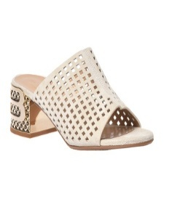 | D3E241P5LISA4050 | SABOT OPEN TOE WOMAN CROSTA BRANDY | 4 |  |  |  |  |  | 1 |  | 1 | 1 |  |  | 1 |  |  |  |  |  |  |  |  |  |  |  |  |  |  |  | € 159.00 | € 636.00 | € 51.68 | € 206.70 | £46.14 | £184.55
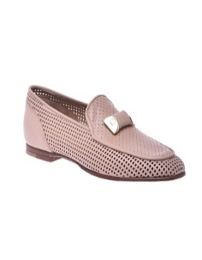 | D3E245P1NAPI1004 | MOCASSIN WOMAN NAPPA HAZE | 1 |  |  |  |  |  |  |  | 1 |  |  |  |  |  |  |  |  |  |  |  |  |  |  |  |  |  |  |  | € 170.00 | € 170.00 | € 55.25 | € 55.25 | £49.33 | £49.33
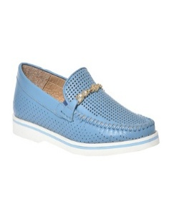 | D3E246P1NAPP1092 | LOAFER NAPPA LEATHER A.F. BLUE | 2 |  |  |  |  |  | 1 | 1 |  |  |  |  |  |  |  |  |  |  |  |  |  |  |  |  |  |  |  |  | € 159.00 | € 318.00 | € 51.68 | € 103.35 | £46.14 | £92.28
 | D3E246P1NAPP9000 | LOAFER NAPPA LEATHER WHITE | 1 |  |  |  |  |  | 1 |  |  |  |  |  |  |  |  |  |  |  |  |  |  |  |  |  |  |  |  |  | € 159.00 | € 159.00 | € 51.68 | € 51.68 | £46.14 | £46.14
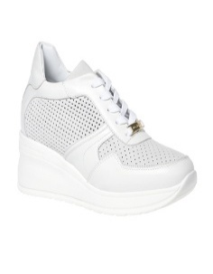 | D3E255P1VICRNENE | LOW TOP WEDGE WOMAN VITELLO+CROSTA NERO - NERO | 7 |  |  |  |  |  | 1 | 1 |  |  |  |  |  | 5 |  |  |  |  |  |  |  |  |  |  |  |  |  |  | € 159.00 | € 1,113.00 | € 51.68 | € 361.73 | £46.14 | £322.97
 | D3E302P3NARENENE | SABOT OPEN TOE WOMAN NAPPA+RETE BLACK | 4 |  |  |  |  |  |  |  |  |  | 1 | 1 |  |  | 1 |  | 1 |  |  |  |  |  |  |  |  |  |  |  | € 139.00 | € 556.00 | € 45.18 | € 180.70 | £40.33 | £161.34
 | D3E302P3NARETGOR | SABOT OPEN TOE WOMAN NAPPA+RETE TANGERINE-ORO | 2 |  |  |  |  |  |  |  | 1 | 1 |  |  |  |  |  |  |  |  |  |  |  |  |  |  |  |  |  |  | € 139.00 | € 278.00 | € 45.18 | € 90.35 | £40.33 | £80.67
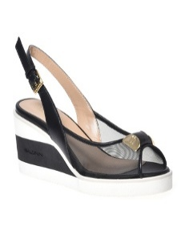 | D3E304P6NARENENE | WEDGE PUMP WOMAN NAPPA+RETE NERO - NERO | 1 |  |  |  |  |  |  |  |  |  |  |  |  |  |  |  | 1 |  |  |  |  |  |  |  |  |  |  |  | € 150.00 | € 150.00 | € 48.75 | € 48.75 | £43.53 | £43.53
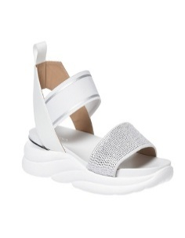 | D3E321P1CRITLTBI | SANDAL FLAT WOMAN CRUST+VITELLO LATTE-BIANCO | 1 |  |  |  |  |  | 1 |  |  |  |  |  |  |  |  |  |  |  |  |  |  |  |  |  |  |  |  |  | € 150.00 | € 150.00 | € 48.75 | € 48.75 | £43.53 | £43.53
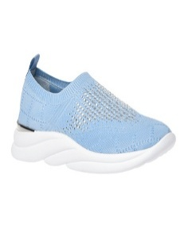 | D3E351P1KNIT5036 | LOW TOP WOMAN SOCKS SNEAKNIT WASABI | 4 |  |  |  |  |  |  | 1 | 1 | 1 | 1 |  |  |  |  |  |  |  |  |  |  |  |  |  |  |  |  |  | € 170.00 | € 680.00 | € 55.25 | € 221.00 | £49.33 | £197.32
 | D3E351P1KNIT7686 | LOW TOP WOMAN SOCKS SNEAKNIT ORCHID | 1 |  |  |  |  |  |  |  |  |  | 1 |  |  |  |  |  |  |  |  |  |  |  |  |  |  |  |  |  | € 170.00 | € 170.00 | € 55.25 | € 55.25 | £49.33 | £49.33
 | D3E351P1KNIT7890 | LOW TOP WOMAN SOCKS SNEAKNIT TAMARIND | 1 |  |  |  |  |  |  |  |  |  |  |  |  |  |  |  | 1 |  |  |  |  |  |  |  |  |  |  |  | € 170.00 | € 170.00 | € 55.25 | € 55.25 | £49.33 | £49.33
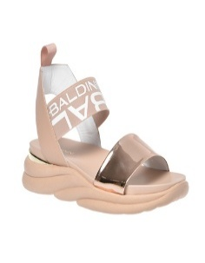 | D3E380P1SPVIAGBO | SANDAL FLAT WOMAN SPECCHIO+VITELLO ARGENTO-BIANCO | 1 |  |  |  |  |  |  | 1 |  |  |  |  |  |  |  |  |  |  |  |  |  |  |  |  |  |  |  |  | € 150.00 | € 150.00 | € 48.75 | € 48.75 | £43.53 | £43.53
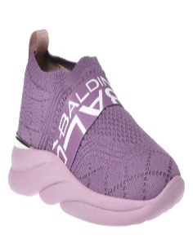 | D3E381P1KNIT7890 | LOW TOP WOMAN SOCKS SNEAKNIT NUDE | 3 |  |  |  |  |  |  |  |  |  |  |  |  | 1 |  |  | 2 |  |  |  |  |  |  |  |  |  |  |  | € 159.00 | € 477.00 | € 51.68 | € 155.03 | £46.14 | £138.42
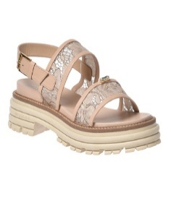 | D3E400P1NAPZTDTD | SANDAL FLAT WOMAN NAPPA+PIZZO TAMARIND-TAMARIND | 1 |  |  |  |  |  |  |  |  |  |  |  |  | 1 |  |  |  |  |  |  |  |  |  |  |  |  |  |  | € 170.00 | € 170.00 | € 55.25 | € 55.25 | £49.33 | £49.33
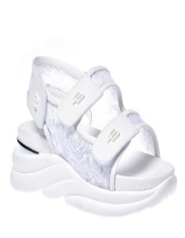 | D3E401P1PIZZ0000 | SANDAL LACE BLACK | 11 |  |  |  |  |  | 1 |  |  |  | 3 |  | 5 | 1 |  |  | 1 |  |  |  |  |  |  |  |  |  |  |  | € 139.00 | € 1,529.00 | € 45.18 | € 496.93 | £40.33 | £443.68
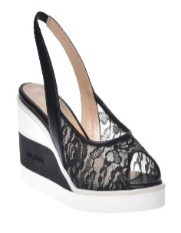 | D3E403S6PIZZ0000 | SANDAL LACE BLACK | 5 |  |  |  |  |  | 1 | 1 | 1 | 1 |  | 1 |  |  |  |  |  |  |  |  |  |  |  |  |  |  |  |  | € 150.00 | € 750.00 | € 48.75 | € 243.75 | £43.53 | £217.63
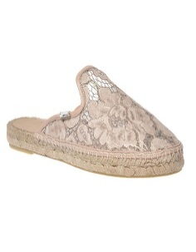 | D3E411P1PZNABILT | ESPADRILLAS WOMAN PIZZO+NAPPA BIANCO-LATTE | 1 |  |  |  |  |  |  |  |  |  |  |  | 1 |  |  |  |  |  |  |  |  |  |  |  |  |  |  |  | € 150.00 | € 150.00 | € 48.75 | € 48.75 | £43.53 | £43.53
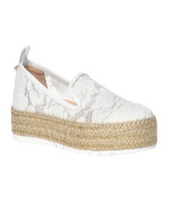 | D3E412P1PZNABILT | ESPADRILLAS WOMAN PIZZO+NAPPA WHITE AND OFF WHITE | 1 |  |  |  |  |  | 1 |  |  |  |  |  |  |  |  |  |  |  |  |  |  |  |  |  |  |  |  |  | € 139.00 | € 139.00 | € 45.18 | € 45.18 | £40.33 | £40.33
 | D3E412P1PZNAHZHZ | ESPADRILLAS WOMAN PIZZO+NAPPA HAZE-HAZE | 8 |  |  |  |  |  |  |  |  |  |  | 4 | 3 | 1 |  |  |  |  |  |  |  |  |  |  |  |  |  |  | € 139.00 | € 1,112.00 | € 45.18 | € 361.40 | £40.33 | £322.68
 | D3E412P1PZNATDTD | ESPADRILLAS WOMAN PIZZO+NAPPA TAMARIND-TAMARIND | 7 |  |  |  |  |  |  |  | 1 | 1 | 1 | 1 |  |  | 2 |  | 1 |  |  |  |  |  |  |  |  |  |  |  | € 139.00 | € 973.00 | € 45.18 | € 316.23 | £40.33 | £282.34
 | D3E412P1PZNAWSWS | ESPADRILLAS WOMAN PIZZO+NAPPA WASABI-WASABI | 6 |  |  |  |  |  |  |  | 1 | 1 | 1 |  | 2 |  | 1 |  |  |  |  |  |  |  |  |  |  |  |  |  | € 139.00 | € 834.00 | € 45.18 | € 271.05 | £40.33 | £242.01
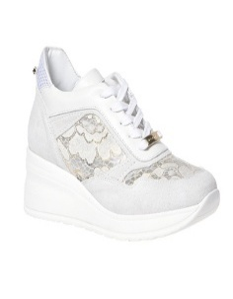 | D3E417P1CPZVTDTD | LOW TOP WEDGE WOMAN CROSTA+PIZZO+VIT TAMARIND-TAMARIND | 2 |  |  |  |  |  |  |  |  |  |  | 1 |  | 1 |  |  |  |  |  |  |  |  |  |  |  |  |  |  | € 159.00 | € 318.00 | € 51.68 | € 103.35 | £46.14 | £92.28
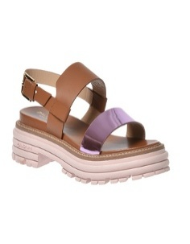 | D3E441P1REVIRETO | SANDAL FLAT WOMAN REFLEX+VITELLO ROSE-TOAST | 1 |  |  |  |  |  |  |  |  |  | 1 |  |  |  |  |  |  |  |  |  |  |  |  |  |  |  |  |  | € 179.00 | € 179.00 | € 58.18 | € 58.18 | £51.94 | £51.94
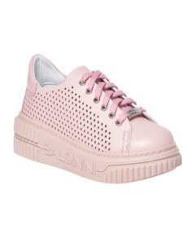 | D3E480P1PABLBOHZ | LOW TOP WOMAN VITELLO BIANCO-HAZE | 3 |  |  |  |  |  | 1 |  |  |  |  |  |  |  | 1 |  | 1 |  |  |  |  |  |  |  |  |  |  |  | € 119.00 | € 357.00 | € 38.68 | € 116.03 | £34.53 | £103.59
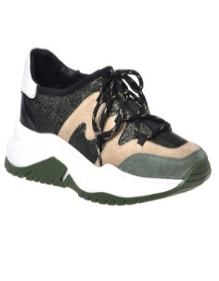 | D3E493P1CRSMLWSG | LOW TOP WOMAN CROSTA+SIAMENSIS LATTE-WASABI-GIALLO | 2 |  |  |  |  |  | 1 |  |  | 1 |  |  |  |  |  |  |  |  |  |  |  |  |  |  |  |  |  |  | € 99.00 | € 198.00 | € 32.18 | € 64.35 | £28.73 | £57.46
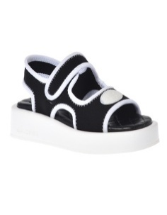 | D3EF02T1RODIODBN | SANDAL FLAT WOMAN RODIO STRETCH ORCHID-BIANCO | 3 |  |  |  |  |  |  |  | 1 |  |  |  |  |  |  |  | 2 |  |  |  |  |  |  |  |  |  |  |  | € 119.00 | € 357.00 | € 38.68 | € 116.03 | £34.53 | £103.59
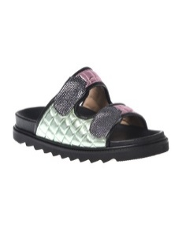 | D3EF10P1NLSMCEPT | BIRKENSTOCK WOMAN LAMINATO+SMIR CELESTE-PLATINO | 1 |  |  |  |  |  |  |  | 1 |  |  |  |  |  |  |  |  |  |  |  |  |  |  |  |  |  |  |  | € 139.00 | € 139.00 | € 45.18 | € 45.18 | £40.33 | £40.33
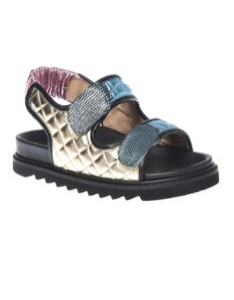 | D3EF11P1NLSMPTPT | BIRKENSTOCK WOMAN LAMINATO+SMIR PLATINO-PLATINO | 3 |  |  |  |  |  | 1 | 1 | 1 |  |  |  |  |  |  |  |  |  |  |  |  |  |  |  |  |  |  |  | € 119.00 | € 357.00 | € 38.68 | € 116.03 | £34.53 | £103.59
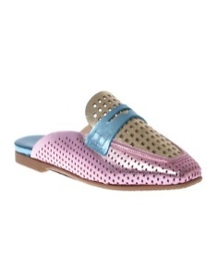 | D3EF20P1LAMIVTDF | SABOT FLAT WOMAN NAPPA LAMINATA VERDE-TAMARIND-FUXIA | 2 |  |  |  |  |  | 2 |  |  |  |  |  |  |  |  |  |  |  |  |  |  |  |  |  |  |  |  |  | € 139.00 | € 278.00 | € 45.18 | € 90.35 | £40.33 | £80.67
 | D3EF30P1GLBIHZWS | SANDAL FLAT WOMAN GLITTER+BILBAO HAZE-WASABI | 9 |  |  |  |  |  |  |  | 1 |  | 2 |  | 2 | 1 | 1 |  | 2 |  |  |  |  |  |  |  |  |  |  |  | € 150.00 | € 1,350.00 | € 48.75 | € 438.75 | £43.53 | £391.74
 | D3EF30P1GLBIPRLI | SANDAL FLAT WOMAN GLITTER+BILBAO PRIMROSE-LILLA | 15 |  |  |  |  |  | 2 |  | 4 |  |  | 2 | 2 | 2 | 2 |  | 1 |  |  |  |  |  |  |  |  |  |  |  | € 150.00 | € 2,250.00 | € 48.75 | € 731.25 | £43.53 | £652.90
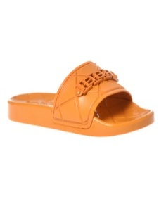 | D3EF40S1PVRB7322 | SABOT OPEN TOE WOMAN PVC ROMBI TANGERINE | 1 |  | 1 |  |  |  |  |  |  |  |  |  |  |  |  |  |  |  |  |  |  |  |  |  |  |  |  |  | € 79.00 | € 79.00 | € 25.68 | € 25.68 | £22.92 | £22.92
 | D3EF40S1PVRB9000 | SABOT OPEN TOE WOMAN PVC ROMBI BIANCO | 2 | 1 | 1 |  |  |  |  |  |  |  |  |  |  |  |  |  |  |  |  |  |  |  |  |  |  |  |  |  | € 79.00 | € 158.00 | € 25.68 | € 51.35 | £22.92 | £45.85
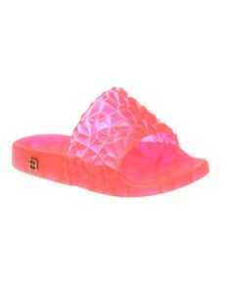 | D3EF51S1PVDM5000 | SABOT OPEN TOE WOMAN PVC DIAMANTE VERDE | 33 | 2 | 26 | 5 |  |  |  |  |  |  |  |  |  |  |  |  |  |  |  |  |  |  |  |  |  |  |  |  | € 59.00 | € 1,947.00 | € 19.18 | € 632.78 | £17.12 | £564.98
 | D3EF51S1PVDM7500 | SABOT OPEN TOE WOMAN PVC DIAMANTE FUXIA | 20 | 3 | 16 | 1 |  |  |  |  |  |  |  |  |  |  |  |  |  |  |  |  |  |  |  |  |  |  |  |  | € 59.00 | € 1,180.00 | € 19.18 | € 383.50 | £17.12 | £342.41
 | D3EF51S1PVDM9991 | SABOT OPEN TOE WOMAN PVC DIAMANTE TRASPARENTE | 7 |  | 5 | 2 |  |  |  |  |  |  |  |  |  |  |  |  |  |  |  |  |  |  |  |  |  |  |  |  | € 59.00 | € 413.00 | € 19.18 | € 134.23 | £17.12 | £119.84
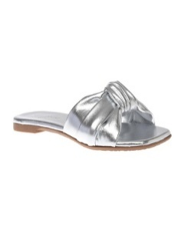 | D3EF60P1LAMI0600 | SABOT OPEN TOE WOMAN NAPPA LAMINATA ARGENTO | 1 |  |  |  |  |  |  |  |  |  | 1 |  |  |  |  |  |  |  |  |  |  |  |  |  |  |  |  |  | € 59.00 | € 59.00 | € 19.18 | € 19.18 | £17.12 | £17.12
 | D3EF60P1LAMI8810 | SABOT OPEN TOE WOMAN NAPPA LAMINATA PLATINO | 1 |  |  |  | 1 |  |  |  |  |  |  |  |  |  |  |  |  |  |  |  |  |  |  |  |  |  |  |  | € 110.00 | € 110.00 | € 35.75 | € 35.75 | £31.92 | £31.92
 | D3EF60P1NAPI9002 | SABOT OPEN TOE WOMAN NAPPA LATTE | 1 |  |  |  |  |  | 1 |  |  |  |  |  |  |  |  |  |  |  |  |  |  |  |  |  |  |  |  |  | € 99.00 | € 99.00 | € 32.18 | € 32.18 | £28.73 | £28.73
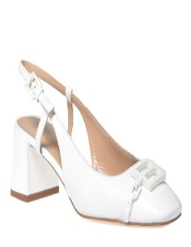 | D4BF03P5VITE1092 | PUMP MID WOMAN CALFSKIN A.F. BLUE | 1 |  |  |  |  |  | 1 |  |  |  |  |  |  |  |  |  |  |  |  |  |  |  |  |  |  |  |  |  | € 179.00 | € 179.00 | € 58.18 | € 58.18 | £51.94 | £51.94
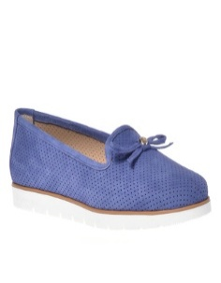 | D4E002P1NABU1092 | BALLERINA NUBUCK A.F. BLUE | 3 |  |  |  |  |  |  |  |  |  | 2 |  |  |  |  | 1 |  |  |  |  |  |  |  |  |  |  |  |  | € 130.00 | € 390.00 | € 42.25 | € 126.75 | £37.72 | £113.17
 | D4E003P1VITE0000 | BALLERINA CALFSKIN BLACK | 1 |  |  |  |  |  | 1 |  |  |  |  |  |  |  |  |  |  |  |  |  |  |  |  |  |  |  |  |  | € 130.00 | € 130.00 | € 42.25 | € 42.25 | £37.72 | £37.72
 | D4E003P1VITE7890 | BALLERINA CALFSKIN NUDE | 2 |  |  |  |  |  | 1 |  |  |  |  |  |  |  |  | 1 |  |  |  |  |  |  |  |  |  |  |  |  | € 130.00 | € 260.00 | € 42.25 | € 84.50 | £37.72 | £75.45
 | D4E057P1NAPS7038 | MULE ECO LEATHER FUCHSIA | 5 |  |  |  |  |  |  | 1 | 2 | 1 |  |  |  |  | 1 |  |  |  |  |  |  |  |  |  |  |  |  |  | € 99.00 | € 495.00 | € 32.18 | € 160.88 | £28.73 | £143.64
 | D4E059P1NAPP0000 | MULE NAPPA LEATHER BLACK | 10 |  |  |  |  |  | 3 | 1 | 1 | 2 |  | 1 |  |  | 2 |  |  |  |  |  |  |  |  |  |  |  |  |  | € 99.00 | € 990.00 | € 32.18 | € 321.75 | £28.73 | £287.28
 | D4E059P1NAPP9000 | MULE NAPPA LEATHER WHITE | 8 |  |  |  |  | 1 | 1 |  |  | 2 | 3 | 1 |  |  |  |  |  |  |  |  |  |  |  |  |  |  |  |  | € 99.00 | € 792.00 | € 32.18 | € 257.40 | £28.73 | £229.82
 | D4E150P1VITE0000 | LOAFER CALFSKIN BLACK | 1 |  |  |  |  |  |  |  |  |  | 1 |  |  |  |  |  |  |  |  |  |  |  |  |  |  |  |  |  | € 99.00 | € 99.00 | € 32.18 | € 32.18 | £28.73 | £28.73
 | D4E159P1VITE7680 | LOAFER CALFSKIN LILAC | 5 |  |  |  |  |  |  | 1 |  |  |  |  | 1 | 1 | 1 | 1 |  |  |  |  |  |  |  |  |  |  |  |  | € 159.00 | € 795.00 | € 51.68 | € 258.38 | £46.14 | £230.69
 | D4E160P1LONA9000 | LOAFER FABRIC WHITE | 2 |  |  |  |  |  |  |  |  |  |  | 1 |  |  | 1 |  |  |  |  |  |  |  |  |  |  |  |  |  | € 139.00 | € 278.00 | € 45.18 | € 90.35 | £40.33 | £80.67
 | D4E167P1VITE1092 | LOAFER CALFSKIN A.F. BLUE | 6 |  |  |  |  |  | 1 | 1 |  | 1 | 1 |  |  |  |  | 1 | 1 |  |  |  |  |  |  |  |  |  |  |  | € 130.00 | € 780.00 | € 42.25 | € 253.50 | £37.72 | £226.34
 | D4E170S1CERV1092 | LOAFER TUMBLED LEATHER A.F. BLUE | 16 |  |  |  |  |  | 4 |  | 3 | 2 |  | 2 | 1 | 1 |  |  | 3 |  |  |  |  |  |  |  |  |  |  |  | € 130.00 | € 2,080.00 | € 42.25 | € 676.00 | £37.72 | £603.57
 | D4E170S1CERV9000 | LOAFER TUMBLED LEATHER WHITE | 4 |  |  |  |  |  | 1 | 1 | 1 |  |  |  |  |  |  |  | 1 |  |  |  |  |  |  |  |  |  |  |  | € 130.00 | € 520.00 | € 42.25 | € 169.00 | £37.72 | £150.89
 | D4E170S1CROS7308 | LOAFER SPLIT SUEDE ORANGE | 1 |  |  |  |  |  | 1 |  |  |  |  |  |  |  |  |  |  |  |  |  |  |  |  |  |  |  |  |  | € 130.00 | € 130.00 | € 42.25 | € 42.25 | £37.72 | £37.72
 | D4E179P1CELM8810 | LOAFER LAMINATED TUMBLED LEATHER PLATINUM | 1 |  |  |  |  |  |  |  |  |  | 1 |  |  |  |  |  |  |  |  |  |  |  |  |  |  |  |  |  | € 130.00 | € 130.00 | € 42.25 | € 42.25 | £37.72 | £37.72
 | D4E179P1CERV7038 | LOAFER TUMBLED LEATHER FUCHSIA | 1 |  |  |  |  |  | 1 |  |  |  |  |  |  |  |  |  |  |  |  |  |  |  |  |  |  |  |  |  | € 130.00 | € 130.00 | € 42.25 | € 42.25 | £37.72 | £37.72
 | D4E200P5VITE7680 | MULE CALFSKIN LILAC | 17 |  |  |  |  |  |  |  |  | 1 | 2 | 3 | 3 | 4 | 2 |  | 2 |  |  |  |  |  |  |  |  |  |  |  | € 159.00 | € 2,703.00 | € 51.68 | € 878.48 | £46.14 | £784.35
 | D4E201P5VITE7890 | MULE CALFSKIN NUDE | 2 |  |  |  |  |  |  |  |  |  |  |  | 1 |  |  | 1 |  |  |  |  |  |  |  |  |  |  |  |  | € 159.00 | € 318.00 | € 51.68 | € 103.35 | £46.14 | £92.28
 | D4E202P5RETE0000 | MULE MESH BLACK | 1 |  |  |  |  |  |  |  |  |  |  |  |  |  |  |  | 1 |  |  |  |  |  |  |  |  |  |  |  | € 159.00 | € 159.00 | € 51.68 | € 51.68 | £46.14 | £46.14
 | D4E203P1NAPL0600 | MULE LAMINATED NAPPA LEATHER SILVER | 4 |  |  |  |  |  |  |  |  |  |  | 1 | 1 | 1 |  |  | 1 |  |  |  |  |  |  |  |  |  |  |  | € 139.00 | € 556.00 | € 45.18 | € 180.70 | £40.33 | £161.34
 | D4E203P1NAPL8810 | MULE LAMINATED NAPPA LEATHER PLATINUM | 3 |  |  |  |  |  |  |  |  |  |  | 1 |  | 1 |  | 1 |  |  |  |  |  |  |  |  |  |  |  |  | € 139.00 | € 417.00 | € 45.18 | € 135.53 | £40.33 | £121.00
 | D4E203P1NAPP9000 | MULE NAPPA LEATHER WHITE | 10 |  |  |  |  |  |  |  |  |  |  |  | 2 |  | 5 |  | 3 |  |  |  |  |  |  |  |  |  |  |  | € 139.00 | € 1,390.00 | € 45.18 | € 451.75 | £40.33 | £403.35
 | D4E230S1PIVC0000 | MULE RUBBER BLACK | 5 |  |  |  | 1 |  | 2 |  | 1 |  | 1 |  |  |  |  |  |  |  |  |  |  |  |  |  |  |  |  |  | € 70.00 | € 350.00 | € 22.75 | € 113.75 | £20.31 | £101.56
 | D4E233S1PIVC0000 | MULE RUBBER BLACK | 3 |  |  |  | 1 |  | 2 |  |  |  |  |  |  |  |  |  |  |  |  |  |  |  |  |  |  |  |  |  | € 150.00 | € 450.00 | € 48.75 | € 146.25 | £43.53 | £130.58
 | D4E250P1NAPP0000 | SANDAL NAPPA LEATHER BLACK | 1 |  |  |  |  |  |  |  |  |  |  |  | 1 |  |  |  |  |  |  |  |  |  |  |  |  |  |  |  | € 159.00 | € 159.00 | € 51.68 | € 51.68 | £46.14 | £46.14
 | D4E251P1KNIT0000 | SANDAL KNIT BLACK | 11 |  |  |  |  |  | 1 |  | 3 | 3 |  | 2 |  | 1 |  |  | 1 |  |  |  |  |  |  |  |  |  |  |  | € 150.00 | € 1,650.00 | € 48.75 | € 536.25 | £43.53 | £478.79
 | D4E252P1VITE9000 | SANDAL CALFSKIN WHITE | 1 |  |  |  |  |  | 1 |  |  |  |  |  |  |  |  |  |  |  |  |  |  |  |  |  |  |  |  |  | € 150.00 | € 150.00 | € 48.75 | € 48.75 | £43.53 | £43.53
 | D4E257S1PIZZ7890 | SANDAL LACE NUDE | 11 |  |  |  |  |  | 4 |  |  | 2 | 1 |  |  | 2 | 2 |  |  |  |  |  |  |  |  |  |  |  |  |  | € 139.00 | € 1,529.00 | € 45.18 | € 496.93 | £40.33 | £443.68
 | D4E260P1NAPS7038 | SANDAL ECO LEATHER FUCHSIA | 3 |  |  |  |  |  |  |  |  | 1 | 1 |  |  |  |  |  | 1 |  |  |  |  |  |  |  |  |  |  |  | € 90.00 | € 270.00 | € 29.25 | € 87.75 | £26.12 | £78.35
 | D4E261S1RETE7890 | SANDAL MESH NUDE | 1 |  |  |  |  |  |  |  |  |  |  |  | 1 |  |  |  |  |  |  |  |  |  |  |  |  |  |  |  | € 99.00 | € 99.00 | € 32.18 | € 32.18 | £28.73 | £28.73
 | D4E263P1NAPP1092 | SANDAL NAPPA LEATHER A.F. BLUE | 4 |  |  |  |  |  |  | 1 | 1 |  |  | 1 | 1 |  |  |  |  |  |  |  |  |  |  |  |  |  |  |  | € 179.00 | € 716.00 | € 58.18 | € 232.70 | £51.94 | £207.77
 | D4E264P1NALS7800 | SANDAL LAMINATED ECO LEATHER PINK | 4 |  |  |  |  |  |  |  | 1 | 1 |  |  | 1 | 1 |  |  |  |  |  |  |  |  |  |  |  |  |  |  | € 99.00 | € 396.00 | € 32.18 | € 128.70 | £28.73 | £114.91
 | D4E265P1NAPS7038 | SANDAL ECO LEATHER FUCHSIA | 2 |  |  |  |  |  |  |  |  |  | 1 |  |  |  | 1 |  |  |  |  |  |  |  |  |  |  |  |  |  | € 110.00 | € 220.00 | € 35.75 | € 71.50 | £31.92 | £63.84
 | D4E266S1RETE1092 | SANDAL MESH A.F. BLUE | 7 |  |  |  |  |  |  |  | 2 |  | 1 | 1 | 1 |  | 1 |  | 1 |  |  |  |  |  |  |  |  |  |  |  | € 90.00 | € 630.00 | € 29.25 | € 204.75 | £26.12 | £182.81
 | D4E269P1VITE4120 | SANDAL CALFSKIN BROWN | 3 |  |  |  |  |  |  |  |  |  |  |  |  | 1 | 1 | 1 |  |  |  |  |  |  |  |  |  |  |  |  | € 139.00 | € 417.00 | € 45.18 | € 135.53 | £40.33 | £121.00
 | D4E269P1VITE9000 | SANDAL CALFSKIN WHITE | 7 |  |  |  |  | 1 |  | 1 |  |  |  | 1 | 1 | 1 |  | 1 | 1 |  |  |  |  |  |  |  |  |  |  |  | € 139.00 | € 973.00 | € 45.18 | € 316.23 | £40.33 | £282.34
 | D4E272P1CAMO3026 | SANDAL SUEDE BROWN | 4 |  |  |  |  |  |  |  |  | 2 |  |  | 1 |  | 1 |  |  |  |  |  |  |  |  |  |  |  |  |  | € 159.00 | € 636.00 | € 51.68 | € 206.70 | £46.14 | £184.55
 | D4E272P1CAMO7308 | SANDAL SUEDE ORANGE | 18 |  |  |  |  |  | 2 |  | 1 | 5 | 5 |  | 1 |  | 4 |  |  |  |  |  |  |  |  |  |  |  |  |  | € 159.00 | € 2,862.00 | € 51.68 | € 930.15 | £46.14 | £830.49
 | D4E272P1VITE0000 | SANDAL CALFSKIN BLACK | 4 |  |  |  |  |  |  |  | 1 |  |  |  | 1 |  | 1 |  | 1 |  |  |  |  |  |  |  |  |  |  |  | € 159.00 | € 636.00 | € 51.68 | € 206.70 | £46.14 | £184.55
 | D4E301P7NAPP4120 | SANDAL NAPPA LEATHER BROWN | 3 |  |  |  |  |  |  |  | 1 |  | 1 |  | 1 |  |  |  |  |  |  |  |  |  |  |  |  |  |  |  | € 159.00 | € 477.00 | € 51.68 | € 155.03 | £46.14 | £138.42
 | D4E301P7NAPP7890 | SANDAL NAPPA LEATHER NUDE | 9 |  |  |  |  |  |  |  | 1 |  |  |  |  | 1 | 5 |  | 2 |  |  |  |  |  |  |  |  |  |  |  | € 159.00 | € 1,431.00 | € 51.68 | € 465.08 | £46.14 | £415.25
 | D4E304S7RETE0000 | SANDAL MESH BLACK | 5 |  |  |  |  |  |  |  |  |  |  | 1 |  | 1 | 2 |  | 1 |  |  |  |  |  |  |  |  |  |  |  | € 150.00 | € 750.00 | € 48.75 | € 243.75 | £43.53 | £217.63
 | D4E350S1RETE9000 | BALLERINA MESH WHITE | 1 |  |  |  |  |  |  |  |  |  |  |  | 1 |  |  |  |  |  |  |  |  |  |  |  |  |  |  |  | € 190.00 | € 190.00 | € 61.75 | € 61.75 | £55.13 | £55.13
 | D4E353P1VITE0000 | BALLERINA CALFSKIN BLACK | 6 |  |  |  |  |  |  |  | 2 |  | 2 |  | 1 |  | 1 |  |  |  |  |  |  |  |  |  |  |  |  |  | € 179.00 | € 1,074.00 | € 58.18 | € 349.05 | £51.94 | £311.65
 | D4E353P1VITE7890 | BALLERINA CALFSKIN NUDE | 1 |  |  |  |  |  |  |  | 1 |  |  |  |  |  |  |  |  |  |  |  |  |  |  |  |  |  |  |  | € 179.00 | € 179.00 | € 58.18 | € 58.18 | £51.94 | £51.94
 | D4E400P1VITE9000 | LOAFER CALFSKIN WHITE | 7 |  |  |  | 1 |  | 2 |  |  |  | 1 | 1 | 1 |  |  |  |  | 1 |  |  |  |  |  |  |  |  |  |  | € 150.00 | € 1,050.00 | € 48.75 | € 341.25 | £43.53 | £304.69
 | D4E401S1RETE0000 | LOAFER MESH BLACK | 1 |  |  |  |  |  |  | 1 |  |  |  |  |  |  |  |  |  |  |  |  |  |  |  |  |  |  |  |  | € 159.00 | € 159.00 | € 51.68 | € 51.68 | £46.14 | £46.14
 | D4E453P7COCL8810 | PUMP PRINTED CALFSKIN PLATINUM | 1 |  |  |  |  |  |  |  |  |  |  |  |  |  | 1 |  |  |  |  |  |  |  |  |  |  |  |  |  | € 179.00 | € 179.00 | € 58.18 | € 58.18 | £51.94 | £51.94
 | D4E458P5VITE7680 | PUMP CALFSKIN LILAC | 2 |  |  |  |  |  | 1 |  |  |  | 1 |  |  |  |  |  |  |  |  |  |  |  |  |  |  |  |  |  | € 179.00 | € 358.00 | € 58.18 | € 116.35 | £51.94 | £103.88
 | D4E462P5RETE7890 | PUMP MESH NUDE | 1 |  |  |  |  |  |  |  |  | 1 |  |  |  |  |  |  |  |  |  |  |  |  |  |  |  |  |  |  | € 179.00 | € 179.00 | € 58.18 | € 58.18 | £51.94 | £51.94
 | D4E464P7VITE7038 | PUMP CALFSKIN FUCHSIA | 2 |  |  |  |  |  | 1 |  |  |  |  |  |  |  | 1 |  |  |  |  |  |  |  |  |  |  |  |  |  | € 199.00 | € 398.00 | € 64.68 | € 129.35 | £57.75 | £115.49
 | D4E500P5VITE7680 | MULE CALFSKIN LILAC | 3 |  |  |  |  |  |  |  |  |  |  | 1 |  | 2 |  |  |  |  |  |  |  |  |  |  |  |  |  |  | € 170.00 | € 510.00 | € 55.25 | € 165.75 | £49.33 | £147.99
 | D4E501P5CAMO7308 | MULE SUEDE ORANGE | 1 |  |  |  |  |  |  |  |  |  |  |  |  |  | 1 |  |  |  |  |  |  |  |  |  |  |  |  |  | € 170.00 | € 170.00 | € 55.25 | € 55.25 | £49.33 | £49.33
 | D4E505P1NAPL8810 | MULE LAMINATED NAPPA LEATHER PLATINUM | 1 |  |  |  |  |  |  |  |  |  |  |  |  |  |  |  | 1 |  |  |  |  |  |  |  |  |  |  |  | € 150.00 | € 150.00 | € 48.75 | € 48.75 | £43.53 | £43.53
 | D4E508P6NAPL0600 | SANDAL NAPPA LEATHER SILVER | 2 |  |  |  |  |  |  |  |  |  |  |  | 1 |  |  |  | 1 |  |  |  |  |  |  |  |  |  |  |  | € 150.00 | € 300.00 | € 48.75 | € 97.50 | £43.53 | £87.05
 | D4E511P4COCC9000 | MULE CROC PRINTED CALFSKIN WHITE | 1 |  |  |  |  |  |  |  |  | 1 |  |  |  |  |  |  |  |  |  |  |  |  |  |  |  |  |  |  | € 170.00 | € 170.00 | € 55.25 | € 55.25 | £49.33 | £49.33
 | D4E511P4COCL0600 | MULE LAMINATED CROC PRINTED CALFSKI SILVER | 7 |  |  |  |  |  | 1 | 1 |  | 1 |  |  | 1 |  |  | 2 | 1 |  |  |  |  |  |  |  |  |  |  |  | € 170.00 | € 1,190.00 | € 55.25 | € 386.75 | £49.33 | £345.31
 | D4E512P1COCL7500 | MULE LAMINATED CROC PRINTED CALFSKI FUCHSIA | 14 |  |  |  |  |  |  |  |  | 1 | 4 | 2 | 2 | 3 | 2 |  |  |  |  |  |  |  |  |  |  |  |  |  | € 159.00 | € 2,226.00 | € 51.68 | € 723.45 | £46.14 | £645.94
 | D4E512P1COCL8810 | MULE LAMINATED CROC PRINTED CALFSKI PLATINUM | 11 |  |  |  |  |  | 1 | 1 |  | 1 | 4 |  |  | 2 | 2 |  |  |  |  |  |  |  |  |  |  |  |  |  | € 159.00 | € 1,749.00 | € 51.68 | € 568.43 | £46.14 | £507.52
 | D4E515P1RAFF4185 | MULE RAFFIA CAMEL | 3 |  |  |  |  |  | 2 |  |  |  |  |  | 1 |  |  |  |  |  |  |  |  |  |  |  |  |  |  |  | € 159.00 | € 477.00 | € 51.68 | € 155.03 | £46.14 | £138.42
...

