OFFER
 | LINE | CODE | DESCR | COLOR | DESCR COLOR | PCS | WHS € | WHS TOT € | 51% OFF WHS COST € | COST TOT € | COST £ | COST TOT £
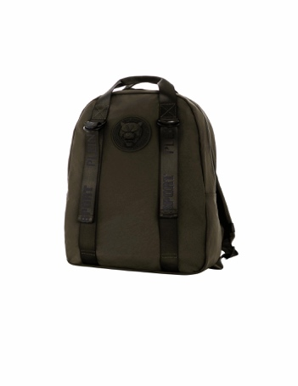 | PS01784 VENICE BEACH | 2100138 | BACKPACK with handles VENICE BEACH | 293 | BLACK | 17 | € 85.50 | € 1,453.50 | € 41.89 | € 712.21 | £37.08 | £630.28
 | PS01784 VENICE BEACH | 2100138 | BACKPACK with handles VENICE BEACH | 4234 | ARMY | 47 | € 85.50 | € 4,018.50 | € 41.89 | € 1,969.06 | £37.08 | £1,742.54
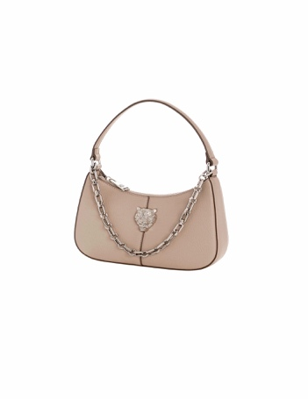 | PS01791 ZOE | 2110172 | HOBO ZOE | 2557 | ICE | 9 | € 85.50 | € 769.50 | € 41.89 | € 377.05 | £37.08 | £333.68
 | PS01791 ZOE | 2110172 | HOBO ZOE | 293 | BLACK | 76 | € 85.50 | € 6,498.00 | € 41.89 | € 3,184.02 | £37.08 | £2,817.72
 | PS01791 ZOE | 2110172 | HOBO ZOE | 492 | SAND | 44 | € 85.50 | € 3,762.00 | € 41.89 | € 1,843.38 | £37.08 | £1,631.31
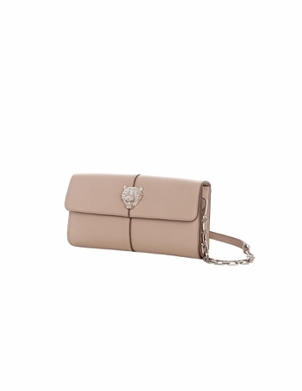 | PS01791 ZOE | 2110173 | CLUTCH ZOE | 2337 | LIGHT BLUE | 11 | € 85.50 | € 940.50 | € 41.89 | € 460.84 | £37.08 | £407.83
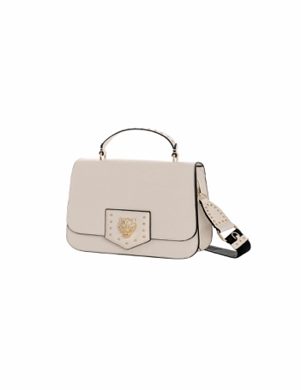 | PS01792 CRUSH | 2110175 | MESSENGER CRUSH | 293 | BLACK | 23 | € 85.50 | € 1,966.50 | € 41.89 | € 963.58 | £37.08 | £852.73
 | PS01792 CRUSH | 2110175 | MESSENGER CRUSH | 4211 | FUCSIA | 14 | € 85.50 | € 1,197.00 | € 41.89 | € 586.53 | £37.08 | £519.05
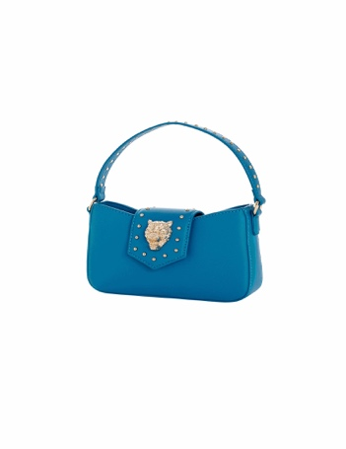 | PS01792 CRUSH | 2110177 | MINI HOBO CRUSH | 293 | BLACK | 73 | € 85.50 | € 6,241.50 | € 41.89 | € 3,058.33 | £37.08 | £2,706.49
 | PS01792 CRUSH | 2110177 | MINI HOBO CRUSH | 3701 | TURQUOISE | 38 | € 85.50 | € 3,249.00 | € 41.89 | € 1,592.01 | £37.08 | £1,408.86
 | PS01792 CRUSH | 2110177 | MINI HOBO CRUSH | 4211 | FUCSIA | 14 | € 85.50 | € 1,197.00 | € 41.89 | € 586.53 | £37.08 | £519.05
 | PS01792 CRUSH | 2110177 | MINI HOBO CRUSH | 942 | MILK | 12 | € 85.50 | € 1,026.00 | € 41.89 | € 502.74 | £37.08 | £444.90
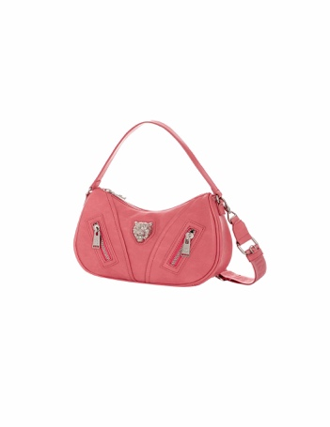 | PS01797 LEAH | 2110193 | HOBO LEAH | 2337 | LIGHT BLUE | 41 | € 85.50 | € 3,505.50 | € 41.89 | € 1,717.70 | £37.08 | £1,520.08
 | PS01797 LEAH | 2110193 | HOBO LEAH | 293 | BLACK | 70 | € 85.50 | € 5,985.00 | € 41.89 | € 2,932.65 | £37.08 | £2,595.27
 | PS01797 LEAH | 2110193 | HOBO LEAH | 382 | PINK | 47 | € 85.50 | € 4,018.50 | € 41.89 | € 1,969.06 | £37.08 | £1,742.54
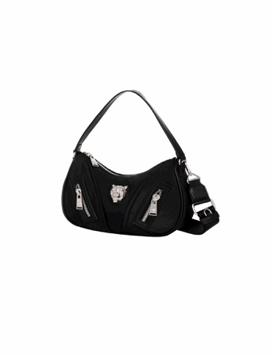 | PS01798 LEAH ACTIVE | 2110196 | HOBO LEAH ACTIVE | 062 | LILLA | 35 | € 85.50 | € 2,992.50 | € 41.89 | € 1,466.32 | £37.08 | £1,297.63
 | PS01798 LEAH ACTIVE | 2110196 | HOBO LEAH ACTIVE | 236 | LIME | 37 | € 85.50 | € 3,163.50 | € 41.89 | € 1,550.11 | £37.08 | £1,371.78
 | PS01798 LEAH ACTIVE | 2110196 | HOBO LEAH ACTIVE | 293 | BLACK | 74 | € 85.50 | € 6,327.00 | € 41.89 | € 3,100.23 | £37.08 | £2,743.57
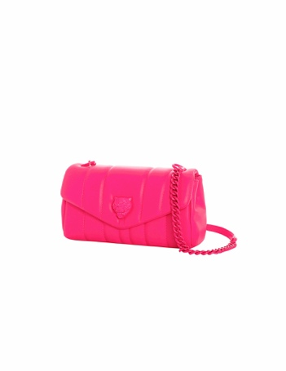 | PS01800 MELISSA | 2110203 | SHOLUDER MELISSA | 062 | LILLA | 14 | € 85.50 | € 1,197.00 | € 41.89 | € 586.53 | £37.08 | £519.05
 | PS01800 MELISSA | 2110203 | SHOLUDER MELISSA | 4211 | FUCSIA | 7 | € 85.50 | € 598.50 | € 41.89 | € 293.27 | £37.08 | £259.53
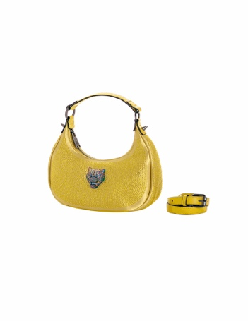 | PS01804 KATE | 2110213 | MINI HOBO KATE | 057 | GOLD | 12 | € 85.50 | € 1,026.00 | € 41.89 | € 502.74 | £37.08 | £444.90
 | PS01804 KATE | 2110213 | MINI HOBO KATE | 293 | BLACK | 25 | € 85.50 | € 2,137.50 | € 41.89 | € 1,047.38 | £37.08 | £926.88
 | PS01804 KATE | 2110213 | MINI HOBO KATE | 3701 | TURQUOISE | 12 | € 85.50 | € 1,026.00 | € 41.89 | € 502.74 | £37.08 | £444.90
 | PS01804 KATE | 2110213 | MINI HOBO KATE | 4211 | FUCSIA | 11 | € 85.50 | € 940.50 | € 41.89 | € 460.84 | £37.08 | £407.83
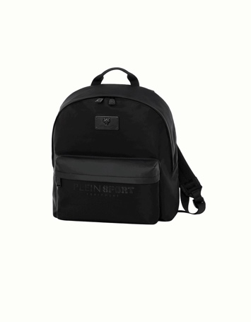 | PS01816 MANHATTAN | 2100170 | BACKPACK MANHATTAN | 293 | BLACK | 53 | € 85.50 | € 4,531.50 | € 41.89 | € 2,220.44 | £37.08 | £1,964.99
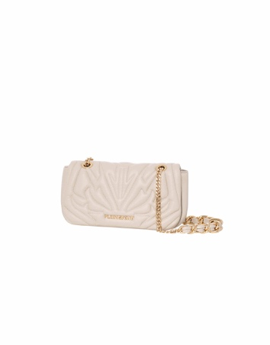 | PS01823 JENNA | 2110229 | SHOULDER JENNA | 293 | BLACK | 74 | € 85.50 | € 6,327.00 | € 41.89 | € 3,100.23 | £37.08 | £2,743.57
 | PS01823 JENNA | 2110229 | SHOULDER JENNA | 381 | IVORY | 42 | € 85.50 | € 3,591.00 | € 41.89 | € 1,759.59 | £37.08 | £1,557.16
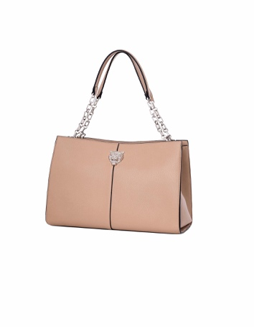 | PS01827 ZOE FW 24 | 2110238 | TOTE ZOE FW 24 | 293 | BLACK | 39 | € 85.50 | € 3,334.50 | € 41.89 | € 1,633.90 | £37.08 | £1,445.93
 | PS01827 ZOE FW 24 | 2110238 | TOTE ZOE FW 24 | 492 | SAND | 15 | € 85.50 | € 1,282.50 | € 41.89 | € 628.43 | £37.08 | £556.13
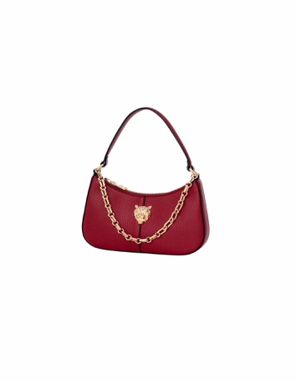 | PS01827 ZOE FW 24 | 2110241 | HOBO ZOE FW 24 | 293 | BLACK | 140 | € 85.50 | € 11,970.00 | € 41.89 | € 5,865.30 | £37.08 | £5,190.53
 | PS01827 ZOE FW 24 | 2110241 | HOBO ZOE FW 24 | 4280 | MERLOT | 47 | € 85.50 | € 4,018.50 | € 41.89 | € 1,969.06 | £37.08 | £1,742.54
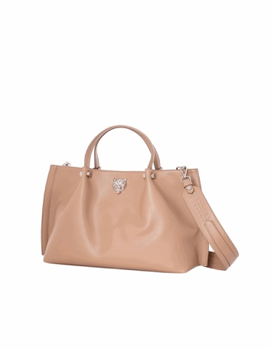 | PS01828 DEVON FW 24 | 2110243 | TOTE DEVON FW 24 | 293 | BLACK | 39 | € 85.50 | € 3,334.50 | € 41.89 | € 1,633.90 | £37.08 | £1,445.93
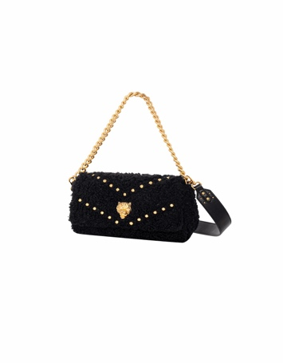 | PS01830 CADY FUR | 2110255 | FLAP CADY FUR | 2558 | NATURAL | 40 | € 85.50 | € 3,420.00 | € 41.89 | € 1,675.80 | £37.08 | £1,483.01
 | PS01830 CADY FUR | 2110255 | FLAP CADY FUR | 293 | BLACK | 99 | € 85.50 | € 8,464.50 | € 41.89 | € 4,147.61 | £37.08 | £3,670.45
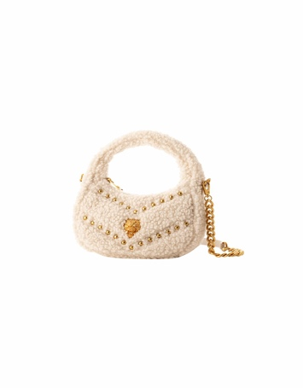 | PS01830 CADY FUR | 2110256 | HOBO CADY FUR | 2558 | NATURAL | 50 | € 85.50 | € 4,275.00 | € 41.89 | € 2,094.75 | £37.08 | £1,853.76
 | PS01830 CADY FUR | 2110256 | HOBO CADY FUR | 293 | BLACK | 99 | € 85.50 | € 8,464.50 | € 41.89 | € 4,147.61 | £37.08 | £3,670.45
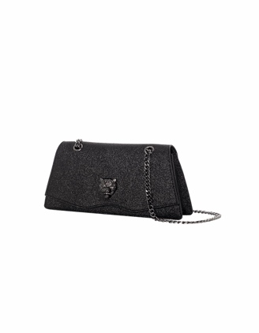 | PS01834 HELENA | 2110270 | FLAP HELENA | 293 | BLACK | 140 | € 85.50 | € 11,970.00 | € 41.89 | € 5,865.30 | £37.08 | £5,190.53
 |  |  |  |  |  | 1,640 |  | € 140,220.00 |  | € 68,707.80 |  | £60,803.36

