OFFER
REF
NAME*
COMPANY NAME
DATE*
SALES REP*
EMAIL*
PHONE #*
PAYMENT CURRENCY (€/£)*
BILLING ADDRESS*
ORDER NUMBER
PRE/IN HAND
DELIVERY TYPE

 | BRAND | CATEGORY | PRODUCT CODE | MODEL | COLOUR | SIZE | Composizione | QTY | WHS € | WHS TOT € | 79% OFF WHS COST € | COST TOT € | COST £ | COST TOT £
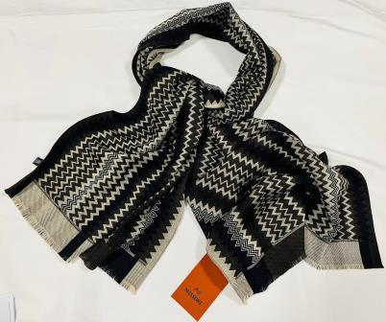 | MISSONI | SCARVES | SCWOU | A570 | 0001 | 40x180 | 100%WOOL | 84 | € 130.00 | € 10,920.00 | € 27.30 | € 2,293.20 | £24.16 | £2,029.38
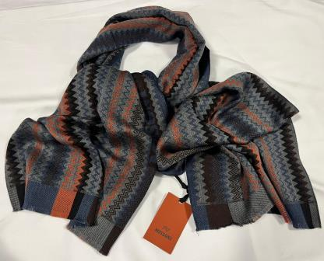 | MISSONI | SCARVES | SCWOU | A570 | 0002 BLU | 40x180 | 100%WOOL | 32 | € 130.00 | € 4,160.00 | € 27.30 | € 873.60 | £24.16 | £773.10
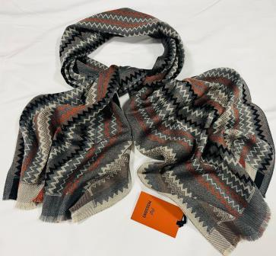 | MISSONI | SCARVES | SC36WOU | A570 | 002 GRIGIO | 40x180 | 100%WOOL | 43 | € 130.00 | € 5,590.00 | € 27.30 | € 1,173.90 | £24.16 | £1,038.85
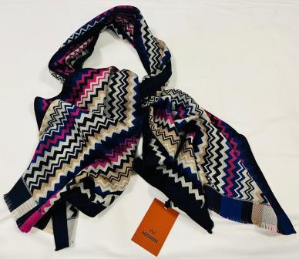 | MISSONI | SCARVES | SCWOU | A571 | 0001 | 40x180 | 100%WOOL | 234 | € 130.00 | € 30,420.00 | € 27.30 | € 6,388.20 | £24.16 | £5,653.27
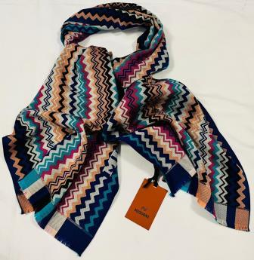 | MISSONI | SCARVES | SCWOU | A571 | 0002 | 40x180 | 100%WOOL | 237 | € 130.00 | € 30,810.00 | € 27.30 | € 6,470.10 | £24.16 | £5,725.75
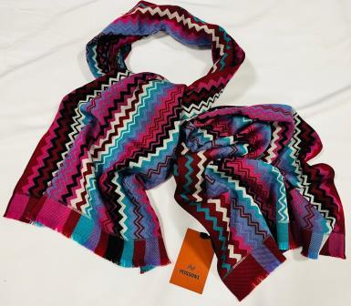 | MISSONI | SCARVES | SC36WOU | A571 | 003 | 40x180 | 100%WOOL | 183 | € 130.00 | € 23,790.00 | € 27.30 | € 4,995.90 | £24.16 | £4,421.15
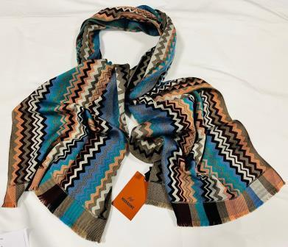 | MISSONI | SCARVES | SCWOU | A571 | 0004 TORTORA | 40x180 | 100%WOOL | 137 | € 130.00 | € 17,810.00 | € 27.30 | € 3,740.10 | £24.16 | £3,309.82
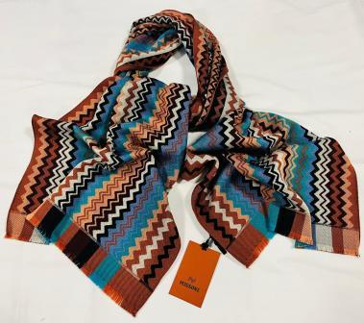 | MISSONI | SCARVES | SCWOU | A571 | 0004 BROWN | 40x180 | 100%WOOL | 45 | € 130.00 | € 5,850.00 | € 27.30 | € 1,228.50 | £24.16 | £1,087.17
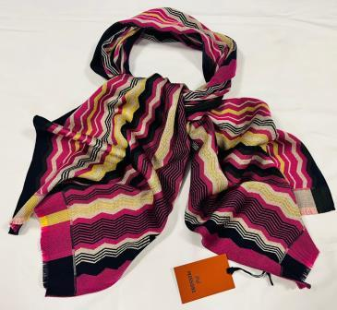 | MISSONI | SCARVES | SC36WOUA | 572 | 0001 FUXIA | 40x180 | 100%WOOL | 106 | € 130.00 | € 13,780.00 | € 27.30 | € 2,893.80 | £24.16 | £2,560.88
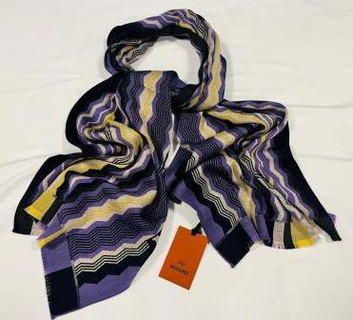 | MISSONI | SCARVES | SC36WOUA | 572 | 0001 VIOLA | 40x180 | 100%WOOL | 151 | € 130.00 | € 19,630.00 | € 27.30 | € 4,122.30 | £24.16 | £3,648.05
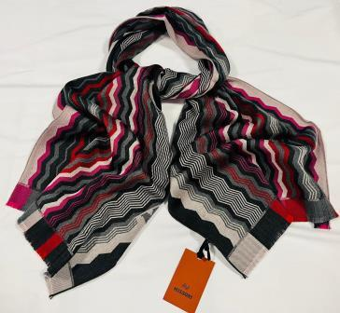 | MISSONI | SCARVES | SC36WOUA | 572 | 0002 | 40x180 | 100%WOOL | 142 | € 130.00 | € 18,460.00 | € 27.30 | € 3,876.60 | £24.16 | £3,430.62
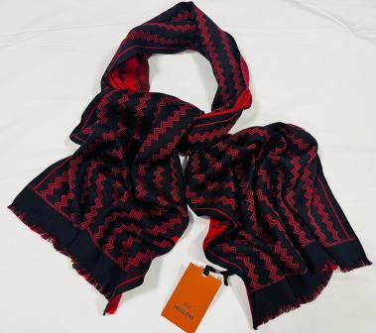 | MISSONI | SCARVES | SCWOU | A573 | 0001 BLU/RED | 40x180 | 100%WOOL | 98 | € 130.00 | € 12,740.00 | € 27.30 | € 2,675.40 | £24.16 | £2,367.61
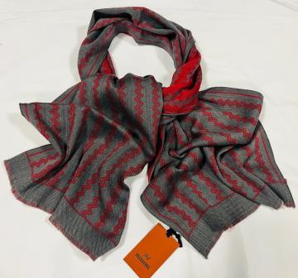 | MISSONI | SCARVES | SCWOU | A573 | 0001 GREY/RED | 40x180 | 100%WOOL | 25 | € 130.00 | € 3,250.00 | € 27.30 | € 682.50 | £24.16 | £603.98
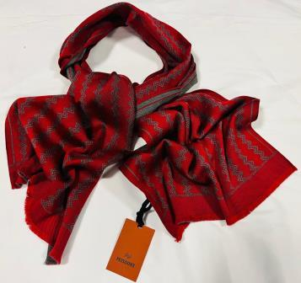 | MISSONI | SCARVES | SCWOU | A573 | 0001 RED | 40x180 | 100%WOOL | 8 | € 130.00 | € 1,040.00 | € 27.30 | € 218.40 | £24.16 | £193.27
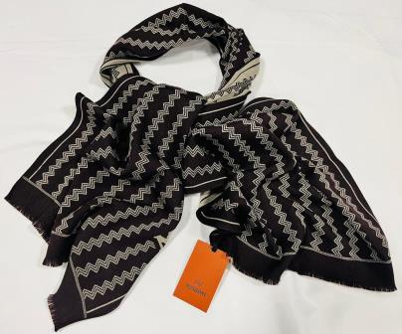 | MISSONI | SCARVES | SCWOU | A573 | 002 BROWN BEIGE | 40x180 | 100%WOOL | 7 | € 130.00 | € 910.00 | € 27.30 | € 191.10 | £24.16 | £169.12
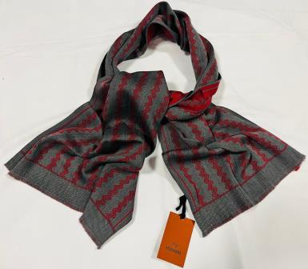 | MISSONI | SCARVES | SCWOU | A573 | 002 GRAY/RED | 40x180 | 100%WOOL | 40 | € 130.00 | € 5,200.00 | € 27.30 | € 1,092.00 | £24.16 | £966.37
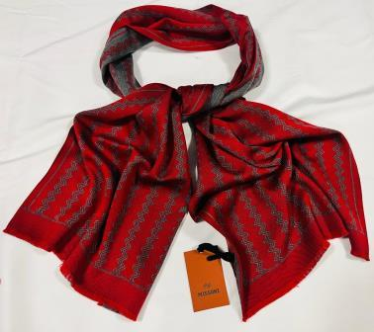 | MISSONI | SCARVES | SC36WOU | A573 | 0002 RED | 40x180 | 100%WOOL | 114 | € 130.00 | € 14,820.00 | € 27.30 | € 3,112.20 | £24.16 | £2,754.16
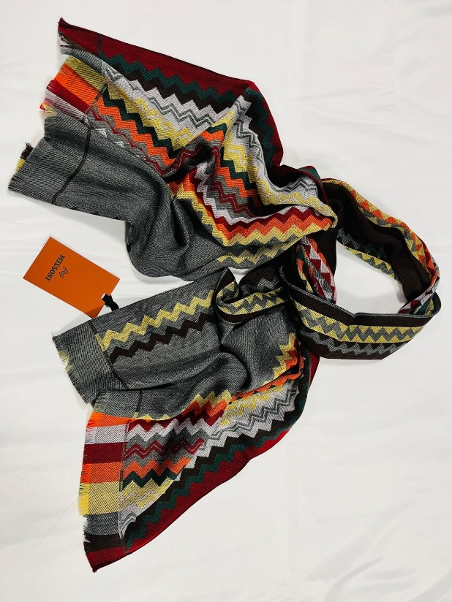 | MISSONI | SCARVES | SC36WOU | 574 | 0001 | 40x180 | 100%WOOL | 349 | € 130.00 | € 45,370.00 | € 27.30 | € 9,527.70 | £24.16 | £8,431.59
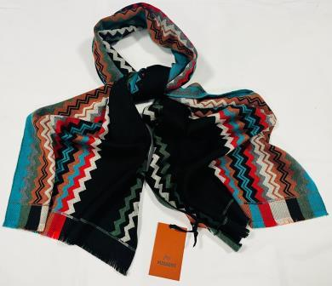 | MISSONI | SCARVES | SC36WOU | 574 | 0002 | 40x180 | 100%WOOL | 246 | € 130.00 | € 31,980.00 | € 27.30 | € 6,715.80 | £24.16 | £5,943.19
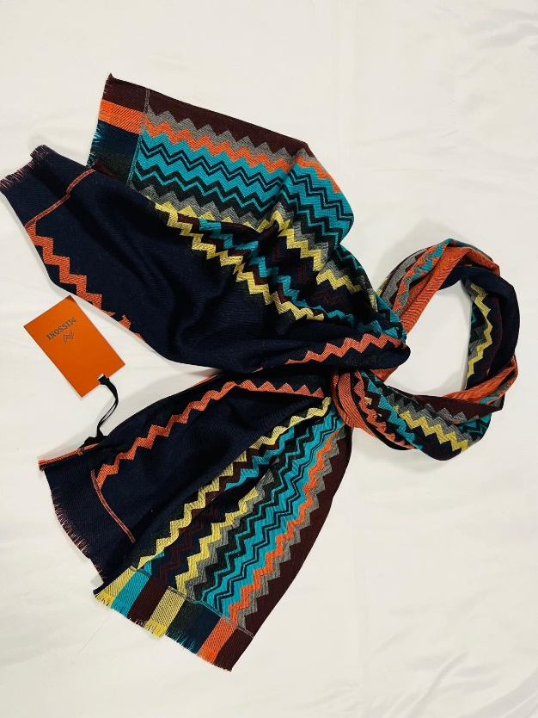 | MISSONI | SCARVES | SC36WOU | 574 | 0003 | 40x180 | 100%WOOL | 353 | € 130.00 | € 45,890.00 | € 27.30 | € 9,636.90 | £24.16 | £8,528.23
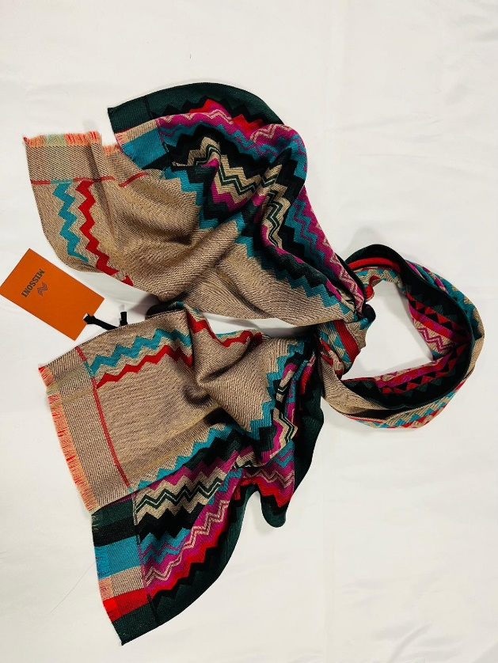 | MISSONI | SCARVES | SC36WOU | 574 | 0004 | 40x180 | 100%WOOL | 292 | € 130.00 | € 37,960.00 | € 27.30 | € 7,971.60 | £24.16 | £7,054.51
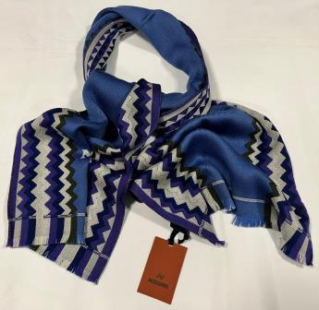 | MISSONI | SCARVES | SC36WOU | 704 | 0001 VIOLA | 40x180 | 100%WOOL | 201 | € 130.00 | € 26,130.00 | € 27.30 | € 5,487.30 | £24.16 | £4,856.02
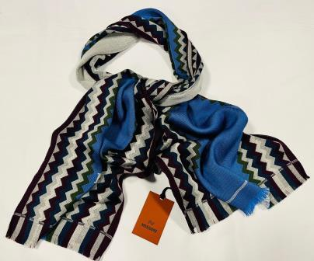 | MISSONI | SCARVES | SC36WOU | 704 | 0001 BORDEAUX | 40x180 | 100%WOOL | 105 | € 130.00 | € 13,650.00 | € 27.30 | € 2,866.50 | £24.16 | £2,536.73
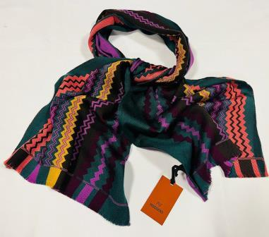 | MISSONI | SCARVES | SC36WOU | 705 | 0001 | 40x180 | 100%WOOL | 385 | € 130.00 | € 50,050.00 | € 27.30 | € 10,510.50 | £24.16 | £9,301.33
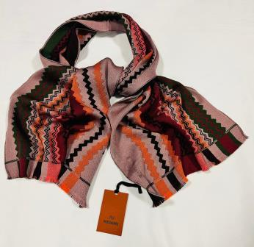 | MISSONI | SCARVES | SC36WOU | 705 | 0002 BORDEAUX | 40x180 | 100%WOOL | 79 | € 130.00 | € 10,270.00 | € 27.30 | € 2,156.70 | £24.16 | £1,908.58
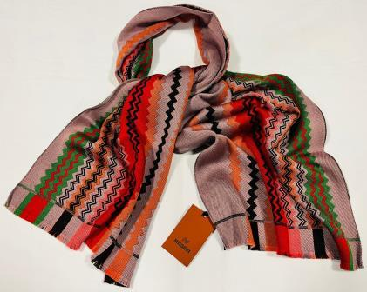 | MISSONI | SCARVES | SC36WOU | 705 | 0002 RED GREEN | 40x180 | 100%WOOL | 56 | € 130.00 | € 7,280.00 | € 27.30 | € 1,528.80 | £24.16 | £1,352.92
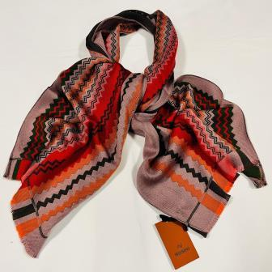 | MISSONI | SCARVES | SC36WOU | 705 | 0002 RED DK GREEN | 40x180 | 100%WOOL | 36 | € 130.00 | € 4,680.00 | € 27.30 | € 982.80 | £24.16 | £869.73
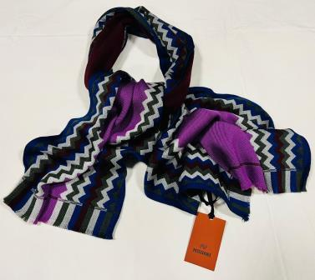 | MISSONI | SCARVES | SC36WOUA | 704 | 0002 FUXIA | 40x180 | 100%WOOL | 41 | € 130.00 | € 5,330.00 | € 27.30 | € 1,119.30 | £24.16 | £990.53
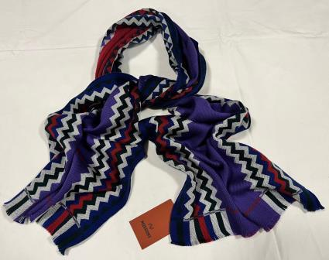 | MISSONI | SCARVES | SC36WOUA | 704 | 0002 VERDE | 40x180 | 100%WOOL | 41 | € 130.00 | € 5,330.00 | € 27.30 | € 1,119.30 | £24.16 | £990.53
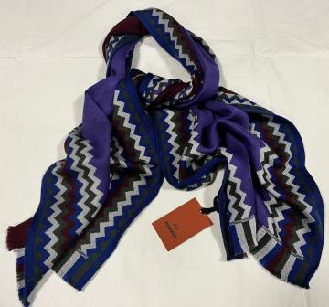 | MISSONI | SCARVES | SC36WOUA | 704 | 0002 BORDEAUX | 40x180 | 100%WOOL | 65 | € 130.00 | € 8,450.00 | € 27.30 | € 1,774.50 | £24.16 | £1,570.35
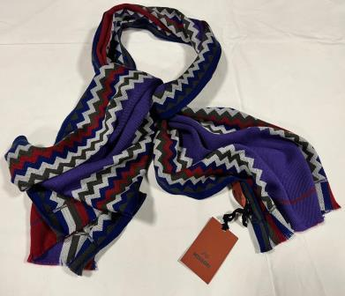 | MISSONI | SCARVES | SC36WOUA | 704 | 0002 VERDE SC | 40x180 | 100%WOOL | 144 | € 130.00 | € 18,720.00 | € 27.30 | € 3,931.20 | £24.16 | £3,478.94
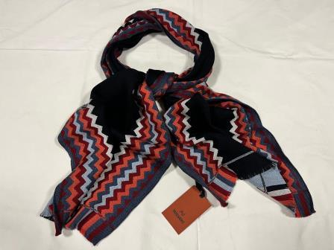 | MISSONI | SCARVES | SC36WOUA | 704 | 0003 GREY | 40x180 | 100%WOOL | 208 | € 130.00 | € 27,040.00 | € 27.30 | € 5,678.40 | £24.16 | £5,025.13
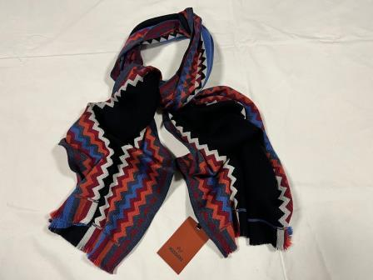 | MISSONI | SCARVES | SC36WOUA | 704 | 0003 BLUE | 40x180 | 100%WOOL | 40 | € 130.00 | € 5,200.00 | € 27.30 | € 1,092.00 | £24.16 | £966.37
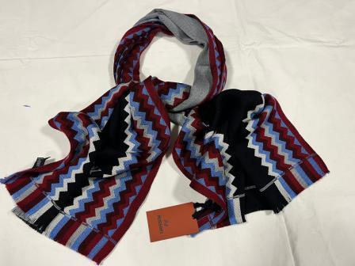 | MISSONI | SCARVES | SC36WOUA | 704 | 0003 GREY BLU | 40x180 | 100%WOOL | 38 | € 130.00 | € 4,940.00 | € 27.30 | € 1,037.40 | £24.16 | £918.05
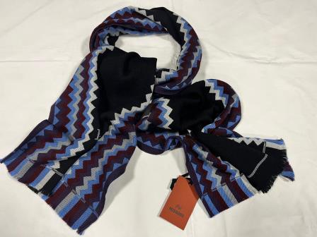 | MISSONI | SCARVES | SC36WOUA | 704 | 0004 BLACK BORDEAUX | 40x180 | 100%WOOL | 137 | € 130.00 | € 17,810.00 | € 27.30 | € 3,740.10 | £24.16 | £3,309.82
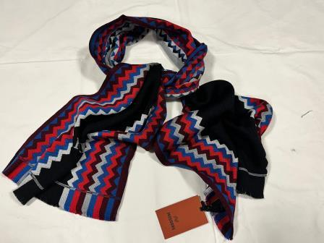 | MISSONI | SCARVES | SC36WOUA | 704 | 0004 BLACK RED | 40x180 | 100%WOOL | 37 | € 130.00 | € 4,810.00 | € 27.30 | € 1,010.10 | £24.16 | £893.89
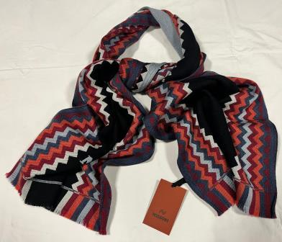 | MISSONI | SCARVES | SC36WOUA | 704 | 0004 BLACK GREY | 40x180 | 100%WOOL | 44 | € 130.00 | € 5,720.00 | € 27.30 | € 1,201.20 | £24.16 | £1,063.01
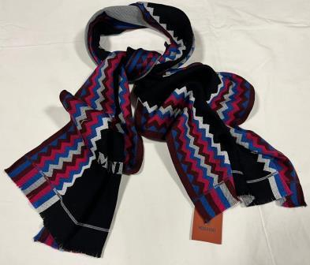 | MISSONI | SCARVES | SC36WOUA | 704 | 0004 BLACK FUXIA | 40x180 | 100%WOOL | 12 | € 130.00 | € 1,560.00 | € 27.30 | € 327.60 | £24.16 | £289.91
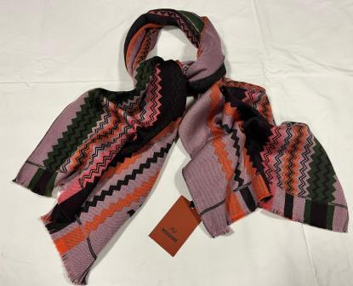 | MISSONI | SCARVES | SC36WOUA | 705 | 0002 BROWN | 40x180 | 100%WOOL | 4 | € 130.00 | € 520.00 | € 27.30 | € 109.20 | £24.16 | £96.64
 |  |  |  |  |  |  |  | 4599 |  | € 597,870.00 |  | € 125,552.70 |  | £111,108.58

