OFFER
REF
NAME*
COMPANY NAME
DATE*
SALES REP*
EMAIL*
PHONE #*
PAYMENT CURRENCY (€/£)*
BILLING ADDRESS*
ORDER NUMBER
PRE/IN HAND
DELIVERY TYPE |  |  | COLOUR REFERENCE

 |  |  | RED | BEI | CML | CUO | BLK | WHI | D-BRW
BAG NAME | CODE | BAG PICTURE | QTY | QTY | QTY | QTY | QTY | QTY | QTY | TOT QTY | RRP € | RRP TOT € | COST € | COST TOT € | COST £ | COST TOT £
BRUNEI | GGBV-BRU |  | 0 | 69 | 0 | 0 | 0 |  |  | 69 | € 155.00 | € 10,695.00 | € 27.00 | € 1,863.00 | £24.11 | £1,663.39
MIKONOS | GGBV-MIK |  |  | 120 | 120 | 119 | 110 |  |  | 469 | € 171.00 | € 80,199.00 | € 27.00 | € 12,663.00 | £24.11 | £11,306.25
RODI | GGBV-ROD | 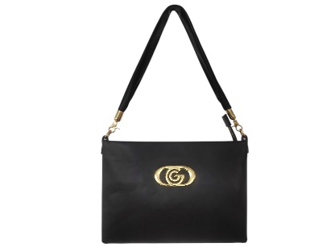 | 100 | 138 | 100 | 80 | 70 |  |  | 488 | € 129.00 | € 62,952.00 | € 27.00 | € 13,176.00 | £24.11 | £11,764.29
CARLOTTA | GGBV-CAR |  |  | 120 | 120 | 129 | 120 |  |  | 489 | € 171.00 | € 83,619.00 | € 27.00 | € 13,203.00 | £24.11 | £11,788.39
CATERINA | GGBV-MIK | 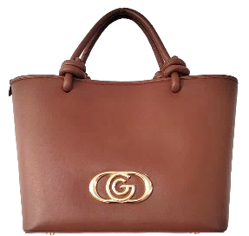 |  | 120 | 120 | 110 | 98 |  |  | 448 | € 171.00 | € 76,608.00 | € 27.00 | € 12,096.00 | £24.11 | £10,800.00
CLARA | GGBV-CLA | 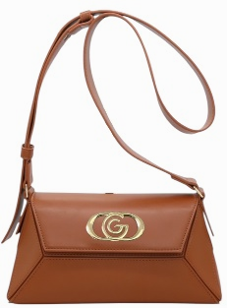 | 140 | 140 | 140 | 120 | 118 |  |  | 658 | € 177.00 | € 116,466.00 | € 27.00 | € 17,766.00 | £24.11 | £15,862.50
GAIA | GGBV-GAI |  | 49 | 100 | 50 | 40 | 40 |  |  | 279 | € 161.00 | € 44,919.00 | € 27.00 | € 7,533.00 | £24.11 | £6,725.89
JENNY | GGBV-JEN |  | 49 | 90 | 50 | 30 | 8 |  |  | 227 | € 155.00 | € 35,185.00 | € 27.00 | € 6,129.00 | £24.11 | £5,472.32
STEFI | GGBV-STE |  |  | 138 | 150 | 120 | 120 |  |  | 528 | € 168.00 | € 88,704.00 | € 27.00 | € 14,256.00 | £24.11 | £12,728.57
KETTY | GGBV-KET | 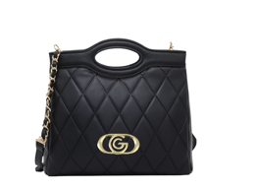 | 38 | 80 | 0 | 0 | 0 |  |  | 118 | € 163.00 | € 19,234.00 | € 27.00 | € 3,186.00 | £24.11 | £2,844.64
ALESSIA | GGBV-ALE |  |  | 140 | 128 | 130 | 110 |  |  | 508 | € 176.00 | € 89,408.00 | € 27.00 | € 13,716.00 | £24.11 | £12,246.43
VALENCIA | GGBV-VAL |  | 0 | 69 | 0 | 0 | 0 |  |  | 69 | € 144.00 | € 9,936.00 | € 27.00 | € 1,863.00 | £24.11 | £1,663.39
HERA | GGBV-HER |  |  | 120 | 110 | 100 | 108 |  |  | 438 | € 162.00 | € 70,956.00 | € 27.00 | € 11,826.00 | £24.11 | £10,558.93
JESOLO | GGBV-JES |  |  | 140 | 120 | 110 | 89 |  |  | 459 | € 162.00 | € 74,358.00 | € 27.00 | € 12,393.00 | £24.11 | £11,065.18
NAXOS | GGBV-NAX |  |  | 130 | 140 | 138 | 120 |  |  | 528 | € 175.00 | € 92,400.00 | € 27.00 | € 14,256.00 | £24.11 | £12,728.57
SANTORINI | GGBV-SAN |  |  | 130 | 118 | 120 | 120 |  |  | 488 | € 162.00 | € 79,056.00 | € 27.00 | € 13,176.00 | £24.11 | £11,764.29
MARBELLA | GGBV-MAR | 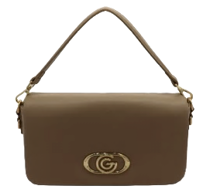 |  | 138 | 130 | 140 | 120 |  |  | 528 | € 162.00 | € 85,536.00 | € 27.00 | € 14,256.00 | £24.11 | £12,728.57
SIVIGLIA | GGBV-SIV | 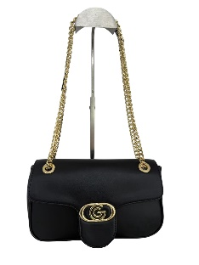 | 130 | 140 | 140 | 139 | 110 |  |  | 659 | € 162.00 | € 106,758.00 | € 27.00 | € 17,793.00 | £24.11 | £15,886.61
GRIMAUD | GGBV-GRI | 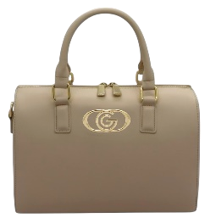 |  | 140 | 129 | 139 | 120 |  |  | 528 | € 168.00 | € 88,704.00 | € 27.00 | € 14,256.00 | £24.11 | £12,728.57
BIARRIZ | GGBV-BIA |  |  | 130 | 140 | 118 | 110 |  |  | 498 | € 162.00 | € 80,676.00 | € 27.00 | € 13,446.00 | £24.11 | £12,005.36
KATTY | GGB-007M-WHI |  |  |  |  |  |  | 10 |  | 10 | € 129.00 | € 1,290.00 | € 27.00 | € 270.00 | £24.11 | £241.07
CLAIRE | GGB-023M-WHI |  |  |  |  |  |  | 10 |  | 10 | € 145.00 | € 1,450.00 | € 27.00 | € 270.00 | £24.11 | £241.07
SHYLA | GGB-019M-DBRW |  |  |  |  |  |  |  | 10 | 10 | € 165.00 | € 1,650.00 | € 27.00 | € 270.00 | £24.11 | £241.07
 |  |  |  |  |  |  |  |  |  | 8506 |  | € 1,400,759.00 |  | € 229,662.00 |  | £205,055.36

