OFFER
COMPANY NAME
NAME*
COMPANY NAME
DATE*
SALES REP*
EMAIL*
PHONE #*
PAYMENT CURRENCY (€/£)*
BILLING ADDRESS*
ORDER NUMBER
PRE/IN HAND
DELIVERY TYPE

Image | Image | Brand | Gender | Family | Item Description | Item Color | Item SKU | Size | QTY | WHS | TTL WHS | EAN | HS CODE | COMPOSITION | MADE IN | RRP € | RRP TOT € | COST € | COST TOT € | COST £ | COST TOT £
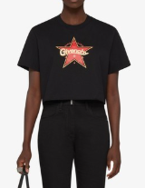 | 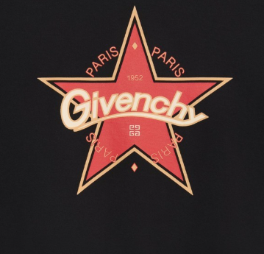 | GIVENCHY | WOMAN | T-SHIRT | CROPPED MASCULINE T-SHIRT | BW709X3ZA4001 | BW709X3ZA4001XS | XS | 2 | € 196.00 | € 392.00 | 3666205890210 | 6109100010 | Main Material : 100 % COTTON | PT | € 450.00 | € 900.00 | € 171.99 | € 343.98 | £153.56 | £307.12
 |  | GIVENCHY | WOMAN | T-SHIRT | CROPPED MASCULINE T-SHIRT | BW709X3ZA4001 | BW709X3ZA4001S | S | 3 | € 196.00 | € 588.00 | 3666205890197 | 6109100010 | Main Material : 100 % COTTON | PT | € 450.00 | € 1,350.00 | € 171.99 | € 515.97 | £153.56 | £460.69
 |  | GIVENCHY | WOMAN | T-SHIRT | CROPPED MASCULINE T-SHIRT | BW709X3ZA4001 | BW709X3ZA4001M | M | 3 | € 196.00 | € 588.00 | 3666205890180 | 6109100010 | Main Material : 100 % COTTON | PT | € 450.00 | € 1,350.00 | € 171.99 | € 515.97 | £153.56 | £460.69
 |  | GIVENCHY | WOMAN | T-SHIRT | CROPPED MASCULINE T-SHIRT | BW709X3ZA4001 | BW709X3ZA4001L | L | 2 | € 196.00 | € 392.00 | 3666205890173 | 6109100010 | Main Material : 100 % COTTON | PT | € 450.00 | € 900.00 | € 171.99 | € 343.98 | £153.56 | £307.12
 | 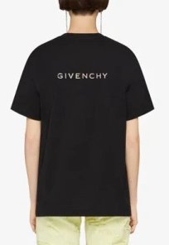 | GIVENCHY | WOMAN | T-SHIRT | SHORT SLEEVE CLASSIC FIT T-SHIRT | BW707Z3Z9Y001 | BW707Z3Z9Y001XS | XS | 2 | € 196.00 | € 392.00 | 3666513050696 | 6109100010 | Main Material : 100 % COTTON | PT | € 450.00 | € 900.00 | € 171.99 | € 343.98 | £153.56 | £307.12
 |  | GIVENCHY | WOMAN | T-SHIRT | SHORT SLEEVE CLASSIC FIT T-SHIRT | BW707Z3Z9Y001 | BW707Z3Z9Y001S | S | 3 | € 196.00 | € 588.00 | 3666513050672 | 6109100010 | Main Material : 100 % COTTON | PT | € 450.00 | € 1,350.00 | € 171.99 | € 515.97 | £153.56 | £460.69
 |  | GIVENCHY | WOMAN | T-SHIRT | SHORT SLEEVE CLASSIC FIT T-SHIRT | BW707Z3Z9Y001 | BW707Z3Z9Y001M | M | 3 | € 196.00 | € 588.00 | 3666513050665 | 6109100010 | Main Material : 100 % COTTON | PT | € 450.00 | € 1,350.00 | € 171.99 | € 515.97 | £153.56 | £460.69
 |  | GIVENCHY | WOMAN | T-SHIRT | SHORT SLEEVE CLASSIC FIT T-SHIRT | BW707Z3Z9Y001 | BW707Z3Z9Y001L | L | 2 | € 196.00 | € 392.00 | 3666513050658 | 6109100010 | Main Material : 100 % COTTON | PT | € 450.00 | € 900.00 | € 171.99 | € 343.98 | £153.56 | £307.12
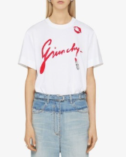 |  | GIVENCHY | WOMAN | T-SHIRT | BI COLOR MINI DRESS | BW70AS3YDD100 | BW70AS3YDD100S | S | 6 | € 196.00 | € 1,176.00 | 3617012080523 | 6109100010 | Main Material : 100 % COTTON | PT | € 450.00 | € 2,700.00 | € 171.99 | € 1,031.94 | £153.56 | £921.37
 |  | GIVENCHY | WOMAN | T-SHIRT | BI COLOR MINI DRESS | BW70AS3YDD100 | BW70AS3YDD100M | M | 4 | € 196.00 | € 784.00 | 3617012080516 | 6109100010 | Main Material : 100 % COTTON | PT | € 450.00 | € 1,800.00 | € 171.99 | € 687.96 | £153.56 | £614.25
 |  | GIVENCHY | WOMAN | T-SHIRT | BI COLOR MINI DRESS | BW70AS3YDD100 | BW70AS3YDD100L | L | 4 | € 196.00 | € 784.00 | 3617012080509 | 6109100010 | Main Material : 100 % COTTON | PT | € 450.00 | € 1,800.00 | € 171.99 | € 687.96 | £153.56 | £614.25
 |  | GIVENCHY | WOMAN | T-SHIRT | SHORT SLEEVE CLASSIC FIT T-SHIRT | BW707Z3YDE670 | BW707Z3YDE670S | S | 6 | € 196.00 | € 1,176.00 | 3617010438937 | 6109100010 | Main Material : 100 % COTTON | PT | € 450.00 | € 2,700.00 | € 171.99 | € 1,031.94 | £153.56 | £921.37
 |  | GIVENCHY | WOMAN | T-SHIRT | SHORT SLEEVE CLASSIC FIT T-SHIRT | BW707Z3YDE670 | BW707Z3YDE670M | M | 8 | € 196.00 | € 1,568.00 | 3617010438920 | 6109100010 | Main Material : 100 % COTTON | PT | € 450.00 | € 3,600.00 | € 171.99 | € 1,375.92 | £153.56 | £1,228.50
 |  | GIVENCHY | WOMAN | T-SHIRT | SHORT SLEEVE CLASSIC FIT T-SHIRT | BW707Z3YDE670 | BW707Z3YDE670L | L | 8 | € 196.00 | € 1,568.00 | 3617010438913 | 6109100010 | Main Material : 100 % COTTON | PT | € 450.00 | € 3,600.00 | € 171.99 | € 1,375.92 | £153.56 | £1,228.50
 |  | GIVENCHY | WOMAN | T-SHIRT | SHORT SLEEVE CLASSIC FIT T-SHIRT | BW707Z3YDE670 | BW707Z3YDE670XL | XL | 5 | € 196.00 | € 980.00 | 3617010438944 | 6109100010 | Main Material : 100 % COTTON | PT | € 450.00 | € 2,250.00 | € 171.99 | € 859.95 | £153.56 | £767.81
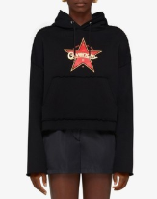 | 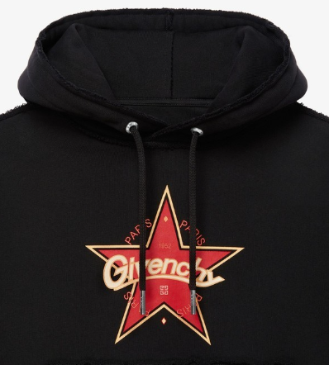 | GIVENCHY | WOMAN | SWEATSHIRT | LONG SLEEVE HOODIE | BWJ0303ZA4001 | BWJ0303ZA4001XS | XS | 5 | € 370.00 | € 1,850.00 | 3666205899374 | 61102099 | Main Material : 100 % COTTON | PT | € 850.00 | € 4,250.00 | € 324.67 | € 1,623.37 | £289.89 | £1,449.44
 |  | GIVENCHY | WOMAN | SWEATSHIRT | LONG SLEEVE HOODIE | BWJ0303ZA4001 | BWJ0303ZA4001S | S | 10 | € 370.00 | € 3,700.00 | 3666205899350 | 61102099 | Main Material : 100 % COTTON | PT | € 850.00 | € 8,500.00 | € 324.67 | € 3,246.75 | £289.89 | £2,898.88
 |  | GIVENCHY | WOMAN | SWEATSHIRT | LONG SLEEVE HOODIE | BWJ0303ZA4001 | BWJ0303ZA4001M | M | 10 | € 370.00 | € 3,700.00 | 3666205899343 | 61102099 | Main Material : 100 % COTTON | PT | € 850.00 | € 8,500.00 | € 324.67 | € 3,246.75 | £289.89 | £2,898.88
 |  | GIVENCHY | WOMAN | SWEATSHIRT | LONG SLEEVE HOODIE | BWJ0303ZA4001 | BWJ0303ZA4001L | L | 5 | € 370.00 | € 1,850.00 | 3666205899336 | 61102099 | Main Material : 100 % COTTON | PT | € 850.00 | € 4,250.00 | € 324.67 | € 1,623.37 | £289.89 | £1,449.44
 |  | GIVENCHY | WOMAN | SWEATSHIRT | CROPPED HOODIE SWEATSHIRT | BWJ04C3YEL452 | BWJ04C3YEL452XS | XS | 4 | € 370.00 | € 1,480.00 | 3617011998423 | 61102099 | Main Material : 100 % COTTON | PT | € 850.00 | € 3,400.00 | € 324.67 | € 1,298.70 | £289.89 | £1,159.55
 |  | GIVENCHY | WOMAN | SWEATSHIRT | CROPPED HOODIE SWEATSHIRT | BWJ04C3YEL452 | BWJ04C3YEL452M | M | 1 | € 370.00 | € 370.00 | 3617011998195 | 61102099 | Main Material : 100 % COTTON | PT | € 850.00 | € 850.00 | € 324.67 | € 324.67 | £289.89 | £289.89
 |  | GIVENCHY | WOMAN | SWEATSHIRT | CROPPED HOODIE SWEATSHIRT | BWJ04C3YEL452 | BWJ04C3YEL452L | L | 2 | € 370.00 | € 740.00 | 3617011998188 | 61102099 | Main Material : 100 % COTTON | PT | € 850.00 | € 1,700.00 | € 324.67 | € 649.35 | £289.89 | £579.78
 | 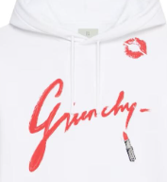 | GIVENCHY | WOMAN | SWEATSHIRT | REGULAR FIT HOODIE | BWJ01C3YDD100 | BWJ01C3YDD100XS | XS | 1 | € 370.00 | € 370.00 | 3617010452834 | 61102099 | Main Material : 100 % COTTON | PT | € 850.00 | € 850.00 | € 324.67 | € 324.67 | £289.89 | £289.89
 |  | GIVENCHY | WOMAN | SWEATSHIRT | REGULAR FIT HOODIE | BWJ01C3YDD100 | BWJ01C3YDD100S | S | 4 | € 370.00 | € 1,480.00 | 3617010452810 | 61102099 | Main Material : 100 % COTTON | PT | € 850.00 | € 3,400.00 | € 324.67 | € 1,298.70 | £289.89 | £1,159.55
 |  | GIVENCHY | WOMAN | SWEATSHIRT | REGULAR FIT HOODIE | BWJ01C3YDD100 | BWJ01C3YDD100M | M | 4 | € 370.00 | € 1,480.00 | 3617010452803 | 61102099 | Main Material : 100 % COTTON | PT | € 850.00 | € 3,400.00 | € 324.67 | € 1,298.70 | £289.89 | £1,159.55
 |  | GIVENCHY | WOMAN | SWEATSHIRT | REGULAR FIT HOODIE | BWJ01C3YDD100 | BWJ01C3YDD100L | L | 2 | € 370.00 | € 740.00 | 3617010452797 | 61102099 | Main Material : 100 % COTTON | PT | € 850.00 | € 1,700.00 | € 324.67 | € 649.35 | £289.89 | £579.78
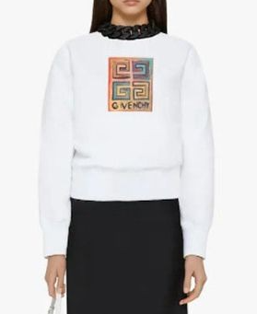 | 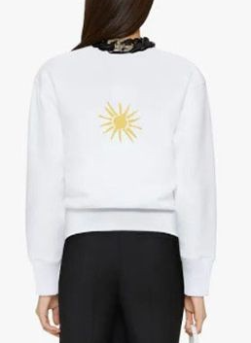 | GIVENCHY | WOMAN | SWEATSHIRT | CREWNECK SWEATSHIRT | BWJ0213Z96100 | BWJ0213Z96100XS | XS | 3 | € 326.00 | € 978.00 | 3666205638645 | 61102099 | Main Material : 100 % COTTON | PT | € 750.00 | € 2,250.00 | € 286.07 | € 858.19 | £255.42 | £766.25
 |  | GIVENCHY | WOMAN | SWEATSHIRT | CREWNECK SWEATSHIRT | BWJ0213Z96100 | BWJ0213Z96100S | S | 5 | € 326.00 | € 1,630.00 | 3666205638621 | 61102099 | Main Material : 100 % COTTON | PT | € 750.00 | € 3,750.00 | € 286.07 | € 1,430.33 | £255.42 | £1,277.08
 |  | GIVENCHY | WOMAN | SWEATSHIRT | CREWNECK SWEATSHIRT | BWJ0213Z96100 | BWJ0213Z96100M | M | 5 | € 326.00 | € 1,630.00 | 3666205638614 | 61102099 | Main Material : 100 % COTTON | PT | € 750.00 | € 3,750.00 | € 286.07 | € 1,430.33 | £255.42 | £1,277.08
 |  | GIVENCHY | WOMAN | SWEATSHIRT | CREWNECK SWEATSHIRT | BWJ0213Z96100 | BWJ0213Z96100L | L | 2 | € 326.00 | € 652.00 | 3666205638607 | 61102099 | Main Material : 100 % COTTON | PT | € 750.00 | € 1,500.00 | € 286.07 | € 572.13 | £255.42 | £510.83
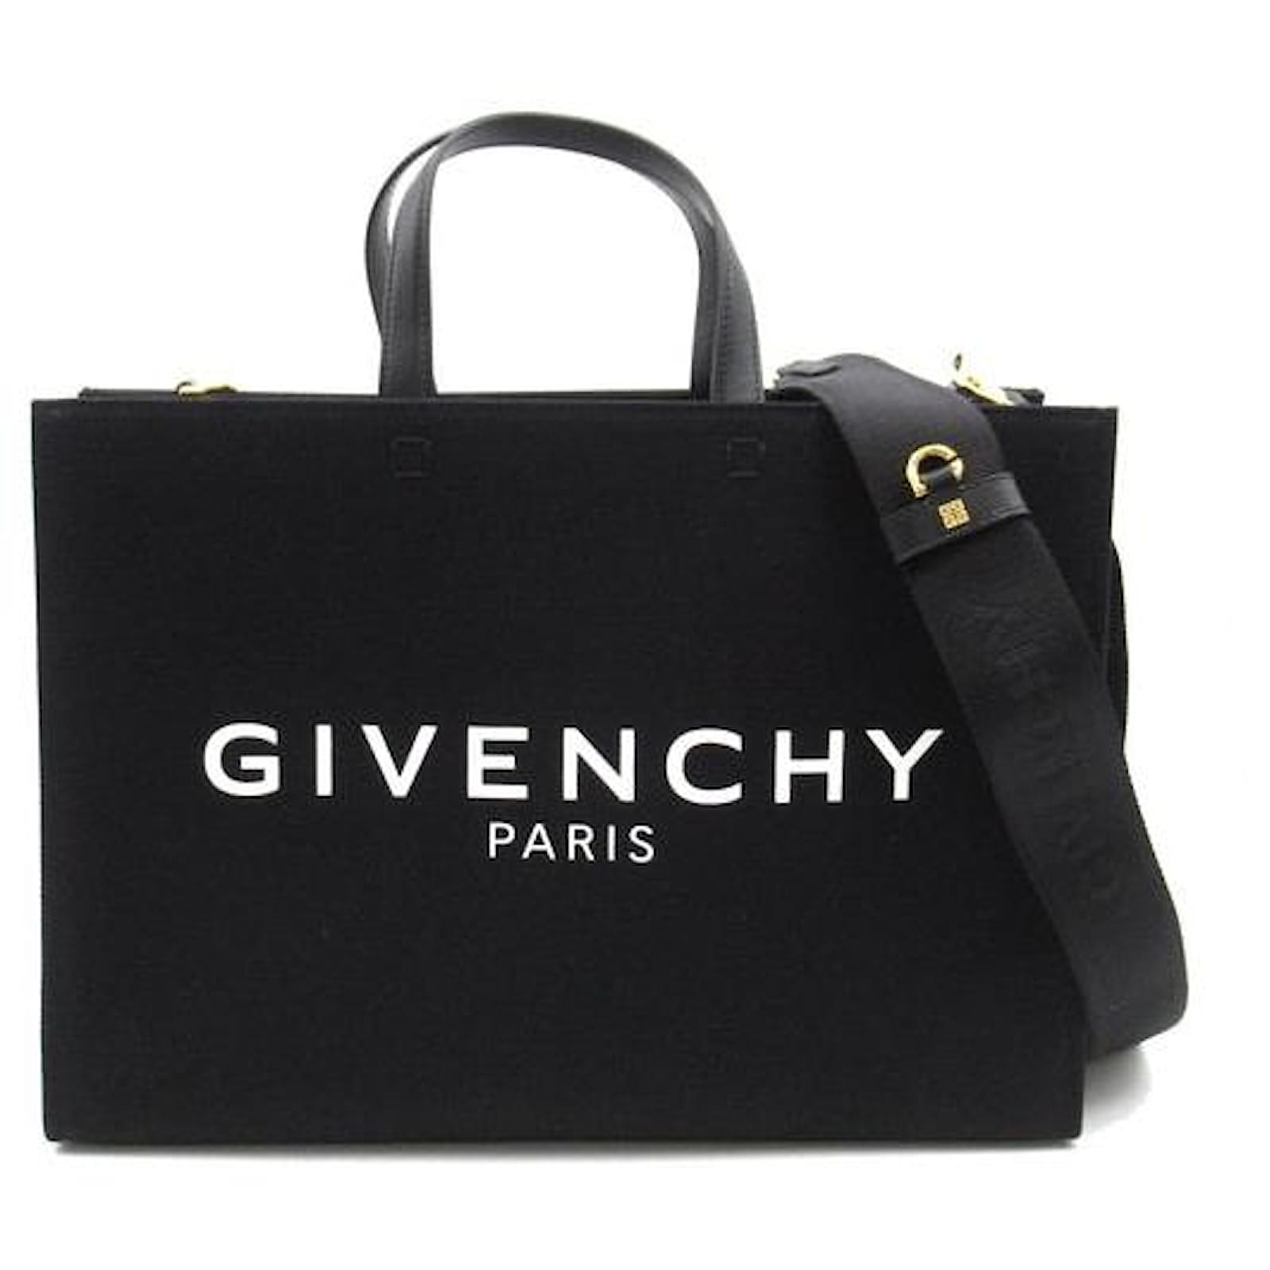 |  | GIVENCHY | WOMAN | LARGE LEATHER GOODS | G-TOTE CANVAS MEDIUM | BB50N2B1F1001 | BB50N2B1F1001 | TU | 100 | € 561.00 | € 56,100.00 | 3666205622750 | 42022290 | Main Material : 58 % COTTON 38 % LINEN 4 % POLYURETHANE | IT | € 1,290.00 | € 129,000.00 | € 492.28 | € 49,227.75 | £439.53 | £43,953.35
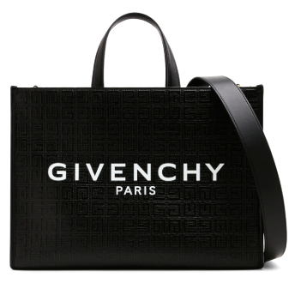 |  | GIVENCHY | WOMAN | LARGE LEATHER GOODS | G-TOTE 4G MONOGRAM | BB50N2B1GT001 | BB50N2B1GT001 | TU | 100 | € 595.00 | € 59,500.00 |  |  |  | IT | € 1,390.00 | € 139,000.00 | € 522.11 | € 52,211.25 | £466.17 | £46,617.19
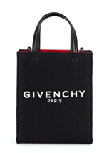 |  | GIVENCHY | WOMAN | LARGE LEATHER GOODS | G-TOTE BASIC | BB50R9B1F1001 | BB50R9B1F1001 | TU | 50 | € 395.00 | € 19,750.00 |  |  |  | IT | € 890.00 | € 44,500.00 | € 346.61 | € 17,330.62 | £309.48 | £15,473.77
 |  | GIVENCHY | MAN | T-SHIRT | SLIM FIT T-SHIRT | BM716G3YM8001 | BM716G3YM8001XS | XS | 10 | € 196.00 | € 1,960.00 | 3617013952089 | 6109100010 | Main Material : 100 % COTTON | PT | € 490.00 | € 4,900.00 | € 171.99 | € 1,719.90 | £153.56 | £1,535.62
 |  | GIVENCHY | MAN | T-SHIRT | SLIM FIT T-SHIRT | BM716G3YM8001 | BM716G3YM8001S | S | 20 | € 196.00 | € 3,920.00 | 3617013952065 | 6109100010 | Main Material : 100 % COTTON | PT | € 490.00 | € 9,800.00 | € 171.99 | € 3,439.80 | £153.56 | £3,071.25
 |  | GIVENCHY | MAN | T-SHIRT | SLIM FIT T-SHIRT | BM716G3YM8001 | BM716G3YM8001M | M | 21 | € 196.00 | € 4,116.00 | 3617013952058 | 6109100010 | Main Material : 100 % COTTON | PT | € 490.00 | € 10,290.00 | € 171.99 | € 3,611.79 | £153.56 | £3,224.81
 |  | GIVENCHY | MAN | T-SHIRT | SLIM FIT T-SHIRT | BM716G3YM8001 | BM716G3YM8001L | L | 12 | € 196.00 | € 2,352.00 | 3617013952041 | 6109100010 | Main Material : 100 % COTTON | PT | € 490.00 | € 5,880.00 | € 171.99 | € 2,063.88 | £153.56 | £1,842.75
 |  | GIVENCHY | MAN | T-SHIRT | SLIM FIT T-SHIRT | BM716G3YM8001 | BM716G3YM8001XL | XL | 18 | € 196.00 | € 3,528.00 | 3617013952072 | 6109100010 | Main Material : 100 % COTTON | PT | € 490.00 | € 8,820.00 | € 171.99 | € 3,095.82 | £153.56 | £2,764.12
 |  | GIVENCHY | MAN | T-SHIRT | SLIM FIT T-SHIRT | BM716G3YM8001 | BM716G3YM8001XXL | XXL | 1 | € 196.00 | € 196.00 | 3617013952096 | 6109100010 | Main Material : 100 % COTTON | PT | € 490.00 | € 490.00 | € 171.99 | € 171.99 | £153.56 | £153.56
 | 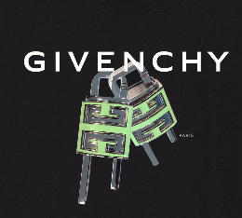 | GIVENCHY | MAN | T-SHIRT | SLIM FIT T-SHIRT | BM716G3YBC001 | BM716G3YBC001XS | XS | 9 | € 192.00 | € 1,728.00 | 3617010282875 | 6109100010 | Main Material : 100 % COTTON | PT | € 390.00 | € 3,510.00 | € 168.48 | € 1,516.32 | £150.43 | £1,353.86
 |  | GIVENCHY | MAN | T-SHIRT | SLIM FIT T-SHIRT | BM716G3YBC001 | BM716G3YBC001S | S | 17 | € 192.00 | € 3,264.00 | 3617010282851 | 6109100010 | Main Material : 100 % COTTON | PT | € 390.00 | € 6,630.00 | € 168.48 | € 2,864.16 | £150.43 | £2,557.29
 |  | GIVENCHY | MAN | T-SHIRT | SLIM FIT T-SHIRT | BM716G3YBC001 | BM716G3YBC001M | M | 20 | € 192.00 | € 3,840.00 | 3617010282844 | 6109100010 | Main Material : 100 % COTTON | PT | € 390.00 | € 7,800.00 | € 168.48 | € 3,369.60 | £150.43 | £3,008.57
 |  | GIVENCHY | MAN | T-SHIRT | SLIM FIT T-SHIRT | BM716G3YBC001 | BM716G3YBC001L | L | 14 | € 192.00 | € 2,688.00 | 3617010282837 | 6109100010 | Main Material : 100 % COTTON | PT | € 390.00 | € 5,460.00 | € 168.48 | € 2,358.72 | £150.43 | £2,106.00
 |  | GIVENCHY | MAN | T-SHIRT | SLIM FIT T-SHIRT | BM716G3YBC001 | BM716G3YBC001XL | XL | 8 | € 192.00 | € 1,536.00 | 3617010282868 | 6109100010 | Main Material : 100 % COTTON | PT | € 390.00 | € 3,120.00 | € 168.48 | € 1,347.84 | £150.43 | £1,203.43
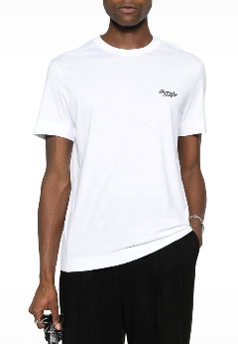 | 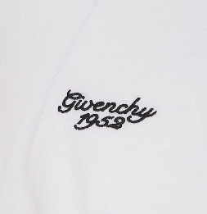 | GIVENCHY | MAN | T-SHIRT | SLIM FIT T-SHIRT | BM716G3YM8100 | BM716G3YM8100XS | XS | 8 | € 196.00 | € 1,568.00 | 3617013952195 | 6109100010 | Main Material : 100 % COTTON | PT | € 490.00 | € 3,920.00 | € 171.99 | € 1,375.92 | £153.56 | £1,228.50
 |  | GIVENCHY | MAN | T-SHIRT | SLIM FIT T-SHIRT | BM716G3YM8100 | BM716G3YM8100S | S | 19 | € 196.00 | € 3,724.00 | 3617013952171 | 6109100010 | Main Material : 100 % COTTON | PT | € 490.00 | € 9,310.00 | € 171.99 | € 3,267.81 | £153.56 | £2,917.69
 |  | GIVENCHY | MAN | T-SHIRT | SLIM FIT T-SHIRT | BM716G3YM8100 | BM716G3YM8100M | M | 25 | € 196.00 | € 4,900.00 | 3617013952164 | 6109100010 | Main Material : 100 % COTTON | PT | € 490.00 | € 12,250.00 | € 171.99 | € 4,299.75 | £153.56 | £3,839.06
 |  | GIVENCHY | MAN | T-SHIRT | SLIM FIT T-SHIRT | BM716G3YM8100 | BM716G3YM8100L | L | 25 | € 196.00 | € 4,900.00 | 3617013952157 | 6109100010 | Main Material : 100 % COTTON | PT | € 490.00 | € 12,250.00 | € 171.99 | € 4,299.75 | £153.56 | £3,839.06
 |  | GIVENCHY | MAN | T-SHIRT | SLIM FIT T-SHIRT | BM716G3YM8100 | BM716G3YM8100XL | XL | 18 | € 196.00 | € 3,528.00 | 3617013952188 | 6109100010 | Main Material : 100 % COTTON | PT | € 490.00 | € 8,820.00 | € 171.99 | € 3,095.82 | £153.56 | £2,764.12
 |  | GIVENCHY | MAN | T-SHIRT | SLIM FIT T-SHIRT | BM716G3YM8100 | BM716G3YM8100XXL | XXL | 7 | € 196.00 | € 1,372.00 | 3617013952201 | 6109100010 | Main Material : 100 % COTTON | PT | € 490.00 | € 3,430.00 | € 171.99 | € 1,203.93 | £153.56 | £1,074.94
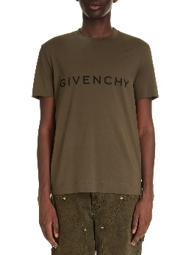 |  | GIVENCHY | MAN | T-SHIRT | SLIM FIT T-SHIRT | BM716G3YAC305 | BM716G3YAC305S | S | 5 | € 156.00 | € 780.00 | 3617013952201 | 6109100010 | Main Material : 100 % COTTON | PT | € 390.00 | € 1,950.00 | € 136.89 | € 684.45 | £122.22 | £611.12
 |  | GIVENCHY | MAN | T-SHIRT | SLIM FIT T-SHIRT | BM716G3YAC305 | BM716G3YAC305M | M | 5 | € 156.00 | € 780.00 | 3617013125421 | 6109100010 | Main Material : 100 % COTTON | PT | € 390.00 | € 1,950.00 | € 136.89 | € 684.45 | £122.22 | £611.12
 |  | GIVENCHY | MAN | T-SHIRT | SLIM FIT T-SHIRT | BM716G3YAC305 | BM716G3YAC305L | L | 5 | € 156.00 | € 780.00 | 3617013125414 | 6109100010 | Main Material : 100 % COTTON | PT | € 390.00 | € 1,950.00 | € 136.89 | € 684.45 | £122.22 | £611.12
 |  | GIVENCHY | MAN | T-SHIRT | SLIM FIT T-SHIRT | BM716G3YAC305 | BM716G3YAC305XL | XL | 3 | € 156.00 | € 468.00 | 3617013125407 | 6109100010 | Main Material : 100 % COTTON | PT | € 390.00 | € 1,170.00 | € 136.89 | € 410.67 | £122.22 | £366.67
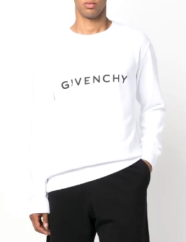 | 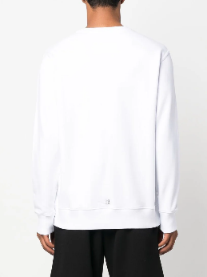 | GIVENCHY | MAN | SWEATSHIRT | SLIM FIT SWEATSHIRT | BMJ0HA3YAC100 | BMJ0HA3YAC100S | S | 18 | € 236.00 | € 4,248.00 | 3617010072100 | 61102091 | Main Material : 100 % COTTON | PT | € 590.00 | € 10,620.00 | € 207.09 | € 3,727.62 | £184.90 | £3,328.23
 |  | GIVENCHY | MAN | SWEATSHIRT | SLIM FIT SWEATSHIRT | BMJ0HA3YAC100 | BMJ0HA3YAC100M | M | 24 | € 236.00 | € 5,664.00 | 3617010072094 | 61102091 | Main Material : 100 % COTTON | PT | € 590.00 | € 14,160.00 | € 207.09 | € 4,970.16 | £184.90 | £4,437.64
 |  | GIVENCHY | MAN | SWEATSHIRT | SLIM FIT SWEATSHIRT | BMJ0HA3YAC100 | BMJ0HA3YAC100L | L | 18 | € 236.00 | € 4,248.00 | 3617010072087 | 61102091 | Main Material : 100 % COTTON | PT | € 590.00 | € 10,620.00 | € 207.09 | € 3,727.62 | £184.90 | £3,328.23
 |  | GIVENCHY | MAN | SWEATSHIRT | SLIM FIT SWEATSHIRT | BMJ0HA3YAC100 | BMJ0HA3YAC100XL | XL | 6 | € 236.00 | € 1,416.00 | 3617010072117 | 61102091 | Main Material : 100 % COTTON | PT | € 590.00 | € 3,540.00 | € 207.09 | € 1,242.54 | £184.90 | £1,109.41
 | 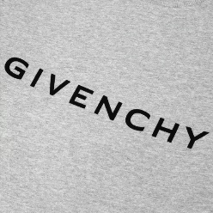 | GIVENCHY | MAN | SWEATSHIRT | SLIM FIT SWEATSHIRT | BMJ0HA3YAC055 | BMJ0HA3YAC055S | S | 7 | € 236.00 | € 1,652.00 | 3617010144913 | 61102091 | Main Material : 100 % COTTON | PT | € 590.00 | € 4,130.00 | € 207.09 | € 1,449.63 | £184.90 | £1,294.31
 |  | GIVENCHY | MAN | SWEATSHIRT | SLIM FIT SWEATSHIRT | BMJ0HA3YAC055 | BMJ0HA3YAC055M | M | 12 | € 236.00 | € 2,832.00 | 3617010144906 | 61102091 | Main Material : 100 % COTTON | PT | € 590.00 | € 7,080.00 | € 207.09 | € 2,485.08 | £184.90 | £2,218.82
 |  | GIVENCHY | MAN | SWEATSHIRT | SLIM FIT SWEATSHIRT | BMJ0HA3YAC055 | BMJ0HA3YAC055L | L | 16 | € 236.00 | € 3,776.00 | 3617010144890 | 61102091 | Main Material : 100 % COTTON | PT | € 590.00 | € 9,440.00 | € 207.09 | € 3,313.44 | £184.90 | £2,958.43
 |  | GIVENCHY | MAN | SWEATSHIRT | SLIM FIT SWEATSHIRT | BMJ0HA3YAC056 | BMJ0HA3YAC055XL | XL | 2 | € 236.00 | € 472.00 | 3617010144890 | 61102091 | Main Material : 100 % COTTON | PT | € 590.00 | € 1,180.00 | € 207.09 | € 414.18 | £184.90 | £369.80
 |  | GIVENCHY | MAN | SWEATSHIRT | SLIM FIT SWEATSHIRT | BMJ0HA3YAC305 | BMJ0HA3YAC305S | S | 4 | € 236.00 | € 944.00 | 3617013132856 | 61102091 | Main Material : 100 % COTTON | PT | € 590.00 | € 2,360.00 | € 207.09 | € 828.36 | £184.90 | £739.61
 |  | GIVENCHY | MAN | SWEATSHIRT | SLIM FIT SWEATSHIRT | BMJ0HA3YAC305 | BMJ0HA3YAC305M | M | 3 | € 236.00 | € 708.00 | 3617013132856 | 61102091 | Main Material : 100 % COTTON | PT | € 590.00 | € 1,770.00 | € 207.09 | € 621.27 | £184.90 | £554.71
 |  | GIVENCHY | MAN | SWEATSHIRT | SLIM FIT SWEATSHIRT | BMJ0HA3YAC305 | BMJ0HA3YAC305L | L | 3 | € 236.00 | € 708.00 | 3617013132849 | 61102091 | Main Material : 100 % COTTON | PT | € 590.00 | € 1,770.00 | € 207.09 | € 621.27 | £184.90 | £554.71
 |  | GIVENCHY | MAN | SWEATSHIRT | SLIM FIT SWEATSHIRT | BMJ0HA3YAC305 | BMJ0HA3YAC305XL | XL | 2 | € 236.00 | € 472.00 | 3617013132832 | 61102091 | Main Material : 100 % COTTON | PT | € 590.00 | € 1,180.00 | € 207.09 | € 414.18 | £184.90 | £369.80
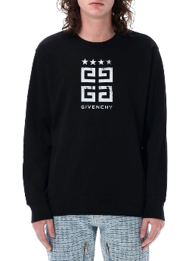 | 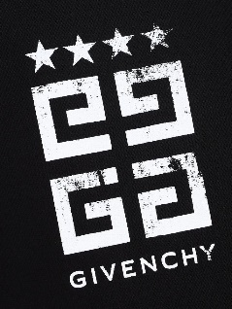 | GIVENCHY | MAN | SWEATSHIRT | SLIM FIT SWEATSHIRT | BMJ0HA3YEL001 | BMJ0HA3YEL001M | M | 13 | € 276.00 | € 3,588.00 | 3617013132863 | 61102092 | Main Material : 100 % COTTON | PT | € 590.00 | € 7,670.00 | € 242.19 | € 3,148.47 | £216.24 | £2,811.13
 | 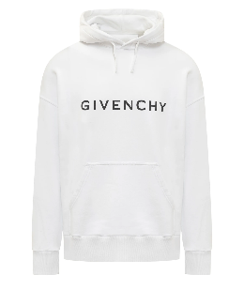 | GIVENCHY | MAN | SWEATSHIRT | SLIM FIT HOODIE | BMJ0HC3YAC100 | BMJ0HC3YAC100S | S | 10 | € 316.00 | € 3,160.00 | 3617010145361 | 61102091 | Main Material : 100 % COTTON | PT | € 790.00 | € 7,900.00 | € 277.29 | € 2,772.90 | £247.58 | £2,475.80
 |  | GIVENCHY | MAN | SWEATSHIRT | SLIM FIT HOODIE | BMJ0HC3YAC100 | BMJ0HC3YAC100M | M | 25 | € 316.00 | € 7,900.00 | 3617010145354 | 61102091 | Main Material : 100 % COTTON | PT | € 790.00 | € 19,750.00 | € 277.29 | € 6,932.25 | £247.58 | £6,189.51
 |  | GIVENCHY | MAN | SWEATSHIRT | SLIM FIT HOODIE | BMJ0HC3YAC100 | BMJ0HC3YAC100L | L | 17 | € 316.00 | € 5,372.00 | 3617010145347 | 61102091 | Main Material : 100 % COTTON | PT | € 790.00 | € 13,430.00 | € 277.29 | € 4,713.93 | £247.58 | £4,208.87
 |  | GIVENCHY | MAN | SWEATSHIRT | SLIM FIT HOODIE | BMJ0HC3YAC100 | BMJ0HC3YAC100XL | XL | 4 | € 316.00 | € 1,264.00 | 3617010145347 | 61102091 | Main Material : 100 % COTTON | PT | € 790.00 | € 3,160.00 | € 277.29 | € 1,109.16 | £247.58 | £990.32
 | 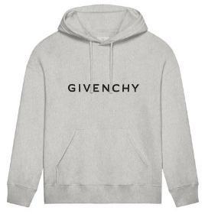 | GIVENCHY | MAN | SWEATSHIRT | SLIM FIT HOODIE | BMJ0HC3YAC055 | BMJ0HC3YAC055S | S | 4 | € 316.00 | € 1,264.00 | 3617010145279 | 61102091 | Main Material : 100 % COTTON | PT | € 790.00 | € 3,160.00 | € 277.29 | € 1,109.16 | £247.58 | £990.32
 |  | GIVENCHY | MAN | SWEATSHIRT | SLIM FIT HOODIE | BMJ0HC3YAC055 | BMJ0HC3YAC055M | M | 9 | € 316.00 | € 2,844.00 | 3617010145262 | 61102091 | Main Material : 100 % COTTON | PT | € 790.00 | € 7,110.00 | € 277.29 | € 2,495.61 | £247.58 | £2,228.22
 |  | GIVENCHY | MAN | SWEATSHIRT | SLIM FIT HOODIE | BMJ0HC3YAC055 | BMJ0HC3YAC055L | L | 6 | € 316.00 | € 1,896.00 | 3617010145255 | 61102091 | Main Material : 100 % COTTON | PT | € 790.00 | € 4,740.00 | € 277.29 | € 1,663.74 | £247.58 | £1,485.48
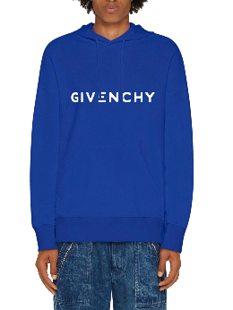 | 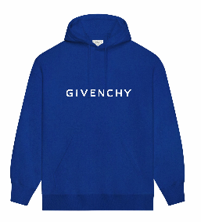 | GIVENCHY | MAN | SWEATSHIRT | SLIM FIT HOODIE | BMJ0HC3YAC426 | BMJ0HC3YAC426S | S | 8 | € 316.00 | € 2,528.00 | 3617010189853 | 61102091 | Main Material : 100 % COTTON | PT | € 790.00 | € 6,320.00 | € 277.29 | € 2,218.32 | £247.58 | £1,980.64
 |  | GIVENCHY | MAN | SWEATSHIRT | SLIM FIT HOODIE | BMJ0HC3YAC426 | BMJ0HC3YAC426M | M | 22 | € 316.00 | € 6,952.00 | 3617010189846 | 61102091 | Main Material : 100 % COTTON | PT | € 790.00 | € 17,380.00 | € 277.29 | € 6,100.38 | £247.58 | £5,446.77
 |  | GIVENCHY | MAN | SWEATSHIRT | SLIM FIT HOODIE | BMJ0HC3YAC426 | BMJ0HC3YAC426L | L | 12 | € 316.00 | € 3,792.00 | 3617010189839 | 61102091 | Main Material : 100 % COTTON | PT | € 790.00 | € 9,480.00 | € 277.29 | € 3,327.48 | £247.58 | £2,970.96
 | 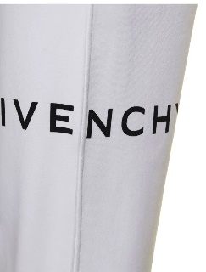 | GIVENCHY | MAN | TROUSERS | SLIM FIT JOGGING | BM514M3YAC100 | BM514M3YAC100S | S | 5 | € 288.00 | € 1,440.00 | 3617010053871 | 61034200 | Main Material : 100 % COTTON | PT | € 720.00 | € 3,600.00 | € 252.72 | € 1,263.60 | £225.64 | £1,128.21
 |  | GIVENCHY | MAN | TROUSERS | SLIM FIT JOGGING | BM514M3YAC100 | BM514M3YAC100M | M | 10 | € 288.00 | € 2,880.00 | 3617010053864 | 61034200 | Main Material : 100 % COTTON | PT | € 720.00 | € 7,200.00 | € 252.72 | € 2,527.20 | £225.64 | £2,256.43
 |  | GIVENCHY | MAN | TROUSERS | SLIM FIT JOGGING | BM514M3YAC100 | BM514M3YAC100L | L | 10 | € 288.00 | € 2,880.00 | 3617010053857 | 61034200 | Main Material : 100 % COTTON | PT | € 720.00 | € 7,200.00 | € 252.72 | € 2,527.20 | £225.64 | £2,256.43
 |  | GIVENCHY | MAN | TROUSERS | SLIM FIT JOGGING | BM514M3YAC100 | BM514M3YAC100XL | XL | 5 | € 288.00 | € 1,440.00 | 3617010053888 | 61034200 | Main Material : 100 % COTTON | PT | € 720.00 | € 3,600.00 | € 252.72 | € 1,263.60 | £225.64 | £1,128.21
 |  | GIVENCHY | MAN | TROUSERS | SLIM FIT JOGGING | BM514M3YAC055 | BM514M3YAC055S | S | 6 | € 288.00 | € 1,728.00 | 3617010144623 | 61034200 | Main Material : 100 % COTTON | PT | € 720.00 | € 4,320.00 | € 252.72 | € 1,516.32 | £225.64 | £1,353.86
 |  | GIVENCHY | MAN | TROUSERS | SLIM FIT JOGGING | BM514M3YAC055 | BM514M3YAC055M | M | 12 | € 288.00 | € 3,456.00 | 3617010144616 | 61034200 | Main Material : 100 % COTTON | PT | € 720.00 | € 8,640.00 | € 252.72 | € 3,032.64 | £225.64 | £2,707.71
 |  | GIVENCHY | MAN | TROUSERS | SLIM FIT JOGGING | BM514M3YAC055 | BM514M3YAC055L | L | 12 | € 288.00 | € 3,456.00 | 3617010144609 | 61034200 | Main Material : 100 % COTTON | PT | € 720.00 | € 8,640.00 | € 252.72 | € 3,032.64 | £225.64 | £2,707.71
 |  | GIVENCHY | MAN | TROUSERS | SLIM FIT JOGGING | BM514M3YAC055 | BM514M3YAC055XL | XL | 5 | € 288.00 | € 1,440.00 | 3617010144630 | 61034200 | Main Material : 100 % COTTON | PT | € 720.00 | € 3,600.00 | € 252.72 | € 1,263.60 | £225.64 | £1,128.21
 |  |  |  |  |  |  |  |  | 954 |  | € 308,304.00 |  |  |  |  |  | € 730,450.00 |  | € 270,536.76 |  | £241,550.68

