OFFER
REF
NAME*
COMPANY NAME
DATE*
SALES REP*
EMAIL*
PHONE #*
PAYMENT CURRENCY (€/£)*
BILLING ADDRESS*
ORDER NUMBER
PRE/IN HAND
DELIVERY TYPE

BRAND | IMAGE | MODEL | REFERENCE | EAN | QTY | RRP £ | RRP TOT £ | RRP € | RRP TOT € | COST € | COST TOT € | COST £ | COST TOT £
CHRISTIAN DIOR | 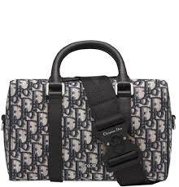 | Dior Lingot 26 Dior Oblique Jacquard Beige Black | 1ADPO267YKY | 3617060152135 | 2 | £2,150.00 | £4,300.00 | € 2,515.50 | € 5,031.00 | € 981.05 | € 1,962.09 | £838.50 | £1,677.00
CHRISTIAN DIOR | 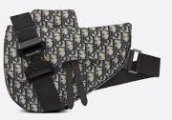 | Sac Saddle Toile jacquard Dior Oblique Grey | 1ADP0093DOS | 3617060152135 | 2 | £2,600.00 | £5,200.00 | € 3,042.00 | € 6,084.00 | € 1,186.38 | € 2,372.76 | £1,014.00 | £2,028.00
CHRISTIAN DIOR | 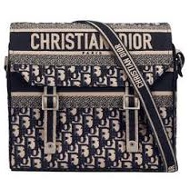 | DiorCamp Fabric Messenger Bag Box Bag Handbag Crossbody | M1291VRIW | 3617060152135 | 1 | £2,400.00 | £2,400.00 | € 2,808.00 | € 2,808.00 | € 1,095.12 | € 1,095.12 | £936.00 | £936.00
CHRISTIAN DIOR | 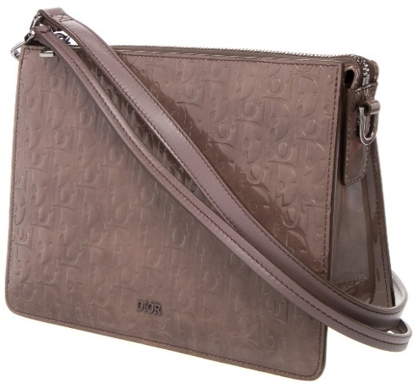 | Zipped Pouch Grey Violet Dior Gravity Leather | 1ESP0269DOV | 3617060152135 | 1 | £2,400.00 | £2,400.00 | € 2,808.00 | € 2,808.00 | € 1,095.12 | € 1,095.12 | £936.00 | £936.00
CHRISTIAN DIOR | 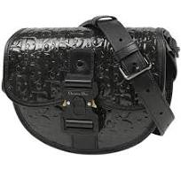 | Dior Gallop Oblique Gravity Print Leather Messenger Bag | 1ADPO033DOV | 3617060152135 | 2 | £2,500.00 | £5,000.00 | € 2,925.00 | € 5,850.00 | € 1,140.75 | € 2,281.50 | £975.00 | £1,950.00
CHRISTIAN DIOR | 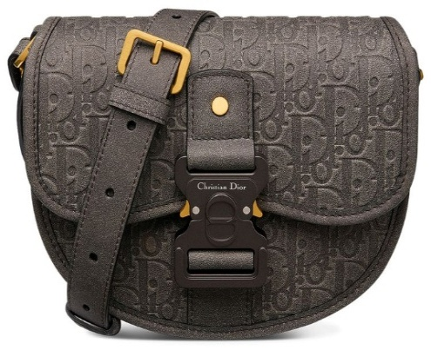 | Dior x Denim Tears Mini Gallop Bag With Strap 'Black' | 1ADPO033MAE | 3617060152135 | 1 | £2,500.00 | £2,500.00 | € 2,925.00 | € 2,925.00 | € 1,140.75 | € 1,140.75 | £975.00 | £975.00
CHRISTIAN DIOR | 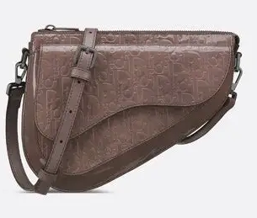 | Dior Bag Leather Shoulder Bag | 1ADPO287DOV | 3617060152135 | 3 | £3,000.00 | £9,000.00 | € 3,510.00 | € 10,530.00 | € 1,368.90 | € 4,106.70 | £1,170.00 | £3,510.00
CHRISTIAN DIOR | 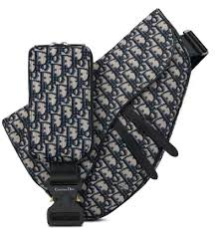 | Dior Maxi Saddle Dior Oblique Jacquard Beige Black | 1ADPO211YKY | 3617060152135 | 1 | £3,000.00 | £3,000.00 | € 3,510.00 | € 3,510.00 | € 1,368.90 | € 1,368.90 | £1,170.00 | £1,170.00
CHRISTIAN DIOR | 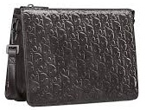 | Oblique Gravity Print Leather Shoulder Bag Crossbody Bag Men's Black | 1ESP0269DOV | 3617060152135 | 1 | £2,400.00 | £2,400.00 | € 2,808.00 | € 2,808.00 | € 1,095.12 | € 1,095.12 | £936.00 | £936.00
CHRISTIAN DIOR | 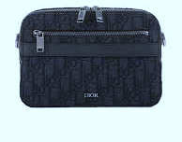 | SAFARI POUCH OBLIQUE JACOU | 1ADPO276DD0 | 3617060152135 | 6 | £2,250.00 | £13,500.00 | € 2,632.50 | € 15,795.00 | € 1,026.68 | € 6,160.05 | £877.50 | £5,265.00
CHRISTIAN DIOR | 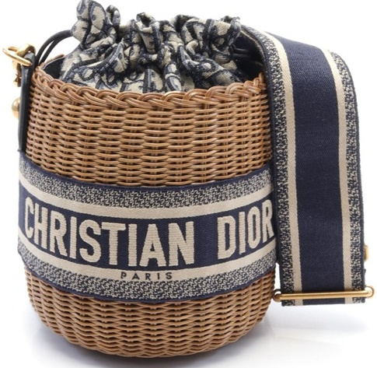 | Oblique Wicker Shoulder crossbody Bag canvas Rattan | M7600CMVO | 3617060152135 | 9 | £3,700.00 | £33,300.00 | € 4,329.00 | € 38,961.00 | € 1,688.31 | € 15,194.79 | £1,443.00 | £12,987.00
CHRISTIAN DIOR | 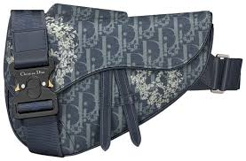 | Dior x Denim Tears Saddle Bag 'Blue' | 1ADP0093DDO | 3617060152135 | 2 | £2,500.00 | £5,000.00 | € 2,925.00 | € 5,850.00 | € 1,140.75 | € 2,281.50 | £975.00 | £1,950.00
CHRISTIAN DIOR | 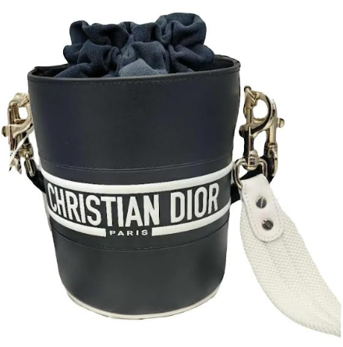 | Essential Small Tote Bag Tote Bag ArchiCannage black leathe | M8720OZVJ | 3617060152135 | 1 | £3,450.00 | £3,450.00 | € 4,036.50 | € 4,036.50 | € 1,574.24 | € 1,574.24 | £1,345.50 | £1,345.50
CHRISTIAN DIOR | 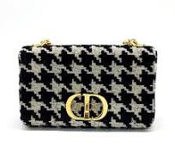 | DIOR CARO M CANVAS | M9242UTHZ | 3617060152135 | 10 | £3,000.00 | £30,000.00 | € 3,510.00 | € 35,100.00 | € 1,368.90 | € 13,689.00 | £1,170.00 | £11,700.00
CHRISTIAN DIOR |  | DIOR ESSENTIAL S BLACK | M87200ZVJ | 3617060152135 | 6 | £3,450.00 | £20,700.00 | € 4,036.50 | € 24,219.00 | € 1,574.24 | € 9,445.41 | £1,345.50 | £8,073.00
CHRISTIAN DIOR | 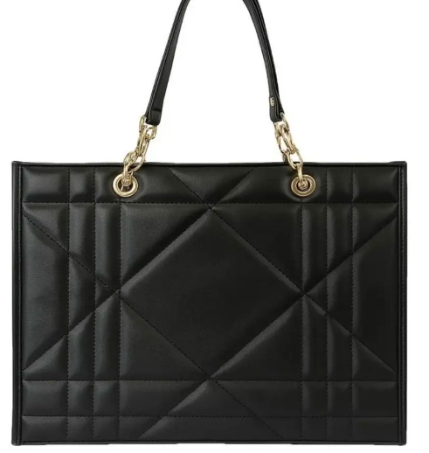 | DIOR ESSENTIAL L BLACK | M87220ZVJ | 3617060152135 | 1 | £4,200.00 | £4,200.00 | € 4,914.00 | € 4,914.00 | € 1,916.46 | € 1,916.46 | £1,638.00 | £1,638.00
CHRISTIAN DIOR | 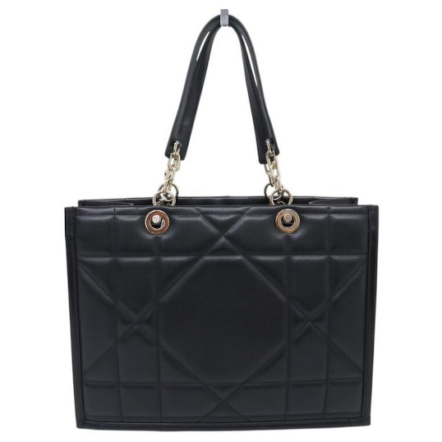 | DIOR ESSENTIAL M BLACK | M87210ZVJ | 3617060152135 | 20 | £3,700.00 | £74,000.00 | € 4,329.00 | € 86,580.00 | € 1,688.31 | € 33,766.20 | £1,443.00 | £28,860.00
CHRISTIAN DIOR | 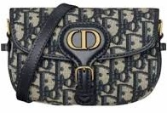 | Dior New Dior Bobby Mini Bag In Dior Oblique Jacquard And Gold Hardware Blue | S5713UTZQ | 3617060152135 | 1 | £2,050.00 | £2,050.00 | € 2,398.50 | € 2,398.50 | € 935.42 | € 935.42 | £799.50 | £799.50
CHRISTIAN DIOR | 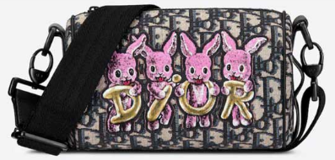 | DIOR LARGE BAG-ROLLER MULTICOLORE | M9916SNHO | 3617060152135 | 1 | £1,550.00 | £1,550.00 | € 1,813.50 | € 1,813.50 | € 707.27 | € 707.27 | £604.50 | £604.50
CHRISTIAN DIOR | 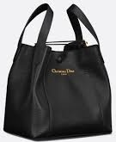 | Medium Signature Bucket Bag Black Grained Calfskin | M2841USKU | 3617060152135 | 1 | £2,750.00 | £2,750.00 | € 3,217.50 | € 3,217.50 | € 1,254.83 | € 1,254.83 | £1,072.50 | £1,072.50
CHRISTIAN DIOR | 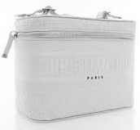 | VANITY-DIORTRAVEL VANI | XKD0VREY | 3617060152135 | 1 | £1,550.00 | £1,550.00 | € 1,813.50 | € 1,813.50 | € 707.27 | € 707.27 | £604.50 | £604.50
CHRISTIAN DIOR | 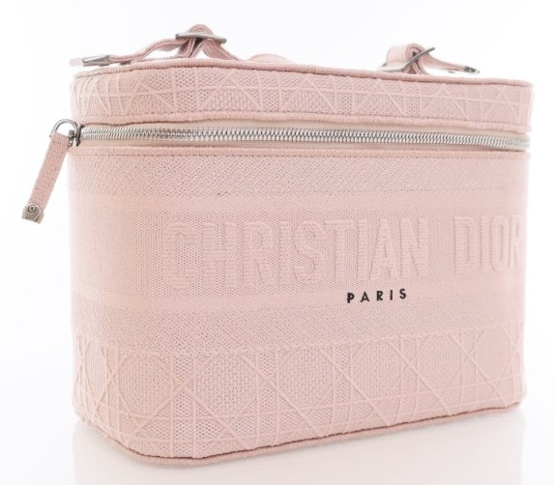 | VANITY-DIORTRAVEL VANI | XKD0VREY | 3617060152135 | 1 | £1,550.00 | £1,550.00 | € 1,813.50 | € 1,813.50 | € 707.27 | € 707.27 | £604.50 | £604.50
CHRISTIAN DIOR | 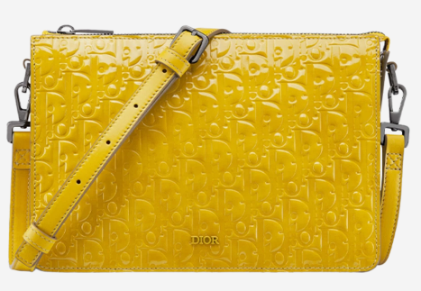 | Zipped Pouch Yellow Dior Gravity Leather | 1ESP0269DOV | 3617060152135 | 1 | £2,400.00 | £2,400.00 | € 2,808.00 | € 2,808.00 | € 1,095.12 | € 1,095.12 | £936.00 | £936.00
CHRISTIAN DIOR | 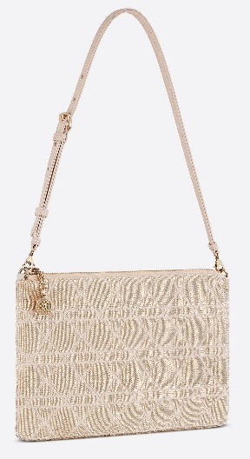 | Dior Dream Bag Cannage Cotton Bead Embroidery Dusty Ivory | M2341OIBE | 3617060152135 | 1 | £3,100.00 | £3,100.00 | € 3,627.00 | € 3,627.00 | € 1,414.53 | € 1,414.53 | £1,209.00 | £1,209.00
CHRISTIAN DIOR | 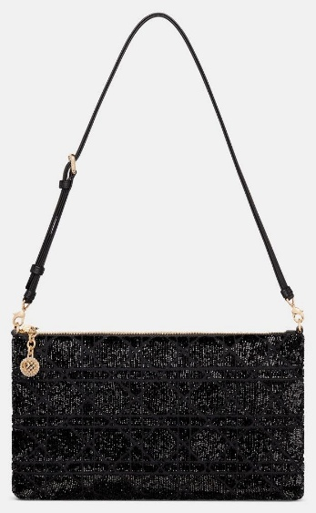 | Dior Dream Bag Cannage Cotton Bead Embroidery Black | M2341OIBE | 3617060152135 | 3 | £3,100.00 | £9,300.00 | € 3,627.00 | € 10,881.00 | € 1,414.53 | € 4,243.59 | £1,209.00 | £3,627.00
 |  |  |  |  | 79 |  | £244,600.00 |  | € 286,182.00 |  | € 111,610.98 |  | £95,394.00

