OFFER
REF
NAME*
COMPANY NAME
DATE*
SALES REP*
EMAIL*
PHONE #*
PAYMENT CURRENCY (€/£)*
BILLING ADDRESS*
ORDER NUMBER
PRE/IN HAND
DELIVERY TYPE

BRAND | IMAGE | MODEL | COLOUR | GENDER | CATEGORY | QTY | 36 | 37 | 38 | 39 | 40 | 41 | 42 | 43 | 44 | 45 | 46 | 47 | RRP € | RRP TOT € | COST € | COST TOT € | COST £ | COST TOT £
MISSONI | 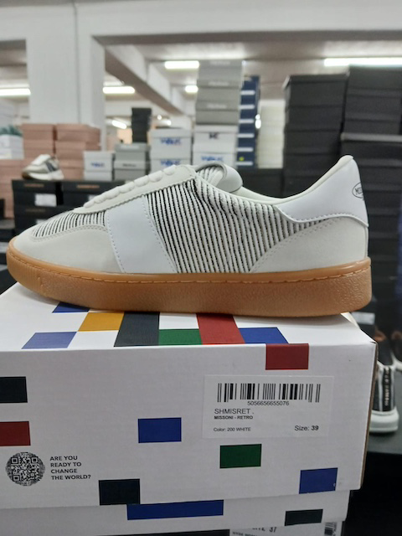 | SHMISRET | WHITE | UNISEX | SCARPA | 159 | 6 | 20 | 25 | 20 | 13 | 19 | 1 | 16 | 1 | 19 | 19 | 0 | € 275.00 | € 43,725.00 | € 35.75 | € 5,684.25 | £31.92 | £5,075.22
MISSONI | 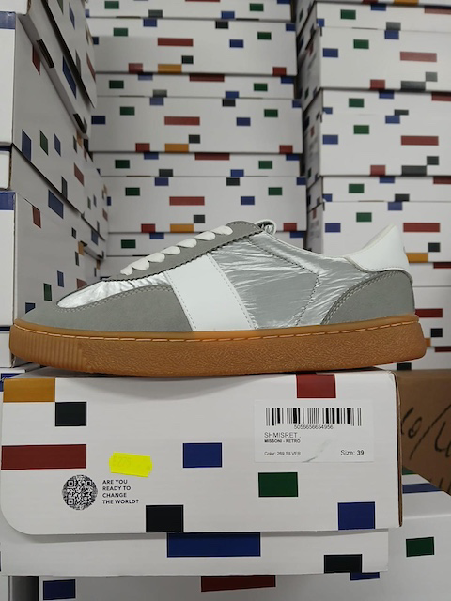 | SHMISRET | SILVER | UNISEX | SCARPA | 74 | 4 | 14 | 2 | 11 | 13 | 13 | 0 | 0 | 0 | 10 | 7 | 0 | € 275.00 | € 20,350.00 | € 35.75 | € 2,645.50 | £31.92 | £2,362.05
MISSONI | 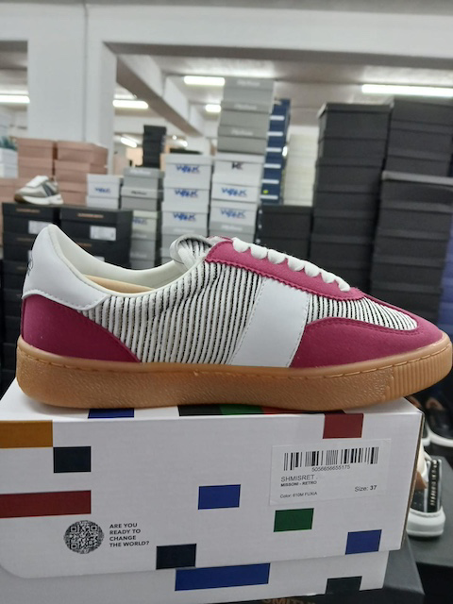 | SHMISRET | FUXIA | UNISEX | SCARPA | 43 | 0 | 0 | 1 | 0 | 0 | 2 | 17 | 18 | 1 | 2 | 2 |  | € 275.00 | € 11,825.00 | € 35.75 | € 1,537.25 | £31.92 | £1,372.54
MISSONI | 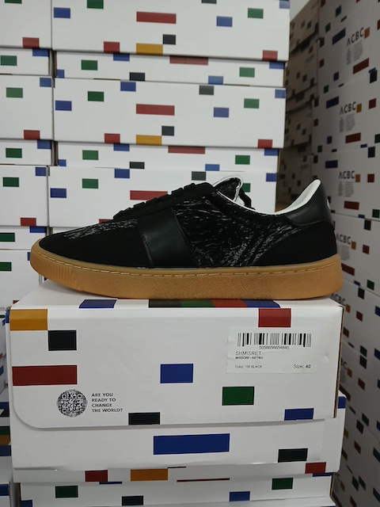 | SHMISRET | BLACK | UNISEX | SCARPA | 67 | 1 | 1 | 7 | 1 | 11 | 12 | 0 | 0 | 2 | 10 | 22 |  | € 275.00 | € 18,425.00 | € 35.75 | € 2,395.25 | £31.92 | £2,138.62
MISSONI | 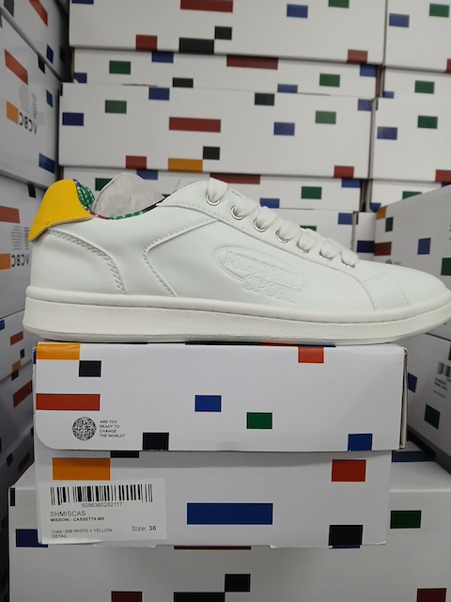 | SHMISCAS | YELLOW | UNISEX | SCARPA | 8 | 0 | 0 | 1 | 0 | 0 | 0 | 0 | 0 | 0 | 0 | 4 | 3 | € 235.00 | € 1,880.00 | € 30.55 | € 244.40 | £27.28 | £218.21
MISSONI | 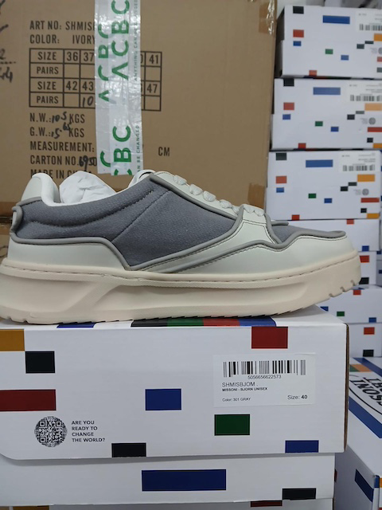 | SHMISBJOM | GREY | UOMO | SCARPA | 12 | 0 | 0 | 0 | 0 | 0 | 8 | 0 | 0 | 0 | 1 |  | 3 | € 395.00 | € 4,740.00 | € 51.35 | € 616.20 | £45.85 | £550.18
MISSONI | 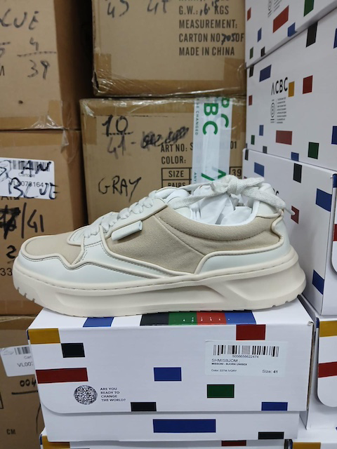 | SHMISBJOM | IVORY | UOMO | SCARPA | 8 | 0 | 0 | 0 | 0 | 0 | 0 | 1 | 0 | 0 | 6 | 0 | 1 | € 395.00 | € 3,160.00 | € 51.35 | € 410.80 | £45.85 | £366.79
MISSONI | 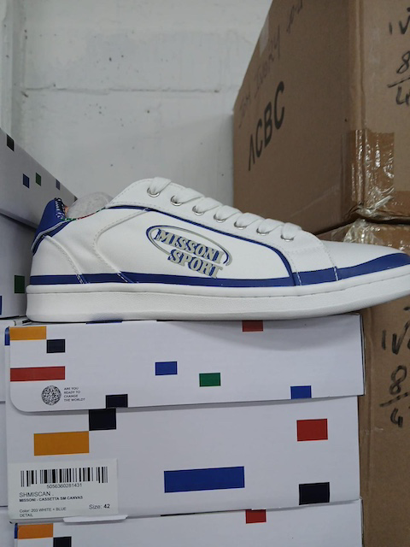 | SHMISCAN | BLUE | UNISEX | SCARPA | 13 | 2 | 0 | 5 | 3 | 0 | 0 | 1 | 0 | 0 | 1 | 0 | 1 | € 235.00 | € 3,055.00 | € 30.55 | € 397.15 | £27.28 | £354.60
MISSONI | 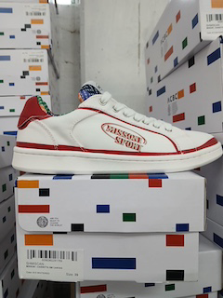 | SHMISCAN | RED | UNISEX | SCARPA | 9 | 1 | 0 | 0 | 1 | 0 | 0 | 0 | 0 | 0 | 0 | 2 | 5 | € 235.00 | € 2,115.00 | € 30.55 | € 274.95 | £27.28 | £245.49
MISSONI |  | SHMISCAN | YELLOW | UNISEX | SCARPA | 8 | 0 | 0 | 1 | 2 | 1 | 0 | 1 | 0 | 0 | 0 | 0 | 3 | € 235.00 | € 1,880.00 | € 30.55 | € 244.40 | £27.28 | £218.21
MISSONI | 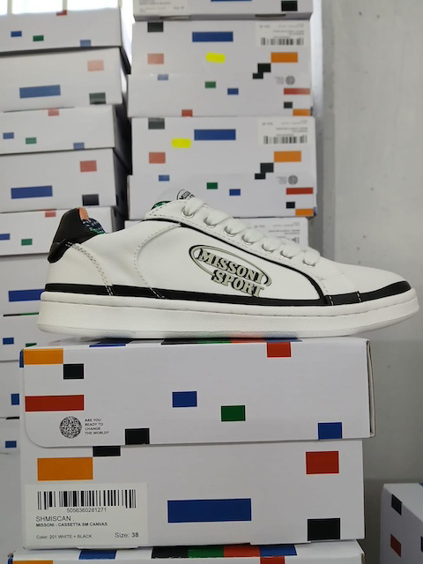 | SHMISCAN | BLACK | UNISEX | SCARPA | 47 | 4 | 3 | 14 | 12 | 0 | 0 | 0 | 0 | 0 | 0 | 8 | 6 | € 235.00 | € 11,045.00 | € 30.55 | € 1,435.85 | £27.28 | £1,282.01
MISSONI | 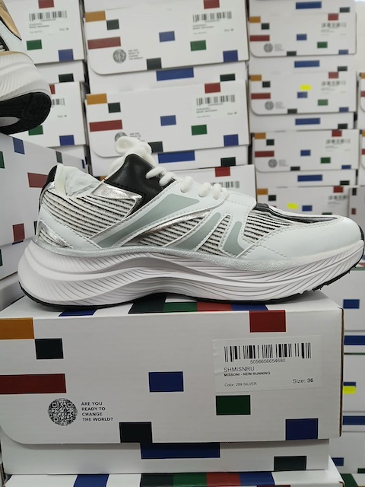 | SHMISNRU | SILVER | UNISEX | SCARPA | 24 | 2 | 5 | 6 | 0 | 11 | 0 | 0 | 0 | 0 | 0 | 0 |  | € 359.00 | € 8,616.00 | € 46.67 | € 1,120.08 | £41.67 | £1,000.07
MISSONI |  | SHISNRU | GOLD | UNISEX | SCARPA | 134 | 3 | 11 | 9 | 12 | 5 | 25 | 14 | 12 | 12 | 12 | 18 | 1 | € 359.00 | € 48,106.00 | € 46.67 | € 6,253.78 | £41.67 | £5,583.73
MISSONI |  | SHIMISCAS | BLACK | UNISEX | SCARPA | 41 | 5 | 5 | 4 | 6 | 4 | 5 | 3 | 0 | 1 | 3 | 0 | 5 | € 235.00 | € 9,635.00 | € 30.55 | € 1,252.55 | £27.28 | £1,118.35
MISSONI |  | SHIMISCAS | BLUE | UNISEX | SCARPA | 3 | 0 | 0 | 0 | 0 | 0 | 0 | 0 | 0 | 0 | 1 | 1 | 1 | € 235.00 | € 705.00 | € 30.55 | € 91.65 | £27.28 | £81.83
MISSONI |  | SHIMISCAN | GREEN | UNISEX | SCARPA | 2 | 0 | 0 | 0 | 0 | 0 | 0 | 0 | 0 | 0 | 2 | 0 | 0 | € 235.00 | € 470.00 | € 30.55 | € 61.10 | £27.28 | £54.55
MISSONI |  | SHIMISCAS | GREEN | UNISEX | SCARPA | 12 | 0 | 0 | 0 | 2 | 0 | 0 | 0 | 0 | 0 | 9 | 0 | 1 | € 235.00 | € 2,820.00 | € 30.55 | € 366.60 | £27.28 | £327.32
 |  |  |  |  |  | 676 |  |  |  |  |  |  |  |  |  |  |  |  |  | € 195,372.00 |  | € 25,398.36 |  | £22,677.11

