OFFER
COMPANY NAME
NAME*
COMPANY NAME
DATE*
SALES REP*
EMAIL*
PHONE #*
PAYMENT CURRENCY (€/£)*
BILLING ADDRESS*
ORDER NUMBER
PRE/IN HAND
DELIVERY TYPE

IMAGE | SKU | BRAND | PRODUCT | GROUP | GENDER | COLOR | COMPOSITION | TOT.QTY | TU | S | M | L | XL | XXL | XXXL | 50 | 52 | 54 | 56 | RRP € | RRP TOT € | COST € | COST TOT € | COST £ | COST TOT £
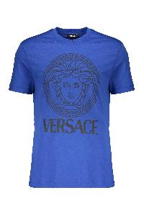 | 10118611A16047_2U240 | Versace | Blue Iconic Cotton Soft T-shirt | Clothing | Male | blu | 100% CO | 40 |  |  | 23 | 17 |  |  |  |  |  |  |  | € 430.00 | € 17,200.00 | € 116.10 | € 4,644.00 | £103.66 | £4,146.43
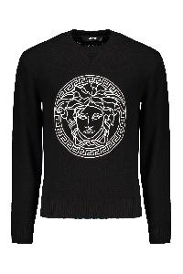 | 10118841A08648_1B000 | Versace | Cotton crew-neck sweater | Clothing | M | nero | 100% CO | 71 |  |  |  |  |  |  |  | 19 | 24 | 13 | 15 | € 1,130.00 | € 80,230.00 | € 305.10 | € 21,662.10 | £272.41 | £19,341.16
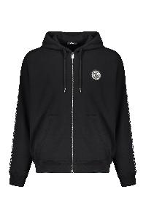 | 10121751A13795_2B020 | Versace | Cotton full zip hoodie | Clothing | M | nero | 100% CO|95% CO 5% EA|100% PL | 63 |  |  |  |  | 23 | 20 | 20 |  |  |  |  | € 1,035.00 | € 65,205.00 | € 279.45 | € 17,605.35 | £249.51 | £15,719.06
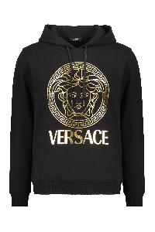 | 10118531A14057_2B150 | Versace | Cotton hoodie | Clothing | M | nero | 100% CO | 222 |  | 24 | 45 | 69 | 54 | 25 | 5 |  |  |  |  | € 805.00 | € 178,710.00 | € 217.35 | € 48,251.70 | £194.06 | £43,081.88
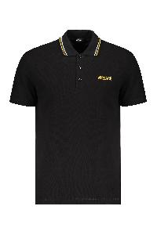 | 10118511A14049_1B000 | Versace | Cotton polo shirt | Clothing | M | nero | 100% CO | 14 |  |  |  |  | 8 |  | 6 |  |  |  |  | € 485.00 | € 6,790.00 | € 130.95 | € 1,833.30 | £116.92 | £1,636.88
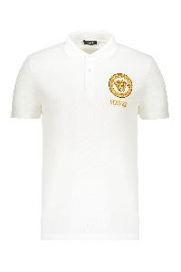 | 10118511A12074_2W110 | Versace | Cotton polo shirt | Clothing | M | bianco | 100% CO | 15 |  |  |  |  | 8 |  | 7 |  |  |  |  | € 575.00 | € 8,625.00 | € 155.25 | € 2,328.75 | £138.62 | £2,079.24
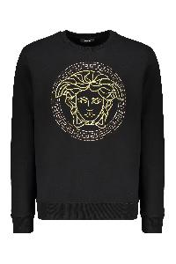 | 10118521A14074_2B130 | Versace | Cotton sweatshirt | Clothing | M | nero | 100% CO | 44 |  | 7 | 10 | 9 | 7 | 8 | 3 |  |  |  |  | € 1,035.00 | € 45,540.00 | € 279.45 | € 12,295.80 | £249.51 | £10,978.39
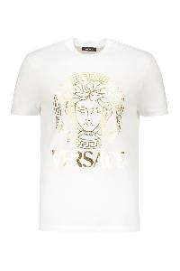 | 10118611A14053_2W110 | Versace | Cotton T-shirt | Clothing | M | bianco | 100% CO | 20 |  |  |  |  |  | 10 | 10 |  |  |  |  | € 450.00 | € 9,000.00 | € 121.50 | € 2,430.00 | £108.48 | £2,169.64
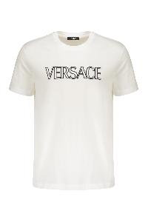 | 10118611A12070_2W020 | Versace | Cotton T-shirt | Clothing | M | bianco | 100% CO | 54 |  |  |  |  | 30 | 15 | 9 |  |  |  |  | € 485.00 | € 26,190.00 | € 130.95 | € 7,071.30 | £116.92 | £6,313.66
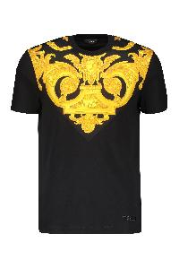 | 10121741A10245_5B000 | Versace | Cotton T-shirt | Clothing | M | nero | 100% CO | 136 |  |  |  | 52 | 52 | 18 | 14 |  |  |  |  | € 620.00 | € 84,320.00 | € 167.40 | € 22,766.40 | £149.46 | £20,327.14
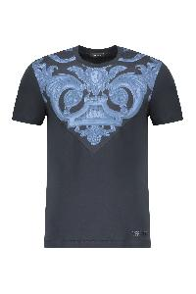 | 10121741A10245_5U960 | Versace | Cotton T-shirt | Clothing | M | blu | 100% CO | 180 |  | 4 | 6 | 60 | 63 | 29 | 18 |  |  |  |  | € 620.00 | € 111,600.00 | € 167.40 | € 30,132.00 | £149.46 | £26,903.57
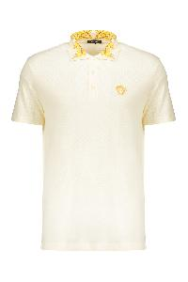 | 10122601A15633_2W0C0 | Versace | Elegant contrast collar cream polo | Clothing | Male | panna | 100% CO | 92 |  | 12 | 27 | 30 | 15 | 8 |  |  |  |  |  | € 520.00 | € 47,840.00 | € 140.40 | € 12,916.80 | £125.36 | £11,532.86
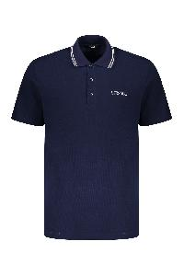 | 10118511A14049_1UI20 | Versace | Embroidered cotton polo shirt | Clothing | M | blu | 100% CO | 40 |  |  |  |  | 26 | 9 | 5 |  |  |  |  | € 485.00 | € 19,400.00 | € 130.95 | € 5,238.00 | £116.92 | £4,676.79
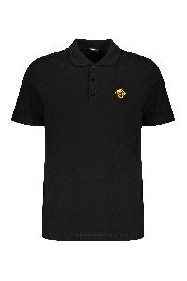 | A89507S1A14046_2B130 | Versace | Embroidered cotton polo shirt | Clothing | M | nero | 100% CO | 50 |  |  |  |  |  | 22 | 28 |  |  |  |  | € 485.00 | € 24,250.00 | € 130.95 | € 6,547.50 | £116.92 | £5,845.98
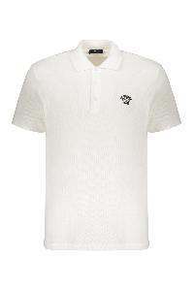 | A89507S1A14046_2W020 | Versace | Embroidered cotton polo shirt | Clothing | M | bianco | 100% CO | 187 |  |  |  | 40 | 69 | 44 | 34 |  |  |  |  | € 485.00 | € 90,695.00 | € 130.95 | € 24,487.65 | £116.92 | £21,863.97
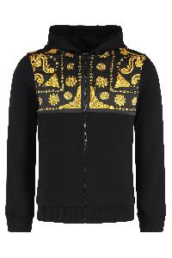 | 10215151A15809_5B000 | Versace | Full zip hoodie | Clothing | Male | nero | 100% CO | 142 |  | 21 | 46 | 44 | 20 | 11 |  |  |  |  |  | € 1,130.00 | € 160,460.00 | € 305.10 | € 43,324.20 | £272.41 | £38,682.32
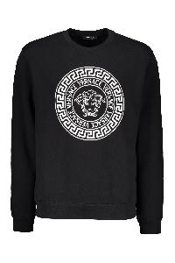 | 10118521A12064_2B020 | Versace | Logo detail cotton sweatshirt | Clothing | M | nero | 100% CO | 86 |  | 21 | 33 | 32 |  |  |  |  |  |  |  | € 670.00 | € 57,620.00 | € 180.90 | € 15,557.40 | £161.52 | £13,890.54
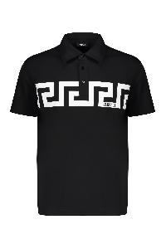 | 10192591A13841_2B020 | Versace | Short sleeve cotton polo shirt | Clothing | M | nero | 100% CO | 45 |  | 13 | 20 | 12 |  |  |  |  |  |  |  | € 520.00 | € 23,400.00 | € 140.40 | € 6,318.00 | £125.36 | £5,641.07
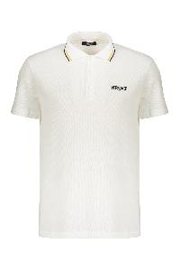 | 10118511A14049_1W000 | Versace | Short sleeve cotton polo shirt | Clothing | M | bianco | 100% CO | 52 |  |  |  |  | 34 | 18 |  |  |  |  |  | € 485.00 | € 25,220.00 | € 130.95 | € 6,809.40 | £116.92 | £6,079.82
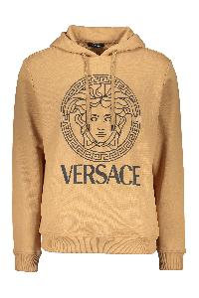 | 10118531A16088_2K500 | Versace | Versace modern caramel hooded sweatshirt | Clothing | Male | Cammello | 100% CO | 96 |  | 15 | 35 | 34 | 10 | 2 |  |  |  |  |  | € 740.00 | € 71,040.00 | € 199.80 | € 19,180.80 | £178.39 | £17,125.71
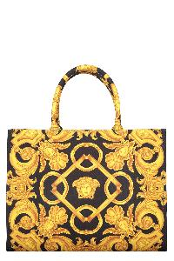 | 10145691A10399_5B00V | Versace | Canvas tote bag | Bags | W | nero | 100% PL|100% LAMB LE | 30 | 30 |  |  |  |  |  |  |  |  |  |  | € 1,405.00 | € 42,150.00 | € 379.35 | € 11,380.50 | £338.71 | £10,161.16
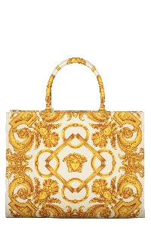 | 10145691A10399_2KM5V | Versace | Canvas tote bag | Bags | W | avorio | 100% PL|100% LAMB LE | 52 | 52 |  |  |  |  |  |  |  |  |  |  | € 1,405.00 | € 73,060.00 | € 379.35 | € 19,726.20 | £338.71 | £17,612.68
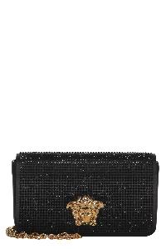 | 10155311A11245_1B00V | Versace | Elegant black clutch with golden closure | Bags | Female | nero | 72% VI 28% SE | 15 | 15 |  |  |  |  |  |  |  |  |  |  | € 1,695.00 | € 25,425.00 | € 457.65 | € 6,864.75 | £408.62 | £6,129.24
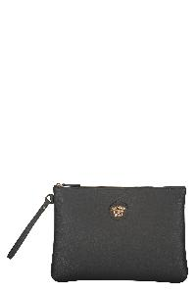 | 1013358DVIT2T_1B00V | Versace | Elegant black clutch. | Bags | Female | nero | 100% CALF LE | 8 | 8 |  |  |  |  |  |  |  |  |  |  | € 660.00 | € 5,280.00 | € 178.20 | € 1,425.60 | £159.11 | £1,272.86
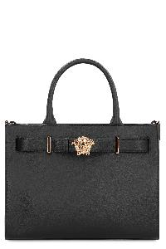 | 1015537DVIT2T_1B00V | Versace | Large leather tote bag | Bags | Female | nero | 100% CALF LE | 12 | 12 |  |  |  |  |  |  |  |  |  |  | € 1,955.00 | € 23,460.00 | € 527.85 | € 6,334.20 | £471.29 | £5,655.54
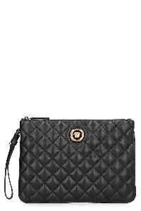 | 10155791A03912_1B00V | Versace | Leather flat pouch | Bags | Female | nero | 100% LAMB LE | 46 | 46 |  |  |  |  |  |  |  |  |  |  | € 840.00 | € 38,640.00 | € 226.80 | € 10,432.80 | £202.50 | £9,315.00
 |  |  |  |  |  |  |  | 1812 |  |  |  |  |  |  |  |  |  |  |  |  | € 1,361,350.00 |  | € 367,564.50 |  | £328,182.59

