OFFER
REF
NAME*
COMPANY NAME
DATE*
SALES REP*
EMAIL*
PHONE #*
PAYMENT CURRENCY (€/£)*
BILLING ADDRESS*
ORDER NUMBER
PRE/IN HAND
DELIVERY TYPE

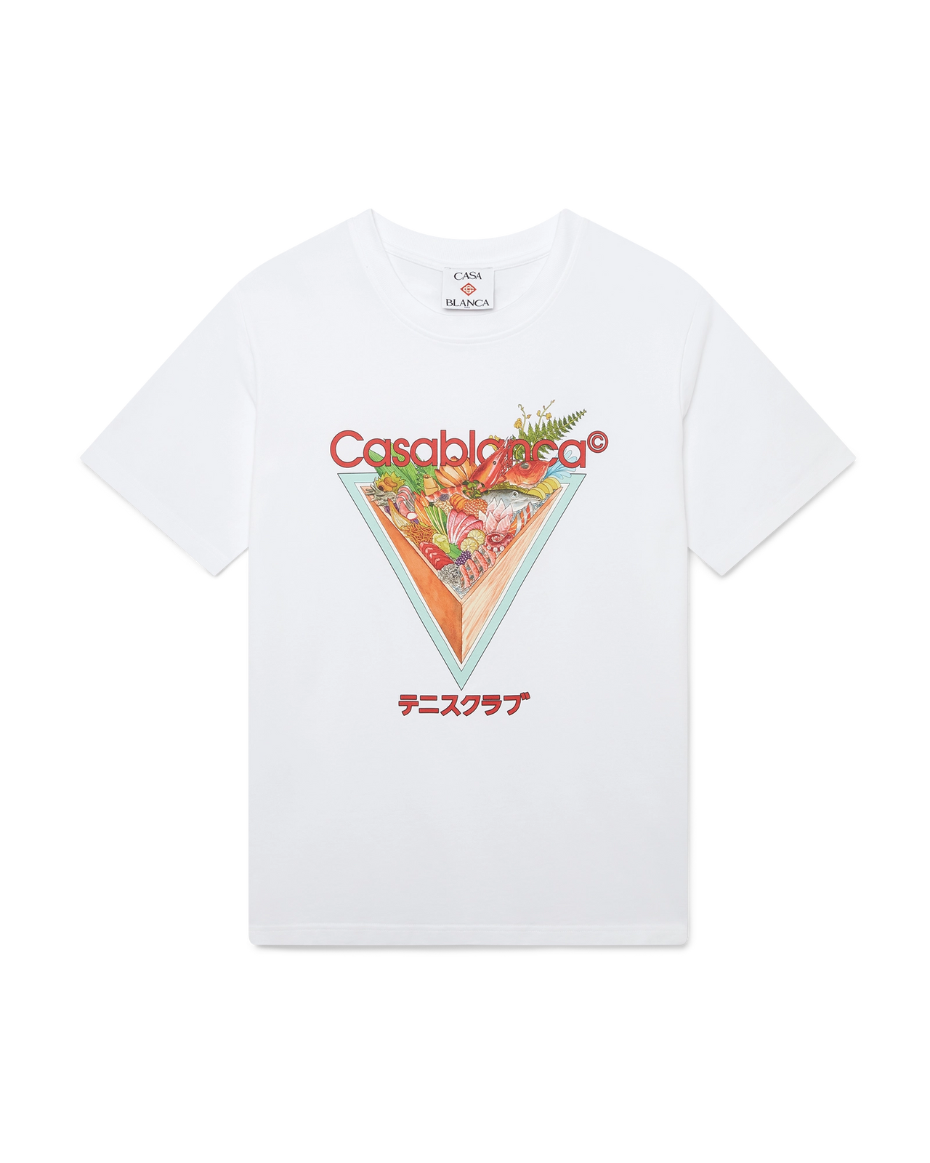
FOTO | DESCRIZIONE |  | COMPOSIZIONE | MADE IN | COL | S | M | L | XL | XXL | TOT | RRP € | RRP TOT € | COST € | COST TOT € | COST £ | COST TOT £
 | Maglietta a maniche corte con icona del Tennis Club | M-AW25-JTS-001-01 | 100% ORGANIC COTTON | PORTOGALLO | WHITE | 14 | 20 | 24 | 17 | 10 | 85 | € 230.00 | € 19,550.00 | € 64.40 | € 5,474.00 | £56.99 | £4,844.25
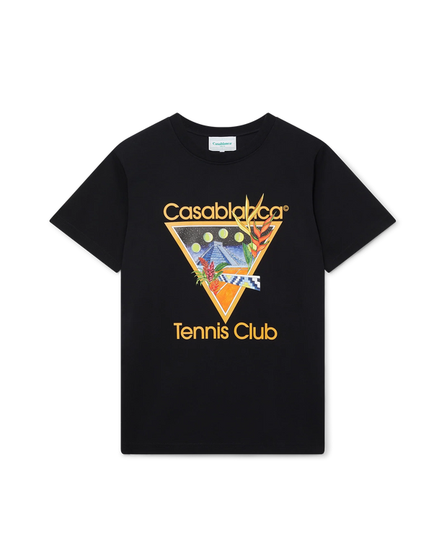 | Maglietta a maniche corte con icona del Tennis Club | MS23-JTS-001-15 | 100% ORGANIC COTTON | PORTOGALLO | BLACK | 16 | 22 | 26 | 15 | 11 | 90 | € 230.00 | € 20,700.00 | € 64.40 | € 5,796.00 | £56.99 | £5,129.20
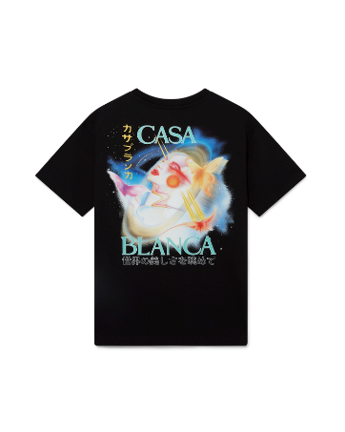 | Maglietta a maniche corte Galactic Connection | MPF25-JTS-044-05 | 100% ORGANIC COTTON | PORTOGALLO | BLACK | 12 | 18 | 26 | 17 | 12 | 85 | € 230.00 | € 19,550.00 | € 64.40 | € 5,474.00 | £56.99 | £4,844.25
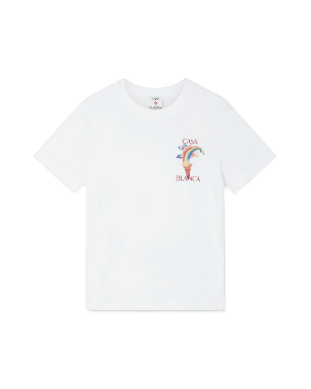 | Maglietta a maniche corte Nature's Teacher | MPS25-JTS-001-03 | 100% ORGANIC COTTON | PORTOGALLO | WHITE | 15 | 21 | 27 | 19 | 13 | 95 | € 250.00 | € 23,750.00 | € 70.00 | € 6,650.00 | £61.95 | £5,884.96
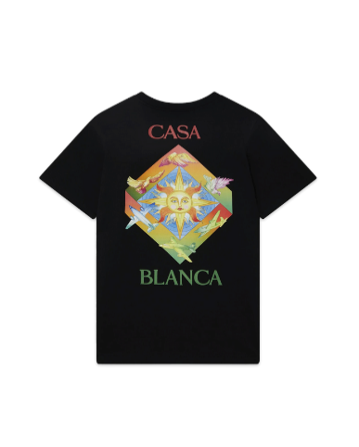 | Maglietta a maniche corte Les Elements | MF23-JTS-001-18 | 100% ORGANIC COTTON | PORTOGALLO | BLACK | 13 | 19 | 25 | 28 | 10 | 95 | € 250.00 | € 23,750.00 | € 70.00 | € 6,650.00 | £61.95 | £5,884.96
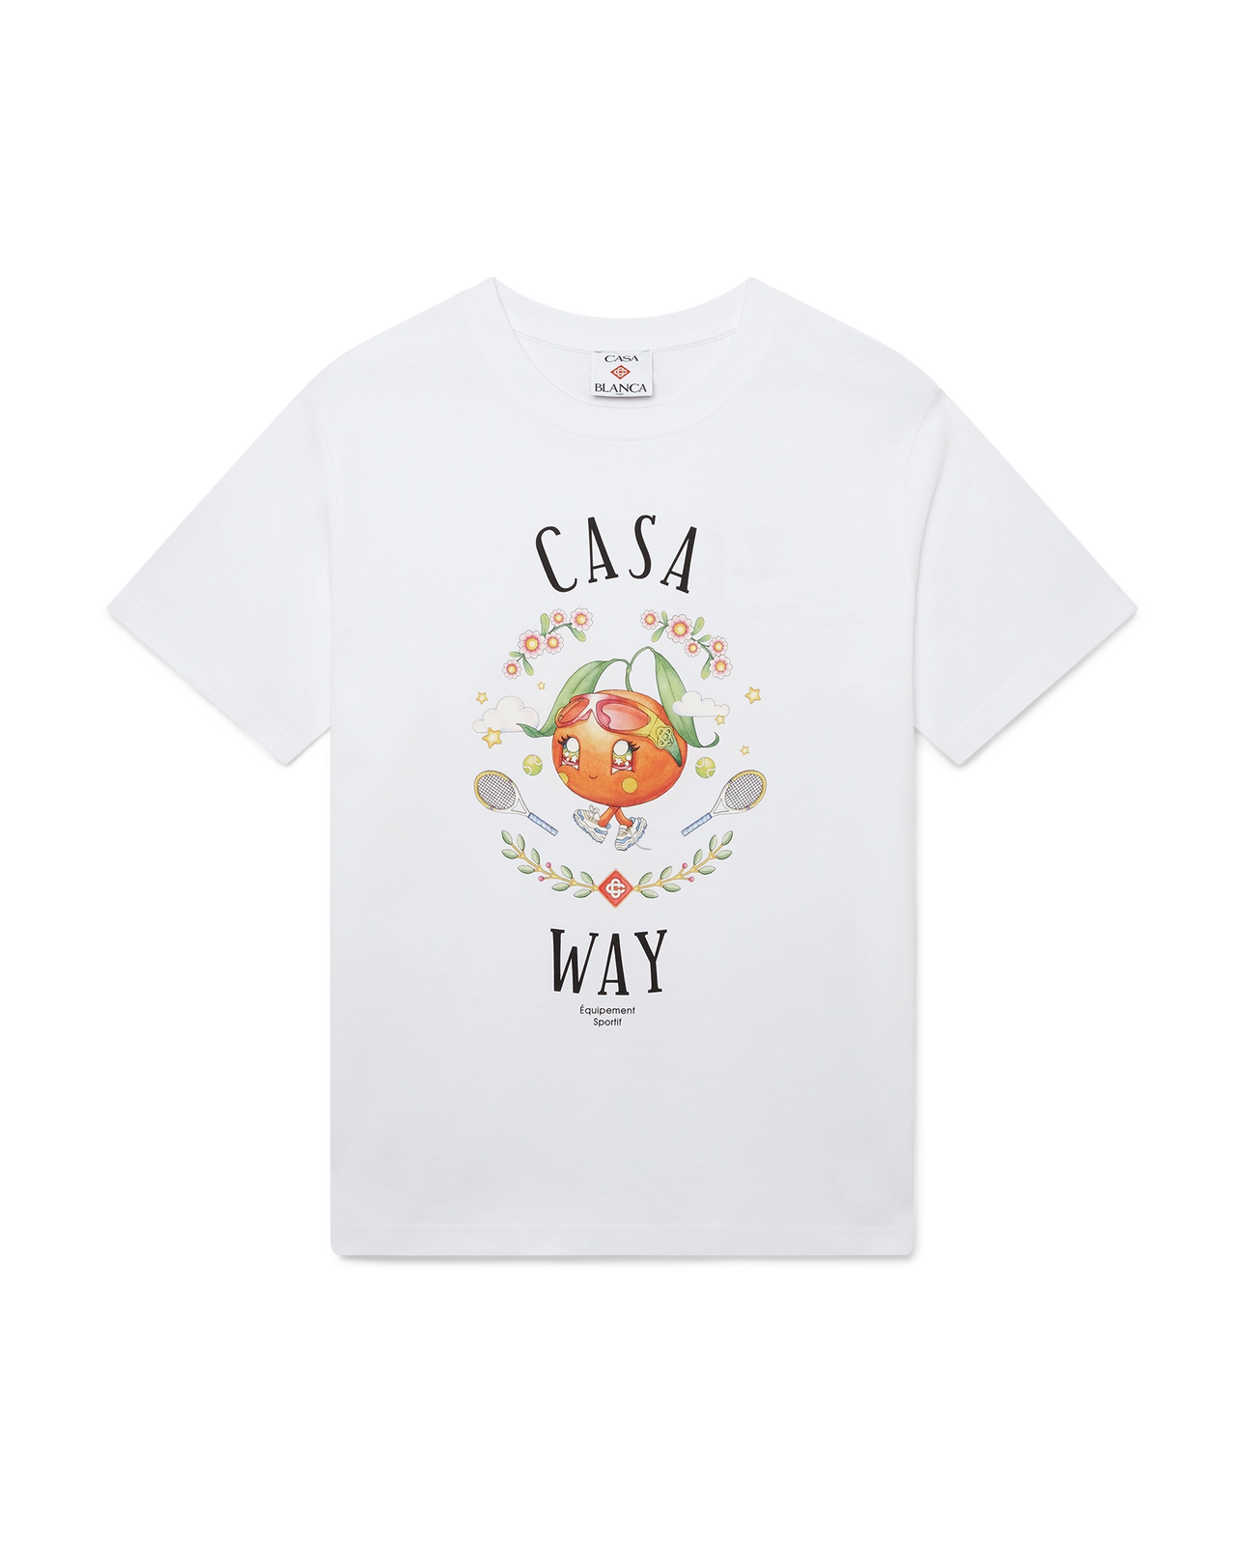 | CASA WAY ORANGE MASCOT SHORT SLEEVE T-SHIRT | M-AW25-JTS-001-02 | 100% ORGANIC COTTON | PORTOGALLO | WHITE | 17 | 20 | 24 | 14 | 12 | 87 | € 230.00 | € 20,010.00 | € 64.40 | € 5,602.80 | £56.99 | £4,958.23
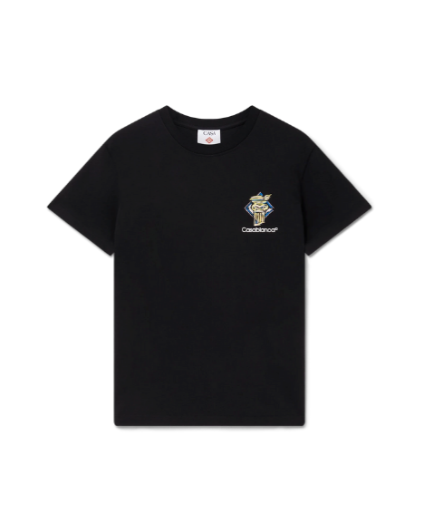 | Maglietta a maniche corte con colonna di diamanti | MPS25-JTS-001-06 | 100% ORGANIC COTTON | PORTOGALLO | BLACK | 14 | 22 | 22 | 15 | 11 | 84 | € 240.00 | € 20,160.00 | € 64.40 | € 5,409.60 | £56.99 | £4,787.26
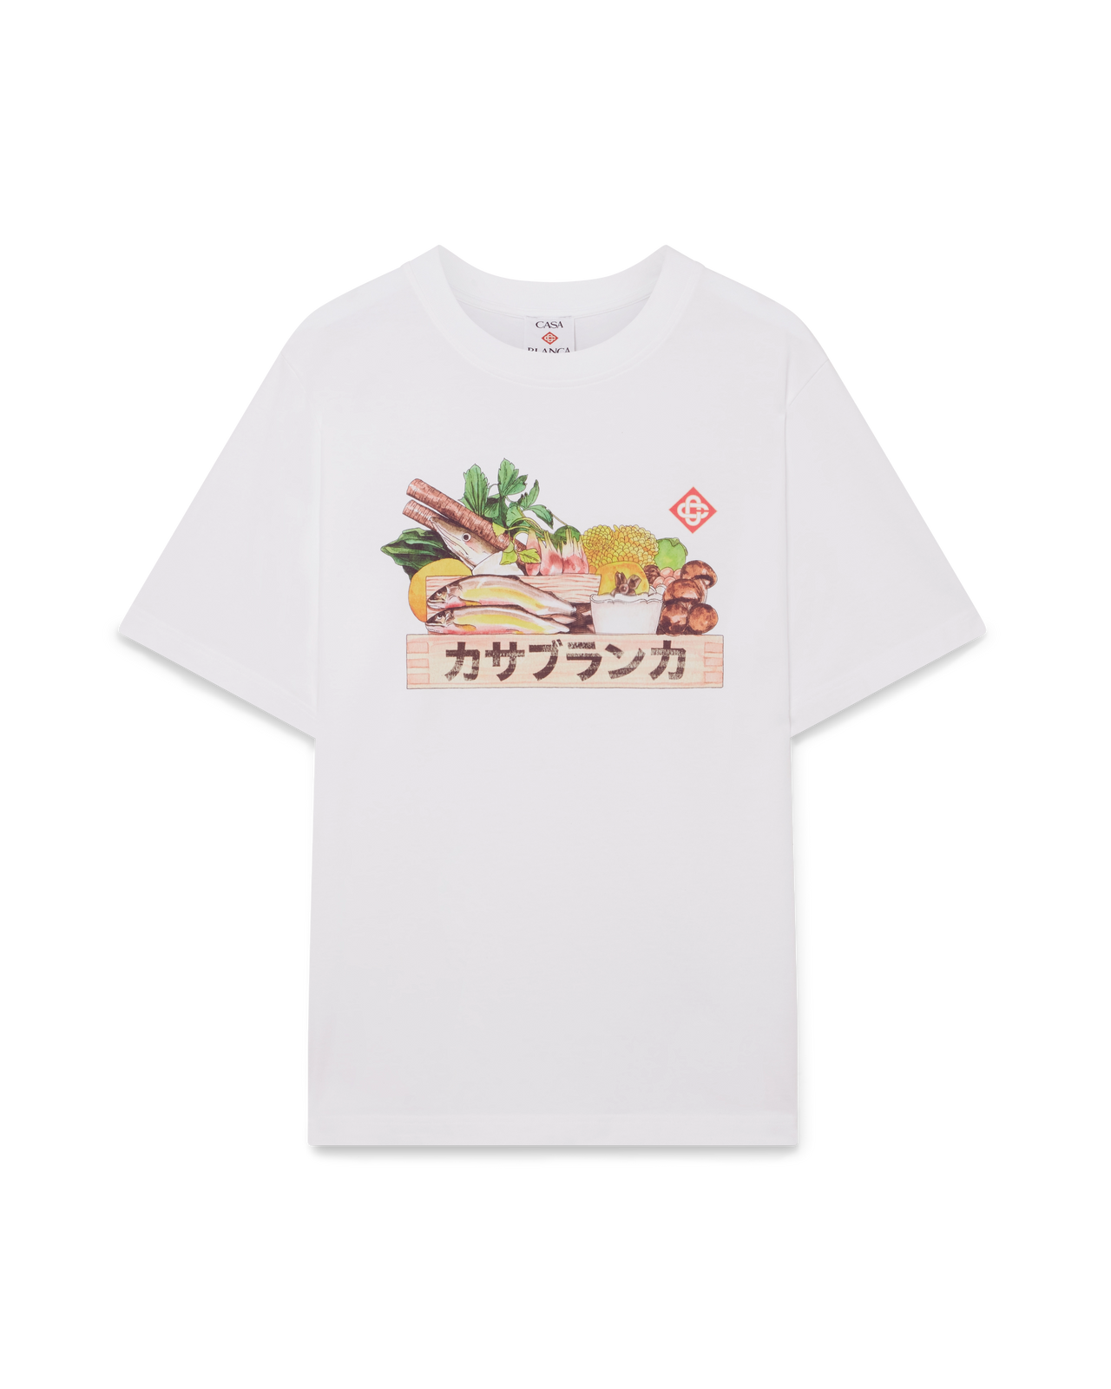 | INGREDIENTS SHORT SLEEVE T-SHIRT | M-AW25-JTS-001-03 | 100% ORGANIC COTTON | PORTOGALLO | WHITE | 12 | 20 | 27 | 14 | 10 | 83 | € 230.00 | € 19,090.00 | € 64.40 | € 5,345.20 | £56.99 | £4,730.27
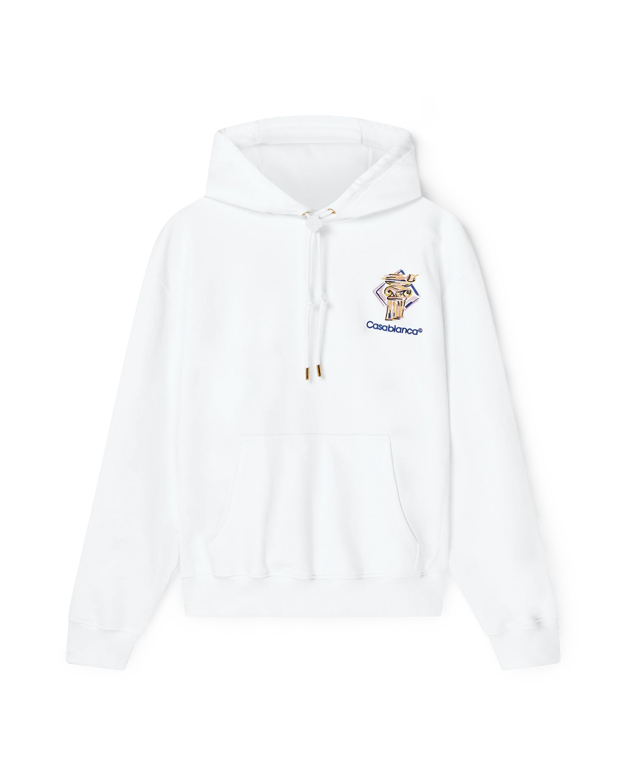 | DIAMOND COLUMN HOODED SWEATSHIRT | MPS25-JTP-292-02 | 100% ORGANIC COTTON | PORTOGALLO | WHITE | 14 | 21 | 24 | 17 | 11 | 87 | € 480.00 | € 41,760.00 | € 134.40 | € 11,692.80 | £118.94 | £10,347.61
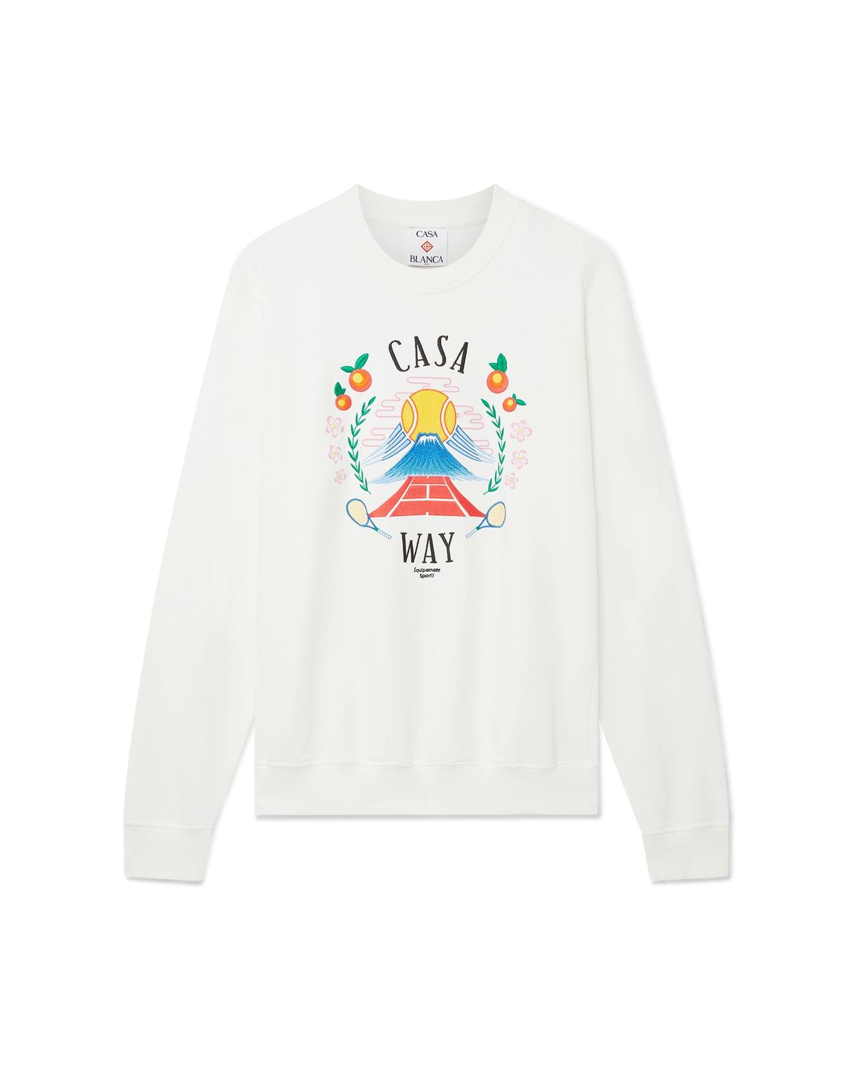 | CASA WAY MOUNTAIN SWEATSHIRT | MPF25-JTP-293-03 | 100% ORGANIC COTTON | PORTOGALLO | WHITE | 13 | 19 | 25 | 15 | 12 | 84 | € 480.00 | € 40,320.00 | € 131.60 | € 11,054.40 | £116.46 | £9,782.65
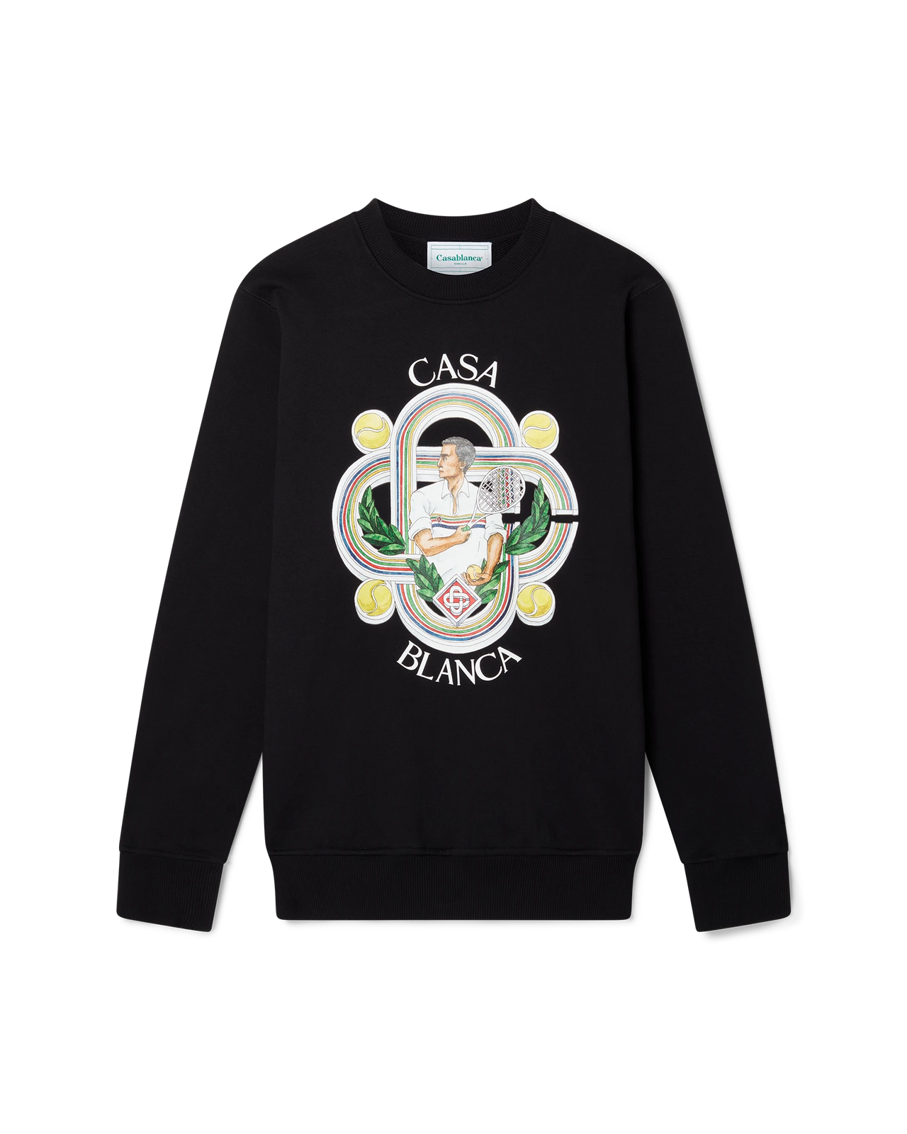 | LE JOUEUR SWEATSHIRT | MF23-JTP-001-02 | 100% ORGANIC COTTON | PORTOGALLO | BLACK | 11 | 21 | 25 | 14 | 11 | 82 | € 470.00 | € 38,540.00 | € 126.00 | € 10,332.00 | £111.50 | £9,143.36
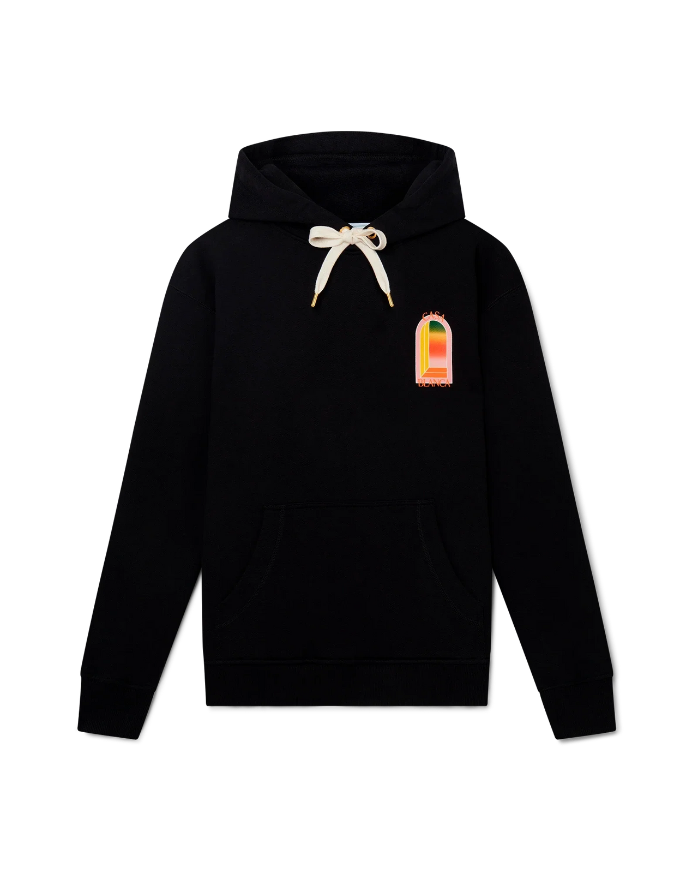 | GRADIENT L'ARCHE HOODED SWEATSHIRT | MS24-JTP-093-08 | 100% ORGANIC COTTON | PORTOGALLO | BLACK | 13 | 22 | 27 | 16 | 13 | 91 | € 510.00 | € 46,410.00 | € 142.80 | € 12,994.80 | £126.37 | £11,499.82
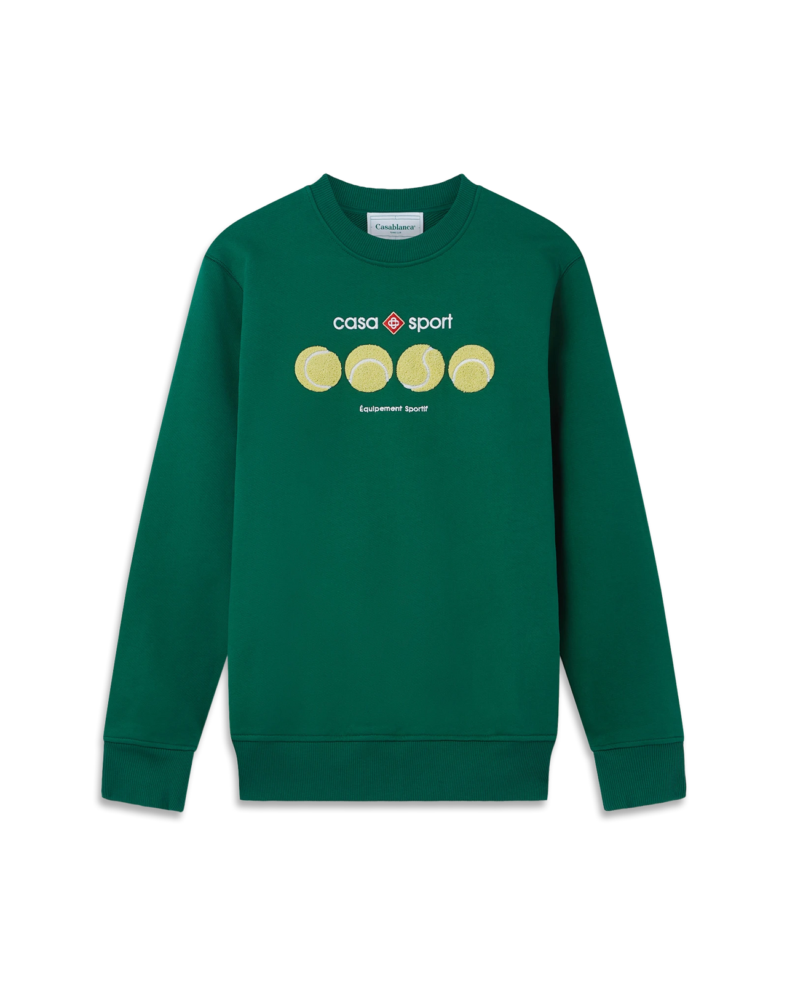 | CASA SPORT TENNIS BALLS SWEATSHIRT | MF23-JTP-001-10 | 100% ORGANIC COTTON | PORTOGALLO | GREEN | 14 | 18 | 28 | 15 | 10 | 85 | € 470.00 | € 39,950.00 | € 131.60 | € 11,186.00 | £116.46 | £9,899.12
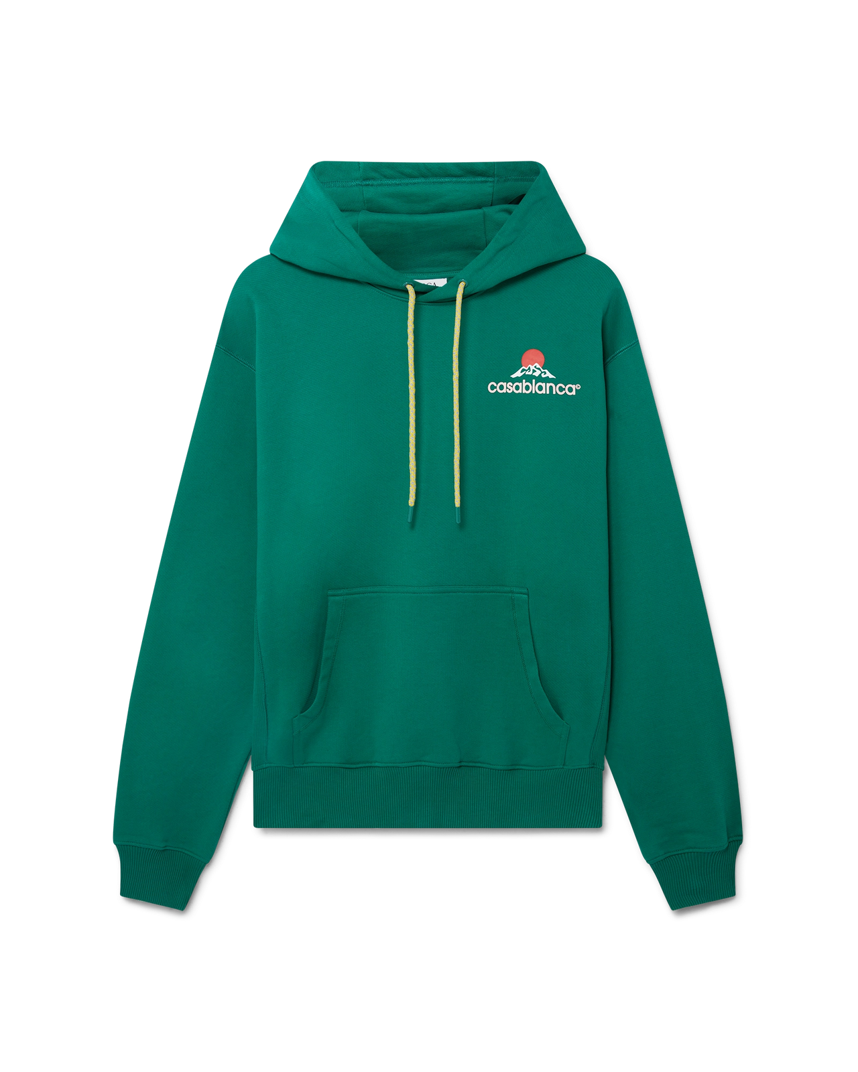 | MONTAGNE HOODED SWEATSHIRT | MPF25-JTP-292-03 | 100% ORGANIC COTTON | PORTOGALLO | GREEN | 16 | 20 | 27 | 14 | 11 | 88 | € 480.00 | € 42,240.00 | € 131.60 | € 11,580.80 | £116.46 | £10,248.50
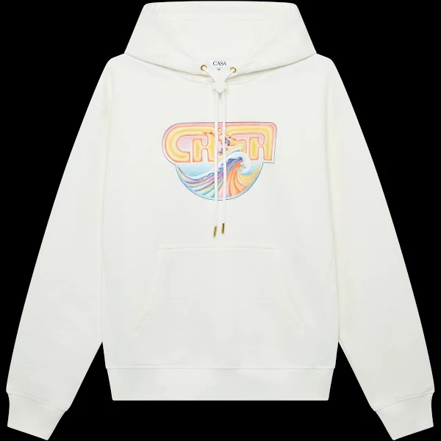 | CASA SURF PRINTED HOODIE | MS25-JTP-292-02 | 100% ORGANIC COTTON | PORTOGALLO | OFF WHITE | 12 | 22 | 29 | 13 | 12 | 88 | € 480.00 | € 42,240.00 | € 134.40 | € 11,827.20 | £118.94 | £10,466.55
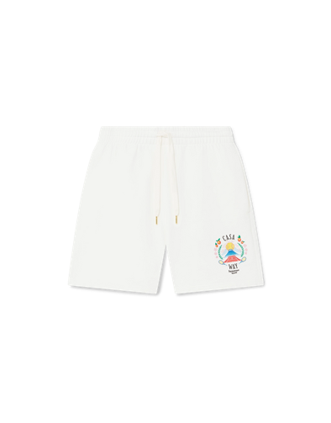 | CASA WAY MOUNTAIN SWEATSHORTS | MPF25-JTR-003-04 | 100% ORGANIC COTTON | PORTOGALLO | OFF WHITE | 10 | 21 | 35 | 14 | 9 | 89 | € 300.00 | € 26,700.00 | € 84.00 | € 7,476.00 | £74.34 | £6,615.93
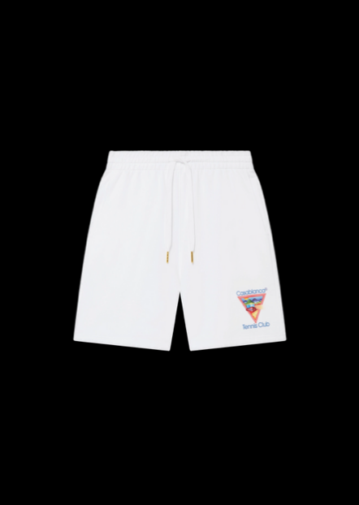 | TENNIS CLUB ICON SWEATSHORTS | MPF25-JTR-003-06-EX-CE | 100% ORGANIC COTTON | PORTOGALLO | WHITE | 11 | 20 | 27 | 13 | 10 | 81 | € 300.00 | € 24,300.00 | € 84.00 | € 6,804.00 | £74.34 | £6,021.24
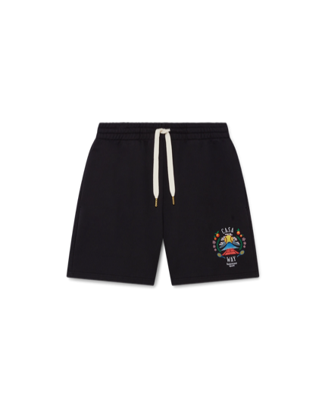 | CASA WAY MOUNTAIN SWEATSHORTS | MPF25-JTR-003-05-EX-CE | 100% ORGANIC COTTON | PORTOGALLO | BLACK | 12 | 19 | 24 | 14 | 9 | 78 | € 300.00 | € 23,400.00 | € 84.00 | € 6,552.00 | £74.34 | £5,798.23
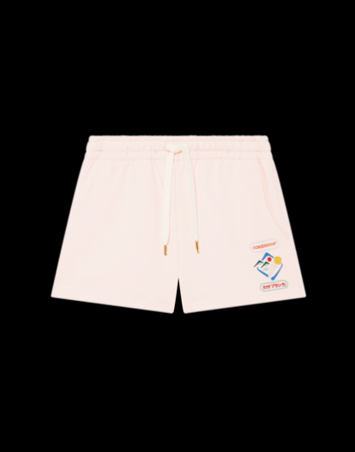 | CASABLANCA MONTAGNE SPORTIF SWEATSHORTS | WPF25-JTR-186-04 | 100% ORGANIC COTTON | PORTOGALLO | PINK | 12 | 21 | 26 | 15 | 8 | 82 | € 300.00 | € 24,600.00 | € 84.00 | € 6,888.00 | £74.34 | £6,095.58
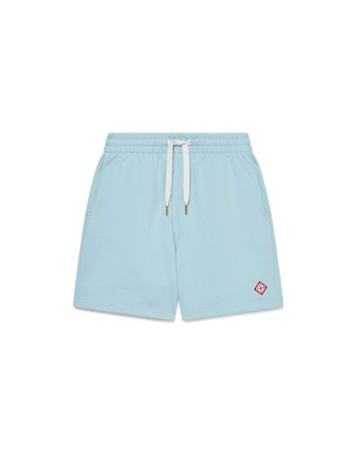 | DIAMOND LOGO SWEATSHORTS | MS25-JTR-003-07-EX-CE | 100% ORGANIC COTTON | PORTOGALLO | BLUE | 11 | 23 | 27 | 16 | 9 | 86 | € 300.00 | € 25,800.00 | € 84.00 | € 7,224.00 | £74.34 | £6,392.92
 |  |  |  |  |  |  |  |  |  |  | 1725 |  | € 582,820.00 |  | € 162,013.60 |  | £143,374.87

