Offer
REF
NAME*
COMPANY NAME
DATE*
SALES REP*
EMAIL*
PHONE #*
PAYMENT CURRENCY (€/£)*
BILLING ADDRESS*
ORDER NUMBER
PRE/IN HAND
DELIVERY TYPE

IMAGE | GENDER | BRAND | CATEGORY | DESCRIPTION | COMPOSITION | MADE | TYPE | ITEM | SKU | COLOR | SIZE | QTY | QTY REF | BARCODE 1 | HTS CODE | RRP € | RRP TOT € | COST € | COST TOT € | COST £ | COST TOT £
 | WOMEN | MR&MRS ITALY | PANTS | Printed Jogging | 80%co 17%pa 3%ws | IT | SD10 | SD10MMY00001 | JG017E | 3061 London Green | 40 | 1 | 2 | 8059594036324 | 6204.61.10 | € 317.00 | € 317.00 | € 34.32 | € 34.32 | £30.64 | £30.64
 | WOMEN | MR&MRS ITALY | PANTS | Printed Jogging | 80%co 17%pa 3%ws | IT | SD10 | SD10MMY00001 | JG017E | 3061 London Green | 42 | 1 |  | 8059594036331 | 6204.61.10 | € 317.00 | € 317.00 | € 34.32 | € 34.32 | £30.64 | £30.64
 | WOMEN | MR&MRS ITALY | PANTS | Embroidery Jogging | 80%co 17%pa 3%ws | IT | SD10 | SD10MMY00002 | JG023E | 5000 Blue | XXS | 2 | 3 | 8059594049393 | 6204.61.10 | € 576.00 | € 1,152.00 | € 62.40 | € 124.80 | £55.71 | £111.43
 | WOMEN | MR&MRS ITALY | PANTS | Embroidery Jogging | 80%co 17%pa 3%ws | IT | SD10 | SD10MMY00002 | JG023E | 5000 Blue | XS | 1 |  | 8059594018603 | 6204.61.10 | € 576.00 | € 576.00 | € 62.40 | € 62.40 | £55.71 | £55.71
 | WOMEN | MR&MRS ITALY | PANTS | Fur Embroidery Jogging | 80%co 17%pa 3%ws | IT | SD10 | SD10MMY00003 | JG026E | 5000 Blue | XXS | 2 | 2 | 8059594049539 | 6204.61.10 | € 533.00 | € 1,066.00 | € 57.72 | € 115.44 | £51.54 | £103.07
 | WOMEN | MR&MRS ITALY | PANTS | Embroidery Jogging | 80%co 17%pa 3%ws | IT | SD10 | SD10MMY00005 | JG051E | 9633 Black Navy/Steel | S | 2 | 2 | 8059594075132 | 6204.61.10 | € 706.00 | € 1,412.00 | € 76.44 | € 152.88 | £68.25 | £136.50
 | WOMEN | MR&MRS ITALY | PANTS | Alexa Jogging | 80%co 17%pa 3%ws | IT | SD10 | SD10MMY00006 | JG052E | 5450 Night Sky | S | 3 | 3 | 8059594081713 | 6204.61.10 | € 446.00 | € 1,338.00 | € 48.36 | € 145.08 | £43.18 | £129.54
 | WOMEN | MR&MRS ITALY | PANTS | Sienna Jogging | 80%co 17%pa 3%ws | IT | SD10 | SD10MMY00007 | JG053E | 4291 Burnt Orange | S | 2 | 2 | 8059594085568 | 6204.61.10 | € 446.00 | € 892.00 | € 48.36 | € 96.72 | £43.18 | £86.36
 | WOMEN | MR&MRS ITALY | PANTS | Embroidery Jogging | 80%co 17%pa 3%ws | IT | SD10 | SD10MMY00008 | JG054E | 4116 Pink Mouse | XXS | 5 | 15 | 8059594092542 | 6204.61.10 | € 475.00 | € 2,375.00 | € 51.48 | € 257.40 | £45.96 | £229.82
 | WOMEN | MR&MRS ITALY | PANTS | Embroidery Jogging | 80%co 17%pa 3%ws | IT | SD10 | SD10MMY00008 | JG054E | 4116 Pink Mouse | XS | 2 |  | 8059594092559 | 6204.61.10 | € 475.00 | € 950.00 | € 51.48 | € 102.96 | £45.96 | £91.93
 | WOMEN | MR&MRS ITALY | PANTS | Embroidery Jogging | 80%co 17%pa 3%ws | IT | SD10 | SD10MMY00008 | JG054E | 4116 Pink Mouse | S | 6 |  | 8059594081027 | 6204.61.10 | € 475.00 | € 2,850.00 | € 51.48 | € 308.88 | £45.96 | £275.79
 | WOMEN | MR&MRS ITALY | PANTS | Embroidery Jogging | 80%co 17%pa 3%ws | IT | SD10 | SD10MMY00008 | JG054E | 4116 Pink Mouse | M | 2 |  | 8059594092566 | 6204.61.10 | € 475.00 | € 950.00 | € 51.48 | € 102.96 | £45.96 | £91.93
 | WOMEN | MR&MRS ITALY | PANTS | Embroidery Jogging | 80%co 17%pa 3%ws | IT | SD10 | SD10MMY00008 | JG054E | 8089 Grey Steel | XXS | 1 | 2 | 8059594092634 | 6204.61.10 | € 475.00 | € 475.00 | € 51.48 | € 51.48 | £45.96 | £45.96
 | WOMEN | MR&MRS ITALY | PANTS | Embroidery Jogging | 80%co 17%pa 3%ws | IT | SD10 | SD10MMY00008 | JG054E | 8089 Grey Steel | S | 1 |  | 8059594092658 | 6204.61.10 | € 475.00 | € 475.00 | € 51.48 | € 51.48 | £45.96 | £45.96
 | WOMEN | MR&MRS ITALY | PANTS | Embroidery Jogging | 80%co 17%pa 3%ws | IT | SD10 | SD10MMY00011 | JGZ002E | 8041 Light Grey | S | 1 | 2 | 8059594041953 | 6204.61.10 | € 691.00 | € 691.00 | € 74.88 | € 74.88 | £66.86 | £66.86
 | WOMEN | MR&MRS ITALY | PANTS | Embroidery Jogging | 80%co 17%pa 3%ws | IT | SD10 | SD10MMY00011 | JGZ002E | 8041 Light Grey | M | 1 |  | 8059594041960 | 6204.61.10 | € 691.00 | € 691.00 | € 74.88 | € 74.88 | £66.86 | £66.86
 | WOMEN | MR&MRS ITALY | PANTS | Embroidery Jogging | 80%co 17%pa 3%ws | IT | SD10 | SD10MMY00011 | JGZ002E | 4000 Red | S | 2 | 2 | 2000047509885 | 6204.61.10 | € 691.00 | € 1,382.00 | € 74.88 | € 149.76 | £66.86 | £133.71
 | WOMEN | MR&MRS ITALY | PANTS | Embroidery Jogging | 80%co 17%pa 3%ws | IT | SD10 | SD10MMY00015 | JGZ023E | 5000 Blue | S | 1 | 2 | 8059594045395 | 6204.61.10 | € 331.00 | € 331.00 | € 35.88 | € 35.88 | £32.04 | £32.04
 | WOMEN | MR&MRS ITALY | PANTS | Embroidery Jogging | 80%co 17%pa 3%ws | IT | SD10 | SD10MMY00015 | JGZ023E | 5000 Blue | M | 1 |  | 8059594045401 | 6204.61.10 | € 331.00 | € 331.00 | € 35.88 | € 35.88 | £32.04 | £32.04
 | WOMEN | MR&MRS ITALY | PANTS | Embroidery Jogging | 80%co 17%pa 3%ws | IT | SD10 | SD10MMY00016 | JGZ024E | 9000 Black | XS | 2 | 3 | 8059594042042 | 6204.61.10 | € 331.00 | € 662.00 | € 35.88 | € 71.76 | £32.04 | £64.07
 | WOMEN | MR&MRS ITALY | PANTS | Embroidery Jogging | 80%co 17%pa 3%ws | IT | SD10 | SD10MMY00016 | JGZ024E | 9000 Black | S | 1 |  | 8059594042059 | 6204.61.10 | € 331.00 | € 331.00 | € 35.88 | € 35.88 | £32.04 | £32.04
 | WOMEN | MR&MRS ITALY | PANTS | Embroidery Leggins | 80%co 17%pa 3%ws | IT | SD10 | SD10MMY00018 | LG015E | 8165 Grey Steel/Grey Steel | S | 4 | 4 | 8059594075149 | 6204.61.10 | € 562.00 | € 2,248.00 | € 60.84 | € 243.36 | £54.32 | £217.29
 | WOMEN | MR&MRS ITALY | PANTS | Embroidery Leggins | 80%co 17%pa 3%ws | IT | SD10 | SD10MMY00019 | LG016E | 9634 Black Red/Steel | S | 3 | 3 | 8059594075408 | 6204.61.10 | € 590.00 | € 1,770.00 | € 63.96 | € 191.88 | £57.11 | £171.32
 | WOMEN | MR&MRS ITALY | PANTS | Jogging | * | ITALY | SD10 | SD10MMY00025 | XJG0109 | 531100 Bleu France | XXS | 2 | 9 | 8059594187057 | 6204.61.10 | € 274.00 | € 548.00 | € 29.64 | € 59.28 | £26.46 | £52.93
 | WOMEN | MR&MRS ITALY | PANTS | Jogging | * | ITALY | SD10 | SD10MMY00025 | XJG0109 | 531100 Bleu France | XS | 1 |  | 8059594187064 | 6204.61.10 | € 274.00 | € 274.00 | € 29.64 | € 29.64 | £26.46 | £26.46
 | WOMEN | MR&MRS ITALY | PANTS | Jogging | * | ITALY | SD10 | SD10MMY00025 | XJG0109 | 531100 Bleu France | S | 4 |  | 8059594181536 | 6204.61.10 | € 274.00 | € 1,096.00 | € 29.64 | € 118.56 | £26.46 | £105.86
...
DELIVERY TYPE
IMAGE | GENDER | BRAND | CATEGORY | DESCRIPTION | COMPOSITION | MADE
 | WOMEN | MR&MRS ITALY | SHIRTS | Shirt Plisse' | 100%CO - 100%PL | ITALY
 | WOMEN | MR&MRS ITALY | SHIRTS | Shirt Plisse' | 100%CO - 100%PL | ITALY
 | WOMEN | MR&MRS ITALY | SHIRTS | Shirt Plisse' | 100%CO - 100%PL | ITALY
 | WOMEN | MR&MRS ITALY | SHIRTS | Shirt Plisse' | 100%CO - 100%PL | ITALY
 | WOMEN | MR&MRS ITALY | SHIRTS | Shirt Plisse' | 100%CO - 100%PL | ITALY
 | WOMEN | MR&MRS ITALY | SHIRTS | Shirt Plisse' | 100%CO - 100%PL | ITALY
 | WOMEN | MR&MRS ITALY | SHIRTS | Shirt | 73%VI 27%CO | ITALY
 | WOMEN | MR&MRS ITALY | SHIRTS | Shirt | 100%CO | ITALY
 | WOMEN | MR&MRS ITALY | SHIRTS | Shirt | 100%CO | ITALY
 | WOMEN | MR&MRS ITALY | SHIRTS | Shirt | 100%CO | ITALY
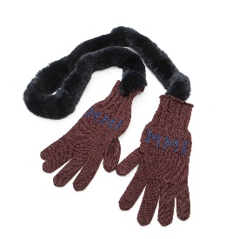 | WOMEN | MR&MRS ITALY | GLOVES | Fur Gloves | 80%co 17%pa 3%ws | IT
 | WOMEN | MR&MRS ITALY | HATS | Fur Hat | * | ITALY
 | WOMEN | MR&MRS ITALY | HATS | Cap | * | ITALY
 | WOMEN | MR&MRS ITALY | HATS | Embroidery Cape | 47%WO 43%CO 5%WS 5%EA | ITALY
 | WOMEN | MR&MRS ITALY | HATS | Canvas Turban | 100%CO | ITALY
 | WOMEN | MR&MRS ITALY | HATS | Cap | * | ITALY
 | WOMEN | MR&MRS ITALY | HATS | Cap | * | ITALY
 | WOMEN | MR&MRS ITALY | HATS | Embroidery Cap | * | ITALY
 | WOMEN | MR&MRS ITALY | HATS | Cap | 100%PL | ITALY
 | WOMEN | MR&MRS ITALY | HATS | Cap | 100%PL | ITALY
 | WOMEN | MR&MRS ITALY | SCARVES | Fur Scarf | 80%co 17%pa 3%ws | IT
...
DELIVERY TYPE
IMAGE | GENDER | BRAND | CATEGORY | DESCRIPTION | COMPOSITION | MADE
 | WOMEN | MR&MRS ITALY | SKIRTS | Mini Skirt | * | ITALY
 | WOMEN | MR&MRS ITALY | SKIRTS | Mini Skirt | * | ITALY
 | WOMEN | MR&MRS ITALY | SKIRTS | Mini Skirt | * | ITALY
 | WOMEN | MR&MRS ITALY | SKIRTS | Mini Skirt | * | ITALY
 | WOMEN | MR&MRS ITALY | SKIRTS | Mini Skirt | * | ITALY
 | WOMEN | MR&MRS ITALY | SKIRTS | Mini Skirt | * | ITALY
 | WOMEN | MR&MRS ITALY | SKIRTS | Mini Skirt | * | ITALY
 | WOMEN | MR&MRS ITALY | SKIRTS | Mini Skirt | * | ITALY
 | WOMEN | MR&MRS ITALY | SKIRTS | Long Skirt | * | ITALY
 | WOMEN | MR&MRS ITALY | SKIRTS | Embroidery Mini Skirt | * | ITALY
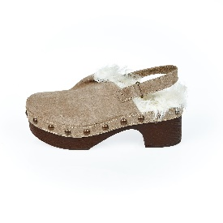 | WOMEN | MR&MRS ITALY | SHOES | Glog | 80%co 17%pa 3%ws | IT
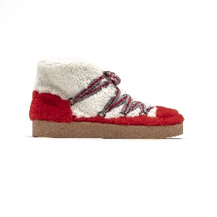 | WOMEN | MR&MRS ITALY | SHOES | Fur Moon Boot | 80%co 17%pa 3%ws | IT
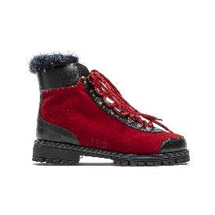 | WOMEN | MR&MRS ITALY | SHOES | Fur Pedule | 80%co 17%pa 3%ws | IT
 | WOMEN | MR&MRS ITALY | SHOES | Fur Pedule | 80%co 17%pa 3%ws | IT
 | WOMEN | MR&MRS ITALY | SHOES | Fur Pedule | 80%co 17%pa 3%ws | IT
 | WOMEN | MR&MRS ITALY | SHOES | Hiker Pedule | 80%co 17%pa 3%ws | IT
 | WOMEN | MR&MRS ITALY | SHOES | Fur Sandal | 80%co 17%pa 3%ws | IT
 | WOMEN | MR&MRS ITALY | SHOES | Fur Sandal | 80%co 17%pa 3%ws | IT
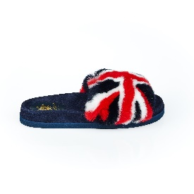 | WOMEN | MR&MRS ITALY | SHOES | Fur Sandal | 80%co 17%pa 3%ws | IT
 | WOMEN | MR&MRS ITALY | SHOES | Fur Sandal | 80%co 17%pa 3%ws | IT
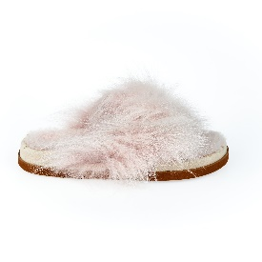 | WOMEN | MR&MRS ITALY | SHOES | Fur Sandal | 100%PATCH FOX FUR-100%MERINILLO-100%GO-100%EL | IT
 | WOMEN | MR&MRS ITALY | SHOES | Fur Sandal | 100%PATCH FOX FUR-100%MERINILLO-100%GO-100%EL | IT
 | WOMEN | MR&MRS ITALY | SHOES | Fur Sandal | 100%PATCH FOX FUR-100%MERINILLO-100%GO-100%EL | IT
 | WOMEN | MR&MRS ITALY | SHOES | Fur Sandal | 80%co 17%pa 3%ws | IT
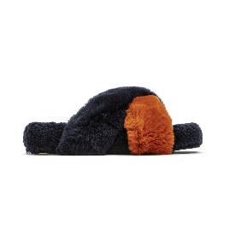 | WOMEN | MR&MRS ITALY | SHOES | Criss Cross Fur Sandal | 100%SHEARLING - 100%RABBIT FUR - 100%EL | IT
 | WOMEN | MR&MRS ITALY | SHOES | Criss Cross Fur Sandal | 100%SHEARLING - 100%RABBIT FUR - 100%EL | IT
 | WOMEN | MR&MRS ITALY | SHOES | Criss Cross Fur Sandal | 100%SHEARLING - 100%RABBIT FUR - 100%EL | IT
 | WOMEN | MR&MRS ITALY | SHOES | Criss Cross Fur Sandal | 100%SHEARLING - 100%RABBIT FUR - 100%EL | IT
 | WOMEN | MR&MRS ITALY | SHOES | Criss Cross Fur Sandal | 100%SHEARLING - 100%RABBIT FUR - 100%EL | IT
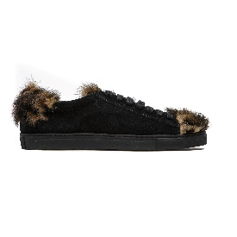 | WOMEN | MR&MRS ITALY | SHOES | Sneaker | 80%co 17%pa 3%ws | IT
 | WOMEN | MR&MRS ITALY | SHOES | Sneaker | 80%co 17%pa 3%ws | IT
 | WOMEN | MR&MRS ITALY | SHOES | Sneaker | 80%co 17%pa 3%ws | IT
 | WOMEN | MR&MRS ITALY | SHOES | Sneaker | 80%co 17%pa 3%ws | IT
 | WOMEN | MR&MRS ITALY | SHOES | Sneaker | 80%co 17%pa 3%ws | IT
 | WOMEN | MR&MRS ITALY | SHOES | Sneaker | 80%co 17%pa 3%ws | IT
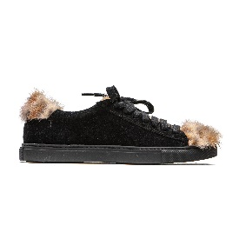 | WOMEN | MR&MRS ITALY | SHOES | Sneaker | 80%co 17%pa 3%ws | IT
 | WOMEN | MR&MRS ITALY | SHOES | Sneaker | 80%co 17%pa 3%ws | IT
 | WOMEN | MR&MRS ITALY | SHOES | Sneaker | 80%co 17%pa 3%ws | IT
 | WOMEN | MR&MRS ITALY | SHOES | Sneaker | 80%co 17%pa 3%ws | IT
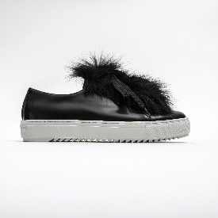 | WOMEN | MR&MRS ITALY | SHOES | Fur Sneaker | 80%co 17%pa 3%ws | IT
 | WOMEN | MR&MRS ITALY | SHOES | Fur Sneaker | 80%co 17%pa 3%ws | IT
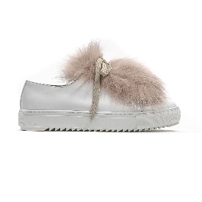 | WOMEN | MR&MRS ITALY | SHOES | Fur Sneaker | 80%co 17%pa 3%ws | IT
 | WOMEN | MR&MRS ITALY | SHOES | Fur Sneaker | 80%co 17%pa 3%ws | IT
 | WOMEN | MR&MRS ITALY | SHOES | Fur Sneaker | 80%co 17%pa 3%ws | IT
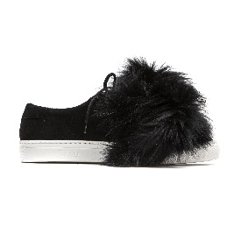 | WOMEN | MR&MRS ITALY | SHOES | Sneaker | 80%co 17%pa 3%ws | IT
 | WOMEN | MR&MRS ITALY | SHOES | Sneaker | 80%co 17%pa 3%ws | IT
 | WOMEN | MR&MRS ITALY | SHOES | Sneaker | 80%co 17%pa 3%ws | IT
 | WOMEN | MR&MRS ITALY | SHOES | Sneaker | 80%co 17%pa 3%ws | IT
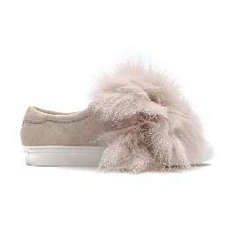 | WOMEN | MR&MRS ITALY | SHOES | Sneaker | 80%co 17%pa 3%ws | IT
 | WOMEN | MR&MRS ITALY | SHOES | Sneaker | 80%co 17%pa 3%ws | IT
 | WOMEN | MR&MRS ITALY | SHOES | Sneaker | 80%co 17%pa 3%ws | IT
 | WOMEN | MR&MRS ITALY | SHOES | Sneaker | 80%co 17%pa 3%ws | IT
 | WOMEN | MR&MRS ITALY | SHOES | Sneaker | 80%co 17%pa 3%ws | IT
 | WOMEN | MR&MRS ITALY | SHOES | Fur Sneaker | 80%co 17%pa 3%ws | IT
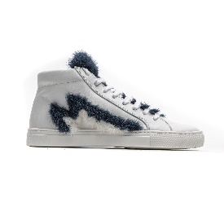 | WOMEN | MR&MRS ITALY | SHOES | Fur High-Top Sneaker | 80%co 17%pa 3%ws | IT
 | WOMEN | MR&MRS ITALY | SHOES | Fur High-Top Sneaker | 80%co 17%pa 3%ws | IT
 | WOMEN | MR&MRS ITALY | SHOES | Fur High-Top Sneaker | 80%co 17%pa 3%ws | IT
 | WOMEN | MR&MRS ITALY | SHOES | Fur High-Top Sneaker | 80%co 17%pa 3%ws | IT
 | WOMEN | MR&MRS ITALY | SHOES | Fur High-Top Sneaker | 80%co 17%pa 3%ws | IT
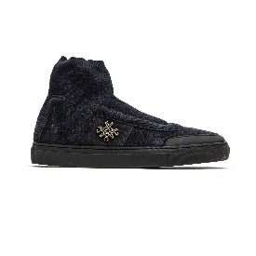 | WOMEN | MR&MRS ITALY | SHOES | Studio Sneaker | 100%LH | IT
 | WOMEN | MR&MRS ITALY | SHOES | Studio Sneaker | 100%LH | IT
 | WOMEN | MR&MRS ITALY | SHOES | Studio Sneaker | 100%LH | IT
 | WOMEN | MR&MRS ITALY | SHOES | Studio Sneaker | 100%LH | IT
 | WOMEN | MR&MRS ITALY | SHOES | Studio Sneaker | 100%LH | IT
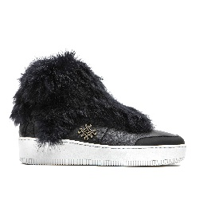 | WOMEN | MR&MRS ITALY | SHOES | Studio Fur Sneaker | 100%LAMB - 100%RABBIT FUR - 51%CO 30%VI 16%PA 3%EA | ITALY
 | WOMEN | MR&MRS ITALY | SHOES | Studio Fur Sneaker | 100%LAMB - 100%RABBIT FUR - 51%CO 30%VI 16%PA 3%EA | ITALY
 | WOMEN | MR&MRS ITALY | SHOES | Studio Fur Sneaker | 100%LAMB - 100%RABBIT FUR - 51%CO 30%VI 16%PA 3%EA | ITALY
 | WOMEN | MR&MRS ITALY | SHOES | Studio Fur Sneaker | 100%LAMB - 100%RABBIT FUR - 51%CO 30%VI 16%PA 3%EA | ITALY
 | WOMEN | MR&MRS ITALY | SHOES | Studio Fur Sneaker | 100%LAMB - 100%RABBIT FUR - 51%CO 30%VI 16%PA 3%EA | ITALY
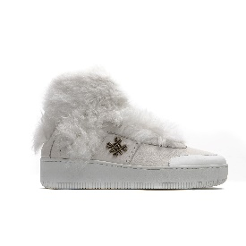 | WOMEN | MR&MRS ITALY | SHOES | Studio Fur Sneaker | 100%LAMB - 100%RABBIT FUR - 51%CO 30%VI 16%PA 3%EA | ITALY
 | WOMEN | MR&MRS ITALY | SHOES | Studio Fur Sneaker | 100%LAMB - 100%RABBIT FUR - 51%CO 30%VI 16%PA 3%EA | ITALY
 | WOMEN | MR&MRS ITALY | SHOES | Studio Fur Sneaker | 100%LAMB - 100%RABBIT FUR - 51%CO 30%VI 16%PA 3%EA | ITALY
 | WOMEN | MR&MRS ITALY | SHOES | Sneaker | 100%LH | ITALY
 | WOMEN | MR&MRS ITALY | SHOES | Sneaker | 100%LH | ITALY
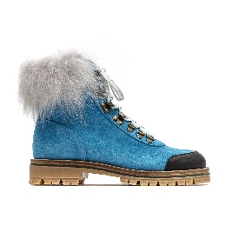 | WOMEN | MR&MRS ITALY | SHOES | Pedule Shoes | 100%LH | ITALY
 | WOMEN | MR&MRS ITALY | SHOES | Pedule Shoes | 100%LH | ITALY
 | WOMEN | MR&MRS ITALY | SHOES | Pedule Shoes | 100%LH | ITALY
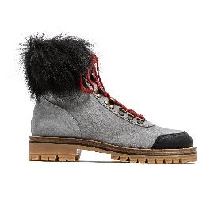 | WOMEN | MR&MRS ITALY | SHOES | Pedule Shoes | 100%LH | ITALY
 | WOMEN | MR&MRS ITALY | SHOES | Pedule Shoes | 100%LH | ITALY
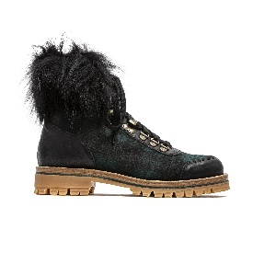 | WOMEN | MR&MRS ITALY | SHOES | Pedule | * | ITALY
 | WOMEN | MR&MRS ITALY | SHOES | Pedule | * | ITALY
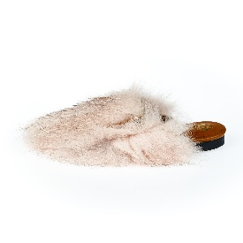 | WOMEN | MR&MRS ITALY | SHOES | Fur Sandal Sabot | 100%FOX FUR | ITALY
 | WOMEN | MR&MRS ITALY | SHOES | Fur Sandal | 100%CHECKIANG LAMB FUR - 100%MINK FUR | ITALY
 | WOMEN | MR&MRS ITALY | SHOES | Fur Sandal | 100%CHECKIANG LAMB FUR - 100%MINK FUR | ITALY
 | WOMEN | MR&MRS ITALY | SHOES | Boot | 100%TIBET LAMB FUR | ITALY
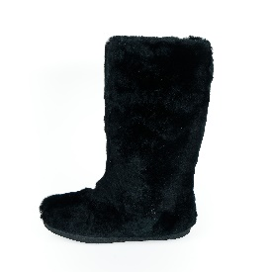 | WOMEN | MR&MRS ITALY | SHOES | Fur Moon Boot | 100%RABBIT FUR | ITALY
 | WOMEN | MR&MRS ITALY | SHOES | Fur Moon Boot | 100%RABBIT FUR | ITALY
 | WOMEN | MR&MRS ITALY | SHOES | Fur Moon Boot | 100%RABBIT FUR | ITALY
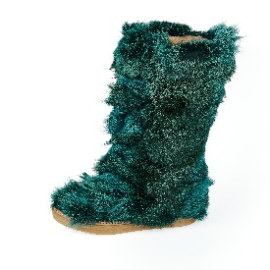 | WOMEN | MR&MRS ITALY | SHOES | Fur Moon Boot | 100%PATCH COYOTE FUR | ITALY
 | WOMEN | MR&MRS ITALY | SHOES | Fur Moon Boot | 100%PATCH COYOTE FUR | ITALY
 | WOMEN | MR&MRS ITALY | SHOES | Fur Moon Boot | 100%PATCH COYOTE FUR | ITALY
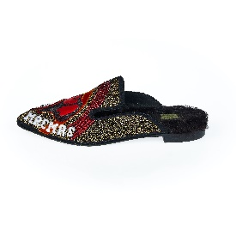 | WOMEN | MR&MRS ITALY | SHOES | Fur Sandal Sabot | 100%CHECKIANG LAMB FUR | ITALY
 | WOMEN | MR&MRS ITALY | SHOES | Fur Sandal Sabot | 100%CHECKIANG LAMB FUR | ITALY
 | WOMEN | MR&MRS ITALY | SHOES | Sandal | 100%MINK FUR | ITALY
 | WOMEN | MR&MRS ITALY | SHOES | Sandal | 100%MINK FUR | ITALY
 | WOMEN | MR&MRS ITALY | SHOES | Sandal | 100%MINK FUR | ITALY
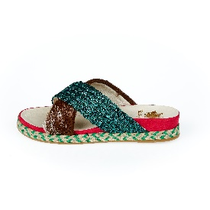 | WOMEN | MR&MRS ITALY | SHOES | Sandal | 100%DANKALIA | ITALY
 | WOMEN | MR&MRS ITALY | SHOES | Sandal | 100%DANKALIA | ITALY
 | WOMEN | MR&MRS ITALY | SHOES | Sandal | 100%DANKALIA | ITALY
 | WOMEN | MR&MRS ITALY | SHOES | Sandal | 100%DANKALIA | ITALY
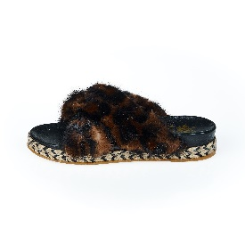 | WOMEN | MR&MRS ITALY | SHOES | Sandal | 100%MINK FUR | ITALY
 | WOMEN | MR&MRS ITALY | SHOES | Sandal | 100%MINK FUR | ITALY
 | WOMEN | MR&MRS ITALY | SHOES | Sandal | 100%MINK FUR | ITALY
 | WOMEN | MR&MRS ITALY | SHOES | Sandal | 100%MINK FUR | ITALY
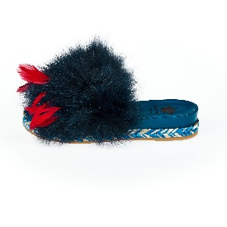 | WOMEN | MR&MRS ITALY | SHOES | Fur Sandal | 100%TR - 100%FOX FUR - 100%LAMB LEATHER - 100%LG | ITALY
 | WOMEN | MR&MRS ITALY | SHOES | Fur Sandal | 100%TR - 100%FOX FUR - 100%LAMB LEATHER - 100%LG | ITALY
 | WOMEN | MR&MRS ITALY | SHOES | Fur Sandal | 100%TR - 100%FOX FUR - 100%LAMB LEATHER - 100%LG | ITALY
 | WOMEN | MR&MRS ITALY | SHOES | Fur Sandal | 100%TR - 100%FOX FUR - 100%LAMB LEATHER - 100%LG | ITALY
 | WOMEN | MR&MRS ITALY | SHOES | Fur Sandal | 100%TR - 100%FOX FUR - 100%LAMB LEATHER - 100%LG | ITALY
 | WOMEN | MR&MRS ITALY | SHOES | Fur Sandal | 100%TR - 100%FOX FUR - 100%LAMB LEATHER - 100%LG | ITALY
 | WOMEN | MR&MRS ITALY | SHOES | Fur Sandal | 100%TR - 100%FOX FUR - 100%LAMB LEATHER - 100%LG | ITALY
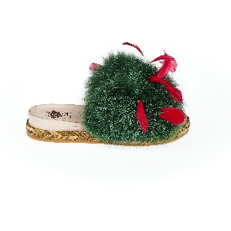 | WOMEN | MR&MRS ITALY | SHOES | Fur Sandal | 100%TR - 100%FOX FUR - 100%LAMB LEATHER - 100%LG | ITALY
 | WOMEN | MR&MRS ITALY | SHOES | Fur Sandal | 100%TR - 100%FOX FUR - 100%LAMB LEATHER - 100%LG | ITALY
 | WOMEN | MR&MRS ITALY | SHOES | Fur Sandal | 100%TR - 100%FOX FUR - 100%LAMB LEATHER - 100%LG | ITALY
 | WOMEN | MR&MRS ITALY | SHOES | Fur Sandal | 100%TR - 100%FOX FUR - 100%LAMB LEATHER - 100%LG | ITALY
 | WOMEN | MR&MRS ITALY | SHOES | Fur Sandal | 100%TR - 100%FOX FUR - 100%LAMB LEATHER - 100%LG | ITALY
 | WOMEN | MR&MRS ITALY | SHOES | Fur Sandal | 100%TR - 100%FOX FUR - 100%LAMB LEATHER - 100%LG | ITALY
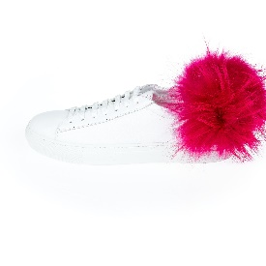 | WOMEN | MR&MRS ITALY | SHOES | Fur Sneaker | 100%TR - 100%RACCOON FUR - 100%LAMB LEATHER - 100%LG | ITALY
 | WOMEN | MR&MRS ITALY | SHOES | Fur Sneaker | 100%TR - 100%RACCOON FUR - 100%LAMB LEATHER - 100%LG | ITALY
 | WOMEN | MR&MRS ITALY | SHOES | Fur Sneaker | 100%TR - 100%RACCOON FUR - 100%LAMB LEATHER - 100%LG | ITALY
 | WOMEN | MR&MRS ITALY | SHOES | Fur Sneaker | 100%TR - 100%RACCOON FUR - 100%LAMB LEATHER - 100%LG | ITALY
 | WOMEN | MR&MRS ITALY | SHOES | Fur Sneaker | 100%TR - 100%RACCOON FUR - 100%LAMB LEATHER - 100%LG | ITALY
 | WOMEN | MR&MRS ITALY | SHOES | Fur Sneaker | 100%TR - 100%RACCOON FUR - 100%LAMB LEATHER - 100%LG | ITALY
 | WOMEN | MR&MRS ITALY | SHOES | Fur Sneaker | 100%TR - 100%RACCOON FUR - 100%LAMB LEATHER - 100%LG | ITALY
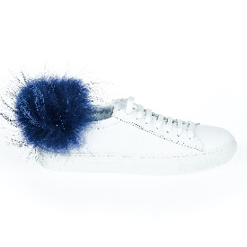 | WOMEN | MR&MRS ITALY | SHOES | Fur Sneaker | 100%TR - 100%RACCOON FUR - 100%LAMB LEATHER - 100%LG | ITALY
 | WOMEN | MR&MRS ITALY | SHOES | Fur Sneaker | 100%TR - 100%RACCOON FUR - 100%LAMB LEATHER - 100%LG | ITALY
 | WOMEN | MR&MRS ITALY | SHOES | Fur Sneaker | 100%TR - 100%RACCOON FUR - 100%LAMB LEATHER - 100%LG | ITALY
 | WOMEN | MR&MRS ITALY | SHOES | Fur Sneaker | 100%TR - 100%RACCOON FUR - 100%LAMB LEATHER - 100%LG | ITALY
 | WOMEN | MR&MRS ITALY | SHOES | Fur Sneaker | 100%TR - 100%RACCOON FUR - 100%LAMB LEATHER - 100%LG | ITALY
 | WOMEN | MR&MRS ITALY | SHOES | Fur Sneaker | 100%TR - 100%RACCOON FUR - 100%LAMB LEATHER - 100%LG | ITALY
 | WOMEN | MR&MRS ITALY | SHOES | Fur Sneaker | 100%TR - 100%RACCOON FUR - 100%LAMB LEATHER - 100%LG | ITALY
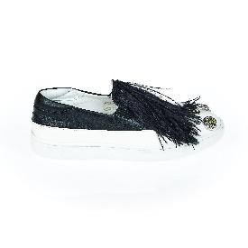 | WOMEN | MR&MRS ITALY | SHOES | Slip On | 100%LH | ITALY
 | WOMEN | MR&MRS ITALY | SHOES | Slip On | 100%LH | ITALY
 | WOMEN | MR&MRS ITALY | SHOES | Slip On | 100%LH | ITALY
 | WOMEN | MR&MRS ITALY | SHOES | Combat | * | ITALY
 | WOMEN | MR&MRS ITALY | SHOES | Fur Sandal | * | ITALY
 | WOMEN | MR&MRS ITALY | SHOES | Fur Sandal | * | ITALY
 | WOMEN | MR&MRS ITALY | SHOES | Fur Sandal | * | ITALY
 | WOMEN | MR&MRS ITALY | SHOES | Sandal | * | ITALY
 | WOMEN | MR&MRS ITALY | SHOES | Fur Sandal | * | ITALY
 | WOMEN | MR&MRS ITALY | SHOES | Fur Sandal | * | ITALY
 | WOMEN | MR&MRS ITALY | SHOES | Fur Sandal | * | ITALY
 | WOMEN | MR&MRS ITALY | SHOES | Heel Sandal | * | ITALY
 | WOMEN | MR&MRS ITALY | SHOES | Sandal | * | ITALY
 | WOMEN | MR&MRS ITALY | SHOES | Sandal | * | ITALY
 | WOMEN | MR&MRS ITALY | SHOES | Sandal | * | ITALY
 | WOMEN | MR&MRS ITALY | SHOES | Sandal | * | ITALY
 | WOMEN | MR&MRS ITALY | SHOES | Sandal | * | ITALY
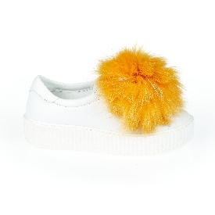 | WOMEN | MR&MRS ITALY | SHOES | Fur Sneaker | 100%TR - 100%RACCOON FUR - 100%FOX FUR | ITALY
 | WOMEN | MR&MRS ITALY | SHOES | Fur Sneaker | 100%TR - 100%RACCOON FUR - 100%FOX FUR | ITALY
 | WOMEN | MR&MRS ITALY | SHOES | Fur Sneaker | 100%TR - 100%RACCOON FUR - 100%FOX FUR | ITALY
 | WOMEN | MR&MRS ITALY | SHOES | Fur Sneaker | 100%TR - 100%RACCOON FUR - 100%FOX FUR | ITALY
 | WOMEN | MR&MRS ITALY | SHOES | Fur Sneaker | 100%TR - 100%RACCOON FUR - 100%FOX FUR | ITALY
 | WOMEN | MR&MRS ITALY | BELTS | Fur Belt Patch Mink | 100%MINK FUR | IT
 | WOMEN | MR&MRS ITALY | BELTS | Belt | 100%CALF LH | ITALY
 | WOMEN | MR&MRS ITALY | BELTS | Belt | 100%CALF LH | ITALY
 | WOMEN | MR&MRS ITALY | BELTS | Belt | * | ITALY
 | WOMEN | MR&MRS ITALY | BELTS | Belt | * | ITALY
 | WOMEN | MR&MRS ITALY | BELTS | Belt | 100%COWHIDE | ITALY
...
DELIVERY TYPE
IMAGE | GENDER | BRAND | CATEGORY | DESCRIPTION | COMPOSITION | MADE
 | WOMEN | MR&MRS ITALY | OTHERS | Fur Collar | 80%co 17%pa 3%ws | IT
 | WOMEN | MR&MRS ITALY | OTHERS | Fur Collar | 80%co 17%pa 3%ws | IT
 | WOMEN | MR&MRS ITALY | OTHERS | Fur Collar | 80%co 17%pa 3%ws | IT
 | WOMEN | MR&MRS ITALY | OTHERS | Fur Collar | 80%co 17%pa 3%ws | IT
 | WOMEN | MR&MRS ITALY | OTHERS | Collar | 80%co 17%pa 3%ws | IT
 | WOMEN | MR&MRS ITALY | OTHERS | Collar | 80%co 17%pa 3%ws | IT
 | WOMEN | MR&MRS ITALY | OTHERS | Collar | 80%co 17%pa 3%ws | IT
 | WOMEN | MR&MRS ITALY | OTHERS | Collar | 80%co 17%pa 3%ws | IT
 | WOMEN | MR&MRS ITALY | OTHERS | Fur Collar | 80%co 17%pa 3%ws | IT
 | WOMEN | MR&MRS ITALY | OTHERS | Fur Collar | 80%co 17%pa 3%ws | IT
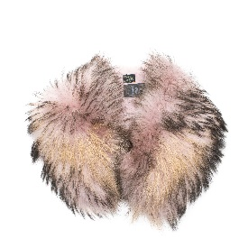 | WOMEN | MR&MRS ITALY | OTHERS | Fur Collar | 80%co 17%pa 3%ws | IT
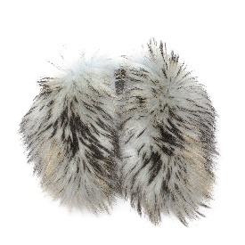 | WOMEN | MR&MRS ITALY | OTHERS | Fur Collar | 80%co 17%pa 3%ws | IT
 | WOMEN | MR&MRS ITALY | OTHERS | Fur Collar | 80%co 17%pa 3%ws | IT
 | WOMEN | MR&MRS ITALY | OTHERS | Fur Collar | 80%co 17%pa 3%ws | IT
 | WOMEN | MR&MRS ITALY | OTHERS | Fur Collar | 80%co 17%pa 3%ws | IT
 | WOMEN | MR&MRS ITALY | OTHERS | Fur Collar | 80%co 17%pa 3%ws | IT
 | WOMEN | MR&MRS ITALY | OTHERS | Fur Collar | 80%co 17%pa 3%ws | IT
 | WOMEN | MR&MRS ITALY | OTHERS | Fur Collar | 80%co 17%pa 3%ws | IT
 | WOMEN | MR&MRS ITALY | OTHERS | Fur Collar | 80%co 17%pa 3%ws | IT
 | WOMEN | MR&MRS ITALY | OTHERS | Scuff | 80%co 17%pa 3%ws | IT
 | WOMEN | MR&MRS ITALY | OTHERS | Fur Collar | * | ITALY
 | WOMEN | MR&MRS ITALY | OTHERS | Big Belt Bag | * | ITALY
...
DELIVERY TYPE
IMAGE | GENDER | BRAND | CATEGORY | DESCRIPTION | COMPOSITION | MADE
 | MEN | MR&MRS ITALY | BLAZERS | Jacket | 50%CO 50%PA - 45%CO 55%PU - 100%PU | ITALY
 | MEN | MR&MRS ITALY | BLAZERS | Jacket | 50%CO 50%PA - 45%CO 55%PU - 100%PU | ITALY
 | MEN | MR&MRS ITALY | BLAZERS | Jacket | 100%CO - 97%CO 3%EA -100%PL | ITALY
 | MEN | MR&MRS ITALY | BLAZERS | Jacket | 100%CO - 97%CO 3%EA -100%PL | ITALY
 | MEN | MR&MRS ITALY | BLAZERS | Jacket | 100%CO - 97%CO 3%EA -100%PL | ITALY
 | MEN | MR&MRS ITALY | BLAZERS | Jacket | 100%CO - 97%CO 3%EA -100%PL | ITALY
 | MEN | MR&MRS ITALY | BLAZERS | Jacket | 100%CO - 97%CO 3%EA - 100%PL | ITALY
 | MEN | MR&MRS ITALY | BLAZERS | Jacket | 100%CO - 97%CO 3%EA - 100%PL | ITALY
 | MEN | MR&MRS ITALY | BLAZERS | Jacket | 100%CO - 97%CO 3%EA - 100%PL | ITALY
 | MEN | MR&MRS ITALY | BLAZERS | Jacket | 100%CO - 97%CO 3%EA - 100%PL | ITALY
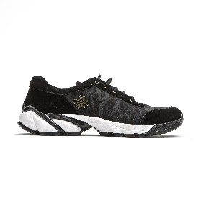 | MEN | MR&MRS ITALY | SHOES | Sneakers | 80%co 17%pa 3%ws | IT
 | MEN | MR&MRS ITALY | T-SHIRTS | Long Sleeve T-Shirt | * | ITALY
 | MEN | MR&MRS ITALY | T-SHIRTS | Shirt | 73%VI 27%CO | ITALY
 | MEN | MR&MRS ITALY | T-SHIRTS | Shirt | 73%VI 27%CO | ITALY
 | MEN | MR&MRS ITALY | T-SHIRTS | Shirt | 73%VI 27%CO | ITALY
 | MEN | MR&MRS ITALY | T-SHIRTS | Shirt | 73%VI 27%CO | ITALY
 | MEN | MR&MRS ITALY | T-SHIRTS | Shirt | 73%VI 27%CO | ITALY
 | MEN | MR&MRS ITALY | T-SHIRTS | Shirt | 73%VI 27%CO | ITALY
 | MEN | MR&MRS ITALY | T-SHIRTS | Shirt | 73%VI 27%CO | ITALY
 | MEN | MR&MRS ITALY | T-SHIRTS | Shirt | 73%VI 27%CO | ITALY
 | MEN | MR&MRS ITALY | T-SHIRTS | Shirt | 73%VI 27%CO | ITALY
...

