OFFER
REF
NAME*
COMPANY NAME
DATE*
SALES REP*
EMAIL*
PHONE #*
PAYMENT CURRENCY (€/£)*
BILLING ADDRESS*
ORDER NUMBER
PRE/IN HAND
DELIVERY TYPE

BRAND | N. PHOTO | ART | DIS | VAR | DESCRIPTION | DIMENSIONS | COMPOSITION | QTY | MOQ | RRP € | RRP TOT € | COST € | COST TOT € | COST £ | COST TOT £
GUCCI | 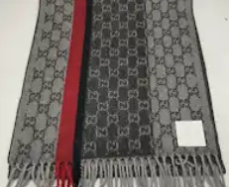 1 | 6207 |  | 1274 | SCARF | 180x50 | 50% CASMERE 50% WOOL | 375 | 200 | € 675.00 | € 253,125.00 | € 105.00 | € 39,375.00 | £92.92 | £34,845.13
GUCCI | 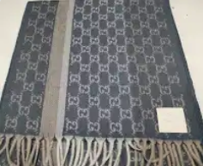 | 6207 | 355 | 4779 / 8012 | SCARF | 180x50 | 50% CASMERE 50% WOOL | 452 | 200 | € 675.00 | € 305,100.00 | € 105.00 | € 47,460.00 | £92.92 | £42,000.00
GUCCI | 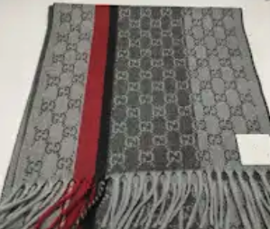 | 6207 |  | 41001 | SCARF | 180x50 | 50% CASMERE 50% WOOL | 189 | 200 | € 675.00 | € 127,575.00 | € 105.00 | € 19,845.00 | £92.92 | £17,561.95
GUCCI | 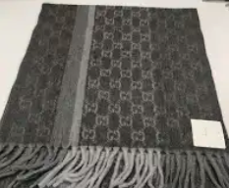 | 6207 |  | 8002 | SCARF | 180x50 | 50% CASMERE 50% WOOL | 125 | 200 | € 675.00 | € 84,375.00 | € 105.00 | € 13,125.00 | £92.92 | £11,615.04
GUCCI | 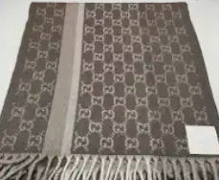 | 6207 | 355 | 8011 / 2779 | SCARF | 180x50 | 50% CASMERE 50% WOOL | 620 | 200 | € 675.00 | € 418,500.00 | € 105.00 | € 65,100.00 | £92.92 | £57,610.62
GUCCI | 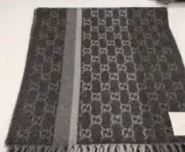 | 6207 |  | 8001 | SCARF | 180x50 | 50% CASMERE 50% WOOL | 299 | 200 | € 675.00 | € 201,825.00 | € 105.00 | € 31,395.00 | £92.92 | £27,783.19
GUCCI | 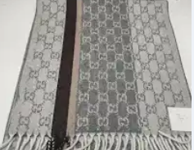 | 6207 | 355 | 1464 / 9011 | SCARF | 180x50 | 50% CASMERE 50% WOOL | 307 | 200 | € 675.00 | € 207,225.00 | € 105.00 | € 32,235.00 | £92.92 | £28,526.55
GUCCI | 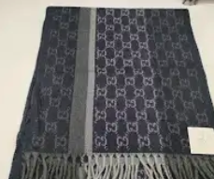 | 6207 |  | 4062 | SCARF | 180x50 | 50% CASMERE 50% WOOL | 238 | 200 | € 675.00 | € 160,650.00 | € 105.00 | € 24,990.00 | £92.92 | £22,115.04
GUCCI | 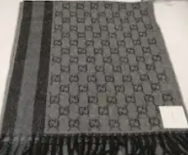 | 8207 |  | 9001 | SCARF | 180x50 | 50% CASMERE 50% WOOL | 175 | 200 | € 675.00 | € 118,125.00 | € 105.00 | € 18,375.00 | £92.92 | £16,261.06
GUCCI | 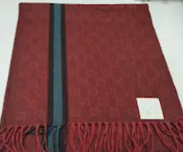 | X |  | 6174 | SCARF | 180x50 | 50% CASMERE 50% WOOL | 13 | 200 | € 675.00 | € 8,775.00 | € 105.00 | € 1,365.00 | £92.92 | £1,207.96
GUCCI | 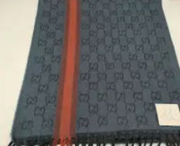 | 8722 | 44 | 51 | SCARF | 180x50 | 50% CASMERE 50% WOOL | 50 | 200 | € 675.00 | € 33,750.00 | € 105.00 | € 5,250.00 | £92.92 | £4,646.02
GUCCI | 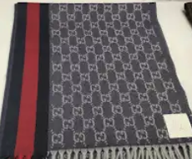 | 8207 |  | AZZ/BLU/ROSSO | SCARF | 180x50 | 50% CASMERE 50% WOOL | 40 | 200 | € 675.00 | € 27,000.00 | € 105.00 | € 4,200.00 | £92.92 | £3,716.81
GUCCI | 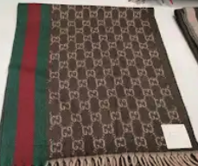 | 8207 |  | 9031 | SCARF | 180x50 | 50% CASMERE 50% WOOL | 130 | 200 | € 675.00 | € 87,750.00 | € 105.00 | € 13,650.00 | £92.92 | £12,079.65
GUCCI | 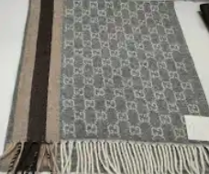 | 8207 |  | 9011 | SCARF | 180x50 | 50% CASMERE 50% WOOL | 58 | 200 | € 675.00 | € 39,150.00 | € 105.00 | € 6,090.00 | £92.92 | £5,389.38
GUCCI | 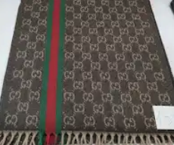 | X |  | 9031 | SCARF | 180x50 | 50% CASMERE 50% WOOL | 3 | 200 | € 675.00 | € 2,025.00 | € 105.00 | € 315.00 | £92.92 | £278.76
GUCCI | 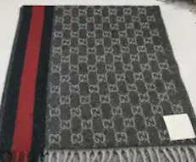 | 8207 |  | X | SCARF | 180x50 | 50% CASMERE 50% WOOL | 61 | 200 | € 675.00 | € 41,175.00 | € 105.00 | € 6,405.00 | £92.92 | £5,668.14
 |  |  |  |  |  |  |  | 3135 |  |  | € 2,116,125.00 |  | € 329,175.00 |  | £291,305.31

