OFFER
REF
NAME*
COMPANY NAME
DATE*
SALES REP*
EMAIL*
PHONE #*
PAYMENT CURRENCY (€/£)*
BILLING ADDRESS*
ORDER NUMBER
PRE/IN HAND
DELIVERY TYPE

BRAND | N. PHOTO | ART | DIS | VAR | DESCRIPTION | SIZE/CM | COMPOSITION | QTY | MOQ | RRP AVERAGE € | RRP TOT | COST | COST TOT | COST £ | COST TOT £
ALEXANDER MCQUEEN | 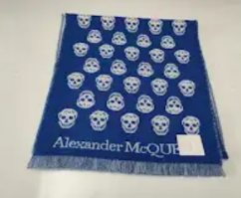 1 | 8080 | 35 A | 5641 | SCARF | 35 X 180 | 100% WOOL | 456 |  | € 495.00 | € 225,720.00 | € 70.00 | € 31,920.00 | £61.95 | £28,247.79
ALEXANDER MCQUEEN | 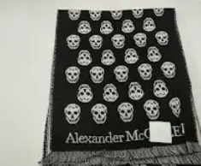 2 | 8080 | 35A | 5021 | SCARF | 35 X 180 | 100% WOOL | 313 |  | € 495.00 | € 154,935.00 | € 70.00 | € 21,910.00 | £61.95 | £19,389.38
ALEXANDER MCQUEEN | 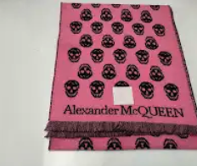 14 | 8080 | 5 | 211 | SCARF | 35 X 180 | 100% WOOL | 34 |  | € 495.00 | € 16,830.00 | € 70.00 | € 2,380.00 | £61.95 | £2,106.19
ALEXANDER MCQUEEN | 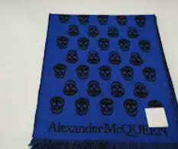 16 | 8080 | 5 | 321 | SCARF | 35 X 180 | 100% WOOL | 46 |  | € 495.00 | € 22,770.00 | € 70.00 | € 3,220.00 | £61.95 | £2,849.56
ALEXANDER MCQUEEN | 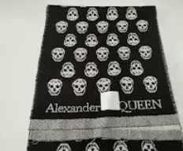 18 | 8080 | 35A | 21 | SCARF | 35 X 180 | 100% WOOL | 200 |  | € 495.00 | € 99,000.00 | € 70.00 | € 14,000.00 | £61.95 | £12,389.38
ALEXANDER MCQUEEN | 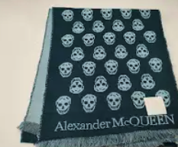 20 | 8080 | 5 | 441 | SCARF | 35 X 180 | 100% WOOL | 66 |  | € 495.00 | € 32,670.00 | € 70.00 | € 4,620.00 | £61.95 | £4,088.50
ALEXANDER MCQUEEN | 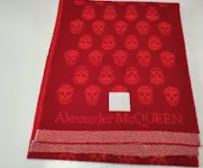 21 | 8080 | 5 | 351 | SCARF | 35 X 180 | 100% WOOL | 27 |  | € 495.00 | € 13,365.00 | € 70.00 | € 1,890.00 | £61.95 | £1,672.57
ALEXANDER MCQUEEN | 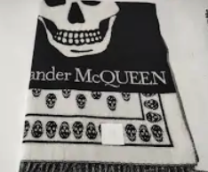 23 | 6081 | 754 | 1001 | SCARF | 70 X 200 + FR | 100% WOOL | 140 |  | € 495.00 | € 69,300.00 | € 70.00 | € 9,800.00 | £61.95 | £8,672.57
ALEXANDER MCQUEEN | 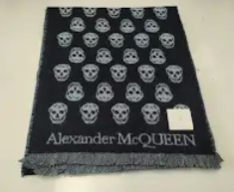 24 | 8080 | 35A | 5781 | SCARF | 35 X 180 | 100% WOOL | 23 |  | € 495.00 | € 11,385.00 | € 70.00 | € 1,610.00 | £61.95 | £1,424.78
ALEXANDER MCQUEEN | 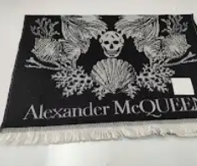 25 | 8037 | 84 | 1 | SCARF | 50 X 190 CF | 100% WOOL | 49 |  | € 495.00 | € 24,255.00 | € 70.00 | € 3,430.00 | £61.95 | £3,035.40
ALEXANDER MCQUEEN | 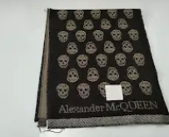 45 | 8080 | 5 | 161 | SCARF | 35 X 180 | 100% WOOL | 22 |  | € 495.00 | € 10,890.00 | € 70.00 | € 1,540.00 | £61.95 | £1,362.83
ALEXANDER MCQUEEN | 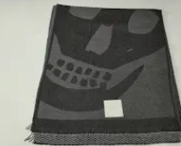 50 | 8442 |  | 2132 | SCARF |  |  | 83 |  | € 495.00 | € 41,085.00 | € 70.00 | € 5,810.00 | £61.95 | £5,141.59
ALEXANDER MCQUEEN | 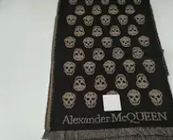 56 | 8681 |  | 5161 | SCARF | 35 X 180 |  | 131 |  | € 495.00 | € 64,845.00 | € 70.00 | € 9,170.00 | £61.95 | £8,115.04
ALEXANDER MCQUEEN | 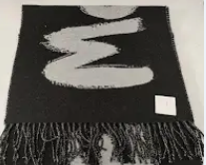 57 | 6031 | 355 | 2001 | SCARF |  |  | 409 |  | € 495.00 | € 202,455.00 | € 70.00 | € 28,630.00 | £61.95 | £25,336.28
ALEXANDER MCQUEEN | 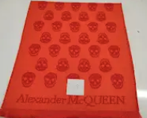 68 | 8681 | 35A | 5711 | SCARF |  |  | 39 |  | € 495.00 | € 19,305.00 | € 70.00 | € 2,730.00 | £61.95 | £2,415.93
ALEXANDER MCQUEEN | 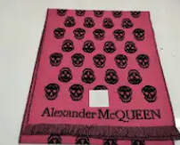 69 | 8080 |  | FUXIA/BLU | SCARF |  |  | 25 |  | € 495.00 | € 12,375.00 | € 70.00 | € 1,750.00 | £61.95 | £1,548.67
ALEXANDER MCQUEEN | 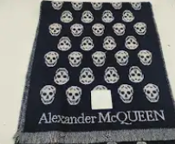 70 | 8080 | 35A | 5311 | SCARF | 35 X 180 |  | 26 |  | € 495.00 | € 12,870.00 | € 70.00 | € 1,820.00 | £61.95 | £1,610.62
ALEXANDER MCQUEEN | 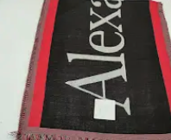 71 | 6024 | 1 | 1 | SCARF | 35 X 180 |  | 74 |  | € 495.00 | € 36,630.00 | € 70.00 | € 5,180.00 | £61.95 | £4,584.07
ALEXANDER MCQUEEN | 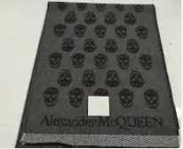 77 | 8681 |  | 5501 | SCARF |  |  | 30 |  | € 495.00 | € 14,850.00 | € 70.00 | € 2,100.00 | £61.95 | £1,858.41
ALEXANDER MCQUEEN | 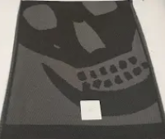 80 | 8442 |  | 2281 | SCARF |  |  | 55 |  | € 495.00 | € 27,225.00 | € 70.00 | € 3,850.00 | £61.95 | £3,407.08
ALEXANDER MCQUEEN | 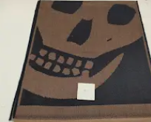 81 | 8336 |  | 3001 | SCARF |  | 75% WV 25% SE | 25 |  | € 495.00 | € 12,375.00 | € 70.00 | € 1,750.00 | £61.95 | £1,548.67
ALEXANDER MCQUEEN | 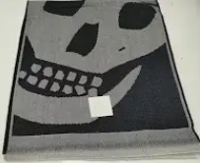 83 | 8336 |  | 3021 | SCARF |  | 75% WV 25% SE | 24 |  | € 495.00 | € 11,880.00 | € 70.00 | € 1,680.00 | £61.95 | £1,486.73
ALEXANDER MCQUEEN | 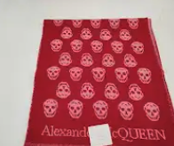 90 | 8681 |  | 5631 | SCARF |  |  | 52 |  | € 495.00 | € 25,740.00 | € 70.00 | € 3,640.00 | £61.95 | £3,221.24
ALEXANDER MCQUEEN | 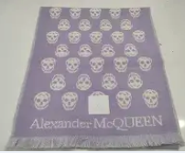 92 | 8080 | 35A | 5791 | SCARF | 35 X 180 | 100% WOOL | 31 |  | € 495.00 | € 15,345.00 | € 70.00 | € 2,170.00 | £61.95 | £1,920.35
ALEXANDER MCQUEEN | 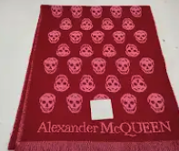 94 | 8080 | 5 | 331 | SCARF | 35 X 180 | 100% WOOL | 40 |  | € 495.00 | € 19,800.00 | € 70.00 | € 2,800.00 | £61.95 | £2,477.88
ALEXANDER MCQUEEN | 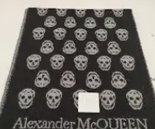 102 | 8080 | 35A | 5581 | SCARF | 35 X 180 | 100% WOOL | 42 |  | € 495.00 | € 20,790.00 | € 70.00 | € 2,940.00 | £61.95 | £2,601.77
ALEXANDER MCQUEEN | 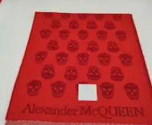 108 | 8080 | 35A | 5241 | SCARF | 35 X 180 | 100% WOOL | 20 |  | € 495.00 | € 9,900.00 | € 70.00 | € 1,400.00 | £61.95 | £1,238.94
ALEXANDER MCQUEEN | 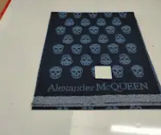 109 | 8080 | 35A | 5131 | SCARF | 35 X 180 | 100% WOOL | 15 |  | € 495.00 | € 7,425.00 | € 70.00 | € 1,050.00 | £61.95 | £929.20
ALEXANDER MCQUEEN | 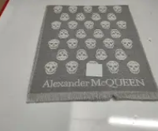 110 | 8080 | 35A | 5221 | SCARF | 35 X 180 | 100% WOOL | 22 |  | € 495.00 | € 10,890.00 | € 70.00 | € 1,540.00 | £61.95 | £1,362.83
ALEXANDER MCQUEEN | 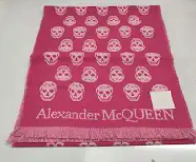 204 | 8080 | 35A | 5811/5821 | SCARF |  | 100% WOOL | 63 |  | € 495.00 | € 31,185.00 | € 70.00 | € 4,410.00 | £61.95 | £3,902.65
ALEXANDER MCQUEEN | 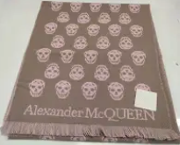 205 | 8080 | 35A | 5381 | SCARF |  | 100% WOOL | 20 |  | € 495.00 | € 9,900.00 | € 70.00 | € 1,400.00 | £61.95 | £1,238.94
ALEXANDER MCQUEEN | 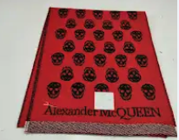 207 | 8681 | 35A | 5141 | SCARF |  | 100% WOOL | 40 |  | € 495.00 | € 19,800.00 | € 70.00 | € 2,800.00 | £61.95 | £2,477.88
ALEXANDER MCQUEEN | 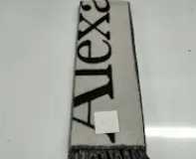 209 | 6080 |  | 1001 | SCARF |  |  | 149 |  | € 495.00 | € 73,755.00 | € 70.00 | € 10,430.00 | £61.95 | £9,230.09
ALEXANDER MCQUEEN | 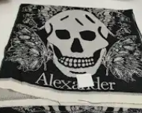 249 | 8037 |  | 77031 | SCARF |  | 100% WOOL | 38 |  | € 495.00 | € 18,810.00 | € 70.00 | € 2,660.00 | £61.95 | £2,353.98
ALEXANDER MCQUEEN | 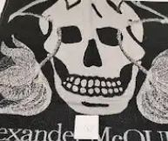 289 | 8037 | 50G | 87001 | SCARF |  |  | 42 |  | € 495.00 | € 20,790.00 | € 70.00 | € 2,940.00 | £61.95 | £2,601.77
ALEXANDER MCQUEEN | 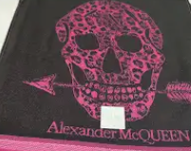 296 | 8037 | 502G | 59001 | SCARF |  |  | 29 |  | € 495.00 | € 14,355.00 | € 70.00 | € 2,030.00 | £61.95 | £1,796.46
ALEXANDER MCQUEEN | 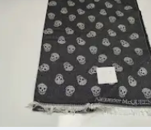 303 | 8688 | 9 | 91 | SCARF |  | 60% WOOL 40% SILK | 67 |  | € 495.00 | € 33,165.00 | € 70.00 | € 4,690.00 | £61.95 | £4,150.44
ALEXANDER MCQUEEN | 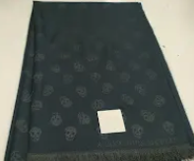 306 | 8688 | 2 | 23 | SCARF |  | 60% WOOL 40% SILK | 122 |  | € 495.00 | € 60,390.00 | € 70.00 | € 8,540.00 | £61.95 | £7,557.52
ALEXANDER MCQUEEN | 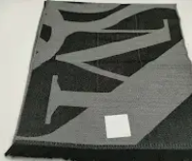 316 | 6237 | 1 | GRIGIO/NERO | SCARF |  |  | 53 |  | € 495.00 | € 26,235.00 | € 70.00 | € 3,710.00 | £61.95 | £3,283.19
ALEXANDER MCQUEEN | 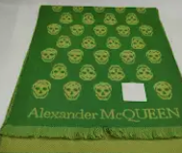 353 | 8080 | 35A | VERDE SC/CH T | SCARF | 35 X 180 | 100% WOOL | 33 |  | € 495.00 | € 16,335.00 | € 70.00 | € 2,310.00 | £61.95 | £2,044.25
ALEXANDER MCQUEEN | 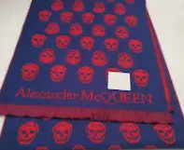 359 | 8080 | 35A | 534 | SCARF |  |  | 24 |  | € 495.00 | € 11,880.00 | € 70.00 | € 1,680.00 | £61.95 | £1,486.73
ALEXANDER MCQUEEN | 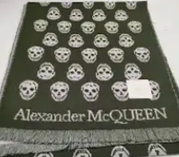 360 | 8080 | 35A | VERDE/LILA T | SCARF |  |  | 41 |  | € 495.00 | € 20,295.00 | € 70.00 | € 2,870.00 | £61.95 | £2,539.82
ALEXANDER MCQUEEN | 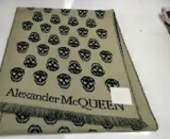 368 | 8080 | 35A | VERDE | SCARF |  |  | 33 |  | € 495.00 | € 16,335.00 | € 70.00 | € 2,310.00 | £61.95 | £2,044.25
 |  |  |  |  |  |  |  | 3273 | 200 |  | € 1,620,135.00 |  | € 229,110.00 |  | £202,752.21

