OFFER
BRAND | PICTURE | SEASON | GENDER | ARTICLE CODE | STYLE NUMBER | COLOR CODE | COLOR | SIZE | DESCRIPTION | QTY | COMMODITY CODE | MADE IN | COMPOSITION | BARCODE | WHS € | WHS TOT € | 16% OFF WHS COST € | COST TOT € | COST £ | COST TOT £
C.P. COMPANY |  | 18 | MAN | 18CLAC031A005952A999L | 18CLAC031A005952A | 999 | BLACK | L | ACCESSORIES - BASEBALL CAP | 1 | 6505003000 | CN | 100% PL | 7622792114463 | € 40.95 | € 40.95 | € 34.40 | € 34.40 | £30.31 | £30.31
C.P. COMPANY |  | 18 | MAN | 18CLAC041A110040A999UNI | 18CLAC041A110040A | 999 | BLACK | UNI | ACCESSORIES - BAG | 4 | 4202929190 | CN | 100% PA | 7622792114500 | € 64.35 | € 257.40 | € 54.05 | € 216.22 | £47.62 | £190.50
C.P. COMPANY |  | 18 | MAN | 18CLAC057A006450A683L | 18CLAC057A006450A | 683 | IVY GREEN | L | ACCESSORIES - HAT | 4 | 6505003000 | CN | 100% CO | 7622792114517 | € 58.50 | € 234.00 | € 49.14 | € 196.56 | £43.30 | £173.18
C.P. COMPANY |  | 18 | MAN | 18CLAC057A006450A999L | 18CLAC057A006450A | 999 | BLACK | L | ACCESSORIES - HAT | 1 | 6505003000 | CN | 100% CO | 7622792249585 | € 58.50 | € 58.50 | € 49.14 | € 49.14 | £43.30 | £43.30
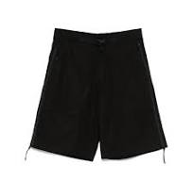
C.P. COMPANY |  | 18 | MAN | 18CLBE010A006450A10346 | 18CLBE010A006450A | 103 | GAUZE WHITE | 46 | BERMUDA - CARGO | 1 | 6203423500 | CN | 100% CO | 7622792249639 | € 140.40 | € 140.40 | € 117.94 | € 117.94 | £103.91 | £103.91
C.P. COMPANY |  | 18 | MAN | 18CLBE010A006450A10348 | 18CLBE010A006450A | 103 | GAUZE WHITE | 48 | BERMUDA - CARGO | 1 | 6203423500 | CN | 100% CO | 7622792249646 | € 140.40 | € 140.40 | € 117.94 | € 117.94 | £103.91 | £103.91
C.P. COMPANY |  | 18 | MAN | 18CLBE010A006450A10352 | 18CLBE010A006450A | 103 | GAUZE WHITE | 52 | BERMUDA - CARGO | 1 | 6203423500 | CN | 100% CO | 7622792249660 | € 140.40 | € 140.40 | € 117.94 | € 117.94 | £103.91 | £103.91
C.P. COMPANY |  | 18 | MAN | 18CLBE010A006450A99948 | 18CLBE010A006450A | 999 | BLACK | 48 | BERMUDA - CARGO | 5 | 6203423500 | CN | 100% CO | 7622792114869 | € 140.40 | € 702.00 | € 117.94 | € 589.68 | £103.91 | £519.54
C.P. COMPANY |  | 18 | MAN | 18CLBE010A006450A99952 | 18CLBE010A006450A | 999 | BLACK | 52 | BERMUDA - CARGO | 1 | 6203423500 | CN | 100% CO | 7622792153264 | € 140.40 | € 140.40 | € 117.94 | € 117.94 | £103.91 | £103.91
C.P. COMPANY |  | 18 | MAN | 18CLBE043A110165A91644 | 18CLBE043A110165A | 916 | LIMESTONE | 44 | BERMUDA - CARGO | 3 | 6203431100 | RO | 100% PL | 7622792249981 | € 93.60 | € 280.80 | € 78.62 | € 235.87 | £69.27 | £207.82
C.P. COMPANY |  | 18 | MAN | 18CLBE043A110165A91646 | 18CLBE043A110165A | 916 | LIMESTONE | 46 | BERMUDA - CARGO | 2 | 6203431100 | RO | 100% PL | 7622792249998 | € 93.60 | € 187.20 | € 78.62 | € 157.25 | £69.27 | £138.54
C.P. COMPANY |  | 18 | MAN | 18CLBZ009A006450A999L | 18CLBZ009A006450A | 999 | BLACK | L | BLAZER - BLAZER | 4 | 6203329000 | CN | 100% CO | 7622792114876 | € 292.50 | € 1,170.00 | € 245.70 | € 982.80 | £216.48 | £865.90
C.P. COMPANY |  | 18 | MAN | 18CLBZ009A006450A999M | 18CLBZ009A006450A | 999 | BLACK | M | BLAZER - BLAZER | 1 | 6203329000 | CN | 100% CO | 7622792153301 | € 292.50 | € 292.50 | € 245.70 | € 245.70 | £216.48 | £216.48
C.P. COMPANY |  | 18 | MAN | 18CLOW002A110033A683L | 18CLOW002A110033A | 683 | IVY GREEN | L | OUTERWEAR - MEDIUM JACKET | 4 | 6201401090 | CN | 100% PA | 7622792114616 | € 279.63 | € 1,118.52 | € 234.89 | € 939.56 | £206.95 | £827.80
C.P. COMPANY |  | 18 | MAN | 18CLOW002A110033A683XL | 18CLOW002A110033A | 683 | IVY GREEN | XL | OUTERWEAR - MEDIUM JACKET | 1 | 6201401090 | CN | 100% PA | 7622792153387 | € 279.63 | € 279.63 | € 234.89 | € 234.89 | £206.95 | £206.95
C.P. COMPANY | 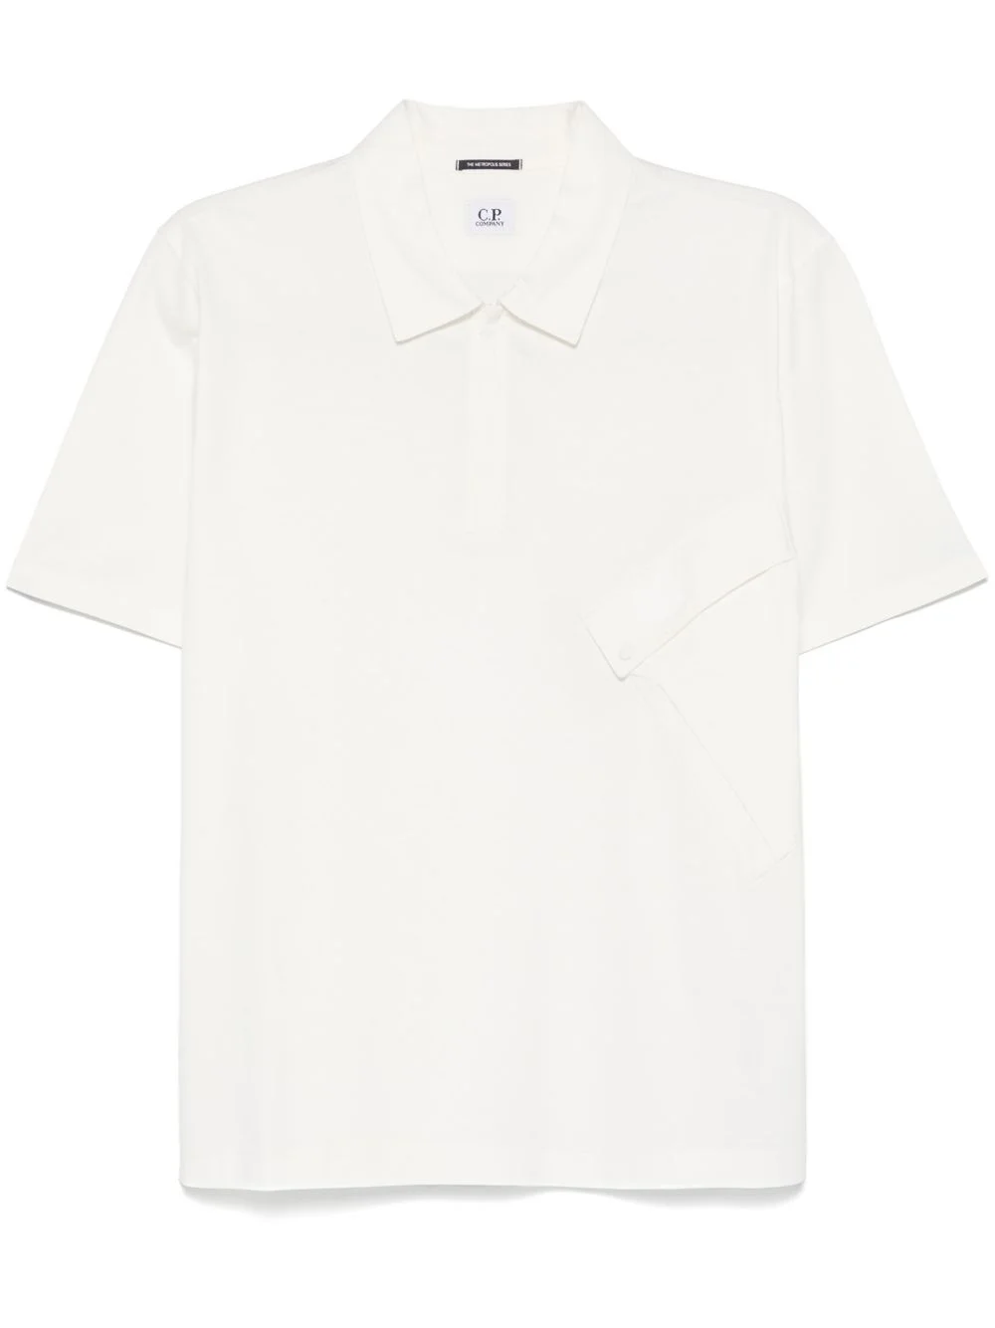 | 18 | MAN | 18CLPL022A006370W103XL | 18CLPL022A006370W | 103 | GAUZE WHITE | XL | POLO - SHORT SLEEVE | 1 | 6105100000 | CN | 100% CO | 7622792146297 | € 70.20 | € 70.20 | € 58.97 | € 58.97 | £51.95 | £51.95
C.P. COMPANY |  | 18 | MAN | 18CLSB015A006452M103L | 18CLSB015A006452M | 103 | GAUZE WHITE | L | SWEATBERMUDA - JOGGING BERMUDA | 3 | 6103420000 | CN | 95% CO 5% EA | 7622792142114 | € 99.45 | € 298.35 | € 83.54 | € 250.61 | £73.60 | £220.81
C.P. COMPANY |  | 18 | MAN | 18CLSB015A006452M103XL | 18CLSB015A006452M | 103 | GAUZE WHITE | XL | SWEATBERMUDA - JOGGING BERMUDA | 1 | 6103420000 | CN | 95% CO 5% EA | 7622792159112 | € 99.45 | € 99.45 | € 83.54 | € 83.54 | £73.60 | £73.60
C.P. COMPANY |  | 18 | MAN | 18CLSB015A006452M103XXL | 18CLSB015A006452M | 103 | GAUZE WHITE | XXL | SWEATBERMUDA - JOGGING BERMUDA | 1 | 6103420000 | CN | 95% CO 5% EA | 7622792159136 | € 99.45 | € 99.45 | € 83.54 | € 83.54 | £73.60 | £73.60
C.P. COMPANY |  | 18 | MAN | 18CLSB015A006452M683L | 18CLSB015A006452M | 683 | IVY GREEN | L | SWEATBERMUDA - JOGGING BERMUDA | 5 | 6103420000 | CN | 95% CO 5% EA | 7622792142121 | € 99.45 | € 497.25 | € 83.54 | € 417.69 | £73.60 | £368.01
C.P. COMPANY |  | 18 | MAN | 18CLSB015A006452M683M | 18CLSB015A006452M | 683 | IVY GREEN | M | SWEATBERMUDA - JOGGING BERMUDA | 1 | 6103420000 | CN | 95% CO 5% EA | 7622792159150 | € 99.45 | € 99.45 | € 83.54 | € 83.54 | £73.60 | £73.60
C.P. COMPANY |  | 18 | MAN | 18CLSB015A006452M683S | 18CLSB015A006452M | 683 | IVY GREEN | S | SWEATBERMUDA - JOGGING BERMUDA | 1 | 6103420000 | CN | 95% CO 5% EA | 7622792159167 | € 99.45 | € 99.45 | € 83.54 | € 83.54 | £73.60 | £73.60
C.P. COMPANY |  | 18 | MAN | 18CLSB015A006452M999M | 18CLSB015A006452M | 999 | BLACK | M | SWEATBERMUDA - JOGGING BERMUDA | 1 | 6103420000 | CN | 95% CO 5% EA | 7622792252592 | € 99.45 | € 99.45 | € 83.54 | € 83.54 | £73.60 | £73.60
C.P. COMPANY |  | 18 | MAN | 18CLSB015A006452M999S | 18CLSB015A006452M | 999 | BLACK | S | SWEATBERMUDA - JOGGING BERMUDA | 1 | 6103420000 | CN | 95% CO 5% EA | 7622792252608 | € 99.45 | € 99.45 | € 83.54 | € 83.54 | £73.60 | £73.60
C.P. COMPANY |  | 18 | MAN | 18CLSB015A006452MM98L | 18CLSB015A006452M | M98 | GRAPHITE MELANGE | L | SWEATBERMUDA - JOGGING BERMUDA | 3 | 6103420000 | CN | 95% CO 5% EA | 7622792142138 | € 99.45 | € 298.35 | € 83.54 | € 250.61 | £73.60 | £220.81
C.P. COMPANY |  | 18 | MAN | 18CLSB015A006452MM98S | 18CLSB015A006452M | M98 | GRAPHITE MELANGE | S | SWEATBERMUDA - JOGGING BERMUDA | 1 | 6103420000 | CN | 95% CO 5% EA | 7622792159228 | € 99.45 | € 99.45 | € 83.54 | € 83.54 | £73.60 | £73.60
C.P. COMPANY |  | 18 | MAN | 18CLSH026A006472A103L | 18CLSH026A006472A | 103 | GAUZE WHITE | L | SHIRTS - LONG SLEEVE | 3 | 6205200090 | IT | 100% CO | 7622792112605 | € 128.70 | € 386.10 | € 108.11 | € 324.32 | £95.25 | £285.75
C.P. COMPANY |  | 18 | MAN | 18CLSP021A006452M103L | 18CLSP021A006452M | 103 | GAUZE WHITE | L | SWEATPANTS - JOGGING PANT | 4 | 6103420000 | CN | 95% CO 5% EA | 7622792142145 | € 128.70 | € 514.80 | € 108.11 | € 432.43 | £95.25 | £381.00
C.P. COMPANY |  | 18 | MAN | 18CLSP021A006452M103XS | 18CLSP021A006452M | 103 | GAUZE WHITE | XS | SWEATPANTS - JOGGING PANT | 1 | 6103420000 | CN | 95% CO 5% EA | 7622792159303 | € 128.70 | € 128.70 | € 108.11 | € 108.11 | £95.25 | £95.25
C.P. COMPANY |  | 18 | MAN | 18CLSP021A006452M999M | 18CLSP021A006452M | 999 | BLACK | M | SWEATPANTS - JOGGING PANT | 1 | 6103420000 | CN | 95% CO 5% EA | 7622792253360 | € 128.70 | € 128.70 | € 108.11 | € 108.11 | £95.25 | £95.25
C.P. COMPANY |  | 18 | MAN | 18CMAC049A110188G935UNI | 18CMAC049A110188G | 935 | SMOKED PEARL | UNI | ACCESSORIES - BAG | 1 | 4202929190 | CN | 100% PA | 7622792114524 | € 64.35 | € 64.35 | € 54.05 | € 54.05 | £47.62 | £47.62
C.P. COMPANY |  | 18 | MAN | 18CMAC052A005349G327UNI | 18CMAC052A005349G | 327 | VINTAGE KHAKI | UNI | ACCESSORIES - KEYCHAN | 4 | 4202329090 | CN | 100% PA | 7622792114531 | € 46.80 | € 187.20 | € 39.31 | € 157.25 | £34.64 | £138.54
C.P. COMPANY |  | 18 | MAN | 18CMAC052A005349G935UNI | 18CMAC052A005349G | 935 | SMOKED PEARL | UNI | ACCESSORIES - KEYCHAN | 1 | 4202329090 | CN | 100% PA | 7622792186255 | € 46.80 | € 46.80 | € 39.31 | € 39.31 | £34.64 | £34.64
C.P. COMPANY |  | 18 | MAN | 18CMAC052A005349G999UNI | 18CMAC052A005349G | 999 | BLACK | UNI | ACCESSORIES - KEYCHAN | 2 | 4202329090 | CN | 100% PA | 7622792186262 | € 46.80 | € 93.60 | € 39.31 | € 78.62 | £34.64 | £69.27
C.P. COMPANY |  | 18 | MAN | 18CMAC054A110305G327UNI | 18CMAC054A110305G | 327 | VINTAGE KHAKI | UNI | ACCESSORIES - BAG | 1 | 4202929190 | CN | 100% PA | 7622792164581 | € 108.81 | € 108.81 | € 91.40 | € 91.40 | £80.53 | £80.53
C.P. COMPANY |  | 18 | MAN | 18CMAC054A110305G935UNI | 18CMAC054A110305G | 935 | SMOKED PEARL | UNI | ACCESSORIES - BAG | 2 | 4202929190 | CN | 100% PA | 7622792164598 | € 108.81 | € 217.62 | € 91.40 | € 182.80 | £80.53 | £161.06
C.P. COMPANY |  | 18 | MAN | 18CMAC055A005349G327UNI | 18CMAC055A005349G | 327 | VINTAGE KHAKI | UNI | ACCESSORIES - BAG | 4 | 4202929190 | CN | 100% PA | 7622792186392 | € 78.39 | € 313.56 | € 65.85 | € 263.39 | £58.02 | £232.06
C.P. COMPANY |  | 18 | MAN | 18CMAC055A005349G935UNI | 18CMAC055A005349G | 935 | SMOKED PEARL | UNI | ACCESSORIES - BAG | 4 | 4202929190 | CN | 100% PA | 7622792114555 | € 78.39 | € 313.56 | € 65.85 | € 263.39 | £58.02 | £232.06
C.P. COMPANY |  | 18 | MAN | 18CMAC055A005349G999UNI | 18CMAC055A005349G | 999 | BLACK | UNI | ACCESSORIES - BAG | 1 | 4202929190 | CN | 100% PA | 7622792186415 | € 78.39 | € 78.39 | € 65.85 | € 65.85 | £58.02 | £58.02
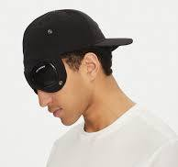
C.P. COMPANY |  | 18 | MAN | 18CMAC146A005904A683L | 18CMAC146A005904A | 683 | IVY GREEN | L | ACCESSORIES - BASEBALL CAP | 3 | 6505003000 | CN | 100% PA | 7622792186637 | € 64.35 | € 193.05 | € 54.05 | € 162.16 | £47.62 | £142.87
C.P. COMPANY |  | 18 | MAN | 18CMAC146A005904A683M | 18CMAC146A005904A | 683 | IVY GREEN | M | ACCESSORIES - BASEBALL CAP | 6 | 6505003000 | CN | 100% PA | 7622792186644 | € 64.35 | € 386.10 | € 54.05 | € 324.32 | £47.62 | £285.75
C.P. COMPANY |  | 18 | MAN | 18CMAC146A005904A999M | 18CMAC146A005904A | 999 | BLACK | M | ACCESSORIES - BASEBALL CAP | 2 | 6505003000 | CN | 100% PA | 7622792186705 | € 64.35 | € 128.70 | € 54.05 | € 108.11 | £47.62 | £95.25
C.P. COMPANY |  | 18 | MAN | 18CMAC146A005904A999M | 18CMAC146A005904A | 999 | BLACK | M | ACCESSORIES - BASEBALL CAP | 1 | 6505003000 | CN | 100% PA | 7622792186705 | € 64.35 | € 64.35 | € 54.05 | € 54.05 | £47.62 | £47.62
C.P. COMPANY |  | 18 | MAN | 18CMAC147A005904A547UNI | 18CMAC147A005904A | 547 | POINCIANA | UNI | ACCESSORIES - BASEBALL CAP | 1 | 6505003000 | CN | 100% PA | 7622792114418 | € 51.48 | € 51.48 | € 43.24 | € 43.24 | £38.10 | £38.10
C.P. COMPANY |  | 18 | MAN | 18CMAC147A005904A872UNI | 18CMAC147A005904A | 872 | STORMY WEATHER | UNI | ACCESSORIES - BASEBALL CAP | 1 | 6505003000 | CN | 100% PA | 7622792186743 | € 51.48 | € 51.48 | € 43.24 | € 43.24 | £38.10 | £38.10
C.P. COMPANY |  | 18 | MAN | 18CMAC174A110188G683UNI | 18CMAC174A110188G | 683 | IVY GREEN | UNI | ACCESSORIES - TRAVEL BAG | 1 | 4202929190 | CN | 100% PA | 7622792176690 | € 128.70 | € 128.70 | € 108.11 | € 108.11 | £95.25 | £95.25
C.P. COMPANY |  | 18 | MAN | 18CMAC175A006337A999UNI | 18CMAC175A006337A | 999 | BLACK | UNI | ACCESSORIES - WALLET | 1 | 4202321000 | CN | 100% EL | 7622792176706 | € 52.65 | € 52.65 | € 44.23 | € 44.23 | £38.97 | £38.97
C.P. COMPANY |  | 18 | MAN | 18CMAC226A005904A327UNI | 18CMAC226A005904A | 327 | VINTAGE KHAKI | UNI | ACCESSORIES - BASEBALL CAP | 2 | 6505003000 | CN | 100% PA | 7622792186866 | € 51.48 | € 102.96 | € 43.24 | € 86.49 | £38.10 | £76.20
C.P. COMPANY |  | 18 | MAN | 18CMAC227A110188G888UNI | 18CMAC227A110188G | 888 | TOTAL ECLIPSE | UNI | ACCESSORIES - BAG | 1 | 4202929190 | CN | 100% PA | 7622792142329 | € 93.60 | € 93.60 | € 78.62 | € 78.62 | £69.27 | £69.27
C.P. COMPANY |  | 18 | MAN | 18CMAC227A110188G999UNI | 18CMAC227A110188G | 999 | BLACK | UNI | ACCESSORIES - BAG | 2 | 4202929190 | CN | 100% PA | 7622792186934 | € 93.60 | € 187.20 | € 78.62 | € 157.25 | £69.27 | £138.54
C.P. COMPANY |  | 18 | MAN | 18CMAC230A005269G872UNI | 18CMAC230A005269G | 872 | STORMY WEATHER | UNI | ACCESSORIES - BACK PACK | 1 | 4202929190 | CN | 100% PA | 7622792186972 | € 93.60 | € 93.60 | € 78.62 | € 78.62 | £69.27 | £69.27
C.P. COMPANY |  | 18 | MAN | 18CMAC255A110188G683UNI | 18CMAC255A110188G | 683 | IVY GREEN | UNI | ACCESSORIES - BAG | 4 | 4202929190 | CN | 100% PA | 7622792176720 | € 163.80 | € 655.20 | € 137.59 | € 550.37 | £121.23 | £484.91
C.P. COMPANY |  | 18 | MAN | 18CMAC282A006288A683UNI | 18CMAC282A006288A | 683 | IVY GREEN | UNI | ACCESSORIES - BASEBALL CAP | 4 | 6505003000 | CN | 100% CO | 7622792187023 | € 38.61 | € 154.44 | € 32.43 | € 129.73 | £28.57 | £114.30
C.P. COMPANY |  | 18 | MAN | 18CMAC282A006288A999UNI | 18CMAC282A006288A | 999 | BLACK | UNI | ACCESSORIES - BASEBALL CAP | 5 | 6505003000 | CN | 100% CO | 7622792187047 | € 38.61 | € 193.05 | € 32.43 | € 162.16 | £28.57 | £142.87
C.P. COMPANY |  | 18 | MAN | 18CMAC294A110100A003L | 18CMAC294A110100A | 003 | GREIGE | L | ACCESSORIES - HAT | 4 | 6505003000 | RO | 100% CO | 7622792142398 | € 70.20 | € 280.80 | € 58.97 | € 235.87 | £51.95 | £207.82
C.P. COMPANY |  | 18 | MAN | 18CMAC294A110100A003M | 18CMAC294A110100A | 003 | GREIGE | M | ACCESSORIES - HAT | 5 | 6505003000 | RO | 100% CO | 7622792163164 | € 70.20 | € 351.00 | € 58.97 | € 294.84 | £51.95 | £259.77
C.P. COMPANY |  | 18 | MAN | 18CMAC294A110295WD08L | 18CMAC294A110295W | D08 | DENIM-NORMAL WASHED 40° | L | ACCESSORIES - HAT | 4 | 6505003000 | RO | 100% CO | 7622792142404 | € 70.20 | € 280.80 | € 58.97 | € 235.87 | £51.95 | £207.82
C.P. COMPANY |  | 18 | MAN | 18CMAC298A110188G327UNI | 18CMAC298A110188G | 327 | VINTAGE KHAKI | UNI | ACCESSORIES - WAIST BAG | 5 | 4202929190 | CN | 100% PA | 7622792176737 | € 93.60 | € 468.00 | € 78.62 | € 393.12 | £69.27 | £346.36
C.P. COMPANY |  | 18 | MAN | 18CMAC298A110188G999UNI | 18CMAC298A110188G | 999 | BLACK | UNI | ACCESSORIES - WAIST BAG | 11 | 4202929190 | CN | 100% PA | 7622792266667 | € 93.60 | € 1,029.60 | € 78.62 | € 864.86 | £69.27 | £761.99
C.P. COMPANY |  | 18 | MAN | 18CMAC299A110386A99990 | 18CMAC299A110386A | 999 | BLACK | 90 | ACCESSORIES - BELT | 2 | 4203300090 | IT | 100% LEATHER | 7622792181151 | € 64.35 | € 128.70 | € 54.05 | € 108.11 | £47.62 | £95.25
C.P. COMPANY |  | 18 | MAN | 18CMAC303A005269G327UNI | 18CMAC303A005269G | 327 | VINTAGE KHAKI | UNI | ACCESSORIES - BACK PACK | 1 | 4202929190 | CN | 100% PA | 7622792114449 | € 93.60 | € 93.60 | € 78.62 | € 78.62 | £69.27 | £69.27
C.P. COMPANY | 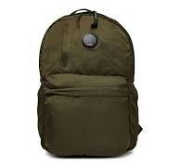 | 18 | MAN | 18CMAC303A005269G683UNI | 18CMAC303A005269G | 683 | IVY GREEN | UNI | ACCESSORIES - BACK PACK | 1 | 4202929190 | CN | 100% PA | 7622792187078 | € 93.60 | € 93.60 | € 78.62 | € 78.62 | £69.27 | £69.27
C.P. COMPANY |  | 18 | MAN | 18CMAC305A110243A99995 | 18CMAC305A110243A | 999 | BLACK | 95 | ACCESSORIES - BELT | 2 | 6217100090 | CN | 100% PL | 7622792282889 | € 39.78 | € 79.56 | € 33.42 | € 66.83 | £29.44 | £58.88
C.P. COMPANY |  | 18 | MAN | 18CMAC306A110243A999100 | 18CMAC306A110243A | 999 | BLACK | 100 | ACCESSORIES - BELT | 1 | 6217100090 | CN | 100% PL | 7622792282773 | € 39.78 | € 39.78 | € 33.42 | € 33.42 | £29.44 | £29.44
C.P. COMPANY |  | 18 | MAN | 18CMBE041A005904G54744 | 18CMBE041A005904G | 547 | POINCIANA | 44 | BERMUDA - CARGO | 1 | 6203431100 | CN | 100% PA | 7622792282902 | € 95.94 | € 95.94 | € 80.59 | € 80.59 | £71.00 | £71.00
C.P. COMPANY |  | 18 | MAN | 18CMBE041A005904G54746 | 18CMBE041A005904G | 547 | POINCIANA | 46 | BERMUDA - CARGO | 1 | 6203431100 | CN | 100% PA | 7622792282919 | € 95.94 | € 95.94 | € 80.59 | € 80.59 | £71.00 | £71.00
C.P. COMPANY |  | 18 | MAN | 18CMBE041A005904G54750 | 18CMBE041A005904G | 547 | POINCIANA | 50 | BERMUDA - CARGO | 1 | 6203431100 | CN | 100% PA | 7622792282933 | € 95.94 | € 95.94 | € 80.59 | € 80.59 | £71.00 | £71.00
C.P. COMPANY |  | 18 | MAN | 18CMBE041A005904G68342 | 18CMBE041A005904G | 683 | IVY GREEN | 42 | BERMUDA - CARGO | 1 | 6203431100 | CN | 100% PA | 7622792166097 | € 95.94 | € 95.94 | € 80.59 | € 80.59 | £71.00 | £71.00
C.P. COMPANY |  | 18 | MAN | 18CMBE041A005904G68344 | 18CMBE041A005904G | 683 | IVY GREEN | 44 | BERMUDA - CARGO | 1 | 6203431100 | CN | 100% PA | 7622792166103 | € 95.94 | € 95.94 | € 80.59 | € 80.59 | £71.00 | £71.00
C.P. COMPANY |  | 18 | MAN | 18CMBE041A005904G68346 | 18CMBE041A005904G | 683 | IVY GREEN | 46 | BERMUDA - CARGO | 2 | 6203431100 | CN | 100% PA | 7622792166110 | € 95.94 | € 191.88 | € 80.59 | € 161.18 | £71.00 | £142.01
C.P. COMPANY |  | 18 | MAN | 18CMBE041A005904G68348 | 18CMBE041A005904G | 683 | IVY GREEN | 48 | BERMUDA - CARGO | 3 | 6203431100 | CN | 100% PA | 7622792166127 | € 95.94 | € 287.82 | € 80.59 | € 241.77 | £71.00 | £213.01
C.P. COMPANY |  | 18 | MAN | 18CMBE041A005904G68350 | 18CMBE041A005904G | 683 | IVY GREEN | 50 | BERMUDA - CARGO | 1 | 6203431100 | CN | 100% PA | 7622792166134 | € 95.94 | € 95.94 | € 80.59 | € 80.59 | £71.00 | £71.00
C.P. COMPANY |  | 18 | MAN | 18CMBE041A005904G68352 | 18CMBE041A005904G | 683 | IVY GREEN | 52 | BERMUDA - CARGO | 1 | 6203431100 | CN | 100% PA | 7622792166141 | € 95.94 | € 95.94 | € 80.59 | € 80.59 | £71.00 | £71.00
C.P. COMPANY |  | 18 | MAN | 18CMBE041A005904G80046 | 18CMBE041A005904G | 800 | BLUE FOX | 46 | BERMUDA - CARGO | 1 | 6203431100 | CN | 100% PA | 7622792283091 | € 95.94 | € 95.94 | € 80.59 | € 80.59 | £71.00 | £71.00
C.P. COMPANY |  | 18 | MAN | 18CMBE041A005904G80048 | 18CMBE041A005904G | 800 | BLUE FOX | 48 | BERMUDA - CARGO | 1 | 6203431100 | CN | 100% PA | 7622792283107 | € 95.94 | € 95.94 | € 80.59 | € 80.59 | £71.00 | £71.00
C.P. COMPANY |  | 18 | MAN | 18CMBE041A005904G80050 | 18CMBE041A005904G | 800 | BLUE FOX | 50 | BERMUDA - CARGO | 1 | 6203431100 | CN | 100% PA | 7622792283114 | € 95.94 | € 95.94 | € 80.59 | € 80.59 | £71.00 | £71.00
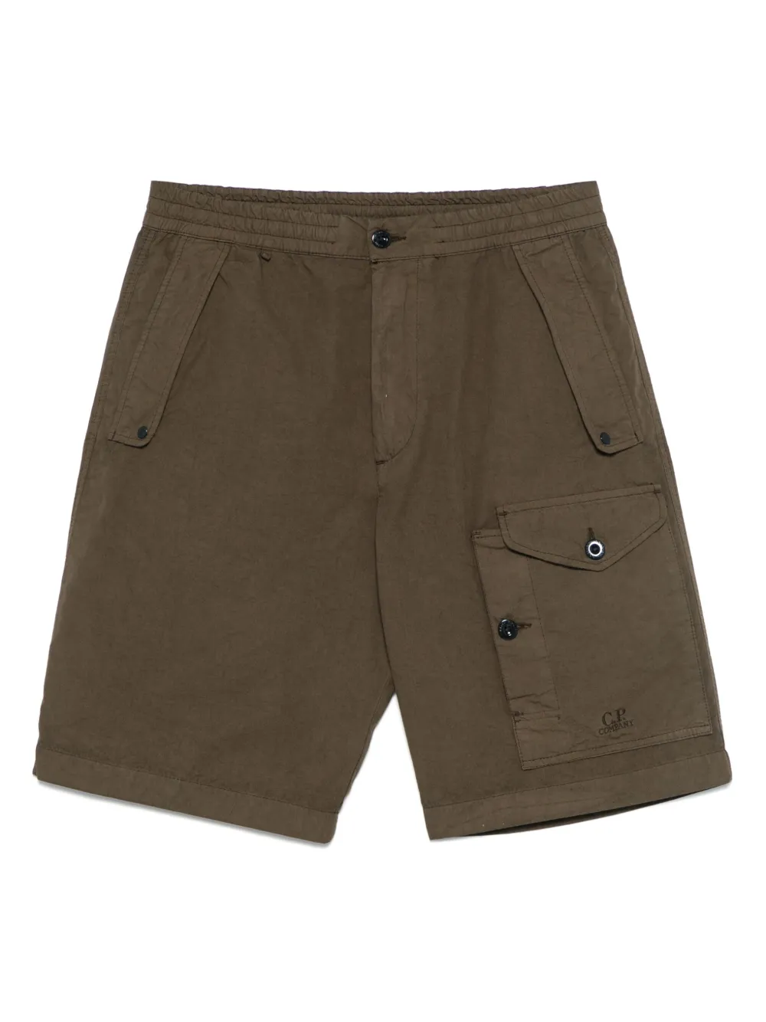
C.P. COMPANY |  | 18 | MAN | 18CMBE060A006475G10346 | 18CMBE060A006475G | 103 | GAUZE WHITE | 46 | BERMUDA - CARGO | 3 | 6203423500 | RO | 100% CO | 7622792187283 | € 105.30 | € 315.90 | € 88.45 | € 265.36 | £77.93 | £233.79
C.P. COMPANY |  | 18 | MAN | 18CMBE060A006475G10354 | 18CMBE060A006475G | 103 | GAUZE WHITE | 54 | BERMUDA - CARGO | 1 | 6203423500 | RO | 100% CO | 7622792187320 | € 105.30 | € 105.30 | € 88.45 | € 88.45 | £77.93 | £77.93
C.P. COMPANY |  | 18 | MAN | 18CMBE060A006475G10356 | 18CMBE060A006475G | 103 | GAUZE WHITE | 56 | BERMUDA - CARGO | 1 | 6203423500 | RO | 100% CO | 7622792187337 | € 105.30 | € 105.30 | € 88.45 | € 88.45 | £77.93 | £77.93
C.P. COMPANY |  | 18 | MAN | 18CMBE060A006475G32748 | 18CMBE060A006475G | 327 | VINTAGE KHAKI | 48 | BERMUDA - CARGO | 1 | 6203423500 | IT | 100% CO | 7622792115088 | € 105.30 | € 105.30 | € 88.45 | € 88.45 | £77.93 | £77.93
C.P. COMPANY |  | 18 | MAN | 18CMBE060A006475G68348 | 18CMBE060A006475G | 683 | IVY GREEN | 48 | BERMUDA - CARGO | 1 | 6203423500 | RO | 100% CO | 7622792187382 | € 105.30 | € 105.30 | € 88.45 | € 88.45 | £77.93 | £77.93
C.P. COMPANY |  | 18 | MAN | 18CMBE060A006475G68350 | 18CMBE060A006475G | 683 | IVY GREEN | 50 | BERMUDA - CARGO | 2 | 6203423500 | RO | 100% CO | 7622792187399 | € 105.30 | € 210.60 | € 88.45 | € 176.90 | £77.93 | £155.86
C.P. COMPANY |  | 18 | MAN | 18CMBE060A006475G68352 | 18CMBE060A006475G | 683 | IVY GREEN | 52 | BERMUDA - CARGO | 1 | 6203423500 | RO | 100% CO | 7622792187405 | € 105.30 | € 105.30 | € 88.45 | € 88.45 | £77.93 | £77.93
C.P. COMPANY |  | 18 | MAN | 18CMBE060A006475G77448 | 18CMBE060A006475G | 774 | LAVANDER VIOLET | 48 | BERMUDA - CARGO | 2 | 6203423500 | IT | 100% CO | 7622792115095 | € 105.30 | € 210.60 | € 88.45 | € 176.90 | £77.93 | £155.86
C.P. COMPANY |  | 18 | MAN | 18CMBE111A006439G10344 | 18CMBE111A006439G | 103 | GAUZE WHITE | 44 | BERMUDA - CARGO | 1 | 6203423500 | RO | 65%CO 28%PA 7%EA | 7622792283442 | € 107.64 | € 107.64 | € 90.42 | € 90.42 | £79.66 | £79.66
C.P. COMPANY |  | 18 | MAN | 18CMBE111A006439G66944 | 18CMBE111A006439G | 669 | THYME | 44 | BERMUDA - CARGO | 1 | 6203423500 | RO | 65%CO 28%PA 7%EA | 7622792283626 | € 107.64 | € 107.64 | € 90.42 | € 90.42 | £79.66 | £79.66
C.P. COMPANY |  | 18 | MAN | 18CMBE111A006439G66946 | 18CMBE111A006439G | 669 | THYME | 46 | BERMUDA - CARGO | 1 | 6203423500 | RO | 65%CO 28%PA 7%EA | 7622792283633 | € 107.64 | € 107.64 | € 90.42 | € 90.42 | £79.66 | £79.66
C.P. COMPANY |  | 18 | MAN | 18CMBE111A006439G66948 | 18CMBE111A006439G | 669 | THYME | 48 | BERMUDA - CARGO | 1 | 6203423500 | RO | 65%CO 28%PA 7%EA | 7622792283640 | € 107.64 | € 107.64 | € 90.42 | € 90.42 | £79.66 | £79.66
C.P. COMPANY |  | 18 | MAN | 18CMBE111A006439G66950 | 18CMBE111A006439G | 669 | THYME | 50 | BERMUDA - CARGO | 2 | 6203423500 | RO | 65%CO 28%PA 7%EA | 7622792283657 | € 107.64 | € 215.28 | € 90.42 | € 180.84 | £79.66 | £159.33
C.P. COMPANY |  | 18 | MAN | 18CMBE111A006439G66952 | 18CMBE111A006439G | 669 | THYME | 52 | BERMUDA - CARGO | 1 | 6203423500 | RO | 65%CO 28%PA 7%EA | 7622792283664 | € 107.64 | € 107.64 | € 90.42 | € 90.42 | £79.66 | £79.66
C.P. COMPANY |  | 18 | MAN | 18CMBE111A006439G80044 | 18CMBE111A006439G | 800 | BLUE FOX | 44 | BERMUDA - CARGO | 1 | 6203423500 | RO | 65%CO 28%PA 7%EA | 7622792257962 | € 107.64 | € 107.64 | € 90.42 | € 90.42 | £79.66 | £79.66
C.P. COMPANY |  | 18 | MAN | 18CMBE111A006439G80046 | 18CMBE111A006439G | 800 | BLUE FOX | 46 | BERMUDA - CARGO | 1 | 6203423500 | RO | 65%CO 28%PA 7%EA | 7622792257979 | € 107.64 | € 107.64 | € 90.42 | € 90.42 | £79.66 | £79.66
C.P. COMPANY |  | 18 | MAN | 18CMBE111A006439G80048 | 18CMBE111A006439G | 800 | BLUE FOX | 48 | BERMUDA - CARGO | 5 | 6203423500 | RO | 65%CO 28%PA 7%EA | 7622792182004 | € 107.64 | € 538.20 | € 90.42 | € 452.09 | £79.66 | £398.32
C.P. COMPANY |  | 18 | MAN | 18CMBE111A006439G80052 | 18CMBE111A006439G | 800 | BLUE FOX | 52 | BERMUDA - CARGO | 2 | 6203423500 | RO | 65%CO 28%PA 7%EA | 7622792257993 | € 107.64 | € 215.28 | € 90.42 | € 180.84 | £79.66 | £159.33
C.P. COMPANY |  | 18 | MAN | 18CMBE111A006439G80054 | 18CMBE111A006439G | 800 | BLUE FOX | 54 | BERMUDA - CARGO | 1 | 6203423500 | RO | 65%CO 28%PA 7%EA | 7622792258006 | € 107.64 | € 107.64 | € 90.42 | € 90.42 | £79.66 | £79.66
C.P. COMPANY |  | 18 | MAN | 18CMBE116A005694G10344 | 18CMBE116A005694G | 103 | GAUZE WHITE | 44 | BERMUDA - CARGO | 1 | 6203423500 | TN | 98% CO 2% EA | 7622792187634 | € 97.11 | € 97.11 | € 81.57 | € 81.57 | £71.87 | £71.87
C.P. COMPANY |  | 18 | MAN | 18CMBE116A005694G32744 | 18CMBE116A005694G | 327 | VINTAGE KHAKI | 44 | BERMUDA - CARGO | 3 | 6203423500 | TN | 98% CO 2% EA | 7622792187726 | € 97.11 | € 291.33 | € 81.57 | € 244.72 | £71.87 | £215.61
C.P. COMPANY |  | 18 | MAN | 18CMBE116A005694G88844 | 18CMBE116A005694G | 888 | TOTAL ECLIPSE | 44 | BERMUDA - CARGO | 2 | 6203423500 | TN | 98% CO 2% EA | 7622792188174 | € 97.11 | € 194.22 | € 81.57 | € 163.14 | £71.87 | £143.74
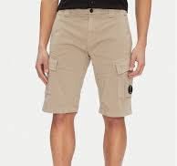
C.P. COMPANY |  | 18 | MAN | 18CMBE116A005694G88846 | 18CMBE116A005694G | 888 | TOTAL ECLIPSE | 46 | BERMUDA - CARGO | 5 | 6203423500 | TN | 98% CO 2% EA | 7622792188181 | € 97.11 | € 485.55 | € 81.57 | € 407.86 | £71.87 | £359.35
C.P. COMPANY |  | 18 | MAN | 18CMBE116A005694G88848 | 18CMBE116A005694G | 888 | TOTAL ECLIPSE | 48 | BERMUDA - CARGO | 4 | 6203423500 | TN | 98% CO 2% EA | 7622792188198 | € 97.11 | € 388.44 | € 81.57 | € 326.29 | £71.87 | £287.48
C.P. COMPANY |  | 18 | MAN | 18CMBE116A005694G88850 | 18CMBE116A005694G | 888 | TOTAL ECLIPSE | 50 | BERMUDA - CARGO | 1 | 6203423500 | TN | 98% CO 2% EA | 7622792188204 | € 97.11 | € 97.11 | € 81.57 | € 81.57 | £71.87 | £71.87
C.P. COMPANY |  | 18 | MAN | 18CMBE116A005694G88852 | 18CMBE116A005694G | 888 | TOTAL ECLIPSE | 52 | BERMUDA - CARGO | 2 | 6203423500 | TN | 98% CO 2% EA | 7622792188211 | € 97.11 | € 194.22 | € 81.57 | € 163.14 | £71.87 | £143.74
C.P. COMPANY |  | 18 | MAN | 18CMBE116A005694G88854 | 18CMBE116A005694G | 888 | TOTAL ECLIPSE | 54 | BERMUDA - CARGO | 1 | 6203423500 | TN | 98% CO 2% EA | 7622792188228 | € 97.11 | € 97.11 | € 81.57 | € 81.57 | £71.87 | £71.87
C.P. COMPANY |  | 18 | MAN | 18CMBE116A005694G88856 | 18CMBE116A005694G | 888 | TOTAL ECLIPSE | 56 | BERMUDA - CARGO | 1 | 6203423500 | TN | 98% CO 2% EA | 7622792188235 | € 97.11 | € 97.11 | € 81.57 | € 81.57 | £71.87 | £71.87
C.P. COMPANY |  | 18 | MAN | 18CMBE116A005694G93544 | 18CMBE116A005694G | 935 | SMOKED PEARL | 44 | BERMUDA - CARGO | 6 | 6203423500 | TN | 98% CO 2% EA | 7622792188266 | € 97.11 | € 582.66 | € 81.57 | € 489.43 | £71.87 | £431.22
C.P. COMPANY |  | 18 | MAN | 18CMBE116A005694G99946 | 18CMBE116A005694G | 999 | BLACK | 46 | BERMUDA - CARGO | 3 | 6203423500 | TN | 98% CO 2% EA | 7622792188365 | € 97.11 | € 291.33 | € 81.57 | € 244.72 | £71.87 | £215.61
C.P. COMPANY |  | 18 | MAN | 18CMBE116A005694G99948 | 18CMBE116A005694G | 999 | BLACK | 48 | BERMUDA - CARGO | 3 | 6203423500 | TN | 98% CO 2% EA | 7622792188372 | € 97.11 | € 291.33 | € 81.57 | € 244.72 | £71.87 | £215.61
C.P. COMPANY |  | 18 | MAN | 18CMBE116A005694G99950 | 18CMBE116A005694G | 999 | BLACK | 50 | BERMUDA - CARGO | 1 | 6203423500 | TN | 98% CO 2% EA | 7622792188389 | € 97.11 | € 97.11 | € 81.57 | € 81.57 | £71.87 | £71.87
C.P. COMPANY |  | 18 | MAN | 18CMBE116A005694G99952 | 18CMBE116A005694G | 999 | BLACK | 52 | BERMUDA - CARGO | 5 | 6203423500 | TN | 98% CO 2% EA | 7622792188396 | € 97.11 | € 485.55 | € 81.57 | € 407.86 | £71.87 | £359.35
C.P. COMPANY |  | 18 | MAN | 18CMBE116A005694G99954 | 18CMBE116A005694G | 999 | BLACK | 54 | BERMUDA - CARGO | 2 | 6203423500 | TN | 98% CO 2% EA | 7622792188402 | € 97.11 | € 194.22 | € 81.57 | € 163.14 | £71.87 | £143.74
C.P. COMPANY |  | 18 | MAN | 18CMBE116A005694G99956 | 18CMBE116A005694G | 999 | BLACK | 56 | BERMUDA - CARGO | 1 | 6203423500 | TN | 98% CO 2% EA | 7622792188419 | € 97.11 | € 97.11 | € 81.57 | € 81.57 | £71.87 | £71.87
C.P. COMPANY |  | 18 | MAN | 18CMBE149A110065WD1746 | 18CMBE149A110065W | D17 | WASHED AND DRIED + RESINE | 46 | BERMUDA - BERMUDA | 2 | 6203423500 | TN | 100% CO | 7622792162785 | € 140.40 | € 280.80 | € 117.94 | € 235.87 | £103.91 | £207.82
C.P. COMPANY |  | 18 | MAN | 18CMBE149A110065WD1748 | 18CMBE149A110065W | D17 | WASHED AND DRIED + RESINE | 48 | BERMUDA - BERMUDA | 6 | 6203423500 | IT | 100% CO | 7622792142046 | € 140.40 | € 842.40 | € 117.94 | € 707.62 | £103.91 | £623.45
C.P. COMPANY |  | 18 | MAN | 18CMBE273A006272G10348 | 18CMBE273A006272G | 103 | GAUZE WHITE | 48 | BERMUDA - CARGO | 1 | 6203423500 | TN | 100% CO | 7622792258303 | € 108.81 | € 108.81 | € 91.40 | € 91.40 | £80.53 | £80.53
C.P. COMPANY |  | 18 | MAN | 18CMBE273A006272G10348 | 18CMBE273A006272G | 103 | GAUZE WHITE | 48 | BERMUDA - CARGO | 2 | 6203423500 | IT | 100% CO | 7622792258303 | € 108.81 | € 217.62 | € 91.40 | € 182.80 | £80.53 | £161.06
C.P. COMPANY |  | 18 | MAN | 18CMBE273A006272G10352 | 18CMBE273A006272G | 103 | GAUZE WHITE | 52 | BERMUDA - CARGO | 3 | 6203423500 | TN | 100% CO | 7622792258327 | € 108.81 | € 326.43 | € 91.40 | € 274.20 | £80.53 | £241.59
C.P. COMPANY |  | 18 | MAN | 18CMBE273A006272G30548 | 18CMBE273A006272G | 305 | TREE HOUSE | 48 | BERMUDA - CARGO | 4 | 6203423500 | IT | 100% CO | 7622792258396 | € 108.81 | € 435.24 | € 91.40 | € 365.60 | £80.53 | £322.12
C.P. COMPANY |  | 18 | MAN | 18CMBE273A006272G30552 | 18CMBE273A006272G | 305 | TREE HOUSE | 52 | BERMUDA - CARGO | 1 | 6203423500 | TN | 100% CO | 7622792258419 | € 108.81 | € 108.81 | € 91.40 | € 91.40 | £80.53 | £80.53
C.P. COMPANY |  | 18 | MAN | 18CMBE273A006272G66946 | 18CMBE273A006272G | 669 | THYME | 46 | BERMUDA - CARGO | 3 | 6203423500 | TN | 100% CO | 7622792285163 | € 108.81 | € 326.43 | € 91.40 | € 274.20 | £80.53 | £241.59
C.P. COMPANY |  | 18 | MAN | 18CMBE273A006272G66948 | 18CMBE273A006272G | 669 | THYME | 48 | BERMUDA - CARGO | 2 | 6203423500 | TN | 100% CO | 7622792285170 | € 108.81 | € 217.62 | € 91.40 | € 182.80 | £80.53 | £161.06
C.P. COMPANY |  | 18 | MAN | 18CMBE273A006272G66950 | 18CMBE273A006272G | 669 | THYME | 50 | BERMUDA - CARGO | 9 | 6203423500 | TN | 100% CO | 7622792285187 | € 108.81 | € 979.29 | € 91.40 | € 822.60 | £80.53 | £724.76
C.P. COMPANY |  | 18 | MAN | 18CMBE273A006272G93548 | 18CMBE273A006272G | 935 | SMOKED PEARL | 48 | BERMUDA - CARGO | 1 | 6203423500 | TN | 100% CO | 7622792285354 | € 108.81 | € 108.81 | € 91.40 | € 91.40 | £80.53 | £80.53
C.P. COMPANY |  | 18 | MAN | 18CMBE273A006272G93552 | 18CMBE273A006272G | 935 | SMOKED PEARL | 52 | BERMUDA - CARGO | 1 | 6203423500 | TN | 100% CO | 7622792285378 | € 108.81 | € 108.81 | € 91.40 | € 91.40 | £80.53 | £80.53
C.P. COMPANY |  | 18 | MAN | 18CMBE277A110340O10348 | 18CMBE277A110340O | 103 | GAUZE WHITE | 48 | BERMUDA - BERMUDA | 3 | 6203423500 | IT | 100% CO | 7622792258662 | € 86.58 | € 259.74 | € 72.73 | € 218.18 | £64.08 | £192.23
C.P. COMPANY |  | 18 | MAN | 18CMBE277A110340O30550 | 18CMBE277A110340O | 305 | TREE HOUSE | 50 | BERMUDA - BERMUDA | 1 | 6203423500 | TN | 100% CO | 7622792285903 | € 86.58 | € 86.58 | € 72.73 | € 72.73 | £64.08 | £64.08
C.P. COMPANY |  | 18 | MAN | 18CMBE277A110340O30552 | 18CMBE277A110340O | 305 | TREE HOUSE | 52 | BERMUDA - BERMUDA | 1 | 6203423500 | TN | 100% CO | 7622792285910 | € 86.58 | € 86.58 | € 72.73 | € 72.73 | £64.08 | £64.08
C.P. COMPANY |  | 18 | MAN | 18CMBE277A110340O99948 | 18CMBE277A110340O | 999 | BLACK | 48 | BERMUDA - BERMUDA | 1 | 6203423500 | TN | 100% CO | 7622792286252 | € 86.58 | € 86.58 | € 72.73 | € 72.73 | £64.08 | £64.08
C.P. COMPANY |  | 18 | MAN | 18CMBE277A110340O99950 | 18CMBE277A110340O | 999 | BLACK | 50 | BERMUDA - BERMUDA | 1 | 6203423500 | TN | 100% CO | 7622792286269 | € 86.58 | € 86.58 | € 72.73 | € 72.73 | £64.08 | £64.08
C.P. COMPANY |  | 18 | MAN | 18CMBW005A006369G77444 | 18CMBW005A006369G | 774 | LAVANDER VIOLET | 44 | BEACHWEAR - BOXER | 1 | 6211110000 | RO | 100% PA | 7622792287136 | € 64.35 | € 64.35 | € 54.05 | € 54.05 | £47.62 | £47.62
C.P. COMPANY |  | 18 | MAN | 18CMBW005A006369G77446 | 18CMBW005A006369G | 774 | LAVANDER VIOLET | 46 | BEACHWEAR - BOXER | 1 | 6211110000 | RO | 100% PA | 7622792287143 | € 64.35 | € 64.35 | € 54.05 | € 54.05 | £47.62 | £47.62
C.P. COMPANY |  | 18 | MAN | 18CMBW005A006369G77454 | 18CMBW005A006369G | 774 | LAVANDER VIOLET | 54 | BEACHWEAR - BOXER | 1 | 6211110000 | RO | 100% PA | 7622792287181 | € 64.35 | € 64.35 | € 54.05 | € 54.05 | £47.62 | £47.62
C.P. COMPANY |  | 18 | MAN | 18CMBW005A006369G85748 | 18CMBW005A006369G | 857 | PACIFIC COAST | 48 | BEACHWEAR - BOXER | 1 | 6211110000 | RO | 100% PA | 7622792287242 | € 64.35 | € 64.35 | € 54.05 | € 54.05 | £47.62 | £47.62
C.P. COMPANY |  | 18 | MAN | 18CMBW005A006369G85752 | 18CMBW005A006369G | 857 | PACIFIC COAST | 52 | BEACHWEAR - BOXER | 1 | 6211110000 | RO | 100% PA | 7622792287266 | € 64.35 | € 64.35 | € 54.05 | € 54.05 | £47.62 | £47.62
C.P. COMPANY |  | 18 | MAN | 18CMBW005A006369G85756 | 18CMBW005A006369G | 857 | PACIFIC COAST | 56 | BEACHWEAR - BOXER | 1 | 6211110000 | RO | 100% PA | 7622792287280 | € 64.35 | € 64.35 | € 54.05 | € 54.05 | £47.62 | £47.62
C.P. COMPANY |  | 18 | MAN | 18CMBW005A006369G85758 | 18CMBW005A006369G | 857 | PACIFIC COAST | 58 | BEACHWEAR - BOXER | 1 | 6211110000 | RO | 100% PA | 7622792287297 | € 64.35 | € 64.35 | € 54.05 | € 54.05 | £47.62 | £47.62
C.P. COMPANY |  | 18 | MAN | 18CMBW005A006369G88842 | 18CMBW005A006369G | 888 | TOTAL ECLIPSE | 42 | BEACHWEAR - BOXER | 1 | 6211110000 | RO | 100% PA | 7622792287303 | € 64.35 | € 64.35 | € 54.05 | € 54.05 | £47.62 | £47.62
C.P. COMPANY |  | 18 | MAN | 18CMBW005A006369G88848 | 18CMBW005A006369G | 888 | TOTAL ECLIPSE | 48 | BEACHWEAR - BOXER | 2 | 6211110000 | RO | 100% PA | 7622792287334 | € 64.35 | € 128.70 | € 54.05 | € 108.11 | £47.62 | £95.25
C.P. COMPANY |  | 18 | MAN | 18CMBW005A006369G88850 | 18CMBW005A006369G | 888 | TOTAL ECLIPSE | 50 | BEACHWEAR - BOXER | 1 | 6211110000 | RO | 100% PA | 7622792287341 | € 64.35 | € 64.35 | € 54.05 | € 54.05 | £47.62 | £47.62
C.P. COMPANY |  | 18 | MAN | 18CMBW005A006369G99946 | 18CMBW005A006369G | 999 | BLACK | 46 | BEACHWEAR - BOXER | 1 | 6211110000 | RO | 100% PA | 7622792287501 | € 64.35 | € 64.35 | € 54.05 | € 54.05 | £47.62 | £47.62
C.P. COMPANY |  | 18 | MAN | 18CMBW005A006369G99948 | 18CMBW005A006369G | 999 | BLACK | 48 | BEACHWEAR - BOXER | 2 | 6211110000 | RO | 100% PA | 7622792287518 | € 64.35 | € 128.70 | € 54.05 | € 108.11 | £47.62 | £95.25
C.P. COMPANY |  | 18 | MAN | 18CMBW005A006369G99950 | 18CMBW005A006369G | 999 | BLACK | 50 | BEACHWEAR - BOXER | 2 | 6211110000 | RO | 100% PA | 7622792287525 | € 64.35 | € 128.70 | € 54.05 | € 108.11 | £47.62 | £95.25
C.P. COMPANY |  | 18 | MAN | 18CMBW005A006369G99952 | 18CMBW005A006369G | 999 | BLACK | 52 | BEACHWEAR - BOXER | 1 | 6211110000 | RO | 100% PA | 7622792287532 | € 64.35 | € 64.35 | € 54.05 | € 54.05 | £47.62 | £47.62
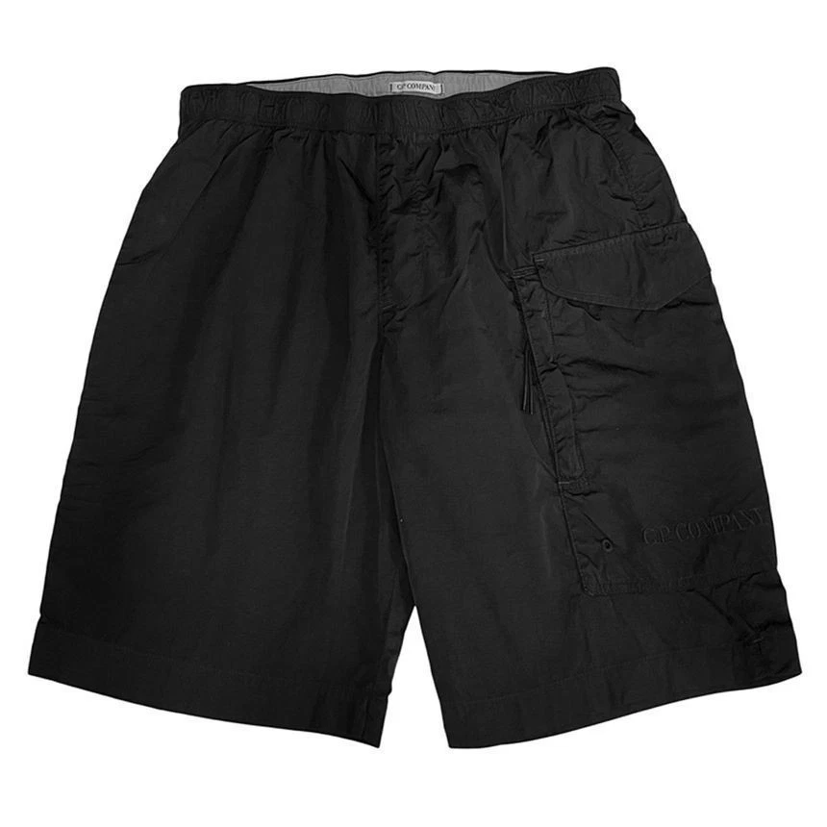
C.P. COMPANY |  | 18 | MAN | 18CMBW229A006369G52048 | 18CMBW229A006369G | 520 | MISTY ROSE | 48 | BEACHWEAR - BOXER | 1 | 6211110000 | RO | 100% PA | 7622792146129 | € 76.05 | € 76.05 | € 63.88 | € 63.88 | £56.28 | £56.28
C.P. COMPANY |  | 18 | MAN | 18CMBW229A006369G52048 | 18CMBW229A006369G | 520 | MISTY ROSE | 48 | BEACHWEAR - BOXER | 5 | 6211110000 | RO | 100% PA | 7622792146129 | € 76.05 | € 380.25 | € 63.88 | € 319.41 | £56.28 | £281.42
C.P. COMPANY |  | 18 | MAN | 18CMBW229A006369G88846 | 18CMBW229A006369G | 888 | TOTAL ECLIPSE | 46 | BEACHWEAR - BOXER | 10 | 6211110000 | RO | 100% PA | 7622792288942 | € 76.05 | € 760.50 | € 63.88 | € 638.82 | £56.28 | £562.84
C.P. COMPANY |  | 18 | MAN | 18CMBW229A006369G88848 | 18CMBW229A006369G | 888 | TOTAL ECLIPSE | 48 | BEACHWEAR - BOXER | 2 | 6211110000 | RO | 100% PA | 7622792288959 | € 76.05 | € 152.10 | € 63.88 | € 127.76 | £56.28 | £112.57
C.P. COMPANY |  | 18 | MAN | 18CMBW231A005991G91648 | 18CMBW231A005991G | 916 | LIMESTONE | 48 | BEACHWEAR - BOXER | 2 | 6211110000 | IT | 100% PA | 7622792146006 | € 64.35 | € 128.70 | € 54.05 | € 108.11 | £47.62 | £95.25
C.P. COMPANY |  | 18 | MAN | 18CMBW233A005991G77444 | 18CMBW233A005991G | 774 | LAVANDER VIOLET | 44 | BEACHWEAR - BOXER | 1 | 6211110000 | BG | 100% PA | 7622792165601 | € 70.20 | € 70.20 | € 58.97 | € 58.97 | £51.95 | £51.95
C.P. COMPANY |  | 18 | MAN | 18CMBW233A005991G77448 | 18CMBW233A005991G | 774 | LAVANDER VIOLET | 48 | BEACHWEAR - BOXER | 4 | 6211110000 | IT | 100% PA | 7622792146051 | € 70.20 | € 280.80 | € 58.97 | € 235.87 | £51.95 | £207.82
C.P. COMPANY |  | 18 | MAN | 18CMBW233A005991G99948 | 18CMBW233A005991G | 999 | BLACK | 48 | BEACHWEAR - BOXER | 1 | 6211110000 | BG | 100% PA | 7622792290754 | € 70.20 | € 70.20 | € 58.97 | € 58.97 | £51.95 | £51.95
C.P. COMPANY |  | 18 | MAN | 18CMBW234A005991G99950 | 18CMBW234A005991G | 999 | BLACK | 50 | BEACHWEAR - BOXER | 2 | 6211110000 | BG | 100% PA | 7622792291577 | € 77.22 | € 154.44 | € 64.86 | € 129.73 | £57.15 | £114.30
C.P. COMPANY |  | 18 | MAN | 18CMBW254A006369G68350 | 18CMBW254A006369G | 683 | IVY GREEN | 50 | BEACHWEAR - BOXER | 4 | 6211110000 | RO | 100% PA | 7622792291935 | € 79.56 | € 318.24 | € 66.83 | € 267.32 | £58.88 | £235.53
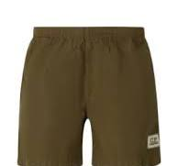
C.P. COMPANY |  | 18 | MAN | 18CMBW254A006369G77448 | 18CMBW254A006369G | 774 | LAVANDER VIOLET | 48 | BEACHWEAR - BOXER | 1 | 6211110000 | RO | 100% PA | 7622792146143 | € 79.56 | € 79.56 | € 66.83 | € 66.83 | £58.88 | £58.88
C.P. COMPANY |  | 18 | MAN | 18CMBW254A006369G77448 | 18CMBW254A006369G | 774 | LAVANDER VIOLET | 48 | BEACHWEAR - BOXER | 1 | 6211110000 | RO | 100% PA | 7622792146143 | € 79.56 | € 79.56 | € 66.83 | € 66.83 | £58.88 | £58.88
C.P. COMPANY |  | 18 | MAN | 18CMBW254A006369G85742 | 18CMBW254A006369G | 857 | PACIFIC COAST | 42 | BEACHWEAR - BOXER | 1 | 6211110000 | RO | 100% PA | 7622792291980 | € 79.56 | € 79.56 | € 66.83 | € 66.83 | £58.88 | £58.88
C.P. COMPANY |  | 18 | MAN | 18CMBW254A006369G85744 | 18CMBW254A006369G | 857 | PACIFIC COAST | 44 | BEACHWEAR - BOXER | 1 | 6211110000 | RO | 100% PA | 7622792291997 | € 79.56 | € 79.56 | € 66.83 | € 66.83 | £58.88 | £58.88
C.P. COMPANY |  | 18 | MAN | 18CMBW254A006369G85746 | 18CMBW254A006369G | 857 | PACIFIC COAST | 46 | BEACHWEAR - BOXER | 1 | 6211110000 | RO | 100% PA | 7622792292000 | € 79.56 | € 79.56 | € 66.83 | € 66.83 | £58.88 | £58.88
C.P. COMPANY |  | 18 | MAN | 18CMBW254A006369G85748 | 18CMBW254A006369G | 857 | PACIFIC COAST | 48 | BEACHWEAR - BOXER | 1 | 6211110000 | RO | 100% PA | 7622792292017 | € 79.56 | € 79.56 | € 66.83 | € 66.83 | £58.88 | £58.88
C.P. COMPANY |  | 18 | MAN | 18CMBW254A006369G88844 | 18CMBW254A006369G | 888 | TOTAL ECLIPSE | 44 | BEACHWEAR - BOXER | 1 | 6211110000 | RO | 100% PA | 7622792292086 | € 79.56 | € 79.56 | € 66.83 | € 66.83 | £58.88 | £58.88
C.P. COMPANY |  | 18 | MAN | 18CMBW254A006369G88850 | 18CMBW254A006369G | 888 | TOTAL ECLIPSE | 50 | BEACHWEAR - BOXER | 3 | 6211110000 | RO | 100% PA | 7622792292116 | € 79.56 | € 238.68 | € 66.83 | € 200.49 | £58.88 | £176.64
C.P. COMPANY |  | 18 | MAN | 18CMBW314A110384P66948 | 18CMBW314A110384P | 669 | THYME | 48 | BEACHWEAR - BOXER | 3 | 6211110000 | IT | 100% PA | 7622792181199 | € 102.96 | € 308.88 | € 86.49 | € 259.46 | £76.20 | £228.60
C.P. COMPANY |  | 18 | MAN | 18CMBW314A110384P87748 | 18CMBW314A110384P | 877 | SURF BLUE | 48 | BEACHWEAR - BOXER | 6 | 6211110000 | IT | 100% PA | 7622792181205 | € 102.96 | € 617.76 | € 86.49 | € 518.92 | £76.20 | £457.20
C.P. COMPANY |  | 18 | MAN | 18CMBW314A110384P99944 | 18CMBW314A110384P | 999 | BLACK | 44 | BEACHWEAR - BOXER | 1 | 6211110000 | BG | 100% PA | 7622792182691 | € 102.96 | € 102.96 | € 86.49 | € 86.49 | £76.20 | £76.20
C.P. COMPANY |  | 18 | MAN | 18CMBW314A110384P99946 | 18CMBW314A110384P | 999 | BLACK | 46 | BEACHWEAR - BOXER | 1 | 6211110000 | BG | 100% PA | 7622792182707 | € 102.96 | € 102.96 | € 86.49 | € 86.49 | £76.20 | £76.20
C.P. COMPANY |  | 18 | MAN | 18CMBW314A110384P99948 | 18CMBW314A110384P | 999 | BLACK | 48 | BEACHWEAR - BOXER | 2 | 6211110000 | IT | 100% PA | 7622792181212 | € 102.96 | € 205.92 | € 86.49 | € 172.97 | £76.20 | £152.40
C.P. COMPANY |  | 18 | MAN | 18CMBW314A110385P68346 | 18CMBW314A110385P | 683 | IVY GREEN | 46 | BEACHWEAR - BOXER | 3 | 6211110000 | BG | 100% PA | 7622792182868 | € 102.96 | € 308.88 | € 86.49 | € 259.46 | £76.20 | £228.60
C.P. COMPANY |  | 18 | MAN | 18CMBW314A110385P68348 | 18CMBW314A110385P | 683 | IVY GREEN | 48 | BEACHWEAR - BOXER | 2 | 6211110000 | BG | 100% PA | 7622792181236 | € 102.96 | € 205.92 | € 86.49 | € 172.97 | £76.20 | £152.40
C.P. COMPANY |  | 18 | MAN | 18CMBW314A110385P68348 | 18CMBW314A110385P | 683 | IVY GREEN | 48 | BEACHWEAR - BOXER | 3 | 6211110000 | IT | 100% PA | 7622792181236 | € 102.96 | € 308.88 | € 86.49 | € 259.46 | £76.20 | £228.60
C.P. COMPANY |  | 18 | MAN | 18CMBW314A110385P68350 | 18CMBW314A110385P | 683 | IVY GREEN | 50 | BEACHWEAR - BOXER | 5 | 6211110000 | BG | 100% PA | 7622792182875 | € 102.96 | € 514.80 | € 86.49 | € 432.43 | £76.20 | £381.00
C.P. COMPANY |  | 18 | MAN | 18CMBZ021A005991G327M | 18CMBZ021A005991G | 327 | VINTAGE KHAKI | M | BLAZER - BLAZER | 1 | 6201401090 | RO | 100% PA | 7622792188440 | € 292.50 | € 292.50 | € 245.70 | € 245.70 | £216.48 | £216.48
C.P. COMPANY |  | 18 | MAN | 18CMBZ021A005991G327XXL | 18CMBZ021A005991G | 327 | VINTAGE KHAKI | XXL | BLAZER - BLAZER | 1 | 6201401090 | RO | 100% PA | 7622792188488 | € 292.50 | € 292.50 | € 245.70 | € 245.70 | £216.48 | £216.48
C.P. COMPANY |  | 18 | MAN | 18CMBZ021A005991G888L | 18CMBZ021A005991G | 888 | TOTAL ECLIPSE | L | BLAZER - BLAZER | 3 | 6201401090 | RO | 100% PA | 7622792142084 | € 292.50 | € 877.50 | € 245.70 | € 737.10 | £216.48 | £649.43
C.P. COMPANY |  | 18 | MAN | 18CMBZ021A005991G888XL | 18CMBZ021A005991G | 888 | TOTAL ECLIPSE | XL | BLAZER - BLAZER | 2 | 6201401090 | RO | 100% PA | 7622792162181 | € 292.50 | € 585.00 | € 245.70 | € 491.40 | £216.48 | £432.95
C.P. COMPANY |  | 18 | MAN | 18CMBZ021A005991G888XXXL | 18CMBZ021A005991G | 888 | TOTAL ECLIPSE | XXXL | BLAZER - BLAZER | 1 | 6201401090 | RO | 100% PA | 7622792162211 | € 292.50 | € 292.50 | € 245.70 | € 245.70 | £216.48 | £216.48
C.P. COMPANY |  | 18 | MAN | 18CMBZ183A005864G935L | 18CMBZ183A005864G | 935 | SMOKED PEARL | L | BLAZER - BLAZER | 4 | 6201401090 | IT | 92% PA 8% EA | 7622792175570 | € 257.40 | € 1,029.60 | € 216.22 | € 864.86 | £190.50 | £761.99
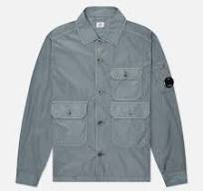
C.P. COMPANY |  | 18 | MAN | 18CMOS013A005904G598L | 18CMOS013A005904G | 598 | SABLE | L | OVERSHIRT - OVERSHIRT | 2 | 6203339000 | CN | 100% PA | 7622792195226 | € 193.05 | € 386.10 | € 162.16 | € 324.32 | £142.87 | £285.75
C.P. COMPANY |  | 18 | MAN | 18CMOS013A005904G598XL | 18CMOS013A005904G | 598 | SABLE | XL | OVERSHIRT - OVERSHIRT | 1 | 6203339000 | CN | 100% PA | 7622792195257 | € 193.05 | € 193.05 | € 162.16 | € 162.16 | £142.87 | £142.87
C.P. COMPANY |  | 18 | MAN | 18CMOS013A005904G891L | 18CMOS013A005904G | 891 | INDIA INK | L | OVERSHIRT - OVERSHIRT | 1 | 6203339000 | CN | 100% PA | 7622792114982 | € 193.05 | € 193.05 | € 162.16 | € 162.16 | £142.87 | £142.87
C.P. COMPANY |  | 18 | MAN | 18CMOS013A005904G891L | 18CMOS013A005904G | 891 | INDIA INK | L | OVERSHIRT - OVERSHIRT | 7 | 6203339000 | CN | 100% PA | 7622792114982 | € 193.05 | € 1,351.35 | € 162.16 | € 1,135.13 | £142.87 | £1,000.12
C.P. COMPANY |  | 18 | MAN | 18CMOS013A005904G891M | 18CMOS013A005904G | 891 | INDIA INK | M | OVERSHIRT - OVERSHIRT | 1 | 6203339000 | CN | 100% PA | 7622792157033 | € 193.05 | € 193.05 | € 162.16 | € 162.16 | £142.87 | £142.87
C.P. COMPANY |  | 18 | MAN | 18CMOS013A005904G891S | 18CMOS013A005904G | 891 | INDIA INK | S | OVERSHIRT - OVERSHIRT | 2 | 6203339000 | CN | 100% PA | 7622792157040 | € 193.05 | € 386.10 | € 162.16 | € 324.32 | £142.87 | £285.75
C.P. COMPANY |  | 18 | MAN | 18CMOS013A005904G891XS | 18CMOS013A005904G | 891 | INDIA INK | XS | OVERSHIRT - OVERSHIRT | 1 | 6203339000 | CN | 100% PA | 7622792157064 | € 193.05 | € 193.05 | € 162.16 | € 162.16 | £142.87 | £142.87
C.P. COMPANY |  | 18 | MAN | 18CMOS013A005904G891XXL | 18CMOS013A005904G | 891 | INDIA INK | XXL | OVERSHIRT - OVERSHIRT | 1 | 6203339000 | CN | 100% PA | 7622792157071 | € 193.05 | € 193.05 | € 162.16 | € 162.16 | £142.87 | £142.87
C.P. COMPANY |  | 18 | MAN | 18CMOS013A005904G891XXXL | 18CMOS013A005904G | 891 | INDIA INK | XXXL | OVERSHIRT - OVERSHIRT | 1 | 6203339000 | CN | 100% PA | 7622792157088 | € 193.05 | € 193.05 | € 162.16 | € 162.16 | £142.87 | £142.87
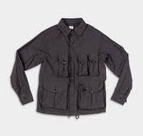
C.P. COMPANY |  | 18 | MAN | 18CMOS018A006439G103L | 18CMOS018A006439G | 103 | GAUZE WHITE | L | OVERSHIRT - OVERSHIRT | 5 | 6203329000 | IT | 65%CO 28%PA 7%EA | 7622792146075 | € 257.40 | € 1,287.00 | € 216.22 | € 1,081.08 | £190.50 | £952.49
C.P. COMPANY |  | 18 | MAN | 18CMOS018A006439G669M | 18CMOS018A006439G | 669 | THYME | M | OVERSHIRT - OVERSHIRT | 2 | 6203329000 | BG | 65%CO 28%PA 7%EA | 7622792295858 | € 257.40 | € 514.80 | € 216.22 | € 432.43 | £190.50 | £381.00
C.P. COMPANY |  | 18 | MAN | 18CMOS018A006439G669XL | 18CMOS018A006439G | 669 | THYME | XL | OVERSHIRT - OVERSHIRT | 1 | 6203329000 | BG | 65%CO 28%PA 7%EA | 7622792295872 | € 257.40 | € 257.40 | € 216.22 | € 216.22 | £190.50 | £190.50
C.P. COMPANY |  | 18 | MAN | 18CMOS018A006439G814L | 18CMOS018A006439G | 814 | CERULEAN | L | OVERSHIRT - OVERSHIRT | 3 | 6203329000 | IT | 65%CO 28%PA 7%EA | 7622792146082 | € 257.40 | € 772.20 | € 216.22 | € 648.65 | £190.50 | £571.50
C.P. COMPANY |  | 18 | MAN | 18CMOS018A006439G814M | 18CMOS018A006439G | 814 | CERULEAN | M | OVERSHIRT - OVERSHIRT | 5 | 6203329000 | BG | 65%CO 28%PA 7%EA | 7622792165977 | € 257.40 | € 1,287.00 | € 216.22 | € 1,081.08 | £190.50 | £952.49
C.P. COMPANY |  | 18 | MAN | 18CMOS018A006439G814S | 18CMOS018A006439G | 814 | CERULEAN | S | OVERSHIRT - OVERSHIRT | 1 | 6203329000 | BG | 65%CO 28%PA 7%EA | 7622792165984 | € 257.40 | € 257.40 | € 216.22 | € 216.22 | £190.50 | £190.50
C.P. COMPANY |  | 18 | MAN | 18CMOS018A006439G814XL | 18CMOS018A006439G | 814 | CERULEAN | XL | OVERSHIRT - OVERSHIRT | 2 | 6203329000 | BG | 65%CO 28%PA 7%EA | 7622792165991 | € 257.40 | € 514.80 | € 216.22 | € 432.43 | £190.50 | £381.00
C.P. COMPANY |  | 18 | MAN | 18CMOS018A006439G891L | 18CMOS018A006439G | 891 | INDIA INK | L | OVERSHIRT - OVERSHIRT | 1 | 6203329000 | BG | 65%CO 28%PA 7%EA | 7622792295988 | € 257.40 | € 257.40 | € 216.22 | € 216.22 | £190.50 | £190.50
C.P. COMPANY |  | 18 | MAN | 18CMOS018A006439G891M | 18CMOS018A006439G | 891 | INDIA INK | M | OVERSHIRT - OVERSHIRT | 1 | 6203329000 | BG | 65%CO 28%PA 7%EA | 7622792295995 | € 257.40 | € 257.40 | € 216.22 | € 216.22 | £190.50 | £190.50
C.P. COMPANY |  | 18 | MAN | 18CMOS018A006439G891XXL | 18CMOS018A006439G | 891 | INDIA INK | XXL | OVERSHIRT - OVERSHIRT | 2 | 6203329000 | BG | 65%CO 28%PA 7%EA | 7622792296039 | € 257.40 | € 514.80 | € 216.22 | € 432.43 | £190.50 | £381.00
C.P. COMPANY |  | 18 | MAN | 18CMOS080A110030G888L | 18CMOS080A110030G | 888 | TOTAL ECLIPSE | L | OVERSHIRT - OVERSHIRT | 6 | 6203339000 | CN | 100% PA | 7622792141834 | € 234.00 | € 1,404.00 | € 196.56 | € 1,179.36 | £173.18 | £1,039.08
C.P. COMPANY |  | 18 | MAN | 18CMOS080A110030G888M | 18CMOS080A110030G | 888 | TOTAL ECLIPSE | M | OVERSHIRT - OVERSHIRT | 4 | 6203339000 | CN | 100% PA | 7622792162280 | € 234.00 | € 936.00 | € 196.56 | € 786.24 | £173.18 | £692.72
C.P. COMPANY |  | 18 | MAN | 18CMOS080A110030G888S | 18CMOS080A110030G | 888 | TOTAL ECLIPSE | S | OVERSHIRT - OVERSHIRT | 1 | 6203339000 | CN | 100% PA | 7622792162297 | € 234.00 | € 234.00 | € 196.56 | € 196.56 | £173.18 | £173.18
C.P. COMPANY |  | 18 | MAN | 18CMOS080A110030G888XL | 18CMOS080A110030G | 888 | TOTAL ECLIPSE | XL | OVERSHIRT - OVERSHIRT | 3 | 6203339000 | CN | 100% PA | 7622792162303 | € 234.00 | € 702.00 | € 196.56 | € 589.68 | £173.18 | £519.54
C.P. COMPANY |  | 18 | MAN | 18CMOS080A110030G888XS | 18CMOS080A110030G | 888 | TOTAL ECLIPSE | XS | OVERSHIRT - OVERSHIRT | 1 | 6203339000 | CN | 100% PA | 7622792162310 | € 234.00 | € 234.00 | € 196.56 | € 196.56 | £173.18 | £173.18
C.P. COMPANY |  | 18 | MAN | 18CMOS080A110030G888XXXL | 18CMOS080A110030G | 888 | TOTAL ECLIPSE | XXXL | OVERSHIRT - OVERSHIRT | 1 | 6203339000 | CN | 100% PA | 7622792162334 | € 234.00 | € 234.00 | € 196.56 | € 196.56 | £173.18 | £173.18
C.P. COMPANY |  | 18 | MAN | 18CMOS080A110030G935L | 18CMOS080A110030G | 935 | SMOKED PEARL | L | OVERSHIRT - OVERSHIRT | 1 | 6203339000 | CN | 100% PA | 7622792196278 | € 234.00 | € 234.00 | € 196.56 | € 196.56 | £173.18 | £173.18
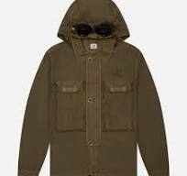
C.P. COMPANY |  | 18 | MAN | 18CMOS090A005991G598L | 18CMOS090A005991G | 598 | SABLE | L | OVERSHIRT - OVERSHIRT | 1 | 6203339000 | CN | 100% PA | 7622792114944 | € 210.60 | € 210.60 | € 176.90 | € 176.90 | £155.86 | £155.86
C.P. COMPANY |  | 18 | MAN | 18CMOS090A005991G683S | 18CMOS090A005991G | 683 | IVY GREEN | S | OVERSHIRT - OVERSHIRT | 3 | 6203339000 | CN | 100% PA | 7622792196780 | € 210.60 | € 631.80 | € 176.90 | € 530.71 | £155.86 | £467.59
C.P. COMPANY |  | 18 | MAN | 18CMOS090A005991G872XS | 18CMOS090A005991G | 872 | STORMY WEATHER | XS | OVERSHIRT - OVERSHIRT | 1 | 6203339000 | CN | 100% PA | 7622792196872 | € 210.60 | € 210.60 | € 176.90 | € 176.90 | £155.86 | £155.86
C.P. COMPANY |  | 18 | MAN | 18CMOS090A005991G999XXL | 18CMOS090A005991G | 999 | BLACK | XXL | OVERSHIRT - OVERSHIRT | 2 | 6203339000 | CN | 100% PA | 7622792197022 | € 210.60 | € 421.20 | € 176.90 | € 353.81 | £155.86 | £311.73
C.P. COMPANY |  | 18 | MAN | 18CMOS090Y005991G888S | 18CMOS090Y005991G | 888 | TOTAL ECLIPSE | S | OVERSHIRT - OVERSHIRT | 1 | 6203339000 | CN | 100% PA | 7622792602069 | € 210.60 | € 210.60 | € 176.90 | € 176.90 | £155.86 | £155.86
C.P. COMPANY |  | 18 | MAN | 18CMOS095A005904G103L | 18CMOS095A005904G | 103 | GAUZE WHITE | L | OVERSHIRT - OVERSHIRT | 1 | 6203339000 | CN | 100% PA | 7622792197534 | € 171.99 | € 171.99 | € 144.47 | € 144.47 | £127.29 | £127.29
C.P. COMPANY |  | 18 | MAN | 18CMOS095A005904G103M | 18CMOS095A005904G | 103 | GAUZE WHITE | M | OVERSHIRT - OVERSHIRT | 1 | 6203339000 | CN | 100% PA | 7622792197541 | € 171.99 | € 171.99 | € 144.47 | € 144.47 | £127.29 | £127.29
C.P. COMPANY |  | 18 | MAN | 18CMOS095A005904G520L | 18CMOS095A005904G | 520 | MISTY ROSE | L | OVERSHIRT - OVERSHIRT | 1 | 6203339000 | CN | 100% PA | 7622792197602 | € 171.99 | € 171.99 | € 144.47 | € 144.47 | £127.29 | £127.29
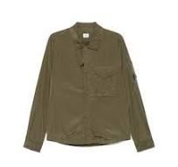
C.P. COMPANY |  | 18 | MAN | 18CMOS095A005904G520XXL | 18CMOS095A005904G | 520 | MISTY ROSE | XXL | OVERSHIRT - OVERSHIRT | 4 | 6203339000 | CN | 100% PA | 7622792197657 | € 171.99 | € 687.96 | € 144.47 | € 577.89 | £127.29 | £509.15
C.P. COMPANY |  | 18 | MAN | 18CMOS095A005904G520XXXL | 18CMOS095A005904G | 520 | MISTY ROSE | XXXL | OVERSHIRT - OVERSHIRT | 4 | 6203339000 | CN | 100% PA | 7622792197664 | € 171.99 | € 687.96 | € 144.47 | € 577.89 | £127.29 | £509.15
C.P. COMPANY |  | 18 | MAN | 18CMOS095A005904G547L | 18CMOS095A005904G | 547 | POINCIANA | L | OVERSHIRT - OVERSHIRT | 4 | 6203339000 | CN | 100% PA | 7622792115019 | € 171.99 | € 687.96 | € 144.47 | € 577.89 | £127.29 | £509.15
C.P. COMPANY |  | 18 | MAN | 18CMOS095A005904G547XXL | 18CMOS095A005904G | 547 | POINCIANA | XXL | OVERSHIRT - OVERSHIRT | 1 | 6203339000 | CN | 100% PA | 7622792157255 | € 171.99 | € 171.99 | € 144.47 | € 144.47 | £127.29 | £127.29
C.P. COMPANY |  | 18 | MAN | 18CMOS095A005904G683XXL | 18CMOS095A005904G | 683 | IVY GREEN | XXL | OVERSHIRT - OVERSHIRT | 2 | 6203339000 | CN | 100% PA | 7622792197794 | € 171.99 | € 343.98 | € 144.47 | € 288.94 | £127.29 | £254.58
C.P. COMPANY |  | 18 | MAN | 18CMOS095A005904G683XXXL | 18CMOS095A005904G | 683 | IVY GREEN | XXXL | OVERSHIRT - OVERSHIRT | 1 | 6203339000 | CN | 100% PA | 7622792197800 | € 171.99 | € 171.99 | € 144.47 | € 144.47 | £127.29 | £127.29
C.P. COMPANY |  | 18 | MAN | 18CMOS095A005904G774L | 18CMOS095A005904G | 774 | LAVANDER VIOLET | L | OVERSHIRT - OVERSHIRT | 3 | 6203339000 | CN | 100% PA | 7622792115026 | € 171.99 | € 515.97 | € 144.47 | € 433.41 | £127.29 | £381.86
C.P. COMPANY |  | 18 | MAN | 18CMOS095A005904G774XL | 18CMOS095A005904G | 774 | LAVANDER VIOLET | XL | OVERSHIRT - OVERSHIRT | 1 | 6203339000 | CN | 100% PA | 7622792157293 | € 171.99 | € 171.99 | € 144.47 | € 144.47 | £127.29 | £127.29
C.P. COMPANY |  | 18 | MAN | 18CMOS095A005904G814XL | 18CMOS095A005904G | 814 | CERULEAN | XL | OVERSHIRT - OVERSHIRT | 1 | 6203339000 | CN | 100% PA | 7622792197916 | € 171.99 | € 171.99 | € 144.47 | € 144.47 | £127.29 | £127.29
C.P. COMPANY |  | 18 | MAN | 18CMOS095A005904G891L | 18CMOS095A005904G | 891 | INDIA INK | L | OVERSHIRT - OVERSHIRT | 1 | 6203339000 | CN | 100% PA | 7622792198098 | € 171.99 | € 171.99 | € 144.47 | € 144.47 | £127.29 | £127.29
C.P. COMPANY |  | 18 | MAN | 18CMOS095A005904G891M | 18CMOS095A005904G | 891 | INDIA INK | M | OVERSHIRT - OVERSHIRT | 1 | 6203339000 | CN | 100% PA | 7622792198104 | € 171.99 | € 171.99 | € 144.47 | € 144.47 | £127.29 | £127.29
C.P. COMPANY |  | 18 | MAN | 18CMOS095A005904G891XL | 18CMOS095A005904G | 891 | INDIA INK | XL | OVERSHIRT - OVERSHIRT | 1 | 6203339000 | CN | 100% PA | 7622792198128 | € 171.99 | € 171.99 | € 144.47 | € 144.47 | £127.29 | £127.29
C.P. COMPANY |  | 18 | MAN | 18CMOS095A005904G935S | 18CMOS095A005904G | 935 | SMOKED PEARL | S | OVERSHIRT - OVERSHIRT | 1 | 6203339000 | CN | 100% PA | 7622792198180 | € 171.99 | € 171.99 | € 144.47 | € 144.47 | £127.29 | £127.29
C.P. COMPANY |  | 18 | MAN | 18CMOS095A005904G935XXL | 18CMOS095A005904G | 935 | SMOKED PEARL | XXL | OVERSHIRT - OVERSHIRT | 1 | 6203339000 | CN | 100% PA | 7622792198210 | € 171.99 | € 171.99 | € 144.47 | € 144.47 | £127.29 | £127.29
C.P. COMPANY |  | 18 | MAN | 18CMOS095A005904G999XL | 18CMOS095A005904G | 999 | BLACK | XL | OVERSHIRT - OVERSHIRT | 1 | 6203339000 | CN | 100% PA | 7622792198265 | € 171.99 | € 171.99 | € 144.47 | € 144.47 | £127.29 | £127.29
C.P. COMPANY | 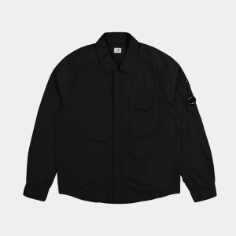 | 18 | MAN | 18CMOS095F005904G872XL | 18CMOS095F005904G | 872 | STORMY WEATHER | XL | OVERSHIRT - OVERSHIRT | 1 | 6203339000 | CN | 100% PA | 7622792388321 | € 171.99 | € 171.99 | € 144.47 | € 144.47 | £127.29 | £127.29
C.P. COMPANY |  | 18 | MAN | 18CMOS103A006273G327L | 18CMOS103A006273G | 327 | VINTAGE KHAKI | L | OVERSHIRT - OVERSHIRT | 1 | 6203329000 | IT | 51% CO 49% LI | 7622792113909 | € 195.39 | € 195.39 | € 164.13 | € 164.13 | £144.61 | £144.61
C.P. COMPANY |  | 18 | MAN | 18CMOS103A006273G327XXL | 18CMOS103A006273G | 327 | VINTAGE KHAKI | XXL | OVERSHIRT - OVERSHIRT | 2 | 6203329000 | TN | 51% CO 49% LI | 7622792156753 | € 195.39 | € 390.78 | € 164.13 | € 328.26 | £144.61 | £289.21
C.P. COMPANY |  | 18 | MAN | 18CMOS142A110143G103M | 18CMOS142A110143G | 103 | GAUZE WHITE | M | OVERSHIRT - OVERSHIRT | 1 | 6203329000 | TN | 100% CO | 7622792199859 | € 152.10 | € 152.10 | € 127.76 | € 127.76 | £112.57 | £112.57
C.P. COMPANY |  | 18 | MAN | 18CMOS142A110143G103S | 18CMOS142A110143G | 103 | GAUZE WHITE | S | OVERSHIRT - OVERSHIRT | 2 | 6203329000 | TN | 100% CO | 7622792199866 | € 152.10 | € 304.20 | € 127.76 | € 255.53 | £112.57 | £225.13
C.P. COMPANY |  | 18 | MAN | 18CMOS142A110143G598XL | 18CMOS142A110143G | 598 | SABLE | XL | OVERSHIRT - OVERSHIRT | 1 | 6203329000 | TN | 100% CO | 7622792160231 | € 152.10 | € 152.10 | € 127.76 | € 127.76 | £112.57 | £112.57
C.P. COMPANY |  | 18 | MAN | 18CMOS142A110143G774M | 18CMOS142A110143G | 774 | LAVANDER VIOLET | M | OVERSHIRT - OVERSHIRT | 1 | 6203329000 | TN | 100% CO | 7622792200067 | € 152.10 | € 152.10 | € 127.76 | € 127.76 | £112.57 | £112.57
C.P. COMPANY |  | 18 | MAN | 18CMOS142A110143G935L | 18CMOS142A110143G | 935 | SMOKED PEARL | L | OVERSHIRT - OVERSHIRT | 2 | 6203329000 | TN | 100% CO | 7622792200197 | € 152.10 | € 304.20 | € 127.76 | € 255.53 | £112.57 | £225.13
C.P. COMPANY |  | 18 | MAN | 18CMOS142A110143G935XL | 18CMOS142A110143G | 935 | SMOKED PEARL | XL | OVERSHIRT - OVERSHIRT | 1 | 6203329000 | TN | 100% CO | 7622792200227 | € 152.10 | € 152.10 | € 127.76 | € 127.76 | £112.57 | £112.57
C.P. COMPANY |  | 18 | MAN | 18CMOS203A006284G305L | 18CMOS203A006284G | 305 | TREE HOUSE | L | OVERSHIRT - OVERSHIRT | 2 | 6203399000 | BG | 100% LI | 7622792200333 | € 237.51 | € 475.02 | € 199.51 | € 399.02 | £175.78 | £351.56
C.P. COMPANY |  | 18 | MAN | 18CMOS203A006284G305M | 18CMOS203A006284G | 305 | TREE HOUSE | M | OVERSHIRT - OVERSHIRT | 2 | 6203399000 | BG | 100% LI | 7622792200340 | € 237.51 | € 475.02 | € 199.51 | € 399.02 | £175.78 | £351.56
C.P. COMPANY |  | 18 | MAN | 18CMOS203A006284G893L | 18CMOS203A006284G | 893 | OCEANA | L | OVERSHIRT - OVERSHIRT | 2 | 6203399000 | BG | 100% LI | 7622792200401 | € 237.51 | € 475.02 | € 199.51 | € 399.02 | £175.78 | £351.56
C.P. COMPANY |  | 18 | MAN | 18CMOS203A006284G893M | 18CMOS203A006284G | 893 | OCEANA | M | OVERSHIRT - OVERSHIRT | 1 | 6203399000 | BG | 100% LI | 7622792200418 | € 237.51 | € 237.51 | € 199.51 | € 199.51 | £175.78 | £175.78
C.P. COMPANY |  | 18 | MAN | 18CMOS203A006284G893XL | 18CMOS203A006284G | 893 | OCEANA | XL | OVERSHIRT - OVERSHIRT | 1 | 6203399000 | BG | 100% LI | 7622792200432 | € 237.51 | € 237.51 | € 199.51 | € 199.51 | £175.78 | £175.78
C.P. COMPANY |  | 18 | MAN | 18CMOS203A006284G916L | 18CMOS203A006284G | 916 | LIMESTONE | L | OVERSHIRT - OVERSHIRT | 9 | 6203399000 | BG | 100% LI | 7622792114760 | € 237.51 | € 2,137.59 | € 199.51 | € 1,795.58 | £175.78 | £1,582.00
C.P. COMPANY |  | 18 | MAN | 18CMOS203A006284G916L | 18CMOS203A006284G | 916 | LIMESTONE | L | OVERSHIRT - OVERSHIRT | 8 | 6203399000 | BG | 100% LI | 7622792114760 | € 237.51 | € 1,900.08 | € 199.51 | € 1,596.07 | £175.78 | £1,406.23
...
BRAND | PICTURE | SEASON | GENDER | ARTICLE CODE | STYLE NUMBER | COLOR CODE | COLOR
C.P. COMPANY |  | 18 | MAN | 18CMOW036A110030G598XL | 18CMOW036A110030G | 598 | SABLE
C.P. COMPANY |  | 18 | MAN | 18CMOW036A110030G888M | 18CMOW036A110030G | 888 | TOTAL ECLIPSE
C.P. COMPANY |  | 18 | MAN | 18CMOW036A110030G888S | 18CMOW036A110030G | 888 | TOTAL ECLIPSE
C.P. COMPANY |  | 18 | MAN | 18CMOW036A110030G888XXL | 18CMOW036A110030G | 888 | TOTAL ECLIPSE
C.P. COMPANY |  | 18 | MAN | 18CMOW036A110030G935M | 18CMOW036A110030G | 935 | SMOKED PEARL
C.P. COMPANY |  | 18 | MAN | 18CMOW036A110030G999S | 18CMOW036A110030G | 999 | BLACK
C.P. COMPANY |  | 18 | MAN | 18CMOW037A110030G598L | 18CMOW037A110030G | 598 | SABLE
C.P. COMPANY |  | 18 | MAN | 18CMOW037A110030G935L | 18CMOW037A110030G | 935 | SMOKED PEARL
C.P. COMPANY |  | 18 | MAN | 18CMOW037A110030G935S | 18CMOW037A110030G | 935 | SMOKED PEARL
C.P. COMPANY |  | 18 | MAN | 18CMOW037A110030G935XL | 18CMOW037A110030G | 935 | SMOKED PEARL
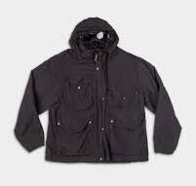
C.P. COMPANY |  | 18 | MAN | 18CMOW050A005991G327L | 18CMOW050A005991G | 327 | VINTAGE KHAKI
C.P. COMPANY |  | 18 | MAN | 18CMOW050A005991G327M | 18CMOW050A005991G | 327 | VINTAGE KHAKI
C.P. COMPANY |  | 18 | MAN | 18CMOW050A005991G327S | 18CMOW050A005991G | 327 | VINTAGE KHAKI
C.P. COMPANY |  | 18 | MAN | 18CMOW050A005991G402L | 18CMOW050A005991G | 402 | PISTACHIO SHELL
C.P. COMPANY |  | 18 | MAN | 18CMOW050A005991G888M | 18CMOW050A005991G | 888 | TOTAL ECLIPSE
C.P. COMPANY |  | 18 | MAN | 18CMOW064A005991G872L | 18CMOW064A005991G | 872 | STORMY WEATHER
C.P. COMPANY |  | 18 | MAN | 18CMOW154A110288W883L | 18CMOW154A110288W | 883 | INSIGNIA BLUE
C.P. COMPANY |  | 18 | MAN | 18CMOW156A110295WD08L | 18CMOW156A110295W | D08 | DENIM-NORMAL WASHED 40°
C.P. COMPANY |  | 18 | MAN | 18CMOW156A110295WD08L | 18CMOW156A110295W | D08 | DENIM-NORMAL WASHED 40°
C.P. COMPANY |  | 18 | MAN | 18CMOW156A110295WD08M | 18CMOW156A110295W | D08 | DENIM-NORMAL WASHED 40°
C.P. COMPANY |  | 18 | MAN | 18CMOW156A110295WD08S | 18CMOW156A110295W | D08 | DENIM-NORMAL WASHED 40°
C.P. COMPANY |  | 18 | MAN | 18CMOW156A110295WD08XL | 18CMOW156A110295W | D08 | DENIM-NORMAL WASHED 40°
C.P. COMPANY |  | 18 | MAN | 18CMOW156A110295WD08XS | 18CMOW156A110295W | D08 | DENIM-NORMAL WASHED 40°
...
BRAND | PICTURE | SEASON | GENDER | ARTICLE CODE | STYLE NUMBER | COLOR CODE | COLOR
C.P. COMPANY |  | 18 | MAN | 18CMOW202A006284G305M | 18CMOW202A006284G | 305 | TREE HOUSE
C.P. COMPANY |  | 18 | MAN | 18CMOW202A006284G305S | 18CMOW202A006284G | 305 | TREE HOUSE
C.P. COMPANY |  | 18 | MAN | 18CMOW202A006284G305XXL | 18CMOW202A006284G | 305 | TREE HOUSE
C.P. COMPANY |  | 18 | MAN | 18CMOW202A006284G305XXXL | 18CMOW202A006284G | 305 | TREE HOUSE
C.P. COMPANY |  | 18 | MAN | 18CMOW202A006284G893L | 18CMOW202A006284G | 893 | OCEANA
C.P. COMPANY |  | 18 | MAN | 18CMOW202A006284G893L | 18CMOW202A006284G | 893 | OCEANA
C.P. COMPANY |  | 18 | MAN | 18CMOW202A006284G893L | 18CMOW202A006284G | 893 | OCEANA
C.P. COMPANY |  | 18 | MAN | 18CMOW202A006284G893M | 18CMOW202A006284G | 893 | OCEANA
C.P. COMPANY |  | 18 | MAN | 18CMOW202A006284G893S | 18CMOW202A006284G | 893 | OCEANA
C.P. COMPANY |  | 18 | MAN | 18CMOW202A006284G893XL | 18CMOW202A006284G | 893 | OCEANA
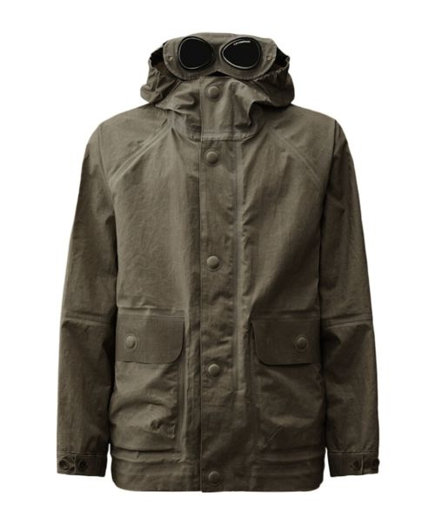
C.P. COMPANY |  | 18 | MAN | 18CMOW217A110078A327L | 18CMOW217A110078A | 327 | VINTAGE KHAKI
C.P. COMPANY |  | 18 | MAN | 18CMOW217A110078A327M | 18CMOW217A110078A | 327 | VINTAGE KHAKI
C.P. COMPANY |  | 18 | MAN | 18CMOW217A110078A327S | 18CMOW217A110078A | 327 | VINTAGE KHAKI
C.P. COMPANY |  | 18 | MAN | 18CMOW217A110078A327XL | 18CMOW217A110078A | 327 | VINTAGE KHAKI
C.P. COMPANY |  | 18 | MAN | 18CMOW217A110078A327XL | 18CMOW217A110078A | 327 | VINTAGE KHAKI
C.P. COMPANY |  | 18 | MAN | 18CMOW217A110078A985L | 18CMOW217A110078A | 985 | RAVEN
C.P. COMPANY |  | 18 | MAN | 18CMOW217A110078A985M | 18CMOW217A110078A | 985 | RAVEN
C.P. COMPANY |  | 18 | MAN | 18CMOW217A110078A985S | 18CMOW217A110078A | 985 | RAVEN
C.P. COMPANY |  | 18 | MAN | 18CMOW218A110078A327XL | 18CMOW218A110078A | 327 | VINTAGE KHAKI
C.P. COMPANY |  | 18 | MAN | 18CMOW218A110078A893L | 18CMOW218A110078A | 893 | OCEANA
C.P. COMPANY |  | 18 | MAN | 18CMOW218A110078A893XL | 18CMOW218A110078A | 893 | OCEANA
C.P. COMPANY | 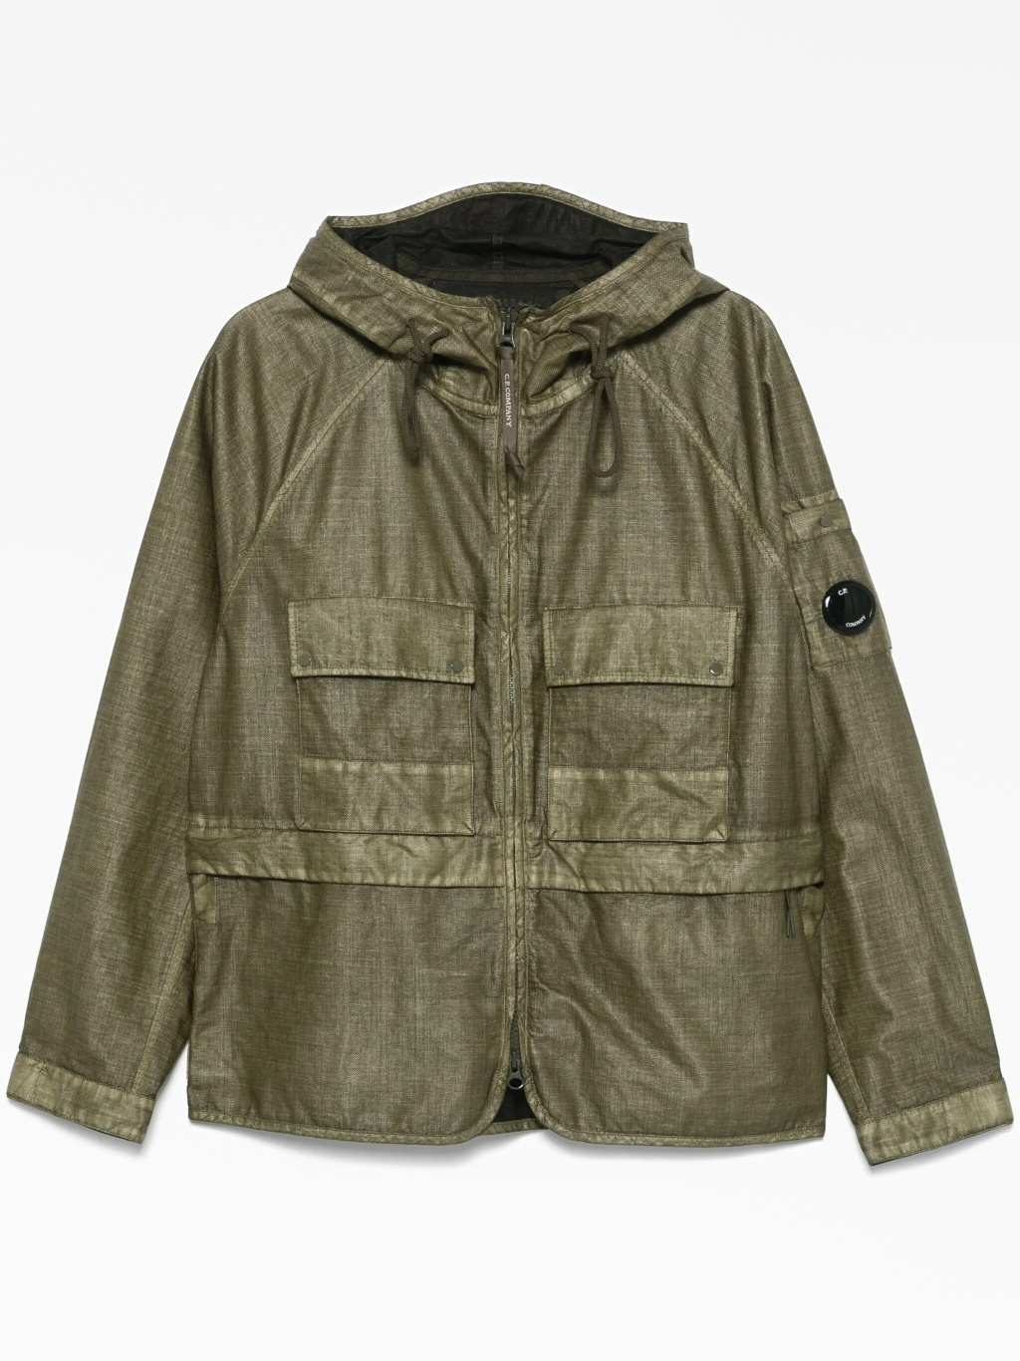 | 18 | MAN | 18CMOW222A110318G669L | 18CMOW222A110318G | 669 | THYME
C.P. COMPANY |  | 18 | MAN | 18CMOW223A110320G402L | 18CMOW223A110320G | 402 | PISTACHIO SHELL
C.P. COMPANY |  | 18 | MAN | 18CMOW223A110320G402XXXL | 18CMOW223A110320G | 402 | PISTACHIO SHELL
C.P. COMPANY |  | 18 | MAN | 18CMOW223A110320G888L | 18CMOW223A110320G | 888 | TOTAL ECLIPSE
C.P. COMPANY |  | 18 | MAN | 18CMOW223A110320G888L | 18CMOW223A110320G | 888 | TOTAL ECLIPSE
C.P. COMPANY |  | 18 | MAN | 18CMOW223A110320G888M | 18CMOW223A110320G | 888 | TOTAL ECLIPSE
C.P. COMPANY |  | 18 | MAN | 18CMOW223A110320G888S | 18CMOW223A110320G | 888 | TOTAL ECLIPSE
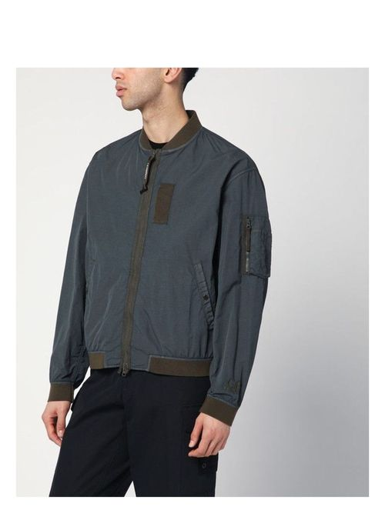
C.P. COMPANY |  | 18 | MAN | 18CMOW296A005991C891XL | 18CMOW296A005991C | 891 | INDIA INK
C.P. COMPANY |  | 18 | MAN | 18CMOW296A005991C935L | 18CMOW296A005991C | 935 | SMOKED PEARL
C.P. COMPANY |  | 18 | MAN | 18CMOW296A005991C935M | 18CMOW296A005991C | 935 | SMOKED PEARL
C.P. COMPANY | 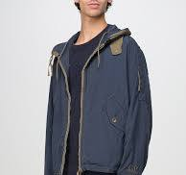 | 18 | MAN | 18CMOW297A005991C891L | 18CMOW297A005991C | 891 | INDIA INK
C.P. COMPANY |  | 15 | MAN | 15CSOW008A110031A616XXXL | 15CSOW008A110031A | 616 | ONLINE LIME
C.P. COMPANY | 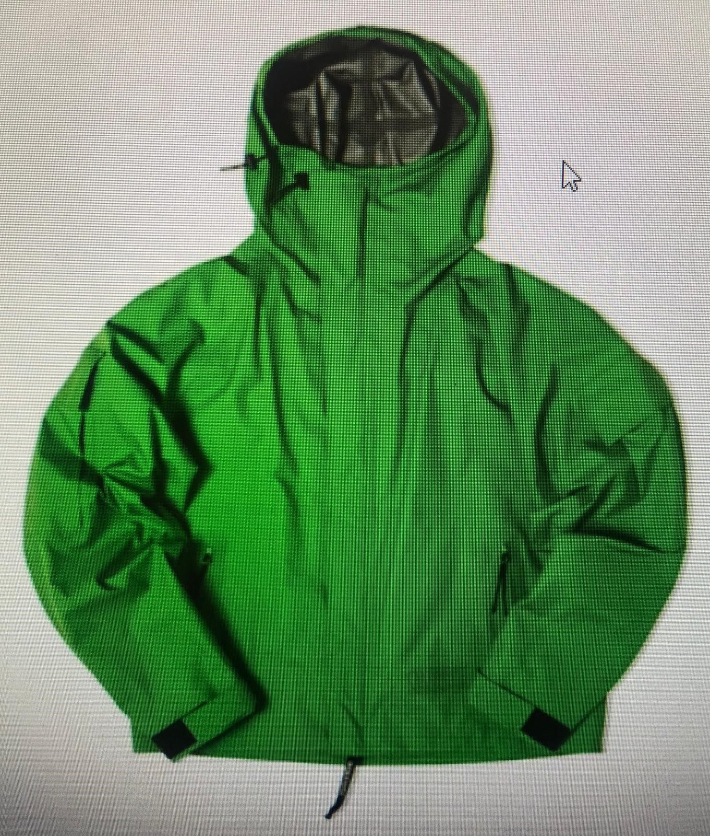 | 15 | MAN | 15CSOW008A110031A616S | 15CSOW008A110031A | 616 | ONLINE LIME
C.P. COMPANY |  | 18 | MAN | 18CMPA056A005694G32746 | 18CMPA056A005694G | 327 | VINTAGE KHAKI
C.P. COMPANY |  | 18 | MAN | 18CMPA056A005694G32748 | 18CMPA056A005694G | 327 | VINTAGE KHAKI
C.P. COMPANY |  | 18 | MAN | 18CMPA056A005694G32752 | 18CMPA056A005694G | 327 | VINTAGE KHAKI
C.P. COMPANY |  | 18 | MAN | 18CMPA056A005694G59846 | 18CMPA056A005694G | 598 | SABLE
C.P. COMPANY |  | 18 | MAN | 18CMPA056A005694G59848 | 18CMPA056A005694G | 598 | SABLE
C.P. COMPANY |  | 18 | MAN | 18CMPA056A005694G68348 | 18CMPA056A005694G | 683 | IVY GREEN
C.P. COMPANY |  | 18 | MAN | 18CMPA056A005694G80048 | 18CMPA056A005694G | 800 | BLUE FOX
C.P. COMPANY |  | 18 | MAN | 18CMPA056A005694G80050 | 18CMPA056A005694G | 800 | BLUE FOX
C.P. COMPANY |  | 18 | MAN | 18CMPA056A005694G80052 | 18CMPA056A005694G | 800 | BLUE FOX
C.P. COMPANY |  | 18 | MAN | 18CMPA056A005694G88846 | 18CMPA056A005694G | 888 | TOTAL ECLIPSE
C.P. COMPANY |  | 18 | MAN | 18CMPA056A005694G88850 | 18CMPA056A005694G | 888 | TOTAL ECLIPSE
C.P. COMPANY |  | 18 | MAN | 18CMPA056A005694G88852 | 18CMPA056A005694G | 888 | TOTAL ECLIPSE
C.P. COMPANY |  | 18 | MAN | 18CMPA056A005694G88854 | 18CMPA056A005694G | 888 | TOTAL ECLIPSE
C.P. COMPANY |  | 18 | MAN | 18CMPA056A005694G93554 | 18CMPA056A005694G | 935 | SMOKED PEARL
C.P. COMPANY |  | 18 | MAN | 18CMPA056A005694G99946 | 18CMPA056A005694G | 999 | BLACK
C.P. COMPANY |  | 18 | MAN | 18CMPA056A005694G99948 | 18CMPA056A005694G | 999 | BLACK
C.P. COMPANY |  | 18 | MAN | 18CMPA056A005694G99950 | 18CMPA056A005694G | 999 | BLACK
C.P. COMPANY |  | 18 | MAN | 18CMPA056A005694G99952 | 18CMPA056A005694G | 999 | BLACK
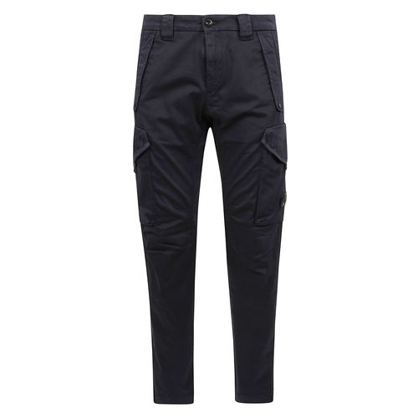
C.P. COMPANY |  | 18 | MAN | 18CMPA058A005529G68346 | 18CMPA058A005529G | 683 | IVY GREEN
C.P. COMPANY |  | 18 | MAN | 18CMPA058A005529G68350 | 18CMPA058A005529G | 683 | IVY GREEN
C.P. COMPANY |  | 18 | MAN | 18CMPA058A005529G68352 | 18CMPA058A005529G | 683 | IVY GREEN
C.P. COMPANY |  | 18 | MAN | 18CMPA058A005529G88848 | 18CMPA058A005529G | 888 | TOTAL ECLIPSE
C.P. COMPANY |  | 18 | MAN | 18CMPA058A005529G88852 | 18CMPA058A005529G | 888 | TOTAL ECLIPSE
C.P. COMPANY |  | 18 | MAN | 18CMPA058A005529G99948 | 18CMPA058A005529G | 999 | BLACK
C.P. COMPANY |  | 18 | MAN | 18CMPA093A006439G30550 | 18CMPA093A006439G | 305 | TREE HOUSE
C.P. COMPANY |  | 18 | MAN | 18CMPA093A006439G30552 | 18CMPA093A006439G | 305 | TREE HOUSE
C.P. COMPANY |  | 18 | MAN | 18CMPA093A006439G66946 | 18CMPA093A006439G | 669 | THYME
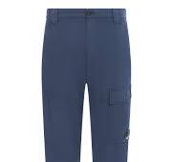
C.P. COMPANY |  | 18 | MAN | 18CMPA093A006439G66948 | 18CMPA093A006439G | 669 | THYME
C.P. COMPANY |  | 18 | MAN | 18CMPA093A006439G66950 | 18CMPA093A006439G | 669 | THYME
C.P. COMPANY |  | 18 | MAN | 18CMPA093A006439G66954 | 18CMPA093A006439G | 669 | THYME
C.P. COMPANY |  | 18 | MAN | 18CMPA093A006439G77448 | 18CMPA093A006439G | 774 | LAVANDER VIOLET
C.P. COMPANY |  | 18 | MAN | 18CMPA093A006439G77450 | 18CMPA093A006439G | 774 | LAVANDER VIOLET
C.P. COMPANY |  | 18 | MAN | 18CMPA093A006439G80054 | 18CMPA093A006439G | 800 | BLUE FOX
C.P. COMPANY |  | 18 | MAN | 18CMPA093A006439G89146 | 18CMPA093A006439G | 891 | INDIA INK
C.P. COMPANY |  | 18 | MAN | 18CMPA093A006439G89148 | 18CMPA093A006439G | 891 | INDIA INK
C.P. COMPANY |  | 18 | MAN | 18CMPA093A006439G89148 | 18CMPA093A006439G | 891 | INDIA INK
C.P. COMPANY |  | 18 | MAN | 18CMPA093A006439G89150 | 18CMPA093A006439G | 891 | INDIA INK
C.P. COMPANY |  | 18 | MAN | 18CMPA093A006439G89150 | 18CMPA093A006439G | 891 | INDIA INK
C.P. COMPANY |  | 18 | MAN | 18CMPA093A006439G89154 | 18CMPA093A006439G | 891 | INDIA INK
C.P. COMPANY |  | 18 | MAN | 18CMPA093A006439G99950 | 18CMPA093A006439G | 999 | BLACK
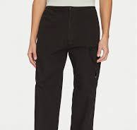
C.P. COMPANY |  | 18 | MAN | 18CMPA094A006475G99946 | 18CMPA094A006475G | 999 | BLACK
C.P. COMPANY |  | 18 | MAN | 18CMPA094A006475G99948 | 18CMPA094A006475G | 999 | BLACK
C.P. COMPANY |  | 18 | MAN | 18CMPA094A006475G99950 | 18CMPA094A006475G | 999 | BLACK
C.P. COMPANY |  | 18 | MAN | 18CMPA094A006475G99952 | 18CMPA094A006475G | 999 | BLACK
C.P. COMPANY |  | 18 | MAN | 18CMPA094A006475G99958 | 18CMPA094A006475G | 999 | BLACK | 58
C.P. COMPANY |  | 18 | MAN | 18CMPA120A005991G59848 | 18CMPA120A005991G | 598 | SABLE | 48
C.P. COMPANY | 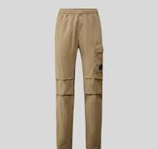 | 18 | MAN | 18CMPA120A005991G99952 | 18CMPA120A005991G | 999 | BLACK | 52
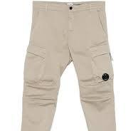
C.P. COMPANY |  | 18 | MAN | 18CMPA127A005694G32752 | 18CMPA127A005694G | 327 | VINTAGE KHAKI | 52
C.P. COMPANY |  | 18 | MAN | 18CMPA127A005694G59848 | 18CMPA127A005694G | 598 | SABLE | 48
C.P. COMPANY |  | 18 | MAN | 18CMPA127A005694G59850 | 18CMPA127A005694G | 598 | SABLE | 50
C.P. COMPANY |  | 18 | MAN | 18CMPA127A005694G59852 | 18CMPA127A005694G | 598 | SABLE | 52
C.P. COMPANY |  | 18 | MAN | 18CMPA127A005694G68346 | 18CMPA127A005694G | 683 | IVY GREEN | 46
C.P. COMPANY |  | 18 | MAN | 18CMPA127A005694G68348 | 18CMPA127A005694G | 683 | IVY GREEN | 48
C.P. COMPANY |  | 18 | MAN | 18CMPA169A005694G32748 | 18CMPA169A005694G | 327 | VINTAGE KHAKI | 48
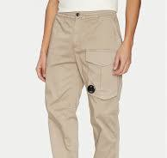
C.P. COMPANY |  | 18 | MAN | 18CMPA169A005694G32748 | 18CMPA169A005694G | 327 | VINTAGE KHAKI | 48
C.P. COMPANY |  | 18 | MAN | 18CMPA169A005694G68346 | 18CMPA169A005694G | 683 | IVY GREEN | 46
C.P. COMPANY |  | 18 | MAN | 18CMPA169A005694G68348 | 18CMPA169A005694G | 683 | IVY GREEN | 48
C.P. COMPANY |  | 18 | MAN | 18CMPA169A005694G68352 | 18CMPA169A005694G | 683 | IVY GREEN | 52
C.P. COMPANY |  | 18 | MAN | 18CMPA169A005694G80048 | 18CMPA169A005694G | 800 | BLUE FOX | 48
C.P. COMPANY |  | 18 | MAN | 18CMPA169A005694G93550 | 18CMPA169A005694G | 935 | SMOKED PEARL | 50
C.P. COMPANY |  | 18 | MAN | 18CMPA169A005694G99946 | 18CMPA169A005694G | 999 | BLACK | 46
C.P. COMPANY |  | 18 | MAN | 18CMPA169A005694G99948 | 18CMPA169A005694G | 999 | BLACK | 48
C.P. COMPANY |  | 18 | MAN | 18CMPA169A005694G99952 | 18CMPA169A005694G | 999 | BLACK | 52
C.P. COMPANY |  | 18 | MAN | 18CMPA169Y005694G88850 | 18CMPA169Y005694G | 888 | TOTAL ECLIPSE | 50
C.P. COMPANY |  | 18 | MAN | 18CMPA169Y005694G88852 | 18CMPA169Y005694G | 888 | TOTAL ECLIPSE | 52
C.P. COMPANY |  | 18 | MAN | 18CMPA272A006272G66946 | 18CMPA272A006272G | 669 | THYME | 46
C.P. COMPANY |  | 18 | MAN | 18CMPA272A006272G66948 | 18CMPA272A006272G | 669 | THYME | 48
C.P. COMPANY |  | 18 | MAN | 18CMPA272A006272G66948 | 18CMPA272A006272G | 669 | THYME | 48
C.P. COMPANY |  | 18 | MAN | 18CMPA272A006272G66952 | 18CMPA272A006272G | 669 | THYME | 52
C.P. COMPANY |  | 18 | MAN | 18CMPA272A006272G88848 | 18CMPA272A006272G | 888 | TOTAL ECLIPSE | 48
C.P. COMPANY |  | 18 | MAN | 18CMPA272A006272G88850 | 18CMPA272A006272G | 888 | TOTAL ECLIPSE | 50
C.P. COMPANY |  | 18 | MAN | 18CMPA272A006272G88852 | 18CMPA272A006272G | 888 | TOTAL ECLIPSE | 52
C.P. COMPANY |  | 18 | MAN | 18CMPA272A006272G93546 | 18CMPA272A006272G | 935 | SMOKED PEARL | 46
C.P. COMPANY |  | 18 | MAN | 18CMPA272A006272G93548 | 18CMPA272A006272G | 935 | SMOKED PEARL | 48
C.P. COMPANY |  | 18 | MAN | 18CMPA272A006272G93548 | 18CMPA272A006272G | 935 | SMOKED PEARL | 48
C.P. COMPANY |  | 18 | MAN | 18CMPA272A006272G93552 | 18CMPA272A006272G | 935 | SMOKED PEARL | 52
C.P. COMPANY |  | 18 | MAN | 18CMPA272A006272G99956 | 18CMPA272A006272G | 999 | BLACK | 56
C.P. COMPANY |  | 18 | MAN | 18CMPA276A110340O30554 | 18CMPA276A110340O | 305 | TREE HOUSE | 54
C.P. COMPANY |  | 18 | MAN | 18CMPA276A110340O66946 | 18CMPA276A110340O | 669 | THYME | 46
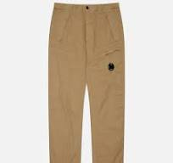
C.P. COMPANY |  | 18 | MAN | 18CMPA276A110340O66948 | 18CMPA276A110340O | 669 | THYME | 48
C.P. COMPANY |  | 18 | MAN | 18CMPA276A110340O66950 | 18CMPA276A110340O | 669 | THYME | 50
C.P. COMPANY |  | 18 | MAN | 18CMPA276A110340O66952 | 18CMPA276A110340O | 669 | THYME | 52
C.P. COMPANY |  | 18 | MAN | 18CMPA276A110340O80046 | 18CMPA276A110340O | 800 | BLUE FOX | 46
C.P. COMPANY |  | 18 | MAN | 18CMPA276A110340O80050 | 18CMPA276A110340O | 800 | BLUE FOX | 50
C.P. COMPANY |  | 18 | MAN | 18CMPA276A110340O89146 | 18CMPA276A110340O | 891 | INDIA INK | 46
C.P. COMPANY |  | 18 | MAN | 18CMPA276A110340O89148 | 18CMPA276A110340O | 891 | INDIA INK | 48
C.P. COMPANY |  | 18 | MAN | 18CMPA276A110340O89148 | 18CMPA276A110340O | 891 | INDIA INK | 48
C.P. COMPANY |  | 18 | MAN | 18CMPA276A110340O89150 | 18CMPA276A110340O | 891 | INDIA INK | 50
C.P. COMPANY |  | 18 | MAN | 18CMPA276A110340O89152 | 18CMPA276A110340O | 891 | INDIA INK | 52
C.P. COMPANY |  | 18 | MAN | 18CMPA276A110340O99948 | 18CMPA276A110340O | 999 | BLACK | 48
C.P. COMPANY |  | 18 | MAN | 18CMPL065A005263W520L | 18CMPL065A005263W | 520 | MISTY ROSE | L
C.P. COMPANY |  | 18 | MAN | 18CMPL065A005263W999L | 18CMPL065A005263W | 999 | BLACK | L
C.P. COMPANY |  | 18 | MAN | 18CMPL065A005263W999S | 18CMPL065A005263W | 999 | BLACK | S
C.P. COMPANY |  | 18 | MAN | 18CMPL097A005263W103L | 18CMPL097A005263W | 103 | GAUZE WHITE | L
...
BRAND | PICTURE | SEASON | GENDER | ARTICLE CODE | STYLE NUMBER | COLOR CODE | COLOR
C.P. COMPANY |  | 18 | MAN | 18CMPL258A110302W598XL | 18CMPL258A110302W | 598 | SABLE
C.P. COMPANY |  | 18 | MAN | 18CMPL258A110302W669L | 18CMPL258A110302W | 669 | THYME
C.P. COMPANY |  | 18 | MAN | 18CMPL258A110302W669S | 18CMPL258A110302W | 669 | THYME
C.P. COMPANY |  | 18 | MAN | 18CMPL258A110302W669XXL | 18CMPL258A110302W | 669 | THYME
C.P. COMPANY |  | 18 | MAN | 18CMPL258A110302W893L | 18CMPL258A110302W | 893 | OCEANA
C.P. COMPANY |  | 18 | MAN | 18CMPL258A110302W893L | 18CMPL258A110302W | 893 | OCEANA
C.P. COMPANY |  | 18 | MAN | 18CMPL262A005022G598L | 18CMPL262A005022G | 598 | SABLE
C.P. COMPANY |  | 18 | MAN | 18CMPL262A005022G893L | 18CMPL262A005022G | 893 | OCEANA
C.P. COMPANY |  | 18 | MAN | 18CMPL283A005697G774S | 18CMPL283A005697G | 774 | LAVANDER VIOLET
C.P. COMPANY |  | 18 | MAN | 18CMPL283A005697G857XL | 18CMPL283A005697G | 857 | PACIFIC COAST
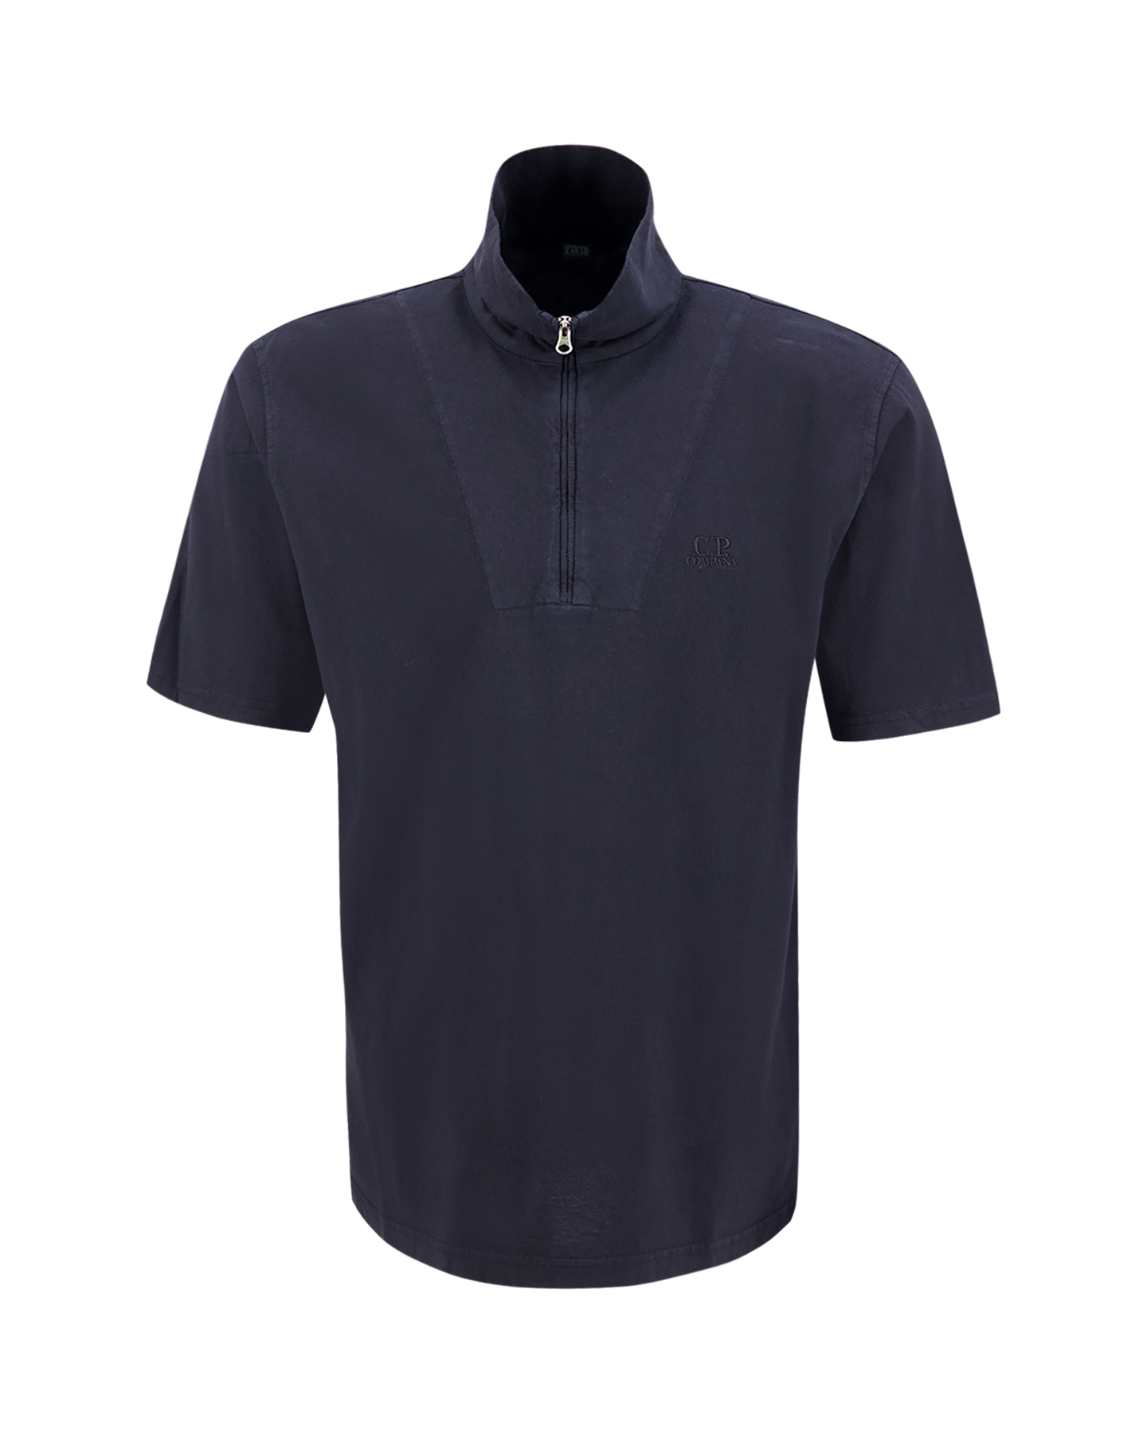
C.P. COMPANY |  | 18 | MAN | 18CMPL291A006057O520L | 18CMPL291A006057O | 520 | MISTY ROSE
C.P. COMPANY |  | 18 | MAN | 18CMPL291A006057O774L | 18CMPL291A006057O | 774 | LAVANDER VIOLET
C.P. COMPANY |  | 18 | MAN | 18CMPL291A006057O774S | 18CMPL291A006057O | 774 | LAVANDER VIOLET
C.P. COMPANY |  | 18 | MAN | 18CMPL291A006057O774XXL | 18CMPL291A006057O | 774 | LAVANDER VIOLET
C.P. COMPANY |  | 18 | MAN | 18CMPL291A006057O774XXXL | 18CMPL291A006057O | 774 | LAVANDER VIOLET
C.P. COMPANY |  | 18 | MAN | 18CMPL291A006057O800L | 18CMPL291A006057O | 800 | BLUE FOX
C.P. COMPANY |  | 18 | MAN | 18CMPL291A006057O800M | 18CMPL291A006057O | 800 | BLUE FOX
C.P. COMPANY |  | 18 | MAN | 18CMPL291A006057O800S | 18CMPL291A006057O | 800 | BLUE FOX
C.P. COMPANY |  | 18 | MAN | 18CMPL291A006057O800XXL | 18CMPL291A006057O | 800 | BLUE FOX
C.P. COMPANY |  | 18 | MAN | 18CMPL291A006057O800XXXL | 18CMPL291A006057O | 800 | BLUE FOX
C.P. COMPANY |  | 18 | MAN | 18CMPL320A110396G110XXL | 18CMPL320A110396G | 110 | TURTLEDOVE
C.P. COMPANY |  | 18 | MAN | 18CMPL320A110396G520L | 18CMPL320A110396G | 520 | MISTY ROSE
C.P. COMPANY |  | 18 | MAN | 18CMPL320A110396G669M | 18CMPL320A110396G | 669 | THYME
C.P. COMPANY |  | 18 | MAN | 18CMPL320A110396G669S | 18CMPL320A110396G | 669 | THYME
C.P. COMPANY |  | 18 | MAN | 18CMPL320A110396G800L | 18CMPL320A110396G | 800 | BLUE FOX
...
BRAND | PICTURE | SEASON | GENDER | ARTICLE CODE | STYLE NUMBER | COLOR CODE | COLOR
C.P. COMPANY |  | 18 | MAN | 18CMSB069A002246G857L | 18CMSB069A002246G | 857 | PACIFIC COAST
C.P. COMPANY |  | 18 | MAN | 18CMSB069A002246G857M | 18CMSB069A002246G | 857 | PACIFIC COAST
C.P. COMPANY |  | 18 | MAN | 18CMSB069A002246G857S | 18CMSB069A002246G | 857 | PACIFIC COAST
C.P. COMPANY |  | 18 | MAN | 18CMSB069A002246G857XL | 18CMSB069A002246G | 857 | PACIFIC COAST
C.P. COMPANY |  | 18 | MAN | 18CMSB069A002246G857XS | 18CMSB069A002246G | 857 | PACIFIC COAST
C.P. COMPANY |  | 18 | MAN | 18CMSB069A002246G999XL | 18CMSB069A002246G | 999 | BLACK
C.P. COMPANY |  | 18 | MAN | 18CMSB069A002246G999XS | 18CMSB069A002246G | 999 | BLACK
C.P. COMPANY |  | 18 | MAN | 18CMSB101A110044R520S | 18CMSB101A110044R | 520 | MISTY ROSE
C.P. COMPANY |  | 18 | MAN | 18CMSB101A110044R520XL | 18CMSB101A110044R | 520 | MISTY ROSE
C.P. COMPANY |  | 18 | MAN | 18CMSB101A110044R547L | 18CMSB101A110044R | 547 | POINCIANA
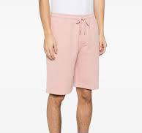
C.P. COMPANY |  | 18 | MAN | 18CMSB101A110044R814XS | 18CMSB101A110044R | 814 | CERULEAN
C.P. COMPANY |  | 18 | MAN | 18CMSB101B110044R520S | 18CMSB101B110044R | 520 | MISTY ROSE
C.P. COMPANY |  | 18 | MAN | 18CMSB101B110044R520XS | 18CMSB101B110044R | 520 | MISTY ROSE | XS
C.P. COMPANY |  | 18 | MAN | 18CMSB101B110044R520XXL | 18CMSB101B110044R | 520 | MISTY ROSE | XXL
C.P. COMPANY |  | 18 | MAN | 18CMSB101B110044R598L | 18CMSB101B110044R | 598 | SABLE | L
C.P. COMPANY |  | 18 | MAN | 18CMSB101B110044R598M | 18CMSB101B110044R | 598 | SABLE | M
C.P. COMPANY |  | 18 | MAN | 18CMSB101B110044R800L | 18CMSB101B110044R | 800 | BLUE FOX | L
C.P. COMPANY |  | 18 | MAN | 18CMSB101B110044R800M | 18CMSB101B110044R | 800 | BLUE FOX | M
C.P. COMPANY |  | 18 | MAN | 18CMSB101B110044R800XS | 18CMSB101B110044R | 800 | BLUE FOX | XS
C.P. COMPANY |  | 18 | MAN | 18CMSB101B110044R814L | 18CMSB101B110044R | 814 | CERULEAN | L
C.P. COMPANY |  | 18 | MAN | 18CMSB101B110044R814M | 18CMSB101B110044R | 814 | CERULEAN | M
C.P. COMPANY |  | 18 | MAN | 18CMSB101B110044R814XXL | 18CMSB101B110044R | 814 | CERULEAN | XXL
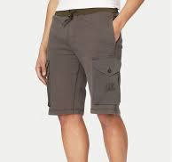
C.P. COMPANY |  | 18 | MAN | 18CMSB160A006090M245S | 18CMSB160A006090M | 245 | CRESS GREEN | S
C.P. COMPANY |  | 18 | MAN | 18CMSB160A006090M891XS | 18CMSB160A006090M | 891 | INDIA INK | XS
C.P. COMPANY |  | 18 | MAN | 18CMSB160A006090M935L | 18CMSB160A006090M | 935 | SMOKED PEARL | L
C.P. COMPANY |  | 18 | MAN | 18CMSB160A006090M935M | 18CMSB160A006090M | 935 | SMOKED PEARL | M
C.P. COMPANY |  | 18 | MAN | 18CMSH140A110143G103L | 18CMSH140A110143G | 103 | GAUZE WHITE | L
C.P. COMPANY |  | 18 | MAN | 18CMSH140A110143G103M | 18CMSH140A110143G | 103 | GAUZE WHITE | M
C.P. COMPANY |  | 18 | MAN | 18CMSH140A110143G103XL | 18CMSH140A110143G | 103 | GAUZE WHITE | XL
C.P. COMPANY |  | 18 | MAN | 18CMSH140A110143G103XS | 18CMSH140A110143G | 103 | GAUZE WHITE | XS
C.P. COMPANY |  | 18 | MAN | 18CMSH140A110143G103XXL | 18CMSH140A110143G | 103 | GAUZE WHITE | XXL
C.P. COMPANY |  | 18 | MAN | 18CMSH140A110143G327L | 18CMSH140A110143G | 327 | VINTAGE KHAKI | L
C.P. COMPANY |  | 18 | MAN | 18CMSH140A110143G327M | 18CMSH140A110143G | 327 | VINTAGE KHAKI | M
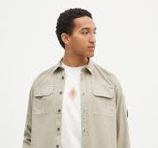
C.P. COMPANY |  | 18 | MAN | 18CMSH140A110143G327M | 18CMSH140A110143G | 327 | VINTAGE KHAKI | M
C.P. COMPANY |  | 18 | MAN | 18CMSH140A110143G327S | 18CMSH140A110143G | 327 | VINTAGE KHAKI | S
C.P. COMPANY |  | 18 | MAN | 18CMSH140A110143G327S | 18CMSH140A110143G | 327 | VINTAGE KHAKI | S
C.P. COMPANY |  | 18 | MAN | 18CMSH140A110143G327XS | 18CMSH140A110143G | 327 | VINTAGE KHAKI
C.P. COMPANY |  | 18 | MAN | 18CMSH140A110143G327XXL | 18CMSH140A110143G | 327 | VINTAGE KHAKI
C.P. COMPANY |  | 18 | MAN | 18CMSH140A110143G327XXXL | 18CMSH140A110143G | 327 | VINTAGE KHAKI
C.P. COMPANY |  | 18 | MAN | 18CMSH140A110143G683S | 18CMSH140A110143G | 683 | IVY GREEN
C.P. COMPANY |  | 18 | MAN | 18CMSH140A110143G683XL | 18CMSH140A110143G | 683 | IVY GREEN
C.P. COMPANY |  | 18 | MAN | 18CMSH140A110143G683XXL | 18CMSH140A110143G | 683 | IVY GREEN
C.P. COMPANY |  | 18 | MAN | 18CMSH140A110143G683XXXL | 18CMSH140A110143G | 683 | IVY GREEN
C.P. COMPANY |  | 18 | MAN | 18CMSH140A110143G774L | 18CMSH140A110143G | 774 | LAVANDER VIOLET
C.P. COMPANY |  | 18 | MAN | 18CMSH140A110143G774S | 18CMSH140A110143G | 774 | LAVANDER VIOLET
C.P. COMPANY |  | 18 | MAN | 18CMSH140A110143G774XXL | 18CMSH140A110143G | 774 | LAVANDER VIOLET
C.P. COMPANY |  | 18 | MAN | 18CMSH140A110143G774XXXL | 18CMSH140A110143G | 774 | LAVANDER VIOLET
C.P. COMPANY |  | 18 | MAN | 18CMSH140A110143G888L | 18CMSH140A110143G | 888 | TOTAL ECLIPSE
C.P. COMPANY |  | 18 | MAN | 18CMSH140A110143G888XL | 18CMSH140A110143G | 888 | TOTAL ECLIPSE
...
BRAND | PICTURE | SEASON | GENDER | ARTICLE CODE | STYLE NUMBER | COLOR CODE | COLOR
C.P. COMPANY |  | 18 | MAN | 18CMSH207A006273G103M | 18CMSH207A006273G | 103 | GAUZE WHITE
C.P. COMPANY |  | 18 | MAN | 18CMSH207A006273G103S | 18CMSH207A006273G | 103 | GAUZE WHITE
C.P. COMPANY |  | 18 | MAN | 18CMSH207A006273G103XL | 18CMSH207A006273G | 103 | GAUZE WHITE
C.P. COMPANY |  | 18 | MAN | 18CMSH207A006273G327XXL | 18CMSH207A006273G | 327 | VINTAGE KHAKI
C.P. COMPANY |  | 18 | MAN | 18CMSH207A006273G888L | 18CMSH207A006273G | 888 | TOTAL ECLIPSE
C.P. COMPANY |  | 18 | MAN | 18CMSH207A006273G888L | 18CMSH207A006273G | 888 | TOTAL ECLIPSE
C.P. COMPANY |  | 18 | MAN | 18CMSH207A006273G888M | 18CMSH207A006273G | 888 | TOTAL ECLIPSE
C.P. COMPANY |  | 18 | MAN | 18CMSH207A006273G888S | 18CMSH207A006273G | 888 | TOTAL ECLIPSE
C.P. COMPANY |  | 18 | MAN | 18CMSH207A006273G888XL | 18CMSH207A006273G | 888 | TOTAL ECLIPSE
C.P. COMPANY |  | 18 | MAN | 18CMSH235A005328G774L | 18CMSH235A005328G | 774 | LAVANDER VIOLET
C.P. COMPANY | 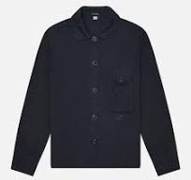 | 18 | MAN | 18CMSH235A005328G774XL | 18CMSH235A005328G | 774 | LAVANDER VIOLET
C.P. COMPANY |  | 18 | MAN | 18CMSH241A005415G103L | 18CMSH241A005415G | 103 | GAUZE WHITE
C.P. COMPANY |  | 18 | MAN | 18CMSH241A005415G800L | 18CMSH241A005415G | 800 | BLUE FOX
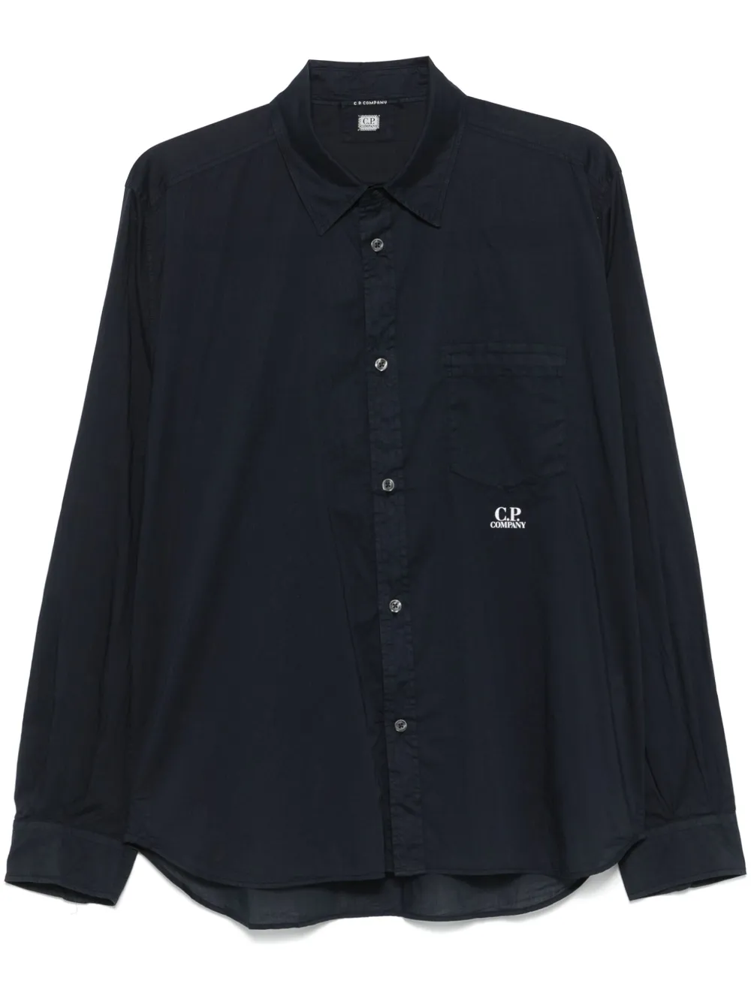
C.P. COMPANY |  | 18 | MAN | 18CMSH248A110349G103M | 18CMSH248A110349G | 103 | GAUZE WHITE
C.P. COMPANY |  | 18 | MAN | 18CMSH248A110349G245L | 18CMSH248A110349G | 245 | CRESS GREEN
C.P. COMPANY |  | 18 | MAN | 18CMSH248A110349G814M | 18CMSH248A110349G | 814 | CERULEAN
C.P. COMPANY |  | 18 | MAN | 18CMSH248A110349G814XL | 18CMSH248A110349G | 814 | CERULEAN
C.P. COMPANY |  | 18 | MAN | 18CMSH248A110349G814XXL | 18CMSH248A110349G | 814 | CERULEAN
C.P. COMPANY |  | 18 | MAN | 18CMSH248A110349G814XXXL | 18CMSH248A110349G | 814 | CERULEAN
C.P. COMPANY |  | 18 | MAN | 18CMSH248A110349G888L | 18CMSH248A110349G | 888 | TOTAL ECLIPSE
C.P. COMPANY |  | 18 | MAN | 18CMSH248A110349G888L | 18CMSH248A110349G | 888 | TOTAL ECLIPSE
C.P. COMPANY |  | 18 | MAN | 18CMSH248A110349G888M | 18CMSH248A110349G | 888 | TOTAL ECLIPSE
C.P. COMPANY |  | 18 | MAN | 18CMSH248A110349G888XL | 18CMSH248A110349G | 888 | TOTAL ECLIPSE
C.P. COMPANY |  | 18 | MAN | 18CMSH248A110349G888XXL | 18CMSH248A110349G | 888 | TOTAL ECLIPSE
C.P. COMPANY |  | 18 | MAN | 18CMSH248A110349G888XXXL | 18CMSH248A110349G | 888 | TOTAL ECLIPSE
C.P. COMPANY |  | 18 | MAN | 18CMSH250A005415G327XXL | 18CMSH250A005415G | 327 | VINTAGE KHAKI
C.P. COMPANY |  | 18 | MAN | 18CMSH250A005415G669L | 18CMSH250A005415G | 669 | THYME
C.P. COMPANY |  | 18 | MAN | 18CMSH250A005415G669M | 18CMSH250A005415G | 669 | THYME
C.P. COMPANY |  | 18 | MAN | 18CMSH250A005415G669S | 18CMSH250A005415G | 669 | THYME
...
BRAND | PICTURE | SEASON | GENDER | ARTICLE CODE | STYLE NUMBER | COLOR CODE | COLOR
C.P. COMPANY |  | 18 | MAN | 18CMSP017A005086W814XS | 18CMSP017A005086W | 814 | CERULEAN
C.P. COMPANY |  | 18 | MAN | 18CMSP017A005086W999XL | 18CMSP017A005086W | 999 | BLACK
C.P. COMPANY |  | 18 | MAN | 18CMSP017A005086W999XS | 18CMSP017A005086W | 999 | BLACK
C.P. COMPANY |  | 18 | MAN | 18CMSP045A005086W800M | 18CMSP045A005086W | 800 | BLUE FOX
C.P. COMPANY |  | 18 | MAN | 18CMSP045A005086W872L | 18CMSP045A005086W | 872 | STORMY WEATHER
C.P. COMPANY |  | 18 | MAN | 18CMSP045A005086W872M | 18CMSP045A005086W | 872 | STORMY WEATHER
C.P. COMPANY |  | 18 | MAN | 18CMSP045A005086W872S | 18CMSP045A005086W | 872 | STORMY WEATHER
C.P. COMPANY |  | 18 | MAN | 18CMSP045A005086W888L | 18CMSP045A005086W | 888 | TOTAL ECLIPSE
C.P. COMPANY |  | 18 | MAN | 18CMSP045A005086WM94S | 18CMSP045A005086W | M94 | GREYSTONE MELANGE
C.P. COMPANY |  | 18 | MAN | 18CMSP045A005086WM94XL | 18CMSP045A005086W | M94 | GREYSTONE MELANGE
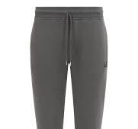
C.P. COMPANY |  | 18 | MAN | 18CMSP100B110044G683XXL | 18CMSP100B110044G | 683 | IVY GREEN
C.P. COMPANY |  | 18 | MAN | 18CMSP100B110044G999M | 18CMSP100B110044G | 999 | BLACK
C.P. COMPANY |  | 18 | MAN | 18CMSP100B110044R598L | 18CMSP100B110044R | 598 | SABLE
C.P. COMPANY |  | 18 | MAN | 18CMSP100B110044R598M | 18CMSP100B110044R | 598 | SABLE
C.P. COMPANY |  | 18 | MAN | 18CMSP100B110044R872L | 18CMSP100B110044R | 872 | STORMY WEATHER
C.P. COMPANY |  | 18 | MAN | 18CMSP100B110044R872S | 18CMSP100B110044R | 872 | STORMY WEATHER
C.P. COMPANY |  | 18 | MAN | 18CMSP100B110044R935L | 18CMSP100B110044R | 935 | SMOKED PEARL
C.P. COMPANY |  | 18 | MAN | 18CMVE132A005968A888L | 18CMVE132A005968A | 888 | TOTAL ECLIPSE
C.P. COMPANY |  | 18 | MAN | 18CMVE132A005968A888M | 18CMVE132A005968A | 888 | TOTAL ECLIPSE
C.P. COMPANY |  | 18 | MAN | 18CMVE132A005968A935M | 18CMVE132A005968A | 935 | SMOKED PEARL
C.P. COMPANY |  | 18 | MAN | 18CMVE132A005968A999L | 18CMVE132A005968A | 999 | BLACK
C.P. COMPANY |  | 18 | MAN | 18CMVE201A006099A683S | 18CMVE201A006099A | 683 | IVY GREEN
C.P. COMPANY |  | 18 | MAN | 18CMVE201A006099A857L | 18CMVE201A006099A | 857 | PACIFIC COAST
C.P. COMPANY |  | 18 | MAN | 18CMVE201A006099A857M | 18CMVE201A006099A | 857 | PACIFIC COAST
...

