OFFER
REF
NAME*
COMPANY NAME
DATE*
SALES REP*
EMAIL*
PHONE #*
PAYMENT CURRENCY (€/£)*
BILLING ADDRESS*
ORDER NUMBER
PRE/IN HAND
DELIVERY TYPE

Cod.Barre | Descrizione | QTY | Modello | CATEGORIA | FOTO | RRP € | RRP TOT € | COST € | COST TOT € | COST £ | COST TOT £
679602187114 | POLICE TO BE 40YEARS EDIT 125ML VAPO | 653 | POLICE | PROFUMI REGOLARI | 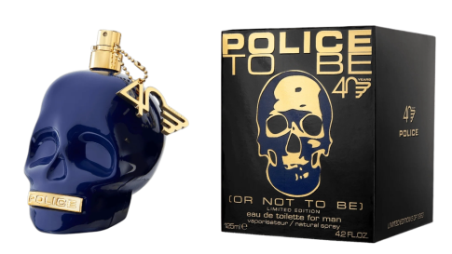 | € 59.00 | € 38,527.00 | € 11.48 | € 7,493.18 | £10.15 | £6,631.13
679602143103 | POLICE POTION ABSINTHE H EDP 50ML ATO | 613 | POLICE | PROFUMI REGOLARI | 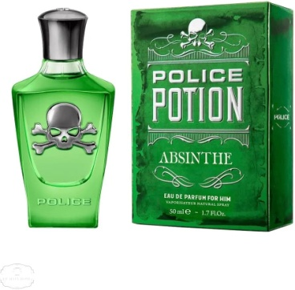 | € 46.00 | € 28,198.00 | € 6.08 | € 3,723.98 | £5.38 | £3,295.55
679602157117 | POLICE TO BE SUPERNAT H EDT 125ML ATO | 362 | POLICE | PROFUMI REGOLARI |  | € 49.00 | € 17,738.00 | € 10.13 | € 3,665.25 | £8.96 | £3,243.58
679602157100 | POLICE TO BE SUPERNAT H EDT 75ML ATO | 279 | POLICE | PROFUMI REGOLARI | 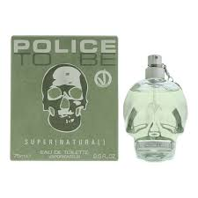 | € 39.90 | € 11,132.10 | € 7.43 | € 2,071.58 | £6.57 | £1,833.25
679602143127 | POLICE POTION ABSINTHE H EDP 30ML ATO | 263 | POLICE | PROFUMI REGOLARI | 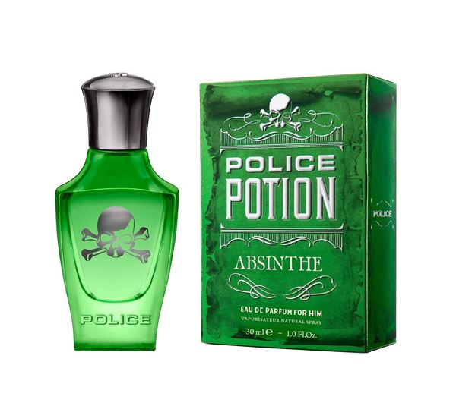 | € 24.99 | € 6,572.37 | € 5.13 | € 1,349.19 | £4.54 | £1,193.97
679602001595 | POLICE TO BE HYPERVERSE W EDP 75ML | 84 | POLICE | PROFUMI REGOLARI | 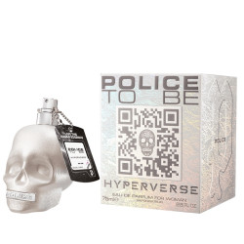 | € 39.90 | € 3,351.60 | € 7.43 | € 623.70 | £6.57 | £551.95
679602153126 | POLICE FREETODARE W EDP 40ML ATO | 245 | POLICE | PROFUMI REGOLARI |  | € 24.99 | € 6,122.55 | € 5.13 | € 1,256.85 | £4.54 | £1,112.26
679602153812 | POLICE TO BE FREETODARE EDP 75ML ATO | 242 | POLICE | PROFUMI REGOLARI |  | € 39.90 | € 9,655.80 | € 6.08 | € 1,470.15 | £5.38 | £1,301.02
679602111065 | E.SCERVINO WOM EDP 50ML ATO | 100 | ERMANNO SCERVINO | PROFUMI REGOLARI | 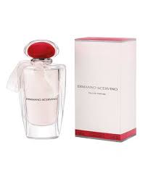 | € 90.00 | € 9,000.00 | € 20.25 | € 2,025.00 | £17.92 | £1,792.04
 |  | 2841 |  |  |  |  | € 130,297.42 |  | € 23,678.87 |  | £20,954.75

