OFFER
COMPANY NAME
NAME*
COMPANY NAME
DATE*
SALES REP*
EMAIL*
PHONE #*
PAYMENT CURRENCY (€/£)*
BILLING ADDRESS*
ORDER NUMBER
PRE/IN HAND
DELIVERY TYPE

 | Collection | Style Num. | Item Description | Colour Code | Color | Composition | Commodity Code | Preferential Status | Country Description | QTY | UNI | 42 | 44 | 46 | 48 | 50 | 52 | 54 | 56 | XS | S | M | L | XL | XXL | XXXL | WHS | WHS TOT | COST € | COST TOT € | COST £ | COST TOT £

 | MAN | 12CMBW005A000004G | BEACHWEAR - BOXER | 888 | TOTAL ECLIPSE | 100% PA | 6211110000 | EU | BULGARIA | 2 |  | 1 | 1 |  |  |  |  |  |  |  |  |  |  |  |  |  | € 64.00 | € 128.00 | € 43.20 | € 86.40 | £38.23 | £76.46
 | MAN | 12CMBW005A000004G | BEACHWEAR - BOXER | 978 | DARK SHADOW | 100% PA | 6211110000 | EU | BULGARIA | 1 |  | 1 |  |  |  |  |  |  |  |  |  |  |  |  |  |  | € 64.00 | € 64.00 | € 43.20 | € 43.20 | £38.23 | £38.23
 | MAN | 12CMBW276A000004G | BEACHWEAR - BOXER | 455 | FIERY RED | 100% PA | 6211110000 | EU | BULGARIA | 1 |  | 1 |  |  |  |  |  |  |  |  |  |  |  |  |  |  | € 79.00 | € 79.00 | € 53.33 | € 53.33 | £47.19 | £47.19
 | MAN | 12CMBW276A000004G | BEACHWEAR - BOXER | 888 | TOTAL ECLIPSE | 100% PA | 6211110000 | EU | BULGARIA | 1 |  | 1 |  |  |  |  |  |  |  |  |  |  |  |  |  |  | € 79.00 | € 79.00 | € 53.33 | € 53.33 | £47.19 | £47.19
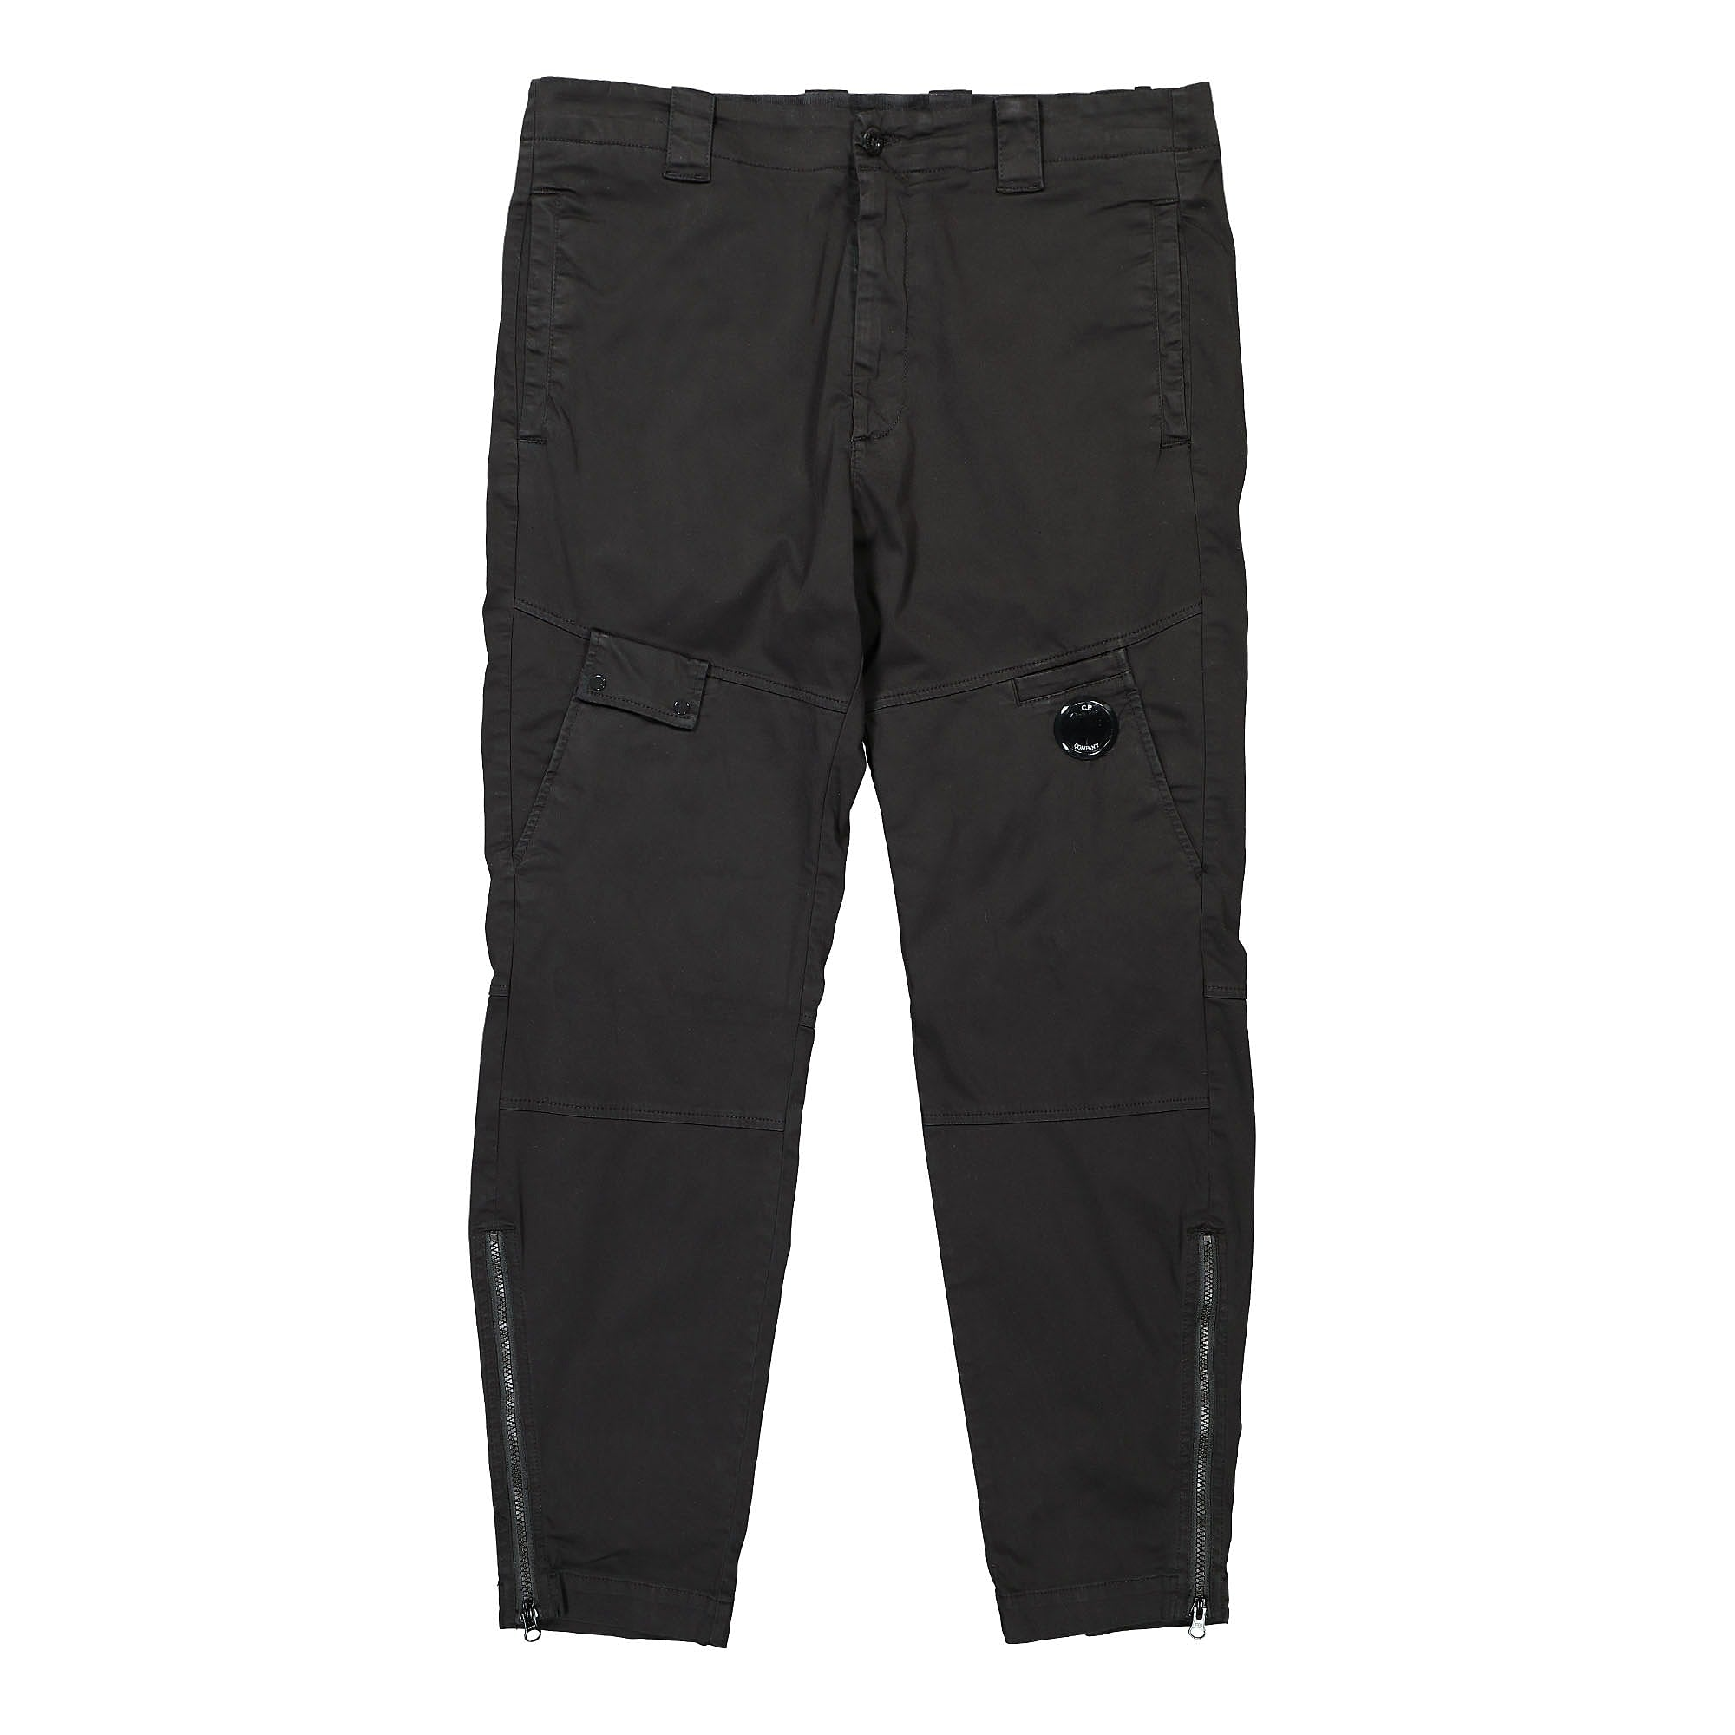 | MAN | 12CMPA061A005694G | PANTS - PANT | 103 | GAUZE WHITE | 98% CO 2% EA | 6203421100 | EU | Romania | 1 |  |  |  |  | 1 |  |  |  |  |  |  |  |  |  |  |  | € 124.00 | € 124.00 | € 83.70 | € 83.70 | £74.07 | £74.07

 | MAN | 12CMPA132A005991G | PANTS - CARGO PANT | 103 | GAUZE WHITE | 100% PA | 6203431100 | NO PREF | Romania | 1 |  |  |  |  |  |  | 1 |  |  |  |  |  |  |  |  |  | € 124.00 | € 124.00 | € 83.70 | € 83.70 | £74.07 | £74.07
 | MAN | 12CMSP071A005086W | SWEATPANTS - CARGO PANT | 322 | SENECA ROCK | 100% CO | 6103420000 | NO PREF | CHINA | 1 |  |  |  |  |  |  |  |  |  |  | 1 |  |  |  |  |  | € 110.00 | € 110.00 | € 74.25 | € 74.25 | £65.71 | £65.71
 | MAN | 12CMSP071A005086W | SWEATPANTS - CARGO PANT | 455 | FIERY RED | 100% CO | 6103420000 | NO PREF | CHINA | 1 |  |  |  |  |  |  |  |  |  |  | 1 |  |  |  |  |  | € 110.00 | € 110.00 | € 74.25 | € 74.25 | £65.71 | £65.71
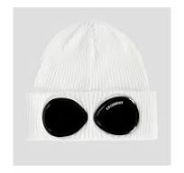 | MAN | 14CMAC016A000727A | ACCESSORIES - KNIT CAP | 103 | GAUZE WHITE | 100% CO | 6505001000 | EU | Italy | 34 |  |  |  |  |  |  |  |  |  |  |  |  |  |  |  |  | € 59.00 | € 2,006.00 | € 39.83 | € 1,354.05 | £35.24 | £1,198.27

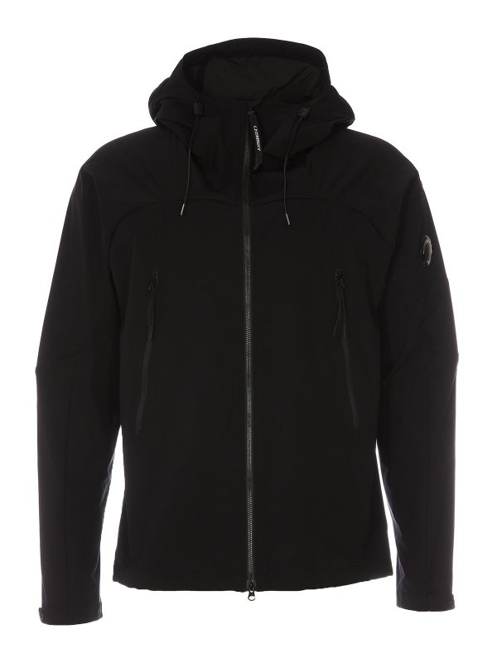 | MAN | 14CMOW003A004117A | OUTERWEAR - MEDIUM JACKET | 330 | COBBLESTONE | 100% PL | 6201401090 | NO PREF | Myanmar | 1 |  |  |  |  |  | 1 |  |  |  |  |  |  |  |  |  |  | € 181.00 | € 181.00 | € 122.18 | € 122.18 | £108.12 | £108.12
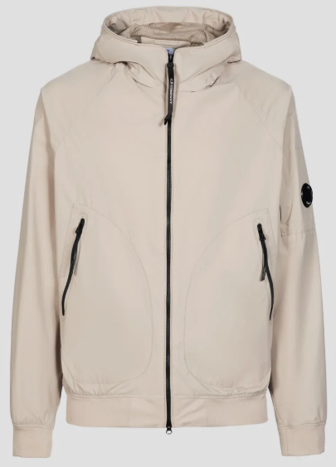 | MAN | 14CMOW095A004117A | OUTERWEAR - SHORT JACKET | 365 | BRACKEN | 100% PL | 6201401090 | NO PREF | CHINA | 1 |  |  |  |  |  | 1 |  |  |  |  |  |  |  |  |  |  | € 189.00 | € 189.00 | € 127.58 | € 127.58 | £112.90 | £112.90
 | MAN | 14CMOW095A004117A | OUTERWEAR - SHORT JACKET | 888 | TOTAL ECLIPSE | 100% PL | 6201401090 | NO PREF | Myanmar | 1 |  |  |  |  |  |  | 1 |  |  |  |  |  |  |  |  |  | € 189.00 | € 189.00 | € 127.58 | € 127.58 | £112.90 | £112.90
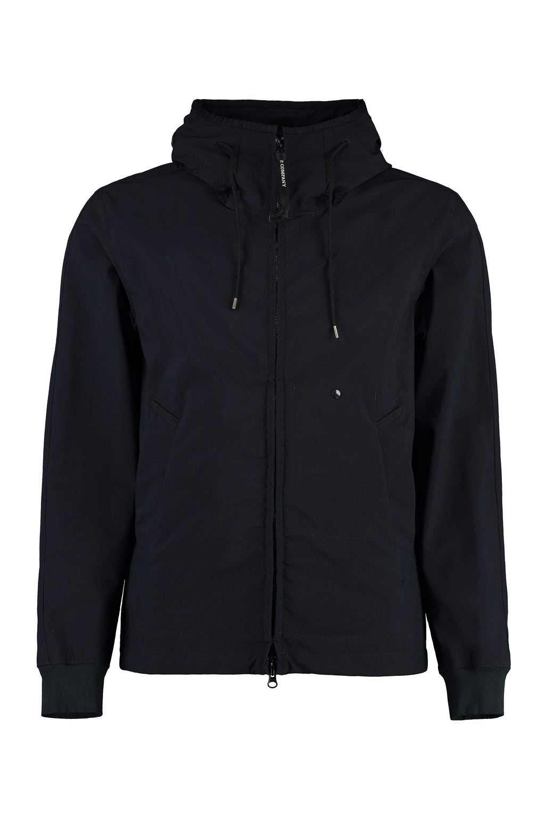 | MAN | 14CMOW149A006364G | OUTERWEAR - MEDIUM JACKET | 509 | PALE MAUVE | 94%PA 6%EA | 6201401090 | EU | BULGARIA | 3 |  |  |  |  |  | 3 |  |  |  |  |  |  |  |  |  |  | € 247.00 | € 741.00 | € 166.73 | € 500.18 | £147.54 | £442.63
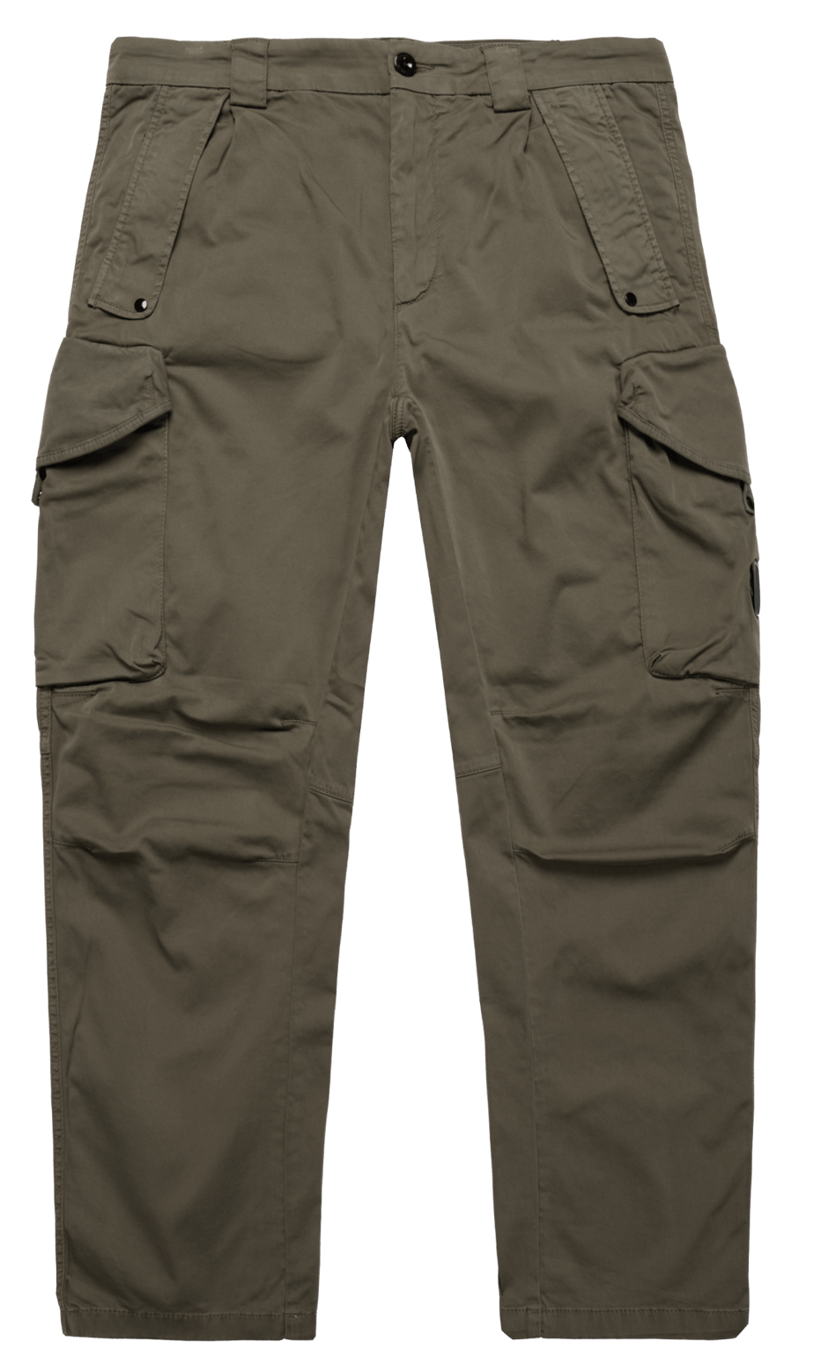 | MAN | 14CMPA059A005694G | PANTS - CARGO PANT | 888 | TOTAL ECLIPSE | 98% CO 2% EA | 6203421100 | NO PREF | Tunisia | 100 |  |  |  | 30 | 70 |  |  |  |  |  |  |  |  |  |  |  | € 124.00 | € 12,400.00 | € 83.70 | € 8,370.00 | £74.07 | £7,407.08
 | MAN | 14CMPA059A005694G | PANTS - CARGO PANT | 999 | BLACK | 98% CO 2% EA | 6203421100 | NO PREF | Tunisia | 133 |  |  |  | 50 | 83 |  |  |  |  |  |  |  |  |  |  |  | € 124.00 | € 16,492.00 | € 83.70 | € 11,132.10 | £74.07 | £9,851.42
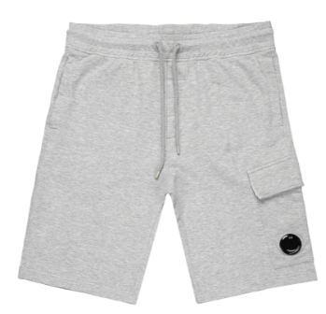 | MAN | 14CMSB021A002246G | SWEATBERMUDA - CARGO | 999 | BLACK | 100% CO | 6103420000 | EU | Italy | 33 |  |  |  |  |  |  |  |  |  |  | 33 |  |  |  |  |  | € 84.00 | € 2,772.00 | € 56.70 | € 1,871.10 | £50.18 | £1,655.84
 | MAN | 14CMSB021A002246G | SWEATBERMUDA - CARGO | M93 | GREY MELANGE | 100% CO | 6103420000 | EU | Italy | 65 |  |  |  |  |  |  |  |  |  |  | 21 | 44 |  |  |  |  | € 84.00 | € 5,460.00 | € 56.70 | € 3,685.50 | £50.18 | £3,261.50
 | MAN | 14CMSP017A005086W | SWEATPANTS - CARGO PANT | M93 | GREY MELANGE | 100% CO | 6103420000 | NO PREF | Myanmar | 17 |  |  |  |  |  |  |  |  |  | 8 | 9 |  |  |  |  |  | € 94.00 | € 1,598.00 | € 63.45 | € 1,078.65 | £56.15 | £954.56
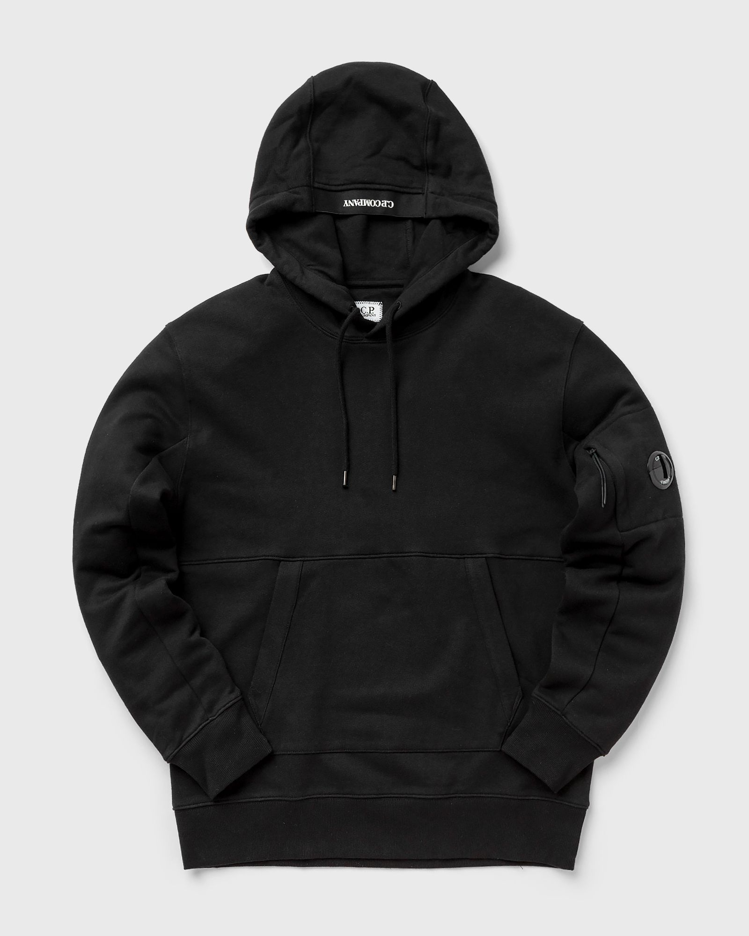

 | MAN | 14CMSS023A005086W | SWEATSHIRTS - SWEAT HOODED | 683 | IVY GREEN | 100% CO | 6110209100 | EU | Greece | 28 |  |  |  |  |  |  |  |  |  |  | 13 | 15 |  |  |  |  | € 115.00 | € 3,220.00 | € 77.63 | € 2,173.50 | £68.69 | £1,923.45
 |  |  |  |  |  |  |  |  |  | 0
 | MAN | 14CMSS023A005086W | SWEATSHIRTS - SWEAT HOODED | 888 | TOTAL ECLIPSE | 100% CO | 6110209100 | EU | Greece | 72 |  |  |  |  |  |  |  |  |  | 4 | 17 | 51 |  |  |  |  | € 115.00 | € 8,280.00 | € 77.63 | € 5,589.00 | £68.69 | £4,946.02

 | MAN | 14CMSS023A005086W | SWEATSHIRTS - SWEAT HOODED | 999 | BLACK | 100% CO | 6110209100 | EU | Greece | 440 |  |  |  |  |  |  |  |  |  | 26 | 174 | 240 |  |  |  |  | € 115.00 | € 50,600.00 | € 77.63 | € 34,155.00 | £68.69 | £30,225.66
 |  |  |  |  |  |  |  |  |  | 0
 | MAN | 14CMSS023A005086W | SWEATSHIRTS - SWEAT HOODED | M93 | GREY MELANGE | 100% CO | 6110209100 | EU | Greece | 35 |  |  |  |  |  |  |  |  |  | 6 | 8 | 10 | 6 | 5 |  |  | € 115.00 | € 4,025.00 | € 77.63 | € 2,716.88 | £68.69 | £2,404.31

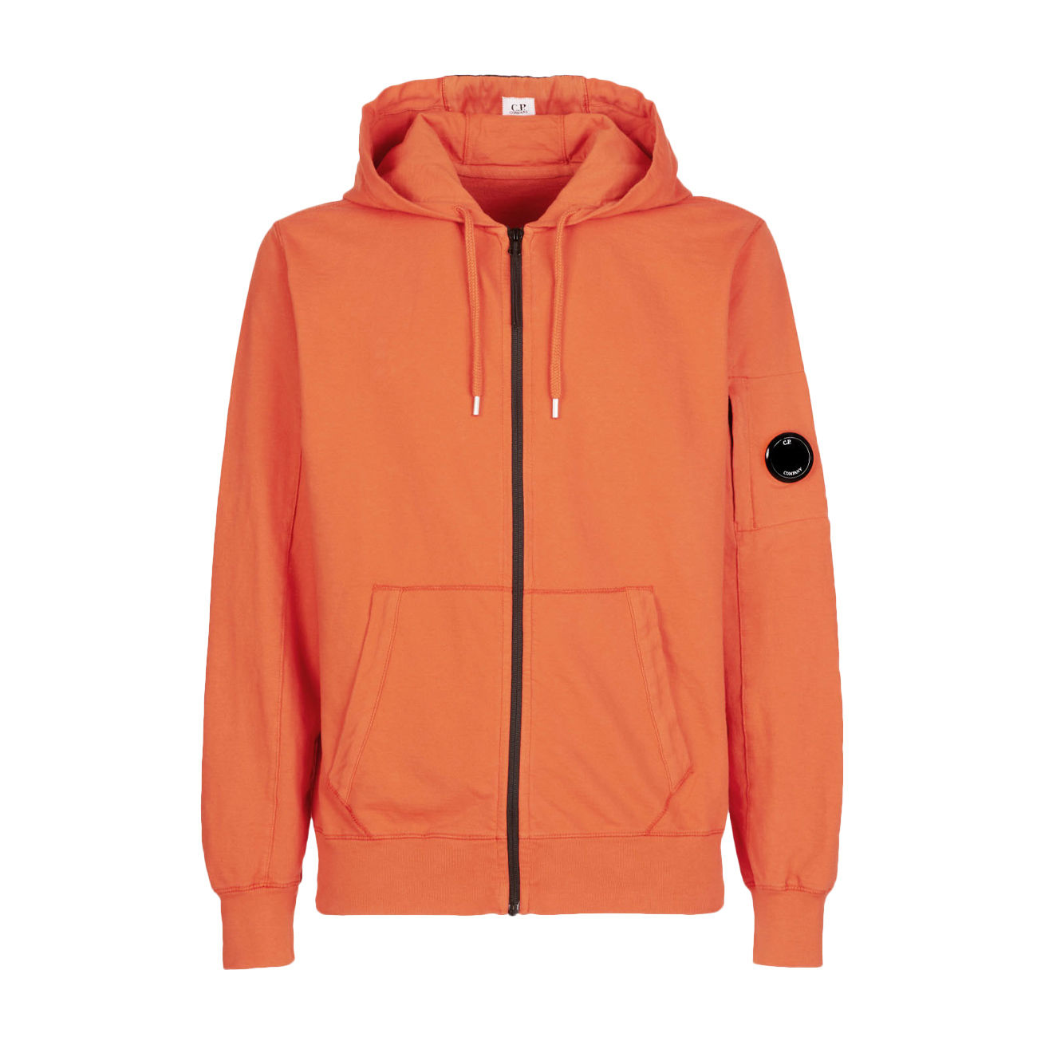 | MAN | 14CMSS034A002246G | SWEATSHIRTS - HOODED OPEN | 103 | GAUZE WHITE | 100% CO | 6110209100 | EU | Italy | 9 |  |  |  |  |  |  |  |  |  | 6 | 3 |  |  |  |  |  | € 116.00 | € 1,044.00 | € 78.30 | € 704.70 | £69.29 | £623.63
 |  |  |  |  |  |  |  |  |  | 981 |  |  |  |  |  |  |  |  |  |  |  |  |  |  |  |  |  | € 110,015.00 |  | € 74,260.13 |  | £65,716.92

