OFFER
REF
NAME*
COMPANY NAME
DATE*
SALES REP*
EMAIL*
PHONE #*
PAYMENT CURRENCY (€/£)*
BILLING ADDRESS*
ORDER NUMBER
PRE/IN HAND
DELIVERY TYPE

BRAND | PIC | CATEGORY | CODE | DESCRIPTION | COLOUR | COMPOSITION | C.O.O | QTY | MOQ | RRP € | RRP TOT € | COST € | COST TOT € | COST £ | COST TOT £
GUCCI | 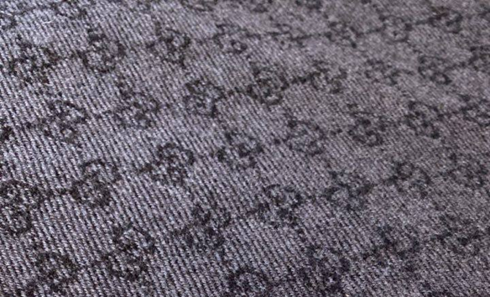 | SCARF | 3G200411115 | 180x50 SCARVES SMALL GG | GREY/CHARCOAL | 100% WOOL | ITALY | 275 | 200 | € 365.00 | € 100,375.00 | € 94.00 | € 25,850.00 | £83.19 | £22,876.11
GUCCI | 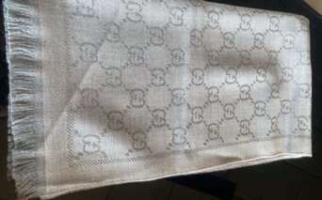 | SCARF | 3G200411115 | 180x50 SCARVES SMALL GG | BEIGE/SILVER | 100% WOOL | ITALY | 275 | 200 | € 365.00 | € 100,375.00 | € 94.00 | € 25,850.00 | £83.19 | £22,876.11
GUCCI | 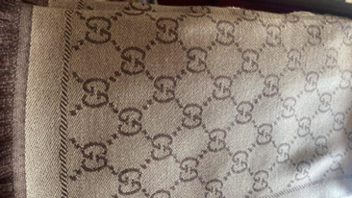 | SCARF | 3G200411115 | 180x50 SCARVES SMALL GG | GOLD/CHOC | 100% WOOL | ITALY | 275 | 200 | € 365.00 | € 100,375.00 | € 94.00 | € 25,850.00 | £83.19 | £22,876.11
GUCCI | 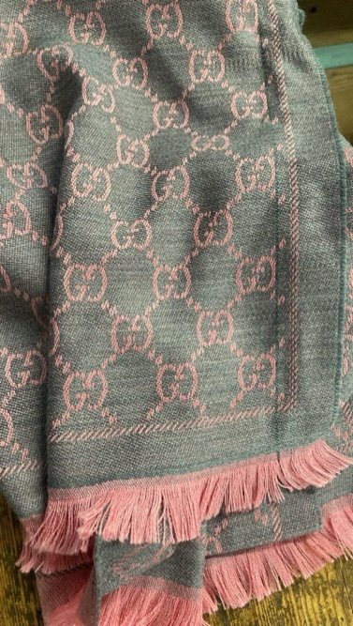 | SCARF | 3G200411115 | 180x50 SCARVES SMALL GG | GREY/PINK | 100% WOOL | ITALY | 275 | 200 | € 365.00 | € 100,375.00 | € 94.00 | € 25,850.00 | £83.19 | £22,876.11
GUCCI | 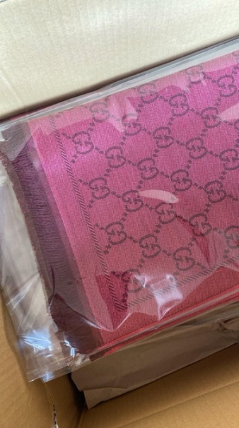 | SCARF | 3G200411115 | 180x50 SCARVES SMALL GG | PINK/WINE | 100% WOOL | ITALY | 275 | 200 | € 365.00 | € 100,375.00 | € 94.00 | € 25,850.00 | £83.19 | £22,876.11
GUCCI | 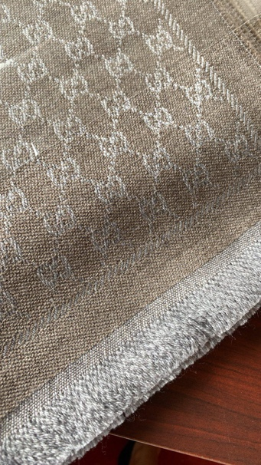 | SCARF | 3G200411115 | 180x50 SCARVES SMALL GG | BRN/BEIGE | 100% WOOL | ITALY | 275 | 200 | € 365.00 | € 100,375.00 | € 94.00 | € 25,850.00 | £83.19 | £22,876.11
 |  |  |  |  |  |  |  | 1650 |  |  | € 602,250.00 |  | € 155,100.00 |  | £137,256.64

