OFFER
REF
NAME*
COMPANY NAME
DATE*
SALES REP*
EMAIL*
PHONE #*
PAYMENT CURRENCY (€/£)*
BILLING ADDRESS*
ORDER NUMBER
PRE/IN HAND
DELIVERY TYPE

IMAGE | BRAND | GENDER | MICRO CATEGORY* | FULL CODE | STYLE CODE | MATERIAL CODE | MATERIAL DESCRIPTION | COLOR | COLOR DESCRIPTION | HEEL | YEAR | SEASON | 34 | 34.5 | 35 | 35.5 | 36 | 36.5 | 37 | 37.5 | 38 | 38.5 | 39 | 39.5 | 40 | 40.5 | 41 | 41.5 | 42 | QTY | WHLS PRICE | WHLS VALUE | RRP € | RRP TOT € | COST € | COST TOT € | COST £ | COST TOT £
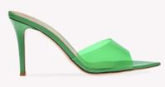 | Gianvito Rossi | Women | SLIP ON | G11050-GSV-GREG | G11050 | GSV | GLASS+VERNICE | GREG | GREEN+GREEN | 85RIC | 2024 | FALL WINTER |  |  |  | 1 |  |  |  |  |  |  |  |  |  |  |  |  |  | 1 | 230.00 € | 230.00 € | € 621.00 | € 621.00 | € 95.68 | € 95.68 | £85.43 | £85.43
 | Gianvito Rossi | Women | FLAT SANDAL | G11440-MET-ARGE | G11440 | MET | METAL | ARGE | SILVER | 05CUO | 2024 | FALL WINTER |  | 1 |  |  |  |  |  |  |  |  |  |  |  |  |  |  |  | 1 | 219.00 € | 219.00 € | € 591.30 | € 591.30 | € 91.10 | € 91.10 | £81.34 | £81.34
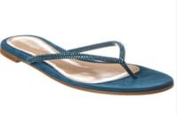 | Gianvito Rossi | Women | THONG | G13250-CAM-PERI | G13250 | CAM | CAMOSCIO | PERI | PERSIAN | 05CUO | 2024 | FALL WINTER |  |  | 1 |  |  |  | 1 |  |  |  |  |  |  |  |  |  |  | 2 | 293.00 € | 586.00 € | € 791.10 | € 1,582.20 | € 121.89 | € 243.78 | £108.83 | £217.66
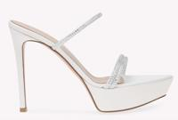 | Gianvito Rossi | Women | SANDALS | G16140-XCN-BIBI | G16140 | XCN | CAM+NAP | BIBI | WHITE+WHITE | 85RIC | 2024 | SPRING SUMMER |  |  |  |  | 2 |  |  |  | 1 | 1 | 1 | 1 | 1 | 1 | 1 |  | 1 | 10 | 404.00 € | 4,040.00 € | € 1,090.80 | € 10,908.00 | € 168.06 | € 1,680.64 | £150.06 | £1,500.57
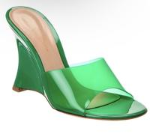 | Gianvito Rossi | Women | WEDGE SANDAL | G16210-GSV-GREG | G16210 | GSV | GLASS+VERNICE | GREG | GREEN+GREEN | 95LAC | 2024 | SPRING SUMMER |  | 1 |  |  |  |  |  |  |  |  |  |  | 1 |  |  |  |  | 2 | 241.00 € | 482.00 € | € 650.70 | € 1,301.40 | € 100.26 | € 200.51 | £89.51 | £179.03
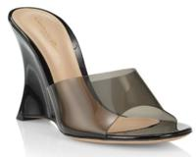 | Gianvito Rossi | Women | WEDGE SANDAL | G16210-GSV-FUNE | G16210 | GSV | GLASS+VERNICE | FUNE | FUME'+BLACK | 95RIC | 2024 | FALL WINTER |  |  |  |  | 1 |  |  |  |  |  |  |  |  |  |  |  |  | 1 | 241.00 € | 241.00 € | € 650.70 | € 650.70 | € 100.26 | € 100.26 | £89.51 | £89.51
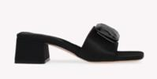 | Gianvito Rossi | Women | SANDALS | G16350-RAS-NERO | G16350 | RAS | RASO | NERO | BLACK | 45RIC | 2024 | FALL WINTER |  |  |  |  | 1 |  |  |  |  |  |  |  |  |  |  |  |  | 1 | 352.00 € | 352.00 € | € 950.40 | € 950.40 | € 146.43 | € 146.43 | £130.74 | £130.74
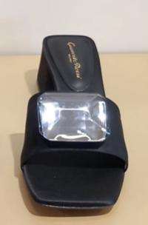 | Gianvito Rossi | Women | SANDALS | G16350-VER-NERO | G16350 | VER | VERNICE | NERO | BLACK | 45RIC | 2024 | SPRING SUMMER |  |  |  |  | 1 |  |  |  |  |  |  |  |  |  |  |  |  | 1 | 352.00 € | 352.00 € | € 950.40 | € 950.40 | € 146.43 | € 146.43 | £130.74 | £130.74
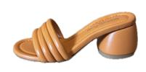 | Gianvito Rossi | Women | SANDALS | G16510-NAP-MANG | G16510 | NAP | NAPPA | MANG | MANGO | 60RIC | 2023 | SPRING SUMMER | 1 |  |  |  |  |  |  |  |  |  |  |  |  |  |  |  |  | 1 | 241.00 € | 241.00 € | € 650.70 | € 650.70 | € 100.26 | € 100.26 | £89.51 | £89.51
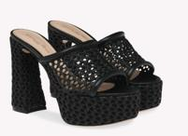 | Gianvito Rossi | Women | PLATFORM SANDAL | G16740-MCA-NENE | G16740 | MCA | MAIORCA+NAPPA | NENE | BLACK+BLACK | 70RIC | 2024 | SPRING SUMMER |  |  |  |  |  |  |  |  | 2 |  |  |  | 3 |  | 2 |  | 1 | 8 | 315.00 € | 2,520.00 € | € 850.50 | € 6,804.00 | € 131.04 | € 1,048.32 | £117.00 | £936.00
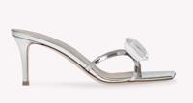 | Gianvito Rossi | Women | SANDALS | G16780-MET-HOLO | G16780 | MET | METAL | HOLO | HOLOGRAM | 70RIC | 2023 | SPRING SUMMER |  |  |  |  |  |  |  |  |  |  |  |  | 1 |  |  |  |  | 1 | 352.00 € | 352.00 € | € 950.40 | € 950.40 | € 146.43 | € 146.43 | £130.74 | £130.74
 | Gianvito Rossi | Women | FLAT SANDAL | G16960-XCN-WAWA | G16960 | XCN | SHOES CAM+NAP | WAWA | WASABI+WASABI | 10GOM | 2024 | FALL WINTER |  |  |  |  |  |  |  |  | 1 |  |  |  |  |  | 1 |  |  | 2 | 256.00 € | 512.00 € | € 691.20 | € 1,382.40 | € 106.50 | € 212.99 | £95.09 | £190.17
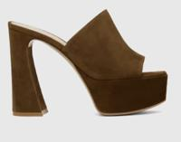 | Gianvito Rossi | Women | SANDALS | G16990-CAM-CAML | G16990 | CAM | CAMOSCIO | CAML | CAMEL | 70RIC | 2025 | FALL WINTER |  |  |  |  |  |  |  |  |  |  |  |  |  |  |  |  | 1 | 1 | 278.00 € | 278.00 € | € 750.60 | € 750.60 | € 115.65 | € 115.65 | £103.26 | £103.26
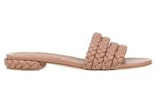 | Gianvito Rossi | Women | FLAT SANDAL | G17060-NAP-PRAL | G17060 | NAP | NAPPA | PRAL | PRALINE | 20RIC | 2024 | SPRING SUMMER |  |  | 1 |  |  |  |  |  |  |  |  |  |  |  |  |  |  | 1 | 256.00 € | 256.00 € | € 691.20 | € 691.20 | € 106.50 | € 106.50 | £95.09 | £95.09
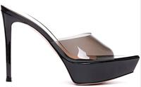 | Gianvito Rossi | Women | SLIP ON | G17240-GSV-FUNE | G17240 | GSV | GLASS+VERNICE | FUNE | FUME'+BLACK | 85RIC | 2024 | FALL WINTER |  |  |  | 2 |  | 2 |  |  |  | 1 |  | 5 | 3 | 6 | 3 | 3 | 4 | 29 | 293.00 € | 8,497.00 € | € 791.10 | € 22,941.90 | € 121.89 | € 3,534.75 | £108.83 | £3,156.03
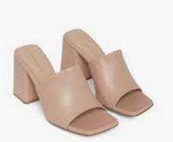 | Gianvito Rossi | Women | SANDALS | G17520-NAP-PEAH | G17520 | NAP | NAPPA | PEAH | PEACH | 85RIC | 2023 | FALL WINTER | 1 |  |  |  |  |  |  |  |  |  |  |  |  |  |  |  |  | 1 | 230.00 € | 230.00 € | € 621.00 | € 621.00 | € 95.68 | € 95.68 | £85.43 | £85.43
 | Gianvito Rossi | Women | SANDALS | G18380-NAP-CUOI | G18380 | NAP | NAPPA | CUOI | CUOIO | 55RIC | 2024 | FALL WINTER | 1 |  |  |  |  |  |  |  |  |  |  |  |  |  |  |  |  | 1 | 219.00 € | 219.00 € | € 591.30 | € 591.30 | € 91.10 | € 91.10 | £81.34 | £81.34
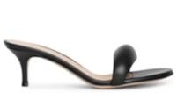 | Gianvito Rossi | Women | SANDALS | G18380-NAP-NERO | G18380 | NAP | NAPPA | NERO | BLACK | 55RIC | 2024 | FALL WINTER | 1 |  |  |  |  |  |  |  |  |  |  |  |  |  |  |  |  | 1 | 256.00 € | 256.00 € | € 691.20 | € 691.20 | € 106.50 | € 106.50 | £95.09 | £95.09
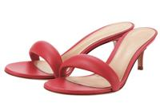 | Gianvito Rossi | Women | SANDALS | G18380-NAP-RURO | G18380 | NAP | NAPPA | RURO | RUBYROSE | 55RIC | 2023 | FALL WINTER | 1 |  |  |  |  |  |  |  |  |  |  |  |  |  |  |  |  | 1 | 219.00 € | 219.00 € | € 591.30 | € 591.30 | € 91.10 | € 91.10 | £81.34 | £81.34
 | Gianvito Rossi | Women | SANDALS | G19060-NAP-MALE | G19060 | NAP | NAPPA | MALE | MALE' | 70RIC | 2024 | FALL WINTER |  |  |  | 1 |  |  |  |  |  |  |  |  |  |  |  |  |  | 1 | 219.00 € | 219.00 € | € 591.30 | € 591.30 | € 91.10 | € 91.10 | £81.34 | £81.34
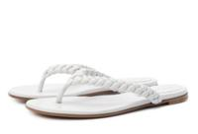 | Gianvito Rossi | Women | FLAT SANDAL | G19130-NAP-BIAN | G19130 | NAP | NAPPA | BIAN | WHITE | 05CUO | 2024 | FALL WINTER | 1 |  |  |  |  |  |  |  |  |  |  |  |  |  |  |  |  | 1 | 256.00 € | 256.00 € | € 691.20 | € 691.20 | € 106.50 | € 106.50 | £95.09 | £95.09
 | Gianvito Rossi | Women | PUMP | G20140-CZX-TZPT | G20140 | CZX | CAMOSCIO ZEBRA PRINT+PLEX | TZPT | TEXAS ZEBRA PRINT+TRASP | 15RIC | 2023 | SPRING SUMMER |  |  |  |  |  |  | 1 |  |  |  |  |  |  |  |  |  |  | 1 | 230.00 € | 230.00 € | € 621.00 | € 621.00 | € 95.68 | € 95.68 | £85.43 | £85.43
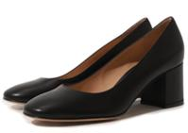 | Gianvito Rossi | Women | PUMP | G21309-VIT-NERO | G21309 | VIT | VITELLO | NERO | BLACK | 60RIC | 2023 | FALL WINTER |  |  |  |  |  |  |  | 1 |  |  |  |  |  |  |  |  |  | 1 | 256.00 € | 256.00 € | € 691.20 | € 691.20 | € 106.50 | € 106.50 | £95.09 | £95.09
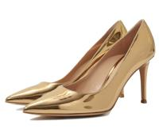 Not For Color | Gianvito Rossi | Women | PUMP | G24580-MET-INDI | G24580 | MET | METAL | INDI | INDIGO | 85RIC | 2024 | SPRING SUMMER |  |  |  |  |  |  |  |  |  |  | 1 |  |  |  |  |  |  | 1 | 233.00 € | 233.00 € | € 629.10 | € 629.10 | € 96.93 | € 96.93 | £86.54 | £86.54
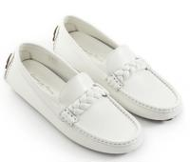 | Gianvito Rossi | Women | MOCASSIN | G25212-VGI-BIAN | G25212 | VGI | VITELLO GLOVE | BIAN | WHITE | 10GOM | 2023 | SPRING SUMMER |  |  |  |  |  |  |  |  | 1 |  |  |  |  |  |  |  |  | 1 | 256.00 € | 256.00 € | € 691.20 | € 691.20 | € 106.50 | € 106.50 | £95.09 | £95.09
 | Gianvito Rossi | Women | SHOES | G25215-SRA-MOUS | G25215 | SRA | SMART | MOUS | MOUSSE | 20GOM | 2024 | SPRING SUMMER |  |  |  |  |  |  |  | 2 | 3 | 1 | 3 |  |  |  |  |  |  | 9 | 241.00 € | 2,169.00 € | € 650.70 | € 5,856.30 | € 100.26 | € 902.30 | £89.51 | £805.63
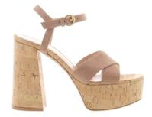 | Gianvito Rossi | Women | PLATFORM SANDAL | G31522-CAM-SARC | G31522 | CAM | CAMOSCIO | SARC | SAHARA+ROYALE+CRIMSON | 70RIC | 2023 | SPRING SUMMER |  |  |  |  | 1 |  |  |  |  |  |  |  |  |  |  |  |  | 1 | 278.00 € | 278.00 € | € 750.60 | € 750.60 | € 115.65 | € 115.65 | £103.26 | £103.26
 | Gianvito Rossi | Women | SANDALS | G31548-PLC-FUNE | G31548 | PLC | PLEXI+CAMOSCIO | FUNE | FUME'+BLACK | 15RIC | 2023 | SPRING SUMMER |  |  |  |  |  |  | 2 |  |  |  |  |  |  |  |  |  |  | 2 | 367.00 € | 734.00 € | € 990.90 | € 1,981.80 | € 152.67 | € 305.34 | £136.31 | £272.63
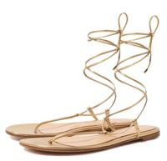 | Gianvito Rossi | Women | FLAT SANDAL | G31714-NPS-MEKO | G31714 | NPS | NAPPA SILK | MEKO | MEKONG | 05CUO | 2023 | FALL WINTER |  |  |  |  |  |  |  |  |  |  |  |  |  |  |  |  | 1 | 1 | 256.00 € | 256.00 € | € 691.20 | € 691.20 | € 106.50 | € 106.50 | £95.09 | £95.09
 | Gianvito Rossi | Women | SANDALS | G32114-MET-ARGE | G32114 | MET | METAL | ARGE | SILVER | 15RIC | 2024 | FALL WINTER |  |  |  |  |  | 1 |  |  |  |  |  |  |  |  |  |  |  | 1 | 278.00 € | 278.00 € | € 750.60 | € 750.60 | € 115.65 | € 115.65 | £103.26 | £103.26
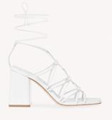 | Gianvito Rossi | Women | SANDALS | G32145-NAP-BIAN | G32145 | NAP | NAPPA | BIAN | WHITE | 85RIC | 2024 | SPRING SUMMER |  | 1 |  |  |  |  |  |  |  |  |  |  |  |  |  | 1 |  | 2 | 256.00 € | 512.00 € | € 691.20 | € 1,382.40 | € 106.50 | € 212.99 | £95.09 | £190.17
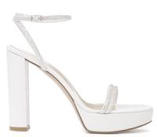 | Gianvito Rossi | Women | SANDALS | G32161-XCN-BIBI | G32161 | XCN | CAM+NAP | BIBI | WHITE+WHITE | 85RIC | 2023 | SPRING SUMMER |  |  |  |  |  |  |  |  |  |  |  |  |  |  | 1 | 1 |  | 2 | 441.00 € | 882.00 € | € 1,190.70 | € 2,381.40 | € 183.46 | € 366.91 | £163.80 | £327.60
 | Gianvito Rossi | Women | SANDALS | G32174-MET-BLOO | G32174 | MET | METAL | BLOO | BLOOM | 95CRO | 2024 | SPRING SUMMER |  |  |  |  | 2 | 2 | 3 | 4 | 12 |  |  |  |  |  |  |  |  | 23 | 352.00 € | 8,096.00 € | € 950.40 | € 21,859.20 | € 146.43 | € 3,367.94 | £130.74 | £3,007.09
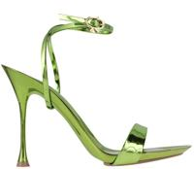 | Gianvito Rossi | Women | SANDALS | G32174-MET-KIWI | G32174 | MET | METAL | KIWI | KIWI | 95CRO | 2024 | FALL WINTER |  |  |  |  | 2 | 1 | 9 | 7 | 12 | 4 | 5 | 1 |  |  |  |  | 1 | 42 | 352.00 € | 14,784.00 € | € 950.40 | € 39,916.80 | € 146.43 | € 6,150.14 | £130.74 | £5,491.20
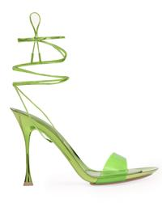 | Gianvito Rossi | Women | SANDALS | G32187-GNK-KWKW | G32187 | GNK | GLASS+NAPPA SILK | KWKW | KIWI+KIWI | 95CRO | 2024 | SPRING SUMMER |  |  | 1 | 2 | 3 |  | 1 |  |  |  | 3 |  | 2 | 3 | 4 | 1 |  | 20 | 293.00 € | 5,860.00 € | € 791.10 | € 15,822.00 | € 121.89 | € 2,437.76 | £108.83 | £2,176.57
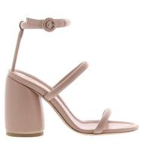 | Gianvito Rossi | Women | SANDALS | G32242-NAP-PEAH | G32242 | NAP | NAPPA | PEAH | PEACH | 95RIC | 2024 | SPRING SUMMER |  |  |  |  | 1 |  |  |  |  |  |  |  |  |  |  |  |  | 1 | 267.00 € | 267.00 € | € 720.90 | € 720.90 | € 111.07 | € 111.07 | £99.17 | £99.17
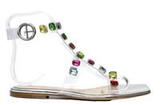 | Gianvito Rossi | Women | FLAT SANDAL | G32243-GME-TSIM | G32243 | GME | GLASS+METAL | TSIM | TRASP+SILVER+MULTICOLOR | 05CUO | 2024 | FALL WINTER |  |  | 1 |  | 1 |  |  |  |  |  |  |  |  |  |  |  |  | 2 | 537.00 € | 1,074.00 € | € 1,449.90 | € 2,899.80 | € 223.39 | € 446.78 | £199.46 | £398.91
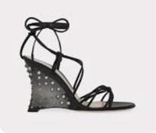 | Gianvito Rossi | Women | SANDALS | G32309-NAP-NERO | G32309 | NAP | NAPPA | NERO | BLACK | 95PLE | 2023 | FALL WINTER |  |  |  | 1 | 1 | 3 | 3 | 3 | 2 | 1 | 1 |  |  |  |  |  |  | 15 | 556.00 € | 8,340.00 € | € 1,501.20 | € 22,518.00 | € 231.30 | € 3,469.44 | £206.51 | £3,097.71
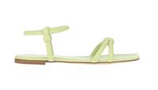 | Gianvito Rossi | Women | SANDALS | G32324-NAP-WASA | G32324 | NAP | NAPPA | WASA | WASABI | 05CUO | 2024 | SPRING SUMMER |  |  |  |  |  |  | 1 | 1 |  |  |  |  |  |  |  |  |  | 2 | 256.00 € | 512.00 € | € 691.20 | € 1,382.40 | € 106.50 | € 212.99 | £95.09 | £190.17
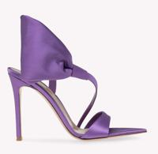 | Gianvito Rossi | Women | SHOES | G32369-RAS-FREE | G32369 | RAS | RASO | FREE | FREESIA | 15RIC | 2024 | SPRING SUMMER |  |  |  |  |  |  |  |  | 1 | 1 |  | 1 | 2 | 1 |  |  |  | 6 | 367.00 € | 2,202.00 € | € 990.90 | € 5,945.40 | € 152.67 | € 916.03 | £136.31 | £817.89
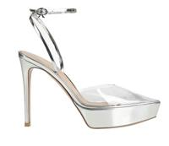 | Gianvito Rossi | Women | PUMP | G40319-PLM-TRAR | G40319 | PLM | PLEXI+METAL | TRAR | TRASP+SILVER | 85RIC | 2024 | FALL WINTER |  |  |  |  |  |  |  |  |  |  |  |  |  | 1 |  |  |  | 1 | 293.00 € | 293.00 € | € 791.10 | € 791.10 | € 121.89 | € 121.89 | £108.83 | £108.83
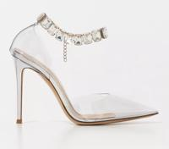 | Gianvito Rossi | Women | PUMP | G40321-PLM-TRAR | G40321 | PLM | PLEXI+METAL | TRAR | TRASP+SILVER | 15RIC | 2023 | SPRING SUMMER |  |  |  |  |  |  | 1 |  |  |  |  |  |  |  |  |  |  | 1 | 352.00 € | 352.00 € | € 950.40 | € 950.40 | € 146.43 | € 146.43 | £130.74 | £130.74
 | Gianvito Rossi | Women | PLATFORM SHOES | G40389-CAM-SINN | G40389 | CAM | CAMOSCIO | SINN | SIENNA | 70RIC | 2023 | SPRING SUMMER |  |  |  |  |  | 1 |  |  |  |  |  |  |  |  | 1 |  |  | 2 | 330.00 € | 660.00 € | € 891.00 | € 1,782.00 | € 137.28 | € 274.56 | £122.57 | £245.14
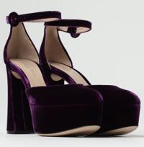 | Gianvito Rossi | Women | PLATFORM SHOES | G40389-VEL-PURP | G40389 | VEL | VELLUTO | PURP | PURPLE | 70RIC | 2024 | SPRING SUMMER |  |  |  |  |  |  |  |  |  |  | 2 | 3 | 1 | 1 |  | 2 |  | 9 | 330.00 € | 2,970.00 € | € 891.00 | € 8,019.00 | € 137.28 | € 1,235.52 | £122.57 | £1,103.14
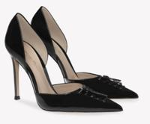 Not For Color | Gianvito Rossi | Women | PUMP | G40391-VER-PEAH | G40391 | VER | VERNICE | PEAH | PEACH | 15RIC | 2023 | SPRING SUMMER |  |  |  |  | 1 |  |  |  |  |  |  |  |  |  |  |  |  | 1 | 315.00 € | 315.00 € | € 850.50 | € 850.50 | € 131.04 | € 131.04 | £117.00 | £117.00
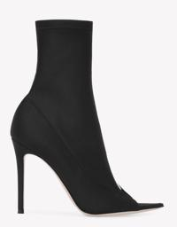 | Gianvito Rossi | Women | BOOTS | G50616-LYG-NETR | G50616 | LYG | LYCRA+GLASS | NETR | BLACK+TRASP | 15RIC | 2024 | SPRING SUMMER |  |  | 1 | 2 | 7 | 1 | 10 | 1 | 1 | 3 | 10 | 9 | 7 | 7 | 8 | 5 | 7 | 79 | 367.00 € | 28,993.00 € | € 990.90 | € 78,281.10 | € 152.67 | € 12,061.09 | £136.31 | £10,768.83
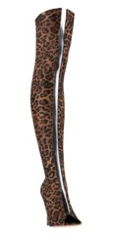 | Gianvito Rossi | Women | BOOTS | G50617-LPG-LEPT | G50617 | LPG | LYCRA | LEPT | LEOPARD PRINT+GLASSLEOPARD | 15RIC | 2023 | SPRING SUMMER |  |  |  |  | 1 | 1 | 1 |  |  |  | 2 | 2 | 1 |  | 1 | 1 |  | 10 | 478.00 € | 4,780.00 € | € 1,290.60 | € 12,906.00 | € 198.85 | € 1,988.48 | £177.54 | £1,775.43
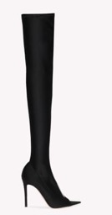 | Gianvito Rossi | Women | BOOTS | G50617-LYG-NETR | G50617 | LYG | LYCRA+GLASS | NETR | BLACK+TRASP | 15RIC | 2023 | FALL WINTER |  |  |  |  | 10 | 1 | 2 |  | 7 | 3 | 6 |  | 1 |  | 1 |  | 1 | 32 | 552.00 € | 17,664.00 € | € 1,490.40 | € 47,692.80 | € 229.63 | € 7,348.22 | £205.03 | £6,560.91
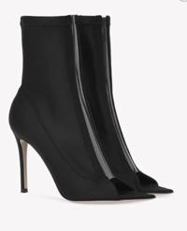 Not For Color | Gianvito Rossi | Women | ANKLE BOOTS | G50621-LYG-CUTR | G50621 | LYG | LYCRA+GLASS | CUTR | CUOIO+TRASP | 85RIC | 2023 | SPRING SUMMER |  |  |  | 1 | 1 |  |  | 1 | 1 | 1 |  | 1 | 1 | 1 | 1 |  |  | 9 | 367.00 € | 3,303.00 € | € 990.90 | € 8,918.10 | € 152.67 | € 1,374.05 | £136.31 | £1,226.83
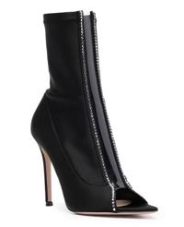 | Gianvito Rossi | Women | BOOTS | G50622-LYG-NETR | G50622 | LYG | LYCRA+GLASS | NETR | BLACK+TRASP | 15RIC | 2023 | SPRING SUMMER |  |  |  |  | 2 | 1 |  |  | 1 |  | 1 |  |  |  |  |  |  | 5 | 478.00 € | 2,390.00 € | € 1,290.60 | € 6,453.00 | € 198.85 | € 994.24 | £177.54 | £887.71
 | Gianvito Rossi | Women | BOOTS | G50623-LYG-NETR | G50623 | LYG | LYCRA+GLASS | NETR | BLACK+TRASP | 15RIC | 2024 | SPRING SUMMER |  |  |  |  |  |  | 1 | 2 |  | 2 |  | 1 |  |  | 1 | 1 |  | 8 | 552.00 € | 4,416.00 € | € 1,490.40 | € 11,923.20 | € 229.63 | € 1,837.06 | £205.03 | £1,640.23
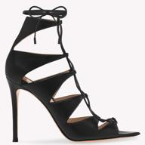 | Gianvito Rossi | Women | SANDALS | G50632-NAP-NERO | G50632 | NAP | SHOES NAPPA | NERO | BLACK | 15RIC | 2023 | FALL WINTER |  |  |  |  |  |  |  |  | 1 |  |  |  |  |  |  |  |  | 1 | 367.00 € | 367.00 € | € 990.90 | € 990.90 | € 152.67 | € 152.67 | £136.31 | £136.31
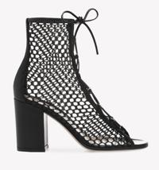 | Gianvito Rossi | Women | SANDALS | G50699-VIG-NENE | G50699 | VIG | SHOES VITELLO+GIGLIO | NENE | BLACK+BLACK | 85RIC | 2023 | SPRING SUMMER |  |  |  |  |  |  |  |  |  |  |  |  |  |  |  |  | 1 | 1 | 315.00 € | 315.00 € | € 850.50 | € 850.50 | € 131.04 | € 131.04 | £117.00 | £117.00
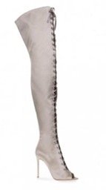 Not For Color | Gianvito Rossi | Women | BOOTS | G50896-RAS-MIRT | G50896 | RAS | RASO | MIRT | MIRTH | 15RIC | 2023 | FALL WINTER |  |  |  |  | 1 |  | 1 |  | 1 |  | 1 |  | 1 |  |  |  |  | 5 | 628.00 € | 3,140.00 € | € 1,695.60 | € 8,478.00 | € 261.25 | € 1,306.24 | £233.26 | £1,166.29
 | Gianvito Rossi | Women | SANDALS | G61531-NAP-PEAH | G61531 | NAP | NAPPA | PEAH | PEACH | 15RIC | 2023 | SPRING SUMMER |  |  |  |  |  |  |  |  |  |  |  |  |  |  |  |  | 1 | 1 | 293.00 € | 293.00 € | € 791.10 | € 791.10 | € 121.89 | € 121.89 | £108.83 | £108.83
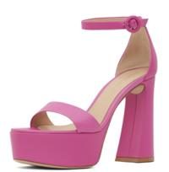 | Gianvito Rossi | Women | PLATFORM SANDAL | G61676-NAP-CMEL | G61676 | NAP | NAPPA | CMEL | CAMELLIA | 70RIC | 2024 | SPRING SUMMER |  |  | 1 |  | 1 | 1 | 2 |  | 1 | 3 |  |  | 3 |  | 1 |  |  | 13 | 315.00 € | 4,095.00 € | € 850.50 | € 11,056.50 | € 131.04 | € 1,703.52 | £117.00 | £1,521.00
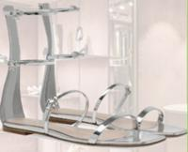 | Gianvito Rossi | Women | FLAT SANDAL | G61715-MET-ARGE | G61715 | MET | METAL | ARGE | SILVER | 05CUO | 2023 | SPRING SUMMER |  |  | 3 | 3 | 3 | 2 | 2 | 2 |  |  | 4 |  | 5 | 2 | 4 | 4 | 3 | 37 | 389.00 € | 14,393.00 € | € 1,050.30 | € 38,861.10 | € 161.82 | € 5,987.49 | £144.49 | £5,345.97
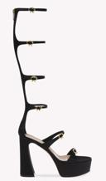 | Gianvito Rossi | Women | SANDALS | G61791-RAS-NERO | G61791 | RAS | RASO | NERO | BLACK | 70RIC | 2024 | SPRING SUMMER |  |  | 1 |  | 2 | 2 | 4 |  | 3 | 2 | 2 |  |  |  | 1 | 1 |  | 18 | 663.00 € | 11,934.00 € | € 1,790.10 | € 32,221.80 | € 275.81 | € 4,964.54 | £246.26 | £4,432.63
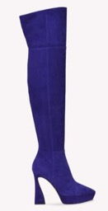 | Gianvito Rossi | Women | BOOTS | G80395-C45-INDI | G80395 | C45 | CAMOSCIO | INDI | INDIGO | 85RIC | 2024 | FALL WINTER |  |  |  |  | 1 | 1 | 2 |  | 3 |  | 1 | 1 | 3 | 1 | 1 | 1 |  | 15 | 663.00 € | 9,945.00 € | € 1,790.10 | € 26,851.50 | € 275.81 | € 4,137.12 | £246.26 | £3,693.86
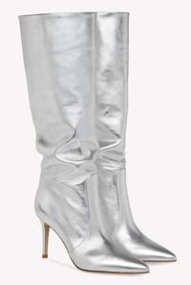 | Gianvito Rossi | Women | BOOTS | G80626-NPS-ARGE | G80626 | NPS | NAPPA SILK | ARGE | SILVER | 85RIC | 2024 | FALL WINTER |  |  | 1 |  | 1 | 1 | 2 |  | 2 | 1 |  |  |  |  |  |  |  | 8 | 626.00 € | 5,008.00 € | € 1,690.20 | € 13,521.60 | € 260.42 | € 2,083.33 | £232.51 | £1,860.11
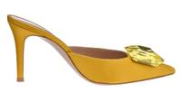 | Gianvito Rossi | Women | SLIP ON | G91370-RAS-MIMO | G91370 | RAS | SHOES RASO | MIMO | MIMOSA | 85RIC | 2023 | SPRING SUMMER |  |  |  |  |  |  |  |  |  |  |  | 1 |  |  |  |  |  | 1 | 367.00 € | 367.00 € | € 990.90 | € 990.90 | € 152.67 | € 152.67 | £136.31 | £136.31
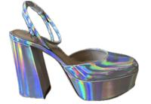 | Gianvito Rossi | Women | PLATFORM SHOES | G95384-MET-HOLO | G95384 | MET | METAL | HOLO | HOLOGRAM | 70RIC | 2024 | SPRING SUMMER |  |  |  |  |  |  | 1 |  |  |  | 1 | 1 |  |  |  |  |  | 3 | 315.00 € | 945.00 € | € 850.50 | € 2,551.50 | € 131.04 | € 393.12 | £117.00 | £351.00
 | Gianvito Rossi | Women | SLINGBACK | G95399-NPS-PRAL | G95399 | NPS | NAPPA SILK | PRAL | PRALINE | 85RIC | 2023 | SPRING SUMMER |  |  |  | 1 | 1 | 1 | 1 |  | 2 | 1 | 1 |  | 1 |  | 1 | 1 |  | 11 | 241.00 € | 2,651.00 € | € 650.70 | € 7,157.70 | € 100.26 | € 1,102.82 | £89.51 | £984.66
 | Gianvito Rossi | Women | SLINGBACK | G95428-CMD-ALLP | G95428 | CMD | CAMOSCIO | ALLP | LEOPARD PRINT ALMOND LEOPARD PRINT | 55RIC | 2023 | FALL WINTER | 1 |  |  |  |  |  |  |  |  |  |  |  |  |  |  |  |  | 1 | 389.00 € | 389.00 € | € 1,050.30 | € 1,050.30 | € 161.82 | € 161.82 | £144.49 | £144.49
 | Gianvito Rossi | Women | MOCASSIN | S25223-SUE-NAMI | S25223 | SUE | SHOES SUEDE | NAMI | NAMIB | W1WCR | 2023 | SPRING SUMMER |  |  |  |  |  |  |  |  |  |  | 1 |  |  |  |  |  |  | 1 | 265.00 € | 265.00 € | € 715.50 | € 715.50 | € 110.24 | € 110.24 | £98.43 | £98.43
 | Gianvito Rossi | Women | SANDALS | G16120-XCN-BLBC | G16120 | XCN | CAM+NAP | BLBC | BLACK+BLACK+CRYSTAL | 05CUO | 2023 | FALL WINTER |  |  |  |  |  |  |  |  |  |  |  |  |  |  | 1 |  |  | 1 | 330.00 € | 330.00 € | € 891.00 | € 891.00 | € 137.28 | € 137.28 | £122.57 | £122.57
 | Gianvito Rossi | Women | SANDALS | G16370-BUN-ARNE | G16370 | BUN | BURMA+NAPPA | ARNE | SILVER+BLACK | 95RIC | 2023 | SPRING SUMMER |  |  |  |  |  |  |  |  |  |  |  |  |  | 1 |  |  |  | 1 | 330.00 € | 330.00 € | € 891.00 | € 891.00 | € 137.28 | € 137.28 | £122.57 | £122.57
 | Gianvito Rossi | Women | PUMP | G40306-PLC-TRNE | G40306 | PLC | PLEXI+CAMOSCIO | TRNE | TRASP+BLACK | 15RIC | 2023 | FALL WINTER |  |  |  |  |  |  |  |  |  | 1 |  |  |  |  |  |  |  | 1 | 367.00 € | 367.00 € | € 990.90 | € 990.90 | € 152.67 | € 152.67 | £136.31 | £136.31
 | Gianvito Rossi | Women | SLIP ON | G91370-RAS-GREE | G91370 | RAS |  | GREE | GREEN | 85RIC | 2023 | FALL WINTER |  |  |  |  |  |  | 1 |  |  |  |  |  |  |  |  |  |  | 1 | 367.00 € | 367.00 € | € 990.90 | € 990.90 | € 152.67 | € 152.67 | £136.31 | £136.31
 | Gianvito Rossi | Women | SHOES | G40329-NAP-NERO | G40329 | NAP |  | NERO | NERO | 15RIC | 2025 | FALL WINTER |  |  |  |  |  |  |  |  |  |  |  |  |  |  |  | 1 |  | 1 | 404.00 € | 404.00 € | € 1,090.80 | € 1,090.80 | € 168.06 | € 168.06 | £150.06 | £150.06
 | GIANVITO ROSSI | WOMEN | PUMP | G40306.15RIC.PYOTPEP | G40306 | PYO |  | TPEP | RASP+PEACH+PEACH | 15RIC | 2023 | SPRING SUMMER | 1 |  |  |  |  |  | 1 | 1 | 1 | 2 | 1 |  | 1 |  |  |  |  | 8 | 367.00 € | 2,936.00 € | € 990.90 | € 7,927.20 | € 152.67 | € 1,221.38 | £136.31 | £1,090.51
 | GIANVITO ROSSI | WOMEN | SLINGBACK | G95396-PCG-TRKI | G95396 | PCG |  | TRKI | TRASP+KIWI | 15RIC | 2024 | SPRING SUMMER |  |  |  |  |  |  | 1 |  | 2 |  | 1 |  |  |  |  |  |  | 4 | 367.00 € | 1,468.00 € | € 990.90 | € 3,963.60 | € 152.67 | € 610.69 | £136.31 | £545.26
 | GIANVITO ROSSI | WOMEN | SANDALS | G17840-GUK-TRSS | G17840 | GUK |  | TRSS | SILK TRASP+SILVER+SILVER | 15RIC | 2025 | SPRING SUMMER |  |  |  |  |  |  |  |  |  |  |  |  |  |  | 1 | 1 |  | 2 | 330.00 € | 660.00 € | € 891.00 | € 1,782.00 | € 137.28 | € 274.56 | £122.57 | £245.14
 | GIANVITO ROSSI | WOMEN | PUMP | G22126-VGL-NUTR | G22126 | VGL |  | NUTR | NUDE+TRASP | 55RIC | 2024 | SPRING SUMMER |  |  | 1 |  |  |  |  |  |  |  |  |  |  |  |  |  |  | 1 | 241.00 € | 241.00 € | € 650.70 | € 650.70 | € 100.26 | € 100.26 | £89.51 | £89.51
 | GIANVITO ROSSI | WOMEN | SANDALS | G32187-GNK-TRME | G32187 | GNK |  | TRME | SILK TRASP+MEKONG | 95CRO | 2025 | SPRING SUMMER |  |  | 1 |  |  |  |  |  |  |  |  |  |  |  |  |  |  | 1 | 293.00 € | 293.00 € | € 791.10 | € 791.10 | € 121.89 | € 121.89 | £108.83 | £108.83
 | GIANVITO ROSSI | WOMEN | SANDALS | G32197-GNP-TRPH | G32197 | GNP |  | TRPH | TRASP+PEACH | 85RIC | 2024 | FALL WINTER |  | 1 | 1 |  |  |  |  |  |  |  |  |  |  |  |  |  |  | 2 | 256.00 € | 512.00 € | € 691.20 | € 1,382.40 | € 106.50 | € 212.99 | £95.09 | £190.17
 | GIANVITO ROSSI | WOMEN | PUMP | G21481-VGL-RRTR | G21481 | VGL |  | RRTR | RUBY ROSE+TRASP | 55RIC | 2023 | SPRING SUMMER |  |  |  |  |  |  |  |  | 3 |  | 1 |  | 1 |  |  |  |  | 5 | 208.00 € | 1,040.00 € | € 561.60 | € 2,808.00 | € 86.53 | € 432.64 | £77.26 | £386.29
 |  |  |  |  |  |  |  |  |  |  |  |  |  |  |  |  |  |  |  |  |  |  |  |  |  |  |  |  |  | 502 |  | 196,967.00 € |  | € 531,810.90 |  | € 81,938.27 |  | £73,159.17

