OFFER
REF
NAME*
COMPANY NAME
DATE*
SALES REP*
EMAIL*
PHONE #*
PAYMENT CURRENCY (€/£)*
BILLING ADDRESS*
ORDER NUMBER
PRE/IN HAND
DELIVERY TYPE

PICTURE | BRAND | GENDER | MACRO CATEGORY | SUB CATEGORY | SEASON | EAN CODE | PRODUCT CODE | SKU CODE | ARTICLE NAME | COLOUR | SIZE | MADE IN | COMPOSITION | QTY | RRP € | RRP TOT € | COST € | COST TOT € | COST £ | COST TOT £
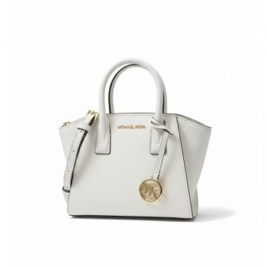 | Michael Kors | Women | Bags | Handbag | CO | 197853081031 | 35F4G4VC0L-LT CREAM | 35F4G4VC0L-LT CREAM-OS | Michael Kors Avril Structured Satchel Cream | Cream | One Size | BD | 100% COW LEATHER | 25 | € 350.00 | € 8,750.00 | € 87.50 | € 2,187.50 | £77.43 | £1,935.84
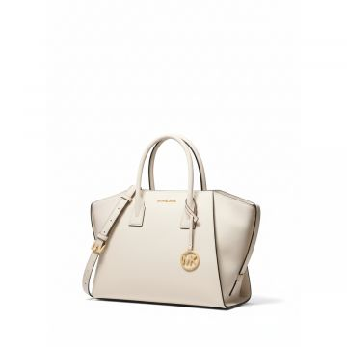 | Michael Kors | Women | Bags | Handbag | CO | 197853081437 | 35F4G4VS3L-LT CREAM | 35F4G4VS3L-LT CREAM-OS | Michael Kors Avril Leather Satchel Cream | Cream | One Size | BD | 100% COW LEATHER | 87 | € 475.00 | € 41,325.00 | € 118.75 | € 10,331.25 | £105.09 | £9,142.70
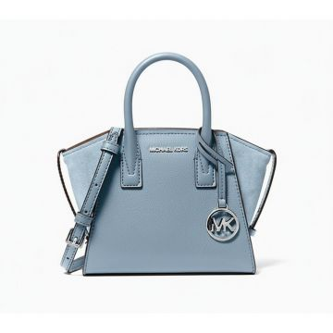 | Michael Kors | Women | Bags | Handbag | CO | 197853085183 | 35F4S4VC0L-NAVY | 35F4S4VC0L-NAVY-OS | Michael Kors Mini Saffiano Satchel Navy | NAVY | One Size | BD | 100% COW LEATHER | 1 | € 350.00 | € 350.00 | € 87.50 | € 87.50 | £77.43 | £77.43
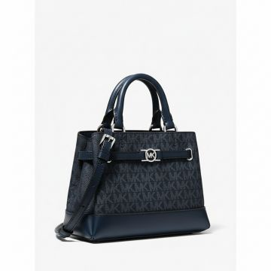 | Michael Kors | Women | Bags | Handbag | CO | 197853085664 | 35F4S6RC0B-ADMIRAL | 35F4S6RC0B-ADMIRAL-OS | Michael Kors Reed Signature Satchel Admiral Blue | Blue | One Size | BD | 74% PVC, 19% POLYEST ER, 7% POLYURETHANE | 185 | € 350.00 | € 64,750.00 | € 87.50 | € 16,187.50 | £77.43 | £14,325.22
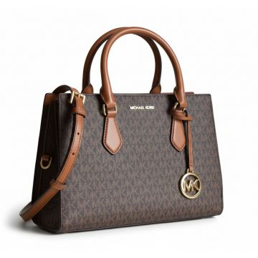 | Michael Kors | Women | Bags | Handbag | FW | 196163778389 | 35S3G6HS2B-BROWN | 35S3G6HS2B-BROWN-OS | Michael Kors Signature Logo Satchel Brown | BROWN | One Size | Cambodia | 89.4% PVC, 9.6% POLY, 1% PU | 35 | € 395.00 | € 13,825.00 | € 98.75 | € 3,456.25 | £87.39 | £3,058.63
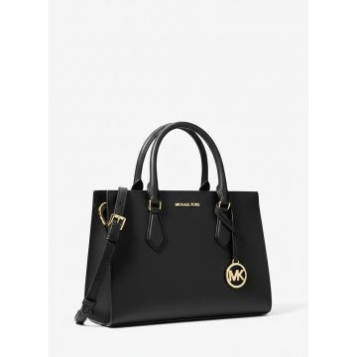 | Michael Kors | Women | Bags | Handbag | FW | 196163778464 | 35S3G6HS2L-BLACK | 35S3G6HS2L-BLACK-OS | Michael Kors Black Leather Structured Satchel Handbag | BLACK | One Size | Indonesia | 88.92% PVC, 11.08% P OLYESTER | 17 | € 395.00 | € 6,715.00 | € 98.75 | € 1,678.75 | £87.39 | £1,485.62
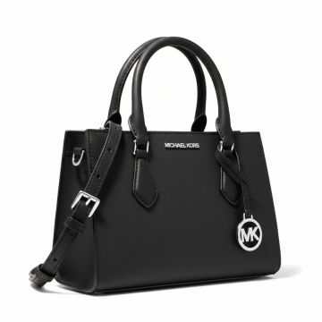 | Michael Kors | Women | Bags | Handbag | FW | 196163785837 | 35S3S6HS2L-BLACK | 35S3S6HS2L-BLACK-OS | Michael Kors Black Leather Satchel Handbag | BLACK | One Size | Cambodia | 88.92% PVC, 11.08% P OLYESTER | 18 | € 395.00 | € 7,110.00 | € 98.75 | € 1,777.50 | £87.39 | £1,573.01
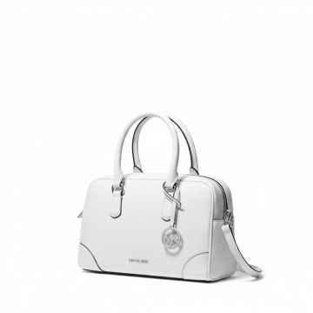 | Michael Kors | Women | Bags | Handbag | CO | 197853434066 | 35S5S7OS6L-OPTIC WHITE | 35S5S7OS6L-OPTIC WHITE-OS | Michael Kors Thompson White Leather Handbag | WHITE | One Size | BD | 100% COW LEATHER | 2 | € 495.00 | € 990.00 | € 123.75 | € 247.50 | £109.51 | £219.03
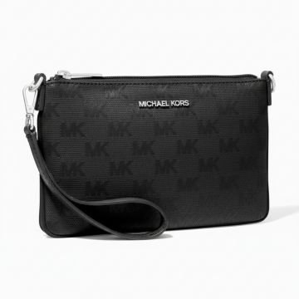 | Michael Kors | Women | Bags | Handbag | CO | 196237922236 | 35T4STVW5C-1 | 35T4STVW5C-1-OS | Michael Kors Jet Set Travel Wristlet Black | BLACK | One Size | BD | 100% NYLON | 101 | € 265.00 | € 26,765.00 | € 66.25 | € 6,691.25 | £58.63 | £5,921.46
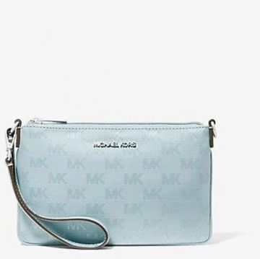 | Michael Kors | Women | Bags | Handbag | CO | 196237922250 | 35T4STVW5C-1162 | 35T4STVW5C-1162-OS | Michael Kors Jet Set Travel Wristlet Light Blue | Light Blue | One Size | BD | 100% NYLON | 41 | € 265.00 | € 10,865.00 | € 66.25 | € 2,716.25 | £58.63 | £2,403.76
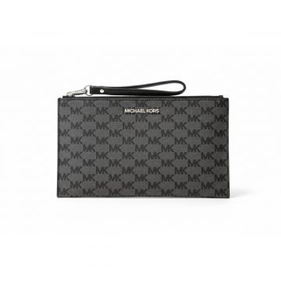 | Michael Kors | Women | Bags | Handbag | CO | 196237922243 | 35T4STVW5C-320 | 35T4STVW5C-320-OS | Michael Kors Jet Set Monogram Wristlet Lime | LIME | One Size | BD | 100% NYLON | 64 | € 265.00 | € 16,960.00 | € 66.25 | € 4,240.00 | £58.63 | £3,752.21
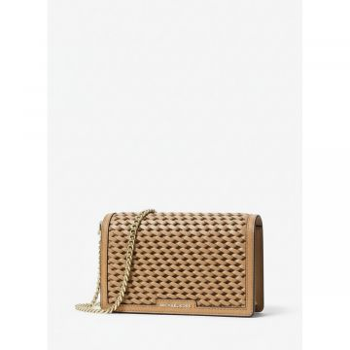 | Michael Kors | Women | Bags | Messenger & crossbody bags | CO | 196237953162 | 32T4GJ6C8L-LUGGAGE | 32T4GJ6C8L-LUGGAGE-OS | Michael Kors Jet Set Woven Crossbody Bag Brown | BROWN | One Size | IN | 100% COW LEATHER | 47 | € 275.00 | € 12,925.00 | € 68.75 | € 3,231.25 | £60.84 | £2,859.51
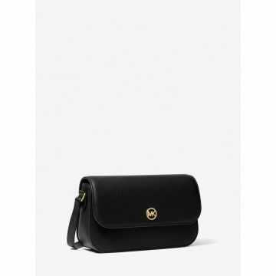 | Michael Kors | Women | Bags | Messenger & crossbody bags | CO | 197853077768 | 35F4GTVC1L-BLACK | 35F4GTVC1L-BLACK-OS | Michael Kors Jet Set Travel Crossbody Black | BLACK | One Size | KH | 100% COW LEATHER | 21 | € 295.00 | € 6,195.00 | € 73.75 | € 1,548.75 | £65.27 | £1,370.58
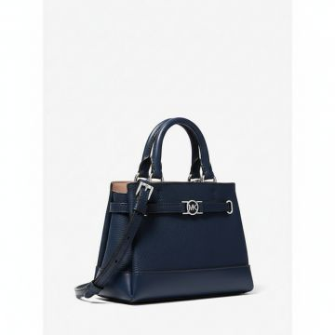 | Michael Kors | Women | Bags | Messenger & crossbody bags | CO | 197853085671 | 35F4S6RC0T-NAVY | 35F4S6RC0T-NAVY-OS | Michael Kors Reed Leather Crossbody Navy | NAVY | One Size | BD | 100% COW LEATHER | 125 | € 350.00 | € 43,750.00 | € 87.50 | € 10,937.50 | £77.43 | £9,679.20
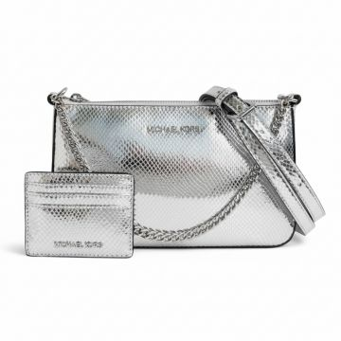 | Michael Kors | Women | Bags | Messenger & crossbody bags | CO | 197853083868 | 35F4SGZD6M-SILVER | 35F4SGZD6M-SILVER-OS | Michael Kors Snakeskin Crossbody Set Silver | SILVER | One Size | PH | TEXTILE BASE COATED IN PU | 6 | € 375.00 | € 2,250.00 | € 93.75 | € 562.50 | £82.96 | £497.79
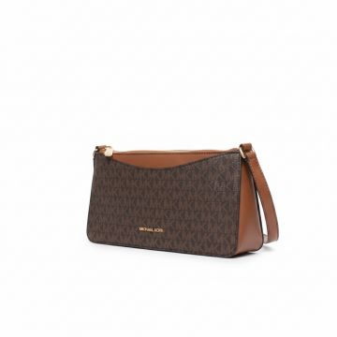 | Michael Kors | Women | Bags | Messenger & crossbody bags | FW | 197853808621 | 35F5G4XC8B-BROWN | 35F5G4XC8B-BROWN-OS | Michael Kors Arden Signature Crossbody Bag Brown | BROWN | One Size | Indonesia | 89.4% PVC, 9.6% POLY, 1% PU | 47 | € 275.00 | € 12,925.00 | € 68.75 | € 3,231.25 | £60.84 | £2,859.51
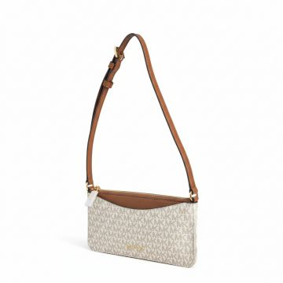 | Michael Kors | Women | Bags | Messenger & crossbody bags | FW | 197853808614 | 35F5G4XC8B-VANILLA | 35F5G4XC8B-VANILLA-OS | Michael Kors Signature Print Crossbody Bag Vanilla | VANILLA | One Size | Indonesia | 89.4% PVC, 9.6% POLY, 1% PU | 138 | € 275.00 | € 37,950.00 | € 68.75 | € 9,487.50 | £60.84 | £8,396.02
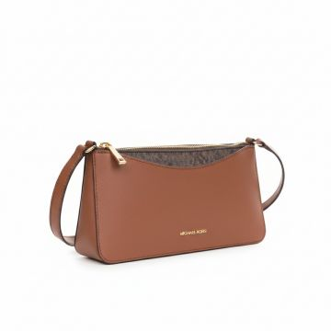 | Michael Kors | Women | Bags | Messenger & crossbody bags | FW | 197853808652 | 35F5G4XC8L-LUGGAGE | 35F5G4XC8L-LUGGAGE-OS | Michael Kors Arden Medium Crossbody Bag Luggage | LUGGAGE | One Size | Indonesia | 88.92% PVC, 11.08% P OLYESTER | 28 | € 275.00 | € 7,700.00 | € 68.75 | € 1,925.00 | £60.84 | £1,703.54
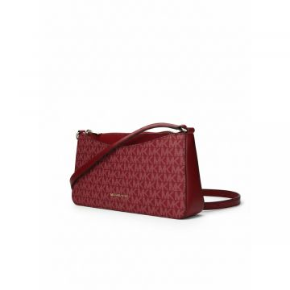 | Michael Kors | Women | Bags | Messenger & crossbody bags | FW | 197853808706 | 35F5G4XC8V-CHERRY | 35F5G4XC8V-CHERRY-OS | Michael Kors Arden Signature Crossbody Bag Cherry | CHERRY | One Size | Indonesia | 89.4% PVC, 9.6% POLY, 1% PU | 93 | € 275.00 | € 25,575.00 | € 68.75 | € 6,393.75 | £60.84 | £5,658.19
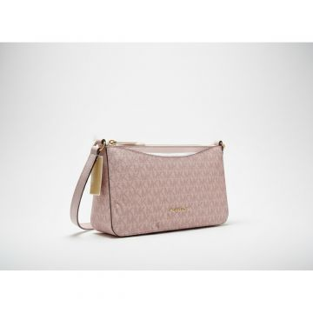 | Michael Kors | Women | Bags | Messenger & crossbody bags | FW | 197853808690 | 35F5G4XC8V-POWDER BLUSH | 35F5G4XC8V-POWDER BLUSH-OS | Michael Kors Arden Medium Crossbody Powder Blush | POWDER BLUSH | One Size | Indonesia | 89.4% PVC, 9.6% POLY, 1% PU | 101 | € 275.00 | € 27,775.00 | € 68.75 | € 6,943.75 | £60.84 | £6,144.91
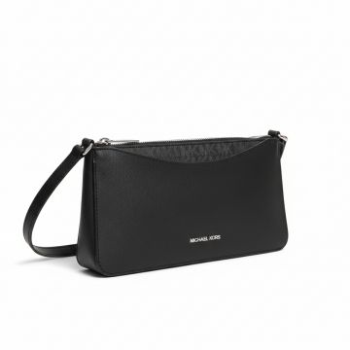 | Michael Kors | Women | Bags | Messenger & crossbody bags | FW | 197853814189 | 35F5S4XC8L-BLACK | 35F5S4XC8L-BLACK-OS | Michael Kors Arden Medium Crossbody Bag Black | BLACK | One Size | Indonesia | 88.92% PVC, 11.08% P OLYESTER | 147 | € 275.00 | € 40,425.00 | € 68.75 | € 10,106.25 | £60.84 | £8,943.58
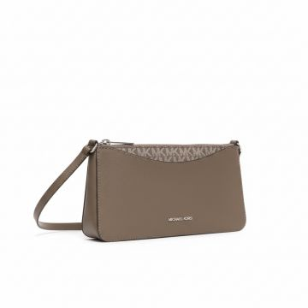 | Michael Kors | Women | Bags | Messenger & crossbody bags | FW | 197853814202 | 35F5S4XC8L-OLIVE | 35F5S4XC8L-OLIVE-OS | Michael Kors Arden Medium Crossbody Olive | OLIVE | One Size | Indonesia | 88.92% PVC, 11.08% P OLYESTER | 106 | € 275.00 | € 29,150.00 | € 68.75 | € 7,287.50 | £60.84 | £6,449.12
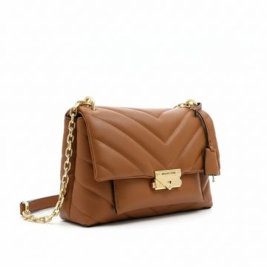 | Michael Kors | Women | Bags | Messenger & crossbody bags | CO | 196163998817 | 35R3G0EC6O-220 | 35R3G0EC6O-220-OS | Michael Kors Cece Quilted Crossbody Bag Brown | BROWN | One Size | ID | 60% POLYURETHANE 20% CO 20% POLYESTER | 167 | € 425.00 | € 70,975.00 | € 106.25 | € 17,743.75 | £94.03 | £15,702.43
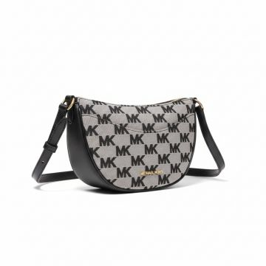 | Michael Kors | Women | Bags | Messenger & crossbody bags | CO | 196237630223 | 35S4G4DC5J-BLACK | 35S4G4DC5J-BLACK-OS | Michael Kors Dover MK Logo Crossbody Bag Black | BLACK | One Size | KH | 70% COTTON, 30% POLY ESTER | 204 | € 325.00 | € 66,300.00 | € 81.25 | € 16,575.00 | £71.90 | £14,668.14
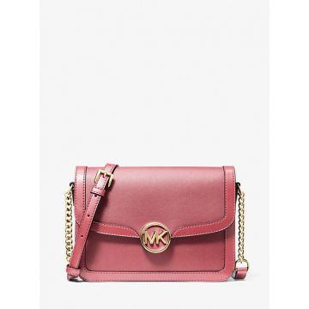 | Michael Kors | Women | Bags | Messenger & crossbody bags | CO | 196237633507 | 35S4G9GM8L-7278 | 35S4G9GM8L-7278-OS | Michael Kors Leida Chain Crossbody Bag Pink | BROWN | One Size | BD | 88.92% PVC, 11.08% P OLYESTER | 774 | € 425.00 | € 328,950.00 | € 106.25 | € 82,237.50 | £94.03 | £72,776.55
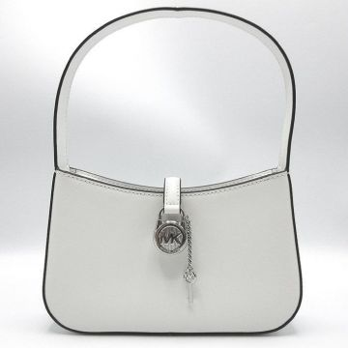 | Michael Kors | Women | Bags | Messenger & crossbody bags | CO | 196237922380 | 35T4S1YC1B-OPTIC WHITE | 35T4S1YC1B-OPTIC WHITE-OS | Michael Kors Lyra Crossbody Bag White | BROWN | One Size | KH | 89.4% PVC, 9.6% POLY ESTER, 1% POLYURETHA NE | 258 | € 325.00 | € 83,850.00 | € 81.25 | € 20,962.50 | £71.90 | £18,550.88
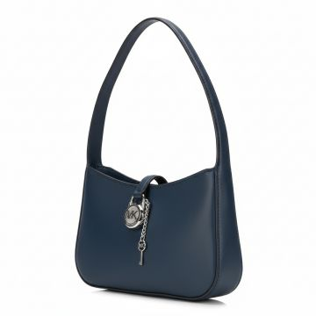 | Michael Kors | Women | Bags | Messenger & crossbody bags | CO | 196237922441 | 35T4S1YC1L-NAVY | 35T4S1YC1L-NAVY-OS | Michael Kors Navy Mini Shoulder Bag | NAVY | One Size | BD | 100% COW LEATHER | 27 | € 325.00 | € 8,775.00 | € 81.25 | € 2,193.75 | £71.90 | £1,941.37
 | Michael Kors | Women | Bags | Messenger & crossbody bags | FW | 197853714199 | 35T5S5FC5C-BLACK | 35T5S5FC5C-BLACK-OS | NS PKT XBODY | BLACK | One Size | Indonesia | 100% RECYCLED NYLON | 1 | € 295.00 | € 295.00 | € 73.75 | € 73.75 | £65.27 | £65.27
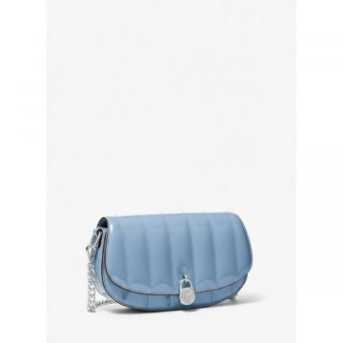 | Michael Kors | Women | Bags | Messenger & crossbody bags | 25T | 197853711006 | 35T5SIMC5A-LIGHT | 35T5SIMC5A-LIGHT-OS | Michael Kors Quilted Crossbody Bag Blue | Light Blue | One Size | Vietnam | 60% PU, 40% POLY | 110 | € 350.00 | € 38,500.00 | € 87.50 | € 9,625.00 | £77.43 | £8,517.70
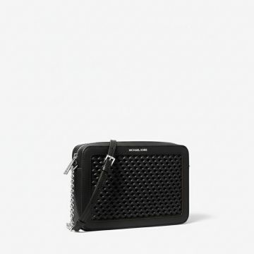 | Michael Kors | Women | Bags | Messenger & crossbody bags | CO | 197853711662 | 35T5STTC3Y-BLACK | 35T5STTC3Y-BLACK-OS | Michael Kors Jet Set Woven Crossbody Black | BLACK | One Size | KH | 60% POLYURETHANE, 20 % COTTON, 20% POLYES TER | 10 | € 295.00 | € 2,950.00 | € 73.75 | € 737.50 | £65.27 | £652.65
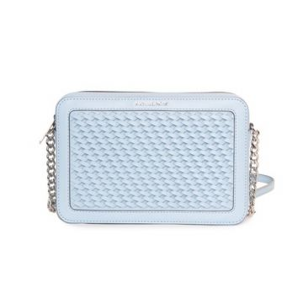 | Michael Kors | Women | Bags | Messenger & crossbody bags | CO | 197853711693 | 35T5STTC3Y-LIGHTSKY | 35T5STTC3Y-LIGHTSKY-OS | Michael Kors Woven Crossbody Bag Light Blue | Light Blue | One Size | KH | 60% POLYURETHANE, 20 % COTTON, 20% POLYES TER | 19 | € 295.00 | € 5,605.00 | € 73.75 | € 1,401.25 | £65.27 | £1,240.04
 | Michael Kors | Women | Bags | Messenger & crossbody bags | CO | 197853711679 | 35T5STTC3Y-OPTICWHITE | 35T5STTC3Y-OPTICWHITE-OS | Michael Kors Jet Set Studded Crossbody White | WHITE | One Size | KH | 60% POLYURETHANE, 20 % COTTON, 20% POLYES TER | 24 | € 295.00 | € 7,080.00 | € 73.75 | € 1,770.00 | £65.27 | £1,566.37
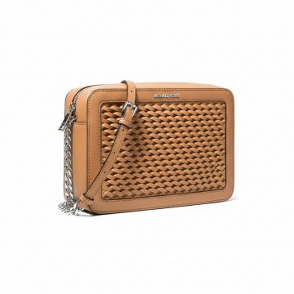 | Michael Kors | Women | Bags | Messenger & crossbody bags | CO | 197853711686 | 35T5STTC3Y-PEANUT | 35T5STTC3Y-PEANUT-OS | Michael Kors Woven Crossbody Bag Beige | Beige | One Size | KH | 60% POLYURETHANE, 20 % COTTON, 20% POLYES TER | 7 | € 295.00 | € 2,065.00 | € 73.75 | € 516.25 | £65.27 | £456.86
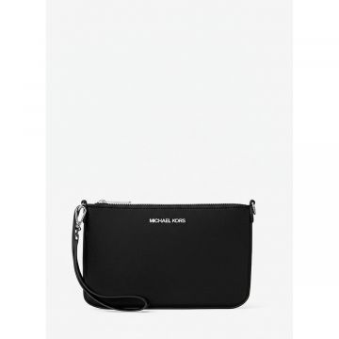 | Michael Kors | Women | Bags | Messenger & crossbody bags | 25T | 197853712362 | 35T5STVW1C-BLACK | 35T5STVW1C-BLACK-OS | Michael Kors Crossbody Clutch Bag Black | BLACK | One Size | Indonesia | 100% RECYCLED NYLON | 15 | € 265.00 | € 3,975.00 | € 66.25 | € 993.75 | £58.63 | £879.42
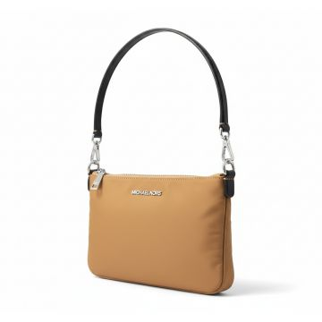 | Michael Kors | Women | Bags | Messenger & crossbody bags | 25T | 197853712379 | 35T5STVW1C-PEANUT | 35T5STVW1C-PEANUT-OS | Michael Kors Adele Crossbody Bag Peanut | PEANUT | One Size | Indonesia | 100% RECYCLED NYLON | 7 | € 265.00 | € 1,855.00 | € 66.25 | € 463.75 | £58.63 | £410.40
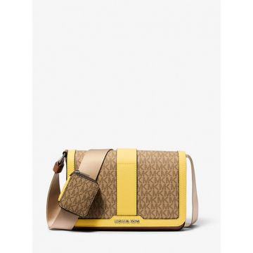 | Michael Kors | Women | Bags | Messenger & crossbody bags | CO | 197853421899 | 37S5LCOM6B-JUNGLE | 37S5LCOM6B-JUNGLE-OS | Michael Kors Mini Crossbody Bag with Pouch Beige | Beige | One Size | VN | 89.4% PVC, 9.6% POLY ESTER, 1% POLYURETHA NE | 8 | € 300.00 | € 2,400.00 | € 75.00 | € 600.00 | £66.37 | £530.97
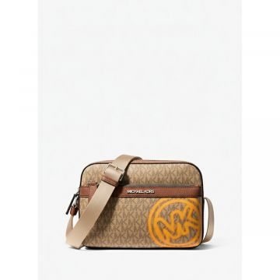 | Michael Kors | Women | Bags | Messenger & crossbody bags | CO | 197853699632 | 37T5LCOC5B-LT CREAM | 37T5LCOC5B-LT CREAM-OS | Michael Kors Cooper Logo Crossbody Bag Cream | Cream | One Size | VN | 90% COATED CANVAS 10% POLYESTER | 144 | € 350.00 | € 50,400.00 | € 87.50 | € 12,600.00 | £77.43 | £11,150.44
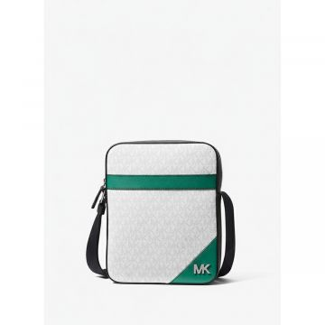 | Michael Kors | Women | Bags | Messenger & crossbody bags | CO | 197853699670 | 37T5LCOC6O-GRESS | 37T5LCOC6O-GRESS-OS | Michael Kors Cooper Crossbody Bag White Green | White_Green | One Size | IN | 74% PVC, 19% POLYEST ER, 7% POLYURETHANE | 66 | € 350.00 | € 23,100.00 | € 87.50 | € 5,775.00 | £77.43 | £5,110.62
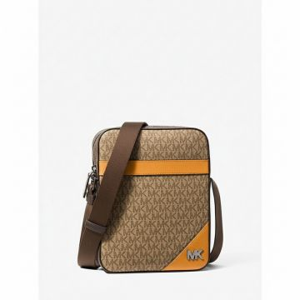 | Michael Kors | Women | Bags | Messenger & crossbody bags | CO | 197853699694 | 37T5LCOC6O-POP ORANGE | 37T5LCOC6O-POP ORANGE-OS | Michael Kors Cooper Crossbody Bag Orange | Orange | One Size | IN | 74% PVC, 19% POLYEST ER, 7% POLYURETHANE | 93 | € 350.00 | € 32,550.00 | € 87.50 | € 8,137.50 | £77.43 | £7,201.33
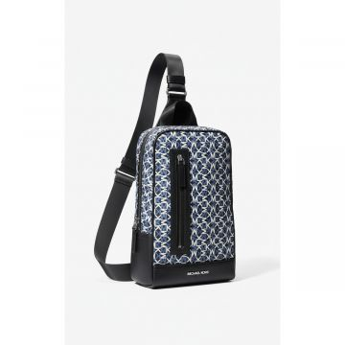 | Michael Kors | Women | Bags | Messenger & crossbody bags | CO | 197853699946 | 37T5LLAC2V-BLACK | 37T5LLAC2V-BLACK-OS | Michael Kors Lautner Monogram Sling Bag Black | BLACK | One Size | KH | 74% PVC, 19% POLYEST ER, 7% POLYURETHANE | 20 | € 350.00 | € 7,000.00 | € 87.50 | € 1,750.00 | £77.43 | £1,548.67
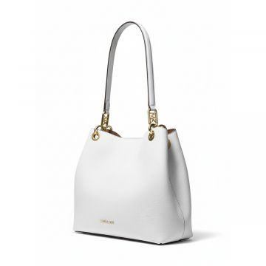 | Michael Kors | Women | Bags | Shoulder bags | SS | 196237352262 | 30F3G8KT7L-OPTIC WHITE | 30F3G8KT7L-OPTIC WHITE-OS | Michael Kors White Chain Shoulder Bag | OPTIC WHITE | One Size | Cambodia | 100% COW LEATHER | 8 | € 395.00 | € 3,160.00 | € 98.75 | € 790.00 | £87.39 | £699.12
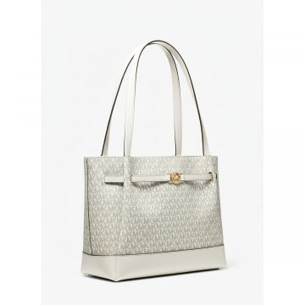 | Michael Kors | Women | Bags | Shoulder bags | CO | 197853083226 | 35F4G6RT3B-VANILLA | 35F4G6RT3B-VANILLA-OS | Michael Kors Reed Monogram Shoulder Bag Vanilla | VANILLA | One Size | BD | 74% PVC, 19% POLYEST ER, 7% POLYURETHANE | 39 | € 395.00 | € 15,405.00 | € 98.75 | € 3,851.25 | £87.39 | £3,408.19
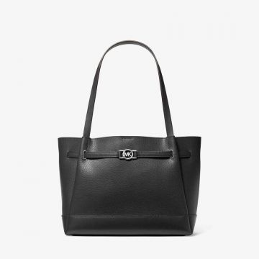 | Michael Kors | Women | Bags | Shoulder bags | CO | 197853278639 | 35F4S6RT3T-BLACK | 35F4S6RT3T-BLACK-OS | Michael Kors Reed Leather Shoulder Bag Black | BLACK | One Size | BD | 100% COW LEATHER | 108 | € 395.00 | € 42,660.00 | € 98.75 | € 10,665.00 | £87.39 | £9,438.05
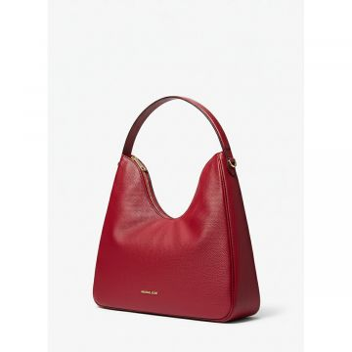 | Michael Kors | Women | Bags | Shoulder bags | FW | 197853809154 | 35F5G5ZL6L-CHERRY | 35F5G5ZL6L-CHERRY-OS | Michael Kors Red Leather Hobo Shoulder Bag | CHERRY | One Size | Bangladesh | 100% COW LEATHER | 1 | € 395.00 | € 395.00 | € 98.75 | € 98.75 | £87.39 | £87.39
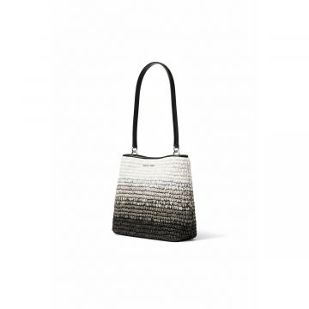 | Michael Kors | Women | Bags | Shoulder bags | FW | 197853433557 | 35S5S3FS2W-BLACK | 35S5S3FS2W-BLACK-OS | Michael Kors Ombre Woven Shoulder Bag Black | BLACK | One Size | India | 100% PAPER STRAW | 10 | € 375.00 | € 3,750.00 | € 93.75 | € 937.50 | £82.96 | £829.65
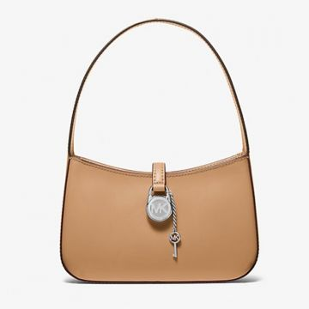 | Michael Kors | Women | Bags | Shoulder bags | CO | 197853707474 | 35T4S1YC1L-LUGGAGE | 35T4S1YC1L-LUGGAGE-OS | Michael Kors Lyra Leather Shoulder Bag Brown | BROWN | One Size | BD | 100% COW LEATHER | 278 | € 325.00 | € 90,350.00 | € 81.25 | € 22,587.50 | £71.90 | £19,988.94
 | Michael Kors | Women | Bags | Tote bags | CO | 194900651261 | 35F0GTVT9L-LT CREAM | 35F0GTVT9L-LT CREAM-OS | Michael Kors Jet Set Travel Tote Cream | Cream | One Size | ID | 100% COW LEATHER | 47 | € 395.00 | € 18,565.00 | € 98.75 | € 4,641.25 | £87.39 | £4,107.30
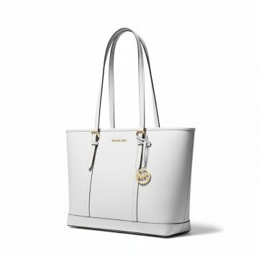 | Michael Kors | Women | Bags | Tote bags | CO | 194900033579 | 35F0GTVT9L-OPTIC WHITE | 35F0GTVT9L-OPTIC WHITE-OS | Michael Kors Jet Set Large Leather Tote White | WHITE | One Size | ID | 100% COW LEATHER | 34 | € 395.00 | € 13,430.00 | € 98.75 | € 3,357.50 | £87.39 | £2,971.24
 | Michael Kors | Women | Bags | Tote bags | FW | 196237481726 | 35F3GTVT8B-LUGGAGE | 35F3GTVT8B-LUGGAGE-OS | MD DBL POCKET TOTE | LUGGAGE | One Size | Cambodia | 60% POLYURETHANE, 20 % COTTON, 20% POLYES TER | 1 | € 350.00 | € 350.00 | € 87.50 | € 87.50 | £77.43 | £77.43
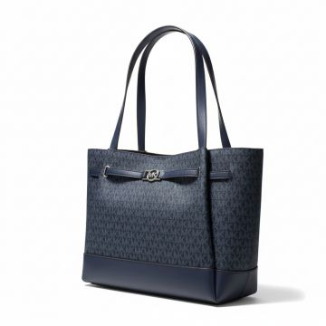 | Michael Kors | Women | Bags | Tote bags | CO | 197853085923 | 35F4S6RT3B-ADMIRAL | 35F4S6RT3B-ADMIRAL-OS | Michael Kors Reed Navy Tote Bag | Blue | One Size | BD | 74% PVC, 19% POLYEST ER, 7% POLYURETHANE | 321 | € 395.00 | € 126,795.00 | € 98.75 | € 31,698.75 | £87.39 | £28,051.99
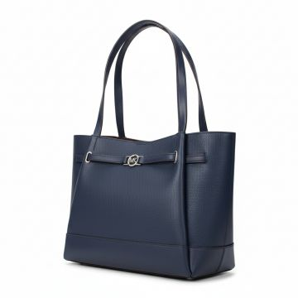 | Michael Kors | Women | Bags | Tote bags | CO | 197853085930 | 35F4S6RT3T-NAVY | 35F4S6RT3T-NAVY-OS | Michael Kors Reed Leather Tote Navy | NAVY | One Size | BD | 100% COW LEATHER | 181 | € 395.00 | € 71,495.00 | € 98.75 | € 17,873.75 | £87.39 | £15,817.48
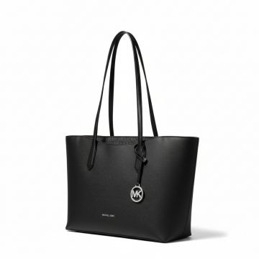 | Michael Kors | Women | Bags | Tote bags | FW | 197853814462 | 35F5S4XT3L-BLACK | 35F5S4XT3L-BLACK-OS | Michael Kors Arden Large Tote Black | BLACK | One Size | Indonesia | 88.92% PVC, 11.08% P OLYESTER | 1 | € 395.00 | € 395.00 | € 98.75 | € 98.75 | £87.39 | £87.39
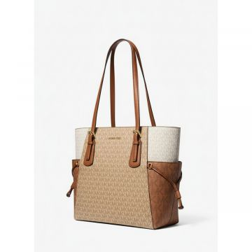 | Michael Kors | Women | Bags | Tote bags | 26S | 197853427105 | 35S5GV6T7B-CAMEL | 35S5GV6T7B-CAMEL-OS | Michael Kors Signature Tote Bag Camel Brown | White Beige | One Size | Indonesia | 89.4% PVC, 9.6% POLY, 1% PU | 1 | € 425.00 | € 425.00 | € 106.25 | € 106.25 | £94.03 | £94.03
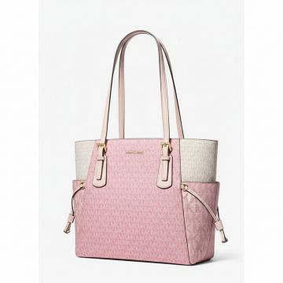 | Michael Kors | Women | Bags | Tote bags | SS | 197853427112 | 35S5GV6T7B-POWDER BLUSH | 35S5GV6T7B-POWDER BLUSH-OS | Michael Kors Colorblock Signature Tote Pink | PINK | One Size | Indonesia | 89.4% PVC, 9.6% POLY, 1% PU | 46 | € 425.00 | € 19,550.00 | € 106.25 | € 4,887.50 | £94.03 | £4,325.22
 | Michael Kors | Women | Bags | Tote bags | FW | 197853706354 | 35S5SV6T7B-DARKR | 35S5SV6T7B-DARKR-OS | Michael Kors Voyager Signature Tote Red | DARKR | One Size | Indonesia | 89.4% PVC, 9.6% POLY, 1% PU | 3 | € 425.00 | € 1,275.00 | € 106.25 | € 318.75 | £94.03 | £282.08
 | Michael Kors | Women | Bags | Tote bags | CO | 197853706941 | 35T0STVL9L-LIGHTSKY | 35T0STVL9L-LIGHTSKY-OS | Michael Kors Jet Set Travel Tote Light Blue | Light Blue | One Size | KH | 100% COW LEATHER | 59 | € 395.00 | € 23,305.00 | € 98.75 | € 5,826.25 | £87.39 | £5,155.97
 | Michael Kors | Women | Bags | Tote bags | SS | 197853714540 | 35T5S5FT9C-DKRAS | 35T5S5FT9C-DKRAS-OS | Michael Kors Navy Tote Bag Dual Pocket | DKRAS | One Size | Indonesia | 100% RECYCLED NYLON | 62 | € 375.00 | € 23,250.00 | € 93.75 | € 5,812.50 | £82.96 | £5,143.81
 | Michael Kors | Women | Bags | Tote bags | CO | 197853712768 | 35T5SV0T3Y-BLACK | 35T5SV0T3Y-BLACK-OS | Michael Kors Perforated Leather Tote Bag Black | BLACK | One Size | IN | 100% ECO-LEATHER | 46 | € 425.00 | € 19,550.00 | € 106.25 | € 4,887.50 | £94.03 | £4,325.22
 | Michael Kors | Women | Bags | Tote bags | CO | 197853712799 | 35T5SV0T3Y-LIGHT SKY | 35T5SV0T3Y-LIGHT SKY-OS | Michael Kors Perforated Leather Tote Light Sky | Light Blue | One Size | Bangladesh | 100% COW LEATHER | 35 | € 425.00 | € 14,875.00 | € 106.25 | € 3,718.75 | £94.03 | £3,290.93
 | Michael Kors | Women | Bags | Tote bags | CO | 197853712775 | 35T5SV0T3Y-OPTIC WHITE | 35T5SV0T3Y-OPTIC WHITE-OS | Michael Kors Perforated Tote Bag White | WHITE | One Size | IN | 100% ECO-LEATHER | 104 | € 425.00 | € 44,200.00 | € 106.25 | € 11,050.00 | £94.03 | £9,778.76
 | Michael Kors | Women | Bags | Tote bags | CO | 197853712782 | 35T5SV0T3Y-PEANUT | 35T5SV0T3Y-PEANUT-OS | Michael Kors EVA Perforated Tote Beige | Beige | One Size | IN | 100% ECO-LEATHER | 98 | € 425.00 | € 41,650.00 | € 106.25 | € 10,412.50 | £94.03 | £9,214.60
 | Michael Kors | Women | Bags | Backpacks | CO | 196237300034 | 35F3G6HB6L-BLACK | 35F3G6HB6L-BLACK-OS | Michael Kors Sheila backpack | BLACK | One Size | KH | 88.92% PVC, 11.08% P OLYESTER | 653 | € 450.00 | € 293,850.00 | € 112.50 | € 73,462.50 | £99.56 | £65,011.06
 | Michael Kors | Women | Bags | Backpacks | CO | 196237481955 | 35F3G6HB6L-LUGGAGE | 35F3G6HB6L-LUGGAGE-OS | Michael Kors Sheila Saffiano Backpack Brown | BROWN | One Size | KH | 88.92% PVC, 11.08% P OLYESTER | 750 | € 450.00 | € 337,500.00 | € 112.50 | € 84,375.00 | £99.56 | £74,668.14
 | Michael Kors | Women | Bags | Backpacks | FW | 197853812918 | 35F5S04B2V-DRIFTWOOD | 35F5S04B2V-DRIFTWOOD-OS | MD CHAIN BKPK | DRIFTWOOD | One Size | Indonesia | 60% POLYURETHANE, 20 % COTTON, 20% POLYES TER | 2 | € 395.00 | € 790.00 | € 98.75 | € 197.50 | £87.39 | £174.78
 | Michael Kors | Women | Bags | Backpacks | CO | 196163095950 | 35S2G8TB2B-BROWN | 35S2G8TB2B-BROWN-OS | Michael Kors JAYCEE Signature Backpack Brown | BROWN | One Size | ID | 89.4% PVC, 9.6% POLY ESTER, 1% POLYURETHA NE | 468 | € 495.00 | € 231,660.00 | € 123.75 | € 57,915.00 | £109.51 | £51,252.21
 | Michael Kors | Women | Bags | Backpacks | CO | 196163096087 | 35S2G8TB2B-POWDER BLUSH | 35S2G8TB2B-POWDER BLUSH-OS | Michael Kors Brown Pink Mini Backpack | PINK | One Size | ID | 89.4% PVC, 9.6% POLY ESTER, 1% POLYURETHA NE | 239 | € 495.00 | € 118,305.00 | € 123.75 | € 29,576.25 | £109.51 | £26,173.67
 | Michael Kors | Women | Bags | Backpacks | CO | 196163095936 | 35S2G8TB2B-VANILLA | 35S2G8TB2B-VANILLA-OS | Michael Kors Jaycee Signature Backpack Vanilla | VANILLA | One Size | ID | 89.4% PVC, 9.6% POLY ESTER, 1% POLYURETHA NE | 161 | € 495.00 | € 79,695.00 | € 123.75 | € 19,923.75 | £109.51 | £17,631.64
 | Michael Kors | Women | Bags | Backpacks | CO | 196163096124 | 35S2G8TB2L-BLACK | 35S2G8TB2L-BLACK-OS | Michael Kors Leather Backpack Black | BLACK | One Size | ID | 100% COW LEATHER | 289 | € 495.00 | € 143,055.00 | € 123.75 | € 35,763.75 | £109.51 | £31,649.34
 | Michael Kors | Women | Bags | Backpacks | CO | 196163096179 | 35S2G8TB2L-LT CREAM | 35S2G8TB2L-LT CREAM-OS | Michael Kors Mini Backpack Light Cream | Cream | One Size | ID | 100% COW LEATHER | 185 | € 495.00 | € 91,575.00 | € 123.75 | € 22,893.75 | £109.51 | £20,259.96
 | Michael Kors | Women | Bags | Backpacks | CO | 196163096162 | 35S2G8TB2L-LUGGAGE | 35S2G8TB2L-LUGGAGE-OS | Michael Kors Jaycee Leather Backpack Brown | BROWN | One Size | ID | 100% COW LEATHER | 340 | € 495.00 | € 168,300.00 | € 123.75 | € 42,075.00 | £109.51 | £37,234.51
 | Michael Kors | Women | Bags | Backpacks | CO | 196163096254 | 35S2G8TB2L-POWDER BLUSH | 35S2G8TB2L-POWDER BLUSH-OS | Michael Kors Jaycee Leather Backpack Pink | PINK | One Size | ID | 100% COW LEATHER | 446 | € 495.00 | € 220,770.00 | € 123.75 | € 55,192.50 | £109.51 | £48,842.92
 | Michael Kors | Men | Bags | Backpacks | CO | 197853421400 | 37S5LCOB2U-BLACK | 37S5LCOB2U-BLACK-OS | Michael Kors Dome Textured Backpack Black | BLACK | One Size | KH | 70% PU, 30% POLYESTE R | 9 | € 550.00 | € 4,950.00 | € 137.50 | € 1,237.50 | £121.68 | £1,095.13
 | Michael Kors | Women | Bags | Backpacks | FW | 197853422322 | 37S5LLAU2B-NAVY | 37S5LLAU2B-NAVY-OS | Michael Kors Navy Striped Backpack | NAVY | One Size | Vietnam | 100% RECYCLED NYLON | 1 | € 450.00 | € 450.00 | € 112.50 | € 112.50 | £99.56 | £99.56
 | Michael Kors | Men | Bags | Backpacks | 23F | 194900084922 | 33F0LHDB2U-brown | 33F0LHDB2U-brown-OS | COMMUTER BKPK | brown | OS | Myanmar | 89.4% PVC, 9.6% POLY ESTER, 1% POLYURETHA NE | 7 | € 349.00 | € 2,443.00 | € 87.25 | € 610.75 | £77.21 | £540.49
 | Michael Kors | Men | Bags | Backpacks | 24R | 196237318848 | 33H3LHDB2L-luggage | 33H3LHDB2L-luggage-OS | FLAP BKPK | luggage | OS | India | 100% COW LEATHER | 1 | € 379.00 | € 379.00 | € 94.75 | € 94.75 | £83.85 | £83.85
 | Michael Kors | Women | Bags | Backpacks | FW | 197853812918 | 35F5S04B2V-DRIFTWOOD | 35F5S04B2V-DRIFTWOOD-OS | MD CHAIN BKPK | DRIFTWOOD | One Size | Indonesia | 60% POLYURETHANE, 20 % COTTON, 20% POLYES TER | 2 | € 395.00 | € 790.00 | € 98.75 | € 197.50 | £87.39 | £174.78
 | Michael Kors | Women | Bags | Backpacks | FW | 197853422322 | 37S5LLAU2B-NAVY | 37S5LLAU2B-NAVY-OS | Michael Kors Navy Striped Backpack | NAVY | One Size | Vietnam | 100% RECYCLED NYLON | 1 | € 450.00 | € 450.00 | € 112.50 | € 112.50 | £99.56 | £99.56
 | Michael Kors | Women | Bags | Belt Bags | 24T | 196237630995 | 35S4G5MN7J-black | 35S4G5MN7J-black-OS | LG 2IN1 WAISTPACK | black | OS | Indonesia | 70% COTTON, 30% POLY ESTER | 1 | € 375.00 | € 375.00 | € 93.75 | € 93.75 | £82.96 | £82.96
 | Michael Kors | Women | Bags | Belt Bags | 24T | 196237631008 | 35S4G5MN7J-luggage | 35S4G5MN7J-luggage-OS | LG 2IN1 WAISTPACK | luggage | OS | Indonesia | 70% COTTON, 30% POLY ESTER | 1 | € 375.00 | € 375.00 | € 93.75 | € 93.75 | £82.96 | £82.96
 | Michael Kors | Women | Bags | Belt Bags | 24T | 196237921505 | 35T4STTC2L-navy | 35T4STTC2L-navy-OS | MD NS PKT XBODY | navy | OS | Bangladesh | 100% COW LEATHER | 3 | € 295.00 | € 885.00 | € 73.75 | € 221.25 | £65.27 | £195.80
 | Michael Kors | Men | Bags | Card Case | 25S | 193599020167 | 39F9LGYD2B-ADMRL/PLBLUE | 39F9LGYD2B-ADMRL/PLBLUE -no size | TALL CARD CASE | ADMRL/PLBLUE | no size | India | 89.4% PVC, 9.6% POLY ESTER, 1% POLYURETHA NE | 40 | € 49.00 | € 1,960.00 | € 12.25 | € 490.00 | £10.84 | £433.63
 | Michael Kors | Women | Bags | Handbags | 23S | 196163687711 | 30F2G4VS3L-navy | 30F2G4VS3L-navy-OS | LG TZ SATCHEL | navy | OS | Cambodia | 100% COW LEATHER | 1 | € 279.00 | € 279.00 | € 69.75 | € 69.75 | £61.73 | £61.73
 | Michael Kors | Women | Bags | Handbags | 23H | 196163508733 | 30F2S4VS1L-black | 30F2S4VS1L-black-OS | SM TZ SATCHEL | black | OS | Vietnam | 100% COW LEATHER | 1 | € 325.00 | € 325.00 | € 81.25 | € 81.25 | £71.90 | £71.90
 | Michael Kors | Women | Bags | Handbags | 22F | 196163508795 | 30F2S4VS3L-black | 30F2S4VS3L-black-OS | LG TZ SATCHEL | black | OS | Philippines | 100% COW LEATHER | 1 | € 425.00 | € 425.00 | € 106.25 | € 106.25 | £94.03 | £94.03
 | Michael Kors | Women | Bags | Handbags | 22F | 196163509785 | 30F2S9ZM1V-river | 30F2S9ZM1V-river-OS | SM CONV CHN MSGR | river | OS | Bangladesh | 75% PU, 20% POLYESTE R, 3% CALCIUM CARBON ATE, 2% WOOD FIBER P OWDER | 1 | € 295.00 | € 295.00 | € 73.75 | € 73.75 | £65.27 | £65.27
 | Michael Kors | Women | Bags | Handbags | 23F | 196237152527 | 30F3G8KB2B-brwon/b | 30F3G8KB2B-brwon/b-OS | MD BACKPACK | brwon/b | OS | Bangladesh | 89.4% PVC, 9.6% POLY ESTER, 1% POLYURETHA NE | 2 | € 375.00 | € 750.00 | € 93.75 | € 187.50 | £82.96 | £165.93
 | Michael Kors | Women | Bags | Handbags | 23F | 196237152770 | 30F3G8KM2B-vanilla | 30F3G8KM2B-vanilla-OS | MD MSGR | vanilla | OS | Bangladesh | 89.4% PVC, 9.6% POLY ESTER, 1% POLYURETHA NE | 1 | € 295.00 | € 295.00 | € 73.75 | € 73.75 | £65.27 | £65.27
...

