OFFER
REF
NAME*
COMPANY NAME
DATE*
SALES REP*
EMAIL*
PHONE #*
PAYMENT CURRENCY (€/£)*
BILLING ADDRESS*
ORDER NUMBER
PRE/IN HAND
DELIVERY TYPE

 | Linea | Linea | MADE IN | Tipo | Modello | Disegno | Articolo | Variante | Descrizione | famiglia | Composizione | QTY | RRP € | RRP TOT € | COST € | COST TOT € | COST £ | COST TOT £
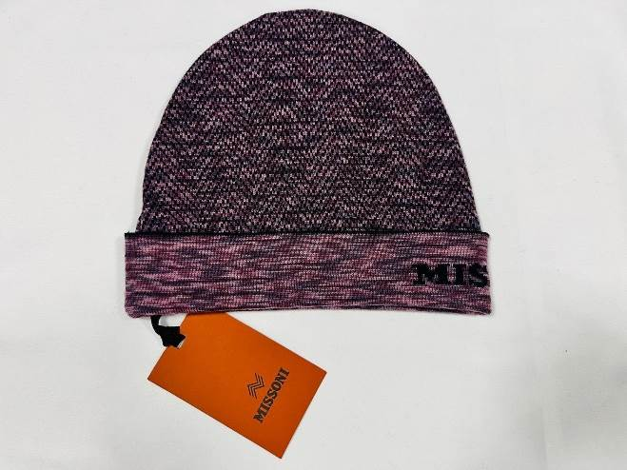 | MUSX | Missoni Unisex | IT | KNITTED | CP | USX-NS-VAN | CP00WOUA488 | 0001 | BEANIE UA488 | cappelli | 100%WOOL | 12 | € 250.00 | € 3,000.00 | € 17.00 | € 204.00 | £14.98 | £179.74
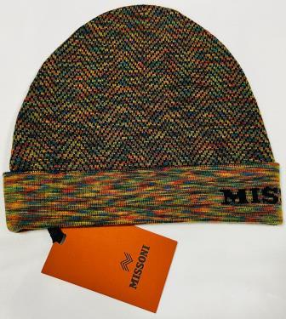 | MUSX | Missoni Unisex | IT | KNITTED | CP | USX-NS-VAN | CP00WOUA488 | 0002 | BEANIE UA488 | cappelli | 100%WOOL | 65 | € 250.00 | € 16,250.00 | € 17.00 | € 1,105.00 | £14.98 | £973.57
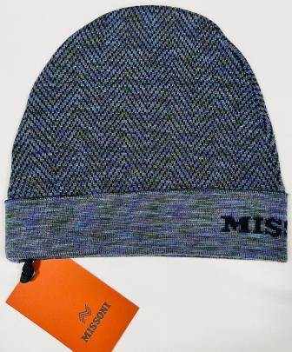 | MUSX | Missoni Unisex | IT | KNITTED | CP | USX-NS-VAN | CP00WOUA488 | 0003 | BEANIE UA488 | cappelli | 100%WOOL | 4 | € 250.00 | € 1,000.00 | € 17.00 | € 68.00 | £14.98 | £59.91
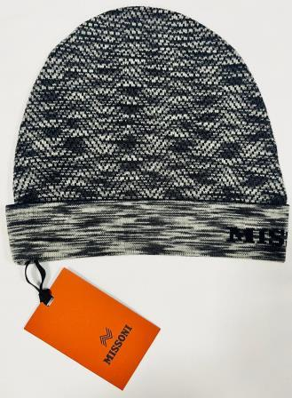 | MUSX | Missoni Unisex | IT | KNITTED | CP | USX-NS-VAN | CP00WOUA488 | 0004 | BEANIE UA488 | cappelli | 100%WOOL | 5 | € 250.00 | € 1,250.00 | € 17.00 | € 85.00 | £14.98 | £74.89
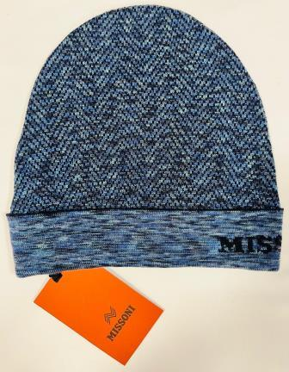 | MUSX | Missoni Unisex | IT | KNITTED | CP | USX-NS-VAN | CP00WOUA488 | 0005 | BEANIE UA488 | cappelli | 100%WOOL | 35 | € 250.00 | € 8,750.00 | € 17.00 | € 595.00 | £14.98 | £524.23
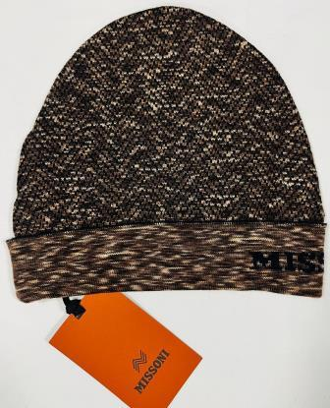 | MUSX | Missoni Unisex | IT | KNITTED | CP | USX-NS-VAN | CP00WOUA488 | 0006 | BEANIE UA488 | cappelli | 100%WOOL | 8 | € 250.00 | € 2,000.00 | € 17.00 | € 136.00 | £14.98 | £119.82
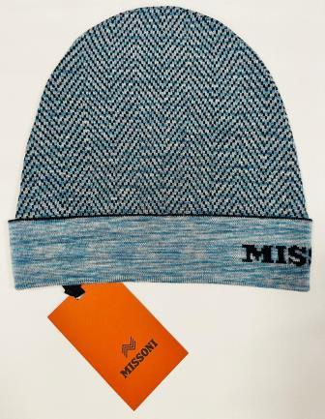 | MUSX | Missoni Unisex | IT | KNITTED | CP | USX-NS-VAN | CP00WOUA488 | 0007 | BEANIE UA488 | cappelli | 100%WOOL | 46 | € 250.00 | € 11,500.00 | € 17.00 | € 782.00 | £14.98 | £688.99
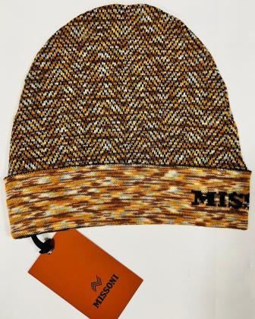 | MUSX | Missoni Unisex | IT | KNITTED | CP | USX-NS-VAN | CP00WOUA488 | 0008 | BEANIE UA488 | cappelli | 100%WOOL | 27 | € 250.00 | € 6,750.00 | € 17.00 | € 459.00 | £14.98 | £404.41
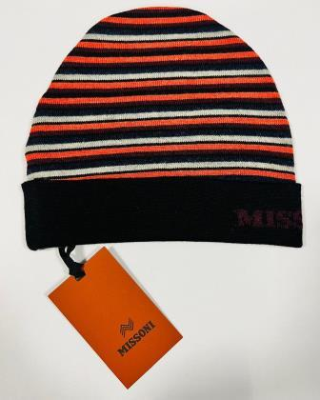 | MUSX | Missoni Unisex | IT | KNITTED | CP | USX-NS-VAN | CP00WOUA489 | 0001 | BEANIE UA489 | cappelli | 100%WOOL | 91 | € 250.00 | € 22,750.00 | € 17.00 | € 1,547.00 | £14.98 | £1,363.00
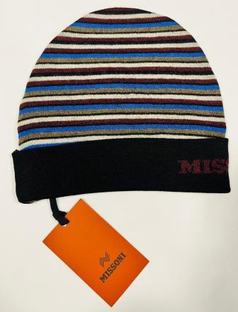 | MUSX | Missoni Unisex | IT | KNITTED | CP | USX-NS-VAN | CP00WOUA489 | 0001 BLU | BEANIE UA489 | cappelli | 100%WOOL | 39 | € 250.00 | € 9,750.00 | € 17.00 | € 663.00 | £14.98 | £584.14
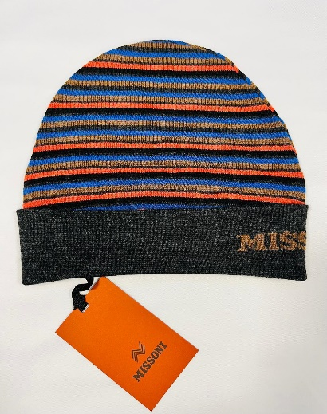 | MUSX | Missoni Unisex | IT | KNITTED | CP | USX-NS-VAN | CP00WOUA489 | 0002 | BEANIE UA489 | cappelli | 100%WOOL | 96 | € 250.00 | € 24,000.00 | € 17.00 | € 1,632.00 | £14.98 | £1,437.89
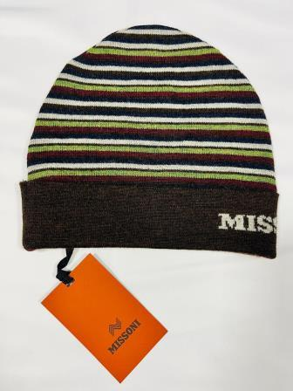 | MUSX | Missoni Unisex | IT | KNITTED | CP | USX-NS-VAN | CP00WOUA489 | 0003 | BEANIE UA489 | cappelli | 100%WOOL | 116 | € 250.00 | € 29,000.00 | € 17.00 | € 1,972.00 | £14.98 | £1,737.44
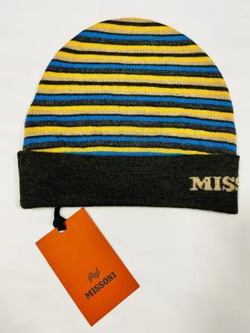 | MUSX | Missoni Unisex | IT | KNITTED | CP | USX-NS-VAN | CP00WOUA489 | 0004 | BEANIE UA489 | cappelli | 100%WOOL | 248 | € 250.00 | € 62,000.00 | € 17.00 | € 4,216.00 | £14.98 | £3,714.54
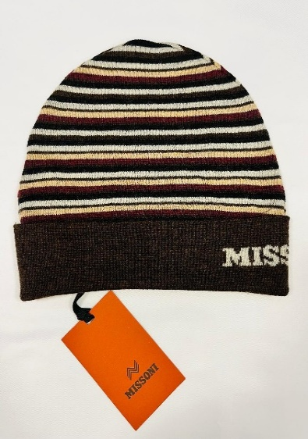 | MUSX | Missoni Unisex | IT | KNITTED | CP | USX-NS-VAN | CP00WOUA489 | 0005 | BEANIE UA489 | cappelli | 100%WOOL | 67 | € 250.00 | € 16,750.00 | € 17.00 | € 1,139.00 | £14.98 | £1,003.52
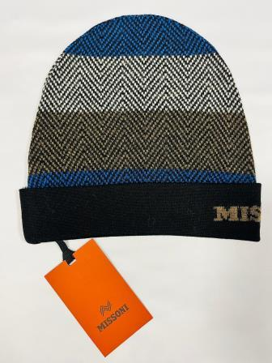 | MUSX | Missoni Unisex | IT | KNITTED | CP | USX-NS-VAN | CP00WOUA490 | 0001 | BEANIE UA491 | cappelli | 100%WOOL | 137 | € 250.00 | € 34,250.00 | € 17.00 | € 2,329.00 | £14.98 | £2,051.98
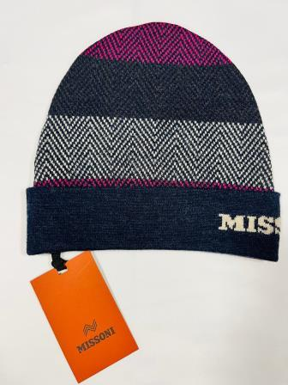 | MUSX | Missoni Unisex | IT | KNITTED | CP | USX-NS-VAN | CP00WOUA490 | 0002 | BEANIE UA491 | cappelli | 100%WOOL | 199 | € 250.00 | € 49,750.00 | € 17.00 | € 3,383.00 | £14.98 | £2,980.62
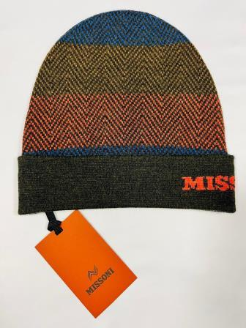 | MUSX | Missoni Unisex | IT | KNITTED | CP | USX-NS-VAN | CP00WOUA490 | 0003 | BEANIE UA491 | cappelli | 100%WOOL | 310 | € 250.00 | € 77,500.00 | € 17.00 | € 5,270.00 | £14.98 | £4,643.17
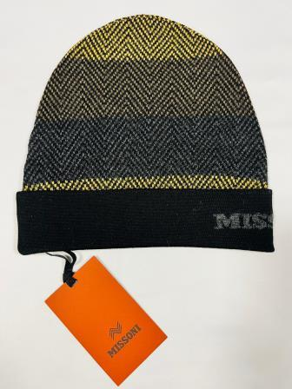 | MUSX | Missoni Unisex | IT | KNITTED | CP | USX-NS-VAN | CP00WOUA490 | 0004 | BEANIE UA491 | cappelli | 100%WOOL | 146 | € 250.00 | € 36,500.00 | € 17.00 | € 2,482.00 | £14.98 | £2,186.78
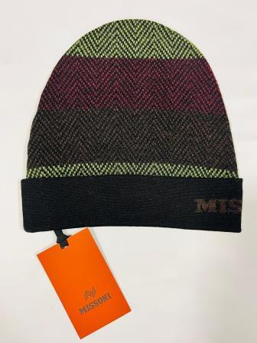 | MUSX | Missoni Unisex | IT | KNITTED | CP | USX-NS-VAN | CP00WOUA490 | 0005 | BEANIE UA491 | cappelli | 100%WOOL | 318 | € 250.00 | € 79,500.00 | € 17.00 | € 5,406.00 | £14.98 | £4,763.00
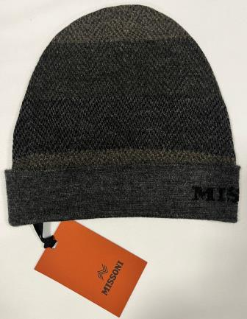 | MUSX | Missoni Unisex | IT | KNITTED | CP | USX-NS-VAN | CP00WOUA490 | 0006 | BEANIE UA490 | cappelli | 100%WOOL | 221 | € 250.00 | € 55,250.00 | € 17.00 | € 3,757.00 | £14.98 | £3,310.13
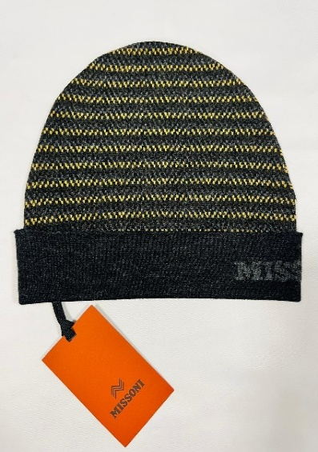 | MUSX | Missoni Unisex | IT | KNITTED | CP | USX-NS-VAN | CP00WOUA491 | 0001 | BEANIE UA491 | cappelli | 100%WOOL | 158 | € 250.00 | € 39,500.00 | € 17.00 | € 2,686.00 | £14.98 | £2,366.52
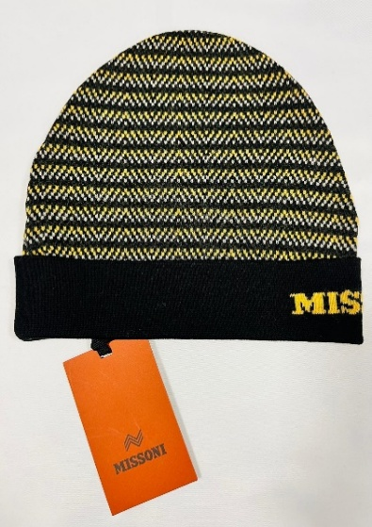 | MUSX | Missoni Unisex | IT | KNITTED | CP | USX-NS-VAN | CP00WOUA491 | 0002 | BEANIE UA491 | cappelli | 100%WOOL | 214 | € 250.00 | € 53,500.00 | € 17.00 | € 3,638.00 | £14.98 | £3,205.29
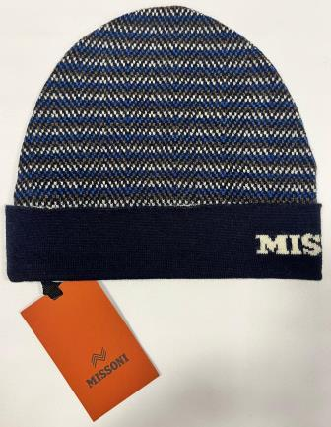 | MUSX | Missoni Unisex | IT | KNITTED | CP | USX-NS-VAN | CP00WOUA491 | 0003 | BEANIE UA491 | cappelli | 100%WOOL | 189 | € 250.00 | € 47,250.00 | € 17.00 | € 3,213.00 | £14.98 | £2,830.84
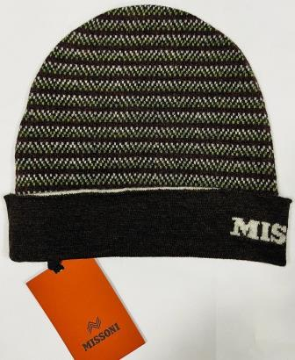 | MUSX | Missoni Unisex | IT | KNITTED | CP | USX-NS-VAN | CP00WOUA491 | 0004 | BEANIE UA491 | cappelli | 100%WOOL | 221 | € 250.00 | € 55,250.00 | € 17.00 | € 3,757.00 | £14.98 | £3,310.13
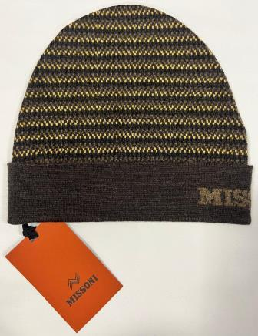 | MUSX | Missoni Unisex | IT | KNITTED | CP | USX-NS-VAN | CP00WOUA491 | 0005 | BEANIE UA491 | cappelli | 100%WOOL | 193 | € 250.00 | € 48,250.00 | € 17.00 | € 3,281.00 | £14.98 | £2,890.75
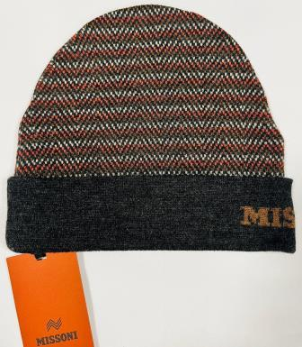 | MUSX | Missoni Unisex | IT | KNITTED | CP | USX-NS-VAN | CP00WOUA491 | 0006 | BEANIE UA491 | cappelli | 100%WOOL | 217 | € 250.00 | € 54,250.00 | € 17.00 | € 3,689.00 | £14.98 | £3,250.22
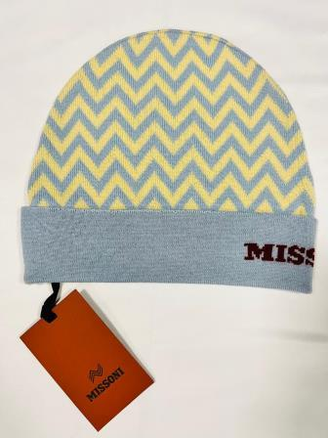 | MUSX | Missoni Unisex | IT | KNITTED | CP | USX-NS-VAN | CP00WODA702 | 0001 | BEANIE DA702 | cappelli | 100%WOOL | 100 | € 250.00 | € 25,000.00 | € 17.00 | € 1,700.00 | £14.98 | £1,497.80
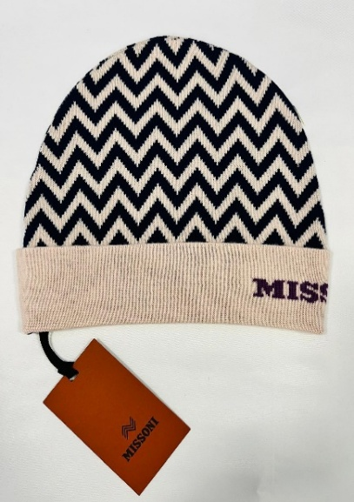 | MUSX | Missoni Unisex | IT | KNITTED | CP | USX-NS-VAN | CP00WODA702 | 0002 | BEANIE DA702 | cappelli | 100%WOOL | 36 | € 250.00 | € 9,000.00 | € 17.00 | € 612.00 | £14.98 | £539.21
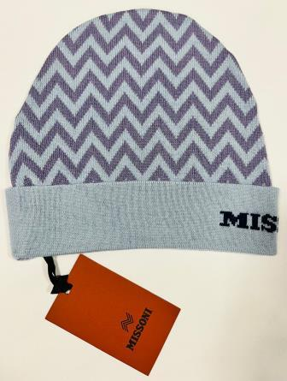 | MUSX | Missoni Unisex | IT | KNITTED | CP | USX-NS-VAN | CP00WODA702 | 0002 CELESTE | BEANIE DA702 | cappelli | 100%WOOL | 26 | € 250.00 | € 6,500.00 | € 17.00 | € 442.00 | £14.98 | £389.43
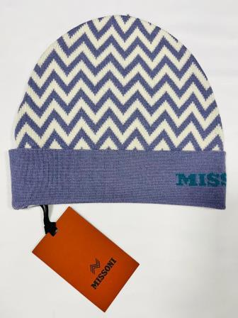 | MUSX | Missoni Unisex | IT | KNITTED | CP | USX-NS-VAN | CP00WODA702 | 0003 | BEANIE DA702 | cappelli | 100%WOOL | 82 | € 250.00 | € 20,500.00 | € 17.00 | € 1,394.00 | £14.98 | £1,228.19
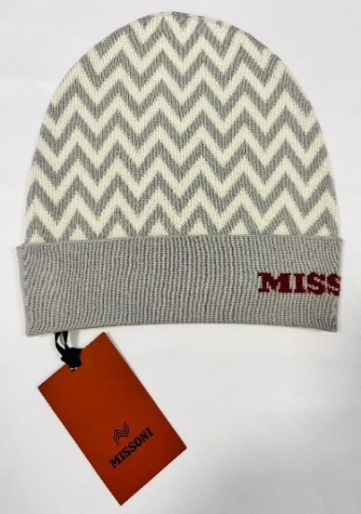 | MUSX | Missoni Unisex | IT | KNITTED | CP | USX-NS-VAN | CP00WODA702 | 0004 | BEANIE DA702 | cappelli | 100%WOOL | 30 | € 250.00 | € 7,500.00 | € 17.00 | € 510.00 | £14.98 | £449.34
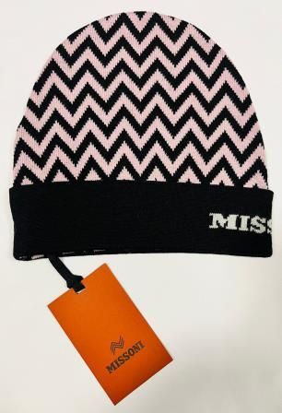 | MUSX | Missoni Unisex | IT | KNITTED | CP | USX-NS-VAN | CP00WODA702 | 0004 BLK ROSA | BEANIE DA702 | cappelli | 100%WOOL | 31 | € 250.00 | € 7,750.00 | € 17.00 | € 527.00 | £14.98 | £464.32
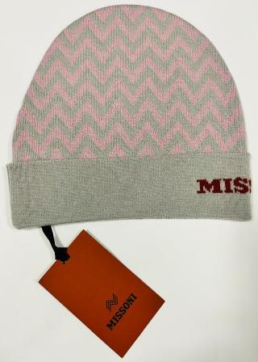 | MUSX | Missoni Unisex | IT | KNITTED | CP | USX-NS-VAN | CP00WODA702 | 0004 ROSA | BEANIE DA702 | cappelli | 100%WOOL | 71 | € 250.00 | € 17,750.00 | € 17.00 | € 1,207.00 | £14.98 | £1,063.44
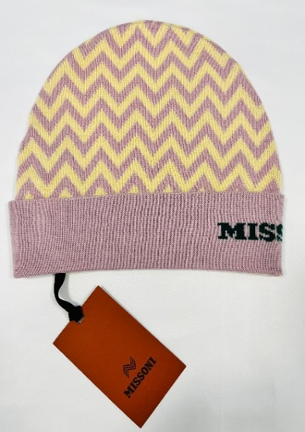 | MUSX | Missoni Unisex | IT | KNITTED | CP | USX-NS-VAN | CP00WODA702 | 0005 | BEANIE DA702 | cappelli | 100%WOOL | 54 | € 250.00 | € 13,500.00 | € 17.00 | € 918.00 | £14.98 | £808.81
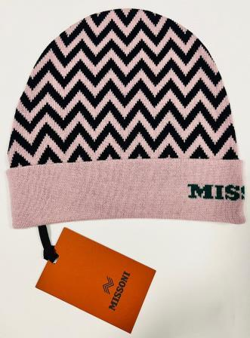 | MUSX | Missoni Unisex | IT | KNITTED | CP | USX-NS-VAN | CP00WODA702 | 0005 ROSA | BEANIE DA702 | cappelli | 100%WOOL | 55 | € 250.00 | € 13,750.00 | € 17.00 | € 935.00 | £14.98 | £823.79
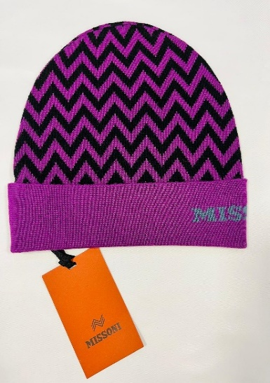 | MUSX | Missoni Unisex | IT | KNITTED | CP | USX-NS-VAN | CP00WODA702 | 0006 | BEANIE DA702 | cappelli | 100%WOOL | 53 | € 250.00 | € 13,250.00 | € 17.00 | € 901.00 | £14.98 | £793.83
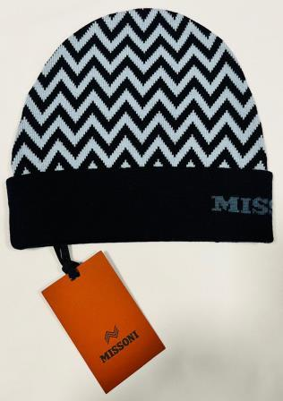 | MUSX | Missoni Unisex | IT | KNITTED | CP | USX-NS-VAN | CP00WODA702 | 0006 BLU | BEANIE DA702 | cappelli | 100%WOOL | 38 | € 250.00 | € 9,500.00 | € 17.00 | € 646.00 | £14.98 | £569.16
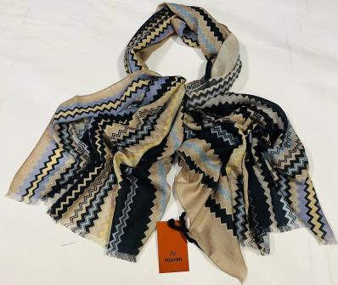 | MUSX | Missoni Unisex | IT | KNITTED | SC | USX-NS-VAN | SA73LSD9949 | 0007 | SCIARPA 70x200 | sciarpe | 83%CASHMERE 17%SE | 60 | € 350.00 | € 21,000.00 | € 21.00 | € 1,260.00 | £18.50 | £1,110.13
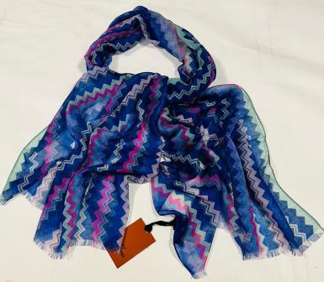 | MUSX | Missoni Unisex | IT | KNITTED | SC | USX-NS-VAN | SA73W3D9950 | 0002 | SCIARPA 70x200 | sciarpe | 47%WO 37%CASHMERE 16%SE | 36 | € 350.00 | € 12,600.00 | € 21.00 | € 756.00 | £18.50 | £666.08
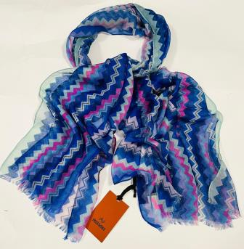 | MUSX | Missoni Unisex | IT | KNITTED | SC | USX-NS-VAN | SA73KMD9950 | 0004 | SCIARPA 70x200 | sciarpe | 83%CASHMERE 17%SE | 43 | € 350.00 | € 15,050.00 | € 21.00 | € 903.00 | £18.50 | £795.59
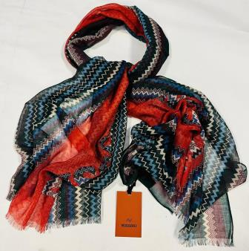 | MUSX | Missoni Unisex | IT | KNITTED | SC | USX-NS-VAN | SA73LCD9951 | 0004 | SCIARPA 70x200 | sciarpe | 82%WO 18%CASHMERE | 24 | € 350.00 | € 8,400.00 | € 21.00 | € 504.00 | £18.50 | £444.05
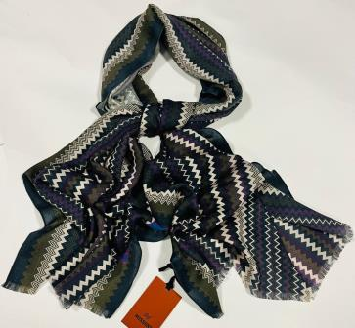 | MUSX | Missoni Unisex | IT | KNITTED | SC | USX-NS-VAN | SA73LCD9952 | 0005 | SCIARPA 70x200 | sciarpe | 70%WO 30%CASHMERE | 34 | € 350.00 | € 11,900.00 | € 21.00 | € 714.00 | £18.50 | £629.07
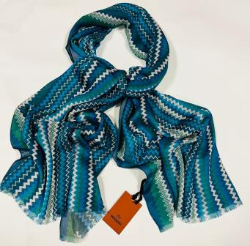 | MUSX | Missoni Unisex | IT | KNITTED | SC | USX-NS-VAN | SA73MMD9952 | 0003 | SCIARPA 70x200 | sciarpe | 55%MD 45%CASHMERE | 28 | € 350.00 | € 9,800.00 | € 21.00 | € 588.00 | £18.50 | £518.06
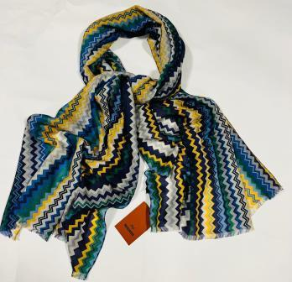 | MUSX | Missoni Unisex | IT | KNITTED | SC | USX-NS-VAN | SA73KMD9953 | 0006 | SCIARPA 70x200 | sciarpe | 55%CASHMERE 45%WO | 114 | € 350.00 | € 39,900.00 | € 21.00 | € 2,394.00 | £18.50 | £2,109.25
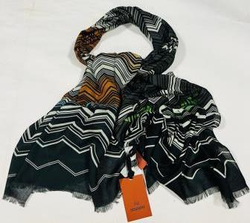 | MUSX | Missoni Unisex | IT | KNITTED | SC | USX-NS-VAN | SA73MMDA009 | 0005 | SCIARPA 70x200 | sciarpe | 85%MD 15%CASHMERE | 75 | € 350.00 | € 26,250.00 | € 21.00 | € 1,575.00 | £18.50 | £1,387.67
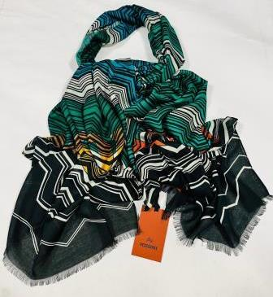 | MUSX | Missoni Unisex | IT | KNITTED | SC | USX-NS-VAN | SA73MMDA009 | 0006 | SCIARPA 70x200 | sciarpe | 85%MD 15%CASHMERE | 97 | € 350.00 | € 33,950.00 | € 21.00 | € 2,037.00 | £18.50 | £1,794.71
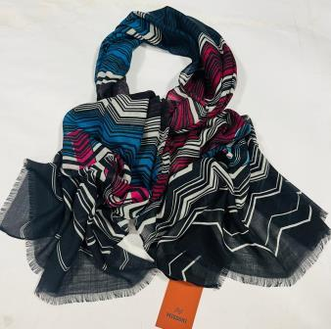 | MUSX | Missoni Unisex | IT | KNITTED | SC | USX-NS-VAN | SA73KLDA009 | 0004 | SCIARPA 70x200 | sciarpe | 53%CASHMERE 47%WO | 97 | € 350.00 | € 33,950.00 | € 21.00 | € 2,037.00 | £18.50 | £1,794.71
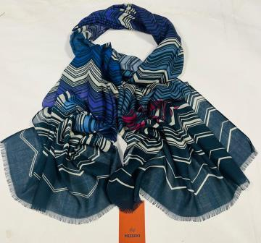 | MUSX | Missoni Unisex | IT | KNITTED | SC | USX-NS-VAN | SA73KMDA009 | 0002 | SCIARPA 70x200 | sciarpe | 98%CASHMERE 2%WO | 13 | € 350.00 | € 4,550.00 | € 21.00 | € 273.00 | £18.50 | £240.53
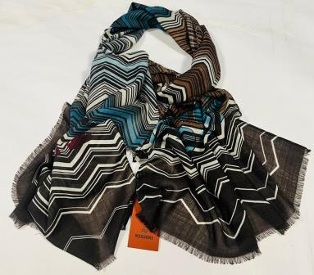 | MUSX | Missoni Unisex | IT | KNITTED | SC | USX-NS-VAN | SA73KMDA009 | 0003 | SCIARPA 70x200 | sciarpe | 98%CASHMERE 2%WO | 15 | € 350.00 | € 5,250.00 | € 21.00 | € 315.00 | £18.50 | £277.53
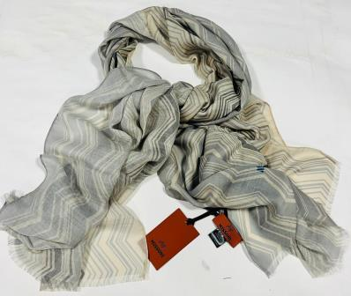 | MUSX | Missoni Unisex | IT | KNITTED | SC | USX-NS-VAN | SA73KLDA010 | 0002 | SCIARPA 70x200 | sciarpe | 53%CASHMERE 47%WO | 74 | € 350.00 | € 25,900.00 | € 21.00 | € 1,554.00 | £18.50 | £1,369.16
 | MUSX | Missoni Unisex | IT | KNITTED | SC | USX-NS-VAN | SA73WMDA008 | 0003 | SCIARPA 70x200 | sciarpe | 52%WO 41%MD 7%CASHMERE | 17 | € 350.00 | € 5,950.00 | € 21.00 | € 357.00 | £18.50 | £314.54
 | MUSX | Missoni Unisex | IT | KNITTED | SC | USX-NS-VAN | SA73LCDA008 | 0004 | SCIARPA 70x200 | sciarpe | 76%WO 24%CASHMERE | 46 | € 350.00 | € 16,100.00 | € 21.00 | € 966.00 | £18.50 | £851.10
 | MUSX | Missoni Unisex | IT | KNITTED | SC | USX-NS-VAN | SA73KMDA008 | 0001 | SCIARPA 70x200 | sciarpe | 53%CASHMERE 47%WO | 96 | € 350.00 | € 33,600.00 | € 21.00 | € 2,016.00 | £18.50 | £1,776.21
 | MUSX | Missoni Unisex | IT | KNITTED | SC | USX-NS-VAN | SA73MLD9952 | 0002 | SCIARPA 70x200 | sciarpe | 90%WO 10%SE | 45 | € 290.00 | € 13,050.00 | € 21.00 | € 945.00 | £18.50 | £832.60
 | MUSX | Missoni Unisex | IT | KNITTED | SC | USX-NS-VAN | SA73MLD9953 | 0002 | SCIARPA 70x200 | sciarpe | 90%WO 10%SE | 33 | € 290.00 | € 9,570.00 | € 21.00 | € 693.00 | £18.50 | £610.57
 | MUSX | Missoni Unisex | IT | KNITTED | SC | USX-NS-VAN | SA73WMD9949 | 0002 | SCIARPA 70x200 | sciarpe | 50%SE 50%WO | 123 | € 290.00 | € 35,670.00 | € 21.00 | € 2,583.00 | £18.50 | £2,275.77
 | MUSX | Missoni Unisex | IT | KNITTED | SC | USX-NS-VAN | SA73WMD9953 | 0003 | SCIARPA 70x200 | sciarpe | 50%SE 50%WO | 242 | € 290.00 | € 70,180.00 | € 21.00 | € 5,082.00 | £18.50 | £4,477.53
 | MUSX | Missoni Unisex | IT | KNITTED | SC | USX-NS-VAN | SA73WOD9950 | 0003 | SCIARPA 70x200 | sciarpe | 100%WO | 52 | € 290.00 | € 15,080.00 | € 21.00 | € 1,092.00 | £18.50 | £962.11
 | MUSX | Missoni Unisex | IT | KNITTED | SC | USX-NS-VAN | SA73WOD9952 | 0008 | SCIARPA 70x200 | sciarpe | 100%WO | 11 | € 290.00 | € 3,190.00 | € 21.00 | € 231.00 | £18.50 | £203.52
 | MUSX | Missoni Unisex | IT | KNITTED | SC | USX-NS-VAN | SA73WMD9949 | 0001 | SCIARPA 70x200 | sciarpe | 100%WO | 56 | € 290.00 | € 16,240.00 | € 21.00 | € 1,176.00 | £18.50 | £1,036.12
 | MUSX | Missoni Unisex | IT | KNITTED | SC | USX-NS-VAN | SA73WMD9949 | 0003 | SCIARPA 70x200 | sciarpe | 100%WO | 72 | € 290.00 | € 20,880.00 | € 21.00 | € 1,512.00 | £18.50 | £1,332.16
 | MUSX | Missoni Unisex | IT | KNITTED | SC | USX-NS-VAN | SA73WOD9951 | 0005 | SCIARPA 70x200 | sciarpe | 100%WO | 146 | € 290.00 | € 42,340.00 | € 21.00 | € 3,066.00 | £18.50 | £2,701.32
 | MUSX | Missoni Unisex | IT | KNITTED | SC | USX-NS-VAN | SA73WOD9960 | 0003 | SCIARPA 70x200 | sciarpe | 100%WO | 70 | € 290.00 | € 20,300.00 | € 21.00 | € 1,470.00 | £18.50 | £1,295.15
 | MUSX | Missoni Unisex | IT | KNITTED | SC | USX-NS-VAN | SA73WOD9960 | 0004 | SCIARPA 70x200 | sciarpe | 100%WO | 68 | € 290.00 | € 19,720.00 | € 21.00 | € 1,428.00 | £18.50 | £1,258.15
 | MUSX | Missoni Unisex | IT | KNITTED | SC | USX-NS-VAN | SA73WOD 9952 | 0001 | SCIARPA 70x200 | sciarpe | 100%WO | 53 | € 290.00 | € 15,370.00 | € 21.00 | € 1,113.00 | £18.50 | £980.62
 | MUSX | Missoni Unisex | IT | KNITTED | SC | USX-NS-VAN | SA73SMD 9952 | 007 | SCIARPA 70x200 | sciarpe | 60%SE 40%MOHAIR | 17 | € 290.00 | € 4,930.00 | € 21.00 | € 357.00 | £18.50 | £314.54
 | MUSX | Missoni Unisex | IT | KNITTED | SC | USX-NS-VAN | KMD9961 | 007 | SCIARPA 80x200 | sciarpe |  | 48 | € 290.00 | € 13,920.00 | € 21.00 | € 1,008.00 | £18.50 | £888.11
 | MUSX | Missoni Unisex | IT | KNITTED | SC | USX-NS-VAN | SA73KMD9956 | 003 | SCIARPA 70x200 | sciarpe |  | 95 | € 290.00 | € 27,550.00 | € 21.00 | € 1,995.00 | £18.50 | £1,757.71
 | MUSX | Missoni Unisex | IT | WOVEN | SC | USX-NS-VAN | SA75MDDA768 | 0001 | SCIARPA 68x200 | sciarpe | 100%MD | 98 | € 290.00 | € 28,420.00 | € 21.00 | € 2,058.00 | £18.50 | £1,813.22
 | MUSX | Missoni Unisex | IT | WOVEN | SC | USX-NS-VAN | SA7SVIDA758 | 0001 | SCIARPA 68x200 | sciarpe | 100%VI | 98 | € 290.00 | € 28,420.00 | € 21.00 | € 2,058.00 | £18.50 | £1,813.22
 | MUSX | Missoni Unisex | IT | WOVEN | SC | USX-NS-VAN | SA7SVIDA758 | 0002 | SCIARPA 68x200 | sciarpe | 100%VI | 135 | € 290.00 | € 39,150.00 | € 21.00 | € 2,835.00 | £18.50 | £2,497.80
 | MUSX | Missoni Unisex | IT | WOVEN | SC | USX-NS-VAN | SA7SVIDA765 | 0001 | SCIARPA 68x200 | sciarpe | 100%VI | 97 | € 290.00 | € 28,130.00 | € 21.00 | € 2,037.00 | £18.50 | £1,794.71
 | MUSX | Missoni Unisex | IT | WOVEN | SC | USX-NS-VAN | SA7SVIDA767 | 0001 | SCIARPA 68x200 | sciarpe | 100%VI | 118 | € 290.00 | € 34,220.00 | € 21.00 | € 2,478.00 | £18.50 | £2,183.26
 | MUSX | Missoni Unisex | IT | WOVEN | SC | USX-NS-VAN | SA7SMMDA756 | 0001 | SCIARPA 68x200 | sciarpe | 85%MD 15%SE | 283 | € 290.00 | € 82,070.00 | € 21.00 | € 5,943.00 | £18.50 | £5,236.12
 | MUSX | Missoni Unisex | IT | WOVEN | SC | USX-NS-VAN | SA7SMMDA762 | 0001 | SCIARPA 68x200 | sciarpe | 85%MD 15%SE | 78 | € 290.00 | € 22,620.00 | € 21.00 | € 1,638.00 | £18.50 | £1,443.17
 | MUSX | Missoni Unisex | IT | WOVEN | SC | USX-NS-VAN | SA7SVIDA759 | 0001 | SCIARPA 68x200 | sciarpe | 100%VI | 266 | € 290.00 | € 77,140.00 | € 21.00 | € 5,586.00 | £18.50 | £4,921.59
 | MUSX | Missoni Unisex | IT | WOVEN | SC | USX-NS-VAN | SA7SMMDA769 | 0001 | SCIARPA 68x200 | sciarpe | 85%MD 15%SE | 284 | € 290.00 | € 82,360.00 | € 21.00 | € 5,964.00 | £18.50 | £5,254.63
 | MUSX | Missoni Unisex | IT | WOVEN | SC | USX-NS-VAN | SA7SVIDA766 | 0002 | SCIARPA 68x200 | sciarpe | 100%VI | 290 | € 290.00 | € 84,100.00 | € 21.00 | € 6,090.00 | £18.50 | £5,365.64
 | MUSX | Missoni Unisex | IT | WOVEN | SC | USX-NS-VAN | SA75SVIDA759 | 0002 | SCIARPA 68x200 | sciarpe | 100%VI | 290 | € 290.00 | € 84,100.00 | € 21.00 | € 6,090.00 | £18.50 | £5,365.64
 | MUSX | Missoni Unisex | IT | WOVEN | SC | USX-NS-VAN | SA7SMMDA756 | 0002 | SCIARPA 68x200 | sciarpe | 85%MD 15%SE | 299 | € 290.00 | € 86,710.00 | € 21.00 | € 6,279.00 | £18.50 | £5,532.16
 | MUSX | Missoni Unisex | IT | WOVEN | SC | USX-NS-VAN | SA7SMMDA757 | 0001 | SCIARPA 68x200 | sciarpe | 85%MD 15%SE | 320 | € 290.00 | € 92,800.00 | € 21.00 | € 6,720.00 | £18.50 | £5,920.70
 | MUSX | Missoni Unisex | IT | WOVEN | SC | USX-NS-VAN | SA7SMMDA757 | 0002 | SCIARPA 68x200 | sciarpe | 85%MD 15%SE | 320 | € 290.00 | € 92,800.00 | € 21.00 | € 6,720.00 | £18.50 | £5,920.70
 | MUSX | Missoni Unisex | IT | WOVEN | SC | USX-NS-VAN | SA7SMMDA769 | 0002 | SCIARPA 68x200 | sciarpe | 85%MD 15%SE | 318 | € 290.00 | € 92,220.00 | € 21.00 | € 6,678.00 | £18.50 | £5,883.70
 | MUSX | Missoni Unisex | IT | WOVEN | SC | USX-NS-VAN | SA7SVIDA764 | 0001 | SCIARPA 68x200 | sciarpe | 100%VI | 131 | € 290.00 | € 37,990.00 | € 21.00 | € 2,751.00 | £18.50 | £2,423.79
 | MUSX | Missoni Unisex | IT | WOVEN | SC | USX-NS-VAN | SA7SVIDA764 | 0002 | SCIARPA 68x200 | sciarpe | 100%VI | 187 | € 290.00 | € 54,230.00 | € 21.00 | € 3,927.00 | £18.50 | £3,459.91
 | MUSX | Missoni Unisex | IT | WOVEN | SC | USX-NS-VAN | SA7SVIDA765 | 0002 | SCIARPA 68x200 | sciarpe | 100%VI | 120 | € 290.00 | € 34,800.00 | € 21.00 | € 2,520.00 | £18.50 | £2,220.26
 | MUSX | Missoni Unisex | IT | WOVEN | SC | USX-NS-VAN | SA7SVIDA766 | 0001 | SCIARPA 68x200 | sciarpe | 100%VI | 268 | € 290.00 | € 77,720.00 | € 21.00 | € 5,628.00 | £18.50 | £4,958.59
 |  |  |  |  |  |  |  |  |  |  |  | 9958 |  | € 2,781,640.00 |  | € 193,286.00 |  | £170,296.04

