OFFER
COMPANY NAME
NAME*
COMPANY NAME
DATE*
SALES REP*
EMAIL*
PHONE #*
PAYMENT CURRENCY (€/£)*
BILLING ADDRESS*
ORDER NUMBER
PRE/IN HAND
DELIVERY TYPE

IMAGE | BRAND | ART CODE | MODEL | DESCRIPTION | COLOUR | GENDER | COMPOSITION | C.O.O | S | L | L | XL | TOT | RRP € | RRP TOT € | COST € | COST TOT € | COST £ | COST TOT £
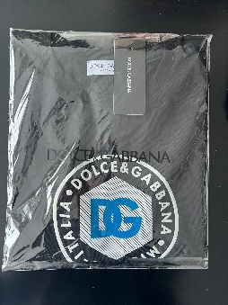 | D&G | G8PU8T/67N7B/N0000 | TSH001-05 | T-shirt | Black | MENS | 100% COTTON | ITALY | 27 | 55 | 82 | 55 | 218 | € 575.00 | € 125,350.00 | € 64.80 | € 14,126.39 | £57.35 | £12,501.23
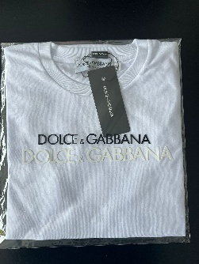 | D&G | G8PU9T/G7N7B/W001 | TSH001-04 | T-shirt | White | MENS | 100% COTTON | ITALY | 23 | 46 | 69 | 46 | 185 | € 575.00 | € 106,375.00 | € 64.80 | € 11,987.99 | £57.35 | £10,608.84
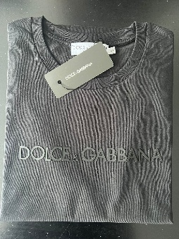 | D&G | G8PU9T/G7N7B/N0000 | TSH001-04 | T-shirt | Black | MENS | 100% COTTON | ITALY | 29 | 58 | 86 | 58 | 230 | € 575.00 | € 132,250.00 | € 64.80 | € 14,903.99 | £57.35 | £13,189.37
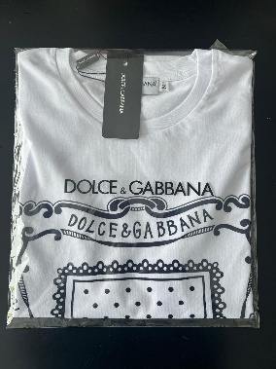 | D&G | G8PU7T/G7N7B/W001 | TSH001-03 | T-shirt | White | MENS | 100% COTTON | ITALY | 30 | 60 | 89 | 60 | 238 | € 800.00 | € 190,400.00 | € 64.80 | € 15,422.40 | £57.35 | £13,648.14
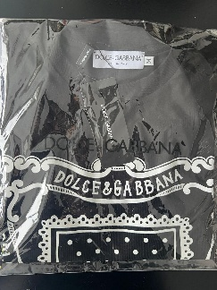 | D&G | G8PU7T/G7N7B/N0000 | TSH001-03 | T-shirt | Black | MENS | 100% COTTON | ITALY | 39 | 78 | 116 | 78 | 310 | € 800.00 | € 248,000.00 | € 64.80 | € 20,088.00 | £57.35 | £17,776.99
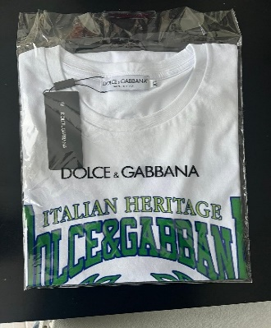 | D&G | G8PU6T/G7N7B/W001 | TSH001-01 | T-shirt | White | MENS | 100% COTTON | ITALY | 15 | 30 | 45 | 30 | 120 | € 565.00 | € 67,800.00 | € 64.80 | € 7,776.00 | £57.35 | £6,881.41
 |  |  |  |  |  |  |  |  |  |  |  |  | 1301 |  | € 870,175.00 |  | € 84,304.78 |  | £74,606.00

