OFFER
REF
NAME*
COMPANY NAME
DATE*
SALES REP*
EMAIL*
PHONE #*
PAYMENT CURRENCY (€/£)*
BILLING ADDRESS*
ORDER NUMBER
PRE/IN HAND
DELIVERY TYPE
 |  |  |  |  | 29 | 30 | 31 | 32
BRAND | IMAGE | MODEL | ARTICOLO | COO | S | M | L | XL | XXL | QTY | WHS € | WHS TOT € | COST € | COST TOT € | COST £ | COST TOT £
STONE ISLAND | 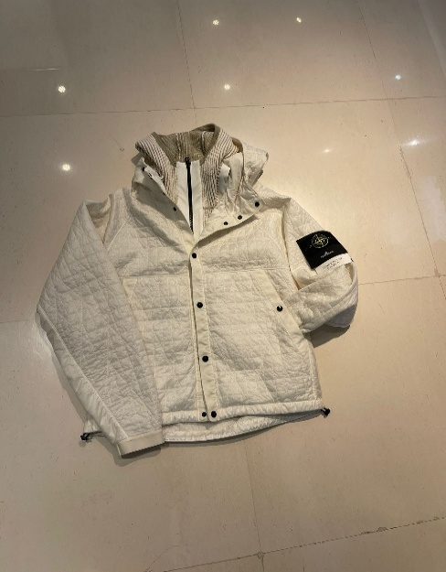 | GIUBBINO | K2S154100023 S0186 V0093 | MADE IN VIETNAM |  |  | 1 |  |  | 1 | € 431.00 | € 431.00 | € 640.04 | € 640.04 | £571.46 | £571.46
STONE ISLAND | 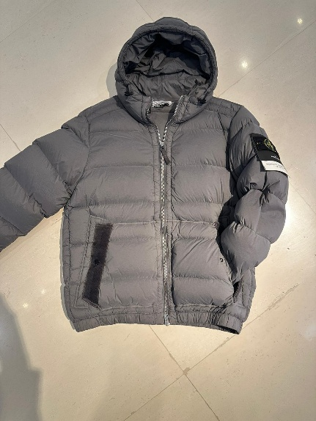 | GIUBBINO | K2S154100040 S0028 V006B | MADE IN VIETNAM | 1 |  | 1 |  |  | 2 | € 369.00 | € 738.00 | € 547.97 | € 1,095.93 | £489.25 | £978.51
STONE ISLAND | 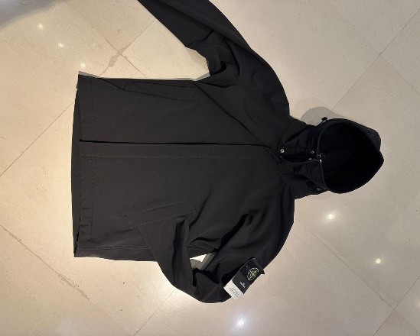 | GIUBBINO | K2S15Q100010 S0B22 V0029 | MADE IN VIETNAM |  | 1 | 1 | 1 |  | 3 | € 255.00 | € 765.00 | € 378.68 | € 1,136.03 | £338.10 | £1,014.31
STONE ISLAND | 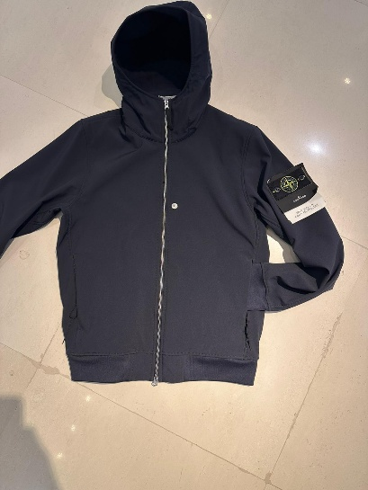 | GIUBBINO | K2S15Q100004S0B22 V0020 | MADE IN VIETNAM |  | 2 | 1 |  | 1 | 4 | € 223.00 | € 892.00 | € 331.16 | € 1,324.62 | £295.67 | £1,182.70
STONE ISLAND | 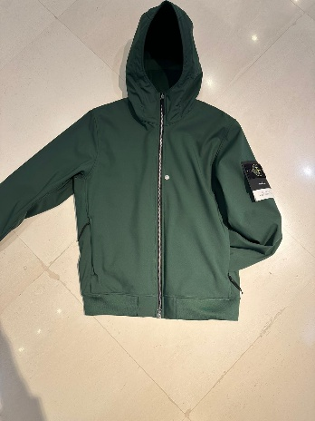 | GIUBBINO | K2S15Q100004 S0B22 V0055E | MADE IN VIETNAM |  |  | 1 |  |  | 1 | € 223.00 | € 223.00 | € 331.16 | € 331.16 | £295.67 | £295.67
STONE ISLAND | 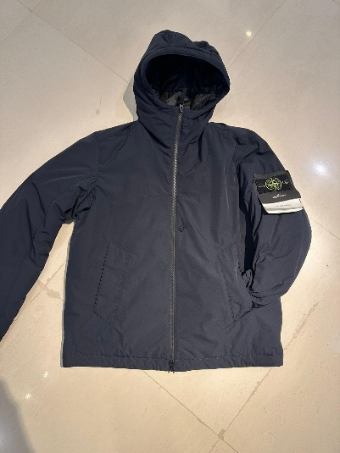 | GIUBBINO | K2S15410047S0026 V0020 | MADE IN VIETNAM |  | 2 | 2 | 1 | 1 | 6 | € 298.00 | € 1,788.00 | € 442.53 | € 2,655.18 | £395.12 | £2,370.70
STONE ISLAND | 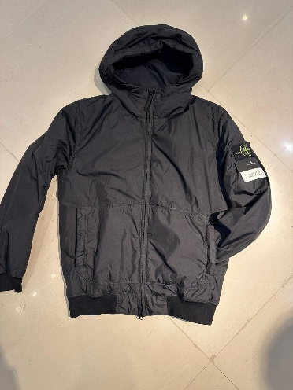 | GIUBBINO | K2S154100013 S0A23 V0029 | MADE IN VIETNAM | 1 | 1 | 1 |  |  | 3 | € 298.00 | € 894.00 | € 442.53 | € 1,327.59 | £395.12 | £1,185.35
STONE ISLAND | 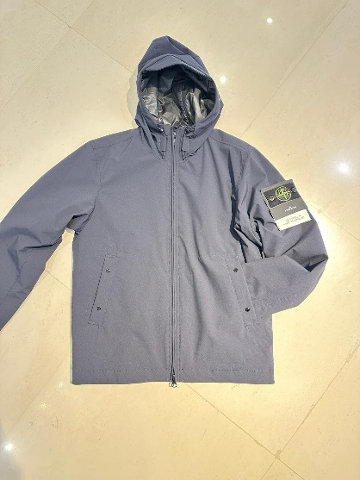 | GIUBBINO | K2S154100086 S0A27 V0020 | MADE IN VIETNAM | 1 | 1 | 1 | 1 | 1 | 5 | € 281.00 | € 1,405.00 | € 417.29 | € 2,086.43 | £372.58 | £1,862.88
STONE ISLAND | 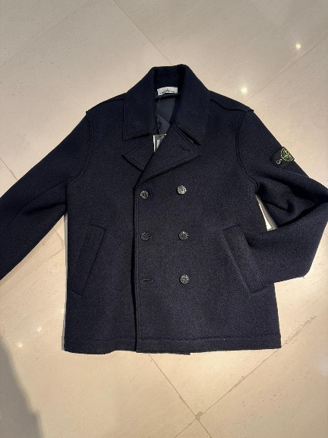 | GIUBBINO | K2S155100059 S0IN1 V0020 | MADE ROMANIA |  |  |  | 1 |  | 1 | € 599.00 | € 599.00 | € 889.52 | € 889.52 | £794.21 | £794.21
STONE ISLAND | 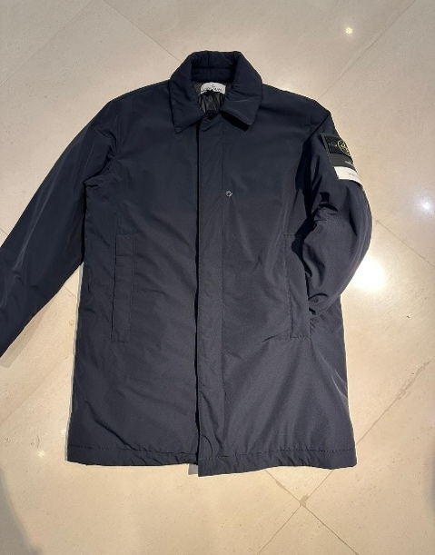 | GIUBBINO | K2S157100007 S0026 V0020 | MADE INDONESIA |  |  | 1 | 1 | 1 | 3 | € 345.00 | € 1,035.00 | € 512.33 | € 1,536.98 | £457.43 | £1,372.30
STONE ISLAND | 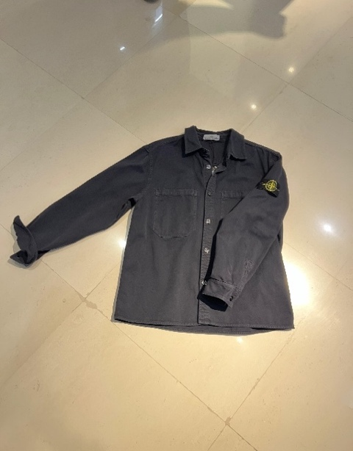 | CAMICIA | K2S51200025 S0184 V0126 | MADE TUNISIA |  |  |  | 1 |  | 1 | € 163.00 | € 163.00 | € 242.06 | € 242.06 | £216.12 | £216.12
STONE ISLAND | 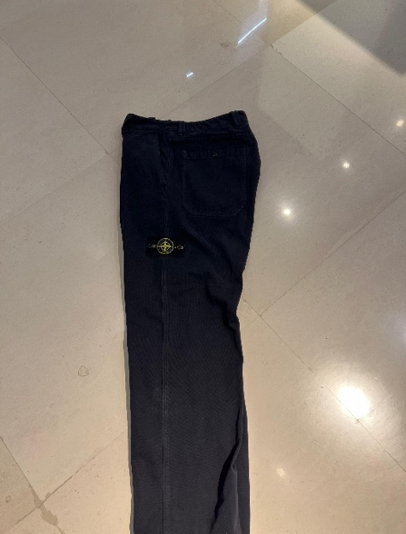 | PANTALONE | K2S153100008 S0184 V0126 | MADE ITALY | 1 |  | 1 |  |  | 2 | € 148.00 | € 296.00 | € 219.78 | € 439.56 | £196.23 | £392.46
STONE ISLAND | 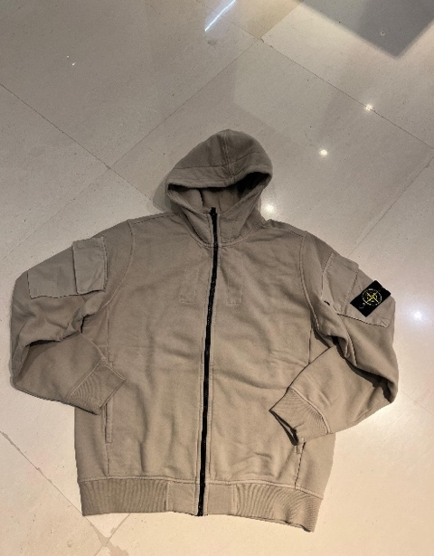 | FELPA | K2S156100009 S0A20 V009A | MADE TUNISIA |  | 1 | 2 | 1 | 1 | 5 | € 169.00 | € 845.00 | € 250.97 | € 1,254.83 | £224.08 | £1,120.38
STONE ISLAND | 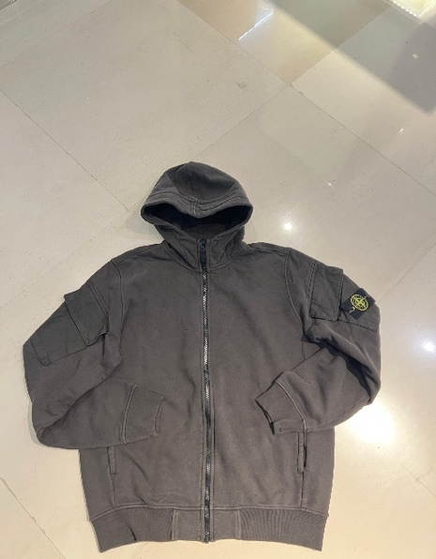 | FELPA | K2S156100009 S0A20 V0062 | MADE TUNISIA |  | 1 |  | 1 |  | 2 | € 169.00 | € 338.00 | € 250.97 | € 501.93 | £224.08 | £448.15
STONE ISLAND | 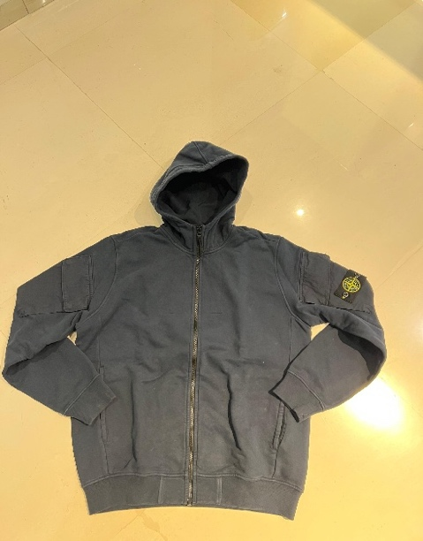 | FELPA | K2S156100009 S0A20 V0020 | MADE TUNISIA |  |  | 1 |  |  | 1 | € 169.00 | € 169.00 | € 250.97 | € 250.97 | £224.08 | £224.08
STONE ISLAND | 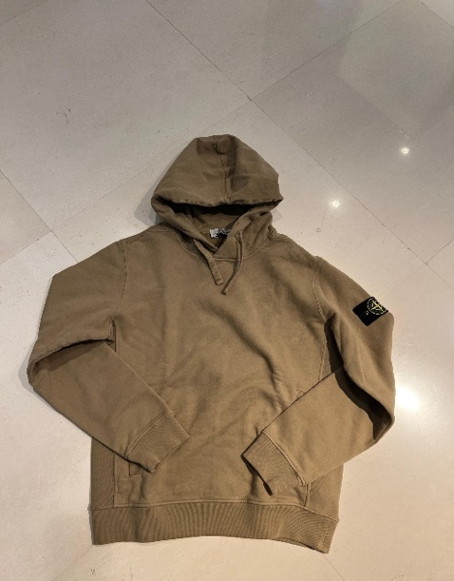 | FELPA | 811560820 V0094 | MADE ROMANIA |  | 1 | 1 | 1 |  | 3 | € 129.00 | € 387.00 | € 191.57 | € 574.70 | £171.04 | £513.12
STONE ISLAND | 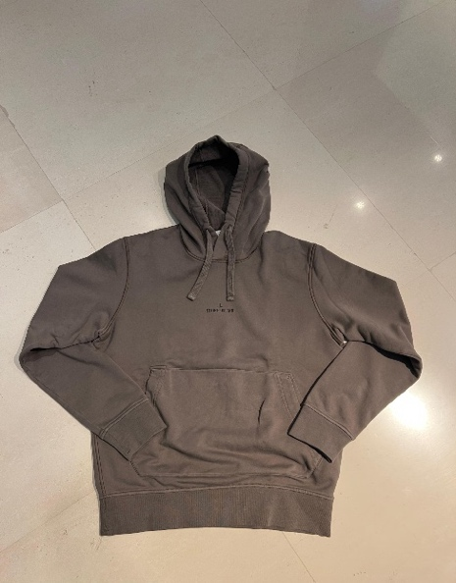 | FELPA | 811566283 V0075 | MADE TUNISIA |  | 1 |  |  |  | 1 | € 131.00 | € 131.00 | € 194.54 | € 194.54 | £173.69 | £173.69
STONE ISLAND | 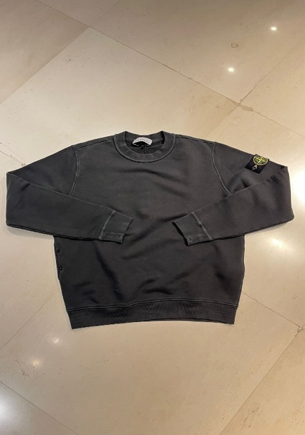 | FELPA | 811561241 V0162 | MADE TURCHIA |  | 1 | 1 |  |  | 2 | € 120.00 | € 240.00 | € 178.20 | € 356.40 | £159.11 | £318.21
STONE ISLAND | 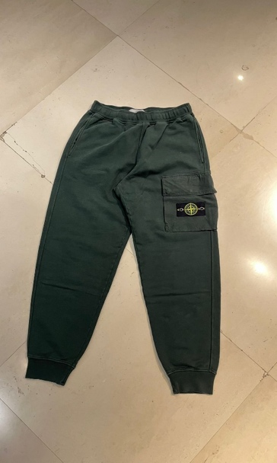 | PANTALONE | K2S156200003 S0A20 V005E | MADE ROMANIA | 1 |  | 1 |  |  | 2 | € 131.00 | € 262.00 | € 194.54 | € 389.07 | £173.69 | £347.38
STONE ISLAND | 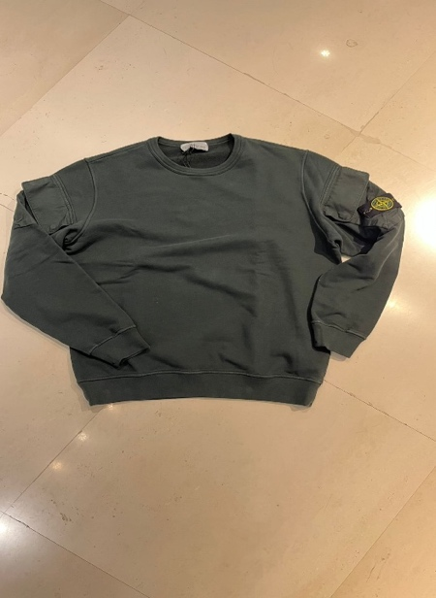 | FELPA | K2S156100008 S0A20 V005E | MADE ROMANIA |  |  | 1 | 1 |  | 2 | € 131.00 | € 262.00 | € 194.54 | € 389.07 | £173.69 | £347.38
STONE ISLAND | 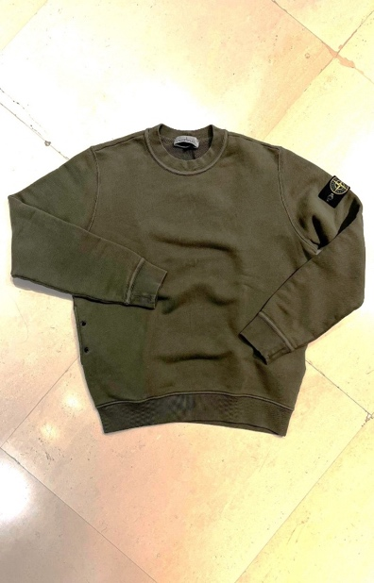 | FELPA | 811561241 V0159 | MADE ROMANIA |  | 1 | 1 | 1 |  | 3 | € 120.00 | € 360.00 | € 178.20 | € 534.60 | £159.11 | £477.32
STONE ISLAND | 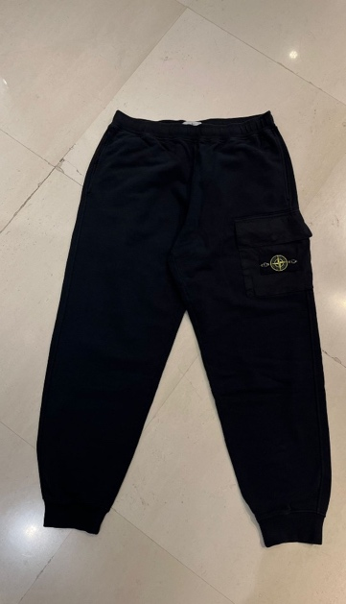 | PANTALONE | K2S156200003 S0A20 V0029 | MADE ROMANIA |  |  |  | 1 |  | 1 | € 131.00 | € 131.00 | € 194.54 | € 194.54 | £173.69 | £173.69
STONE ISLAND | 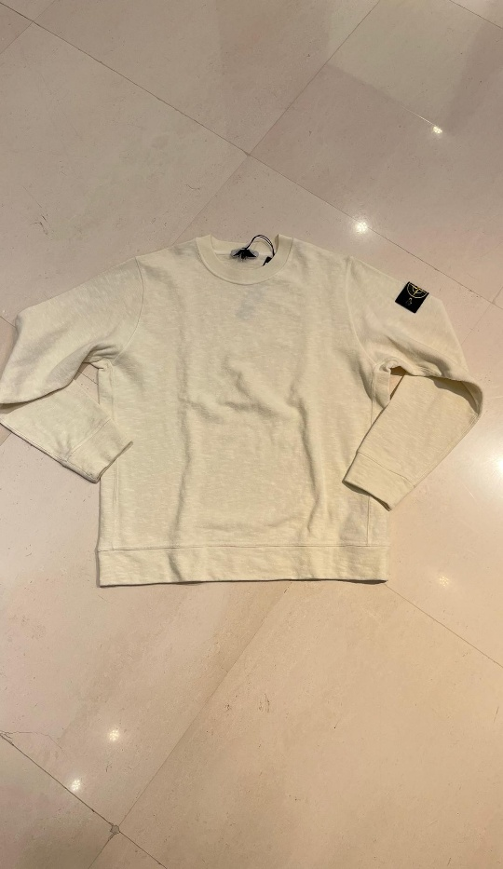 | FELPA | K2S156100053 S0238 V0093 | MADE ROMANIA |  | 2 | 1 |  | 1 | 4 | € 124.00 | € 496.00 | € 184.14 | € 736.56 | £164.41 | £657.64
STONE ISLAND | 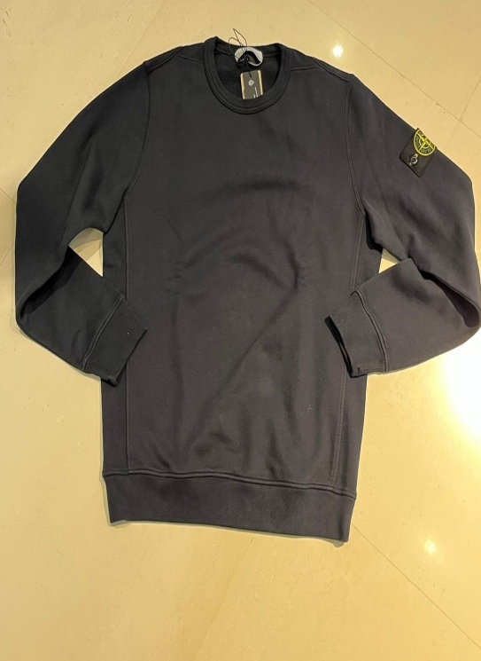 | FELPA | 811562420 V0020 | MADE MOLDAVIA |  | 1 | 1 |  | 1 | 3 | € 105.00 | € 315.00 | € 155.93 | € 467.78 | £139.22 | £417.66
STONE ISLAND | 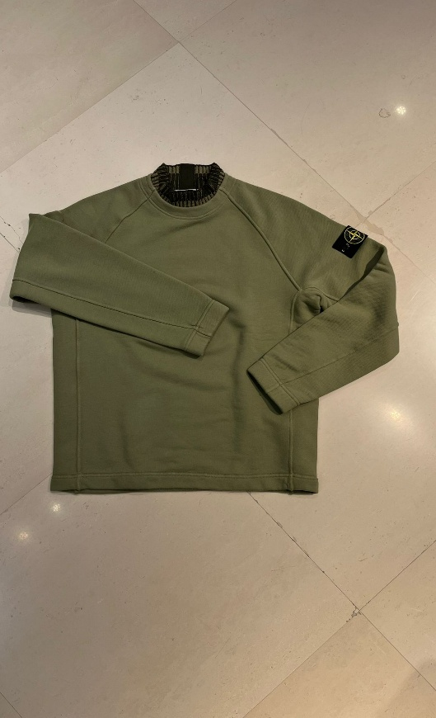 | FELPA | K2S156100081 S0185 V0055 | MADE TUNISIA |  | 2 | 2 | 1 |  | 5 | € 169.00 | € 845.00 | € 250.97 | € 1,254.83 | £224.08 | £1,120.38
STONE ISLAND | 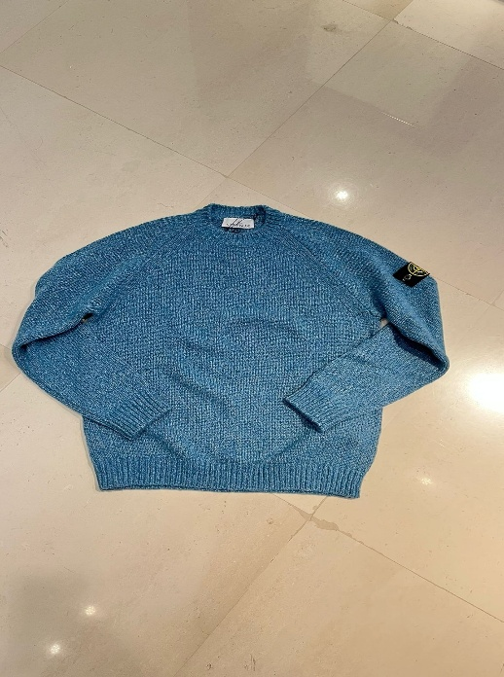 | MAGLIONE | K2S155100050 S00N1 V0M57 | MADE CROAZIA |  | 1 |  | 1 |  | 2 | € 185.00 | € 370.00 | € 274.73 | € 549.45 | £245.29 | £490.58
STONE ISLAND | 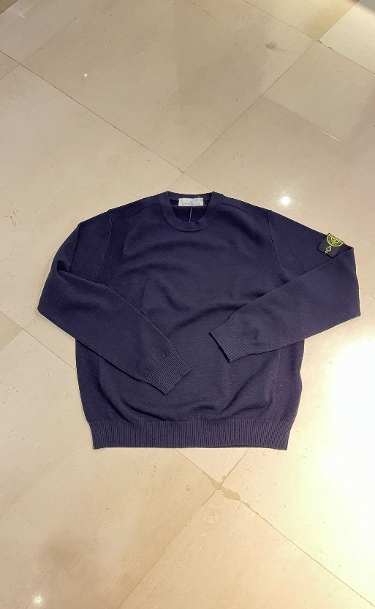 | MAGLIONE | K2S155100001 S00A1 V0020 | MADE IN BULGARIA |  |  | 1 |  |  | 1 | € 142.00 | € 142.00 | € 210.87 | € 210.87 | £188.28 | £188.28
STONE ISLAND | 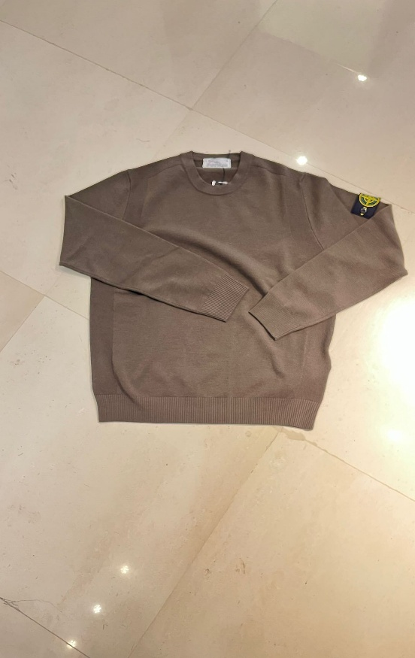 | MAGLIONE | K2S155100001 S00A1 V0054 | MADE IN BULGARIA |  |  | 1 |  |  | 1 | € 142.00 | € 142.00 | € 210.87 | € 210.87 | £188.28 | £188.28
STONE ISLAND | 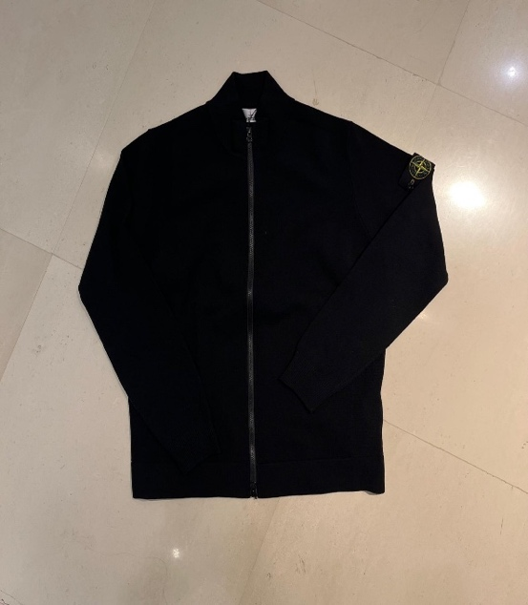 | CARDIGAN | K2S155100062 S00A1 V0020 | MADE IN BULGARIA |  |  |  |  | 1 | 1 | € 169.00 | € 169.00 | € 250.97 | € 250.97 | £224.08 | £224.08
STONE ISLAND | 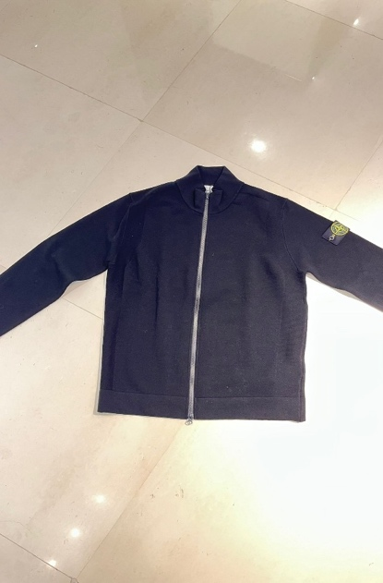 | CARDIGAN | K2S1551000S2 S00A1 V0029 | MADE IN BULGARIA |  |  | 1 |  |  | 1 | € 169.00 | € 169.00 | € 250.97 | € 250.97 | £224.08 | £224.08
STONE ISLAND | 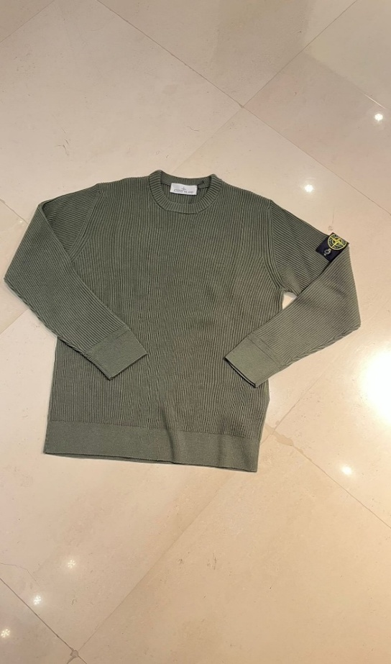 | MAGLIONE | K2S155100053 S00C2 V0054 | MADE IN TUNISIA |  |  |  | 1 |  | 1 | € 154.00 | € 154.00 | € 228.69 | € 228.69 | £204.19 | £204.19
STONE ISLAND | 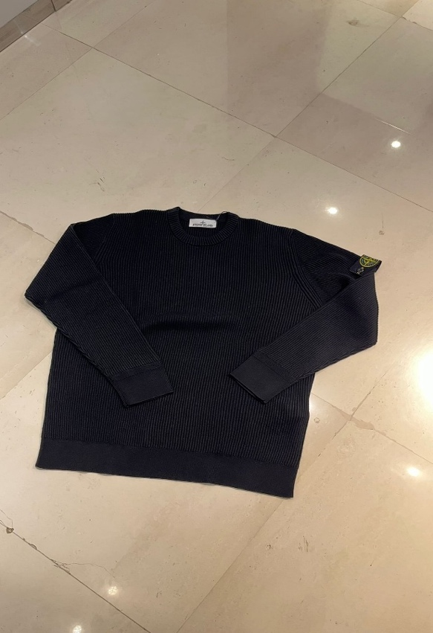 | MAGLIONE | K2S155100053 S00C2 V0029 | MADE TUNISIA |  |  |  |  | 1 | 1 | € 154.00 | € 154.00 | € 228.69 | € 228.69 | £204.19 | £204.19
STONE ISLAND | 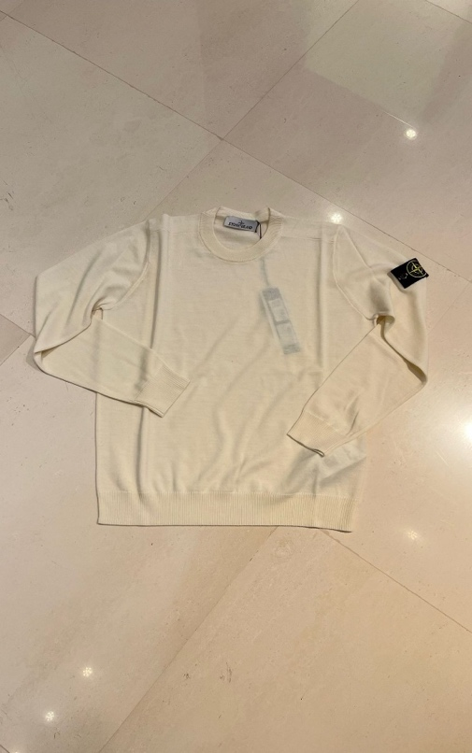 | MAGLIONE | K2S155100071 S00C4 V0093 | MADE TUNISIA |  |  | 1 | 1 |  | 2 | € 131.00 | € 262.00 | € 194.54 | € 389.07 | £173.69 | £347.38
STONE ISLAND | 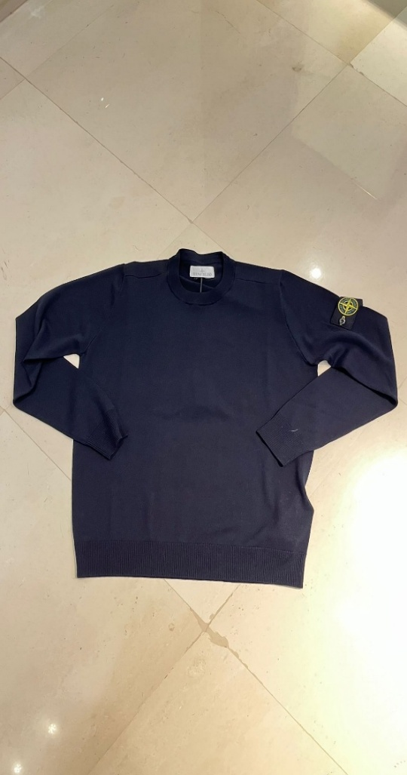 | MAGLIONE | K2S155100071 S00C4 V0020 | MADE TUNISIA |  | 1 | 1 |  |  | 2 | € 131.00 | € 262.00 | € 194.54 | € 389.07 | £173.69 | £347.38
STONE ISLAND | 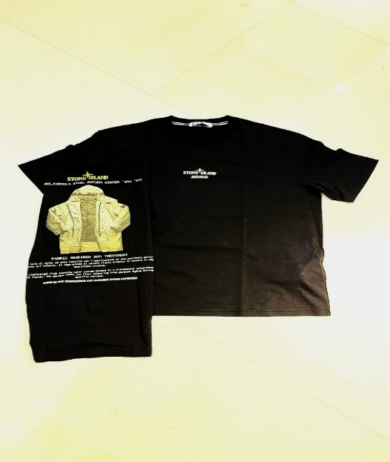 | T-SHIRT | K2S52100037 S0091 V0029 | MADE TUNISIA | 1 | 1 | 1 |  | 1 | 4 | € 73.00 | € 292.00 | € 108.41 | € 433.62 | £96.79 | £387.16
STONE ISLAND | 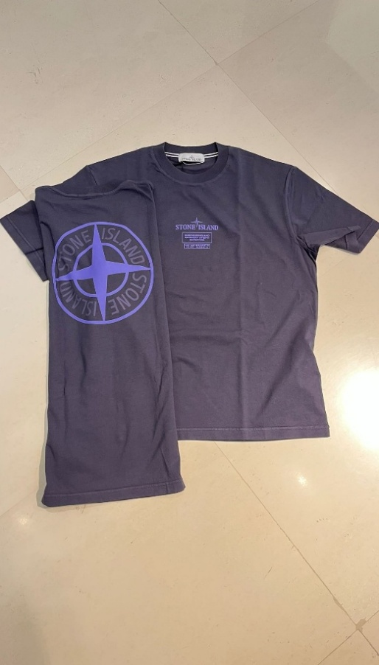 | T-SHIRT | K2S152100037 S0193 V0026 | MADE TUNISIA |  | 1 | 2 | 1 | 1 | 5 | € 73.00 | € 365.00 | € 108.41 | € 542.03 | £96.79 | £483.95
STONE ISLAND | 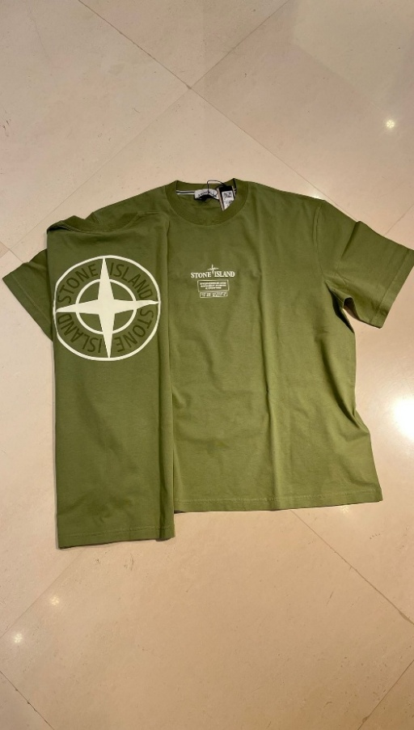 | T-SHIRT | K2S1521000037 S0193 V0055 | MADE TUNISIA |  |  | 2 | 1 | 1 | 4 | € 73.00 | € 292.00 | € 108.41 | € 433.62 | £96.79 | £387.16
STONE ISLAND |  | FELPA | K2S156100028 S0A20 V0020 | MADE TUNISIA |  |  |  | 1 |  | 1 | € 105.00 | € 105.00 | € 155.93 | € 155.93 | £139.22 | £139.22
 |  |  |  |  |  |  |  |  |  | 92 |  | € 16,888.00 |  | € 25,078.68 |  | £22,391.68

