OFFER
REF
NAME*
COMPANY NAME
DATE*
SALES REP*
EMAIL*
PHONE #*
PAYMENT CURRENCY (€/£)*
BILLING ADDRESS*
ORDER NUMBER
PRE/IN HAND
DELIVERY TYPE

Picture | Segment | Family Name | Family Code | Item Code | EAN Code | HS Code | COO | Season | Year | Color | Material | Size | Description | QTY | RRP € | RRP TOT € | COST € | COST TOT € | COST £ | COST TOT £
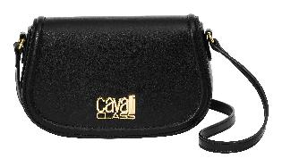 | Crossbody | VANESSA | CCHB0197 | CCHB01972100 | 4894626319150 | 4202 2210 | China | Fall Winter | 2025 | Black | Synthetic Leather | 24.5 x 15 x 5cm | CAVALLI CLASS Crossbody, Handbag, VANESSA, Black Color | 308 | € 205.00 | € 63,140.00 | € 57.40 | € 17,679.20 | £51.25 | £15,785.00
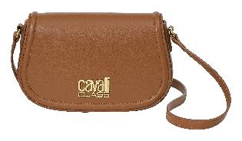 | Crossbody | VANESSA | CCHB0197 | CCHB01972200 | 4894626319167 | 4202 2210 | China | Fall Winter | 2025 | Toffee | Synthetic Leather | 24.5 x 15 x 5cm | CAVALLI CLASS Crossbody, Handbag, VANESSA, Toffee Color | 172 | € 205.00 | € 35,260.00 | € 57.40 | € 9,872.80 | £51.25 | £8,815.00
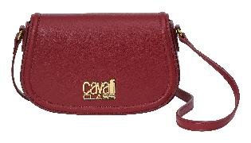 | Crossbody | VANESSA | CCHB0197 | CCHB01972300 | 4894626319174 | 4202 2210 | China | Fall Winter | 2025 | Rosewood | Synthetic Leather | 24.5 x 15 x 5cm | CAVALLI CLASS Crossbody, Handbag, VANESSA, Rosewood Color | 84 | € 205.00 | € 17,220.00 | € 57.40 | € 4,821.60 | £51.25 | £4,305.00
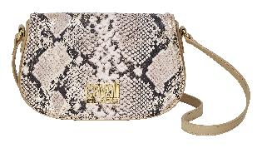 | Crossbody | VANESSA | CCHB0197 | CCHB01972400 | 4894626319181 | 4202 2210 | China | Fall Winter | 2025 | Snake & Hazelnut | Synthetic Leather | 24.5 x 15 x 5cm | CAVALLI CLASS Crossbody, Handbag, VANESSA, Snake & Hazelnut Color | 56 | € 205.00 | € 11,480.00 | € 57.40 | € 3,214.40 | £51.25 | £2,870.00
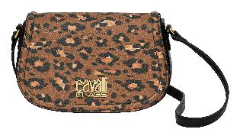 | Crossbody | VANESSA | CCHB0197 | CCHB01972500 | 4894626319198 | 4202 2210 | China | Fall Winter | 2025 | CC Leopard & Black | Synthetic Leather | 24.5 x 15 x 5cm | CAVALLI CLASS Crossbody, Handbag, VANESSA,CC Leopard & Black Color | 56 | € 205.00 | € 11,480.00 | € 57.40 | € 3,214.40 | £51.25 | £2,870.00
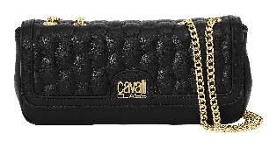 | Crossbody | LUCY | CCHB0248 | CCHB02482100 | 4894626319204 | 4202 2210 | China | Fall Winter | 2025 | Black | Synthetic Leather | 26 x 12 x 6cm | CAVALLI CLASS Crossbody, Handbag, LUCY, Black Color | 240 | € 215.00 | € 51,600.00 | € 60.20 | € 14,448.00 | £53.75 | £12,900.00
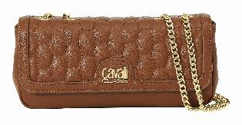 | Crossbody | LUCY | CCHB0248 | CCHB02482200 | 4894626319211 | 4202 2210 | China | Fall Winter | 2025 | Toffee | Synthetic Leather | 26 x 12 x 6cm | CAVALLI CLASS Crossbody, Handbag, LUCY, Toffee Color | 144 | € 215.00 | € 30,960.00 | € 60.20 | € 8,668.80 | £53.75 | £7,740.00
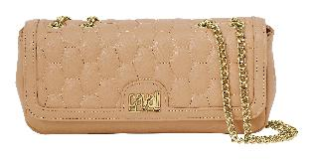 | Crossbody | LUCY | CCHB0248 | CCHB02482300 | 4894626319228 | 4202 2210 | China | Fall Winter | 2025 | Hazelnut | Synthetic Leather | 26 x 12 x 6cm | CAVALLI CLASS Crossbody, Handbag, LUCY, Hazelnut Color | 48 | € 215.00 | € 10,320.00 | € 60.20 | € 2,889.60 | £53.75 | £2,580.00
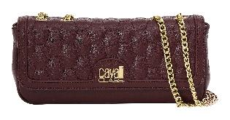 | Crossbody | LUCY | CCHB0248 | CCHB02482400 | 4894626319235 | 4202 2210 | China | Fall Winter | 2025 | Rosewood | Synthetic Leather | 26 x 12 x 6cm | CAVALLI CLASS Crossbody, Handbag, LUCY, Rosewood Color | 96 | € 215.00 | € 20,640.00 | € 60.20 | € 5,779.20 | £53.75 | £5,160.00
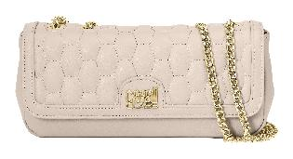 | Crossbody | LUCY | CCHB0248 | CCHB02482500 | 4894626319242 | 4202 2210 | China | Fall Winter | 2025 | Linen | Synthetic Leather | 26 x 12 x 6cm | CAVALLI CLASS Crossbody, Handbag, LUCY, Linen Color | 48 | € 215.00 | € 10,320.00 | € 60.20 | € 2,889.60 | £53.75 | £2,580.00
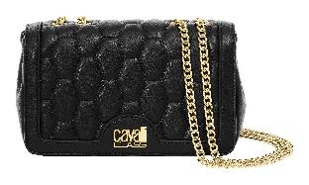 | Crossbody | CHRISTY | CCHB0195 | CCHB01952100 | 4894626319259 | 4202 2210 | China | Fall Winter | 2025 | Black | Synthetic Leather | 22 x 14 x 7cm | CAVALLI CLASS Crossbody, Handbag, CHRISTY, Black Color | 200 | € 215.00 | € 43,000.00 | € 60.20 | € 12,040.00 | £53.75 | £10,750.00
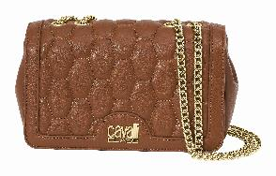 | Crossbody | CHRISTY | CCHB0195 | CCHB01952200 | 4894626319266 | 4202 2210 | China | Fall Winter | 2025 | Toffee | Synthetic Leather | 22 x 14 x 7cm | CAVALLI CLASS Crossbody, Handbag, CHRISTY, Toffee Color | 140 | € 215.00 | € 30,100.00 | € 60.20 | € 8,428.00 | £53.75 | £7,525.00
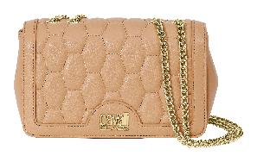 | Crossbody | CHRISTY | CCHB0195 | CCHB01952300 | 4894626319273 | 4202 2210 | China | Fall Winter | 2025 | Hazelnut | Synthetic Leather | 22 x 14 x 7cm | CAVALLI CLASS Crossbody, Handbag, CHRISTY, Hazelnut Color | 40 | € 215.00 | € 8,600.00 | € 60.20 | € 2,408.00 | £53.75 | £2,150.00
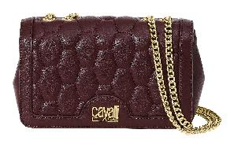 | Crossbody | CHRISTY | CCHB0195 | CCHB01952400 | 4894626319280 | 4202 2210 | China | Fall Winter | 2025 | Rosewood | Synthetic Leather | 22 x 14 x 7cm | CAVALLI CLASS Crossbody, Handbag, CHRISTY, Rosewood Color | 60 | € 215.00 | € 12,900.00 | € 60.20 | € 3,612.00 | £53.75 | £3,225.00
 | Crossbody | MAGGY | CCHB0196 | CCHB01962100 | 4894626319297 | 4202 2210 | China | Fall Winter | 2025 | Black | Synthetic Leather | 27.5 x 18.5 x 11cm | CAVALLI CLASS Crossbody, Handbag, MAGGY, Black Color | 245 | € 220.00 | € 53,900.00 | € 61.60 | € 15,092.00 | £55.00 | £13,475.00
 | Crossbody | MAGGY | CCHB0196 | CCHB01962200 | 4894626319303 | 4202 2210 | China | Fall Winter | 2025 | Toffee | Synthetic Leather | 27.5 x 18.5 x 11cm | CAVALLI CLASS Crossbody, Handbag, MAGGY, Toffee Color | 152 | € 220.00 | € 33,440.00 | € 61.60 | € 9,363.20 | £55.00 | £8,360.00
 | Crossbody | MAGGY | CCHB0196 | CCHB01962300 | 4894626319310 | 4202 2210 | China | Fall Winter | 2025 | Rosewood | Synthetic Leather | 27.5 x 18.5 x 11cm | CAVALLI CLASS Crossbody, Handbag, MAGGY, Rosewood Color | 108 | € 220.00 | € 23,760.00 | € 61.60 | € 6,652.80 | £55.00 | £5,940.00
 | Crossbody | MAGGY | CCHB0196 | CCHB01962400 | 4894626319327 | 4202 2210 | China | Fall Winter | 2025 | Khaki | Synthetic Leather | 27.5 x 18.5 x 11cm | CAVALLI CLASS Crossbody, Handbag, MAGGY, Khaki Color | 66 | € 220.00 | € 14,520.00 | € 61.60 | € 4,065.60 | £55.00 | £3,630.00
 | Crossbody | MAGGY | CCHB0196 | CCHB01962500 | 4894626319334 | 4202 2210 | China | Fall Winter | 2025 | Linen | Synthetic Leather | 27.5 x 18.5 x 11cm | CAVALLI CLASS Crossbody, Handbag, MAGGY, Linen Color | 80 | € 220.00 | € 17,600.00 | € 61.60 | € 4,928.00 | £55.00 | £4,400.00
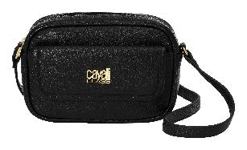 | Crossbody | CAROLA | CCHB0199 | CCHB01992100 | 4894626319341 | 4202 2210 | China | Fall Winter | 2025 | Black | Synthetic Leather | 21.5 x 14.5 x 6cm | CAVALLI CLASS Crossbody, Handbag, CAROLA, Black Color | 208 | € 175.00 | € 36,400.00 | € 49.00 | € 10,192.00 | £43.75 | £9,100.00
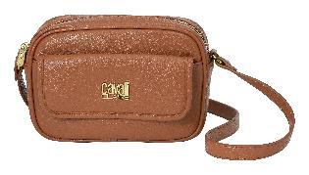 | Crossbody | CAROLA | CCHB0199 | CCHB01992200 | 4894626319358 | 4202 2210 | China | Fall Winter | 2025 | Toffee | Synthetic Leather | 21.5 x 14.5 x 6cm | CAVALLI CLASS Crossbody, Handbag, CAROLA, Toffee Color | 104 | € 175.00 | € 18,200.00 | € 49.00 | € 5,096.00 | £43.75 | £4,550.00
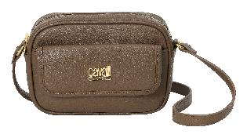 | Crossbody | CAROLA | CCHB0199 | CCHB01992300 | 4894626319365 | 4202 2210 | China | Fall Winter | 2025 | Khaki | Synthetic Leather | 21.5 x 14.5 x 6cm | CAVALLI CLASS Crossbody, Handbag, CAROLA, Khaki Color | 78 | € 175.00 | € 13,650.00 | € 49.00 | € 3,822.00 | £43.75 | £3,412.50
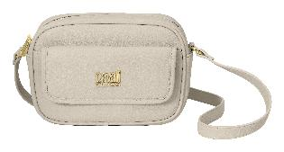 | Crossbody | CAROLA | CCHB0199 | CCHB01992400 | 4894626319372 | 4202 2210 | China | Fall Winter | 2025 | Linen | Synthetic Leather | 21.5 x 14.5 x 6cm | CAVALLI CLASS Crossbody, Handbag, CAROLA, Linen Color | 52 | € 175.00 | € 9,100.00 | € 49.00 | € 2,548.00 | £43.75 | £2,275.00
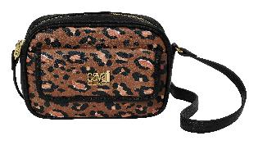 | Crossbody | CAROLA | CCHB0199 | CCHB01992500 | 4894626319389 | 4202 2210 | China | Fall Winter | 2025 | CC Leopard & Black | Synthetic Leather | 21.5 x 14.5 x 6cm | CAVALLI CLASS Crossbody, Handbag, CAROLA, CC Leopard & Black Color | 78 | € 175.00 | € 13,650.00 | € 49.00 | € 3,822.00 | £43.75 | £3,412.50
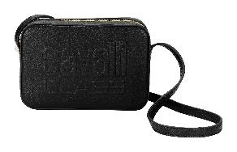 | Crossbody | LUANA | CCHB0198 | CCHB01982100 | 4894626319396 | 4202 2210 | China | Fall Winter | 2025 | Black | Synthetic Leather | 21 x 14 x 6cm | CAVALLI CLASS Crossbody, Handbag, LUANA, Black Color | 330 | € 165.00 | € 54,450.00 | € 46.20 | € 15,246.00 | £41.25 | £13,612.50
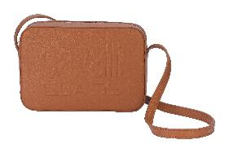 | Crossbody | LUANA | CCHB0198 | CCHB01982200 | 4894626319402 | 4202 2210 | China | Fall Winter | 2025 | Toffee | Synthetic Leather | 21 x 14 x 6cm | CAVALLI CLASS Crossbody, Handbag, LUANA, Toffee Color | 264 | € 165.00 | € 43,560.00 | € 46.20 | € 12,196.80 | £41.25 | £10,890.00
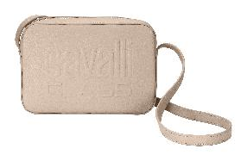 | Crossbody | LUANA | CCHB0198 | CCHB01982300 | 4894626319419 | 4202 2210 | China | Fall Winter | 2025 | Hazelnut | Synthetic Leather | 21 x 14 x 6cm | CAVALLI CLASS Crossbody, Handbag, LUANA, Hazelnut Color | 66 | € 165.00 | € 10,890.00 | € 46.20 | € 3,049.20 | £41.25 | £2,722.50
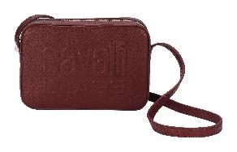 | Crossbody | LUANA | CCHB0198 | CCHB01982400 | 4894626319426 | 4202 2210 | China | Fall Winter | 2025 | Rosewood | Synthetic Leather | 21 x 14 x 6cm | CAVALLI CLASS Crossbody, Handbag, LUANA, Rosewood Color | 132 | € 165.00 | € 21,780.00 | € 46.20 | € 6,098.40 | £41.25 | £5,445.00
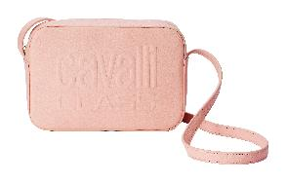 | Crossbody | LUANA | CCHB0198 | CCHB01982500 | 4894626319433 | 4202 2210 | China | Fall Winter | 2025 | Baby Pink | Synthetic Leather | 21 x 14 x 6cm | CAVALLI CLASS Crossbody, Handbag, LUANA, Baby Pink Color | 66 | € 165.00 | € 10,890.00 | € 46.20 | € 3,049.20 | £41.25 | £2,722.50
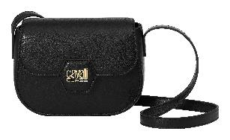 | Crossbody | OLIVIA | CCHB0201 | CCHB02012100 | 4894626319440 | 4202 2210 | China | Fall Winter | 2025 | Black | Synthetic Leather | 20 x 15.5 x 7cm | CAVALLI CLASS Crossbody, Handbag, OLIVIA, Black Color | 290 | € 175.00 | € 50,750.00 | € 49.00 | € 14,210.00 | £43.75 | £12,687.50
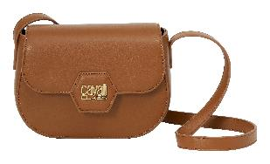 | Crossbody | OLIVIA | CCHB0201 | CCHB02012200 | 4894626319457 | 4202 2210 | China | Fall Winter | 2025 | Toffee | Synthetic Leather | 20 x 15.5 x 7cm | CAVALLI CLASS Crossbody, Handbag, OLIVIA, Toffee Color | 145 | € 175.00 | € 25,375.00 | € 49.00 | € 7,105.00 | £43.75 | £6,343.75
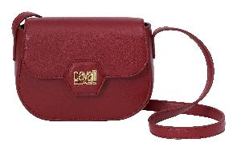 | Crossbody | OLIVIA | CCHB0201 | CCHB02012300 | 4894626319464 | 4202 2210 | China | Fall Winter | 2025 | Rosewood | Synthetic Leather | 20 x 15.5 x 7cm | CAVALLI CLASS Crossbody, Handbag, OLIVIA, Rosewood Color | 116 | € 175.00 | € 20,300.00 | € 49.00 | € 5,684.00 | £43.75 | £5,075.00
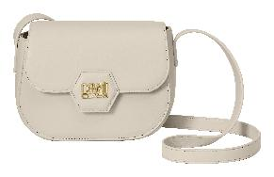 | Crossbody | OLIVIA | CCHB0201 | CCHB02012400 | 4894626319471 | 4202 2210 | China | Fall Winter | 2025 | Linen | Synthetic Leather | 20 x 15.5 x 7cm | CAVALLI CLASS Crossbody, Handbag, OLIVIA, Linen Color | 58 | € 175.00 | € 10,150.00 | € 49.00 | € 2,842.00 | £43.75 | £2,537.50
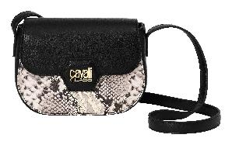 | Crossbody | OLIVIA | CCHB0201 | CCHB02012500 | 4894626319488 | 4202 2210 | China | Fall Winter | 2025 | Snake & Black | Synthetic Leather | 20 x 15.5 x 7cm | CAVALLI CLASS Crossbody, Handbag, OLIVIA, Snake & Black Color | 87 | € 175.00 | € 15,225.00 | € 49.00 | € 4,263.00 | £43.75 | £3,806.25
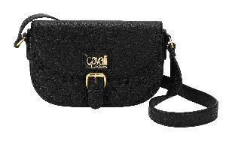 | Crossbody | ALICE | CCHB0200 | CCHB02002100 | 4894626319495 | 4202 2210 | China | Fall Winter | 2025 | Black | Synthetic Leather | 22.5 x 14.5 x 7cm | CAVALLI CLASS Crossbody, Handbag, ALICE, Black Color | 240 | € 205.00 | € 49,200.00 | € 57.40 | € 13,776.00 | £51.25 | £12,300.00
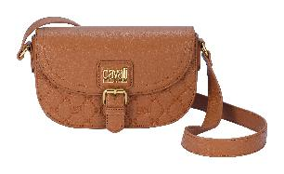 | Crossbody | ALICE | CCHB0200 | CCHB02002200 | 4894626319501 | 4202 2210 | China | Fall Winter | 2025 | Toffee | Synthetic Leather | 22.5 x 14.5 x 7cm | CAVALLI CLASS Crossbody, Handbag, ALICE, Toffee Color | 144 | € 205.00 | € 29,520.00 | € 57.40 | € 8,265.60 | £51.25 | £7,380.00
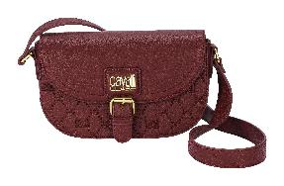 | Crossbody | ALICE | CCHB0200 | CCHB02002300 | 4894626319518 | 4202 2210 | China | Fall Winter | 2025 | Rosewood | Synthetic Leather | 22.5 x 14.5 x 7cm | CAVALLI CLASS Crossbody, Handbag, ALICE, Rosewood Color | 48 | € 205.00 | € 9,840.00 | € 57.40 | € 2,755.20 | £51.25 | £2,460.00
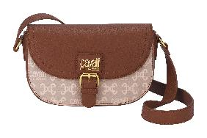 | Crossbody | ALICE | CCHB0200 | CCHB02002400 | 4894626319525 | 4202 2210 | China | Fall Winter | 2025 | Color Monogram & Toffee | Synthetic Leather | 22.5 x 14.5 x 7cm | CAVALLI CLASS Crossbody, Handbag, ALICE, Color Monogram & Toffee Color | 48 | € 205.00 | € 9,840.00 | € 57.40 | € 2,755.20 | £51.25 | £2,460.00
 | Crossbody | EMMA | CCHB0202 | CCHB02022100 | 4894626319549 | 4202 2210 | China | Fall Winter | 2025 | Black | Synthetic Leather | 24 x 17.5 x 5cm | CAVALLI CLASS Crossbody, Handbag, EMMA, Black Color | 189 | € 195.00 | € 36,855.00 | € 54.60 | € 10,319.40 | £48.75 | £9,213.75
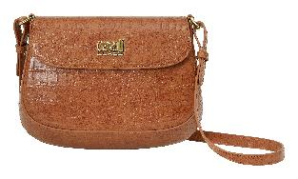 | Crossbody | EMMA | CCHB0202 | CCHB02022200 | 4894626319556 | 4202 2210 | China | Fall Winter | 2025 | Toffee | Synthetic Leather | 24 x 17.5 x 5cm | CAVALLI CLASS Crossbody, Handbag, EMMA, Toffee Color | 81 | € 195.00 | € 15,795.00 | € 54.60 | € 4,422.60 | £48.75 | £3,948.75
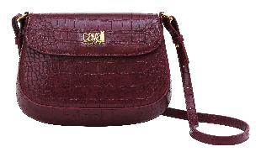 | Crossbody | EMMA | CCHB0202 | CCHB02022400 | 4894626319563 | 4202 2210 | China | Fall Winter | 2025 | Rosewood | Synthetic Leather | 24 x 17.5 x 5cm | CAVALLI CLASS Crossbody, Handbag, EMMA, Rosewood Color | 54 | € 195.00 | € 10,530.00 | € 54.60 | € 2,948.40 | £48.75 | £2,632.50
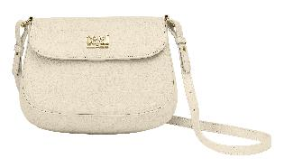 | Crossbody | EMMA | CCHB0202 | CCHB02022500 | 4894626319570 | 4202 2210 | China | Fall Winter | 2025 | Linen | Synthetic Leather | 24 x 17.5 x 5cm | CAVALLI CLASS Crossbody, Handbag, EMMA, Linen Color | 81 | € 195.00 | € 15,795.00 | € 54.60 | € 4,422.60 | £48.75 | £3,948.75
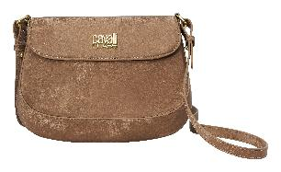 | Crossbody | EMMA | CCHB0202 | CCHB02022300 | 4894626319587 | 4202 2210 | China | Fall Winter | 2025 | Sand | Synthetic Leather | 24 x 17.5 x 5cm | CAVALLI CLASS Crossbody, Handbag, EMMA, Sand Color | 108 | € 195.00 | € 21,060.00 | € 54.60 | € 5,896.80 | £48.75 | £5,265.00
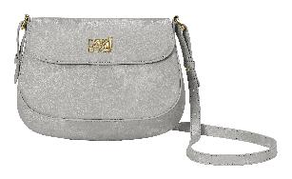 | Crossbody | EMMA | CCHB0202 | CCHB02022600 | 4894626319594 | 4202 2210 | China | Fall Winter | 2025 | Silver | Synthetic Leather | 24 x 17.5 x 5cm | CAVALLI CLASS Crossbody, Handbag, EMMA, Silver Color | 81 | € 195.00 | € 15,795.00 | € 54.60 | € 4,422.60 | £48.75 | £3,948.75
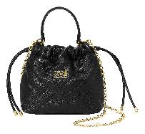 | Crossbody | CHARLOTTE | CCHB0203 | CCHB02032100 | 4894626319600 | 4202 2210 | China | Fall Winter | 2025 | Black | Synthetic Leather | 19.5 x 19.5 x 7cm | CAVALLI CLASS Crossbody, Handbag, CHARLOTTE, Black Color | 168 | € 195.00 | € 32,760.00 | € 54.60 | € 9,172.80 | £48.75 | £8,190.00
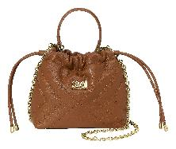 | Crossbody | CHARLOTTE | CCHB0203 | CCHB02032200 | 4894626319617 | 4202 2210 | China | Fall Winter | 2025 | Toffee | Synthetic Leather | 19.5 x 19.5 x 7cm | CAVALLI CLASS Crossbody, Handbag, CHARLOTTE, Toffee Color | 96 | € 195.00 | € 18,720.00 | € 54.60 | € 5,241.60 | £48.75 | £4,680.00
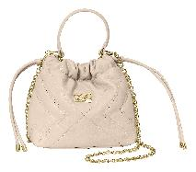 | Crossbody | CHARLOTTE | CCHB0203 | CCHB02032300 | 4894626319624 | 4202 2210 | China | Fall Winter | 2025 | Linen | Synthetic Leather | 19.5 x 19.5 x 7cm | CAVALLI CLASS Crossbody, Handbag, CHARLOTTE, Linen Color | 48 | € 195.00 | € 9,360.00 | € 54.60 | € 2,620.80 | £48.75 | £2,340.00
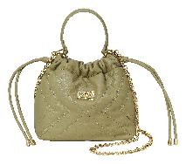 | Crossbody | CHARLOTTE | CCHB0203 | CCHB02032400 | 4894626319631 | 4202 2210 | China | Fall Winter | 2025 | Sage | Synthetic Leather | 19.5 x 19.5 x 7cm | CAVALLI CLASS Crossbody, Handbag, CHARLOTTE, Sage Color | 48 | € 195.00 | € 9,360.00 | € 54.60 | € 2,620.80 | £48.75 | £2,340.00
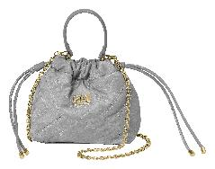 | Crossbody | CHARLOTTE | CCHB0203 | CCHB02032500 | 4894626319648 | 4202 2210 | China | Fall Winter | 2025 | Silver | Synthetic Leather | 19.5 x 19.5 x 7cm | CAVALLI CLASS Crossbody, Handbag, CHARLOTTE, Silver Color | 48 | € 195.00 | € 9,360.00 | € 54.60 | € 2,620.80 | £48.75 | £2,340.00
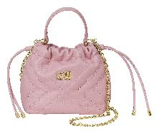 | Crossbody | CHARLOTTE | CCHB0203 | CCHB02032600 | 4894626319655 | 4202 2210 | China | Fall Winter | 2025 | Baby Pink | Synthetic Leather | 19.5 x 19.5 x 7cm | CAVALLI CLASS Crossbody, Handbag, CHARLOTTE, Baby Pink Color | 96 | € 195.00 | € 18,720.00 | € 54.60 | € 5,241.60 | £48.75 | £4,680.00
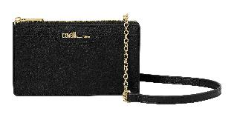 | Mini | AMELIA | CCHB0207 | CCHB02072100 | 4894626319662 | 4202 2210 | China | Fall Winter | 2025 | Black | Synthetic Leather | 19 x 10.5 x 3cm | CAVALLI CLASS Mini, Handbag, AMELIA, Black Color | 132 | € 145.00 | € 19,140.00 | € 40.60 | € 5,359.20 | £36.25 | £4,785.00
 | Mini | AMELIA | CCHB0207 | CCHB02072200 | 4894626319679 | 4202 2210 | China | Fall Winter | 2025 | Toffee | Synthetic Leather | 19 x 10.5 x 3cm | CAVALLI CLASS Mini, Handbag, AMELIA, Toffee Color | 88 | € 145.00 | € 12,760.00 | € 40.60 | € 3,572.80 | £36.25 | £3,190.00
 | Mini | AMELIA | CCHB0207 | CCHB02072300 | 4894626319686 | 4202 2210 | China | Fall Winter | 2025 | Monogram & Rosewood | Synthetic Leather | 19 x 10.5 x 3cm | CAVALLI CLASS Mini, Handbag, AMELIA, Monogram & Rosewood Color | 44 | € 145.00 | € 6,380.00 | € 40.60 | € 1,786.40 | £36.25 | £1,595.00
 | Mini | AMELIA | CCHB0207 | CCHB02072400 | 4894626319693 | 4202 2210 | China | Fall Winter | 2025 | Snake & Toffee | Synthetic Leather | 19 x 10.5 x 3cm | CAVALLI CLASS Mini, Handbag, AMELIA, Snake & Toffee Color | 88 | € 145.00 | € 12,760.00 | € 40.60 | € 3,572.80 | £36.25 | £3,190.00
 | Mini | AMELIA | CCHB0207 | CCHB02072500 | 4894626319709 | 4202 2210 | China | Fall Winter | 2025 | CC Leopard & Black | Synthetic Leather | 19 x 10.5 x 3cm | CAVALLI CLASS Mini, Handbag, AMELIA, CC Leopard & Black Color | 44 | € 145.00 | € 6,380.00 | € 40.60 | € 1,786.40 | £36.25 | £1,595.00
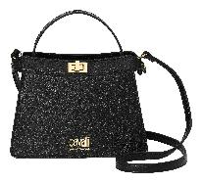 | Top Handle | AVA | CCHB0208 | CCHB02082100 | 4894626319716 | 4202 2210 | China | Fall Winter | 2025 | Black | Synthetic Leather | 23.5 x 17.5 x 12cm | CAVALLI CLASS Top Handle, Handbag, AVA, Black Color | 180 | € 255.00 | € 45,900.00 | € 71.40 | € 12,852.00 | £63.75 | £11,475.00
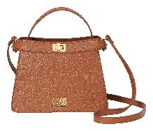 | Top Handle | AVA | CCHB0208 | CCHB02082200 | 4894626319723 | 4202 2210 | China | Fall Winter | 2025 | Toffee | Synthetic Leather | 23.5 x 17.5 x 12cm | CAVALLI CLASS Top Handle, Handbag, AVA, Toffee Color | 90 | € 255.00 | € 22,950.00 | € 71.40 | € 6,426.00 | £63.75 | £5,737.50
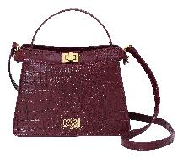 | Top Handle | AVA | CCHB0208 | CCHB02082300 | 4894626319730 | 4202 2210 | China | Fall Winter | 2025 | Rosewood | Synthetic Leather | 23.5 x 17.5 x 12cm | CAVALLI CLASS Top Handle, Handbag, AVA, Rosewood Color | 60 | € 255.00 | € 15,300.00 | € 71.40 | € 4,284.00 | £63.75 | £3,825.00
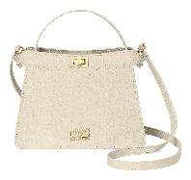 | Top Handle | AVA | CCHB0208 | CCHB02082400 | 4894626319747 | 4202 2210 | China | Fall Winter | 2025 | Linen | Synthetic Leather | 23.5 x 17.5 x 12cm | CAVALLI CLASS Top Handle, Handbag, AVA, Linen Color | 28 | € 255.00 | € 7,140.00 | € 71.40 | € 1,999.20 | £63.75 | £1,785.00
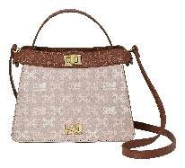 | Top Handle | AVA | CCHB0208 | CCHB02082500 | 4894626319754 | 4202 2210 | China | Fall Winter | 2025 | Color Monogram & Toffee | Synthetic Leather | 23.5 x 17.5 x 12cm | CAVALLI CLASS Top Handle, Handbag, AVA, Color Monogram & Toffee Color | 60 | € 255.00 | € 15,300.00 | € 71.40 | € 4,284.00 | £63.75 | £3,825.00
 | Top Handle | CAMILLA | CCHB0194 | CCHB01942100 | 4894626319761 | 4202 2210 | China | Fall Winter | 2025 | Black | Synthetic Leather | 24.5 x 17 x 9cm | CAVALLI CLASS Top Handle, Handbag, CAMILLA, Black Color | 168 | € 255.00 | € 42,840.00 | € 71.40 | € 11,995.20 | £63.75 | £10,710.00
 | Top Handle | CAMILLA | CCHB0194 | CCHB01942200 | 4894626319778 | 4202 2210 | China | Fall Winter | 2025 | Rosewood | Synthetic Leather | 24.5 x 17 x 9cm | CAVALLI CLASS Top Handle, Handbag, CAMILLA, Rosewood Color | 98 | € 255.00 | € 24,990.00 | € 71.40 | € 6,997.20 | £63.75 | £6,247.50
 | Top Handle | CAMILLA | CCHB0194 | CCHB01942300 | 4894626319785 | 4202 2210 | China | Fall Winter | 2025 | Khaki | Synthetic Leather | 24.5 x 17 x 9cm | CAVALLI CLASS Top Handle, Handbag, CAMILLA, Khaki Color | 70 | € 255.00 | € 17,850.00 | € 71.40 | € 4,998.00 | £63.75 | £4,462.50
 | Top Handle | CAMILLA | CCHB0194 | CCHB01942400 | 4894626319792 | 4202 2210 | China | Fall Winter | 2025 | Linen | Synthetic Leather | 24.5 x 17 x 9cm | CAVALLI CLASS Top Handle, Handbag, CAMILLA, Linen Color | 70 | € 255.00 | € 17,850.00 | € 71.40 | € 4,998.00 | £63.75 | £4,462.50
 | Top Handle | HARPER | CCHB0211 | CCHB02112100 | 4894626319808 | 4202 2210 | China | Fall Winter | 2025 | Black | Synthetic Leather | 27 x 12 x 9cm | CAVALLI CLASS Top Handle, Handbag, HARPER, Black Color | 132 | € 245.00 | € 32,340.00 | € 68.60 | € 9,055.20 | £61.25 | £8,085.00
 | Top Handle | HARPER | CCHB0211 | CCHB02112200 | 4894626319815 | 4202 2210 | China | Fall Winter | 2025 | Toffee | Synthetic Leather | 27 x 12 x 9cm | CAVALLI CLASS Top Handle, Handbag, HARPER, Toffee Color | 96 | € 245.00 | € 23,520.00 | € 68.60 | € 6,585.60 | £61.25 | £5,880.00
 | Top Handle | HARPER | CCHB0211 | CCHB02112300 | 4894626319822 | 4202 2210 | China | Fall Winter | 2025 | Hazelnut | Synthetic Leather | 27 x 12 x 9cm | CAVALLI CLASS Top Handle, Handbag, HARPER, Hazelnut Color | 48 | € 245.00 | € 11,760.00 | € 68.60 | € 3,292.80 | £61.25 | £2,940.00
 | Top Handle | HARPER | CCHB0211 | CCHB02112400 | 4894626319839 | 4202 2210 | China | Fall Winter | 2025 | Rosewood | Synthetic Leather | 27 x 12 x 9cm | CAVALLI CLASS Top Handle, Handbag, HARPER, Rosewood Color | 56 | € 245.00 | € 13,720.00 | € 68.60 | € 3,841.60 | £61.25 | £3,430.00
 | Top Handle | ELISABETTA | CCHB0214 | CCHB02142100 | 4894626319853 | 4202 2210 | China | Fall Winter | 2025 | Black | Synthetic Leather | 30 x 19.5 x 20cm | CAVALLI CLASS Top Handle, Handbag, ELISABETTA, Black Color | 130 | € 255.00 | € 33,150.00 | € 71.40 | € 9,282.00 | £63.75 | £8,287.50
 | Top Handle | ELISABETTA | CCHB0214 | CCHB02142200 | 4894626319860 | 4202 2210 | China | Fall Winter | 2025 | Toffee | Synthetic Leather | 30 x 19.5 x 20cm | CAVALLI CLASS Top Handle, Handbag, ELISABETTA, Toffee Color | 90 | € 255.00 | € 22,950.00 | € 71.40 | € 6,426.00 | £63.75 | £5,737.50
 | Top Handle | ELISABETTA | CCHB0214 | CCHB02142300 | 4894626319877 | 4202 2210 | China | Fall Winter | 2025 | Rosewood | Synthetic Leather | 30 x 19.5 x 20cm | CAVALLI CLASS Top Handle, Handbag, ELISABETTA, Rosewood Color | 51 | € 255.00 | € 13,005.00 | € 71.40 | € 3,641.40 | £63.75 | £3,251.25
 | Top Handle | ELISABETTA | CCHB0214 | CCHB02142400 | 4894626319884 | 4202 2210 | China | Fall Winter | 2025 | Khaki | Synthetic Leather | 30 x 19.5 x 20cm | CAVALLI CLASS Top Handle, Handbag, ELISABETTA, Khaki Color | 51 | € 255.00 | € 13,005.00 | € 71.40 | € 3,641.40 | £63.75 | £3,251.25
 | Top Handle | SOPHIA | CCHB0209 | CCHB02092100 | 4894626319907 | 4202 2210 | China | Fall Winter | 2025 | Black | Synthetic Leather | 22 x 13 x 6.5cm | CAVALLI CLASS Top Handle, Handbag, SOPHIA, Black Color | 189 | € 245.00 | € 46,305.00 | € 68.60 | € 12,965.40 | £61.25 | £11,576.25
 | Top Handle | SOPHIA | CCHB0209 | CCHB02092200 | 4894626319914 | 4202 2210 | China | Fall Winter | 2025 | Rosewood | Synthetic Leather | 22 x 13 x 6.5cm | CAVALLI CLASS Top Handle, Handbag, SOPHIA, Rosewood Color | 108 | € 245.00 | € 26,460.00 | € 68.60 | € 7,408.80 | £61.25 | £6,615.00
 | Top Handle | SOPHIA | CCHB0209 | CCHB02092300 | 4894626319921 | 4202 2210 | China | Fall Winter | 2025 | Silver | Synthetic Leather | 22 x 13 x 6.5cm | CAVALLI CLASS Top Handle, Handbag, SOPHIA, Silver Color | 54 | € 245.00 | € 13,230.00 | € 68.60 | € 3,704.40 | £61.25 | £3,307.50
 | Top Handle | SOPHIA | CCHB0209 | CCHB02092400 | 4894626319938 | 4202 2210 | China | Fall Winter | 2025 | Snake & Black | Synthetic Leather | 22 x 13 x 6.5cm | CAVALLI CLASS Top Handle, Handbag, SOPHIA, Snake & Black Color | 54 | € 245.00 | € 13,230.00 | € 68.60 | € 3,704.40 | £61.25 | £3,307.50
 | Top Handle | SOPHIA | CCHB0209 | CCHB02092500 | 4894626319945 | 4202 2210 | China | Fall Winter | 2025 | CC Leopard & Black | Synthetic Leather | 22 x 13 x 6.5cm | CAVALLI CLASS Top Handle, Handbag, SOPHIA, CC Leopard & Black Color | 54 | € 245.00 | € 13,230.00 | € 68.60 | € 3,704.40 | £61.25 | £3,307.50
 | Top Handle | ELEANOR | CCHB0222 | CCHB02222100 | 4894626319952 | 4202 2210 | China | Fall Winter | 2025 | Black | Synthetic Leather | 26 x 15 x 12cm | CAVALLI CLASS Top Handle, Handbag, ELEANOR, Black Color | 128 | € 205.00 | € 26,240.00 | € 57.40 | € 7,347.20 | £51.25 | £6,560.00
 | Top Handle | ELEANOR | CCHB0222 | CCHB02222200 | 4894626319969 | 4202 2210 | China | Fall Winter | 2025 | Toffee | Synthetic Leather | 26 x 15 x 12cm | CAVALLI CLASS Top Handle, Handbag, ELEANOR, Toffee Color | 80 | € 205.00 | € 16,400.00 | € 57.40 | € 4,592.00 | £51.25 | £4,100.00
 | Top Handle | ELEANOR | CCHB0222 | CCHB02222300 | 4894626319976 | 4202 2210 | China | Fall Winter | 2025 | Hazelnut | Synthetic Leather | 26 x 15 x 12cm | CAVALLI CLASS Top Handle, Handbag, ELEANOR, Hazelnut Color | 48 | € 205.00 | € 9,840.00 | € 57.40 | € 2,755.20 | £51.25 | £2,460.00
 | Top Handle | ELEANOR | CCHB0222 | CCHB02222400 | 4894626319983 | 4202 2210 | China | Fall Winter | 2025 | Rosewood | Synthetic Leather | 26 x 15 x 12cm | CAVALLI CLASS Top Handle, Handbag, ELEANOR, Rosewood Color | 48 | € 205.00 | € 9,840.00 | € 57.40 | € 2,755.20 | £51.25 | £2,460.00
 | Top Handle | ISABELLA | CCHB0210 | CCHB02102100 | 4894626319990 | 4202 2210 | China | Fall Winter | 2025 | Black | Synthetic Leather | 23 x 22 x 10cm | CAVALLI CLASS Top Handle, Handbag, ISABELLA, Black Color | 100 | € 245.00 | € 24,500.00 | € 68.60 | € 6,860.00 | £61.25 | £6,125.00
 | Top Handle | ISABELLA | CCHB0210 | CCHB02102200 | 4894626320002 | 4202 2210 | China | Fall Winter | 2025 | Toffee | Synthetic Leather | 23 x 22 x 10cm | CAVALLI CLASS Top Handle, Handbag, ISABELLA, Toffee Color | 86 | € 245.00 | € 21,070.00 | € 68.60 | € 5,899.60 | £61.25 | £5,267.50
 | Top Handle | ISABELLA | CCHB0210 | CCHB02102300 | 4894626320019 | 4202 2210 | China | Fall Winter | 2025 | Rosewood | Synthetic Leather | 23 x 22 x 10cm | CAVALLI CLASS Top Handle, Handbag, ISABELLA, Rosewood Color | 44 | € 245.00 | € 10,780.00 | € 68.60 | € 3,018.40 | £61.25 | £2,695.00
 | Top Handle | ISABELLA | CCHB0210 | CCHB02102400 | 4894626320026 | 4202 2210 | China | Fall Winter | 2025 | Baby Pink | Synthetic Leather | 23 x 22 x 10cm | CAVALLI CLASS Top Handle, Handbag, ISABELLA, Baby Pink Color | 96 | € 245.00 | € 23,520.00 | € 68.60 | € 6,585.60 | £61.25 | £5,880.00
 | Top Handle | ISABELLA | CCHB0210 | CCHB02102500 | 4894626320033 | 4202 2210 | China | Fall Winter | 2025 | Monogram & Rosewood | Synthetic Leather | 23 x 22 x 10cm | CAVALLI CLASS Top Handle, Handbag, ISABELLA, Monogram & Rosewood Color | 51 | € 245.00 | € 12,495.00 | € 68.60 | € 3,498.60 | £61.25 | £3,123.75
 | Shoulder | CAROLINA | CCHB0218 | CCHB02182100 | 4894626320040 | 4202 2210 | China | Fall Winter | 2025 | Black | Synthetic Leather | 25.5 x 20 x 7cm | CAVALLI CLASS Shoulder Bag, Handbag, CAROLINA, Black Color | 180 | € 205.00 | € 36,900.00 | € 57.40 | € 10,332.00 | £51.25 | £9,225.00
 | Shoulder | CAROLINA | CCHB0218 | CCHB02182200 | 4894626320057 | 4202 2210 | China | Fall Winter | 2025 | Toffee | Synthetic Leather | 25.5 x 20 x 7cm | CAVALLI CLASS Shoulder Bag, Handbag, CAROLINA, Toffee Color | 129 | € 205.00 | € 26,445.00 | € 57.40 | € 7,404.60 | £51.25 | £6,611.25
 | Shoulder | CAROLINA | CCHB0218 | CCHB02182300 | 4894626320064 | 4202 2210 | China | Fall Winter | 2025 | Linen | Synthetic Leather | 25.5 x 20 x 7cm | CAVALLI CLASS Shoulder Bag, Handbag, CAROLINA, Linen Color | 32 | € 205.00 | € 6,560.00 | € 57.40 | € 1,836.80 | £51.25 | £1,640.00
 | Shoulder | CAROLINA | CCHB0218 | CCHB02182400 | 4894626320071 | 4202 2210 | China | Fall Winter | 2025 | Sage | Synthetic Leather | 25.5 x 20 x 7cm | CAVALLI CLASS Shoulder Bag, Handbag, CAROLINA, Sage Color | 36 | € 205.00 | € 7,380.00 | € 57.40 | € 2,066.40 | £51.25 | £1,845.00
 | Shoulder | CAROLINA | CCHB0218 | CCHB02182500 | 4894626320088 | 4202 2210 | China | Fall Winter | 2025 | Baby Pink | Synthetic Leather | 25.5 x 20 x 7cm | CAVALLI CLASS Shoulder Bag, Handbag, CAROLINA, Baby Pink Color | 98 | € 205.00 | € 20,090.00 | € 57.40 | € 5,625.20 | £51.25 | £5,022.50
...

