OFFER
REF
NAME*
COMPANY NAME
DATE*
SALES REP*
EMAIL*
PHONE #*
PAYMENT CURRENCY (€/£)*
BILLING ADDRESS*
ORDER NUMBER
PRE/IN HAND
DELIVERY TYPE

IMAGE | DESCRIPTION | Article Number | SEX | Type | Color | Size |  |  |  |  |  |  |  |  |  |  |  |  |  |  |  |  |  |  |  |  |  |  |  |  |  |  |  |  |  |  |  |  |  |  |  |  |  |  |  |  |  |  |  |  |  |  |  |  |  |  |  |  |  |  |  |  |  |  |  |  |  | EAN | QTY | RRP £ | RRP TOTAL £ | RRP € | RRP TOT € | COST € | COST TOT € | COST £ | COST TOT £
 |  |  |  |  |  | 6MTHS | 1Y | 2Y | 3Y | 4Y | 6Y | 7/8Y | 8Y | 10Y | 12Y | 14Y | O/S | 2 | 4 | 6 | 8 | 10 | 12 | 14 | 16 | 18 | 22 | 24 | 25 | 26 | 27 | 28 | 29 | 30 | 31 | 32 | 34 | 36 | 38 | 40 | 42 | 44 | 46 | 48 | 50 | 44R | 46 R | 48 R | 50 R | 52 | 52 R | 54 | 56 | 58 | 60 | XS/S | S/M | M/L | XXXS | XXS | XS | S | M | L | XL | XXL | XXXL
 | BURBERRY Black Satin Dress | 8088875 | WOMAN | Dress | BLACK |  |  |  |  |  |  |  |  |  |  |  |  |  | 2 |  | 3 | 2 | 1 |  |  |  |  |  |  |  |  |  |  |  |  |  |  |  |  |  |  |  |  |  |  |  |  |  |  |  |  |  |  |  |  |  |  |  |  |  |  |  |  |  |  |  |  | 5045706138393 | 8 | £2,300.00 | £18,400.00 | € 2,690.00 | € 21,520.00 | € 399.47 | € 3,195.72 | £341.55 | £2,732.40
 | One-shoulder Jerssey Ruffled Dress In Red | 8087963 | WOMAN | Topwear | RED/NAVY |  |  |  |  |  |  |  |  |  |  |  |  |  | 1 | 2 | 1 |  |  |  |  |  |  |  |  |  |  |  |  |  |  |  |  |  |  |  |  |  |  |  |  |  |  |  |  |  |  |  |  |  |  |  |  |  |  |  |  |  |  |  |  |  |  | 5045704442120 | 4 | £2,989.00 | £11,956.00 | € 3,495.00 | € 13,980.00 | € 519.01 | € 2,076.03 | £443.87 | £1,775.47
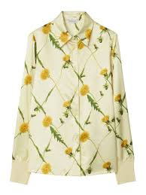 | Burberry Dandelion-Print Satin Shirt | 8082996 | WOMAN | Shirt | SHERBET IP PATTERN |  |  |  |  |  |  |  |  |  |  |  |  |  | 1 |  |  |  |  |  |  |  |  |  |  |  |  |  |  |  |  |  |  |  |  |  |  |  |  |  |  |  |  |  |  |  |  |  |  |  |  |  |  |  |  |  |  |  |  |  |  |  |  | 5045705082734 | 1 | £1,675.00 | £1,675.00 | € 1,960.00 | € 1,960.00 | € 291.06 | € 291.06 | £248.74 | £248.74
 | Trousers woman Burberry | 8082992 | WOMAN | Trousers | SHERBET |  |  |  |  |  |  |  |  |  |  |  |  |  |  | 1 |  |  |  |  |  |  |  |  |  |  |  |  |  |  |  |  |  |  |  |  |  |  |  |  |  |  |  |  |  |  |  |  |  |  |  |  |  |  |  |  |  |  |  |  |  |  |  | 5045705082735 | 1 | £1,390.00 | £1,390.00 | € 1,625.00 | € 1,625.00 | € 241.31 | € 241.31 | £206.42 | £206.42
 | Duck Print Wool Shirt | 8077801 | MEN | Shirt | BLACK IP PATTERN |  |  |  |  |  |  |  |  |  |  |  |  |  |  |  | 1 |  |  |  |  |  |  |  |  |  |  |  |  |  |  |  |  |  |  |  |  |  |  |  |  |  |  |  |  |  |  |  |  |  |  |  |  |  |  |  |  |  |  |  |  |  |  | 5045704687633 | 1 | £1,650.00 | £1,650.00 | € 1,930.00 | € 1,930.00 | € 286.60 | € 286.60 | £245.02 | £245.02
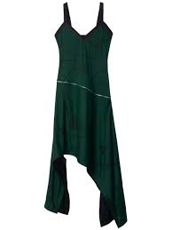 | shield hardware asymmetric midi dress | 8088621 | WOMAN | Topwear | VINE IP PATTERN |  |  |  |  |  |  |  |  |  |  |  |  |  |  | 2 | 2 |  |  |  |  |  |  |  |  |  |  |  |  |  |  |  |  |  |  |  |  |  |  |  |  |  |  |  |  |  |  |  |  |  |  |  |  |  |  |  |  |  |  |  |  |  |  | 5045706137884 | 4 | £4,591.00 | £18,364.00 | € 5,370.00 | € 21,480.00 | € 797.44 | € 3,189.78 | £681.76 | £2,727.05
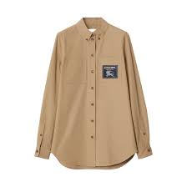 | Prosum logo label pocket shirt | 8065776 | WOMAN | Shirt | CAMEL |  |  |  |  |  |  |  |  |  |  |  |  |  |  |  | 1 |  |  |  |  |  |  |  |  |  |  |  |  |  |  |  |  |  |  |  |  |  |  |  |  |  |  |  |  |  |  |  |  |  |  |  |  |  |  |  |  |  |  |  |  |  |  | 5045706138393 | 1 | £1,600.00 | £1,600.00 | € 1,870.00 | € 1,870.00 | € 277.70 | € 277.70 | £237.60 | £237.60
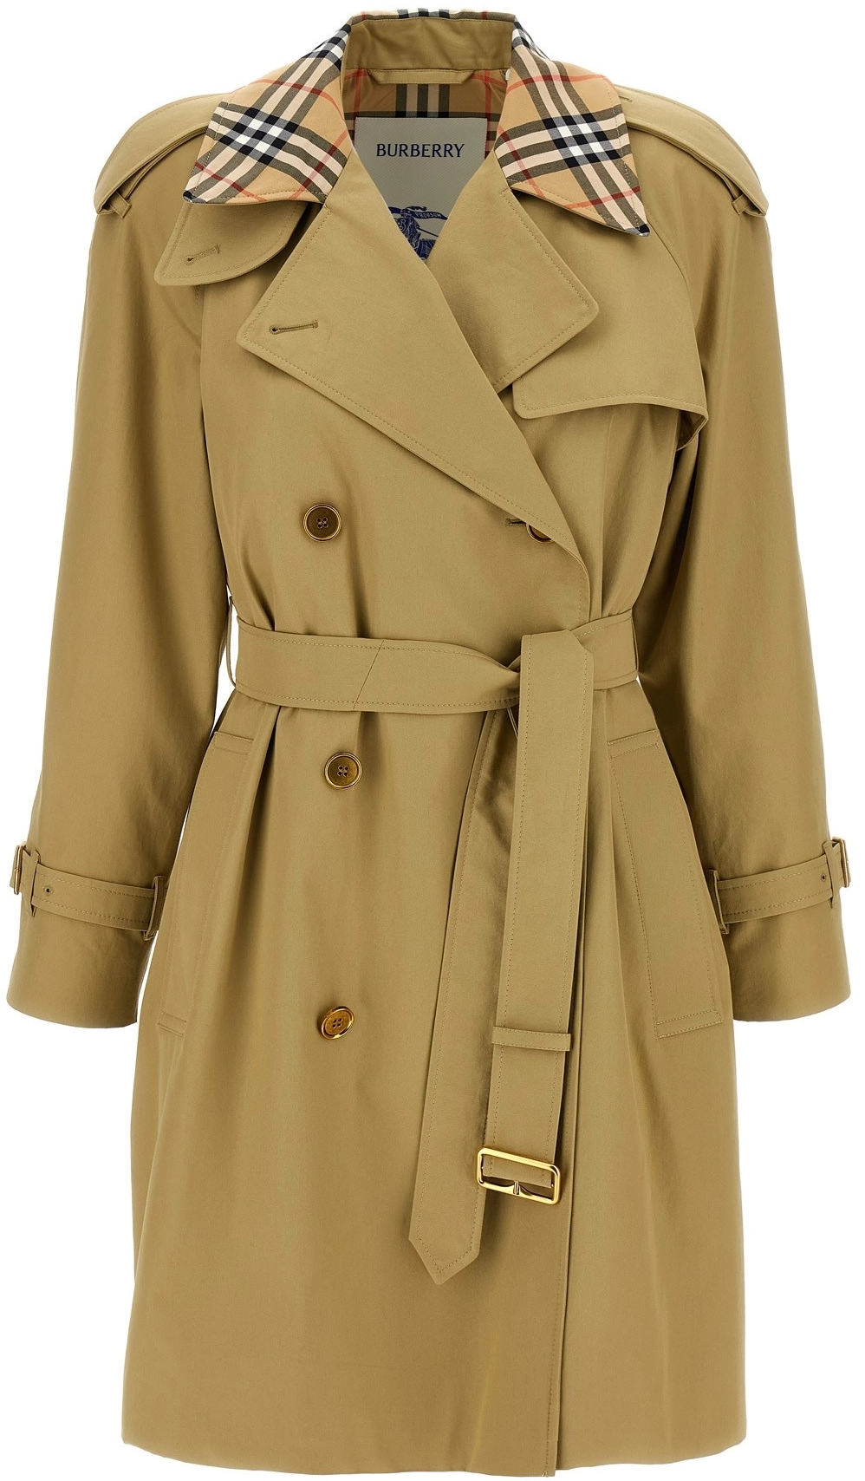 | Medium 'Castleford' trench coat | 8072643 | WOMAN | Jacket | SOFT FAWN |  |  |  |  |  |  |  |  |  |  |  |  |  |  |  | 1 |  |  |  |  |  |  |  |  |  |  |  |  |  |  |  |  |  |  |  |  |  |  |  |  |  |  |  |  |  |  |  |  |  |  |  |  |  |  |  |  |  |  |  |  |  |  | 5045702329450 | 1 | £3,051.00 | £3,051.00 | € 3,570.00 | € 3,570.00 | € 530.15 | € 530.15 | £453.07 | £453.07
 | Reconstructed Lace Panel T-Shirt Dress | 8067499 | WOMAN | Dress | OPTIC WHITE |  |  |  |  |  |  |  |  |  |  |  |  |  |  |  |  | 1 |  |  |  |  |  |  |  |  |  |  |  |  |  |  |  |  |  |  |  |  |  |  |  |  |  |  |  |  |  |  |  |  |  |  |  |  |  |  |  |  |  |  |  |  |  | 5045701611457 | 1 | £1,990.00 | £1,990.00 | € 2,330.00 | € 2,330.00 | € 346.01 | € 346.01 | £295.52 | £295.52
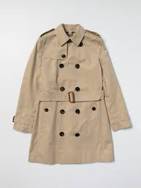 | Burberry Trench-Coat - Beige | 8001162 | KIDS | Jacket | ARCHIVE BEIGE |  |  |  |  |  |  |  |  |  |  |  |  |  |  |  |  |  |  |  |  |  |  |  |  |  |  |  |  |  |  |  |  |  |  |  |  |  |  |  |  |  | 1 |  |  |  | 1 |  |  |  |  |  |  |  |  |  |  |  |  |  |  |  |  | 5045556648325 | 2 | £1,200.00 | £2,400.00 | € 1,405.00 | € 2,810.00 | € 208.64 | € 417.28 | £178.20 | £356.40
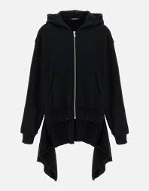 | Regulation Unbalance Hoodie 'Black | 8046665 | MEN | JUMPER | BLACK |  |  |  |  |  |  |  |  |  |  |  |  |  |  |  |  |  |  |  |  |  |  |  |  |  |  |  |  |  |  |  |  |  |  |  |  |  |  |  |  |  |  |  |  |  |  |  |  |  |  | 3 |  | 3 |  |  |  |  |  |  |  |  |  | 5045456412804 | 6 | £1,900.00 | £11,400.00 | € 2,225.00 | € 13,350.00 | € 330.41 | € 1,982.48 | £282.15 | £1,692.90
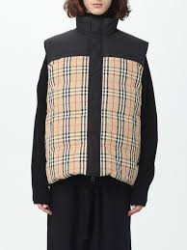 | Burberry Reversible vest in quilted nylon with Vintage Check insert | 8071366 | Men | Gilet | ARCHIVE BEIGE IP CHK |  |  |  |  |  |  |  |  |  |  |  |  |  |  |  |  |  |  |  |  |  |  |  |  |  |  |  |  |  |  |  |  |  |  |  |  |  |  |  |  |  |  |  |  |  |  |  |  |  |  |  |  |  |  |  | 3 | 11 | 16 | 22 | 15 | 8 | 3 | 5045704544173 | 78 | £1,680.00 | £131,040.00 | € 1,965.00 | € 153,270.00 | € 291.80 | € 22,760.60 | £249.48 | £19,459.44
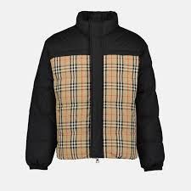 | Vintage Check Reversible Down Jacket | 8079296 | Men | Jacket | ARCHIVE BEIGE IP CHK |  |  |  |  |  |  |  |  |  |  |  |  |  |  |  |  |  |  |  |  |  |  |  |  |  |  |  |  |  |  |  |  |  |  |  |  |  |  |  |  |  |  |  |  |  |  |  |  |  |  |  |  |  |  |  | 2 | 11 | 19 | 17 | 12 | 11 | 8 | 5045704544174 | 80 | £1,999.00 | £159,920.00 | € 2,340.00 | € 187,200.00 | € 347.49 | € 27,799.20 | £296.85 | £23,748.12
 | Sleeveless Houndstooth Pattern Dress | 8082737 | WOMAN | Dress | PILLAR IP PATTERN |  |  |  |  |  |  |  |  |  |  |  |  |  |  |  |  |  |  |  |  |  |  |  |  |  |  |  |  |  |  |  |  |  |  |  |  |  |  |  |  |  |  |  |  |  |  |  |  |  |  |  |  |  |  |  |  |  | 1 | 1 | 2 |  |  | 5045702329451 | 4 | £2,190.00 | £8,760.00 | € 2,560.00 | € 10,240.00 | € 380.16 | € 1,520.64 | £325.22 | £1,300.86
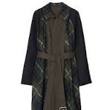 | Burberry cappotto reversibile | 8076711 | MEN | Jacket | OTTER |  |  |  |  |  |  |  |  |  |  |  |  |  |  |  |  |  |  |  |  |  |  |  |  |  |  |  |  |  |  |  |  |  |  |  |  |  |  |  |  |  |  |  |  |  |  | 1 |  |  |  |  |  |  |  |  |  |  |  |  |  |  |  | 5045704546121 | 1 | £2,950.00 | £2,950.00 | € 3,450.00 | € 3,450.00 | € 512.32 | € 512.32 | £438.08 | £438.08
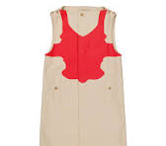 | Men's Reconstructed-Print Sleeveless Car Coat | 8051856 | MEN | Jacket | SOFT FAWN |  |  |  |  |  |  |  |  |  |  |  |  |  |  |  |  |  |  |  |  |  |  |  |  |  |  |  |  |  |  |  |  |  |  |  |  |  |  |  |  |  |  |  |  | 1 |  | 1 |  | 1 |  |  |  |  |  |  |  |  |  |  |  |  |  | 5045704546122 | 3 | £3,550.00 | £10,650.00 | € 4,155.00 | € 12,465.00 | € 617.02 | € 1,851.05 | £527.18 | £1,581.52
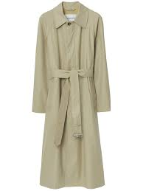 | Bradford Car Coat Gabardine Long Coat | 8077868 | MEN | Jacket | HUNTER |  |  |  |  |  |  |  |  |  |  |  |  |  |  |  |  |  |  |  |  |  |  |  |  |  |  |  |  |  |  |  |  |  |  |  |  |  | 2 | 3 | 3 |  |  |  |  | 2 |  |  |  |  |  |  |  |  |  |  |  |  |  |  |  |  |  | 5045704546121 | 10 | £2,179.00 | £21,790.00 | € 2,550.00 | € 25,500.00 | € 378.67 | € 3,786.75 | £323.58 | £3,235.82
 | Burberry Check Wool Pillar | 8076464 | WOMAN | Jacket | PILLAR |  |  |  |  |  |  |  |  |  |  |  |  |  |  |  |  |  |  |  |  |  |  |  |  |  |  |  |  |  |  |  |  |  | 3 | 1 |  |  |  |  |  |  |  |  |  |  |  |  |  |  |  |  |  |  |  |  |  |  |  |  |  |  |  | 5045704321339 | 4 | £2,750.00 | £11,000.00 | € 3,220.00 | € 12,880.00 | € 478.17 | € 1,912.68 | £408.38 | £1,633.50
 | Burberry Straight-Leg | 8057306 | MEN | Trousers | BLACK |  |  |  |  |  |  |  |  |  |  |  |  |  |  |  |  |  |  |  |  |  |  |  |  |  |  |  |  |  |  |  |  |  | 1 |  |  |  |  |  |  |  |  |  |  |  |  |  |  |  |  |  |  |  |  |  |  |  |  |  |  |  |  | 5045702095539 | 1 | £980.00 | £980.00 | € 1,145.00 | € 1,145.00 | € 170.03 | € 170.03 | £145.53 | £145.53
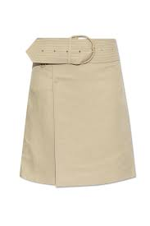 | Burberry Skirt with a wide belt | 8087482 | WOMAN | Skirt | COAT |  |  |  |  |  |  |  |  |  |  |  |  |  |  |  |  |  |  |  |  |  |  |  |  |  |  |  |  |  |  |  |  |  |  | 6 |  |  |  |  |  |  |  |  |  |  |  |  |  |  |  |  |  |  |  |  |  |  |  |  |  |  |  | 5045705677749 | 0 | £2,490.00 | £- | € 2,915.00 | € - | € 432.88 | € - | £369.77 | £-
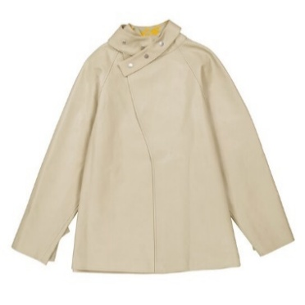 | Puttee Collar Leather Jacket | 8077268 | WOMAN | Jacket | HUNTER |  |  |  |  |  |  |  |  |  |  |  |  |  |  |  |  |  |  |  |  |  |  |  |  |  |  |  |  |  |  |  |  |  | 1 |  |  | 1 |  |  |  |  |  |  |  |  |  |  |  |  |  |  |  |  |  |  |  |  |  |  |  |  |  | 5045704441150 | 2 | £3,990.00 | £7,980.00 | € 4,670.00 | € 9,340.00 | € 693.50 | € 1,386.99 | £592.52 | £1,185.03
 | Burberry Faux Fur Cotton Parka Hunter Light Green Parka Jacket | 8079197 | MEN | Jacket | HUNTER |  |  |  |  |  |  |  |  |  |  |  |  |  |  |  |  |  |  |  |  |  |  |  |  |  |  |  |  |  |  |  |  |  |  |  |  |  |  |  |  |  |  |  |  |  |  |  |  |  |  |  |  |  |  |  |  |  | 1 | 1 |  |  |  | 5045704546459 | 2 | £3,350.00 | £6,700.00 | € 3,920.00 | € 7,840.00 | € 582.12 | € 1,164.24 | £497.47 | £994.95
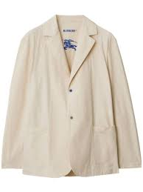 | Notched Lapel Single Breasted | 8083666 | MEN | Jacket | SOAP |  |  |  |  |  |  |  |  |  |  |  |  |  |  |  |  |  |  |  |  |  |  |  |  |  |  |  |  |  |  |  |  |  |  |  |  |  |  |  |  |  |  |  |  |  |  | 1 |  |  |  |  |  |  |  |  |  |  |  |  |  |  |  | 5045705327774 | 1 | £2,200.00 | £2,200.00 | € 2,575.00 | € 2,575.00 | € 382.39 | € 382.39 | £326.70 | £326.70
 | Burberry EKD Wool Blanket Cape Knight | 8079108 | WOMAN | Jacket | KNIGHT |  |  |  |  |  |  |  |  |  |  |  |  |  |  |  |  |  |  |  |  |  |  |  |  |  |  |  |  |  |  |  |  |  |  |  |  |  |  |  |  |  |  |  |  |  |  |  |  |  |  |  |  |  |  |  |  |  | 1 |  |  |  |  | 5045704724772 | 1 | £5,045.00 | £5,045.00 | € 5,905.00 | € 5,905.00 | € 876.89 | € 876.89 | £749.18 | £749.18
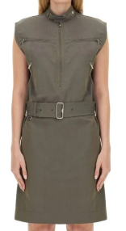 | zip-detail cotton-linen dress | 8086911 | WOMAN | Jacket | IRON |  |  |  |  |  |  |  |  |  |  |  |  | 1 |  |  |  |  |  |  |  |  |  |  |  |  |  |  |  |  |  |  |  | 1 |  |  |  |  |  |  |  |  |  |  |  |  |  |  |  |  |  |  |  |  |  |  |  |  |  |  |  |  |  | 5045705696283 | 1 | £2,289.00 | £2,289.00 | € 2,680.00 | € 2,680.00 | € 397.98 | € 397.98 | £339.92 | £339.92
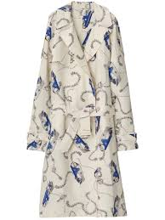 | knight hardware taffeta trench coat | 8089042 | WOMAN | Jacket | KNIGT /SALT IP |  |  |  |  |  |  |  |  |  |  |  |  |  |  |  |  |  |  |  |  |  |  |  |  |  |  |  |  |  |  |  |  |  |  |  |  |  | 1 |  |  |  |  |  |  |  |  |  |  |  |  |  |  |  |  |  |  |  |  |  |  |  |  | 5045704393572 | 1 | £1,599.00 | £1,599.00 | € 1,870.00 | € 1,870.00 | € 277.70 | € 277.70 | £237.45 | £237.45
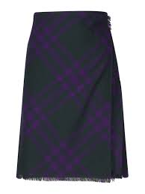 | Vintage Check Frayed-Edge Wool Skirt | 8078013 | WOMAN | Shirt | DEEP ROYAL IP CHECK |  |  |  |  |  |  |  |  |  |  |  |  |  |  | 1 |  |  |  |  |  |  |  |  |  |  |  |  |  |  |  |  |  |  |  |  |  |  |  |  |  |  |  |  |  |  |  |  |  |  |  |  |  |  |  |  |  |  |  |  |  |  |  | 5045704587315 | 1 | £1,800.00 | £1,800.00 | € 2,105.00 | € 2,105.00 | € 312.59 | € 312.59 | £267.30 | £267.30
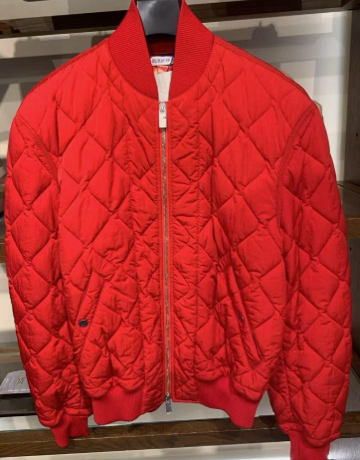 | tand up-collar quilted bomber jacket | 8082893 | MEN | Jacket | PILLAR |  |  |  |  |  |  |  |  |  |  |  |  |  |  |  | 1 | 1 |  |  |  |  |  |  |  |  |  |  |  |  |  |  |  |  |  |  |  |  |  |  |  |  |  |  |  |  |  |  |  |  |  |  |  |  |  |  |  |  |  |  |  |  |  | 5045705083908 | 2 | £2,600.00 | £5,200.00 | € 3,040.00 | € 6,080.00 | € 451.44 | € 902.88 | £386.10 | £772.20
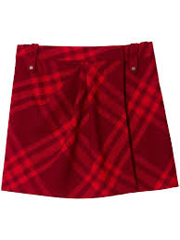 | Check Pleated Wool Mini Skirt | 8077814 | WOMAN | Skirt | RIPPLE IP CHK |  |  |  |  |  |  |  |  |  |  |  |  | 1 |  |  |  |  |  |  |  |  |  |  |  |  |  |  |  |  |  |  |  |  |  |  |  |  |  |  |  |  |  |  |  |  |  |  |  |  |  |  |  |  |  |  |  |  |  |  |  |  |  | 5045704587317 | 1 | £1,800.00 | £1,800.00 | € 2,105.00 | € 2,105.00 | € 312.59 | € 312.59 | £267.30 | £267.30
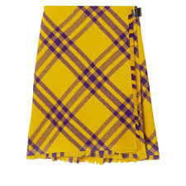 | Burberry Yellow Check Wool Kilt Skirt | 8077198 | WOMAN | Skirt | PEAR IP CHK |  |  |  |  |  |  |  |  |  |  |  |  |  | 1 | 1 |  |  |  |  |  |  |  |  |  |  |  |  |  |  |  |  |  |  |  |  |  |  |  |  |  |  |  |  |  |  |  |  |  |  |  |  |  |  |  |  |  |  |  |  |  |  |  | 5045704587318 | 2 | £1,600.00 | £3,200.00 | € 1,870.00 | € 3,740.00 | € 277.70 | € 555.39 | £237.60 | £475.20
 | Check Pleated Wool Mini Skirt | 8076880 | WOMAN | Skirt | RIPPLE IP CHK |  |  |  |  |  |  |  |  |  |  |  |  |  |  | 1 |  |  |  |  |  |  |  |  |  |  |  |  |  |  |  |  |  |  |  |  |  |  |  |  |  |  |  |  |  |  |  |  |  |  |  |  |  |  |  |  |  |  |  |  |  |  |  | 5045704587319 | 1 | £2,090.00 | £2,090.00 | € 2,445.00 | € 2,445.00 | € 363.08 | € 363.08 | £310.37 | £310.37
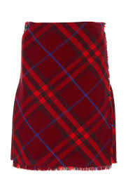 | Wool Plaid-Check Kilt | 8077477 | WOMAN | Skirt | CRIMSON IP CHK |  |  |  |  |  |  |  |  |  |  |  |  |  |  |  | 1 | 2 |  |  |  |  |  |  |  |  |  |  |  |  |  |  |  |  |  |  |  |  |  |  |  |  |  |  |  |  |  |  |  |  |  |  |  |  |  |  |  |  |  |  |  |  |  | 5045704587320 | 3 | £1,800.00 | £5,400.00 | € 2,105.00 | € 6,315.00 | € 312.59 | € 937.78 | £267.30 | £801.90
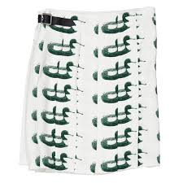 | Duck Print Kilt Silk Skirt | 8077276 | WOMAN | Skirt | VINE IP PAT |  |  |  |  |  |  |  |  |  |  |  |  |  | 2 |  |  |  |  |  |  |  |  |  |  |  |  |  |  |  |  |  |  |  |  |  |  |  |  |  |  |  |  |  |  |  |  |  |  |  |  |  |  |  |  |  |  |  |  |  |  |  |  | 5045704469802 | 2 | £2,980.00 | £5,960.00 | € 3,485.00 | € 6,970.00 | € 517.52 | € 1,035.04 | £442.53 | £885.06
 | Mini Skirt | 8078373 | WOMAN | Shirt | RIBBON IP CHEK |  |  |  |  |  |  |  |  |  |  |  |  |  |  |  |  | 1 |  |  |  |  |  |  |  |  |  |  |  |  |  |  |  |  |  |  |  |  |  |  |  |  |  |  |  |  |  |  |  |  |  |  |  |  |  |  |  |  |  |  |  |  |  | 5045704587324 | 1 | £1,900.00 | £1,900.00 | € 2,225.00 | € 2,225.00 | € 330.41 | € 330.41 | £282.15 | £282.15
 | Straight Leg Rose Print Trousers | 8077290 | WOMAN | Trousers | PEAT IP PATTERN |  |  |  |  |  |  |  |  |  |  |  |  |  |  |  | 3 |  |  |  |  |  |  |  |  |  |  |  |  |  |  |  |  |  |  |  |  |  |  |  |  |  |  |  |  |  |  |  |  |  |  |  |  |  |  |  |  |  |  |  |  |  |  | 5045704587326 | 3 | £1,790.00 | £5,370.00 | € 2,095.00 | € 6,285.00 | € 311.11 | € 933.32 | £265.82 | £797.44
 | Stretch Design Polo Collar Dress | 8083909 | WOMAN | Dress | HUNTER |  |  |  |  |  |  |  |  |  |  |  |  |  |  |  |  |  |  |  |  |  |  |  |  |  |  |  |  |  |  |  |  |  |  |  |  |  |  |  |  |  |  |  |  |  |  |  |  |  |  |  |  |  |  |  | 2 | 6 | 7 | 2 |  |  |  | 5045704587327 | 17 | £1,100.00 | £18,700.00 | € 1,285.00 | € 21,845.00 | € 190.82 | € 3,243.98 | £163.35 | £2,776.95
 | Argyle Ribbed-Knit Dress | 8081055 | WOMAN | Dress | IVY IP PATTERN |  |  |  |  |  |  |  |  |  |  |  |  |  |  |  |  |  |  |  |  |  |  |  |  |  |  |  |  |  |  |  |  |  |  |  |  |  |  |  |  |  |  |  |  |  |  |  |  |  |  |  |  |  |  | 1 |  |  |  |  |  |  |  | 5045704587330 | 1 | £1,430.00 | £1,430.00 | € 1,675.00 | € 1,675.00 | € 248.74 | € 248.74 | £212.36 | £212.36
 | Houndstooth Pattern Midi Dress | 8082552 | WOMAN | Dress | MONOCHROME IP PTTN |  |  |  |  |  |  |  |  |  |  |  |  |  |  |  |  |  |  |  |  |  |  |  |  |  |  |  |  |  |  |  |  |  |  |  |  |  |  |  |  |  |  |  |  |  |  |  |  |  |  |  |  |  |  |  | 1 | 5 |  |  |  |  |  | 5045704587330 | 6 | £3,180.00 | £19,080.00 | € 3,720.00 | € 22,320.00 | € 552.42 | € 3,314.52 | £472.23 | £2,833.38
 | Dress woman Burberry | 8083908 | WOMAN | Dress | RIBBON |  |  |  |  |  |  |  |  |  |  |  |  |  |  |  |  |  |  |  |  |  |  |  |  |  |  |  |  |  |  |  |  |  |  |  |  |  |  |  |  |  |  |  |  |  |  |  |  |  |  |  |  |  |  |  | 1 | 1 |  |  |  |  |  | 5045704587327 | 2 | £1,100.00 | £2,200.00 | € 1,285.00 | € 2,570.00 | € 190.82 | € 381.65 | £163.35 | £326.70
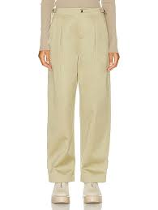 | Burberry Straight-leg Pants In Hunter | 8077496 | WOMAN | Trousers | HUNTER |  |  |  |  |  |  |  |  |  |  |  |  |  |  | 1 |  |  |  |  |  |  |  |  |  |  |  |  |  |  |  |  |  |  |  |  |  |  |  |  |  |  |  |  |  |  |  |  |  |  |  |  |  |  |  |  |  |  |  |  |  |  |  | 5045704587328 | 1 | £1,069.00 | £1,069.00 | € 1,250.00 | € 1,250.00 | € 185.63 | € 185.63 | £158.75 | £158.75
 | Burberry Smart Trousers 'Monochrome' | 8082672 | WOMAN | Trousers | MONOCHROME IP PTTN |  |  |  |  |  |  |  |  |  |  |  |  |  |  | 2 | 2 | 2 |  |  |  |  |  |  |  |  |  |  |  |  |  |  |  |  |  |  |  |  |  |  |  |  |  |  |  |  |  |  |  |  |  |  |  |  |  |  |  |  |  |  |  |  |  | 5045704587330 | 6 | £1,650.00 | £9,900.00 | € 1,930.00 | € 11,580.00 | € 286.60 | € 1,719.63 | £245.02 | £1,470.15
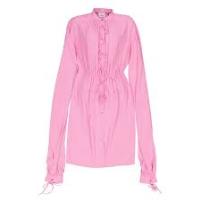 | Ladies Bubblegum Pink Joyce Silk Dress | 8032099 | WOMAN | Dress | BUBBLEGUM PINK |  |  |  |  |  |  |  |  |  |  |  |  |  |  | 1 |  |  |  |  |  |  |  |  |  |  |  |  |  |  |  |  |  |  |  |  |  |  |  |  |  |  |  |  |  |  |  |  |  |  |  |  |  |  |  |  |  |  |  |  |  |  |  | 5045623761920 | 1 | £2,290.00 | £2,290.00 | € 2,680.00 | € 2,680.00 | € 397.98 | € 397.98 | £340.07 | £340.07
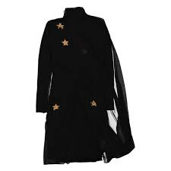 | Black Star Motif Gathered Silk Viscose Dress | 8047247 | WOMAN | Dress | BLACK |  |  |  |  |  |  |  |  |  |  |  |  |  | 1 |  |  |  |  |  |  |  |  |  |  |  |  |  |  |  |  |  |  |  |  |  |  |  |  |  |  |  |  |  |  |  |  |  |  |  |  |  |  |  |  |  |  |  |  |  |  |  |  | 5045623761927 | 1 | £1,990.00 | £1,990.00 | € 2,330.00 | € 2,330.00 | € 346.01 | € 346.01 | £295.52 | £295.52
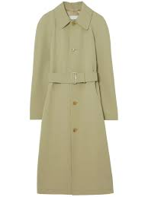 | BURBERRY Trench Coat In Hunter | 8077443 | MEN | Jacket | HUNTER |  |  |  |  |  |  |  |  |  |  |  |  |  | 1 | 3 | 6 | 4 | 4 | 2 |  |  |  |  |  |  |  |  |  |  |  |  |  |  |  |  |  |  |  |  |  |  |  |  |  |  |  |  |  |  |  |  |  |  |  |  |  |  |  |  |  |  |  | 5045704396245 | 20 | £3,650.00 | £73,000.00 | € 4,270.00 | € 85,400.00 | € 634.10 | € 12,681.90 | £542.03 | £10,840.50
 | Gathered-Detail Off-Shoulder Long Sleeve Midi Dress | 8066273 | WOMAN | Dress | BLACK |  |  |  |  |  |  |  |  |  |  |  |  | 1 | 1 | 2 | 2 | 2 | 1 |  |  |  |  |  |  |  |  |  |  |  |  |  |  |  |  |  |  |  |  |  |  |  |  |  |  |  |  |  |  |  |  |  |  |  |  |  |  |  |  |  |  |  |  | 5045623762787 | 9 | £1,890.00 | £17,010.00 | € 2,210.00 | € 19,890.00 | € 328.19 | € 2,953.67 | £280.66 | £2,525.98
 | Burberry Swan Silk Trousers Night | 8083470 | WOMAN | Trousers | KNIGHT IP PATTERN |  |  |  |  |  |  |  |  |  |  |  |  |  |  |  |  | 1 |  |  |  |  |  |  |  |  |  |  |  |  |  |  |  |  |  |  |  |  |  |  |  |  |  |  |  |  |  |  |  |  |  |  |  |  |  |  |  |  |  |  |  |  |  | 5045705316648 | 1 | £2,169.00 | £2,169.00 | € 2,540.00 | € 2,540.00 | € 377.19 | € 377.19 | £322.10 | £322.10
 | Black Edith Long-Sleeved Dress | 8039481 | WOMAN | Dress | BLACK |  |  |  |  |  |  |  |  |  |  |  |  |  |  |  |  |  | 1 |  |  |  |  |  |  |  |  |  |  |  |  |  |  |  |  |  |  |  |  |  |  |  |  |  |  |  |  |  |  |  |  |  |  |  |  |  |  |  |  |  |  |  |  | 5045705316648 | 1 | £1,790.00 | £1,790.00 | € 2,095.00 | € 2,095.00 | € 311.11 | € 311.11 | £265.82 | £265.82
 | Long Sleeved Checked Wool Shirt Dress | 8076743 | WOMAN | Dress | DEEP ROYAL IP CHECK |  |  |  |  |  |  |  |  |  |  |  |  |  |  | 1 |  | 1 |  |  |  |  |  |  |  |  |  |  |  |  |  |  |  |  |  |  |  |  |  |  |  |  |  |  |  |  |  |  |  |  |  |  |  |  |  |  |  |  |  |  |  |  |  | 5045705316649 | 2 | £1,650.00 | £3,300.00 | € 1,930.00 | € 3,860.00 | € 286.60 | € 573.21 | £245.02 | £490.05
 | BURBERRY TROUSERS | 8082792 | WOMAN | Trousers | CAMEO |  |  |  |  |  |  |  |  |  |  |  |  |  |  | 1 | 1 | 1 |  | 1 |  |  |  |  |  |  |  |  |  |  |  |  |  |  |  |  |  |  |  |  |  |  |  |  |  |  |  |  |  |  |  |  |  |  |  |  |  |  |  |  |  |  |  | 5045701949379 | 4 | £999.00 | £3,996.00 | € 1,170.00 | € 4,680.00 | € 173.75 | € 694.98 | £148.35 | £593.41
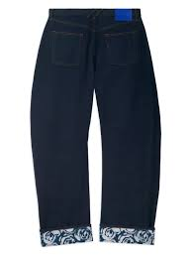 | Burberry logo-patch cotton wide-leg jeans | 8084148 | MEN | Trousers | indigo blue |  |  |  |  |  |  |  |  |  |  |  |  |  |  |  |  |  |  |  |  |  |  |  |  |  |  |  | 1 | 1 |  |  |  |  |  |  |  |  |  |  |  |  |  |  |  |  |  |  |  |  |  |  |  |  |  |  |  |  |  |  |  |  |  | 5045705328581 | 2 | £1,190.00 | £2,380.00 | € 1,390.00 | € 2,780.00 | € 206.42 | € 412.83 | £176.72 | £353.43
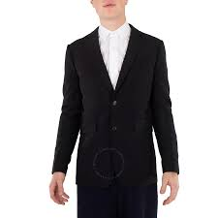 | Burberry Men's Black Single Breasted Tailored Jacket | 8052370 | MEN | Blazer | BLACK |  |  |  |  |  |  |  |  |  |  |  |  |  |  |  |  |  |  |  |  |  |  |  |  |  |  |  |  |  |  |  |  |  |  |  |  |  |  | 2 | 3 |  |  |  |  | 2 |  |  |  |  |  |  |  |  |  |  |  |  |  |  |  |  |  | 5045629376476 | 7 | £2,499.00 | £17,493.00 | € 2,925.00 | € 20,475.00 | € 434.36 | € 3,040.54 | £371.10 | £2,597.71
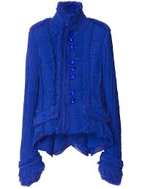 | Burberry pleated tailored jacket | 8089411 | WOMAN | Jacket | KNIGHT |  |  |  |  |  |  |  |  |  |  |  |  |  | 1 | 1 |  |  |  |  |  |  |  |  |  |  |  |  |  |  |  |  |  |  |  |  |  |  |  |  |  |  |  |  |  |  |  |  |  |  |  |  |  |  |  |  |  |  |  |  |  |  |  | 5045704549851 | 2 | £3,900.00 | £7,800.00 | € 4,565.00 | € 9,130.00 | € 677.90 | € 1,355.80 | £579.15 | £1,158.30
 | Cotton Adjustable Strap Pants | 8077752 | MEN | Trousers | OTTER |  |  |  |  |  |  |  |  |  |  |  |  |  |  | 1 |  |  |  |  |  |  |  |  |  |  |  |  |  |  |  |  |  |  |  |  |  |  |  |  |  |  |  |  |  |  |  |  |  |  |  |  |  |  |  |  |  |  |  |  |  |  |  | 5045705353033 | 1 | £1,100.00 | £1,100.00 | € 1,285.00 | € 1,285.00 | € 190.82 | € 190.82 | £163.35 | £163.35
 | Dark Canvas Blue Leather-trim Denim Dungarees | 4567703 | WOMAN | BodySuit | DARK CANVAS BLUE |  |  |  |  |  |  |  |  |  |  |  |  |  |  | 2 |  |  |  |  |  |  |  |  |  |  |  |  |  |  |  |  |  |  |  |  |  |  |  |  |  |  |  |  |  |  |  |  |  |  |  |  |  |  |  |  |  |  |  |  |  |  |  | 5045705353033 | 2 | £1,990.00 | £3,980.00 | € 2,330.00 | € 4,660.00 | € 346.01 | € 692.01 | £295.52 | £591.03
 | Logo Embroidered Wool Trousers | 8077693 | MEN | Trousers | OTTER |  |  |  |  |  |  |  |  |  |  |  |  |  |  |  |  |  |  |  |  |  |  |  |  |  |  |  |  |  |  |  |  |  |  |  |  |  |  |  |  |  |  |  |  |  |  |  |  |  |  |  |  |  |  | 4 | 1 | 4 | 10 | 6 | 4 |  |  | 5045704928531 | 29 | £890.00 | £25,810.00 | € 1,040.00 | € 30,160.00 | € 154.44 | € 4,478.76 | £132.17 | £3,832.79
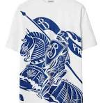 | Equestrian Knight-motif Cotton T-shirt | 8077889 | MEN | Topwear | KNIGHT IP PATTERN |  |  |  |  |  |  |  |  |  |  |  |  |  |  |  |  |  |  |  |  |  |  |  |  |  |  |  |  |  |  |  |  |  |  |  |  |  |  |  |  |  |  |  |  |  |  |  |  |  |  |  |  |  |  |  |  | 1 |  |  |  |  |  | 5045704549849 | 1 | £690.00 | £690.00 | € 805.00 | € 805.00 | € 119.54 | € 119.54 | £102.46 | £102.46
 | CHARCOAL JEANS | 8071888 | WOMAN | TROUSERS | CHARCOAL |  |  |  |  |  |  |  |  |  |  |  |  |  |  |  |  |  |  |  |  |  |  | 1 |  |  |  |  |  |  |  |  |  |  |  |  |  |  |  |  |  |  |  |  |  |  |  |  |  |  |  |  |  |  |  |  |  |  |  |  |  |  |  | 5045702136102 | 1 | £900.00 | £900.00 | € 1,055.00 | € 1,055.00 | € 156.67 | € 156.67 | £133.65 | £133.65
 | CLASSIC BLUE JEANS | 8073127 | MEN | TROUSERS | CLASSIC BLUE |  |  |  |  |  |  |  |  |  |  |  |  |  |  |  |  |  |  |  |  |  |  |  | 1 | 3 | 1 | 2 |  |  |  |  |  |  |  |  |  |  |  |  |  |  |  |  |  |  |  |  |  |  |  |  |  |  |  |  |  |  |  |  |  |  |  | 5045702373026 | 7 | £790.00 | £5,530.00 | € 925.00 | € 6,475.00 | € 137.36 | € 961.54 | £117.32 | £821.20
 | MID BLUE JEANS | 8071212 | WOMAN | TROUSERS | MID BLUE |  |  |  |  |  |  |  |  |  |  |  |  |  |  |  |  |  |  |  |  |  |  |  |  |  | 3 | 3 | 2 | 1 |  |  |  |  |  |  |  |  |  |  |  |  |  |  |  |  |  |  |  |  |  |  |  |  |  |  |  |  |  |  |  |  |  | 5045701953526 | 9 | £758.00 | £6,822.00 | € 885.00 | € 7,965.00 | € 131.42 | € 1,182.80 | £112.56 | £1,013.07
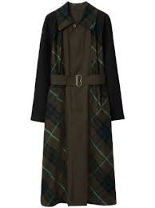 | COAT OTTER | 8077364 | WOMAN | COAT | OTTER |  |  |  |  |  |  |  |  |  |  |  |  |  |  |  |  |  |  |  |  |  |  |  |  |  |  |  |  |  |  | 1 |  | 1 |  | 1 |  |  |  |  |  |  |  |  |  |  |  |  |  |  |  |  |  |  |  |  |  |  |  |  |  |  |  | 5045704443703 | 3 | £2,990.00 | £8,970.00 | € 3,500.00 | € 10,500.00 | € 519.75 | € 1,559.25 | £444.02 | £1,332.05
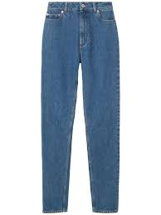 | BLUE JEANS | 8066941 | MEN | Trousers | CLASSIC BLUE |  |  |  |  |  |  |  |  |  |  |  |  |  |  |  |  |  |  |  |  |  |  |  | 5 | 7 | 11 | 11 | 13 | 2 |  |  |  |  |  |  |  |  |  |  |  |  |  |  |  |  |  |  |  |  |  |  |  |  |  |  |  |  |  |  |  |  |  | 5045701948744 | 49 | £680.00 | £33,320.00 | € 795.00 | € 38,955.00 | € 118.06 | € 5,784.82 | £100.98 | £4,948.02
 | BLUE JEANS | 8066945 | WOMAN | Trousers | CLASSIC BLUE |  |  |  |  |  |  |  |  |  |  |  |  |  |  |  |  |  |  |  |  |  |  | 2 |  |  | 1 | 2 |  | 1 |  |  |  |  |  |  |  |  |  |  |  |  |  |  |  |  |  |  |  |  |  |  |  |  |  |  |  |  |  |  |  |  |  | 5045701949192 | 6 | £620.00 | £3,720.00 | € 725.00 | € 4,350.00 | € 107.66 | € 645.97 | £92.07 | £552.42
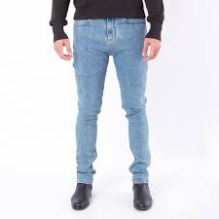 | Mid Blue Jeans | 8071551 | MEN | Trousers | Mid Blue |  |  |  |  |  |  |  |  |  |  |  |  |  |  |  |  |  |  |  |  |  |  |  |  |  |  |  |  |  |  |  |  |  | 1 |  |  |  |  |  |  |  |  |  |  |  |  |  |  |  |  |  |  |  |  |  |  |  |  |  |  |  |  | 5045702095140 | 1 | £790.00 | £790.00 | € 925.00 | € 925.00 | € 137.36 | € 137.36 | £117.32 | £117.32
 | JEANS | 8080780 | WOMAN | TROUSERS | BLUE |  |  |  |  |  |  |  |  |  |  |  |  |  |  |  |  |  |  |  |  |  |  |  |  |  |  |  |  | 2 |  |  |  |  |  |  |  |  |  |  |  |  |  |  |  |  |  |  |  |  |  |  |  |  |  |  |  |  |  |  |  |  |  | 5045705107932 | 2 | £1,000.00 | £2,000.00 | € 1,170.00 | € 2,340.00 | € 173.75 | € 347.49 | £148.50 | £297.00
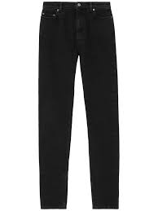 | CHARCOAL JEANS | 8071890 | MEN | TROUSERS | CHARCOAL |  |  |  |  |  |  |  |  |  |  |  |  |  |  |  |  |  |  |  |  |  | 3 | 2 |  |  | 6 | 3 | 4 | 1 |  |  |  |  |  |  |  |  |  |  |  |  |  |  |  |  |  |  |  |  |  |  |  |  |  |  |  |  |  |  |  |  |  | 5045702136614 | 19 | £700.00 | £13,300.00 | € 820.00 | € 15,580.00 | € 121.77 | € 2,313.63 | £103.95 | £1,975.05
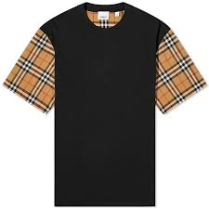 | BLACK BURBERRY T-SHIRT | 8014895 | WOMAN | T-SHIRT | BLACK |  |  |  |  |  |  |  |  |  |  |  |  |  |  |  |  |  |  |  |  |  |  |  |  |  |  |  |  |  |  |  |  |  |  |  |  |  |  |  |  |  |  |  |  |  |  |  |  |  |  |  |  |  |  | 2 | 1 | 6 |  |  |  |  |  | 5045558218427 | 9 | £455.00 | £4,095.00 | € 530.00 | € 4,770.00 | € 78.71 | € 708.35 | £67.57 | £608.11
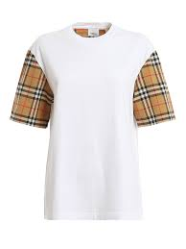 | WHITE BURBERRY T-SHIRT | 8014896 | WOMAN | T-SHIRT | WHITE |  |  |  |  |  |  |  |  |  |  |  |  |  |  |  |  |  |  |  |  |  |  |  |  |  |  |  |  |  |  |  |  |  |  |  |  |  |  |  |  |  |  |  |  |  |  |  |  |  |  |  |  |  |  | 1 | 4 | 3 | 3 | 1 |  |  |  | 5045558218601 | 12 | £455.00 | £5,460.00 | € 530.00 | € 6,360.00 | € 78.71 | € 944.46 | £67.57 | £810.81
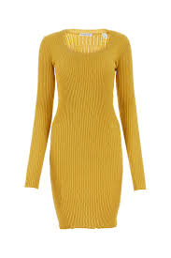 | PEAR DRESS | 8077050 | WOMAN | DRESS | PEAR |  |  |  |  |  |  |  |  |  |  |  |  |  |  |  |  |  |  |  |  |  |  |  |  |  |  |  |  |  |  |  |  |  |  |  |  |  |  |  |  |  |  |  |  |  |  |  |  |  |  |  |  |  |  |  | 1 | 3 | 3 | 3 |  |  |  | 5045704434282 | 10 | £1,520.00 | £15,200.00 | € 1,780.00 | € 17,800.00 | € 264.33 | € 2,643.30 | £225.72 | £2,257.20
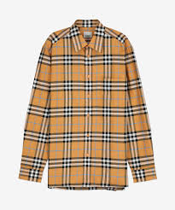 | DUSTY ORANGE SHIRT | 8071523 | MEN | SHIRT | DUSTY ORANGE IP CHK |  |  |  |  |  |  |  |  |  |  |  |  |  |  |  |  |  |  |  |  |  |  |  |  |  |  |  |  |  |  |  |  |  |  |  |  |  |  |  |  |  |  |  |  |  |  |  |  |  |  |  |  |  |  |  |  |  |  |  | 1 |  |  | 5045702111468 | 1 | £700.00 | £700.00 | € 820.00 | € 820.00 | € 121.77 | € 121.77 | £103.95 | £103.95
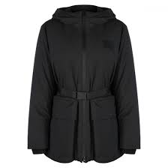 | BLACK PADDED COAT | 8072664 | WOMAN | COAT | BLACK |  |  |  |  |  |  |  |  |  |  |  |  |  |  |  |  |  |  |  |  |  |  |  |  |  |  |  |  |  |  |  |  |  |  |  |  |  |  |  |  |  |  |  |  |  |  |  |  |  |  |  |  |  |  |  |  |  |  |  | 1 |  |  | 5045702310212 | 1 | £1,200.00 | £1,200.00 | € 1,405.00 | € 1,405.00 | € 208.64 | € 208.64 | £178.20 | £178.20
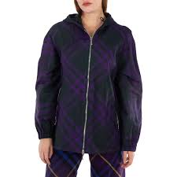 | VINE CHK JACKET | 8079011 | WOMAN | JACKET | VINE IP CHK |  |  |  |  |  |  |  |  |  |  |  |  |  |  |  |  |  |  |  |  |  |  |  |  |  |  |  |  |  |  |  |  |  |  |  |  |  |  |  |  |  |  |  |  |  |  |  |  |  |  |  |  |  |  |  |  | 1 |  |  |  |  |  | 5045704674558 | 1 | £2,189.00 | £2,189.00 | € 2,560.00 | € 2,560.00 | € 380.16 | € 380.16 | £325.07 | £325.07
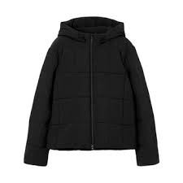 | BLACK TRENCH COAT | 8074274 | MEN | COAT | BLACK |  |  |  |  |  |  |  |  |  |  |  |  |  |  |  |  |  |  |  |  |  |  |  |  |  |  |  |  |  |  |  |  |  |  |  |  |  |  |  |  |  |  |  |  |  |  |  |  |  |  |  |  |  |  |  |  |  | 1 |  | 3 | 2 | 1 | 5045704070770 | 7 | £1,800.00 | £12,600.00 | € 2,105.00 | € 14,735.00 | € 312.59 | € 2,188.15 | £267.30 | £1,871.10
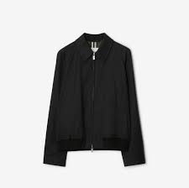 | BLACK JACKET | 8072362 | MEN | JACKET | BLACK |  |  |  |  |  |  |  |  |  |  |  |  |  |  |  |  |  |  |  |  |  |  |  |  |  |  |  |  |  |  |  |  |  |  |  |  |  |  |  |  |  |  |  |  |  |  |  |  |  |  |  |  |  |  |  |  |  |  |  | 1 |  |  | 5045702295366 | 1 | £990.00 | £990.00 | € 1,160.00 | € 1,160.00 | € 172.26 | € 172.26 | £147.02 | £147.02
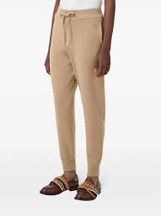 | CAMEL TROUSERS | 8064750 | MEN | TROUSERS | CAMEL |  |  |  |  |  |  |  |  |  |  |  |  |  |  |  |  |  |  |  |  |  |  |  |  |  |  |  |  |  |  |  |  |  |  |  |  |  |  |  |  |  |  |  |  |  |  |  |  |  |  |  |  |  |  |  |  | 2 |  | 1 |  |  |  | 5045700864007 | 3 | £689.00 | £2,067.00 | € 805.00 | € 2,415.00 | € 119.54 | € 358.63 | £102.32 | £306.95
 | PALE PINK SHIRT | 8073162 | WOMAN | SHIRT | PALE PINK |  |  |  |  |  |  |  |  |  |  |  |  |  |  |  |  |  |  |  |  |  |  |  |  |  |  |  |  |  |  |  |  |  |  |  |  |  |  |  |  |  |  |  |  |  |  |  |  |  |  |  |  |  |  |  |  |  | 7 |  |  |  |  | 5045702375839 | 7 | £1,290.00 | £9,030.00 | € 1,510.00 | € 10,570.00 | € 224.23 | € 1,569.65 | £191.57 | £1,340.96
 | KNIGHT CHK COAT | 8078521 | WOMAN | COAT | KNIGHT CHK |  |  |  |  |  |  |  |  |  |  |  |  |  |  |  |  |  |  |  |  |  |  |  |  |  |  |  |  |  |  |  |  |  |  |  |  |  |  |  |  |  |  |  |  |  |  |  |  |  |  |  |  |  |  |  | 1 | 1 | 1 |  |  |  |  | 5045704609840 | 3 | £2,990.00 | £8,970.00 | € 3,500.00 | € 10,500.00 | € 519.75 | € 1,559.25 | £444.02 | £1,332.05
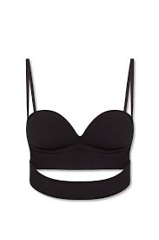 | BRA | 8054703 | WOMAN | WOMENSWEAR | BLACK |  |  |  |  |  |  |  |  |  |  |  |  |  |  |  |  |  |  |  |  |  |  |  |  |  |  |  |  |  |  |  |  |  |  |  |  |  |  |  |  |  |  |  |  |  |  |  |  |  |  |  |  |  |  |  |  |  |  | 1 |  |  |  | 5045628457879 | 1 | £375.00 | £375.00 | € 440.00 | € 440.00 | € 65.34 | € 65.34 | £55.69 | £55.69
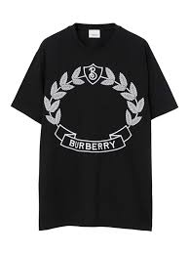 | BLACK BURBERRY T-SHIRT | 8066939 | WOMAN | T-SHIRT | BLACK |  |  |  |  |  |  |  |  |  |  |  |  |  |  |  |  |  |  |  |  |  |  |  |  |  |  |  |  |  |  |  |  |  |  |  |  |  |  |  |  |  |  |  |  |  |  |  |  |  |  |  |  |  |  |  |  |  |  | 1 | 2 |  |  | 5045701149585 | 3 | £580.00 | £1,740.00 | € 680.00 | € 2,040.00 | € 100.98 | € 302.94 | £86.13 | £258.39
 | TREACLE TROUSERS | 8077348 | WOMAN | TROUSERS | TREACLE |  |  |  |  |  |  |  |  |  |  |  |  |  |  |  |  |  |  |  |  |  |  |  |  |  |  |  |  |  |  |  |  |  |  |  |  |  |  |  |  |  |  |  |  |  |  |  |  |  |  |  |  |  |  |  | 1 |  |  | 1 |  |  |  | 5045704443581 | 2 | £585.00 | £1,170.00 | € 685.00 | € 1,370.00 | € 101.72 | € 203.45 | £86.87 | £173.75
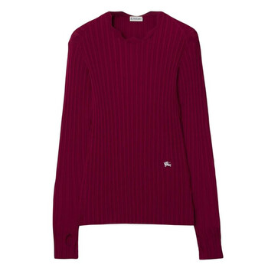 | RIPPLE DRESS | 8077686 | WOMAN | DRESS | RIPPLE |  |  |  |  |  |  |  |  |  |  |  |  |  |  |  |  |  |  |  |  |  |  |  |  |  |  |  |  |  |  |  |  |  |  |  |  |  |  |  |  |  |  |  |  |  |  |  |  |  |  |  |  |  |  |  |  |  |  |  |  | 1 |  | 5045704536948 | 1 | £1,900.00 | £1,900.00 | € 2,225.00 | € 2,225.00 | € 330.41 | € 330.41 | £282.15 | £282.15
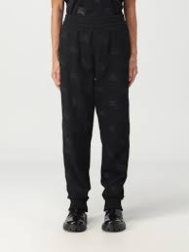 | BLACK TROUSERS | 8072095 | WOMAN | TROUSERS | BLACK |  |  |  |  |  |  |  |  |  |  |  |  |  |  |  |  |  |  |  |  |  |  |  |  |  |  |  |  |  |  |  |  |  |  |  |  |  |  |  |  |  |  |  |  |  |  |  |  |  |  |  |  |  |  |  | 3 | 5 | 2 | 5 | 3 |  |  | 5045702226285 | 18 | £780.00 | £14,040.00 | € 915.00 | € 16,470.00 | € 135.88 | € 2,445.80 | £115.83 | £2,084.94
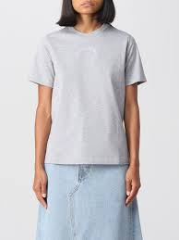 | BURBERRY GREY T-SHIRT | 8070877 | WOMAN | T-SHIRT | PALE GREY MELANGE |  |  |  |  |  |  |  |  |  |  |  |  |  |  |  |  |  |  |  |  |  |  |  |  |  |  |  |  |  |  |  |  |  |  |  |  |  |  |  |  |  |  |  |  |  |  |  |  |  |  |  |  |  | 1 |  |  |  |  |  |  |  |  | 5045701763712 | 1 | £450.00 | £450.00 | € 525.00 | € 525.00 | € 77.96 | € 77.96 | £66.83 | £66.83
 | WHITE BURBERRY HORSE T-SHIRT | 8071635 | WOMAN | T-SHIRT | WHITE |  |  |  |  |  |  |  |  |  |  |  |  |  |  |  |  |  |  |  |  |  |  |  |  |  |  |  |  |  |  |  |  |  |  |  |  |  |  |  |  |  |  |  |  |  |  |  |  |  |  |  |  |  |  | 1 |  | 1 |  |  | 1 |  |  | 5045702182321 | 3 | £450.00 | £1,350.00 | € 525.00 | € 1,575.00 | € 77.96 | € 233.89 | £66.83 | £200.48
 | BLACK CAPE | 804665 | WOMAN | CAPE | BLACK |  |  |  |  |  |  |  |  |  |  |  |  |  |  |  |  |  |  |  |  |  |  |  |  |  |  |  |  |  |  |  |  |  |  |  |  |  |  |  |  |  |  |  |  |  |  |  |  |  |  |  |  | 1 |  |  |  |  |  |  |  |  |  | 5045627483671 | 1 | £925.00 | £925.00 | € 1,080.00 | € 1,080.00 | € 160.38 | € 160.38 | £137.36 | £137.36
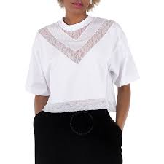 | WHITE BLOUSE | 8066320 | WOMAN | BLOUSE | OPTIC WHITE |  |  |  |  |  |  |  |  |  |  |  |  |  |  |  |  |  |  |  |  |  |  |  |  |  |  |  |  |  |  |  |  |  |  |  |  |  |  |  |  |  |  |  |  |  |  |  |  |  |  |  |  |  |  |  |  |  | 1 |  |  |  |  | 5045701274799 | 1 | £529.00 | £529.00 | € 620.00 | € 620.00 | € 92.07 | € 92.07 | £78.56 | £78.56
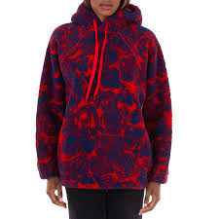 | PILLAR FLEECE | 8079629 | WOMAN | FLEECE | PILLAR IP |  |  |  |  |  |  |  |  |  |  |  |  |  |  |  |  |  |  |  |  |  |  |  |  |  |  |  |  |  |  |  |  |  |  |  |  |  |  |  |  |  |  |  |  |  |  |  |  |  |  |  |  |  |  |  |  |  |  |  |  | 1 |  | 5045704775118 | 1 | £1,200.00 | £1,200.00 | € 1,405.00 | € 1,405.00 | € 208.64 | € 208.64 | £178.20 | £178.20
 | PALE BLUE JUMPER | 8065600 | MEN | JUMPER | PALE BLUE |  |  |  |  |  |  |  |  |  |  |  |  |  |  |  |  |  |  |  |  |  |  |  |  |  |  |  |  |  |  |  |  |  |  |  |  |  |  |  |  |  |  |  |  |  |  |  |  |  |  |  |  |  |  | 1 |  |  |  |  |  |  |  | 5045701157665 | 1 | £299.00 | £299.00 | € 350.00 | € 350.00 | € 51.97 | € 51.97 | £44.40 | £44.40
 | CHARCOAL DRESS | 8049364 | WOMAN | DRESS | CHARCOAL |  |  |  |  |  |  |  |  |  |  |  |  |  |  |  |  |  |  |  |  |  |  |  |  |  |  |  |  |  |  |  |  |  |  |  |  |  |  |  |  |  |  |  |  |  |  |  |  |  |  |  |  |  |  |  | 1 |  |  |  |  |  |  | 5045627407561 | 1 |  | £1,880.00 | € - | € - | € - | € - | £- | £-
 | RABBIT TROUSERS | 8064041 | WOMAN | TROUSERS | BLACK IP PAT |  |  |  |  |  |  |  |  |  |  |  |  |  |  |  |  |  |  |  |  |  |  |  |  |  |  |  |  |  |  |  |  |  |  |  |  |  |  |  |  |  |  |  |  |  |  |  |  |  |  |  |  |  |  |  | 1 |  |  |  |  |  |  | 5045700720969 | 1 | £695.00 | £695.00 | € 815.00 | € 815.00 | € 121.03 | € 121.03 | £103.21 | £103.21
 | VIVID BLUE CAP | 8069367 | WOMAN | CAP | VIVID BLUE IP CHECK |  |  |  |  |  |  |  |  |  |  |  |  |  |  |  |  |  |  |  |  |  |  |  |  |  |  |  |  |  |  |  |  |  |  |  |  |  |  |  |  |  |  |  |  |  |  |  |  |  |  |  |  |  |  |  |  | 1 |  |  |  |  |  | 5045701338019 | 1 | £290.00 | £290.00 | € 340.00 | € 340.00 | € 50.49 | € 50.49 | £43.07 | £43.07
 | BLACK BLOUSE | 8063514 | WOMAN | BLOUSE | BLACK |  |  |  |  |  |  |  |  |  |  |  |  |  |  |  |  |  |  |  |  |  |  |  |  |  |  |  |  |  |  |  |  |  |  |  |  |  |  |  |  |  |  |  |  |  |  |  |  |  |  |  |  |  |  |  |  | 1 |  |  |  |  |  | 5045700355833 | 1 | £500.00 | £500.00 | € 585.00 | € 585.00 | € 86.87 | € 86.87 | £74.25 | £74.25
 | BLACK TOP | 8072126 | WOMAN | TOP | BLACK |  |  |  |  |  |  |  |  |  |  |  |  |  |  |  |  |  |  |  |  |  |  |  |  |  |  |  |  |  |  |  |  |  |  |  |  |  |  |  |  |  |  |  |  |  |  |  |  |  |  |  |  |  |  | 1 |  |  |  |  |  |  |  | 5045702228920 | 1 | £469.00 | £469.00 | € 550.00 | € 550.00 | € 81.68 | € 81.68 | £69.65 | £69.65
 | BURBERRY NATURAL WHITE TROUSERS | 8058605 | MEN | TROUSERS | NATURAL WHITE |  |  |  |  |  |  |  |  |  |  |  |  |  |  |  |  |  |  |  |  |  |  |  |  |  |  |  |  |  |  |  |  |  |  |  |  |  |  |  |  |  |  |  |  |  |  |  |  |  |  |  |  |  | 1 | 2 |  |  |  | 1 |  |  |  | 5045629446377 | 4 | £890.00 | £3,560.00 | € 1,040.00 | € 4,160.00 | € 154.44 | € 617.76 | £132.17 | £528.66
 | BLACK T-SHIRT | 8044962 | MEN | T-SHIRT | BLACK |  |  |  |  |  |  |  |  |  |  |  |  |  |  |  |  |  |  |  |  |  |  |  |  |  |  |  |  |  |  |  |  |  |  |  |  |  |  |  |  |  |  |  |  |  |  |  |  |  |  |  |  |  |  |  |  |  |  |  |  | 1 |  | 5045626167213 | 1 | £490.00 | £490.00 | € 575.00 | € 575.00 | € 85.39 | € 85.39 | £72.77 | £72.77
 | STORM GREY JUMPER | 8058608 | MEN | JUMPER | STORM GREY MELANGE |  |  |  |  |  |  |  |  |  |  |  |  |  |  |  |  |  |  |  |  |  |  |  |  |  |  |  |  |  |  |  |  |  |  |  |  |  |  |  |  |  |  |  |  |  |  |  |  |  |  |  |  |  |  |  | 3 |  |  |  |  |  |  | 5045629446971 | 3 | £600.00 | £1,800.00 | € 700.00 | € 2,100.00 | € 103.95 | € 311.85 | £89.10 | £267.30
 | BURBERRY WHITE T-SHIRT WITH BLACK PRINT | 8062069 | WOMAN | T-SHIRT | WHITE |  |  |  |  |  |  |  |  |  |  |  |  |  |  |  |  |  |  |  |  |  |  |  |  |  |  |  |  |  |  |  |  |  |  |  |  |  |  |  |  |  |  |  |  |  |  |  |  |  |  |  |  |  |  |  |  |  | 2 |  |  |  |  | 5045700025309 | 2 | £580.00 | £1,160.00 | € 680.00 | € 1,360.00 | € 100.98 | € 201.96 | £86.13 | £172.26
 | BURBERRY HORSE JUMPER CAMEL | 8071591 | WOMAN | JUMPER | CAMEL |  |  |  |  |  |  |  |  |  |  |  |  |  |  |  |  |  |  |  |  |  |  |  |  |  |  |  |  |  |  |  |  |  |  |  |  |  |  |  |  |  |  |  |  |  |  |  |  |  |  |  |  |  |  |  | 1 |  |  |  |  |  |  | 5045702027028 | 1 | £1,050.00 | £1,050.00 | € 1,230.00 | € 1,230.00 | € 182.66 | € 182.66 | £155.92 | £155.92
 | BURBERRY HORSE T-SHIRT | 8072088 | MEN | T-SHIRT | CAMEL LEGACY |  |  |  |  |  |  |  |  |  |  |  |  |  |  |  |  |  |  |  |  |  |  |  |  |  |  |  |  |  |  |  |  |  |  |  |  |  |  |  |  |  |  |  |  |  |  |  |  |  |  |  |  |  |  |  | 1 |  |  | 1 |  |  |  | 5045702225592 | 2 | £480.00 | £960.00 | € 560.00 | € 1,120.00 | € 83.16 | € 166.32 | £71.28 | £142.56
 | BURBERRY STORM GREY TROUSERS | 8044740 | MEN | TROUSERS | STORM GREY MELANGE |  |  |  |  |  |  |  |  |  |  |  |  |  |  |  |  |  |  |  |  |  |  |  |  |  |  |  |  |  |  |  |  |  |  |  |  |  |  |  |  |  |  |  |  |  |  |  |  |  |  |  |  |  |  | 1 | 5 | 5 | 4 | 3 | 3 | 1 |  | 5045626190785 | 22 | £890.00 | £19,580.00 | € 1,040.00 | € 22,880.00 | € 154.44 | € 3,397.68 | £132.17 | £2,907.63
 | CROP TOP | 8066557 | WOMAN | TOP | BLACK |  |  |  |  |  |  |  |  |  |  |  |  |  |  |  |  |  |  |  |  |  |  |  |  |  |  |  |  |  |  |  |  |  |  |  |  |  |  |  |  |  |  |  |  |  |  |  |  |  |  |  |  |  |  |  |  | 1 | 1 | 2 | 1 |  |  | 5045701424286 | 5 | £850.00 | £4,250.00 | € 995.00 | € 4,975.00 | € 147.76 | € 738.79 | £126.23 | £631.13
 | IVY CHK DRESS | 8080965 | WOMAN | DRESS | IVY IP CHECK |  |  |  |  |  |  |  |  |  |  |  |  |  |  |  |  |  |  |  |  |  |  |  |  |  |  |  |  |  |  |  |  |  |  |  |  |  |  |  |  |  |  |  |  |  |  |  |  |  |  |  |  |  |  |  |  |  | 1 |  |  |  |  | 5045704913268 | 1 | £980.00 | £980.00 | € 1,145.00 | € 1,145.00 | € 170.03 | € 170.03 | £145.53 | £145.53
 | FAWN BLOUSE | 8072691 | WOMAN | BLOUSE | FAWN IP PTTN |  |  |  |  |  |  |  |  |  |  |  |  |  |  |  |  |  |  |  |  |  |  |  |  |  |  |  |  |  |  |  |  |  |  |  |  |  |  |  |  |  |  |  |  |  |  |  |  |  |  |  |  |  |  |  | 1 |  |  |  |  |  |  | 5045702306000 | 1 | £950.00 | £950.00 | € 1,110.00 | € 1,110.00 | € 164.83 | € 164.83 | £141.08 | £141.08
 | WHITE SHIRT | 8042771 | MEN | SHIRT | WHITE |  |  |  |  |  |  |  |  |  |  |  |  |  |  |  |  |  |  |  |  |  |  |  |  |  |  |  |  |  |  |  |  |  |  |  |  |  |  |  |  |  |  |  |  |  |  |  |  |  |  |  |  |  |  |  |  |  |  |  |  |  | 1 | 5045625920659 | 1 | £580.00 | £580.00 | € 680.00 | € 680.00 | € 100.98 | € 100.98 | £86.13 | £86.13
 | BLACK JUMPER | 8050951 | MEN | JUMPER | BLACK |  |  |  |  |  |  |  |  |  |  |  |  |  |  |  |  |  |  |  |  |  |  |  |  |  |  |  |  |  |  |  |  |  |  |  |  |  |  |  |  |  |  |  |  |  |  |  |  |  |  |  |  |  |  | 1 | 6 | 3 | 4 | 1 | 3 |  |  | 5045627626399 | 18 | £820.00 | £14,760.00 | € 960.00 | € 17,280.00 | € 142.56 | € 2,566.08 | £121.77 | £2,191.86
 | BURBERRY BLACK T-SHIRT | 8072750 | MEN | T-SHIRT | BLACK |  |  |  |  |  |  |  |  |  |  |  |  |  |  |  |  |  |  |  |  |  |  |  |  |  |  |  |  |  |  |  |  |  |  |  |  |  |  |  |  |  |  |  |  |  |  |  |  |  |  |  |  |  |  |  |  | 1 | 3 | 1 |  |  |  | 5045702323175 | 5 | £590.00 | £2,950.00 | € 690.00 | € 3,450.00 | € 102.46 | € 512.32 | £87.62 | £438.08
 | BLACK TOP | 8072707 | WOMAN | TOP | BLACK |  |  |  |  |  |  |  |  |  |  |  |  |  |  |  |  |  |  |  |  |  |  |  |  |  |  |  |  |  |  |  |  |  |  |  |  |  |  |  |  |  |  |  |  |  |  |  |  |  |  |  |  |  |  |  | 1 |  |  |  |  |  |  | 5045702305409 | 1 | £390.00 | £390.00 | € 455.00 | € 455.00 | € 67.57 | € 67.57 | £57.92 | £57.92
 | BURBURRY HORSE SHIRT | 8072075 | WOMAN | SHIIRT | NAVY IP PATTE |  |  |  |  |  |  |  |  |  |  |  |  |  |  |  |  |  |  |  |  |  |  |  |  |  |  |  |  |  |  |  |  |  |  |  |  |  |  |  |  |  |  |  |  |  |  |  |  |  |  |  |  |  |  |  |  | 1 |  |  |  |  |  | 5045702216682 | 1 | £998.00 | £998.00 | € 1,170.00 | € 1,170.00 | € 173.75 | € 173.75 | £148.20 | £148.20
 | NAVY BLACK COAT | 8044681 | WOMAN | COAT | NAVY BLACK |  |  |  |  |  |  |  |  |  |  |  |  |  |  |  |  |  |  |  |  |  |  |  |  |  |  |  |  |  |  |  |  |  |  |  |  |  |  |  |  |  |  |  |  |  |  |  |  |  |  |  |  |  |  | 2 |  |  |  |  |  |  |  | 5045626084244 | 2 | £1,990.00 | £3,980.00 | € 2,330.00 | € 4,660.00 | € 346.01 | € 692.01 | £295.52 | £591.03
 | KNIGHT JACKET | 8077178 | MEN | JACKET | KNIGHT IP CHE |  |  |  |  |  |  |  |  |  |  |  |  |  |  |  |  |  |  |  |  |  |  |  |  |  |  |  |  |  |  |  |  |  |  |  |  |  |  |  |  |  |  |  |  |  |  |  |  |  |  |  |  |  |  |  |  | 2 | 7 | 7 | 5 | 1 |  | 5045704533671 | 22 | £1,890.00 | £41,580.00 | € 2,210.00 | € 48,620.00 | € 328.19 | € 7,220.07 | £280.66 | £6,174.63
 | NAVY TROUSERS | 8065675 | MEN | TROUSERS | RICH NAVY |  |  |  |  |  |  |  |  |  |  |  |  |  |  |  |  |  |  |  |  |  |  |  |  |  |  |  |  |  |  |  |  |  |  |  |  |  |  |  |  |  |  |  |  |  |  |  |  |  |  |  |  |  |  |  |  |  |  |  | 1 |  |  | 5045701159430 | 1 | £477.00 | £477.00 | € 560.00 | € 560.00 | € 83.16 | € 83.16 | £70.83 | £70.83
 | BURBERRY BLACK HORSE T-SHIRT | 8072087 | MEN | T-SHIRT | BLACK |  |  |  |  |  |  |  |  |  |  |  |  |  |  |  |  |  |  |  |  |  |  |  |  |  |  |  |  |  |  |  |  |  |  |  |  |  |  |  |  |  |  |  |  |  |  |  |  |  |  |  |  |  |  | 2 |  |  |  |  |  |  |  | 5045702225417 | 2 | £499.00 | £998.00 | € 585.00 | € 1,170.00 | € 86.87 | € 173.75 | £74.10 | £148.20
 | CAMEL TROUSERS | 8063343 | WOMAN | TROUSERS | CAMEL |  |  |  |  |  |  |  |  |  |  |  |  |  |  |  |  |  |  |  |  |  |  |  |  |  |  |  |  |  |  |  |  |  |  |  |  |  |  |  |  |  |  |  |  |  |  |  |  |  |  |  |  |  |  |  |  |  |  |  | 1 |  |  | 5045700350227 | 1 | £950.00 | £950.00 | € 1,110.00 | € 1,110.00 | € 164.83 | € 164.83 | £141.08 | £141.08
 | RIPPLE CHK DRESS | 8076508 | WOMAN | DRESS | RIPPLE IP CHK |  |  |  |  |  |  |  |  |  |  |  |  |  |  |  |  |  |  |  |  |  |  |  |  |  |  |  |  |  |  |  |  |  |  |  |  |  |  |  |  |  |  |  |  |  |  |  |  |  |  |  |  |  |  |  |  |  |  | 1 |  |  |  | 5045704354214 | 1 | £2,090.00 | £2,090.00 | € 2,445.00 | € 2,445.00 | € 363.08 | € 363.08 | £310.37 | £310.37
 | FAWN SHORTS | 8068852 | MEN | SHORTS | SOFT FAWN IP |  |  |  |  |  |  |  |  |  |  |  |  |  |  |  |  |  |  |  |  |  |  |  |  |  |  |  |  |  |  |  |  |  |  |  |  |  |  |  |  |  |  |  |  |  |  |  |  |  |  |  |  |  |  |  |  |  |  | 1 |  | 1 |  | 5045701279855 | 2 | £890.00 | £1,780.00 | € 1,040.00 | € 2,080.00 | € 154.44 | € 308.88 | £132.17 | £264.33
 | V-NECK TOP | 8088891 | WOMAN | TOP | BLACK IP CHK |  |  |  |  |  |  |  |  |  |  |  |  |  |  |  |  |  |  |  |  |  |  |  |  |  |  |  |  |  |  |  |  |  |  |  |  |  |  |  |  |  |  |  |  |  |  |  |  |  |  |  |  |  |  | 1 | 4 | 1 | 2 |  | 1 |  |  | 5045706145957 | 9 | £1,800.00 | £16,200.00 | € 2,105.00 | € 18,945.00 | € 312.59 | € 2,813.33 | £267.30 | £2,405.70
 | BURBURRY LOUNGE TROUSER | 8046509 | MEN | TROUSERS | ECRU |  |  |  |  |  |  |  |  |  |  |  |  |  |  |  |  |  |  |  |  |  |  |  |  |  |  |  |  |  |  |  |  |  |  |  |  |  |  |  |  |  |  |  |  |  |  |  |  |  |  |  |  |  |  |  |  | 1 | 1 |  |  |  |  | 5045626773001 | 2 | £945.00 | £1,890.00 | € 1,105.00 | € 2,210.00 | € 164.09 | € 328.19 | £140.33 | £280.66
 | LONG BLACK COAT | 8083767 | WOMAN | COAT | BLACK |  |  |  |  |  |  |  |  |  |  |  |  |  |  |  |  |  |  |  |  |  |  |  |  |  |  |  |  |  |  |  |  |  |  |  |  |  |  |  |  |  |  |  |  |  |  |  |  |  |  | 1 |  |  |  |  |  |  |  |  |  |  |  | 5045627483701 | 1 | £2,090.00 | £2,090.00 | € 2,445.00 | € 2,445.00 | € 363.08 | € 363.08 | £310.37 | £310.37
 | Hooded Dress | 8083767 | WOMAN | DRESS |  |  |  |  |  |  |  |  |  |  |  |  |  |  |  |  |  |  |  |  |  |  |  |  |  |  |  |  |  |  |  |  |  |  |  |  |  |  |  |  |  |  |  |  |  |  |  |  |  |  |  |  | 5 | 1 |  |  |  |  |  |  |  |  |  | 5045705350543 | 6 | £1,890.00 | £11,340.00 | € 2,210.00 | € 13,260.00 | € 328.19 | € 1,969.11 | £280.66 | £1,683.99
 | Burburry horse jumper | 8070329 | WOMAN | Jumper | Black/White |  |  |  |  |  |  |  |  |  |  |  |  |  |  |  |  |  |  |  |  |  |  |  |  |  |  |  |  |  |  |  |  |  |  |  |  |  |  |  |  |  |  |  |  |  |  |  |  |  |  |  |  |  |  |  |  |  | 1 |  |  |  |  | 5045701833811 | 1 | £990.00 | £990.00 | € 1,160.00 | € 1,160.00 | € 172.26 | € 172.26 | £147.02 | £147.02
 | BEIGE SKIRT | 8070352 | WOMAN | SKIRT | ARCHIVE BEIGE |  |  |  |  |  |  |  |  |  |  |  |  |  |  |  |  |  |  |  |  |  |  |  |  |  |  |  |  |  |  |  |  |  |  |  |  |  |  |  |  |  |  |  |  |  |  |  |  |  |  |  |  |  |  | 1 |  | 1 |  |  |  |  |  | 5045701759517 | 2 | £700.00 | £1,400.00 | € 820.00 | € 1,640.00 | € 121.77 | € 243.54 | £103.95 | £207.90
 | CAMEL TROUSERS | 8057144 | WOMAN | TROUSERS | CAMEL |  |  |  |  |  |  |  |  |  |  |  |  |  |  |  |  |  |  |  |  |  |  |  |  |  |  |  |  |  |  |  |  |  |  |  |  |  |  |  |  |  |  |  |  |  |  |  |  |  |  |  |  |  |  |  |  |  |  |  | 2 |  |  | 5045629100828 | 2 | £790.00 | £1,580.00 | € 925.00 | € 1,850.00 | € 137.36 | € 274.72 | £117.32 | £234.63
 | TREACLE JUMPER | 807527 | MEN | JUMPER | TREACLE |  |  |  |  |  |  |  |  |  |  |  |  |  |  |  |  |  |  |  |  |  |  |  |  |  |  |  |  |  |  |  |  |  |  |  |  |  |  |  |  |  |  |  |  |  |  |  |  |  |  |  |  |  |  |  |  |  |  |  |  | 1 |  | 5045704364565 | 1 | £1,090.00 | £1,090.00 | € 1,275.00 | € 1,275.00 | € 189.34 | € 189.34 | £161.86 | £161.86
 | GREY T-SHIRT | 8072708 | MEN | T-SHIRT | GREY MELANGE |  |  |  |  |  |  |  |  |  |  |  |  |  |  |  |  |  |  |  |  |  |  |  |  |  |  |  |  |  |  |  |  |  |  |  |  |  |  |  |  |  |  |  |  |  |  |  |  |  |  |  |  |  |  |  | 1 |  |  |  |  |  |  | 5045702305645 | 1 | £490.00 | £490.00 | € 575.00 | € 575.00 | € 85.39 | € 85.39 | £72.77 | £72.77
 | RIPPLE JACKET | 8079012 | WOMAN | JACKET | RIPPLE IP CHECK |  |  |  |  |  |  |  |  |  |  |  |  |  |  |  |  |  |  |  |  |  |  |  |  |  |  |  |  |  |  |  |  |  |  |  |  |  |  |  |  |  |  |  |  |  |  |  |  |  |  |  |  |  |  |  | 1 |  |  |  |  |  |  | 5045704674886 | 1 | £1,890.00 | £1,890.00 | € 2,210.00 | € 2,210.00 | € 328.19 | € 328.19 | £280.66 | £280.66
 | KNITTED BLACK DRESS | 8070316 | WOMAN | DRESS | BLACK |  |  |  |  |  |  |  |  |  |  |  |  |  |  |  |  |  |  |  |  |  |  |  |  |  |  |  |  |  |  |  |  |  |  |  |  |  |  |  |  |  |  |  |  |  |  |  |  |  |  |  |  |  |  |  | 1 |  |  |  |  |  |  | 5045701754987 | 1 | £2,600.00 | £2,600.00 | € 3,040.00 | € 3,040.00 | € 451.44 | € 451.44 | £386.10 | £386.10
 | BEIGE POLO SHIRT | 8062516 | MEN | SHIRT | ARCHIVE BEIGE |  |  |  |  |  |  |  |  |  |  |  |  |  |  |  |  |  |  |  |  |  |  |  |  |  |  |  |  |  |  |  |  |  |  |  |  |  |  |  |  |  |  |  |  |  |  |  |  |  |  |  |  |  |  |  |  |  | 1 |  |  |  |  | 5045700315547 | 1 | £590.00 | £590.00 | € 690.00 | € 690.00 | € 102.46 | € 102.46 | £87.62 | £87.62
 | WHITE SHIRT | 8024514 | MEN | SHIRT | WHITE |  |  |  |  |  |  |  |  |  |  |  |  |  |  |  |  |  |  |  |  |  |  |  |  |  |  |  |  |  |  |  |  |  |  |  |  |  |  |  |  |  |  |  |  |  |  |  |  |  |  |  |  |  |  |  |  | 1 |  |  |  |  |  | 50456210469334 | 1 | £350.00 | £350.00 | € 410.00 | € 410.00 | € 60.89 | € 60.89 | £51.97 | £51.97
 | BLACK JUMPER | 8072110 | MEN | JUMPER | BLACK |  |  |  |  |  |  |  |  |  |  |  |  |  |  |  |  |  |  |  |  |  |  |  |  |  |  |  |  |  |  |  |  |  |  |  |  |  |  |  |  |  |  |  |  |  |  |  |  |  |  |  |  |  |  |  |  |  |  | 1 | 1 |  |  | 5045702201305 | 2 | £750.00 | £1,500.00 | € 880.00 | € 1,760.00 | € 130.68 | € 261.36 | £111.38 | £222.75
 | BLACK JACKET | 8072859 | MEN | JACKET | BLACK |  |  |  |  |  |  |  |  |  |  |  |  |  |  |  |  |  |  |  |  |  |  |  |  |  |  |  |  |  |  |  |  |  |  |  |  |  |  |  |  |  |  |  |  |  |  |  |  |  |  |  |  |  |  |  |  |  |  |  |  |  | 1 | 5045702334089 | 1 | £980.00 | £980.00 | € 1,145.00 | € 1,145.00 | € 170.03 | € 170.03 | £145.53 | £145.53
 | BLACK JUMPER | 8070475 | WOMAN | JUMPER | BLACK |  |  |  |  |  |  |  |  |  |  |  |  |  |  |  |  |  |  |  |  |  |  |  |  |  |  |  |  |  |  |  |  |  |  |  |  |  |  |  |  |  |  |  |  |  |  |  |  |  |  |  |  |  |  |  |  | 1 |  |  |  |  |  | 5045701762845 | 1 | £700.00 | £700.00 | € 820.00 | € 820.00 | € 121.77 | € 121.77 | £103.95 | £103.95
 | BLACK JUMPER | 8072029 | WOMAN | JUMPER | BLACK / BORDEAUX |  |  |  |  |  |  |  |  |  |  |  |  |  |  |  |  |  |  |  |  |  |  |  |  |  |  |  |  |  |  |  |  |  |  |  |  |  |  |  |  |  |  |  |  |  |  |  |  |  |  |  |  |  |  | 2 |  |  |  | 1 | 1 |  |  | 5045702190951 | 4 | £1,150.00 | £4,600.00 | € 1,345.00 | € 5,380.00 | € 199.73 | € 798.93 | £170.78 | £683.10
...

