OFFER
REF
NAME*
COMPANY NAME
DATE*
SALES REP*
EMAIL*
PHONE #*
PAYMENT CURRENCY (€/£)*
BILLING ADDRESS*
ORDER NUMBER
PRE/IN HAND
DELIVERY TYPE

PICTURE | DESCRIPTION | ARTICLE | COLOR | MADE IN | COMPOSITION | S | M | L | XL | XXL | TOTAL | RRP € | RRP TOT € | COST € | COST TOT € | COST £ | COST TOT £
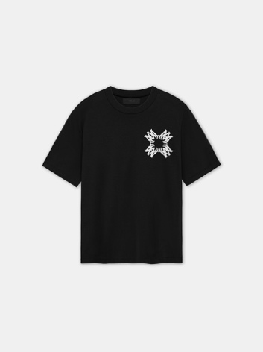 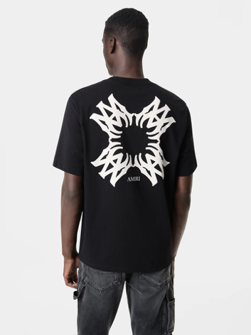 | MA QUAD TEE | AMJYTE1106-001 | BLACK | ITALIA | 100% COTTON | 11 | 14 | 21 | 11 | 10 | 67 | € 490.00 | € 32,830.00 | € 137.20 | € 9,192.40 | £121.42 | £8,134.87
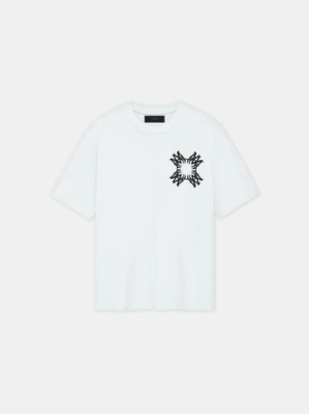 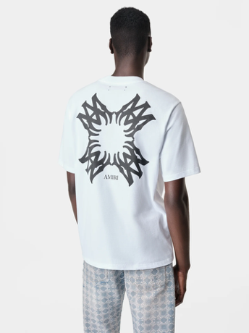 | MA QUAD TEE | AMJYTE1106-100 | WHITE | ITALIA | 100% COTTON | 10 | 13 | 20 | 15 | 8 | 66 | € 490.00 | € 32,340.00 | € 137.20 | € 9,055.20 | £121.42 | £8,013.45
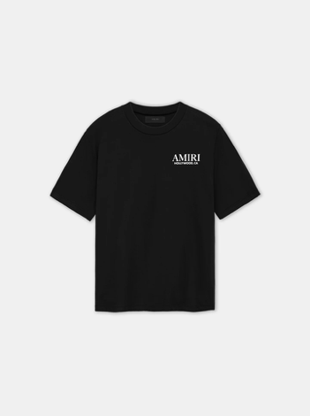 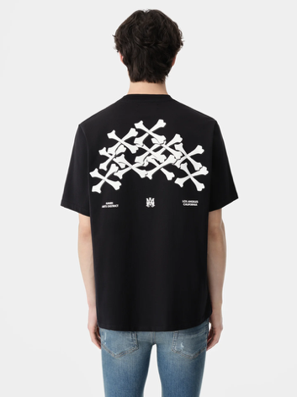 | BONES STACKED TEE | AMJYTE1075-001 | BLACK | ITALIA | 100% COTTON | 8 | 14 | 19 | 13 | 9 | 63 | € 430.00 | € 27,090.00 | € 120.40 | € 7,585.20 | £106.55 | £6,712.57
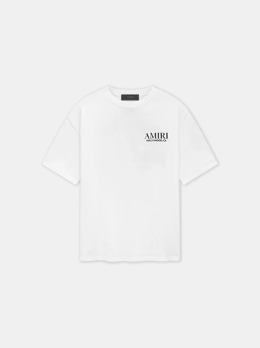 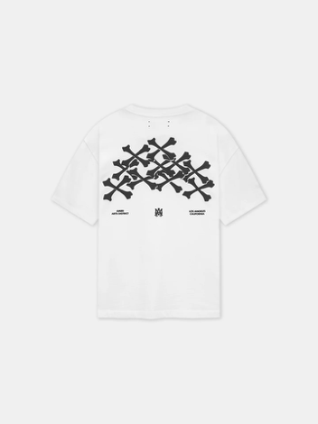 | BONES STACKED TEE | AMJYTE1075-001 | WHITE | ITALIA | 100% COTTON | 10 | 15 | 19 | 16 | 11 | 71 | € 430.00 | € 30,530.00 | € 120.40 | € 8,548.40 | £106.55 | £7,564.96
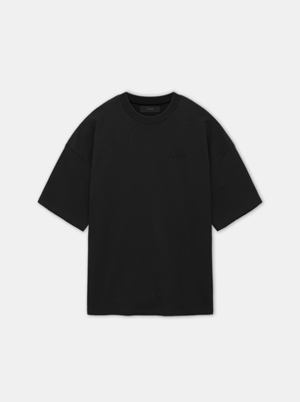 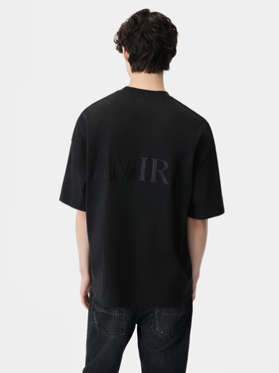 | AMIRI OVERSIZED TEE | AMJYTE1061-001 | BLACK | ITALIA | 100% COTTON | 8 | 11 | 21 | 14 | 10 | 64 | € 470.00 | € 30,080.00 | € 131.60 | € 8,422.40 | £116.46 | £7,453.45
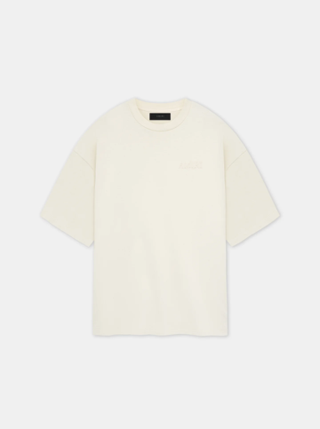 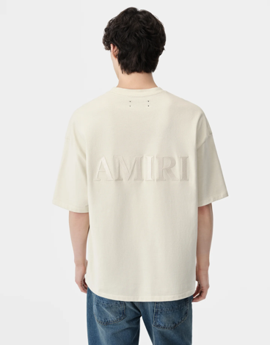 | AMIRI OVERSIZED TEE | AMJYTE1061-699 | BIRCH | ITALIA | 100% COTTON | 8 | 12 | 19 | 10 | 11 | 60 | € 470.00 | € 28,200.00 | € 131.60 | € 7,896.00 | £116.46 | £6,987.61
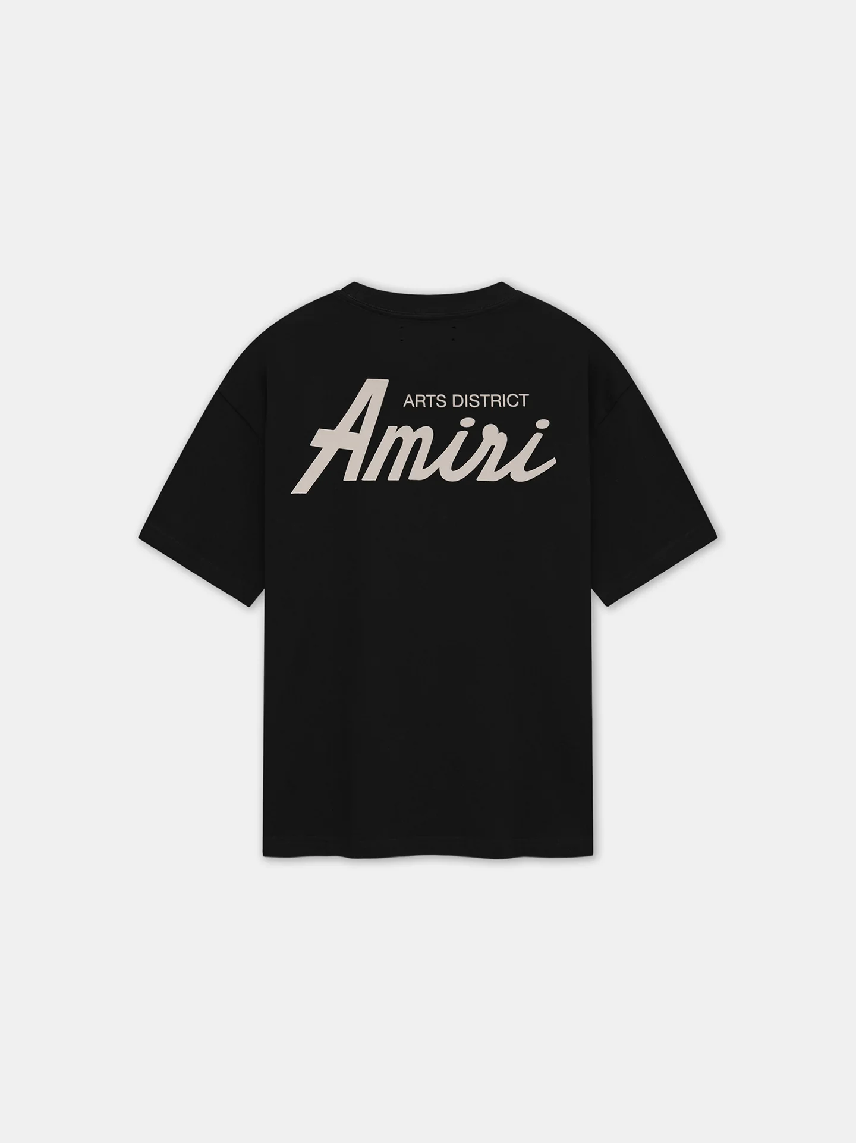 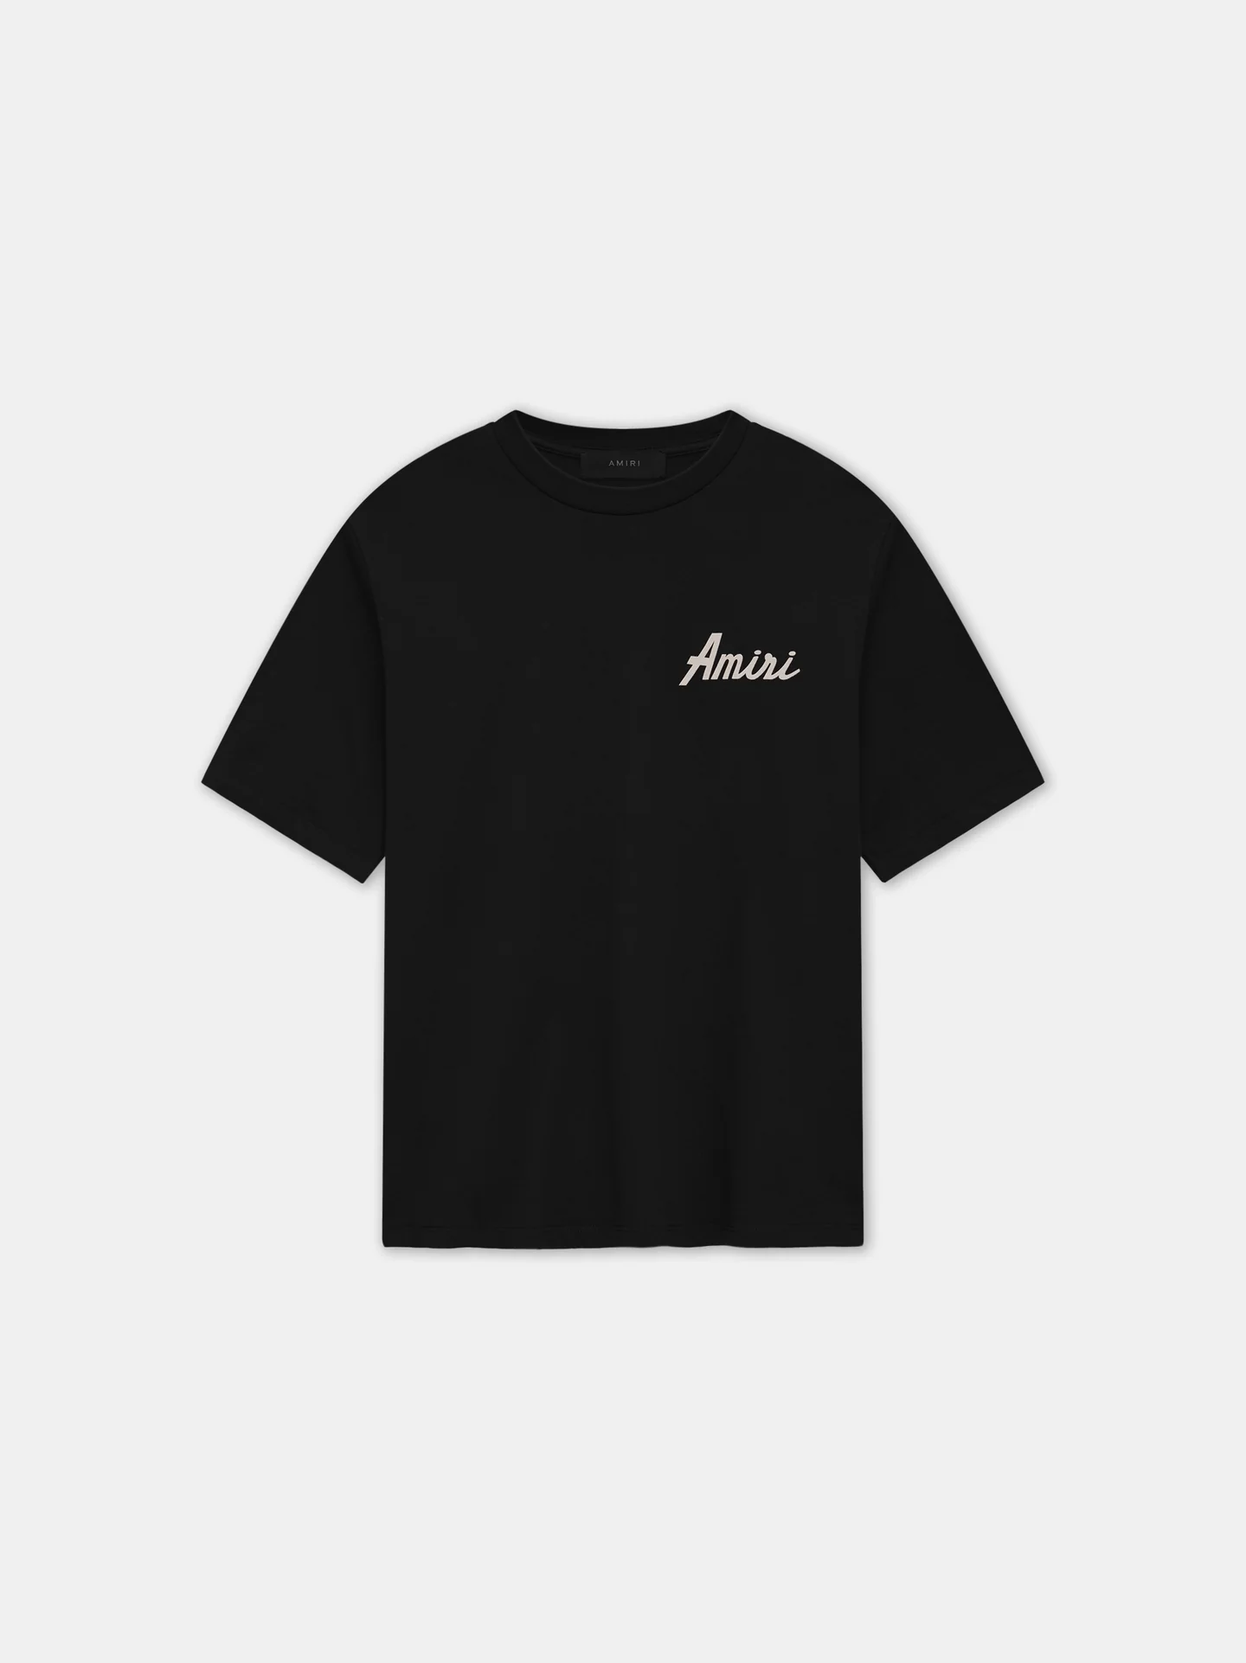 | T-SHIRT AMIRI CITY | AMJYTE1146-001 | BLACK | ITALIA | 100% COTTON | 10 | 13 | 20 | 13 | 10 | 66 | € 390.00 | € 25,740.00 | € 109.20 | € 7,207.20 | £96.64 | £6,378.05
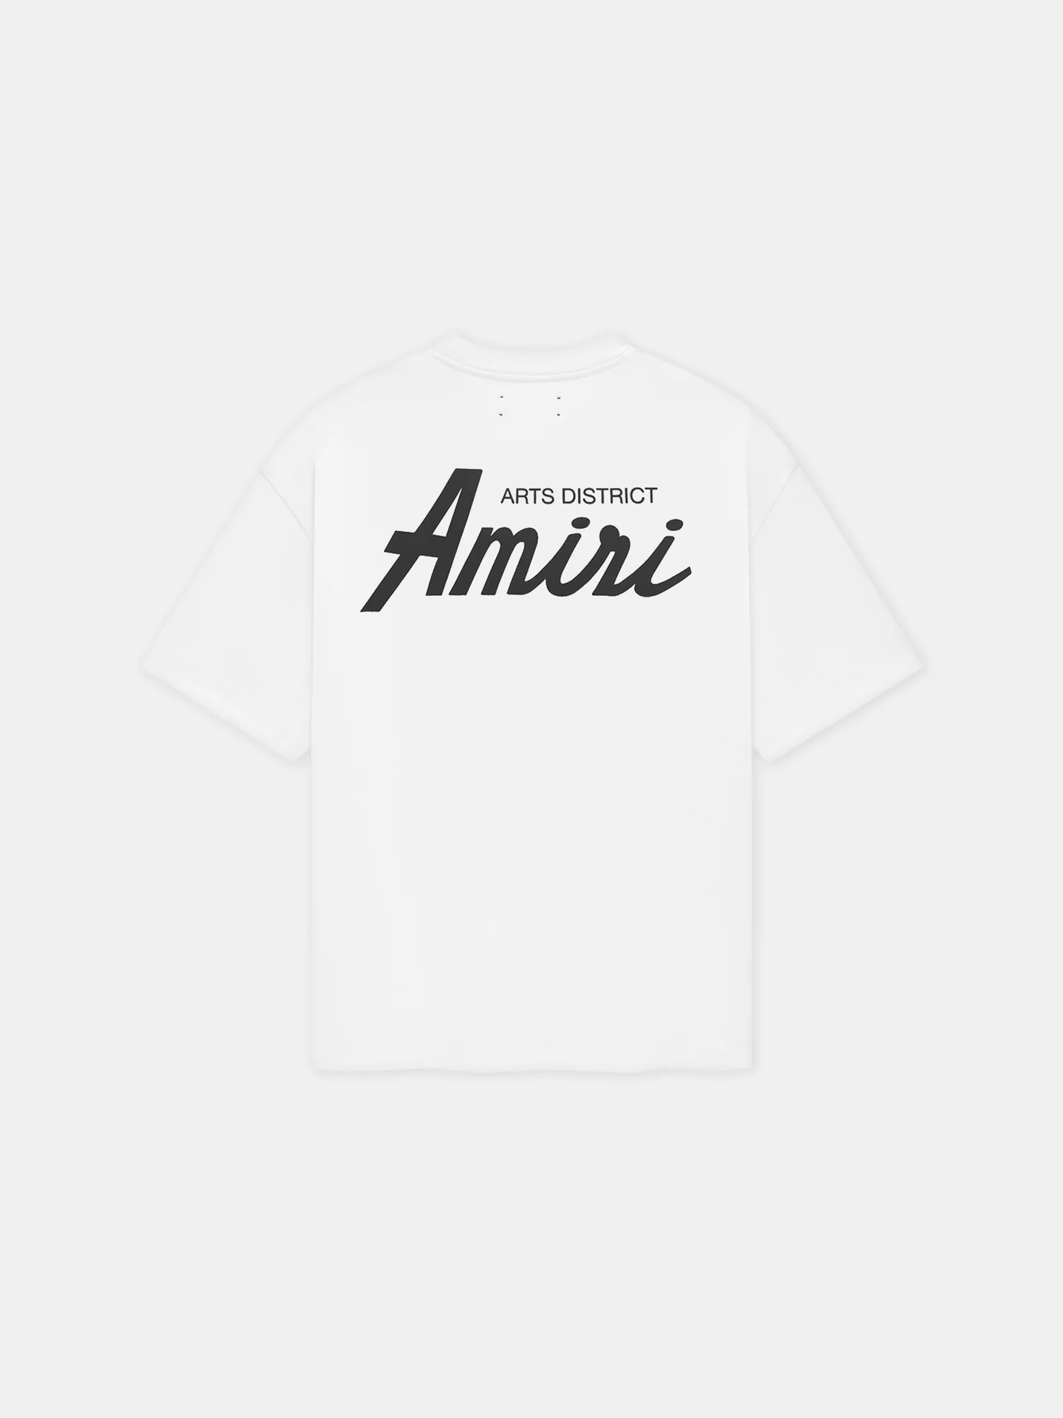 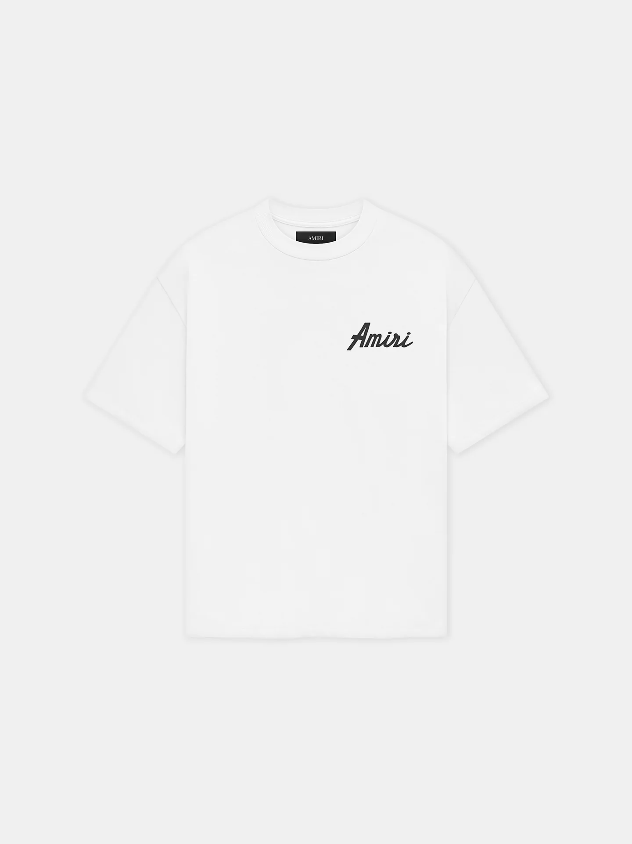 | T-SHIRT AMIRI CITY | AMJYTE1146-100 | WHITE | ITALIA | 100% COTTON | 7 | 13 | 21 | 10 | 8 | 59 | € 390.00 | € 23,010.00 | € 109.20 | € 6,442.80 | £96.64 | £5,701.59
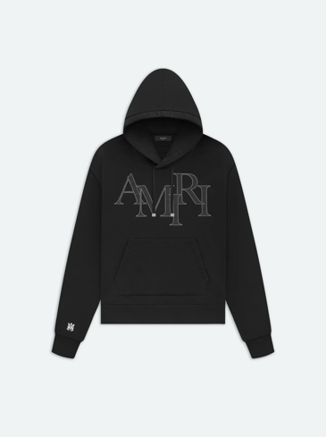 | AMIRI STAGGERED LOGO HOODIE | PS24MJL016-001 | BLACK | ITALIA | 100% COTTON | 14 | 12 | 20 | 13 | 12 | 71 | € 950.00 | € 67,450.00 | € 266.00 | € 18,886.00 | £235.40 | £16,713.27
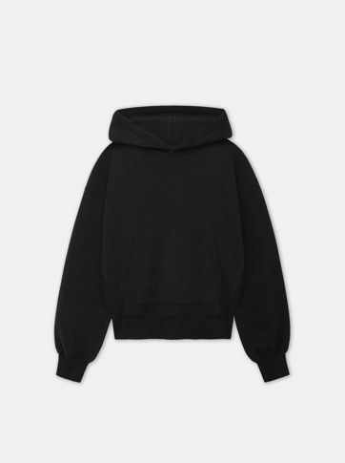 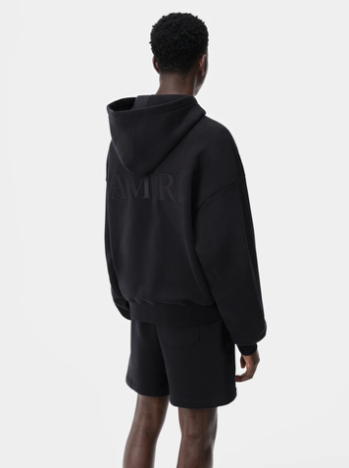 | AMIRI OVERSIZED HOODIE | AMJYHD1042-001 | BLACK | ITALIA | 100% COTTON | 12 | 13 | 19 | 14 | 11 | 69 | € 810.00 | € 55,890.00 | € 226.80 | € 15,649.20 | £200.71 | £13,848.85
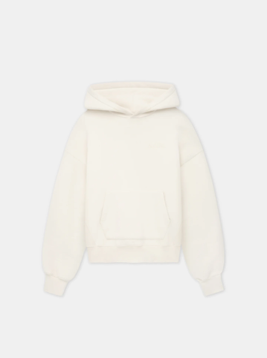 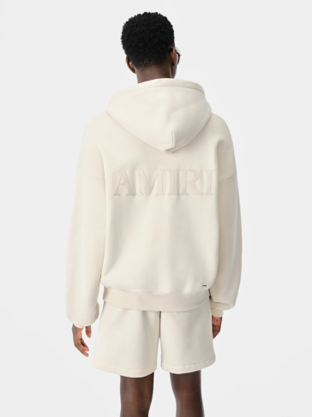 | AMIRI OVERSIZED HOODIE | AMJYHD1042-699 | BIRCH | ITALIA | 100% COTTON | 9 | 13 | 21 | 14 | 10 | 67 | € 810.00 | € 54,270.00 | € 226.80 | € 15,195.60 | £200.71 | £13,447.43
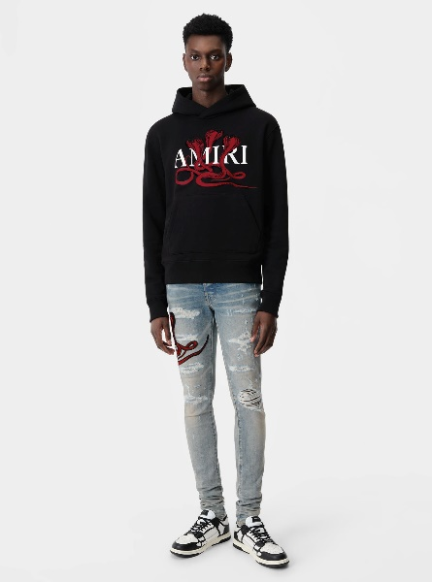 | FELPA CON CAPPUCCIO VELENO | AMJYHD1057-706 | BLACK/RED | USA | 100% COTTON | 4 | 17 | 13 | 21 | 21 | 76 | € 940.00 | € 71,440.00 | € 263.20 | € 20,003.20 | £232.92 | £17,701.95
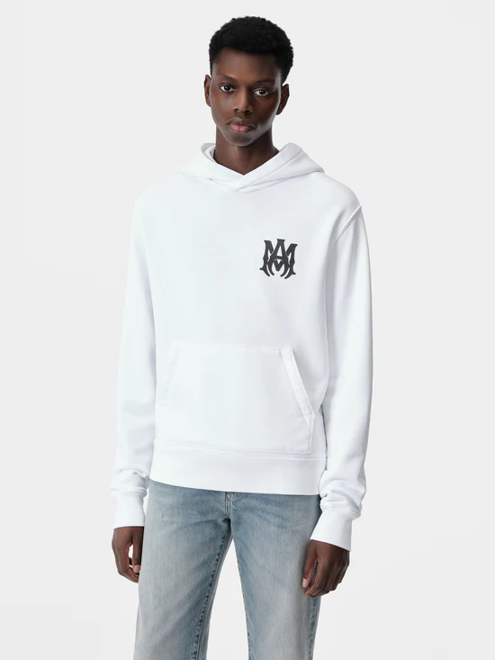 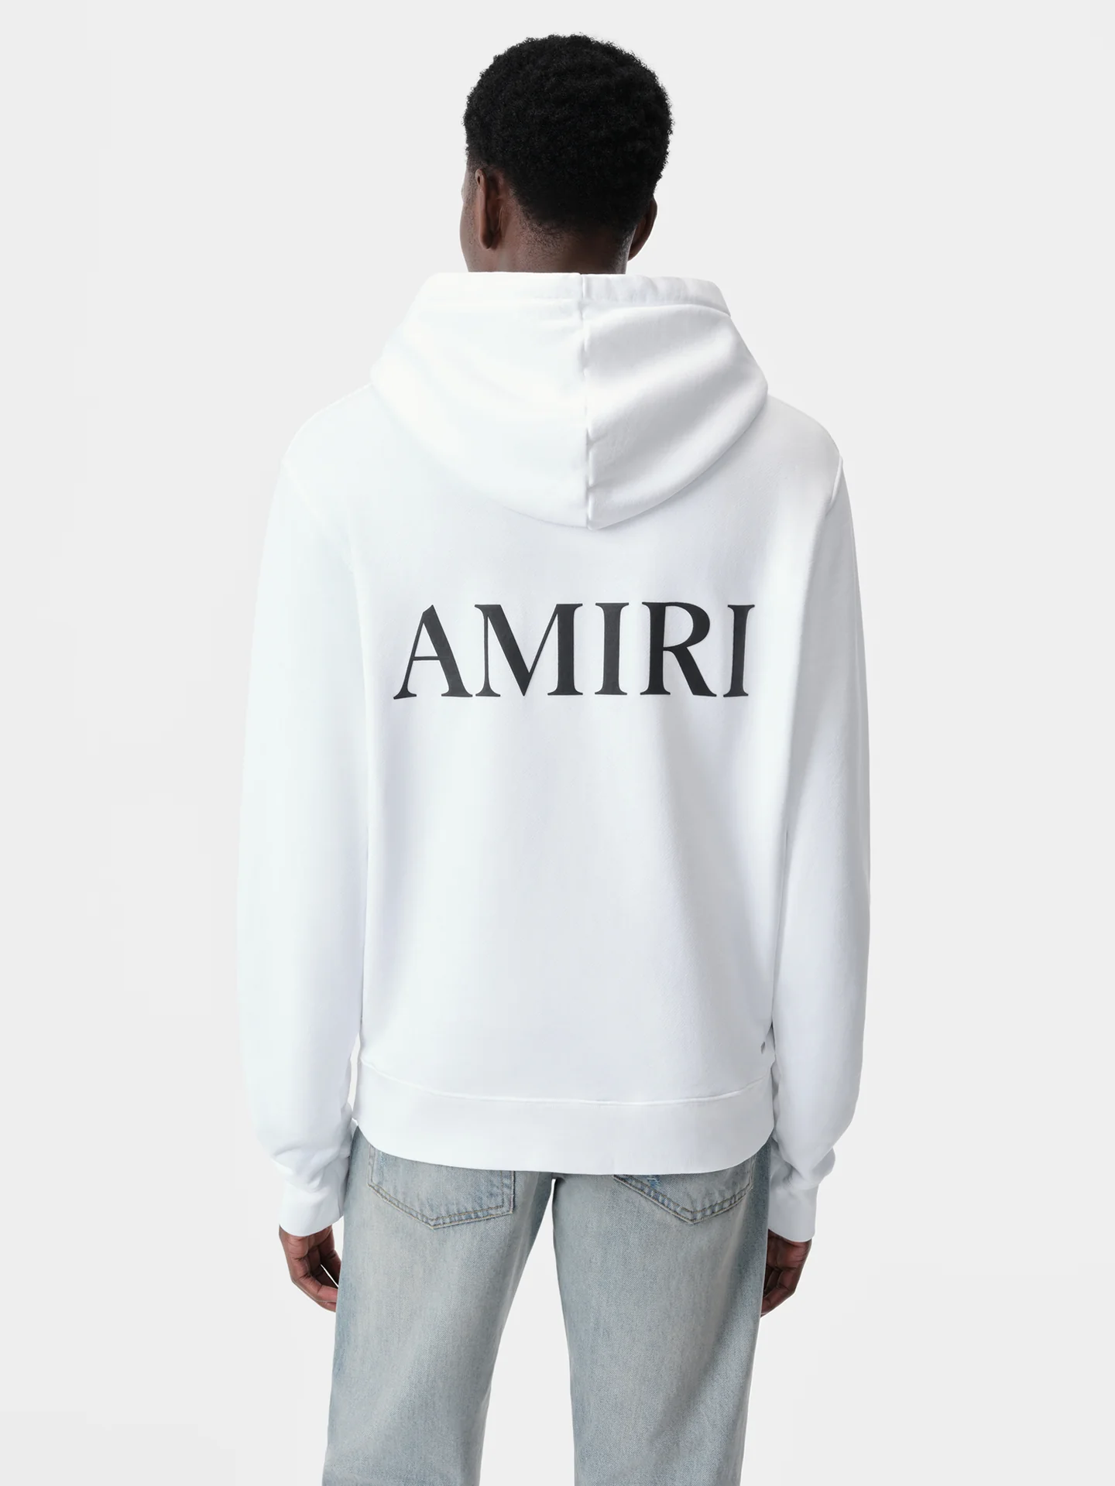 | MA CORE LOGO HOODIE | AMJYHD1050-100 | WHITE | USA | 100% COTTON | 1 | 15 | 26 | 9 | 11 | 62 | € 840.00 | € 52,080.00 | € 235.20 | € 14,582.40 | £208.14 | £12,904.78
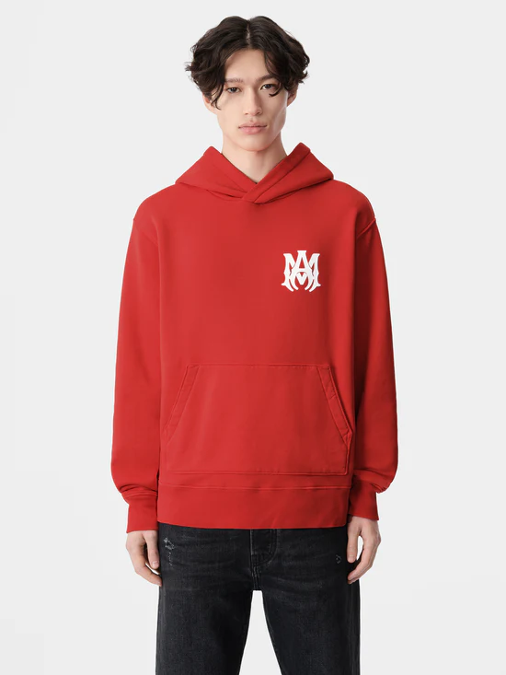 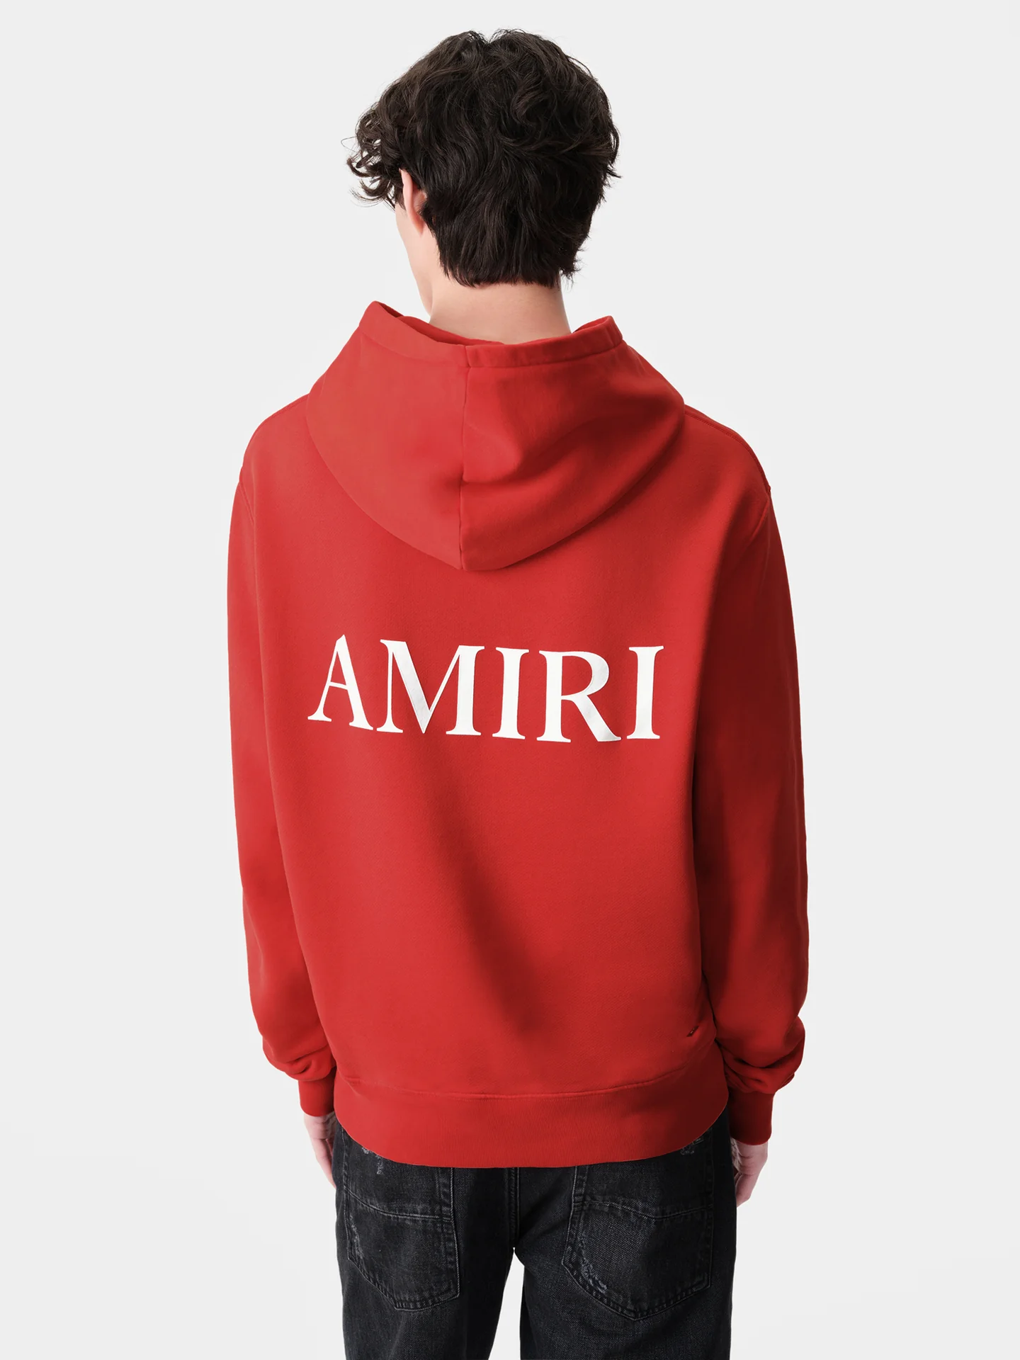 | MA CORE LOGO HOODIE | AMJYHD1050-610 | RED | USA | 100% COTTON | 0 | 29 | 13 | 0 | 6 | 48 | € 840.00 | € 40,320.00 | € 235.20 | € 11,289.60 | £208.14 | £9,990.80
 |  |  |  |  |  |  |  |  |  |  | 909 |  | € 571,270.00 |  | € 159,955.60 |  | £141,553.63

