Balenciaga
Category | Department | Picture | SMC | Style | Color | Q.tà | RETAIL PRICE | TOTAL RETAIL | COST € | COST TOT €
WOMEN LG | WOMEN'S HANDBAGS | 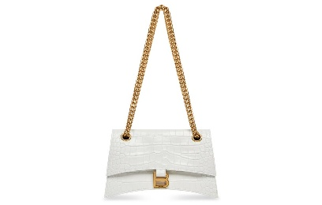 | 716351210IX9001 | CRUSH CHAIN S | OPTIC WHITE | 2 | 2,300.00 € | 4,600.00 € | 759.00 | 1,518.00
WOMEN LG | WOMEN'S HANDBAGS | 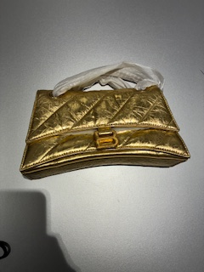 | 7163512AAY08004 | CRUSH CHAIN S | GOLD | 5 | 2,450.00 € | 12,250.00 € | 808.50 | 4,042.50
WOMEN LG | WOMEN'S HANDBAGS | 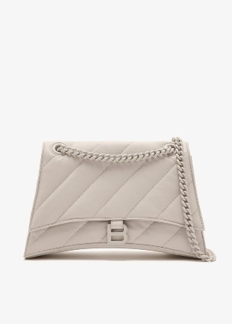 | 7163932AATE9914 | CRUSH CHAIN M | NACRE | 4 | 2,700.00 € | 10,800.00 € | 891.00 | 3,564.00
WOMEN LG | WOMEN'S HANDBAGS | 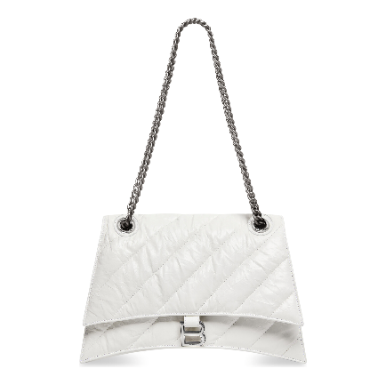 | 716393210J09001 | CRUSH CHAIN M | OPTIC WHITE | 9 | 2,650.00 € | 23,850.00 € | 874.50 | 7,870.50
WOMEN LG | WOMEN'S HANDBAGS | 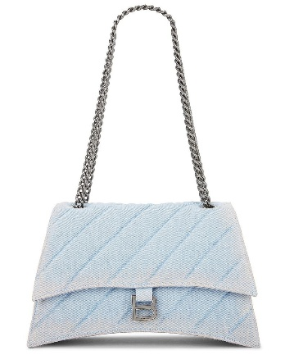 | 7163932AAEJ4651 | CRUSH CHAIN M | PALE BLUE | 7 | 2,500.00 € | 17,500.00 € | 825.00 | 5,775.00
WOMEN LG | WOMEN'S HANDBAGS | 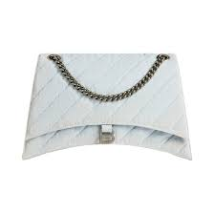 | 7163322AAEJ4651 | CRUSH CHAIN L | PALE BLUE | 4 | 3,000.00 € | 12,000.00 € | 990.00 | 3,960.00
WOMEN LG | WOMEN'S HANDBAGS | 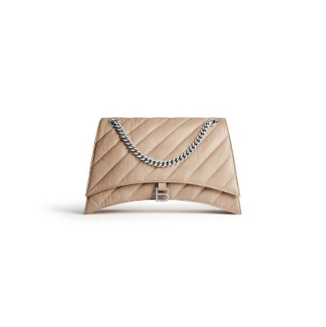 | 716332210J02752 | CRUSH CHAIN L | WARM BEIGE | 7 | 3,200.00 € | 22,400.00 € | 1,056.00 | 7,392.00
WOMEN LG | WOMEN'S HANDBAGS | 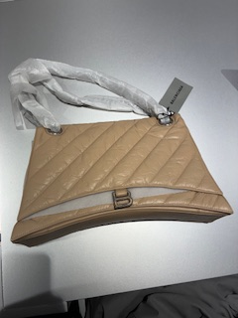 | 716332210J02906 | CRUSH CHAIN L | TAUPE | 2 | 3,200.00 € | 6,400.00 € | 1,056.00 | 2,112.00
WOMEN LG | WOMEN'S HANDBAGS | 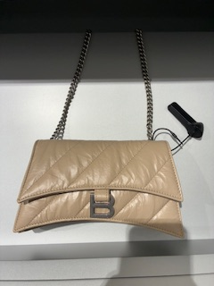 | 736016210J02906 | CRUSH CHSAIN XS | TAUPE | 9 | 1,850.00 € | 16,650.00 € | 610.50 | 5,494.50
WOMEN LG | WOMEN'S HANDBAGS | 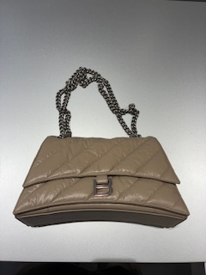 | 716393210J02906 | CRUSH CHAIN M | TAUPE | 7 | 2,650.00 € | 18,550.00 € | 874.50 | 6,121.50
WOMEN LG | WOMEN'S HANDBAGS | 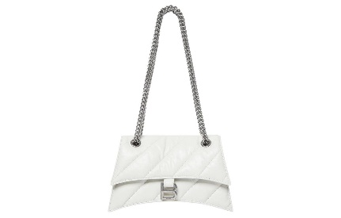 | 716351210J09001 | CRUSH CHAIN S | OPTIC WHITE | 7 | 2,400.00 € | 16,800.00 € | 792.00 | 5,544.00
WOMEN LG | WOMEN'S HANDBAGS | 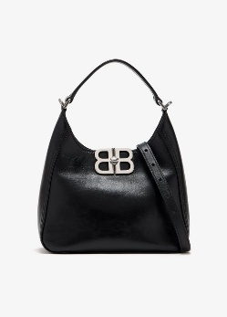 | 8019282AAIY1000 | BB SOFT HOBO S | BLACK | 12 | 1,850.00 € | 22,200.00 € | 610.50 | 7,326.00
WOMEN LG | WOMEN'S HANDBAGS | 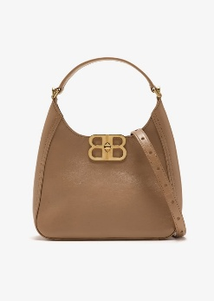 | 8019282ABEC2621 | BB SOFT HOBO S | LATTE | 4 | 1,850.00 € | 7,400.00 € | 610.50 | 2,442.00
WOMEN LG | WOMEN'S HANDBAGS | 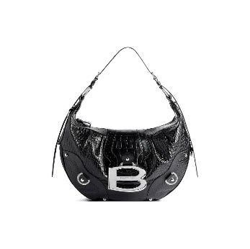 | 8052762ABBZ1000 | ESSEX HOBO | BLACK | 9 | 2,950.00 € | 26,550.00 € | 973.50 | 8,761.50
WOMEN LG | WOMEN'S HANDBAGS | 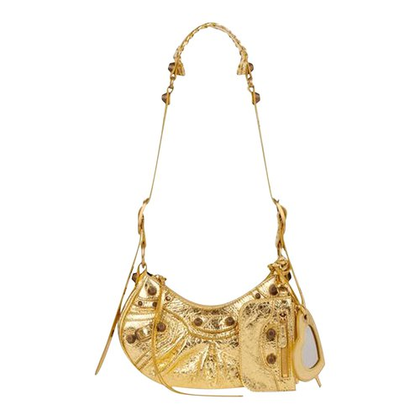 | 6713090GT3M8005 | LE CAGOLE SHOULDER BAG XS | GOLD | 14 | 2,050.00 € | 28,700.00 € | 676.50 | 9,471.00
WOMEN LG | WOMEN'S HANDBAGS | 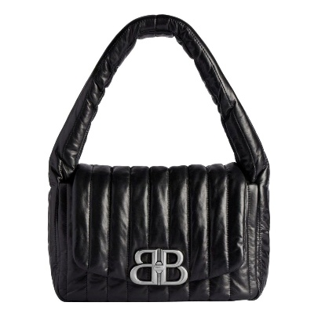 | 7878962AA7Z1000 | MONACO SLING BAG S | BLACK | 15 | 2,100.00 € | 31,500.00 € | 693.00 | 10,395.00
WOMEN LG | WOMEN'S HANDBAGS | 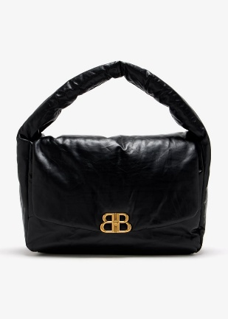 | 7916362AA411000 | MONACO SLING BAG L | BLACK | 5 | 3,900.00 € | 19,500.00 € | 1,287.00 | 6,435.00
WOMEN LG | WOMEN'S HANDBAGS |  | 7916362AA3Z5820 | MONACO SLING BAG L | PINK | 1 | 3,900.00 € | 3,900.00 € | 1,287.00 | 1,287.00
WOMEN LG | WOMEN'S HANDBAGS | 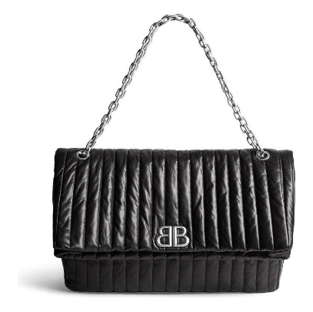 | 7659332AASE1000 | MONACO CHAIN L | BLACK | 10 | 3,550.00 € | 35,500.00 € | 1,171.50 | 11,715.00
WOMEN LG | WOMEN'S HANDBAGS |  | 7659662AASE9106 | MONACO CHAIN S | OFF WHITE | 8 | 2,350.00 € | 18,800.00 € | 775.50 | 6,204.00
WOMEN LG | WOMEN'S HANDBAGS | 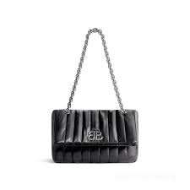 | 7659662AASE1000 | MONACO CHAIN S | BLACK | 16 | 2,350.00 € | 37,600.00 € | 775.50 | 12,408.00
WOMEN LG | WOMEN'S HANDBAGS | 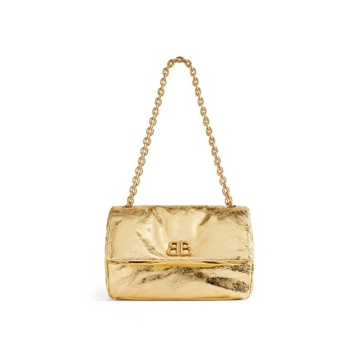 | 7659662AAYY8018 | MONACO CHAIN S | GOLD | 7 | 2,150.00 € | 15,050.00 € | 709.50 | 4,966.50
WOMEN LG | WOMEN'S HANDBAGS | 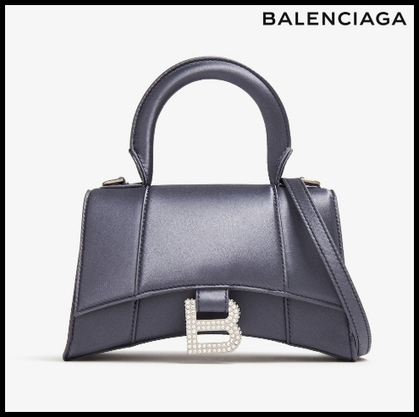 | 5928332AAP01331 | HOURGLASS XS B STRASS | DARK GREY | 7 | 2,150.00 € | 15,050.00 € | 709.50 | 4,966.50
WOMEN LG | WOMEN'S HANDBAGS | 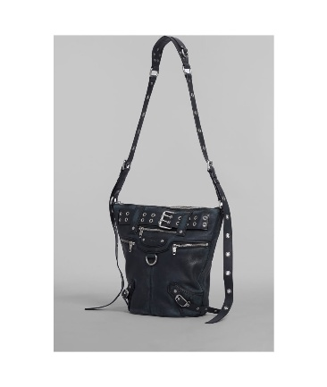 | 702036210BZ1000 | EMO BUCKET BAG | BLACK | 7 | 3,000.00 € | 21,000.00 € | 990.00 | 6,930.00
WOMEN LG | WOMEN'S HANDBAGS | 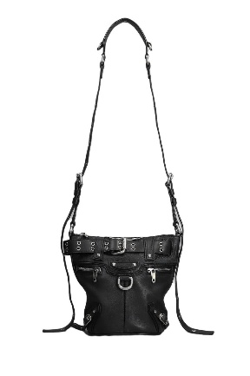 | 702039210BZ1000 | EMO BUCKET BAG XS | BLACK | 11 | 2,500.00 € | 27,500.00 € | 825.00 | 9,075.00
WOMEN LG | WOMEN'S HANDBAGS | 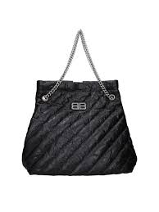 | 742941210J01000 | CRUSH TOTE M | BLACK | 16 | 2,450.00 € | 39,200.00 € | 808.50 | 12,936.00
WOMEN LG | WOMEN'S HANDBAGS | 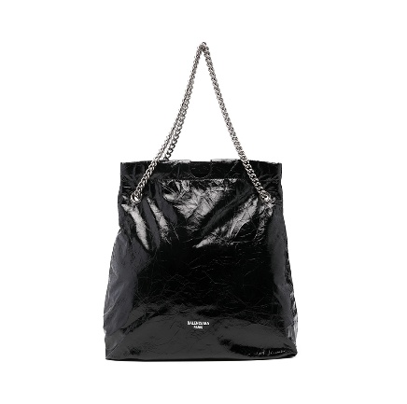 | 7429412AA601000 | CRUSH TOTE M | BLACK | 2 | 2,250.00 € | 4,500.00 € | 742.50 | 1,485.00
WOMEN LG | WOMEN'S HANDBAGS | 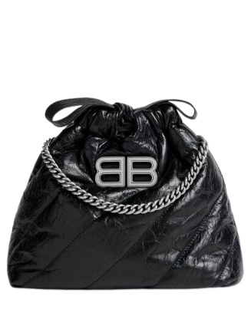 | 781796210J01000 | CRUSH TOTE XS | BLACK | 12 | 1,890.00 € | 22,680.00 € | 623.70 | 7,484.40
WOMEN LG | WOMEN'S HANDBAGS | 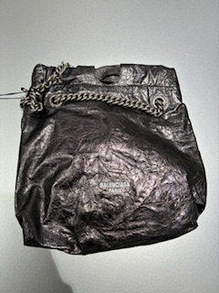 | 7429422AATG1314 | CRUSH TOTE S | STEEL GREY | 12 | 1,990.00 € | 23,880.00 € | 656.70 | 7,880.40
WOMEN LG | WOMEN'S HANDBAGS | 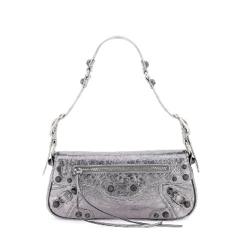 | 7716400GT3Y8103 | LE CAGOLE SLING BAG S | SILVER | 10 | 1,790.00 € | 17,900.00 € | 590.70 | 5,907.00
WOMEN LG | WOMEN'S HANDBAGS | 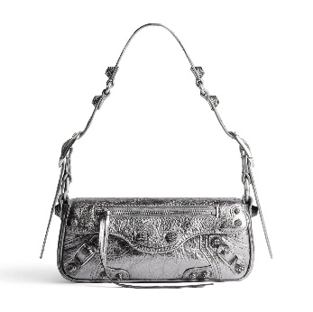 | 7716700GT3Y8103 | LE CAGOLE SLING BAG XS | SILVER | 2 | 1,550.00 € | 3,100.00 € | 511.50 | 1,023.00
WOMEN LG | WOMEN'S HANDBAGS | 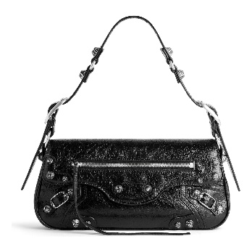 | 7716401VG9Y1000 | LE CAGOLE SLING BAG S | BLACK | 5 | 1,750.00 € | 8,750.00 € | 577.50 | 2,887.50
WOMEN LG | WOMEN'S HANDBAGS |  | 7716701VG9Y9104 | LE CAGOLE SLING BAG XS | OPTIC WHITE | 2 | 1,550.00 € | 3,100.00 € | 511.50 | 1,023.00
WOMEN LG | WOMEN'S HANDBAGS | 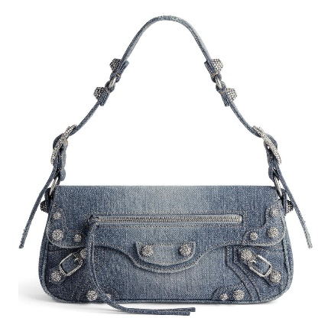 | 7716402109U4715 | LE CAGOLE SLING BAG S | BLUE | 11 | 2,250.00 € | 24,750.00 € | 742.50 | 8,167.50
WOMEN LG | WOMEN'S HANDBAGS | 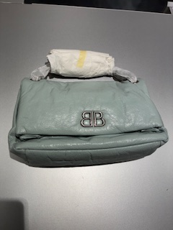 | 7659452AASA3909 | MONACO CHAIN M | AQUA | 2 | 2,290.00 € | 4,580.00 € | 755.70 | 1,511.40
WOMEN LG | WOMEN'S HANDBAGS | 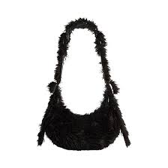 | 6713092AAPO1000 | LE CAGOLE XS FAKE FUR | BLACK | 5 | 2,300.00 € | 11,500.00 € | 759.00 | 3,795.00
WOMEN LG | WOMEN'S HANDBAGS | 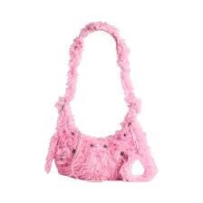 | 6713092AAPO5812 | LE CAGOLE XS FAKE FUR | SWEET PINK | 13 | 2,300.00 € | 29,900.00 € | 759.00 | 9,867.00
WOMEN LG | WOMEN'S HANDBAGS |  | 7485982AA1Q8110 | BB SOFT FLAP S | SILVER | 10 | 2,050.00 € | 20,500.00 € | 676.50 | 6,765.00
WOMEN LG | MEN'S HANDBAGS | 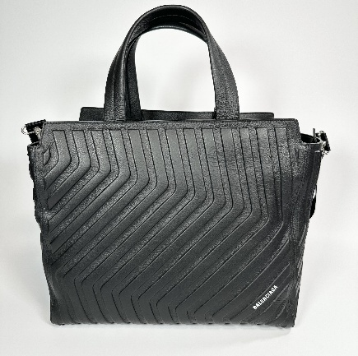 | 679463 2103I 1000 | CAR TOTE M | BLACK | 6 | 1,750.00 € | 10,500.00 € | 577.50 | 3,465.00
WOMEN LG | MEN'S HANDBAGS |  | 6935412103I1000 | CAR ZIPPED TOTE | BLACK | 13 | 1,750.00 € | 22,750.00 € | 577.50 | 7,507.50
WOMEN LG | MEN'S HANDBAGS | 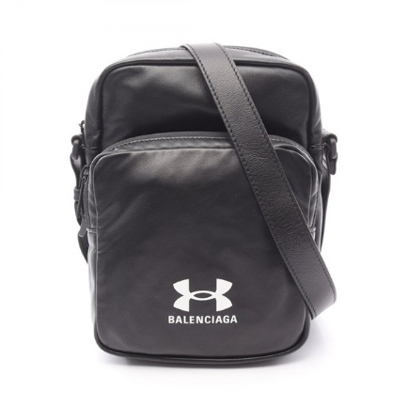 | 8119072ABJJ1000 | UNDER ARMOUR CROSSB | BLACK | 9 | 950.00 € | 8,550.00 € | 313.50 | 2,821.50
WOMEN LG | WOMEN'S HANDBAGS | 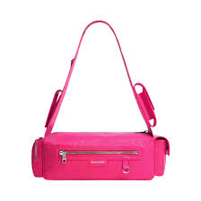 | 762516210CA5639 | SUPERBUSY SLING BAG XS | BRIGHT PINK | 7 | 1,590.00 € | 11,130.00 € | 524.70 | 3,672.90
WOMEN LG | WOMEN'S HANDBAGS | 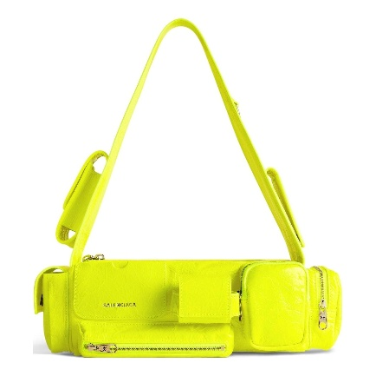 | 762516210CA7206 | SUPERBUSY SLING BAG XS | FLUO YELLOW | 8 | 1,590.00 € | 12,720.00 € | 524.70 | 4,197.60
WOMEN LG | WOMEN'S SMLG | 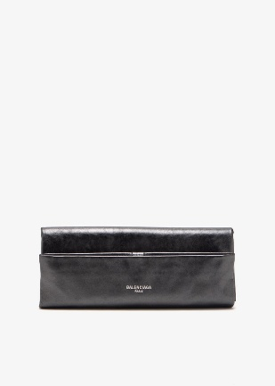 | 7709222AAUV1314 | POCHETTE S | STEEL GREY | 8 | 995.00 € | 7,960.00 € | 328.35 | 2,626.80
MEN LG | MEN'S HANDBAGS | 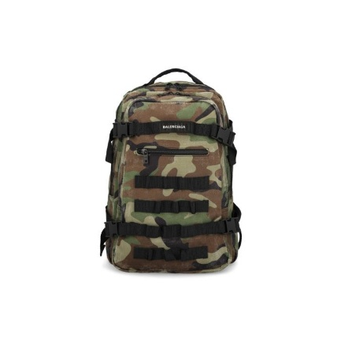 | 6936352AA7L2263 | ARMY SPACE BACKPACK S | DARK CAMO | 5 | 1,390.00 € | 6,950.00 € | 458.70 | 2,293.50
MEN LG | MEN'S SMLG | 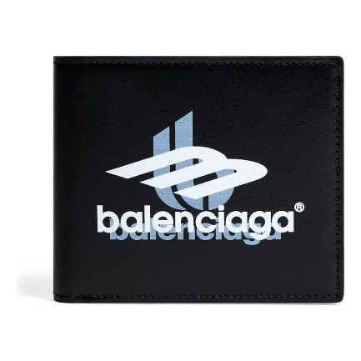 | 5945492AAPK1090 | CASH SQUARE FOLDED WALLET | BLACK/WHITE WHITE | 6 | 325.00 € | 1,950.00 € | 107.25 | 643.50
MEN LG | MEN'S SMLG | 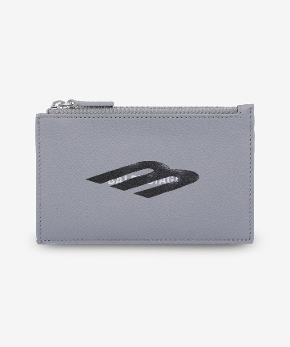 | 6405352AA7C1469 | CASH LONG COIN CARD HOLDER ENL | HEATH GREY/L BLK/WHT | 6 | 275.00 € | 1,650.00 € | 90.75 | 544.50
WOMEN LG | WOMEN'S SMLG | 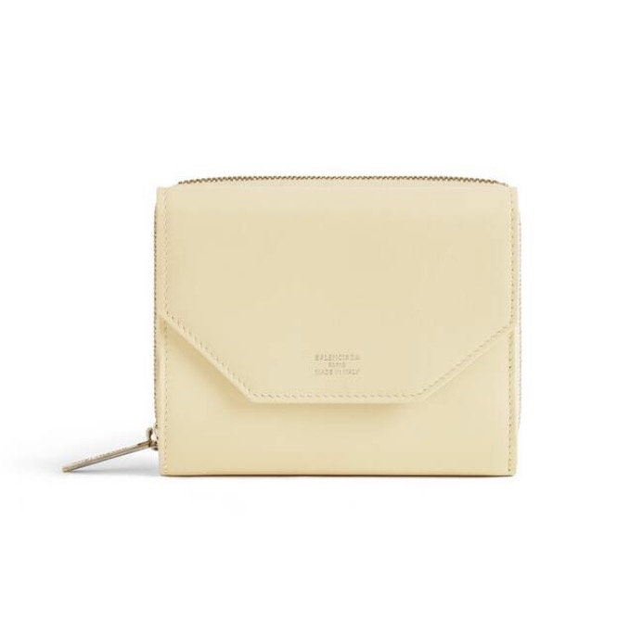 | 753762 2AAFS 9401 | ENVELOPE COMPACT | CHAMPAGNE | 8 | 475.00 € | 3,800.00 € | 156.75 | 1,254.00
MEN LG | MEN'S HANDBAGS | 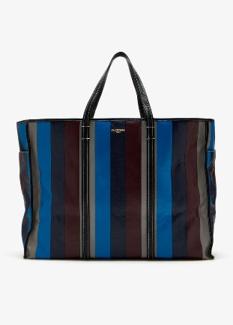 | 7709742AAU81080 | CHATELET CARRY ALL XL | BLACK/L GOLD | 4 | 2,900.00 € | 11,600.00 € | 957.00 | 3,828.00
WOMEN LG | WOMEN'S HANDBAGS | 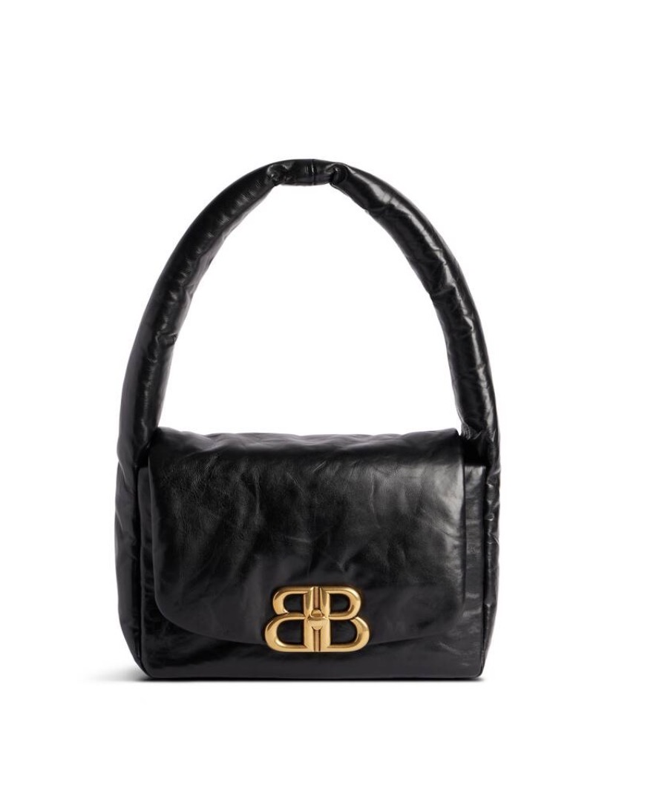 | 787896 2AA41 1000 | MONACO SLING S | BLACK | 1 | 1,750.00 € | 1,750.00 € | 577.50 | 577.50
WOMEN LG | WOMEN'S HANDBAGS | 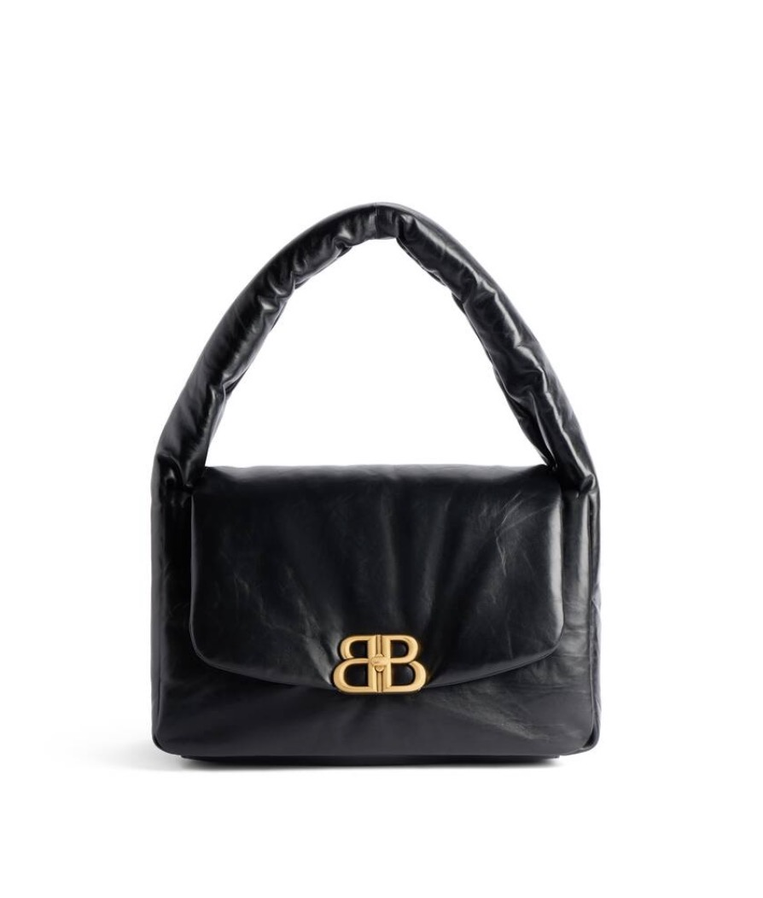 | 787902 2AA41 1000 | MONACO SLING M | BLACK | 8 | 2,300.00 € | 18,400.00 € | 759.00 | 6,072.00
WOMEN LG | WOMEN'S HANDBAGS | 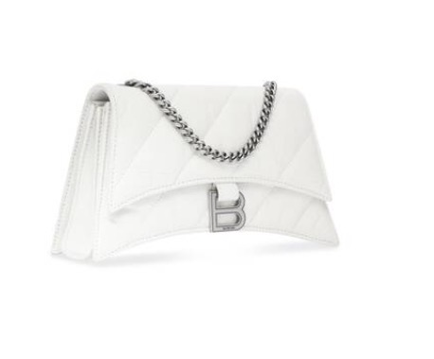 | 736016 210J0 9001 | CRUSH CHAIN XS | OPTIC WHITE | 1 | 1,850.00 € | 1,850.00 € | 610.50 | 610.50
WOMEN LG | WOMEN'S HANDBAGS | 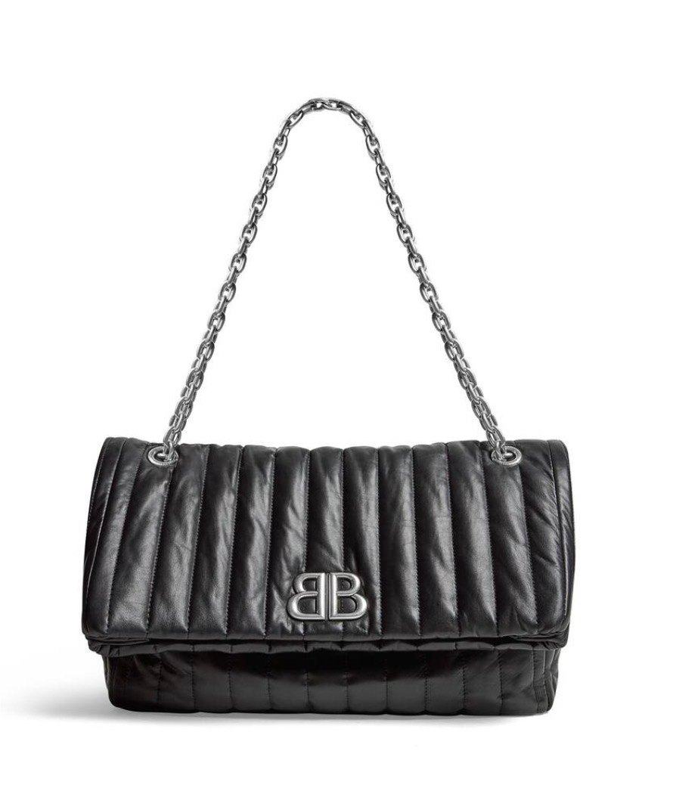 | 765945 2AASE 1000 | MONACO CHAIN M QUILTED | BLACK | 4 | 2,550.00 € | 10,200.00 € | 841.50 | 3,366.00
WOMEN LG | WOMEN'S HANDBAGS | 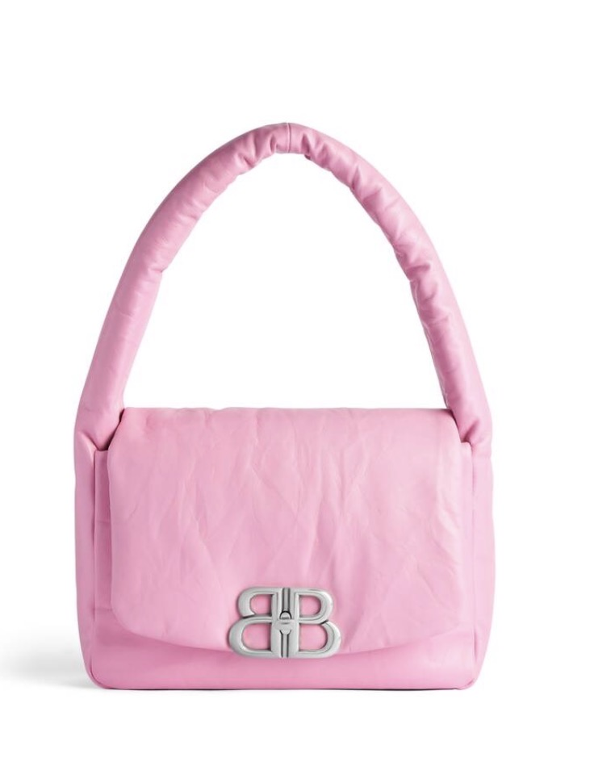 | 787896 2AA3Z 5820 | MONACO SLING S | PINK | 4 | 1,750.00 € | 7,000.00 € | 577.50 | 2,310.00
WOMEN LG | WOMEN'S HANDBAGS | 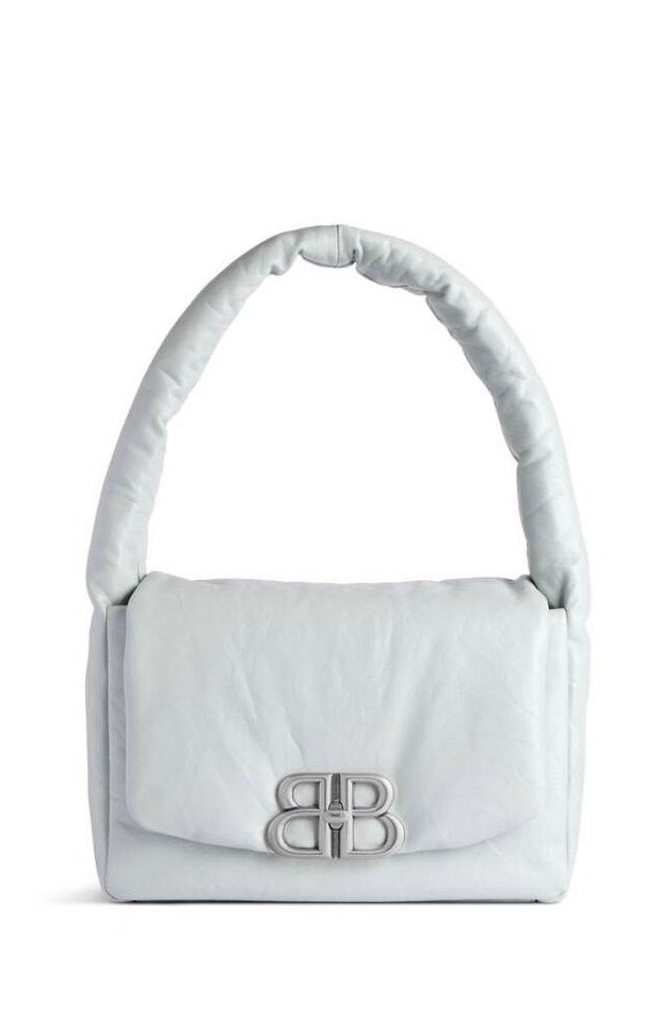 | 787896 2AA3Z 3909 | MONACO SLING S | AQUA | 4 | 1,750.00 € | 7,000.00 € | 577.50 | 2,310.00
WOMEN LG | WOMEN'S HANDBAGS |  | 765966 2AA1I 5908 | MONACO BAG S QUILTED | LIGHT PINK | 8 | 2,400.00 € | 19,200.00 € | 792.00 | 6,336.00
 |  |  |  |  |  | 401 |  | 851,350.00 € |  | 280,945.50

