Offer
REF
NAME*
COMPANY NAME
DATE*
SALES REP*
EMAIL*
PHONE #*
PAYMENT CURRENCY (€/£)*
BILLING ADDRESS*
ORDER NUMBER
PRE/IN HAND
DELIVERY TYPE

IMAGE | GENDER | BRAND | CATEGORY | DESCRIPTION | COMPOSITION | MADE | TYPE | ITEM | SKU | COLOR | SIZE | QTY | QTY REF | BARCODE 1 | BARCODE 2 | RRP € | RRP TOT € | COST € | COST TOT € | COST £ | COST TOT £
 | WOMEN | MALO | PANTS | PANTALONE TIPO JOGGI | 100%WS | ITALY | SD10 | SD10MAL00001 | DH7035 F1C16 | Ciclamino | 38 | 1 | 2 | 2000054021745 | 8058273524893 | € 765.00 | € 765.00 | € 149.18 | € 149.18 | £133.19 | £133.19
 | WOMEN | MALO | PANTS | PANTALONE TIPO JOGGI | 100%WS | ITALY | SD10 | SD10MAL00001 | DH7035 F1C16 | Ciclamino | 46 | 1 |  | 2000054021783 | 8058273524930 | € 765.00 | € 765.00 | € 149.18 | € 149.18 | £133.19 | £133.19
 | WOMEN | MALO | PANTS | PANTALONE TIPO JOGGI | 100%WS | ITALY | SD10 | SD10MAL00001 | DH7035 F1C16 | Panna | 48 | 1 | 1 | 2000054021639 | 8056365618697 | € 765.00 | € 765.00 | € 149.18 | € 149.18 | £133.19 | £133.19
 | WOMEN | MALO | PANTS | FUSEAUX | 100%WS | ITALY | SD10 | SD10MAL00002 | DMP002 F1K02 | E2603/CASPIO | S | 1 | 3 | 2000053857239 | 8058273044025 | € 675.00 | € 675.00 | € 131.63 | € 131.63 | £117.52 | £117.52
 | WOMEN | MALO | PANTS | FUSEAUX | 100%WS | ITALY | SD10 | SD10MAL00002 | DMP002 F1K02 | E2603/CASPIO | M | 2 |  | 2000053857246 | 8058273125755 | € 675.00 | € 1,350.00 | € 131.63 | € 263.25 | £117.52 | £235.04
 | WOMEN | MALO | PANTS | FUSEAUX | 100%WS | ITALY | SD10 | SD10MAL00002 | DMP002 F1K02 | E2969/OCEANO | XS | 1 | 3 | 2000053857628 | 2058273062162 | € 675.00 | € 675.00 | € 131.63 | € 131.63 | £117.52 | £117.52
 | WOMEN | MALO | PANTS | FUSEAUX | 100%WS | ITALY | SD10 | SD10MAL00002 | DMP002 F1K02 | E2969/OCEANO | S | 2 |  | 2000053857635 | 8058273921166 | € 675.00 | € 1,350.00 | € 131.63 | € 263.25 | £117.52 | £235.04
 | WOMEN | MALO | PANTS | FUSEAUX | 100%WS | ITALY | SD10 | SD10MAL00002 | DMP002 F1K02 | Ghiaccio/Ice | XS | 1 | 3 | 2000054021905 | 2058273058752 | € 675.00 | € 675.00 | € 131.63 | € 131.63 | £117.52 | £117.52
 | WOMEN | MALO | PANTS | FUSEAUX | 100%WS | ITALY | SD10 | SD10MAL00002 | DMP002 F1K02 | Ghiaccio/Ice | S | 1 |  | 2000054021912 | 2058273058769 | € 675.00 | € 675.00 | € 131.63 | € 131.63 | £117.52 | £117.52
 | WOMEN | MALO | PANTS | FUSEAUX | 100%WS | ITALY | SD10 | SD10MAL00002 | DMP002 F1K02 | Ghiaccio/Ice | M | 1 |  | 2000054021929 | 2058273058776 | € 675.00 | € 675.00 | € 131.63 | € 131.63 | £117.52 | £117.52
 | WOMEN | MALO | PANTS | FUSEAUX | 100%WS | ITALY | SD10 | SD10MAL00002 | DMP002 F1K02 | E2902/PURPLE | S | 2 | 2 | 2000053857437 | 8058273760246 | € 675.00 | € 1,350.00 | € 131.63 | € 263.25 | £117.52 | £235.04
 | WOMEN | MALO | PANTS | FUSEAUX | 100%WS | ITALY | SD10 | SD10MAL00002 | DMP002 F1K02 | E2905/PINK | S | 1 | 2 | 2000053857536 | 8058273760284 | € 675.00 | € 675.00 | € 131.63 | € 131.63 | £117.52 | £117.52
 | WOMEN | MALO | PANTS | FUSEAUX | 100%WS | ITALY | SD10 | SD10MAL00002 | DMP002 F1K02 | E2905/PINK | M | 1 |  | 2000053857543 | 8058273760291 | € 675.00 | € 675.00 | € 131.63 | € 131.63 | £117.52 | £117.52
 | WOMEN | MALO | PANTS | FUSEAUX | 100%WS | ITALY | SD10 | SD10MAL00002 | DMP002 F1K02 | E2076/FOCA | XS | 1 | 2 | 2000053857123 | 8058273662564 | € 675.00 | € 675.00 | € 131.63 | € 131.63 | £117.52 | £117.52
 | WOMEN | MALO | PANTS | FUSEAUX | 100%WS | ITALY | SD10 | SD10MAL00002 | DMP002 F1K02 | E2076/FOCA | L | 1 |  | 2000053857154 | 8058273662595 | € 675.00 | € 675.00 | € 131.63 | € 131.63 | £117.52 | £117.52
 | WOMEN | MALO | PANTS | FUSEAUX | 100%WS | ITALY | SD10 | SD10MAL00002 | DMP002 F1K02 | E1179/VULCANO | XS | 1 | 1 | 2000053856829 | 8058273759844 | € 675.00 | € 675.00 | € 131.63 | € 131.63 | £117.52 | £117.52
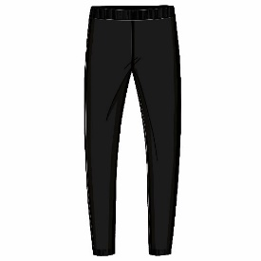 | WOMEN | MALO | PANTS | FUSEAUX | 100%WS | ITALY | SD10 | SD10MAL00002 | DMP002 F1K02 | E1924/FUMO | XS | 1 | 1 | 2000053857024 | 8002835819019 | € 675.00 | € 675.00 | € 131.63 | € 131.63 | £117.52 | £117.52
 | WOMEN | MALO | PANTS | FUSEAUX | 100%WS | ITALY | SD10 | SD10MAL00002 | DMP002 F1K02 | E2892/LIGHT CAMEL | L | 1 | 1 | 2000053857352 | 8058273760161 | € 675.00 | € 675.00 | € 131.63 | € 131.63 | £117.52 | £117.52
 | WOMEN | MALO | PANTS | LEGGING CON TUBOLARI | 100%WS | ITALY | SD10 | SD10MAL00003 | DMP013 F1K02 | E2098/YOGURT | XS | 1 | 3 | 2000053857727 | 8056365934070 | € 554.00 | € 554.00 | € 108.03 | € 108.03 | £96.46 | £96.46
 | WOMEN | MALO | PANTS | LEGGING CON TUBOLARI | 100%WS | ITALY | SD10 | SD10MAL00003 | DMP013 F1K02 | E2098/YOGURT | M | 1 |  | 2000053857741 | 8056365934087 | € 554.00 | € 554.00 | € 108.03 | € 108.03 | £96.46 | £96.46
 | WOMEN | MALO | PANTS | LEGGING CON TUBOLARI | 100%WS | ITALY | SD10 | SD10MAL00003 | DMP013 F1K02 | E2098/YOGURT | L | 1 |  | 2000053857758 | 8056365934094 | € 554.00 | € 554.00 | € 108.03 | € 108.03 | £96.46 | £96.46
 | WOMEN | MALO | PANTS | LEGGING CON TUBOLARI | 100%WS | ITALY | SD10 | SD10MAL00003 | DMP013 F1K02 | E2112/BRANDY | XS | 1 | 1 | 2000053857826 | 8056365934155 | € 554.00 | € 554.00 | € 108.03 | € 108.03 | £96.46 | £96.46
 | WOMEN | MALO | PANTS | PANT AMPIO | 100%WS | ITALY | SD10 | SD10MAL00005 | DXP011 F1C50 | EI850/E2893/ORO | XS | 6 | 12 | 2000053858021 | 8058273755693 | € 1,725.00 | € 10,350.00 | € 336.38 | € 2,018.25 | £300.33 | £1,802.01
 | WOMEN | MALO | PANTS | PANT AMPIO | 100%WS | ITALY | SD10 | SD10MAL00005 | DXP011 F1C50 | EI850/E2893/ORO | S | 4 |  | 2000053858038 | 8058273614587 | € 1,725.00 | € 6,900.00 | € 336.38 | € 1,345.50 | £300.33 | £1,201.34
 | WOMEN | MALO | PANTS | PANT AMPIO | 100%WS | ITALY | SD10 | SD10MAL00005 | DXP011 F1C50 | EI850/E2893/ORO | M | 1 |  | 2000053858045 | 8058273755679 | € 1,725.00 | € 1,725.00 | € 336.38 | € 336.38 | £300.33 | £300.33
 | WOMEN | MALO | PANTS | PANT AMPIO | 100%WS | ITALY | SD10 | SD10MAL00005 | DXP011 F1C50 | EI850/E2893/ORO | L | 1 |  | 2000053858052 | 8058273755686 | € 1,725.00 | € 1,725.00 | € 336.38 | € 336.38 | £300.33 | £300.33
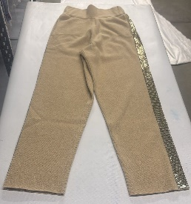 | WOMEN | MALO | PANTS | PANT AMPIO | 100%WS | ITALY | SD10 | SD10MAL00005 | DXP011 F1C50 | EI884/E2892/ORO | XS | 1 | 3 | 2000053858120 | 8058273755709 | € 1,725.00 | € 1,725.00 | € 336.38 | € 336.38 | £300.33 | £300.33
 | WOMEN | MALO | PANTS | PANT AMPIO | 100%WS | ITALY | SD10 | SD10MAL00005 | DXP011 F1C50 | EI884/E2892/ORO | S | 2 |  | 2000053858137 | 8058273614594 | € 1,725.00 | € 3,450.00 | € 336.38 | € 672.75 | £300.33 | £600.67
 | WOMEN | MALO | PANTS | PANTA GONNA C/PINCES | 100%WS | ITALY | SD10 | SD10MAL00006 | DXP019 F1C02 | E286/BLU DIESEL | XS | 1 | 1 | 2000053858229 | 8058273992968 | € 1,173.00 | € 1,173.00 | € 228.73 | € 228.73 | £204.23 | £204.23
 | WOMEN | MALO | PANTS | PANTA LARGO C/PINCES | 100%WS | ITALY | SD10 | SD10MAL00007 | DXP020 F1C02 | E2961/SESAMO | XS | 1 | 1 | 2000053858328 | 8058273993293 | € 847.00 | € 847.00 | € 165.17 | € 165.17 | £147.47 | £147.47
 | WOMEN | MALO | PANTS | PANTA LARGO C/PINCES | 100%WS | ITALY | SD10 | SD10MAL00007 | DXP020 F1C02 | E2964/BOUDOIR | XS | 1 | 1 | 2000053858427 | 8058273993330 | € 847.00 | € 847.00 | € 165.17 | € 165.17 | £147.47 | £147.47
 | WOMEN | MALO | PANTS | PANTALONE CON TAGLI | 97%CO 3%EA | ITALY | SD10 | SD10MAL10001 | DAP072 TAU07 | E2087/MARE | 38 | 1 | 5 | 2000053858526 | 8056365616337 | € 435.00 | € 435.00 | € 84.83 | € 84.83 | £75.74 | £75.74
 | WOMEN | MALO | PANTS | PANTALONE CON TAGLI | 97%CO 3%EA | ITALY | SD10 | SD10MAL10001 | DAP072 TAU07 | E2087/MARE | 40 | 4 |  | 2000053858533 | 8056365590375 | € 435.00 | € 1,740.00 | € 84.83 | € 339.30 | £75.74 | £302.95
 | WOMEN | MALO | PANTS | PANTALONE PALAZZO | 100%SE | ITALY | SD10 | SD10MAL10002 | DAP077 T4U18 | E2080/SABBIA | 38 | 2 | 3 | 2000053858687 | 8056365675454 | € 517.00 | € 1,034.00 | € 100.82 | € 201.63 | £90.01 | £180.03
 | WOMEN | MALO | PANTS | PANTALONE PALAZZO | 100%SE | ITALY | SD10 | SD10MAL10002 | DAP077 T4U18 | E2080/SABBIA | 44 | 1 |  | 2000053858717 | 8056365675478 | € 517.00 | € 517.00 | € 100.82 | € 100.82 | £90.01 | £90.01
 | WOMEN | MALO | PANTS | PANTALONE A SIGARETT | 97%CO 3%EA | ITALY | SD10 | SD10MAL10003 | DAP081 TAU07 | E2551/NEUTRO | 38 | 2 | 2 | 2000053858847 | 8058273544839 | € 495.00 | € 990.00 | € 96.53 | € 193.05 | £86.18 | £172.37
 | WOMEN | MALO | PANTS | PANTALONE A SIGARETT | 97%CO 3%EA | ITALY | SD10 | SD10MAL10003 | DAP081 TAU07 | E100/BIANCO | 38 | 2 | 2 | 2000053859004 | 8058273544723 | € 495.00 | € 990.00 | € 96.53 | € 193.05 | £86.18 | £172.37
 | WOMEN | MALO | PANTS | PANTALONE FLUIDO A Z | 97%VI 3%EA | ITALY | SD10 | SD10MAL10004 | DAP102 TIU03 | E0817/AVORIO | 40 | 1 | 4 | 2000053859172 | 8056365845352 | € 803.00 | € 803.00 | € 156.59 | € 156.59 | £139.81 | £139.81
 | WOMEN | MALO | PANTS | PANTALONE FLUIDO A Z | 97%VI 3%EA | ITALY | SD10 | SD10MAL10004 | DAP102 TIU03 | E0817/AVORIO | 46 | 3 |  | 2000053859202 | 8056365952951 | € 803.00 | € 2,409.00 | € 156.59 | € 469.76 | £139.81 | £419.42
 | WOMEN | MALO | PANTS | PANTALONE A SIGARETT | 97%CO 3%EA | ITALY | SD10 | SD10MAL10005 | DAP105 T3V13 | E2549/GOCCIA | 44 | 1 | 3 | 2000053859356 | 8056365964442 | € 583.00 | € 583.00 | € 113.69 | € 113.69 | £101.50 | £101.50
 | WOMEN | MALO | PANTS | PANTALONE A SIGARETT | 97%CO 3%EA | ITALY | SD10 | SD10MAL10005 | DAP105 T3V13 | E2549/GOCCIA | 46 | 2 |  | 2000053859363 | 8056365964459 | € 583.00 | € 1,166.00 | € 113.69 | € 227.37 | £101.50 | £203.01
 | WOMEN | MALO | PANTS | PANTALONE UNIFORME | 60%PL 30%VI 10%WO | ITALY | SD10 | SD10MAL10006 | DAP115 TEU07 | E2130/ACCIAIO | 38 | 4 | 11 | 2000053859486 | 8058273014516 | € 225.00 | € 900.00 | € 43.88 | € 175.50 | £39.17 | £156.70
 | WOMEN | MALO | PANTS | PANTALONE UNIFORME | 60%PL 30%VI 10%WO | ITALY | SD10 | SD10MAL10006 | DAP115 TEU07 | E2130/ACCIAIO | 40 | 7 |  | 2000053859493 | 8058273014523 | € 225.00 | € 1,575.00 | € 43.88 | € 307.13 | £39.17 | £274.22
 | WOMEN | MALO | PANTS | PANTALONE AMPIO C/PI | 97%CO 3%EA | ITALY | SD10 | SD10MAL10007 | DAP129 TAU07 | E0751/MALO | 42 | 5 | 12 | 2000053859660 | 8058273331767 | € 435.00 | € 2,175.00 | € 84.83 | € 424.13 | £75.74 | £378.68
 | WOMEN | MALO | PANTS | PANTALONE AMPIO C/PI | 97%CO 3%EA | ITALY | SD10 | SD10MAL10007 | DAP129 TAU07 | E0751/MALO | 44 | 4 |  | 2000053859677 | 8058273331774 | € 435.00 | € 1,740.00 | € 84.83 | € 339.30 | £75.74 | £302.95
 | WOMEN | MALO | PANTS | PANTALONE AMPIO C/PI | 97%CO 3%EA | ITALY | SD10 | SD10MAL10007 | DAP129 TAU07 | E0751/MALO | 46 | 3 |  | 2000053859684 | 8058273331781 | € 435.00 | € 1,305.00 | € 84.83 | € 254.48 | £75.74 | £227.21
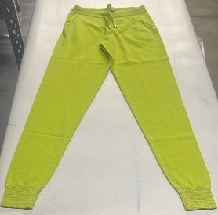 | WOMEN | MALO | PANTS | PANTALONE TIPO JOGGI | 100%CO | ITALY | SD10 | SD10MAL10008 | DH7035 F3C24 | E2919/MATCHA | 38 | 2 | 7 | 2000053859806 | 8058273896709 | € 462.00 | € 924.00 | € 90.09 | € 180.18 | £80.44 | £160.88
 | WOMEN | MALO | PANTS | PANTALONE TIPO JOGGI | 100%CO | ITALY | SD10 | SD10MAL10008 | DH7035 F3C24 | E2919/MATCHA | 40 | 2 |  | 2000053859813 | 8058273896716 | € 462.00 | € 924.00 | € 90.09 | € 180.18 | £80.44 | £160.88
 | WOMEN | MALO | PANTS | PANTALONE TIPO JOGGI | 100%CO | ITALY | SD10 | SD10MAL10008 | DH7035 F3C24 | E2919/MATCHA | 42 | 1 |  | 2000053859820 | 8058273896723 | € 462.00 | € 462.00 | € 90.09 | € 90.09 | £80.44 | £80.44
 | WOMEN | MALO | PANTS | PANTALONE TIPO JOGGI | 100%CO | ITALY | SD10 | SD10MAL10008 | DH7035 F3C24 | E2919/MATCHA | 44 | 1 |  | 2000053859837 | 8058273896730 | € 462.00 | € 462.00 | € 90.09 | € 90.09 | £80.44 | £80.44
 | WOMEN | MALO | PANTS | PANTALONE TIPO JOGGI | 100%CO | ITALY | SD10 | SD10MAL10008 | DH7035 F3C24 | E2919/MATCHA | 46 | 1 |  | 2000053859844 | 8058273896747 | € 462.00 | € 462.00 | € 90.09 | € 90.09 | £80.44 | £80.44
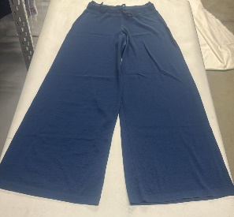 | WOMEN | MALO | PANTS | PANTALONE AMPIO AL F | 70%WS 30%SE | ITALY | SD10 | SD10MAL10009 | DHP001 F8Z02 | E2932/WAVE | XS | 5 | 17 | 2000053860468 | 8058273769423 | € 765.00 | € 3,825.00 | € 149.18 | € 745.88 | £133.19 | £665.96
 | WOMEN | MALO | PANTS | PANTALONE AMPIO AL F | 70%WS 30%SE | ITALY | SD10 | SD10MAL10009 | DHP001 F8Z02 | E2932/WAVE | S | 2 |  | 2000053860475 | 2058273046230 | € 765.00 | € 1,530.00 | € 149.18 | € 298.35 | £133.19 | £266.38
 | WOMEN | MALO | PANTS | PANTALONE AMPIO AL F | 70%WS 30%SE | ITALY | SD10 | SD10MAL10009 | DHP001 F8Z02 | E2932/WAVE | M | 8 |  | 2000053860482 | 8058273769430 | € 765.00 | € 6,120.00 | € 149.18 | € 1,193.40 | £133.19 | £1,065.54
 | WOMEN | MALO | PANTS | PANTALONE AMPIO AL F | 70%WS 30%SE | ITALY | SD10 | SD10MAL10009 | DHP001 F8Z02 | E2932/WAVE | L | 2 |  | 2000053860499 | 8058273769447 | € 765.00 | € 1,530.00 | € 149.18 | € 298.35 | £133.19 | £266.38
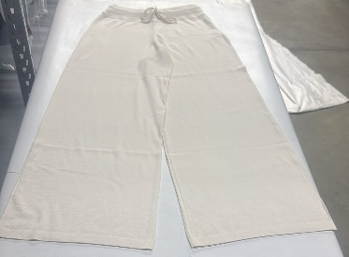 | WOMEN | MALO | PANTS | PANTALONE AMPIO AL F | 70%WS 30%SE | ITALY | SD10 | SD10MAL10009 | DHP001 F8Z02 | E105/CANDIDO | XS | 3 | 16 | 2000053859967 | 8058362065061 | € 765.00 | € 2,295.00 | € 149.18 | € 447.53 | £133.19 | £399.58
 | WOMEN | MALO | PANTS | PANTALONE AMPIO AL F | 70%WS 30%SE | ITALY | SD10 | SD10MAL10009 | DHP001 F8Z02 | E105/CANDIDO | S | 5 |  | 2000053859974 | 8002835626617 | € 765.00 | € 3,825.00 | € 149.18 | € 745.88 | £133.19 | £665.96
 | WOMEN | MALO | PANTS | PANTALONE AMPIO AL F | 70%WS 30%SE | ITALY | SD10 | SD10MAL10009 | DHP001 F8Z02 | E105/CANDIDO | M | 8 |  | 2000053859981 | 8002835929992 | € 765.00 | € 6,120.00 | € 149.18 | € 1,193.40 | £133.19 | £1,065.54
 | WOMEN | MALO | PANTS | PANTALONE AMPIO AL F | 70%WS 30%SE | ITALY | SD10 | SD10MAL10009 | DHP001 F8Z02 | E516/NERO | XS | 2 | 7 | 2000053860062 | 8058362694209 | € 765.00 | € 1,530.00 | € 149.18 | € 298.35 | £133.19 | £266.38
 | WOMEN | MALO | PANTS | PANTALONE AMPIO AL F | 70%WS 30%SE | ITALY | SD10 | SD10MAL10009 | DHP001 F8Z02 | E516/NERO | S | 2 |  | 2000053860079 | 8058362694216 | € 765.00 | € 1,530.00 | € 149.18 | € 298.35 | £133.19 | £266.38
 | WOMEN | MALO | PANTS | PANTALONE AMPIO AL F | 70%WS 30%SE | ITALY | SD10 | SD10MAL10009 | DHP001 F8Z02 | E516/NERO | M | 1 |  | 2000053860086 | 8058362694223 | € 765.00 | € 765.00 | € 149.18 | € 149.18 | £133.19 | £133.19
 | WOMEN | MALO | PANTS | PANTALONE AMPIO AL F | 70%WS 30%SE | ITALY | SD10 | SD10MAL10009 | DHP001 F8Z02 | E516/NERO | L | 2 |  | 2000053860093 | 8058362694230 | € 765.00 | € 1,530.00 | € 149.18 | € 298.35 | £133.19 | £266.38
 | WOMEN | MALO | PANTS | PANTALONE AMPIO AL F | 70%WS 30%SE | ITALY | SD10 | SD10MAL10009 | DHP001 F8Z02 | E2927/AQUARIUM | XS | 3 | 7 | 2000053860161 | 8058273769393 | € 765.00 | € 2,295.00 | € 149.18 | € 447.53 | £133.19 | £399.58
 | WOMEN | MALO | PANTS | PANTALONE AMPIO AL F | 70%WS 30%SE | ITALY | SD10 | SD10MAL10009 | DHP001 F8Z02 | E2927/AQUARIUM | S | 3 |  | 2000053860178 | 8058273769409 | € 765.00 | € 2,295.00 | € 149.18 | € 447.53 | £133.19 | £399.58
 | WOMEN | MALO | PANTS | PANTALONE AMPIO AL F | 70%WS 30%SE | ITALY | SD10 | SD10MAL10009 | DHP001 F8Z02 | E2927/AQUARIUM | M | 1 |  | 2000053860185 | 8058273769416 | € 765.00 | € 765.00 | € 149.18 | € 149.18 | £133.19 | £133.19
 | WOMEN | MALO | PANTS | PANTALONE AMPIO AL F | 70%WS 30%SE | ITALY | SD10 | SD10MAL10009 | DHP001 F8Z02 | E0091/PLATINUM | S | 1 | 2 | 2000053860277 | 8058273777367 | € 765.00 | € 765.00 | € 149.18 | € 149.18 | £133.19 | £133.19
 | WOMEN | MALO | PANTS | PANTALONE AMPIO AL F | 70%WS 30%SE | ITALY | SD10 | SD10MAL10009 | DHP001 F8Z02 | E0091/PLATINUM | L | 1 |  | 2000053860291 | 8058273777381 | € 765.00 | € 765.00 | € 149.18 | € 149.18 | £133.19 | £133.19
 | WOMEN | MALO | PANTS | PANTALONE AMPIO AL F | 70%WS 30%SE | ITALY | SD10 | SD10MAL10009 | DHP001 F8Z02 | E2073/LIGHT GREY | M | 2 | 2 | 2000053860383 | 8058273769379 | € 765.00 | € 1,530.00 | € 149.18 | € 298.35 | £133.19 | £266.38
 | WOMEN | MALO | PANTS | FUSEAUX | 100%CO | ITALY | SD10 | SD10MAL10010 | DMP002 F3K10 | E105/CANDIDO | XS | 2 | 6 | 2000053860567 | 8058273931288 | € 215.00 | € 430.00 | € 41.93 | € 83.85 | £37.43 | £74.87
 | WOMEN | MALO | PANTS | FUSEAUX | 100%CO | ITALY | SD10 | SD10MAL10010 | DMP002 F3K10 | E105/CANDIDO | S | 1 |  | 2000053860574 | 8058273746936 | € 215.00 | € 215.00 | € 41.93 | € 41.93 | £37.43 | £37.43
 | WOMEN | MALO | PANTS | FUSEAUX | 100%CO | ITALY | SD10 | SD10MAL10010 | DMP002 F3K10 | E105/CANDIDO | M | 1 |  | 2000053860581 | 8058273931295 | € 215.00 | € 215.00 | € 41.93 | € 41.93 | £37.43 | £37.43
 | WOMEN | MALO | PANTS | FUSEAUX | 100%CO | ITALY | SD10 | SD10MAL10010 | DMP002 F3K10 | E105/CANDIDO | L | 1 |  | 2000053860598 | 8058273931301 | € 215.00 | € 215.00 | € 41.93 | € 41.93 | £37.43 | £37.43
 | WOMEN | MALO | PANTS | FUSEAUX | 100%CO | ITALY | SD10 | SD10MAL10010 | DMP002 F3K10 | E105/CANDIDO | XL | 1 |  | 2000053860604 | 8058273931318 | € 215.00 | € 215.00 | € 41.93 | € 41.93 | £37.43 | £37.43
 | WOMEN | MALO | PANTS | FUSEAUX | 100%CO | ITALY | SD10 | SD10MAL10010 | DMP002 F3K10 | E2088/NAVY BLU | XS | 1 | 6 | 2000053860666 | 8058273931462 | € 215.00 | € 215.00 | € 41.93 | € 41.93 | £37.43 | £37.43
 | WOMEN | MALO | PANTS | FUSEAUX | 100%CO | ITALY | SD10 | SD10MAL10010 | DMP002 F3K10 | E2088/NAVY BLU | S | 2 |  | 2000053860673 | 8058273931479 | € 215.00 | € 430.00 | € 41.93 | € 83.85 | £37.43 | £74.87
 | WOMEN | MALO | PANTS | FUSEAUX | 100%CO | ITALY | SD10 | SD10MAL10010 | DMP002 F3K10 | E2088/NAVY BLU | M | 1 |  | 2000053860680 | 8058273931486 | € 215.00 | € 215.00 | € 41.93 | € 41.93 | £37.43 | £37.43
 | WOMEN | MALO | PANTS | FUSEAUX | 100%CO | ITALY | SD10 | SD10MAL10010 | DMP002 F3K10 | E2088/NAVY BLU | L | 1 |  | 2000053860697 | 8058273931493 | € 215.00 | € 215.00 | € 41.93 | € 41.93 | £37.43 | £37.43
 | WOMEN | MALO | PANTS | FUSEAUX | 100%CO | ITALY | SD10 | SD10MAL10010 | DMP002 F3K10 | E2088/NAVY BLU | XL | 1 |  | 2000053860703 | 8058273931509 | € 215.00 | € 215.00 | € 41.93 | € 41.93 | £37.43 | £37.43
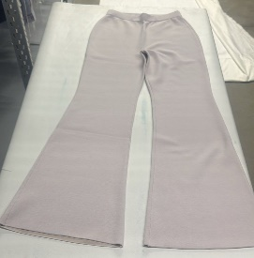 | WOMEN | MALO | PANTS | PANTALONE DOUBLE FON | 52%WV 40%CO 8%PA | ITALY | SD10 | SD10MAL10011 | DMP028 FCL03 | EI067/E2594/E2657 | 38 | 2 | 11 | 2000053860765 | 8058273313978 | € 666.00 | € 1,332.00 | € 129.87 | € 259.74 | £115.96 | £231.91
 | WOMEN | MALO | PANTS | PANTALONE DOUBLE FON | 52%WV 40%CO 8%PA | ITALY | SD10 | SD10MAL10011 | DMP028 FCL03 | EI067/E2594/E2657 | 40 | 5 |  | 2000053860772 | 8058273229002 | € 666.00 | € 3,330.00 | € 129.87 | € 649.35 | £115.96 | £579.78
 | WOMEN | MALO | PANTS | PANTALONE DOUBLE FON | 52%WV 40%CO 8%PA | ITALY | SD10 | SD10MAL10011 | DMP028 FCL03 | EI067/E2594/E2657 | 42 | 3 |  | 2000053860789 | 8058273313985 | € 666.00 | € 1,998.00 | € 129.87 | € 389.61 | £115.96 | £347.87
 | WOMEN | MALO | PANTS | PANTALONE DOUBLE FON | 52%WV 40%CO 8%PA | ITALY | SD10 | SD10MAL10011 | DMP028 FCL03 | EI067/E2594/E2657 | 44 | 1 |  | 2000053860796 | 8058273313992 | € 666.00 | € 666.00 | € 129.87 | € 129.87 | £115.96 | £115.96
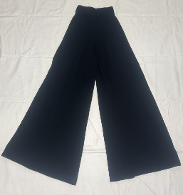 | WOMEN | MALO | PANTS | PANTALONE AMPIO CON | 70%WS 30%SE | ITALY | SD10 | SD10MAL10012 | DMP029 F8L08 | E516/NERO | S | 1 | 3 | 2000053860932 | 8058273532614 | € 985.00 | € 985.00 | € 192.08 | € 192.08 | £171.50 | £171.50
 | WOMEN | MALO | PANTS | PANTALONE AMPIO CON | 70%WS 30%SE | ITALY | SD10 | SD10MAL10012 | DMP029 F8L08 | E516/NERO | M | 1 |  | 2000053860949 | 8058273532621 | € 985.00 | € 985.00 | € 192.08 | € 192.08 | £171.50 | £171.50
 | WOMEN | MALO | PANTS | PANTALONE AMPIO CON | 70%WS 30%SE | ITALY | SD10 | SD10MAL10012 | DMP029 F8L08 | E516/NERO | L | 1 |  | 2000053860956 | 8058273532638 | € 985.00 | € 985.00 | € 192.08 | € 192.08 | £171.50 | £171.50
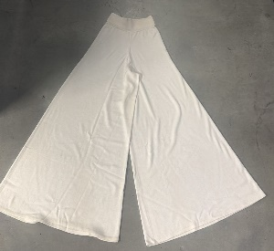 | WOMEN | MALO | PANTS | PANTALONE AMPIO CON | 70%WS 30%SE | ITALY | SD10 | SD10MAL10012 | DMP029 F8L08 | E2606/CANDICE | XS | 2 | 2 | 2000053861229 | 8058273532577 | € 985.00 | € 1,970.00 | € 192.08 | € 384.15 | £171.50 | £342.99
 | WOMEN | MALO | PANTS | PANTALONE AMPIO CON | 70%WS 30%SE | ITALY | SD10 | SD10MAL10012 | DMP029 F8L08 | E2662/CHIA | S | 1 | 1 | 2000053861335 | 8058273636275 | € 985.00 | € 985.00 | € 192.08 | € 192.08 | £171.50 | £171.50
 | WOMEN | MALO | PANTS | PANTALONE AMPIO CON | 70%WS 30%SE | ITALY | SD10 | SD10MAL10012 | DMP029 F8L08 | E1138/KAKI | S | 1 | 1 | 2000053861038 | 8058273532485 | € 985.00 | € 985.00 | € 192.08 | € 192.08 | £171.50 | £171.50
 | WOMEN | MALO | PANTS | PANTALONE AMPIO CON | 70%WS 30%SE | ITALY | SD10 | SD10MAL10012 | DMP029 F8L08 | E2116/INCHIOSTRO | XS | 1 | 1 | 2000053861120 | 8058273532539 | € 985.00 | € 985.00 | € 192.08 | € 192.08 | £171.50 | £171.50
 | WOMEN | MALO | PANTS | PANT.DRITTO BASICO | 96%WV 4%EA | ITALY | SD10 | SD10MAL10013 | DRP006 TCU47 | E2932/WAVE | 40 | 1 | 1 | 2000053861434 | 8058273748695 | € 402.00 | € 402.00 | € 78.39 | € 78.39 | £69.99 | £69.99
 | WOMEN | MALO | PANTS | PANTALONE 5 TASCHE | 99%CO 1%EA | ITALY | SD10 | SD10MAL10014 | DRP014 TAU80 | E105/CANDIDO | 40 | 1 | 1 | 2000053861595 | 8058273747155 | € 450.00 | € 450.00 | € 87.75 | € 87.75 | £78.35 | £78.35
 | WOMEN | MALO | PANTS | PANTA PAREO ST.FOULA | 100%SE | ITALY | SD10 | SD10MAL10015 | DRP015 T4F15 | EL212/CANDIDO/KARKADE' | 38 | 3 | 11 | 2000053862066 | 8058273825600 | € 495.00 | € 1,485.00 | € 96.53 | € 289.58 | £86.18 | £258.55
 | WOMEN | MALO | PANTS | PANTA PAREO ST.FOULA | 100%SE | ITALY | SD10 | SD10MAL10015 | DRP015 T4F15 | EL212/CANDIDO/KARKADE' | 40 | 3 |  | 2000053862073 | 8058273825617 | € 495.00 | € 1,485.00 | € 96.53 | € 289.58 | £86.18 | £258.55
 | WOMEN | MALO | PANTS | PANTA PAREO ST.FOULA | 100%SE | ITALY | SD10 | SD10MAL10015 | DRP015 T4F15 | EL212/CANDIDO/KARKADE' | 42 | 2 |  | 2000053862080 | 8058273825624 | € 495.00 | € 990.00 | € 96.53 | € 193.05 | £86.18 | £172.37
 | WOMEN | MALO | PANTS | PANTA PAREO ST.FOULA | 100%SE | ITALY | SD10 | SD10MAL10015 | DRP015 T4F15 | EL212/CANDIDO/KARKADE' | 44 | 2 |  | 2000053862097 | 8058273825631 | € 495.00 | € 990.00 | € 96.53 | € 193.05 | £86.18 | £172.37
 | WOMEN | MALO | PANTS | PANTA PAREO ST.FOULA | 100%SE | ITALY | SD10 | SD10MAL10015 | DRP015 T4F15 | EL212/CANDIDO/KARKADE' | 46 | 1 |  | 2000053862103 | 8058273825648 | € 495.00 | € 495.00 | € 96.53 | € 96.53 | £86.18 | £86.18
 | WOMEN | MALO | PANTS | PANTA PAREO ST.FOULA | 100%SE | ITALY | SD10 | SD10MAL10015 | DRP015 T4F15 | EL016/CANDIDO/AQUARIUM | 38 | 2 | 10 | 2000053861908 | 8058273793268 | € 495.00 | € 990.00 | € 96.53 | € 193.05 | £86.18 | £172.37
 | WOMEN | MALO | PANTS | PANTA PAREO ST.FOULA | 100%SE | ITALY | SD10 | SD10MAL10015 | DRP015 T4F15 | EL016/CANDIDO/AQUARIUM | 40 | 4 |  | 2000053861915 | 8058273753873 | € 495.00 | € 1,980.00 | € 96.53 | € 386.10 | £86.18 | £344.73
 | WOMEN | MALO | PANTS | PANTA PAREO ST.FOULA | 100%SE | ITALY | SD10 | SD10MAL10015 | DRP015 T4F15 | EL016/CANDIDO/AQUARIUM | 42 | 2 |  | 2000053861922 | 8058273793275 | € 495.00 | € 990.00 | € 96.53 | € 193.05 | £86.18 | £172.37
 | WOMEN | MALO | PANTS | PANTA PAREO ST.FOULA | 100%SE | ITALY | SD10 | SD10MAL10015 | DRP015 T4F15 | EL016/CANDIDO/AQUARIUM | 44 | 1 |  | 2000053861939 | 8058273793282 | € 495.00 | € 495.00 | € 96.53 | € 96.53 | £86.18 | £86.18
 | WOMEN | MALO | PANTS | PANTA PAREO ST.FOULA | 100%SE | ITALY | SD10 | SD10MAL10015 | DRP015 T4F15 | EL016/CANDIDO/AQUARIUM | 46 | 1 |  | 2000053861946 | 8058273793299 | € 495.00 | € 495.00 | € 96.53 | € 96.53 | £86.18 | £86.18
 | WOMEN | MALO | PANTS | PANTA PAREO ST.FOULA | 100%SE | ITALY | SD10 | SD10MAL10015 | DRP015 T4F15 | EL015/CANDIDO/MATCHA | 40 | 4 | 7 | 2000053861755 | 2058273001482 | € 495.00 | € 1,980.00 | € 96.53 | € 386.10 | £86.18 | £344.73
 | WOMEN | MALO | PANTS | PANTA PAREO ST.FOULA | 100%SE | ITALY | SD10 | SD10MAL10015 | DRP015 T4F15 | EL015/CANDIDO/MATCHA | 44 | 1 |  | 2000053861779 | 8058273824740 | € 495.00 | € 495.00 | € 96.53 | € 96.53 | £86.18 | £86.18
 | WOMEN | MALO | PANTS | PANTA PAREO ST.FOULA | 100%SE | ITALY | SD10 | SD10MAL10015 | DRP015 T4F15 | EL015/CANDIDO/MATCHA | 46 | 1 |  | 2000053861786 | 8058273824757 | € 495.00 | € 495.00 | € 96.53 | € 96.53 | £86.18 | £86.18
 | WOMEN | MALO | PANTS | PANTA PAREO ST.FOULA | 100%SE | ITALY | SD10 | SD10MAL10015 | DRP015 T4F15 | EL015/CANDIDO/MATCHA | 48 | 1 |  | 2000053861793 | 8058273824764 | € 495.00 | € 495.00 | € 96.53 | € 96.53 | £86.18 | £86.18
 | WOMEN | MALO | PANTS | PANTA PAREO ST.FOULA | 100%SE | ITALY | SD10 | SD10MAL10016 | DRP015 T4F16 | EL018/CANDIDO/RIBES/NESPOL | 38 | 2 | 17 | 2000053862226 | 8058273793329 | € 495.00 | € 990.00 | € 96.53 | € 193.05 | £86.18 | £172.37
 | WOMEN | MALO | PANTS | PANTA PAREO ST.FOULA | 100%SE | ITALY | SD10 | SD10MAL10016 | DRP015 T4F16 | EL018/CANDIDO/RIBES/NESPOL | 40 | 7 |  | 2000053862233 | 8058273747988 | € 495.00 | € 3,465.00 | € 96.53 | € 675.68 | £86.18 | £603.28
 | WOMEN | MALO | PANTS | PANTA PAREO ST.FOULA | 100%SE | ITALY | SD10 | SD10MAL10016 | DRP015 T4F16 | EL018/CANDIDO/RIBES/NESPOL | 42 | 5 |  | 2000053862240 | 8058273793336 | € 495.00 | € 2,475.00 | € 96.53 | € 482.63 | £86.18 | £430.92
 | WOMEN | MALO | PANTS | PANTA PAREO ST.FOULA | 100%SE | ITALY | SD10 | SD10MAL10016 | DRP015 T4F16 | EL018/CANDIDO/RIBES/NESPOL | 44 | 3 |  | 2000053862257 | 8058273793343 | € 495.00 | € 1,485.00 | € 96.53 | € 289.58 | £86.18 | £258.55
 | WOMEN | MALO | PANTS | PANTALONE PIEGA | 98%WV 2%EA | ITALY | SD10 | SD10MAL10017 | DRP019 TCU09 | E1783/ROYAL BLU | 40 | 5 | 13 | 2000053862554 | 8058273748633 | € 539.00 | € 2,695.00 | € 105.10 | € 525.53 | £93.84 | £469.22
 | WOMEN | MALO | PANTS | PANTALONE PIEGA | 98%WV 2%EA | ITALY | SD10 | SD10MAL10017 | DRP019 TCU09 | E1783/ROYAL BLU | 42 | 2 |  | 2000053862561 | 8058273895900 | € 539.00 | € 1,078.00 | € 105.10 | € 210.21 | £93.84 | £187.69
 | WOMEN | MALO | PANTS | PANTALONE PIEGA | 98%WV 2%EA | ITALY | SD10 | SD10MAL10017 | DRP019 TCU09 | E1783/ROYAL BLU | 44 | 4 |  | 2000053862578 | 8058273895917 | € 539.00 | € 2,156.00 | € 105.10 | € 420.42 | £93.84 | £375.37
 | WOMEN | MALO | PANTS | PANTALONE PIEGA | 98%WV 2%EA | ITALY | SD10 | SD10MAL10017 | DRP019 TCU09 | E1783/ROYAL BLU | 46 | 2 |  | 2000053862585 | 8058273895924 | € 539.00 | € 1,078.00 | € 105.10 | € 210.21 | £93.84 | £187.69
 | WOMEN | MALO | PANTS | PANTALONE PIEGA | 98%WV 2%EA | ITALY | SD10 | SD10MAL10017 | DRP019 TCU09 | E105/CANDIDO | 40 | 1 | 4 | 2000053862394 | 8058273748626 | € 539.00 | € 539.00 | € 105.10 | € 105.10 | £93.84 | £93.84
...
DELIVERY TYPE
IMAGE | GENDER | BRAND | CATEGORY | DESCRIPTION | COMPOSITION | MADE
 | WOMEN | MALO | PANTS | PANTALONE VITA ALTA | 100%LI | ITALY
 | WOMEN | MALO | PANTS | PANTALONE VITA ALTA | 56%SE 44%CA | ITALY
 | WOMEN | MALO | PANTS | PANTALONE VITA ALTA | 56%SE 44%CA | ITALY
 | WOMEN | MALO | PANTS | PANTALONE VITA ALTA | 56%SE 44%CA | ITALY
 | WOMEN | MALO | PANTS | PANTALONCINO C/TASCH | 100%WX | ITALY
 | WOMEN | MALO | PANTS | PANTALONCINO C/TASCH | 100%WX | ITALY
 | WOMEN | MALO | PANTS | PANTALONCINO C/TASCH | 100%WX | ITALY
 | WOMEN | MALO | PANTS | PANTALONE AMPIO C/C | 100%CO | ITALY
 | WOMEN | MALO | PANTS | PANTALONE AMPIO C/C | 100%CO | ITALY
 | WOMEN | MALO | PANTS | PANTALONE AMPIO C/C | 100%CO | ITALY
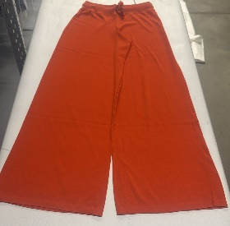 | WOMEN | MALO | PANTS | PANTALONE AMPIO C/C | 100%CO | ITALY
 | WOMEN | MALO | PANTS | PANTALONE AMPIO C/C | 100%CO | ITALY
 | WOMEN | MALO | PANTS | PANTALONE AMPIO C/C | 100%CO | ITALY
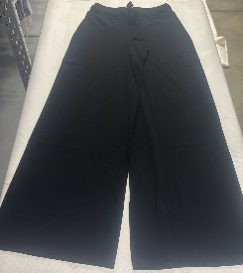 | WOMEN | MALO | PANTS | PANTALONE AMPIO C/C | 100%CO | ITALY
 | WOMEN | MALO | PANTS | PANTALONE AMPIO C/C | 100%CO | ITALY
 | WOMEN | MALO | PANTS | PANTALONE AMPIO C/C | 100%CO | ITALY
 | WOMEN | MALO | PANTS | PANTALONE AMPIO C/C | 100%CO | ITALY
 | WOMEN | MALO | PANTS | PANTALONE AMPIO C/C | 100%CO | ITALY
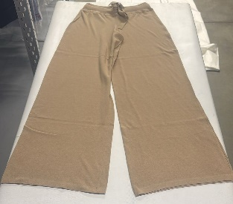 | WOMEN | MALO | PANTS | PANTALONE AMPIO C/C | 100%CO | ITALY
 | WOMEN | MALO | PANTS | PANTALONE AMPIO C/C | 100%CO | ITALY
 | WOMEN | MALO | PANTS | PANTALONE AMPIO C/C | 100%CO | ITALY
 | WOMEN | MALO | PANTS | PANTALONE AMPIO C/C | 100%CO | ITALY
 | WOMEN | MALO | PANTS | PANTALONE AMPIO C/C | 100%CO | ITALY
 | WOMEN | MALO | PANTS | PANTALONE AMPIO C/C | 100%CO | ITALY
 | WOMEN | MALO | PANTS | PANTALONE AMPIO C/C | 100%CO | ITALY
 | WOMEN | MALO | PANTS | PANTALONE AMPIO | 100%CO | ITALY
 | WOMEN | MALO | PANTS | PANTALONE AMPIO | 100%CO | ITALY
 | WOMEN | MALO | PANTS | PANTALONE AMPIO | 100%CO | ITALY
 | WOMEN | MALO | PANTS | PANTALONE AMPIO | 100%CO | ITALY
 | WOMEN | MALO | PANTS | PANTALONE STRETCH | 93%WV 7%PL | ITALY
 | WOMEN | MALO | PANTS | PANTALONE STRETCH | 93%WV 7%PL | ITALY
 | WOMEN | MALO | PANTS | PANTALONE C/COSTINA | 100%SE | ITALY
 | WOMEN | MALO | PANTS | PANTALONE C/COSTINA | 100%SE | ITALY
 | WOMEN | MALO | PANTS | PANTALONE C/COSTINA | 100%SE | ITALY
 | WOMEN | MALO | PANTS | PANTALONE C/COSTINA | 100%SE | ITALY
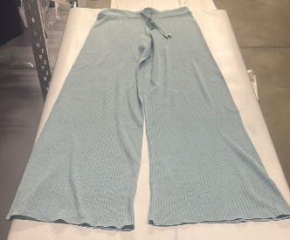 | WOMEN | MALO | PANTS | PANTALONE C/COSTINA | 100%SE | ITALY
 | WOMEN | MALO | PANTS | PANTALONE C/COSTINA | 100%SE | ITALY
 | WOMEN | MALO | PANTS | PANTALONE C/COSTINA | 100%SE | ITALY
 | WOMEN | MALO | PANTS | PANTALONE C/COSTINA | 100%SE | ITALY
 | WOMEN | MALO | PANTS | PANTALONE C/COSTINA | 100%SE | ITALY
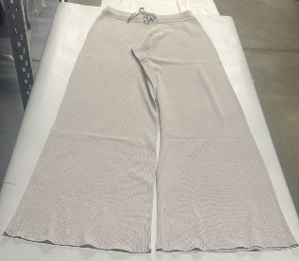 | WOMEN | MALO | PANTS | PANTALONE C/COSTINA | 100%SE | ITALY
 | WOMEN | MALO | PANTS | PANTALONE C/COSTINA | 100%SE | ITALY
 | WOMEN | MALO | PANTS | PANTALONE C/COSTINA | 100%SE | ITALY
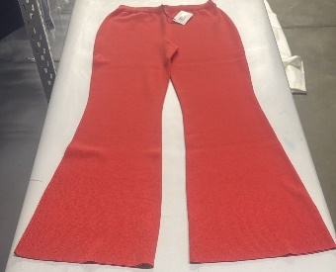 | WOMEN | MALO | PANTS | PANTALONE A ZAMPA | 100%CO | ITALY
 | WOMEN | MALO | PANTS | PANTALONE A ZAMPA | 100%CO | ITALY
 | WOMEN | MALO | PANTS | PANTALONE A ZAMPA | 100%CO | ITALY
 | WOMEN | MALO | PANTS | PANTALONE A ZAMPA | 100%CO | ITALY
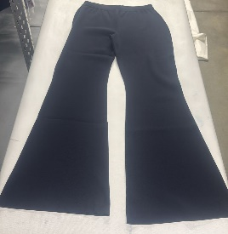 | WOMEN | MALO | PANTS | PANTALONE A ZAMPA | 100%CO | ITALY
 | WOMEN | MALO | PANTS | PANTALONE A ZAMPA | 100%CO | ITALY
 | WOMEN | MALO | PANTS | PANTALONE A ZAMPA | 100%CO | ITALY
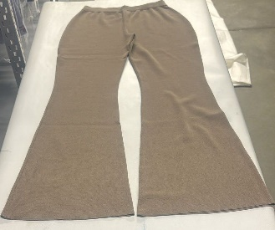 | WOMEN | MALO | PANTS | PANTALONE A ZAMPA | 100%CO | ITALY
 | WOMEN | MALO | PANTS | PANTALONE A ZAMPA | 100%CO | ITALY
 | WOMEN | MALO | PANTS | PANTALONE A ZAMPA | 100%CO | ITALY
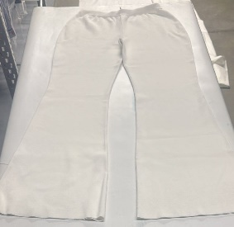 | WOMEN | MALO | PANTS | PANTALONE A ZAMPA | 100%CO | ITALY
 | WOMEN | MALO | PANTS | PANTALONE A ZAMPA | 100%CO | ITALY
 | WOMEN | MALO | PANTS | PANTALONE A ZAMPA | 100%CO | ITALY
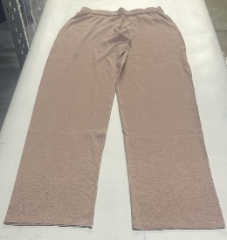 | WOMEN | MALO | PANTS | PANTALONE DIRITTO | 50%CO 50%SE | ITALY
 | WOMEN | MALO | PANTS | PANTALONE DIRITTO | 50%CO 50%SE | ITALY
 | WOMEN | MALO | PANTS | PANTALONE DIRITTO | 50%CO 50%SE | ITALY
 | WOMEN | MALO | PANTS | PANTALONE DIRITTO | 50%CO 50%SE | ITALY
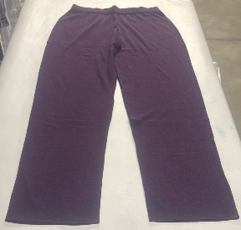 | WOMEN | MALO | PANTS | PANTALONE DIRITTO | 50%CO 50%SE | ITALY
 | WOMEN | MALO | PANTS | PANTALONE DIRITTO | 50%CO 50%SE | ITALY
 | WOMEN | MALO | PANTS | PANTALONE DIRITTO | 50%CO 50%SE | ITALY
 | WOMEN | MALO | PANTS | PANTALONE DIRITTO | 50%CO 50%SE | ITALY
 | WOMEN | MALO | PANTS | PANTALONE CON TASCHE | 100%CO | ITALY
 | WOMEN | MALO | PANTS | PANTALONE CON TASCHE | 100%CO | ITALY
 | WOMEN | MALO | PANTS | PANTALONE CON TASCHE | 100%CO | ITALY
 | WOMEN | MALO | PANTS | PANTALONE CON TASCHE | 100%CO | ITALY
 | WOMEN | MALO | PANTS | PANTALONE DOUBLE C/P | 52%Co 48%Pa | ITALY
 | WOMEN | MALO | PANTS | PANTALONE DOUBLE C/P | 52%Co 48%Pa | ITALY
 | WOMEN | MALO | PANTS | PANTALONE DOUBLE C/P | 52%Co 48%Pa | ITALY
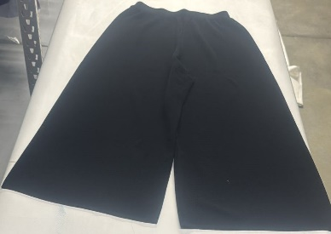 | WOMEN | MALO | PANTS | PANTALONE P.TESSUTO | 53%VI 47%CO | ITALY
 | WOMEN | MALO | PANTS | PANTALONE P.TESSUTO | 53%VI 47%CO | ITALY
 | WOMEN | MALO | PANTS | PANTALONE P.TESSUTO | 53%VI 47%CO | ITALY
 | WOMEN | MALO | PANTS | PANTALONE P.TESSUTO | 53%VI 47%CO | ITALY
 | WOMEN | MALO | PANTS | PANT.DRITTO BASICO | 60%PL 19%VI 19%WO 2%EA | ITALY
 | WOMEN | MALO | PANTS | PANT.DRITTO BASICO | 60%PL 19%VI 19%WO 2%EA | ITALY
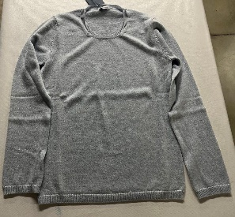 | WOMEN | MALO | SWEATERS | GIROCOLLO MANICA LUN | 100%WS | ITALY
 | WOMEN | MALO | SWEATERS | GIROCOLLO MANICA LUN | 100%WS | ITALY
 | WOMEN | MALO | SWEATERS | GIROCOLLO MANICA LUN | 100%WS | ITALY
 | WOMEN | MALO | SWEATERS | GIROCOLLO MANICA LUN | 100%WS | ITALY
 | WOMEN | MALO | SWEATERS | GIROCOLLO MANICA LUN | 100%WS | ITALY
 | WOMEN | MALO | SWEATERS | GIROCOLLO M/MANICA | 100%WS | ITALY
 | WOMEN | MALO | SWEATERS | GIROCOLLO M/MANICA | 100%WS | ITALY
 | WOMEN | MALO | SWEATERS | GIROCOLLO M/MANICA | 100%WS | ITALY
 | WOMEN | MALO | SWEATERS | GIROCOLLO M/MANICA | 100%WS | ITALY
 | WOMEN | MALO | SWEATERS | GIROCOLLO M/MANICA | 100%WS | ITALY
 | WOMEN | MALO | SWEATERS | GIROCOLLO M/MANICA | 100%WS | ITALY
 | WOMEN | MALO | SWEATERS | GIROCOLLO BASICO M/ | 100%WV | ITALY
 | WOMEN | MALO | SWEATERS | GIROCOLLO BASICO M/ | 100%WV | ITALY
 | WOMEN | MALO | SWEATERS | GIROCOLLO BASICO M/ | 100%WV | ITALY
 | WOMEN | MALO | SWEATERS | GIROCOLLO BASICO M/ | 100%WV | ITALY
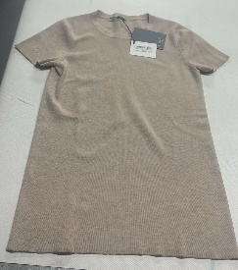 | WOMEN | MALO | SWEATERS | GIROCOLLO MAGLIA UNI | 100%WV | ITALY
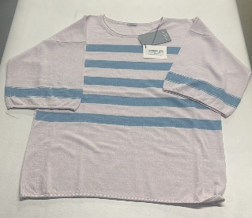 | WOMEN | MALO | SWEATERS | GIROCOLLO RIGATO MEZ | 100%WV | ITALY
 | WOMEN | MALO | SWEATERS | GIROCOLLO RIGATO MEZ | 100%WV | ITALY
 | WOMEN | MALO | SWEATERS | GIROCOLLO RIGATO MEZ | 100%WV | ITALY
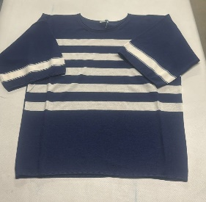 | WOMEN | MALO | SWEATERS | GIROCOLLO RIGATO MEZ | 100%WV | ITALY
 | WOMEN | MALO | SWEATERS | GIROCOLLO RIGATO MEZ | 100%WV | ITALY
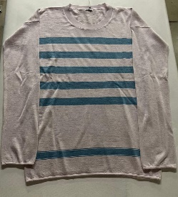 | WOMEN | MALO | SWEATERS | GIROCOLLO RIGATO M/L | 100%WV | ITALY
 | WOMEN | MALO | SWEATERS | GIROCOLLO RIGATO M/L | 100%WV | ITALY
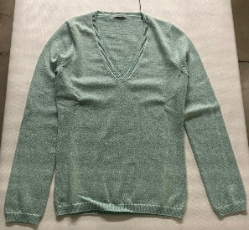 | WOMEN | MALO | SWEATERS | SCOLLO A V BASICO M/ | 100%WS | ITALY
 | WOMEN | MALO | SWEATERS | SCOLLO A V BASICO M/ | 100%WS | ITALY
 | WOMEN | MALO | SWEATERS | CARDIGAN M/LUNGA | 100%WS | ITALY
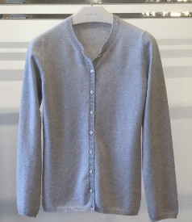 | WOMEN | MALO | SWEATERS | CARDIGAN REBECCA | 100%WS | ITALY
 | WOMEN | MALO | SWEATERS | REBECCA M/L CON ZZ | 100%WV | ITALY
 | WOMEN | MALO | SWEATERS | REBECCA M/L CON ZZ | 100%WV | ITALY
 | WOMEN | MALO | SWEATERS | REBECCA M/L CON ZZ | 100%WV | ITALY
 | WOMEN | MALO | SWEATERS | REBECCA M/L CON ZZ | 100%WV | ITALY
 | WOMEN | MALO | SWEATERS | REBECCA M/L CON ZZ | 100%WV | ITALY
 | WOMEN | MALO | SWEATERS | REBECCA M/L CON ZZ | 100%WV | ITALY
 | WOMEN | MALO | SWEATERS | CARDIGAN LUNGO C/BOT | 100%WS | ITALY
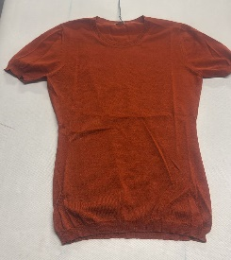 | WOMEN | MALO | SWEATERS | GIROCOLLO MEZZA MANI | 100%WS | ITALY
 | WOMEN | MALO | SWEATERS | GIROCOLLO MEZZA MANI | 100%WS | ITALY
 | WOMEN | MALO | SWEATERS | GIROCOLLO MEZZA MANI | 100%WS | ITALY
 | WOMEN | MALO | SWEATERS | GIROCOLLO MEZZA MANI | 100%WS | ITALY
 | WOMEN | MALO | SWEATERS | GIROCOLLO MEZZA MANI | 100%WS | ITALY
 | WOMEN | MALO | SWEATERS | GIROCOLLO MEZZA MANI | 100%WS | ITALY
 | WOMEN | MALO | SWEATERS | GIROCOLLO MEZZA MANI | 100%WS | ITALY
 | WOMEN | MALO | SWEATERS | GIROCOLLO MEZZA MANI | 100%WS | ITALY
 | WOMEN | MALO | SWEATERS | GIROCOLLO MEZZA MANI | 100%WS | ITALY
 | WOMEN | MALO | SWEATERS | GIROCOLLO MEZZA MANI | 100%WS | ITALY
 | WOMEN | MALO | SWEATERS | GIROCOLLO MEZZA MANI | 100%WS | ITALY
...
DELIVERY TYPE
IMAGE | GENDER | BRAND | CATEGORY | DESCRIPTION | COMPOSITION | MADE
 | WOMEN | MALO | SWEATERS | GIROCOLLO MANICA LUN | 100%WS | ITALY
 | WOMEN | MALO | SWEATERS | GIROCOLLO MANICA LUN | 100%WS | ITALY
 | WOMEN | MALO | SWEATERS | GIROCOLLO MANICA LUN | 100%WS | ITALY
 | WOMEN | MALO | SWEATERS | GIROCOLLO MANICA LUN | 100%WS | ITALY
 | WOMEN | MALO | SWEATERS | GIROCOLLO MANICA LUN | 100%WS | ITALY
 | WOMEN | MALO | SWEATERS | GIROCOLLO MANICA LUN | 100%WS | ITALY
 | WOMEN | MALO | SWEATERS | GIROCOLLO C/CONTRAST | 100%WS | ITALY
 | WOMEN | MALO | SWEATERS | GIROCOLLO MORBIDO MA | 100%WV | ITALY
 | WOMEN | MALO | SWEATERS | GIROCOLLO S/M COSTA | 100%WS | ITALY
 | WOMEN | MALO | SWEATERS | GIROCOLLO S/M COSTA | 100%WS | ITALY
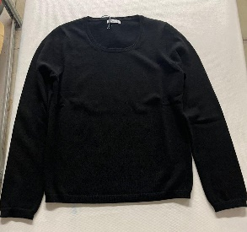 | WOMEN | MALO | SWEATERS | GIROCOLLO MANICA LUN | 100%WS | ITALY
 | WOMEN | MALO | SWEATERS | GIROCOLLO MANICA LUN | 100%WS | ITALY
 | WOMEN | MALO | SWEATERS | GIROCOLLO M/M | 100%WS | ITALY
 | WOMEN | MALO | SWEATERS | SCOLLO V AMPIO BASIC | 100%WS | ITALY
 | WOMEN | MALO | SWEATERS | SCOLLO V AMPIO BASIC | 100%WS | ITALY
 | WOMEN | MALO | SWEATERS | SCOLLO V BASIC | 100%WS | ITALY
 | WOMEN | MALO | SWEATERS | SCOLLO V BASIC | 100%WS | ITALY
 | WOMEN | MALO | SWEATERS | SCOLLO V BASIC | 100%WS | ITALY
 | WOMEN | MALO | SWEATERS | SCOLLO V BASIC | 100%WS | ITALY
 | WOMEN | MALO | SWEATERS | SCOLLO V BASIC | 100%WS | ITALY
 | WOMEN | MALO | SWEATERS | SCOLLO V BASIC | 100%WS | ITALY
 | WOMEN | MALO | SWEATERS | SCOLLO V BASIC | 100%WS | ITALY
 | WOMEN | MALO | SWEATERS | SCOLLO V BASIC | 100%WS | ITALY
 | WOMEN | MALO | SWEATERS | SCOLLO V BASIC | 100%WV | ITALY
 | WOMEN | MALO | SWEATERS | CICLISTA BASICO M/L | 100%WV | ITALY
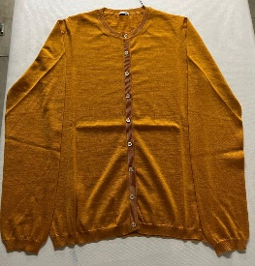 | WOMEN | MALO | SWEATERS | CARDIGAN REBECCA BAS | 100%WS | ITALY
 | WOMEN | MALO | SWEATERS | CARDIGAN REBECCA BAS | 100%WS | ITALY
 | WOMEN | MALO | SWEATERS | CARDIGAN REBECCA BAS | 100%WS | ITALY
 | WOMEN | MALO | SWEATERS | CARDIGAN REBECCA BAS | 100%WS | ITALY
 | WOMEN | MALO | SWEATERS | CARDIGAN REBECCA BAS | 100%WS | ITALY
 | WOMEN | MALO | SWEATERS | CARDIGAN REBECCA BAS | 100%WS | ITALY
 | WOMEN | MALO | SWEATERS | CARDIGAN REBECCA BAS | 100%WV | ITALY
 | WOMEN | MALO | SWEATERS | CARDIGAN SCIALLATO | 100%WV | ITALY
 | WOMEN | MALO | SWEATERS | CARDIGAN REBECCA | 100%WS | ITALY
 | WOMEN | MALO | SWEATERS | TWIN SET | 100%WV | ITALY
 | WOMEN | MALO | SWEATERS | GIROCOLLO M/MANICA | 100%WS | ITALY
 | WOMEN | MALO | SWEATERS | DOLCEVITA | 70%WO 30%WS | ITALY
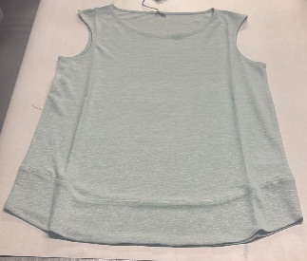 | WOMEN | MALO | SWEATERS | GIROCOLLO S/M C/TUBO | 84%LI 16%SE | ITALY
 | WOMEN | MALO | SWEATERS | GIROCOLLO S/M C/TUBO | 84%LI 16%SE | ITALY
 | WOMEN | MALO | SWEATERS | GIROCOLLO S/M C/TUBO | 84%LI 16%SE | ITALY
 | WOMEN | MALO | SWEATERS | GIROCOLLO S/M C/TUBO | 84%LI 16%SE | ITALY
 | WOMEN | MALO | SWEATERS | GIROCOLLO S/M C/TUBO | 84%LI 16%SE | ITALY
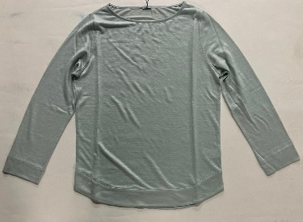 | WOMEN | MALO | SWEATERS | GIROCOLLO M/L C/ TUB | 84%LI 16%SE | ITALY
 | WOMEN | MALO | SWEATERS | GIROCOLLO M/L C/ TUB | 84%LI 16%SE | ITALY
 | WOMEN | MALO | SWEATERS | GIROCOLLO M/L C/ TUB | 84%LI 16%SE | ITALY
 | WOMEN | MALO | SWEATERS | GIROCOLLO M/L C/ TUB | 84%LI 16%SE | ITALY
 | WOMEN | MALO | SWEATERS | GIROCOLLO M/L C/ TUB | 84%LI 16%SE | ITALY
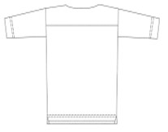 | WOMEN | MALO | SWEATERS | SCOLLO BARCA M/LUNGA | 96%LI 4%EA | ITALY
 | WOMEN | MALO | SWEATERS | GIROCOLLO MANICA COR | 100%CO | ITALY
 | WOMEN | MALO | SWEATERS | GIROCOLLO MANICA COR | 100%CO | ITALY
 | WOMEN | MALO | SWEATERS | GIROCOLLO MANICA COR | 100%CO | ITALY
 | WOMEN | MALO | SWEATERS | GIROCOLLO MANICA COR | 100%CO | ITALY
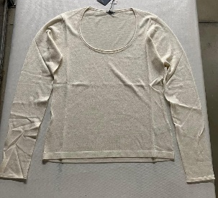 | WOMEN | MALO | SWEATERS | SCOLLO UOVO C/RICCIO | 50%CO 50%SE | ITALY
 | WOMEN | MALO | SWEATERS | SCOLLO UOVO C/RICCIO | 50%CO 50%SE | ITALY
 | WOMEN | MALO | SWEATERS | SCOLLO UOVO C/RICCIO | 50%CO 50%SE | ITALY
 | WOMEN | MALO | SWEATERS | SCOLLO UOVO C/RICCIO | 50%CO 50%SE | ITALY
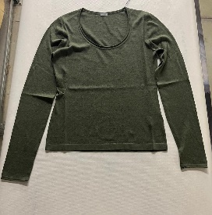 | WOMEN | MALO | SWEATERS | SCOLLO UOVO C/RICCIO | 50%CO 50%SE | ITALY
 | WOMEN | MALO | SWEATERS | SCOLLO UOVO C/RICCIO | 50%CO 50%SE | ITALY
 | WOMEN | MALO | SWEATERS | SCOLLO UOVO C/RICCIO | 50%CO 50%SE | ITALY
 | WOMEN | MALO | SWEATERS | SCOLLO UOVO C/RICCIO | 50%CO 50%SE | ITALY
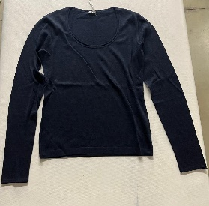 | WOMEN | MALO | SWEATERS | SCOLLO UOVO C/RICCIO | 50%CO 50%SE | ITALY
 | WOMEN | MALO | SWEATERS | SCOLLO UOVO C/RICCIO | 50%CO 50%SE | ITALY
 | WOMEN | MALO | SWEATERS | SCOLLO UOVO C/RICCIO | 50%CO 50%SE | ITALY
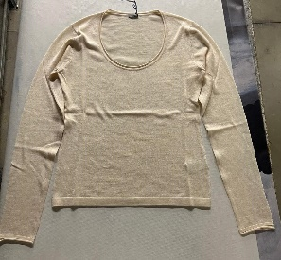 | WOMEN | MALO | SWEATERS | SCOLLO UOVO C/RICCIO | 50%CO 50%SE | ITALY
 | WOMEN | MALO | SWEATERS | SCOLLO UOVO C/RICCIO | 50%CO 50%SE | ITALY
 | WOMEN | MALO | SWEATERS | SCOLLO UOVO C/RICCIO | 50%CO 50%SE | ITALY
 | WOMEN | MALO | SWEATERS | SCOLLO UOVO C/RICCIO | 50%CO 50%SE | ITALY
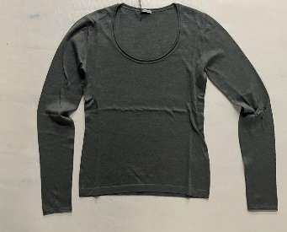 | WOMEN | MALO | SWEATERS | SCOLLO UOVO C/RICCIO | 50%CO 50%SE | ITALY
 | WOMEN | MALO | SWEATERS | SCOLLO UOVO C/RICCIO | 50%CO 50%SE | ITALY
 | WOMEN | MALO | SWEATERS | SCOLLO UOVO C/RICCIO | 50%CO 50%SE | ITALY
 | WOMEN | MALO | SWEATERS | SCOLLO UOVO C/RICCIO | 50%CO 50%SE | ITALY
 | WOMEN | MALO | SWEATERS | SCOLLO UOVO C/RICCIO | 50%CO 50%SE | ITALY
 | WOMEN | MALO | SWEATERS | GIROCOLLO C/CINTURA | 100%CO | ITALY
 | WOMEN | MALO | SWEATERS | GIROCOLLO C/CINTURA | 100%CO | ITALY
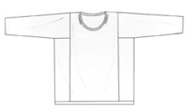 | WOMEN | MALO | SWEATERS | GIROCOLLO MANICA LUN | 83%LI 17%PA | ITALY
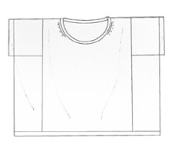 | WOMEN | MALO | SWEATERS | GIROCOLLO MANICA COR | 83%LI 17%PA | ITALY
 | WOMEN | MALO | SWEATERS | GIROCOLLO BASICO M/L | 70%WS 30%SE | ITALY
 | WOMEN | MALO | SWEATERS | GIROCOLLO BASICO M/ | 70%WS 30%SE | ITALY
 | WOMEN | MALO | SWEATERS | GIROCOLLO BASICO M/ | 70%WS 30%SE | ITALY
 | WOMEN | MALO | SWEATERS | GIROCOLLO MORBIDO MA | 70%WS 30%SE | ITALY
 | WOMEN | MALO | SWEATERS | GIROCOLLO C/RIGA PIA | 100%CO | ITALY
 | WOMEN | MALO | SWEATERS | GIROCOLLO C/RIGA PIA | 100%CO | ITALY
 | WOMEN | MALO | SWEATERS | GIROCOLLO OVER | 100%CO | ITALY
 | WOMEN | MALO | SWEATERS | GIROCOLLO MANICHE AM | 100%CO | ITALY
 | WOMEN | MALO | SWEATERS | GIROCOLLO MANICHE AM | 100%CO | ITALY
 | WOMEN | MALO | SWEATERS | GIROCOLLO MANICHE AM | 100%CO | ITALY
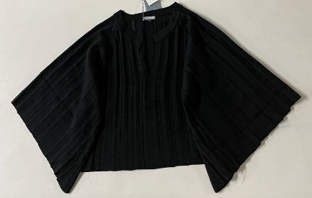 | WOMEN | MALO | SWEATERS | GIROCOLLO MANICHE AM | 100%CO | ITALY
 | WOMEN | MALO | SWEATERS | GIROCOLLO MANICHE AM | 100%CO | ITALY
 | WOMEN | MALO | SWEATERS | GIROCOLLO MANICHE AM | 100%CO | ITALY
 | WOMEN | MALO | SWEATERS | SCOLLO V M/RAGLAN C/ | 100%CO | ITALY
 | WOMEN | MALO | SWEATERS | SCOLLO V M/RAGLAN C/ | 100%CO | ITALY
 | WOMEN | MALO | SWEATERS | SCOLLO V M/RAGLAN C/ | 100%CO | ITALY
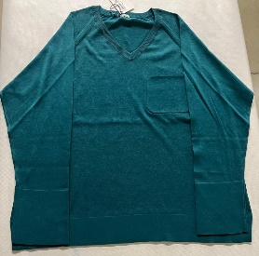 | WOMEN | MALO | SWEATERS | SCOLLO V M/RAGLAN C/ | 100%CO | ITALY
 | WOMEN | MALO | SWEATERS | SCOLLO V M/RAGLAN C/ | 100%CO | ITALY
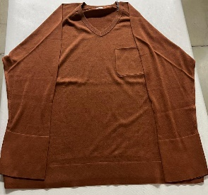 | WOMEN | MALO | SWEATERS | SCOLLO V M/RAGLAN C/ | 100%CO | ITALY
 | WOMEN | MALO | SWEATERS | SCOLLO V M/RAGLAN C/ | 100%CO | ITALY
 | WOMEN | MALO | SWEATERS | SCOLLO V M/RAGLAN C/ | 100%CO | ITALY
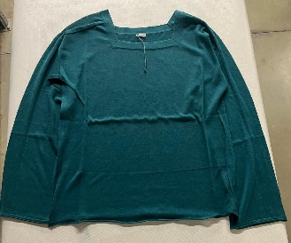 | WOMEN | MALO | SWEATERS | SCOLLO QUADRATO M/LU | 100%CO | ITALY
 | WOMEN | MALO | SWEATERS | SCOLLO QUADRATO M/LU | 100%CO | ITALY
 | WOMEN | MALO | SWEATERS | SCOLLO QUADRATO M/LU | 100%CO | ITALY
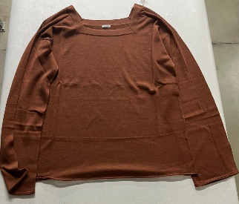 | WOMEN | MALO | SWEATERS | SCOLLO QUADRATO M/LU | 100%CO | ITALY
 | WOMEN | MALO | SWEATERS | SCOLLO QUADRATO M/LU | 100%CO | ITALY
 | WOMEN | MALO | SWEATERS | SCOLLO QUADRATO M/LU | 100%CO | ITALY
 | WOMEN | MALO | SWEATERS | SCOLLO QUADRATO M/LU | 100%CO | ITALY
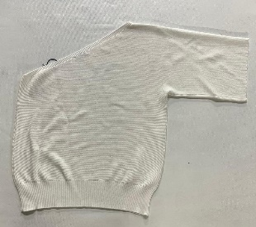 | WOMEN | MALO | SWEATERS | MONOSPALLA MANICA AM | 100%CO | ITALY
 | WOMEN | MALO | SWEATERS | MONOSPALLA MANICA AM | 100%CO | ITALY
 | WOMEN | MALO | SWEATERS | MONOSPALLA MANICA AM | 100%CO | ITALY
 | WOMEN | MALO | SWEATERS | MONOSPALLA MANICA AM | 100%CO | ITALY
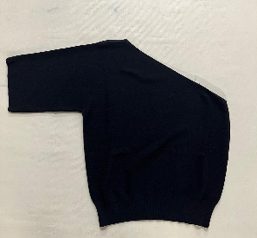 | WOMEN | MALO | SWEATERS | MONOSPALLA MANICA AM | 100%CO | ITALY
 | WOMEN | MALO | SWEATERS | MONOSPALLA MANICA AM | 100%CO | ITALY
 | WOMEN | MALO | SWEATERS | MONOSPALLA MANICA AM | 100%CO | ITALY
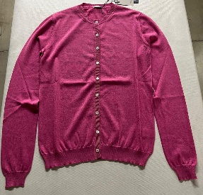 | WOMEN | MALO | SWEATERS | REBECCA | 100%CO | ITALY
 | WOMEN | MALO | SWEATERS | REBECCA | 100%CO | ITALY
 | WOMEN | MALO | SWEATERS | REBECCA | 100%CO | ITALY
 | WOMEN | MALO | SWEATERS | REBECCA | 100%CO | ITALY
 | WOMEN | MALO | SWEATERS | REBECCA | 100%CO | ITALY
 | WOMEN | MALO | SWEATERS | CARDIGAN ASIMMETRICO | 100%CO | ITALY
 | WOMEN | MALO | SWEATERS | CARDIGAN ASIMMETRICO | 100%CO | ITALY
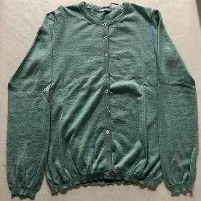 | WOMEN | MALO | SWEATERS | REBECCA M/L CON ZZ | 70%WS 30%SE | ITALY
 | WOMEN | MALO | SWEATERS | REBECCA M/L CON ZZ | 70%WS 30%SE | ITALY
 | WOMEN | MALO | SWEATERS | REBECCA M/L CON ZZ | 70%WS 30%SE | ITALY
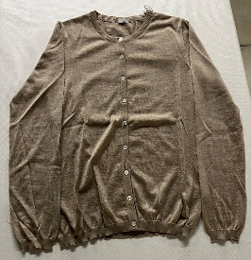 | WOMEN | MALO | SWEATERS | REBECCA M/L CON ZZ | 70%WS 30%SE | ITALY
 | WOMEN | MALO | SWEATERS | REBECCA M/L CON ZZ | 70%WS 30%SE | ITALY
 | WOMEN | MALO | SWEATERS | CARDIGAN C/SPACCHI E | 100%SE | ITALY
 | WOMEN | MALO | SWEATERS | CARDIGAN C/SPACCHI E | 100%SE | ITALY
 | WOMEN | MALO | SWEATERS | CARDIGAN C/SPACCHI E | 100%SE | ITALY
 | WOMEN | MALO | SWEATERS | CARDIGAN C/SPACCHI E | 100%SE | ITALY
 | WOMEN | MALO | SWEATERS | CARDIGAN C/SPACCHI E | 100%SE | ITALY
 | WOMEN | MALO | SWEATERS | CARDIGAN C/SPACCHI E | 100%SE | ITALY
 | WOMEN | MALO | SWEATERS | CARDIGAN C/SPACCHI E | 100%SE | ITALY
 | WOMEN | MALO | SWEATERS | CARDIGAN C/ZIP P.PER | 100%CO | ITALY
 | WOMEN | MALO | SWEATERS | CARDIGAN IN COSTA | 100%CO | ITALY
...

